Fig 2c original blots
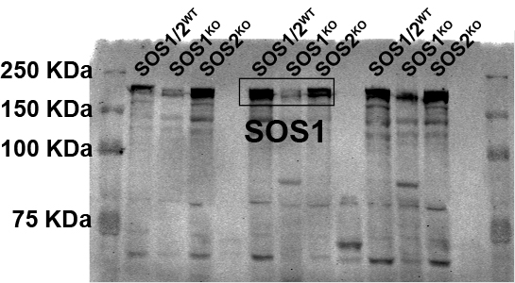
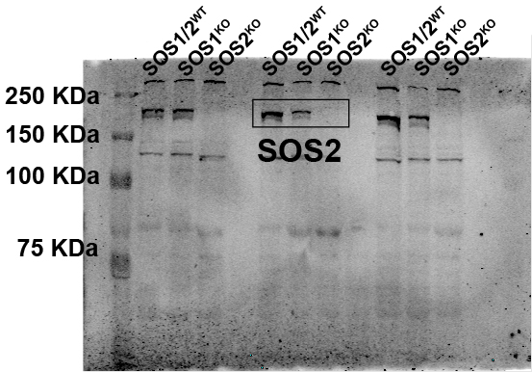
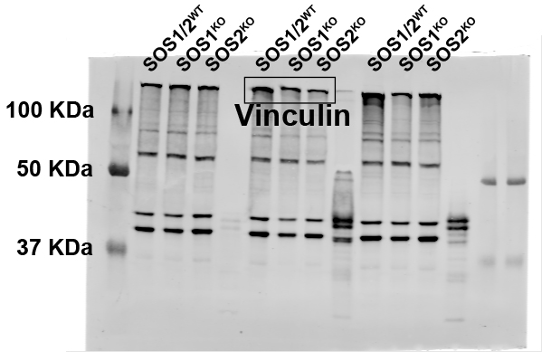
Figure 2c | Parameter: Original blots of Figure 2C corresponding to SOS1, SOS2 and vinculin immunodetection

Fig 2d original blots
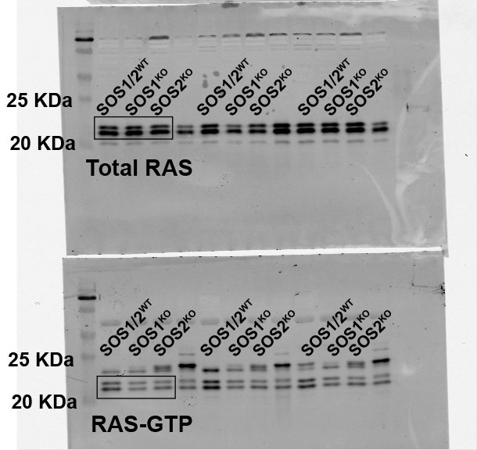
Figure 2d | Parameter: Original blots of Figure 2d corresponding to RASGTP and total RAS protein expression levels

Fig 7a original blots
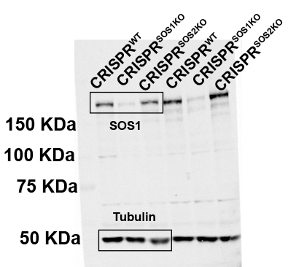
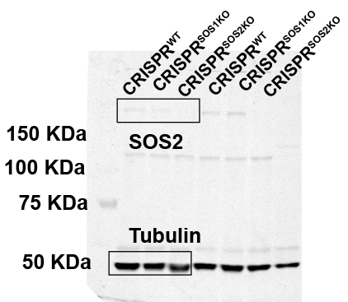
Figure 7a | Parameter: Original blots of Figure 7a corresponding to SOS1, SOS2 and tubulin immunodetection

