Fig. 1 C-J
150
100
C
loading
Cas9
25
GFP
GFP
Cas9
25
150
100
75
50
37
Ponceau | 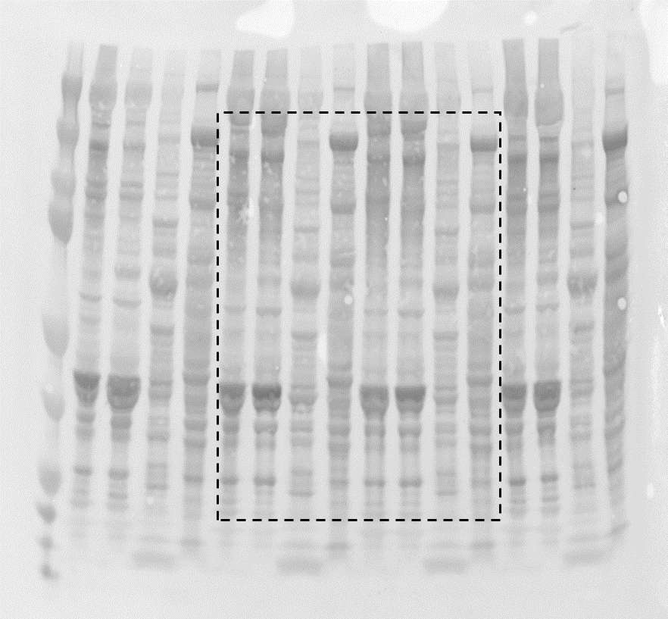

D
Mouse | BW (g)
Control_1 | 35.5
Control_2 | 31.4
Control_3 | 28.8
Control_4 | 32.2
Cas9mKI_1 | 28.9
Cas9mKI_2 | 34.8
Cas9mKI_3 | 37.8
Cas9mKI_4 | 32.5
 | 0.537 | p-value
E
 | muscle mass (mg) |  |  |  |  |  | norml. To control
Mouse | TA | EDL | GAS | SOL | QUAD |  | TA | EDL | GAS | SOL | QUAD
Control_1 | 54.0 | 10.1 | 164.9 | 9.6 | 213.8 |  | 0.99 | 0.95 | 0.98 | 1.07 | 0.97
Control_2 | 61.1 | 12.1 | 186.3 | 9.7 | 248.0 |  | 1.12 | 1.14 | 1.10 | 1.09 | 1.12
Control_3 | 50.2 | 9.9 | 159.4 | 7.6 | 211.0 |  | 0.92 | 0.93 | 0.94 | 0.85 | 0.95
Control_4 | 53.0 | 10.5 | 164.9 | 8.9 | 211.1 |  | 0.97 | 0.98 | 0.98 | 0.99 | 0.96
Cas9mKI_1 | 46.4 | 9.7 | 148.8 | 7.8 | 192.1 |  | 0.85 | 0.91 | 0.88 | 0.88 | 0.87
Cas9mKI_2 | 48.6 | 10.1 | 158.3 | 9.6 | 196.1 |  | 0.89 | 0.95 | 0.94 | 1.07 | 0.89
Cas9mKI_3 | 52.9 | 9.6 | 169.8 | 8.6 | 209.0 |  | 0.97 | 0.90 | 1.01 | 0.97 | 0.95
Cas9mKI_4 | 50.0 | 10.4 | 163.7 | 7.9 | 199.1 |  | 0.92 | 0.98 | 0.97 | 0.88 | 0.90
 |  |  |  |  |  |  | 0.1049 | 0.2293 | 0.2838 | 0.5085 | 0.0656 | p-value
F
min. fiber ferret class (um) | 5 | 10 | 15 | 20 | 25 | 30 | 35 | 40 | 45 | 50 | 55 | 60 | 65 | 70 | 75 | 80 | 85 | 90 | 95 | 100
 | % of total fibers |  |  |  |  |  |  |  |  |  |  |  |  |  |  |  |  |  |  |  |  | Mean min. fiber ferret (um)
Control_1 | 0 | 0 | 0.72 | 2.31 | 6.11 | 11.74 | 15.12 | 17.28 | 16.35 | 14.53 | 9.49 | 4.04 | 1.8 | 0.39 | 0.12 | 0 | 0 | 0 | 0 | 0 |  | 36.34
Control_2 | 0 | 0 | 0.43 | 0.97 | 4.63 | 10.49 | 14.85 | 14.95 | 17.21 | 16.46 | 12.43 | 5.43 | 1.51 | 0.48 | 0.11 | 0.05 | 0 | 0 | 0 | 0 |  | 39.72
Control_3 | 0 | 0 | 0.43 | 0.8 | 4.67 | 10.99 | 16.89 | 18.05 | 18.02 | 14.61 | 9.64 | 3.9 | 1.38 | 0.52 | 0.06 | 0.03 | 0 | 0 | 0 | 0 |  | 40.78
Control_4 | 0 | 0.03 | 0.26 | 1.62 | 7.41 | 16.11 | 19.01 | 21.07 | 17.62 | 10.92 | 4.82 | 1.05 | 0.06 | 0 | 0 | 0.03 | 0 | 0 | 0 | 0 |  | 39.11
Cas9mKI_1 | 0 | 0 | 0.09 | 1.24 | 7.36 | 16.34 | 17.22 | 18.7 | 17.78 | 12.2 | 6.44 | 1.95 | 0.47 | 0.21 | 0 | 0 | 0 | 0 | 0 | 0 |  | 39.35573
Cas9mKI_2 | 0 | 0 | 0.48 | 1.93 | 5.85 | 14.74 | 19.88 | 21.63 | 18.01 | 10.43 | 5.26 | 1.52 | 0.21 | 0.03 | 0.03 | 0 | 0 | 0 | 0 | 0 |  | 36.18718
Cas9mKI_3 | 0 | 0 | 0.4 | 2.05 | 7.38 | 16.08 | 20.49 | 21.04 | 16.66 | 9.77 | 3.74 | 1.53 | 0.58 | 0.15 | 0.09 | 0.03 | 0 | 0 | 0 | 0 |  | 36.78111
Cas9mKI_4 | 0 | 0 | 0.18 | 0.93 | 4.52 | 10.9 | 18.23 | 18.08 | 18.26 | 15.84 | 7.96 | 3.92 | 0.84 | 0.27 | 0.03 | 0 | 0.03 | 0 | 0 | 0 |  | 37.2656
 |  | 0.3559 | 0.2397 | 0.8055 | 0.5710 | 0.2700 | 0.0873 | 0.2345 | 0.4807 | 0.2908 | 0.1237 | 0.2511 | 0.1551 | 0.2085 | 0.3344 | 0.1677 | 0.3559 |  |  |  |  | 0.2231 | p-value
G
mouse | grip strength (kg)
Control_1 | 0.089
Control_2 | 0.087
Control_3 | 0.095
Control_4 | 0.081
Control_5 | 0.094
Cas9mKI_1 | 0.087
Cas9mKI_2 | 0.088
Cas9mKI_3 | 0.099
Cas9mKI_4 | 0.100
Cas9mKI_5 | 0.081
Cas9mKI_6 | 0.093
Cas9mKI_7 | 0.093
Cas9mKI_8 | 0.082
 | 0.7620 | p-value
H
time (ms) | 0 | 1 | 2 | 3 | 4 | 5 | 10 | 11 | 12 | 13 | 14 | 15 | 16 | 17 | 18 | 19 | 20 | 21 | 22 | 23 | 24 | 25 | 26 | 27 | 28 | 29 | 30 | 31 | 32 | 33 | 34 | 35 | 36 | 37 | 38 | 39 | 40 | 41 | 42 | 43 | 44 | 45 | 46 | 47 | 48 | 49 | 50 | 51 | 52 | 53 | 54 | 55 | 56 | 57 | 58 | 59 | 60
 | EDL twitch (mN)
Control_1 | 0.00 | 3.67 | 12.34 | 20.58 | 27.34 | 33.37 | 49.61 | 50.42 | 50.61 | 49.93 | 48.99 | 47.04 | 45.35 | 43.02 | 40.65 | 38.15 | 35.16 | 32.50 | 30.10 | 27.82 | 25.42 | 23.54 | 21.69 | 20.13 | 18.57 | 17.43 | 16.27 | 15.10 | 14.22 | 13.18 | 12.40 | 11.46 | 10.71 | 9.80 | 9.29 | 8.83 | 8.28 | 7.66 | 6.98 | 6.62 | 6.04 | 5.88 | 5.39 | 5.32 | 4.84 | 4.68 | 4.09 | 3.83 | 3.73 | 3.31 | 3.38 | 2.99 | 3.12 | 2.92 | 2.69 | 2.56 | 2.27
Control_2 | 0.00 | 5.58 | 13.44 | 20.52 | 26.36 | 31.52 | 45.00 | 45.58 | 44.74 | 43.08 | 40.68 | 38.41 | 35.55 | 32.60 | 29.19 | 26.30 | 23.38 | 20.97 | 19.09 | 17.17 | 16.17 | 14.74 | 13.90 | 13.18 | 11.98 | 11.46 | 10.65 | 9.93 | 9.25 | 8.51 | 8.08 | 7.37 | 7.05 | 6.49 | 6.01 | 5.36 | 5.10 | 4.58 | 4.25 | 4.22 | 3.70 | 3.73 | 3.18 | 3.02 | 2.73 | 2.34 | 2.37 | 1.95 | 1.88 | 1.66 | 1.62 | 1.30 | 1.36 | 1.27 | 1.07 | 1.07 | 0.75
Control_3 | 0.00 | 3.12 | 10.58 | 17.73 | 23.86 | 28.57 | 40.03 | 39.90 | 38.80 | 37.56 | 35.71 | 34.02 | 31.91 | 29.71 | 27.66 | 25.06 | 22.86 | 20.84 | 19.06 | 17.86 | 16.46 | 15.36 | 14.51 | 13.31 | 12.43 | 11.59 | 11.07 | 10.26 | 9.77 | 9.22 | 8.64 | 8.21 | 7.73 | 7.21 | 6.62 | 6.14 | 5.81 | 5.42 | 5.32 | 4.90 | 4.55 | 4.25 | 3.83 | 3.80 | 3.44 | 3.25 | 3.21 | 2.86 | 2.79 | 2.50 | 2.50 | 2.24 | 2.05 | 2.11 | 1.92 | 2.21 | 1.82
Control_4 | 0.00 | 6.17 | 15.65 | 23.86 | 31.30 | 37.56 | 55.35 | 55.91 | 55.81 | 54.32 | 51.75 | 48.60 | 45.26 | 41.65 | 38.02 | 34.48 | 30.65 | 27.56 | 25.23 | 23.12 | 21.04 | 19.67 | 18.25 | 17.14 | 15.94 | 15.13 | 13.99 | 13.02 | 12.14 | 11.40 | 10.39 | 9.80 | 8.93 | 8.08 | 7.73 | 7.14 | 6.43 | 5.91 | 5.52 | 5.23 | 4.58 | 4.25 | 3.90 | 3.64 | 3.31 | 3.02 | 2.89 | 2.53 | 2.40 | 2.21 | 1.92 | 1.82 | 1.56 | 1.40 | 1.49 | 1.36 | 1.07
Cas9mKI_1 | 0.00 | 5.94 | 14.97 | 23.05 | 30.16 | 35.71 | 50.03 | 49.83 | 48.86 | 46.65 | 44.06 | 41.07 | 37.63 | 34.45 | 31.43 | 28.76 | 26.52 | 24.09 | 22.08 | 20.19 | 18.51 | 17.14 | 15.62 | 14.45 | 13.15 | 11.75 | 10.78 | 9.35 | 8.60 | 7.69 | 6.79 | 6.36 | 5.39 | 5.19 | 4.74 | 4.22 | 3.86 | 3.41 | 3.28 | 2.82 | 2.73 | 2.92 | 2.44 | 2.47 | 2.18 | 1.95 | 1.95 | 1.59 | 1.75 | 1.88 | 1.56 | 1.62 | 1.30 | 1.36 | 1.17 | 1.10 | 1.20
Cas9mKI_2 | 0.00 | 6.14 | 15.45 | 23.73 | 30.91 | 36.39 | 51.95 | 51.72 | 50.65 | 48.89 | 46.33 | 43.93 | 40.68 | 37.08 | 33.18 | 29.87 | 26.98 | 24.25 | 22.17 | 19.90 | 18.34 | 16.82 | 15.45 | 14.51 | 13.25 | 12.27 | 11.33 | 10.49 | 9.80 | 9.19 | 8.38 | 7.73 | 6.88 | 6.62 | 6.10 | 5.84 | 5.13 | 4.77 | 4.64 | 4.12 | 3.93 | 3.73 | 3.47 | 3.28 | 3.05 | 3.02 | 2.82 | 2.79 | 2.66 | 2.40 | 2.31 | 2.08 | 2.27 | 2.21 | 2.05 | 1.88 | 1.62
Cas9mKI_3 | 0.00 | 5.68 | 13.90 | 20.78 | 26.52 | 31.20 | 42.89 | 42.47 | 41.30 | 39.25 | 36.85 | 34.22 | 31.20 | 28.50 | 25.39 | 23.02 | 20.49 | 18.41 | 16.53 | 15.23 | 13.93 | 12.82 | 11.85 | 10.97 | 10.10 | 9.19 | 8.70 | 7.89 | 7.50 | 6.82 | 6.46 | 5.94 | 5.45 | 5.16 | 4.61 | 4.45 | 3.96 | 3.73 | 3.28 | 3.12 | 2.63 | 2.60 | 2.34 | 2.21 | 2.11 | 1.98 | 1.75 | 1.40 | 1.66 | 1.23 | 1.30 | 1.14 | 0.97 | 0.94 | 0.65 | 0.94 | 0.78
Cas9mKI_4 | 0.00 | 6.56 | 15.13 | 22.30 | 28.57 | 33.54 | 46.30 | 46.69 | 46.33 | 45.13 | 43.50 | 41.62 | 39.32 | 36.85 | 34.41 | 31.62 | 28.83 | 26.20 | 23.76 | 21.36 | 19.48 | 17.63 | 16.04 | 14.67 | 13.31 | 12.08 | 11.07 | 10.06 | 9.09 | 8.38 | 7.60 | 6.88 | 6.23 | 5.84 | 5.39 | 4.90 | 4.58 | 4.16 | 3.90 | 3.70 | 3.38 | 3.38 | 3.08 | 2.76 | 2.69 | 2.63 | 2.44 | 2.24 | 2.24 | 2.14 | 2.05 | 2.05 | 1.85 | 1.82 | 1.85 | 1.72 | 1.79

I
 |  |  |  |  | norml. to control
mouse | Pt (mN) | TPT (ms) | 1/2RT (ms) |  | Pt | TPT | 1/2RT (ms)
Control_1 | 50.61 | 12.25 | 11.99 |  | 1.05 | 1.06 | 1.14
Control_2 | 45.58 | 11.42 | 9.58 |  | 0.95 | 0.99 | 0.91
Control_3 | 40.03 | 10.75 | 10.94 |  | 0.83 | 0.93 | 1.04
Control_4 | 55.91 | 11.68 | 9.44 |  | 1.16 | 1.01 | 0.90
Cas9mKI_1 | 50.03 | 10.90 | 10.52 |  | 1.04 | 0.95 | 1.00
Cas9mKI_2 | 51.95 | 10.67 | 9.86 |  | 1.08 | 0.93 | 0.94
Cas9mKI_3 | 42.89 | 10.51 | 9.25 |  | 0.89 | 0.91 | 0.88
Cas9mKI_4 | 46.69 | 11.50 | 10.97 |  | 0.97 | 1.00 | 1.05
 |  |  |  |  | 0.9716 | 0.1474 | 0.6469 | p-value
J
stim. Frequency (Hz) | 1 | 20 | 50 | 100 | 150 | 200
stim. # |  |  |  |  |  |  | 5 | 10 | 15 | 20 | 25 | 30 | 35 | 40 | 45
Control_1 | 33.79 | 38.51 | 76.03 | 183.67 | 226.12 | 243.76 | 213.31 | 179.63 | 137.50 | 97.13 | 74.94 | 63.80 | 59.08 | 57.27 | 55.72
Control_2 | 26.43 | 29.07 | 50.88 | 173.71 | 211.51 | 223.57 | 172.55 | 135.90 | 92.52 | 67.21 | 55.24 | 51.05 | 49.27 | 47.88 | 46.83
Control_3 | 28.18 | 31.64 | 53.78 | 149.12 | 190.31 | 210.63 | 181.40 | 137.75 | 95.69 | 67.29 | 55.72 | 50.54 | 47.88 | 46.50 | 45.66
Control_4 | 34.41 | 38.67 | 78.89 | 203.94 | 241.39 | 253.90 | 219.09 | 167.16 | 118.94 | 79.28 | 63.20 | 58.52 | 55.85 | 55.24 | 54.88
Cas9mKI_1 | 35.04 | 36.78 | 57.04 | 173.03 | 211.09 | 229.40 | 205.24 | 171.16 | 129.84 | 93.05 | 73.95 | 65.82 | 61.80 | 58.83 | 56.96
Cas9mKI_2 | 33.98 | 36.03 | 56.73 | 175.38 | 216.03 | 230.86 | 198.47 | 158.20 | 114.11 | 79.48 | 63.49 | 55.91 | 52.53 | 49.63 | 50.22
Cas9mKI_3 | 31.54 | 35.02 | 59.11 | 188.72 | 228.58 | 243.99 | 204.83 | 164.77 | 127.71 | 90.24 | 71.49 | 63.28 | 59.31 | 57.11 | 55.99
Cas9mKI_4 | 30.32 | 32.56 | 58.69 | 161.56 | 196.75 | 213.06 | 192.70 | 159.15 | 125.64 | 93.77 | 73.93 | 64.93 | 60.70 | 57.92 | 56.04
 | 0.4099 | 0.8177 | 0.3762 | 0.8245 | 0.7512 | 0.7653 | 0.7650 | 0.4936 | 0.2822 | 0.1938 | 0.1571 | 0.1461 | 0.1509 | 0.2680 | 0.2345 | p-value

Fig. 2 C-F
C
 | TA | Heart | Liver
mouse | AAV genomes / nuclei
AAV9-sgNT_1 | 62.82 | 16.69 | 78.34
AAV9-sgNT_2 | 83.26 | 13.01 | 141.25
AAV9-sgNT_3 | 108.86 | 15.38 | 175.85
AAV9-sgNT_4 | 148.96 | 14.57 | 89.99
AAV9-3sgPKCa-1_1 | 110.65 | 15.41 | 34.14
AAV9-3sgPKCa-1_2 | 95.81 | 38.70 | 127.85
AAV9-3sgPKCa-1_3 | 95.22 | 22.38 | 177.22
AAV9-3sgPKCa-1_4 | 50.22 | not collected | not collected
AAV9-3sgPKCa-1_5 | 80.98 | not collected | not collected
 | 0.4951 | 0.1300 | 0.8587 | p-value
D
 | TA | Heart | Liver
mouse | sgPKCa-1 editing (%)
AAV9-sgNT_1 | 2.3 | 0.3 | 0.5
AAV9-sgNT_2 | 1.8 | 1.8 | 3.4
AAV9-sgNT_3 | 1.6 | 2.7 | 1.8
AAV9-sgNT_4 | 0.0 | 2.1 | 3.8
AAV9-3sgPKCa-1_1 | 18.0 | 1.0 | 0.1
AAV9-3sgPKCa-1_2 | 22.7 | 2.1 | 1.7
AAV9-3sgPKCa-1_3 | 19.2 | 4.2 | 0.1
AAV9-3sgPKCa-1_4 | 18.8 | not collected | not collected
AAV9-3sgPKCa-1_5 | 22.9 | not collected | not collected
 | 0.0000 | 0.5066 | 0.1432 | p-value
E
loading
100
75
100
75
PKCa
tdTomato
PKCa
50
50
37
GAPDH
tdTomato |  |  |  |  |  |  |  |  |  | 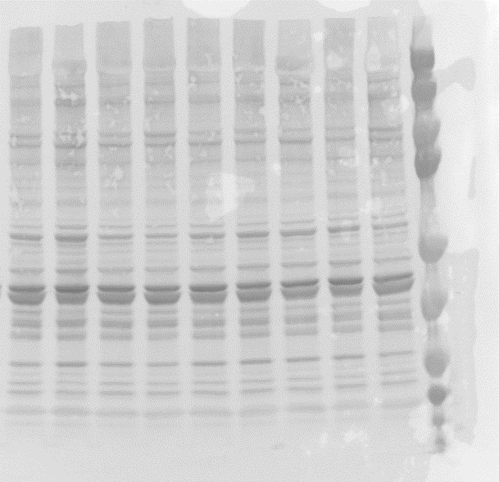
37
GAPDH

F
 | raw band density |  |  |  | norm. to GAPDH |  | norm. to control
mouse | GAPDH | PKCa | tdTomato |  | PKCa | tdTomato | PKCa | tdTomato
AAV9-sgNT_1 | 18352886 | 10115678 | 451770 |  | 0.55 | 0.02 | 0.78 | 1.21
AAV9-sgNT_2 | 35575522 | 36062213 | 485104 |  | 1.01 | 0.01 | 1.43 | 0.67
AAV9-sgNT_3 | 19290473 | 10858702 | 412284 |  | 0.56 | 0.02 | 0.79 | 1.05
AAV9-sgNT_4 | 17327763 | 12345306 | 378035 |  | 0.71 | 0.02 | 1.00 | 1.07
AAV9-3sgPKCa-1_1 | 22974489 | 1918222 | 465966 |  | 0.08 | 0.02 | 0.12 | 1.00
AAV9-3sgPKCa-1_2 | 20058836 | 1009374 | 422225 |  | 0.05 | 0.02 | 0.07 | 1.03
AAV9-3sgPKCa-1_3 | 25250404 | 2927741 | 517067 |  | 0.12 | 0.02 | 0.16 | 1.01
AAV9-3sgPKCa-1_4 | 17460307 | 1575644 | 446781 |  | 0.09 | 0.03 | 0.13 | 1.26
AAV9-3sgPKCa-1_5 | 20082939 | 6901360 | 390827 |  | 0.34 | 0.02 | 0.48 | 0.96
 |  |  |  |  |  |  | 0.0014 | 0.6867 | p-value

Fig. 3 C, D ,E, G-I
not part of this study
75
100
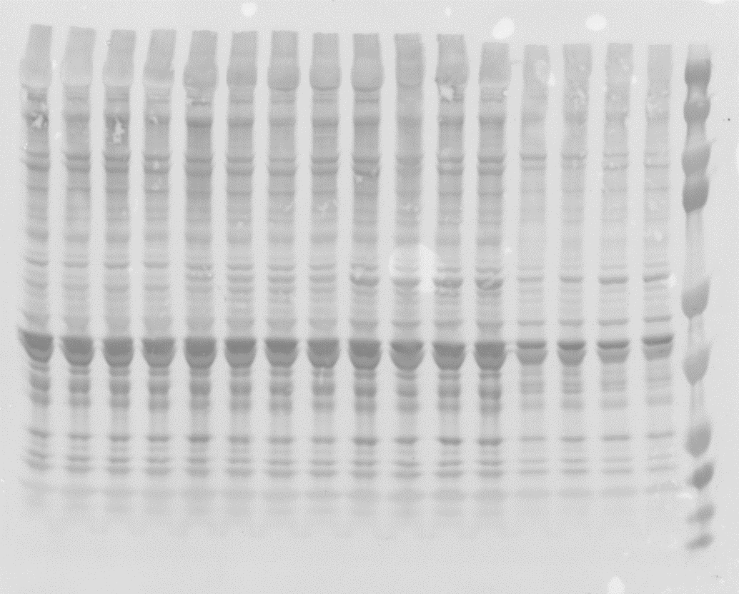
100
PKCa
C
loading
PKCa
50
75
50
37
tdTomato
GAPDH
tdTomato
37
GAPDH

D
 | raw band density |  |  |  | norm. to GAPDH |  |  | norm. to control
mouse | GAPDH | PKCa | tdTomato |  | PKCa | tdTomato |  | PKCa | tdTomato
PBS_1 | 41963992 | 39774737 | 3293919 |  | 0.95 | 0.08 |  | 1.24 | 0.03
PBS_2 | 34158774 | 22805755 | 3490798 |  | 0.67 | 0.10 |  | 0.87 | 0.04
PBS_3 | 34202559 | 25724654 | 5509698 |  | 0.75 | 0.16 |  | 0.98 | 0.07
PBS_4 | 32465397 | 22792865 | 6184313 |  | 0.70 | 0.19 |  | 0.91 | 0.08
AAV9-3sgPKCa-1_1 | 33301383 | 24416952 | 66060718 |  | 0.73 | 1.98 |  | 0.96 | 0.85
AAV9-3sgPKCa-1_2 | 36158390 | 17650063 | 67544023 |  | 0.49 | 1.87 |  | 0.64 | 0.80
AAV9-3sgPKCa-1_3 | 27375456 | 9161653 | 66735224 |  | 0.33 | 2.44 |  | 0.44 | 1.05
AAV9-3sgPKCa-1_4 | 24607084 | 8921361 | 73648149 |  | 0.36 | 2.99 |  | 0.47 | 1.29
AAVMYO-3sgPKCa-1_1 | 25621042 | 5794247 | 95071602 |  | 0.23 | 3.71 |  | 0.29 | 1.60
AAVMYO-3sgPKCa-1_2 | 11574550 | 1525391 | 95651326 |  | 0.13 | 8.26 |  | 0.17 | 3.56
AAVMYO-3sgPKCa-1_3 | 21704969 | 3088211 | 101029402 |  | 0.14 | 4.65 |  | 0.19 | 2.01
AAVMYO-3sgPKCa-1_4 | 24613992 | 4630852 | 102577749 |  | 0.19 | 4.17 |  | 0.25 | 1.80
 |  |  |  |  |  |  |  | Anova
 |  |  |  |  |  |  |  | 0.0004 | 0.0009
 |  |  |  |  |  |  |  | P-value
 |  |  |  |  |  |  |  | 0.0121 | 0.0338 | PBS vs. AAV9
 |  |  |  |  |  |  |  | 0.0001 | 0.0003 | PBS vs. AAVMYO
 |  |  |  |  |  |  |  | 0.0085 | 0.0093 | AAV9 vs AAVMYO
E
mouse | sgPKCa-1 editing (%)
PBS_1 | 2.9
PBS_2 | 2.9
PBS_3 | 3
PBS_4 | 3.9
AAV9-3sgPKCa-1_1 | 14.6
AAV9-3sgPKCa-1_2 | 18.1
AAV9-3sgPKCa-1_3 | 18.5
AAV9-3sgPKCa-1_4 | 17.5
AAVMYO-3sgPKCa-1_1 | 22.3
AAVMYO-3sgPKCa-1_2 | 20.4
AAVMYO-3sgPKCa-1_3 | 20.3
AAVMYO-3sgPKCa-1_4 | 26.4
 | Anova
 | <0.0001
 | P-value
 | <0.0001 | PBS vs. AAV9
 | <0.0001 | PBS vs. AAVMYO
 | 0.0046 | AAV9 vs AAVMYO
F
Amplicon | Guide | Reads_aligned | Unmodified | Modified | Unmodified (%) | Modified (%)
Control-1-sgPKCα-1-ontarget | sgPKCα-1-ontarget | 135682 | 132219 | 3463 | 97.45 | 2.55
Control-2-sgPKCα-1-ontarget | sgPKCα-1-ontarget | 156199 | 146779 | 9420 | 93.97 | 6.03
Control-3-sgPKCα-1-ontarget | sgPKCα-1-ontarget | 180456 | 174196 | 6260 | 96.53 | 3.47
Control-4-sgPKCα-1-ontarget | sgPKCα-1-ontarget | 147320 | 142053 | 5267 | 96.42 | 3.58
AAV9-1-sgPKCα-1-ontarget | sgPKCα-1-ontarget | 121901 | 100866 | 21035 | 82.74 | 17.26
AAV9-2-sgPKCα-1-ontarget | sgPKCα-1-ontarget | 122339 | 99979 | 22360 | 81.72 | 18.28
AAV9-3-sgPKCα-1-ontarget | sgPKCα-1-ontarget | 90438 | 72908 | 17530 | 80.62 | 19.38
AAV9-4-sgPKCα-1-ontarget | sgPKCα-1-ontarget | 151031 | 120972 | 30059 | 80.10 | 19.90
AAVMYO-1-sgPKCα-1-ontarget | sgPKCα-1-ontarget | 173012 | 128325 | 44687 | 74.17 | 25.83
AAVMYO-2-sgPKCα-1-ontarget | sgPKCα-1-ontarget | 143357 | 107893 | 35464 | 75.26 | 24.74
AAVMYO-3-sgPKCα-1-ontarget | sgPKCα-1-ontarget | 183297 | 145880 | 37417 | 79.59 | 20.41
AAVMYO-4-sgPKCα-1-ontarget | sgPKCα-1-ontarget | 171113 | 134209 | 36904 | 78.43 | 21.57
 |  |  |  |  |  | Anova
 |  |  |  |  |  | <0.0001
 |  |  |  |  |  | P-value
 |  |  |  |  |  | <0.0001 | Control vs. AAV9
 |  |  |  |  |  | <0.0001 | Control vs. AAVMYO
 |  |  |  |  |  | 0.0078 | AAV9 vs AAVMYO
H
indel size (bp) | -10 | -9 | -8 | -7 | -6 | -5 | -4 | -3 | -2 | -1 | 0 | 1 | 2 | 3 | 4 | 5 | 6 | 7 | 8 | 9 | 10
 | sequences (%)
PBS_1 | 0.00 | 0.00 | 0.02 | 0.01 | 0.03 | 0.03 | 0.23 | 0.03 | 0.20 | 0.94 | 98.19 | 0.25 | 0.00 | 0.00 | 0.00 | 0.00 | 0.00 | 0.00 | 0.00 | 0.00 | 0.00
PBS_2 | 0.00 | 0.01 | 0.01 | 0.06 | 0.09 | 0.05 | 0.30 | 0.22 | 0.82 | 2.86 | 94.82 | 0.67 | 0.02 | 0.02 | 0.00 | 0.00 | 0.00 | 0.00 | 0.00 | 0.00 | 0.00
PBS_3 | 0.02 | 0.01 | 0.00 | 0.07 | 0.05 | 0.06 | 0.24 | 0.03 | 0.52 | 1.37 | 97.18 | 0.37 | 0.00 | 0.00 | 0.00 | 0.00 | 0.00 | 0.00 | 0.00 | 0.00 | 0.00
PBS_4 | 0.00 | 0.00 | 0.00 | 0.03 | 0.07 | 0.00 | 0.10 | 0.06 | 0.64 | 1.36 | 97.33 | 0.30 | 0.02 | 0.00 | 0.00 | 0.01 | 0.00 | 0.00 | 0.00 | 0.00 | 0.00
AAV9-3sgPKCa-1_1 | 0.08 | 0.14 | 0.13 | 0.21 | 0.36 | 0.27 | 1.24 | 0.42 | 2.67 | 8.72 | 83.89 | 1.45 | 0.01 | 0.00 | 0.00 | 0.00 | 0.00 | 0.00 | 0.00 | 0.00 | 0.00
AAV9-3sgPKCa-1_2 | 0.00 | 0.18 | 0.00 | 0.18 | 0.50 | 0.24 | 1.40 | 0.36 | 3.24 | 8.52 | 82.98 | 2.15 | 0.04 | 0.00 | 0.00 | 0.00 | 0.00 | 0.00 | 0.00 | 0.00 | 0.00
AAV9-3sgPKCa-1_3 | 0.08 | 0.07 | 0.03 | 0.32 | 0.35 | 0.35 | 1.31 | 0.21 | 3.55 | 9.86 | 81.59 | 2.01 | 0.12 | 0.00 | 0.00 | 0.00 | 0.00 | 0.00 | 0.00 | 0.00 | 0.00
AAV9-3sgPKCa-1_4 | 0.05 | 0.05 | 0.09 | 0.33 | 0.49 | 0.10 | 1.80 | 0.55 | 3.37 | 9.27 | 81.22 | 2.48 | 0.04 | 0.04 | 0.06 | 0.00 | 0.00 | 0.00 | 0.00 | 0.00 | 0.00
AAVMYO-3sgPKCa-1_1 | 0.11 | 0.16 | 0.08 | 0.34 | 0.58 | 0.26 | 2.14 | 0.87 | 4.74 | 12.20 | 75.51 | 2.72 | 0.17 | 0.00 | 0.00 | 0.00 | 0.00 | 0.00 | 0.00 | 0.00 | 0.00
AAVMYO-3sgPKCa-1_2 | 0.16 | 0.12 | 0.12 | 0.35 | 1.03 | 0.45 | 2.31 | 0.64 | 4.84 | 9.84 | 76.76 | 2.91 | 0.13 | 0.01 | 0.00 | 0.00 | 0.00 | 0.00 | 0.00 | 0.00 | 0.00
AAVMYO-3sgPKCa-1_3 | 0.07 | 0.14 | 0.12 | 0.14 | 0.44 | 0.26 | 1.78 | 0.46 | 4.13 | 9.32 | 80.73 | 2.01 | 0.05 | 0.05 | 0.00 | 0.00 | 0.00 | 0.00 | 0.00 | 0.00 | 0.00
AAVMYO-3sgPKCa-1_4 | 0.00 | 0.17 | 0.17 | 0.24 | 0.66 | 0.13 | 1.92 | 0.47 | 4.57 | 8.92 | 79.66 | 2.67 | 0.21 | 0.00 | 0.00 | 0.00 | 0.00 | 0.00 | 0.00 | 0.00 | 0.00

I
Amplicon | Guide | Unmodified | Modified | Unmodified (%) | Modified (%)
Control-1-sgPKCα-1-offtraget1 | sgPKCα-1-offtraget1 | 161007 | 1251 | 99.23 | 0.77 | Off-target-1
Control-2-sgPKCα-1-offtraget1 | sgPKCα-1-offtraget1 | 231445 | 1819 | 99.22 | 0.78 | Anova
Control-3-sgPKCα-1-offtraget1 | sgPKCα-1-offtraget1 | 221178 | 1837 | 99.18 | 0.82 | 0.6623
Control-4-sgPKCα-1-offtraget1 | sgPKCα-1-offtraget1 | 184046 | 1638 | 99.12 | 0.88 | P-value
AAV9-1-sgPKCα-1-offtraget1 | sgPKCα-1-offtraget1 | 231352 | 2563 | 98.90 | 1.10 | 0.407 | Control vs. AAV9
AAV9-2-sgPKCα-1-offtraget1 | sgPKCα-1-offtraget1 | 226682 | 1882 | 99.18 | 0.82 | 0.4912 | Control vs. AAVMYO
AAV9-3-sgPKCα-1-offtraget1 | sgPKCα-1-offtraget1 | 269940 | 2443 | 99.10 | 0.90 | 0.8825 | AAV9 vs AAVMYO
AAV9-4-sgPKCα-1-offtraget1 | sgPKCα-1-offtraget1 | 272348 | 2031 | 99.26 | 0.74
AAVMYO-1-sgPKCα-1-offtraget1 | sgPKCα-1-offtraget1 | 178855 | 1673 | 99.07 | 0.93
AAVMYO-2-sgPKCα-1-offtraget1 | sgPKCα-1-offtraget1 | 222996 | 1855 | 99.18 | 0.82
AAVMYO-3-sgPKCα-1-offtraget1 | sgPKCα-1-offtraget1 | 247134 | 1782 | 99.28 | 0.72
AAVMYO-4-sgPKCα-1-offtraget1 | sgPKCα-1-offtraget1 | 218803 | 2291 | 98.96 | 1.04
Control-1-sgPKCα-1-offtarget2 | sgPKCα-1-offtarget2 | 139338 | 893 | 99.36 | 0.64 | Off-target-2
Control-2-sgPKCα-1-offtarget2 | sgPKCα-1-offtarget2 | 107215 | 731 | 99.32 | 0.68 | Anova
Control-3-sgPKCα-1-offtarget2 | sgPKCα-1-offtarget2 | 162511 | 1210 | 99.26 | 0.74 | 0.0276
Control-4-sgPKCα-1-offtarget2 | sgPKCα-1-offtarget2 | 166321 | 1086 | 99.35 | 0.65 | P-value
AAV9-1-sgPKCα-1-offtarget2 | sgPKCα-1-offtarget2 | 183883 | 1457 | 99.21 | 0.79 | 0.3321 | Control vs. AAV9
AAV9-2-sgPKCα-1-offtarget2 | sgPKCα-1-offtarget2 | 107604 | 742 | 99.32 | 0.68 | 0.0101 | Control vs. AAVMYO
AAV9-3-sgPKCα-1-offtarget2 | sgPKCα-1-offtarget2 | 159235 | 1051 | 99.34 | 0.66 | 0.0538 | AAV9 vs AAVMYO
AAV9-4-sgPKCα-1-offtarget2 | sgPKCα-1-offtarget2 | 182427 | 1297 | 99.29 | 0.71
AAVMYO-1-sgPKCα-1-offtarget2 | sgPKCα-1-offtarget2 | 141374 | 1105 | 99.22 | 0.78
AAVMYO-2-sgPKCα-1-offtarget2 | sgPKCα-1-offtarget2 | 158318 | 1262 | 99.21 | 0.79
AAVMYO-3-sgPKCα-1-offtarget2 | sgPKCα-1-offtarget2 | 158199 | 1292 | 99.19 | 0.81
AAVMYO-4-sgPKCα-1-offtarget2 | sgPKCα-1-offtarget2 | 242228 | 1804 | 99.26 | 0.74
Control-1-sgPKCα-1-offtarget3 | sgPKCα-1-offtarget3 | 90882 | 335 | 99.63 | 0.37 | Off-target-3
Control-2-sgPKCα-1-offtarget3 | sgPKCα-1-offtarget3 | 118513 | 563 | 99.53 | 0.47 | Anova
Control-3-sgPKCα-1-offtarget3 | sgPKCα-1-offtarget3 | 62429 | 255 | 99.59 | 0.41 | 0.7988
Control-4-sgPKCα-1-offtarget3 | sgPKCα-1-offtarget3 | 141347 | 568 | 99.60 | 0.40 | P-value
AAV9-1-sgPKCα-1-offtarget3 | sgPKCα-1-offtarget3 | 163255 | 575 | 99.65 | 0.35 | 0.7258 | Control vs. AAV9
AAV9-2-sgPKCα-1-offtarget3 | sgPKCα-1-offtarget3 | 64837 | 386 | 99.41 | 0.59 | 0.5147 | Control vs. AAVMYO
AAV9-3-sgPKCα-1-offtarget3 | sgPKCα-1-offtarget3 | 169143 | 620 | 99.63 | 0.37 | 0.759 | AAV9 vs AAVMYO
AAV9-4-sgPKCα-1-offtarget3 | sgPKCα-1-offtarget3 | 158669 | 690 | 99.57 | 0.43
AAVMYO-1-sgPKCα-1-offtarget3 | sgPKCα-1-offtarget3 | 52913 | 325 | 99.39 | 0.61
AAVMYO-2-sgPKCα-1-offtarget3 | sgPKCα-1-offtarget3 | 84916 | 319 | 99.63 | 0.37
AAVMYO-3-sgPKCα-1-offtarget3 | sgPKCα-1-offtarget3 | 173907 | 743 | 99.57 | 0.43
AAVMYO-4-sgPKCα-1-offtarget3 | sgPKCα-1-offtarget3 | 50889 | 211 | 99.59 | 0.41
Control-1-sgPKCα-1-offtarget4 | sgPKCα-1-offtarget4 | 130499 | 645 | 99.51 | 0.49 | Off-target-4
Control-2-sgPKCα-1-offtarget4 | sgPKCα-1-offtarget4 | 122249 | 553 | 99.55 | 0.45 | Anova
Control-3-sgPKCα-1-offtarget4 | sgPKCα-1-offtarget4 | 163468 | 651 | 99.60 | 0.40 | 0.4569
Control-4-sgPKCα-1-offtarget4 | sgPKCα-1-offtarget4 | 110709 | 404 | 99.64 | 0.36 | P-value
AAV9-1-sgPKCα-1-offtarget4 | sgPKCα-1-offtarget4 | 154888 | 596 | 99.62 | 0.38 | 0.3744 | Control vs. AAV9
AAV9-2-sgPKCα-1-offtarget4 | sgPKCα-1-offtarget4 | 202433 | 957 | 99.53 | 0.47 | 0.2394 | Control vs. AAVMYO
AAV9-3-sgPKCα-1-offtarget4 | sgPKCα-1-offtarget4 | 177445 | 650 | 99.64 | 0.36 | 0.7524 | AAV9 vs AAVMYO
AAV9-4-sgPKCα-1-offtarget4 | sgPKCα-1-offtarget4 | 122946 | 436 | 99.65 | 0.35
AAVMYO-1-sgPKCα-1-offtarget4 | sgPKCα-1-offtarget4 | 151674 | 637 | 99.58 | 0.42
AAVMYO-2-sgPKCα-1-offtarget4 | sgPKCα-1-offtarget4 | 112990 | 397 | 99.65 | 0.35
AAVMYO-3-sgPKCα-1-offtarget4 | sgPKCα-1-offtarget4 | 127049 | 517 | 99.59 | 0.41
AAVMYO-4-sgPKCα-1-offtarget4 | sgPKCα-1-offtarget4 | 156281 | 554 | 99.65 | 0.35

Fig. 4 C, D-G
C
mouse | TA | EDL | SOL | TRI | DIA
 | AAV genome / nuclei
AAV9-3sgPKCa-1_1 | 13.38 | 10.37 | 6.60 | 4.40 | 3.99
AAV9-3sgPKCa-1_2 | 4.92 | 11.08 | 3.86 | 5.57 | 5.83
AAV9-3sgPKCa-1_3 | 4.95 | 11.15 | 8.27 | 3.97 | 5.73
AAV9-3sgPKCa-1_4 | 6.60 | 6.97 | 2.68 | 5.95 | 7.48
AAVMYO-3sgPKCa-1_1 | 30.09 | 36.80 | 21.42 | 44.42 | 24.94
AAVMYO-3sgPKCa-1_2 | 30.63 | 92.70 | 27.74 | 38.96 | 70.03
AAVMYO-3sgPKCa-1_3 | 29.61 | 16.70 | 41.63 | 35.03 | 86.34
AAVMYO-3sgPKCa-1_4 | 27.82 | 27.75 | 24.96 | 18.70 | 50.20
AAVMYO-3sgPKCa-1_5 | 17.94 | 16.38 | 32.40 | 24.12 | 110.66
 | 0.0005 | 0.1236 | 0.0006 | 0.0015 | 0.0071 | P-value
D
mouse | TA | EDL | SOL | TRI | DIA
 | sgPKCa-1 editing (%)
PBS_1 | 1.0 | 0.0 | 2.6 | 1.3 | 0.6
PBS_2 | 0.5 | 0.0 | 0.4 | 0.0 | 0.2
PBS_3 | 0.0 | 0.1 | 0.0 | 2.5 | 0.0
PBS_4 | 0.9 | 0.2 | 1.7 | 0.6 | 0.0
AAV9-3sgPKCa-1_1 | 3.4 | 0.5 | 5.1 | 1.1 | 0.0
AAV9-3sgPKCa-1_2 | 4.0 | 4.8 | 0.6 | 0.4 | 2.1
AAV9-3sgPKCa-1_3 | 2.5 | 0.4 | 8.7 | 2.7 | 3.0
AAV9-3sgPKCa-1_4 | 8.0 | 3.8 | 8.4 | 9.0 | 2.1
AAVMYO-3sgPKCa-1_1 | 16.0 | 16.4 | 17.3 | 5.7 | 16.8
AAVMYO-3sgPKCa-1_2 | 12.7 | 13.8 | 13.7 | 14.6 | 21.0
AAVMYO-3sgPKCa-1_3 | 22.6 | 13.6 | 13.5 | 11.5 | 19.2
AAVMYO-3sgPKCa-1_4 | 18.2 | 13.1 | 17.9 | 10.0 | 17.2
AAVMYO-3sgPKCa-1_5 | 18.8 | 7.3 | 17.8 | 12.0 | 21.1
 | Anova
 | <0.0001 | <0.0001 | <0.0001 | 0.0018 | <0.0001
 | P-value
 | 0.0679 | 0.2147 | 0.033 | 0.3306 | 0.1548 | PBS vs. AAV9
 | <0.0001 | <0.0001 | <0.0001 | 0.0008 | <0.0001 | PBS vs. AAVMYO
 | <0.0001 | <0.0001 | 0.0001 | 0.0044 | <0.0001 | AAV9 vs AAVMYO

not part of this study
75
100
PKCa
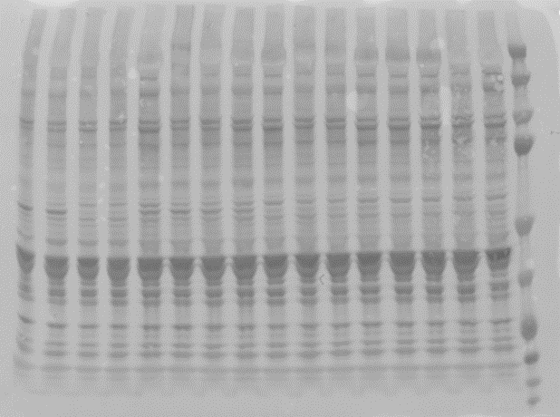
75
100
E
loading
PKCa
50
tdTomato
GAPDH
37
50
tdTomato
37
GAPDH

F, G
 | raw band density |  |  |  | norm. to GAPDH |  | norm. to control
mouse | GAPDH | PKCa | tdTomato |  | PKCa | tdTomato | PKCa | tdTomato
PBS_1 | 10515684 | 29521347 | 1474 |  | 2.81 | 0.00 | 1.14 | 0.00
PBS_2 | 6925579 | 12881160 | 71 |  | 1.86 | 0.00 | 0.76 | 0.00
PBS_3 | 8157913 | 21752379 | 343 |  | 2.67 | 0.00 | 1.09 | 0.00
PBS_4 | 8206954 | 20438860 | 848 |  | 2.49 | 0.00 | 1.01 | 0.00
AAV9-3sgPKCa-1_1 | 8918049 | 17921825 | 19646306 |  | 2.01 | 2.20 | 0.82 | 0.98
AAV9-3sgPKCa-1_2 | 4944821 | 9400514 | 11639076 |  | 1.90 | 2.35 | 0.77 | 1.04
AAV9-3sgPKCa-1_3 | 6193397 | 8135315 | 18915499 |  | 1.31 | 3.05 | 0.53 | 1.35
AAV9-3sgPKCa-1_4 | 7698757 | 14010121 | 10894248 |  | 1.82 | 1.42 | 0.74 | 0.63
AAVMYO-3sgPKCa-1_1 | 6236756 | 6276517 | 32934966 |  | 1.01 | 5.28 | 0.41 | 2.34
AAVMYO-3sgPKCa-1_2 | 4956896 | 3905261 | 41295785 |  | 0.79 | 8.33 | 0.32 | 3.69
AAVMYO-3sgPKCa-1_3 | 4090112 | 3274454 | 41647452 |  | 0.80 | 10.18 | 0.33 | 4.51
AAVMYO-3sgPKCa-1_4 | 9177865 | 9464412 | 47697841 |  | 1.03 | 5.20 | 0.42 | 2.30
 |  |  |  |  |  |  | Anova
 |  |  |  |  |  |  | 0.0002 | 0.0002
 |  |  |  |  |  |  | P-value
 |  |  |  |  |  |  | 0.0112 | 0.0568 | PBS vs. AAV9
 |  |  |  |  |  |  | <0.0001 | <0.0001 | PBS vs. AAVMYO
 |  |  |  |  |  |  | 0.0036 | 0.0009 | AAV9 vs AAVMYO

Fig. S2 D, F
100
150
Cas9
100
150
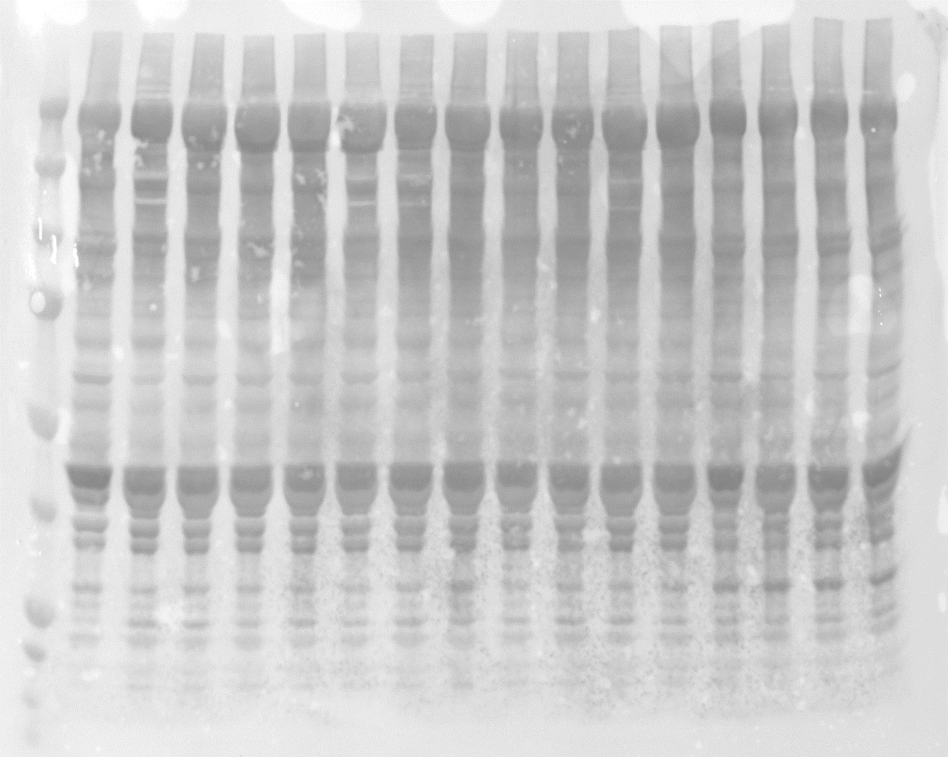
D
loading
Cas9 | 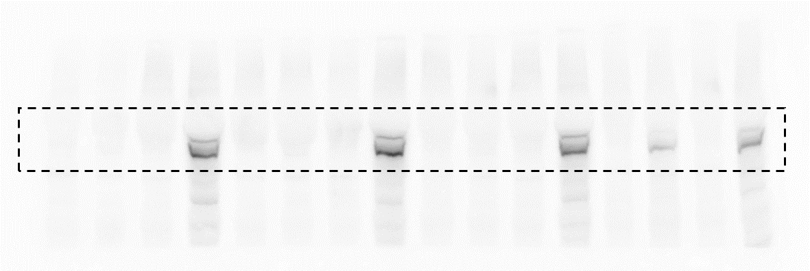
37
GAPDH
37
GAPDH
25
GFP
25
GFP

100
150
E
loading
Cas9
25
GFP
GFP
25
150
100
75
50
37
Cas9
Ponceau |  | 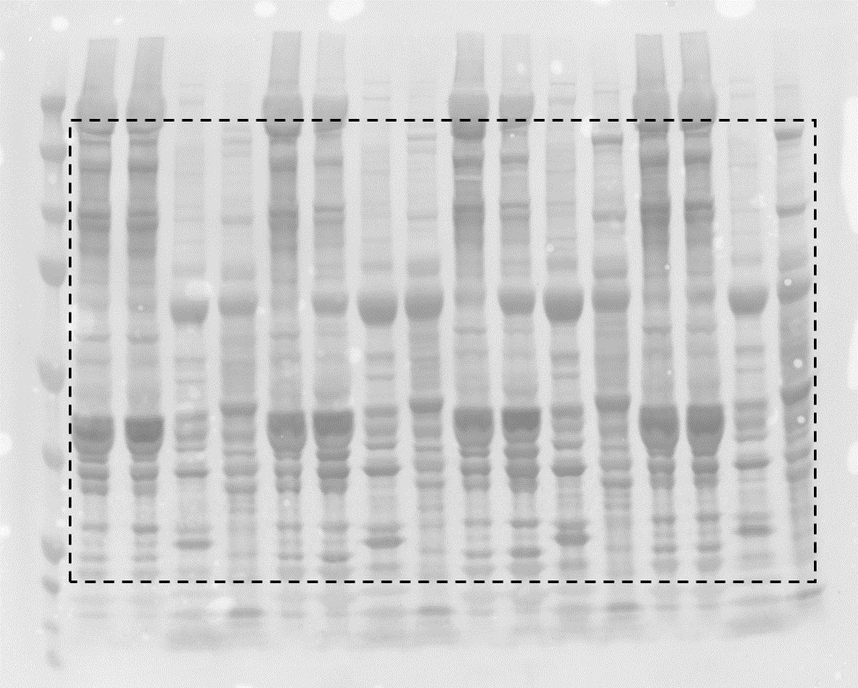

Fig. S3 B-E
150
100
Cas9
150
100
B
loading
Cas9
75
50
100
GAPDH
PKCa
75
50
37
PKCa
25
37
25
GAPDH | 

C
 | raw band density |  |  |  | norm. to GAPDH |  |  | norm. to control
sample | GAPDH | Cas9 | PKCa |  | Cas9 | PKCa |  | Cas9 | PKCa
sgNT_1 | 20296517 | 58513724 | 31985819 |  | 2.8829441032 | 1.5759265001 |  | 0.97413943907 | 0.86234278514
sgNT_2 | 19332552 | 57453755 | 49170513 |  | 2.9718660527 | 2.5434051852 |  | 1.0041859384 | 1.3917445458
sgNT_3 | 19407515 | 58681017 | 26455376 |  | 3.0236234263 | 1.3631511299 |  | 1.0216746226 | 0.74591266903
sgPKCa-1_1 | 13150502 | 27240873 | 5175067 |  | 2.0714701994 | 0.3935261939 |  | 0.6999444824 | 0.21533648559
sgPKCa-1_2 | 17856218 | 23233343 | 4575065 |  | 1.3011345964 | 0.25621690999 |  | 0.43965005234 | 0.140201211
sgPKCa-1_3 | 14943001 | 19795159 | 4961221 |  | 1.3247110805 | 0.33200968132 |  | 0.44761648602 | 0.18167481368
sgPKCa-2_1 | 16986202 | 29381195 | 4002265 |  | 1.7297095019 | 0.23561859208 |  | 0.58446441679 | 0.12892986628
sgPKCa-2_2 | 15976633 | 25493038 | 3671777 |  | 1.5956452151 | 0.22982170273 |  | 0.53916443718 | 0.12575782386
sgPKCa-2_3 | 16977604 | 29343490 | 3609629 |  | 1.7283646149 | 0.21261121416 |  | 0.58400998294 | 0.11634029034
 |  |  |  |  |  |  |  | Anova
 |  |  |  |  |  |  |  | 0.0029 | 0.0011
 |  |  |  |  |  |  |  | P-value
 |  |  |  |  |  |  |  | 0.0024 | 0.0006 | sgNT vs. sgPKCa-1
 |  |  |  |  |  |  |  | 0.0017 | 0.001 | sgNT vs. sgPKCa-2
 |  |  |  |  |  |  |  | 0.7459 | 0.5961 | sgPKCa-1 vs. sgPKCa-2
D
sample | sgPKCa-1 editing (%)
sgPKCa-1_1 | 63.8
sgPKCa-1_2 | 64.2
sgPKCa-1_3 | 59.2

E
indel deletion/insertion (bp) | -10 | -9 | -8 | -7 | -6 | -5 | -4 | -3 | -2 | -1 | 0 | 1 | 2 | 3 | 4 | 5 | 6 | 7 | 8 | 9 | 10
sample | % of sequence
sgPKCa-1_1 | 0.0 | 0.0 | 0.0 | 1.0 | 0.7 | 0.8 | 4.5 | 2.2 | 12.7 | 28.0 | 31.0 | 14.1 | 0.0 | 0.0 | 0.0 | 0.0 | 0.0 | 0.0 | 0.0 | 0.0 | 0.0
sgPKCa-1_2 | 0.0 | 0.0 | 0.0 | 0.3 | 0.8 | 1.3 | 6.7 | 2.9 | 11.9 | 25.7 | 29.2 | 14.4 | 0.2 | 0.0 | 0.0 | 0.0 | 0.0 | 0.0 | 0.0 | 0.0 | 0.0
sgPKCa-1_3 | 0.0 | 0.2 | 0.0 | 0.1 | 1.1 | 0.9 | 4.4 | 2.7 | 11.1 | 26.8 | 35.8 | 11.8 | 0.1 | 0.0 | 0.0 | 0.0 | 0.0 | 0.0 | 0.0 | 0.0 | 0.0

Fig. S5 B-H
B
 | AAV genomes / nuclei
sample | TA | EDL | GAS | Heart | Liver
AAV9-sgPKCa-1_1 | 22.10 | 43.41 | 23.81 | 5.70 | 72.04
AAV9-sgPKCa-1_2 | 27.69 | 194.17 | 3.79 | 1.14 | 213.15
AAV9-sgPKCa-1_3 | 38.35 | 35.47 | 22.85 | 1.30 | 191.24
AAV9-sgPKCa-1_4 | 48.03 | 110.27 | 15.25 | 1.14 | 204.76
AAVMYO-sgPKCa-1_1 | 74.69 | 124.01 | 99.54 | 36.84 | 13.10
AAVMYO-sgPKCa-1_2 | 80.12 | 360.07 | 49.03 | 18.21 | 43.24
AAVMYO-sgPKCa-1_3 | 107.12 | 307.64 | 63.51 | 18.41 | 14.38
AAVMYO-sgPKCa-1_4 | 76.80 | 206.93 | 64.64 | 13.04 | 48.81
 | 0.0018 | 0.0535 | 0.0040 | 0.0112 | 0.0065 | p-value
C
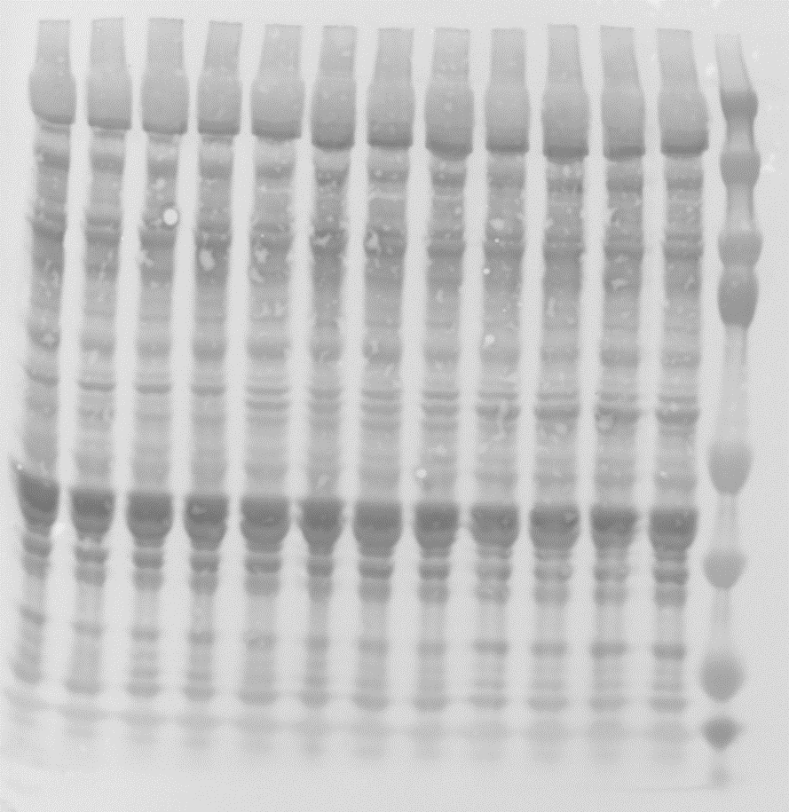
loading
75
100
100
PKCa
PKCa
50
75
50
tdTomato
tdTomato
37
37
GAPDH
GAPDH

D
 | raw band density |  |  |  | norm. to GAPDH |  | norm. to control
mouse | GAPDH | PKCa | tdTomato |  | PKCa | tdTomato | PKCa | tdTomato
PBS_1 | 21386580 | 38459614 | 556680 |  | 1.80 | 0.03 | 1.05 | 0.01
PBS_2 | 20634037 | 37457759 | 1145953 |  | 1.82 | 0.06 | 1.06 | 0.01
PBS_3 | 16780762 | 26537145 | 194683 |  | 1.58 | 0.01 | 0.92 | 0.00
PBS_4 | 14593729 | 24209393 | 909327 |  | 1.66 | 0.06 | 0.97 | 0.02
AAV9-sgPKCa-1_1 | 11809603 | 7324240 | 48142417 |  | 0.62 | 4.08 | 0.36 | 0.98
AAV9-sgPKCa-1_2 | 11300585 | 13174238 | 43654817 |  | 1.17 | 3.86 | 0.68 | 0.93
AAV9-sgPKCa-1_3 | 12234398 | 12634488 | 47627118 |  | 1.03 | 3.89 | 0.60 | 0.94
AAV9-sgPKCa-1_4 | 10600510 | 12444434 | 50360673 |  | 1.17 | 4.75 | 0.69 | 1.15
AAVMYO-sgPKCa-1_1 | 6450182 | 1361923 | 69570629 |  | 0.21 | 10.79 | 0.12 | 2.60
AAVMYO-sgPKCa-1_2 | 4612285 | 3146494 | 81638756 |  | 0.68 | 17.70 | 0.40 | 4.27
AAVMYO-sgPKCa-1_3 | 6971676 | 5166801 | 93439379 |  | 0.74 | 13.40 | 0.43 | 3.23
AAVMYO-sgPKCa-1_4 | 11018168 | 3103299 | 75920857 |  | 0.28 | 6.89 | 0.16 | 1.66
 |  |  |  |  |  |  | Anova
 |  |  |  |  |  |  | 0.0001 | 0.0003
 |  |  |  |  |  |  | P-value
 |  |  |  |  |  |  | 0.0016 | 0.0548 | PBS vs. AAV9
 |  |  |  |  |  |  | <0.0001 | 0.0001 | PBS vs. AAVMYO
 |  |  |  |  |  |  | 0.0101 | 0.0019 | AAV9 vs AAVMYO
E
mouse | sgPKCa-1 editing (%)
PBS_1 | 3.9
PBS_2 | 5.3
PBS_3 | 3.2
PBS_4 | 1.7
AAV9-sgPKCa-1_1 | 19.1
AAV9-sgPKCa-1_2 | 16.9
AAV9-sgPKCa-1_3 | 17.1
AAV9-sgPKCa-1_4 | 16.8
AAVMYO-sgPKCa-1_1 | 25.1
AAVMYO-sgPKCa-1_2 | 26.5
AAVMYO-sgPKCa-1_3 | 26.2
AAVMYO-sgPKCa-1_4 | 22.7
 | Anova
 | <0.0001
 | P-value
 | <0.0001 | PBS vs. AAV9
 | <0.0001 | PBS vs. AAVMYO
 | <0.0001 | AAV9 vs AAVMYO
F
loading
75
100
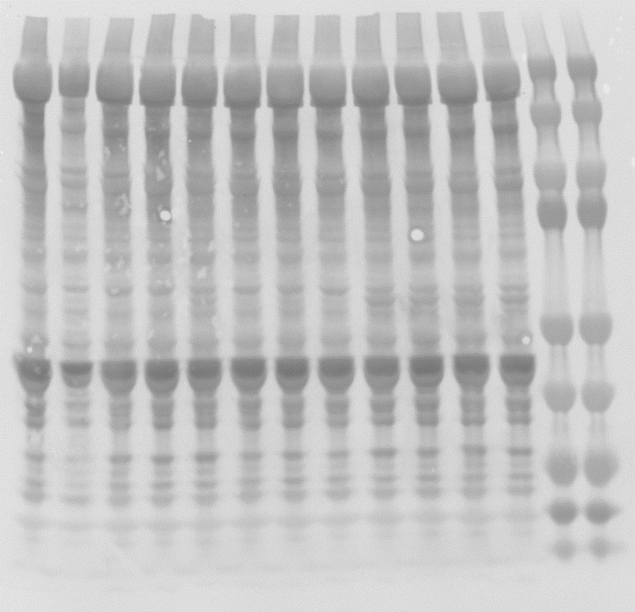
75
100
PKCa
PKCa
50
50
37
tdTomato
GAPDH
tdTomato
37
GAPDH

G
 | raw intensity |  |  |  | norm. to GAPDH |  | norm. to control
mouse | GAPDH | PKCa | tdTomato |  | PKCa | tdTomato | PKCa | tdTomato
PBS_1 | 16689657 | 26342507 | 831 |  | 1.58 | 0.00 | 0.99 | 0.00
PBS_2 | 10880547 | 21217145 | 451084 |  | 1.95 | 0.04 | 1.23 | 0.05
PBS_3 | 12988384 | 23040566 | 97888 |  | 1.77 | 0.01 | 1.12 | 0.01
PBS_4 | 18579393 | 19477679 | 587985 |  | 1.05 | 0.03 | 0.66 | 0.03
AAV9-sgPKCa-1_1 | 17752385 | 14485257 | 26759323 |  | 0.82 | 1.51 | 0.51 | 1.65
AAV9-sgPKCa-1_2 | 15913807 | 25675649 | 6989657 |  | 1.61 | 0.44 | 1.02 | 0.48
AAV9-sgPKCa-1_3 | 15146409 | 18824598 | 16709231 |  | 1.24 | 1.10 | 0.78 | 1.20
AAV9-sgPKCa-1_4 | 13952344 | 20761745 | 8570687 |  | 1.49 | 0.61 | 0.94 | 0.67
AAVMYO-sgPKCa-1_1 | 12887826 | 4507891 | 42890219 |  | 0.35 | 3.33 | 0.22 | 3.63
AAVMYO-sgPKCa-1_2 | 17195562 | 10916846 | 39017209 |  | 0.63 | 2.27 | 0.40 | 2.48
AAVMYO-sgPKCa-1_3 | 12265933 | 10401948 | 43595823 |  | 0.85 | 3.55 | 0.53 | 3.88
AAVMYO-sgPKCa-1_4 | 18210048 | 8480825 | 41789179 |  | 0.47 | 2.29 | 0.29 | 2.51
 |  |  |  |  |  |  | Anova
 |  |  |  |  |  |  | 0.005 | <0.0001
 |  |  |  |  |  |  | P-value
 |  |  |  |  |  |  | 0.2316 | 0.0269 | PBS vs. AAV9
 |  |  |  |  |  |  | 0.0018 | <0.0001 | PBS vs. AAVMYO
 |  |  |  |  |  |  | 0.013 | 0.0003 | AAV9 vs AAVMYO
H
mouse | sgPKCa-1 editing (%)
PBS_1 | 3.5
PBS_2 | 4.0
PBS_3 | 3.7
PBS_4 | 4.7
AAV9-sgPKCa-1_1 | 18.5
AAV9-sgPKCa-1_2 | 11.4
AAV9-sgPKCa-1_3 | 8.4
AAV9-sgPKCa-1_4 | 5.3
AAVMYO-sgPKCa-1_1 | 28.7
AAVMYO-sgPKCa-1_2 | 19.9
AAVMYO-sgPKCa-1_3 | 23.6
AAVMYO-sgPKCa-1_4 | 23.2
 | Anova
 | 0.0002
 | P-value
 | 0.0328 | PBS vs. AAV9
 | <0.0001 | PBS vs. AAVMYO
 | 0.0011 | AAV9 vs AAVMYO

Fig. S6 B-E
B
 | Innervated |  |  |  | Denervated
mouse | TA | EDL | GAS | SOL | TA | EDL | GAS | SOL | TA | EDL | GAS | SOL
 | muscle mass (mg) |  |  |  |  |  |  |  | loss of muscle mass (%)
PBS_1 | 60.0 | 13.0 | 194.7 | 10.0 | 37.9 | 9.2 | 109.3 | 7.4 | -36.83 | -29.23 | -43.86 | -26.00
PBS_2 | 65.2 | 13.0 | 203.8 | 11.8 | 45.0 | 10.8 | 130.7 | 8.2 | -30.98 | -16.92 | -35.87 | -30.51
PBS_3 | 51.3 | 11.0 | 166.0 | 10.6 | 34.7 | 8.2 | 93.2 | 7.3 | -32.36 | -25.45 | -43.86 | -31.13
AAVMYO-3sgPKCa-1_1 | 48.3 | 10.9 | 166.5 | 8.9 | 34.1 | 9.1 | 98.7 | 6.2 | -29.40 | -16.51 | -40.72 | -30.34
AAVMYO-3sgPKCa-1_2 | 53.1 | 11.0 | 172.5 | 11.0 | 34.5 | 8.6 | 95.7 | 7.3 | -35.03 | -21.82 | -44.52 | -33.64
AAVMYO-3sgPKCa-1_3 | 57.1 | 11.5 | 181.1 | 11.0 | 38.6 | 9.6 | 108.7 | 7.5 | -32.40 | -16.52 | -39.98 | -31.82
 |  |  |  |  |  |  |  |  | 0.6664 | 0.2396 | 0.8653 | 0.2214 | P-value
C
loading
150
250
100
150
250
PKCa
HDAC4
HDAC4
75
100
75
50
tdTomato
PKCa
50
37
GAPDH
tdTomato
37
GAPDH

D
 | raw band density |  |  |  |  | norm. to GAPDH |  |  | norm. to control
mouse | GAPDH | PKCa | tdTomato | HDAC4 |  | PKCa | tdTomato | HDAC4 | PKCa | tdTomato | HDAC4
PBS-Inn_1 | 37242247 | 35431314 | 0 | 4033237 |  | 0.95 | 0.00 | 0.11 | 0.84 | 0.00 | 0.79
PBS-Inn_2 | 35924658 | 43984818 | 3252 | 5460590 |  | 1.22 | 0.00 | 0.15 | 1.08 | 0.00 | 1.11
PBS-Inn_3 | 32564336 | 40177451 | 437392 | 4892811 |  | 1.23 | 0.01 | 0.15 | 1.09 | 0.02 | 1.10
AAVMYO-3sgPKCa-1-Inn_1 | 35451932 | 4643529 | 29673605 | 3658885 |  | 0.13 | 0.84 | 0.10 | 0.12 | 0.97 | 0.75
AAVMYO-3sgPKCa-1-Inn_2 | 40512774 | 9109314 | 33867536 | 5992889 |  | 0.22 | 0.84 | 0.15 | 0.20 | 0.97 | 1.08
AAVMYO-3sgPKCa-1-Inn_3 | 37484021 | 6786647 | 34670694 | 5415066 |  | 0.18 | 0.92 | 0.14 | 0.16 | 1.07 | 1.06
PBS-Den_1 | 37937271 | 55552072 | 188974 | 58290088 |  | 1.46 | 0.00 | 1.54 | 1.29 | 0.01 | 11.23
PBS-Den_2 | 39212723 | 51721600 | 1638 | 56312904 |  | 1.32 | 0.00 | 1.44 | 1.16 | 0.00 | 10.49
PBS-Den_3 | 35084507 | 50968304 | 357453 | 61244459 |  | 1.45 | 0.01 | 1.75 | 1.28 | 0.01 | 12.76
AAVMYO-3sgPKCa-1-Den_1 | 31926473 | 10723143 | 33068329 | 53559960 |  | 0.34 | 1.04 | 1.68 | 0.30 | 1.20 | 12.26
AAVMYO-3sgPKCa-1-Den_2 | 30556875 | 11759178 | 32676404 | 56211082 |  | 0.38 | 1.07 | 1.84 | 0.34 | 1.23 | 13.44
AAVMYO-3sgPKCa-1-Den_3 | 32298364 | 11656819 | 34549328 | 63058187 |  | 0.36 | 1.07 | 1.95 | 0.32 | 1.24 | 14.27
 |  |  |  |  |  |  |  |  | Anova
 |  |  |  |  |  |  |  |  | 0.0029 | 0.0003 | <0.0001 | Innervation
 |  |  |  |  |  |  |  |  | <0.0001 | <0.0001 | 0.0807 | Treatment
 |  |  |  |  |  |  |  |  | P-value
 |  |  |  |  |  |  |  |  | <0.0001 | <0.0001 | >0.9999 | Innervated:PBS vs. Innervated:AAVMYO
 |  |  |  |  |  |  |  |  | 0.0409 | >0.9999 | <0.0001 | Innervated:PBS vs. Denervated:PBS
 |  |  |  |  |  |  |  |  | <0.0001 | <0.0001 | <0.0001 | Innervated:PBS vs. Denervated:AAVMYO
 |  |  |  |  |  |  |  |  | <0.0001 | <0.0001 | <0.0001 | Innervated:AAVMYO vs. Denervated:PBS
 |  |  |  |  |  |  |  |  | 0.2407 | 0.0002 | <0.0001 | Innervated:AAVMYO vs. Denervated:AAVMYO
 |  |  |  |  |  |  |  |  | <0.0001 | <0.0001 | 0.1162 | Denervated:PBS vs. Denervated:AAVMYO
E
mouse | sgPKCa-1 editing (%)
PBS-Inn_1 | 3.8
PBS-Inn_2 | 4.3
PBS-Inn_3 | 0.8
AAVMYO-3sgPKCa-1-Inn_1 | 18.4
AAVMYO-3sgPKCa-1-Inn_2 | 20.5
AAVMYO-3sgPKCa-1-Inn_3 | 20.3
PBS-Den_1 | 1.7
PBS-Den_2 | 3.5
PBS-Den_3 | 2.9
AAVMYO-3sgPKCa-1-Den_1 | 13.7
AAVMYO-3sgPKCa-1-Den_2 | 14.2
AAVMYO-3sgPKCa-1-Den_3 | 15.3
 | Anova
 | 0.0051 | Innervation
 | <0.0001 | Treatment
 | P-value
 | <0.0001 | Innervated:PBS vs. Innervated:AAVMYO
 | 0.9935 | Innervated:PBS vs. Denervated:PBS
 | <0.0001 | Innervated:PBS vs. Denervated:AAVMYO
 | <0.0001 | Innervated:AAVMYO vs. Denervated:PBS
 | 0.0039 | Innervated:AAVMYO vs. Denervated:AAVMYO
 | <0.0001 | Denervated:PBS vs. Denervated:AAVMYO

Fig. S7 B-F
B
 | AAV genomes / nuclei
mouse | TA | EDL | SOL | TRI | DIA
AAVMYO2-3sgPKCa-1_1 | 25.04 | 10.93 | 8.09 | 17.93 | 30.20
AAVMYO2-3sgPKCa-1_2 | 20.20 | 17.45 | 9.30 | 9.71 | 33.77
AAVMYO2-3sgPKCa-1_3 | 23.23 | 21.27 | 8.92 | 5.85 | 5.87
AAVMYO2-3sgPKCa-1_4 | 22.87 | 15.41 | 10.36 | 4.05 | 11.42
AAVMYO3-3sgPKCa-1_1 | 24.02 | 9.98 | 8.74 | 7.00 | 29.35
AAVMYO3-3sgPKCa-1_2 | 13.68 | 19.60 | 23.99 | 4.55 | 29.61
AAVMYO3-3sgPKCa-1_3 | 17.41 | 19.26 | 11.41 | 16.18 | 32.29
AAVMYO3-3sgPKCa-1_4 | 5.60 | 7.11 | 7.35 | 2.70 | 24.11
 | Anova
 | 0.0004 | 0.1254 | 0.0001 | 0.0002 | 0.002
 | P-value
 | 0.0004 | 0.1406 | 0.0002 | 0.0004 | 0.0017 | AAV9 vs. AAVMYO
 | 0.0051 | 0.9575 | 0.7908 | 0.8221 | 0.7207 | AAV9 vs. AAVMYO2
 | 0.2025 | 0.9879 | 0.3042 | 0.9535 | 0.3746 | AAV9 vs. AAVMYO3
 | 0.6021 | 0.314 | 0.0008 | 0.0019 | 0.0129 | AAVMYO vs. AAVMYO2
 | 0.0193 | 0.2394 | 0.0042 | 0.001 | 0.0423 | AAVMYO vs. AAVMYO3
 | 0.208 | 0.9979 | 0.8046 | 0.9848 | 0.9243 | AAVMYO2 vs. AAVMYO3
C
 | sgPKCa-1 editing (%)
mouse | TA | EDL | SOL | TRI | DIA
AAVMYO2-3sgPKCa-1_1 | 11.90 | 11.60 | 11.30 | 8.60 | 7.60
AAVMYO2-3sgPKCa-1_2 | 12.20 | 5.30 | 8.00 | 9.00 | 11.40
AAVMYO2-3sgPKCa-1_3 | 8.20 | 17.20 | 14.80 | 9.10 | 23.20
AAVMYO2-3sgPKCa-1_4 | 9.60 | 11.70 | 9.00 | 11.40 | 17.00
AAVMYO3-3sgPKCa-1_1 | 8.10 | 10.00 | 8.50 | 9.40 | 9.60
AAVMYO3-3sgPKCa-1_2 | 14.00 | 12.20 | 10.80 | 8.10 | 12.30
AAVMYO3-3sgPKCa-1_3 | 16.10 | 9.30 | 11.20 | 10.60 | 15.50
AAVMYO3-3sgPKCa-1_4 | 11.20 | 2.80 | 5.80 | 3.90 | 22.00
 | Anova
 | <0.0001 | 0.0001 | <0.0001 | 0.0004
 | P-value
 | 0.3046 | 0.8651 | 0.1631 | 0.7927 | 0.9766 | PBS vs. AAV9
 | <0.0001 | 0.0003 | <0.0001 | 0.0007 | <0.0001 | PBS vs. AAVMYO
 | 0.0008 | 0.0016 | 0.0009 | 0.0043 | 0.0006 | PBS vs. AAVMYO2
 | 0.0001 | 0.0182 | 0.0052 | 0.0205 | 0.0006 | PBS vs. AAVMYO3
 | <0.0001 | 0.0022 | 0.0002 | 0.0077 | <0.0001 | AAV9 vs. AAVMYO
 | 0.0454 | 0.0112 | 0.0979 | 0.0403 | 0.002 | AAV9 vs. AAVMYO2
 | 0.0066 | 0.115 | 0.4086 | 0.1662 | 0.0019 | AAV9 vs. AAVMYO3
 | 0.009 | 0.9702 | 0.0615 | 0.9613 | 0.5068 | AAVMYO vs. AAVMYO2
 | 0.0675 | 0.3592 | 0.0095 | 0.5862 | 0.5178 | AAVMYO vs. AAVMYO3
 | 0.8633 | 0.7453 | 0.8908 | 0.9333 | >0.9999 | AAVMYO2 vs. AAVMYO3
D
not part of this study
Loading
75
100
75
100
100
100
PKCa
50
50
tdTomato
GAPDH
PKCa
75
50
37
tdTomato
GAPDH
PKCa
75
50
37
tdTomato
37
37
GAPDH

E, F
 | raw band density |  |  |  | norm. to GAPDH |  | norm. to control
mouse | GAPDH | PKCa | tdTomato |  | PKCa | tdTomato | PKCa | tdTomato
PBS_1 | 221722434 | 29521347 | 1474 |  | 0.13 | 0.00 | 1.41 | 0.00
PBS_2 | 223648444 | 12881160 | 71 |  | 0.06 | 0.00 | 0.61 | 0.00
PBS_3 | 225321036 | 21752379 | 343 |  | 0.10 | 0.00 | 1.02 | 0.00
PBS_4 | 225471365 | 20438860 | 848 |  | 0.09 | 0.00 | 0.96 | 0.00
AAVMYO2-3sgPKCa-1_1 | 222947365 | 7625531 | 27256053 |  | 0.03 | 0.12 | 0.30 | 2.62
AAVMYO2-3sgPKCa-1_2 | 219598645 | 13722534 | 27437286 |  | 0.06 | 0.12 | 0.55 | 2.68
AAVMYO2-3sgPKCa-1_3 | 219536651 | 8454715 | 30136815 |  | 0.04 | 0.14 | 0.34 | 2.94
AAVMYO2-3sgPKCa-1_4 | 216691984 | 14499000 | 19923037 |  | 0.07 | 0.09 | 0.59 | 1.97
AAVMYO3-3sgPKCa-1_1 | 217296792 | 12116997 | 25889484 |  | 0.06 | 0.12 | 0.49 | 2.55
AAVMYO3-3sgPKCa-1_2 | 217184986 | 8707862 | 30820412 |  | 0.04 | 0.14 | 0.35 | 3.04
AAVMYO3-3sgPKCa-1_3 | 211788810 | 20650678 | 25165936 |  | 0.10 | 0.12 | 0.85 | 2.55
AAVMYO3-3sgPKCa-1_4 | 213008918 | 7785294 | 19699477 |  | 0.04 | 0.09 | 0.32 | 1.98
 |  |  |  |  |  |  | Anova
 |  |  |  |  |  |  | <0.0001 | <0.0001
 |  |  |  |  |  |  | P-value
 |  |  |  |  |  |  | 0.0363 | 0.1976 | PBS vs. AAV9
 |  |  |  |  |  |  | <0.0001 | <0.0001 | PBS vs. AAVMYO
 |  |  |  |  |  |  | 0.0001 | 0.0012 | PBS vs. AAVMYO2
 |  |  |  |  |  |  | 0.0005 | 0.0012 | PBS vs. AAVMYO3
 |  |  |  |  |  |  | 0.0086 | 0.0011 | AAV9 vs. AAVMYO
 |  |  |  |  |  |  | 0.0678 | 0.0961 | AAV9 vs. AAVMYO2
 |  |  |  |  |  |  | 0.2067 | 0.0936 | AAV9 vs. AAVMYO3
 |  |  |  |  |  |  | 0.8122 | 0.1789 | AAVMYO vs. AAVMYO2
 |  |  |  |  |  |  | 0.445 | 0.1832 | AAVMYO vs. AAVMYO3
 |  |  |  |  |  |  | 0.9642 | >0.9999 | AAVMYO2 vs. AAVMYO3

