1a
Figure 1a
RT-qPCR Data

RT-qPCR and immunoblot analysis of AR expression in primary human melanoma cells (M121224) cultured with multistep weekly increases of the BRAF inhibitor Dabrafenib (0.5, 1, 2, and 3 mM), and collected at the end of each week

RT-qPCR Data

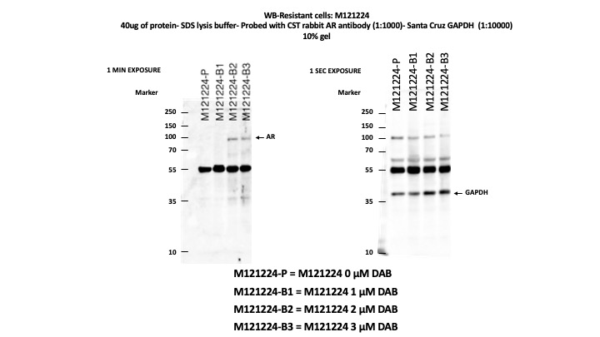
Ratio values
Sample | 0 µM |  | 0.5 µM |  | 1 µM |  | 2 µM |  | 3 µM
 | Ratio | ± SD | Ratio | ± SD | Ratio | ± SD | Ratio | ± SD | Ratio | ± SD
Biological Replicate 1 | 1 | 0.256339535 | 6.9644045064 | 3.5202216058 | 7.4642639323 | 2.5040142605 | 8.2821193907 | 3.2282768422 | 18.126142165 | 2.3716962569
Biological Replicate 2 | 0.97041023149 | 0.44752699583 | 4.0652197287 | 1.754817885 | 5.1694113225 | 0.91493522581 | 6.2045790473 | 2.3931043546 | 20.58231471 | 1.9229026557
Biological Replicate 3 | 1.0717734625 | 0.4851633413 | 3.8193664156 | 0.92708819819 | 4.5315355412 | 1.1475120603 | 6.1902599742 | 2.1387913377 | 18.294439791 | 4.6396027898

One-way ANOVA (two-tailed) P-values
Comparison | P-value
0.5 µM vs 0 µM | 0.0064
1 µM vs 0 µM | 0.0043
2 µM vs 0 µM | <0.0001
3 µM vs 0 µM | <0.0001

1b
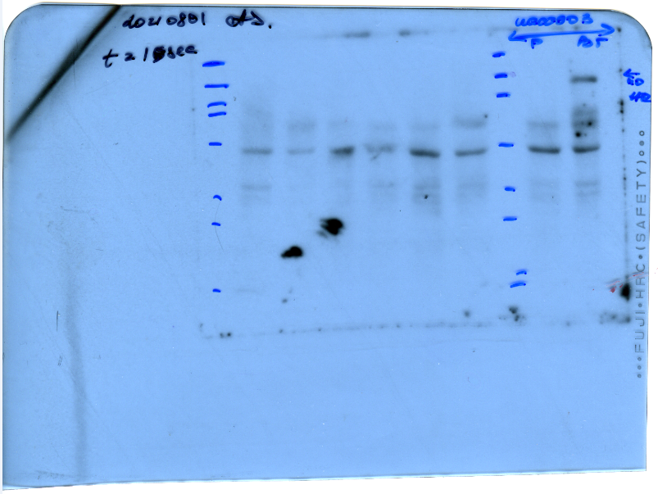
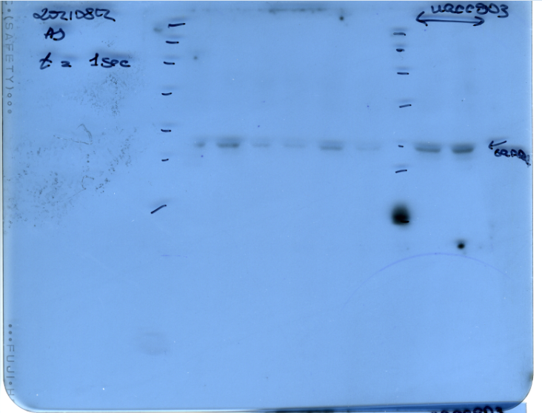
Figure 1b
RAW WB Data

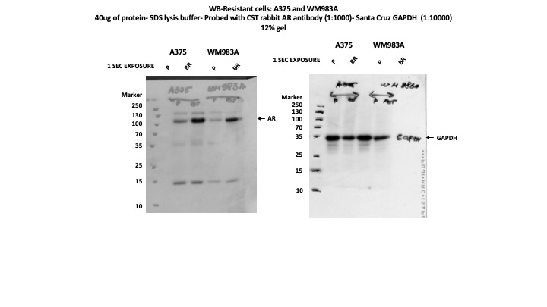
 | AR | GAPDH
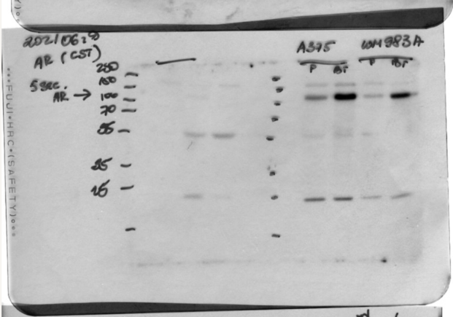

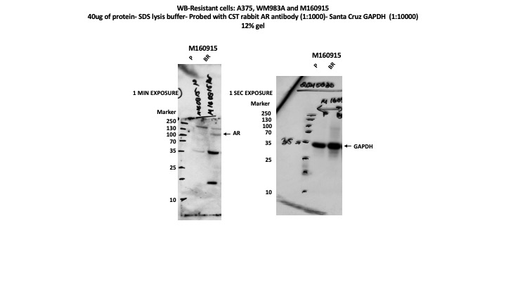
 | M160915 AR | M160915 GAPDH

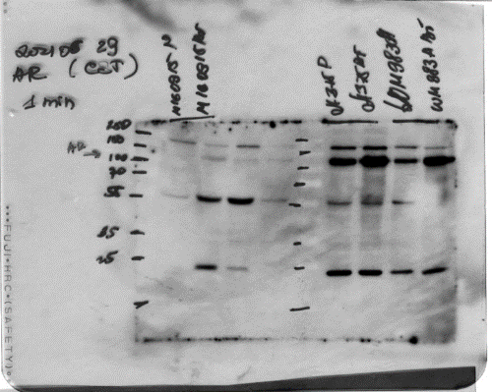
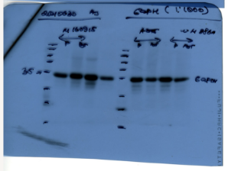

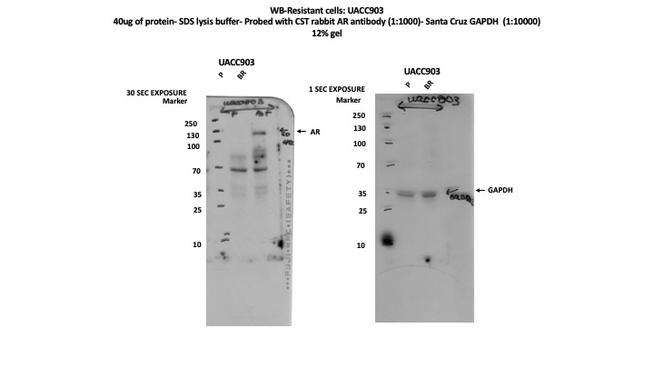

 | UACC903 AR |  | UACC903 GAPDH

2b-d
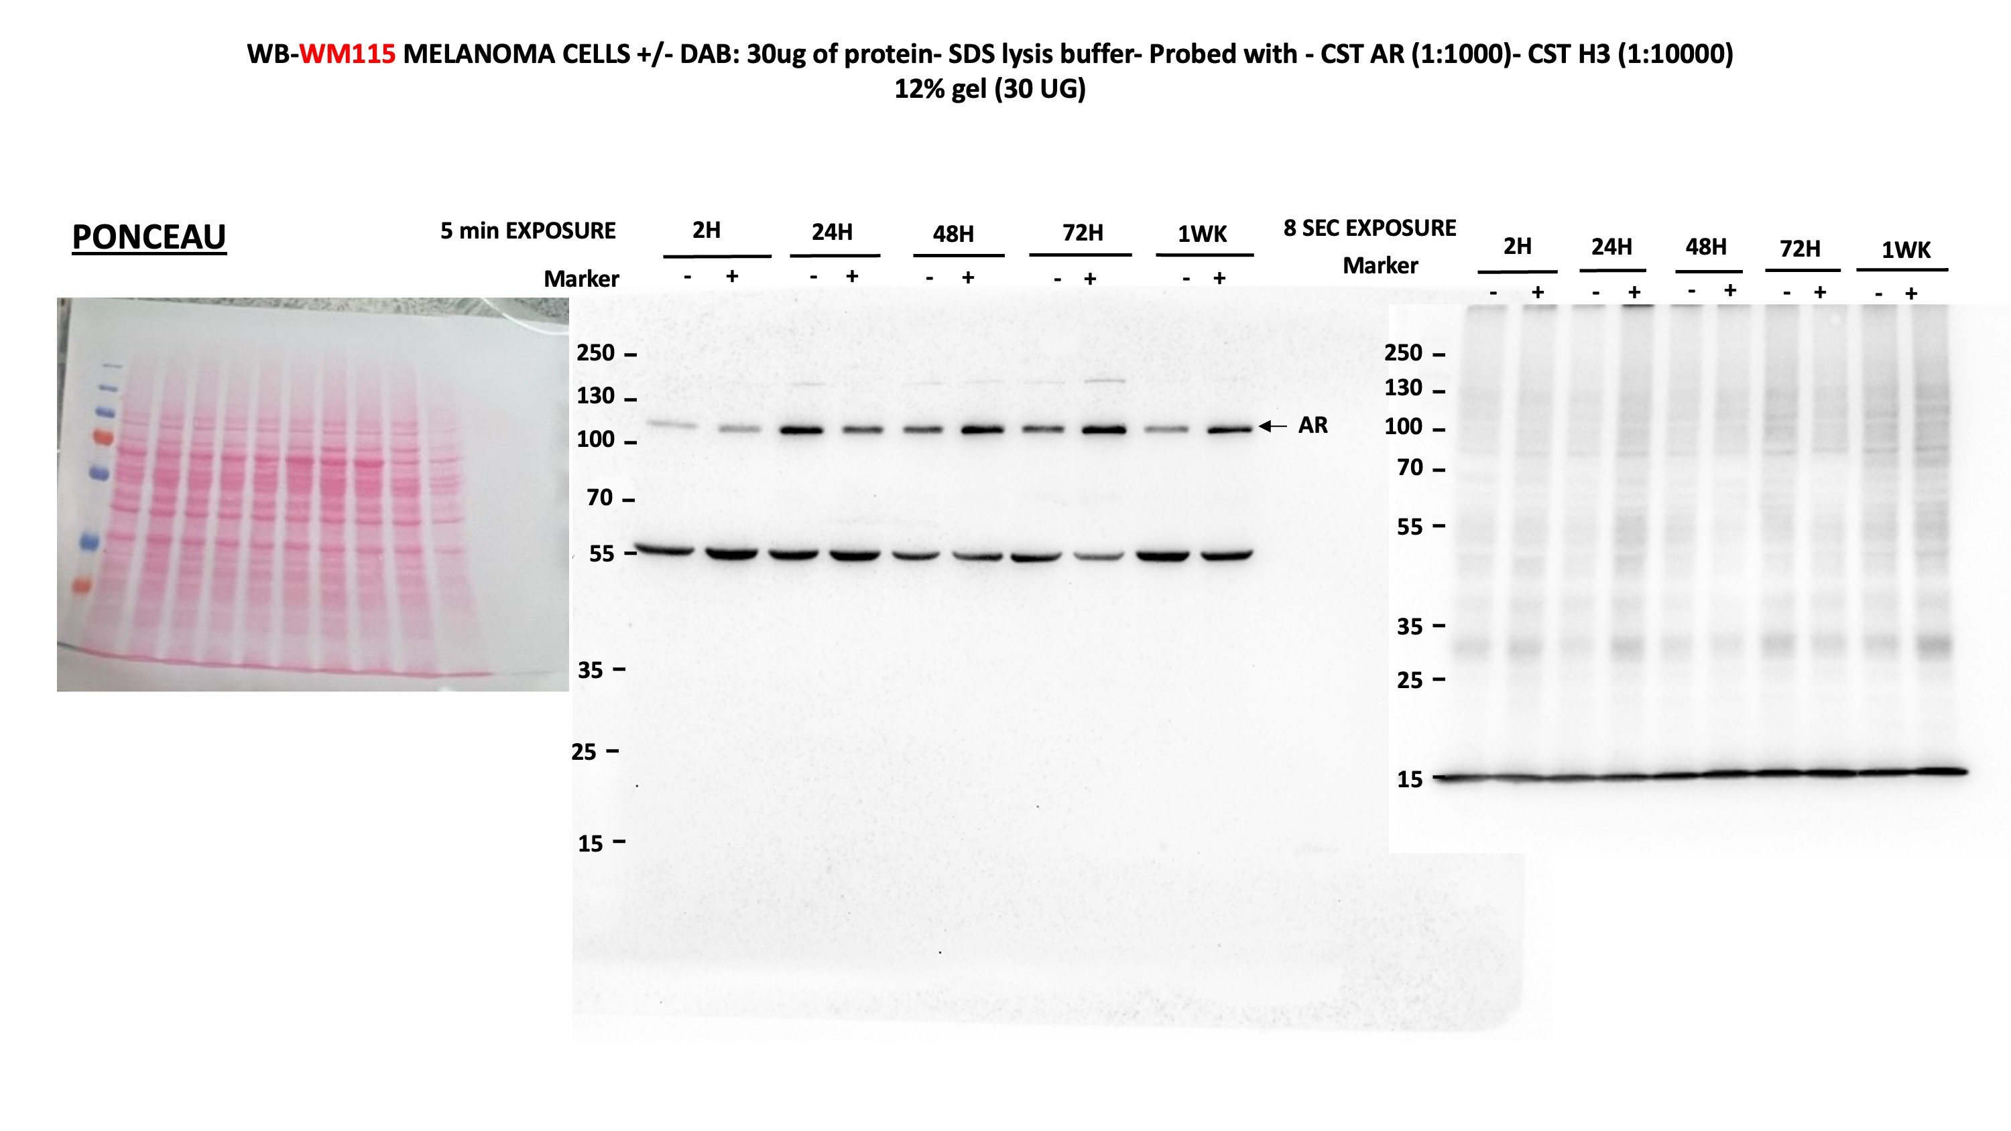
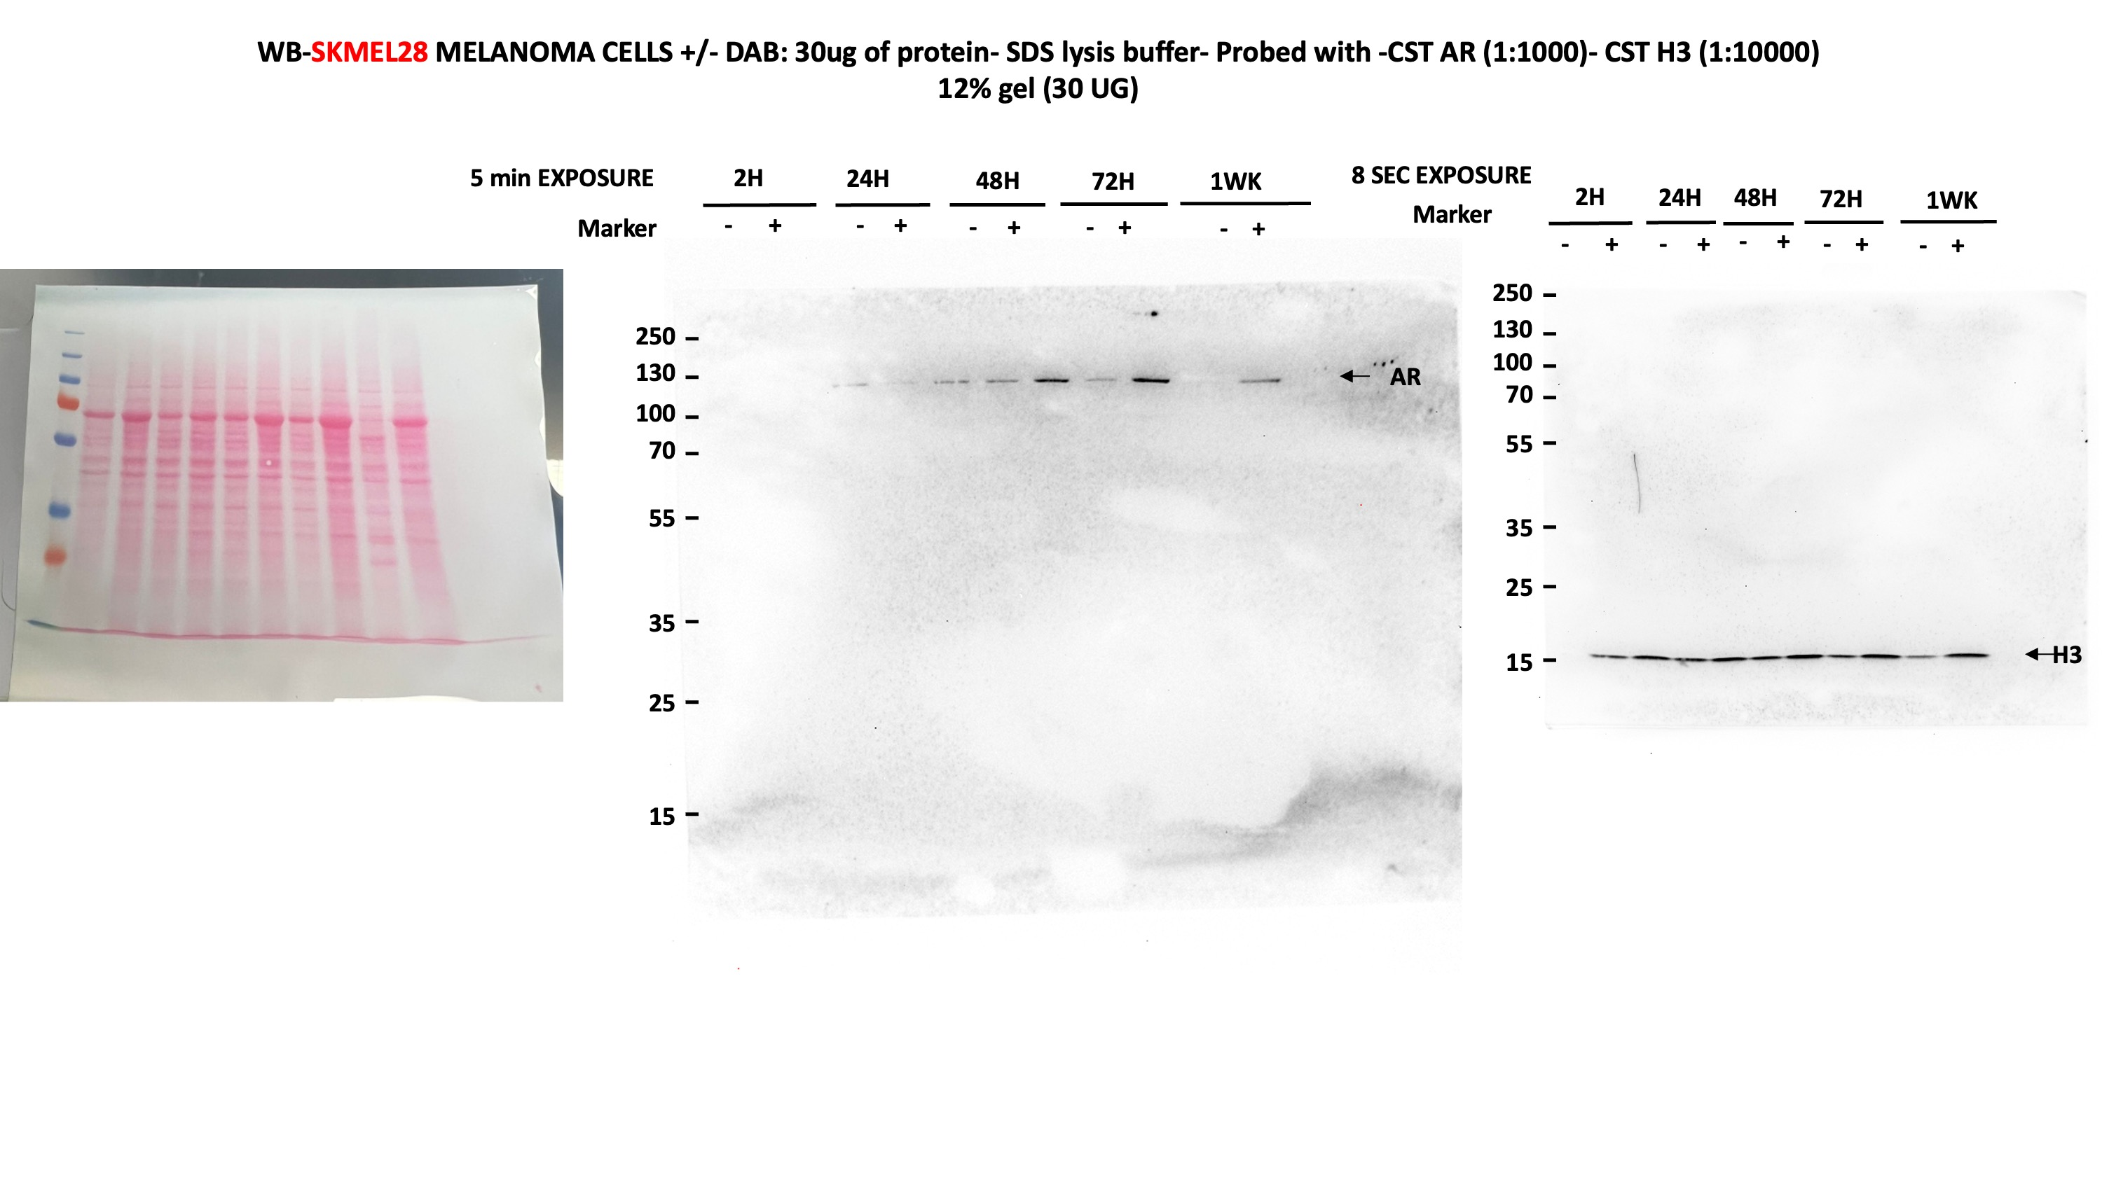
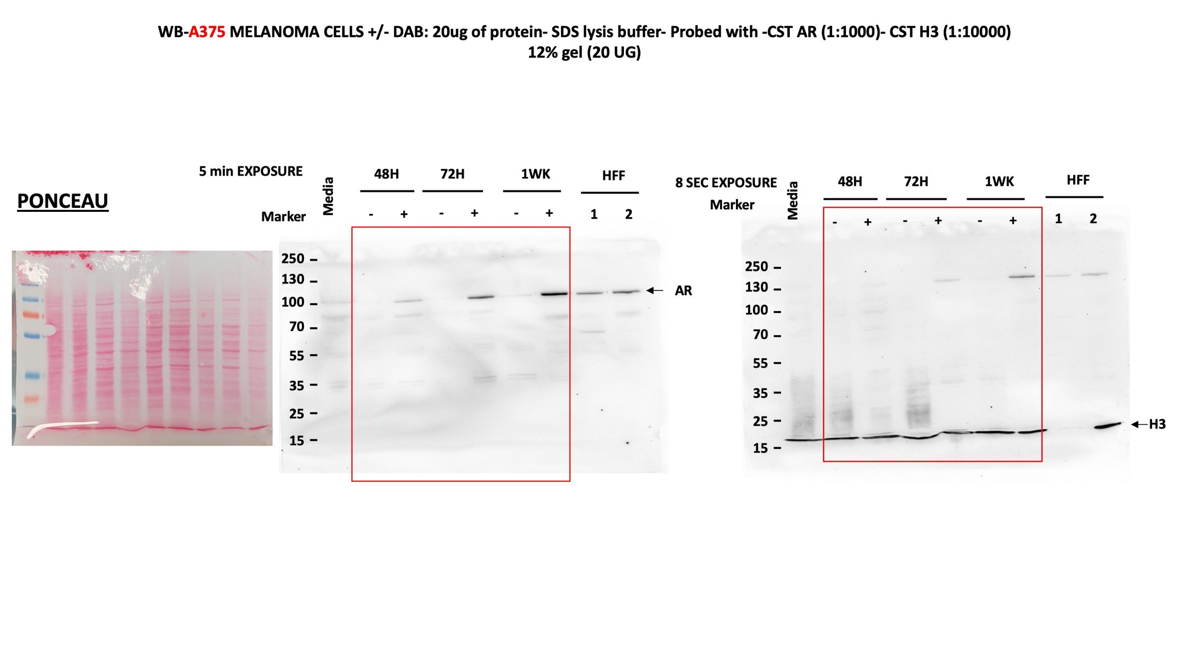
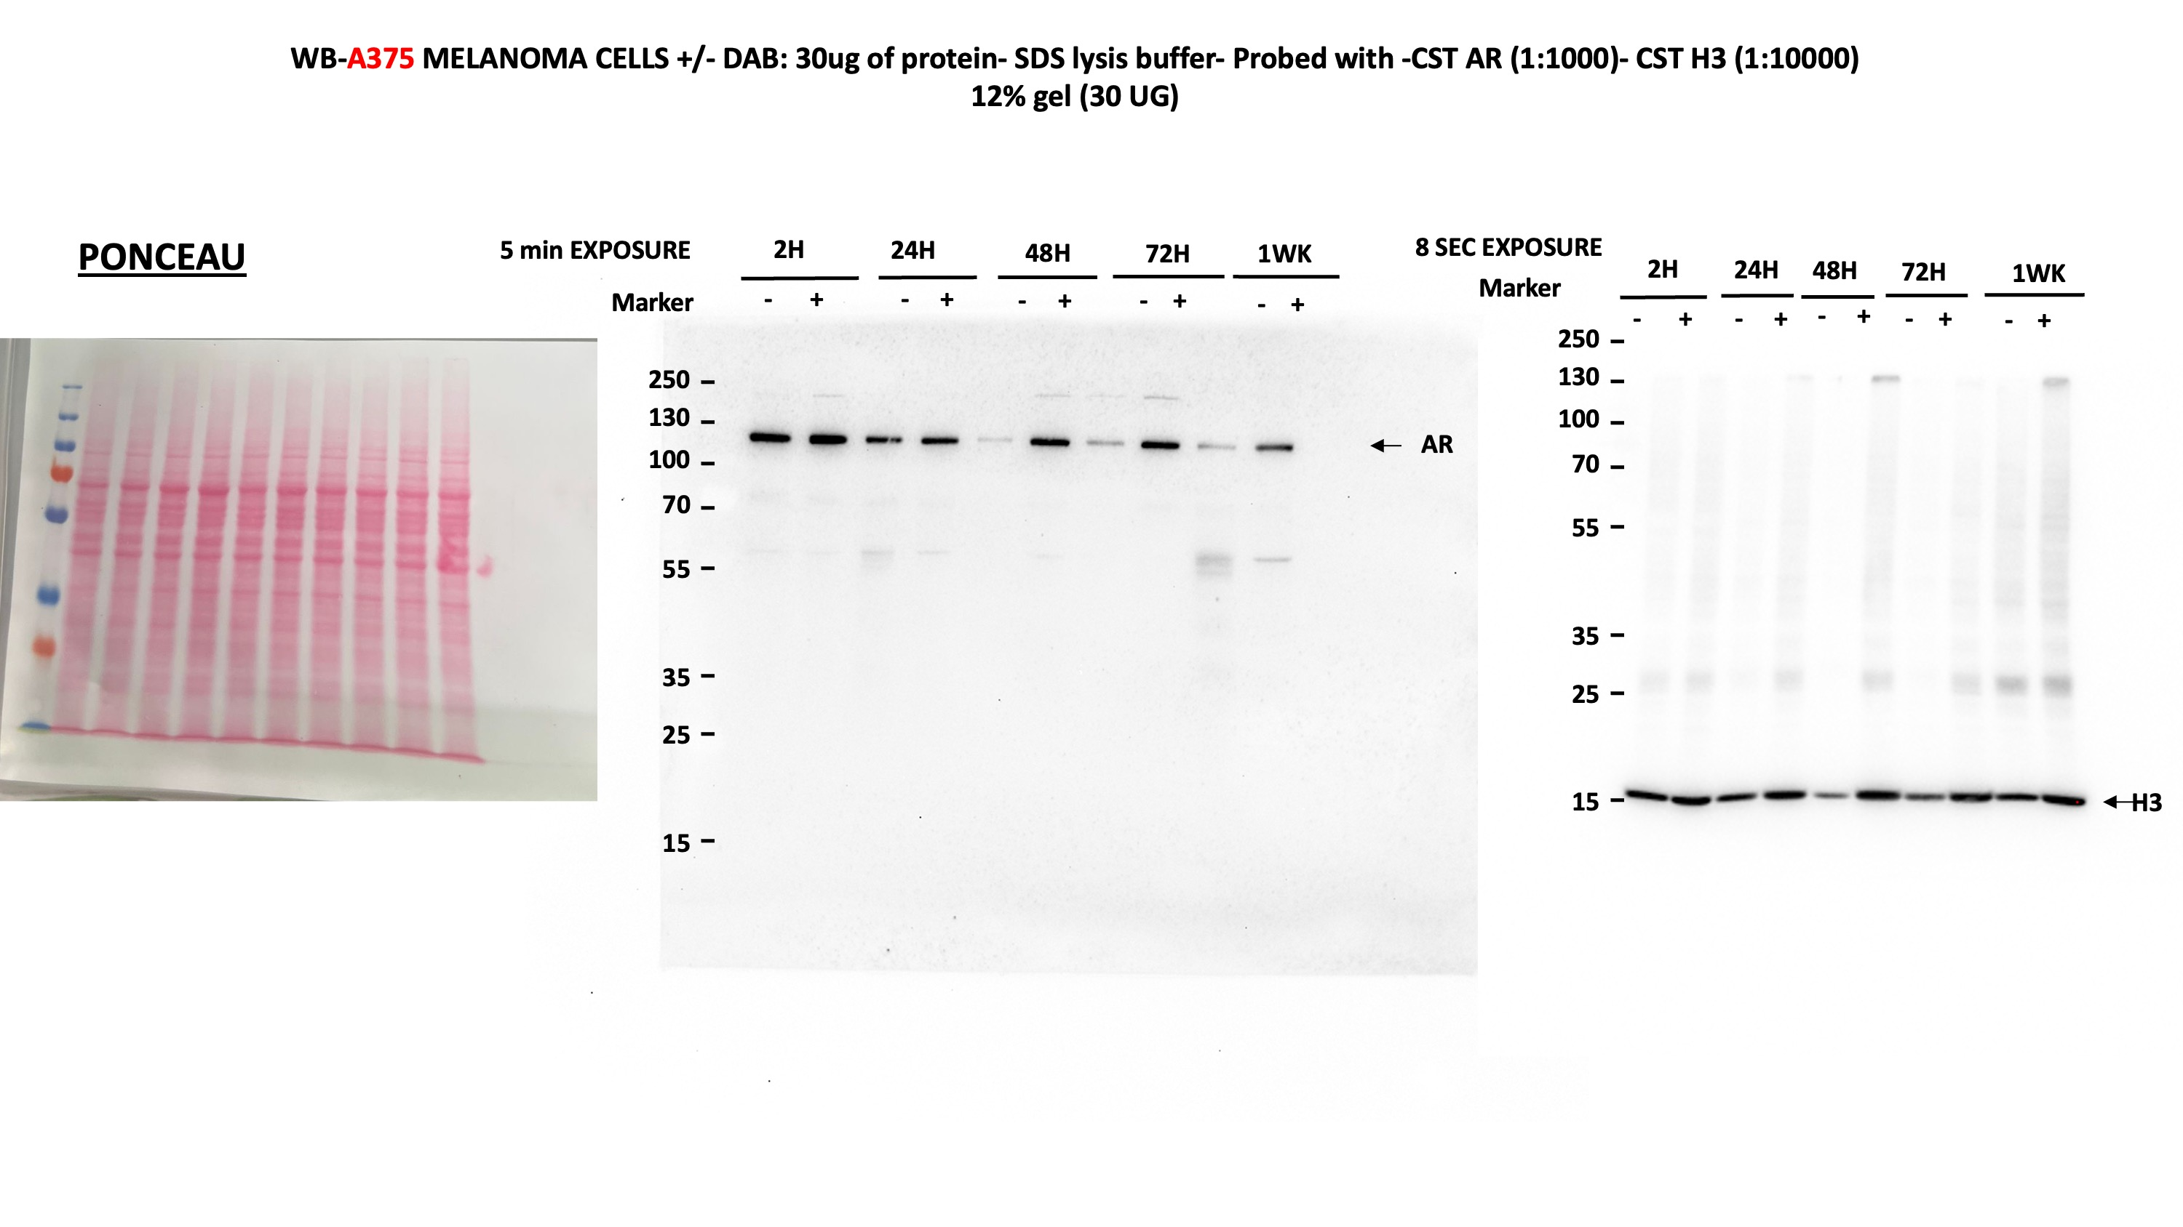
Figure 2b

Immunoblot analysis of AR expression in WM115 (b), A375 (c) and SKMEL28 (d) cells treated with Dabrafenib (0.5 mM) versus DMSO control at the indicated time points

2g
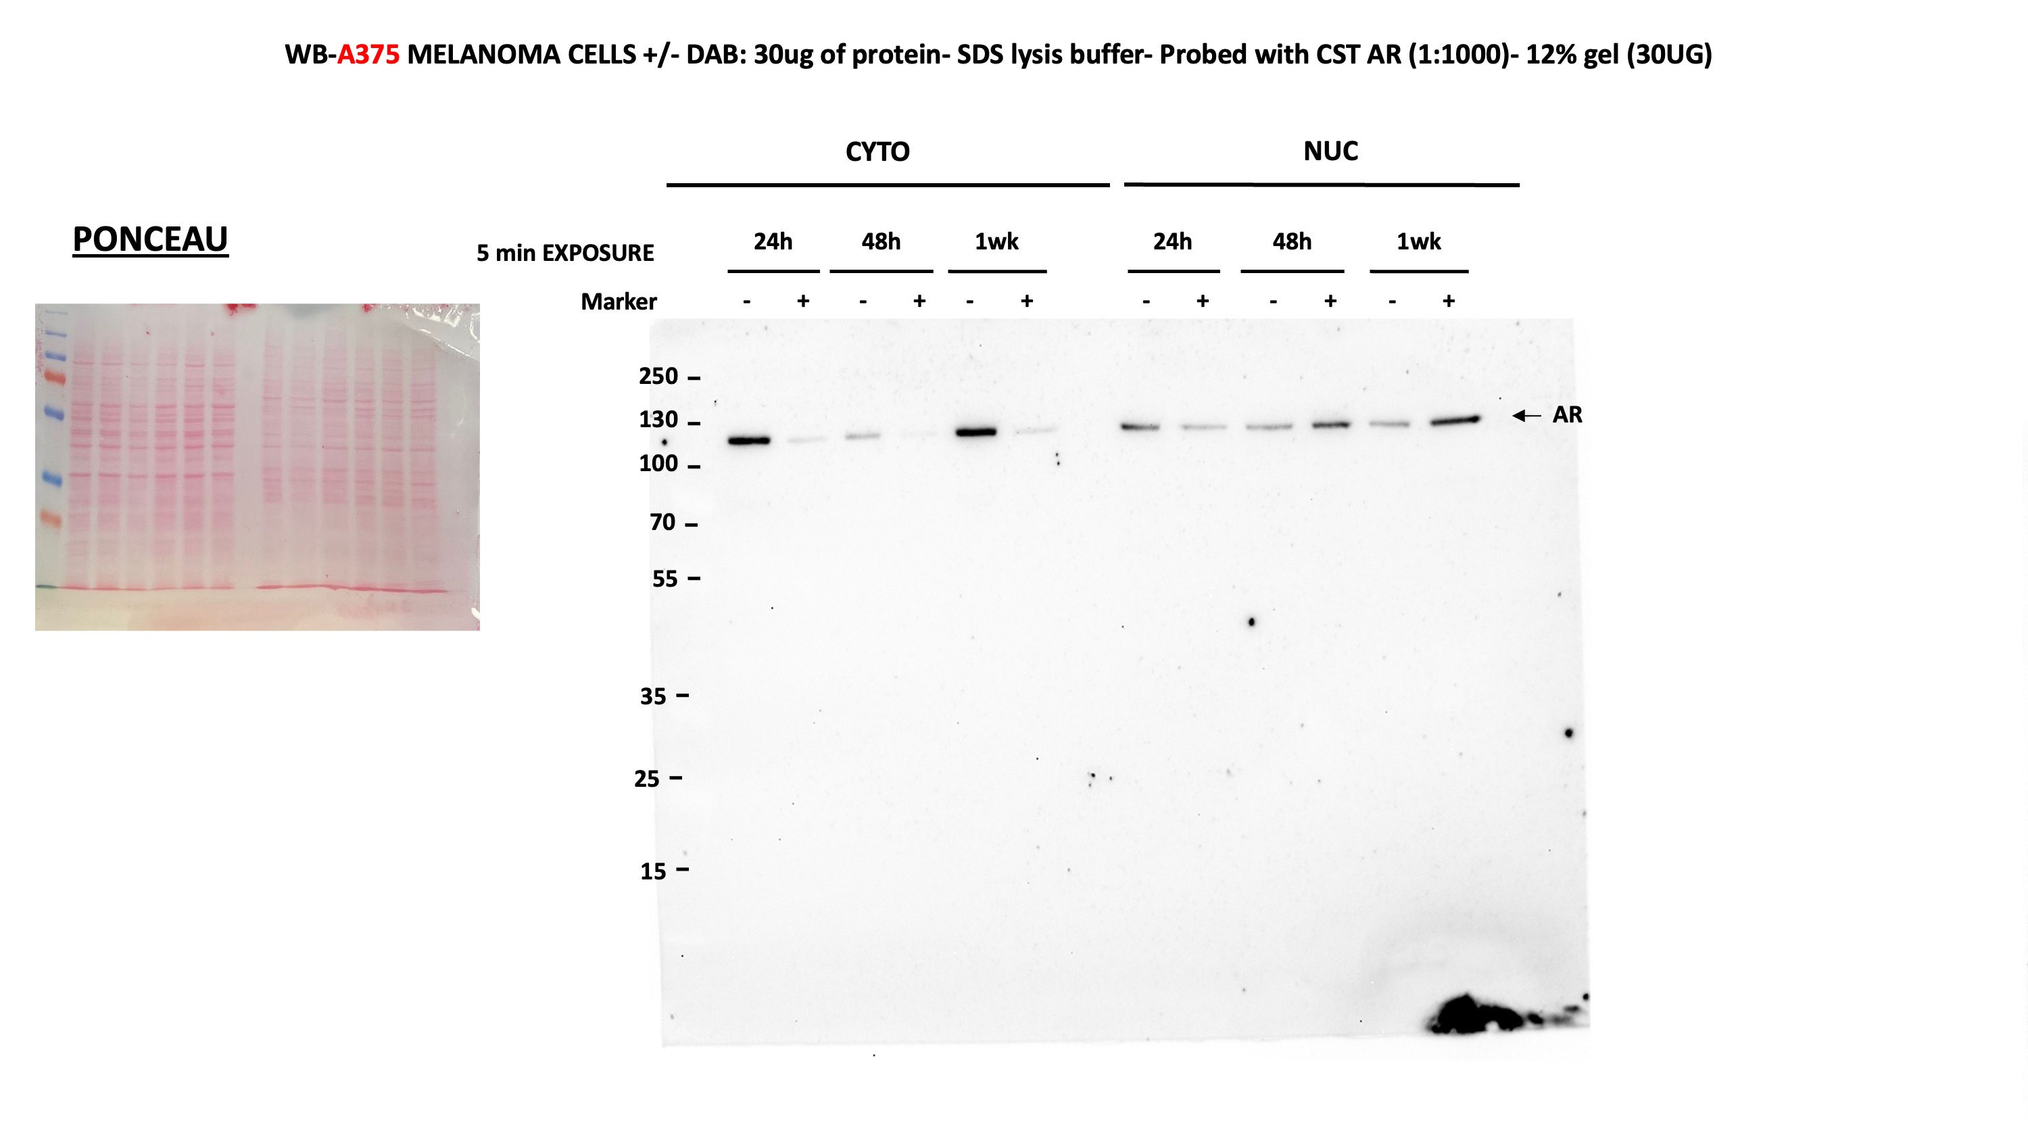
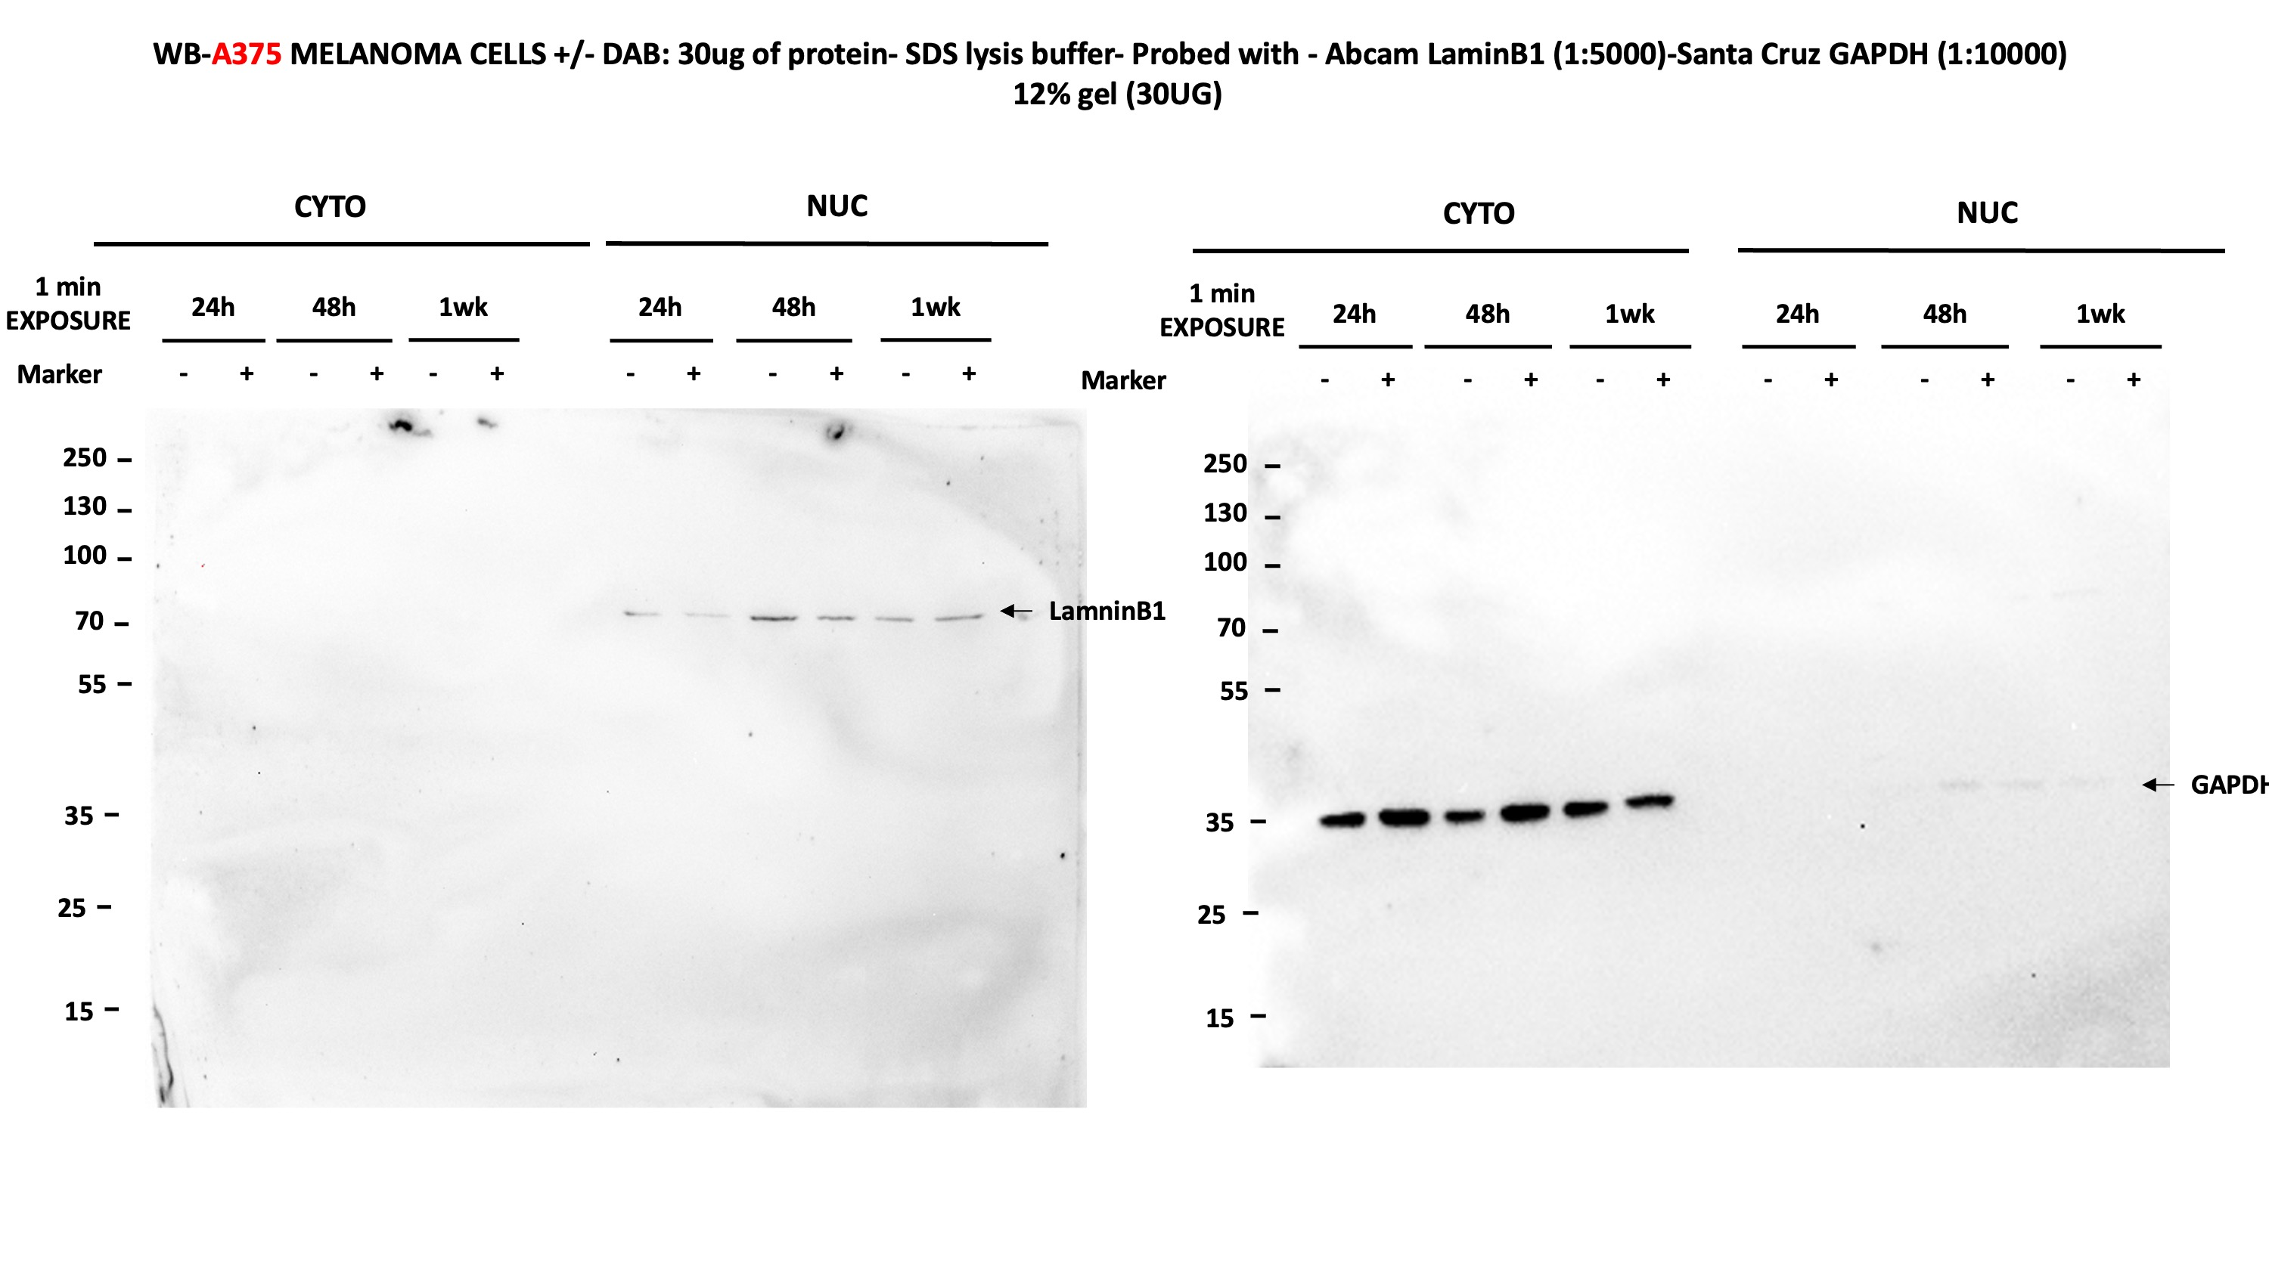
Figure 2g

Immunoblot of AR cellular distribution in A375 melanoma treated for 24 hours,48 hours and 7 days with Dabrafenib (0.5 M) versus DMSO control cells.

6c
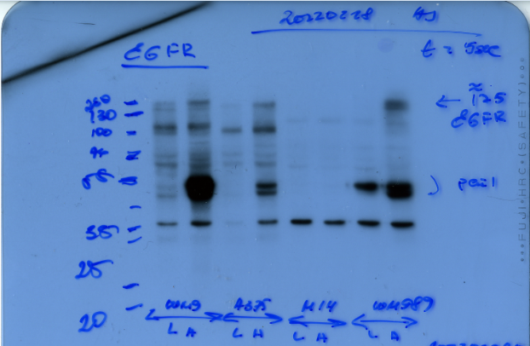
Immunoblotting of PAI-1 in multiple melanoma cell lines stably infected with an AR overexpressing lentivirus or LacZ expressing control

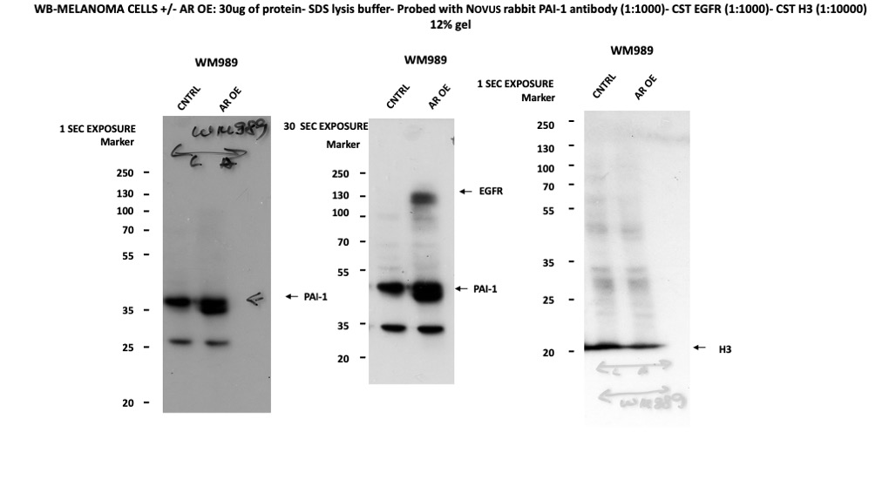
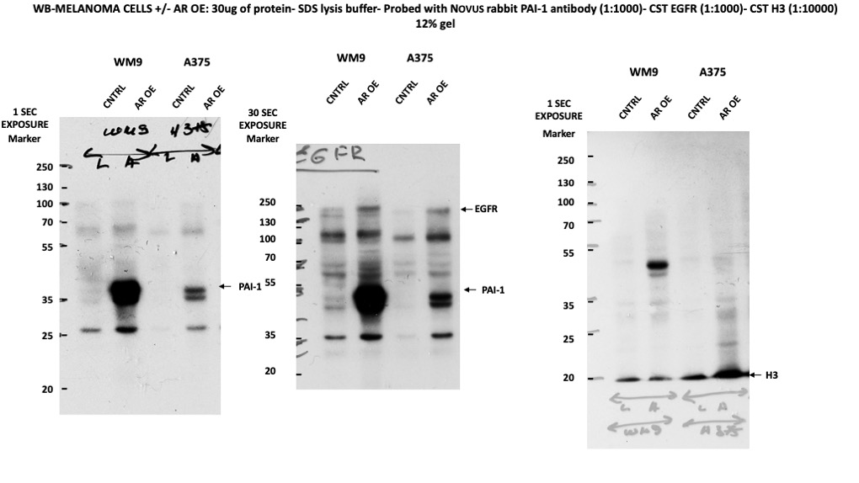

 | PAI-1 | EGFR | H3

9a-b
Figure 9a |  |  |  |  |  |  |  |  |  | Figure 9b

RT-qPCR analysis of Ar, Egfr and Serpine1 expression in mouse YUMM1.7BR and YUMM1.7 melanoma cells |  |  |  |  |  |  |  |  |  | Immunoblot of PAI-1 expression in YUMM1.7BR mouse melanoma cells versus parental controls. Histone3 (H3) was used as an equal loading control.
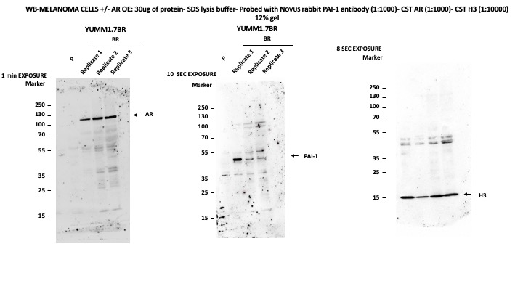

Gene | P |  |  | BR
Ar | 1 | 1 | 2.65123888 | 18.0843102 | 10.3867087 | 11.1321988
Egfr | 1 | 1 | 0.91594529 | 101.593667 | 72.6722835 | 105.20536742
Serpine1 | 1 | 1 | 1.0619138 | 4.05583792 | 2.82842712 | 2.29833859

Statitics
Multiple Unpaired (two-tailed) t-tests
Gene | Discovery? | P value | Mean of P | Mean of BR | Difference | SE of difference | t ratio | df | q value
Ar | Yes | 0.00975 | 1.55 | 13.2 | -11.65 | 2.512 | 4.638 | 4 | 0.009848
EGFR | Yes | 0.000861 | 0.972 | 93.16 | -92.19 | 10.3 | 8.954 | 4 | 0.001738
Serpine1 | No | 0.017295 | 1.021 | 3.061 | -2.04 | 0.5209 | 3.917 | 4 | 0.011645

 |  |  |  |  |  |  | AR |  |  |  | Cut membrane | PAI-1 | H3

S1n
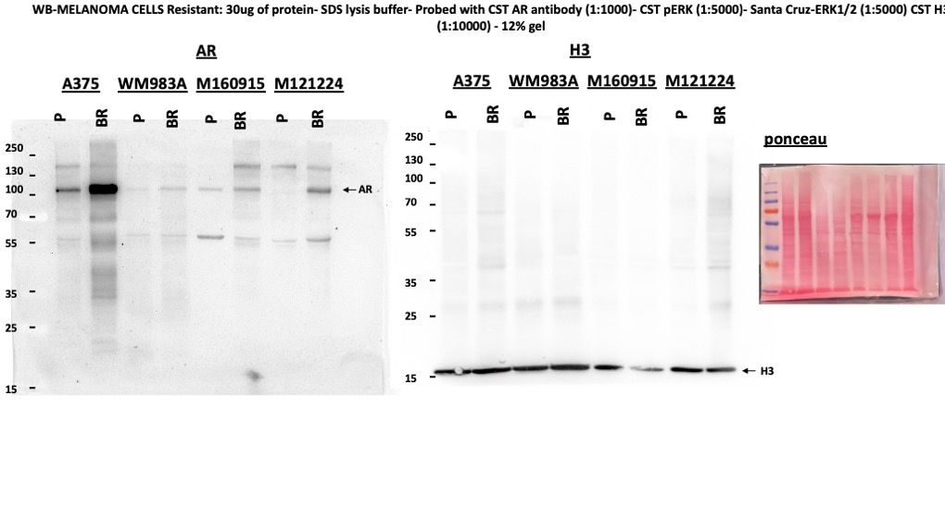
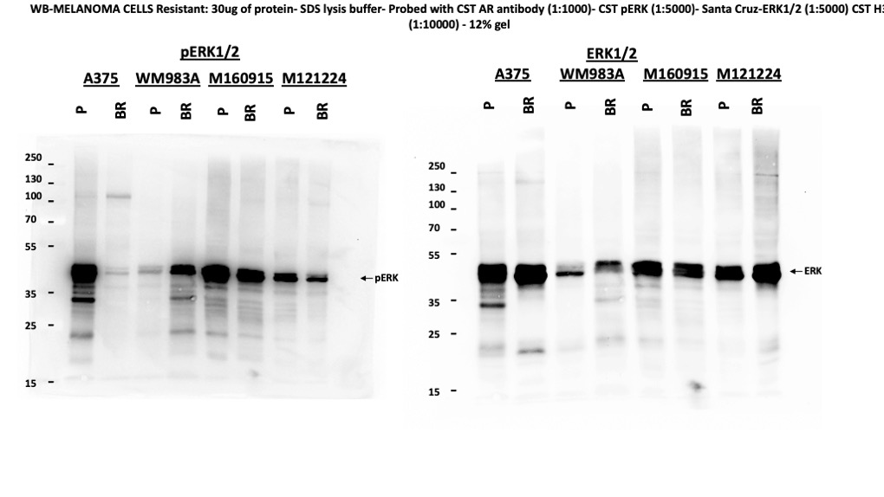
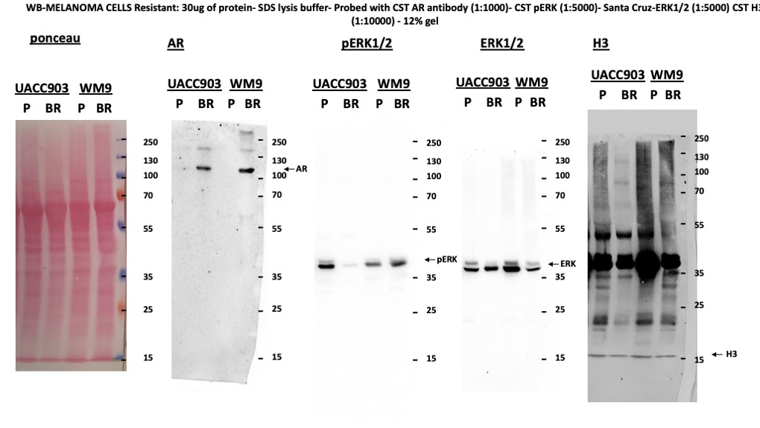
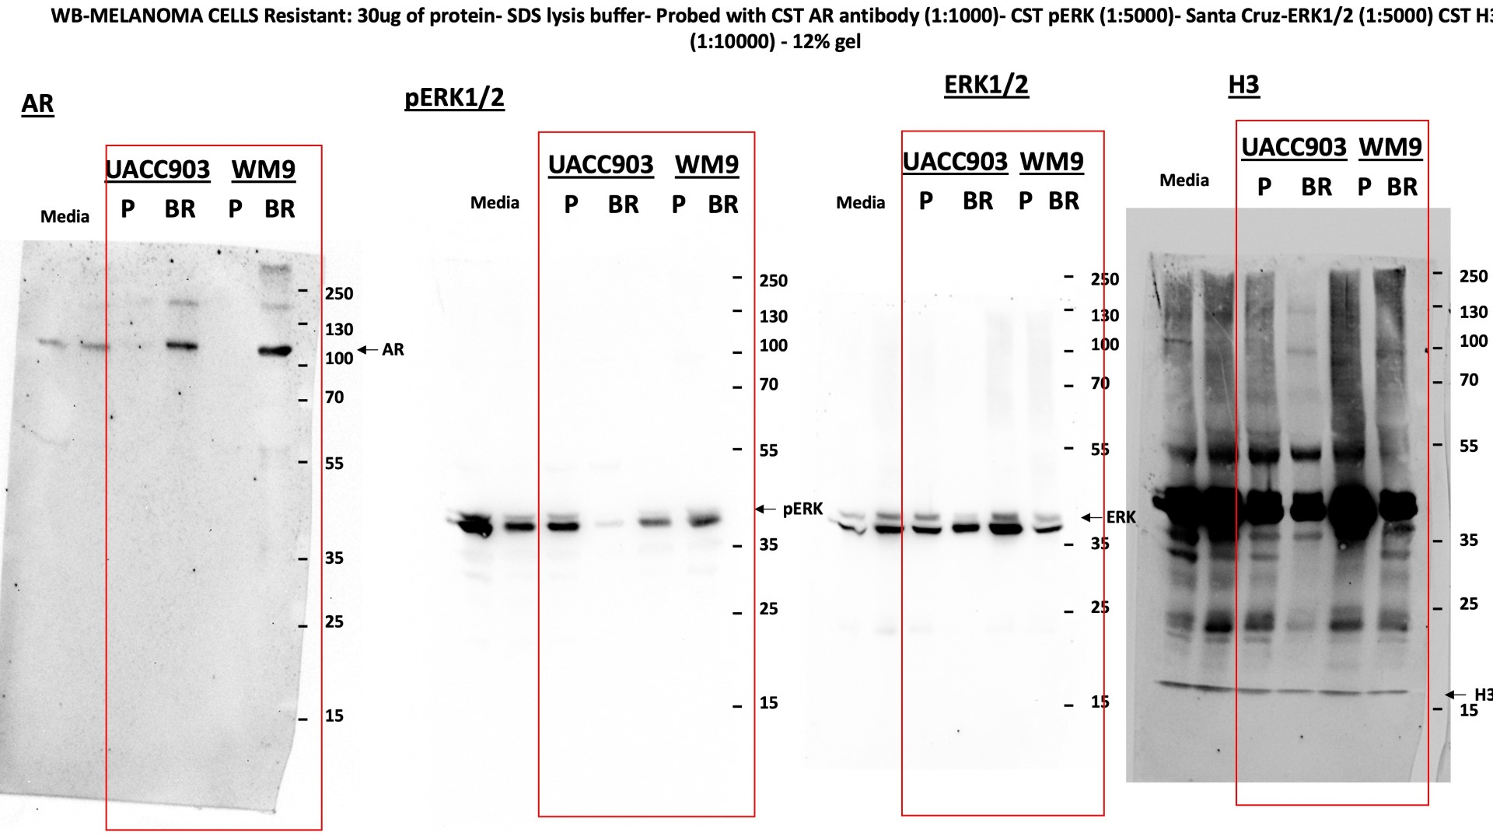
Supplementary Figure 4ab
RAW WB Data

S2b
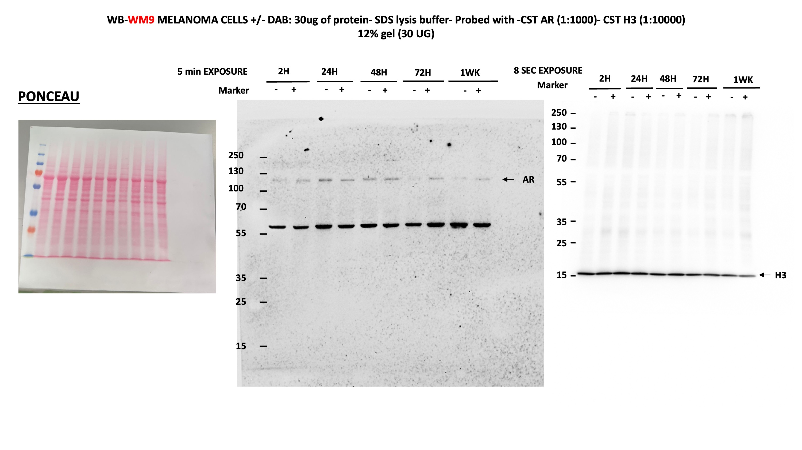
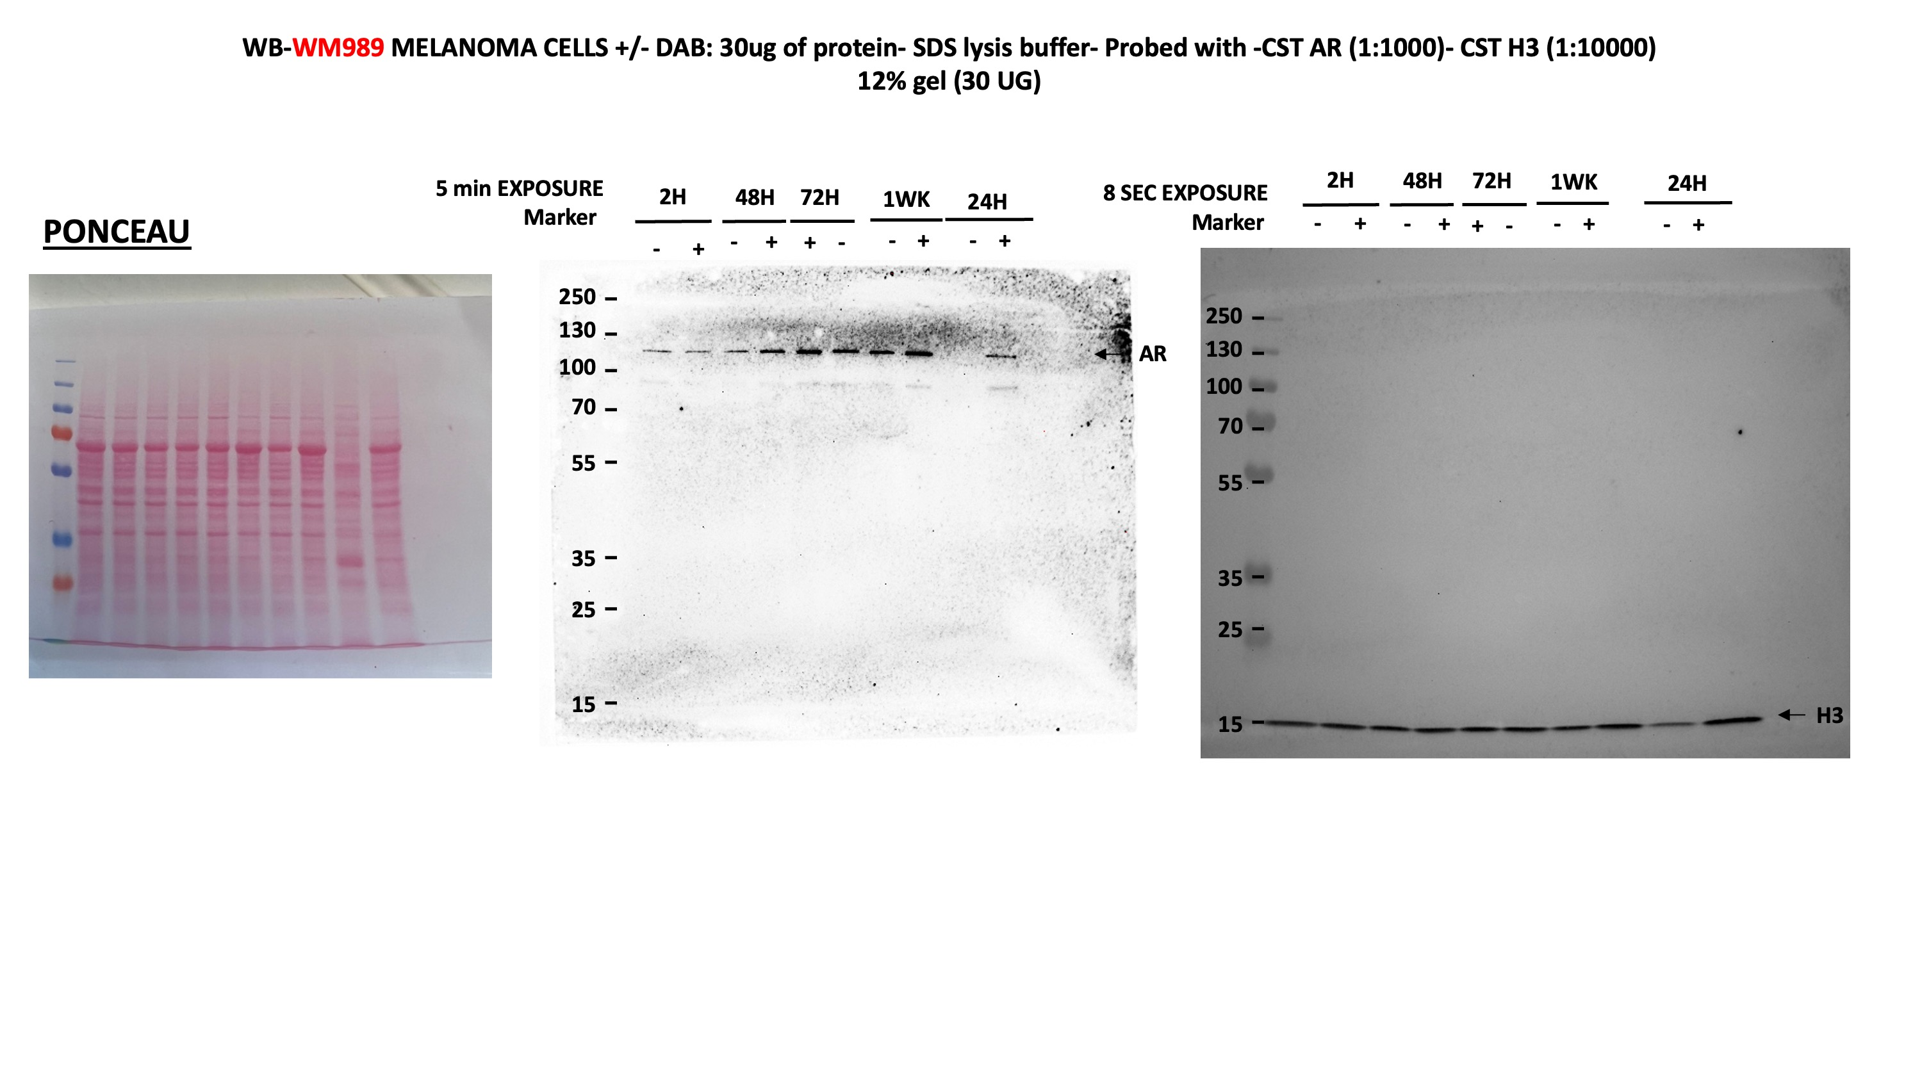
Supplementary Figure 2b
RAW WB Data

S2d-e
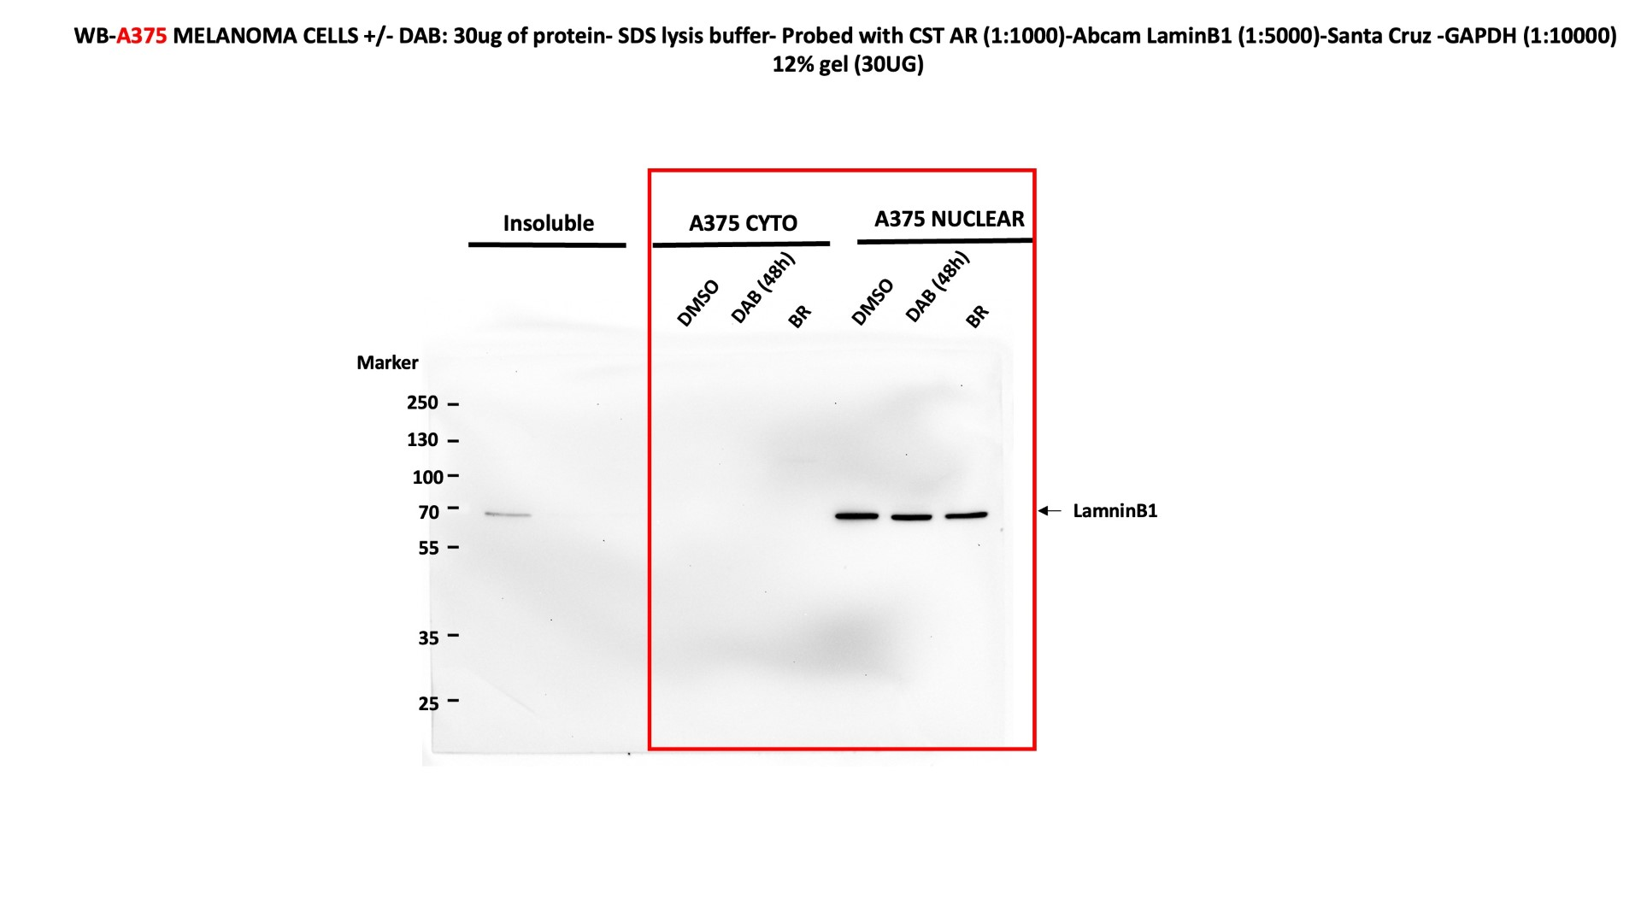
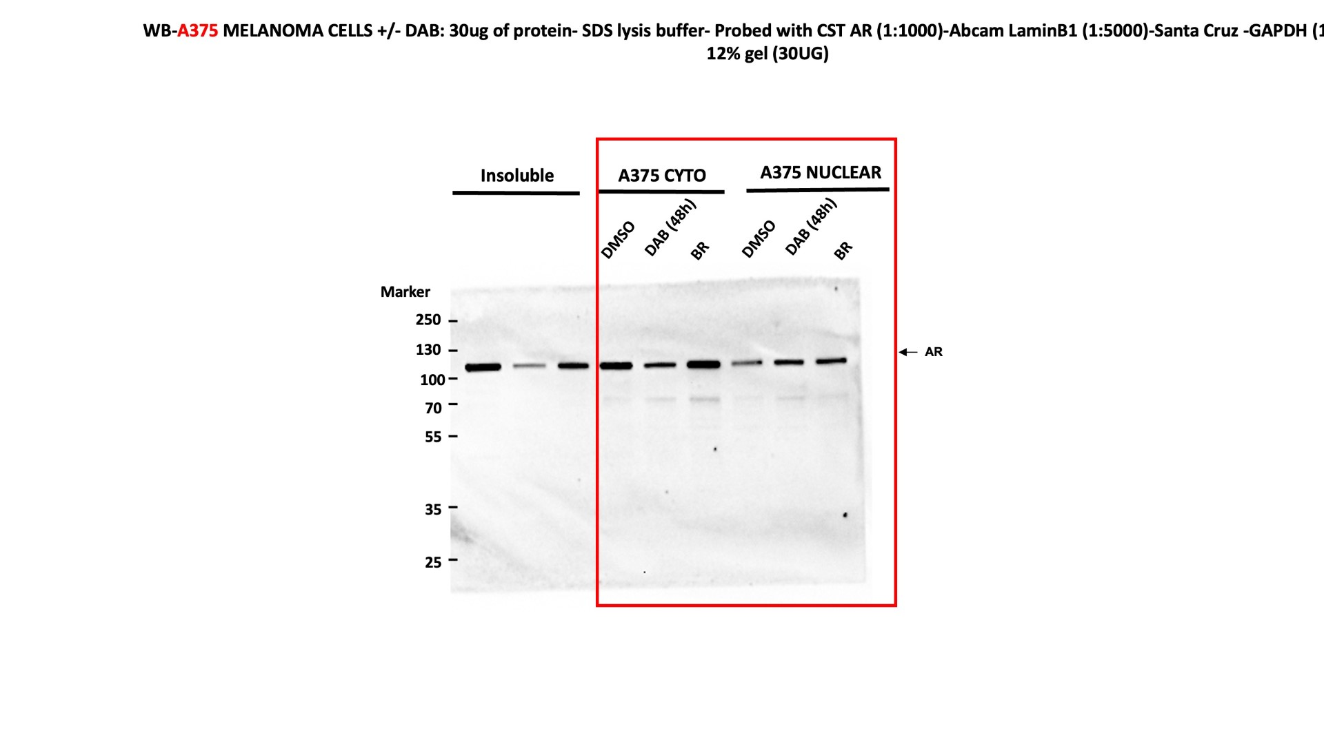
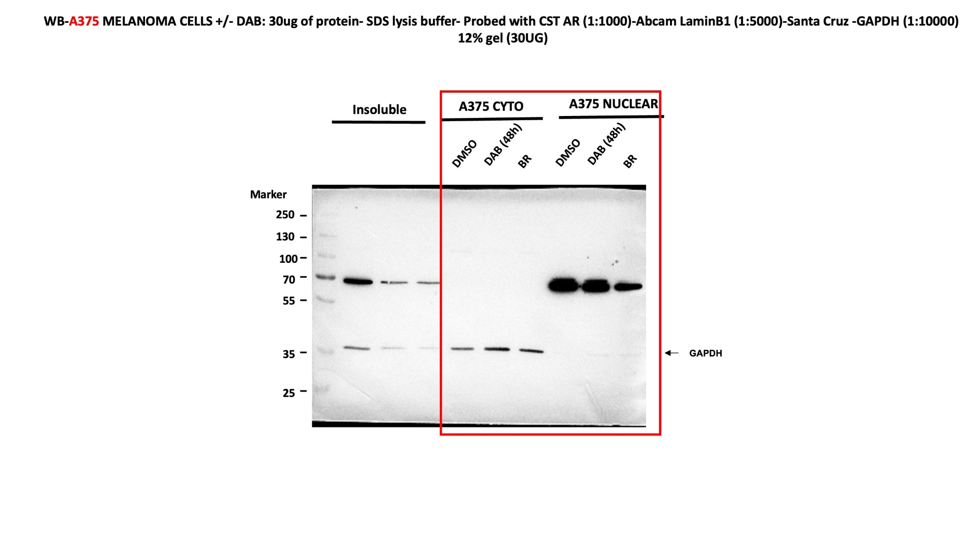
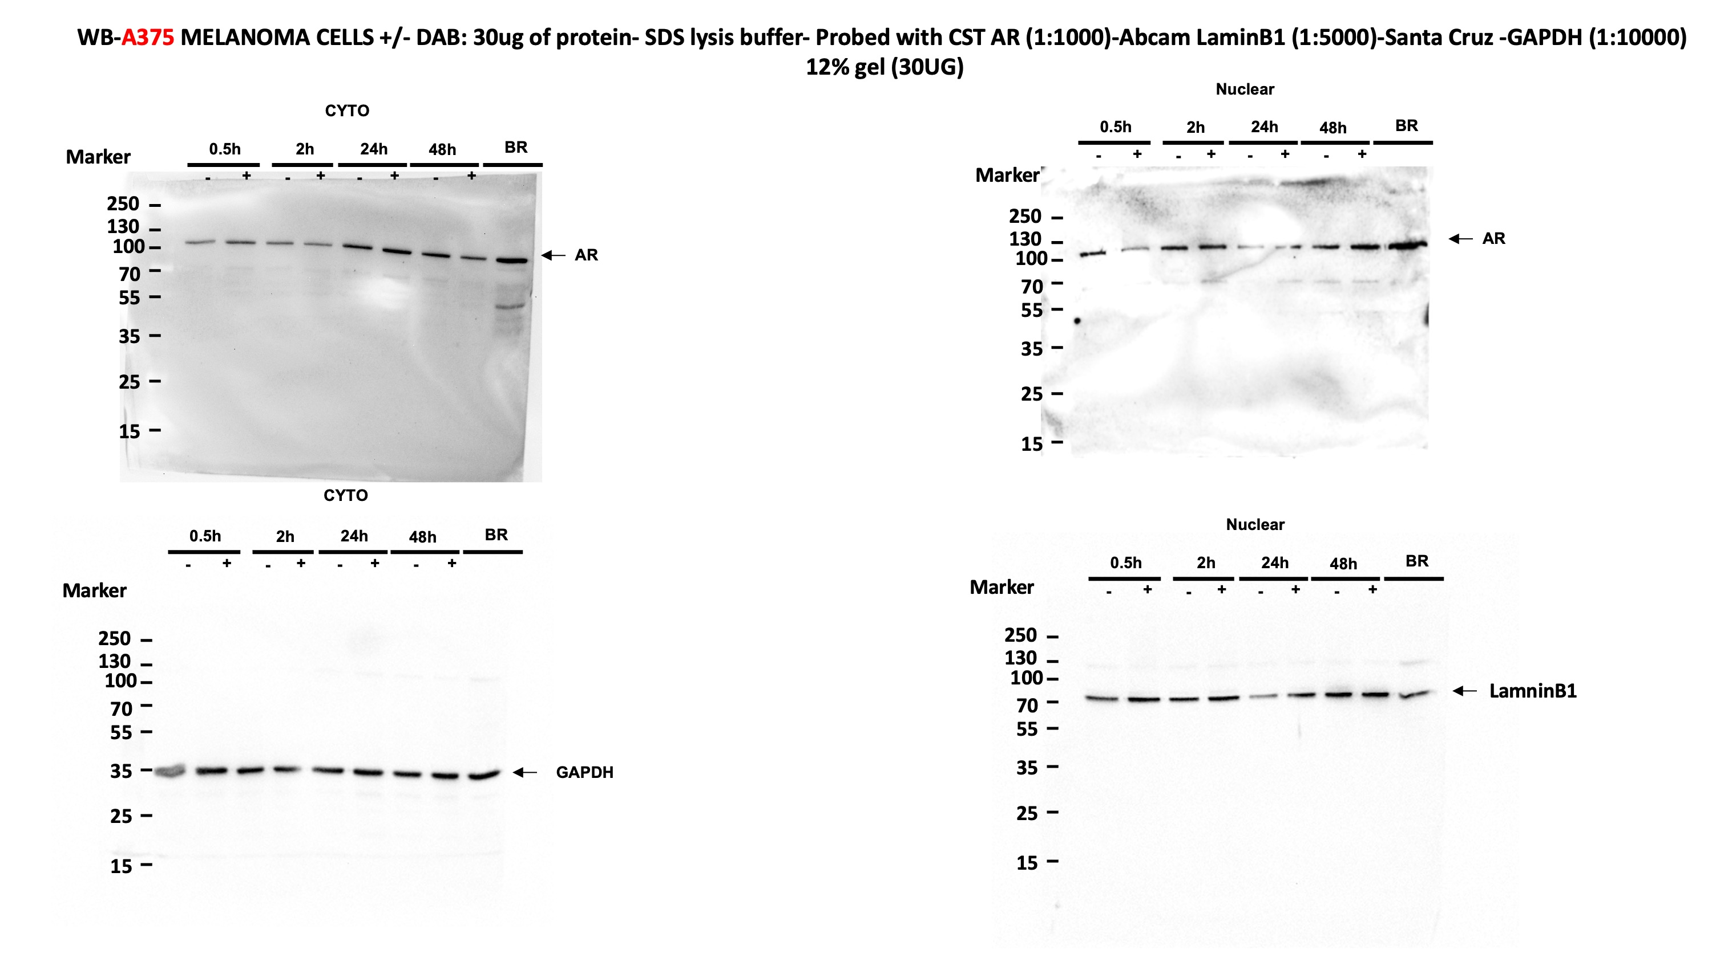
Supplementary Figure 2d-e
RAW WB Data

S4a-b
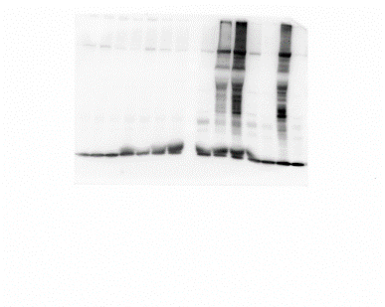
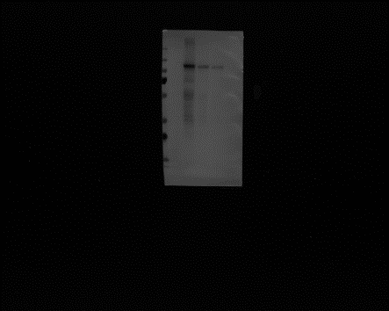
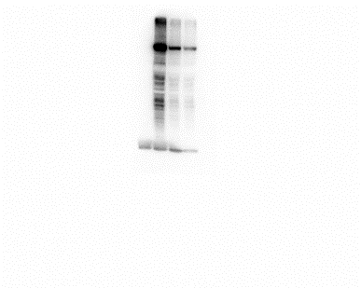
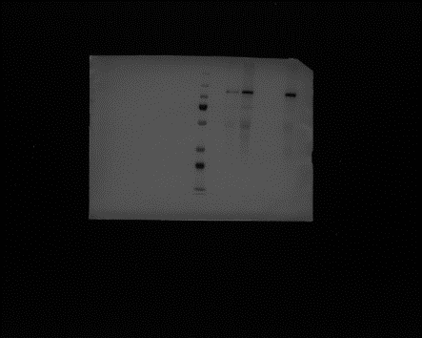
Supplementary Figure 4ab
RAW WB Data

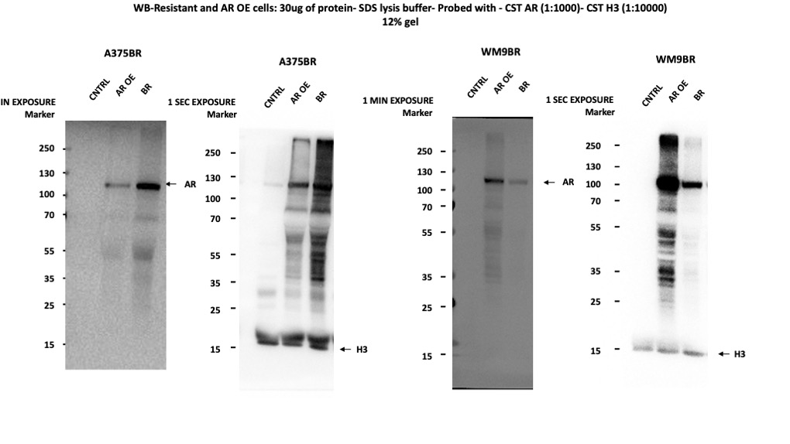

A375BR AR | A375BR H3 | WM9BR AR | WM9BR H3

S6c
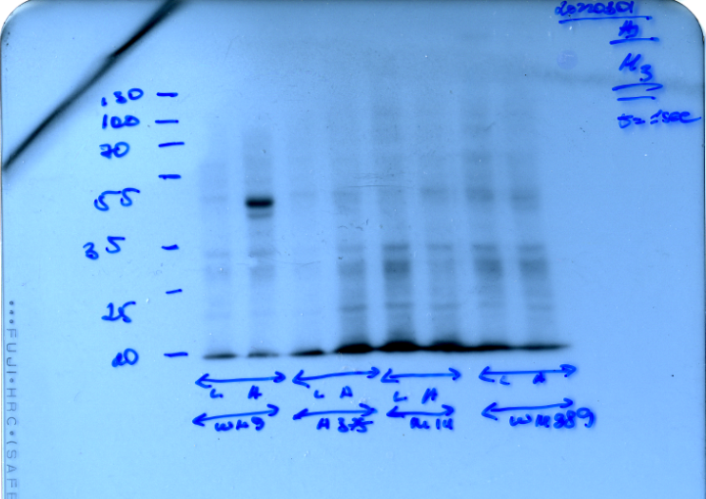
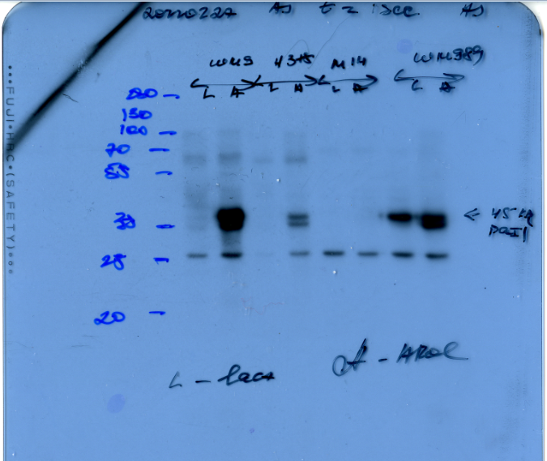
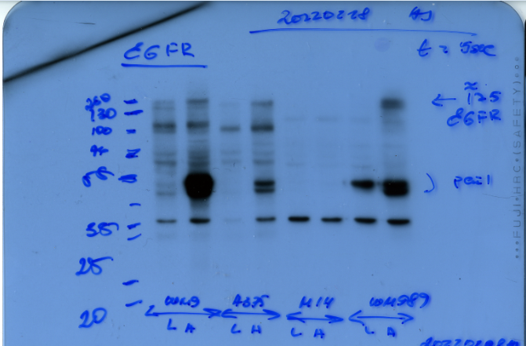
Supplementary Figure 6c
RAW WB Data

S7c
Supplementary Figure 7c
RAW WB Data
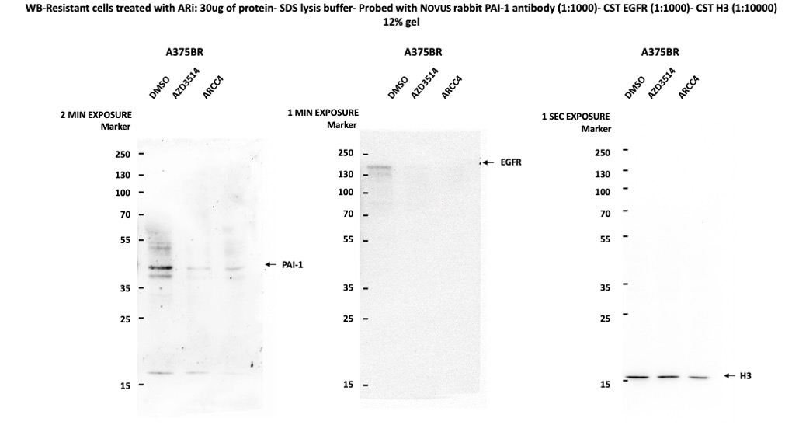

 | PAI-1 | EGFR | H3

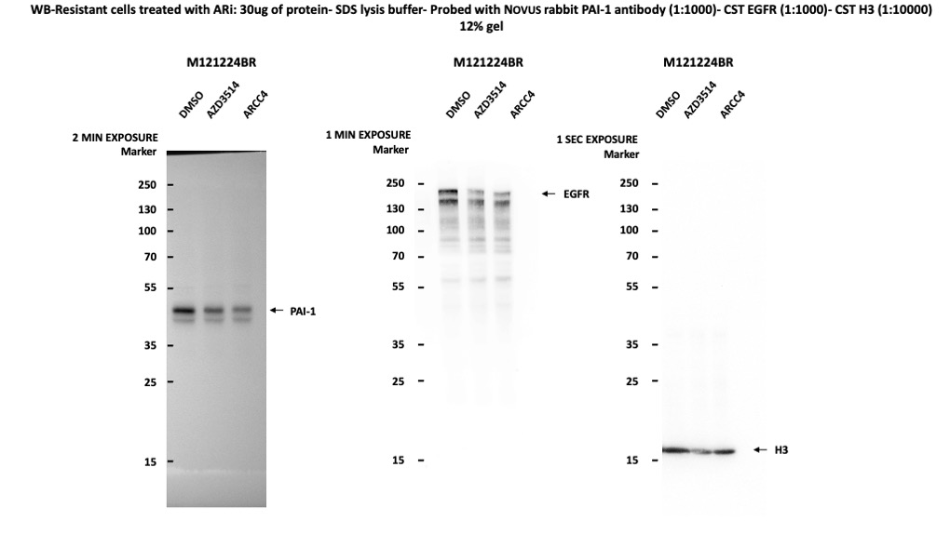

 | PAI-1 | EGFR | H3

