Figure 1
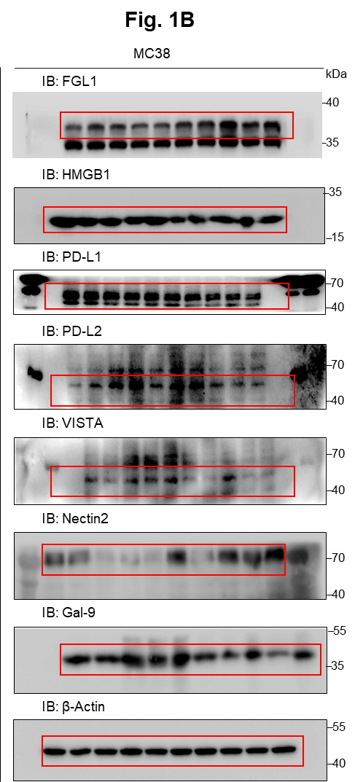
Figure 1B | Figure 1C
 | Relative change
 |  | Liver M |  |  |  |  | Primary T
 | Gal-9 | 0.697637 | 0.475587 | 0.676522 | 0.403537 | 0.873949 | 0.827576 | 0.860478 | 1.207479 | 0.920543 | 1.183925
 | Nectin2 | 1.577763 | 0.423562 | 1.905652 | 1.870492 | 3.008491 | 1.746519 | 1.564976 | 0.479573 | 0.652906 | 0.556025
 | VISTA | 0.45276 | 0.160034 | 0.818605 | 0.280243 | 0.954893 | 0.981161 | 0.781871 | 1.114779 | 1.09186 | 1.030328
 | PD-L2 | 1.123776 | 0.923681 | 0.468359 | 0.689833 | 0.786535 | 0.480145 | 0.955348 | 1.172051 | 1.646339 | 0.746117
 | PD-L1 | 0.941955 | 0.82437 | 0.719466 | 0.77493 | 1.007481 | 0.965483 | 0.998469 | 1.056121 | 1.007201 | 0.972726
 | HMGB1 | 0.514623 | 0.640966 | 0.852808 | 0.731266 | 1.04634 | 1.150256 | 0.945359 | 0.955803 | 0.878713 | 1.069869
 | FGL1 | 1.882846 | 1.987358 | 1.877495 | 2.688442 | 4.31609 | 0.966487 | 1.100907 | 0.986013 | 1.075892 | 0.870702

 | Figure 1G
 | Total flux (p s-1)
 |  | shNC |  |  |  |  | shFGL1#1 |  |  |  |  | shFGL1#2
 | MC38 | 140000000 | 370000000 | 300000000 | 400000000 | 208000000 | 5100000 | 8200000 | 120000 | 1400000 | 2700000 | 770000 | 522000 | 4480000 | 1000000 | 5100000
 | Hepatocyte | 1100000000 | 450000000 | 500000000 | 180000000 | 448000000 | 42000000 | 57000000 | 15500000 | 18000000 | 2080000 | 1280000 | 70000000 | 47000000 | 93000000 | 90000000

 | Liver weight (g)
 |  | shNC |  |  |  |  | shFGL1#1 |  |  |  |  | shFGL1#2
 | MC38 | 2.11 | 2.43 | 2.57 | 1.8 | 1.77 | 1.07 | 0.92 | 0.87 | 0.97 | 0.9 | 0.94 | 0.85 | 0.96 | 1.15 | 0.9
 | Hepatocyte | 2.99 | 3.6 | 4.1 | 4.15 | 3.8 | 2.25 | 2.8 | 2.15 | 2.88 | 2.25 | 2.87 | 2.62 | 2.17 | 1.65 | 1.48

 | Figure 1H
 | No. of liver metastases/mouse
 |  | shNC |  |  |  |  | shFGL1#1 |  |  |  |  | shFGL1#2
 | MC38 | 129 | 115 | 94 | 69 | 104 | 62 | 29 | 21 | 14 | 28 | 52 | 25 | 30 | 9 | 20
 | Hepatocyte | 178 | 194 | 209 | 145 | 171 | 80 | 99 | 55 | 104 | 115 | 60 | 89 | 112 | 103 | 124

 | Figure 1I
 | Plasma FGL1 level (ng/ml)
 |  | shNC |  |  |  |  | shFGL1#1 |  |  |  |  | shFGL1#2
 | MC38 | 2.9762 | 3.0871 | 1.6787 | 1.5627 | 2.7843 | 1.4351 | 1.6452 | 1.5352 | 0.9345 | 0.993 | 1.4897 | 1.4258 | 1.6481 | 0.9638 | 1.19
 | Hepatocyte | 2.98 | 3.6759 | 3.4264 | 2.8543 | 2.92543 | 2.04 | 1.58 | 1.657 | 1.8769 | 1.8547 | 1.7513 | 1.8542 | 2.086 | 1.362 | 1.9574

 | Figure 1J
 | No. of IFN-γ+ CD8+ T cells/g (*104)
 |  | shNC |  |  |  |  | shFGL1#1 |  |  |  |  | shFGL1#2
 | MC38 | 0.674615 | 0.872466 | 1.545763 | 2.487273 | 1.5348 | 3.955574 | 3.572727 | 3.698333 | 6.36375 | 5.630156 | 4.606981 | 4.273182 | 6.312857 | 4.505625 | 5.196176
 | Hepatocyte | 2.295306 | 1.601918 | 0.676087 | 0.914651 | 0.9272 | 2.829583 | 3.19 | 3.365625 | 3.065893 | 4.078676 | 4.140566 | 2.674545 | 3.143265 | 3.12 | 2.28

 | No. of IFN-γ+ CD4+ T cells/g (*104)
 |  | shNC |  |  |  |  | shFGL1#1 |  |  |  |  | shFGL1#2
 | MC38 | 0.533846 | 0.473014 | 1.427797 | 2.143636 | 1.8428 | 2.844098 | 2.682955 | 2.606111 | 6.008571 | 5.244375 | 3.122264 | 2.61 | 3.620204 | 4.03375 | 4.754559
 | Hepatocyte | 1.838571 | 1.160548 | 0.753478 | 0.955814 | 1.0152 | 3.290833 | 2.676667 | 3.463594 | 3.629464 | 4.043382 | 4.275849 | 3.241364 | 3.342245 | 3.218125 | 2.392131

Figure 3
Figure 3C |  |  |  | Figure 3E
Relative abundance (%) |  |  |  | Relative FGL1 mRNA level
 | PN | PT | LM | TAM: | - |  |  | +
 | 0.29994001 | 0.06729475 | 3.71567044 | MC38 | 0.938615 | 1.02712 | 1.034265 | 1.041458 | 1.048702 | 1.093236
 | 0.14892033 | 4.88496691 | 8.13326801 | HT29 | 0.988445 | 0.99532 | 1.016234 | 1.052072 | 1.135425 | 1.051131
 | 0.6512301 | 4.68085106 | 12.32820513
 | 3.50653491 | 7.62576097 | 9.76710598
 | 0.01567644 | 2.88607595 | 7.11346267 | Figure 3F
 | 6.79380215 | 3.7979798 | 7.73399015 | Relative FGL1 mRNA level
 | 1.41875416 | 4.05266758 | 11.68805528 |  | Primary T |  |  |  |  | Liver M
 | 1.5576324 | 9.78788653 | 21.85856224 | MC38 | 0.98 | 0.951 | 1.069 | 0.962 | 1.038 | 1.151 | 1.024 | 1.059 | 1.0151 | 0.9817
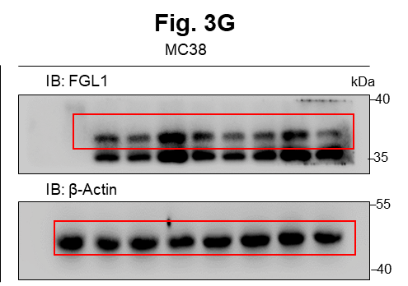
 | 9.17569194 | 12.32934258 | 33.23328786
 | 3.94141145 | 6.86390533 | 22.5049477
 |  |  |  | Figure 3G

Figure 3D
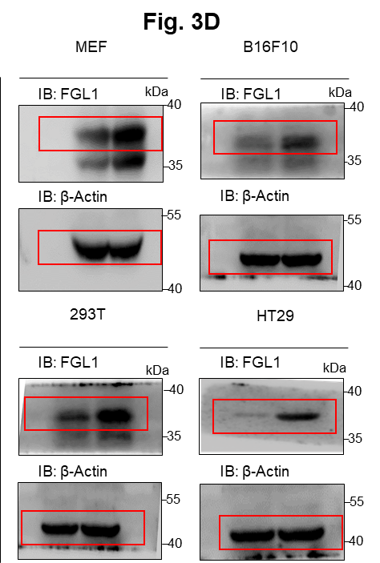

 |  |  |  | Relative change
 |  |  |  |  | Ctrl |  |  | IL-4 |  |  | TNFα |  |  | IFN-γ |  |  | VEGF |  |  | EGF |  |  | IL-1β |  |  | IL-12
 |  |  |  | FGL1 | 0.971544 | 0.886175 | 1.142282 | 0.890457 | 0.905102 | 0.849821 | 2.2875445 | 2.09512 | 2.021895 | 1.109332 | 1.050752 | 1.123977 | 0.846407 | 0.792857 | 0.661052 | 0.746685 | 0.96133 | 0.67346 | 1.551424 | 1.566069 | 1.697874 | 1.080281 | 1.124216 | 1.373181

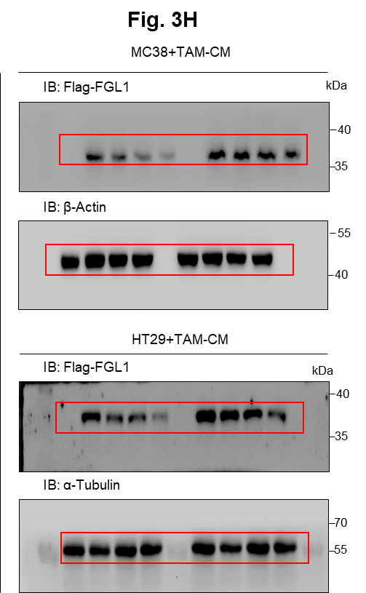
 |  |  |  | Figure 3H |  |  |  | Relative change
 |  |  |  |  |  |  |  | HT29 | FGL1-Ctrl |  |  | FGL1-TAM-CM
 |  |  |  |  |  |  |  | 0 | 100.5309 | 99.93364 | 99.5355 | 99.04637 | 100.6248 | 100.3288
 |  |  |  |  |  |  |  | 0.5 | 74.58283 | 76.0457 | 70.4329 | 84.84937 | 92.9753 | 90.1836
 |  |  |  |  |  |  |  | 1 | 62.66335 | 42.0127 | 61.9753 | 81.23379 | 70.1459 | 75.7649
 |  |  |  |  |  |  |  | 3 | 27.68687 | 32.1457 | 16.1247 | 48.91975 | 43.0567 | 39.002

 |  |  |  |  |  |  |  | Relative change
 |  |  |  |  |  |  |  | MC38 | FGL1-Ctrl |  |  | FGL1-TAM-CM
 |  |  |  |  |  |  |  | 0 | 101.9671 | 98.67785 | 99.35505 | 99.37929 | 99.96733 | 100.6534
 |  |  |  |  |  |  |  | 0.5 | 55.5132 | 66.278 | 53.479 | 93.06786 | 80.791 | 88.375
 |  |  |  |  |  |  |  | 1 | 42.97174 | 33.594 | 39.647 | 80.61309 | 85.546 | 74.785
 |  |  |  |  |  |  |  | 3 | 18.66466 | 30.1789 | 22.6721 | 65.06974 | 62.1467 | 51.8758

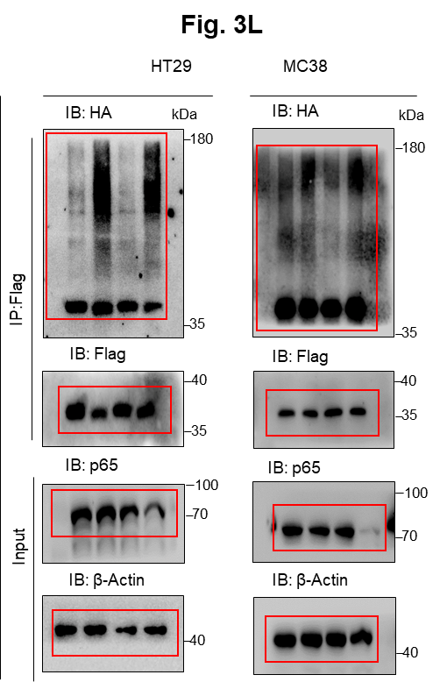

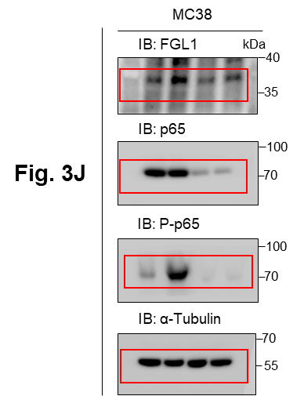
 |  |  |  | Figure 3I |  |  |  |  | Figure 3J |  |  |  |  | Figure 3K |  |  |  | Figure 3L
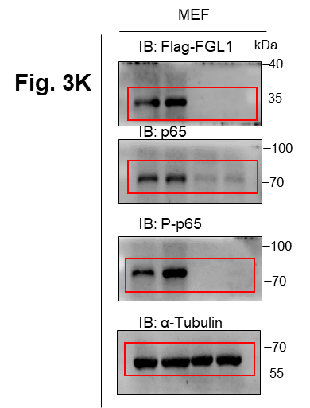
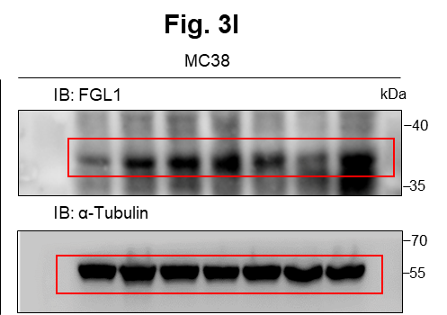

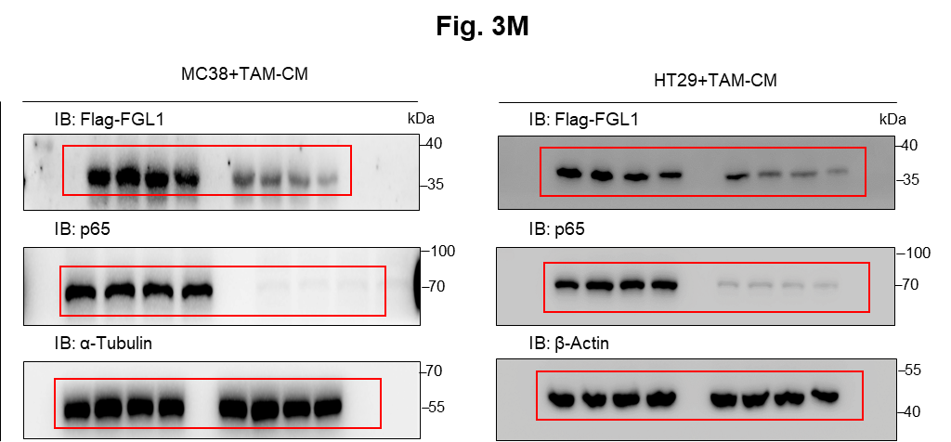
 |  |  |  | Figure 3M

 |  |  |  | Relative change
 |  |  |  | MC38+TAM-CM | FGL1-shNC |  |  | FGL1-shp65
 |  |  |  | 0 | 99.70501 | 99.3117 | 100.9833 | 98.73418 | 101.2658 | 100
 |  |  |  | 0.5 | 95.10769 | 90.4781 | 83.133 | 76.40726 | 64.578 | 72.1754
 |  |  |  | 1 | 88.05666 | 80.7541 | 71.5453 | 43.48371 | 50.5758 | 58.5882
 |  |  |  | 3 | 68.529 | 54.2785 | 63.4583 | 33.23988 | 22.5456 | 30.7854

 |  |  |  | HT29+TAM-CM | FGL1-shNC |  |  | FGL1-shp65
 |  |  |  | 0 | 99.86816 | 99.27488 | 100.857 | 101.8277 | 98.30287 | 99.86945
 |  |  |  | 0.5 | 82.68784 | 90.8542 | 88.6874 | 75.47123 | 66.8574 | 58.845
 |  |  |  | 1 | 76.23965 | 63.5746 | 74.869 | 46.95655 | 55.7198 | 53.698
 |  |  |  | 3 | 56.06193 | 46.5746 | 49.6423 | 24.82668 | 32.8961 | 28.7163

Figure 4
Figure 4B |  |  |  |  |  | Figure 4C |  |  |  |  | Figure 4D |  |  | Figure 4E |  |  |  |  |  | Figure 4F |  | Figure 4G
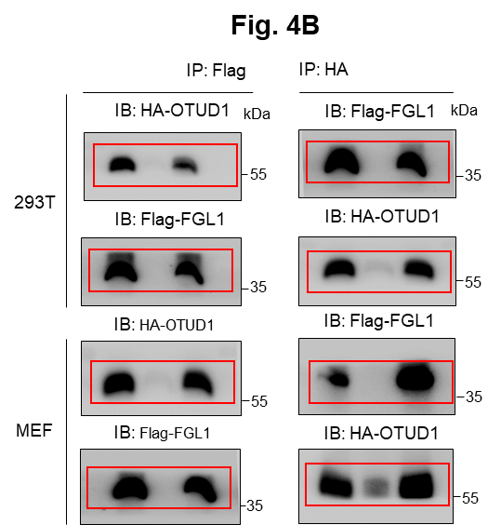
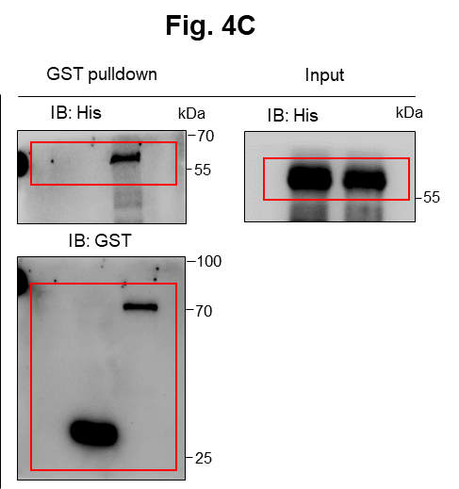
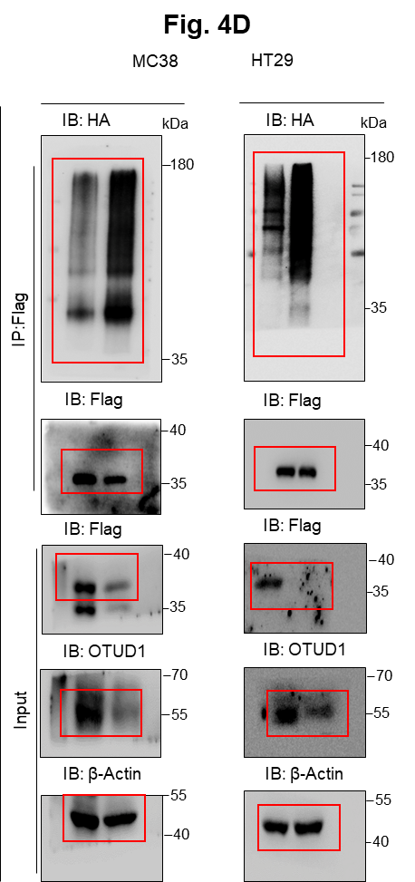
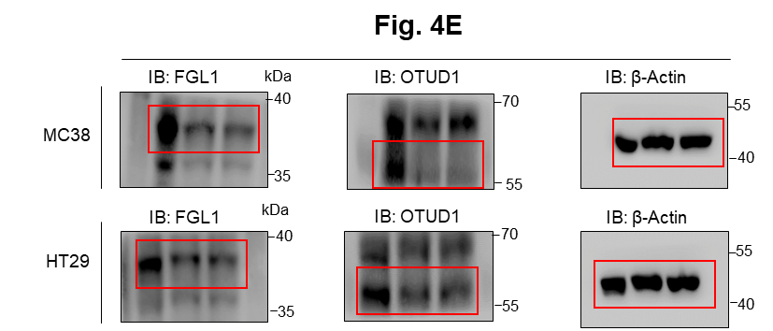
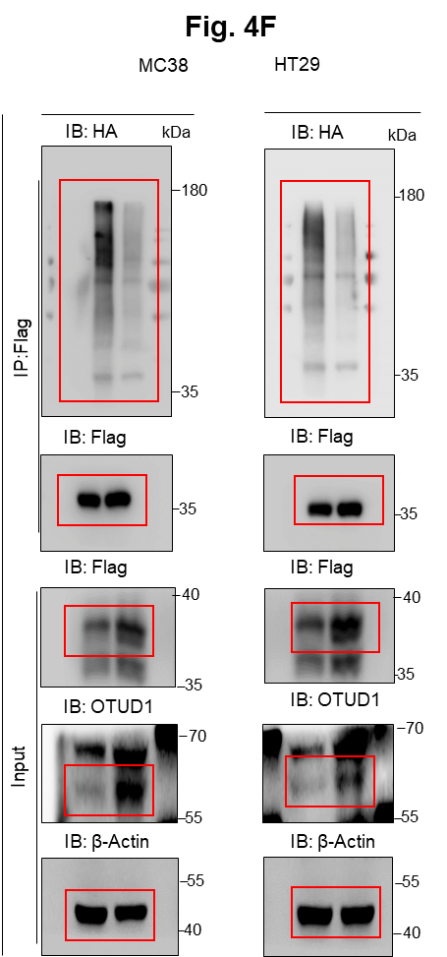
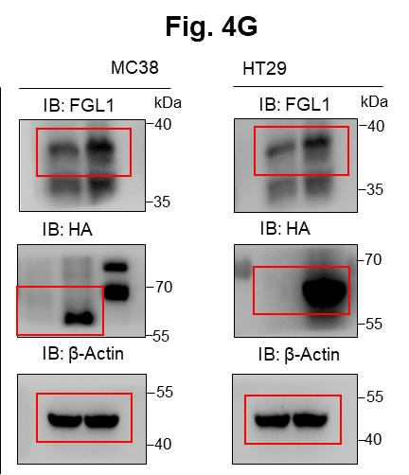

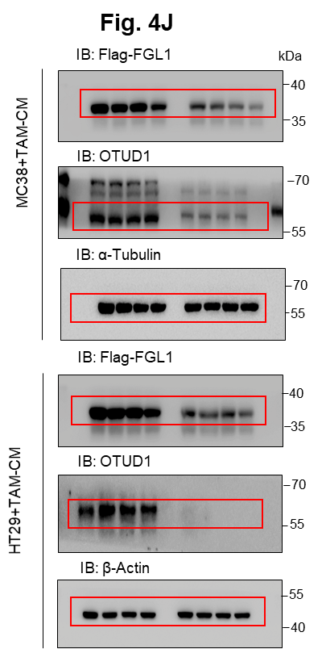
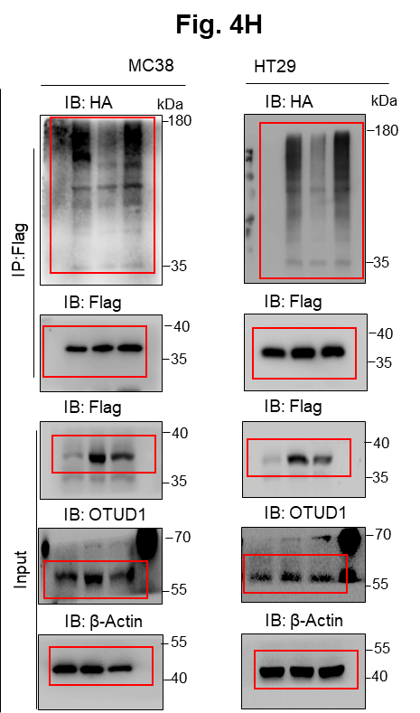
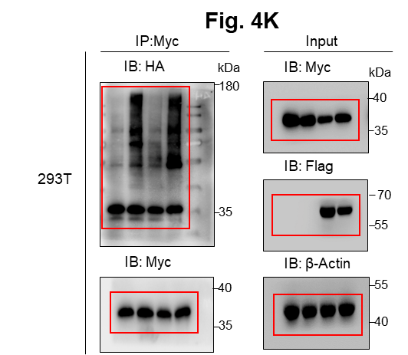
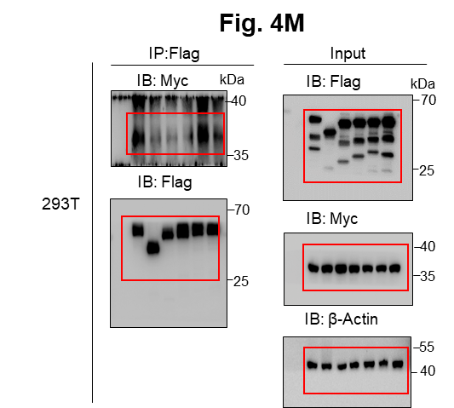
Figure 4H |  |  |  |  | Figure 4I |  |  |  |  | Figure 4J |  |  |  |  |  |  |  |  | Figure 4K |  | Figure 4M
 |  |  |  |  |  |  |  |  |  |  |  | Relative change
 |  |  |  |  |  |  |  |  |  |  |  | MC38+TAM | FGL1-shNC |  |  | FGL1-shOTUD1
 |  |  |  |  |  |  |  |  |  |  |  | 0 | 101.4964 | 97.98308 | 100.5205 | 98.922 | 100.2536 | 100.8244
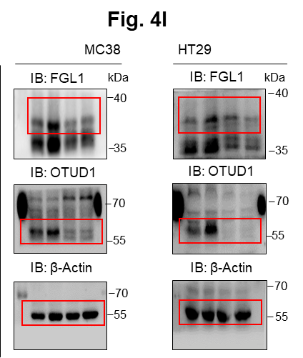
 |  |  |  |  |  |  |  |  |  |  |  | 0.5 | 74.55785 | 75.735 | 78.947 | 66.22675 | 67.2478 | 56.124
 |  |  |  |  |  |  |  |  |  |  |  | 1 | 72.51619 | 70.654 | 63.541 | 48.04146 | 36.452 | 40.538
 |  |  |  |  |  |  |  |  |  |  |  | 3 | 56.27424 | 40.637 | 42.0533 | 35.42165 | 19.483 | 26.547

 |  |  |  |  |  |  |  |  |  |  |  | Relative change
 |  |  |  |  |  |  |  |  |  |  |  | HT29+TAM | FGL1-shNC |  |  | FGL1-shOTUD1
 |  |  |  |  |  |  |  |  |  |  |  | 0 | 101.4402 | 98.99812 | 99.56168 | 102.6758 | 98.38208 | 98.94213
 |  |  |  |  |  |  |  |  |  |  |  | 0.5 | 85.09933 | 92.364 | 90.546 | 74.32743 | 80.4768 | 77.548
 |  |  |  |  |  |  |  |  |  |  |  | 1 | 93.41358 | 80.102 | 76.145 | 71.46211 | 52.6485 | 76.977
 |  |  |  |  |  |  |  |  |  |  |  | 3 | 57.82801 | 52.758 | 66.6938 | 20.22551 | 36.457 | 33.61

Figure 4N

% Cytotoxicity | shNC |  |  | shNC+TAM-CM |  |  | shOTUD1+TAM-CM
MC38-OVA | 71.02 | 82.73 | 73.29 | 60.04 | 55.94 | 60.57 | 72.31 | 70.95 | 68.48

Figure 5
Figure 5A |  |  |  |  |  |  |  |  |  |  |  |  | Figure 5D
 | TCGA-CRC |  | TCGA-GC |  | SYSUCC-CRC |  | SYSUCC-GC |  | CCLE |  | CRC cell lines |  | Relative OTUD1-Luc activity
 | p65 expression | OTUD1 expression | p65 expression | OTUD1 expression | p65 expression | OTUD1 expression | p65 expression | OTUD1 expression | p65 expression | OTUD1 expression | p65 expression | OTUD1 expression |  | shNC |  |  | shp65 #1 |  |  | shp65 #2
 | 5.9341 | 2.667 | 4.9814 | 2.2931 | 8.74 | 9.55 | 8.41 | 9.64 | 4.430285273 | 4.956056652 | 3.186904 | 3.309323 | MC38 | 1.032724 | 0.906468 | 1.060808 | 0.460092 | 0.552017 | 0.599742 | 0.620093 | 0.634672 | 0.560813
 | 5.9702 | 2.8014 | 5.0704 | 2.2813 | 8.68 | 8.01 | 9.19 | 10.63 | 4.874305166 | 1.416839742 | 2.930025 | 3.215 | HT29 | 0.932761 | 1.101584 | 0.965655 | 0.534963 | 0.392803 | 0.465655 | 0.469781 | 0.496462 | 0.578613
 | 5.5261 | 2.2813 | 6.0691 | 0.8488 | 9.48 | 11.18 | 9.4 | 10.8 | 5.21451341 | 2.933572638 | 3.038396 | 3.81104 | 293T | 0.943091 | 1.032019 | 1.02489 | 0.361482 | 0.397654 | 0.4128225 | 0.37663 | 0.417663 | 0.36345
 | 5.7469 | 2.4117 | 5.9248 | 2.5213 | 10.29 | 10.99 | 9.91 | 10.07 | 5.667892125 | 1.475084883 | 3.17988 | 3.825088
 | 5.2449 | 1.6604 | 5.6294 | 2.4465 | 10.31 | 10.24 | 8.43 | 9.56 | 4.393004257 | 2.010779839 | 2.904939 | 3.153791 | Figure 5E
 | 5.1252 | 2.1957 | 5.5097 | 2.9375 | 9.5 | 11.2 | 8.96 | 10.62 | 4.100977648 | 1.214124805 | 2.885874 | 3.34946 | Relative OTUD1-Luc activity
 | 5.9971 | 2.4412 | 6.533 | 4.2601 | 8.96 | 10.6 | 9.39 | 9.49 | 5.086189313 | 3.264536431 | 2.980197 | 3.228045 |  | EV |  |  | P-p65
 | 5.89 | 2.4908 | 5.4601 | 2.1313 | 10.16 | 10.5 | 9.77 | 10.88 | 6.030556792 | 2.372952098 | 3.156801 | 4.206392 | MC38 | 0.953595 | 1.169728 | 0.876677 | 1.606801 | 1.795178 | 2.031343
 | 5.7337 | 2.77 | 6.0074 | 2.9893 | 9.84 | 10.64 | 9.41 | 10.66 | 5.377470843 | 3.288358562 | 2.815634 | 3.287248 | HT29 | 1.006747 | 0.972453 | 1.0208 | 1.76562 | 1.837813 | 1.936078
 | 5.0841 | 1.8484 | 5.4732 | 2.6371 | 8.67 | 8.36 | 9.39 | 10.84 | 5.408711861 | 2.292781749 | 3.449804 | 3.959548 | 293T | 0.908722 | 1.207406 | 0.883873 | 1.61658 | 1.642814 | 1.702215
 | 5.48 | 3.2647 | 5.599 | 2.4386 | 10.44 | 10.13 | 8.82 | 9.34 | 4.368768349 | 1.049630768
 | 6.0492 | 2.4544 | 6.1651 | 2.9109 | 9.74 | 10.11 | 9.54 | 10.5 | 4.915520901 | 0.321928095
 | 5.5577 | 1.884 | 6.0126 | 2.7784 | 8.8 | 8.12 | 7.99 | 7 | 5.881664619 | 4.010779839 |  |  | Figure 5G
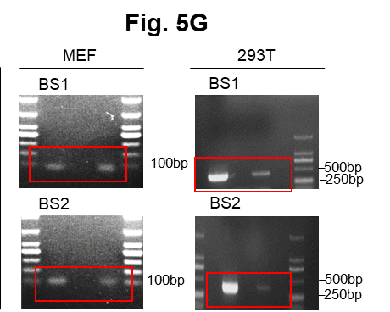
 | 5.6693 | 3.2466 | 6.2563 | 1.4388 | 8.83 | 9.37 | 9.18 | 10.5 | 5.09085343 | 1.827819025
 | 4.7677 | 2.8381 | 4.8319 | 3.2158 | 9.4 | 10.35 | 8.76 | 9.81 | 5.91336816 | 3.554588852
 | 5.849 | 2.9507 | 5.9521 | 1.1184 | 9.2 | 11.41 | 8.54 | 10.02 | 5.337354298 | 1.35614381
 | 5.9582 | 1.8879 | 4.222 | 1.2209 | 9.27 | 9.62 | 8.11 | 9.25 | 5.403949364 | 1.948600847
 | 5.8115 | 3.3717 | 5.391 | 2.2633 | 9.38 | 10.43 | 9.05 | 10.59 | 5.436961338 | 3.443606651
 | 5.5432 | 2.1606 | 5.2947 | 3.0181 | 9.33 | 10.46 | 8.81 | 9.24 | 5.821710215 | 1.469885976
 | 5.9614 | 2.6019 | 6.4048 | 2.1247 | 9.57 | 10.82 | 10.6 | 13.45 | 5.562547724 | 4.87036472
 | 5.8997 | 2.7721 | 5.8334 | 2.9224 | 9.19 | 9.64 | 9.38 | 10.62 | 5.262658655 | 1.555816155
 | 5.7952 | 2.4332 | 6.6135 | 2.9071 | 9.77 | 10.55 | 10.64 | 12.41 | 5.830103176 | 0.739848103
 | 5.014 | 2.4701 | 5.7716 | 2.1213 | 10.19 | 9.85 | 10.23 | 11.42 | 6.7437573 | 3.099295204
 | 5.8672 | 3.0927 | 6.0188 | 2.6255 | 9.13 | 10.34 | 9.74 | 11.68 | 5.447248569 | 2.084064265
 | 5.2476 | 1.692 | 5.5662 | 2.7444 | 8.81 | 8.01 | 9.44 | 10.3 | 5.106013238 | 1.646162657
 | 5.8917 | 2.4649 | 6.643 | 3.325 | 10.52 | 9.97 | 9.04 | 10.98 | 5.847996907 | 2.247927513
 | 5.8453 | 2.8301 | 5.4598 | 2.8034 | 8.97 | 8.56 | 8.99 | 8.98 | 5.004501392 | 3.078951341
 | 5.391 | 2.0111 | 6.5674 | 2.9618 | 9.79 | 10.25 | 9.27 | 10.61 | 6.271089466 | 2.879705766 |  |  | Figure 5H
 | 5.9816 | 2.6533 | 6.6848 | 1.7617 | 9.76 | 9.33 | 9.33 | 11.55 | 5.282069075 | 3.669026766 |  |  | Relative OTUD1-Luc activity
 | 5.6191 | 3.9299 | 7.0032 | 3.5411 | 9 | 9.55 | 8.61 | 11.19 | 4.653060017 | 2.23878686
 | 5.9917 | 2.8582 | 6.2523 | 2.909 | 9.92 | 9.98 | 9.1 | 11.3 | 5.255500733 | 4.081510068 |  |  | MEF | EV |  |  | P-p65
 | 6.1697 | 2.5948 | 6.6918 | 3.1458 | 9.89 | 10.72 | 9.51 | 11.31 | 5.502394256 | 1.124328135 |  |  | m3 | 0.893063 | 0.965391 | 1.141547 | 1.241532 | 1.160693 | 1.379927
 | 5.9076 | 2.9243 | 5.0523 | 2.6693 | 10 | 11.35 | 8.35 | 10.05 | 5.59812696 | 4.351204277 |  |  | m2 | 0.945101 | 0.980345 | 1.074554 | 1.641774 | 2.464999 | 2.12352
 | 7.1158 | 3.3076 | 6.4707 | 2.6043 | 8.96 | 10.48 | 8.81 | 10.23 | 5.133399125 | 1.925999419 |  |  | m1 | 0.890809 | 1.075768 | 1.033423 | 2.428268 | 2.414512 | 2.843848
 | 5.5859 | 3.2737 | 6.1129 | 2.6418 | 9.21 | 11.44 | 9.1 | 10.59 | 6.167317781 | 1.416839742 |  |  | WT | 1.206075 | 0.719317 | 1.074608 | 1.995316 | 2.950572 | 4.292532
 | 5.6372 | 2.6208 | 5.2099 | 2.1798 | 9.61 | 9.78 | 8.69 | 9.08 | 5.412781525 | 3.517275693
 | 5.8344 | 3.2617 | 6.1375 | 2.4063 | 8.86 | 10.11 | 8.88 | 9.49 | 6.258330473 | 2.718087584 |  |  | Figure 5I
 | 3.572161303 | 2.43766 | 4.9194 | 1.4547 | 9.03 | 8.1 | 9.38 | 9.85 | 5.160678213 | 1.310340121 |  |  | Relative OTUD1-Luc activity
 | 5.9591 | 3.3061 | 6.2331 | 1.8722 | 8.78 | 10.14 | 8.85 | 10.04 | 7.016362599 | 1.604071324 |  |  | 293T | EV |  |  | P-p65
 | 4.7055 | 1.9564 | 4.6966 | 3.4102 | 9.12 | 9.96 | 8.52 | 8.35 | 5.844234988 | 4.163498732 |  |  | m3 | 0.936421 | 0.994698 | 1.068881 | 1.209951 | 0.844573 | 0.787342
 | 5.5574 | 2.7742 | 5.645 | 2.5683 | 7.67 | 9.35 | 9.14 | 11.3 | 4.412104045 | 0.695993813 |  |  | m2 | 0.942611 | 1.002885 | 1.054504 | 1.894241 | 2.379885 | 1.875611
 | 5.6815 | 2.8219 | 6.3133 | 2.8219 | 8.53 | 11.01 | 8.3 | 8.71 | 4.972692654 | 2.232660757 |  |  | m1 | 0.909085 | 0.989769 | 1.101146 | 1.663377 | 1.859427 | 1.817165
 | 5.4706 | 2.0742 | 6.3397 | 2.7314 | 9.51 | 8.99 | 9.04 | 10.2 | 5.10349764 | 1.646162657 |  |  | WT | 0.910893 | 1.091308 | 0.997799 | 3.922373 | 3.180971 | 2.74465
 | 5.7126 | 3.6509 | 6.2587 | 2.7161 | 9.7 | 10.46 | 9.22 | 9.55 | 6.413627929 | 3.003602237
 | 5.7835 | 2.1114 | 6.2646 | 2.8442 | 8.2 | 8.85 |  |  | 5.686780635 | 2.553360503
 | 5.7337 | 3.335 | 5.178 | 3.2856 | 9.64 | 10.8 |  |  | 5.367371066 | 1.682573297 |  |  | Figure 5J
 | 5.5681 | 1.9188 | 5.6826 | 2.4306 | 9.17 | 10.55 |  |  | 3.71259578 | 1.333423734 |  |  | Relative OTUD1-Luc activity
 | 5.9451 | 2.7336 | 6.0288 | 2.6232 |  |  |  |  | 5.421223299 | 3.709290636 |  |  |  | Ctrl |  |  | TAM-CM |  |  | TAM-CM+shp65
 | 5.9322 | 3.6089 | 5.9688 | 2.2299 |  |  |  |  | 6.431121473 | 2.709290636 |  |  | MC38 | 0.886955 | 1.10304 | 1.010006 | 2.828891 | 2.026586 | 1.845804 | 0.474258 | 1.035805 | 0.731301
 | 4.9621 | 2.2237 | 5.8741 | 3.449 |  |  |  |  | 5.375734539 | 2.432959407 |  |  | HT29 | 1.002308 | 1.002308 | 0.995384 | 2.422911 | 2.03192 | 2.3533 | 0.73123 | 0.8472702 | 1.027695
 | 5.5223 | 2.667 | 4.7209 | 2.004 |  |  |  |  | 5.575614878 | 2.526068812 |  |  | 293T | 0.916212 | 1.098314 | 0.985474 | 2.0407 | 2.09856 | 1.511097 | 0.447685 | 0.546237 | 0.346716
 | 5.2072 | 2.3926 | 5.9362 | 2.4857 |  |  |  |  | 5.025914699 | 0.545968369
 | 5.3122 | 2.3536 | 5.193 | 3.2466 |  |  |  |  | 4.782408565 | 2.650764559
 | 5.8004 | 2.5948 | 6.3796 | 2.6232 |  |  |  |  | 4.369466484 | 3.554588852 |  |  | Figure 5K
 | 5.5662 | 2.167 | 6.5896 | 3.1749 |  |  |  |  | 5.770829046 | 2.182692298 |  |  | Relative OTUD1 mRNA level
 | 5.7364 | 2.2663 | 6.3811 | 3.3675 |  |  |  |  | 5.469885976 | 2.176322773 |  |  |  | Ctrl |  |  | TAM-CM |  |  | TAM-CM+shp65
 | 5.6571 | 2.8701 | 5.9234 | 1.9302 |  |  |  |  | 6.017031081 | 3.612352499 |  |  | MC38 | 1.090703 | 1.053549 | 0.855748 | 1.925533 | 1.759613 | 1.759613 | 0.705928 | 0.749512 | 0.647168
 | 5.6235 | 2.6185 | 6.2236 | 3.8157 |  |  |  |  | 5.019701914 | 2.482848283 |  |  | HT29 | 0.85023 | 1.24481 | 0.90496 | 2.969912 | 2.809962 | 2.815595 | 0.755721 | 0.856144 | 0.714956
 | 5.6716 | 2.9692 | 6.1548 | 2.8779 |  |  |  |  | 6.337532706 | 1.769771739 |  |  | 293T | 0.827844 | 1.138734 | 1.033423 | 2.221614 | 1.944811 | 2.313019 | 0.80146 | 0.6375 | 0.6742
 | 5.9038 | 3.8289 | 5.5119 | 2.2663 |  |  |  |  | 5.954661621 | 1.718087584
 | 5.9341 | 2.8034 | 5.9982 | 3.4791 |  |  |  |  | 5.501439145 | 2.384049807
 | 5.6233 | 2.2723 | 5.0233 | 2.7336 |  |  |  |  | 4.474436043 | 2.855989697 |  |  | Figure 5L |  |  |  |  |  |  |  |  |  | Figure 5M
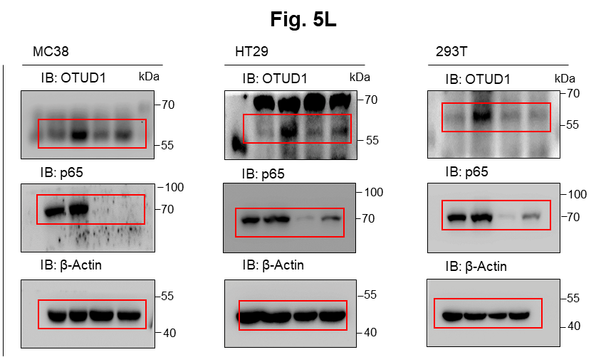
 | 5.8761 | 2.9655 | 5.742 | 3.0825 |  |  |  |  | 6.327866971 | 0.575312331
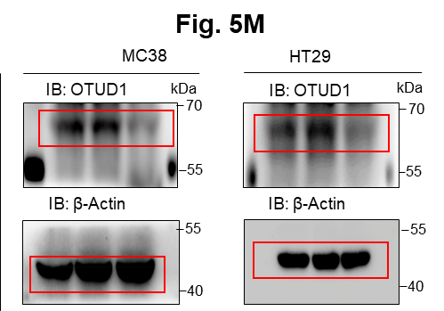
 | 5.0947 | 3.162 | 5.9755 | 3.0808 |  |  |  |  | 4.865423978 | 1.739848103
 | 5.5665 | 1.8996 | 6.1169 | 2.167 |  |  |  |  | 4.427606173 | 1.66448284
 | 5.7198 | 2.1988 | 5.9088 | 3.0074 |  |  |  |  | 6.112700133 | 1.427606173
 | 5.602 | 2.2931 | 5.9227 | 3.3703 |  |  |  |  | 4.956985925 | 2.339137385
 | 6.0696 | 4.1724 | 6.1283 | 2.8994 |  |  |  |  | 5.321206567 | 1.90303827
 | 5.9035 | 3.2435 | 4.8714 | 3.1294 |  |  |  |  | 5.556735948 | 2.253989266
 | 5.5844 | 2.236 | 6.0108 | 3.38 |  |  |  |  | 4.635754391 | 2.066950244
 | 6.1029 | 2.5137 | 6.2897 | 3.3577 |  |  |  |  | 5.502075956 | 1.389566812
 | 4.8505 | 1.6093 | 5.8814 | 2.9525 |  |  |  |  | 4.885574364 | 3.657640005
 | 5.6282 | 3.6054 | 6.5311 | 3.4517 |  |  |  |  | 4.936402378 | 2.389566812
 | 5.298 | 2.7594 | 6.2858 | 2.8701 |  |  |  |  | 5.455162801 | 2.927896454
 | 5.85 | 3.7138 | 5.9267 | 2.7465 |  |  |  |  | 5.734980523 | 1.316145742
 | 5.1595 | 2.3816 | 6.2205 | 3.2722 |  |  |  |  | 5.937344392 | 1.89917563
 | 5.6935 | 2.8321 | 6.0396 | 3.5899 |  |  |  |  | 5.292045492 | 1.257010618
 | 5.9244 | 2.0946 | 6.2668 | 3.3925 |  |  |  |  | 5.607626221 | 0.713695815
 | 5.7594 | 2.0076 | 5.7788 | 2.8994 |  |  |  |  | 5.948600847 | 2.257010618
 | 5.7824 | 2.4306 | 5.8311 | 2.4117 |  |  |  |  | 5.824004051 | 3.056583528
 | 4.618720571 | 2.032482 | 6.6473 | 4.8095 |  |  |  |  | 5.702934532 | 1.555816155
 | 5.9782 | 2.5804 | 6.4935 | 3.637 |  |  |  |  | 4.650764559 | 3.160274831
 | 6.1177 | 2.7314 | 5.597 | 2.791 |  |  |  |  | 5.844988157 | 4.277240898
 | 5.8871 | 3.0411 | 5.5383 | 3.5791 |  |  |  |  | 5.464341533 | 3.604071324
 | 5.8443 | 2.6647 | 6.5154 | 3.5424 |  |  |  |  | 4.357552005 | 1.541019153
 | 5.2407 | 2.2482 | 5.1231 | 3.3003 |  |  |  |  | 4.476381688 | 1.875780063
 | 5.838 | 5.2361 | 6.0775 | 3.6324 |  |  |  |  | 7.006298024 | 2.097610797
 | 5.8043 | 3.0181 | 5.81 | 3.1844 |  |  |  |  | 5.172327492 | 2.23878686
 | 5.7509 | 2.6232 | 5.5506 | 2.2931 |  |  |  |  | 5.653919873 | 2.629939409
 | 5.2211 | 1.7141 | 5.3985 | 1.7273 |  |  |  |  | 5.389222616 | 1.257010618
 | 4.7976 | 2.9469 | 5.3056 | 2.7073 |  |  |  |  | 5.105175192 | 2.833902077
 | 5.1724 | 2.6918 | 6.2867 | 3.6113 |  |  |  |  | 4.972233124 | 3.403267722
 | 6.0624 | 2.3704 | 6.1938 | 2.8858 |  |  |  |  | 6.025028794 | 4.3652726
 | 5.6969 | 1.3511 | 5.7706 | 3.7061 |  |  |  |  | 6.270715808 | 3.075532631
 | 5.6916 | 2.0946 | 5.8632 | 3.1717 |  |  |  |  | 6.158458216 | 3.403267722
 | 5.3551 | 3.0774 | 4.1368 | 0.8961 |  |  |  |  | 5.988457473 | 1.021479727
 | 5.8082 | 2.3077 | 5.96 | 2.9488 |  |  |  |  | 5.563768278 | 1.070389328
 | 5.8625 | 2.1345 | 6.3813 | 2.4252 |  |  |  |  | 5.449561375 | 1.682573297
 | 4.7565 | 2.3508 | 6.0483 | 3.0358 |  |  |  |  | 5.904484098 | 2.46727948
 | 5.3281 | 2.1702 | 5.797 | 3.4856 |  |  |  |  | 6.248686627 | 1.163498732
 | 5.2161 | 2.6418 | 5.7653 | 3.2189 |  |  |  |  | 6.142821844 | 0.887525271
 | 5.7983 | 2.4675 | 6.3785 | 3.6612 |  |  |  |  | 5.693486957 | 0.485426827
 | 5.251 | 1.8242 | 5.8924 | 2.9966 |  |  |  |  | 5.839707698 | 2.007195501
 | 5.7989 | 2.4701 | 5.6005 | 3.0723 |  |  |  |  | 5.886550147 | 2.370164281
 | 5.6907 | 2.3649 | 4.6514 | 1.5115 |  |  |  |  | 5.945794957 | 1.974529312
 | 6.1033 | 2.945 | 5.2544 | 2.9966 |  |  |  |  | 5.852498299 | 2.275007047
 | 5.4754 | 2.5487 | 4.677 | 1.8119 |  |  |  |  | 4.623515741 | 1.298658316
 | 5.7323 | 1.8444 | 5.6378 | 2.2872 |  |  |  |  | 5.132988043 | 3.016139703
 | 6.2325 | 2.9893 | 4.1907 | 2.1509 |  |  |  |  | 5.804776378 | 2.204766751
 | 5.3709 | 1.7053 | 5.7581 | 3.1939 |  |  |  |  | 5.868637384 | 1.718087584
 | 5.2736 | 3.7017 | 5.4871 | 3.0791 |  |  |  |  | 5.725741157 | 1.298658316
 | 4.650224074 | 2.074155 | 5.3985 | 2.8562 |  |  |  |  | 6.240314329 | 1.464668267
 | 5.597 | 1.9822 | 4.5681 | 2.5634 |  |  |  |  | 4.670727054 | 5.075104722
 | 5.8927 | 2.9618 | 5.3155 | 3.1876 |  |  |  |  | 3.817623258 | 2.375734539
 | 5.698 | 2.8158 | 4.9045 | 2.59 |  |  |  |  | 5.138323004 | 3.667892125
 | 4.8007 | 2.2931 | 5.6112 | 2.5338 |  |  |  |  | 5.586464526 | 1.250961574
 | 5.972 | 2.4171 | 5.6781 | 3.9755 |  |  |  |  | 4.972233124 | 1.427606173
 | 5.6056 | 2.1476 | 4.3242 | 1.4281 |  |  |  |  | 5.13627343 | 2.419538892
 | 5.8841 | 2.9394 | 6.1129 | 2.5338 |  |  |  |  | 6.057450272 | 1.454175893
 | 6.0182 | 1.7053 | 5.1954 | 1.1316 |  |  |  |  | 5.491853096 | 1.042644337
 | 5.4067 | 4.3841 | 5.9912 | 3.002 |  |  |  |  | 5.46760555 | 1.659924558
 | 6.0981 | 2.7007 | 5.2691 | 2.1541 |  |  |  |  | 4.197708158 | 1.50589093
 | 5.8508 | 3.4264 | 6.6125 | 2.7679 |  |  |  |  | 5.504938132 | 2.13093087
 | 5.5946 | 1.6374 | 5.5558 | 2.081 |  |  |  |  | 5.768713657 | 1.937344392
 | 5.6597 | 2.6783 | 6.0518 | 2.7763 |  |  |  |  | 5.034303768 | 0.748461233
 | 5.7007 | 2.3366 | 5.9081 | 3.7389 |  |  |  |  | 4.562547724 | 1.545968369
 | 6.2157 | 2.4571 | 5.0339 | 2.7784 |  |  |  |  | 6.126807703 | 4.98230913
 | 5.0884 | 1.1447 | 5.8372 | 4.1636 |  |  |  |  | 5.406332578 | 3.654206378
 | 5.1486 | 2.8562 | 4.986 | 2.8877 |  |  |  |  | 5.885574364 | 1.682573297
 | 6.2069 | 2.1702 | 6.261 | 4.1053 |  |  |  |  | 5.830610274 | 2.201633861
 | 5.8858 | 3.3492 | 5.8289 | 3.208 |  |  |  |  | 5.209063395 | 0.604071324
 | 5.7693 | 2.872 | 5.4925 | 2.8819 |  |  |  |  | 4.635754391 | 1.782408565
 | 6.007 | 2.7401 | 6.1355 | 3.3842 |  |  |  |  | 4.9800253 | 0.124328135
 | 5.1277 | 2.043 | 6.1163 | 3.1129 |  |  |  |  | 6.132576843 | 1.90303827
 | 5.95 | 3.222 | 5.9124 | 2.4518 |  |  |  |  | 4.294988268 | 2.689299161
 | 5.5008 | 3.6928 | 5.1966 | 2.2723 |  |  |  |  | 4.670160514 | 2.087462841
 | 5.8089 | 2.3193 | 6.3388 | 3.0808 |  |  |  |  | 4.038260575 | 1.500802053
 | 5.6494 | 2.7051 | 5.4446 | 2.4985 |  |  |  |  | 4.215678597 | 2.3950628
 | 5.4104 | 3.1892 | 5.9898 | 3.7259 |  |  |  |  | 5.855491443 | 2.066950244
 | 5.8058 | 2.6395 | 4.4739 | 2.0742 |  |  |  |  | 5.432291338 | 2.568032105
 | 5.8256 | 2.236 | 6.2176 | 3.1955 |  |  |  |  | 6.819412726 | 2.707082992
 | 5.6285 | 3.3897 | 4.6018 | 2.1313 |  |  |  |  | 4.517905554 | 1.084064265
 | 5.9117 | 2.7422 | 5.0777 | 1.9073 |  |  |  |  | 4.5360529 | 3.699329526
 | 5.9236 | 3.2647 | 5.437 | 3.242 |  |  |  |  | 5.743084056 | 0.056583528
 | 5.7469 | 2.1114 | 5.5723 | 1.9712 |  |  |  |  | 5.086189313 | 2.794935663
 | 3.208070985 | 2.252775 | 5.81 | 2.2113 |  |  |  |  | 4.680886921 | 5.808127587
 | 5.5411 | 2.8341 | 5.8761 | 3.2389 |  |  |  |  | 3.851998837 | 0.782408565
 | 4.839 | 2.8442 | 5.3144 | 1.8242 |  |  |  |  | 5.292045492 | 2.731183242
 | 6.257 | 2.9911 | 6.7977 | 2.609 |  |  |  |  | 5.635464198 | 1.189033824
 | 5.3558 | 2.9525 | 6.1801 | 1.9968 |  |  |  |  | 5.39848719 | 4.334854269
 | 5.5289 | 3.034 | 5.8197 | 3.0637 |  |  |  |  | 5.894332742 | 4.299391206
 | 6.1605 | 2.4985 | 6.6023 | 2.4439 |  |  |  |  | 5.425593578 | 0.98550043
 | 5.9439 | 2.561 | 5.3555 | 1.7532 |  |  |  |  | 5.8928767 | 0.941106311
 | 5.435 | 2.1247 | 5.6398 | 1.8722 |  |  |  |  | 5.682292371 | 1.655351829
 | 5.6921 | 2.694 | 6.1544 | 2.8622 |  |  |  |  | 4.372255648 | 1.803227036
 | 5.0379 | 2.1444 | 5.4036 | 2.4985 |  |  |  |  | 5.506208389 | 1.427606173
 | 5.51 | 3.6125 | 6.2331 | 3.2205 |  |  |  |  | 4.72628629 | 2.438292852
 | 5.7415 | 2.5634 | 5.8488 | 2.1798 |  |  |  |  | 4.56315813 | 1.339137385
 | 6.0101 | 3.6382 | 5.2683 | 1.6045 |  |  |  |  | 5.022811651 | 1.182692298
 | 5.8058 | 3.0092 | 5.6957 | 2.3592 |  |  |  |  | 4.98458935 | 4.325530332
 | 5.8841 | 1.934 | 6.2145 | 1.9675 |  |  |  |  | 5.254367281 | 2.508428653
 | 5.5261 | 2.1798 | 5.7007 | 3.4583 |  |  |  |  | 4.876271361 | 1.790772038
 | 5.8973 | 3.245 | 5.6902 | 2.4831 |  |  |  |  | 5.770300489 | 2.711494907
 | 5.6335 | 2.7465 | 5.4353 | 2.7868 |  |  |  |  | 5.888256181 | 1.659924558
 | 5.7634 | 2.6418 | 6.437 | 2.7551 |  |  |  |  | 5.116863758 | 1.718087584
 | 5.4702 | 2.7615 | 6.1512 | 3.0217 |  |  |  |  | 4.34553831 | 2.510961919
 | 4.7099 | 2.0076 | 5.9921 | 2.2842 |  |  |  |  | 5.269033146 | 3.221877081
 | 5.9939 | 3.4752 | 6.1973 | 1.9188 |  |  |  |  | 5.385085854 | 2.675815931
 | 5.9378 | 2.7117 | 6.5323 | 2.727 |  |  |  |  | 5.393347551 | 1.811471031
 | 5.643 | 2.8701 | 6.2493 | 1.8996 |  |  |  |  | 5.430285273 | 1.40053793
 | 5.5031 | 3.1876 | 6.1266 | 2.128 |  |  |  |  | 5.723285505 | 1.521050737
 | 4.6543 | 2.8779 | 7.5623 | 2.0844 |  |  |  |  | 5.011227255 | 3.947666157
 | 4.944 | 2.5536 | 6.7598 | 1.5316 |  |  |  |  | 5.849248703 | 2.526068812
 | 5.4426 | 3.3032 | 6.4694 | 2.1247 |  |  |  |  | 4.282439805 | 2.207892852
 | 5.1942 | 3.4007 | 6.1447 | 1.9111 |  |  |  |  | 6.132165525 | 1.722466024
 | 5.8753 | 3.242 | 5.7374 | 2.3871 |  |  |  |  | 1.641546029 | 3.584962501
 | 6.0063 | 2.9128 | 6.6858 | 3.0859 |  |  |  |  | 5.183089461 | 1.918386234
 | 5.6702 | 2.9929 | 6.4276 | 2.328 |  |  |  |  | 4.743622676 | 1.510961919
 | 4.7377 | 3.6771 | 6.8138 | 3.6018 |  |  |  |  | 4.64096791 | 1.286881148
 | 5.658 | 3.4291 | 6.8235 | 3.0002 |  |  |  |  | 3.716990894 | 0.879705766
 | 5.5485 | 2.4306 | 5.8558 | 2.59 |  |  |  |  | 3.750606505 | 2.077242999
 | 5.2476 | 3.1195 | 6.4483 | 2.8681 |  |  |  |  | 5.319039816 | 0.389566812
 | 5.3985 | 3.162 | 6.4965 | 3.1507 |  |  |  |  | 3.894332742 | 1.669026766
 | 5.4549 | 2.4465 | 6.5096 | 2.8916 |  |  |  |  | 5.87282876 | 2.713695815
 | 5.2327 | 2.9674 | 6.2808 | 2.8055 |  |  |  |  | 6.071033244 | 3.09592442
 | 5.6713 | 1.0642 | 5.5829 | 2.9262 |  |  |  |  | 5.653346693 | 3.932628157
 | 5.4443 | 2.1894 | 6.4806 | 1.8762 |  |  |  |  | 5.323370069 | 1.454175893
 | 5.6924 | 3.0927 | 6.0758 | 2.6738 |  |  |  |  | 5.579843886 | 3.489286023
 | 5.4489 | 2.3106 | 6.0678 | 2.3508 |  |  |  |  | 5.859224162 | 0.765534746
 | 5.0313 | 2.7161 | 6.2623 | 1.7617 |  |  |  |  | 6.544578117 | 2.657640005
 | 5.8871 | 2.7657 | 5.3445 | 2.1862 |  |  |  |  | 5.684538249 | 2.070389328
 | 5.3779 | 2.2543 | 6.4948 | 3.3647 |  |  |  |  | 4.64038956 | 1.22650853
 | 5.9404 | 2.2237 | 5.7869 | 2.1894 |  |  |  |  | 5.009884589 | 1.565597176
 | 2.554831978 | 2.294573 | 5.435 | 3.5547 |  |  |  |  | 5.748461233 | 1.704871964
 | 4.483771744 | 3.067115 | 7.3608 | 3.3105 |  |  |  |  | 5.088311236 | 1.669026766
 | 5.6611 | 1.884 | 6.4611 | 2.5658 |  |  |  |  | 5.421896512 | 1.201633861
 | 5.4327 | 3.1327 | 6.1167 | 3.8739 |  |  |  |  | 6.829342194 | 4.386121157
 | 5.0879 | 2.2391 | 5.7793 | 3.2205 |  |  |  |  | 5.627315001 | 1.570462931
 | 4.8699 | 1.4388 | 5.9206 | 4.1539 |  |  |  |  | 3.931683057 | 0.871843649
 | 5.468 | 2.4518 | 5.8807 | 2.1541 |  |  |  |  | 5.624393382 | 1.389566812
 | 6.1239 | 2.7889 | 5.425 | 3.4881 |  |  |  |  | 4.982765463 | 0.678071905
 | 4.6871 | 2.3843 | 6.5598 | 3.1327 |  |  |  |  | 5.928844037 | 4.22881869
 | 6.0751 | 3.3633 | 5.8133 | 3.4661 |  |  |  |  | 6.164906927 | 2.257010618
 | 5.1672 | 2.0111 | 6.0745 | 3.3017 |  |  |  |  | 6.414642958 | 1.10433666
 | 5.4479 | 2.496 | 6.2481 | 2.3981 |  |  |  |  | 6.012121673 | 1.021479727
 | 5.904 | 2.8219 | 5.8263 | 3.4791 |  |  |  |  | 5.424586226 | 1.59454855
 | 5.8485 | 3.1829 | 5.5632 | 2.7951 |  |  |  |  | 5.161887682 | 3.305970521
 | 5.1293 | 2.7444 | 5.8773 | 2.9319 |  |  |  |  | 4.9800253 | 2.304511042
 | 5.8973 | 0.8327 | 5.36 | 2.3135 |  |  |  |  | 4.49441561 | 1.516015147
 | 5.7957 | 2.1345 | 5.1123 | 3.3787 |  |  |  |  | 5.7322692 | 1.735522177
 | 5.166 | 2.7847 | 5.9989 | 3.345 |  |  |  |  | 4.649615459 | 1.748461233
 | 4.9833 | 3.5911 | 6.4228 | 1.7273 |  |  |  |  | 5.124328135 | 3.998195503
 | 5.5469 | 2.5313 | 6.3189 | 2.5487 |  |  |  |  | 5.266786541 | 3.392317423
 | 5.8058 | 3.7313 | 6.6171 | 2.5756 |  |  |  |  | 5.626439137 | 1.207892852
 | 5.1445 | 1.1577 | 5.436 | 3.9108 |  |  |  |  | 5.305970521 | 3.158660175
 | 5.5955 | 1.8722 | 5.8615 | 3.9682 |  |  |  |  | 6.256633295 | 5.955126781
 | 5.532 | 2.9375 | 5.2877 | 2.2482 |  |  |  |  | 5.486714373 | 1.250961574
 | 5.6846 | 3.2251 | 6.2445 | 2.3077 |  |  |  |  | 5.447909749 | 3.61117238
 | 5.3886 | 2.7379 | 5.7989 | 3.5803 |  |  |  |  | 5.606738317 | 4.199279721
 | 5.7774 | 4.1027 | 6.2202 | 2.7993 |  |  |  |  | 4.705977902 | 2.336283388
 | 5.8602 | 3.3619 | 6.8012 | 4.1441 |  |  |  |  | 5.089582893 | 5.525755693
 | 6.0179 | 2.7183 | 6.2468 | 3.4371 |  |  |  |  | 6.552438555 | 2.397802962
 | 5.2709 | 2.6255 | 5.8861 | 2.5112 |  |  |  |  | 4.860466259 | 1.835924074
 | 6.0171 | 2.578 | 6.1647 | 1.934 |  |  |  |  | 6.037382222 | 2.799087306
 | 4.1571 | 1.8363 | 5.0162 | 2.4171 |  |  |  |  | 5.996388746 | 2.386810946
 | 5.8014 | 1.9675 | 4.9996 | 2.9966 |  |  |  |  | 6.240505149 | 2.577730931
 | 5.9653 | 1.884 | 5.5289 | 3.2267 |  |  |  |  | 5.394033895 | 2.107687869
 | 4.8684 | 2.3106 | 6.6262 | 3.154 |  |  |  |  | 6.174126737 | 1.765534746
 | 5.4216 | 3.2752 | 6.1459 | 4.1392 |  |  |  |  | 5.362469889 | 3.518535139
 | 5.6393 | 2.2663 | 6.7275 | 3.6737 |  |  |  |  | 4.204766751 | 0.722466024
 | 5.1708 | 2.578 | 6.4567 | 3.1829 |  |  |  |  | 5.085764554 | 2.375734539
 | 5.8659 | 3.1781 | 6.1902 | 2.1444 |  |  |  |  | 4.645586386 | 2.495695163
 | 4.3499 | 2.5852 | 6.5141 | 2.753 |  |  |  |  | 6.907491593 | 5.209063395
 | 6.3759 | 2.7183 | 5.3882 | 2.8137 |  |  |  |  | 5.259272487 | 1.339137385
 | 5.5741 | 3.7345 | 5.5214 | 2.5731 |  |  |  |  | 5.445594291 | 2.963474124
 | 5.6317 | 2.6918 | 5.5659 | 2.4492 |  |  |  |  | 5.443606651 | 2.378511623
 | 4.795 | 2.4252 | 6.3887 | 3.9765 |  |  |  |  | 6.010108453 | 1.659924558
 | 5.742 | 2.1734 | 5.5323 | 2.3536 |  |  |  |  | 5.841721581 | 2.855989697
 | 5.9848 | 2.5011 | 5.862 | 1.8683 |  |  |  |  | 4.994579724 | 1.632268215
 | 5.7383 | 3.2189 | 6.1077 | 3.7496 |  |  |  |  | 5.484460413 | 1.321928095
 | 5.0951 | 2.3981 | 5.0501 | 2.4649 |  |  |  |  | 5.391973883 | 2.280956314
 | 6.2192 | 2.8661 | 5.2242 | 2.0912 |  |  |  |  | 5.876516947 | 2.22650853
 | 5.9305 | 2.2901 | 6.0951 | 3.483 |  |  |  |  | 6.27351589 | 0.613531653
 | 5.5373 | 3.1955 | 5.3579 | 3.4464 |  |  |  |  | 5.48703608 | 3.665620164
 | 5.6902 | 1.9749 | 5.7602 | 2.3788 |  |  |  |  | 6.984703267 | 3.523561956
 | 5.9647 | 2.4985 | 4.3576 | 2.5924 |  |  |  |  | 5.298291731 | 1.613531653
 | 5.7864 | 1.787 | 5.6882 | 3.2944 |  |  |  |  | 5.159871337 | 0.97819563
 | 5.0009 | 2.7551 | 5.479 | 2.9052 |  |  |  |  | 6.279842694 | 1.367371066
 | 5.749 | 2.9243 | 5.4383 | 3.6748 |  |  |  |  | 5.783194703 | 1.565597176
 | 5.9423 | 3.2065 | 5.9432 | 3.945 |  |  |  |  | 5.835671479 | 6.053111336
 | 5.9074 | 3.4868 | 5.4383 | 2.299 |  |  |  |  | 5.436628267 | 1.263034406
 | 5.745 | 2.8301 | 5.1887 | 2.3704 |  |  |  |  | 5.905928478 | 3.9202933
 | 5.967 | 2.8799 | 6.0233 | 3.0127 |  |  |  |  | 4.141596278 | 1.739848103
 | 5.3442 | 2.0707 | 5.1643 | 2.3135 |  |  |  |  | 5.700717133 | 3.025028794
 | 6.0319 | 2.6962 | 5.2269 | 2.93 |  |  |  |  | 5.456149035 | 3.555816155
 | 4.8074 | 1.9931 | 5.8258 | 3.2632 |  |  |  |  | 5.036503334 | 3.037382222
 | 5.757 | 2.3193 | 5.2331 | 2.8542 |  |  |  |  | 5.385085854 | 1.327687364
 | 5.0436 | 2.6895 | 6.0383 | 3.3293 |  |  |  |  | 5.224966365 | 2.039138394
 | 5.4142 | 1.7009 | 5.5913 | 2.7007 |  |  |  |  | 6.335569006 | 4.484782623
 | 5.1343 | 2.7073 | 5.9016 | 2.0604 |  |  |  |  | 5.761019265 | 2.86393845
 | 6.2286 | 2.4544 | 4.6 | 2.5437 |  |  |  |  | 5.039138394 | 4.526068812
 | 5.8498 | 3.2587 | 5.6674 | 2.6441 |  |  |  |  | 5.676380255 | 2.498250868
 | 5.8022 | 4.0867 | 5.3827 | 3.4569 |  |  |  |  | 5.880440648 | 0.475084883
 | 5.9084 | 3.5923 | 5.8592 | 2.4279 |  |  |  |  | 5.014801602 | 5.862699341
 | 5.1486 | 1.5902 | 5.9614 | 3.1409 |  |  |  |  | 5.663059924 | 2.739848103
 | 6.0319 | 2.167 | 5.2994 | 2.6208 |  |  |  |  | 5.663059924 | 3.046141782
 | 5.9554 | 2.3843 | 5.7851 | 3.4291 |  |  |  |  | 5.145269857 | 2.572889668
 | 5.1989 | 1.4756 | 6.1805 | 4.7415 |  |  |  |  | 5.75087444 | 3.419538892
 | 4.4693 | 0.9115 | 5.9217 | 2.3451 |  |  |  |  | 6.292413668 | 1.981852653
 | 6.2003 | 3.0498 | 5.5913 | 2.4279 |  |  |  |  | 4.757556689 | 0.748461233
 | 5.769 | 3.2915 | 6.1938 | 2.9205 |  |  |  |  | 5.815831566 | 2.538538164
 | 5.522 | 2.3337 | 6.443 | 1.6695 |  |  |  |  | 5.522934561 | 1.669026766
 | 5.9167 | 2.0707 | 5.7835 | 3.309 |  |  |  |  | 6.555969495 | 1.163498732
 | 2.620795465 | 1.674026 | 5.4829 | 1.2756 |  |  |  |  | 5.90833257 | 0.82374936
 | 4.7431 | 1.9749 | 5.8115 | 2.5683 |  |  |  |  | 4.955126781 | 1.411426246
 | 5.8125 | 1.9302 | 6.8181 | 3.2915 |  |  |  |  | 5.365972428 | 1.871843649
 | 5.7032 | 3.8033 | 5.8387 | 2.9966 |  |  |  |  | 4.021479727 | 3.702657543
 | 5.5799 | 2.2633 | 5.6775 | 3.186 |  |  |  |  | 4.178714641 | 1.565597176
 | 5.1867 | 2.3394 | 6.6155 | 3.1765 |  |  |  |  | 6.053763009 | 1.40053793
 | 5.6311 | 2.909 | 6.1605 | 3.6101 |  |  |  |  | 5.955591792 | 3.075532631
 | 5.8243 | 2.9525 | 5.8235 | 2.081 |  |  |  |  | 5.862451391 | 1.632268215
 | 5.1198 | 3.5212 | 6.1115 | 3.7475 |  |  |  |  | 6.23935985 | 1.137503524
 | 6.2869 | 2.1606 | 5.1277 | 2.2482 |  |  |  |  | 6.627606838 | 1.682573297
 | 4.8768 | 1.8957 | 6.0648 | 2.4727 |  |  |  |  | 5.486070744 | 0
 | 6.0097 | 2.561 | 6.1479 | 3.7193 |  |  |  |  | 4.926948248 | 4.516015147
 | 6.2882 | 2.5585 | 5.7827 | 3.1475 |  |  |  |  | 5.338424415 | 2.350497247
 | 4.4054 | 1.8201 | 5.7461 | 3.1028 |  |  |  |  | 5.21916852 | 0.910732662
 | 4.48611357 | 0.145333 | 5.4529 | 2.6984 |  |  |  |  | 5.909053017 | 2.680324357
 | 5.4091 | 2.2663 | 4.7302 | 2.3564 |  |  |  |  | 3.895302621 | 0.773996325
 | 5.4036 | 3.2617 | 5.5323 | 2.6533 |  |  |  |  | 5.771621518 | 2.754887502
 | 5.6427 | 2.2931 | 6.002 | 1.4281 |  |  |  |  | 5.778734244 | 1.691534165
 | 5.0193 | 2.5683 | 5.4343 | 1.2271 |  |  |  |  | 5.596338864 | 1.580145484
 | 5.8605 | 3.1765 | 5.2449 | 1.884 |  |  |  |  | 5.128870759 | 2.485426827
 | 6.3949 | 2.296 | 5.3184 | 2.8779 |  |  |  |  | 2.992768431 | 2.289834465
 | 6.2165 | 2.3732 | 5.7485 | 3.1377 |  |  |  |  | 5.76420813 | 0.378511623
 | 5.1506 | 1.9149 | 5.9108 | 2.4171 |  |  |  |  | 6.055499366 | 4.61117238
 | 5.1482 | 2.0004 | 6.0195 | 3.603 |  |  |  |  | 5.380590934 | 1.327687364
 | 5.4199 | 1.8484 | 5.2419 | 2.3564 |  |  |  |  | 5.743891911 | 1.432959407
 | 5.8924 | 3.5449 | 6.3445 | 3.1475 |  |  |  |  | 6.393347551 | 2.007195501
 | 5.5653 | 1.5758 | 4.6921 | 3.0127 |  |  |  |  | 4.654779217 | 0.948600847
 | 5.4387 | 3.6125 | 4.9388 | 3.453 |  |  |  |  | 6.524502537 | 2.974529312
 | 5.0466 | 2.4753 | 6.2627 | 2.3926 |  |  |  |  | 5.937815169 | 1.275007047
 | 6.0601 | 2.59 | 5.7393 | 2.5731 |  |  |  |  | 6.408542042 | 0.575312331
 | 5.8802 | 4.251 | 4.8415 | 2.4439 |  |  |  |  | 5.171527106 | 1.967168608
 | 5.1819 | 2.6043 | 5.9317 | 3.0893 |  |  |  |  | 5.509695842 | 3.250961574
 | 5.9716 | 3.4424 | 5.8199 | 3.4791 |  |  |  |  | 5.282069075 | 3.392317423
 | 5.8329 | 2.6371 | 6.1142 | 3.3647 |  |  |  |  | 5.560409266 | 1.550900665
 | 5.1895 | 2.8897 | 6.2585 | 1.934 |  |  |  |  | 3.689299161 | 2.443606651
 | 6.0702 | 4.085 | 5.1306 | 3.2435 |  |  |  |  | 5.417515003 | 2.543495883
 | 4.981 | 2.0912 | 5.166 | 2.4144 |  |  |  |  | 5.879215637 | 3.221877081
 | 5.6654 | 2.7972 | 5.4165 | 2.7117 |  |  |  |  | 5.513490746 | 2.493134922
 | 4.081914711 | 1.708245 | 4.3513 | 1.2394 |  |  |  |  | 5.438625538 | 2.392317423
 | 5.8558 | 2.4805 | 5.4767 | 1.9712 |  |  |  |  | 5.422569411 | 2.313245852
 | 4.5466 | 3.335 | 5.9759 | 2.6302 |  |  |  |  | 5.509695842 | 2.908812908
 | 5.8726 | 2.8321 | 6.1088 | 2.3366 |  |  |  |  | 6.117695043 | 5.203984166
 | 5.8602 | 3.0893 | 5.9284 | 2.8542 |  |  |  |  | 5.3323499 | 2.111031312
 | 5.6262 | 2.1147 | 5.9697 | 2.8681 |  |  |  |  | 7.669239411 | 2.66448284
 | 5.3917 | 2.685 | 5.3473 | 3.2647 |  |  |  |  | 5.724650272 | 2.010779839
 | 5.6904 | 2.2693 | 5.0086 | 3.7302 |  |  |  |  | 5.677226328 | 2.198494154
 | 5.6268 | 2.1925 | 5.5844 | 3.7345 |  |  |  |  | 4.333423734 | 0.411426246
 | 5.9143 | 3.47 | 5.3924 | 3.0217 |  |  |  |  | 5.519793486 | 2.817623258
 | 6.2863 | 2.4117 | 5.4696 | 3.1294 |  |  |  |  | 5.116447936 | 2.541019153
 | 5.4627 | 2.3077 | 5.9556 | 3.3307 |  |  |  |  | 5.488000771 | 1.182692298
 | 5.5398 | 1.6512 | 5.8963 | 3.3591 |  |  |  |  | 5.368069877 | 1.659924558
 | 6.1781 | 2.6019 | 6.4118 | 1.9638 |  |  |  |  | 5.716716592 | 3.84899843
 | 5.7282 | 2.4727 | 6.0226 | 2.6962 |  |  |  |  | 5.441284272 | 3.161887682
 | 5.6372 | 2.93 | 5.1571 | 2.299 |  |  |  |  | 5.156639311 | 0.378511623
 | 5.6753 | 2.8178 | 6.0308 | 2.945 |  |  |  |  | 4.202417722 | 2.82984956
 | 5.9805 | 1.46 | 6.2213 | 2.6019 |  |  |  |  | 5.75141016 | 4.026800059
 | 5.6927 | 2.3592 | 5.6349 | 2.685 |  |  |  |  | 5.119771162 | 3.733354341
 | 5.3803 | 2.3508 | 5.9076 | 2.9875 |  |  |  |  | 5.182692298 | 1.40599236
 | 5.1716 | 2.1988 | 6.22 | 3.8002 |  |  |  |  | 5.22881869 | 3.078951341
 | 5.9821 | 3.7432 | 6.2651 | 3.6827 |  |  |  |  | 5.639232163 | 0.807354922
 | 4.889 | 2.2421 | 5.3937 | 2.6138 |  |  |  |  | 4.533563348 | 1.914564523
 | 4.8213 | 2.2693 | 6.5398 | 2.8462 |  |  |  |  | 5.953963599 | 0.622930351
 | 5.3498 | 3.2973 | 5.9568 | 4.597 |  |  |  |  | 5.606146078 | 1.541019153
 | 5.8322 | 2.9319 | 6.1353 | 3.2189 |  |  |  |  | 5.719731057 | 1.726831217
 | 4.520480462 | 2.457068 | 6.3071 | 3.7259 |  |  |  |  | 4.593951284 | 1.063502942
 | 4.224527969 | 1.582231 | 6.496 | 3.1604 |  |  |  |  | 4.679761574 | 2.117695043
 | 6.5429 | 3.7667 | 6.2315 | 3.8501 |  |  |  |  | 5.43629512 | 0.378511623
 | 5.2211 | 3.6301 | 5.9186 | 3.47 |  |  |  |  | 5.213347282 | 0.855989697
 | 5.6453 | 3.3633 | 6.7078 | 4.4149 |  |  |  |  | 5.888986721 | 3.068670811
 | 5.6074 | 3.5971 | 6.0257 | 3.1781 |  |  |  |  | 5.23457796 | 1.550900665
 | 5.4529 | 1.9931 | 6.0257 | 2.8117 |  |  |  |  | 5.781097381 | 1.963474124
 | 5.3841 | 3.6136 | 5.3896 | 1.5013 |  |  |  |  | 4.716442237 | 0.855989697
 | 5.5641 | 2.118 | 6.2752 | 3.1426 |  |  |  |  | 5.367021533 | 2.46727948
 | 5.139754945 | 2.249237 | 5.8045 | 3.4237 |  |  |  |  | 4.484782623 | 2.247927513
 | 2.131292721 | 1.513996 | 6.1377 | 2.8117 |  |  |  |  | 5.912889336 | 2.952333566
 | 6.2209 | 3.8759 | 5.9803 | 3.2112 |  |  |  |  | 4.898208353 | 4.437627248
 | 5.6913 | 3.5766 | 6.0499 | 4.0952 |  |  |  |  | 5.988230223 | 1.23878686
 | 5.5451 | 1.6785 | 6.898 | 2.7636 |  |  |  |  | 5.466953337 | 0.150559677
 | 5.936 | 2.7551 | 5.0747 | 3.4451 |  |  |  |  | 4.805292456 | 1.40599236
 | 5.4912 | 2.828 | 6.2323 | 2.8936 |  |  |  |  | 5.79753184 | 0.367371066
 | 6.0259 | 3.4907 | 6.1563 | 3.1079 |  |  |  |  | 4.893362211 | 1.565597176
 | 5.2631 | 2.3649 | 5.9124 | 1.7141 |  |  |  |  | 5.752213368 | 0.790772038
 | 5.0605 | 2.4171 | 6.0592 | 3.4451 |  |  |  |  | 5.289096702 | 1.731183242
 | 5.4104 | 2.0465 | 5.7347 | 3.2359 |  |  |  |  | 5.459103696 | 1.925999419
 | 5.3031 | 1.4388 | 5.8243 | 1.6695 |  |  |  |  | 7.277798821 | 2.666756592
 | 5.5145 | 2.9013 | 5.498 | 3.0757 |  |  |  |  | 5.177917792 | 1.03562391
 | 4.8146 | 2.1345 | 6.272 | 2.3394 |  |  |  |  | 5.624393382 | 2.648465443
 | 4.8187 | 2.296 | 7.0614 | 3.5349 |  |  |  |  | 5.362119167 | 1.124328135
 | 5.8929 | 2.4701 | 6.519 | 2.9032 |  |  |  |  | 5.579240501 | 2.695993813
 | 5.2536 | 2.3704 | 5.7282 | 3.3492 |  |  |  |  | 5.156234798 | 1.480265122
 | 5.1855 | 2.3019 | 6.4968 | 3.3278 |  |  |  |  | 5.188638295 | 1.839959587
 | 5.5946 | 1.5514 | 5.993 | 2.2113 |  |  |  |  | 5.436961338 | 2.244887059
 | 4.7399 | 2.5188 | 6.6159 | 3.245 |  |  |  |  | 5.161081482 | 1.859969548
 | 5.6736 | 2.5413 | 5.6065 | 3.2189 |  |  |  |  | 5.150559677 | 2.646162657
 | 5.6522 | 3.2752 | 5.432 | 2.7444 |  |  |  |  | 5.003602237 | 1.996388746
 | 5.8785 | 2.753 | 5.6244 | 2.8897 |  |  |  |  | 4.731183242 | 2.879705766
 | 6.127 | 3.3235 | 4.5142 | 2.8178 |  |  |  |  | 5.330199833 | 1.049630768
 | 5.2361 | 3.0842 |  |  |  |  |  |  | 5.832130501 | 1.811471031
 | 5.7885 | 3.0515 |  |  |  |  |  |  | 5.387155718 | 0.214124805
 | 5.3473 | 2.2663 |  |  |  |  |  |  | 5.420549772 | 0.695993813
 | 5.3975 | 2.7636 |  |  |  |  |  |  | 5.549669171 | 1.137503524
 | 6.0573 | 2.7636 |  |  |  |  |  |  | 5.65047737 | 1.14404637
 |  |  |  |  |  |  |  |  | 5.684538249 | 1.378511623
 |  |  |  |  |  |  |  |  | 5.577126661 | 3.007195501
 |  |  |  |  |  |  |  |  | 6.094869433 | 1.700439718
 |  |  |  |  |  |  |  |  | 5.636044526 | 1.35614381
 |  |  |  |  |  |  |  |  | 5.555816155 | 1.722466024
 |  |  |  |  |  |  |  |  | 4.241840184 | 1.214124805
 |  |  |  |  |  |  |  |  | 5.389910925 | 4.121015401
 |  |  |  |  |  |  |  |  | 4.819668183 | 1.485426827
 |  |  |  |  |  |  |  |  | 4.95373085 | 2.871843649
 |  |  |  |  |  |  |  |  | 4.806839582 | 1.384049807
 |  |  |  |  |  |  |  |  | 3.98550043 | 1.189033824
 |  |  |  |  |  |  |  |  | 6.587064898 | 2.653060017
 |  |  |  |  |  |  |  |  | 5.875288598 | 2.843983844
 |  |  |  |  |  |  |  |  | 4.64731451 | 1.310340121
 |  |  |  |  |  |  |  |  | 5.169123281 | 2.704871964
 |  |  |  |  |  |  |  |  | 5.357903839 | 1.372952098
 |  |  |  |  |  |  |  |  | 4.627023106 | 1.89917563
 |  |  |  |  |  |  |  |  | 4.839455765 | 1.40053793
 |  |  |  |  |  |  |  |  | 6.15704371 | 1.989139007
 |  |  |  |  |  |  |  |  | 6.250203656 | 3.489286023
 |  |  |  |  |  |  |  |  | 5.122258568 | 2.286881148
 |  |  |  |  |  |  |  |  | 4.682573297 | 2.59454855
 |  |  |  |  |  |  |  |  | 5.528258743 | 2.077242999
 |  |  |  |  |  |  |  |  | 5.136683578 | 0.545968369
 |  |  |  |  |  |  |  |  | 4.712045449 | 1.443606651
 |  |  |  |  |  |  |  |  | 5.284662185 | 0.263034406
 |  |  |  |  |  |  |  |  | 5.703765179 | 3.286881148
 |  |  |  |  |  |  |  |  | 5.446917865 | 1.495695163
 |  |  |  |  |  |  |  |  | 6.531381461 | 2.316145742
 |  |  |  |  |  |  |  |  | 5.358607249 | 0.757023247
 |  |  |  |  |  |  |  |  | 5.701271802 | 3.27351589
 |  |  |  |  |  |  |  |  | 5.463360886 | 1.883620816
 |  |  |  |  |  |  |  |  | 5.674969031 | 2.097610797
 |  |  |  |  |  |  |  |  | 5.264161071 | 3.403267722
 |  |  |  |  |  |  |  |  | 4.622344723 | 1.495695163
 |  |  |  |  |  |  |  |  | 4.871843649 | 4.230356745
 |  |  |  |  |  |  |  |  | 4.409390936 | 0.250961574
 |  |  |  |  |  |  |  |  | 5.673839056 | 1.5360529
 |  |  |  |  |  |  |  |  | 5.29130886 | 3.994579724
 |  |  |  |  |  |  |  |  | 5.812498225 | 1.195347598
 |  |  |  |  |  |  |  |  | 5.246408087 | 2.941106311
 |  |  |  |  |  |  |  |  | 4.503348735 | 6.388361768
 |  |  |  |  |  |  |  |  | 4.805292456 | 1.384049807
 |  |  |  |  |  |  |  |  | 6.192785959 | 1.97819563
 |  |  |  |  |  |  |  |  | 5.657068301 | 0.378511623
 |  |  |  |  |  |  |  |  | 6.312882955 | 2.813524689
 |  |  |  |  |  |  |  |  | 5.579843886 | 2.260025656
 |  |  |  |  |  |  |  |  | 5.758089934 | 1.469885976
 |  |  |  |  |  |  |  |  | 4.744161096 | 3.521050737
 |  |  |  |  |  |  |  |  | 5.393347551 | 1.269033146
 |  |  |  |  |  |  |  |  | 5.885574364 | 4.200849575
 |  |  |  |  |  |  |  |  | 6.312882955 | 1.618238656
 |  |  |  |  |  |  |  |  | 5.715069679 | 2.114367025
 |  |  |  |  |  |  |  |  | 5.701271802 | 2.316145742
 |  |  |  |  |  |  |  |  | 5.880930361 | 1.480265122
 |  |  |  |  |  |  |  |  | 6.096135325 | 1.269033146
 |  |  |  |  |  |  |  |  | 5.740657772 | 1.510961919
 |  |  |  |  |  |  |  |  | 5.387500406 | 1.97819563
 |  |  |  |  |  |  |  |  | 5.155020578 | 1.021479727
 |  |  |  |  |  |  |  |  | 5.28503225 | 4.711494907
 |  |  |  |  |  |  |  |  | 5.223036338 | 2.427606173
 |  |  |  |  |  |  |  |  | 5.084064265 | 1.875780063
 |  |  |  |  |  |  |  |  | 6.040454121 | 0.516015147
 |  |  |  |  |  |  |  |  | 5.647026633 | 1.608809243
 |  |  |  |  |  |  |  |  | 4.951401292 | 1.350497247
 |  |  |  |  |  |  |  |  | 5.28281044 | 1.807354922
 |  |  |  |  |  |  |  |  | 5.671010241 | 1.339137385
 |  |  |  |  |  |  |  |  | 5.526694846 | 3.116031993
 |  |  |  |  |  |  |  |  | 5.851749041 | 1.443606651
 |  |  |  |  |  |  |  |  | 4.870857864 | 3.334854269
 |  |  |  |  |  |  |  |  | 5.9800253 | 1.608809243
 |  |  |  |  |  |  |  |  | 5.174326515 | 1.646162657
 |  |  |  |  |  |  |  |  | 6.024142346 | 2.280956314
 |  |  |  |  |  |  |  |  | 4.973152038 | 1.137503524
 |  |  |  |  |  |  |  |  | 5.21916852 | 1.327687364
 |  |  |  |  |  |  |  |  | 5.289834465 | 1.575312331
 |  |  |  |  |  |  |  |  | 5.174326515 | 1.117695043
 |  |  |  |  |  |  |  |  | 6.459759467 | 1.952333566
 |  |  |  |  |  |  |  |  | 5.547819957 | 1.589763487
 |  |  |  |  |  |  |  |  | 5.434294618 | 1.510961919
 |  |  |  |  |  |  |  |  | 5.638942669 | 1.944858446
 |  |  |  |  |  |  |  |  | 5.751677946 | 1.773996325
 |  |  |  |  |  |  |  |  | 6.02989455 | 2.698218478
 |  |  |  |  |  |  |  |  | 5.557655155 | 1.056583528
 |  |  |  |  |  |  |  |  | 5.562242424 | 1.5360529
 |  |  |  |  |  |  |  |  | 5.830103176 | 2.153805336
 |  |  |  |  |  |  |  |  | 5.791814071 | 3.3305584
 |  |  |  |  |  |  |  |  | 4.09000653 | 1.687060688
 |  |  |  |  |  |  |  |  | 5.610581958 | 2.09423607
 |  |  |  |  |  |  |  |  | 5.402244655 | 1.803227036
 |  |  |  |  |  |  |  |  | 5.450551443 | 1.056583528
 |  |  |  |  |  |  |  |  | 5.963474124 | 2.039138394
 |  |  |  |  |  |  |  |  | 5.043956873 | 1.459431619
 |  |  |  |  |  |  |  |  | 5.493134922 | 1.422233001
 |  |  |  |  |  |  |  |  | 4.809414444 | 1.910732662
 |  |  |  |  |  |  |  |  | 5.307792796 | 2.077242999
 |  |  |  |  |  |  |  |  | 6.007644031 | 1.86393845
 |  |  |  |  |  |  |  |  | 5.83491343 | 4.699329526
 |  |  |  |  |  |  |  |  | 5.593951284 | 1.207892852
 |  |  |  |  |  |  |  |  | 5.378858383 | 0
 |  |  |  |  |  |  |  |  | 5.845239126 | 3.444932049
 |  |  |  |  |  |  |  |  | 5.739578112 | 5.453517579
 |  |  |  |  |  |  |  |  | 6.432959407 | 2.687060688
 |  |  |  |  |  |  |  |  | 4.884597921 | 0.411426246
 |  |  |  |  |  |  |  |  | 5.179112901 | 0.35614381
 |  |  |  |  |  |  |  |  | 6.232852592 | 2.89917563
 |  |  |  |  |  |  |  |  | 6.004276656 | 2.815575429
 |  |  |  |  |  |  |  |  | 5.763411574 | 3.59812696
 |  |  |  |  |  |  |  |  | 4.162693432 | 1.50589093
 |  |  |  |  |  |  |  |  | 5.477677328 | 0.98550043
 |  |  |  |  |  |  |  |  | 4.787641414 | 1.565597176
 |  |  |  |  |  |  |  |  | 4.039138394 | 2.859969548
 |  |  |  |  |  |  |  |  | 5.417515003 | 3.176322773
 |  |  |  |  |  |  |  |  | 4.997292408 | 0.948600847
 |  |  |  |  |  |  |  |  | 5.315421316 | 3.193771743
 |  |  |  |  |  |  |  |  | 7.091699834 | 3.112700133
 |  |  |  |  |  |  |  |  | 5.29388543 | 2.22650853
 |  |  |  |  |  |  |  |  | 5.386121157 | 2.117695043
 |  |  |  |  |  |  |  |  | 4.793375711 | 2.286881148
 |  |  |  |  |  |  |  |  | 6.059182199 | 2.835924074
 |  |  |  |  |  |  |  |  | 5.894575273 | 1.604071324
 |  |  |  |  |  |  |  |  | 5.821710215 | 2.049630768
 |  |  |  |  |  |  |  |  | 5.173926932 | 1.526068812
 |  |  |  |  |  |  |  |  | 4.46139759 | 2.963474124
 |  |  |  |  |  |  |  |  | 5.767125077 | 3.412781525
 |  |  |  |  |  |  |  |  | 5.295723025 | 3.116031993
 |  |  |  |  |  |  |  |  | 6.041549645 | 2.137503524
 |  |  |  |  |  |  |  |  | 6.469071952 | 1.704871964
 |  |  |  |  |  |  |  |  | 6.019034669 | 1.632268215
 |  |  |  |  |  |  |  |  | 5.893604905 | 2.56315813
 |  |  |  |  |  |  |  |  | 5.883376437 | 1.819668183
 |  |  |  |  |  |  |  |  | 4.752213368 | 1.570462931
 |  |  |  |  |  |  |  |  | 5.191799501 | 2.3950628
 |  |  |  |  |  |  |  |  | 5.067380578 | 2.46727948
 |  |  |  |  |  |  |  |  | 6.295723025 | 3.655351829
 |  |  |  |  |  |  |  |  | 5.903279342 | 2.372952098
 |  |  |  |  |  |  |  |  | 5.601696516 | 2.608809243
 |  |  |  |  |  |  |  |  | 5.449231201 | 0
 |  |  |  |  |  |  |  |  | 5.241840184 | 1.773996325
 |  |  |  |  |  |  |  |  | 5.871350841 | 1.344828497
 |  |  |  |  |  |  |  |  | 5.261154673 | 2.646162657
 |  |  |  |  |  |  |  |  | 5.278356528 | 2.229587923
 |  |  |  |  |  |  |  |  | 6.17851547 | 2.042644337
 |  |  |  |  |  |  |  |  | 6.143026004 | 4.66106548
 |  |  |  |  |  |  |  |  | 5.581049901 | 1.659924558
 |  |  |  |  |  |  |  |  | 5.076815597 | 2.03562391
 |  |  |  |  |  |  |  |  | 5.981167667 | 1.10433666
 |  |  |  |  |  |  |  |  | 5.979339446 | 1.859969548
 |  |  |  |  |  |  |  |  | 5.72492307 | 3.269033146
 |  |  |  |  |  |  |  |  | 5.730639956 | 2.333423734
 |  |  |  |  |  |  |  |  | 5.957914599 | 3.736604875
 |  |  |  |  |  |  |  |  | 5.018812186 | 1.769771739
 |  |  |  |  |  |  |  |  | 5.635173947 | 1.608809243
 |  |  |  |  |  |  |  |  | 5.82374936 | 2.763411574
 |  |  |  |  |  |  |  |  | 4.962549023 | 1.028569152
 |  |  |  |  |  |  |  |  | 4.645586386 | 3.017921908
 |  |  |  |  |  |  |  |  | 4.75595577 | 2.684818738
 |  |  |  |  |  |  |  |  | 6.058965822 | 1.10433666
 |  |  |  |  |  |  |  |  | 5.562547724 | 3.289834465
 |  |  |  |  |  |  |  |  | 5.412442825 | 1.659924558
 |  |  |  |  |  |  |  |  | 5.252097703 | 1.82374936
 |  |  |  |  |  |  |  |  | 5.906650126 | 1.014355293
 |  |  |  |  |  |  |  |  | 6.079164742 | 2.570462931
 |  |  |  |  |  |  |  |  | 5.454833907 | 3.0721058
 |  |  |  |  |  |  |  |  | 4.64731451 | 1.077242999
 |  |  |  |  |  |  |  |  | 5.992768431 | 2.250961574
 |  |  |  |  |  |  |  |  | 5.231893162 | 4.693208149
 |  |  |  |  |  |  |  |  | 6.118733476 | 4.583759754
 |  |  |  |  |  |  |  |  | 5.161081482 | 1.687060688
 |  |  |  |  |  |  |  |  | 5.450881315 | 3.056583528
 |  |  |  |  |  |  |  |  | 5.509695842 | 0.042644337
 |  |  |  |  |  |  |  |  | 4.994579724 | 0.847996907
 |  |  |  |  |  |  |  |  | 5.221877081 | 2.304511042
 |  |  |  |  |  |  |  |  | 4.573495715 | 1.516015147
 |  |  |  |  |  |  |  |  | 5.329482431 | 2.678071905
 |  |  |  |  |  |  |  |  | 7.211206929 | 1.687060688
 |  |  |  |  |  |  |  |  | 5.100977648 | 3.35473424
 |  |  |  |  |  |  |  |  | 5.3172317 | 0.163498732
 |  |  |  |  |  |  |  |  | 5.541948425 | 1.310340121
 |  |  |  |  |  |  |  |  | 3.958842675 | 1.744161096
 |  |  |  |  |  |  |  |  | 5.200064862 | 3.776103988
 |  |  |  |  |  |  |  |  | 4.649040566 | 1.014355293
 |  |  |  |  |  |  |  |  | 5.013908845 | 3.85698569
 |  |  |  |  |  |  |  |  | 6.566054038 | 1.704871964
 |  |  |  |  |  |  |  |  | 5.781621998 | 0.807354922
 |  |  |  |  |  |  |  |  | 5.696550301 | 5.237640195
 |  |  |  |  |  |  |  |  | 6.104126951 | 3.257010618
 |  |  |  |  |  |  |  |  | 4.612942196 | 2.272023189
 |  |  |  |  |  |  |  |  | 5.380590934 | 4.189824559
 |  |  |  |  |  |  |  |  | 4.924099886 | 1.163498732
 |  |  |  |  |  |  |  |  | 4.986865972 | 0.963474124
 |  |  |  |  |  |  |  |  | 4.793375711 | 1.310340121
 |  |  |  |  |  |  |  |  | 5.068240861 | 2.327687364
 |  |  |  |  |  |  |  |  | 5.709014865 | 1.084064265
 |  |  |  |  |  |  |  |  | 5.443938115 | 2.039138394
 |  |  |  |  |  |  |  |  | 5.62935662 | 2.289834465
 |  |  |  |  |  |  |  |  | 5.835166157 | 1.589763487
 |  |  |  |  |  |  |  |  | 5.376429311 | 3.857980995
 |  |  |  |  |  |  |  |  | 5.482525641 | 0.344828497
 |  |  |  |  |  |  |  |  | 5.608513578 | 1.070389328
 |  |  |  |  |  |  |  |  | 5.267535798 | 2.269033146
 |  |  |  |  |  |  |  |  | 5.367720513 | 1.673556424
 |  |  |  |  |  |  |  |  | 3.987320866 | 1.655351829
 |  |  |  |  |  |  |  |  | 5.000901403 | 1.66448284
 |  |  |  |  |  |  |  |  | 6.287065907 | 2.531069493
 |  |  |  |  |  |  |  |  | 4.963936452 | 2
 |  |  |  |  |  |  |  |  | 5.334139179 | 3.852997588
 |  |  |  |  |  |  |  |  | 5.951168129 | 1.691534165
 |  |  |  |  |  |  |  |  | 6.149950302 | 4.287620044
 |  |  |  |  |  |  |  |  | 5.70016225 | 1.03562391
 |  |  |  |  |  |  |  |  | 6.363696745 | 3.50589093
 |  |  |  |  |  |  |  |  | 6.263410059 | 1.10433666
 |  |  |  |  |  |  |  |  | 4.443606651 | 2.03562391
 |  |  |  |  |  |  |  |  | 6.360364277 | 1.815575429
 |  |  |  |  |  |  |  |  | 6.009884589 | 4.8928767
 |  |  |  |  |  |  |  |  | 4.509695842 | 2.403267722
 |  |  |  |  |  |  |  |  | 5.777419716 | 2.257010618
 |  |  |  |  |  |  |  |  | 5.379898164 | 1.367371066
 |  |  |  |  |  |  |  |  | 4.327687364 | 0.641546029
 |  |  |  |  |  |  |  |  | 5.10433666 | 2.010779839
 |  |  |  |  |  |  |  |  | 5.491211756 | 2.897240426
 |  |  |  |  |  |  |  |  | 5.397460726 | 3.432959407
 |  |  |  |  |  |  |  |  | 5.479295243 | 5.203201156
 |  |  |  |  |  |  |  |  | 6.168120505 | 0.622930351
 |  |  |  |  |  |  |  |  | 5.327328083 | 0.584962501
 |  |  |  |  |  |  |  |  | 5.9502351 | 1.695993813
 |  |  |  |  |  |  |  |  | 6.058316496 | 0.310340121
 |  |  |  |  |  |  |  |  | 5.335211682 | 1.263034406
 |  |  |  |  |  |  |  |  | 4.23572706 | 1.910732662
 |  |  |  |  |  |  |  |  | 4.836429131 | 2.10433666
 |  |  |  |  |  |  |  |  | 5.218781168 | 4.454833907
 |  |  |  |  |  |  |  |  | 5.77267747 | 2.17951105
 |  |  |  |  |  |  |  |  | 6.392832579 | 3.917431755
 |  |  |  |  |  |  |  |  | 6.204179852 | 4.04176865
 |  |  |  |  |  |  |  |  | 5.392317423 | 3.323370069
 |  |  |  |  |  |  |  |  | 5.401903472 | 1.545968369
 |  |  |  |  |  |  |  |  | 4.499527024 | 1.495695163
 |  |  |  |  |  |  |  |  | 4.48864354 | 2.735522177
 |  |  |  |  |  |  |  |  | 6.034743949 | 1.731183242
 |  |  |  |  |  |  |  |  | 5.636044526 | 2.17951105
 |  |  |  |  |  |  |  |  | 4.922673593 | 1.769771739
 |  |  |  |  |  |  |  |  | 5.638942669 | 2.192194165
 |  |  |  |  |  |  |  |  | 5.284662185 | 2.773996325
 |  |  |  |  |  |  |  |  | 5.544732656 | 1.929790998
 |  |  |  |  |  |  |  |  | 6.735928284 | 1.35614381
 |  |  |  |  |  |  |  |  | 5.005849076 | 1.042644337
 |  |  |  |  |  |  |  |  | 6.060047384 | 0.464668267
 |  |  |  |  |  |  |  |  | 5.432625411 | 1.731183242
 |  |  |  |  |  |  |  |  | 5.206330648 | 1.280956314
 |  |  |  |  |  |  |  |  | 4.51916445 | 1.042644337
 |  |  |  |  |  |  |  |  | 5.305970521 | 2.40053793
 |  |  |  |  |  |  |  |  | 4.999098034 | 2.673556424
 |  |  |  |  |  |  |  |  | 5.44625623 | 1.244887059
 |  |  |  |  |  |  |  |  | 4.694880193 | 1.835924074
 |  |  |  |  |  |  |  |  | 4.746850183 | 0.90303827
 |  |  |  |  |  |  |  |  | 3.789729251 | 1.427606173
 |  |  |  |  |  |  |  |  | 5.339850003 | 1.786596362
 |  |  |  |  |  |  |  |  | 5.817879032 | 2.056583528
 |  |  |  |  |  |  |  |  | 5.884353707 | 0.970853654
 |  |  |  |  |  |  |  |  | 5.160678213 | 2.472487771
 |  |  |  |  |  |  |  |  | 5.991861931 | 2.871843649
 |  |  |  |  |  |  |  |  | 6.148527425 | 2.435628594
 |  |  |  |  |  |  |  |  | 6.096978636 | 1.169925001
 |  |  |  |  |  |  |  |  | 6.175524601 | 1.641546029
 |  |  |  |  |  |  |  |  | 6.106222673 | 6.264161071
 |  |  |  |  |  |  |  |  | 4.601696516 | 1.49057013
 |  |  |  |  |  |  |  |  | 4.989139007 | 0.97819563
 |  |  |  |  |  |  |  |  | 4.749534268 | 1.641546029
 |  |  |  |  |  |  |  |  | 5.979339446 | 2.784503983
 |  |  |  |  |  |  |  |  | 4.423578171 | 1.627606838
 |  |  |  |  |  |  |  |  | 6.196725061 | 1.769771739
 |  |  |  |  |  |  |  |  | 5.591260525 | 1.23878686
 |  |  |  |  |  |  |  |  | 5.545968369 | 1.925999419
 |  |  |  |  |  |  |  |  | 5.7465815 | 1.214124805
 |  |  |  |  |  |  |  |  | 5.148527425 | 1.163498732
 |  |  |  |  |  |  |  |  | 5.907371414 | 2.454175893
 |  |  |  |  |  |  |  |  | 5.240695944 | 2.987320866
 |  |  |  |  |  |  |  |  | 5.001351893 | 2.40053793
 |  |  |  |  |  |  |  |  | 4.495055528 | 1.333423734
 |  |  |  |  |  |  |  |  | 4.925049965 | 1.744161096
 |  |  |  |  |  |  |  |  | 6.292413668 | 1.97819563
 |  |  |  |  |  |  |  |  | 4.800123353 | 1.550900665
 |  |  |  |  |  |  |  |  | 6.698218478 | 1.485426827
 |  |  |  |  |  |  |  |  | 5.814037648 | 2.053111336
 |  |  |  |  |  |  |  |  | 5.618532334 | 0.887525271
 |  |  |  |  |  |  |  |  | 5.439623138 | 2.22650853
 |  |  |  |  |  |  |  |  | 5.059614856 | 2.66448284
 |  |  |  |  |  |  |  |  | 6.080657663 | 1.021479727
 |  |  |  |  |  |  |  |  | 4.776630423 | 1.963474124
 |  |  |  |  |  |  |  |  | 5.194953796 | 1.014355293
 |  |  |  |  |  |  |  |  | 4.852997588 | 1.5360529
 |  |  |  |  |  |  |  |  | 5.435628594 | 4.720278465
 |  |  |  |  |  |  |  |  | 4.399171094 | 1.59454855
 |  |  |  |  |  |  |  |  | 5.249445341 | 3.631104282
 |  |  |  |  |  |  |  |  | 5.371907298 | 2.59454855
 |  |  |  |  |  |  |  |  | 5.382667253 | 1.722466024
 |  |  |  |  |  |  |  |  | 4.709842019 | 0.941106311
 |  |  |  |  |  |  |  |  | 6.440453944 | 2.084064265
 |  |  |  |  |  |  |  |  | 5.769507291 | 0.59454855
 |  |  |  |  |  |  |  |  | 5.038260575 | 2.485426827
 |  |  |  |  |  |  |  |  | 5.512542955 | 1.389566812
 |  |  |  |  |  |  |  |  | 5.46008724 | 0.782408565
 |  |  |  |  |  |  |  |  | 4.804260116 | 2.247927513
 |  |  |  |  |  |  |  |  | 5.699329526 | 1.765534746
 |  |  |  |  |  |  |  |  | 6.260402093 | 2.983677695
 |  |  |  |  |  |  |  |  | 5.388878339 | 1.263034406
 |  |  |  |  |  |  |  |  | 5.848497755 | 1.438292852
 |  |  |  |  |  |  |  |  | 5.096346199 | 2.207892852
 |  |  |  |  |  |  |  |  | 4.498250868 | 3.981852653
 |  |  |  |  |  |  |  |  | 5.898933872 | 1.608809243
 |  |  |  |  |  |  |  |  | 5.380590934 | 0.59454855
 |  |  |  |  |  |  |  |  | 5.50589093 | 3.301587647
 |  |  |  |  |  |  |  |  | 5.815831566 | 0.807354922
 |  |  |  |  |  |  |  |  | 5.706530553 | 1.769771739
 |  |  |  |  |  |  |  |  | 6.009884589 | 1.459431619
 |  |  |  |  |  |  |  |  | 4.148120631 | 3.698218478
 |  |  |  |  |  |  |  |  | 5.468257468 | 1.906890596
 |  |  |  |  |  |  |  |  | 5.58044702 | 2.192194165
 |  |  |  |  |  |  |  |  | 5.550285049 | 1.422233001
 |  |  |  |  |  |  |  |  | 5.494735605 | 2.462052319
 |  |  |  |  |  |  |  |  | 4.61117238 | 0.111031312
 |  |  |  |  |  |  |  |  | 6.205744385 | 1.831877241
 |  |  |  |  |  |  |  |  | 5.458447627 | 1.773996325
 |  |  |  |  |  |  |  |  | 5.432291338 | 1.632268215
 |  |  |  |  |  |  |  |  | 5.549053029 | 3.538538164
 |  |  |  |  |  |  |  |  | 5.545041683 | 1.432959407
 |  |  |  |  |  |  |  |  | 5.14974712 | 1.327687364
 |  |  |  |  |  |  |  |  | 6.199868617 | 1.769771739
 |  |  |  |  |  |  |  |  | 5.836176625 | 1.992768431
 |  |  |  |  |  |  |  |  | 5.428611418 | 2.017921908
 |  |  |  |  |  |  |  |  | 3.639232163 | 2.321928095
 |  |  |  |  |  |  |  |  | 5.443606651 | 1.731183242
 |  |  |  |  |  |  |  |  | 5.683977107 | 1.618238656
 |  |  |  |  |  |  |  |  | 4.287620044 | 1.560714954
 |  |  |  |  |  |  |  |  | 5.843983844 | 1.790772038
 |  |  |  |  |  |  |  |  | 6.533407608 | 3.389566812
 |  |  |  |  |  |  |  |  | 6.445759804 | 3.410069692
 |  |  |  |  |  |  |  |  | 5.815319246 | 2.438292852
 |  |  |  |  |  |  |  |  | 4.799087306 | 3.272023189
 |  |  |  |  |  |  |  |  | 6.080657663 | 3.03562391
 |  |  |  |  |  |  |  |  | 6.127014142 | 1.475084883
 |  |  |  |  |  |  |  |  | 5.106013238 | 1.480265122
 |  |  |  |  |  |  |  |  | 4.826294245 | 0.555816155
 |  |  |  |  |  |  |  |  | 5.373996142 | 1.937344392
 |  |  |  |  |  |  |  |  | 5.678071905 | 3.580145484
 |  |  |  |  |  |  |  |  | 6.118941073 | 3.161887682
 |  |  |  |  |  |  |  |  | 6.04679661 | 1.372952098
 |  |  |  |  |  |  |  |  | 6.236875245 | 1.709290636
 |  |  |  |  |  |  |  |  | 5.199672345 | 1.655351829
 |  |  |  |  |  |  |  |  | 5.347665656 | 0.713695815
 |  |  |  |  |  |  |  |  | 4.8899602 | 3.189033824
 |  |  |  |  |  |  |  |  | 5.060047384 | 1.280956314
 |  |  |  |  |  |  |  |  | 5.530757457 | 2.017921908
 |  |  |  |  |  |  |  |  | 6.077456652 | 1.510961919
 |  |  |  |  |  |  |  |  | 5.517590658 | 0.956056652
 |  |  |  |  |  |  |  |  | 5.804776378 | 4.726831217
 |  |  |  |  |  |  |  |  | 6.319220503 | 3
 |  |  |  |  |  |  |  |  | 6.000225403 | 2.12763328
 |  |  |  |  |  |  |  |  | 3.871843649 | 2.733354341
 |  |  |  |  |  |  |  |  | 5.597829098 | 1.163498732
 |  |  |  |  |  |  |  |  | 6.371210343 | 0.443606651
 |  |  |  |  |  |  |  |  | 5.680324357 | 1.195347598
 |  |  |  |  |  |  |  |  | 5.365622556 | 2.100977648
 |  |  |  |  |  |  |  |  | 4.97819563 | 2.90303827
 |  |  |  |  |  |  |  |  | 4.7473874 | 0.887525271
 |  |  |  |  |  |  |  |  | 4.861955364 | 1.443606651
 |  |  |  |  |  |  |  |  | 5.601696516 | 4.34978987
 |  |  |  |  |  |  |  |  | 4.82984956 | 1.541019153
 |  |  |  |  |  |  |  |  | 4.959770155 | 1.137503524
 |  |  |  |  |  |  |  |  | 5.187451054 | 2.298658316
 |  |  |  |  |  |  |  |  | 6.016362599 | 1.778208576
 |  |  |  |  |  |  |  |  | 5.757023247 | 1.570462931
 |  |  |  |  |  |  |  |  | 5.980710829 | 2.965322548
 |  |  |  |  |  |  |  |  | 4.550900665 | 0.584962501
 |  |  |  |  |  |  |  |  | 5.854993017 | 2.608809243
 |  |  |  |  |  |  |  |  | 5.463360886 | 1.589763487
 |  |  |  |  |  |  |  |  | 5.432625411 | 0.014355293
 |  |  |  |  |  |  |  |  | 5.544423562 | 1.891419187
 |  |  |  |  |  |  |  |  | 6.859472667 | 1.565597176
 |  |  |  |  |  |  |  |  | 3.804260116 | 1.794935663
 |  |  |  |  |  |  |  |  | 5.448570626 | 3.888499736
 |  |  |  |  |  |  |  |  | 6.759422186 | 2.381283373
 |  |  |  |  |  |  |  |  | 4.950001749 | 3.795974694
 |  |  |  |  |  |  |  |  | 5.656782364 | 3.769771739
 |  |  |  |  |  |  |  |  | 5.408372204 | 2.599317794
 |  |  |  |  |  |  |  |  | 6.307974897 | 1.384049807
 |  |  |  |  |  |  |  |  | 5.165107985 | 1.761285273
 |  |  |  |  |  |  |  |  | 5.629939409 | 3.476381688
 |  |  |  |  |  |  |  |  | 5.756489607 | 0.948600847
 |  |  |  |  |  |  |  |  | 5.487679279 | 1.269033146
 |  |  |  |  |  |  |  |  | 4.395748328 | 2.298658316
 |  |  |  |  |  |  |  |  | 6.324630615 | 2.528571319
 |  |  |  |  |  |  |  |  | 6.241840184 | 1.794935663
 |  |  |  |  |  |  |  |  | 5.427941333 | 1.3950628
 |  |  |  |  |  |  |  |  | 6.336640446 | 1.895302621
 |  |  |  |  |  |  |  |  | 5.798050515 | 1.618238656
 |  |  |  |  |  |  |  |  | 5.527633387 | 1.659924558
 |  |  |  |  |  |  |  |  | 6.812113113 | 2.192194165
 |  |  |  |  |  |  |  |  | 5.921721947 | 2.680324357
 |  |  |  |  |  |  |  |  | 5.055282436 | 2.493134922
 |  |  |  |  |  |  |  |  | 5.533563348 | 3.243364426
 |  |  |  |  |  |  |  |  | 6.027684877 | 2.111031312
 |  |  |  |  |  |  |  |  | 6.004051885 | 4.015247774
 |  |  |  |  |  |  |  |  | 5.636624621 | 2.084064265
 |  |  |  |  |  |  |  |  | 5.144454314 | 1.220329955
 |  |  |  |  |  |  |  |  | 6.015693807 | 1.40053793
 |  |  |  |  |  |  |  |  | 5.800641097 | 0.565597176
 |  |  |  |  |  |  |  |  | 5.14974712 | 3.3305584
 |  |  |  |  |  |  |  |  | 5.945326777 | 1.794935663
 |  |  |  |  |  |  |  |  | 5.807354922 | 2.726831217
 |  |  |  |  |  |  |  |  | 5.643278996 | 1.895302621
 |  |  |  |  |  |  |  |  | 5.988911865 | 1.773996325
 |  |  |  |  |  |  |  |  | 5.333065878 | 4.627606838
 |  |  |  |  |  |  |  |  | 4.747924416 | 5.557655155
 |  |  |  |  |  |  |  |  | 5.147713722 | 1.117695043
 |  |  |  |  |  |  |  |  | 5.782146424 | 2.837943242
 |  |  |  |  |  |  |  |  | 6.142209191 | 1.097610797
 |  |  |  |  |  |  |  |  | 4.231893162 | 1.448900951
 |  |  |  |  |  |  |  |  | 5.374691752 | 1.516015147
 |  |  |  |  |  |  |  |  | 5.826802684 | 0.992768431
 |  |  |  |  |  |  |  |  | 4.808899839 | 1.5360529
 |  |  |  |  |  |  |  |  | 6.117487266 | 1.459431619
 |  |  |  |  |  |  |  |  | 4.778208576 | 3.070389328
 |  |  |  |  |  |  |  |  | 5.663913842 | 1.480265122
 |  |  |  |  |  |  |  |  | 5.140369671 | 0.678071905
 |  |  |  |  |  |  |  |  | 5.205548911 | 1.021479727
 |  |  |  |  |  |  |  |  | 5.549053029 | 0.097610797
 |  |  |  |  |  |  |  |  | 5.518535139 | 2.733354341
 |  |  |  |  |  |  |  |  | 5.29351763 | 0.432959407
 |  |  |  |  |  |  |  |  | 1.773996325 | 1.752748591
 |  |  |  |  |  |  |  |  | 5.571373436 | 2.22650853
 |  |  |  |  |  |  |  |  | 5.330199833 | 2.873813198
 |  |  |  |  |  |  |  |  | 5.840463234 | 3.399171094
 |  |  |  |  |  |  |  |  | 4.786073552 | 2.375734539
 |  |  |  |  |  |  |  |  | 5.730911624 | 2.007195501
 |  |  |  |  |  |  |  |  | 5.894817763 | 3.850999395
 |  |  |  |  |  |  |  |  | 5.472487771 | 1.673556424
 |  |  |  |  |  |  |  |  | 5.50589093 | 0.50589093
 |  |  |  |  |  |  |  |  | 5.175524601 | 1.704871964
 |  |  |  |  |  |  |  |  | 6.216648867 | 2.049630768
 |  |  |  |  |  |  |  |  | 5.289834465 | 4.309612772
 |  |  |  |  |  |  |  |  | 5.809671678 | 2.211012193
 |  |  |  |  |  |  |  |  | 5.393004257 | 2.198494154
 |  |  |  |  |  |  |  |  | 5.377817853 | 1.464668267
 |  |  |  |  |  |  |  |  | 4.740387932 | 2.275007047
 |  |  |  |  |  |  |  |  | 7.143434237 | 3.476381688
 |  |  |  |  |  |  |  |  | 4.463360886 | 1.40599236
 |  |  |  |  |  |  |  |  | 5.822475232 | 2.906890596
 |  |  |  |  |  |  |  |  | 4.95930649 | 2.17951105
 |  |  |  |  |  |  |  |  | 5.910492832 | 2.851998837
 |  |  |  |  |  |  |  |  | 3.316145742 | 1.748461233
 |  |  |  |  |  |  |  |  | 5.614709844 | 2.752748591
 |  |  |  |  |  |  |  |  | 6.066735029 | 2.350497247
 |  |  |  |  |  |  |  |  | 6.727648222 | 2.454175893
 |  |  |  |  |  |  |  |  | 5.000901403 | 2.526068812
 |  |  |  |  |  |  |  |  | 4.723558561 | 1.831877241
 |  |  |  |  |  |  |  |  | 5.527007761 | 1.843983844
 |  |  |  |  |  |  |  |  | 5.451870479 | 1.232660757
 |  |  |  |  |  |  |  |  | 5.215678597 | 3.517275693
 |  |  |  |  |  |  |  |  | 5.27351589 | 2.269033146
 |  |  |  |  |  |  |  |  | 6.682292371 | 3.582556003
 |  |  |  |  |  |  |  |  | 5.108524457 | 1.910732662
 |  |  |  |  |  |  |  |  | 5.007644031 | 1.584962501
 |  |  |  |  |  |  |  |  | 5.451870479 | 3.374343989
 |  |  |  |  |  |  |  |  | 6.043519494 | 3.173127433
 |  |  |  |  |  |  |  |  | 6.016139703 | 1.855989697
 |  |  |  |  |  |  |  |  | 5.392660881 | 1.150559677
 |  |  |  |  |  |  |  |  | 4.553360503 | 1.731183242
 |  |  |  |  |  |  |  |  | 5.787902559 | 1.589763487
 |  |  |  |  |  |  |  |  | 5.524502537 | 2.555816155
 |  |  |  |  |  |  |  |  | 5.447909749 | 2.9202933
 |  |  |  |  |  |  |  |  | 6.053328593 | 0.765534746
 |  |  |  |  |  |  |  |  | 5.185073638 | 2.959770155
 |  |  |  |  |  |  |  |  | 5.307428525 | 1.084064265
 |  |  |  |  |  |  |  |  | 5.308521062 | 2.482848283
 |  |  |  |  |  |  |  |  | 5.412104045 | 1.847996907
 |  |  |  |  |  |  |  |  | 5.498570013 | 2.319039816
 |  |  |  |  |  |  |  |  | 5.636044526 | 2.510961919
 |  |  |  |  |  |  |  |  | 4.928370323 | 3.722466024
 |  |  |  |  |  |  |  |  | 5.849999259 | 1.49057013
 |  |  |  |  |  |  |  |  | 4.253989266 | 0.731183242
 |  |  |  |  |  |  |  |  | 5.268658955 | 1.63691458
 |  |  |  |  |  |  |  |  | 6.351557662 | 2.03562391
 |  |  |  |  |  |  |  |  | 5.794675788 | 3.371558863
 |  |  |  |  |  |  |  |  | 6.455820365 | 3.270528942
 |  |  |  |  |  |  |  |  | 5.049630768 | 2.815575429
 |  |  |  |  |  |  |  |  | 5.667040559 | 1.731183242
 |  |  |  |  |  |  |  |  | 5.57500972 | 2.3950628
 |  |  |  |  |  |  |  |  | 5.736334277 | 0.956056652
 |  |  |  |  |  |  |  |  | 4.867402306 | 2.163498732
 |  |  |  |  |  |  |  |  | 5.369466484 | 2.295723025
 |  |  |  |  |  |  |  |  | 6.571525131 | 4.823239844
 |  |  |  |  |  |  |  |  | 5.906409617 | 1.944858446
 |  |  |  |  |  |  |  |  | 5.767125077 | 5.186659017
 |  |  |  |  |  |  |  |  | 5.490249211 | 0.86393845
 |  |  |  |  |  |  |  |  | 5.356848079 | 2.080657663
 |  |  |  |  |  |  |  |  | 4.733896605 | 2.063502942
 |  |  |  |  |  |  |  |  | 5.124328135 | 0.432959407
 |  |  |  |  |  |  |  |  | 5.678635348 | 1.15704371
 |  |  |  |  |  |  |  |  | 7.011674533 | 2.250961574
 |  |  |  |  |  |  |  |  | 5.788163657 | 1.627606838
 |  |  |  |  |  |  |  |  | 5.548128324 | 2.615887074
 |  |  |  |  |  |  |  |  | 5.924575003 | 3.943921327
 |  |  |  |  |  |  |  |  | 4.862451391 | 0.82374936
 |  |  |  |  |  |  |  |  | 5.316145742 | 1.967168608
 |  |  |  |  |  |  |  |  | 5.23572706 | 1.182692298
 |  |  |  |  |  |  |  |  | 6.342341397 | 2.358958826
 |  |  |  |  |  |  |  |  | 5.455820365 | 2.553360503
 |  |  |  |  |  |  |  |  | 5.325890061 | 1.201633861
 |  |  |  |  |  |  |  |  | 5.200064862 | 1.655351829
 |  |  |  |  |  |  |  |  | 5.012121673 | 2.021479727
 |  |  |  |  |  |  |  |  | 5.83541884 | 1.565597176
 |  |  |  |  |  |  |  |  | 5.512226887 | 3.329123596
 |  |  |  |  |  |  |  |  | 5.965322548 | 5.160678213
 |  |  |  |  |  |  |  |  | 6.234194723 | 2.61117238
 |  |  |  |  |  |  |  |  | 5.563463237 | 1.432959407
 |  |  |  |  |  |  |  |  | 5.684818738 | 2.201633861
 |  |  |  |  |  |  |  |  | 5.668743189 | 3.341985747
 |  |  |  |  |  |  |  |  | 6.336818943 | 3.014355293
 |  |  |  |  |  |  |  |  | 4.462706751 | 1.344828497
 |  |  |  |  |  |  |  |  | 4.233427944 | 3.171527106
 |  |  |  |  |  |  |  |  | 5.385431037 | 2.201633861
 |  |  |  |  |  |  |  |  | 5.605257263 | 2.307428525
 |  |  |  |  |  |  |  |  | 5.368069877 | 3.046141782
 |  |  |  |  |  |  |  |  | 5.778471434 | 2.448900951
 |  |  |  |  |  |  |  |  | 4.172327492 | 1.855989697
 |  |  |  |  |  |  |  |  | 5.195741293 | 1.627606838
 |  |  |  |  |  |  |  |  | 6.146288637 | 2.49057013
 |  |  |  |  |  |  |  |  | 6.100557221 | 3.773996325
 |  |  |  |  |  |  |  |  | 5.001802243 | 1.963474124
 |  |  |  |  |  |  |  |  | 5.600804955 | 0.879705766
 |  |  |  |  |  |  |  |  | 5.916954279 | 0.516015147
 |  |  |  |  |  |  |  |  | 5.387155718 | 1.956056652
 |  |  |  |  |  |  |  |  | 5.257764969 | 1.189033824
 |  |  |  |  |  |  |  |  | 5.479941901 | 1.327687364
 |  |  |  |  |  |  |  |  | 4.936402378 | 1.989139007
 |  |  |  |  |  |  |  |  | 6.337711092 | 2.684818738
 |  |  |  |  |  |  |  |  | 4.954661621 | 1.879705766
 |  |  |  |  |  |  |  |  | 4.95419631 | 5.457134594
 |  |  |  |  |  |  |  |  | 6.398316163 | 1.933572638
 |  |  |  |  |  |  |  |  | 4.659924558 | 1.384049807
 |  |  |  |  |  |  |  |  | 5.349082146 | 0.310340121
 |  |  |  |  |  |  |  |  | 4.931683057 | 0.443606651
 |  |  |  |  |  |  |  |  | 5.863442934 | 0.333423734
 |  |  |  |  |  |  |  |  | 5.026357447 | 4.283180979
 |  |  |  |  |  |  |  |  | 5.125568452 | 3.353323291
 |  |  |  |  |  |  |  |  | 5.286141873 | 0.014355293
 |  |  |  |  |  |  |  |  | 5.09592442 | 3.393690764
 |  |  |  |  |  |  |  |  | 5.13093087 | 2.021479727
 |  |  |  |  |  |  |  |  | 5.317593505 | 2.028569152
 |  |  |  |  |  |  |  |  | 5.56315813 | 2.010779839
 |  |  |  |  |  |  |  |  | 5.259649121 | 1.86393845
 |  |  |  |  |  |  |  |  | 5.270155139 | 3.084064265
 |  |  |  |  |  |  |  |  | 4.749534268 | 2.073820233
 |  |  |  |  |  |  |  |  | 5.240314329 | 3.559491813
 |  |  |  |  |  |  |  |  | 5.842978832 | 1.782408565
 |  |  |  |  |  |  |  |  | 3.534808661 | 2.698218478
 |  |  |  |  |  |  |  |  | 6.113117036 | 2.650764559
 |  |  |  |  |  |  |  |  | 5.012121673 | 4.564378169
 |  |  |  |  |  |  |  |  | 5.216454865 | 2.916476644
 |  |  |  |  |  |  |  |  | 5.502712486 | 2.726831217
 |  |  |  |  |  |  |  |  | 4.590362488 | 3.528571319
 |  |  |  |  |  |  |  |  | 5.946496941 | 3.657640005
 |  |  |  |  |  |  |  |  | 4.931210275 | 0.669026766
 |  |  |  |  |  |  |  |  | 4.571069998 | 0.150559677
 |  |  |  |  |  |  |  |  | 5.19298317 | 0.970853654
 |  |  |  |  |  |  |  |  | 5.492814573 | 2.702657543
 |  |  |  |  |  |  |  |  | 5.406332578 | 1.765534746
 |  |  |  |  |  |  |  |  | 5.934988202 | 2.746312766
 |  |  |  |  |  |  |  |  | 4.758089934 | 3.790772038
 |  |  |  |  |  |  |  |  | 5.818901676 | 3.161887682
 |  |  |  |  |  |  |  |  | 4.875288598 | 2.364572432
 |  |  |  |  |  |  |  |  | 5.70763522 | 2.757023247
 |  |  |  |  |  |  |  |  | 5.226893814 | 2.114367025
 |  |  |  |  |  |  |  |  | 5.367720513 | 2.13422094
 |  |  |  |  |  |  |  |  | 5.567119488 | 3.258518925
 |  |  |  |  |  |  |  |  | 5.307792796 | 0.214124805
 |  |  |  |  |  |  |  |  | 4.368069877 | 1.201633861
 |  |  |  |  |  |  |  |  | 5.468909092 | 2.680324357
 |  |  |  |  |  |  |  |  | 5.977050906 | 1.438292852
 |  |  |  |  |  |  |  |  | 4.98458935 | 3.042644337
 |  |  |  |  |  |  |  |  | 6.101608059 | 0.201633861
 |  |  |  |  |  |  |  |  | 5.278728213 | 0.910732662
 |  |  |  |  |  |  |  |  | 6.034743949 | 1.464668267
 |  |  |  |  |  |  |  |  | 5.093391153 | 1.189033824
 |  |  |  |  |  |  |  |  | 5.135452784 | 2.748461233
 |  |  |  |  |  |  |  |  | 5.027242536 | 1.195347598
 |  |  |  |  |  |  |  |  | 5.535741941 | 3.5360529
 |  |  |  |  |  |  |  |  | 5.294620749 | 4.666756592
 |  |  |  |  |  |  |  |  | 5.833649128 | 1.744161096
 |  |  |  |  |  |  |  |  | 5.85847839 | 1.691534165
 |  |  |  |  |  |  |  |  | 5.455820365 | 1.378511623
 |  |  |  |  |  |  |  |  | 5.586764743 | 0.263034406
 |  |  |  |  |  |  |  |  | 3.125981654 | 1.169925001
 |  |  |  |  |  |  |  |  | 4.806324057 | 2.538538164
 |  |  |  |  |  |  |  |  | 6.111240021 | 3.184280294
 |  |  |  |  |  |  |  |  | 5.570766497 | 1.182692298
 |  |  |  |  |  |  |  |  | 5.590362488 | 2.66448284
 |  |  |  |  |  |  |  |  | 3.419538892 | 1.695993813
 |  |  |  |  |  |  |  |  | 4.555816155 | 1.773996325
 |  |  |  |  |  |  |  |  | 4.72955277 | 1.454175893
 |  |  |  |  |  |  |  |  | 5.534808661 | 2.010779839
 |  |  |  |  |  |  |  |  | 5.325530332 | 0.90303827
 |  |  |  |  |  |  |  |  | 5.142821844 | 0.910732662
 |  |  |  |  |  |  |  |  | 5.416501993 | 2.526068812
 |  |  |  |  |  |  |  |  | 5.686500527 | 0.879705766
 |  |  |  |  |  |  |  |  | 5.165911939 | 1.669026766
 |  |  |  |  |  |  |  |  | 5.606738317 | 0.042644337
 |  |  |  |  |  |  |  |  | 4.196134881 | 1.550900665
 |  |  |  |  |  |  |  |  | 5.260402093 | 2.056583528
 |  |  |  |  |  |  |  |  | 5.695715489 | 2.513490746
 |  |  |  |  |  |  |  |  | 5.859721129 | 2.833902077
 |  |  |  |  |  |  |  |  | 5.468257468 | 1.286881148
 |  |  |  |  |  |  |  |  | 4.902556005 | 1.748461233
 |  |  |  |  |  |  |  |  | 5.979796718 | 3.323370069
 |  |  |  |  |  |  |  |  | 5.292413668 | 1.464668267
 |  |  |  |  |  |  |  |  | 3.665620164 | 1.028569152
 |  |  |  |  |  |  |  |  | 5.165107985 | 2.147306699
 |  |  |  |  |  |  |  |  | 5.524815928 | 3.292781749
 |  |  |  |  |  |  |  |  | 5.159064009 | 1.622930351
 |  |  |  |  |  |  |  |  | 5.270155139 | 1.5360529
 |  |  |  |  |  |  |  |  | 5.229203358 | 2.185866545
 |  |  |  |  |  |  |  |  | 5.664767255 | 0.956056652
 |  |  |  |  |  |  |  |  | 5.137913322 | 0.815575429
 |  |  |  |  |  |  |  |  | 5.896756218 | 2.464668267
 |  |  |  |  |  |  |  |  | 4.817623258 | 2.160274831
 |  |  |  |  |  |  |  |  | 5.727103604 | 3.586164246
 |  |  |  |  |  |  |  |  | 4.329841177 | 2.250961574
 |  |  |  |  |  |  |  |  | 6.115823977 | 2.469885976
 |  |  |  |  |  |  |  |  | 5.593054922 | 2.925999419
 |  |  |  |  |  |  |  |  | 6.088311236 | 2.927896454
 |  |  |  |  |  |  |  |  | 5.037821465 | 2.247927513
 |  |  |  |  |  |  |  |  | 5.560714954 | 2.952333566
 |  |  |  |  |  |  |  |  | 5.783718558 | 1.448900951
 |  |  |  |  |  |  |  |  | 5.131342539 | 2.939226578
 |  |  |  |  |  |  |  |  | 5.912410354 | 2.229587923
 |  |  |  |  |  |  |  |  | 5.289096702 | 3.678071905
 |  |  |  |  |  |  |  |  | 5.417515003 | 4.157852169
 |  |  |  |  |  |  |  |  | 5.666472569 | 0.910732662
 |  |  |  |  |  |  |  |  | 6.1393467 | 1.815575429
 |  |  |  |  |  |  |  |  | 6.254178286 | 2.817623258
 |  |  |  |  |  |  |  |  | 5.987320866 | 1.163498732
 |  |  |  |  |  |  |  |  | 5.808899839 | 3.502075956
 |  |  |  |  |  |  |  |  | 6.771885579 | 1.782408565
 |  |  |  |  |  |  |  |  | 5.631395354 | 2.307428525
 |  |  |  |  |  |  |  |  | 5.46760555 | 0.887525271
 |  |  |  |  |  |  |  |  | 6.085764554 | 2.032100843
 |  |  |  |  |  |  |  |  | 5.084064265 | 0.918386234
 |  |  |  |  |  |  |  |  | 4.310340121 | 0.97819563
 |  |  |  |  |  |  |  |  | 4.655924213 | 2.969012308
 |  |  |  |  |  |  |  |  | 5.132165525 | 1.687060688
 |  |  |  |  |  |  |  |  | 5.982765463 | 2.014355293
 |  |  |  |  |  |  |  |  | 5.0721058 | 1.189033824
 |  |  |  |  |  |  |  |  | 5.659924558 | 2.869871406
 |  |  |  |  |  |  |  |  | 5.362820526 | 0.815575429
 |  |  |  |  |  |  |  |  | 5.794155898 | 1.516015147
 |  |  |  |  |  |  |  |  | 5.722466024 | 1.014355293
 |  |  |  |  |  |  |  |  | 5.091276694 | 0.855989697
 |  |  |  |  |  |  |  |  | 5.851998837 | 2.646162657
 |  |  |  |  |  |  |  |  | 5.034303768 | 2.510961919
 |  |  |  |  |  |  |  |  | 5.573798644 | 3.008988783
 |  |  |  |  |  |  |  |  | 5.761019265 | 2.9202933
 |  |  |  |  |  |  |  |  | 6.183486514 | 1.541019153
 |  |  |  |  |  |  |  |  | 6.182692298 | 2.201633861
 |  |  |  |  |  |  |  |  | 5.986410935 | 3.816599707

Figure 7
Figure 7A |  |  |  |  |  |  |  |  |  |  |  | Benzethonium chloride |  |  |  |  |  | Figure 7C
 |  |  |  |  |  |  |  |  |  |  |  |  |  |  |  |  |  | Relative secreted FGL1 level
Plate | 1 | 2 | 3 | 4 | 5 | 6 | 7 | 8 | 9 | 10 | 11 | 12 | 13 | 14 | 15 | 16 | 17 |  | PBS |  |  | B.C. 300 nM |  |  | B.C. 600 nM
 | -1.42824 | 0.79679 | 1.428917 | 0.657966 | 0.579722 | -0.34468 | 1.218211 | -0.70432 | 0.909109 | -2.24303 | 2.210945 | -0.91222 | 0.44602 | 0.449892 | -2.08996 | -0.06144 | 0.854486 | HT29 | 0.992 | 1.0098 | 0.9978 | 0.6639782 | 0.5530747 | 0.654831 | 0.5028584 | 0.4634403 | 0.454135
 | -0.95927 | 0.587116 | 1.236091 | 0.022968 | -0.03942 | -0.7583 | -0.18941 | -1.03319 | 0.168391 | -1.44235 | 1.647866 | -1.09851 | 0.247919 | 0.241567 | -1.1999 | -0.93092 | -0.20504 | B16F10 | 1.015596 | 1.014525 | 0.969879 | 0.678418 | 0.733077 | 0.502495 | 0.60346 | 0.57617 | 0.45669
 | -1.75611 | 1.429756 | 0.855814 | -0.42971 | -0.52521 | -0.62137 | -0.71695 | -1.243 | -0.59901 | 0.437623 | 1.522208 | -1.17153 | -0.43663 | -0.43944 | -0.06403 | -0.84306 | 0.24757 | MC38 | 0.9644 | 1.151084 | 0.884516 | 0.641108 | 0.608389 | 0.529989 | 0.5231 | 0.495 | 0.41068
 | -0.56716 | 1.443187 | 2.007665 | 0.034138 | -0.40455 | -1.2206 | 1.172814 | -0.17568 | 0.268564 | -1.63103 | 0.300262 | -1.48572 | -0.94354 | -0.92076 | -1.88702 | -0.07145 | -0.63405 | Hepatocyte | 1.008969 | 1.015695 | 0.975336 | 0.706278 | 0.571749 | 0.470852 | 0.504484 | 0.43722 | 0.538117
 | -1.20805 | -0.45554 | 0.65364 | -0.56024 | 1.468726 | -1.24596 | 0.044818 | -1.04944 | 0.410926 | -0.22039 | 1.0159 | -1.20979 | -1.78075 | -1.78165 | 0.061077 | -1.30883 | -2.03559
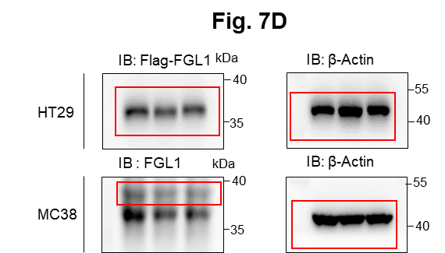
 | -0.36583 | -0.1225 | 0.781606 | -1.36639 | -0.18778 | -1.30289 | -0.06025 | -1.22697 | 0.900612 | 0.546116 | -0.83801 | -0.49967 | -2.35185 | -2.35528 | 0.061077 | -0.47932 | 0.767544 | Figure 7D
 | 0.397956 | -0.65493 | 1.479958 | 1.36567 | 0.401476 | -0.13803 | -0.19554 | -0.6084 | -2.20351 | 0.210712 | -1.99749 | -0.28472 | -0.78236 | -0.77402 | 0.948076 | 0.179724 | 1.640569
 | 0.561694 | -0.80609 | 2.926756 | 2.603555 | 1.276044 | 0.792926 | -0.45167 | -1.28699 | 2.424241 | 0.081155 | -1.80819 | -0.79053 | -0.91884 | -0.90858 | 1.532447 | -0.28099 | 0.593899
 | -1.95582 | 0.854574 | -0.10126 | 0.298405 | -1.91553 | 1.017735 | 2.055496 | 0.428854 | 1.062365 | 1.130513 | 1.321818 | 1.63146 | 0.399624 | 0.391083 | -0.44904 | 1.45325 | 1.377821
 | -0.79809 | -0.08089 | 1.010062 | -0.91996 | -1.01943 | -0.07764 | 0.882848 | 0.189681 | -0.16361 | -0.47435 | 1.369955 | 1.102751 | 0.221651 | 0.228617 | -2.3407 | 0.954802 | 1.640569
 | 0.160982 | 1.409634 | 0.083411 | -1.75106 | -0.47357 | 0.030131 | -0.04792 | -1.00878 | 0.151722 | 0.770243 | 0.815354 | 1.111658 | -0.46833 | -0.46443 | -0.04323 | -0.12146 | 0.139605
 | -0.73174 | -0.26105 | 1.347509 | -0.68989 | -0.99409 | -1.08052 | -0.01087 | -0.87379 | -2.28141 | 0.984657 | -0.89043 | 0.447547 | -0.40488 | -0.37054 | 0.40499 | 0.311075 | 0.204369
 | -0.01392 | -0.97952 | -0.03991 | 0.292747 | -1.26314 | -1.15069 | 0.748642 | -0.64601 | -0.81072 | 0.706833 | -1.19419 | 0.083365 | 0.895391 | 0.893021 | -1.06769 | 0.69793 | 0.789272
 | 1.043989 | -0.50718 | -0.57073 | -0.5494 | -0.23127 | -1.23329 | -0.91388 | 0.084461 | -0.22141 | 1.101278 | -2.03902 | -0.22331 | -0.77613 | -0.78016 | -1.10082 | 0.038836 | 0.139605
 | 1.381815 | -1.13103 | -0.92463 | 0.253184 | 0.454837 | -1.11245 | 0.051013 | -0.74169 | -1.05347 | 0.380705 | -0.608 | 0.146283 | -0.25814 | -0.3517 | -2.35937 | 1.234329 | -1.44366
 | 1.485372 | -0.87804 | 0.164498 | 0.976858 | 1.248615 | 0.806912 | -2.71119 | -0.84499 | 0.118404 | 0.523237 | -0.51831 | 0.125282 | 1.038214 | 0.98009 | 1.95676 | -1.00881 | -0.8905
 | -0.59475 | 0.276013 | 1.000074 | 0.383461 | 0.66925 | 0.947246 | -0.4031 | -0.22293 | 1.113582 | -0.71476 | 1.090115 | -0.70747 | 0.479224 | 0.515433 | -0.22982 | 2.653963 | 0.204369
 | -1.34018 | -0.03015 | 0.816202 | -0.18809 | -1.05318 | 0.459828 | 0.337724 | -1.59487 | 0.377381 | -1.35268 | 0.115911 | 0.255944 | -0.08444 | -0.03499 | -1.21966 | 1.905645 | -0.35542
 | -1.26284 | 1.463358 | -0.30268 | 1.324115 | 0.624452 | -0.08436 | -1.56346 | 0.12384 | 0.260206 | 0.386392 | 0.742502 | -1.08308 | -0.37944 | -0.37054 | 0.933633 | -0.67645 | -1.23131
 | -0.14192 | -0.75875 | -0.87968 | -0.63058 | -1.10373 | -0.53613 | 0.381651 | -1.58315 | 0.478103 | 0.79334 | -1.87172 | -1.28219 | -1.02974 | -0.99974 | -1.05443 | -0.65679 | -0.99714 | Figure 7F
 | 0.615591 | 0.474205 | -0.48799 | -0.57108 | -0.9518 | 0.716155 | -2.30466 | 0.088831 | 0.176729 | -1.72475 | -0.82048 | -1.02508 | -0.22609 | -0.21299 | 0.033218 | -0.14144 | -0.22654 | Liver weight (g)
 | 1.138228 | -0.16691 | -0.37704 | -0.0995 | -1.19614 | -0.43073 | -0.8901 | -0.44014 | 0.892117 | -1.67794 | -1.75491 | -0.49564 | -0.65739 | -0.62607 | 1.407178 | -0.35054 | 0.767544 |  | PBS |  |  |  |  | B.C. 3mg/kg |  |  |  |  | B.C. 5mg/kg
 | 1.183819 | -0.74199 | -0.26071 | 0.971019 | 0.233143 | -0.61483 | -1.47104 | -0.01141 | -0.08917 | -1.50017 | -0.49428 | 0.447547 | 0.559131 | 0.5746 | 0.568104 | -1.0574 | -2.66545 | MC38 | 3.52 | 2.82 | 3.53 | 2.41 | 2.39 | 2.02 | 1.25 | 1.5 | 1.51 | 1.59 | 1.39 | 1.24 | 1.3 | 1.81 | 1.85
 | 1.328524 | 0.713779 | 0.02639 | 1.36567 | 0.633406 | 0.667435 | -0.32396 | -1.33083 | 0.841185 | -1.04936 | 0.141187 | 0.693529 | 2.085788 | 2.137151 | 0.532553 | 0.728655 | -1.18878
 | -1.45929 | -0.35439 | 0.245943 | 1.02363 | 0.957551 | -0.65406 | 0.927741 | 1.828432 | 0.002023 | 0.346616 | 1.130749 | 1.815763 | 1.319775 | 1.32509 | 0.710818 | 0.985752 | 0.897987
 | -2.1144 | -1.89791 | 0.174061 | -0.25979 | 0.004369 | -1.10607 | 1.518493 | 0.666867 | 0.377381 | 0.329588 | 0.034095 | 1.43535 | 0.465936 | 0.436809 | 0.933633 | -0.76476 | -0.61265 | No. of liver metastases/mouse
 | -0.44368 | -0.14916 | -1.43698 | -0.46243 | -0.15294 | 0.322494 | 1.088713 | 1.222394 | 0.73952 | 0.17685 | 0.532649 | 1.058279 | 0.300558 | 0.254524 | -0.25733 | -0.21129 | 1.728312 |  | PBS |  |  |  |  | B.C. 3mg/kg |  |  |  |  | B.C. 5mg/kg
 | -0.55179 | -1.27742 | -0.36776 | 0.457456 | -0.93487 | -0.45053 | 0.716793 | 1.447444 | 0.604375 | 0.833807 | -0.6318 | 0.070812 | -0.20041 | -0.18133 | -0.5375 | 0.099144 | -0.01134 | MC38 | 147 | 175 | 81 | 109 | 85 | 80 | 75 | 41 | 33 | 37 | 32 | 15 | 80 | 58 | 43
 | -2.90025 | -0.89457 | -1.83147 | -0.70066 | -0.34403 | 0.308808 | 0.998445 | -0.0548 | 0.452898 | 0.255932 | -1.39568 | 0.27712 | -0.20684 | -0.23197 | 0.725134 | 0.038836 | -0.37689
 | -0.33455 | 0.615504 | -0.71228 | -0.22673 | 0.277346 | 0.439173 | 0.082013 | 0.666867 | 0.026932 | 0.597667 | -2.98705 | -0.22331 | 0.097344 | 0.080305 | 0.45452 | 0.260495 | -0.22654
 | 1.120731 | -0.51004 | -0.70774 | -0.18809 | 0.53506 | -2.30388 | 0.608804 | 1.301795 | 0.151722 | 0.01943 | 0.05293 | -1.1293 | 1.12025 | 1.080995 | 0.768132 | -0.12146 | -1.03976 | Figure 7H
 | 1.485372 | -0.6831 | -1.032 | 0.011804 | 1.82972 | 2.766196 | 1.082255 | 0.141372 | -0.76197 | -0.13143 | 0.962155 | -0.07903 | 1.444522 | 1.489329 | 1.202135 | -1.66315 | 0.269178 | Liver weight (g)
 | -0.21175 | -0.9877 | 1.413628 | -0.62518 | 0.348213 | 0.695262 | -0.80668 | 1.115498 | 0.917608 | 0.926537 | 0.57829 | 1.521745 | -0.12962 | -0.14961 | 0.603706 | 2.859613 | 0.312409 |  | IgG+PBS |  |  |  |  | αPD-1+PBS |  |  |  |  | IgG+B.C. |  |  |  |  | αPD-1+B.C.
 | 0.444535 | 0.349954 | 0.658547 | -0.19362 | -0.79901 | -0.19823 | -3.16732 | 0.229309 | -1.65312 | 0.932343 | 0.383728 | 0.201018 | -0.14251 | -0.1242 | -0.12634 | 1.223937 | 1.838103 | MC38 | 4.17 | 4.38 | 3.2 | 2.16 | 1.91 | 3.46 | 3.71 | 1.64 | 1.65 | 1.76 | 1.55 | 2.08 | 1.51 | 0.97 | 1.92 | 1.28 | 0.71 | 0.86 | 0.82 | 0.91
 | -0.57636 | 1.196768 | -0.25604 | -1.26756 | -0.46495 | 0.043642 | 0.318922 | -0.55812 | 0.654999 | 0.540394 | 0.109599 | -0.50369 | -0.49365 | -0.48939 | -0.98132 | -1.68218 | 0.053323
 | 0.447868 | 1.160509 | 0.409909 | -0.66295 | -1.23804 | -1.789 | 1.498806 | -1.32287 | 0.276923 | 0.990476 | -0.67334 | 0.863948 | -0.85073 | -0.84143 | -0.22982 | -0.85284 | 0.919746
 | 0.471224 | -1.6695 | -1.61408 | -0.71141 | -0.17037 | -0.31813 | -2.26575 | -0.29993 | 0.536979 | 0.454723 | -0.86134 | -0.26837 | -0.47466 | -0.52677 | -1.7206 | -0.11146 | 0.204369 | No. of liver metastases/mouse
 | 0.737639 | -0.52148 | -1.19614 | -1.32485 | 1.386002 | -1.23962 | 0.312658 | 0.703075 | -0.81072 | 1.224275 | -0.99455 | 0.294082 | -1.23732 | -1.21062 | 0.703663 | -0.21129 | 0.35566 |  | IgG+PBS |  |  |  |  | αPD-1+PBS |  |  |  |  | IgG+B.C. |  |  |  |  | αPD-1+B.C.
 | 1.346267 | -0.8366 | -0.48799 | 0.208061 | 1.066376 | 0.0504 | -0.37269 | 0.990791 | 0.410926 | 1.566883 | -0.1342 | 0.447547 | 3.032587 | 3.05841 | -0.36707 | -0.15143 | 0.98505 | MC38 | 226 | 207 | 153 | 119 | 116 | 209 | 182 | 104 | 90 | 85 | 113 | 93 | 89 | 79 | 69 | 61 | 52 | 43 | 12 | 9
 | 0.929631 | -1.09339 | -1.51499 | 1.833813 | -1.46312 | 0.702224 | -1.33748 | -0.52871 | 1.147764 | 1.283042 | -0.00975 | 0.499028 | 1.675023 | 1.703256 | -0.39443 | -0.25113 | 0.139605
 | -0.42505 | -1.05559 | -0.4557 | 0.281436 | 0.903284 | 0.206435 | -0.25678 | -0.72509 | -0.26264 | -2.67912 | 0.591357 | -0.61593 | -0.07151 | -0.09239 | -0.44222 | 0.341458 | 1.050399
 | -0.1451 | -0.66902 | -0.47877 | 0.871981 | -0.21389 | 0.820907 | -1.52885 | -0.57909 | 0.612808 | -0.62762 | 0.357992 | -0.36621 | -0.03267 | -0.03499 | 0.897563 | 0.038836 | 0.420574 | Figure 7I
 | 0.262484 | 1.049042 | 0.202781 | -0.81331 | -1.20452 | -1.57871 | 0.551821 | -0.75412 | -2.66045 | -0.33666 | -0.09078 | -0.96682 | -0.51261 | -0.48316 | -0.06403 | -0.52871 | 0.442223
 | 0.43454 | 0.346864 | 1.220944 | -1.72569 | -0.81603 | -1.32183 | -0.63288 | -2.12988 | 0.143389 | -1.81289 | -0.07834 | -1.24795 | -0.8259 | -0.82307 | -0.60532 | -0.59774 | -0.76237 | No. of IFN-γ+ CD8+ T cells/g (*104)
 | 0.690048 | 0.650289 | 0.395384 | -0.71141 | -0.43045 | -0.7583 | 0.966283 | -0.96801 | 0.226793 | 0.002622 | -0.3064 | -1.0212 | -1.76312 | -1.75849 | -1.14051 | -1.01854 | -1.95127 |  | IgG+PBS |  |  |  |  | αPD-1+PBS |  |  |  |  | IgG+B.C. |  |  |  |  | αPD-1+B.C.
 | 1.026604 | -1.22447 | -1.06764 | -0.13831 | -0.66245 | 0.036886 | 0.094424 | -0.53291 | -0.114 | 1.424598 | -0.07834 | -1.08308 | -0.40488 | -0.38935 | 0.04018 | -1.06711 | -1.18878 | MC38 | 1.179 | 1.183333 | 1.450938 | 1.716742 | 1.560769 | 1.091571 | 1.666239 | 1.501948 | 1.59619 | 2.36087 | 3.93507 | 5.500263 | 4.313924 | 3.529091 | 2.463582 | 7.808261 | 7.897619 | 7.071127 | 7.113559 | 6.703881
 | 1.22955 | -0.25812 | 1.130298 | 0.767603 | -0.34403 | -0.64099 | -1.27914 | -0.17568 | 0.478103 | -1.06543 | -0.64962 | -1.21361 | -0.15539 | -0.14961 | 0.068047 | -1.97569 | -1.23131
 | 1.208426 | -1.18187 | 0.663454 | 3.990309 | 0.153745 | 2.115554 | -0.90794 | -1.54796 | 1.011214 | -0.62762 | 0.040371 | 0.477558 | 2.337142 | 2.364248 | -0.33284 | -0.52871 | -0.09748
 | -1.0683 | 0.325256 | -0.71228 | 1.117469 | 0.481553 | 0.27463 | 0.672271 | 1.452161 | -1.8586 | 0.597667 | 0.762335 | 1.751051 | 0.83447 | 0.819623 | -1.4879 | 1.873902 |  | Figure 7J
 | 0.099166 | 1.137485 | -0.46493 | -0.72216 | -0.55959 | -0.54927 | 0.43195 | 0.848644 | -0.47631 | 0.706833 | 0.78882 | 1.412682 | -0.75743 | -0.76788 | 0.28512 | 0.04888
 | -0.04284 | -0.09576 | -0.87968 | -1.33004 | -0.33537 | 0.199628 | 1.597385 | -0.24864 | -0.85129 | 0.188132 | 0.428882 | 0.969676 | -0.07797 | -0.08602 | -0.98797 | -1.03797 |  | No. of Ki67+ CD8+ T cells/g (*104)
 | -0.3502 | -0.21996 | -2.28116 | -2.55244 | -0.72228 | 0.077455 | 1.862026 | 0.825821 | -0.94039 | 0.357974 | 0.210948 | 0.965258 | -0.11027 | -0.09875 | -0.8946 | 0.20999 |  |  | IgG+PBS |  |  |  |  | αPD-1+PBS |  |  |  |  | IgG+B.C. |  |  |  |  | αPD-1+B.C.
 | -1.37436 | 1.94906 | -0.73046 | -1.74092 | -0.80752 | -0.0642 | 1.782365 | 1.292437 | -0.10572 | 0.01943 | -0.30029 | -0.05416 | -1.47837 | -1.48388 | -0.36707 | 0.341458 |  | MC38 | 0.6715 | 0.839524 | 0.600313 | 0.934045 | 1.079231 | 1.026857 | 0.511101 | 0.475714 | 1.080952 | 1.763478 | 1.640704 | 1.568289 | 1.649241 | 2.251364 | 2.234328 | 5.182609 | 4.792857 | 3.740282 | 4.778644 | 4.214328
 | 0.998831 | 0.07805 | -1.66552 | -0.09395 | -0.13551 | 0.391054 | -0.15258 | 1.55148 | -0.26264 | -0.86107 | 0.656876 | 0.137879 | 0.313739 | 0.228617 | -0.65942 | 1.275926
 | 0.741044 | -0.19347 | 0.560657 | 0.474569 | 0.849114 | 1.081358 | 2.169536 | 0.834947 | 0.436103 | -0.40285 | -0.1713 | 0.045736 | -0.07797 | -0.1242 | -1.22625 | 0.514143 |  | No. of Ki67+ CD4+ T cells/g (*104)
 | 0.518059 | -1.41881 | -0.63023 | 0.247538 | 3.091663 | 2.248838 | -0.21393 | 0.986188 | -2.8445 | 0.770243 | 0.204591 | -0.2561 | 0.814201 | 0.792996 | 1.421885 | 0.493782 |  |  | IgG+PBS |  |  |  |  | αPD-1+PBS |  |  |  |  | IgG+B.C. |  |  |  |  | αPD-1+B.C.
 | -1.44237 | 1.966453 | 0.541139 | -0.38053 | 0.53506 | -0.1715 | -0.17714 | 0.216089 | 0.900612 | -0.64398 | 1.40443 | -0.50772 | -0.30931 | -0.30138 | 0.68221 |  |  | MC38 | 0.814 | 1.041905 | 1.029063 | 1.225955 | 1.547692 | 1.323857 | 0.915688 | 0.933896 | 1.888095 | 1.803913 | 2.157042 | 2.37 | 2.724304 | 2.753636 | 3.156269 | 5.104348 | 4.964762 | 4.093521 | 5.634915 | 5.785075
 | -0.19274 | -0.54717 | 0.683097 | -0.06617 | -0.64534 | -1.02933 | 0.799685 | -0.43168 | -1.07765 | -2.4748 | 0.962155 | -1.02508 | -0.37944 | -0.43319 | 0.56099
 | 0.118654 | 0.393297 | 0.035881 | -0.04949 | -0.90097 | -0.93297 | -0.37269 | -0.82439 | 0.436103 | -2.35421 | 0.242778 | -1.45203 | -0.26454 | -0.25092 | 1.151124 |  |  | Figure 7K
 | -0.02035 | -2.47342 | 1.669889 | -0.36411 | -0.68811 | -1.69653 | -0.43953 | -1.24701 | -0.54998 | -1.31036 | -0.34299 | -1.22889 | -1.23125 | -1.21062 | -0.36023
 | -0.52101 | 0.867449 | 1.357667 | -0.02722 | -0.67101 | -1.16342 | -0.19554 | -1.33481 | -2.50627 | -0.9258 | -0.3125 | -1.65282 | -0.63229 | -0.61369 | -0.92132 |  |  | No. of IFN-γ+ CD4+ T cells/g (*104)
 | 0.686655 | -0.46129 | 1.372914 | -0.11059 | -1.02787 | -1.20791 | 0.1628 | -1.63772 | -0.00628 | 0.839593 | -0.40373 | -2.39197 | -1.96764 | -1.97142 | 0.976985 |  |  |  | IgG+PBS |  |  |  |  | αPD-1+PBS |  |  |  |  | IgG+B.C. |  |  |  |  | αPD-1+B.C.
 | 0.902044 | -0.51004 | 0.546016 | 0.011804 | 0.22431 | -0.05748 | -1.46525 | -0.56231 | 0.318749 | 1.566883 | -0.50029 | -0.93175 | -0.67619 | -0.66935 | 0.45452 |  |  | MC38 | 1.059 | 1.067143 | 1.365313 | 1.328427 | 1.758846 | 0.529286 | 1.330459 | 1.188701 | 1.929048 | 2.020435 | 3.499014 | 3.275921 | 2.790759 | 2.454091 | 1.910597 | 3.702609 | 3.950476 | 3.501127 | 4.778644 | 4.316418
 | 1.197875 | 0.153793 | 0.648735 | 2.059153 | -0.09187 | 0.288295 | -0.01087 | -1.33083 | 1.456714 | 0.030641 | -0.44003 | -0.8181 | -1.16434 | -1.12658 | 1.488168
 | -0.83112 | 2.095784 | 0.183629 | -0.41879 | 0.428144 | 0.254149 | -0.57263 | 1.527787 | -1.61346 | 1.177354 | -0.34907 | 1.862121 | 1.065525 | 1.054041 | 0.575221
 | -0.49014 | 1.233123 | 0.419599 | -0.38053 | -0.96027 | -0.16481 | -0.33615 | 1.073836 | -1.16618 | 0.26725 | 0.204591 | 1.102751 | 0.129982 | 0.112453 | -2.32824
 | 0.018285 | -0.587 | 0.766798 | -1.0577 | -0.80752 | 0.432293 | 1.387519 | 0.57667 | 0.010324 | -0.40836 | 0.223671 | 1.268277 | 0.02573 | -0.00303 | -0.12634
 | 0.206723 | -1.40582 | -1.2578 | -0.70066 | 0.526135 | 0.370464 | -0.22618 | 0.703075 | -0.63982 | -0.05891 | -0.57221 | 1.160732 | 0.136515 | 0.215677 | 0.589459
 | 0.037649 | -1.27742 | -0.55696 | -1.03657 | -1.24641 | 0.370464 | 0.786915 | -0.08943 | -0.87561 | 0.540394 | 0.855246 | -0.28472 | -1.61543 | -1.59545 | 0.440358
 | 0.98843 | -1.52462 | -1.22259 | -0.49509 | 0.127328 | 0.27463 | 0.243858 | 1.046113 | -0.04774 | -0.07008 | 0.676591 | -0.02093 | -0.47466 | -0.45194 | -1.34439
 | 0.919279 | -0.99859 | -2.31389 | -0.45698 | -1.32163 | 0.090996 | 0.250105 | 0.912702 | -1.23043 | -1.33682 | 0.236406 | -0.42702 | 0.692994 | 0.647145 | -1.21966
 | 0.491276 | -1.6468 | -0.75316 | 0.906885 | 1.78321 | 1.138058 | -0.37269 | 0.780262 | -0.94848 | 0.569015 | 1.164695 | 0.02487 | 0.780463 | 0.819623 | 0.854346
 | -1.10342 | 1.578196 | -0.2467 | -0.67373 | 0.312758 | 1.741686 | -0.96728 | 1.480486 | 0.151722 | 0.938151 | -0.65556 | -0.22331 | 0.793952 | 0.753118 | 1.994296
 | 0.134918 | 0.153793 | -1.05428 | -0.16045 | -0.35268 | 0.131668 | -0.41525 | -1.06162 | 1.156314 | -0.38081 | 0.293863 | -0.80629 | -0.37308 | -0.36426 | 0.56099
 | -0.57943 | 1.233123 | -0.25137 | 0.27013 | -0.40455 | -0.09779 | -0.39702 | 0.834947 | 1.293361 | 0.741401 | -0.26357 | -0.92003 | -0.54418 | -0.47692 | 0.811202
 | -0.35646 | 0.832072 | -0.8075 | 1.146875 | -1.52115 | -0.862 | 1.011321 | -1.20691 | 0.570662 | 1.53718 | -0.35516 | -1.63436 | -1.15824 | -1.17465 | -0.07096
 | 0.223098 | 0.214744 | 0.245943 | 0.163036 | 0.180187 | 0.674389 | -0.15258 | -0.17568 | -0.63982 | -1.30506 | 0.480669 | -0.69159 | -0.53156 | -0.51432 | -1.06106
 | 1.180307 | 0.75841 | -0.30733 | -0.07173 | 0.021902 | -0.62792 | -0.01705 | -0.15847 | -0.13881 | 1.614473 | 0.236406 | 0.833234 | -1.11551 | -1.16865 | 0.397923
 | 1.474627 | 1.356112 | 0.845904 | 1.514697 | -1.36332 | -0.11121 | 0.051013 | 0.375414 | -1.16618 | -0.10356 | -1.43993 | 0.550671 | 0.432753 | 0.423734 | 0.35556
 | 1.071849 | 0.294455 | 0.414753 | 1.79747 | 0.579722 | 1.330432 | -0.46379 | -0.72509 | 1.053835 | 0.868543 | 0.293863 | 0.916731 | 1.879507 | 1.919197 | 0.746624
 | -2.08818 | 0.114344 | 0.040628 | 1.413254 | 1.257755 | 1.582131 | -0.22006 | 0.857782 | 1.105042 | 0.17685 | -0.59608 | 2.284432 | 2.178843 | 2.15835 | 1.658305
 | -1.98777 | 0.418135 | -0.57073 | -0.24878 | 1.988361 | 1.202009 | 0.100632 | 2.011987 | 1.327697 | 0.403457 | 1.266985 | 1.640632 | 1.340518 | 1.32509 | 1.304457
 | -0.40949 | 0.993653 | -0.29802 | -0.36411 | 1.230342 | -0.43733 | 0.137914 | 0.871496 | 1.224779 | 0.477541 | 1.260145 | 1.476223 | 0.881838 | 0.839615 | 0.390857
 | 0.125157 | 1.319434 | 1.095155 | -0.03836 | 1.257755 | 0.702224 | -0.11569 | 0.82126 | 0.985663 | 0.27291 | 0.31307 | 1.062721 | -0.03915 | -0.0669 | 0.137856
 | -0.88197 | -0.07195 | 0.712597 | -0.2708 | -0.03066 | 0.653535 | 0.106842 | 1.627494 | -0.17188 | 0.030641 | -3.21295 | -0.14516 | 0.386388 | 0.365001 | 0.940854
 | 0.847029 | -0.40653 | 1.490181 | 0.241894 | 0.392592 | -0.43733 | 0.100632 | 0.671389 | 0.73952 | 0.27291 | 1.137533 | 0.965258 | 1.354357 | 1.32509 | 0.739458
 | 1.09627 | 1.276212 | -0.735 | -0.36411 | 2.31743 | 1.509949 | 0.100632 | 1.679924 | 0.714144 | -0.57846 | 1.096879 | 0.925544 | 1.024571 | 1.080995 | 0.504149
 | 0.816177 | 1.117781 | -1.12094 | 0.583271 | 2.554502 | 2.956163 | 0.678626 | 0.748439 | 0.595944 | -0.39734 | 1.171493 | 0.095928 | 0.746778 | 0.746479 | -0.20916

Figure S1
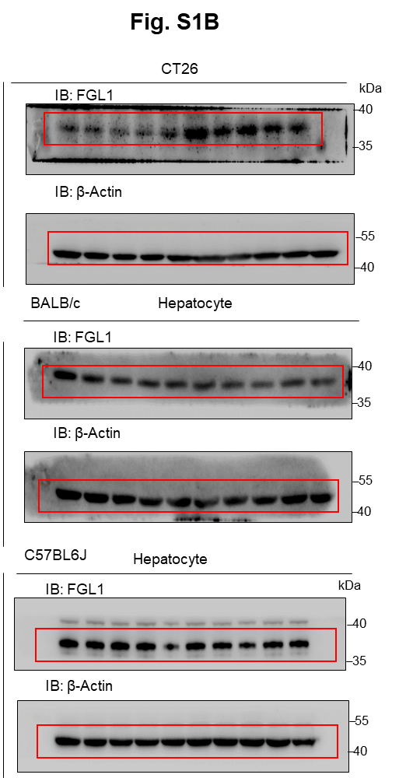
 | Figure S1B
Figure S1B | Relative change |  |  |  |  |  |  |  |  |  |  | BALB/c |  |  |  |  |  |  |  |  |  | C57BL/6J
 |  | Primary T |  |  |  |  | Liver M |  |  |  |  | Ctrl liver |  |  |  |  | M liver |  |  |  |  | Ctrl liver |  |  |  |  | M liver
 |  | 0.818287 | 0.990463 | 1.012884 | 1.022853 | 1.155513 | 2.060015 | 1.782345 | 1.771407 | 1.398046 | 1.455853 | 1.227643 | 0.944074 | 0.785902 | 0.896334 | 1.146047 | 1.383203 | 0.802303 | 0.453924 | 0.706149 | 0.691605 | 1.135942 | 0.964778 | 0.880962 | 0.885402 | 1.132917 | 1.354071 | 0.844062 | 0.812672 | 0.986054 | 0.882515

 | Figure S1C
 | Plasma FGL1 level
 | (ng/ml) | C57BL/6J |  |  |  |  |  |  |  |  |  | BALB/c
 |  | Non-M |  |  |  |  | Liver M |  |  |  |  | Non-M |  |  |  |  | Liver M
 |  | 0.9076339 | 1.039405 | 0.4765605 | 0.8296452 | 0.2376059 | 1.421506 | 2.381697 | 1.349805 | 1.648551 | 1.7296452 | 0.634 | 0.657 | 0.708 | 0.219 | 0.424 | 0.857 | 1.338 | 1.299 | 1.516 | 1.14

 | Figure S1D
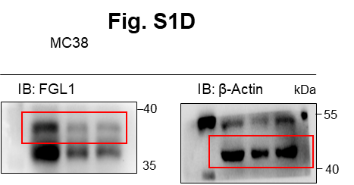
 |  |  |  |  |  | Cell viability (OD490)
 |  |  |  |  |  | Day | shNC |  |  | shFGL1 #1 |  |  | shFGL1 #2
 |  |  |  |  |  | 1 | 0.236 | 0.231 | 0.205 | 0.23 | 0.229 | 0.228 | 0.224 | 0.229 | 0.218
 |  |  |  |  |  | 2 | 0.303 | 0.299 | 0.295 | 0.29 | 0.293 | 0.289 | 0.249 | 0.283 | 0.283
 |  |  |  |  |  | 3 | 0.3188 | 0.314 | 0.321 | 0.303 | 0.307 | 0.315 | 0.302 | 0.309 | 0.307
 |  |  |  |  |  | 4 | 0.445 | 0.391 | 0.419 | 0.391 | 0.393 | 0.425 | 0.401 | 0.404 | 0.472
 |  |  |  |  |  | 5 | 0.523 | 0.426 | 0.504 | 0.467 | 0.484 | 0.522 | 0.497 | 0.43 | 0.446
 |  |  |  |  |  | 6 | 0.617 | 0.571 | 0.628 | 0.585 | 0.499 | 0.606 | 0.581 | 0.591 | 0.609

 | Figure S1E
 | Liver weight (g)
 |  | shNC |  |  |  |  | shFGL1 #1 |  |  |  |  | shFGL1 #2
 | C57BL/6J Rag1-/- mice | 2.89 | 3.79 | 4.2 | 3.4 | 3.56 | 3.5 | 3.79 | 3.62 | 2.6 | 4.03 | 4.32 | 3.85 | 3.96 | 3.15 | 3.9

 | No. of liver metastases/mouse

 |  | shNC |  |  |  |  | shFGL1#1 |  |  |  |  | shFGL1#2
 | C57BL/6J Rag1-/- mice | 186 | 165 | 135 | 169 | 209 | 192 | 169 | 221 | 170 | 128 | 222 | 175 | 180 | 190 | 159

 | Figure S1F
 | % Cytotoxicity
 |  | shNC |  |  | shFGL1 #1 |  |  | shFGL1 #2
 | MC38-OVA | 80.68 | 74.83 | 80.863 | 88.018 | 89.775 | 95.252 | 89.255 | 92.043 | 94.577

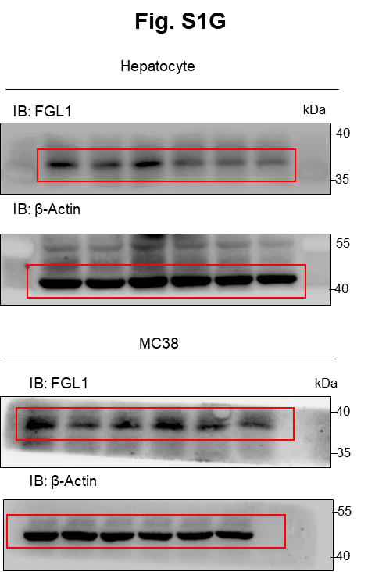
 | Figure S1G |  |  |  |  | Figure S1I

 |  |  |  |  |  | No. of Ki67+ CD8+ T cells/g (*104)
 |  |  |  |  |  |  | shNC |  |  |  |  | shFGL1 #1 |  |  |  |  | shFGL1 #2
 |  |  |  |  |  | MC38 | 0.733846 | 1.395205 | 2.377119 | 2.151818 | 1.7648 | 4.171475 | 6.177273 | 5.782222 | 8.443929 | 6.28125 | 6.820755 | 5.594091 | 7.108776 | 6.503125 | 7.456324
 |  |  |  |  |  | Hepatocyte | 1.615932 | 1.232055 | 1.532609 | 0.709884 | 0.8248 | 1.9375 | 2.845 | 2.51 | 2.923214 | 2.597941 | 2.928491 | 2.869091 | 2.066939 | 2.390625 | 2.433607

 |  |  |  |  |  | No. of Ki67+ CD4+ T cells/g (*104)
 |  |  |  |  |  |  | shNC |  |  |  |  | shFGL1#1 |  |  |  |  | shFGL1#2
 |  |  |  |  |  | MC38 | 0.258462 | 0.327534 | 1.300169 | 1.804545 | 1.5364 | 1.528033 | 2.905909 | 2.701667 | 3.053571 | 2.267813 | 2.378491 | 2.093636 | 2.470408 | 2.534375 | 2.741029
 |  |  |  |  |  | Hepatocyte | 1.23 | 0.867123 | 0.544348 | 0.792907 | 0.95 | 2.13125 | 1.247778 | 2.055938 | 1.500536 | 1.492941 | 1.932453 | 2.080909 | 1.740612 | 1.57625 | 1.203934

 |  |  |  |  |  | Figure S1J |  | OD value (450nm)
 |  |  |  |  |  |  | Log Human FGL1 (ng/mL)
 |  |  |  |  |  |  | -2 | 0.142 | 0.097 | 0.107
 |  |  |  |  |  |  | -1 | 0.169 | 0.126 | 0.134
 |  |  |  |  |  |  | -0.30103 | 0.17 | 0.121 | 0.13
 |  |  |  |  |  |  | 0 | 0.32 | 0.298 | 0.309
 |  |  |  |  |  |  | 0.30103 | 0.56 | 0.589 | 0.756
 |  |  |  |  |  |  | 0.69897 | 1.035 | 0.869 | 0.915
 |  |  |  |  |  |  | 1 | 1.021 | 0.906 | 1.141
 |  |  |  |  |  |  | 2 | 1.077 | 1.006 | 1.193
 |  |  |  |  |  |  | 3 | 1.184 | 0.923 | 1.101
 |  |  |  |  |  |  | 3.30103 | 1.1 | 1.1204 | 1.102

 |  |  |  |  |  | Figure S1L
 |  |  |  |  |  | IFN-γ (pg/mL)
 |  |  |  |  |  |  | IgG |  |  | αLAG-3 |  |  | mFGL1+IgG |  |  | mFGL1+αLAG-3
 |  |  |  |  |  |  | 2378.68 | 2409.74 | 2113.74 | 2594.78 | 2847.62 | 2643.61 | 416.36 | 351.45 | 226.71 | 1742.88 | 1556.42 | 1909.03

Figure S3
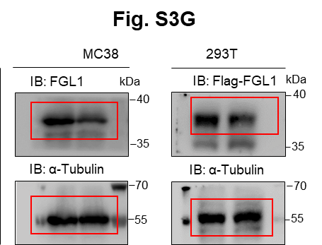
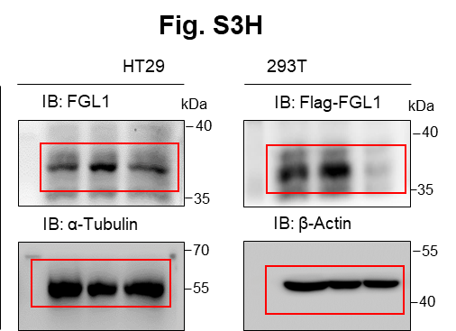
Figure S3A
Relative change
 | Control cases |  |  | TAMs from LM
NOS2 | 1.09205 | 0.874808 | 1.033142 | 0.924688 | 0.581173 | 0.605853
IL-12 | 0.772939 | 0.794669 | 1.432392 | 1.290944 | 1.46249 | 0.845822
CD163 | 0.822964 | 1.163847 | 1.013188 | 1.758526 | 1.663667 | 1.710439
ARG-1 | 0.842562 | 1.127287 | 1.030151 | 2.814454 | 3.417296 | 3.417296
CD206 | 1.024107 | 0.855219 | 1.120674 | 2.295649 | 3.114287 | 3.291858

MFI of CD206
 | Control cases |  |  | TAMs from LM
CD206 | 5925 | 8761 | 6912 | 51614 | 49883 | 40167

Figure S3B
Relative change
 | Control cases |  |  | TAMs from patients
NOS2 | 1.029090674 | 1.258207708 | 0.712701618 | 1.014922879 | 1.339198767 | 0.96017555
IL-12 | 1.242434606 | 0.954733455 | 0.80283194 | 1.200113 | 0.928626 | 1.397812
CD163 | 0.952088891 | 1.108929908 | 0.938981201 | 2.826797 | 3.093346 | 2.46087
ARG-1 | 1.073139 | 0.853721 | 1.073139 | 2.073168427 | 2.102108779 | 2.482575042
CD206 | 1.096823 | 0.961482 | 0.941695 | 3.145592 | 3.080856 | 3.638469

MFI of CD206
 | Control cases |  |  | TAMs from patients
CD206 | 3789 | 3517 | 2149 | 11464 | 13247 | 10985

Figure S3C

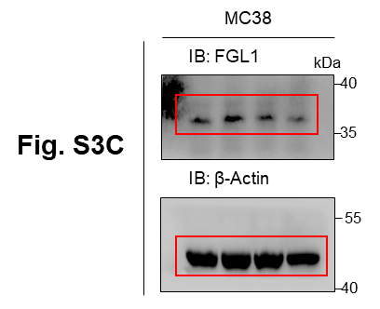

Relative change
 | Ctrl |  |  | TAM-CM |  |  | TAM-CM+αIL-1β |  |  | TAM-CM+αTNFα
FGL1 | 1.03347 | 0.957025 | 1.009505 | 1.999271 | 2.143366 | 1.88843 | 1.398071 | 1.277874 | 1.115163 | 1.072619 | 1.235307 | 1.164648

Figure S3D |  |  |  |  |  | Figure S3E
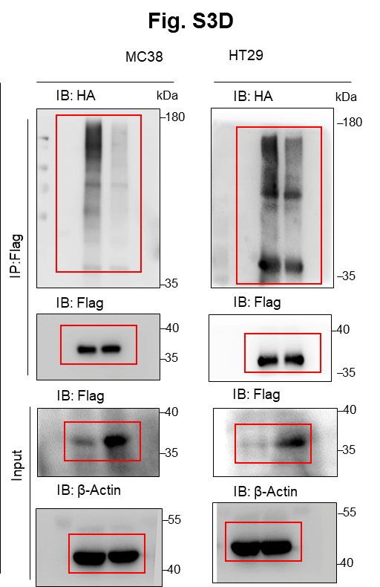
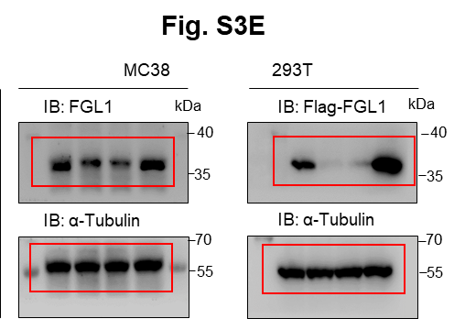

 |  |  |  |  |  | Figure S3F

 |  |  |  |  |  | LC3B/FGL1 puncta
 |  |  |  |  |  |  | PBS |  |  | EBSS
 |  |  |  |  |  | HT29 | 0 | 1 | 0 | 11 | 8 | 9

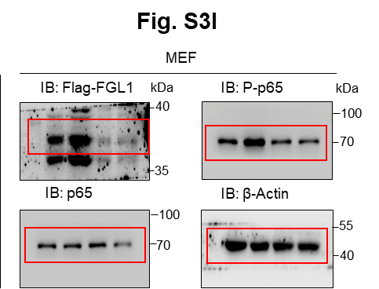
Figure S3G |  |  |  |  |  | Figure S3H |  |  |  |  |  | Figure S3I

Figure S4
Figure S4A
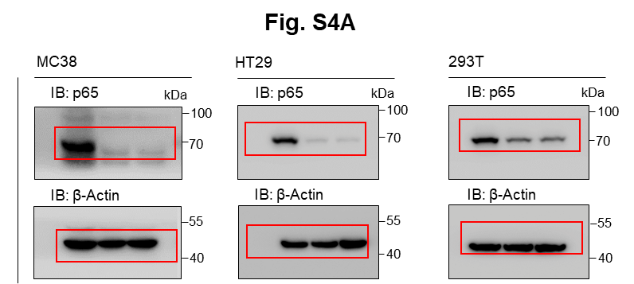

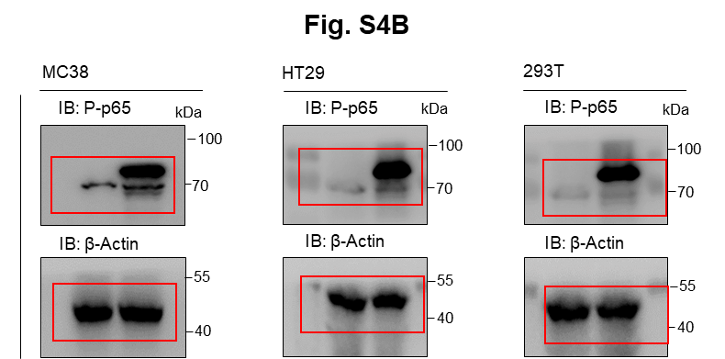
Figure S4B

