Figure 3f
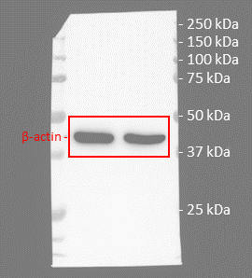
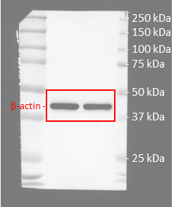
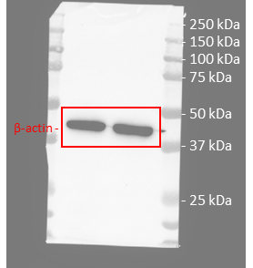
Figure 3f | anti-MLKL

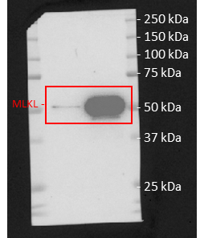
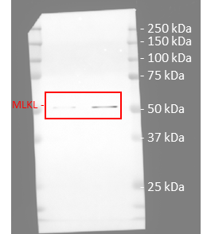
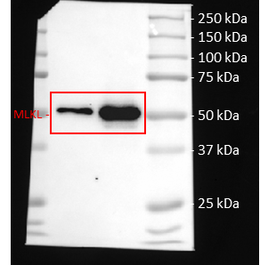

 | anti-β-actin

Figure 4b
Figure 4b | anti-CD64

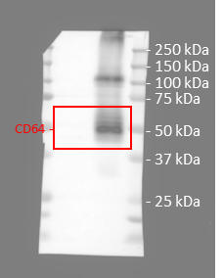

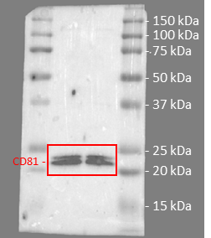
 | anti-CD81

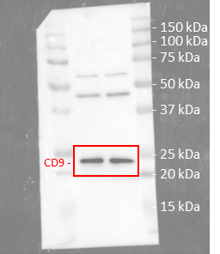
 | anti-CD9

Figure 4c
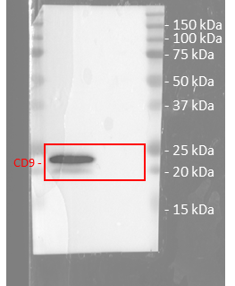
Figure 4c | anti-CD63
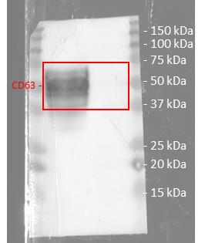

 | anti-CD9

Figure 4i
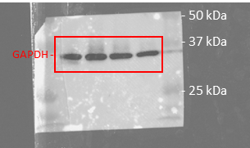
Figure 4i | anti-CD71

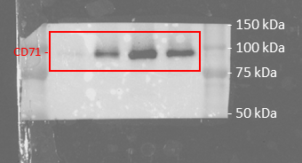

 | anti-GAPDH

Figure 4j
Figure 4j | anti-mouse IgG
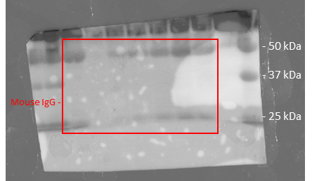

 | anti-CD9
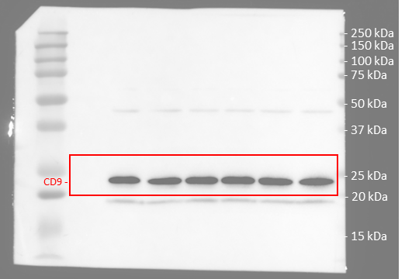

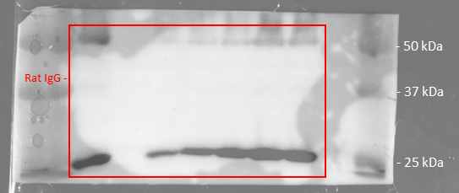
 | anti-rat IgG

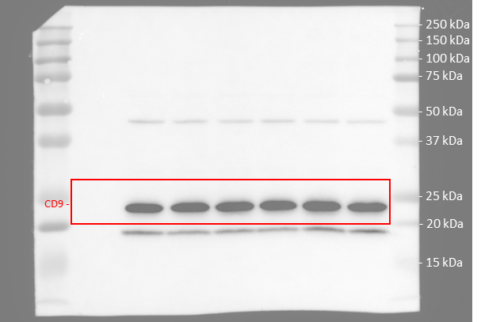
 | anti-CD9

Figure 5j
Figure 5j | anti-MHC-I
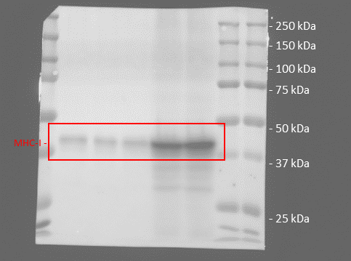

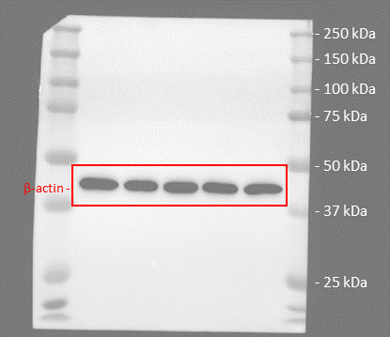
 | anti-β-actin

SI Figure 6
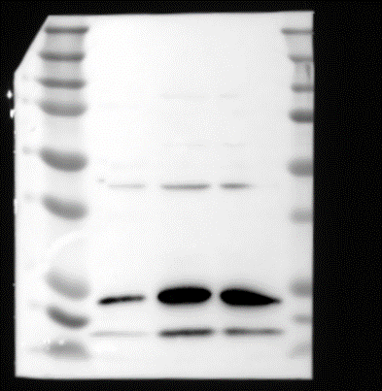
SI Figure 6 | anti-Thrombospondin-1

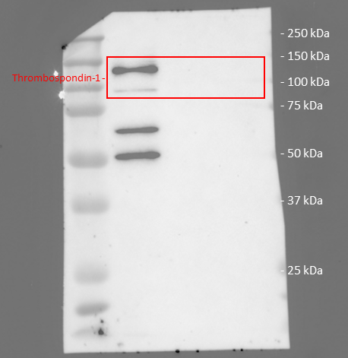

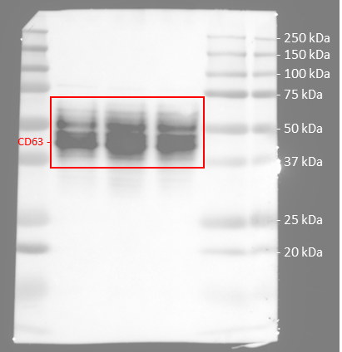
 | anti-CD63

 | anti-CD9

SI Figure 9
SI Figure 9 | anti-CD64
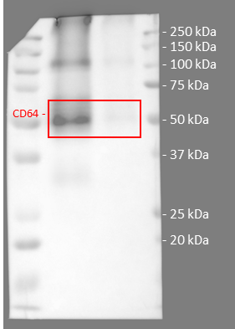

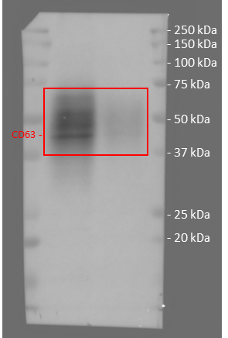
 | anti-CD63

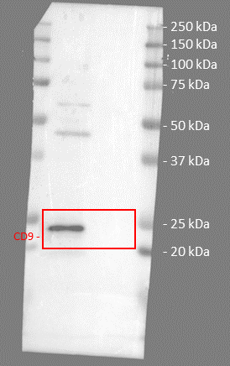
 | anti-CD9

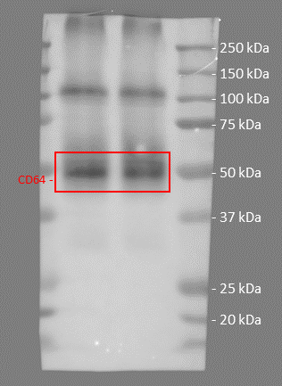
 | anti-CD64

SI Figure 11

SI Figure 11 | anti-CD71
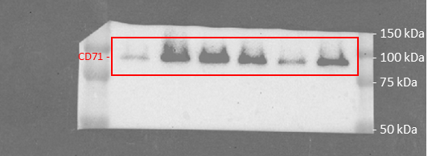

 | anti-GAPDH

SI Figure 12
SI Figure 12 | anti mouse IgG | anti CD81 | anti CD9

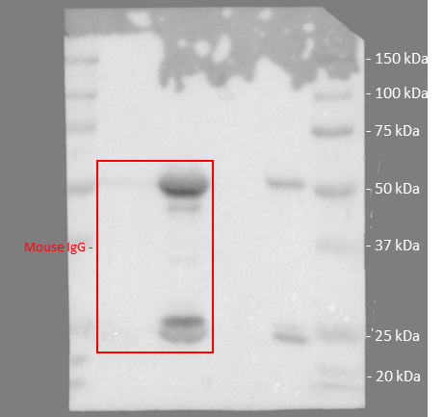
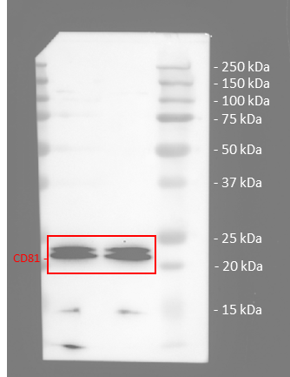
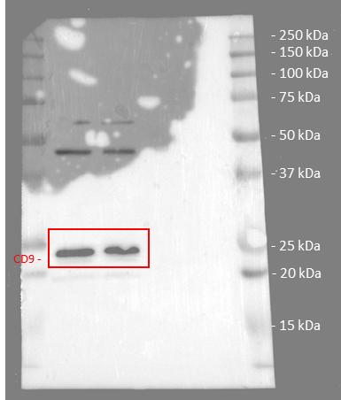

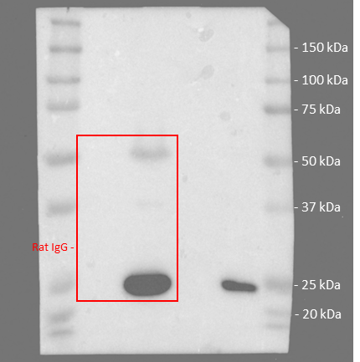
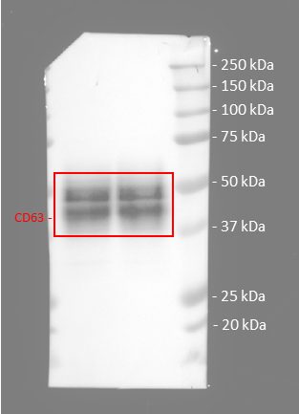
 | anti Rat IgG | anti CD63

SI Figure 14
SI Figure 14

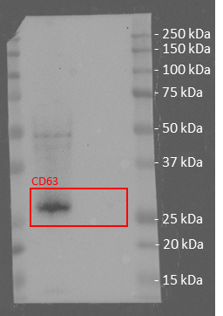
 | a | anti CD63 | c | PBS | msEP | msEP/N pep | nsEP | nsEP/N pep
 |  |  |  | 0.88 | 9.52 | 21.65 | 2921.38 | 8864.18
 |  |  |  | 1.06 | 6.94 | 19.48 | 4127.25 | 9634.13
 |  |  |  | 1.06 | 6.04 | 18.98 | 3265.19 | 7336.17

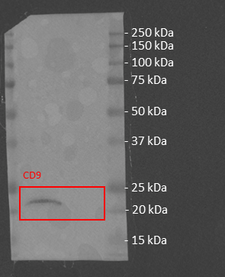
 |  | anti CD9

