Figure 2
 |  |  |  |  |  |  |  |  |  |  |  |  |  | Figure 2b
Figure 2a |  | Figure 2b |  | Figure 2d |  | Figure 2e |  | Figure 2f |  | Figure 2g |  | Figure 2h |  | DNMT3A protein, 2021-09-07

siDNMT3A
siDNMT3A
siDNMT3A
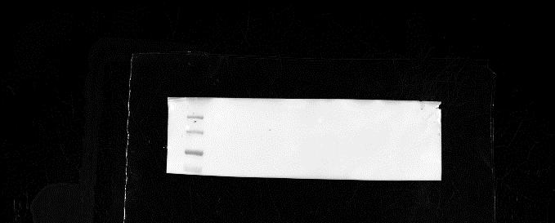
siCtrl
siCtrl
Relative gene expression |  | Relative density ratio |  | Relative gene expression |  | Sum.intensity aSMA/ |  | Relative gene expression |  | Contraction |  | Migration
 |  | DNMT3A/alfa-tubulin |  |  |  | surface area phallo |  | Fold change |  | Normalized to control |  | Normalized to control
kD
siCtrl
M
kD
130
180
130
180
100
M
M
100
siCtrl | siDNMT3A | siCtrl | siDNMT3A | + M0 siCtrl | + M0 siDNMT3A | + M0 siCtrl | + M0 siDNMT3A | +M0 siCtrl | + M0 siDNMT3a | + M0 siCtrl | + M0 siDNMT3A | + M0 siCtrl | + M0 siDNMT3A
0.019976 | 0.01026 | 0.203493 | 0.049531 | 0.048343 | 0.071758 | 659.1529 | 1230.481 | 1.436885 | 1.617245 | 1.014158 | 1.133572 | 0.982061 | 1.163113
0.032321 | 0.011667089 | 0.434629 | 0.073016 | 0.073418 | 0.085136 | 1049.407391 | 1316.596 | 0.563115 | 1.878744 | 0.985842 | 1.081676 | 1.009445 | 1.042617
70
70
0.033768 | 0.01172599 | 0.258109 | 0.042448 | 0.077746 | 0.086305 | 955.5593 | 1208.13559 | 0.852374 | 2.193085 | 1.056849 | 1.440264 | 1.008989 | 1.028311
0.028924 | 0.012714559 |  |  | 0.055897 | 0.085129 |  |  | 1.147626 | 1.331324 | 0.925548 | 1.130845 | 1.083724 | 1.216499
 |  |  |  | 0.021811 | 0.078202 |  |  | 0.924858 | 1.12174 | 1.017603 | 1.72807 | 0.976467 | 1.242409
 |  |  |  |  |  |  |  | 1.075142 | 1.338488 |  |  | 0.949527 | 0.915776
 |  |  |  |  |  |  |  | 1.121117 | 1.189379 |  |  | 1.065899 | 1.110453
 |  |  |  |  |  |  |  | 0.878883 | 0.947713 |  |  | 0.941775 | 0.939307 | alfa-tubulin protein, 2021-09-07
 |  |  |  |  |  |  |  |  |  |  |  | 1.017243 | 1.10025


 |  |  |  |  |  |  |  |  |  |  |  | 1.039586 | 1.118467
 |  |  |  |  |  |  |  |  |  |  |  | 0.947841 | 1.107579
siDNMT3A
siDNMT3A
siDNMT3A

siCtrl
siCtrl
siCtrl
kD
kD
M
180
180
130
130
100
100
55
70
55
40
40
35
35
25
25
15
15

 |  |  |  |  |  |  |  |  |  |  |  |  |  |  | M: Molecular weight protein standard, PageRuler Prestained Protein Ladder, 10 to 180 kDa (Thermo Scientific)

Figure 7
 |  |  |  |  |  |  |  |  |  |  |  |  |  |  |  |  |  | Figure 7c
Figure 7a |  | Figure 7b |  | Figure 7c |  | Figure 7d |  | Figure 7f |  | Figure 7h |  | Figure 7e |  | Figure 7g |  | Figure 7i |  | DNMT3A protein, 2022-03-11
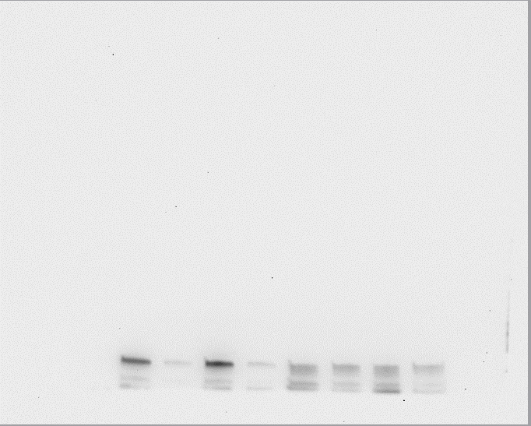
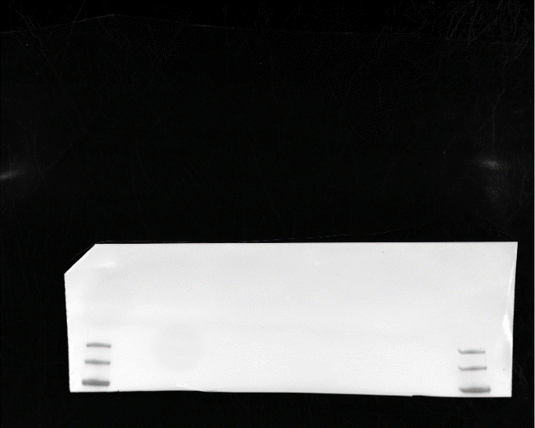
Relative gene expression (2-ΔCt) |  | Relative gene expression (2-ΔCt) |  | Relative density ratio |  | sum intensity αSMA/ |  | Frequency (beats per minute) |  | PDGFRα/DAPI |  | PH3+ nuclei/ DAPI count |  | Area (pixels) |  | Col1a/DAPI
Fold change |  | Fold change |  | DNMT3A/α-tubulin |  | surface area phallo |  | Fold change control |  | sum surface area |  |  |  |  |  | sum surface area

siDNMT3A
siDNMT3A
siDNMT3A
siDNMT3A
M
M
siCtrl | siDNMT3A | siCtrl | siDNMT3A | siCtrl | siDNMT3A | Ctrl | + HB-EGF | Ctrl | +HB-EGF | Ctrl | +HB-EGF | Ctrl | +HB-EGF | Ctrl | +HB-EGF | Ctrl | +HB-EGF
0.575007 | 0.217133 | 1.201589 | 0.887522 | 0.437934 | 0.112102 | 427.3999 | 679.8495 | 1.333333 | 0.5 | 0.316610624 | 0.445975009 | 0.25 | 0.5 | 30523 | 23321 | 0.155582905 | 0.188475074
0.782231 | 0.37802 | 0.784985 | 1.145333 | 0.500478 | 0.127504 | 416.7987 | 547.382 | 0.666667 | 0.166667 | 0.348587206 | 0.491287545 | 0.455556 | 0.520833 | 20018 | 20734 | 0.137133352 | 0.183020892
siCtrl
siCtrl
siCtrl
siCtrl
1.217769 | 0.501344 | 1.013426 | 1.095842 | 0.524978 | 0.122169 | 462.1226 | 658.1043 | 1.066667 | 0.5 | 0.379674896 | 0.543440089 | 0.478975 | 0.583333 | 22469 | 22997 | 0.154289406 | 0.191435833
kD
kD
0.844378 | 0.566831 | 0.964571 | 1.661064 | 0.574959 | 0.081052 |  |  | 1.333333 | 0.5 |  |  | 0.4 | 0.589015 |  | 18206
180
180
1.155622 | 0.692851 | 1.035429 | 1.857894 |  |  |  |  | 0.8 |  |  |  |  |  | 21713 | 21590
130
100
130
0.938859 | 0.384263 | 1.012079 | 1.083513 | Relative density ratio |  |  |  | 0.8
100
0.960325 | 0.332472 | 0.986811 | 1.250485 | HBEGF/alfa-tubulin
1.039675 | 0.462983 | 1.00111 | 1.081572
1.161279 | 0.623519 | 1.09949 | 1.326348 | siCtrl | siDNMT3A
0.976183 | 0.307098 | 0.921293 | 0.863278 | 0.152323 | 0.466388
0.860958 | 0.2643 | 0.877839 | 0.744405 | 0.247965 | 0.493862
1.00158 | 0.518128 | 1.101377 | 1.576168 | 0.292969 | 0.358214
 |  |  |  | 0.227558 | 0.344661 |  |  |  |  |  |  |  |  |  |  |  |  | HB-EGF protein, 2022-03-11
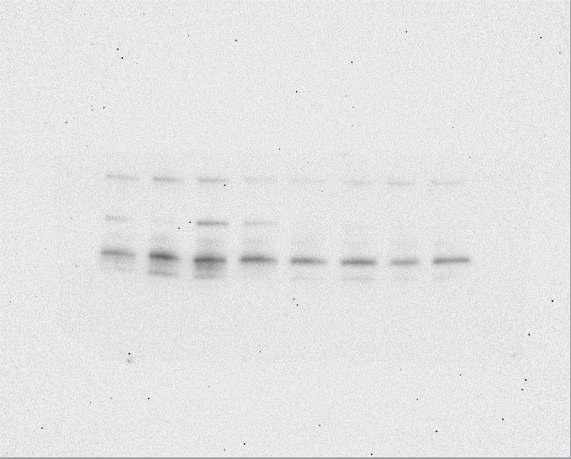
siDNMT3A
siDNMT3A
siDNMT3A
siDNMT3A

kD
siCtrl
siCtrl
siCtrl
siCtrl
M
70
kD
70
M
40
55
40
55
35
35
15
25
25
10
15
10

 |  |  |  |  |  |  |  |  |  |  |  |  |  |  |  |  |  | alfa-tubulin protein, 2022-03-11
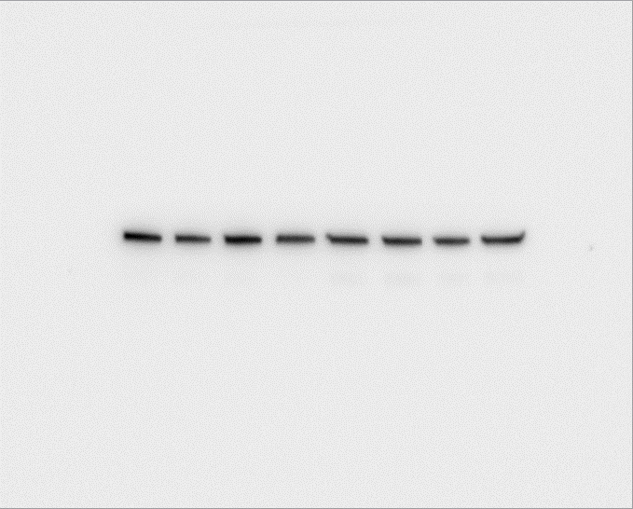
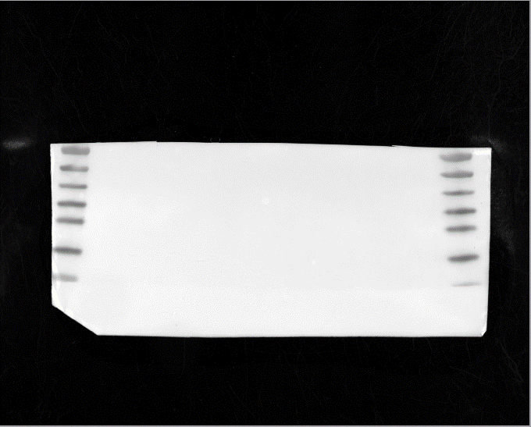
siDNMT3A
siDNMT3A
siDNMT3A
siDNMT3A
siCtrl
siCtrl
siCtrl
siCtrl
M
kD
M
kD
70
70
55
55
40
40
35
35
25
15
25
10
15
10

 |  |  |  |  |  |  |  |  |  |  |  |  |  |  |  |  |  |  | M: Molecular weight protein standard, Presicion Plus Protein Dual Color Standards (Bio-Rad)

Figure 8
+ HB-EGF
+ HB-EGF
+ HB-EGF
Ctrl
Figure 8a |  |  |  | Figure 8b |  | Figure 8c |  | Figure 8f |  |  |  | Figure 8h |  |  |  | Figure 8j |  |  |  | Figure 8c
 |  |  |  |  |  |  |  |  |  |  |  |  |  |  |  |  |  |  |  |  | phosphoAkt protein, 2022-06-28
Mean pixel density |  |  |  | pEGFR |  | Protein expression |  | αSMA intensity/phalloidin area |  |  |  | αSMA intensity/DAPI surface area |  |  |  | aSMA sum intensity/phalloidin area
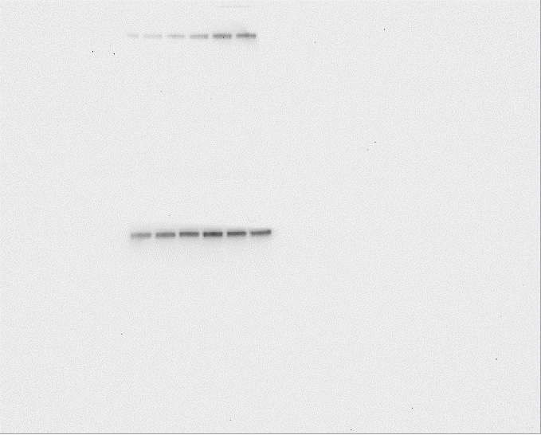
kD
70
Ctrl
Ctrl
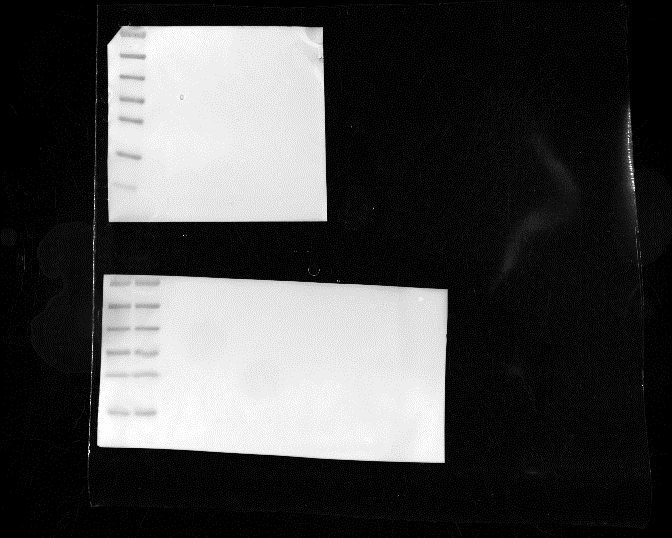
kD
70
M
Fold change control |  |  |  | Mean pixel density |  | pAkt/Akt
55
40
55
40
35
siDNMT3A
siDNMT3A
siDNMT3A
35
25
25
15
15
siCtrl
siCtrl
siCtrl
10
pEGFR | pPDGFRb | c-Jun | MSK1/2 | +M0 siCtrl | +M0 siDNMT3A | Ctrl | +HB-EGF | 114.6941 | 216.1679 | 105.139 | 128.2819 | 0.678218 | 2.217822 | 1.420792 | 1.267327 | 1.146674 | 2.688363 | 1.081282 | 0.939044
1.215047829 | 0.90292694 | 1.223811276 | 1.065016471 | 1165 | 1651.25 | 0.204119362 | 0.262668415 | 133.1146 | 191.8643 | 153.855 | 105.8169 | 0.678218 | 2.663366 | 0.584158 | 1.138614 | 0.99952 | 1.791789 | 0.56138 | 0.707772
1.391096 | 1.214567 | 1.030258 | 1.288342 | 1490 | 1890.5 | 0.199209617 | 0.298136646 | 120.6518 | 145.0144 | 82.46824 | 138.2244 | 1.643564 | 2.391089 | 0.360396 | 0.90099 | 0.483604 | 1.292306 | 0.504282 | 0.698164
kD
kD
M
M
1.6812 | 1.47221 | 1.13276 | 1.04113 | 1422 | 2284.75 | 0.241471883 | 0.242295748 | 116.7164 | 132.954 | 115.5114 | 107.8392 |  |  |  |  | 0.989666 | 1.290195 | 0.901 | 0.894256
70
55
55
70
35
40
40
25
25
35
 |  |  |  |  |  | Protein expression |  | DAPI count |  |  |  | Frequency (beats per minute)
 |  |  |  |  |  | pAkt/Akt |  |  |  |  |  | Normalized to untreated control
15
15
 |  |  |  |  |  | +M0 siCtrl | +M0 siDNMT3A | 37.33333 | 48.33333 | 45.33333 | 48.66667 | 1 | 0.5 | 0.533333 | 0.8
 |  |  |  |  |  | 0.038693372 | 0.495764419 | 48 | 74 | 56.66667 | 44 | 1 | 0.333333 | 0.266667 | 0.8
 |  |  |  |  |  | 0.086458936 | 0.557614673 | 41.33333 | 43 | 30.66667 | 37 | 0.666667 | 0.166667 | 1.066667 | 0.8
 |  |  |  |  |  | 0.278463301 | 0.396118599 | 42.33333 | 41.66667 | 45.66667 | 34.66667 | 0.533333 | 0.5 | 0.533333 | 1.066667
 |  |  |  |  |  |  |  |  |  |  |  | 0.8 | 0.533333 | 1.333333 | 1.066667
 |  |  |  |  |  |  |  |  |  |  |  | 0.533333 | 0.266667
 |  |  |  |  |  |  |  |  |  |  |  | 0.8 | 0.266667

+ HB-EGF
 |  |  |  |  |  |  |  |  |  |  |  |  |  |  |  |  |  |  |  |  | Akt protein, 2022-06-28
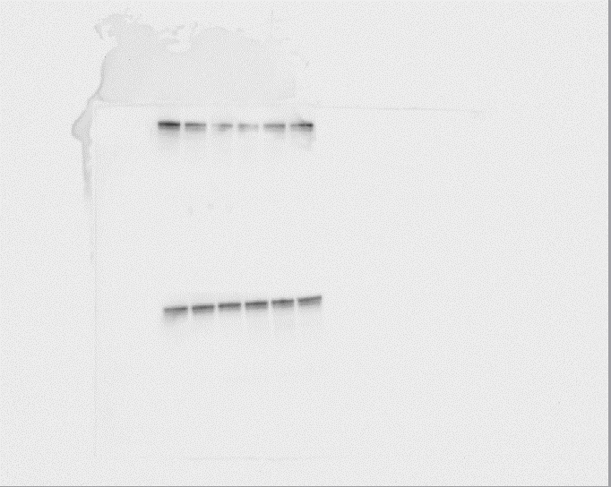
+ HB-EGF
+ HB-EGF
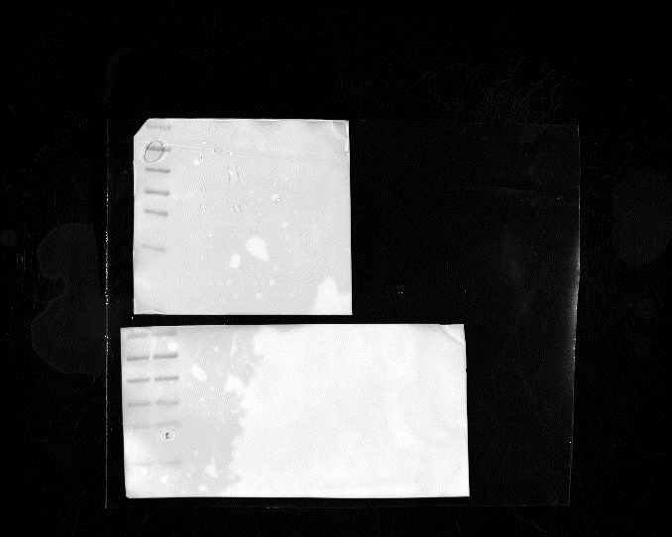
Ctrl
Ctrl
Ctrl
kD
70
kD
70
M
55
55
40
35
40
siDNMT3A
siDNMT3A
siDNMT3A
35
25
siCtrl
siCtrl
siCtrl
15
25
15
kD
70
kD
70
55
40
40
55
35
35
15
25
15
25

 |  |  |  |  |  |  |  |  |  |  |  |  |  |  |  |  |  |  |  |  |  | M: Molecular weight protein standard, PageRuler Prestained Protein Ladder, 10 to 180 kDa (Thermo Scientific)

