Western blots
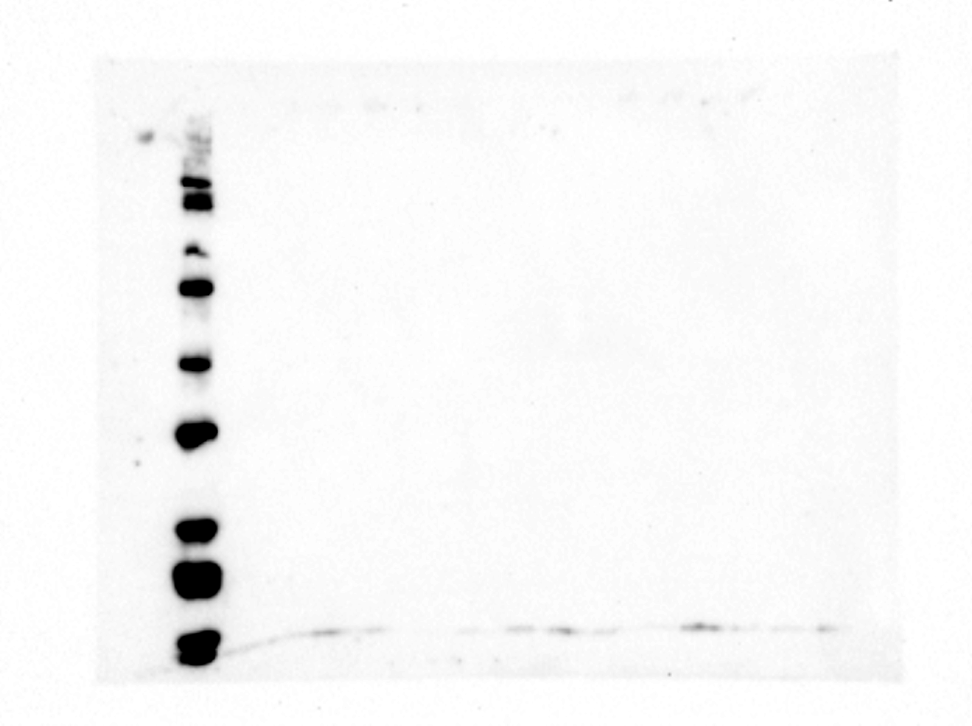

Lane | Sample
1 | Ladder
2 | WT-44C, 0 min
3 | WT-44C, 10 min
4 | WT-44C, 20 min
5 | WT-44C, 30 min
6 | WT-44C, 40 min
7 | WT-44C, 50 min
8 | WT-44C, 60 min
9 | WT-46C, 0 min
10 | WT-46C, 10 min
11 | WT-46C, 20 min
12 | WT-46C, 30 min
13 | WT-46C, 40 min
14 | WT-46C, 50 min
15 | WT-46C, 60 min

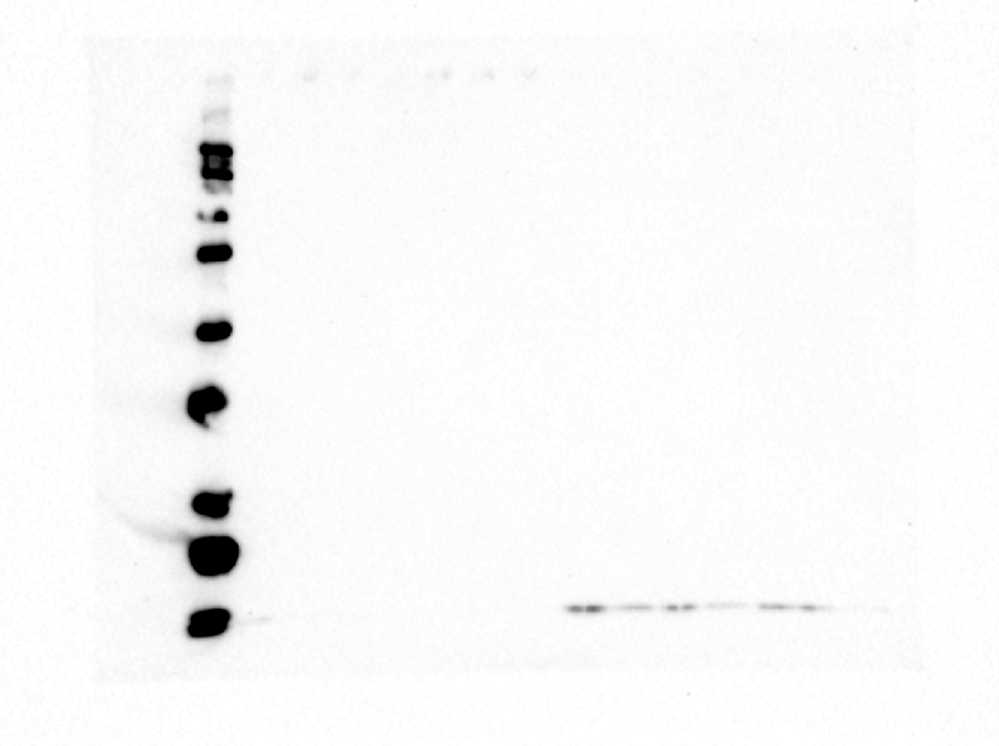
Lane | Sample
1 | Ladder
2 | WT-48C, 0 min
3 | WT-48C, 10 min
4 | WT-48C, 20 min
5 | WT-48C, 30 min
6 | WT-48C, 40 min
7 | WT-48C, 50 min
8 | WT-48C, 60 min
9 | K162E-48C, 0 min
10 | K162E-48C, 10 min
11 | K162E-48C, 20 min
12 | K162E-48C, 30 min
13 | K162E-48C, 40 min
14 | K162E-48C, 50 min
15 | K162E-48C, 60 min


Lane | Sample
1 | Ladder
2 | K162E-50C, 0 min
3 | K162E-50C, 10 min
4 | K162E-50C, 20 min
5 | K162E-50C, 30 min
6 | K162E-50C, 40 min
7 | K162E-50C, 50 min
8 | K162E-50C, 60 min
9 | K162E-52C, 0 min
10 | K162E-52C, 10 min
11 | K162E-52C, 20 min
12 | K162E-52C, 30 min
13 | K162E-52C, 40 min
14 | K162E-52C, 50 min
15 | K162E-52C, 60 min

