SI 3b
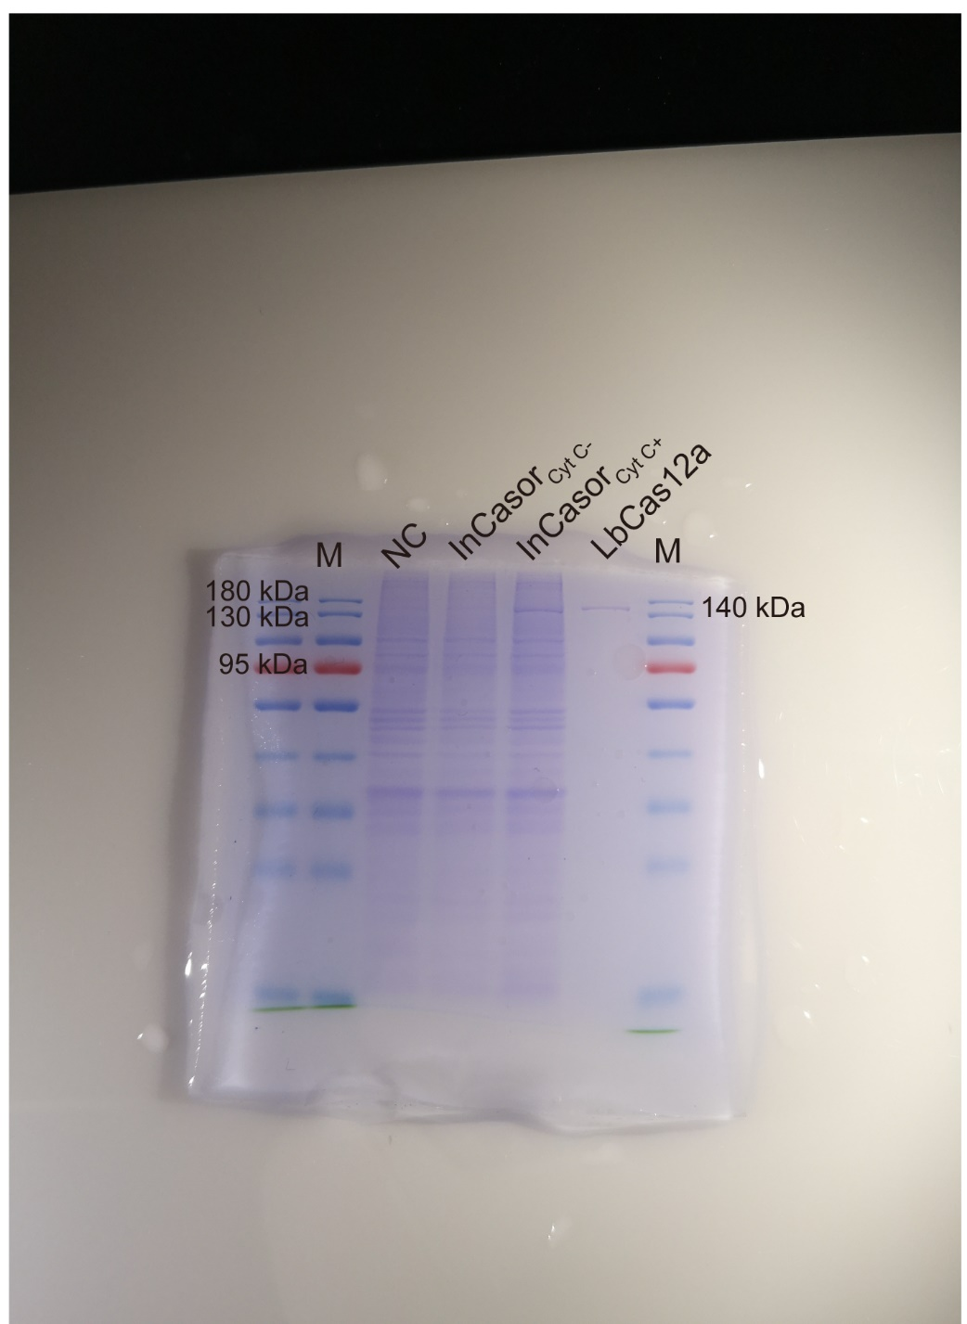
SI 3b | SDS-PAGE gel

SI 7b
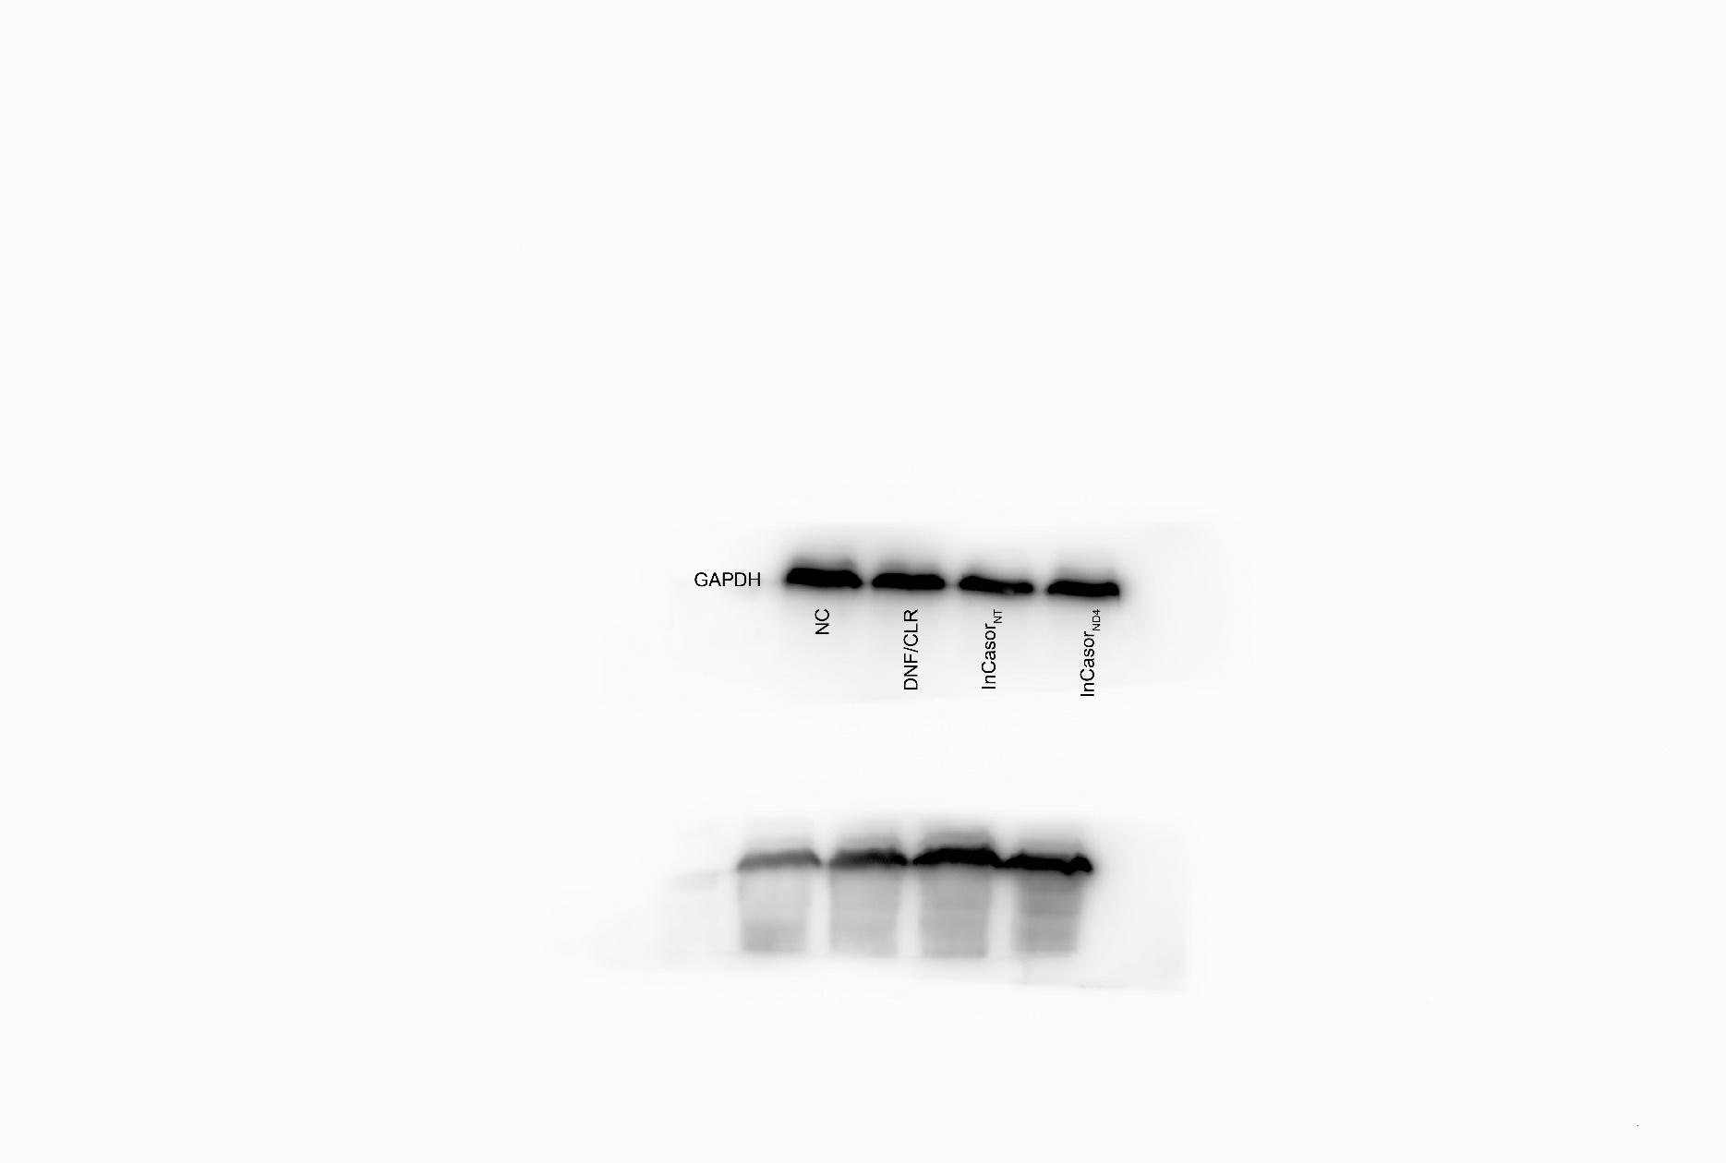
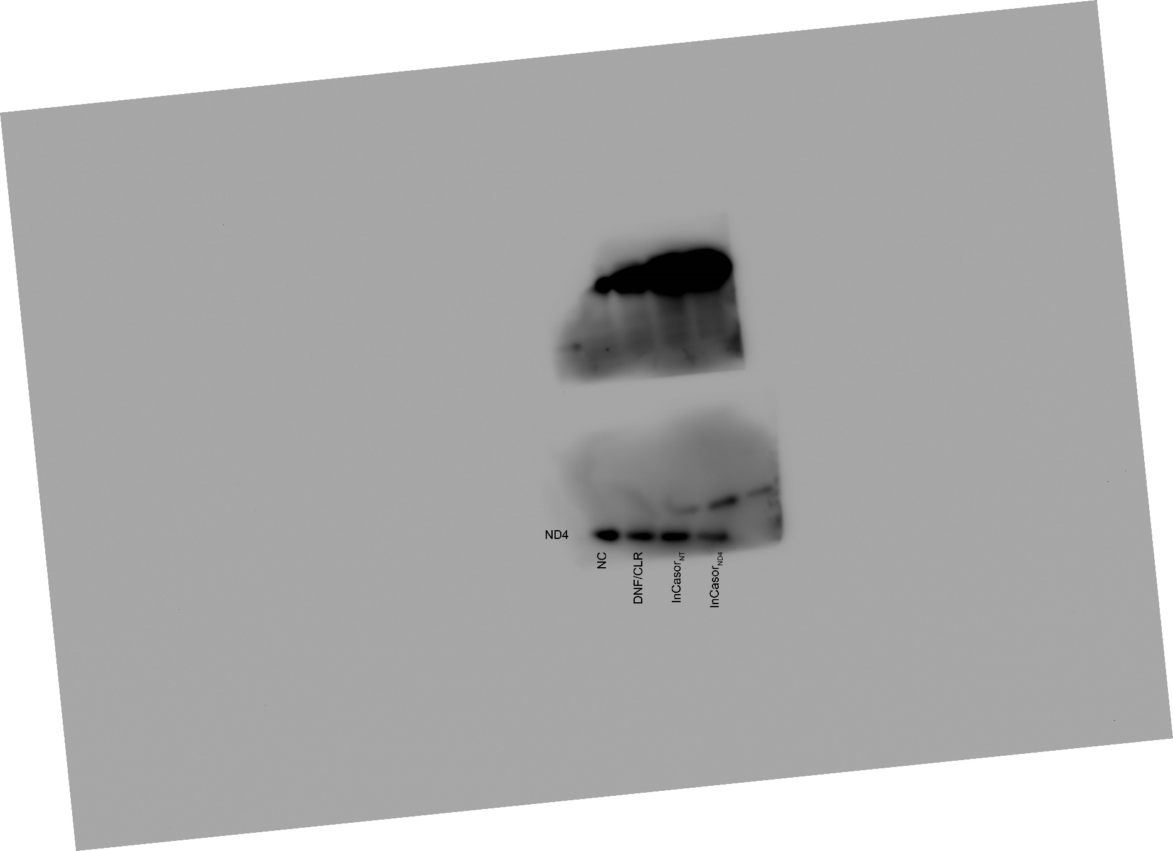
SI 7b | ND4 expression

 | NC | 54.449307368 | 71.210333435 | 52.276739989
 | DNF/CLR | 36.771681669 | 47.143993944 | 38.068359384
 | InCasorNT | 38.780696647 | 48.85051831 | 38.6188846
 | InCasorND4 | 22.552173148 | 26.765759537 | 21.5501475

 | WB

 | GAPDH |  |  |  | ND4

SI 10a
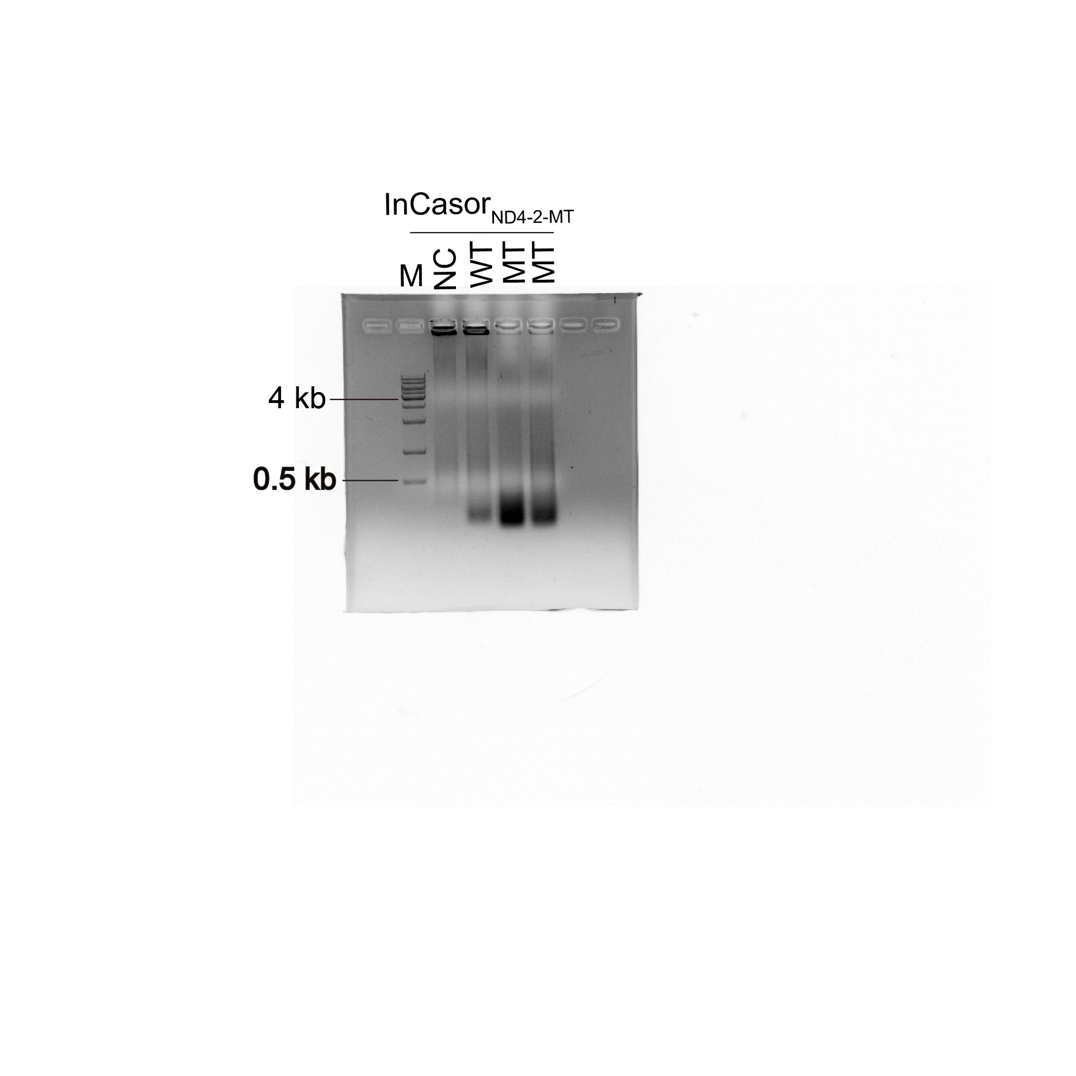
SI 10a | agarose gel

SI 10f
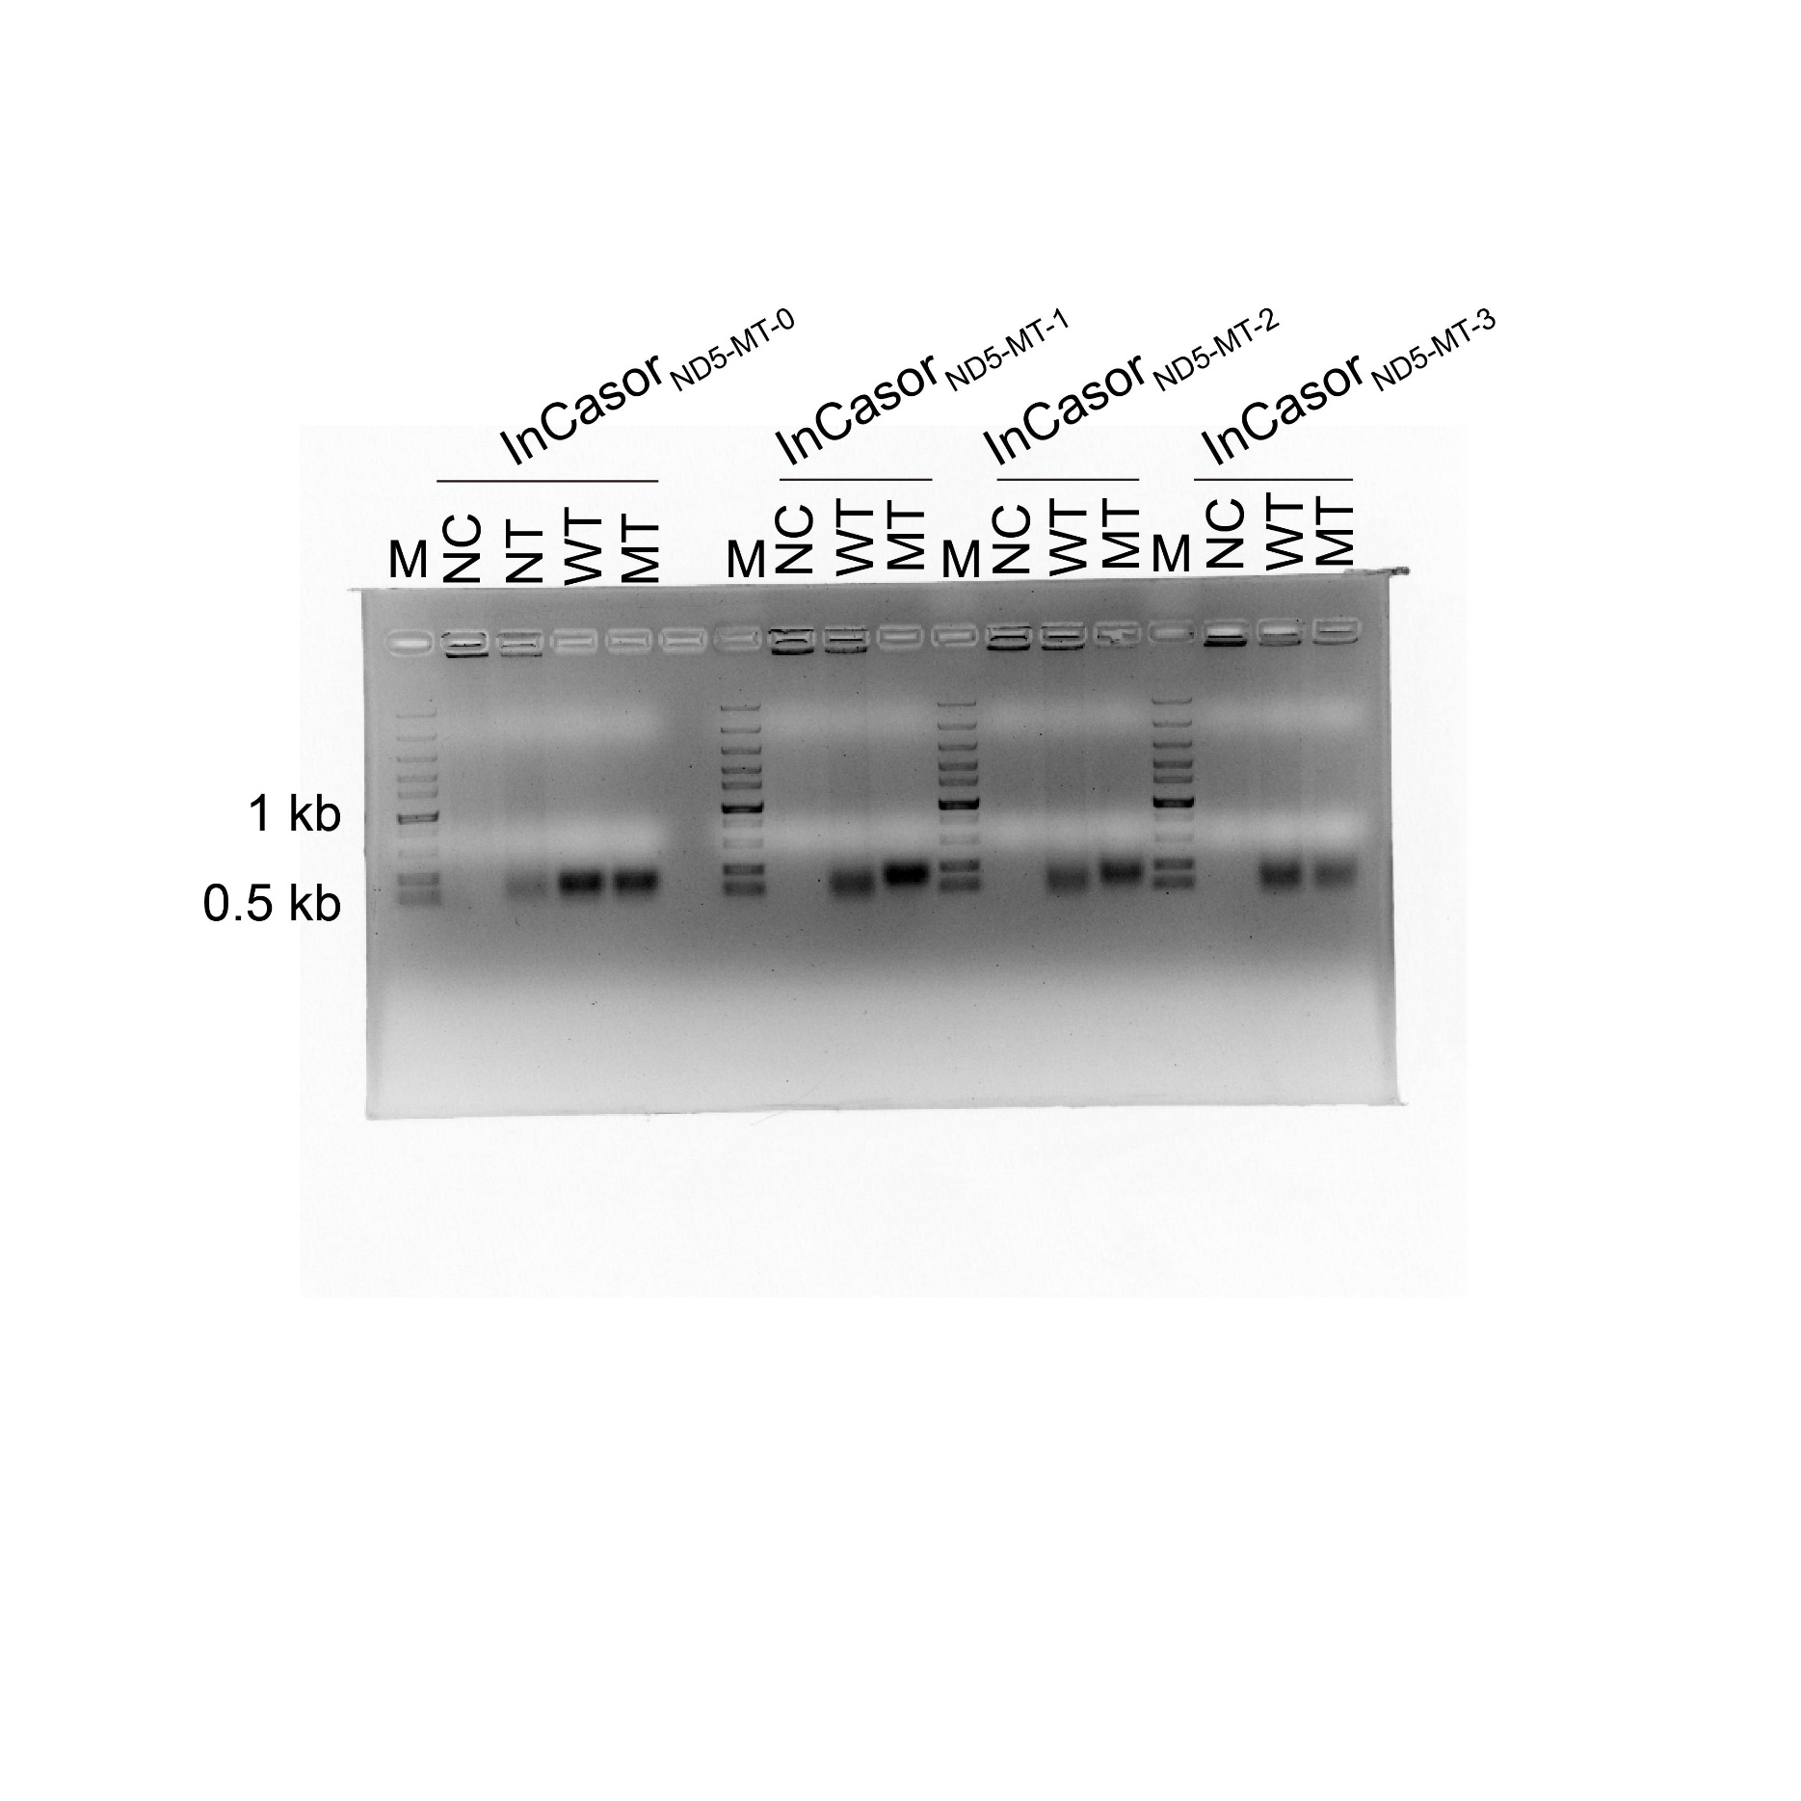
SI 10f | agarose gel

