Figure 1m
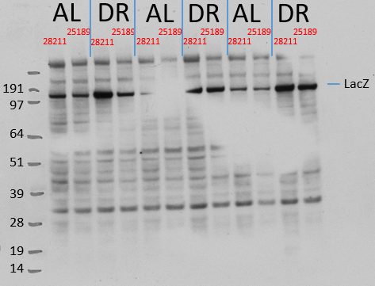
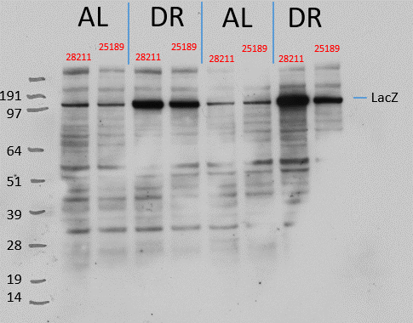
Strain | Condition | Condition | Relative level
28211 cloned vector | AL | LacZ/actin | 1.313731
28212 cloned vector | AL | LacZ/actin | 0.686269
28213 cloned vector | AL | LacZ/actin | 1.709966
28214 cloned vector | AL | LacZ/actin | 0.312279
28215 cloned vector | AL | LacZ/actin | 0.977755
28216 cloned vector | DR | LacZ/actin | 4.206825
28217 cloned vector | DR | LacZ/actin | 2.288811
28218 cloned vector | DR | LacZ/actin | 2.821678
28219 cloned vector | DR | LacZ/actin | 1.534129
28220 cloned vector | DR | LacZ/actin | 3.803772
Promega Z3781
Promega Z3781
25189 cloned vector | AL | LacZ/actin | 0.642819
25190 cloned vector | AL | LacZ/actin | 0.65517
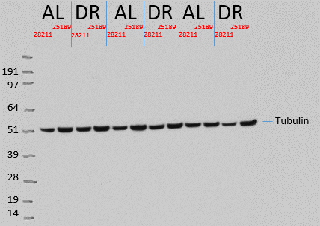
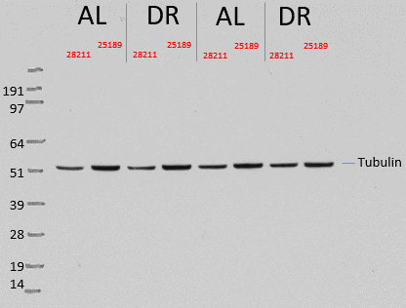
25191 cloned vector | AL | LacZ/actin | 1.057664
25192 cloned vector | AL | LacZ/actin | 0
25193 cloned vector | AL | LacZ/actin | 0.777585
25194 cloned vector | DR | LacZ/actin | 1.797552
25195 cloned vector | DR | LacZ/actin | 1.669262
25196 cloned vector | DR | LacZ/actin | 1.118361
25197 cloned vector | DR | LacZ/actin | 1.805069
25198 cloned vector | DR | LacZ/actin | 1.662676

Sigma-Aldrich T6199
Sigma-Aldrich T6199

Figure 2b
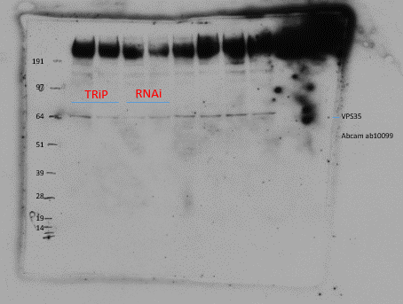
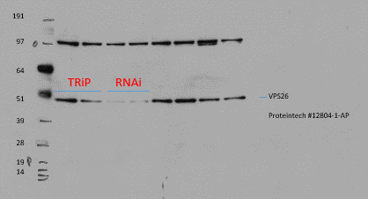
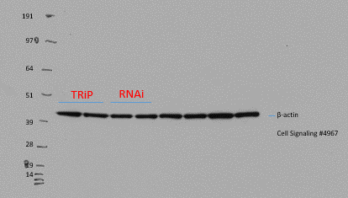
Cross | Condition | Relative level
elav>TRiP control | Vps35/actin | 0.786
elav>TRiP control | Vps35/actin | 0.4144648
elav>TRiP control | Vps35/actin | 1.049295
elav>TRiP control | Vps35/actin | 1.75024
elav>TRiP control | Vps35/actin | 1.087554
elav>TRiP control | Vps35/actin | 1.086819
elav>TRiP control | Vps35/actin | 0.8256266
elav>mtd RNAi | Vps35/actin | 0
elav>mtd RNAi | Vps35/actin | 0
elav>mtd RNAi | Vps35/actin | 0.6083674
elav>mtd RNAi | Vps35/actin | 0.1645912
elav>mtd RNAi | Vps35/actin | 0
elav>mtd RNAi | Vps35/actin | 0
elav>mtd RNAi | Vps35/actin | 0
elav>TRiP control | Vps26/actin | 1
elav>TRiP control | Vps26/actin | 0.6388959
elav>TRiP control | Vps26/actin | 1.085292
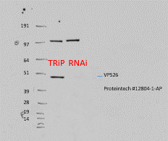
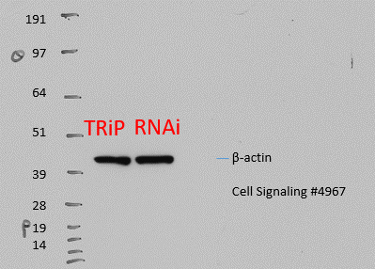
elav>TRiP control | Vps26/actin | 1.275813
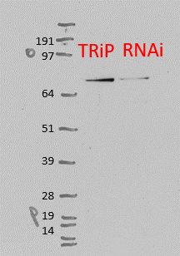
elav>TRiP control | Vps26/actin | 1
elav>mtd RNAi | Vps26/actin | 0.677893
elav>mtd RNAi | Vps26/actin | 0
elav>mtd RNAi | Vps26/actin | 0
elav>mtd RNAi | Vps26/actin | 0
elav>mtd RNAi | Vps26/actin | 0
elav>TRiP control | Vps29/actin | 0.878123
elav>TRiP control | Vps29/actin | 1.098468
elav>TRiP control | Vps29/actin | 1.02341
elav>mtd RNAi | Vps29/actin | 1.002288
elav>mtd RNAi | Vps29/actin | 1.326013
elav>mtd RNAi | Vps29/actin | 1.08824
VPS35
ab10099

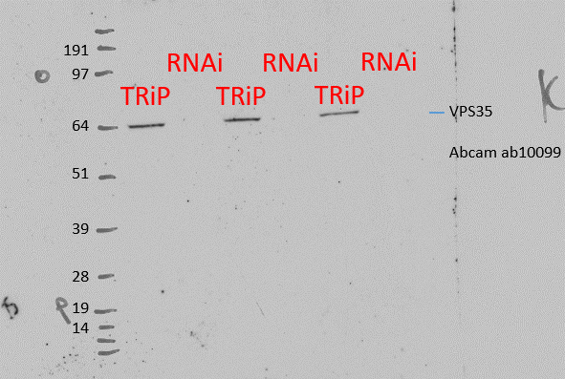
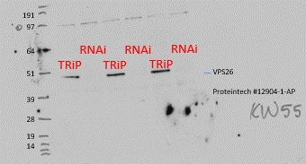
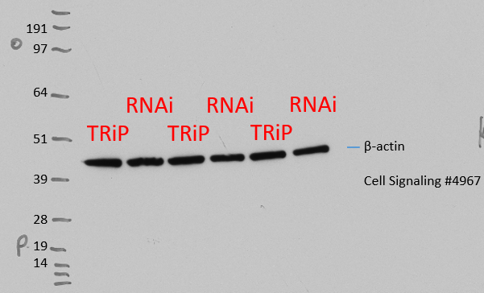
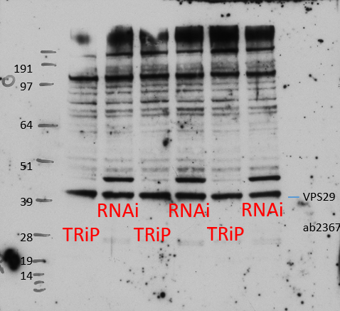

ab236796

Figure 2e
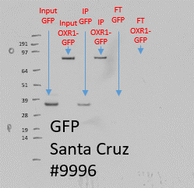
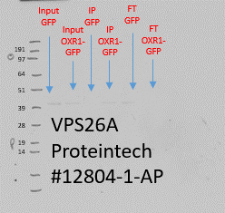
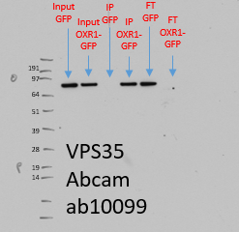

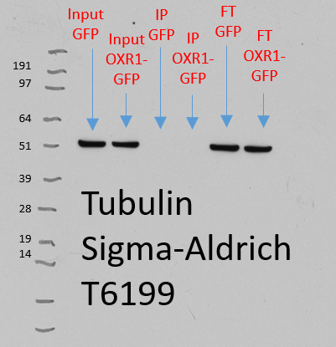
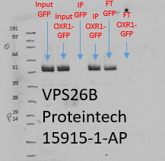

Extended Data Fig. 2a
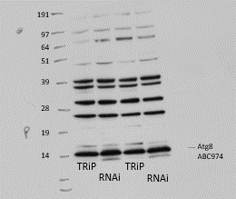
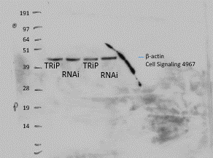
Cross | Condition | Relative level
elav-Gal4>TRiP control | Atg-II/beta-actin | 0
elav-Gal4>TRiP control | Atg-II/beta-actin | 0.073735
elav-Gal4>TRiP control | Atg-II/beta-actin | 0.032
elav-Gal4>mtd RNAi | Atg-II/beta-actin | 0.462186
elav-Gal4>mtd RNAi | Atg-II/beta-actin | 0.336415
elav-Gal4>mtd RNAi | Atg-II/beta-actin | 0.4326

Extended Data Fig. 2c
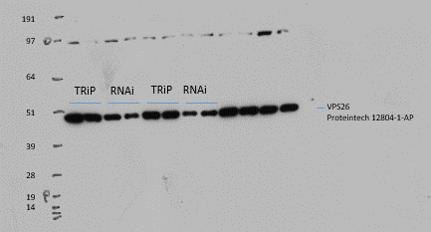
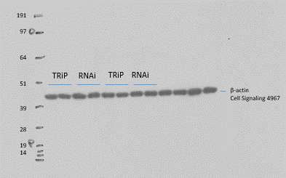
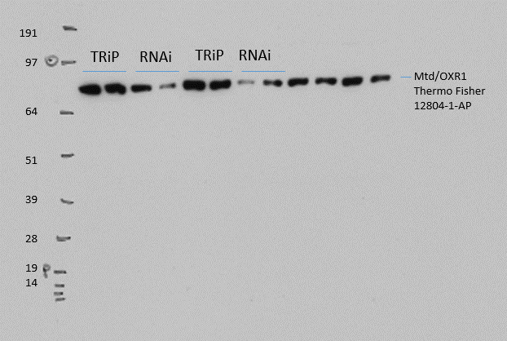
Cross | Condition | Relative level
elav-Gal4>TRiP control | vps26/beta-actin | 1.103146
elav-Gal4>TRiP control | vps26/beta-actin | 0.896854
elav-Gal4>TRiP control | vps26/beta-actin | 0.93
elav-Gal4>tj RNAi | vps26/beta-actin | 0.5485755
elav-Gal4>tj RNAi | vps26/beta-actin | 0.6040288
elav-Gal4>tj RNAi | vps26/beta-actin | 0.5986
elav-Gal4>TRiP control | Mtd/beta-actin | 1.126089
elav-Gal4>TRiP control | Mtd/beta-actin | 0.8739111
elav-Gal4>TRiP control | Mtd/beta-actin | 1.1
elav-Gal4>tj RNAi | Mtd/beta-actin | 0.2554471
elav-Gal4>tj RNAi | Mtd/beta-actin | 0.2568014
elav-Gal4>tj RNAi | Mtd/beta-actin | 0.312

Extended Data Fig. 3e
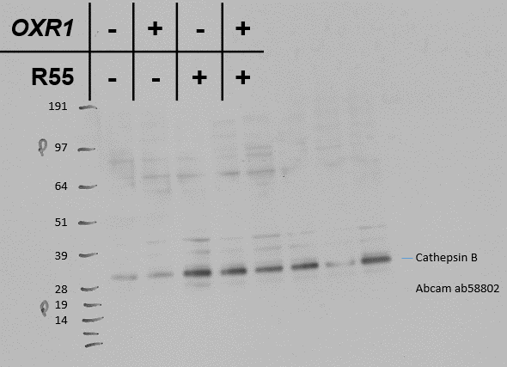
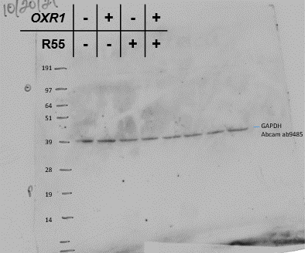
Healthy | DMSO | 1 | 1 | 1 | 1.594124
 | R55 | 1.683047 | 0.911893 | 0.905755 | 2.133093
Mutant | DMSO | 1.589501 | 6.470303 | 2.958905 | 0.56336
 | R55 | 2.169827 | 6.537334 | 3.895054 | 3.056993

Extended Data Fig. 3f
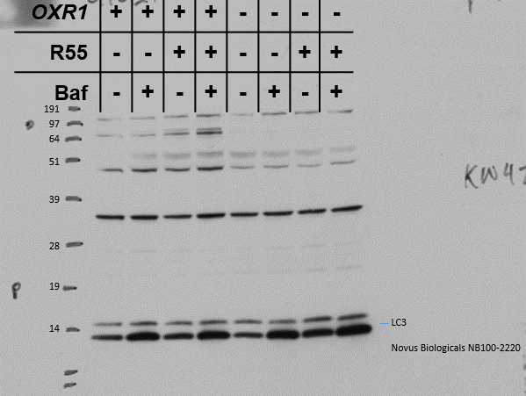
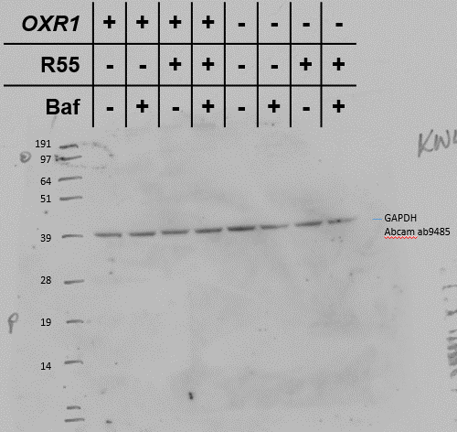
 |  | DMSO |  |  | bafilomycin
Healthy | DMSO | 3.148264 | 2.61251 | 2.762557 | 5.2141 | 4.67 | 4.24757
 | R55 | 3.88 | 4.000351 | 3.715933 | 4.264181 | 3.137789 | 3.8834
Mutant | DMSO | 1.70324 | 1.889002 | 1.83173 | 6.264565 | 5.621 | 6.008493
 | R55 | 4.290691 | 5.157354 | 4.898 | 6.879169 | 5.486203 | 5.9921

