Fig. 4b
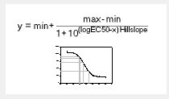
Figure 4b

 | PC1 | Normalized to min and max of fit
Urea [M] | PC1 | PC1
0 | 0 | 0.06
1 | 0.1 | 0.15
2 | 0.25 | 0.29
3 | 0.63 | 0.64
4 | 0.76 | 0.76
6 | 1 | 0.99

