Supp. Fig 12a
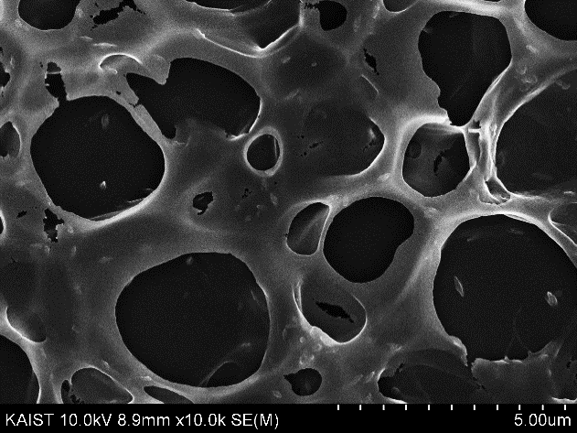
Supp. Fig 12a

