1c
Figure 1c

Top panel: Group 1 HAs

SpectraTM Protein Ladder
scFv_{αMHCII}-H1/H1
scFv_{αMHCII}-H2/H2
scFv_{αMHCII}-H5/H5
scFv_{αMHCII}-H6/H6
scFv_{αMHCII}-H8/H8
scFv_{αMHCII}-H9/H9
scFv_{αMHCII}-H11/H11
scFv_{αMHCII}-H12/H12
scFv_{αMHCII}-H13/H13
scFv_{αMHCII}-H16/H16
scFv_{αMHCII}-H17/H17
scFv_{αMHCII}-H18/H18

kDa

270

185

140

115

80

65
50

40

anti-A/B (2H11)

Bottom panel: Group 2 HAs

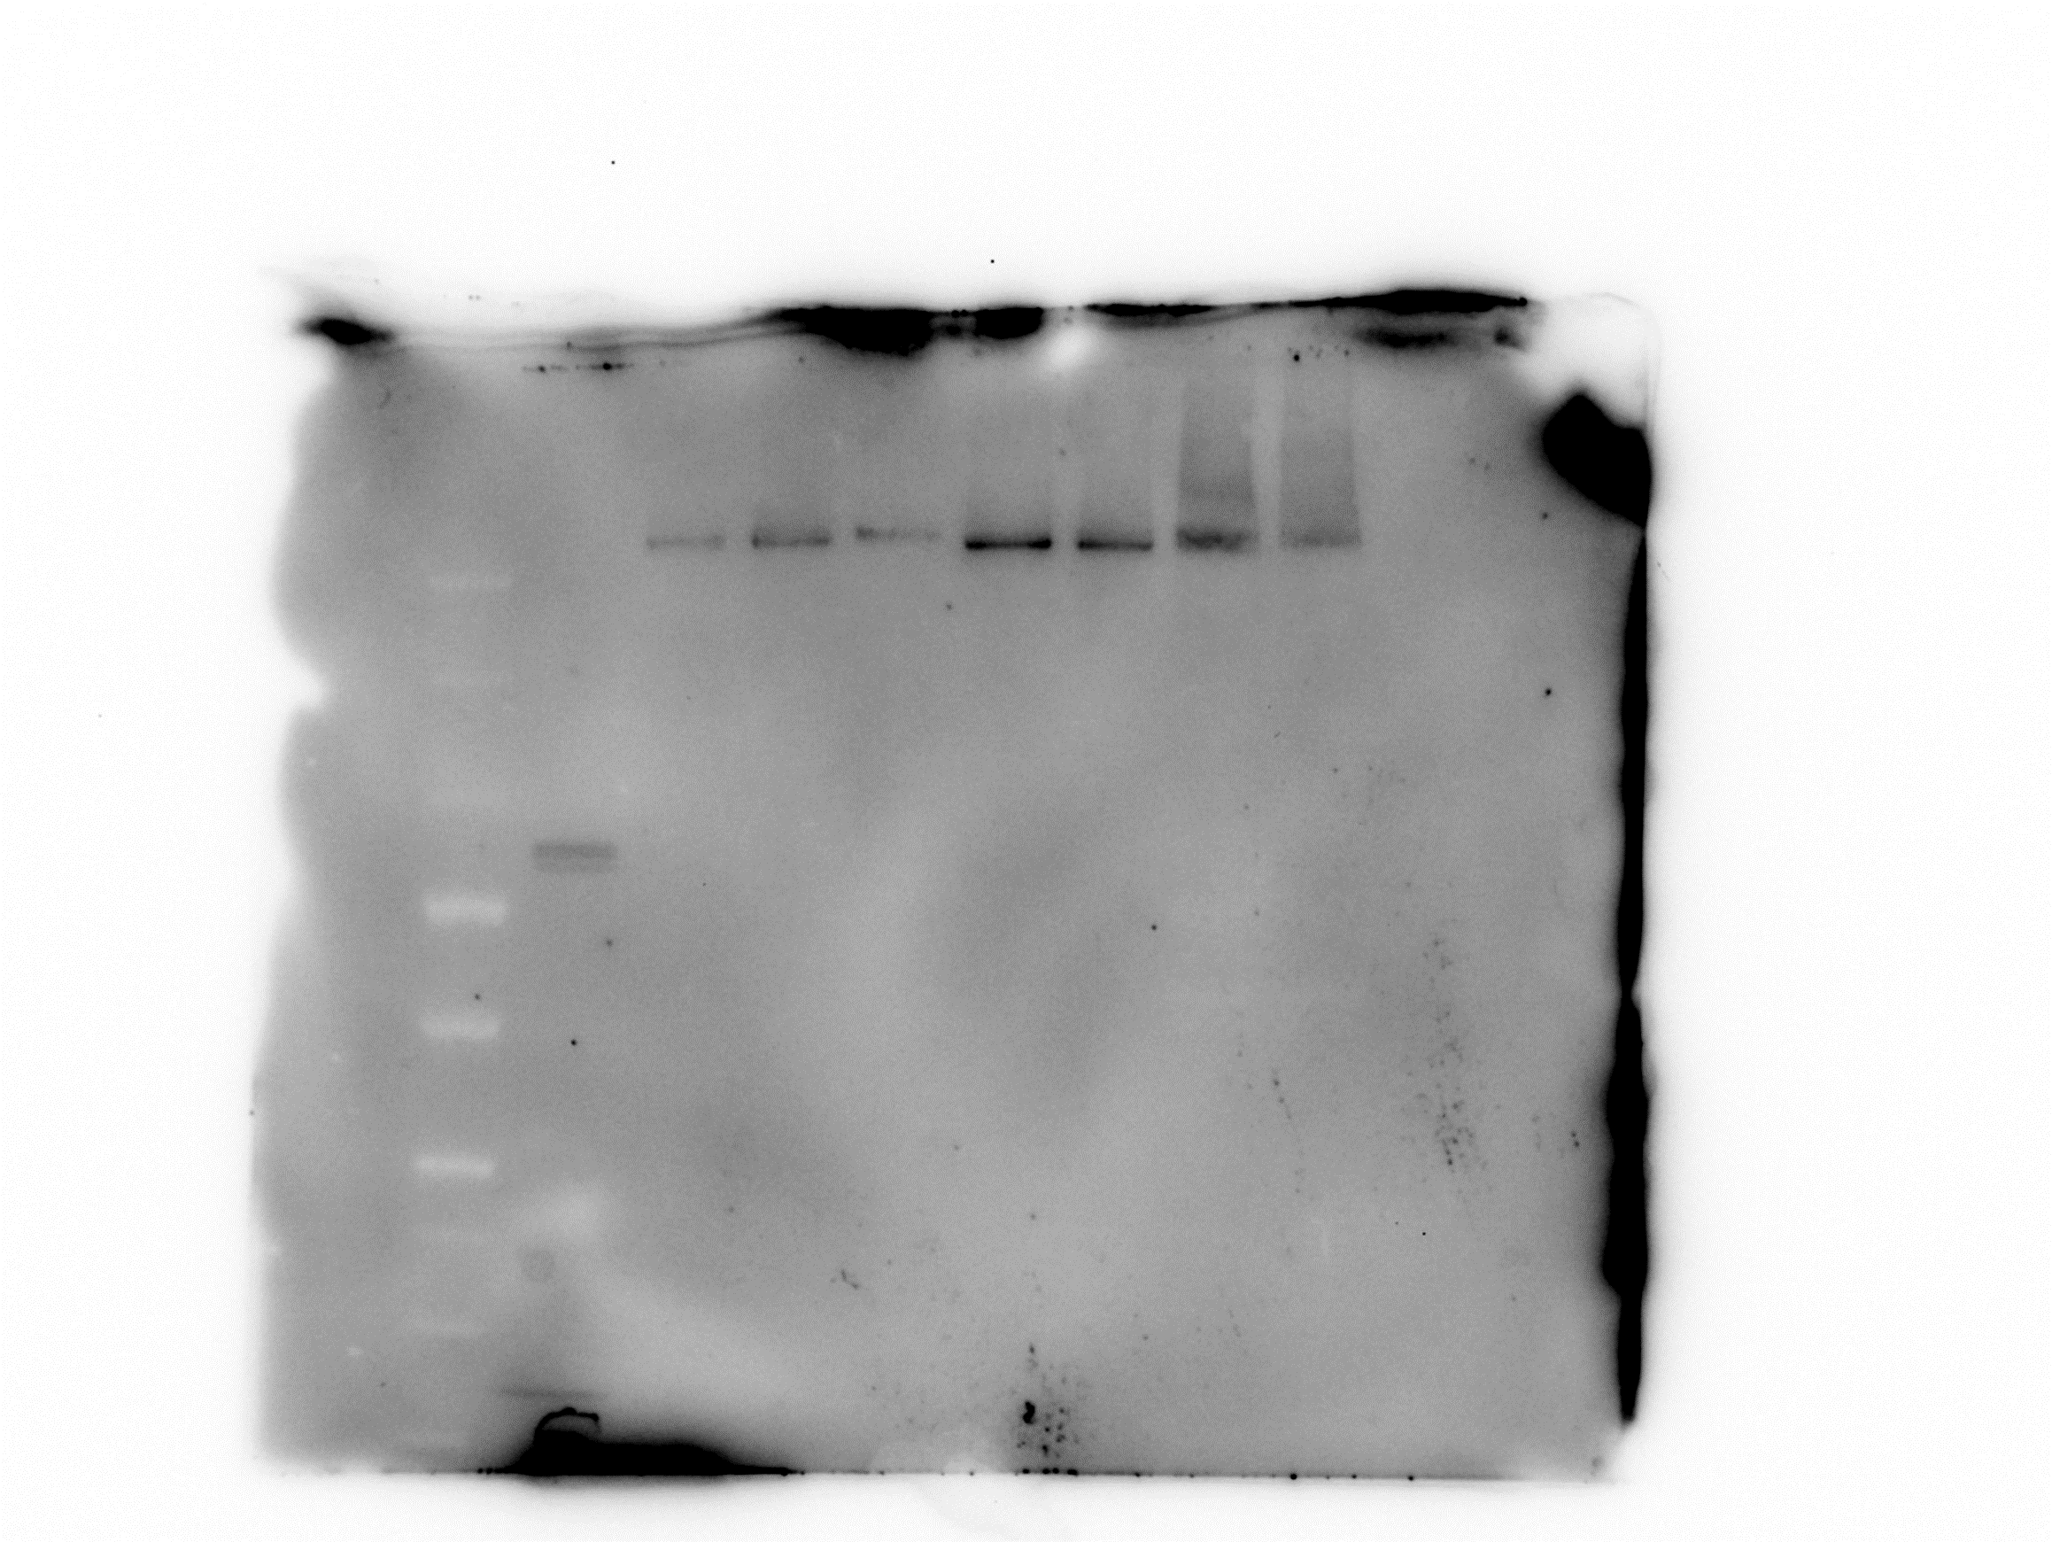

SpectraTM Protein Ladder
Mock transfection (NaCl)
scFv_{αMHCII}-H10/H10
scFv_{αMHCII}-H14/H14
scFv_{αMHCII}-H15/H15
scFv_{αMHCII}-H1/H1
scFv_{αMHCII}-H3/H3
scFv_{αMHCII}-H4/H4
scFv_{αMHCII}-H7/H7

kDa

270

185

140

115

80

65

50

40
anti-A/B (2H11)

Sup.10a
Supplementary Figure 10a

SpectraTM Protein Ladder
scFv^{αMHCII}-group1+2(ΔH1ΔH7)
HiMarkTM Protein Standard
SpectraTM Protein Ladder
scFv^{αMHCII}-group1+2(ΔH1ΔH7)
HiMarkTM Protein Standard
scFv^{αMHCII}-H1/H1
Recombinant H1
scFv^{αMHCII}-H1/H1
Recombinant H1

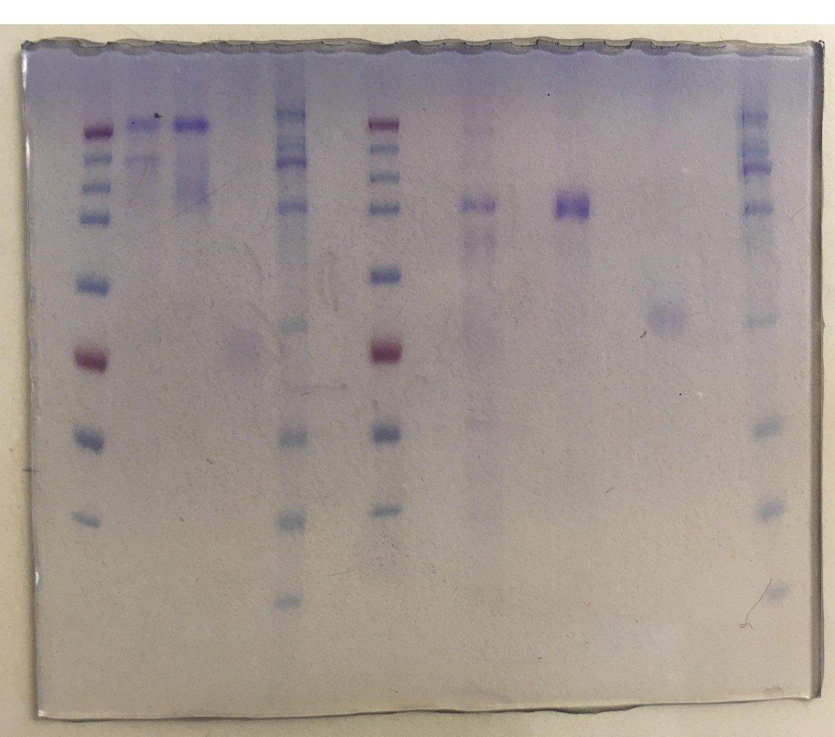

kDa
kDa
460
270

185
171

140
117
115

80

71

65

55
50

40
41

31
non-reduced
reduced

