Fig 1
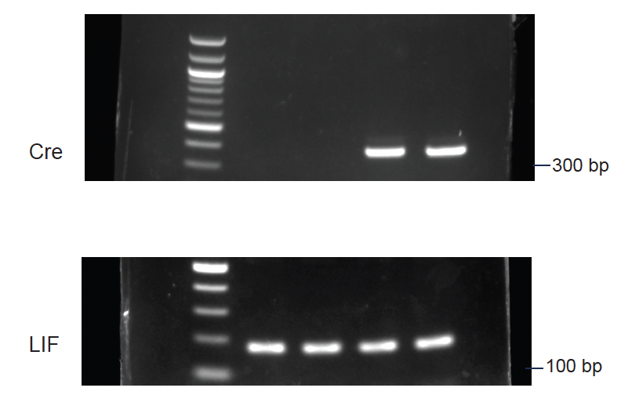
Fig 1B

Fig 1C | TgL | TgLC
 | N.D. | 416.61
 |  | 429.91
 |  | 216.76
 |  | 400.94
 |  | 421.74
 |  | 235.47
 |  | 216.51
 |  | 312.57
 |  | 289.01
 |  | 360.39

Fig 1D | Days | TgL |  |  | TgLC
 |  | Mean | SEM | N | Mean | SEM | N
 | 0 | 1.00 | 0.07 | 6 | 1.00 | 0.05 | 14
 | 1 | 1.00 | 0.07 | 6 | 0.99 | 0.05 | 14
 | 2 | 1.00 | 0.07 | 6 | 0.98 | 0.05 | 14
 | 3 | 1.02 | 0.07 | 6 | 0.95 | 0.04 | 14
 | 4 | 1.03 | 0.07 | 6 | 0.90 | 0.04 | 14
 | 5 | 1.02 | 0.07 | 6 | 0.84 | 0.04 | 14
 | 6 | 1.03 | 0.08 | 6 | 0.78 | 0.03 | 14
 | 7 | 1.04 | 0.08 | 6 | 0.75 | 0.04 | 12
 | 8 | 1.05 | 0.08 | 6 | 0.69 | 0.04 | 12
 | 9 | 1.04 | 0.08 | 6 | 0.67 | 0.05 | 9
 | 10 | 1.04 | 0.08 | 6 | 0.61 | 0.05 | 9

Fig 1E | Fat mass
 | Days | TgL |  |  | TgLC
 |  | Mean | SEM | N | Mean | SEM | N
 | 0 | 2.05 | 0.13 | 10 | 2.06 | 0.15 | 8
 | 2 | 1.99 | 0.07 | 10 | 1.73 | 0.12 | 8
 | 3 | 2.09 | 0.09 | 10 | 1.66 | 0.14 | 8
 | 4 | 2.25 | 0.10 | 10 | 1.40 | 0.10 | 8
 | 5 | 2.29 | 0.11 | 10 | 1.25 | 0.12 | 8
 | 6 | 2.47 | 0.16 | 10 | 0.99 | 0.12 | 8
 | 7 | 2.27 | 0.12 | 10 | 0.79 | 0.15 | 8
 | 8 | 2.36 | 0.15 | 10 | 0.68 | 0.16 | 8
 | 9 | 2.33 | 0.12 | 10 | 0.54 | 0.16 | 8
 | 10 | 2.28 | 0.10 | 10 | 0.44 | 0.13 | 8

 | Lean mass
 | Days | TgL |  |  | TgLC
 |  | Mean | SEM | N | Mean | SEM | N
 | 0 | 20.02 | 0.67 | 10 | 20.19 | 1.00 | 8
 | 2 | 20.11 | 0.79 | 10 | 19.92 | 1.02 | 8
 | 3 | 20.40 | 0.87 | 10 | 19.57 | 1.18 | 8
 | 4 | 20.62 | 0.85 | 10 | 18.89 | 1.07 | 8
 | 5 | 20.62 | 0.75 | 10 | 18.46 | 0.96 | 8
 | 6 | 19.99 | 0.68 | 10 | 17.14 | 1.01 | 8
 | 7 | 20.10 | 0.73 | 10 | 16.35 | 0.89 | 8
 | 8 | 19.99 | 0.74 | 10 | 15.84 | 0.75 | 8
 | 9 | 19.89 | 0.70 | 10 | 15.15 | 0.78 | 8
 | 10 | 19.56 | 0.72 | 10 | 14.60 | 0.73 | 8

 | Weight loss
 | Days | Lean |  |  | Fat
 |  | Mean | SEM | N | Mean | SEM | N
 | 0 | 0.00 | 0.00 | 8 | 0.00 | 0.00 | 8
 | 2 | 0.27 | 0.03 | 8 | 0.34 | 0.04 | 8
 | 3 | 0.61 | 0.20 | 8 | 0.41 | 0.07 | 8
 | 4 | 1.30 | 0.12 | 8 | 0.67 | 0.08 | 8
 | 5 | 1.73 | 0.17 | 8 | 0.81 | 0.13 | 8
 | 6 | 3.05 | 0.24 | 8 | 1.08 | 0.15 | 8
 | 7 | 3.83 | 0.27 | 8 | 1.27 | 0.16 | 8
 | 8 | 4.34 | 0.44 | 8 | 1.38 | 0.19 | 8
 | 9 | 5.04 | 0.41 | 8 | 1.53 | 0.18 | 8
 | 10 | 5.58 | 0.48 | 8 | 1.63 | 0.18 | 8

Fig 1G | Time | TgL |  |  |  |  |  |  |  | TgLC
 | 0 dark | 0.28 | 0.14 | 0.12 | 0.05 |  |  |  |  | 0.12 | 0.10 | 0.29 | 0.06 | 0.32
 | 1 | -0.36 | -0.34 | -0.24 | -0.46 | -0.36 | -0.10 | -0.27 |  | -0.33 | -0.19 | -0.05 | -0.38 | -0.47 | -0.31 | -0.41 | -0.54
 | 1 dark | 0.35 | 0.39 | 0.35 | 0.21 | 0.24 | 0.10 | 0.03 | 0.25 | 0.01 | -0.02 | -0.16 | -0.03 | -0.41 | -0.26 | 0.13 | -0.04 | 0.04 | 0.31
 | 2 | -0.23 | -0.37 | -0.27 | -0.25 | -0.47 | -0.07 | -0.28 |  | -0.36 | -0.18 | -0.01 | -0.09 | -0.40 | -0.19 | -0.36 | -0.45
 | 2 dark | 0.39 | 0.36 | 0.35 | 0.31 | 0.21 | 0.34 | 0.18 | 0.19 | 0.07 | 0.04 | -0.01 | 0.01 | -0.34 | 0.01 | 0.11 | 0.21 | -0.09 | -0.04
 | 3 | -0.24 | -0.31 | -0.25 | -0.20 | -0.17 | -0.05 | -0.24 |  | -0.02 | -0.18 | -0.05 | -0.13 | -0.38 | -0.05 | -0.28 | -0.29
 | 3 dark | 0.23 | 0.43 | 0.33 | 0.36 | 0.25 | 0.25 | 0.07 | 0.33 | 0.14 | 0.10 | -0.09 | -0.23 | -0.14 | -0.11 | -0.05 | -0.13 | 0.09
 | 4 | -0.35 | -0.15 | -0.24 | -0.19 | -0.14 | 0.04 | -0.28 |  | -0.14 | -0.17 | -0.16 | -0.09 | -0.26 | -0.21 | -0.19 | -0.44
 | 4 dark | 0.43 | 0.20 | 0.30 | 0.21 | 0.27 | 0.49 | 0.39 | -0.01 | 0.08 | 0.02 | -0.30 | -0.13 | -0.09 | 0.12 | 0.20 | -0.15 | -0.16 | -0.06
 | 5 | -0.27 | -0.22 | -0.27 | -0.28 | -0.07 | -0.11 | -0.19 |  | -0.04 | -0.17 | -0.27 | -0.11 | -0.22 | -0.19 | -0.11 | -0.32
 | 5 dark | 0.48 | 0.32 | 0.54 | 0.14 | 0.10 | 0.40 | 0.41 | 0.01 | 0.02 | 0.03 | -0.06 | -0.22 | -0.02 | -0.08 | -0.11
 | 6 | -0.24 | -0.21 | -0.18 | -0.23 | -0.35 | -0.02 | -0.17 |  | -0.16 | -0.19 | -0.23 | -0.11 | -0.22 | -0.14 | -0.31
 | 6 dark | 0.39 | 0.19 | 0.09 | 0.42 | 0.34 | 0.53 | 0.26 | 0.15 | 0.09 | -0.16 | -0.17 | -0.17 | -0.12 | -0.09 | -0.14 | -0.20

Fig 1H | Time | TgL |  |  |  |  |  |  |  | TgLC
 | 0 dark | 33.07 | 26.40 | 23.09 | 20.10 | 33.32 | 28.48 |  |  | 26.93 | 28.38 | 19.18 | 20.91 | 25.21 | 32.86
 | 1 | 10.07 | 6.40 | 6.72 | 3.91 | 5.74 | 16.64 | 16.82 |  | 18.59 | 23.85 | 3.88 | 5.12 | 3.88 | 1.55
 | 1 dark | 37.46 | 36.13 | 35.64 | 28.16 | 28.12 | 26.45 | 31.95 |  | 23.93 | 21.74 | 18.46 | 20.58 | 21.17 | 29.64
 | 2 | 10.58 | 10.72 | 8.97 | 7.63 | 13.50 | 15.97 | 9.17 |  | 7.19 | 9.75 | 14.45 | 12.33 | 6.27 | 2.83
 | 2 dark | 37.85 | 35.07 | 36.02 | 32.61 | 39.72 | 38.65 | 31.66 |  | 21.59 | 20.87 | 18.72 | 18.52 | 28.64 | 12.17 | 31.95
 | 3 | 8.45 | 6.50 | 14.19 | 10.81 | 10.11 | 16.73 | 18.11 | 10.72 | 15.12 | 11.30 | 16.23 | 14.38 | 2.53 | 5.11 | 4.53
 | 3 dark | 32.67 | 36.94 | 35.32 | 34.71 | 34.65 | 34.85 | 37.96 |  | 23.15 | 23.01 | 13.30 | 13.20 | 14.95 | 9.35 | 22.39
 | 4 | 8.00 | 11.98 | 10.60 | 10.83 | 10.27 | 17.54 | 11.38 | 13.27 | 9.03 | 17.80 | 15.49 | 11.23 | 5.50 | 6.47 | 7.58
 | 4 dark | 40.62 | 28.79 | 35.21 | 29.18 | 45.93 | 41.39 | 26.87 |  | 20.71 | 21.17 | 10.33 | 20.78 | 10.01 | 7.54 | 20.14
 | 5 | 6.48 | 8.18 | 7.69 | 11.57 | 12.76 | 10.56 | 10.04 | 17.03 | 17.90 | 14.66 | 1.79 | 10.03 | 16.38 | 14.50 | 3.84 | 9.61
 | 5 dark | 42.22 | 32.80 | 42.79 | 32.36 | 43.06 | 46.85 | 25.71 |  | 18.53 | 21.52 | 4.54 | 14.14 | 10.59 | 20.54
 | 6 | 7.85 | 13.50 | 10.56 | 13.74 | 4.04 | 11.77 | 18.50 | 16.36 | 7.60 | 9.02 | 3.71 | 9.69 | 6.64 | 7.11 | 21.83 | 9.73
 | 6 dark | 39.00 | 26.90 | 27.90 | 35.89 | 47.07 | 43.51 | 30.68 |  | 21.94 | 22.53 | 9.55 | 9.41 | 9.37 | 6.66 | 19.11

Fig 1I | Time | TgL |  |  |  |  |  |  |  | TgLC
 | 0 dark | 22.91 | 21.63 | 24.16 | 24.89 | 19.18 | 28.19 | 26.57 | 23.67 | 22.68 | 20.29 | 24.14 | 22.89 | 22.91 | 23.61 | 23.33
 | 1 | 21.29 | 17.90 | 19.48 | 17.12 | 14.78 | 19.64 | 20.36 | 21.47 | 16.75 | 22.36 | 17.95 | 17.54 | 15.41 | 15.65 | 21.51 | 21.44 | 18.49 | 19.31
 | 1 dark | 24.40 | 23.05 | 23.92 | 21.26 | 18.64 | 23.76 | 25.32 | 23.17 | 23.56 | 19.11 | 19.54 | 14.51 | 18.01 | 21.94 | 19.86
 | 2 | 18.89 | 16.93 | 18.05 | 16.19 | 15.01 | 18.06 | 18.70 | 19.40 | 17.35 | 16.80 | 14.98 | 15.72 | 15.11 | 13.11 | 16.41 | 15.87 | 14.14 | 15.69
 | 2 dark | 23.63 | 22.92 | 24.27 | 22.25 | 18.72 | 25.19 | 25.20 | 25.18 | 18.98 | 15.98 | 18.38 | 11.98 | 18.25 | 19.20 | 14.44
 | 3 | 17.15 | 16.93 | 19.21 | 17.31 | 15.08 | 18.99 | 20.22 | 19.17 | 15.97 | 15.36 | 14.24 | 15.68 | 10.83 | 13.59 | 16.22 | 14.27 | 12.92 | 14.41
 | 3 dark | 24.31 | 22.71 | 24.24 | 22.71 | 18.26 | 24.70 | 26.50 | 26.31 | 17.41 | 16.07 | 16.49 | 8.64 | 17.96 | 16.27 | 12.92
 | 4 | 16.90 | 17.00 | 18.98 | 17.24 | 14.59 | 19.34 | 19.14 | 23.19 | 15.36 | 16.02 | 14.28 | 15.01 | 14.73 | 15.20 | 14.68 | 12.03 | 13.79
 | 4 dark | 24.69 | 22.28 | 24.96 | 22.10 | 19.02 | 25.37 | 26.30 | 27.09 | 17.03 | 15.97 | 15.63 | 16.46 | 16.06 | 12.35
 | 5 | 16.52 | 15.79 | 17.55 | 16.80 | 14.80 | 19.49 | 19.76 | 23.51 | 15.90 | 16.70 | 13.28 | 14.62 | 13.95 | 16.09 | 15.03 | 12.22 | 14.56
 | 5 dark | 24.46 | 22.13 | 24.61 | 21.91 | 19.55 | 26.09 | 26.38 | 25.52 | 17.45 | 15.75 | 13.65 | 15.02 | 15.53 | 12.63
 | 6 | 16.68 | 15.92 | 17.42 | 17.64 | 14.82 | 18.67 | 19.17 | 22.44 | 15.52 | 17.22 | 13.47 | 14.36 | 13.31 | 18.26 | 14.24 | 11.89
 | 6 dark | 24.58 | 20.40 | 24.73 | 21.92 | 19.11 | 24.69 | 26.49 | 25.62 | 17.50 | 14.53 | 13.14 | 13.91 | 11.57

Fig 1J | Time | TgL |  |  |  |  |  |  |  | TgLC
 | 0 dark | 4614.33 | 4402.57 | 4919.00 | 5097.77 | 3983.53 | 6428.63 | 6031.09 | 4891.01 | 4591.67 | 5036.11 | 3763.36 | 5114.92 | 4725.83 | 4876.21 | 5732.11 | 5438.26 | 5306.04
 | 1 | 3970.32 | 3426.69 | 3499.70 | 3438.60 | 3091.81 | 4118.76 | 4153.87 |  | 3468.87 | 3786.65 | 3633.46 | 3414.49 | 3031.50 | 3283.40 | 4577.04 | 4147.40 | 3541.24 | 3456.42
 | 1 dark | 4881.74 | 4639.38 | 4800.34 | 4304.91 | 3762.50 | 4788.96 | 5105.19 | 4633.68 | 4779.10 | 4610.08 | 3906.45 | 3991.67 | 3036.81 | 3743.10 | 4162.47 | 4469.18 | 4039.30
 | 2 | 3830.88 | 3434.71 | 3683.13 | 3260.68 | 3094.64 | 3777.45 | 3939.78 |  | 3376.60 | 3460.81 | 3045.07 | 3215.54 | 3139.10 | 2732.34 | 3345.75 | 3228.12 | 2909.89 | 3194.47
 | 2 dark | 4702.03 | 4592.06 | 4866.29 | 4436.69 | 3771.10 | 5018.80 | 5038.80 | 5005.35 | 3817.89 | 3905.06 | 3224.36 | 3745.51 | 2500.29 | 3757.87 | 3753.38 | 3847.58 | 2958.18
 | 3 | 3483.07 | 3491.04 | 3893.35 | 3526.88 | 3081.56 | 4091.10 | 3894.17 |  | 3254.25 | 3165.22 | 2887.92 | 3204.47 | 2260.07 | 2824.09 | 3297.84 | 2940.39 | 2653.10 | 2922.26
 | 3 dark | 4846.71 | 4537.26 | 4853.83 | 4546.97 | 3671.82 | 4787.12 | 5329.89 | 5215.72 | 3491.69 | 3798.19 | 3232.01 | 3369.12 | 3709.28 | 3822.63 | 3292.84 | 2644.35
 | 4 | 3446.77 | 3457.78 | 3857.66 | 3508.51 | 2984.35 | 3893.75 | 4746.53 |  | 3136.42 | 3279.55 | 2916.17 | 3092.08 | 3047.08 | 3099.49 | 3029.32 | 2470.99 | 3236.85
 | 4 dark | 4896.13 | 4493.78 | 5003.54 | 4435.09 | 3803.30 | 5042.99 | 5289.70 | 5489.28 | 3424.11 | 4069.40 | 3215.42 | 3218.57 | 3340.57 | 4086.87 | 3269.37 | 2533.94
 | 5 | 3381.78 | 3204.80 | 3567.00 | 3403.64 | 2974.15 | 4020.84 | 4825.65 |  | 3238.67 | 3400.48 | 2722.24 | 3023.72 | 2845.75 | 3287.33 | 3071.89 | 2527.33 | 3420.99
 | 5 dark | 4851.44 | 4433.25 | 4927.34 | 4371.09 | 3913.48 | 5188.98 | 5316.65 | 5169.87 | 3514.45 | 4177.12 | 3177.17 | 2821.33 | 3047.87 | 4492.76 | 3107.74 | 2570.13
 | 6 | 3392.24 | 3244.23 | 3530.16 | 3565.73 | 3007.62 | 3880.93 | 4589.68 |  | 3186.80 | 3514.57 | 2769.93 | 2953.51 | 2767.61 | 3608.01 | 2912.84 | 2414.37 | 3597.14
 | 6 dark | 4883.27 | 4114.20 | 4964.72 | 4384.75 | 3823.37 | 4910.39 | 5332.81 | 5149.10 | 3527.96 | 4425.12 | 2959.15 | 1549.32 | 3036.19 | 4907.95 | 2821.10 | 2342.78

Fig 1K | Time | TgL |  |  |  |  |  |  |  |  |  |  |  | TgLC
 | 0 dark | 4276.50 | 3969.24 | 4314.22 | 4339.49 | 3378.11 | 3945.44 |  |  | 4140.70 | 4471.42 | 3352.32 | 4422.57 | 3782.35
 | 1 | 3352.85 | 2840.48 | 2895.13 | 2953.92 | 2347.94 | 3737.53 |  |  | 2952.59 | 3961.02 | 3281.60 | 2829.72 | 2452.40 | 2893.30 | 2615.07 | 2261.00 | 3439.46
 | 1 dark | 4666.35 | 4305.08 | 4522.24 | 3886.31 | 3444.43 | 4941.60 | 4703.36 | 4440.11 | 4270.18 | 4077.98 | 3362.90 | 3441.69 | 3269.76 | 3913.90 | 3564.97
 | 2 | 3430.85 | 3071.06 | 3198.63 | 3017.90 | 2545.62 | 3165.33 | 3443.15 | 3498.12 | 3090.82 | 2858.57 | 2692.95 | 2751.28 | 2119.82 | 2912.94 | 2836.32 | 2414.15 | 2799.56
 | 2 dark | 4611.19 | 4356.12 | 4602.30 | 4305.92 | 3486.59 | 4893.32 | 4831.39 | 4930.05 | 3560.26 | 3453.79 | 2962.06 | 3276.54 | 3107.76 | 3653.97 | 2516.15
 | 3 | 3090.98 | 2871.87 | 3499.12 | 3088.05 | 2656.36 | 3432.56 | 3703.89 | 3458.92 | 2846.86 | 2606.94 | 2586.89 | 2759.54 | 2223.14 | 2912.01 | 2418.04 | 2227.75 | 2617.77
 | 3 dark | 4711.50 | 4362.89 | 4618.54 | 4332.54 | 3422.34 | 4611.59 | 4965.71 | 5199.71 | 3296.61 | 3498.30 | 3015.50 | 2903.26 | 3021.60 | 2974.91 | 2257.83
 | 4 | 2998.88 | 3048.93 | 3418.55 | 3083.65 | 2556.79 | 3568.05 | 3434.51 | 4051.77 | 2710.18 | 2797.66 | 2519.15 | 2549.71 | 2269.16 | 2956.34 | 2466.14 | 2070.28 | 2823.36
 | 4 dark | 4881.80 | 4135.22 | 4740.21 | 4180.52 | 3642.17 | 4970.30 | 4931.81 | 4936.76 | 3199.79 | 3817.44 | 2984.97 | 2667.30 | 2980.30 | 2871.15 | 2135.88
 | 5 | 2882.85 | 2857.11 | 3157.64 | 3057.25 | 2782.18 | 3484.74 | 3539.76 | 4065.99 | 2753.48 | 2800.49 | 2310.19 | 2445.94 | 2359.01 | 3089.40 | 2629.73 | 2038.72 | 2967.51
 | 5 dark | 4831.43 | 4208.18 | 4694.16 | 4231.45 | 3733.55 | 5099.27 | 4902.73 | 4648.66 | 3250.30 | 3976.80 | 2919.20 | 2286.91 | 2723.69 | 2971.27 | 2259.40
 | 6 | 2995.26 | 2836.33 | 3175.43 | 3245.23 | 2681.20 | 3352.83 | 3499.76 | 3933.85 | 2678.55 | 2945.96 | 2406.23 | 2457.58 | 2414.96 | 3197.72 | 2488.54 | 2145.78 | 3180.99
 | 6 dark | 4827.06 | 3788.67 | 4669.67 | 4191.00 | 3652.18 | 4822.30 | 4951.66 | 4819.72 | 3251.60 | 4141.02 | 2921.21 | 2270.39 | 2693.91 | 2521.47 | 2109.27

Fig 1L | Time | TgL |  |  |  |  |  |  |  | TgLC
 | 0 dark | 0.92 | 0.88 | 0.87 | 0.85 |  |  |  |  | 0.89 | 0.88 | 0.84 | 0.86
 | 1 | 0.86 | 0.81 | 0.84 | 0.79 | 0.76 | 0.87 |  |  | 0.79 | 0.86 | 0.90 | 0.77 | 0.79 | 0.74 | 0.87
 | 1 dark | 0.95 | 0.92 | 0.94 | 0.90 | 0.91 | 0.92 | 0.92 | 0.95 | 0.89 | 0.88 | 0.86 | 0.86 | 0.87 | 0.88
 | 2 | 0.89 | 0.89 | 0.86 | 0.92 | 0.82 | 0.85 | 0.90 | 0.88 | 0.87 | 0.83 | 0.88 | 0.85 | 0.77 | 0.77 | 0.87 | 0.88 | 0.83 | 0.87
 | 2 dark | 0.98 | 0.94 | 0.94 | 0.97 | 0.92 | 0.97 | 0.95 | 0.98 | 0.92 | 0.88 | 0.91 | 0.87 | 0.82 | 0.95 | 0.85
 | 3 | 0.88 | 0.81 | 0.89 | 0.87 | 0.86 | 0.89 | 0.90 | 0.88 | 0.87 | 0.82 | 0.90 | 0.86 | 0.76 | 0.78 | 0.88 | 0.82 | 0.84 | 0.89
 | 3 dark | 0.97 | 0.96 | 0.95 | 0.95 | 0.93 | 0.96 | 0.93 | 0.99 | 0.94 | 0.92 | 0.93 | 0.86 | 0.81 | 0.90 | 0.85
 | 4 | 0.86 | 0.88 | 0.88 | 0.87 | 0.85 | 0.91 | 0.87 | 0.84 | 0.86 | 0.85 | 0.86 | 0.82 | 0.73 | 0.81 | 0.86 | 0.81 | 0.84 | 0.90
 | 4 dark | 0.99 | 0.92 | 0.94 | 0.93 | 0.95 | 0.98 | 0.93 | 0.92 | 0.93 | 0.93 | 0.93 | 0.83 | 0.89 | 0.86 | 0.84
 | 5 | 0.85 | 0.89 | 0.88 | 0.89 | 0.93 | 0.87 | 0.87 | 0.84 | 0.87 | 0.88 | 0.85 | 0.81 | 0.97 | 0.86 | 0.89 | 0.85 | 0.80 | 0.86
 | 5 dark | 0.99 | 0.95 | 0.95 | 0.96 | 0.95 | 0.98 | 0.92 | 0.91 | 0.92 | 0.95 | 0.91 | 0.81 | 0.88 | 0.95 | 0.88
 | 6 | 0.88 | 0.87 | 0.89 | 0.90 | 0.89 | 0.88 | 0.90 | 0.85 | 0.84 | 0.87 | 0.83 | 0.83 | 0.79 | 0.86 | 0.86 | 0.88 | 0.89
 | 6 dark | 0.99 | 0.92 | 0.93 | 0.95 | 0.95 | 0.98 | 0.93 | 0.93 | 0.92 | 0.96 | 0.86 | 0.78 | 0.79 | 0.88 | 0.89

 | Days | TgL |  |  | TgLC
 |  | Mean | SEM | N | Mean | SEM | N
 | 3 day light | 0.92 | 0.02 | 8 | 0.83 | 0.01 | 10
 |  | 0.91 | 0.02 | 8 | 0.82 | 0.01 | 10
 |  | 0.89 | 0.02 | 8 | 0.81 | 0.01 | 10
 |  | 0.87 | 0.01 | 8 | 0.82 | 0.01 | 10
 |  | 0.88 | 0.01 | 8 | 0.83 | 0.02 | 10
 |  | 0.85 | 0.02 | 8 | 0.85 | 0.02 | 10
 |  | 0.84 | 0.02 | 8 | 0.85 | 0.02 | 10
 |  | 0.84 | 0.01 | 8 | 0.85 | 0.02 | 10
 |  | 0.84 | 0.01 | 8 | 0.85 | 0.02 | 10
 |  | 0.83 | 0.02 | 8 | 0.86 | 0.02 | 10
 |  | 0.87 | 0.01 | 8 | 0.86 | 0.02 | 10
 |  | 0.90 | 0.01 | 8 | 0.88 | 0.02 | 10
 | 3 day dark | 0.95 | 0.01 | 8 | 0.87 | 0.02 | 7
 |  | 0.97 | 0.01 | 8 | 0.87 | 0.03 | 7
 |  | 0.96 | 0.01 | 8 | 0.90 | 0.03 | 7
 |  | 0.96 | 0.01 | 8 | 0.91 | 0.03 | 7
 |  | 0.96 | 0.01 | 8 | 0.91 | 0.02 | 7
 |  | 0.96 | 0.01 | 8 | 0.92 | 0.02 | 7
 |  | 0.97 | 0.01 | 8 | 0.91 | 0.02 | 7
 |  | 0.96 | 0.01 | 8 | 0.89 | 0.02 | 7
 |  | 0.95 | 0.01 | 8 | 0.90 | 0.01 | 7
 |  | 0.95 | 0.01 | 8 | 0.88 | 0.01 | 7
 |  | 0.92 | 0.01 | 8 | 0.85 | 0.02 | 7
 |  | 0.93 | 0.01 | 8 | 0.85 | 0.01 | 7
 | 4 day light | 0.94 | 0.01 | 8 | 0.83 | 0.01 | 10
 |  | 0.92 | 0.02 | 8 | 0.81 | 0.01 | 10
 |  | 0.88 | 0.01 | 8 | 0.81 | 0.01 | 10
 |  | 0.86 | 0.01 | 8 | 0.82 | 0.02 | 10
 |  | 0.85 | 0.01 | 8 | 0.82 | 0.01 | 10
 |  | 0.85 | 0.02 | 8 | 0.84 | 0.02 | 10
 |  | 0.85 | 0.02 | 8 | 0.84 | 0.02 | 10
 |  | 0.84 | 0.01 | 8 | 0.84 | 0.02 | 10
 |  | 0.84 | 0.01 | 8 | 0.85 | 0.01 | 10
 |  | 0.84 | 0.01 | 8 | 0.85 | 0.02 | 10
 |  | 0.88 | 0.02 | 8 | 0.86 | 0.02 | 10
 |  | 0.90 | 0.01 | 8 | 0.87 | 0.02 | 10
 | 4 day dark | 0.95 | 0.01 | 8 | 0.89 | 0.02 | 7
 |  | 0.96 | 0.01 | 8 | 0.90 | 0.02 | 7
 |  | 0.95 | 0.01 | 8 | 0.91 | 0.02 | 7
 |  | 0.96 | 0.01 | 8 | 0.91 | 0.02 | 7
 |  | 0.96 | 0.01 | 8 | 0.93 | 0.02 | 7
 |  | 0.96 | 0.01 | 8 | 0.91 | 0.02 | 7
 |  | 0.96 | 0.01 | 8 | 0.88 | 0.02 | 7
 |  | 0.96 | 0.01 | 8 | 0.89 | 0.02 | 7
 |  | 0.94 | 0.02 | 8 | 0.88 | 0.02 | 7
 |  | 0.91 | 0.03 | 8 | 0.85 | 0.02 | 7
 |  | 0.90 | 0.03 | 8 | 0.85 | 0.02 | 7
 |  | 0.90 | 0.02 | 8 | 0.84 | 0.02 | 7

Fig 1M | Time | TgL |  |  |  |  |  |  |  | TgLC
 | 0 dark | 106.39 | 108.74 | 106.82 | 101.68 | 157.94 | 134.97 | 115.89 | 127.99 | 126.23 | 74.13 | 142.59 | 111.80 | 125.70 | 136.76 | 78.40 | 82.20
 | 1 | 50.25 | 77.25 | 63.49 | 91.43 | 70.66 | 98.58 | 61.40 |  | 70.63 | 71.49 | 49.54 | 101.91 | 51.68 | 102.03
 | 1 dark | 66.86 | 127.25 | 99.96 | 106.81 | 168.30 | 204.93 | 96.22 | 123.34 | 118.57 | 92.13 | 75.30 | 35.05 | 68.21 | 110.35 | 76.27 | 71.28
 | 2 | 69.34 | 55.34 | 94.24 | 82.15 | 64.35 | 74.46 | 80.41 |  | 64.90 | 38.25 | 37.36 | 57.67 | 41.51 | 58.31
 | 2 dark | 106.19 | 123.34 | 59.75 | 147.40 | 151.73 | 178.42 | 146.14 | 138.38 | 80.25 | 71.38 | 68.56 | 26.76 | 110.62 | 96.75 | 98.29 | 65.40 | 64.37
 | 3 | 68.17 | 75.24 | 84.13 | 87.57 | 75.30 | 88.20 | 62.29 |  | 54.58 | 45.43 | 26.45 | 47.87 | 30.66 | 51.99
 | 3 dark | 104.70 | 116.60 | 75.64 | 115.52 | 170.03 | 152.83 | 122.11 | 112.58 | 66.00 | 56.83 | 36.93 | 89.51 | 101.68 | 69.84 | 50.80 | 45.23
 | 4 | 68.30 | 68.07 | 80.23 | 76.81 | 81.95 | 80.82 | 90.08 |  | 38.67 | 37.01 | 29.74 | 21.87 | 43.54 | 29.60
 | 4 dark | 109.52 | 117.52 | 108.77 | 133.91 | 184.28 | 149.66 | 130.44 | 113.01 | 55.38 | 67.27 | 50.08 | 95.05 | 86.48 | 83.81 | 49.05 | 35.95
 | 5 | 57.73 | 60.58 | 93.65 | 44.11 | 64.70 | 92.64 | 99.44 |  | 32.70 | 42.79 | 21.95 | 31.97 | 50.90 | 34.20
 | 5 dark | 123.69 | 104.26 | 79.41 | 138.60 | 190.40 | 105.06 | 136.02 | 105.25 | 54.40 | 63.85 | 71.45 | 81.25 | 39.10 | 85.60 | 44.45
 | 6 | 52.53 | 60.30 | 85.86 | 32.65 | 69.40 | 79.70 | 103.20 |  | 19.85 | 42.31 | 53.89 | 36.99 | 30.81 | 44.23
 | 6 dark | 91.97 | 92.01 | 83.72 | 134.03 | 185.95 | 97.44 | 122.06 | 117.54 | 35.34 | 97.38 | 106.11 | 115.89 | 48.88 | 52.98 | 25.33

Fig 1N |  | TgL |  |  | TgLC
 | Albumin | 3.9 | 3.3 | 3 | 2.4 | 2.6 | 2.3
 | BUN | 23.9 | 23.1 | 13.7 | 35.8 | 43.6 | 49.3
 | ALP | 99 | 99 | 99 | 129 | 115 | 124
 | GGT | <10 | <10 | <10 | 260 | 175 | 253

Fig 1O |  |  | TgL | TgLC
 | Days post TAM injection |  | 12 | 12
 |  |  | 11 | 11
 |  |  | 15 | 15
 |  |  | 12 | 12
 |  |  | 12 | 9
 |  |  | 11 | 9
 |  |  | 15 | 13
 |  |  | 12 | 8
 |  |  | 8 | 10
 |  |  | 9 | 10
 |  |  | 10 | 10
 |  |  | 13 | 10

Fig 3
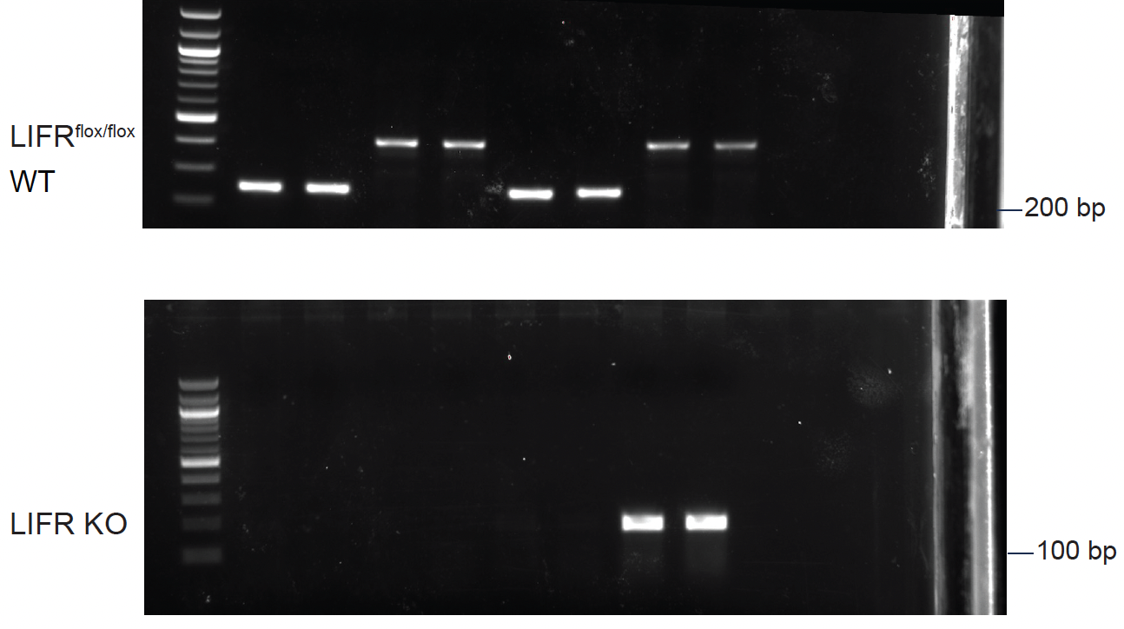
Fig 3B

Fig 3C |  | TgL | TgL/LIFRflox/flox | TgL | TgL/LIFRflox/flox
 | Ad-Cre | - | - | + | +
 |  | N.D. | N.D. | 258.22 | 524.02
 |  |  |  | 782.03 | 521.62
 |  |  |  | 384.98 | 570.14
 |  |  |  | 560.13 | 253.02
 |  |  |  | 353.59 | 493.65
 |  |  |  | 748.40 | 623.08
 |  |  |  | 395.98 | 565.65
 |  |  |  |  | 582.25
 |  |  |  |  | 271.04

Fig 3D |  | TgL | TgL/LIFRflox/flox | TgL | TgL/LIFRflox/flox
 | Ad-Cre | - | - | + | +
 |  | 1.03 | 0.85 | 0.79 | 0.14
 |  | 1.19 | 0.96 | 0.89 | 0.14
 |  | 1.06 | 1.19 | 1.07 | 0.14
 |  | 1.15 | 1.17 | 1.01 | 0.14
 |  | 0.73 |  |  | 0.15
 |  | 0.84 |  |  | 0.16
 |  |  |  |  | 0.18
 |  |  |  |  | 0.18

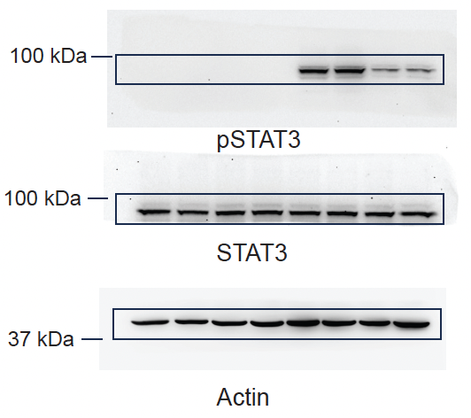
Fig 3E

Fig 3F | + Ad-Cre | TgL |  |  | TgL/LIFRflox/flox
 | Days | Mean | SEM | N | Mean | SEM | N
 | 0 | 1.00 | 0.003 | 5 | 1.00 | 0.019 | 10
 | 1 | 0.93 | 0.004 | 5 | 1.00 | 0.019 | 10
 | 2 | 0.88 | 0.007 | 5 | 0.96 | 0.024 | 10
 | 3 | 0.84 | 0.013 | 5 | 0.92 | 0.030 | 10
 | 4 | 0.76 | 0.008 | 5 | 0.87 | 0.033 | 10
 | 5 | 0.67 | 0.016 | 5 | 0.83 | 0.039 | 10

Fig 3G | + Ad-Cre | TgL | TgL/LIFRflox/flox
 | Days post TAM injection | 5 | 7
 |  | 5 | 8
 |  | 5 | 9
 |  | 6 | 6
 |  | 6 | 6
 |  |  | 7
 |  |  | 8
 |  |  | 8
 |  |  | 9
 |  |  | 9
 |  |  | 16

Fig 4
Fig 4D |  | TgL |  |  | TgLC
 | PPARa | 1519.28 | 1495.02 | 1093.03 | 316.02 | 355.20 | 388.55 | 405.73
 | PPARd | 74.22 | 73.66 | 176.39 | 135.01 | 108.51 | 110.29 | 110.20
 | PPARg | 50.97 | 66.69 | 48.94 | 62.00 | 78.82 | 108.27 | 122.22
 | PPARGC1a | 157.38 | 185.14 | 132.55 | 182.01 | 107.48 | 82.97 | 81.15
 | PPARGC1b | 117.14 | 123.42 | 44.86 | 19.00 | 20.47 | 19.23 | 15.03

Fig 4G |  | TgL |  |  |  | TgLC
 | PPARa | 1.31 | 1.06 | 0.70 | 0.93 | 0.10 | 0.13 | 0.19 | 0.22
 | ACLY | 1.16 | 1.01 | 0.88 | 0.94 | 0.16 | 0.19 | 0.30 | 0.28
 | FASN | 0.87 | 1.07 | 0.93 | 1.14 | 0.28 | 0.26 | 0.39 | 0.45
 | ACSL1 | 1.14 | 0.93 | 0.87 | 1.07 | 0.19 | 0.24 | 0.22 | 0.19
 | ACSL5 | 0.77 | 0.95 | 1.26 | 1.02 | 0.30 | 0.26 | 0.43 | 0.35

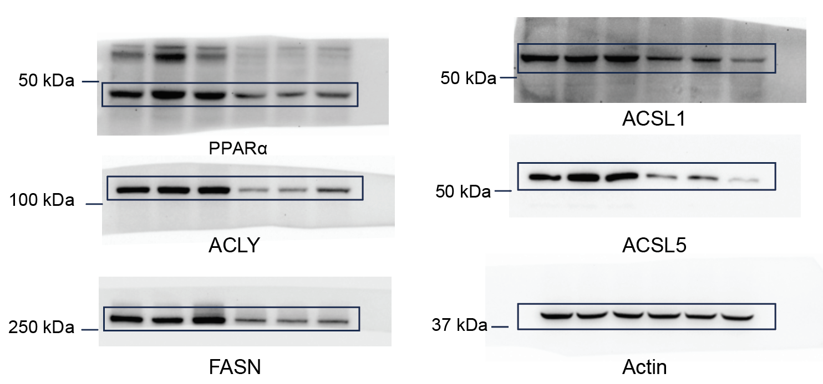
Fig 4H

Fig 5
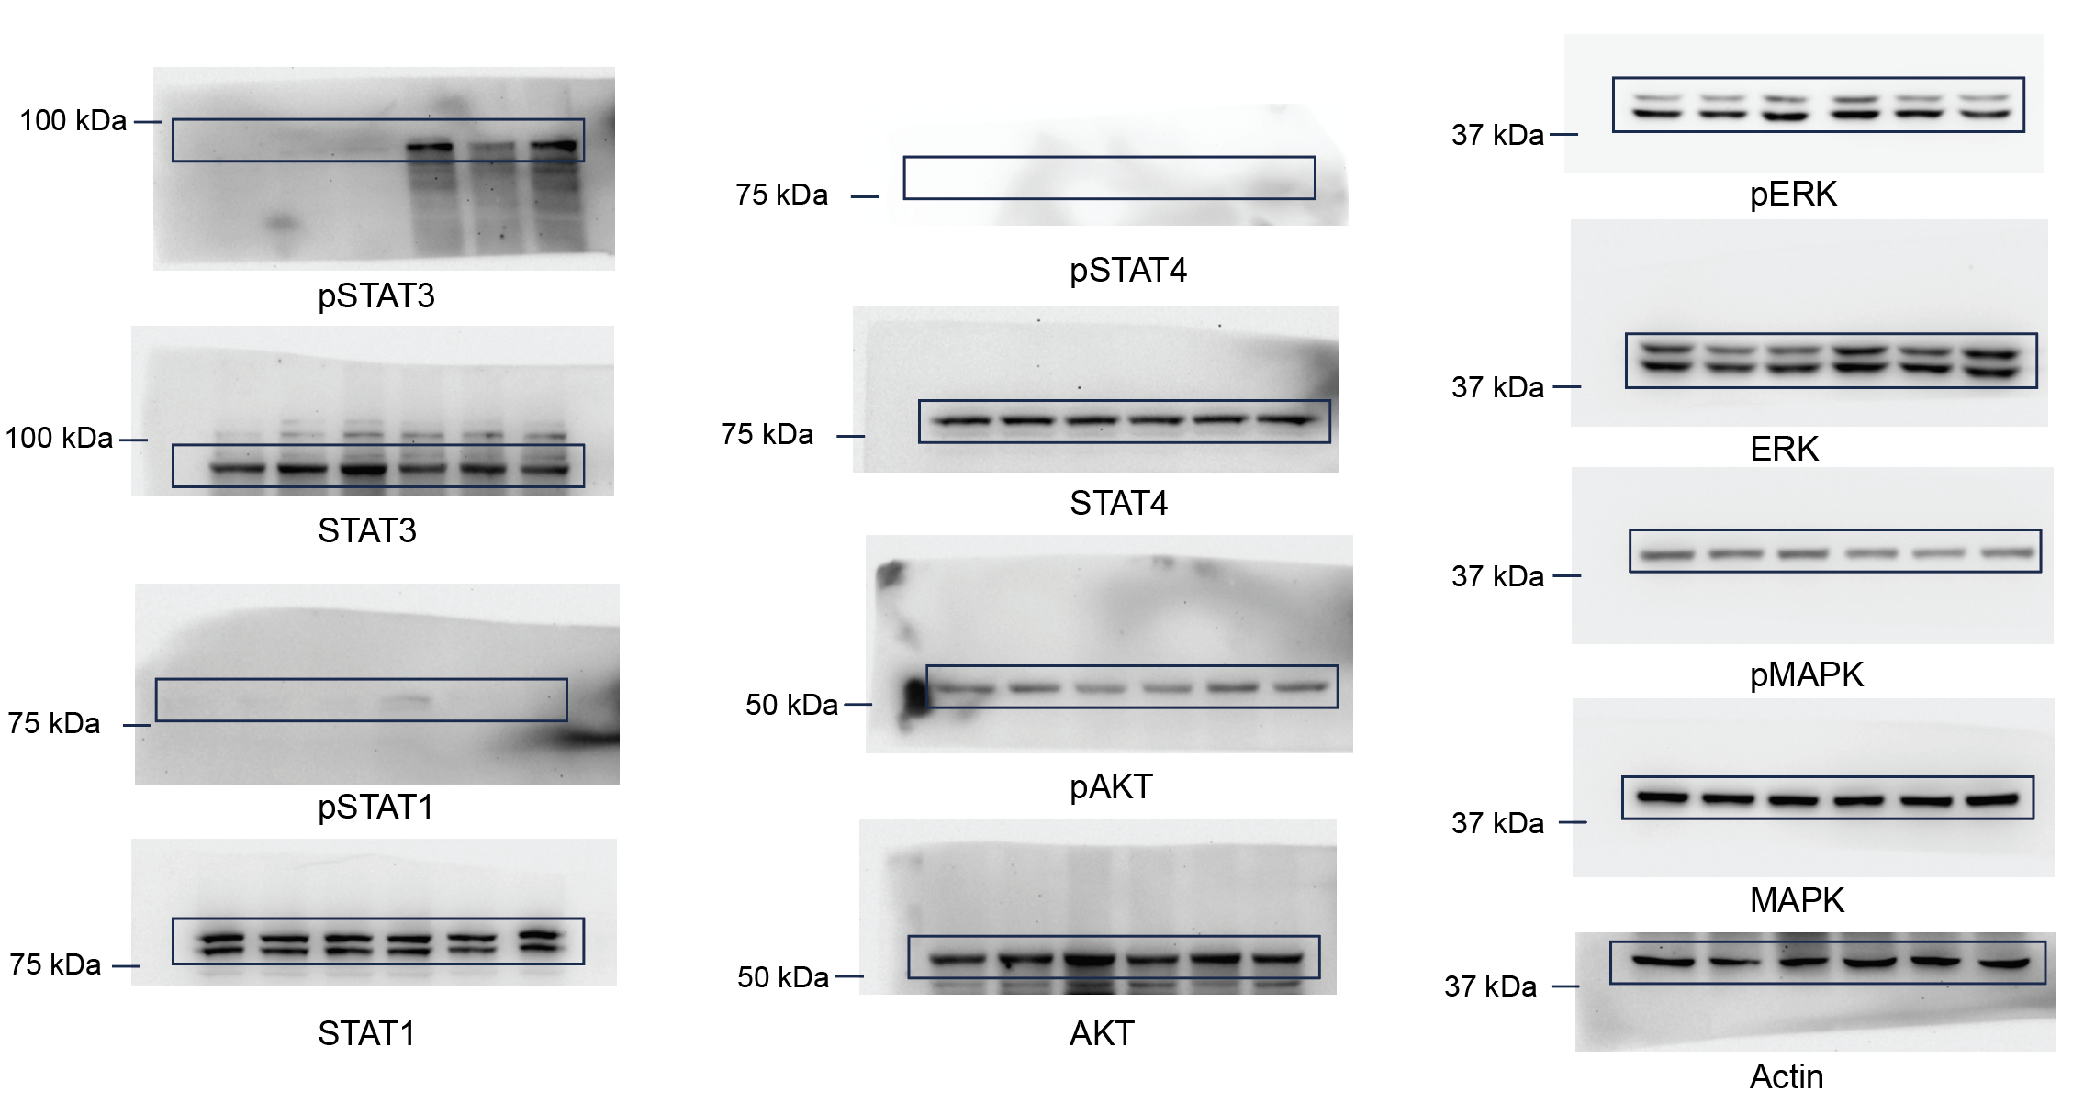
Fig 5A

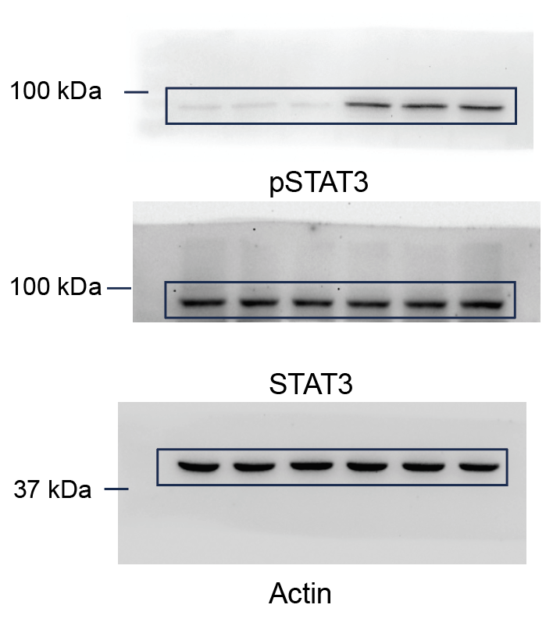
Fig 5B

Fig 5C | - rLIF | + rLIF
 | 1.02 | 0.51
 | 0.98 | 0.65
 | 0.95 | 0.47
 | 1.05 | 0.48

 |  | putative binding site |  |  |  | negative control
Fig 5E | rLIF | - | + | - | + | - | + | - | +
 | anti-STAT3 | - | - | + | + | - | - | + | +
 | IgG | + | + | - | - | + | + | - | -
 |  | 0.96 | 0.86 | 0.54 | 3.67 | 0.71 | 0.63 | 0.66 | 0.68
 |  | 1.33 | 1.01 | 1.46 | 5.12 | 0.65 | 0.68 | 0.69 | 0.63
 |  | 0.58 | 0.98 | 1.07 | 4.31 | 0.85 | 0.99 | 0.99 | 0.97
 |  | 1.64 | 1.27 | 0.93 | 5.41 | 1.05 | 0.94 | 1.22 | 1.46

Fig 5F | rLIF | - | + | - | + | - | +
 | Stattic | - | - | + | + | - | -
 | Galiellalactone | - | - | - | - | + | +
 |  | 0.94 | 0.45 | 0.81 | 1.12 | 1.19 | 0.97
 |  | 1.06 | 0.47 | 0.96 | 1.26 | 1.41 | 0.89
 |  | 1.11 | 0.56 | 1.13 | 0.89 | 0.93 | 0.81
 |  | 0.89 | 0.41 | 1.17 | 0.92 | 0.85 | 1.15
 |  | 1.11 | 0.47
 |  | 1.01 | 0.46
 |  | 0.92 | 0.44
 |  | 0.96 | 0.43

Fig 5G |  | Con |  | STAT3 #1 |  | STAT3 #2
 | rLIF | - | + | - | + | - | +
 |  | 1.00 | 0.41 | 1.05 | 1.01 | 0.93 | 0.85
 |  | 0.85 | 0.36 | 1.34 | 1.11 | 0.96 | 0.94
 |  | 0.96 | 0.51 | 1.39 | 0.94 | 0.90 | 0.92
 |  | 1.19 | 0.53 | 0.70 | 0.90 | 1.02 | 0.86

 | Con | STAT3 #1 | STAT3 #2
 | 1.10 | 0.14 | 0.47
 | 1.32 | 0.10 | 0.46
 | 0.87 | 0.12 | 0.45
 | 0.71 | 0.11 | 0.43

Fig 6
Fig 6A |  | TgL + Regular chow |  |  |  | TgLC + Regular chow |  |  |  | TgLC + Feno diet
 | ACLY | 1.01 | 0.92 | 1.00 | 1.07 | 0.40 | 0.43 | 0.62 | 0.63 | 1.20 | 1.29 | 1.27 | 1.22
 | FASN | 0.95 | 1.19 | 0.93 | 0.93 | 0.40 | 0.33 | 0.36 | 0.30 | 1.82 | 2.08 | 2.57 | 2.65
 | ACSL1 | 1.08 | 1.09 | 0.85 | 0.98 | 0.50 | 0.28 | 0.52 | 0.60 | 4.85 | 5.53 | 5.85 | 6.18
 | ACSL5 | 1.20 | 1.22 | 0.78 | 0.80 | 0.52 | 0.54 | 0.49 | 0.48 | 1.29 | 1.22 | 1.98 | 1.86

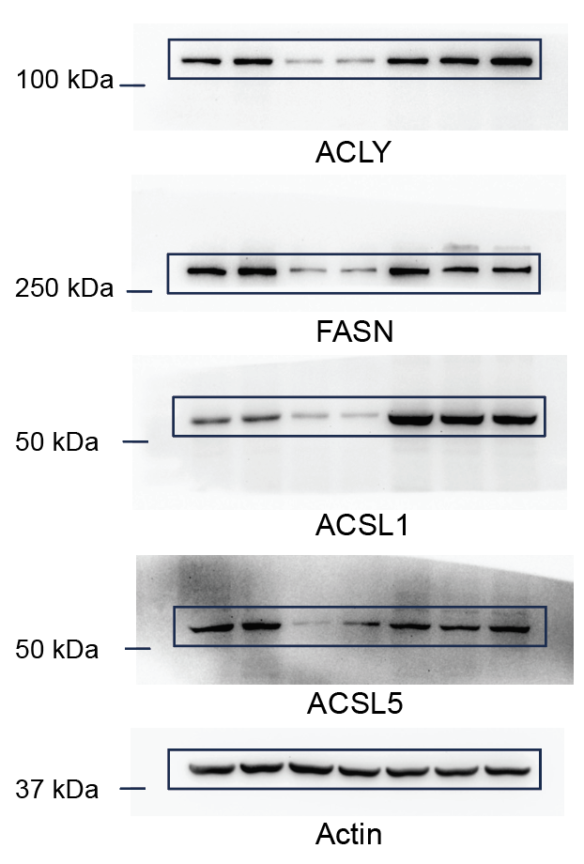
Fig 6B

Fig 6C |  | C26 + Regular chow |  |  |  | C26 + Regular chow |  |  |  | C26 + Feno diet
 | ACLY | 0.75 | 1.25 | 0.98 | 1.02 | 0.35 | 0.46 | 0.41 | 0.39 | 1.66 | 1.94 | 2.13 | 2.53
 | FASN | 1.00 | 1.00 | 0.97 | 1.03 | 0.18 | 0.47 | 0.31 | 0.33 | 1.90 | 2.17 | 1.82 | 1.82
 | ACSL1 | 1.02 | 0.98 | 1.01 | 0.99 | 0.18 | 0.23 | 0.26 | 0.25 | 1.71 | 2.03 | 2.26 | 2.34
 | ACSL5 | 1.05 | 1.11 | 0.90 | 0.93 | 0.36 | 0.38 | 0.44 | 0.43 | 1.37 | 1.53 | 2.23 | 2.09

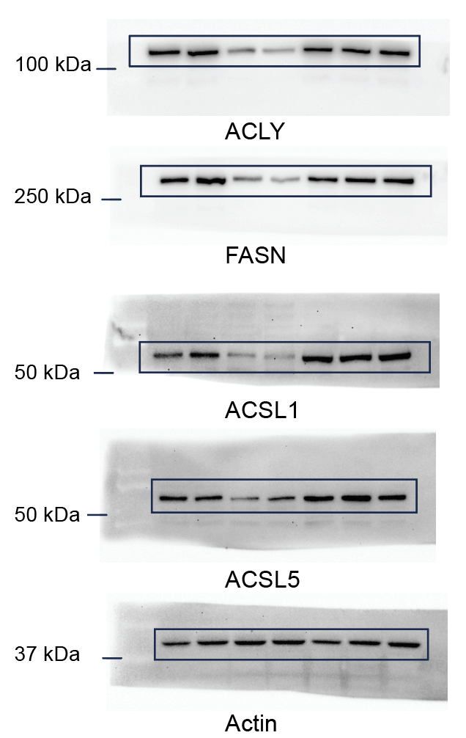
Fig 6D

Fig 6F |  | Regular chow |  |  | Feno diet
 | Days | Mean | SEM | N | Mean | SEM | N
 | 0 | 1.00 | 0.04 | 5 | 1.00 | 0.04 | 5
 | 4 | 0.90 | 0.02 | 5 | 0.87 | 0.04 | 5
 | 6 | 0.78 | 0.02 | 5 | 0.84 | 0.04 | 5
 | 8 | 0.67 | 0.02 | 5 | 0.84 | 0.05 | 5
 | 10 | 0.58 | 0.02 | 5 | 0.84 | 0.05 | 5

Fig 6G | lean mass
 | Days | TgL + Regular chow |  |  | TgLC + Regular chow |  |  | TgLC + Feno diet
 |  | Mean | SEM | N | Mean | SEM | N | Mean | SEM | N
 | 0 | 20.01 | 0.54 | 8 | 20.09 | 0.26 | 6 | 20.10 | 1.42 | 6
 | 2 | 20.26 | 0.52 | 8 | 19.82 | 0.25 | 6 | 19.30 | 1.56 | 6
 | 3 | 21.15 | 0.63 | 8 | 19.54 | 0.93 | 6 | 19.21 | 1.56 | 6
 | 4 | 21.15 | 0.63 | 8 | 18.77 | 1.18 | 6 | 19.42 | 1.46 | 6
 | 5 | 21.15 | 0.63 | 8 | 18.30 | 1.15 | 6 | 19.83 | 1.17 | 6
 | 6 | 21.45 | 0.64 | 8 | 16.99 | 1.07 | 6 | 19.18 | 1.10 | 6
 | 7 | 21.54 | 0.64 | 8 | 16.23 | 1.02 | 6 | 19.05 | 1.10 | 6
 | 8 | 21.47 | 0.64 | 8 | 15.64 | 0.99 | 6 | 19.00 | 0.99 | 6
 | 9 | 21.38 | 0.64 | 8 | 14.97 | 0.94 | 6 | 18.76 | 0.98 | 6
 | 10 | 21.29 | 0.62 | 8 | 14.40 | 0.91 | 6 | 18.45 | 0.95 | 6

 | Fat mass
 | Days | TgL + Regular chow |  |  | TgLC + Regular chow |  |  | TgLC + Feno diet
 |  | Mean | SEM | N | Mean | SEM | N | Mean | SEM | N
 | 0 | 2.07 | 0.19 | 8 | 2.03 | 0.15 | 6 | 2.09 | 0.95 | 8
 | 2 | 1.98 | 0.12 | 8 | 1.75 | 0.14 | 6 | 1.45 | 0.49 | 8
 | 3 | 2.08 | 0.12 | 8 | 1.62 | 0.15 | 6 | 1.37 | 0.48 | 8
 | 4 | 2.22 | 0.13 | 8 | 1.36 | 0.13 | 6 | 1.35 | 0.61 | 8
 | 5 | 2.27 | 0.14 | 8 | 1.25 | 0.12 | 6 | 1.23 | 0.74 | 8
 | 6 | 2.29 | 0.14 | 8 | 1.01 | 0.10 | 6 | 1.23 | 0.86 | 8
 | 7 | 2.34 | 0.14 | 8 | 0.81 | 0.11 | 6 | 1.20 | 0.85 | 8
 | 8 | 2.36 | 0.14 | 8 | 0.72 | 0.11 | 6 | 1.15 | 0.79 | 8
 | 9 | 2.39 | 0.14 | 8 | 0.58 | 0.10 | 6 | 1.17 | 0.83 | 8
 | 10 | 2.39 | 0.14 | 8 | 0.47 | 0.10 | 6 | 1.11 | 0.87 | 8

Fig 6H |  |  | Regular chow | Feno diet
 | Days post TAM injection |  | 8 | 8
 |  |  | 9 | 9
 |  |  | 10 | 10
 |  |  | 10 | 10
 |  |  | 10 | 10
 |  |  | 10 | 11
 |  |  | 10 | 12
 |  |  | 11 | 13
 |  |  | 12 | 20
 |  |  | 14 | 20
 |  |  | 15 | 20
 |  |  |  | 20
 |  |  |  | 20
 |  |  |  | 20
 |  |  |  | 20

Fig 6I | Days | Regular chow |  |  | Feno diet
 |  | Mean | SEM | N | Mean | SEM | N
 | 0 | 1.00 | 0.09 | 5 | 1.00 | 0.04 | 5
 | 8 | 0.95 | 0.09 | 5 | 0.96 | 0.06 | 5
 | 10 | 0.95 | 0.08 | 5 | 0.92 | 0.05 | 5
 | 12 | 0.90 | 0.07 | 5 | 0.93 | 0.06 | 5
 | 14 | 0.80 | 0.06 | 5 | 0.92 | 0.05 | 5
 | 16 | 0.69 | 0.06 | 5 | 0.93 | 0.06 | 5
 | 18 |  |  |  | 0.83 | 0.06 | 5
 | 20 |  |  |  | 0.74 | 0.03 | 5

Fig 6J |  |  | Regular chow | Feno diet
 | Days post TAM injection |  | 15 | 15
 |  |  | 15 | 15
 |  |  | 15 | 16
 |  |  | 16 | 16
 |  |  | 17 | 19
 |  |  | 18 | 20
 |  |  | 14 | 21
 |  |  | 15 | 22
 |  |  | 16 | 22
 |  |  | 16

