README
This Supplementary Table T3 gathers results from Differential Expression Analysis in Gfi1+HE population cells conducted between
Hey1+Hey2 expressed vs Hey1+Hey2 NOT* expressed cells. Analysis was inpedendently done for E10.5 or E11.5 developmental stages
*Both genes showing no expression
Scanpy function rank_genes_groups using Wilcoxon rank-sum test (two-sided) method conducted with scanpy (v1.9.1) module (Python 3.8.9)

Additionally, DEGs from each comparison (adj pval <0 and abs log2FC>2) were considered for overreprentation analysis against KEGG Pathways

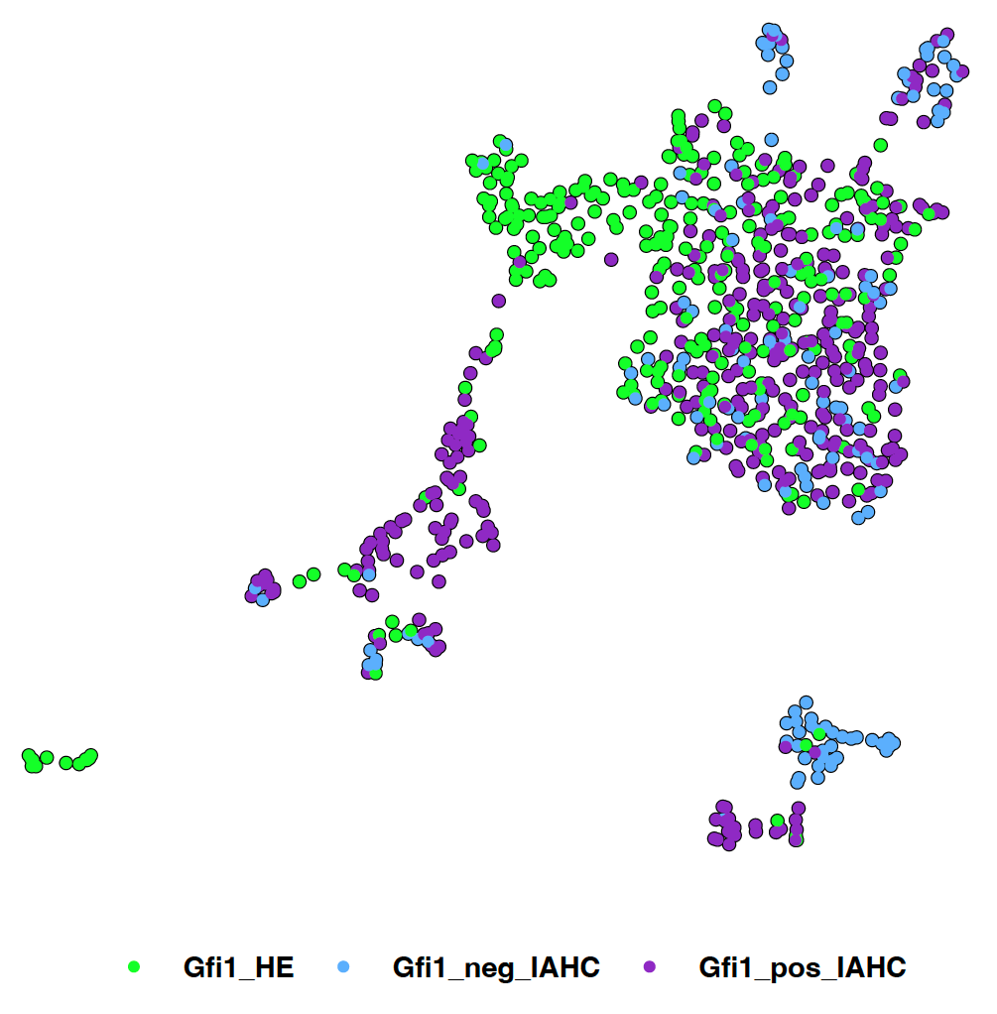
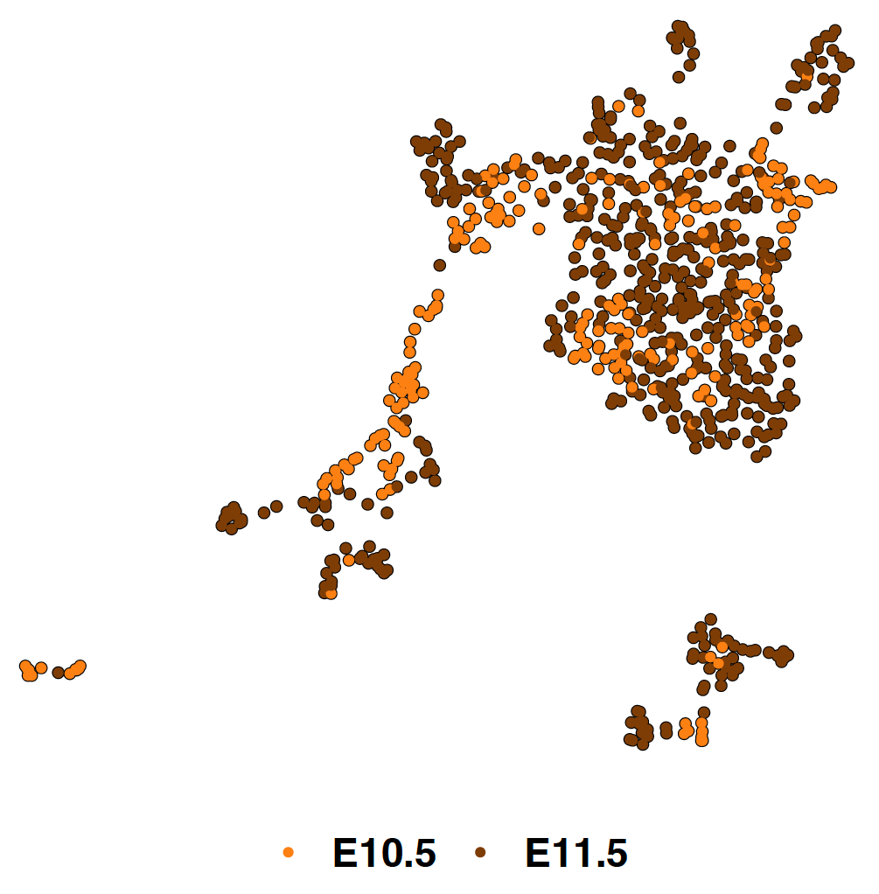
 |  |  | The number of cells per group is:

 |  |  | Among the total of 281 cells labelled as Gfi1_HE population:

 |  |  |  |  | Hey1/2 Expressed | Hey1/2 NOT exprs | TOTAL
 |  |  |  | E10.5 | 23 | 47 | 70
 |  |  |  | E11.5 | 36 | 69 | 105
 |  |  |  | TOTAL | 59 | 116 | 175
 |  |  |  | The rest of cells (106) were only expressing Hey1 or Hey2, so they were discarded for the analysis

 |  |  | Columns in corresponding results sheets indicate:

 |  |  | Expressed_n | Gene name
 |  |  | Expressed_l | Log2 Fold Change (Expressed vs Not_Expressed)
 |  |  | Expressed_p | p val. NA values for those cases where gene is not expressed in at least 25% of cells (in at least one of the conditions)
 | Fig 2B - UMAP coloured by population | Supplementary Figure S5 - UMAP coloured by developmental stage | Expressed.pct | cell percentage [0,1] where that particular gene is present in the Expressed group
 |  |  | NotExpressed.pct | cell percentage [0,1] where that particular gene is present in the Not_Expressed group
 |  |  | adj.pval | adjusted p-value (Benjamini-Hochberg procedure). It only considers p-values different from NA
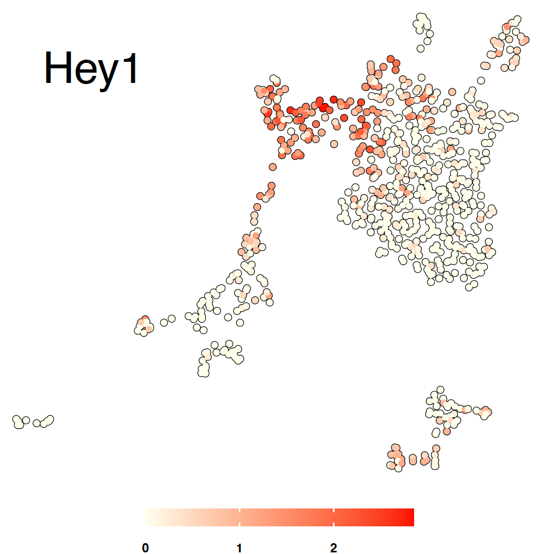
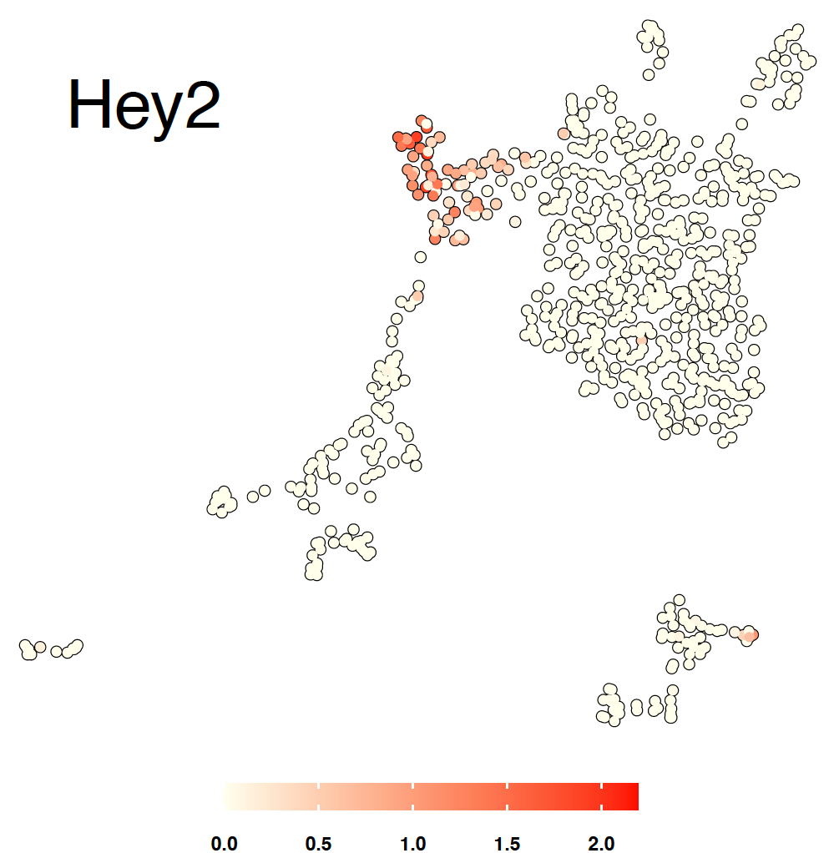
 |  |  | Gene lists are sorted per adjusted p-value

 | Fig 3A (Partial) - UMAPs coloured by Hey1 and Hey2 normalized expression level, respectively

