Figure 4d
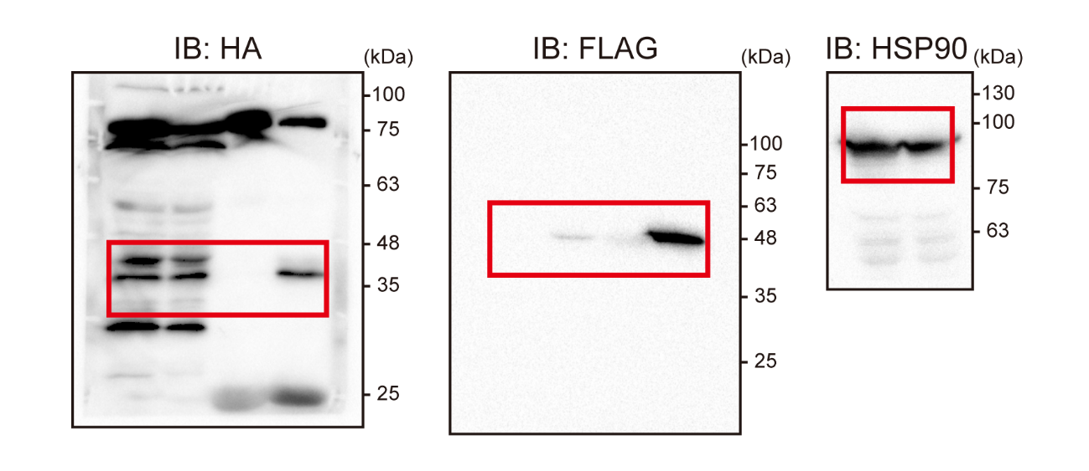
Figure 4d

Figure S1b
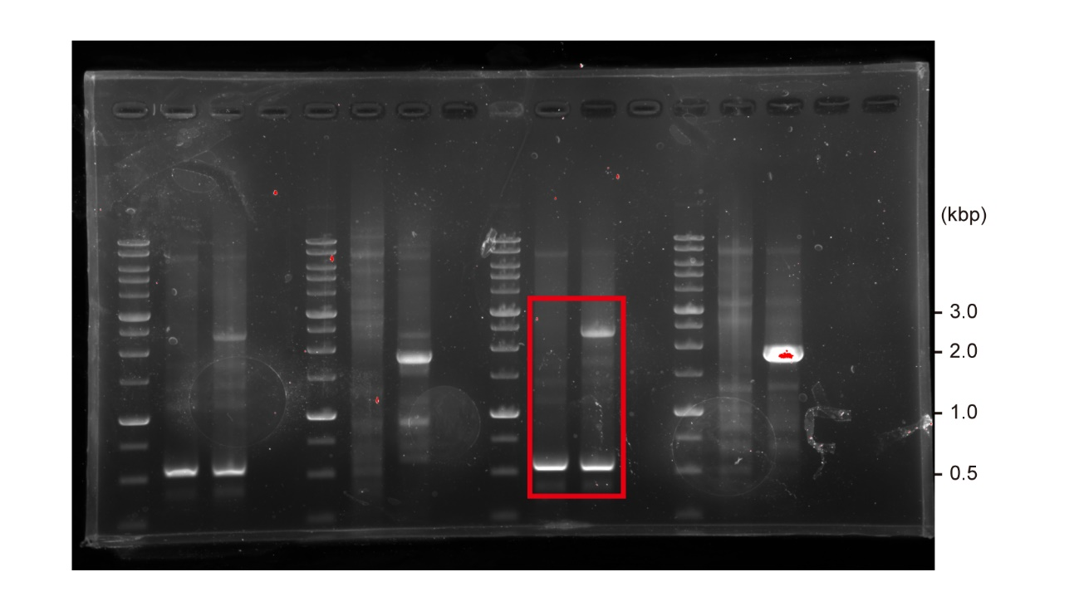
Supplementary Figure 1b

Figure S1c
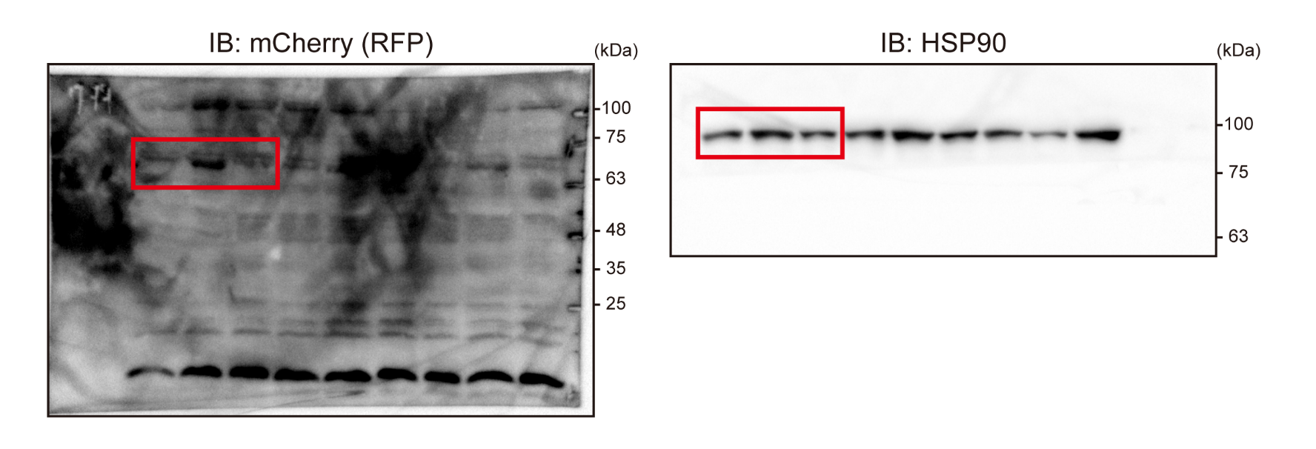
Supplementary Figure 1c

Figure S5a
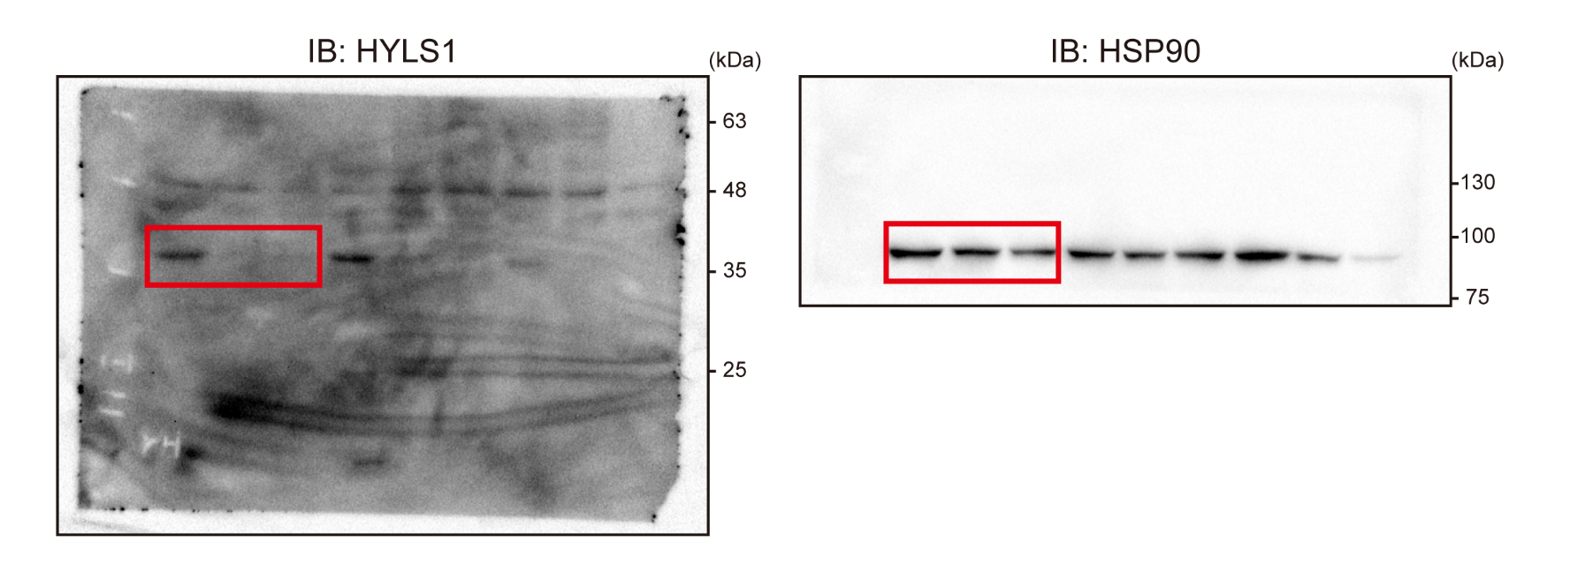
Supplementary Figure 5a

