Figure 3f
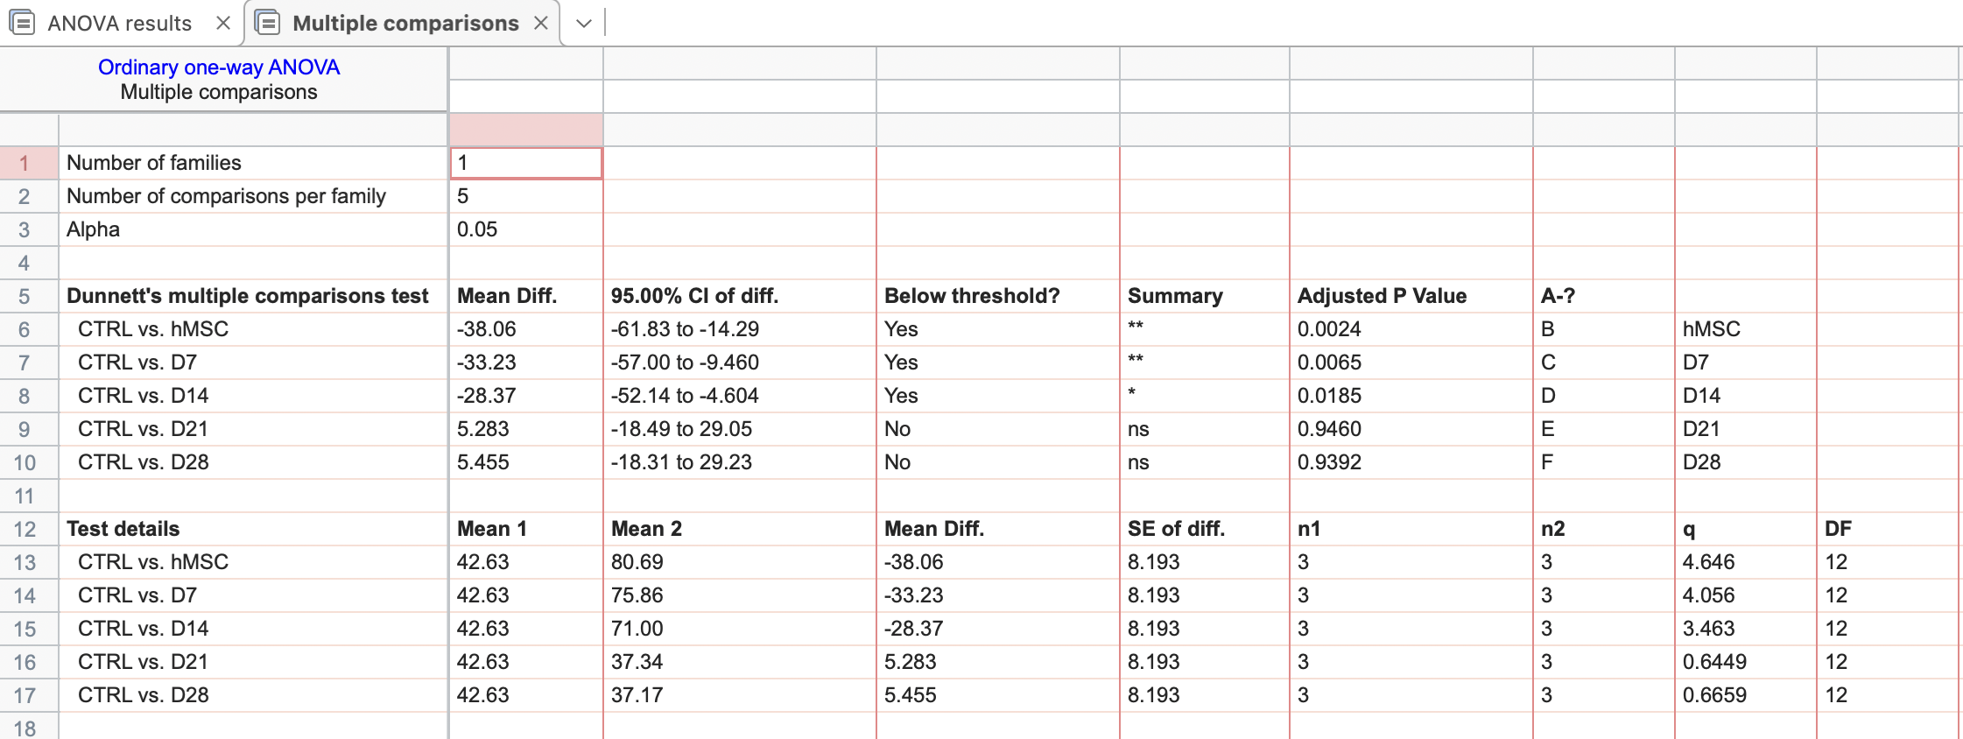
Proliferation Index
CTRL | hMSC | D7 | D14 | D21 | D28
41.238 | 87.34 | 63.35 | 61.732 | 24.408 | 40.512
40.34 | 76.52 | 92.42 | 85.57 | 38.02 | 37.9
46.3 | 78.2 | 71.8 | 65.7 | 49.6 | 33.1

Figure 4f
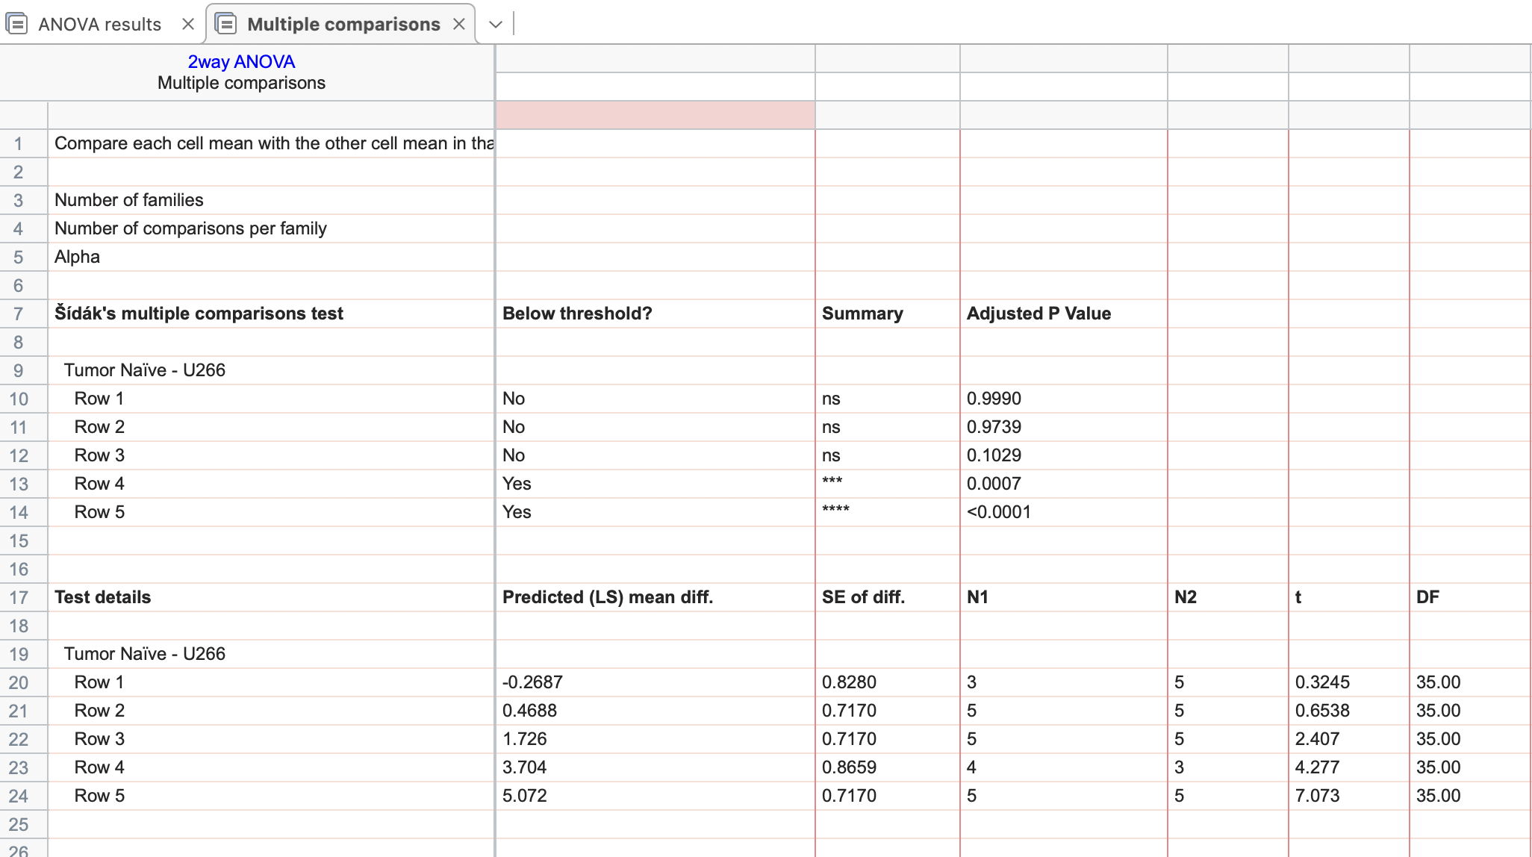
Two bones were not analysed following excision due to breaking
(Supp figure 5 data highlighted in pink)
 | BV/TV (%)
Days | Tumor Naïve |  |  |  |  | U266-bearing
2 | 8.91 | 8.14 |  |  |  | 7.45 | 8.68 | 7.98 | 8.93 | 9.13
10 | 8.67 | 10.00 | 9.74 | 7.52 | 8.09 | 9.21 | 7.98 | 8.41 | 7.43 | 8.65
20 | 7.37 | 7.93 | 8.90 | 6.44 | 10.68 | 7.35 | 5.13 | 8.75 | 6.59 | 4.87
40 | 7.17 | 8.41 | 6.22 | 5.551 | 7.44 | 3.33 | 3.93 | 2.14
105 | 7.87 | 5.68 | 4.31 | 5.45 | 6.92 | 1.07 | 0.43 | 0.50 | 1.37 | 1.50

Figure 4g
Group | MM burden (% of marrow cells) | BV/TV (%) | Tb.N (1/mm) | Tb.Thickness (mm) | Tb. Sp (mm) | Conn.D | SMI | BS (mm2) | BS/BV
Day 2 | 0.0179 | 7.45 | 4.522 | 0.0368 | 0.2137 | 192.797 | 2.3384 | 7.3326 | 70.4507
 | 0.001 | 8.68 | 3.3933 | 0.0333 | 0.3801 | 180.38 | 2.427 | 7.1147 | 78.6972
 | 0.0032 | 7.98 | 4.4063 | 0.0466 | 0.2469 | 383.9855 | 1.1365 | 7.7088 | 54.8235
 | 0.0006 | 8.93 | 3.9272 | 0.0415 | 0.2742 | 259.4143 | 1.4472 | 9.6222 | 58.1783
 | 0.001 | 9.13 | 3.93331 | 0.0461 | 0.3614 | 138.7103 | 1.9159 | 4.45287 | 55.6164
Day 10 | 0.1 | 9.21 | 3.8537 | 0.0368 | 0.2773 | 468.9655 | 0.92106 | 5.7521 | 59.5929
 | 0.17 | 7.98 | 3.6522 | 0.0395 | 0.2914 | 203.2903 | 1.89888 | 7.4612 | 62.7105
 | 0.11 | 8.41 | 3.2885 | 0.0417 | 0.3267 | 282.7595 | 1.2058 | 4.9089 | 56.4841
 | 0.16 | 7.43 | 3.562 | 0.0419 | 0.3767 | 292.0795 | 1.958 | 4.839 | 59.944
 | 0.07 | 8.65 | 4.1896 | 0.0381 | 0.2519 | 265.446 | 2.2116 | 9.5409 | 69.54521
Day 20 | 0.855 | 7.35 | 2.7941 | 0.0498 | 0.3851 | 123.5638 | 1.3096 | 5.3076 | 51.585
 | 0.205 | 5.13 | 3.5624 | 0.031 | 0.2934 | 201.7944 | 2.5014 | 6.1358 | 72.1852
 | 0.375 | 8.75 | 4.6132 | 0.0357 | 0.2312 | 522.4357 | 2.4257 | 10.1654 | 71.1998
 | 0.49 | 6.59 | 4.2301 | 0.0321 | 0.3954 | 183.7567 | 2.44 | 5.7214 | 78.7782
 | 1.1 | 4.87 | 2.459 | 0.042 | 0.487 | 89.32 | 2.113 | 3.4599 | 67.939
Two tibia were not analysed following excision due to breaking
Day 40 | 2.175 | 3.33 | 1.7861 | 0.048 | 0.58707 | 15.5854 | 2.0338 | 1.9117 | 56.9032
 | 1
 | 0.975 | 3.93 | 2.2235 | 0.0442 | 0.4656 | 113.5933 | 1.458 | 2.4055 | 54.8052
 | 4.385 | 2.14 | 2.9905 | 0.0428 | 0.3415 | 21.397 | 2.611 | 1.9797 | 62.594
 | 2.68
Day 105 | 28.63 | 1.07 | 2.5648 | 0.0453 | 0.6767 | 4.7293 | 2.7004 | 1.3632 | 62.238
 | 41.1 | 0.43 | 1.5036 | 0.0322 | 0.5586 | 19.9857 | 3.21043 | 0.4414 | 73.7835
 | 37.94 | 0.50 | 1.8486 | 0.0291 | 0.5407 | 13.3674 | 3.321 | 1.0673 | 97.8665
 | 15.11 | 1.37 | 2.7023 | 0.0398 | 0.3749 | 23.5122 | 2.7439 | 1.4394 | 68.11
 | 32.9 | 1.50 | 1.8717 | 0.0307 | 0.3947 | 19.3031 | 2.1412 | 1.0215 | 57.4549

Figure 5e
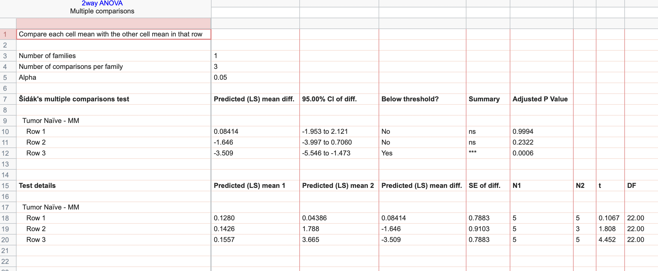
Two bones were not analysed following excision due to breaking
Days | Tumor Naïve |  |  |  |  | MM
10 | 0.13 | 0.04 | 0.07 | 0.02 | 0.38 | 0.037 | 0.17 | 0.006 | 0.006 | 0.000291
40 | 0.289 | 0.088 | 0.121 | 0.045 | 0.17 | 3.66 |  | 1.05 | 0.655
100 | 0.25 | 0.041 | 0.0145 | 0.002 | 0.471 | 8.255 | 1.99 | 3.31 | 1.59 | 3.18

Figure 5f
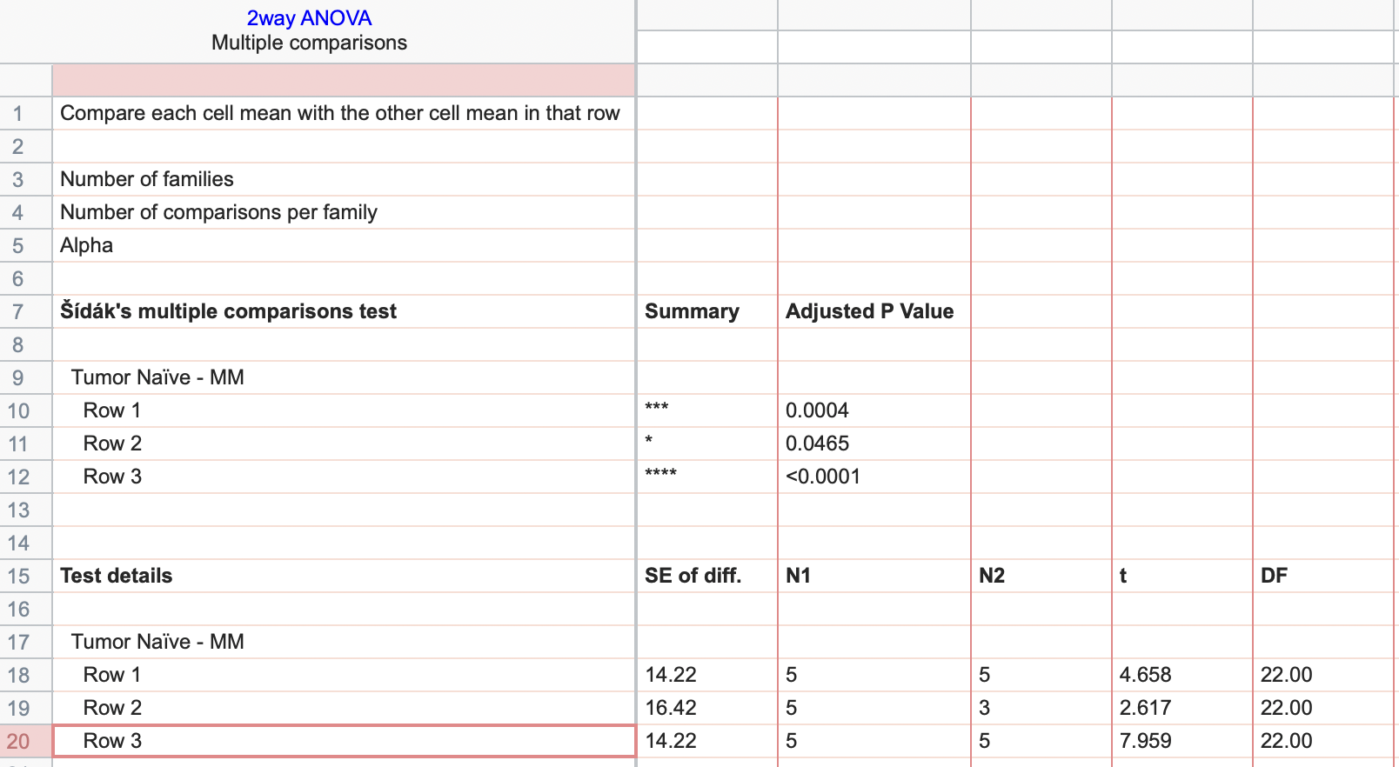
Two bones were not analysed following excision due to breaking
Days | Tumor Naïve |  |  |  |  | MM
10 | 116.74 | 146.36 | 135.89 | 122.87 | 111.33 | 225.98 | 212.04 | 167.83 | 201.78 | 156.801061
40 | 137.7529 | 143.43 | 140.56 | 137.75 | 104.75 | 39.41 |  | 111.330303 | 118.908788
100 | 126.08 | 158.07 | 146.76 | 132.7 | 100.24 | 16.38 | 18.7269697 | 21.195 | 23.67 | 17.9495455

Figure 5g
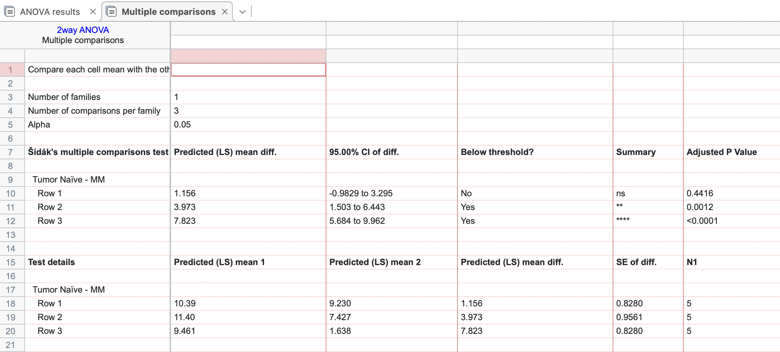
Two tibia were not analysed following excision due to breaking
Days | Tumor Naïve |  |  |  |  | MM
10 | 10.4 | 12.2 | 9.1 | 8.93 | 11.3 | 9.7 | 10.1 | 8.01 | 7.899 | 10.44
40 | 11.4 | 13.4 | 10 | 9.8 | 12.4 | 8.44 |  | 6.97 | 6.87
100 | 11.2 | 8.3 | 10.89 | 8.723 | 8.19 | 1.08 | 1.23 | 3.45 | 0.8 | 1.63

Figure 5h
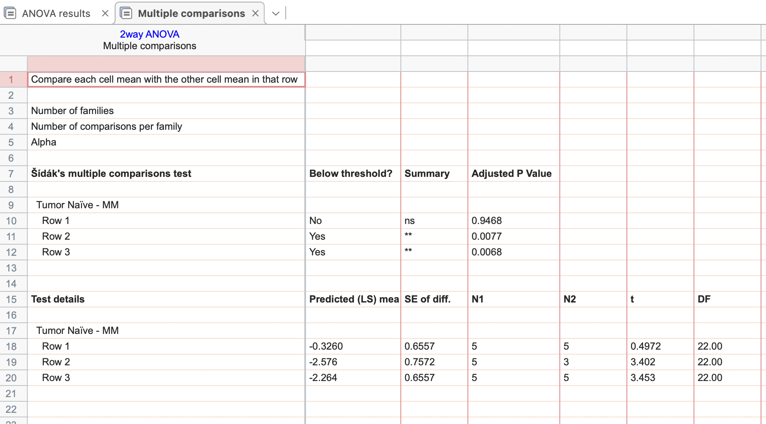
Two bones were not analysed following excision due to breaking
Days | Tumor Naïve |  |  |  |  | MM
10 | 1.1 | 1.8 | 2.7 | 1.82 | 3.66 | 1.3 | 3.49 | 3.88 | 2.1 | 1.94
40 | 1.43 | 2.94 | 2.11 | 1.758 | 2.566 | 5.24 |  | 5.84 | 3.13
100 | 3.81 | 3.24 | 2.09 | 3.73 | 3.43 | 5.84 | 4.32 | 7.77 | 4.89 | 4.8

Figure 6a
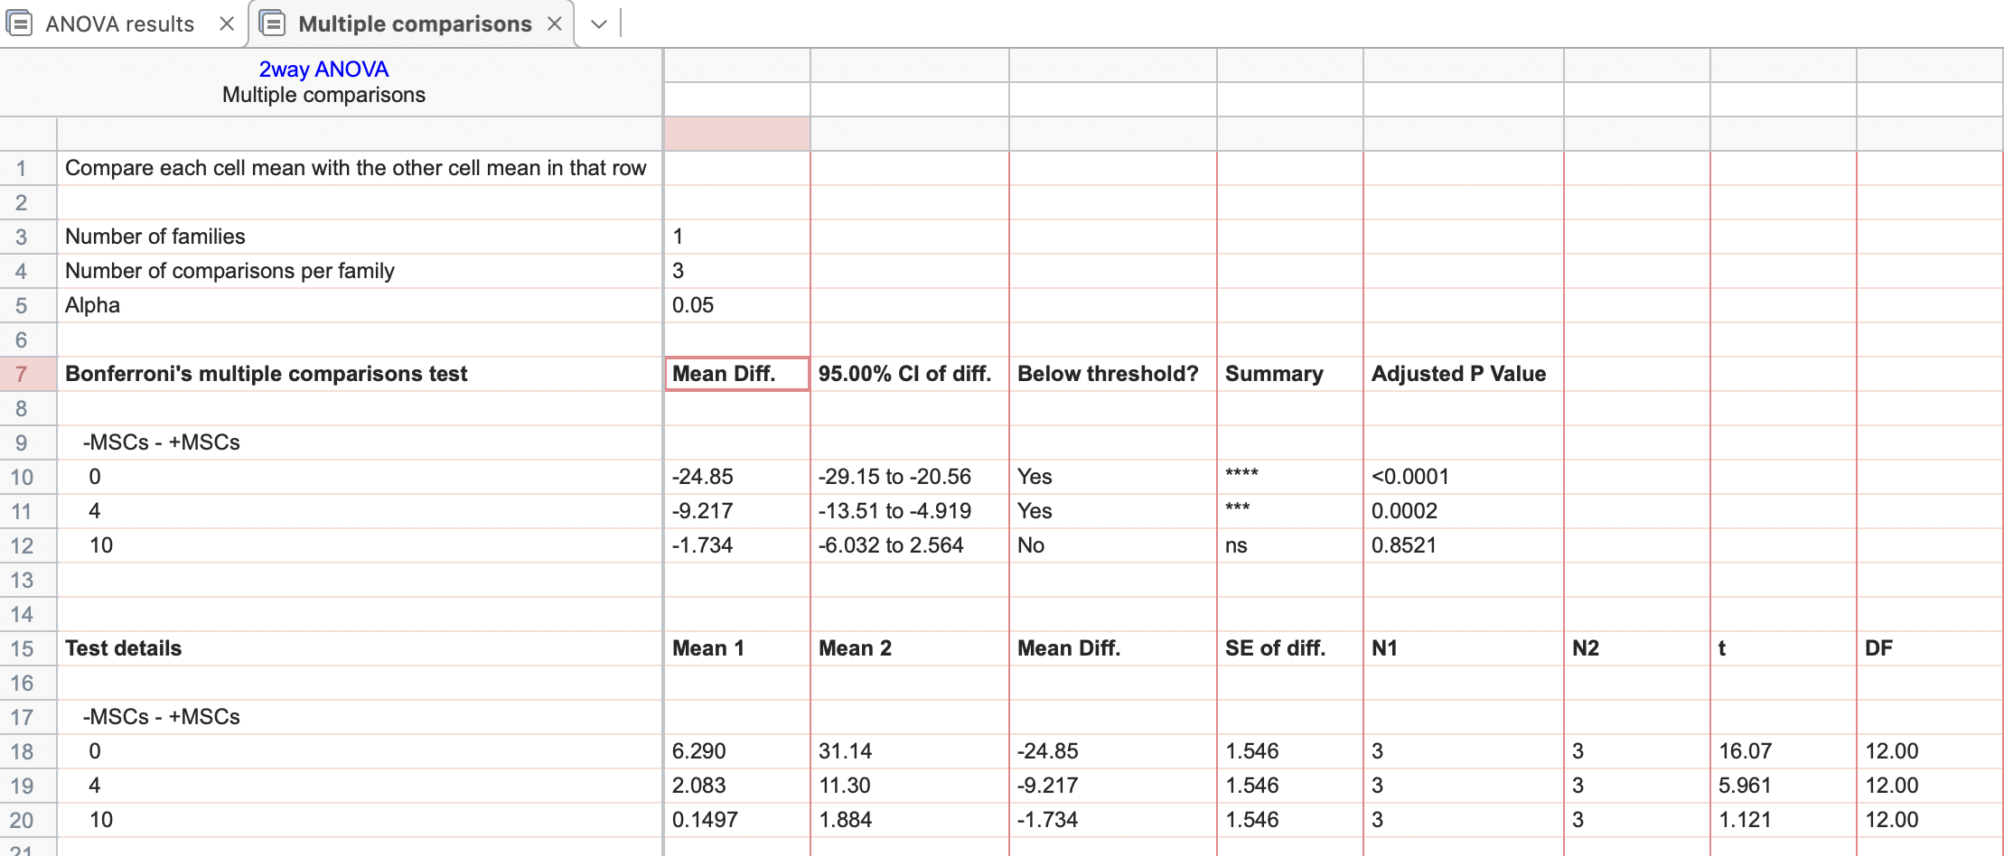
 | Area Covered by MM (%)
BTZ (nM) | -MSCs |  |  | +MSCs
0 | 4.65 | 7.33 | 6.89 | 26.64 | 33.61 | 33.18
4 | 1.89 | 2.02 | 2.34 | 9.35 | 11.66 | 12.89
10 | 0.11 | 0.13 | 0.209 | 2.171 | 2.66 | 0.82

Figure 6g
Each row represents one subject. The X values are time. The Y values are entered into two columns that define the treatment groups The Y value is "1" when an event occured at the specified time, and "0" when the subject's data was censored at that time (either because we don't know what happened after that time i.e. because the experiment ended).
Days | No EMDR | +EMDR
1460 |  | 0
1460 |  | 0
1460 |  | 0
1460 |  | 0
1460 |  | 0
1460 |  | 0
1460 |  | 0
1460 |  | 0
1460 |  | 0
1460 |  | 0
1460 |  | 0
1460 |  | 0
1460 |  | 0
1460 |  | 0
1460 |  | 0
1460 |  | 0
1460 |  | 0
1460 |  | 0
1460 |  | 0
1460 |  | 0
1460 |  | 0
1460 |  | 0
1460 |  | 0
1460 |  | 0
1460 |  | 0
1460 | 0
1460 | 0
1460 | 0
1460 | 0
1460 | 0
1460 | 0
1460 | 0
1460 | 0
1460 | 0
1460 | 0
1460 | 0
1460 | 0
1460 | 0
1460 | 0
1460 | 0
1460 | 0
1460 | 0
1460 | 0
1460 | 0
1460 | 0
1460 | 0
1460 | 0
1460 | 0
1460 | 0
1460 | 0

Figure 6h
Each row represents one subject. The X values are time. The Y values are entered into two columns that define the treatment groups The Y value is "1" when an event occured at the specified time, and "0" when the subject's data was censored at that time (either because we don't know what happened after that time i.e. because the experiment ended).
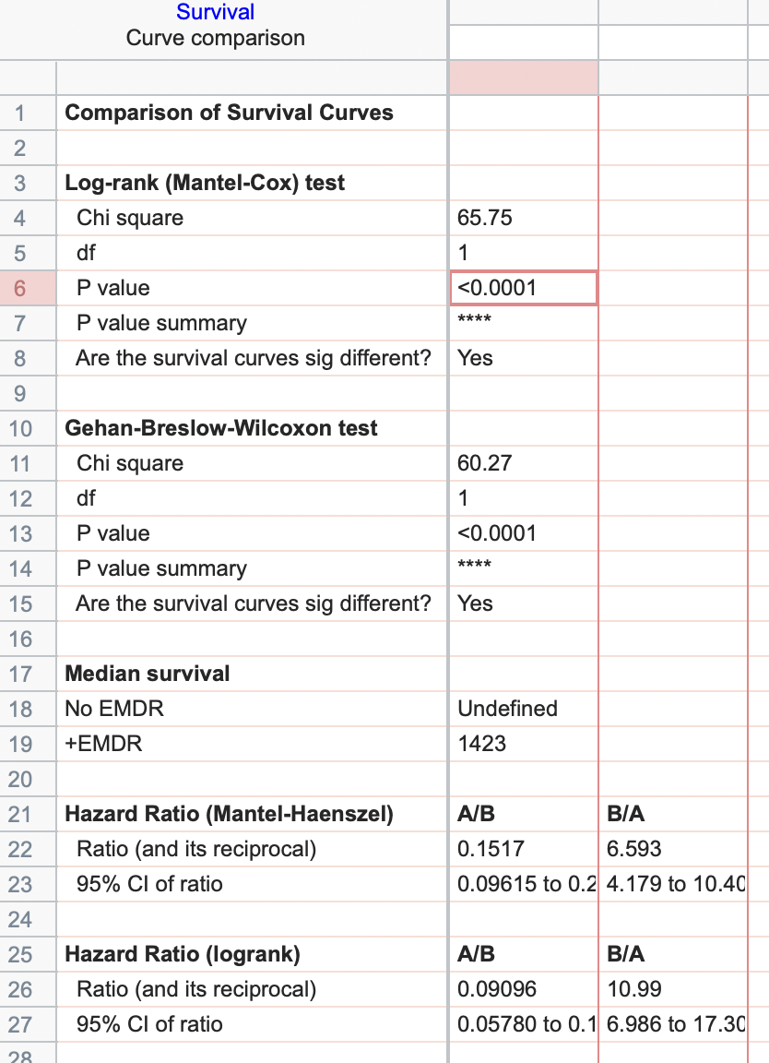
Days | No EMDR | +EMDR
982 |  | 1
945 |  | 1
990 |  | 1
994 |  | 1
626 |  | 1
989 |  | 1
1270 |  | 1
863 |  | 1
714 |  | 1
1171 |  | 1
1195 |  | 1
1162 |  | 1
1460 |  | 0
1460 |  | 0
1460 |  | 0
1460 |  | 0
1460 |  | 0
1460 |  | 0
1460 |  | 0
1460 |  | 0
1460 |  | 0
1460 |  | 0
1460 |  | 0
1460 |  | 0
1460 |  | 0
680 | 1
643 | 1
1460 | 0
1460 | 0
1460 | 0
1460 | 0
1460 | 0
1460 | 0
1460 | 0
1460 | 0
1460 | 0
1460 | 0
1460 | 0
1460 | 0
1460 | 0
1460 | 0
1460 | 0
1460 | 0
1460 | 0
1460 | 0
1460 | 0
1460 | 0
1460 | 0
1460 | 0
1460 | 0
839 |  | 1
1391 |  | 1
1139 |  | 1
882 |  | 1
1408 |  | 1
1448 |  | 1
963 |  | 1
1272 |  | 1
1363 |  | 1
714 |  | 1
1016 |  | 1
805 |  | 1
1254 |  | 1
1298 |  | 1
974 |  | 1
1423 |  | 1
1146 |  | 1
614 |  | 1
1064 |  | 1
872 |  | 1
823 |  | 1
1340 |  | 1
857 |  | 1
1341 |  | 1
719 |  | 1
1188 |  | 1
1132 |  | 1
680 |  | 1
891 |  | 1
879 |  | 1
801 |  | 1
1414 |  | 1
1451 |  | 1
1014 |  | 1
918 |  | 1
787 |  | 1
1360 |  | 1
816 |  | 1
1456 |  | 1
1178 |  | 1
845 |  | 1
932 |  | 1
1231 |  | 1
900 |  | 1
1244 |  | 1
1065 |  | 1
1434 |  | 1
1078 |  | 1
796 |  | 1
1201 |  | 1
1312 |  | 1
819 |  | 1
1430 |  | 1
1358 |  | 1
982 |  | 1
994 |  | 1
1460 |  | 0
1460 |  | 0
1460 |  | 0
1460 |  | 0
1460 |  | 0
1460 |  | 0
1460 |  | 0
1460 |  | 0
1460 |  | 0
1460 |  | 0
1460 |  | 0
1460 |  | 0
1460 |  | 0
1460 |  | 0
1460 |  | 0
1460 |  | 0
1460 |  | 0
1460 |  | 0
1460 |  | 0
1460 |  | 0
1460 |  | 0
1460 |  | 0
1460 |  | 0
1460 |  | 0
1460 |  | 0
1460 |  | 0
1460 |  | 0
1460 |  | 0
1460 |  | 0
1460 |  | 0
1460 |  | 0
1460 |  | 0
1460 |  | 0
1460 |  | 0
1460 |  | 0
1460 |  | 0
1460 |  | 0
1460 |  | 0
1460 |  | 0
1460 |  | 0
1460 |  | 0
1460 |  | 0
1460 |  | 0
1460 |  | 0
859 | 1
704 | 1
809 | 1
1050 | 1
764 | 1
938 | 1
1460 | 0
1460 | 0
1460 | 0
1460 | 0
1460 | 0
1460 | 0
1460 | 0
1460 | 0
1460 | 0
1460 | 0
1460 | 0
1460 | 0
1460 | 0
1460 | 0
1460 | 0
1460 | 0
1460 | 0
1460 | 0
1460 | 0
1460 | 0
1460 | 0
1460 | 0
1460 | 0
1460 | 0
1460 | 0
1460 | 0
1460 | 0
1460 | 0
1460 | 0
1460 | 0
1460 | 0
1460 | 0
1460 | 0
1460 | 0
1460 | 0
1460 | 0
1460 | 0
1460 | 0
1460 | 0
1460 | 0
1460 | 0
1460 | 0
1460 | 0
1460 | 0
1460 | 0
1460 | 0
1460 | 0
1460 | 0
1460 | 0
1460 | 0
1460 | 0
1460 | 0
1460 | 0
1460 | 0
1460 | 0
1460 | 0
1460 | 0
1460 | 0
1460 | 0
1460 | 0
1460 | 0
1460 | 0
1460 | 0
1460 | 0
1460 | 0
1460 | 0
1460 | 0
1460 | 0
1460 | 0
1460 | 0
1460 | 0
1460 | 0
1460 | 0
1460 | 0
1460 | 0
1460 | 0
1460 | 0
1460 | 0
1460 | 0
1460 | 0
1460 | 0
1460 | 0
1460 | 0
1460 | 0
1460 | 0
1460 | 0
1460 | 0
1460 | 0
1460 | 0
1460 | 0
1460 | 0
1460 | 0
1460 | 0
1460 | 0

Figure 6i
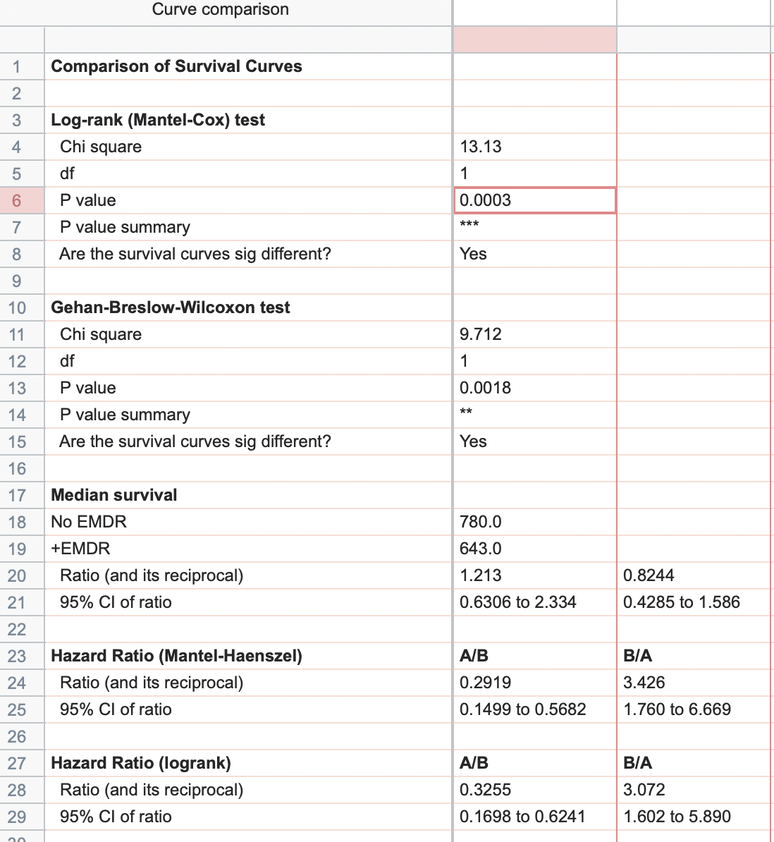
Days | No EMDR | +EMDR
429 |  | 1
695 |  | 1
595 |  | 1
605 |  | 1
600 |  | 1
491 |  | 1
800 |  | 1
643 |  | 1
563 |  | 1
558 |  | 1
708 |  | 1
817 |  | 1
676 |  | 1
704 |  | 1
595 |  | 1
752 |  | 1
741 |  | 1
724 |  | 1
765 |  | 1
666 |  | 1
584 |  | 1
459 |  | 1
827 |  | 1
548 |  | 1
608 |  | 1
595 | 1
679 | 1
780 | 1
513 | 1
700 | 1
663 | 1
637 | 1
671 | 1
789 | 1
731 | 1
643 | 1
630 | 1
653 | 1
655 | 1
1460 | 0
1460 | 0
1460 | 0
1460 | 0
1460 | 0
1460 | 0
1460 | 0
1460 | 0
1460 | 0
1460 | 0
1460 | 0

Figure 6j
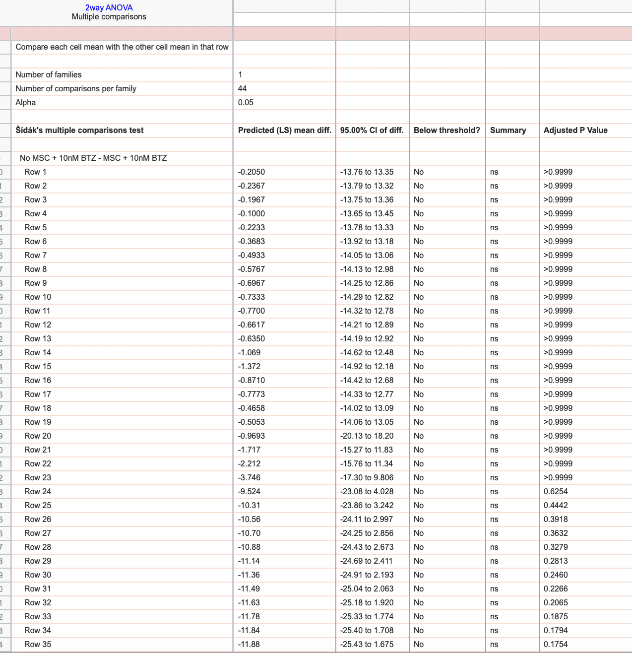
Time (days) | No MSC + Veh |  |  |  |  |  | MSC + Veh |  |  |  |  |  | No MSC + 10nM BTZ |  |  |  |  |  | MSC + 10nM BTZ
 | B2 | C2 | D2 | E2 | F2 | G2 | B2 | C2 | D2 | E2 | F2 | G2 | B2 | C2 | D2 | E2 | F2 | G2 | B2 | C2 | D2 | E2 | F2 | G2
0 | 3.15 | 3.07 | 3.03 | 3.17 | 3.09 | 3.21 | 3.72 | 3.67 | 3.88 | 3.59 | 3.45 | 3.5 | 2.94 | 3.2 | 3.47 | 3.61 | 3.43 | 3.61 | 3.42 | 3.73 | 4.03 | 3.51 | 3.5 | 3.3
0.25 | 3.59 | 3.5 | 3.48 | 3.46 | 3.5 | 3.61 | 4.16 | 4.2 | 4.25 | 3.99 | 3.87 | 3.93 | 3.32 | 3.57 | 3.99 | 4.15 | 3.94 | 4.09 | 3.85 | 4.2 | 4.61 | 4.13 | 3.93 | 3.76
0.5 | 3.96 | 3.79 | 3.76 | 3.92 | 3.88 | 3.96 | 4.4 | 4.41 | 4.47 | 4.31 | 4.17 | 4.2 | 3.58 | 3.7 | 4.06 | 4.3 | 4.13 | 4.16 | 4.16 | 4.24 | 4.54 | 4.08 | 4.14 | 3.95
0.75 | 4.22 | 4.23 | 4.19 | 4.27 | 4.25 | 4.39 | 4.79 | 4.81 | 4.81 | 4.69 | 4.43 | 4.57 | 3.06 | 3.44 | 3.73 | 3.88 | 3.71 | 3.93 | 3.66 | 3.85 | 4.02 | 3.72 | 3.6 | 3.5
1 | 4.69 | 4.78 | 4.64 | 4.73 | 4.73 | 4.85 | 5.32 | 5.22 | 5.28 | 5.06 | 4.84 | 5.06 | 2.85 | 3.28 | 3.39 | 3.56 | 3.46 | 3.63 | 3.49 | 3.67 | 3.77 | 3.66 | 3.56 | 3.36
1.25 | 5.16 | 5.16 | 5.11 | 5.05 | 5.15 | 5.2 | 5.71 | 5.69 | 5.64 | 5.5 | 5.33 | 5.47 | 2.82 | 3.14 | 3.3 | 3.42 | 3.29 | 3.46 | 3.57 | 3.78 | 3.75 | 3.66 | 3.45 | 3.43
1.5 | 5.63 | 5.66 | 5.45 | 5.23 | 5.17 | 5.21 | 6.04 | 6.08 | 6.08 | 5.89 | 5.78 | 6.06 | 2.69 | 2.89 | 3.15 | 3.16 | 3.16 | 3.2 | 3.37 | 3.74 | 3.87 | 3.57 | 3.42 | 3.24
1.75 | 6 | 6.01 | 5.89 | 5.83 | 5.98 | 5.84 | 6.82 | 6.6 | 6.72 | 6.52 | 6.38 | 6.48 | 2.6 | 2.84 | 3.08 | 3.08 | 2.94 | 3.05 | 3.43 | 3.65 | 3.84 | 3.5 | 3.35 | 3.28
2 | 6.6 | 6.33 | 6.36 | 6.34 | 6.35 | 6.2 | 7.42 | 7.49 | 7.31 | 7.02 | 7.04 | 7.22 | 2.47 | 2.65 | 2.94 | 2.99 | 2.81 | 3 | 3.4 | 3.71 | 3.81 | 3.45 | 3.41 | 3.26
2.25 | 7.11 | 6.88 | 6.92 | 6.73 | 6.64 | 6.47 | 8.06 | 7.92 | 7.98 | 7.58 | 7.72 | 7.6 | 2.42 | 2.64 | 2.98 | 2.85 | 2.81 | 2.9 | 3.43 | 3.73 | 3.72 | 3.45 | 3.45 | 3.22
2.5 | 7.52 | 7.25 | 7.28 | 7.11 | 7.06 | 6.84 | 8.78 | 8.53 | 8.71 | 8.31 | 8.17 | 8.36 | 2.35 | 2.55 | 2.98 | 2.72 | 2.77 | 2.82 | 3.33 | 3.62 | 3.77 | 3.53 | 3.23 | 3.33
2.75 | 8.18 | 7.76 | 7.53 | 7.51 | 7.42 | 7.09 | 9.64 | 9.21 | 9.29 | 9 | 8.94 | 9.05 | 2.36 | 2.62 | 2.93 | 2.76 | 2.68 | 2.88 | 3.2 | 3.57 | 3.62 | 3.36 | 3.24 | 3.21
3 | 8.73 | 8.1 | 8.11 | 8.06 | 7.83 | 7.7 | 10.46 | 9.93 | 9.98 | 9.65 | 9.98 | 9.67 | 2.37 | 2.5 | 2.96 | 2.9 | 2.68 | 2.89 | 3.21 | 3.59 | 3.52 | 3.32 | 3.18 | 3.29
4 | 10.015 | 12.134 | 12.113 | 10.865 | 13.307 | 11.74 | 27.319 | 30.178 | 26.474 | 27.397 | 31.773 | 32.439 | 3.478 | 4.06 | 1.335 | 2.678 | 3.363 | 3.163 | 2.119 | 3.076 | 2.179 | 4.881 | 5.866 | 6.37
9 | 24.441 | 42.759 | 42.643 | 50.647 | 38.773 | 35.669 | 74.517 | 98.579 | 95.667 | 95.517 | 94.518 | 89.734 | 0.936 | 1.354 | 0.582 | 0.578 | 0.638 | 0.833 | 0.738 | 1.741 | 3.229 | 2.441 | 3.786 | 1.218
10 | 25.296 | 35.181 | 33.442 | 36.986 | 29.799 | 29.512 | 75.857 | 97.442 | 93.752 | 89.655 | 88.618 | 80.108 | 1.199 | 0.521 | 0.229 | 0.223 | 0.348 | 0.294 | 0.899 | 1.403 | 1.776 | 0.954 | 1.709 | 1.299
13 | 23.181 | 35.049 | 31.217 | 23.996 | 23.713 | 24.872 | 84.085 | 93.599 | 99.521 | 87.752 | 95.825 | 93.359 | 0.056 | 0.404 | 0.141 | 0.08 | 0.061 | 0.079 | 0.823 | 0.805 | 1.017 | 0.957 | 0.715 | 1.168
17 | 22.109 | 37.462 | 29.033 | 19.225 | 18.803 | 26.226 | 99.58 | 99.998 | 99.955 | 99.741 | 95.077 | 99.717 | 0.336 | 0.26 | 0.188 | 0.165 | 0.063 | 0.258 | 0.681 | 0.444 | 1.177 | 0.822 | 0.667 | 0.274
20 | 33.779 | 59.329 | 50.231 | 32.753 | 51.295 | 52.511 | 99.796 | 99.928 | 99.993 | 99.876 | 99.714 | 99.995 | 0.12 | 0.049 | 0.02 | 0.023 | 0.048 | 0.066 | 0.405 | 0.634 | 1.139 | 0.384 | 0.324 | 0.472
24 |  |  |  |  |  |  |  |  |  |  |  |  | 0.011 | 0.03255 | 0.03255 |  |  |  | 0.59 | 0.702 | 1.692
27 |  |  |  |  |  |  |  |  |  |  |  |  | 0.013 | 0.011 | 0.013 | 0.051 | 0.006 | 0.067 | 0.795 | 1.796 | 6.769 | 0.34 | 0.422 | 0.341
31 |  |  |  |  |  |  |  |  |  |  |  |  | 0.003 | 0.013 | 0.000732 | 0.054 | 0.009 | 0.026 | 1.819 | 1.648 | 8.886 | 0.318 | 0.551 | 0.158
34 |  |  |  |  |  |  |  |  |  |  |  |  | 0.000651 | 0.14 | 0.04 | 0.321 | 0.01 | 0.161 | 2.076 | 3.852 | 15.406 | 0.356 | 0.897 | 0.56
37 |  |  |  |  |  |  |  |  |  |  |  |  | 0.6742378 | 0.8420427 | 0.2304141 | 1.32889 | 0.4671929 | 1.192772 | 7.985631 | 20.24713 | 16.52859 | 4.469337 | 6.733637 | 5.915305
37.25 |  |  |  |  |  |  |  |  |  |  |  |  | 0.6759998 | 1.013781 | 0.2438538 | 1.418966 | 0.4748142 | 1.301368 | 8.468886 | 21.81402 | 17.91362 | 4.656318 | 7.863814 | 6.270501
37.5 |  |  |  |  |  |  |  |  |  |  |  |  | 0.7247459 | 1.309318 | 0.2590417 | 1.565778 | 0.5117871 | 1.296219 | 8.340171 | 22.39199 | 18.66174 | 4.946582 | 8.223175 | 6.433784
37.75 |  |  |  |  |  |  |  |  |  |  |  |  | 0.7472683 | 1.453098 | 0.2618007 | 1.5566 | 0.5576923 | 1.257662 | 8.355592 | 22.70909 | 18.96868 | 5.050836 | 8.425016 | 6.500519
38 |  |  |  |  |  |  |  |  |  |  |  |  | 0.7617734 | 1.452087 | 0.2618417 | 1.511377 | 0.5927393 | 1.177256 | 8.270104 | 22.9353 | 19.37649 | 5.096099 | 8.621941 | 6.731397
38.25 |  |  |  |  |  |  |  |  |  |  |  |  | 0.7977491 | 1.387921 | 0.2658708 | 1.410375 | 0.611451 | 1.130327 | 8.214734 | 23.25347 | 20.04153 | 5.224227 | 8.792217 | 6.921137
38.5 |  |  |  |  |  |  |  |  |  |  |  |  | 0.806381 | 1.308239 | 0.2683157 | 1.326554 | 0.622801 | 1.106616 | 8.27774 | 23.46893 | 20.47281 | 5.292204 | 9.004507 | 7.076158
38.75 |  |  |  |  |  |  |  |  |  |  |  |  | 0.811776 | 1.234976 | 0.2669225 | 1.225169 | 0.6195093 | 1.068878 | 8.237776 | 23.62619 | 20.6577 | 5.367078 | 9.046779 | 7.22424
39 |  |  |  |  |  |  |  |  |  |  |  |  | 0.8192335 | 1.190218 | 0.2713478 | 1.180725 | 0.6112735 | 1.059113 | 8.205106 | 23.77437 | 21.06208 | 5.430384 | 9.104908 | 7.348025
39.25 |  |  |  |  |  |  |  |  |  |  |  |  | 0.8134834 | 1.138754 | 0.2668542 | 1.119687 | 0.5806381 | 1.039691 | 8.261186 | 23.98539 | 21.363 | 5.500615 | 9.167109 | 7.347957
39.5 |  |  |  |  |  |  |  |  |  |  |  |  | 0.8366205 | 1.101084 | 0.2632758 | 1.114756 | 0.5835063 | 1.026415 | 8.263931 | 23.98038 | 21.44222 | 5.479444 | 9.291479 | 7.529733
39.75 |  |  |  |  |  |  |  |  |  |  |  |  | 0.8196842 | 1.066256 | 0.262989 | 1.081102 | 0.5543187 | 1.021225 | 8.230605 | 24.00228 | 21.51983 | 5.452005 | 9.372663 | 7.4863
40 |  |  |  |  |  |  |  |  |  |  |  |  | 0.8262948 | 1.053595 | 0.2592876 | 1.053144 | 0.5473803 | 1.001967 | 8.193632 | 24.27211 | 21.749 | 5.553827 | 9.47368 | 7.692608
40.25 |  |  |  |  |  |  |  |  |  |  |  |  | 0.8241914 | 1.010093 | 0.2551218 | 1.037697 | 0.5363855 | 0.9737899 | 8.132171 | 24.18974 | 21.96084 | 5.513849 | 9.433607 | 7.715855
40.5 |  |  |  |  |  |  |  |  |  |  |  |  | 0.8478748 | 1.009602 | 0.260271 | 1.011746 | 0.5018165 | 0.9687363 | 8.238062 | 24.45554 | 22.50287 | 5.706362 | 9.571747 | 7.867583
40.75 |  |  |  |  |  |  |  |  |  |  |  |  | 0.8379179 | 0.9771908 | 0.259711 | 0.9828726 | 0.4903983 | 0.9585063 | 8.130136 | 24.51042 | 22.60307 | 5.847424 | 9.517578 | 7.87795
44 |  |  |  |  |  |  |  |  |  |  |  |  | 0.005 | 0.121 | 0.021 | 0.015 | 0.153 | 0.104 | 6.515 | 24.815 | 62.643 | 7.266 | 2.257 | 0.45
48 |  |  |  |  |  |  |  |  |  |  |  |  | 0.01 | 0.111 | 0.001 | 0.084 | 0.001 | 0.185 | 7.519 | 49.295 | 69.001 | 4.767 | 6.201 | 3.122
51 |  |  |  |  |  |  |  |  |  |  |  |  | 0.035 | 0.022 | 0.031 | 0.806 | 0.464 | 0.295 | 8.253 | 47.769 | 69.716 | 3.223 | 7.082 | 4.522
54 |  |  |  |  |  |  |  |  |  |  |  |  | 0.296 | 0.111 | 0.125 | 2.145 | 0.024 | 0.162 | 7.09 | 49.276 | 62.48 | 4.383 | 8.878 | 8.128
58 |  |  |  |  |  |  |  |  |  |  |  |  | 0.058 | 0.018 | 0.01 | 7.808 | 0.239 | 0.14 | 9.666 | 52.073 | 68.089 | 13.139 | 15.714 | 12.241
60

Figure 6k
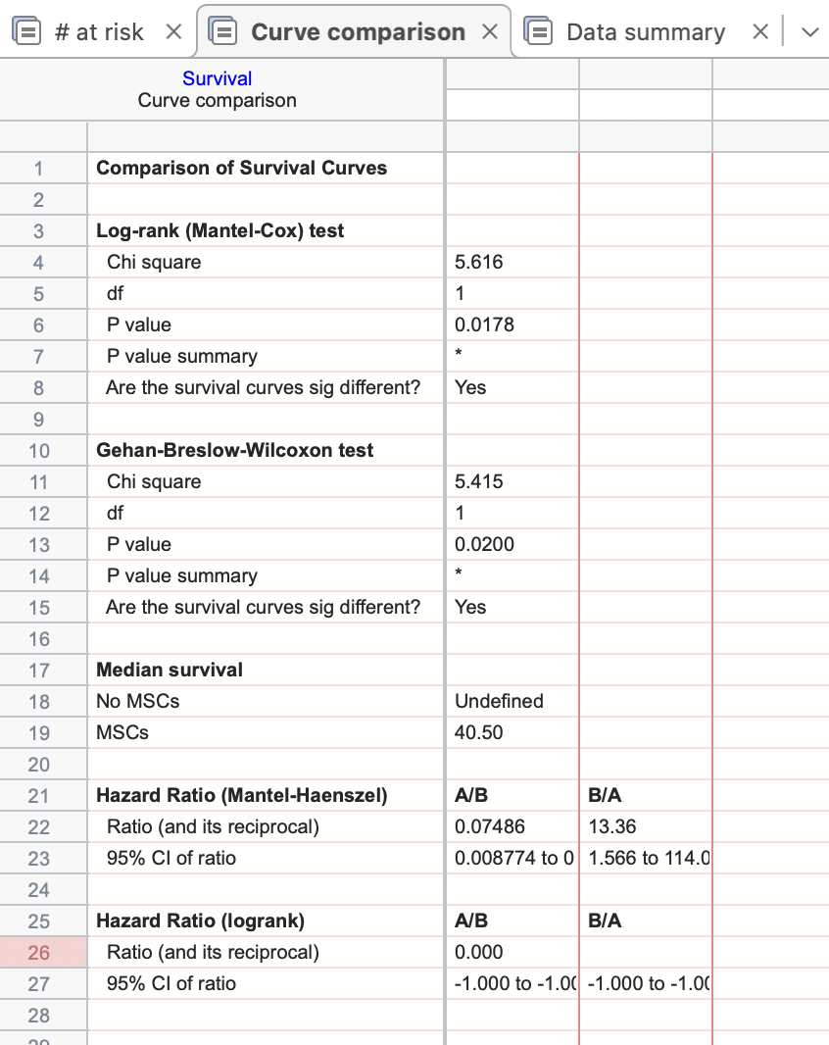
Time (h) | No MSCs | MSCs
56 | 0
56 | 0
56 | 0
56 | 0
56 | 0
56 | 0
56 |  | 0
37 |  | 1
38 |  | 1
56 |  | 0
56 |  | 0
56 |  | 0

Figure 6l
Time (days) | No MSC + Veh |  |  |  |  |  | MSC + Veh |  |  |  |  |  | No MSC + BTZ |  |  |  |  |  | MSC + BTZ
0 | 2.54 | 2.7 | 2.66 | 2.43 | 2.35 | 2.8 | 2.81 | 2.83 | 3 | 2.96 | 3.14 | 3.21 | 3.22 | 3.41 | 2.96 | 3.15 | 3.18 | 3.09 | 3.11 | 3.46 | 3.75 | 3.47 | 3.24 | 3.14
0.25 | 2.84 | 3.07 | 3.01 | 2.75 | 2.61 | 3.09 | 3.05 | 3.01 | 3.28 | 3.22 | 3.4 | 3.37 | 3.11 | 3.27 | 2.86 | 3.11 | 3.09 | 2.97 | 3.03 | 3.3 | 3.52 | 3.31 | 3.04 | 3.06
0.5 | 3.18 | 3.45 | 3.39 | 2.99 | 2.81 | 3.38 | 3.36 | 3.27 | 3.58 | 3.49 | 3.67 | 3.69 | 3.07 | 3.19 | 2.75 | 3.04 | 2.99 | 2.88 | 3.02 | 3.17 | 3.4 | 3.14 | 2.92 | 2.93
0.75 | 3.57 | 3.99 | 3.75 | 3.57 | 3.13 | 3.61 | 3.7 | 3.7 | 4 | 3.81 | 3.94 | 4 | 3.07 | 3.19 | 2.78 | 3.09 | 3.02 | 2.92 | 2.87 | 3.16 | 3.29 | 3.18 | 2.85 | 2.69
DAPI was added to wells day 18 to look at dead cells.. % death was not reported in the manuscript.
1 | 3.98 | 4.36 | 4.13 | 3.78 | 3.32 | 3.78 | 4.09 | 4.11 | 4.35 | 4.13 | 4.12 | 4.37 | 3.05 | 3.18 | 2.72 | 3.07 | 2.97 | 2.89 | 2.72 | 3.01 | 3.17 | 2.99 | 2.77 | 2.62
1.25 | 4.32 | 4.81 | 4.51 | 4.04 | 3.58 | 4.04 | 4.46 | 4.51 | 4.82 | 4.51 | 4.54 | 4.84 | 3.04 | 3.14 | 2.71 | 3.03 | 2.93 | 2.88 | 2.88 | 3 | 3.09 | 2.91 | 2.71 | 2.52
1.5 | 4.71 | 5.26 | 4.85 | 4.3 | 3.85 | 4.32 | 5.05 | 5.07 | 5.39 | 5.07 | 5.15 | 5.53 | 3.03 | 3.11 | 2.66 | 3.01 | 2.91 | 2.84 | 2.66 | 2.91 | 3.1 | 2.78 | 2.7 | 2.64
1.75 | 5.13 | 5.63 | 5.26 | 4.75 | 4.21 | 4.53 | 5.71 | 5.76 | 6.13 | 5.73 | 5.81 | 6.26 | 2.99 | 3.03 | 2.65 | 2.96 | 2.88 | 2.82 | 2.77 | 3.01 | 3.11 | 2.8 | 2.65 | 2.5
2 | 5.59 | 6.09 | 5.6 | 4.96 | 4.41 | 4.82 | 6.29 | 6.53 | 6.97 | 6.47 | 6.42 | 7.15 | 2.97 | 3.03 | 2.65 | 2.97 | 2.87 | 2.8 | 2.88 | 2.89 | 3.11 | 2.81 | 2.66 | 2.52
2.25 | 5.98 | 6.54 | 6.08 | 5.43 | 4.71 | 5.08 | 7.13 | 7.48 | 7.9 | 7.36 | 7.32 | 8.14 | 2.96 | 2.98 | 2.66 | 2.96 | 2.82 | 2.79 | 2.88 | 2.92 | 3.12 | 2.78 | 2.7 | 2.54
2.5 | 6.5 | 7.08 | 6.49 | 5.89 | 4.96 | 5.4 | 8.14 | 8.49 | 9.03 | 8.2 | 8.3 | 9.31 | 2.96 | 2.96 | 2.69 | 2.97 | 2.84 | 2.79 | 2.81 | 3.04 | 3.16 | 2.81 | 2.68 | 2.54
2.75 | 7 | 7.71 | 6.99 | 6.22 | 5.36 | 5.76 | 9.33 | 9.54 | 10.05 | 9.19 | 9.48 | 10.37 | 2.93 | 2.94 | 2.66 | 2.97 | 2.82 | 2.75 | 2.92 | 3 | 3.23 | 2.85 | 2.75 | 2.66
7 | 5.663 | 15.045 | 15.677 | 13.755 | 13.095 | 14.503 | 8.822 | 18.485 | 26.085 | 19.278 | 18.445 | 27.04 | 1.041 | 1.348 | 1.102 | 1.338 | 1.348 | 1.405 | 1.429 | 1.557 | 1.925 | 1.677 | 1.525 | 1.392
11 | 27.387 | 34.544 | 40.178 | 35.989 | 49.927 | 7.655 | 28.052 | 48.654 | 48.888 | 47.331 | 50.12 | 72.236 | 0.073 | 0.919 | 0.03 | 1.44 | 1.728 | 0.059 | 0.372 | 0.55 | 0.076 | 0.18 | 0.555 | 0.584
18 |  |  |  |  |  |  |  |  |  |  |  |  | 4.978 | 3.004 | 3.699 | 7.27 | 7.297 | 1.785 | 14.719 | 27.364 | 6.002 | 2.803 | 0.144 | 2.854
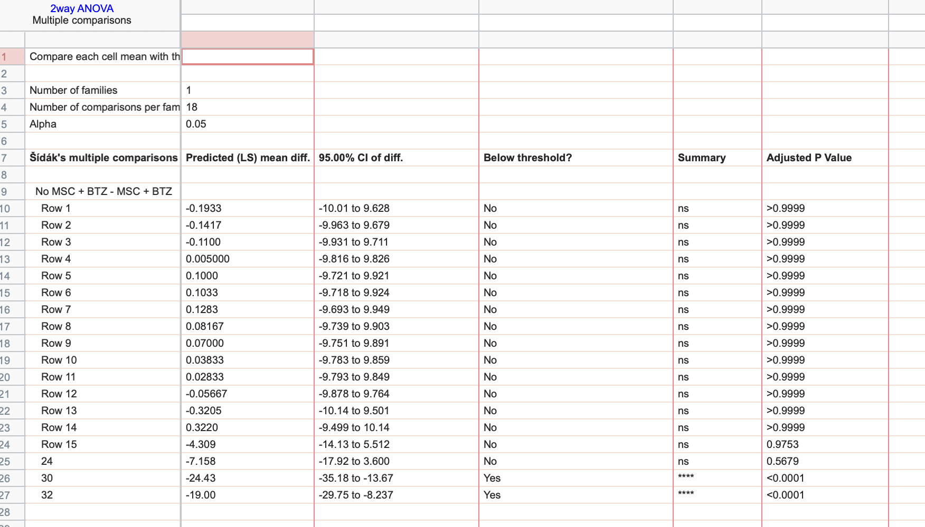
24 |  |  |  |  |  |  |  |  |  |  |  |  | 6.207 | 5.781 | 4.7924069 | 9.3725697 | 12.261 |  | 23.115 | 25.771 | 10.921 | 9.036 | 5.363
30 |  |  |  |  |  |  |  |  |  |  |  |  | 18.144 | 16.551 | 9.737 | 37.204 | 13.314 |  | 62.603 | 62.829 | 7.856 | 58.705 | 25.088
32 |  |  |  |  |  |  |  |  |  |  |  |  | 26.038 | 17.776 | 39.299 | 50.893 | 40.541 |  | 54.529 | 68.935 | 65.749 | 47.392 | 32.919

Figure 6n
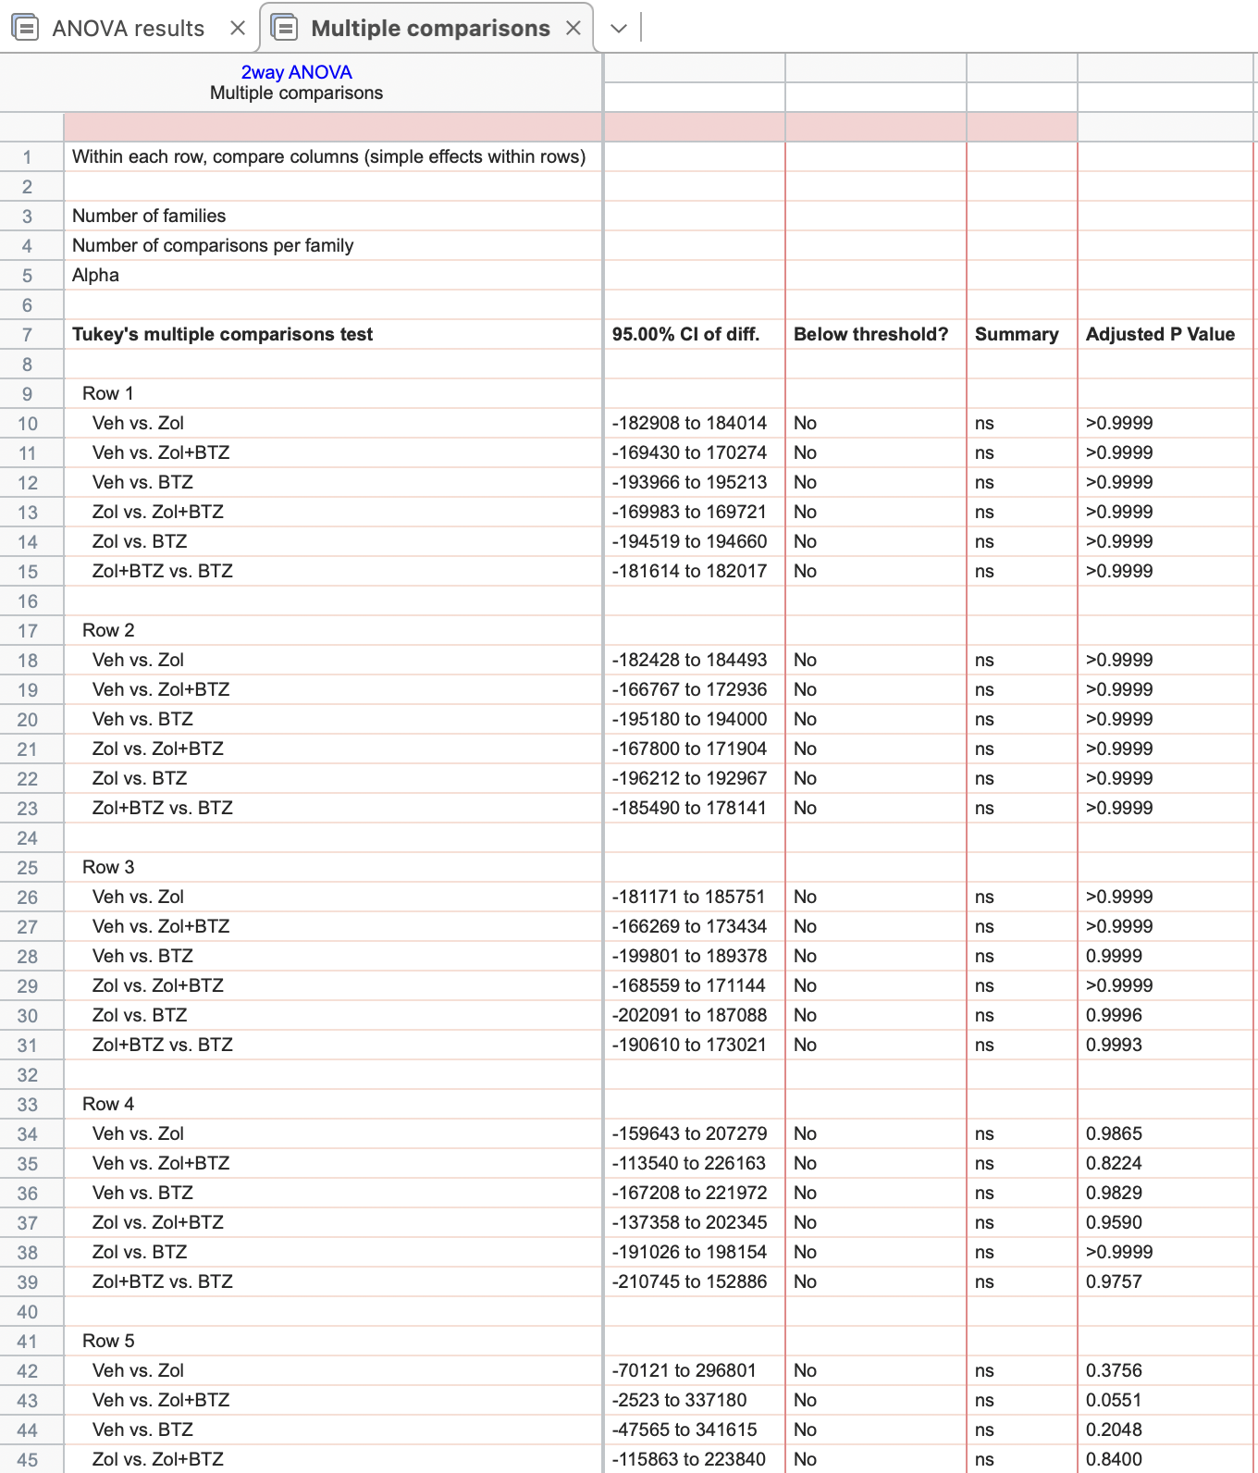
Days | Veh |  |  |  |  | Zol |  |  |  |  | Zol+BTZ |  |  |  |  |  |  | BTZ
7 | 4796 | 2896 | 1714 | 1172 | 2301 | 2066 | 3168 | 935.5 | 1184 | 2760 | 2695 | 1751 | 4016 | 1775 | 1967 | 1103 | 1770 | 2650 | 2092 | 1555 | 1512
16 | 10860 | 13370 | 12130 | 13330 | 24710 | 8582 | 9818 | 8170 | 9988 | 32680 | 11130 | 12150 | 33230 | 2715 | 3741 | 13900 | 5702 | 13710 | 15020 | 21790 | 11360
20 | 45410 | 57880 | 70840 | 33100 | 67000 | 24750 | 53020 | 37500 | 25010 | 122500 | 60060 | 62130 | 161300 | 7954 | 31500 | 19710 | 16190 | 71680 | 80760 | 76980 | 10810
23 | 63860 | 115500 | 276000 | 140600 | 158100 | 38290 | 101400 | 141100 | 43380 | 310800 | 97440 | 104200 | 276000 | 104200 | 27520 | 16672 | 35470 | 101400 | 141100 | 192200 | 59020
26 | 204400 | 364600 | 175300 | 203100 | 265500 | 101500 | 148600 | 24390 | 13310 | 358400 | 92530 | 138900 | 171600 | 15570 | 42660 | 39470 | 26030 | 120700 | 113600 | 93900 | 54020
28 | 367700 | 473600 | 1240000 | 558300 | 493900 | 188300 | 384500 | 21180 | 118000 | 838600 | 48960 | 82380 | 298300 | 29220 | 36130 | 45690 | 28600 | 173500 | 87450 | 118600 | 66810

Figure 7d
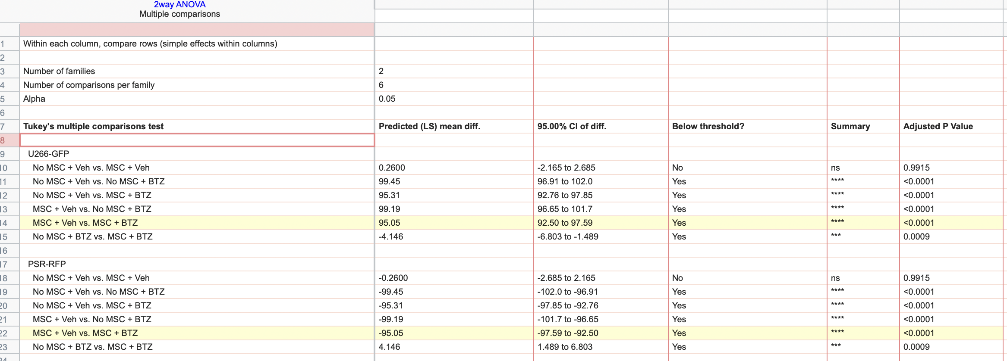
Values are the same for "on treatment" and "relapse" for vehicle treated groups since they "relapsed" whilst on treatment.
On treatment
 | U266-GFP |  |  |  |  |  | PSR-RFP
No MSC + Veh | 99.98 | 99.81 | 99.96 | 99.9 | 99.99 | 99.93 | 0.02 | 0.19 | 0.04 | 0.1 | 0.01 | 0.07
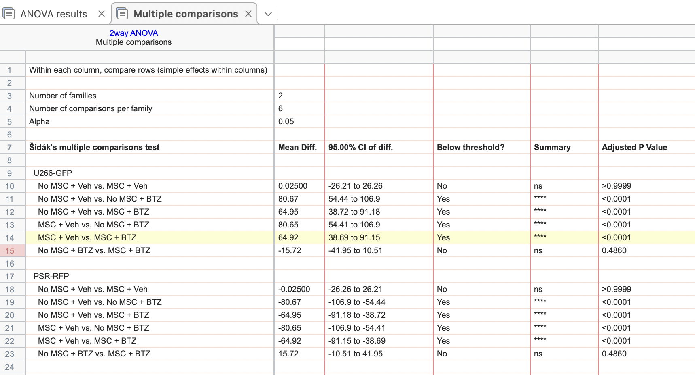
MSC + Veh | 99.95 | 99.81 | 99.93 | 99.87 | 99.97 | 99.89 | 0.05 | 0.19 | 0.07 | 0.13 | 0.03 | 0.11
No MSC + BTZ | 33.7 | 7.62 | 43.33 | 2.99 | 8.1 | 19.81 | 66.3 | 92.38 | 56.67 | 97.01 | 91.9 | 80.19
MSC + BTZ | 81.71 | 19.82 | 10.53 | 58.89 | 21.98 | 16.95 | 18.29 | 80.18 | 89.47 | 41.11 | 78.02 | 83.05

At relapse
 | U266-GFP |  |  |  |  |  | PSR-RFP
No MSC + Veh | 99.98 | 99.81 | 99.96 | 99.9 | 99.99 | 99.93 | 0.02 | 0.19 | 0.04 | 0.1 | 0.01 | 0.07
MSC + Veh | 99.95 | 99.81 | 98.52 | 99.87 | 99.97 | 99.89 | 0.05 | 0.19 | 1.48 | 0.13 | 0.03 | 0.11
No MSC + BTZ | 0.02 | 0.61 | 0.75 | 0.7 | 0.29 |  | 99.98 | 99.39 | 99.25 | 99.3 | 99.71
MSC + BTZ | 9.67 | 2.71 | 2.07 | 2.6 | 6.05 |  | 90.33 | 97.29 | 97.93 | 97.4 | 93.95

Figure 7f
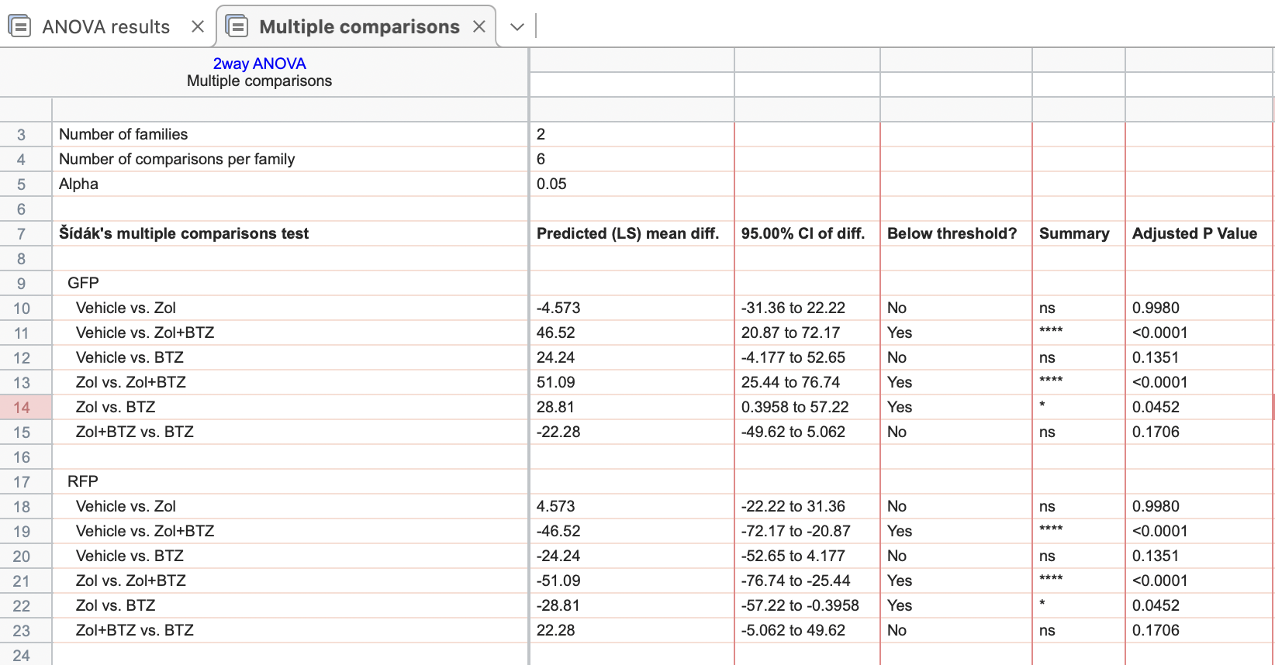
 | GFP+ U266 |  |  |  |  |  |  |  |  |  |  |  | RFP+ PSR
Vehicle | 98.18 | 90.72 | 85.42 | 97 | 94.29 | 96.1 | 98.72 | 56.23 | 90.91 | 91.3 |  |  | 1.82 | 9.28 | 14.58 | 3 | 5.71 | 3.9 | 1.28 | 43.77 | 9.09 | 8.7
Zol | 98.04 | 100 | 67.75 | 98.18 | 98.76 | 100 | 97.89 | 100 | 91.67 | 92.31 |  |  | 1.96 | 0 | 32.25 | 1.82 | 1.24 | 0 | 2.11 | 0 | 8.33 | 7.69
Zol+BTZ | 12.5 | 74.19 | 50 | 33.33 | 0 | 50 | 33.33 | 81.94 | 75 | 43.48 | 0 | 66.67 | 87.5 | 25.81 | 50 | 66.67 | 100 | 50 | 66.67 | 18.06 | 25 | 56.52 | 100 | 33.33
BTZ | 89.88 | 69.81 | 92 | 81.49 | 82.05 | 51.64 | 58.33 | 0 |  |  |  |  | 10.12 | 30.19 | 8 | 18.51 | 17.95 | 48.36 | 41.67 | 100

Figure 8c
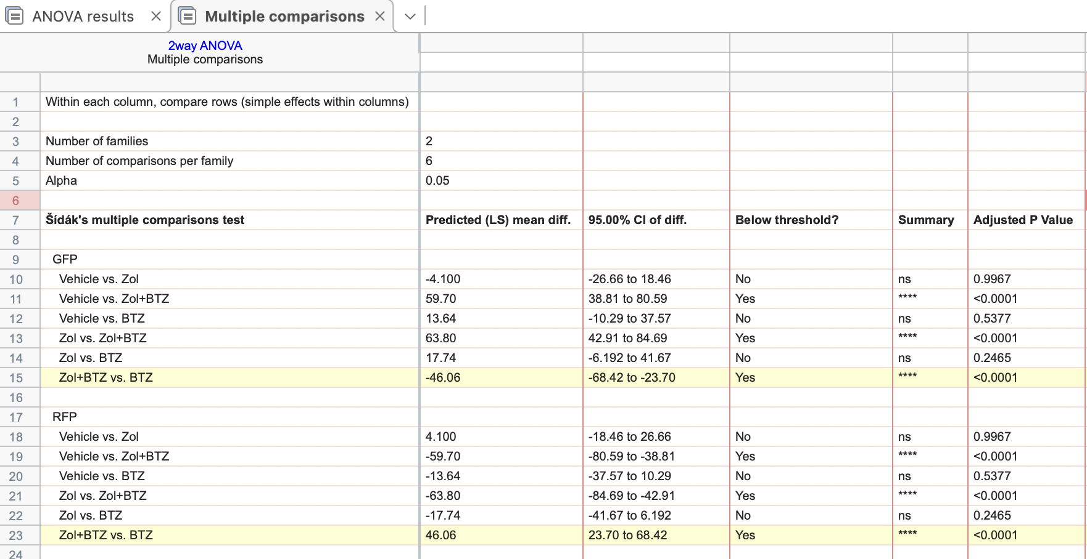
 | GFP |  |  |  |  |  |  | RFP
Vehicle | 94.7 | 90.8 | 70.8 | 97.9 | 96.5 |  |  | 5.3 | 9.2 | 29.2 | 2.1 | 3.5
Zol | 95.2 | 95.8 | 83.9 | 98 | 98.3 |  |  | 4.8 | 4.2 | 16.1 | 2 | 1.7
Zol+BTZ | 9.6 | 37.1 | 42.5 | 55.1 | 39.2 | 16.7 | 12.88 | 90.4 | 62.9 | 57.5 | 44.9 | 60.8 | 83.3 | 87.12
BTZ | 89.8 | 79.8 | 69.8 | 66.6 |  |  |  | 10.2 | 20.2 | 30.2 | 33.4

Figure 8d
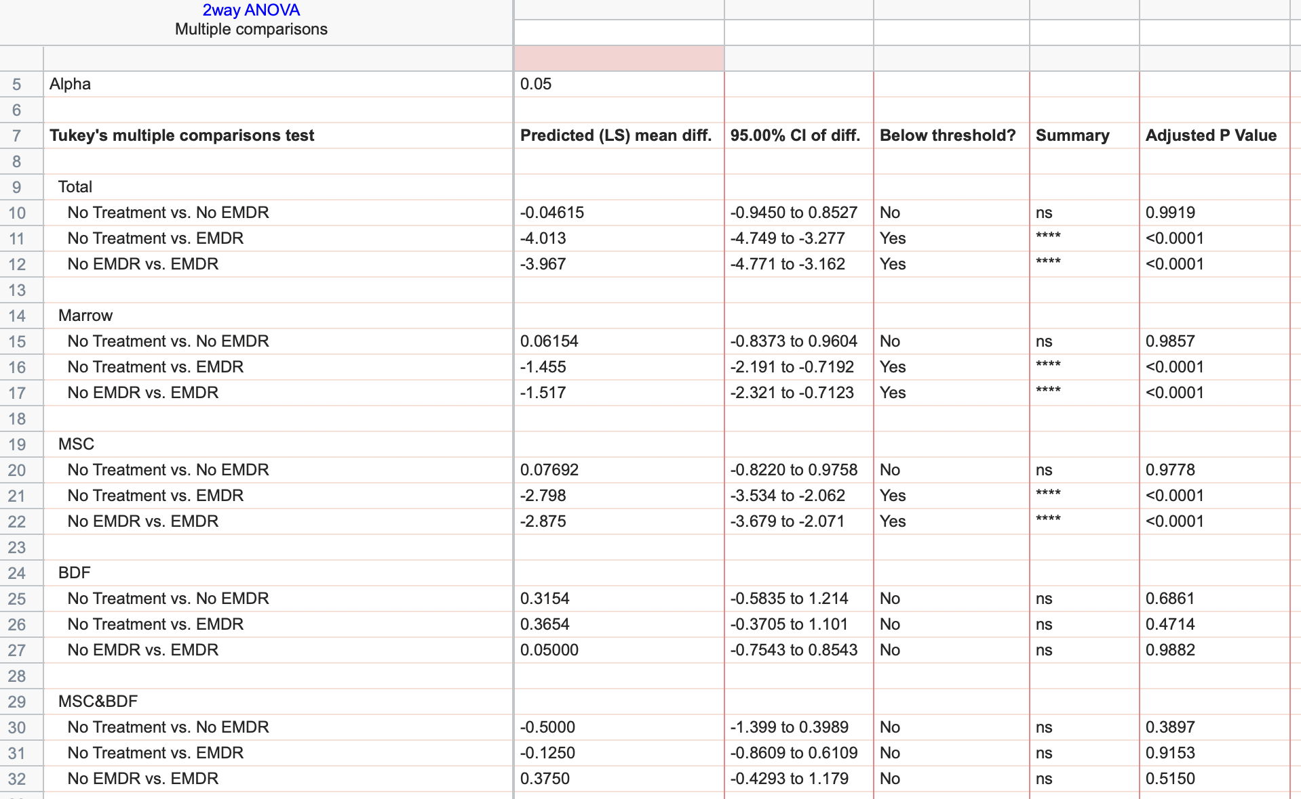
 | No Treatment |  |  |  |  |  |  |  |  |  |  |  |  | No EMDR |  |  |  |  |  |  |  |  |  | EMDR
Total | 1 | 1 | 1 | 1 | 1 | 1 | 1 | 1 | 1 | 1 | 1 | 2 | 2 | 1 | 2 | 1 | 1 | 1 | 1 | 1 | 2 | 1 | 1 | 6 | 4 | 5 | 7 | 4 | 5 | 9 | 5 | 3 | 6 | 3 | 6 | 6 | 4 | 6 | 6 | 7 | 8 | 5 | 4 | 3 | 2 | 6 | 4
Marrow | 1 | 1 | 0 | 0 | 0 | 0 | 0 | 1 | 1 | 1 | 1 | 0 | 0 | 1 | 1 | 0 | 0 | 1 | 1 | 0 | 0 | 0 | 0 | 2 | 3 | 3 | 6 | 2 | 1 | 2 | 2 | 2 | 2 | 2 | 1 | 3 | 2 | 2 | 1 | 1 | 2 | 4 | 1 | 1 | 1 | 0 | 0
MSC | 1 | 0 | 0 | 0 | 0 | 0 | 0 | 0 | 0 | 0 | 0 | 0 | 0 | 0 | 0 | 0 | 0 | 0 | 0 | 0 | 0 | 0 | 0 | 3 | 3 | 2 | 1 | 2 | 3 | 1 | 4 | 1 | 3 | 4 | 2 | 5 | 2 | 5 | 6 | 4 | 2 | 3 | 2 | 3 | 5 | 3 | 0
BDF | 1 | 1 | 0 | 0 | 0 | 0 | 0 | 1 | 1 | 1 | 1 | 1 | 1 | 1 | 1 | 0 | 0 | 1 | 0 | 0 | 0 | 0 | 0 | 1 | 1 | 1 | 1 | 1 | 1 | 0 | 0 | 0 | 0 | 0 | 0 | 0 | 0 | 0 | 0 | 0 | 0 | 0 | 0 | 0 | 0 | 0 | 0
MSC&BDF | 0 | 0 | 0 | 0 | 0 | 0 | 0 | 0 | 0 | 0 | 0 | 0 | 0 | 1 | 1 | 0 | 0 | 1 | 1 | 1 | 0 | 0 | 0 | 2 | 1 | 0 | 0 | 0 | 0 | 0 | 0 | 0 | 0 | 0 | 0 | 0 | 0 | 0 | 0 | 0 | 0 | 0 | 0 | 0 | 0 | 0 | 0

Supp 2a
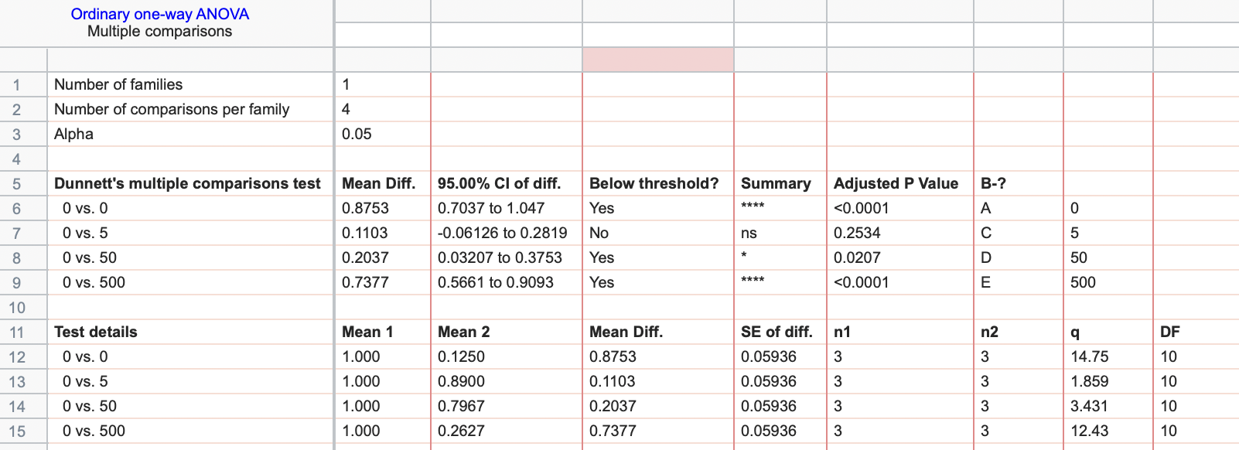
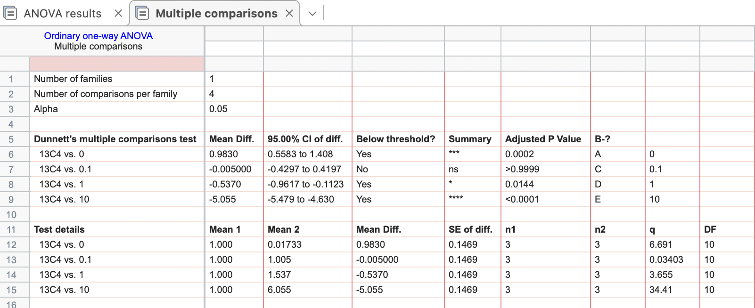
1D11
0 | 13C4 | 0.1 | 1 | 10
0.018 | 1.024 | 1.034 | 1.711 | 5.812
0.017 | 0.968 | 1.016 | 1.512 | 6.475
0.017 | 1.009 | 0.966 | 1.389 | 5.878

tgfbeta (pg/ml)
0 | 0 | 5 | 50 | 500
0.129 | 1.024 | 0.867 | 0.804 | 0.108
0.123 | 0.968 | 0.901 | 0.781 | 0.424
0.123 | 1.009 | 0.902 | 0.805 | 0.256

Supp 2f
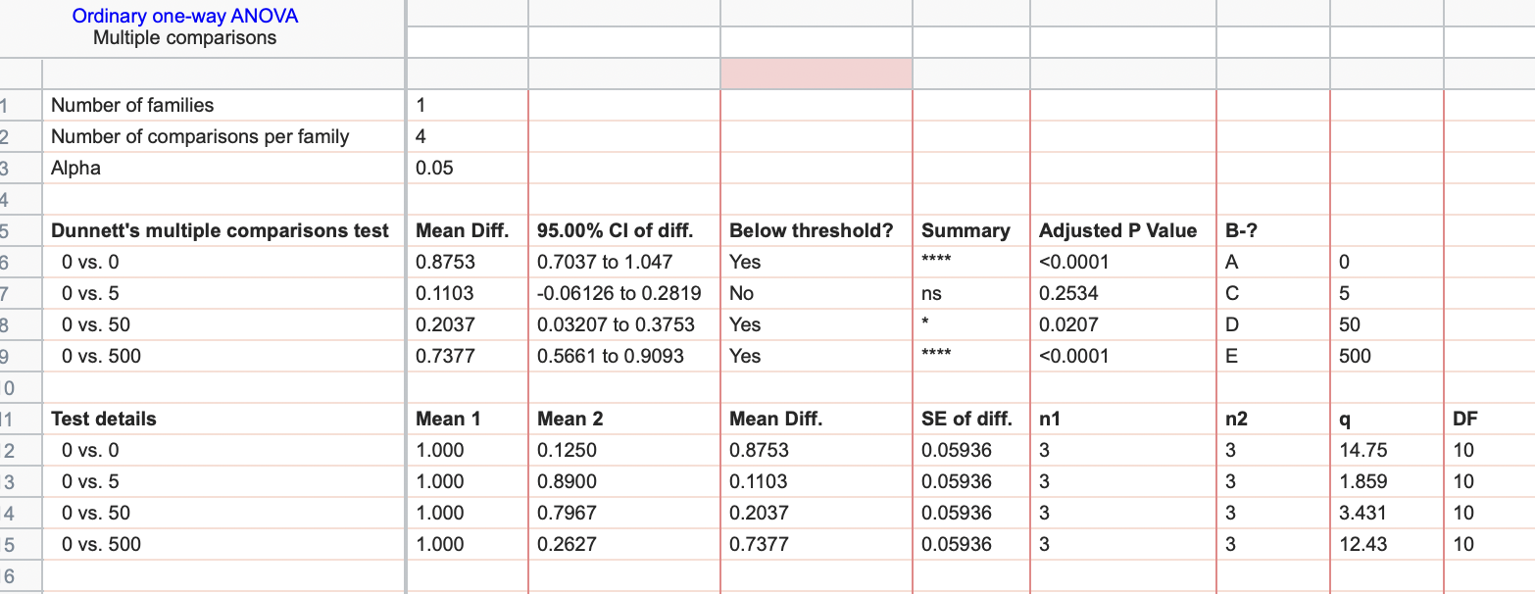
RANKL conc (ng/ml)
0 | 1 | 10 | 50 | 100
0 | 2 | 32 | 104 | 195
0 | 3 | 26 | 90 | 146
0 | 1 | 38 | 62 | 160

Supp 3b
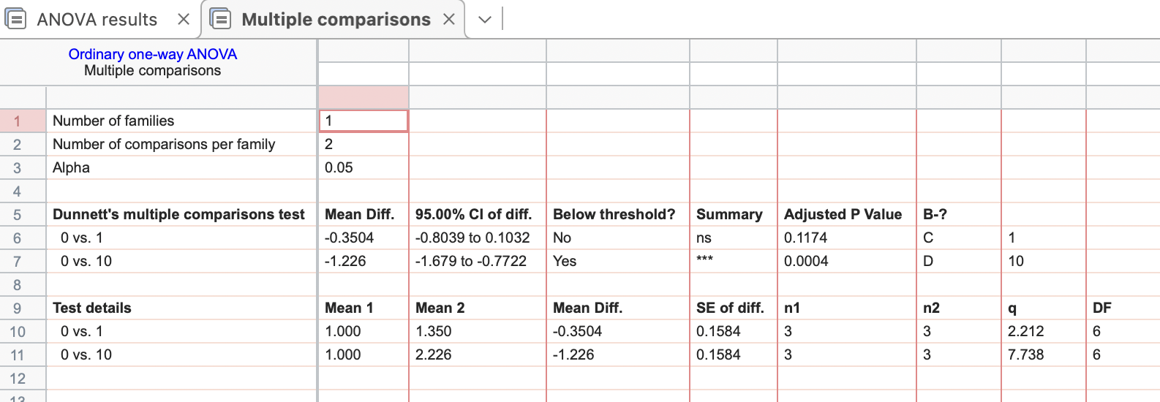
btz (nM)
0 | 1 | 10
1 | 1.41144326 | 2.02511766
1 | 1.20248388 | 2.0687293
1 | 1.43714485 | 2.58323165

Supp 4b
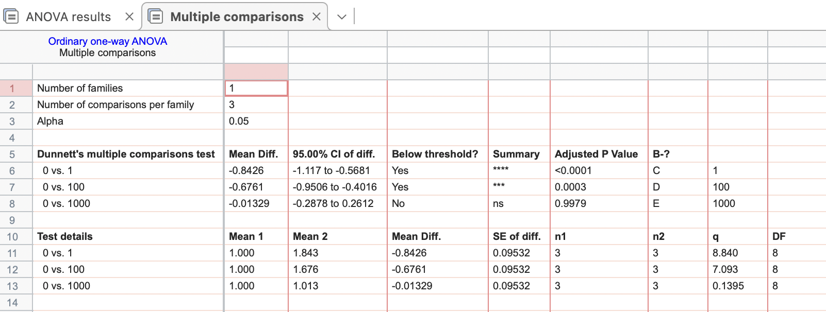
Zol (uM)
0 | 1 | 100 | 1000
1 | 1.69354027 | 1.66513896 | 0.98940726
1 | 1.72494316 | 1.69904553 | 1.01585174
1 | 2.10931526 | 1.66406408 | 1.03462166

Supp 7a
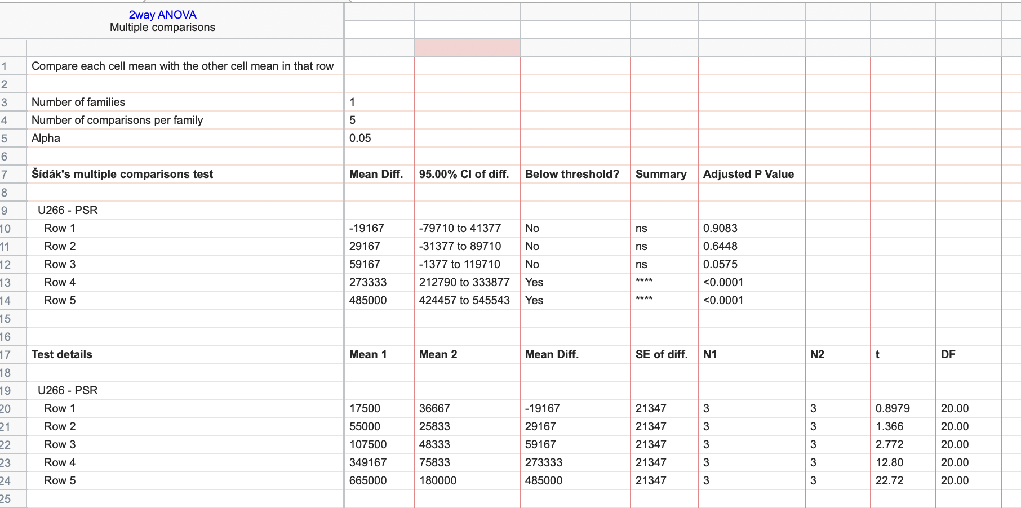
Time(h) | U266 |  |  | PSR
24 | 20000 | 20000 | 12500 | 32500 | 32500 | 45000
48 | 65000 | 57500 | 42500 | 20000 | 25000 | 32500
72 | 87500 | 117500 | 117500 | 47500 | 47500 | 50000
96 | 422500 | 312500 | 312500 | 67500 | 82500 | 77500
120 | 715000 | 655000 | 625000 | 170000 | 180000 | 190000

Supp 7b
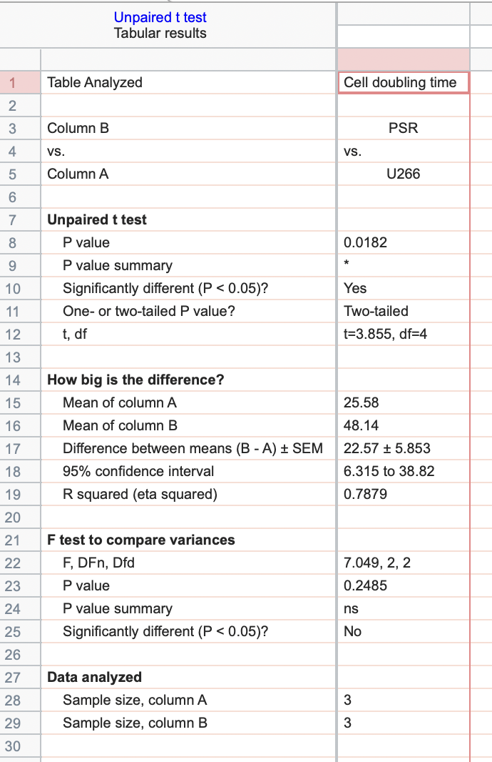
DOUBLING TIME (HRS)
U266 | PSR
29.6924785 | 56.5913335
23.2814798 | 49.9553498
23.7513317 | 37.87777

Supp 8F
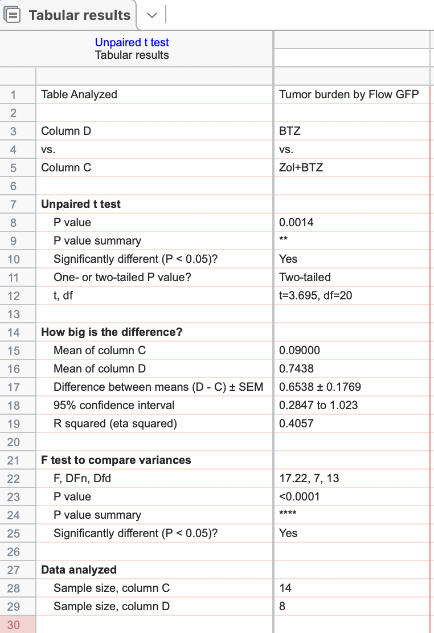
Vehicle | Zol | Zol+BTZ | BTZ
1.08 | 0.5 | 0.01 | 1.51
0.88 | 0.03 | 0.46 | 1.11
0.82 | 2.08 | 0.02 | 0.23
0.97 | 2.16 | 0.02 | 0.32
0.99 | 2.39 | 0 | 1.42
1.48 | 0.42 | 0 | 0.07
0.77 | 0.93 | 0.01 | 0.02
3.25 | 1.91 | 0.01 | 1.27
0.6 | 0.11 | 0
1.05 | 0.12 | 0.03
 |  | 0.1
 |  | 0
 |  | 0.2
 |  | 0.4

