Figure 1d Blots
Figure 1d
ctrl
NFKB2 KD
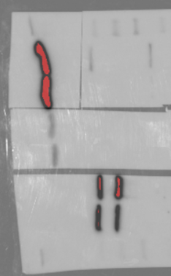

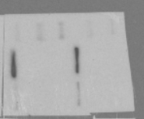
GAPDH (37kDa)
40 kDa
35 kDa
pIKBa (40kDa)
140 kDa
100 kDa
NFKB2 (120kDa, 52kDa)
70 kDa
ctrl
NFKB2 KD
50 kDa

ctrl
NFKB2 KD

ctrl
NFKB2 KD
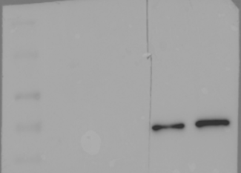
P65 (65kDa)
100 kDa
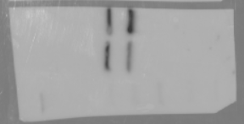
70 kDa
ctrl
NFKB2 KD
140 kDa
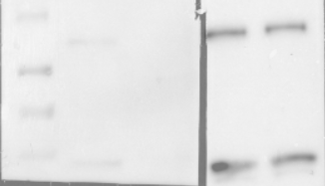
50 kDa
100 kDa
70 kDa
100 kDa
NFKB1 (120kDa, 50kDa)
RelB (70kDa)
70 kDa
50 kDa

50 kDa

c-Rel (75kDa)

Figure 2a Blots
Figure 2a

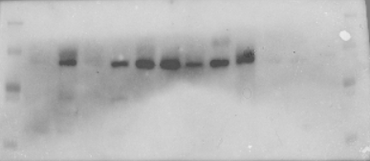
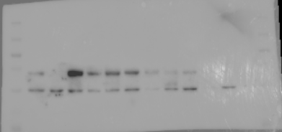
140kDa
NIK (125kDa)
100 kDa
100kDa
70 kDa
RelB (70kDa)
50 kDa

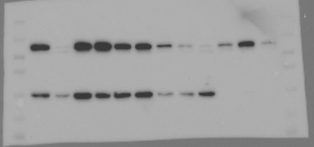

100kDa
140kDa
40 kDa
70kDa
NFKB2 (120kDa, 52kDa)
GAPDH (37kDa)
35 kDa
50kDa

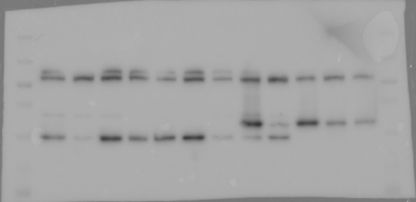

140kDa
100kDa
TRAF3 (62kDa)
70kDa

50kDa

Figure 6c Blots
Figure 6c

Set1 –Shown in manuscript
Set2
Set
KMS11
LP1
JJN3
KMS11
LP1
JJN3
KMS11
LP1
JJN3
VC
RGS1 SE del
VC
VC
RGS1 SE del
RGS1 SE del
VC
VC
RGS1 SE del
VC
RGS1 SE del
RGS1 SE del
VC
VC
RGS1 SE del
VC
RGS1 SE del
RGS1 SE del

25KDa
RGS1 ~25KDa
25KDa
RGS1 ~25KDa
25KDa
RGS1 ~25KDa

GAPDH 37KDa
GAPDH 37KDa
GAPDH 37KDa
35KDa
35KDa
35KDa

Figure 6g Blots
Figure 6g

Set1 –Shown in manuscript
1
2
3
4
5
6
7
8

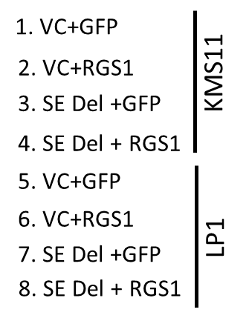
1
2
3
4
5
6
7
8
100KDa
70KDa
25KDa
50KDa
p-JNK 42/47KDa
RGS1 ~25KDa
40KDa
35KDa
25KDa
1
2
3
4
5
6
7
8
1
2
3
4
5
6
7
8

70KDa
100KDa
50KDa
70KDa
40KDa
p-p38 38KDa
50KDa
JNK 42/47KDa
35KDa
40KDa
35KDa
25KDa
25KDa
1
2
3
4
5
6
7
8
1
2
3
4
5
6
7
8

70KDa
100KDa
50KDa
70KDa
40KDa
50KDa
p-cJun 43 KDa
35KDa
p38 38KDa
40KDa
35KDa
25KDa
25KDa
1
2
3
4
5
6
1
2
3
4
5
6
7
8
7
8

100KDa
100KDa
70KDa
70KDa
50KDa
cJun 43 KDa
50KDa
40KDa
40KDa
GRAP2 42KDa
35KDa
25KDa

1
2
3
4
5
6
7
8

70KDa
50KDa
p-p53 53 KDa

1
2
3
4
5
6
7
1
2
3
4
5
6
7
8
8

50KDa
p53 53 KDa
70KDa
40KDa
50KDa
35KDa
40KDa
Cyclin D1 34KDa
35KDa
25KDa
5
6
1
2
3
4
7
8

35KDa
p-cdc2 34KDa
1
2
3
4
5
6
7
8
25KDa
1
2
5
6
7
25KDa
Bax 23KDa
3
4
8
15KDa
35KDa
cdc2 34/35 KDa
1
2
3
4
25KDa
5
6
7
8

70KDa
50KDa
35KDa
40KDa
GAPDH 37 KDa
GAPDH 37 KDa
35KDa
25KDa
25KDa

Figure S1f Blots
S1f
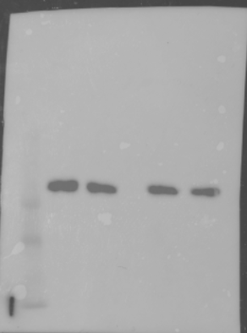
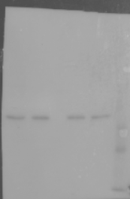
ctrl
NFKB2 KD

40 kDa
35 kDa
GAPDH (37kDa)
pIKBa (40kDa)
40 kDa
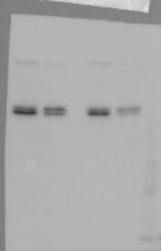
35 kDa
NFKB2 (120kDa, 52kDa)
140 kDa
25 kDa
100 kDa

70 kDa
50 kDa
ctrl
NFKB2 KD

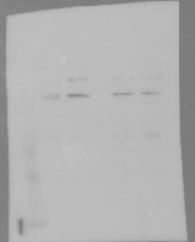
ctrl
NFKB2 KD

ctrl
NFKB2 KD
100 kDa
P65 (65kDa)
70 kDa
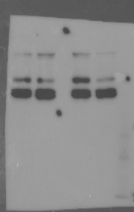
140 kDa
50 kDa

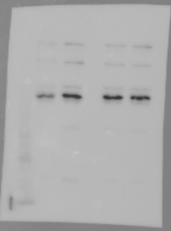
ctrl
NFKB2 KD
RelB (70kDa)
100 kDa
100 kDa
70 kDa
70 kDa
50 kDa
NFKB1 (120kDa, 50kDa)
50 kDa
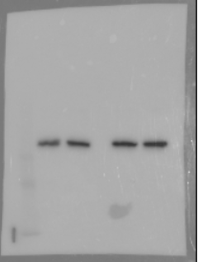

70 kDa
c-Rel (75kDa)

50 kDa

Figure S9a Blots
S9a
GFP
P52
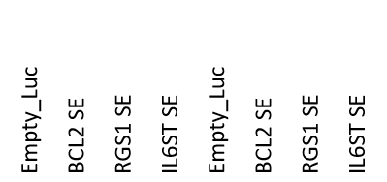

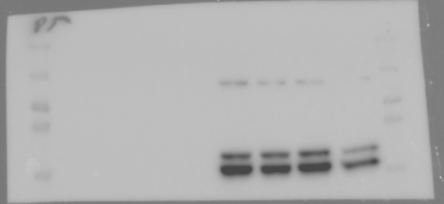

140 kDa
100 kDa
NFKB2 (120kDa, 52kDa)
70 kDa

50 kDa

40 kDa
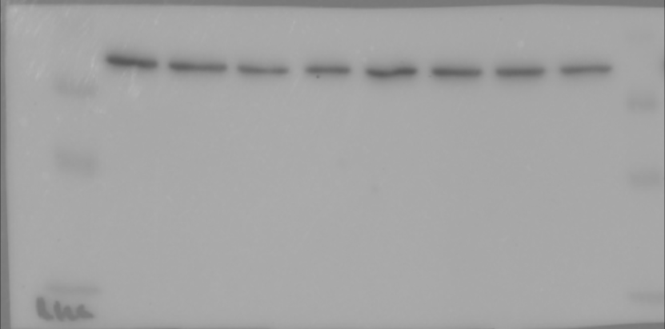
GAPDH (37kDa)
35 kDa

Figure S9c
3000

1000
Uncut 955bp
700
Cut 715bp (44.3%)
1000
1000
500
500
2000
Uncut1632bp
1000
Cut 772bp (46.7%)

Uncut1185bp
1200
700
Cut 201bp (49.6%)
200
3000

1000

500

Figure S9d Blots
S9d

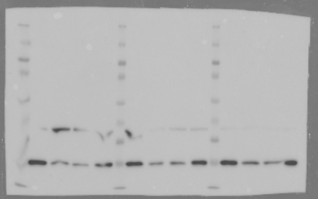

35 kDa
BCL2 (26kDa)
25 kDa

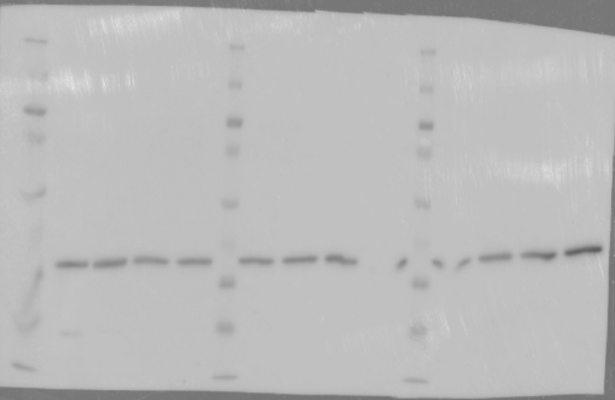

40 kDa
35 kDa
GAPDH (37kDa)

Figure S9e
1500
Uncut 1500bp
1500
1000
500
Cut 431bp (67.2%)
400

Figure S9f Blots
S9F
Set1 – Shown in manuscript
1 2 3 4 5 6

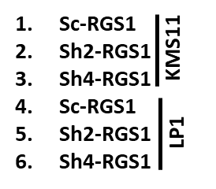
1 2 3 4 5 6
100KDa
70KDa
RGS1 ~25KDa
50KDa
25KDa
pJNK 42/47/52KDa
15KDa

100KDa
1 2 3 4 5 6
1 2 3 4 5 6
70KDa
50KDa

100KDa
JNK 42/47 KDa
70KDa
40KDa
1 2 3 4 5 6
50KDa
40KDa
p-p38 38KDa
35KDa
P-cdc2 34 KDa

25KDa
1 2 3 4 5 6
1 2 3 4 5 6
100KDa
35KDa
70KDa
cdc2 34 KDa
25KDa
50KDa
p38 38KDa
1 2 3 4 5 6
40KDa
35KDa
cyclinD1 34 KDa
1 2 3 4 5 6
25KDa

70KDa
100KDa
1 2 3 4 5 6
35KDa
GAPDH 37 KDa
50KDa
GRAP2 42KDa
25KDa

S9F
Set2
1 2 3 4 5 6

70KDa
100KDa
1 2 3 4 5 6
50KDa
RGS1 ~25KDa
25KDa
40KDa
pJNK 42/47/52KDa
15KDa
1 2 3 4 5 6

100KDa
1 2 3 4 5 6
70KDa

70KDa
50KDa
JNK 42/47 KDa
50KDa
40KDa
1 2 3 4 5 6
40KDa
p-p38 38KDa
35KDa
35KDa
P-cdc2 34 KDa
25KDa

1 2 3 4 5 6
1 2 3 4 5 6
70KDa
35KDa
50KDa
cdc2 34 KDa
40KDa
p38 38KDa
25KDa
35KDa
20KDa
1 2 3 4 5 6

35KDa
cyclinD1 34 KDa
1 2 3 4 5 6
25KDa
70KDa
100KDa
1 2 3 4 5 6
50KDa
35KDa
GAPDH 37 KDa
GRAP2 43KDa
25KDa

S9F
Set3
1 2 3 4 5 6

70KDa
100KDa
1 2 3 4 5 6
50KDa
RGS1 ~25KDa
pJNK 42/47/52KDa
25KDa
40KDa
15KDa
1 2 3 4 5 6

100KDa
1 2 3 4 5 6
70KDa

100KDa
50KDa
70KDa
JNK 42/47 KDa
40KDa
50KDa
1 2 3 4 5 6

40KDa
p-p38 38KDa
35KDa
25KDa
p-cdc2 34 KDa

1 2 3 4 5 6
1 2 3 4 5 6
70KDa
35KDa
50KDa
cdc2 34 KDa
40KDa
p38 38KDa
25KDa
35KDa
20KDa
1 2 3 4 5 6
50KDa
40KDa
1 2 3 4 5 6
35KDa
cyclinD1 34 KDa
25KDa
70KDa
100KDa
1 2 3 4 5 6
50KDa
35KDa
GAPDH 37 KDa
GRAP2 42KDa
40KDa
25KDa

Figure S10b Blots
Set1 – Shown in manuscript
Figure S10b
1 2 3 4 5 6 7 8 9 10 11 12
1 2 3 4 5 6 7 8 9 10 11 12
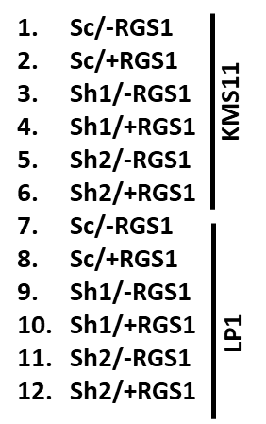
50KDa
35KDa
pJNK
42/47/52KDa

RGS1 ~25KDa
1 2 3 4 5 6 7 8 9 10 11 12

70KDa
1 2 3 4 5 6 7 8 9 10 11 12
50KDa
JNK
42/47/52KDa

50KDa
GRAP2 42KDa
1 2 3 4 5 6 7 8 9 10 11 12
40KDa
35KDa
p-cdc2 34 KDa

25KDa

1 2 3 4 5 6 7 8 9 10 11 12

100KDa
35KDa
70KDa
cdc2 34 KDa
25KDa
50KDa
1 2 3 4 5 6 7 8 9 10 11 12
p-p38 38KDa
40KDa
1 2 3 4 5 6 7 8 9 10 11 12

35KDa
cyclinD1 34 KDa
25KDa

100KDa
70KDa
1 2 3 4 5 6 7 8 9 10 11 12
40KDa
50KDa
1 2 3 4 5 6 7 8 9 10 11 12
GAPDH 37 KDa
p38 38KDa
35KDa
40KDa

Figure S10b Set2

S10b
1 2 3 4 5 6 7 8 9 10 11 12
1 2 3 4 5 6 7 8 9 10 11 12
50KDa
pJNK
42/47/52KDa
RGS1 ~25KDa
25KDa

15KDa

50KDa
1 2 3 4 5 6 7 8 9 10 11 12
1 2 3 4 5 6 7 8 9 10 11 12
JNK
42/47/52KDa

50KDa
GRAP2 42KDa
1 2 3 4 5 6 7 8 9 10 11 12
40KDa
35KDa
p-cdc2 34 KDa
25KDa

1 2 3 4 5 6 7 8 9 10 11 12
p-p38 38KDa
1 2 3 4 5 6 7 8 9 10 11 12
35KDa
cdc2 34 KDa
350KDa
25KDa
25KDa
1 2 3 4 5 6 7 8 9 10 11 12

35KDa
1 2 3 4 5 6 7 8 9 10 11 12
cyclinD1 34 KDa

25KDa
100KDa
p38 38KDa
350KDa
70KDa
1 2 3 4 5 6 7 8 9 10 11 12
25KDa
50KDa
35KDa
GAPDH 37 KDa
25KDa
40KDa

Figure S10b Set3

S10b
70KDa
1 2 3 4 5 6 7 8 9 10 11 12
50KDa
pJNK
42/47/52KDa
40KDa
35KDa
25KDa
RGS1 ~25KDa

15KDa
70KDa
1 2 3 4 5 6 7 8 9 10 11 12

1 2 3 4 5 6 7 8 9 10 11 12
50KDa
JNK
42/47/52KDa

50KDa
40KDa

40KDa
GRAP2 42KDa
40KDa
1 2 3 4 5 6 7 8 9 10 11 12
35KDa
p-cdc2 34 KDa
25KDa

70KDa
40KDa
1 2 3 4 5 6 7 8 9 10 11 12
50KDa
1 2 3 4 5 6 7 8 9 10 11 12
35KDa
cdc2 34 KDa
p-p38 38KDa
40KDa
25KDa
35KDa
25KDa
1 2 3 4 5 6 7 8 9 10 11 12
50KDa
1 2 3 4 5 6 7 8 9 10 11 12
40KDa
cyclinD1 34 KDa
35KDa
70KDa
50KDa
40KDa
p38 38KDa
1 2 3 4 5 6 7 8 9 10 11 12
35KDa
35KDa
GAPDH 37 KDa
25KDa
25KDa

