fig S1a
SEC profile of ERGIC053 and complex with MCFD2 |  |  |  | SDS-PAGE of purified ERGIC-53 and a complex of ERGIC-53 with MCFD2 (7.5% TGX gel)
 | complex | ERGIC-53 | 2021.03.16 | CBB staining
ml | mAu at 280 | mAu at 280 |  | 2021.03.17
7 | 1.108 | 1.077
7.02 | 1.087 | 1.072
ERGIC-53
ERGIC-53+ MCFD2
7.05 | 1.092 | 1.069
7.07 | 1.108 | 1.073
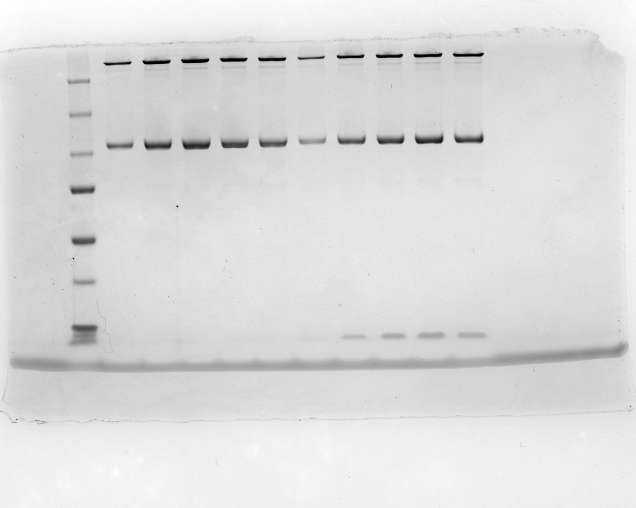
7.09 | 1.1 | 1.076
7.12 | 1.096 | 1.088
250
7.14 | 1.088 | 1.073
150
7.16 | 1.073 | 1.06
100
7.19 | 1.059 | 1.062
7.21 | 1.065 | 1.077
75
7.23 | 1.078 | 1.083
50
7.26 | 1.099 | 1.078
7.28 | 1.098 | 1.063
37
7.3 | 1.059 | 1.072
25
7.33 | 1.049 | 1.053
20
7.35 | 1.044 | 1.063
7.37 | 1.038 | 1.08
7.4 | 1.023 | 1.057
7.42 | 1.026 | 1.038
7.44 | 1.028 | 1.011
7.46 | 1.01 | 1.012
7.49 | 1.006 | 1.025
7.51 | 1.004 | 1.048
7.53 | 1.014 | 1.049
7.56 | 1.007 | 1.018
7.58 | 0.998 | 1.02
7.6 | 0.976 | 1.062
7.63 | 0.97 | 1.069
7.65 | 0.999 | 1.042
7.67 | 1.03 | 1.04
7.7 | 1.07 | 1.066
7.72 | 1.106 | 1.07
7.74 | 1.094 | 1.092
7.77 | 1.08 | 1.128
7.79 | 1.082 | 1.134
7.81 | 1.088 | 1.127
7.84 | 1.112 | 1.12
7.86 | 1.179 | 1.165
7.88 | 1.211 | 1.226
7.91 | 1.216 | 1.256
7.93 | 1.267 | 1.28
7.95 | 1.311 | 1.337
7.98 | 1.337 | 1.352
8 | 1.382 | 1.372
8.02 | 1.453 | 1.447
8.05 | 1.502 | 1.523
8.07 | 1.555 | 1.577
8.09 | 1.654 | 1.647
8.12 | 1.762 | 1.733
8.14 | 1.847 | 1.829
8.16 | 1.975 | 1.963
8.18 | 2.135 | 2.116
8.21 | 2.293 | 2.266
8.23 | 2.504 | 2.484
8.25 | 2.727 | 2.717
8.28 | 3.026 | 2.959
8.3 | 3.379 | 3.306
8.32 | 3.768 | 3.759
8.35 | 4.284 | 4.281
8.37 | 4.952 | 4.874
8.39 | 5.772 | 5.573
8.42 | 6.666 | 6.422
8.44 | 7.675 | 7.378
8.46 | 8.817 | 8.48
8.49 | 10.088 | 9.744
8.51 | 11.491 | 11.141
8.53 | 13.051 | 12.587
8.56 | 14.619 | 13.991
8.58 | 16.118 | 15.273
8.6 | 17.365 | 16.446
8.63 | 18.275 | 17.369
8.65 | 18.832 | 17.977
8.67 | 19.052 | 18.196
8.7 | 18.99 | 18.016
8.72 | 18.613 | 17.537
8.74 | 17.958 | 16.776
8.77 | 17.134 | 15.82
8.79 | 16.12 | 14.74
8.81 | 15.008 | 13.586
8.84 | 13.853 | 12.427
8.86 | 12.696 | 11.362
8.88 | 11.717 | 10.409
8.9 | 10.841 | 9.529
8.93 | 10.076 | 8.84
8.95 | 9.437 | 8.256
8.97 | 8.889 | 7.779
9 | 8.466 | 7.421
9.02 | 8.099 | 7.119
9.04 | 7.777 | 6.89
9.07 | 7.468 | 6.64
9.09 | 7.143 | 6.376
9.11 | 6.841 | 6.18
9.14 | 6.561 | 5.951
9.16 | 6.293 | 5.723
9.18 | 6.031 | 5.51
9.21 | 5.784 | 5.331
9.23 | 5.598 | 5.157
9.25 | 5.434 | 4.997
9.28 | 5.262 | 4.864
9.3 | 5.13 | 4.733
9.32 | 4.998 | 4.597
9.35 | 4.863 | 4.499
9.37 | 4.764 | 4.387
9.39 | 4.667 | 4.274
9.42 | 4.53 | 4.172
9.44 | 4.448 | 4.102
9.46 | 4.373 | 4.023
9.49 | 4.285 | 3.946
9.51 | 4.257 | 3.909
9.53 | 4.206 | 3.827
9.56 | 4.145 | 3.747
9.58 | 4.1 | 3.692
9.6 | 4.063 | 3.66
9.63 | 4.038 | 3.641
9.65 | 4.013 | 3.617
9.67 | 3.975 | 3.577
9.69 | 3.963 | 3.546
9.72 | 3.99 | 3.523
9.74 | 4.029 | 3.509
9.76 | 4.026 | 3.519
9.79 | 4.063 | 3.533
9.81 | 4.098 | 3.535
9.83 | 4.111 | 3.539
9.86 | 4.118 | 3.54
9.88 | 4.179 | 3.563
9.9 | 4.259 | 3.578
9.93 | 4.29 | 3.546
9.95 | 4.304 | 3.563
9.97 | 4.346 | 3.589
10 | 4.384 | 3.587
10.02 | 4.427 | 3.636
10.04 | 4.451 | 3.68
10.07 | 4.522 | 3.705
10.09 | 4.621 | 3.729
10.11 | 4.65 | 3.739
10.14 | 4.673 | 3.762
10.16 | 4.724 | 3.804
10.18 | 4.745 | 3.832
10.21 | 4.78 | 3.861
10.23 | 4.829 | 3.918
10.25 | 4.849 | 3.927
10.28 | 4.893 | 3.927
10.3 | 4.937 | 3.966
10.32 | 4.966 | 4.048
10.35 | 5.005 | 4.091
10.37 | 5.028 | 4.096
10.39 | 5.072 | 4.163
10.41 | 5.125 | 4.216
10.44 | 5.181 | 4.257
10.46 | 5.244 | 4.306
10.48 | 5.308 | 4.347
10.51 | 5.369 | 4.386
10.53 | 5.425 | 4.412
10.55 | 5.481 | 4.488
10.58 | 5.541 | 4.585
10.6 | 5.624 | 4.665
10.62 | 5.696 | 4.715
10.65 | 5.799 | 4.755
10.67 | 5.903 | 4.796
10.69 | 5.981 | 4.885
10.72 | 6.042 | 4.981
10.74 | 6.127 | 5.067
10.76 | 6.231 | 5.123
10.79 | 6.349 | 5.166
10.81 | 6.467 | 5.246
10.83 | 6.557 | 5.317
10.86 | 6.645 | 5.39
10.88 | 6.744 | 5.482
10.9 | 6.862 | 5.56
10.93 | 6.985 | 5.683
10.95 | 7.104 | 5.789
10.97 | 7.246 | 5.886
11 | 7.318 | 5.986
11.02 | 7.408 | 6.067
11.04 | 7.547 | 6.143
11.07 | 7.646 | 6.221
11.09 | 7.728 | 6.292
11.11 | 7.808 | 6.391
11.13 | 7.901 | 6.536
11.16 | 7.957 | 6.657
11.18 | 8.067 | 6.755
11.2 | 8.188 | 6.888
11.23 | 8.295 | 7.001
11.25 | 8.354 | 7.105
11.27 | 8.387 | 7.229
11.3 | 8.435 | 7.338
11.32 | 8.492 | 7.445
11.34 | 8.551 | 7.532
11.37 | 8.618 | 7.589
11.39 | 8.654 | 7.65
11.41 | 8.686 | 7.715
11.44 | 8.726 | 7.8
11.46 | 8.721 | 7.872
11.48 | 8.71 | 7.935
11.51 | 8.717 | 7.989
11.53 | 8.755 | 8.039
11.55 | 8.778 | 8.104
11.58 | 8.807 | 8.158
11.6 | 8.798 | 8.159
11.62 | 8.828 | 8.174
11.65 | 8.845 | 8.172
11.67 | 8.857 | 8.172
11.69 | 8.928 | 8.216
11.72 | 9.012 | 8.276
11.74 | 9.106 | 8.331
11.76 | 9.283 | 8.356
11.79 | 9.489 | 8.369
11.81 | 9.719 | 8.413
11.83 | 9.98 | 8.513
11.86 | 10.293 | 8.598
11.88 | 10.69 | 8.713
11.9 | 11.186 | 8.892
11.92 | 11.763 | 9.114
11.95 | 12.444 | 9.308
11.97 | 13.24 | 9.557
11.99 | 14.111 | 9.924
12.02 | 15.048 | 10.329
12.04 | 16.099 | 10.796
12.06 | 17.286 | 11.392
12.09 | 18.582 | 12.084
12.11 | 19.995 | 12.885
12.13 | 21.568 | 13.735
12.16 | 23.282 | 14.69
12.18 | 25.08 | 15.761
12.2 | 26.974 | 16.845
12.23 | 28.899 | 18.047
12.25 | 30.749 | 19.476
12.27 | 32.526 | 21.152
12.3 | 34.352 | 22.785
12.32 | 36.434 | 24.396
12.34 | 38.527 | 26.082
12.37 | 40.359 | 27.859
12.39 | 42.014 | 29.691
12.41 | 43.554 | 31.546
12.44 | 45 | 33.407
12.46 | 46.346 | 35.301
12.48 | 47.528 | 37.017
12.51 | 48.491 | 38.554
12.53 | 49.223 | 40.034
12.55 | 49.725 | 41.446
12.58 | 49.987 | 42.744
12.6 | 50.094 | 43.874
12.62 | 49.999 | 44.839
12.64 | 49.746 | 45.571
12.67 | 49.33 | 46.058
12.69 | 48.688 | 46.38
12.71 | 47.886 | 46.466
12.74 | 46.87 | 46.285
12.76 | 45.621 | 45.958
12.78 | 44.242 | 45.457
12.81 | 42.749 | 44.881
12.83 | 41.338 | 44.153
12.85 | 39.824 | 43.239
12.88 | 38.218 | 42.296
12.9 | 36.489 | 41.123
12.92 | 34.783 | 39.847
12.95 | 33.183 | 38.572
12.97 | 31.468 | 37.235
12.99 | 29.742 | 35.813
13.02 | 28.085 | 34.318
13.04 | 26.444 | 32.8
13.06 | 24.837 | 31.334
13.09 | 23.273 | 29.883
13.11 | 21.777 | 28.449
13.13 | 20.335 | 26.965
13.16 | 19.007 | 25.58
13.18 | 17.77 | 24.174
13.2 | 16.565 | 22.811
13.23 | 15.464 | 21.464
13.25 | 14.393 | 20.179
13.27 | 13.427 | 18.965
13.3 | 12.512 | 17.759
13.32 | 11.628 | 16.637
13.34 | 10.82 | 15.608
13.36 | 10.074 | 14.648
13.39 | 9.422 | 13.802
13.41 | 8.842 | 12.91
13.43 | 8.294 | 12.101
13.46 | 7.81 | 11.409
13.48 | 7.327 | 10.717
13.5 | 6.926 | 10.069
13.53 | 6.588 | 9.501
13.55 | 6.282 | 8.964
13.57 | 6.003 | 8.482
13.6 | 5.719 | 8.015
13.62 | 5.451 | 7.59
13.64 | 5.219 | 7.201
13.67 | 5.02 | 6.844
13.69 | 4.823 | 6.54
13.71 | 4.666 | 6.27
13.74 | 4.56 | 6.012
13.76 | 4.455 | 5.781
13.78 | 4.348 | 5.563
13.81 | 4.259 | 5.357
13.83 | 4.174 | 5.154
13.85 | 4.078 | 4.984
13.88 | 3.989 | 4.81
13.9 | 3.932 | 4.7
13.92 | 3.884 | 4.574
13.95 | 3.823 | 4.442
13.97 | 3.764 | 4.361
13.99 | 3.733 | 4.284
14.02 | 3.692 | 4.206
14.04 | 3.662 | 4.147
14.06 | 3.659 | 4.098
14.09 | 3.64 | 4.047
14.11 | 3.619 | 4.012
14.13 | 3.598 | 3.963
14.15 | 3.583 | 3.885
14.18 | 3.563 | 3.849
14.2 | 3.563 | 3.843
14.22 | 3.548 | 3.794
14.25 | 3.524 | 3.774
14.27 | 3.504 | 3.798
14.29 | 3.495 | 3.78
14.32 | 3.48 | 3.738
14.34 | 3.475 | 3.693
14.36 | 3.451 | 3.717
14.39 | 3.447 | 3.711
14.41 | 3.447 | 3.698
14.43 | 3.439 | 3.689
14.46 | 3.411 | 3.647
14.48 | 3.422 | 3.627
14.5 | 3.397 | 3.626
14.53 | 3.367 | 3.606
14.55 | 3.35 | 3.598
14.57 | 3.299 | 3.571
14.6 | 3.284 | 3.535
14.62 | 3.281 | 3.532
14.64 | 3.285 | 3.524
14.67 | 3.264 | 3.516
14.69 | 3.242 | 3.5
14.71 | 3.209 | 3.468
14.74 | 3.189 | 3.456
14.76 | 3.184 | 3.458
14.78 | 3.204 | 3.443
14.81 | 3.208 | 3.415
14.83 | 3.186 | 3.386
14.85 | 3.188 | 3.371
14.87 | 3.188 | 3.371
14.9 | 3.204 | 3.377
14.92 | 3.198 | 3.372
14.94 | 3.194 | 3.347
14.97 | 3.195 | 3.331
14.99 | 3.177 | 3.328
15.01 | 3.187 | 3.308
15.04 | 3.193 | 3.317
15.06 | 3.158 | 3.303
15.08 | 3.162 | 3.325
15.11 | 3.171 | 3.348
15.13 | 3.171 | 3.348
15.15 | 3.173 | 3.334
15.18 | 3.197 | 3.318
15.2 | 3.203 | 3.335
15.22 | 3.163 | 3.346
15.25 | 3.154 | 3.325
15.27 | 3.169 | 3.321
15.29 | 3.165 | 3.319
15.32 | 3.173 | 3.334
15.34 | 3.171 | 3.313
15.36 | 3.168 | 3.319
15.39 | 3.16 | 3.329
15.41 | 3.152 | 3.303
15.43 | 3.141 | 3.286
15.46 | 3.117 | 3.304
15.48 | 3.087 | 3.306
15.5 | 3.088 | 3.287
15.53 | 3.092 | 3.269
15.55 | 3.035 | 3.247
15.57 | 2.98 | 3.208
15.59 | 2.94 | 3.187
15.62 | 2.904 | 3.134
15.64 | 2.882 | 3.105
15.66 | 2.855 | 3.079
15.69 | 2.821 | 3.044
15.71 | 2.78 | 2.997
15.73 | 2.727 | 2.956
15.76 | 2.697 | 2.889
15.78 | 2.669 | 2.814
15.8 | 2.641 | 2.776
15.83 | 2.564 | 2.75
15.85 | 2.48 | 2.734
15.87 | 2.445 | 2.674
15.9 | 2.401 | 2.598
15.92 | 2.323 | 2.556
15.94 | 2.285 | 2.512
15.97 | 2.232 | 2.425
15.99 | 2.184 | 2.377
16.01 | 2.201 | 2.359
16.04 | 2.171 | 2.305
16.06 | 2.068 | 2.253
16.08 | 2.026 | 2.207
16.11 | 1.988 | 2.151
16.13 | 1.929 | 2.104
16.15 | 1.894 | 2.04
16.18 | 1.858 | 1.989
16.2 | 1.829 | 1.979
16.22 | 1.79 | 1.93
16.25 | 1.758 | 1.894
16.27 | 1.741 | 1.869
16.29 | 1.696 | 1.814
16.32 | 1.673 | 1.767
16.34 | 1.676 | 1.745
16.36 | 1.659 | 1.713
16.38 | 1.663 | 1.693
16.41 | 1.682 | 1.691
16.43 | 1.703 | 1.702
16.45 | 1.72 | 1.717
16.48 | 1.705 | 1.742
16.5 | 1.728 | 1.763
16.52 | 1.789 | 1.794
16.55 | 1.829 | 1.837
16.57 | 1.861 | 1.87
16.59 | 1.927 | 1.922
16.62 | 2.011 | 1.963
16.64 | 2.071 | 2.023
16.66 | 2.168 | 2.112
16.69 | 2.272 | 2.209
16.71 | 2.348 | 2.33
16.73 | 2.45 | 2.438
16.76 | 2.577 | 2.534
16.78 | 2.745 | 2.594
16.8 | 2.876 | 2.673
16.83 | 2.937 | 2.799
16.85 | 2.985 | 2.909
16.87 | 3.115 | 2.989
16.9 | 3.308 | 3.034
16.92 | 3.499 | 3.059
16.94 | 3.719 | 3.119
16.97 | 3.983 | 3.19
16.99 | 4.344 | 3.226
17.01 | 4.793 | 3.233
17.04 | 5.279 | 3.221
17.06 | 5.825 | 3.229
17.08 | 6.459 | 3.2
17.1 | 7.14 | 3.166
17.13 | 7.817 | 3.117
17.15 | 8.511 | 3.042
17.17 | 9.271 | 2.983
17.2 | 10.022 | 2.898
17.22 | 10.773 | 2.804
17.24 | 11.482 | 2.735
17.27 | 12.14 | 2.628
17.29 | 12.806 | 2.467
17.31 | 13.335 | 2.33
17.34 | 13.67 | 2.247
17.36 | 14.001 | 2.147
17.38 | 14.312 | 2.006
17.41 | 14.609 | 1.871
17.43 | 14.78 | 1.764
17.45 | 14.795 | 1.668
17.48 | 14.726 | 1.553
17.5 | 14.576 | 1.464
17.52 | 14.37 | 1.387
17.55 | 14.108 | 1.279
17.57 | 13.761 | 1.185
17.59 | 13.341 | 1.113
17.62 | 12.914 | 1.049
17.64 | 12.438 | 0.973
17.66 | 11.968 | 0.903
17.69 | 11.501 | 0.87
17.71 | 11.002 | 0.825
17.73 | 10.529 | 0.745
17.76 | 10.048 | 0.674
17.78 | 9.576 | 0.625
17.8 | 9.162 | 0.607
17.82 | 8.729 | 0.557
17.85 | 8.299 | 0.501
17.87 | 7.901 | 0.456
17.89 | 7.562 | 0.43
17.92 | 7.203 | 0.409
17.94 | 6.864 | 0.404
17.96 | 6.534 | 0.397
17.99 | 6.197 | 0.36
18.01 | 5.913 | 0.341
18.03 | 5.607 | 0.317
18.06 | 5.307 | 0.28
18.08 | 4.985 | 0.237
18.1 | 4.697 | 0.181
18.13 | 4.448 | 0.162
18.15 | 4.166 | 0.159
18.17 | 3.897 | 0.157
18.2 | 3.65 | 0.16
18.22 | 3.43 | 0.12
18.24 | 3.235 | 0.087
18.27 | 3.027 | 0.076
18.29 | 2.81 | 0.028
18.31 | 2.63 | 0.033
18.34 | 2.502 | 0.013
18.36 | 2.383 | -0.012
18.38 | 2.226 | -0.014
18.41 | 2.07 | -0.023
18.43 | 1.947 | -0.03
18.45 | 1.813 | -0.035
18.48 | 1.713 | -0.05
18.5 | 1.648 | -0.06
18.52 | 1.561 | -0.064
18.55 | 1.444 | -0.069
18.57 | 1.36 | -0.108
18.59 | 1.309 | -0.118
18.61 | 1.251 | -0.113
18.64 | 1.163 | -0.147
18.66 | 1.115 | -0.155
18.68 | 1.037 | -0.137
18.71 | 0.946 | -0.111
18.73 | 0.872 | -0.133
18.75 | 0.824 | -0.149
18.78 | 0.821 | -0.149
18.8 | 0.796 | -0.164
18.82 | 0.76 | -0.152
18.85 | 0.715 | -0.145
18.87 | 0.647 | -0.164
18.89 | 0.597 | -0.16
18.92 | 0.578 | -0.171
18.94 | 0.532 | -0.173
18.96 | 0.481 | -0.166
18.99 | 0.502 | -0.165
19.01 | 0.464 | -0.189

FigS2
SEC profile of ERGIC-53 at pH7.2 and 6.2 |  |  |  | SDS-PAGE of purified ERGIC-53 at pH 7.2 and 6.5 (4-15% gradient TGX gel)
ml | mAu pH 6,5 | mAU ph7.2 | 231213 | Stainfree technology
7.999 | 0.412 | 0.512
8.011 | 0.42 | 0.516
8.022 | 0.417 | 0.534
pH 6.5
8.034 | 0.418 | 0.528
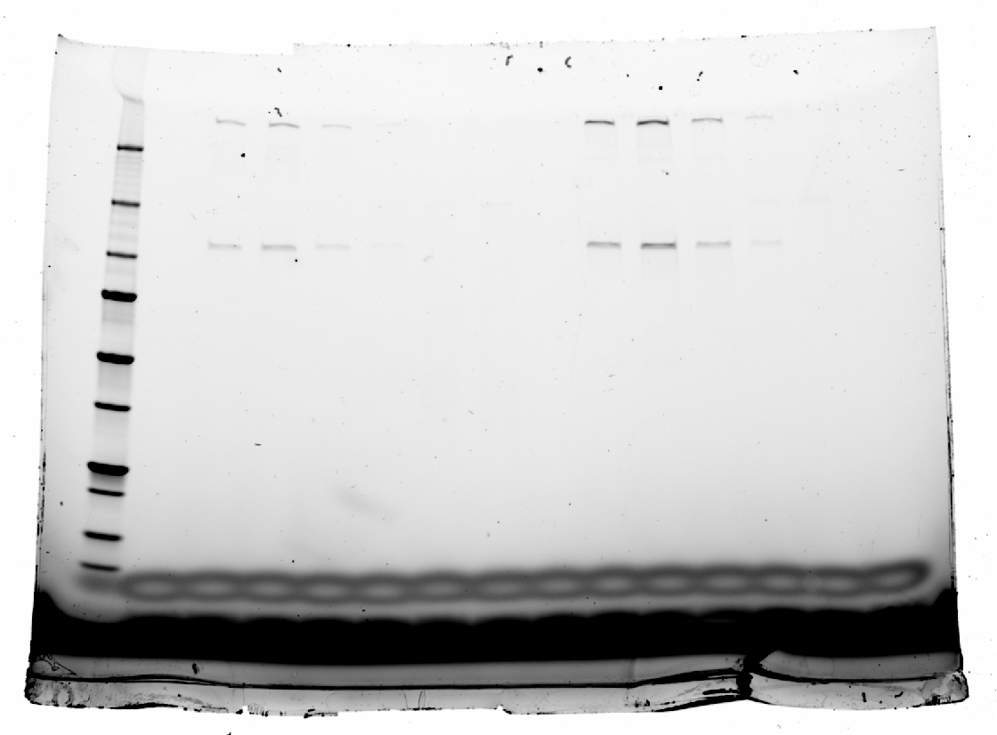
pH 7.2
8.046 | 0.416 | 0.521
8.057 | 0.408 | 0.522
8.069 | 0.406 | 0.53
8.08 | 0.398 | 0.549
250
8.092 | 0.373 | 0.55
150
8.104 | 0.364 | 0.555
8.115 | 0.366 | 0.552
100
8.127 | 0.375 | 0.55
75
8.139 | 0.389 | 0.55
50
8.15 | 0.386 | 0.54
8.162 | 0.385 | 0.546
37
8.173 | 0.387 | 0.529
25
8.185 | 0.391 | 0.514
20
8.197 | 0.398 | 0.498
8.208 | 0.402 | 0.493
8.22 | 0.398 | 0.492
8.231 | 0.392 | 0.496
8.243 | 0.389 | 0.515
8.255 | 0.391 | 0.519
8.266 | 0.403 | 0.512
8.278 | 0.408 | 0.5
8.289 | 0.397 | 0.491
8.301 | 0.394 | 0.483
8.313 | 0.394 | 0.502
8.324 | 0.408 | 0.506
8.336 | 0.424 | 0.514
8.347 | 0.436 | 0.505
8.359 | 0.445 | 0.493
8.371 | 0.427 | 0.475
8.382 | 0.412 | 0.465
8.394 | 0.394 | 0.47
8.406 | 0.395 | 0.478
8.417 | 0.402 | 0.481
8.429 | 0.418 | 0.48
8.44 | 0.432 | 0.484
8.452 | 0.423 | 0.477
8.464 | 0.405 | 0.47
8.475 | 0.387 | 0.458
8.487 | 0.369 | 0.448
8.498 | 0.344 | 0.456
8.51 | 0.329 | 0.46
8.522 | 0.316 | 0.45
8.533 | 0.319 | 0.444
8.545 | 0.344 | 0.441
8.556 | 0.349 | 0.444
8.568 | 0.339 | 0.457
8.58 | 0.341 | 0.46
8.591 | 0.329 | 0.459
8.603 | 0.338 | 0.457
8.615 | 0.347 | 0.448
8.626 | 0.345 | 0.424
8.638 | 0.349 | 0.4
8.649 | 0.338 | 0.385
8.661 | 0.344 | 0.387
8.673 | 0.341 | 0.405
8.684 | 0.35 | 0.408
8.696 | 0.346 | 0.407
8.707 | 0.336 | 0.399
8.719 | 0.336 | 0.392
8.731 | 0.335 | 0.393
8.742 | 0.341 | 0.391
8.754 | 0.347 | 0.391
8.765 | 0.356 | 0.394
8.777 | 0.354 | 0.406
8.789 | 0.348 | 0.406
8.8 | 0.341 | 0.409
8.812 | 0.325 | 0.404
8.823 | 0.312 | 0.395
8.835 | 0.294 | 0.396
8.847 | 0.277 | 0.401
8.858 | 0.273 | 0.414
8.87 | 0.27 | 0.417
8.882 | 0.296 | 0.402
8.893 | 0.304 | 0.401
8.905 | 0.306 | 0.398
8.916 | 0.31 | 0.398
8.928 | 0.309 | 0.421
8.94 | 0.307 | 0.408
8.951 | 0.314 | 0.41
8.963 | 0.32 | 0.408
8.974 | 0.321 | 0.395
8.986 | 0.319 | 0.39
8.998 | 0.311 | 0.378
9.009 | 0.3 | 0.375
9.021 | 0.289 | 0.384
9.032 | 0.267 | 0.391
9.044 | 0.263 | 0.403
9.056 | 0.259 | 0.405
9.067 | 0.28 | 0.407
9.079 | 0.299 | 0.398
9.091 | 0.311 | 0.39
9.102 | 0.321 | 0.373
9.114 | 0.292 | 0.357
9.125 | 0.277 | 0.357
9.137 | 0.273 | 0.361
9.149 | 0.287 | 0.368
9.16 | 0.297 | 0.357
9.172 | 0.286 | 0.364
9.183 | 0.269 | 0.355
9.195 | 0.254 | 0.351
9.207 | 0.251 | 0.337
9.218 | 0.234 | 0.335
9.23 | 0.217 | 0.33
9.241 | 0.207 | 0.332
9.253 | 0.204 | 0.342
9.265 | 0.214 | 0.343
9.276 | 0.221 | 0.343
9.288 | 0.222 | 0.346
9.299 | 0.201 | 0.34
9.311 | 0.197 | 0.361
9.323 | 0.208 | 0.377
9.334 | 0.223 | 0.381
9.346 | 0.241 | 0.377
9.358 | 0.237 | 0.358
9.369 | 0.226 | 0.339
9.381 | 0.224 | 0.323
9.392 | 0.213 | 0.318
9.404 | 0.219 | 0.313
9.416 | 0.213 | 0.319
9.427 | 0.211 | 0.32
9.439 | 0.231 | 0.321
9.45 | 0.238 | 0.321
9.462 | 0.237 | 0.316
9.474 | 0.23 | 0.324
9.485 | 0.215 | 0.33
9.497 | 0.214 | 0.334
9.508 | 0.23 | 0.323
9.52 | 0.24 | 0.296
9.532 | 0.223 | 0.282
9.543 | 0.21 | 0.28
9.555 | 0.183 | 0.286
9.567 | 0.178 | 0.293
9.578 | 0.176 | 0.303
9.59 | 0.177 | 0.299
9.601 | 0.174 | 0.312
9.613 | 0.177 | 0.323
9.625 | 0.185 | 0.326
9.636 | 0.196 | 0.329
9.648 | 0.192 | 0.323
9.659 | 0.173 | 0.321
9.671 | 0.165 | 0.327
9.683 | 0.148 | 0.325
9.694 | 0.146 | 0.329
9.706 | 0.145 | 0.33
9.717 | 0.148 | 0.326
9.729 | 0.155 | 0.316
9.741 | 0.169 | 0.304
9.752 | 0.162 | 0.297
9.764 | 0.149 | 0.293
9.776 | 0.117 | 0.305
9.787 | 0.121 | 0.297
9.799 | 0.124 | 0.294
9.81 | 0.134 | 0.283
9.822 | 0.152 | 0.277
9.834 | 0.144 | 0.28
9.845 | 0.141 | 0.284
9.857 | 0.147 | 0.293
9.868 | 0.143 | 0.284
9.88 | 0.144 | 0.263
9.892 | 0.143 | 0.25
9.903 | 0.146 | 0.241
9.915 | 0.148 | 0.259
9.926 | 0.151 | 0.274
9.938 | 0.147 | 0.278
9.95 | 0.143 | 0.273
9.961 | 0.139 | 0.27
9.973 | 0.134 | 0.275
9.984 | 0.139 | 0.283
9.996 | 0.157 | 0.282
10.008 | 0.182 | 0.263
10.019 | 0.183 | 0.259
10.031 | 0.172 | 0.245
10.043 | 0.144 | 0.254
10.054 | 0.138 | 0.263
10.066 | 0.143 | 0.26
10.077 | 0.152 | 0.266
10.089 | 0.159 | 0.262
10.101 | 0.151 | 0.289
10.112 | 0.154 | 0.279
10.124 | 0.17 | 0.283
10.135 | 0.164 | 0.277
10.147 | 0.169 | 0.271
10.159 | 0.157 | 0.269
10.17 | 0.152 | 0.275
10.182 | 0.162 | 0.282
10.193 | 0.156 | 0.279
10.205 | 0.152 | 0.27
10.217 | 0.155 | 0.263
10.228 | 0.152 | 0.259
10.24 | 0.157 | 0.251
10.252 | 0.154 | 0.246
10.263 | 0.148 | 0.238
10.275 | 0.139 | 0.245
10.286 | 0.132 | 0.254
10.298 | 0.121 | 0.262
10.31 | 0.132 | 0.271
10.321 | 0.134 | 0.266
10.333 | 0.128 | 0.255
10.344 | 0.118 | 0.255
10.356 | 0.1 | 0.247
10.368 | 0.093 | 0.25
10.379 | 0.107 | 0.261
10.391 | 0.132 | 0.256
10.402 | 0.158 | 0.248
10.414 | 0.166 | 0.247
10.426 | 0.152 | 0.238
10.437 | 0.13 | 0.222
10.449 | 0.13 | 0.222
10.46 | 0.126 | 0.204
10.472 | 0.121 | 0.205
10.484 | 0.112 | 0.2
10.495 | 0.098 | 0.196
10.507 | 0.112 | 0.193
10.519 | 0.124 | 0.198
10.53 | 0.123 | 0.196
10.542 | 0.127 | 0.2
10.553 | 0.118 | 0.187
10.565 | 0.106 | 0.178
10.577 | 0.098 | 0.177
10.588 | 0.079 | 0.192
10.6 | 0.073 | 0.194
10.611 | 0.09 | 0.174
10.623 | 0.092 | 0.165
10.635 | 0.104 | 0.158
10.646 | 0.1 | 0.178
10.658 | 0.097 | 0.198
10.669 | 0.1 | 0.192
10.681 | 0.1 | 0.188
10.693 | 0.08 | 0.19
10.704 | 0.066 | 0.196
10.716 | 0.056 | 0.21
10.728 | 0.054 | 0.2
10.739 | 0.07 | 0.193
10.751 | 0.068 | 0.168
10.762 | 0.064 | 0.161
10.774 | 0.077 | 0.158
10.786 | 0.077 | 0.17
10.797 | 0.085 | 0.182
10.809 | 0.07 | 0.181
10.82 | 0.053 | 0.165
10.832 | 0.05 | 0.162
10.844 | 0.047 | 0.152
10.855 | 0.047 | 0.147
10.867 | 0.044 | 0.138
10.878 | 0.049 | 0.128
10.89 | 0.07 | 0.129
10.902 | 0.083 | 0.149
10.913 | 0.084 | 0.153
10.925 | 0.076 | 0.153
10.936 | 0.049 | 0.145
10.948 | 0.031 | 0.146
10.96 | 0.034 | 0.153
10.971 | 0.03 | 0.155
10.983 | 0.044 | 0.152
10.995 | 0.046 | 0.146
11.006 | 0.041 | 0.143
11.018 | 0.028 | 0.152
11.029 | 0.021 | 0.152
11.041 | 0.024 | 0.144
11.053 | 0.022 | 0.136
11.064 | 0.026 | 0.139
11.076 | 0.017 | 0.154
11.087 | 0.002 | 0.155
11.099 | -0.003 | 0.151
11.111 | 0.005 | 0.139
11.122 | 0.002 | 0.133
11.134 | 0.01 | 0.139
11.145 | 0.012 | 0.137
11.157 | 0.018 | 0.13
11.169 | 0.027 | 0.116
11.18 | 0.033 | 0.114
11.192 | 0.02 | 0.115
11.204 | 0.008 | 0.135
11.215 | 0.005 | 0.152
11.227 | 0.001 | 0.157
11.238 | 0.004 | 0.153
11.25 | 0.002 | 0.155
11.262 | -0.016 | 0.156
11.273 | -0.006 | 0.157
11.285 | 0.008 | 0.162
11.296 | 0.021 | 0.155
11.308 | 0.028 | 0.155
11.32 | 0.021 | 0.163
11.331 | 0.006 | 0.169
11.343 | 0.002 | 0.167
11.354 | 0.002 | 0.149
11.366 | 0.013 | 0.128
11.378 | 0.02 | 0.109
11.389 | 0.026 | 0.113
11.401 | 0.028 | 0.113
11.412 | 0.022 | 0.113
11.424 | 0.02 | 0.105
11.436 | 0.014 | 0.1
11.447 | -0.011 | 0.108
11.459 | -0.004 | 0.11
11.471 | 0.002 | 0.115
11.482 | 0.022 | 0.108
11.494 | 0.036 | 0.106
11.505 | 0.027 | 0.119
11.517 | 0.005 | 0.122
11.529 | -0.015 | 0.125
11.54 | -0.005 | 0.12
11.552 | 0.019 | 0.102
11.563 | 0.039 | 0.093
11.575 | 0.04 | 0.075
11.587 | 0.024 | 0.074
11.598 | 0.023 | 0.078
11.61 | 0.007 | 0.072
11.621 | 0.023 | 0.077
11.633 | 0.035 | 0.081
11.645 | 0.038 | 0.085
11.656 | 0.032 | 0.089
11.668 | 0.026 | 0.081
11.68 | 0.027 | 0.066
11.691 | 0.035 | 0.062
11.703 | 0.044 | 0.072
11.714 | 0.043 | 0.071
11.726 | 0.032 | 0.068
11.738 | 0.033 | 0.056
11.749 | 0.029 | 0.047
11.761 | 0.035 | 0.06
11.772 | 0.032 | 0.072
11.784 | 0.033 | 0.068
11.796 | 0.014 | 0.056
11.807 | -0.003 | 0.05
11.819 | -0.006 | 0.059
11.83 | -0.015 | 0.052
11.842 | -0.018 | 0.06
11.854 | -0.026 | 0.061
11.865 | -0.035 | 0.06
11.877 | -0.032 | 0.076
11.888 | -0.02 | 0.075
11.9 | 0.012 | 0.058
11.912 | 0.034 | 0.046
11.923 | 0.028 | 0.042
11.935 | 0.028 | 0.048
11.947 | 0.008 | 0.061
11.958 | 0 | 0.061
11.97 | 0.006 | 0.048
11.981 | 0.01 | 0.043
11.993 | 0.025 | 0.024
12.005 | 0.03 | 0.025
12.016 | 0.023 | 0.04
12.028 | 0.009 | 0.054
12.039 | -0.005 | 0.063
12.051 | -0.003 | 0.066
12.063 | -0.012 | 0.047
12.074 | -0.018 | 0.059
12.086 | -0.018 | 0.056
12.097 | -0.016 | 0.063
12.109 | -0.001 | 0.057
12.121 | 0.001 | 0.056
12.132 | -0.016 | 0.065
12.144 | -0.018 | 0.066
12.156 | -0.006 | 0.069
12.167 | 0.017 | 0.06
12.179 | 0.028 | 0.056
12.19 | 0.023 | 0.054
12.202 | 0.011 | 0.043
12.214 | -0.004 | 0.034
12.225 | -0.004 | 0.02
12.237 | -0.005 | 0.025
12.248 | 0 | 0.039
12.26 | 0.021 | 0.036
12.272 | 0.019 | 0.029
12.283 | 0.011 | 0.014
12.295 | 0.007 | 0.02
12.306 | -0.012 | 0.038
12.318 | -0.014 | 0.046
12.33 | -0.011 | 0.04
12.341 | -0.017 | 0.028
12.353 | -0.007 | 0.032
12.364 | 0.003 | 0.043
12.376 | -0.01 | 0.051
12.388 | -0.019 | 0.05
12.399 | -0.019 | 0.043
12.411 | -0.015 | 0.038
12.423 | -0.004 | 0.042
12.434 | 0 | 0.043
12.446 | -0.006 | 0.038
12.457 | 0.005 | 0.039
12.469 | 0.012 | 0.024
12.481 | 0.034 | 0.036
12.492 | 0.036 | 0.028
12.504 | 0.043 | 0.022
12.515 | 0.046 | 0.026
12.527 | 0.05 | 0.023
12.539 | 0.071 | 0.027
12.55 | 0.082 | 0.022
12.562 | 0.112 | 0.015
12.573 | 0.13 | 0.009
12.585 | 0.129 | 0.021
12.597 | 0.14 | 0.023
12.608 | 0.135 | 0.028
12.62 | 0.143 | 0.027
12.632 | 0.144 | 0.001
12.643 | 0.145 | -0.007
12.655 | 0.14 | -0.024
12.666 | 0.143 | -0.028
12.678 | 0.16 | -0.016
12.69 | 0.178 | -0.021
12.701 | 0.193 | -0.017
12.713 | 0.208 | -0.02
12.724 | 0.219 | -0.028
12.736 | 0.23 | -0.029
12.748 | 0.251 | -0.03
12.759 | 0.293 | -0.025
12.771 | 0.324 | -0.025
12.782 | 0.365 | -0.002
12.794 | 0.405 | 0.001
12.806 | 0.454 | 0.015
12.817 | 0.511 | 0.036
12.829 | 0.566 | 0.05
12.841 | 0.611 | 0.064
12.852 | 0.657 | 0.061
12.864 | 0.712 | 0.053
12.875 | 0.775 | 0.061
12.887 | 0.855 | 0.093
12.899 | 0.937 | 0.137
12.91 | 1.033 | 0.198
12.922 | 1.12 | 0.245
12.933 | 1.204 | 0.272
12.945 | 1.296 | 0.311
12.957 | 1.413 | 0.357
12.968 | 1.558 | 0.422
12.98 | 1.687 | 0.488
12.991 | 1.833 | 0.559
13.003 | 1.972 | 0.641
13.015 | 2.111 | 0.721
13.026 | 2.264 | 0.813
13.038 | 2.403 | 0.882
13.049 | 2.585 | 0.952
13.061 | 2.767 | 1.026
13.073 | 2.948 | 1.111
13.084 | 3.137 | 1.232
13.096 | 3.306 | 1.355
13.108 | 3.466 | 1.464
13.119 | 3.617 | 1.566
13.131 | 3.75 | 1.649
13.142 | 3.909 | 1.728
13.154 | 4.095 | 1.832
13.166 | 4.285 | 1.926
13.177 | 4.479 | 2.027
13.189 | 4.619 | 2.121
13.2 | 4.758 | 2.201
13.212 | 4.885 | 2.288
13.224 | 5.025 | 2.355
13.235 | 5.159 | 2.433
13.247 | 5.276 | 2.513
13.258 | 5.392 | 2.608
13.27 | 5.484 | 2.687
13.282 | 5.571 | 2.769
13.293 | 5.636 | 2.837
13.305 | 5.683 | 2.864
13.317 | 5.729 | 2.898
13.328 | 5.786 | 2.924
13.34 | 5.842 | 2.957
13.351 | 5.898 | 3.009
13.363 | 5.927 | 3.037
13.375 | 5.942 | 3.056
13.386 | 5.95 | 3.07
13.398 | 5.945 | 3.063
13.409 | 5.919 | 3.054
13.421 | 5.911 | 3.042
13.433 | 5.893 | 3.028
13.444 | 5.876 | 3.013
13.456 | 5.854 | 2.995
13.467 | 5.807 | 2.959
13.479 | 5.751 | 2.92
13.491 | 5.69 | 2.902
13.502 | 5.628 | 2.884
13.514 | 5.575 | 2.862
13.525 | 5.503 | 2.832
13.537 | 5.437 | 2.791
13.549 | 5.36 | 2.771
13.56 | 5.252 | 2.762
13.572 | 5.17 | 2.739
13.584 | 5.082 | 2.692
13.595 | 5.007 | 2.641
13.607 | 4.936 | 2.583
13.618 | 4.859 | 2.529
13.63 | 4.752 | 2.479
13.642 | 4.627 | 2.426
13.653 | 4.516 | 2.381
13.665 | 4.414 | 2.348
13.676 | 4.326 | 2.322
13.688 | 4.257 | 2.293
13.7 | 4.155 | 2.269
13.711 | 4.058 | 2.223
13.723 | 3.958 | 2.165
13.734 | 3.846 | 2.12
13.746 | 3.748 | 2.076
13.758 | 3.657 | 2.041
13.769 | 3.577 | 1.982
13.781 | 3.516 | 1.931
13.793 | 3.447 | 1.863
13.804 | 3.363 | 1.845
13.816 | 3.272 | 1.84
13.827 | 3.185 | 1.853
13.839 | 3.096 | 1.831
13.851 | 3.005 | 1.793
13.862 | 2.913 | 1.729
13.874 | 2.819 | 1.68
13.885 | 2.736 | 1.639
13.897 | 2.669 | 1.61
13.909 | 2.599 | 1.589
13.92 | 2.53 | 1.567
13.932 | 2.462 | 1.54
13.943 | 2.4 | 1.505
13.955 | 2.345 | 1.478
13.967 | 2.293 | 1.453
13.978 | 2.234 | 1.431
13.99 | 2.172 | 1.423
14.001 | 2.116 | 1.421
14.013 | 2.056 | 1.385
14.025 | 1.994 | 1.366
14.036 | 1.927 | 1.322
14.048 | 1.853 | 1.287
14.06 | 1.803 | 1.264
14.071 | 1.758 | 1.245
14.083 | 1.706 | 1.236
14.094 | 1.665 | 1.225
14.106 | 1.61 | 1.214
14.118 | 1.573 | 1.201
14.129 | 1.533 | 1.184
14.141 | 1.48 | 1.165
14.152 | 1.42 | 1.14
14.164 | 1.37 | 1.123
14.176 | 1.338 | 1.089
14.187 | 1.317 | 1.062
14.199 | 1.292 | 1.04
14.21 | 1.27 | 1.034
14.222 | 1.249 | 1.024
14.234 | 1.232 | 1.024
14.245 | 1.213 | 1.008
14.257 | 1.177 | 1.004
14.269 | 1.145 | 0.99
14.28 | 1.113 | 0.977
14.292 | 1.085 | 0.966
14.303 | 1.053 | 0.961
14.315 | 1.027 | 0.954
14.327 | 1.003 | 0.944
14.338 | 0.977 | 0.918
14.35 | 0.959 | 0.895
14.361 | 0.944 | 0.877
14.373 | 0.928 | 0.867
14.385 | 0.925 | 0.873
14.396 | 0.923 | 0.867
14.408 | 0.918 | 0.849
14.419 | 0.899 | 0.84
14.431 | 0.87 | 0.823
14.443 | 0.835 | 0.848
14.454 | 0.821 | 0.872
14.466 | 0.814 | 0.901
14.477 | 0.816 | 0.918
14.489 | 0.815 | 0.904
14.501 | 0.796 | 0.892
14.512 | 0.786 | 0.857
14.524 | 0.765 | 0.855
14.536 | 0.769 | 0.868
14.547 | 0.748 | 0.884
14.559 | 0.731 | 0.889
14.57 | 0.728 | 0.882
14.582 | 0.721 | 0.876
14.594 | 0.735 | 0.855
14.605 | 0.75 | 0.861
14.617 | 0.754 | 0.854
14.628 | 0.76 | 0.855
14.64 | 0.741 | 0.85
14.652 | 0.717 | 0.86
14.663 | 0.695 | 0.874
14.675 | 0.683 | 0.873
14.686 | 0.674 | 0.856
14.698 | 0.662 | 0.848
14.71 | 0.639 | 0.832
14.721 | 0.629 | 0.852
14.733 | 0.625 | 0.86
14.745 | 0.638 | 0.858
14.756 | 0.637 | 0.871
14.768 | 0.645 | 0.872
14.779 | 0.638 | 0.882
14.791 | 0.633 | 0.902
14.803 | 0.628 | 0.9
14.814 | 0.631 | 0.9
14.826 | 0.639 | 0.903
14.837 | 0.657 | 0.895
14.849 | 0.663 | 0.889
14.861 | 0.658 | 0.891
14.872 | 0.656 | 0.895
14.884 | 0.664 | 0.91
14.895 | 0.668 | 0.935
14.907 | 0.668 | 0.932
14.919 | 0.648 | 0.936
14.93 | 0.619 | 0.922
14.942 | 0.615 | 0.92
14.953 | 0.618 | 0.923
14.965 | 0.626 | 0.925
14.977 | 0.637 | 0.925
14.988 | 0.631 | 0.937
15 | 0.641 | 0.954
15.012 | 0.637 | 0.962
15.023 | 0.63 | 0.969
15.035 | 0.631 | 0.967
15.046 | 0.62 | 0.962
15.058 | 0.623 | 0.972
15.07 | 0.612 | 0.982
15.081 | 0.604 | 0.998
15.093 | 0.606 | 0.997
15.104 | 0.615 | 0.984
15.116 | 0.611 | 0.968
15.128 | 0.596 | 0.966
15.139 | 0.599 | 0.984
15.151 | 0.586 | 1.007
15.162 | 0.596 | 1.024
15.174 | 0.61 | 1.034
15.186 | 0.619 | 1.039
15.197 | 0.621 | 1.05
15.209 | 0.61 | 1.051
15.221 | 0.615 | 1.04
15.232 | 0.622 | 1.031
15.244 | 0.627 | 1.036
15.255 | 0.623 | 1.056
15.267 | 0.62 | 1.092
15.279 | 0.623 | 1.094
15.29 | 0.628 | 1.091
15.302 | 0.626 | 1.084
15.313 | 0.622 | 1.093
15.325 | 0.623 | 1.115
15.337 | 0.633 | 1.134
15.348 | 0.643 | 1.13
15.36 | 0.649 | 1.132
15.371 | 0.634 | 1.133
15.383 | 0.627 | 1.132
15.395 | 0.626 | 1.137
15.406 | 0.627 | 1.133
15.418 | 0.639 | 1.128
15.43 | 0.622 | 1.144
15.441 | 0.616 | 1.146
15.453 | 0.619 | 1.137
15.464 | 0.629 | 1.14
15.476 | 0.649 | 1.133
15.488 | 0.649 | 1.145
15.499 | 0.652 | 1.156
15.511 | 0.631 | 1.168
15.522 | 0.622 | 1.169
15.534 | 0.629 | 1.173
15.546 | 0.64 | 1.18
15.557 | 0.656 | 1.19
15.569 | 0.665 | 1.199
15.58 | 0.678 | 1.218
15.592 | 0.685 | 1.226
15.604 | 0.691 | 1.224
15.615 | 0.689 | 1.221
15.627 | 0.689 | 1.226
15.638 | 0.705 | 1.232
15.65 | 0.707 | 1.25
15.662 | 0.717 | 1.263
15.673 | 0.721 | 1.27
15.685 | 0.721 | 1.281
15.697 | 0.723 | 1.29
15.708 | 0.722 | 1.283
15.72 | 0.719 | 1.288
15.731 | 0.739 | 1.282
15.743 | 0.761 | 1.296
15.755 | 0.775 | 1.326
15.766 | 0.78 | 1.338
15.778 | 0.775 | 1.356
15.789 | 0.751 | 1.366
15.801 | 0.754 | 1.37
15.813 | 0.764 | 1.38
15.824 | 0.78 | 1.407
15.836 | 0.803 | 1.43
15.847 | 0.81 | 1.443
15.859 | 0.815 | 1.439
15.871 | 0.804 | 1.429
15.882 | 0.793 | 1.422
15.894 | 0.772 | 1.429
15.906 | 0.769 | 1.432
15.917 | 0.781 | 1.436
15.929 | 0.794 | 1.443
15.94 | 0.814 | 1.465
15.952 | 0.823 | 1.487
15.964 | 0.833 | 1.501
15.975 | 0.832 | 1.502
15.987 | 0.833 | 1.502
15.998 | 0.826 | 1.503
16.01 | 0.821 | 1.509
16.022 | 0.826 | 1.518
16.033 | 0.825 | 1.513
16.045 | 0.816 | 1.505
16.056 | 0.806 | 1.487
16.068 | 0.792 | 1.477
16.08 | 0.804 | 1.48
16.091 | 0.803 | 1.5
16.103 | 0.785 | 1.518
16.114 | 0.775 | 1.526
16.126 | 0.764 | 1.53
16.138 | 0.782 | 1.534
16.149 | 0.809 | 1.528
16.161 | 0.817 | 1.539
16.173 | 0.819 | 1.531
16.184 | 0.814 | 1.534
16.196 | 0.797 | 1.54
16.207 | 0.787 | 1.541
16.219 | 0.779 | 1.534
16.231 | 0.774 | 1.524
16.242 | 0.775 | 1.509
16.254 | 0.776 | 1.51
16.265 | 0.768 | 1.515
16.277 | 0.764 | 1.52
16.289 | 0.751 | 1.533
16.3 | 0.745 | 1.538
16.312 | 0.762 | 1.539
16.323 | 0.766 | 1.541
16.335 | 0.769 | 1.517
16.347 | 0.771 | 1.517
16.358 | 0.764 | 1.533
16.37 | 0.776 | 1.548
16.382 | 0.769 | 1.578
16.393 | 0.752 | 1.584
16.405 | 0.726 | 1.575
16.416 | 0.727 | 1.582
16.428 | 0.739 | 1.579
16.44 | 0.745 | 1.586
16.451 | 0.755 | 1.597
16.463 | 0.738 | 1.616
16.474 | 0.738 | 1.63
16.486 | 0.735 | 1.641
16.498 | 0.735 | 1.649
16.509 | 0.743 | 1.658
16.521 | 0.742 | 1.668
16.532 | 0.737 | 1.659
16.544 | 0.735 | 1.656
16.556 | 0.726 | 1.656
16.567 | 0.719 | 1.656
16.579 | 0.72 | 1.667
16.59 | 0.722 | 1.673
16.602 | 0.732 | 1.664
16.614 | 0.744 | 1.686
16.625 | 0.743 | 1.694
16.637 | 0.759 | 1.717
16.649 | 0.773 | 1.722
16.66 | 0.792 | 1.729
16.672 | 0.795 | 1.739
16.683 | 0.794 | 1.751
16.695 | 0.801 | 1.766
16.707 | 0.814 | 1.77
16.718 | 0.832 | 1.767
16.73 | 0.836 | 1.755
16.741 | 0.851 | 1.758
16.753 | 0.883 | 1.768
16.765 | 0.906 | 1.783
16.776 | 0.938 | 1.81
16.788 | 0.957 | 1.84
16.799 | 0.982 | 1.863
16.811 | 1.011 | 1.893
16.823 | 1.047 | 1.907
16.834 | 1.077 | 1.923
16.846 | 1.112 | 1.936
16.858 | 1.148 | 1.956
16.869 | 1.177 | 1.977
16.881 | 1.222 | 1.997
16.892 | 1.252 | 2.017
16.904 | 1.273 | 2.029
16.916 | 1.284 | 2.056
16.927 | 1.292 | 2.094
16.939 | 1.332 | 2.137
16.95 | 1.371 | 2.171
16.962 | 1.42 | 2.173
16.974 | 1.462 | 2.204
16.985 | 1.504 | 2.232
16.997 | 1.551 | 2.279
17.008 | 1.602 | 2.339
17.02 | 1.651 | 2.386
17.032 | 1.69 | 2.433
17.043 | 1.711 | 2.459
17.055 | 1.737 | 2.479
17.066 | 1.766 | 2.507
17.078 | 1.804 | 2.525
17.09 | 1.832 | 2.552
17.101 | 1.844 | 2.571
17.113 | 1.843 | 2.568
17.125 | 1.834 | 2.609
17.136 | 1.843 | 2.63
17.148 | 1.856 | 2.652
17.159 | 1.882 | 2.65
17.171 | 1.897 | 2.667
17.183 | 1.901 | 2.678
17.194 | 1.881 | 2.687
17.206 | 1.869 | 2.686
17.217 | 1.846 | 2.673
17.229 | 1.838 | 2.657
17.241 | 1.825 | 2.653
17.252 | 1.79 | 2.619
17.264 | 1.742 | 2.607
17.275 | 1.701 | 2.575
17.287 | 1.656 | 2.546
17.299 | 1.642 | 2.507
17.31 | 1.608 | 2.454
17.322 | 1.575 | 2.411
17.334 | 1.537 | 2.36
17.345 | 1.49 | 2.309
17.357 | 1.438 | 2.249
17.368 | 1.378 | 2.189
17.38 | 1.32 | 2.134
17.392 | 1.266 | 2.073
17.403 | 1.209 | 2.022
17.415 | 1.162 | 1.966
17.426 | 1.102 | 1.911
17.438 | 1.04 | 1.859
17.45 | 0.982 | 1.787
17.461 | 0.918 | 1.73
17.473 | 0.871 | 1.681
17.484 | 0.819 | 1.631
17.496 | 0.76 | 1.579
17.508 | 0.698 | 1.515
17.519 | 0.639 | 1.435
17.531 | 0.591 | 1.37
17.542 | 0.54 | 1.308
17.554 | 0.5 | 1.261
17.566 | 0.434 | 1.223
17.577 | 0.413 | 1.174
17.589 | 0.381 | 1.112
17.601 | 0.331 | 1.045
17.612 | 0.295 | 0.994
17.624 | 0.236 | 0.957
17.635 | 0.187 | 0.919
17.647 | 0.138 | 0.883
17.659 | 0.107 | 0.837
17.67 | 0.097 | 0.799
17.682 | 0.082 | 0.777
17.693 | 0.073 | 0.759
17.705 | 0.045 | 0.727
17.717 | 0.013 | 0.691
17.728 | -0.017 | 0.646
17.74 | -0.05 | 0.601
17.751 | -0.077 | 0.582
17.763 | -0.1 | 0.545
17.775 | -0.114 | 0.515
17.786 | -0.135 | 0.489
17.798 | -0.155 | 0.481
17.81 | -0.162 | 0.484
17.821 | -0.173 | 0.498
17.833 | -0.179 | 0.48
17.844 | -0.186 | 0.457
17.856 | -0.207 | 0.431
17.868 | -0.204 | 0.42
17.879 | -0.212 | 0.424
17.891 | -0.218 | 0.42
17.902 | -0.221 | 0.406
17.914 | -0.215 | 0.386
17.926 | -0.215 | 0.379
17.937 | -0.222 | 0.369

Fig.S13a
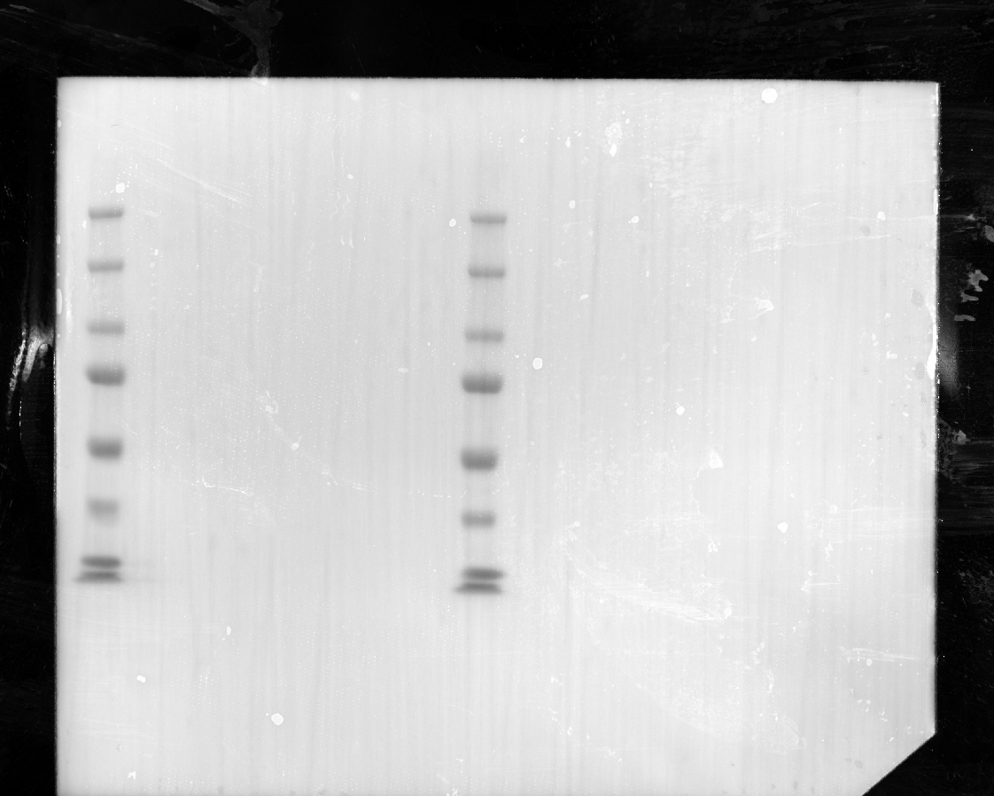


WB: anti-LMAN1
230313

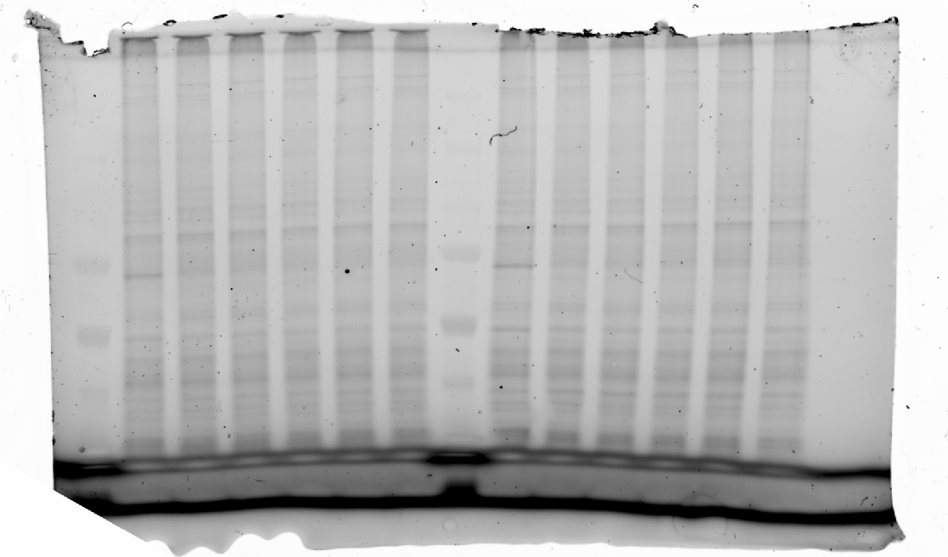

stainfree

Fig. S13b
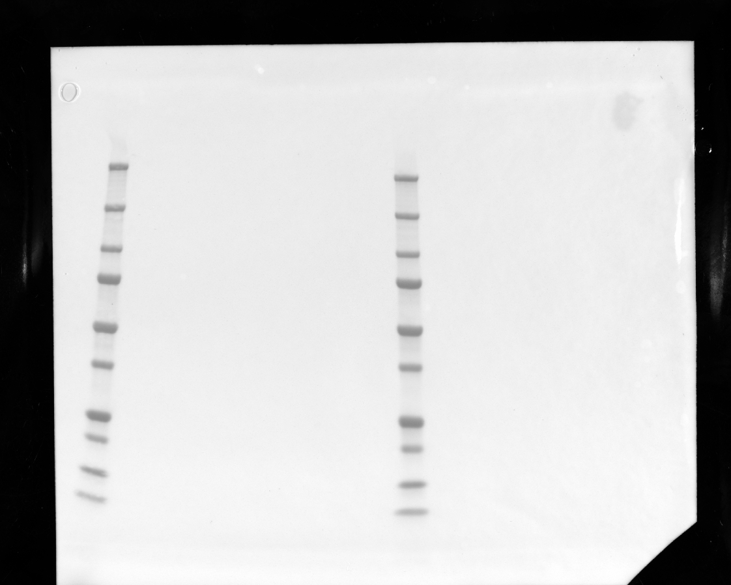
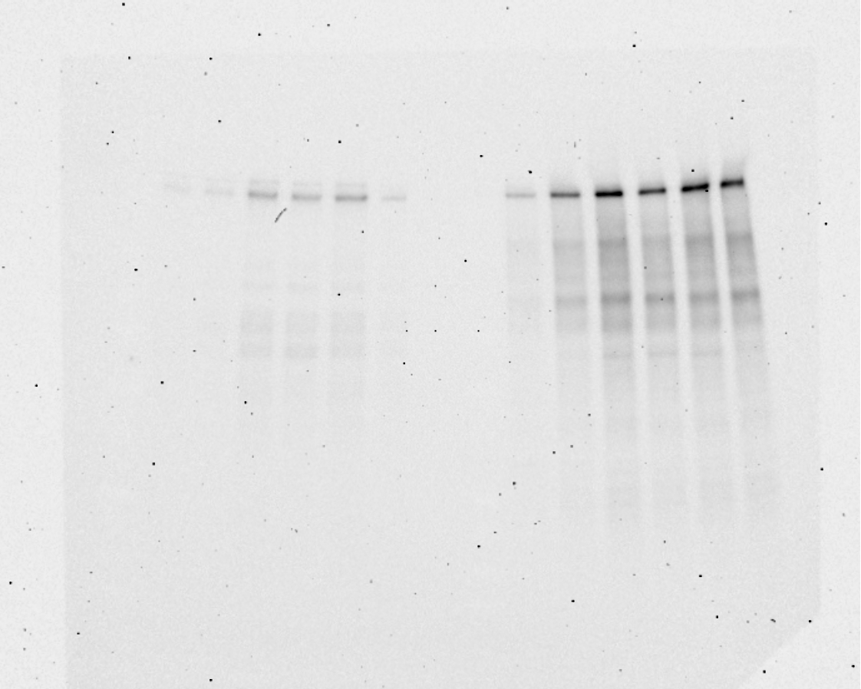

 | WB: LgBit protein for FV-Hibit
 | 230419



stainfree

Fig. S13c
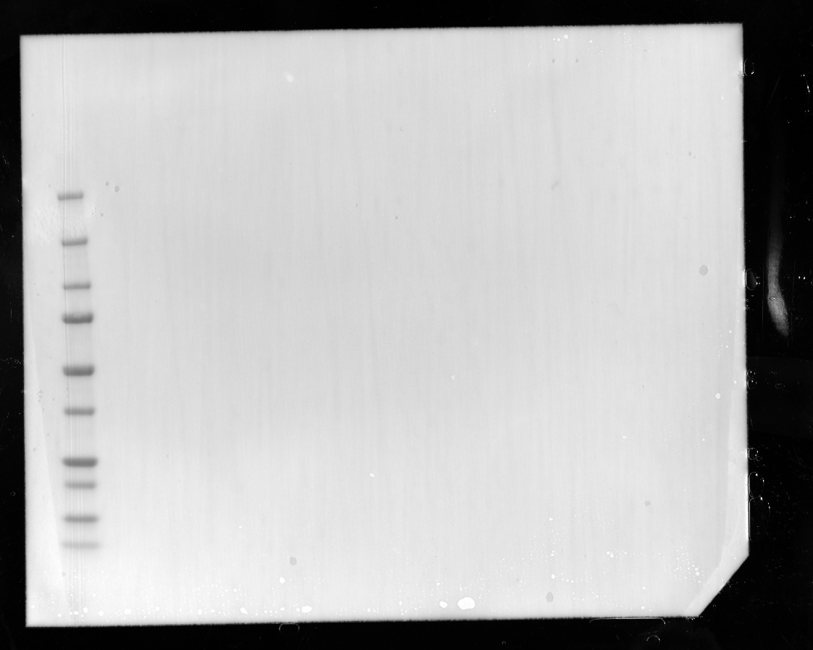
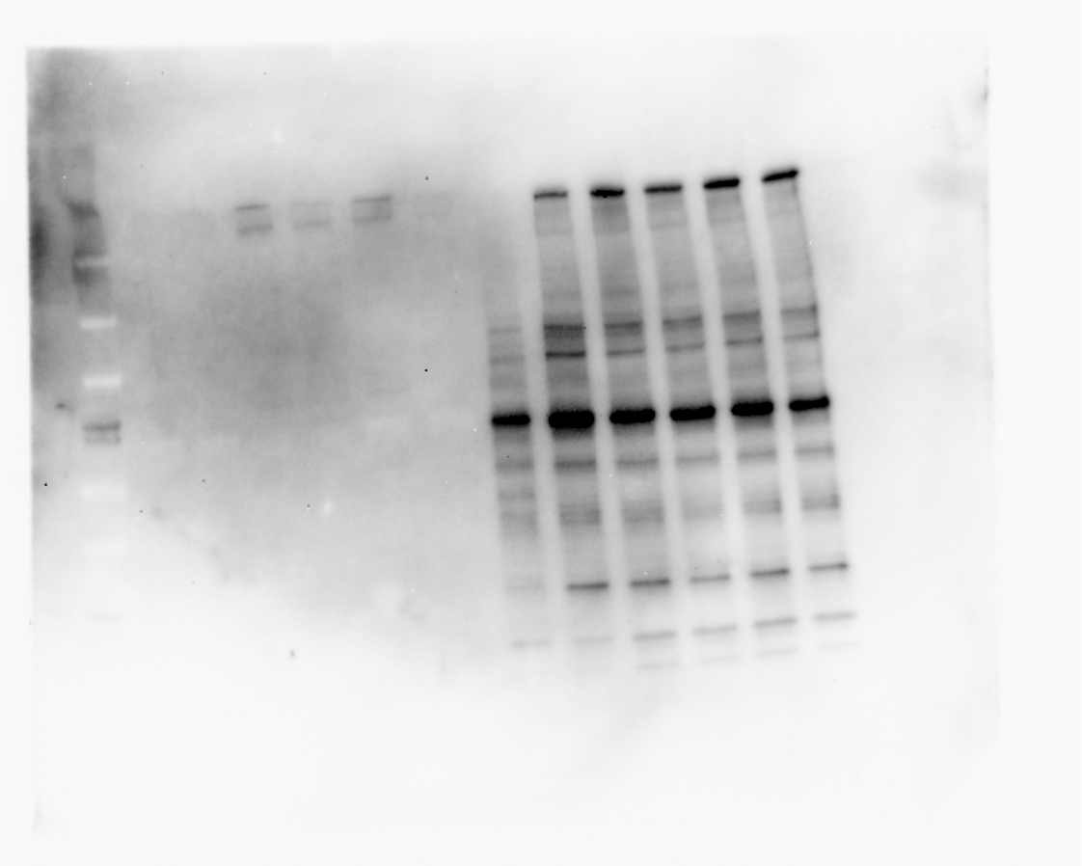

 | WB: anti-FV
 | 230220
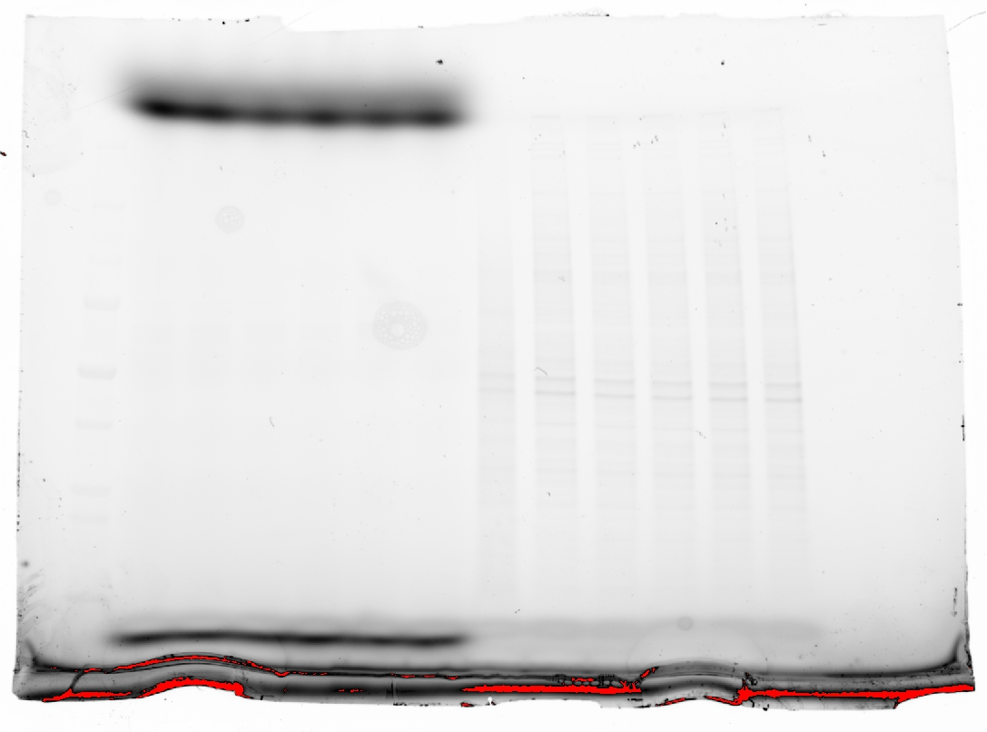

Stainfree

Fig S13d
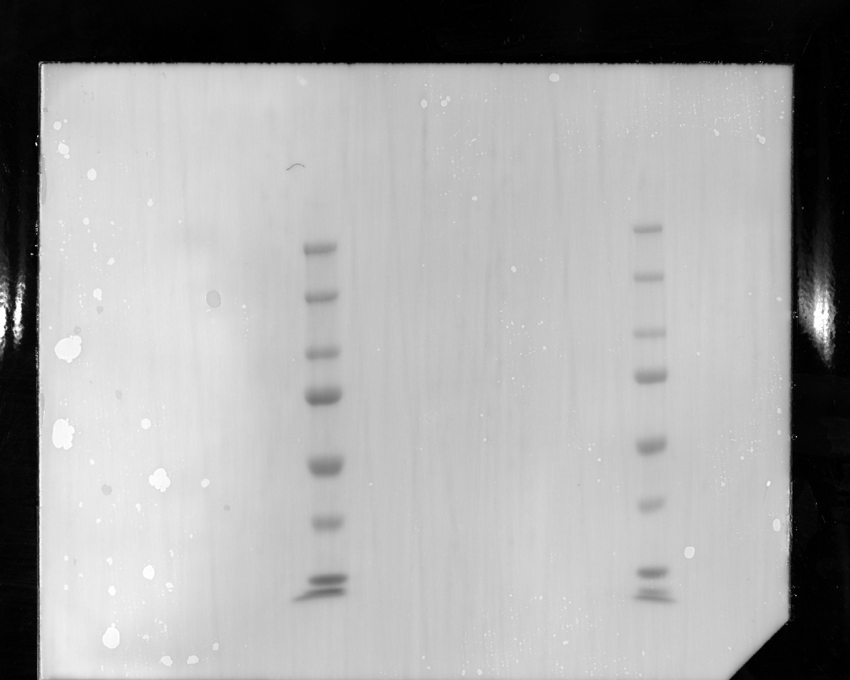


 | WB: anti-LMAN1
 | 230323
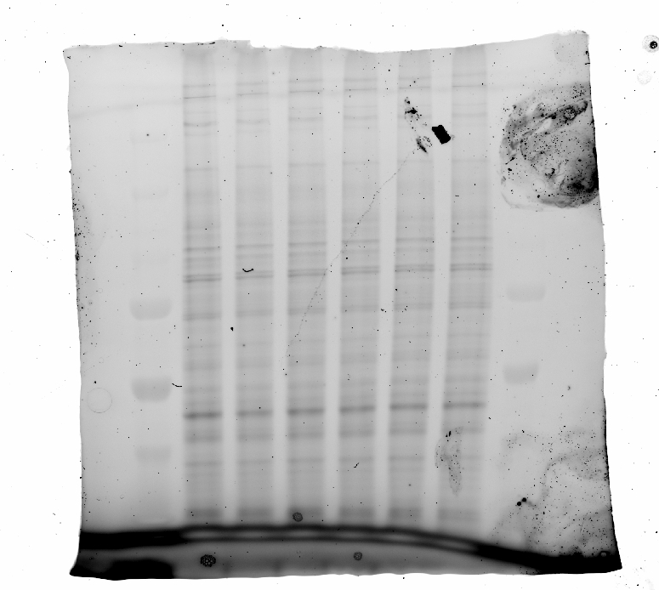

Stainfree

Fig S13e
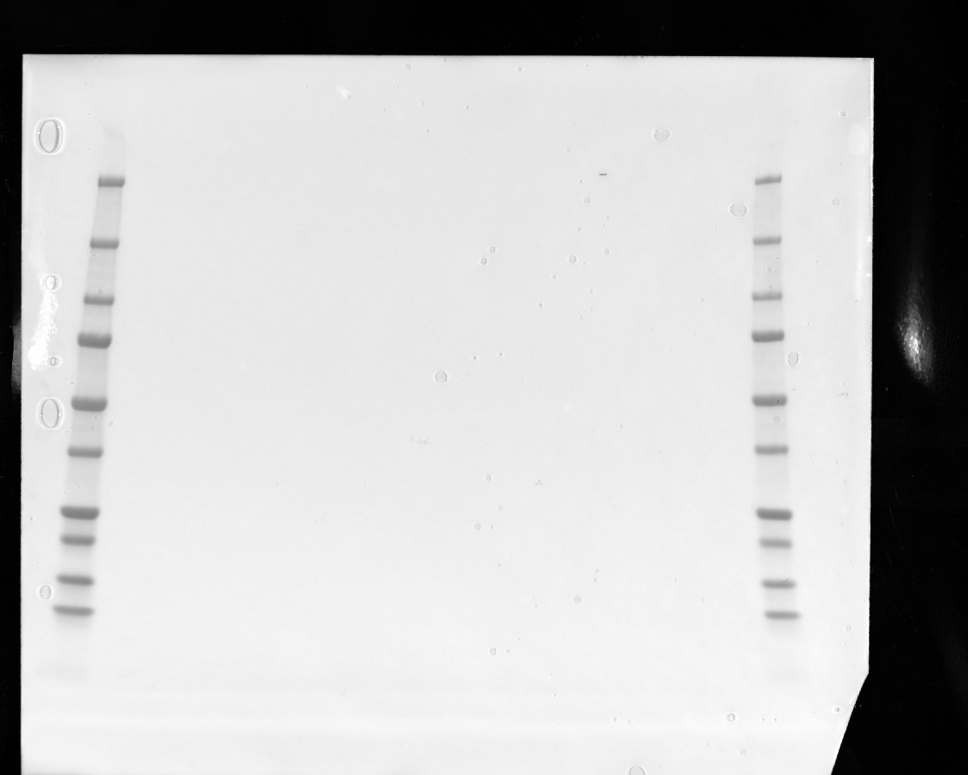


 | WB: LgBit protein for FV-Hibit
 | 230314

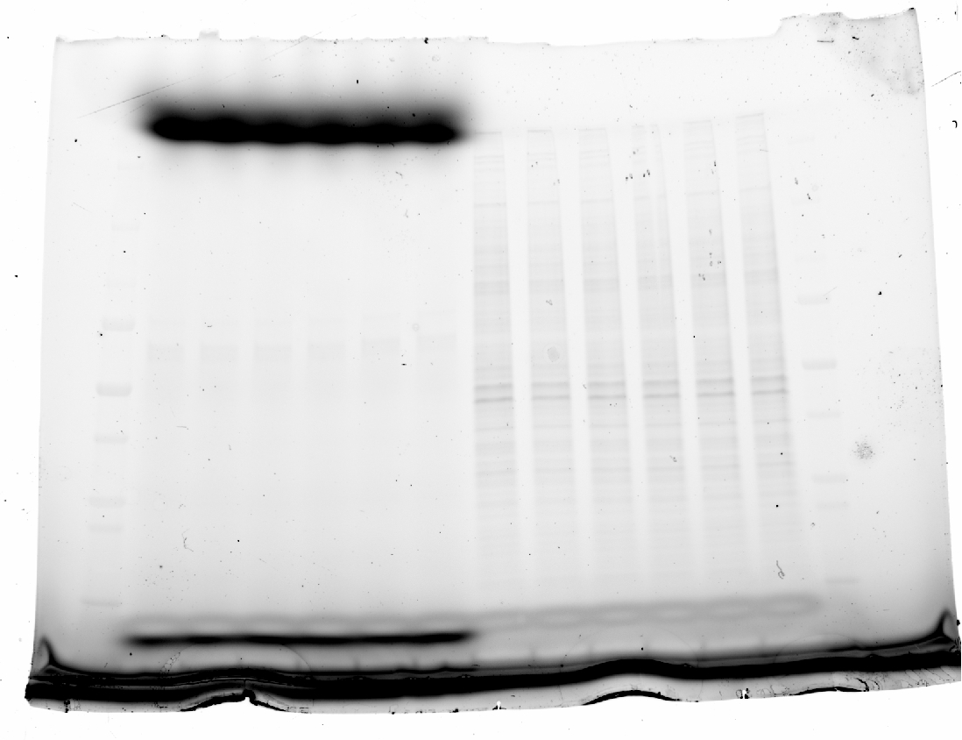

stainfree

