Fig3b
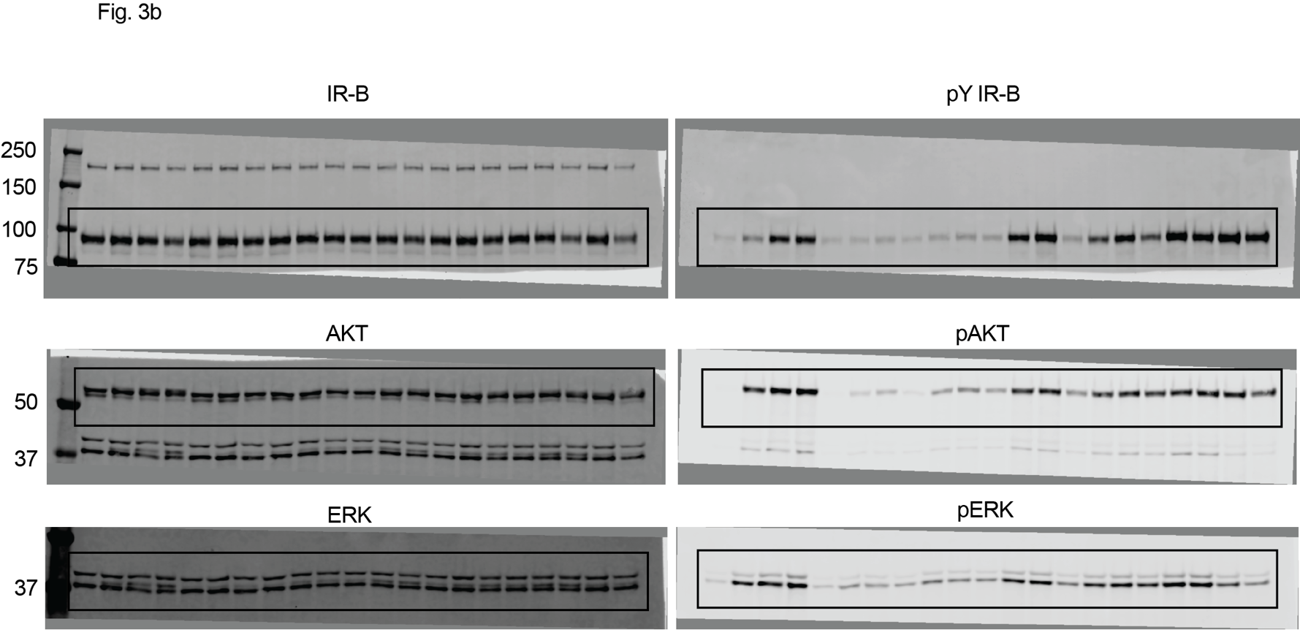

FigS5a
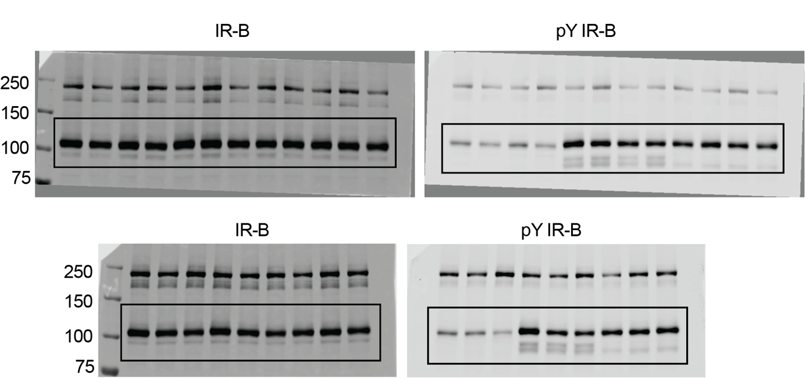
Supplementary Figure 5a

FigS5e
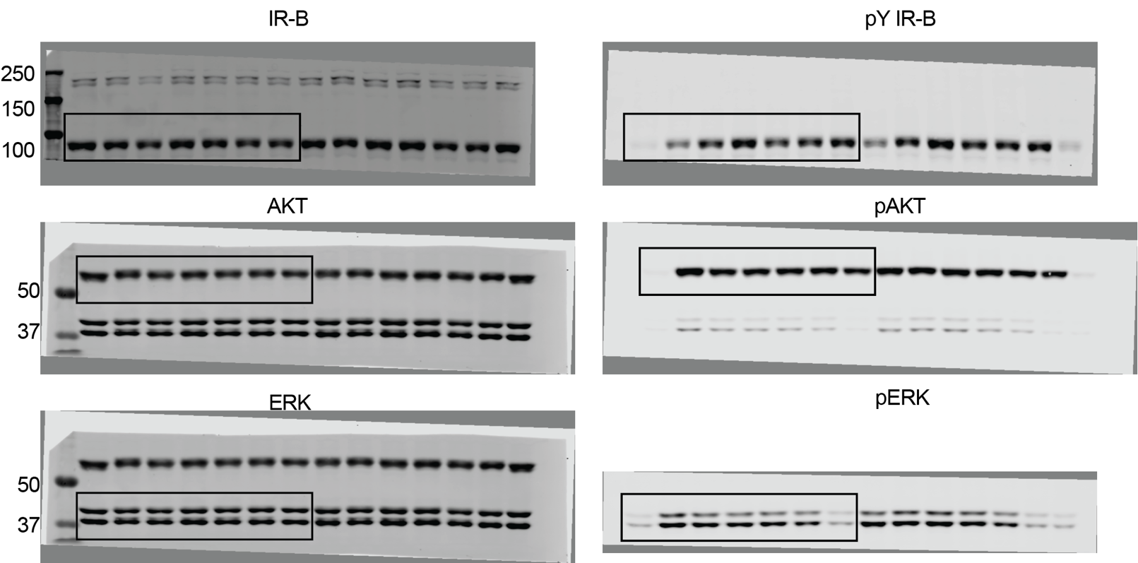
Supplementary Figure 5e

