Figure 1E G
1
2
3
4
5
6
7
8
9
10
11
12
Figure 1E: streptavidin 680
 | Lane
 | 1 | WT-Input | Figure 1 G. Selected PV-IN proteins enriched in PV-CIBOP
 | 2 | WT-Input | PV-IN proteins | NegIP |  |  | TurboIP
 | 3 | WT-Input | Cplx1 | 0.30 | 1.44 | -1.10 | 6.63 | 6.51 | 6.76
 | 4 | Turbo-Input | TurboID | -0.31 | -0.08 | 0.39 | 6.87 | 5.89 | 6.93
 | 5 | Turbo-Input | Ank1 | 1.61 | -0.95 | -0.66 | 5.85 | 5.31 | 5.84
 | 6 | Turbo-Input | Eif4b | 0.12 | 0.06 | -0.18 | 6.12 | 4.99 | 5.23
 | 7 | WT-SA pulldown | Elfn1 | 0.43 | -0.82 | 0.39 | 4.07 | 3.20 | 4.10
 | 8 | WT-SA pulldown | Kcnc2 | -0.56 | 0.25 | 0.30 | 2.54 | 2.37 | 2.09
 | 9 | WT-SA pulldown | Syt2 | 0.18 | 0.29 | -0.47 | 2.02 | 1.49 | 2.57
 | 10 | Turbo-SA pulldown | Gria4 | -0.33 | -0.15 | 0.48 | 1.98 | 1.63 | 2.42
 | 11 | Turbo-SA pulldown | Kcnc3 | -0.50 | 0.43 | 0.06 | 1.15 | 2.40 | 1.79
 | 12 | Turbo-SA pulldown | Slc32a1 | -0.01 | 0.16 | -0.15 | 1.92 | 1.16 | 1.89
 |  |  | Nefh | 0.17 | -0.30 | 0.13 | 1.58 | 1.43 | 1.41
 |  |  | Gabrg2 | 0.46 | 0.02 | -0.48 | 1.70 | 0.88 | 1.17
 |  |  | Non-PV proteins
1
2
3
4
5
6
7
8
9
10
11
12
Figure 1E V5 | Lane |  | Slc17a7 | -0.16 | 0.07 | 0.08 | 0.26 | 0.13 | 0.41
 | 1 | WT-Input | Gfap | -0.19 | -0.94 | 1.13 | 0.70 | 1.20 | 0.70
 | 2 | WT-Input | Cst3 | -1.06 | 0.50 | 0.56 | 0.13 | 1.73 | 0.36
 | 3 | WT-Input | Mbp | 0.54 | -0.04 | -0.51 | 0.81 | 0.83 | 0.00
 | 4 | Turbo-Input | Plp1 | -0.33 | 0.31 | 0.02 | 0.82 | -0.14 | 0.12
 | 5 | Turbo-Input
 | 6 | Turbo-Input
 | 7 | WT-SA pulldown
 | 8 | WT-SA pulldown
 | 9 | WT-SA pulldown
 | 10 | Turbo-SA pulldown
 | 11 | Turbo-SA pulldown
 | 12 | Turbo-SA pulldown

1
2
3
4
5
6
7
8
9
10
11
12
Figure 1E Beta-actin
 | Lane
 | 1 | WT-Input
 | 2 | WT-Input
 | 3 | WT-Input
 | 4 | Turbo-Input
 | 5 | Turbo-Input
 | 6 | Turbo-Input
 | 7 | WT-SA pulldown
 | 8 | WT-SA pulldown
 | 9 | WT-SA pulldown
 | 10 | Turbo-SA pulldown
 | 11 | Turbo-SA pulldown
 | 12 | Turbo-SA pulldown

Figure 1E Silver stain

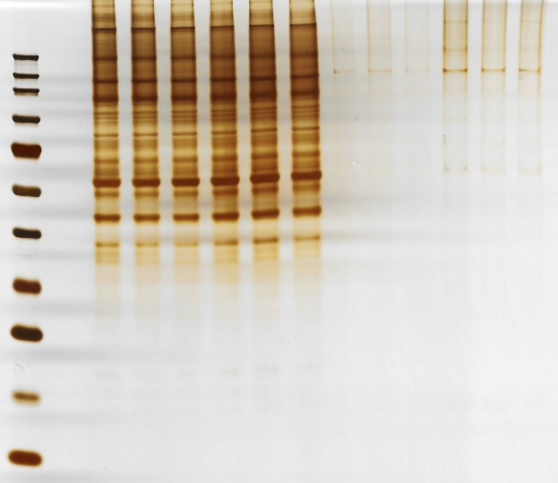
1
2
3
4
5
6
7
8
9
10
11
12
13
 | Lane
 | 1 | Blank
 | 2 | WT-Input
 | 3 | WT-Input
 | 4 | WT-Input
 | 5 | Turbo-Input
 | 6 | Turbo-Input
 | 7 | Turbo-Input
 | 8 | WT-SA pulldown
 | 9 | WT-SA pulldown
 | 10 | WT-SA pulldown
 | 11 | Turbo-SA pulldown
 | 12 | Turbo-SA pulldown
 | 13 | Turbo-SA pulldown

Figure 5 C D E F G J
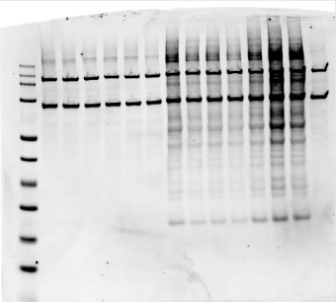
13
1
2
3
4
5
6
7
8
9
10
11
12
14
Figure 5E: Bulk tissue lysate |  |  |  |  | Figure 5D elisa data |  |  |  | Figure 5J PV-IN DEPs | up in the 5xFAD |  |  |  |  |  |  | Down in the 5xFAD
 |  |  |  |  | 5xFAD/WT | WT/WT | 5xFAD/Turbo | WT/TurboID |  | Turbo/FAD |  |  | Turbo/WT |  |  |  | Turbo/FAD |  |  | Turbo/WT
 | Lane |  |  |  | 73.85 | 0 | 660.38 | 0 |  | ANIMAL#1 | #2 | #3 | #1 | #2 | #3 |  | ANIMAL#1 | #2 | #3 | #1 | #2 | #3
 | 1 | 5xFAD |  |  | 900 | 2.69 | 606.73 | 0.19 | Cldn11 | 23.05899 | 24.05473 | 24.12783 | 19.54868 | 20.07265 | 20.51859 | Strn4 | 20.58256 | 21.38432 | 20.60917 | 22.61178 | 23.09976 | 22.87721
 | 2 | 5xFAD |  |  | 271.54 | 0.58 | 360.96 | 0 | H2bu2 | 26.84427 | 27.0501 | 26.37999 | 24.31247 | 22.95602 | 23.2727 | Mrpl43 | 26.97194 | 25.15187 | 25.00739 | 27.84171 | 27.43066 | 27.95934
 | 3 | 5xFAD |  |  |  |  | 786.35 |  | Cox5a | 23.13964 | 23.06403 | 23.77966 | 20.83266 | 21.25814 | 19.79846 | Shank2 | 20.90173 | 21.71127 | 20.11723 | 22.04581 | 23.77875 | 23.02583
 | 4 | WT |  |  |  |  |  |  | Myo1d | 22.83373 | 23.29916 | 24.09246 | 19.81375 | 21.30262 | 21.16443 | Homer1 | 22.79231 | 24.85514 | 22.7458 | 25.12026 | 25.89955 | 25.59663
 | 5 | WT |  |  |  |  |  |  | Armt1 | 22.60921 | 23.53339 | 23.24386 | 19.88812 | 21.48678 | 20.6056 | Cplx1 | 26.04124 | 26.91339 | 25.00944 | 28.00358 | 28.33821 | 27.90049
 | 6 | WT | Fiogure 5C Flow Cytometry Data |  |  |  |  |  | Apeh | 24.13295 | 24.00466 | 23.57396 | 20.65884 | 21.53626 | 22.13162 | Srgap2 | 22.36422 | 20.24828 | 22.32323 | 23.90722 | 24.01917 | 23.40158
 | 7 | 5xFAD-Turbo | Genotype | Rep1 | Rep2 | Rep3 | Rep4 |  | Dhcr7 | 22.94433 | 22.58582 | 22.72891 | 21.13296 | 20.00508 | 20.65309 | Washc2 | 23.06509 | 21.07399 | 22.39376 | 24.38609 | 24.94785 | 23.61392
 | 8 | 5xFAD-Turbo | WT/No TurboID/No AAV | 0.5 | 0.21 |  |  |  |  |  |  |  |  |  |  | Mapt | 27.18398 | 28.7344 | 26.80455 | 29.44169 | 30.0327 | 29.6823
 | 9 | 5xFAD-Turbo | WT/No TurboID | 71.7 | 92.4 | 69.6 |  |  |  |  |  |  |  |  |  | Sipa1l1 | 23.17831 | 22.92318 | 22.99203 | 24.46279 | 25.84378 | 25.36208
 | 10 | 5xFAD-Turbo | FAD/No TurboID | 84.8 | 87.6 | 80.5 |  |  |  |  |  |  |  |  |  | Sorbs1 | 20.3285 | 21.93775 | 21.08225 | 23.36701 | 23.28236 | 23.33586
 | 11 | WT-Turbo | WT/TurboID | 41.6 | 78.3 | 90.6 |  |  |  |  |  |  |  |  |  | Map2 | 30.89542 | 32.35174 | 29.9235 | 32.64236 | 33.81772 | 33.51943
 | 12 | WT-Turbo | FAD/TurboID | 57.6 | 52.6 | 80 | 42 |  |  |  |  |  |  |  |  | Magi1 | 21.03504 | 22.64381 | 20.7694 | 23.63611 | 23.91997 | 23.7187
 | 13 | WT-Turbo | (% TdTomato+ cells within NeuN+ve singlet Nuclei isolated from cortex) |  |  |  |  |  |  |  |  |  |  |  |  | Dlgap4 | 22.05606 | 23.51219 | 23.13614 | 25.16218 | 25.31418 | 25.23662
 | 14 | Irrelevant |  |  |  |  |  |  |  |  |  |  |  |  |  | Stam | 18.86912 | 21.14891 | 20.69092 | 22.72821 | 22.77007 | 22.49829
 |  |  |  |  |  |  |  |  |  |  |  |  |  |  |  | Synrg | 24.80918 | 26.85897 | 24.21584 | 27.23724 | 28.29826 | 27.78652
 |  |  |  |  |  |  |  |  |  |  |  |  |  |  |  | Efhd2 | 23.87456 | 24.92837 | 22.90329 | 25.81295 | 26.96894 | 26.42116
Figure 5E Beta-actin from bulk tissue lysate |  |  |  |  |  |  |  |  |  |  |  |  |  |  |  | Cep170b | 20.80185 | 22.51047 | 19.72376 | 23.28996 | 23.70804 | 23.67451
13
1
2
3
4
5
6
7
8
9
10
11
12
14
 |  |  |  |  |  |  |  |  |  |  |  |  |  |  |  | Ppp1r9b | 21.97197 | 23.06418 | 21.85001 | 24.44068 | 25.53751 | 24.56282
 | Lane |  |  |  |  |  |  |  |  |  |  |  |  |  |  | Shank2 | 25.16433 | 26.81251 | 24.59875 | 26.97476 | 29.20544 | 28.25522
 | 1 | 5xFAD |  |  |  |  |  |  |  |  |  |  |  |  |  | Ppp1r9a | 21.27495 | 21.23316 | 20.39394 | 22.60377 | 24.7776 | 23.60768
 | 2 | 5xFAD |  |  |  |  |  |  |  |  |  |  |  |  |  | Nebl | 22.14451 | 22.82801 | 19.84712 | 24.09591 | 24.98991 | 24.80961
 | 3 | 5xFAD |  |  |  |  |  |  |  |  |  |  |  |  |  | Ahnak2 | 20.98921 | 19.00845 | 19.42212 | 22.65976 | 22.48918 | 23.5743
 | 4 | WT |  |  |  |  |  |  |  |  |  |  |  |  |  | Atp6ap2 | 19.90392 | 20.91524 | 20.88186 | 24.91859 | 25.9169 | 25.48548
 | 5 | WT
 | 6 | WT
 | 7 | 5xFAD-Turbo
 | 8 | 5xFAD-Turbo
 | 9 | 5xFAD-Turbo |  |  | Fig 5G PCA analysis (PV-IN SA-enriched proteomes)
 | 10 | 5xFAD-Turbo |  |  | Sample ID | Sample Type | Genotype | PC1 | PC2 | PC3
 | 11 | WT-Turbo |  |  | Intensity C10_IP_PV_26 | PV AP | Turbo/FAD | 0.76005 | 0.33699 | -0.63424
 | 12 | WT-Turbo |  |  | Intensity C7_IP_PV_2 | PV AP | Turbo/FAD | 0.44642 | -0.75263 | 0.23127
 | 13 | WT-Turbo |  |  | Intensity C8_IP_PV_22 | PV AP | Turbo/FAD | 2.23673 | 1.15833 | -0.92735
 | 14 | Irrelevant |  |  | Intensity C11_IP_PV_4 | PV AP | Turbo/WT | 0.02132 | -1.22898 | 0.26045
 |  |  |  |  | Intensity C12_IP_PV_7 | PV AP | Turbo/WT | 0.66853 | -1.38421 | 0.87287
 |  |  |  |  | Intensity C13_IP_PV_69 | PV AP | Turbo/WT | 0.3738 | -1.31738 | 0.46963
Figure 5F: Streptavidin enriched tissue lysate |  |  |  |  | Intensity C4_IP_PV_1 | PV AP | WT/FAD | -0.57054 | 1.34594 | 2.07368
13
1
2
3
4
5
6
7
8
9
10
11
12
 |  |  |  |  | Intensity C5_IP_PV_8 | PV AP | WT/FAD | -0.74061 | 0.76815 | 0.88001
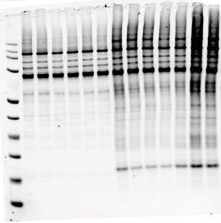
 | Lane |  |  |  | Intensity C6_IP_PV_2385 | PV AP | WT/FAD | -0.36104 | 0.60051 | -0.55982
 | 1 | 5xFAD |  |  | Intensity C1_IP_PV_3 | PV AP | WT/WT | -1.73276 | -0.64528 | -1.60517
 | 2 | 5xFAD |  |  | Intensity C2_IP_PV_5 | PV AP | WT/WT | -0.64852 | 0.63718 | -0.30021
 | 3 | 5xFAD |  |  | Intensity C3_IP_PV_2388 | PV AP | WT/WT | -0.45338 | 0.48136 | -0.76112
 | 4 | WT
 | 5 | WT
 | 6 | WT
 | 7 | 5xFAD-Turbo
 | 8 | 5xFAD-Turbo
 | 9 | 5xFAD-Turbo
 | 10 | 5xFAD-Turbo
 | 11 | WT-Turbo
 | 12 | WT-Turbo
 | 13 | WT-Turbo

Figure 5F: V5 streptavidin enriched tissue lysate
13
1
2
3
4
5
6
7
8
9
10
11
12
 | Lane
 | 1 | 5xFAD
 | 2 | 5xFAD
 | 3 | 5xFAD
 | 4 | WT
 | 5 | WT
 | 6 | WT
 | 7 | 5xFAD-Turbo
 | 8 | 5xFAD-Turbo
 | 9 | 5xFAD-Turbo
 | 10 | 5xFAD-Turbo
 | 11 | WT-Turbo
 | 12 | WT-Turbo
 | 13 | WT-Turbo

Figure 7 B D
1
2
3
4
5
6
7
8
9
10
11
 |  |  |  | Fig 7 D: streptavidin in 5XFAD-Turbo and WT-Turbo

 |  |  |  |  |  | Lane
 |  |  |  |  |  | 1 | 5xFAD-Turbo
Figure 7B | 5xFAD vs WT PV (Log2Abundance Ratio) |  |  |  |  | 2 | 5xFAD-Turbo
MitoCarta Functional Group | 1 | 2 | 3 |  |  | 3 | 5xFAD-Turbo
Carbohydrate metabolism | 0.287139 | -0.518 | -0.57897 |  |  | 4 | 5xFAD-Turbo
Complex II | 0.301103 | -0.03449 | 0.018944 |  |  | 5 | WT-Turbo
Detoxification | 0.539849 | -0.23731 | 0.316558 |  |  | 6 | WT-Turbo
Complex III | 0.158678 | 0.169984 | 0.600834 |  |  | 8-11 | Irrelevant
Nucleotide metabolism | 0.286559 | 0.07739 | 0.758231
Signaling | 0.573753 | 0.042947 | 0.677251
Small molecule transport | 0.914091 | 0.035737 | 0.423673
Complex I | 0.615876 | 0.447032 | 0.719336
Vitamin metabolism | 0.714871 | 0.238457 | 0.861469
Protein homeostasis | 0.924554 | 0.565698 | 0.537031
Metals and cofactors | 0.722573 | 0.303723 | 1.260802
Other | 0.870393 | 0.237383 | 1.195222
Lipid metabolism | 0.600941 | 0.588709 | 1.14965
Amino acid metabolism | 1.6611 | -0.24766 | 1.027777
Complex IV | 0.79912 | 0.460057 | 1.2081
Mitochondrial central dogma | 0.555771 | 0.724278 | 1.386491
Mitochondrial dynamics/surveillance | 0.555771 | 0.724278 | 1.386491 | Fig 7 D: Cox5a in 5XFAD-Turbo and WT-Turbo
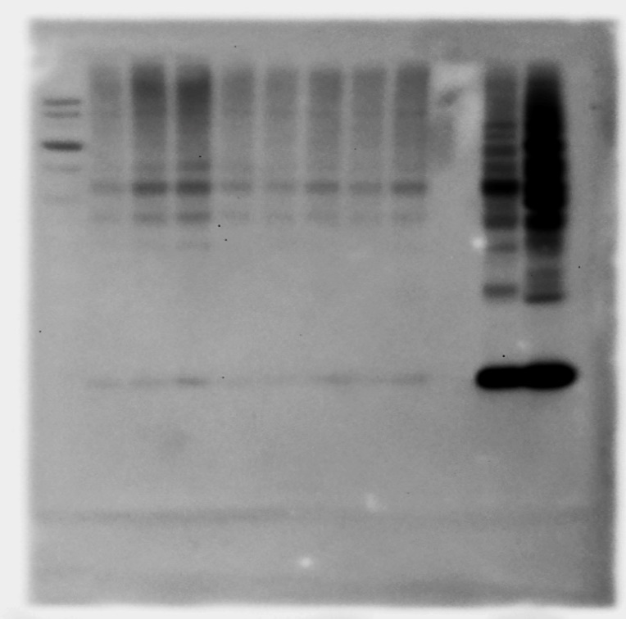
1
2
3
4
5
6
7
8
9
10
11
Complex V | 0.863715 | 0.781802 | 1.047861

 |  |  |  |  |  | Lane |  |  |  | Figure 7D: Cox 5a streptavidin enriched protein blot quantitative analysis (Arbitrary intensity units)
 |  |  |  |  |  | 1 | 5xFAD-Turbo |  |  | Well # | Group | COX-5 | Strep680 | COX-5/Strep680 | Fold change
 |  |  |  |  |  | 2 | 5xFAD-Turbo |  |  | 1 | 5xFAD | 3753.782 | 117873.249 | 0.03184591951 | 1.4922866118
 |  |  |  |  |  | 3 | 5xFAD-Turbo |  |  | 2 | 5xFAD | 4490.61 | 109150.446 | 0.041141471836 | 1.9278723478
 |  |  |  |  |  | 4 | 5xFAD-Turbo |  |  | 3 | 5xFAD | 8536.974 | 143099.956 | 0.059657418763 | 2.7955219597
 |  |  |  |  |  | 5 | WT-Turbo |  |  | 4 | 5xFAD | 3314.811 | 73892.502 | 0.044859910144 | 2.1021168283
 |  |  |  |  |  | 6 | WT-Turbo |  |  | 5 | WT | 3225.731 | 151156.42 | 0.021340350612 | 1
 |  |  |  |  |  | 7 | WT-Turbo |  |  | 6 | WT | 4925.974 | 211342.755 | 0.02330798612 | 1.0922025858
 |  |  |  |  |  | 8-11 | Irrelevant |  |  | 7 | WT | 3305.175 | 131447.897 | 0.025144373363 | 1.1782549322

 |  |  |  | Fig 7 D: Cox5a and beta actin in 5XFAD-Turbo and WT-Turbo
1
2
3
4
5
6
7

 |  |  |  |  |  |  |  | Lane |  | Figure 7D: Cox 5a in whole tissue lysate, blot quantitative analysis (Arbitrary intensity units)
 |  |  |  |  |  |  |  | 1 | 5xFAD-Turbo | Well # | Group | COX-5 | b-actin | COX-5/b-actin | Fold change
 |  |  |  |  |  |  |  | 2 | 5xFAD-Turbo | 1 | 5xFAD | 25610.12 | 41942.836 | 0.61059581188 | 0.96478517532
 |  |  |  |  |  |  |  | 3 | 5xFAD-Turbo | 2 | 5xFAD | 23667.049 | 45407.685 | 0.52121241151 | 0.82355299207
 |  |  |  |  | Beta actin in bulk tissue lysate |  |  | 4 | 5xFAD-Turbo | 3 | 5xFAD | 31584.191 | 45503.442 | 0.69410553602 | 1.0967365289
 |  |  |  |  |  |  |  | 5 | WT-Turbo | 4 | 5xFAD | 31909.312 | 46713.563 | 0.68308452515 | 1.0793225413
 |  |  |  |  |  |  |  | 6 | WT-Turbo | 5 | WT | 29504.605 | 46619.392 | 0.63288266394 | 1
 |  |  |  |  |  |  |  | 7 | WT-Turbo | 6 | WT | 28727.362 | 47355.028 | 0.6066380533 | 0.95853163291
 |  |  |  |  |  |  |  |  |  | 7 | WT | 26185.07 | 46267.706 | 0.5659470128 | 0.89423687052

 |  |  |  |  | Cox5a in bulk tissue lysate

Figure 8 C G H J
1
2
3
4
5
6
7
8
9
10
Fig 8H LC3 in PV-Inof wt and 5XFad mice
 |  |  |  |  |  |  |  |  |  |  |  |  |  | Figure 8 C | PV-IN | Bulk |  | Figure 8G. Positive regulators of autophagy |  |  | Figure 7O: Regulators of synaptic plasticity
 |  |  |  |  |  |  |  |  |  |  |  |  |  | Rhoa | 0.843410392 | -0.10657365 |  |  | 5xFAD-PV | WT-PV |  | 5xFAD-PV | WT
 | Lane |  | Figure 8H: Pulldown LC3-II/LC3-I |  |  |  |  |  |  |  |  |  |  | Prkca | 0.816128289 | -0.08847891 |  | Htt | -0.5430 | 0.5430 | Sipa1l1 | -0.855 | 0.855
 | 1 | 5xFAD-Turbo | LC3-II | well # | Group | Area | Mean | IntDen | Raw IntDen |  |  | Background sustraction | Ratio | Cacna2d1 | 0.473973733 | -0.21484239 |  | Pip4k2a | 0.2158 | -0.2158 | Rims1 | -0.847 | 0.847
 | 2 | 5xFAD-Turbo |  | 1 | 5xFAD-Turbo | 0.019 | 170.213 | 3.168 | 285107 |  | 84.787 | 70.223 | 1.9692924647 | Hras | 0.337794193 | -0.1895553 |  | Pip4k2b | 0.5150 | -0.5150 | Ctnnd2 | -0.847 | 0.847
 | 3 | 5xFAD-Turbo |  | 2 | 5xFAD-Turbo | 0.019 | 136.331 | 2.537 | 228354 |  | 118.669 | 104.105 | 2.3840111752 | Rheb | -0.207481489 | -0.68880762 |  | Pip4k2c | 0.6852 | -0.6853 | Ppp1r9a | -0.812 | 0.812
 | 4 | 5xFAD-Turbo |  | 3 | 5xFAD-Turbo | 0.019 | 119.665 | 2.227 | 200439 |  | 135.335 | 120.771 | 1.8079491018 | Mapt | -1.915942122 | -0.10845702 |  | Rab3gap2 | -0.5373 | 0.5373 | Adgrb1 | -0.795 | 0.795
 | 5 | WT-Turbo |  | 4 | 5xFAD-Turbo | 0.019 | 192.119 | 3.576 | 321800 |  | 62.881 | 48.317 | 1.8704320223 | Mapt | -2.144590438 | -0.10845702 |  | Rab3gap1 | 0.3086 | -0.3086 | Mapt | -0.792 | 0.792
 | 6 | WT-Turbo |  | 5 | WT-Turbo | 0.019 | 190.618 | 3.548 | 319285 |  | 64.382 | 49.818 | 1.6439413939 | Eif4b | -2.793973452 | -0.23781967 |  | Irgm1 | 0.6533 | -0.6533 | Dbn1 | -0.791 | 0.791
 | 8-10 | Irrelevant |  | 6 | WT-Turbo | 0.019 | 160.494 | 2.987 | 268827 |  | 94.506 | 79.942 | 1.5976577333 |  |  |  |  | Ccny | 0.5463 | -0.5463 | Grin1 | -0.789 | 0.789
 |  |  |  | 7 | WT-Turbo | 0.019 | 174.592 | 3.249 | 292442 |  | 80.408 | 65.844 | 1.4096037336 |  |  |  |  | Gsk3a | 0.1198 | -0.1198 | Hras | 0.783 | -0.783
 |  |  |  |  |  |  |  |  |  |  |  |  |  |  |  |  |  | Hmgb1 | -0.7220 | 0.7220 | Map1a | -0.768 | 0.768
 |  |  | LC3-I | well # | Group | Area | Mean | IntDen | Raw IntDen |  |  | Background sustraction |  |  |  |  |  | Map2k1 | 0.2024 | -0.2024 | Cplx2 | -0.766 | 0.766
 |  |  |  | 1 | 5xFAD-Turbo | 0.019 | 204.777 | 3.811 | 343001 |  | 50.223 | 35.659 |  |  |  |  |  | Mtdh | -0.3049 | 0.3049 | Shank2 | -0.759 | 0.759
 |  |  |  | 2 | 5xFAD-Turbo | 0.019 | 196.768 | 3.662 | 329587 |  | 58.232 | 43.668 |  |  |  |  |  | Prkaa2 | -0.5308 | 0.5308 | Shank2 | -0.745 | 0.745
 |  |  |  | 3 | 5xFAD-Turbo | 0.019 | 173.636 | 3.232 | 290840 |  | 81.364 | 66.8 |  |  |  |  |  | Gsk3b | 0.2017 | -0.2017 | Mapt | -0.738 | 0.738
 |  |  |  | 4 | 5xFAD-Turbo | 0.019 | 214.604 | 3.994 | 359461 |  | 40.396 | 25.832 |  |  |  |  |  | Trim23 | 0.1683 | -0.1683 | Grin2b | -0.736 | 0.736
 |  |  |  | 5 | WT-Turbo | 0.019 | 210.132 | 3.911 | 351971 |  | 44.868 | 30.304 |  |  |  |  |  | C9orf72 | -0.1690 | 0.1690 | Synpo | -0.736 | 0.736
 |  |  |  | 6 | WT-Turbo | 0.019 | 190.399 | 3.544 | 318919 |  | 64.601 | 50.037 |  |  |  |  |  | Gnai3 | 0.6979 | -0.6979 | Akap5 | -0.731 | 0.731
 |  |  |  | 7 | WT-Turbo | 0.019 | 193.725 | 3.605 | 324490 |  | 61.275 | 46.711 |  |  |  |  |  | Pafah1b2 | 0.3245 | -0.3245 | Syn1 | -0.723 | 0.723
Figure 8H: Streptavidin in pulldown tissue |  |  |  |  |  |  |  |  |  |  |  |  |  |  |  |  |  | Rab12 | 0.6340 | -0.6340 | Shank3 | -0.722 | 0.722
 |  |  |  |  |  |  |  |  |  |  |  |  |  |  |  |  |  | Slc25a4 | 0.3196 | -0.3196 | Snca | -0.711 | 0.711
1
2
3
4
5
6
7
8
9
10
 |  |  |  |  |  | 0.123 | 240.436 | 29.654 | 2668839 | Background | 14.564 | 0 |  |  |  |  |  | Slc25a5 | 0.0894 | -0.0894 | Erc2 | -0.706 | 0.706
 |  |  |  |  |  | 0.011 | 0 | 0 | 0 |  | 255 | 240.436 |  |  |  |  |  | Vdac1 | 0.5211 | -0.5211 | Nos1 | -0.703 | 0.703
 | Lane |  |  |  |  |  |  |  |  |  |  |  |  |  |  |  |  | Mapk3 | -0.0900 | 0.0900 | Dlg4 | -0.701 | 0.701
 | 1 | 5xFAD-Turbo |  |  |  |  |  |  |  |  |  |  |  |  |  |  |  |  |  |  | Arf1 | 0.699 | -0.699
 | 2 | 5xFAD-Turbo | Fig 8H Strep680 in pulldown sample |  | ID | Group | Area | Mean | IntDen | Raw IntDen |  |  | Background sustraction |  |  |  |  |  |  |  | Syngap1 | -0.678 | 0.678
 | 3 | 5xFAD-Turbo |  | 1 |  | 5xFAD-Turbo | 0.53 | 186.203 | 98.706 | 35534223 |  | 68.797 | 22.115 |  |  |  |  |  |  |  | Lrrtm2 | 0.671 | -0.671
 | 4 | 5xFAD-Turbo |  | 2 |  | 5xFAD-Turbo | 0.53 | 197.7 | 104.801 | 37728343 |  | 57.3 | 10.618 | Figure 8: Proportion of Long-lived proteins PV-IN proteomes from WT and 5xFAD mice |  |  |  |  |  |  | Rab5a | 0.667 | -0.667
 | 5 | WT-Turbo |  | 3 |  | 5xFAD-Turbo | 0.53 | 198.132 | 105.03 | 37810682 |  | 56.868 | 10.186 | longlived proteins = proteins with estimate half life >75th percentile of distribution (13.7 days) |  |  |  |  |  |  | Nlgn3 | -0.660 | 0.660
 | 6 | WT-Turbo |  | 4 |  | 5xFAD-Turbo | 0.53 | 201.194 | 106.653 | 38395088 |  | 53.806 | 7.124 | PV-IN CIBOP | N | Other | %Longlived |  |  |  | Sorcs3 | 0.648 | -0.648
 | 8-10 | Irrelevant |  | 5 |  | WT-Turbo | 0.53 | 190.922 | 101.208 | 36434770 |  | 64.078 | 17.396 | Increased in 5xFAD | 38 | 60 | 38.775510204 |  |  |  | Syt7 | -0.641 | 0.641
 |  |  |  | 6 |  | WT-Turbo | 0.53 | 170.237 | 90.243 | 32487311 |  | 84.763 | 38.081 | Decreased in 5xFAD | 20 | 71 | 21.978021978 |  |  |  | Grm2 | 0.636 | -0.636
 |  |  |  | 7 |  | WT-Turbo | 0.53 | 178.065 | 94.392 | 33981156 |  | 76.935 | 30.253 | Non-changing | 298 | 937 | 24.129554656 |  |  |  | Calb2 | -0.630 | 0.630
 |  |  |  |  |  |  |  |  |  |  |  |  |  |  |  |  |  |  |  |  | Itpka | 0.626 | -0.626
 |  |  |  |  |  |  |  |  |  |  |  |  | Background sustraction | Chi Square statistic | 10.86 |  |  |  |  |  | Abhd6 | 0.607 | -0.607
 |  |  |  |  |  |  | 0.197 | 208.318 | 40.941 | 14738893 | Background | 46.682 | 0 | p | 0.004 |  |  |  |  |  | Ppfia3 | -0.604 | 0.604
 |  |  |  |  |  |  | 0.002 | 6.381 | 0.011 | 4135 |  | 248.619 | 201.937 |  |  |  |  |  |  |  | Slc24a2 | 0.600 | -0.600
 |  |  |  |  |  |  |  |  |  |  |  |  |  |  |  |  |  |  |  |  | Shisa9 | -0.596 | 0.596
 |  |  |  |  |  |  |  |  |  |  |  |  |  |  |  |  |  |  |  |  | Ckap5 | 0.582 | -0.582
 |  |  |  |  |  |  |  |  |  |  |  |  |  |  |  |  |  |  |  |  | Tnr | -0.576 | 0.576
 |  |  |  |  |  |  |  |  |  |  |  |  |  |  |  |  |  |  |  |  | Rapgef2 | -0.562 | 0.562
 |  |  |  |  |  |  |  |  |  |  |  |  |  |  |  |  |  |  |  |  | Iqsec2 | -0.559 | 0.559
 |  |  |  |  |  |  |  |  |  |  |  |  |  |  |  |  |  |  |  |  | Braf | -0.556 | 0.556
 |  |  |  |  |  |  |  |  |  |  |  |  |  |  |  |  |  |  |  |  | Htt | -0.543 | 0.543
 |  |  |  |  |  |  |  |  |  |  |  |  |  |  |  |  |  |  |  |  | Nptn | 0.536 | -0.536
 |  |  |  |  |  |  |  |  |  |  |  |  |  |  |  |  |  |  |  |  | Apoe | 0.535 | -0.535
 |  |  |  |  |  |  |  |  |  |  |  |  |  |  |  |  |  |  |  |  | Vamp2 | -0.524 | 0.524
 |  |  |  |  |  |  |  |  |  |  |  |  |  |  |  |  |  |  |  |  | Cdk5 | 0.522 | -0.522
 |  |  |  |  |  |  |  |  |  |  |  |  |  |  |  |  |  |  |  |  | Pak1 | -0.516 | 0.516
 |  |  |  |  |  |  |  |  |  |  |  |  |  |  |  |  |  |  |  |  | Adcy1 | 0.516 | -0.516
 |  |  |  |  |  |  |  |  |  |  |  |  |  |  |  |  |  |  |  |  | Slc4a10 | -0.513 | 0.513
 |  |  |  |  |  |  |  |  |  |  |  |  |  |  |  |  |  |  |  |  | Cfl1 | -0.512 | 0.512
 |  |  |  |  |  |  |  |  |  |  |  |  |  |  |  |  |  |  |  |  | Snap47 | -0.508 | 0.508
 |  |  |  |  |  |  |  |  |  |  |  |  |  |  |  |  |  |  |  |  | Sorcs2 | 0.489 | -0.489
 |  |  |  |  |  |  |  |  |  |  |  |  |  |  |  |  |  |  |  |  | Grik2 | -0.485 | 0.485
 |  |  |  |  |  |  |  |  |  |  |  |  |  |  |  |  |  |  |  |  | Camk2b | -0.480 | 0.480
 |  |  |  |  |  |  |  |  |  |  |  |  |  |  |  |  |  |  |  |  | Grin2d | -0.474 | 0.474
 |  |  |  |  |  |  |  |  |  |  |  |  |  |  |  |  |  |  |  |  | Rasgrf1 | 0.471 | -0.471
 |  |  |  |  |  |  |  |  |  |  |  |  |  |  |  |  |  |  |  |  | Myo6 | -0.469 | 0.469
 |  |  |  |  |  |  |  |  |  |  |  |  |  |  |  |  |  |  |  |  | App | 0.459 | -0.459
 |  |  |  |  |  |  |  |  |  |  |  |  |  |  |  |  |  |  |  |  | Ptk2b | 0.435 | -0.435
 |  |  |  |  |  |  |  |  |  |  |  |  |  |  |  |  |  |  |  |  | Rac1 | 0.435 | -0.435
 |  |  |  |  |  |  |  |  |  |  |  |  |  |  |  |  |  |  |  |  | Mpp2 | -0.433 | 0.433
 |  |  |  |  |  |  |  |  |  |  |  |  |  |  |  |  |  |  |  |  | Syngr1 | 0.429 | -0.429
 |  |  |  |  |  |  |  |  |  |  |  |  |  |  |  |  |  |  |  |  | Syp | 0.427 | -0.427
 |  |  |  |  |  |  |  |  |  |  |  |  |  |  |  |  |  |  |  |  | Grin2a | -0.424 | 0.424
 |  |  |  |  |  |  |  |  |  |  |  |  |  |  |  |  |  |  |  |  | Nf1 | 0.424 | -0.424
 |  |  |  |  |  |  |  |  |  |  |  |  |  |  |  |  |  |  |  |  | Kalrn | -0.420 | 0.420
 |  |  |  |  |  |  |  |  |  |  |  |  |  |  |  |  |  |  |  |  | Stxbp1 | -0.414 | 0.414
 |  |  |  |  |  |  |  |  |  |  |  |  |  |  |  |  |  |  |  |  | Gfap | -0.401 | 0.401
 |  |  |  |  |  |  |  |  |  |  |  |  |  |  |  |  |  |  |  |  | Camk2a | -0.379 | 0.379
 |  |  |  |  |  |  |  |  |  |  |  |  |  |  |  |  |  |  |  |  | Zzef1 | -0.367 | 0.367
 |  |  |  |  |  |  |  |  |  |  |  |  |  |  |  |  |  |  |  |  | Ntrk2 | -0.366 | 0.366
 |  |  |  |  |  |  |  |  |  |  |  |  |  |  |  |  |  |  |  |  | Mgll | -0.359 | 0.359
 |  |  |  |  |  |  |  |  |  |  |  |  |  |  |  |  |  |  |  |  | Stxbp1 | 0.356 | -0.356
 |  |  |  |  |  |  |  |  |  |  |  |  |  |  |  |  |  |  |  |  | Ptpn5 | -0.338 | 0.338
 |  |  |  |  |  |  |  |  |  |  |  |  |  |  |  |  |  |  |  |  | Rab3gap1 | 0.309 | -0.309
 |  |  |  |  |  |  |  |  |  |  |  |  |  |  |  |  |  |  |  |  | Epha4 | 0.303 | -0.303
 |  |  |  |  |  |  |  |  |  |  |  |  |  |  |  |  |  |  |  |  | Kcnb1 | -0.278 | 0.278
 |  |  |  |  |  |  |  |  |  |  |  |  |  |  |  |  |  |  |  |  | Atp2b2 | 0.245 | -0.245
 |  |  |  |  |  |  |  |  |  |  |  |  |  |  |  |  |  |  |  |  | Gnal | -0.241 | 0.241
 |  |  |  |  |  |  |  |  |  |  |  |  |  |  |  |  |  |  |  |  | Pten | 0.232 | -0.232
 |  |  |  |  |  |  |  |  |  |  |  |  |  |  |  |  |  |  |  |  | Cyp46a1 | 0.231 | -0.231
 |  |  |  |  |  |  |  |  |  |  |  |  |  |  |  |  |  |  |  |  | Rab3a | 0.203 | -0.203
 |  |  |  |  |  |  |  |  |  |  |  |  |  |  |  |  |  |  |  |  | Gsk3b | 0.202 | -0.202
 |  |  |  |  |  |  |  |  |  |  |  |  |  |  |  |  |  |  |  |  | Ywhag | -0.201 | 0.201
 |  |  |  |  |  |  |  |  |  |  |  |  |  |  |  |  |  |  |  |  | Brsk1 | 0.193 | -0.193
 |  |  |  |  |  |  |  |  |  |  |  |  |  |  |  |  |  |  |  |  | Lnpep | 0.181 | -0.181
 |  |  |  |  |  |  |  |  |  |  |  |  |  |  |  |  |  |  |  |  | Kras | 0.178 | -0.178
 |  |  |  |  |  |  |  |  |  |  |  |  |  |  |  |  |  |  |  |  | Rasgrf2 | 0.168 | -0.168
 |  |  |  |  |  |  |  |  |  |  |  |  |  |  |  |  |  |  |  |  | Mapk1 | 0.168 | -0.168
 |  |  |  |  |  |  |  |  |  |  |  |  |  |  |  |  |  |  |  |  | Unc13a | 0.158 | -0.158
 |  |  |  |  |  |  |  |  |  |  |  |  |  |  |  |  |  |  |  |  | Lrrtm1 | -0.156 | 0.156
 |  |  |  |  |  |  |  |  |  |  |  |  |  |  |  |  |  |  |  |  | Gria1 | -0.086 | 0.086
 |  |  |  |  |  |  |  |  |  |  |  |  |  |  |  |  |  |  |  |  | Rab8a | 0.071 | -0.071
 |  |  |  |  |  |  |  |  |  |  |  |  |  |  |  |  |  |  |  |  | Hnrnpk | -0.067 | 0.067
 |  |  |  |  |  |  |  |  |  |  |  |  |  |  |  |  |  |  |  |  | Snap25 | -0.057 | 0.057
 |  |  |  |  |  |  |  |  |  |  |  |  |  |  |  |  |  |  |  |  | Prrt1 | -0.055 | 0.055
 |  |  |  |  |  |  |  |  |  |  |  |  |  |  |  |  |  |  |  |  | Prrt2 | 0.051 | -0.051
 |  |  |  |  |  |  |  |  |  |  |  |  |  |  |  |  |  |  |  |  | Prkcg | 0.038 | -0.038
 |  |  |  |  |  |  |  |  |  |  |  |  |  |  |  |  |  |  |  |  | Atp2b2 | 0.020 | -0.020
 |  |  |  |  |  |  |  |  |  |  |  |  |  |  |  |  |  |  |  |  | Grm5 | 0.014 | -0.014
 |  |  |  |  |  |  |  |  |  |  |  |  |  |  |  |  |  |  |  |  | Ncdn | -0.001 | 0.001

Supp Fig 10 A B E F
13
1
2
3
4
5
6
7
8
9
10
11
12
 |  |  |  |  |  |  |  | Figure: S10 E
Fig S10: Silver-stained gel of SA-enriched PV-IN proteins |  |  |  |  |  |  |  |  | PV 5xFAD |  |  | PV WT
 |  |  |  |  |  |  |  | Cplx1 | -2.03953 | -1.16737 | -3.07132 | -0.07718 | 0.257451 | -0.18027
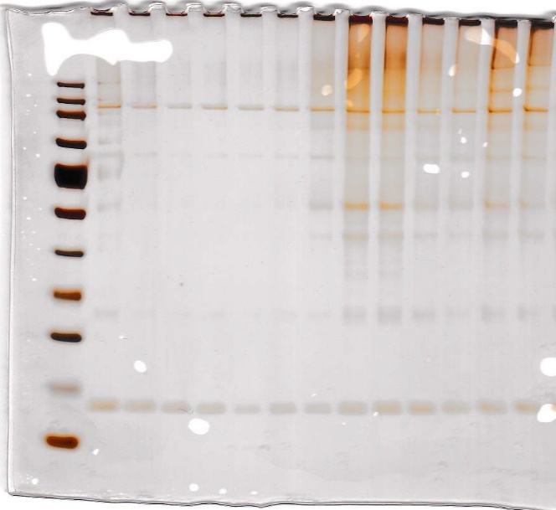
 |  |  |  |  |  |  |  | Cplx2 | -2.46579 | -0.70817 | -2.67148 | -0.22034 | 0.117711 | 0.102624
 |  |  |  |  |  | Lane |  | Cplx3 | -2.91385 | -0.71505 | -3.6965 | -0.08406 | 0.200084 | -0.11603
 |  |  |  |  |  | 1 | 5xFAD
 |  |  |  |  |  | 2 | 5xFAD
 |  |  |  |  |  | 3 | 5xFAD | Supp Fig S10 F
 |  |  |  |  |  | 4 | WT |  | PV neg control |  |  | PV CIBOP
 |  |  |  |  |  | 5 | WT | Cplx1 | -0.52242 | 0.622073 | -0.09965 | 5.763608 | 6.94965 | 6.675882
 |  |  |  |  |  | 6 | WT | Cplx2 | 0.542168 | -0.42679 | -0.11537 | 7.411753 | 7.781611 | 8.188938
 |  |  |  |  |  | 7 | 5xFAD-Turbo | Cplx3 | 0.56721 | 0.290106 | -0.85732 | 5.622789 | 6.337077 | 6.981673
 |  |  |  |  |  | 8 | 5xFAD-Turbo
 |  |  |  |  |  | 9 | 5xFAD-Turbo
 |  |  |  |  |  | 10 | 5xFAD-Turbo
 |  |  |  |  |  | 11 | WT-Turbo
 |  |  |  |  |  | 12 | WT-Turbo
 |  |  |  |  |  | 13 | WT-Turbo

Fig S10-B PCA analysis (Brain bulk/input proteomes)
Sample ID | Sample Type | Genotype | PC1 | PC2 | PC3
Intensity D10_PV_26 | Input | Turbo/FAD | -0.18636 | -1.75693 | -0.29449
Intensity D7_PV_2 | Input | Turbo/FAD | -1.5963 | 0.4262 | -0.24088
Intensity D8_PV_22 | Input | Turbo/FAD | 0.91521 | -1.45978 | -0.0478
Intensity D11_PV_4 | Input | Turbo/WT | 1.50226 | 1.01039 | -0.31533
Intensity D12_PV_7 | Input | Turbo/WT | 0.18673 | -0.10694 | -2.10907
Intensity D13_PV_69 | Input | Turbo/WT | 0.96396 | 0.92022 | 0.11756
Intensity D4_PV_1 | Input | WT/FAD | -0.20115 | 0.6615 | 1.17995
Intensity D5_PV_8 | Input | WT/FAD | -1.67554 | 0.46458 | -1.07661
Intensity D6_PV_2385 | Input | WT/FAD | 0.2598 | -0.86644 | 0.08313
Intensity D1_PV_3 | Input | WT/WT | -0.77745 | 0.77167 | 1.05863
Intensity D2_PV_5 | Input | WT/WT | 0.87603 | 0.89506 | 0.02883
Intensity D3_PV_2388 | Input | WT/WT | -0.26719 | -0.95953 | 1.61609

