Supplementary Data File 2
Compound ID | Structure | Core | R1 | R2 | R3 | R4 | X | C. elegans KCN Survival Assay LC50 (μM) | C. elegans (Wild type) Development & Viability Assay LC50 (μM) | C. elegans (ben-1) Development & Viability Assay LC50 (μM) | HEK293 Cell Viability Assay LC50 (μM) | C. elegans Complex I IC50 (μM) | B. taurus Complex I IC50 (μM) | Complex I IC50 ~Fold Change
9005666 | 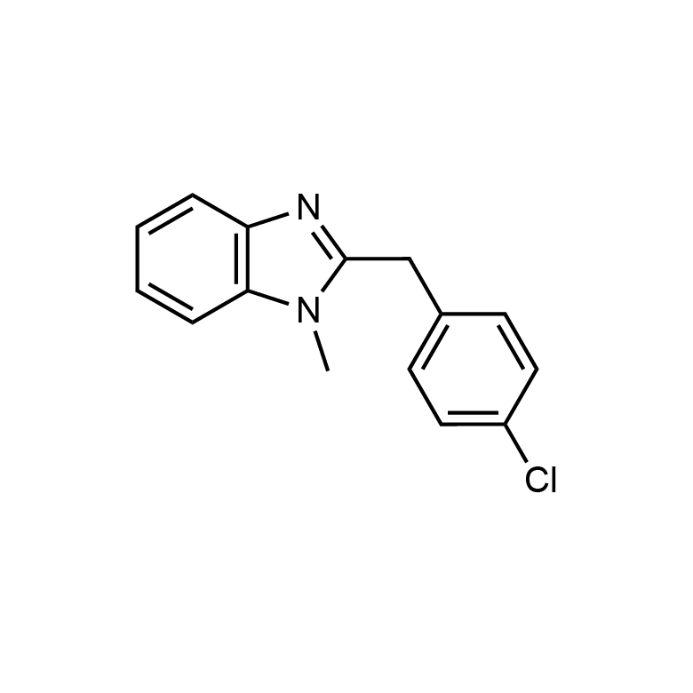 | 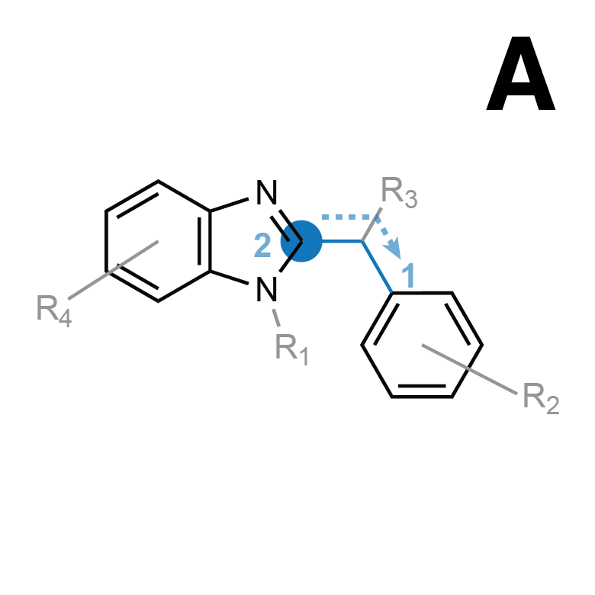 | CH3 | 4´-Cl | — | — | — | 28.6 | 193.01 | 193.08 | >100 | 8.27 | 33.34 | 4.03
STL482096 | 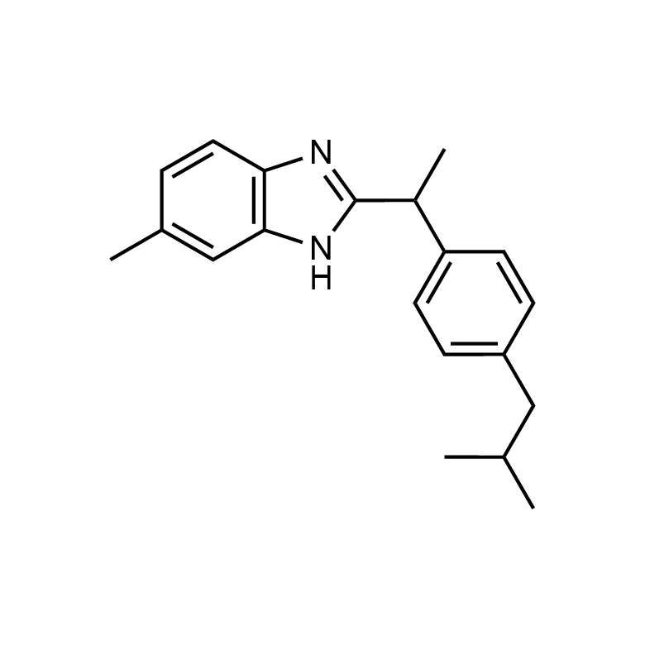 |  | — | 4´-CH2CH(CH3)2 | CH3 | CH3 | — | 6.76 | >1000 | >1000 | < 12.5 | 0.91 | 12.3 | 13.52
STK951902 | 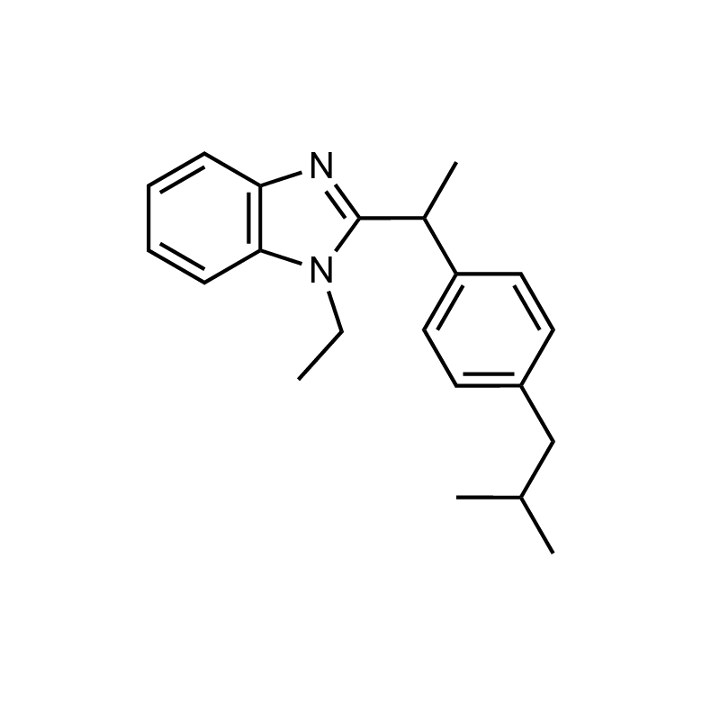 |  | CH2CH3 | 4´-CH2CH(CH3)2 | CH3 | — | — | 8.7 | 594.21 | 644.39 | 31.7 | 1.83 | 12.52 | 6.84
STL020755 | 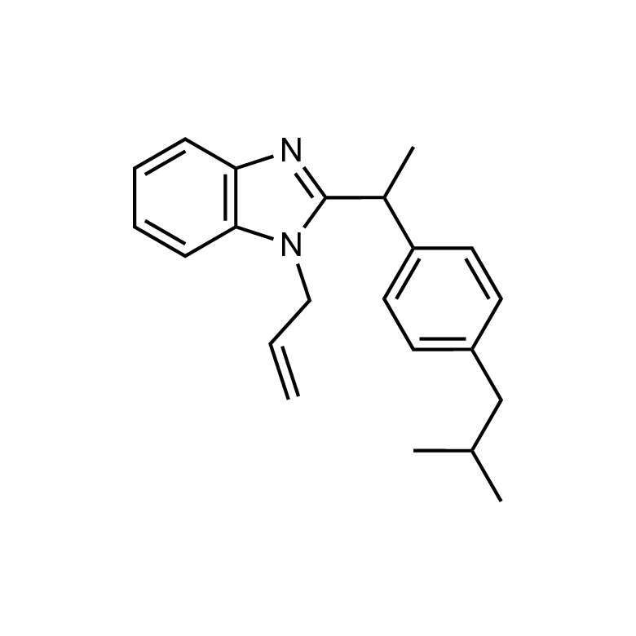 |  | CH2CHCH2 | 4´-CH2CH(CH3)2 | CH3 | — | — | 9.97 | 324.82 | 284.51 | 49.5 | 2.27 | 16.81 | 7.4
NPD8790 (STL527831) | 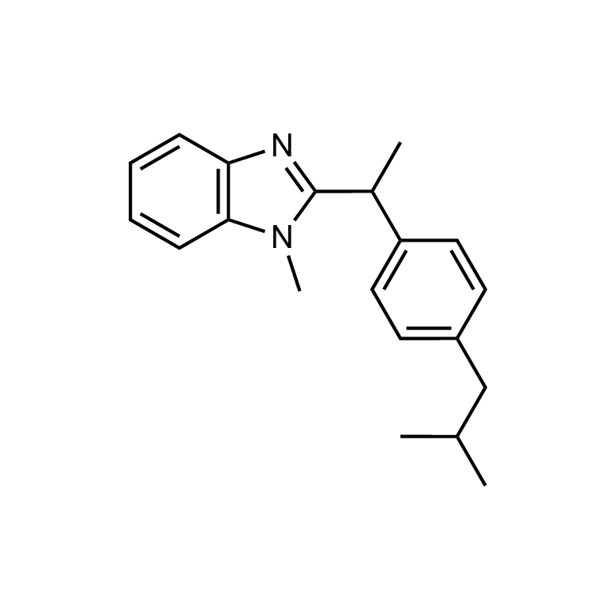 |  | CH3 | 4´-CH2CH(CH3)2 | CH3 | — | — | 14.27 | >1000 | >1000 | 90.84 | 2.35 | 27.17 | 11.56
STK951903 |  |  | CH(CH3)2 | 4´-CH2CH(CH3)2 | CH3 | — | — | 25.09 | >1000 | 731.44 | 29.21 | 4.2 | 14.69 | 3.5
5655567 | 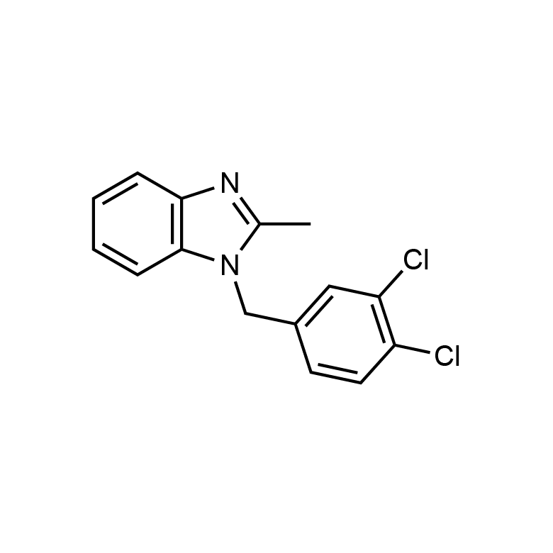 | 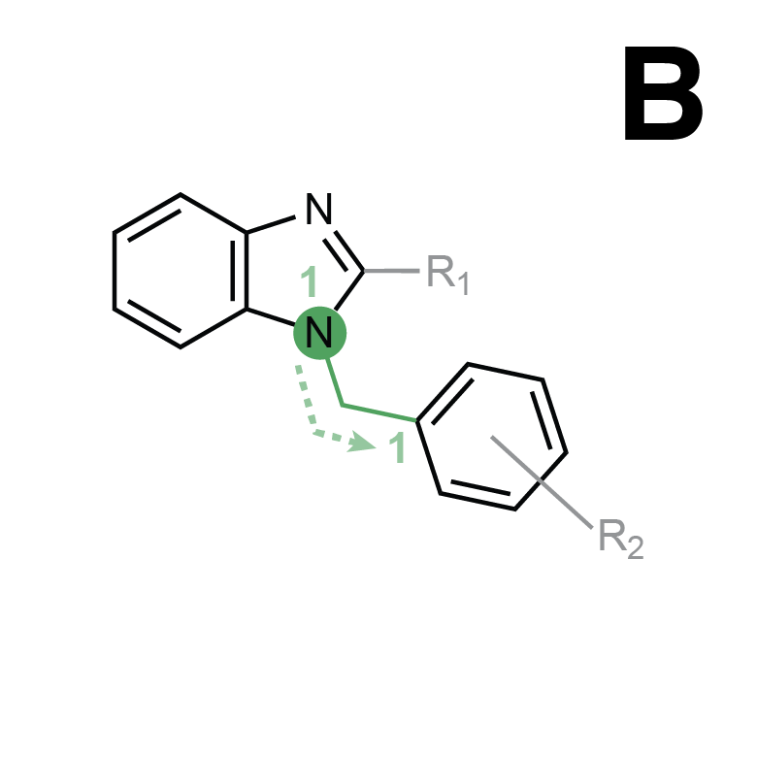 | CH3 | 3´-Cl, 4´-Cl | — | — | — | 8.26 | 82.66 | 85.28 | 64.45 | 0.47 | 1.17 | 2.49
6750659 | 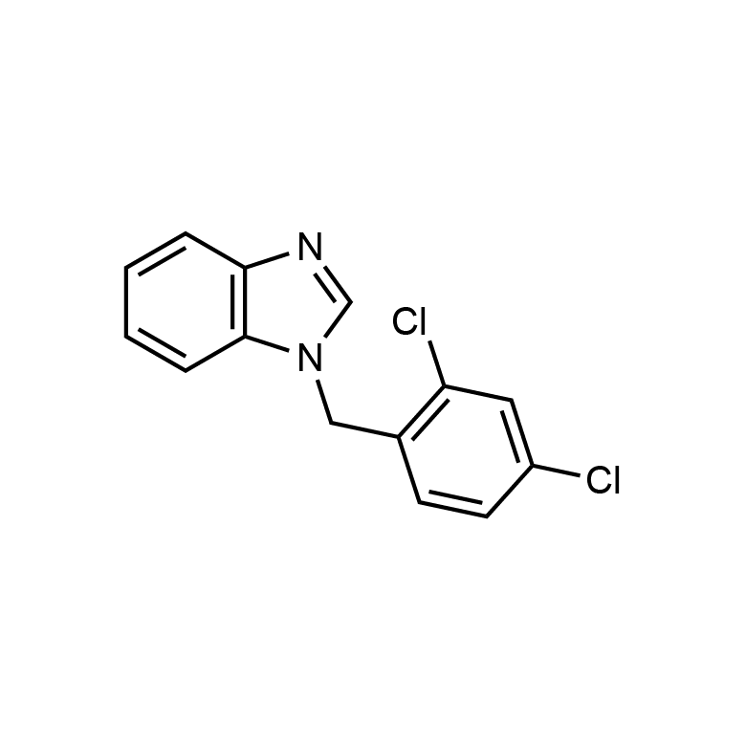 |  | — | 2´-Cl, 4´-Cl | — | — | — | 4.28 | 42.42 | 42.24 | 72.71 | 0.45 | 2.6 | 5.78
7355741 | 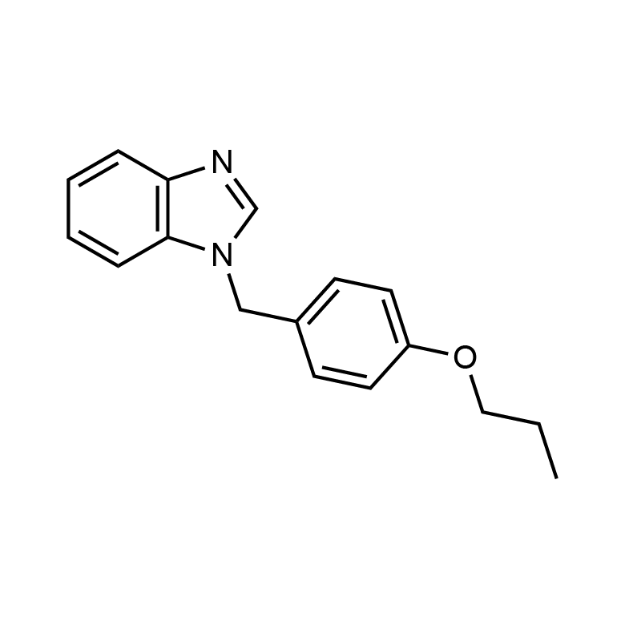 |  | — | 4´-OCH2CH2CH3 | — | — | — | 7 | 71.99 | 85.29 | 76.25 | 0.62 | 3.07 | 4.95
5571325 | 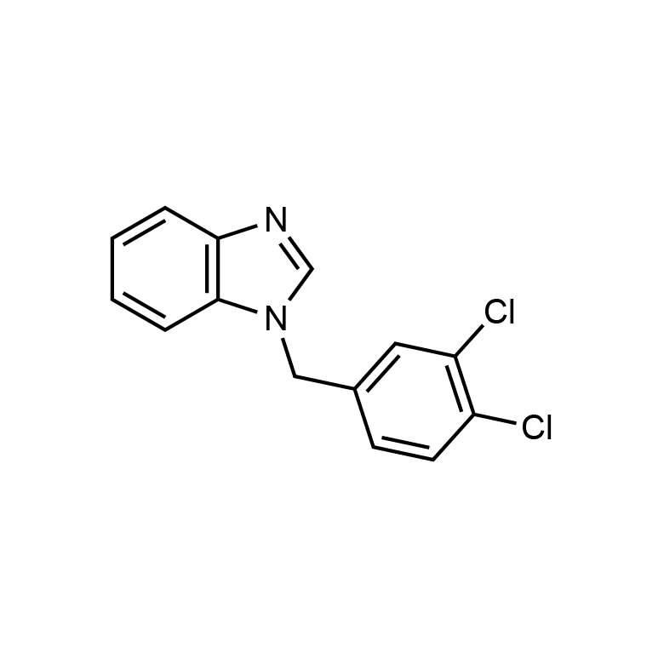 |  | — | 3´-Cl, 4´-Cl | — | — | — | 13.05 | 66.46 | 69.53 | 86.39 | 4.38 | 11.5 | 2.62
5652765 | 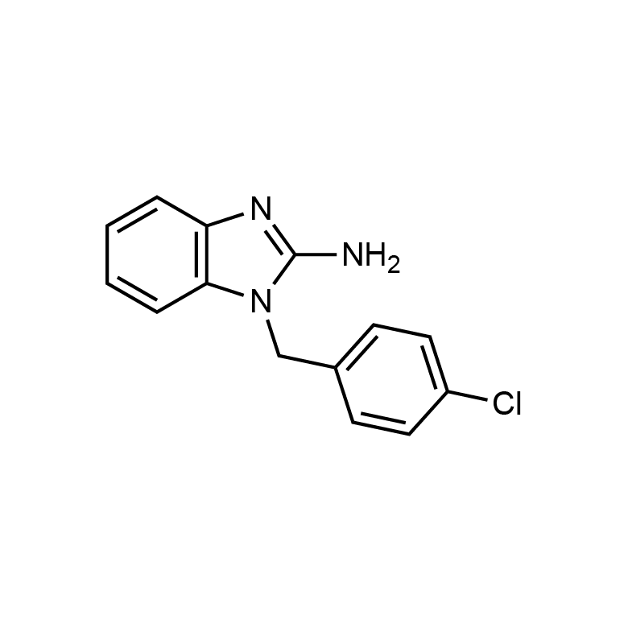 |  | NH2 | 4´-Cl | — | — | — | 16.89 | 88.19 | 71.69 | 58.9 | 0.47 | 2.27 | 4.83
6586153 | 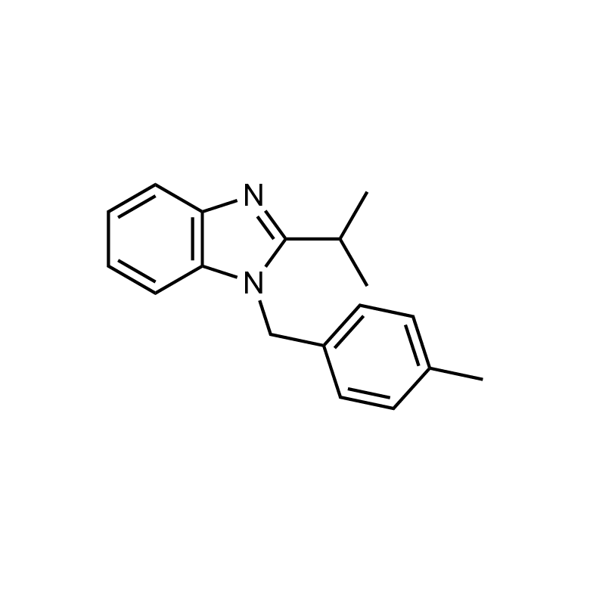 |  | CH(CH3)2 | 4´-CH3 | — | — | — | 24.92 | 396.52 | 419.16 | 49.86 | 9.43 | 57.63 | 6.11
6707368 | 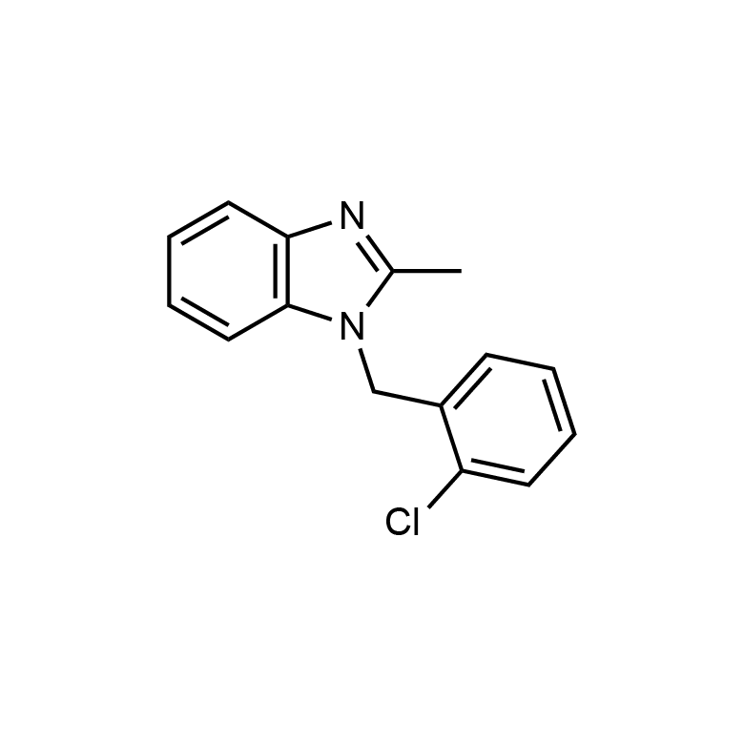 |  | CH3 | 2´-Cl | — | — | — | 8.24 | 139.88 | 135.24 | >100 | 0.56 | 3.96 | 7.07
5651984 | 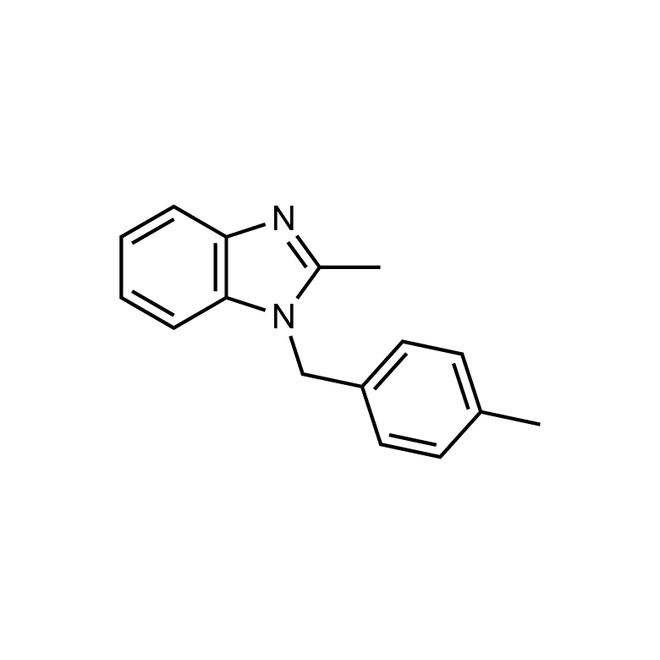 |  | CH3 | 4´-CH3 | — | — | — | 7.24 | 119 | 108.08 | 95.38 | 0.18 | 0.99 | 5.5
5542661 | 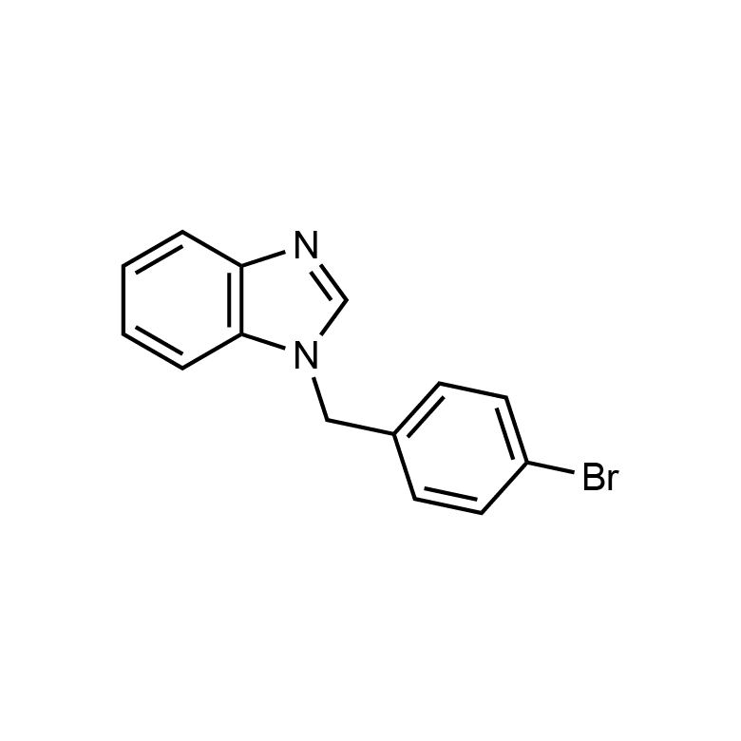 |  | — | 4´-Br | — | — | — | 7.75 | 44.65 | 41.37 | >100 | 0.53 | 3.35 | 6.32
5567167 | 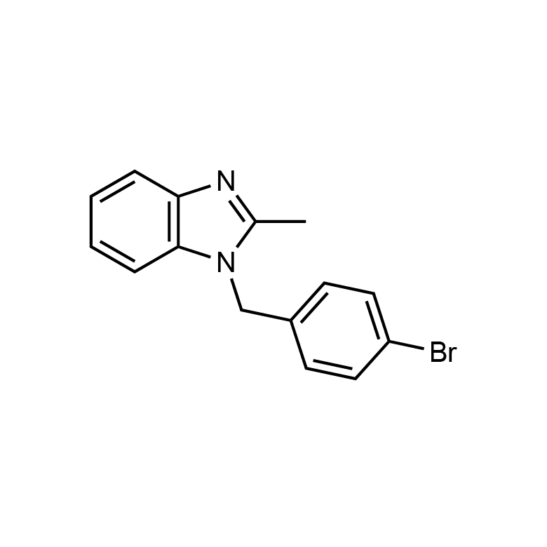 |  | CH3 | 4´-Br | — | — | — | 1.34 | 18.9 | 11.18 | 89.26 | 0.032 | 0.209 | 6.5
7313068 | 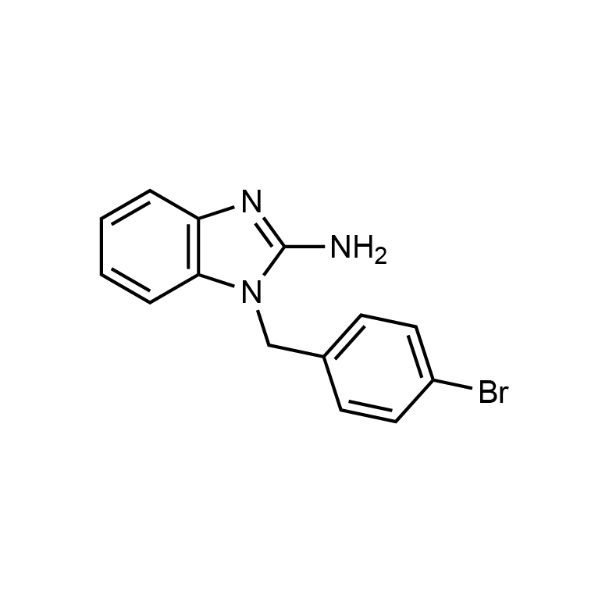 |  | NH2 | 4´-Br | — | — | — | 14.94 | 62.73 | 63.09 | 41.69 | 0.34 | 1.31 | 3.85
7360886 | 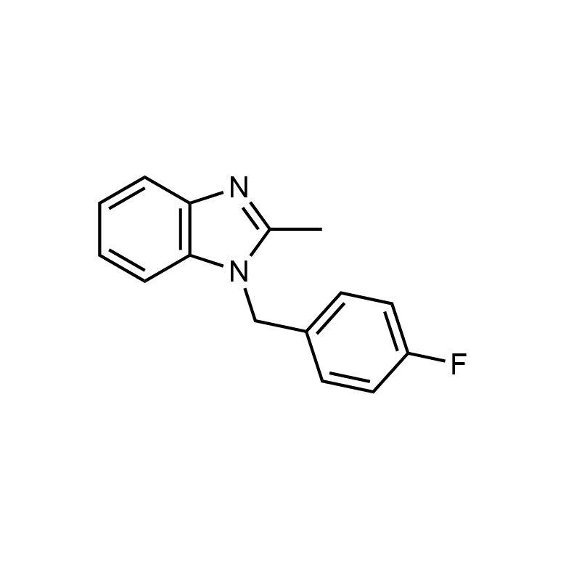 |  | CH3 | 4´-F | — | — | — | 26.98 | 238.83 | 169.57 | >100 | 0.93 | 4.54 | 4.88
7353551 | 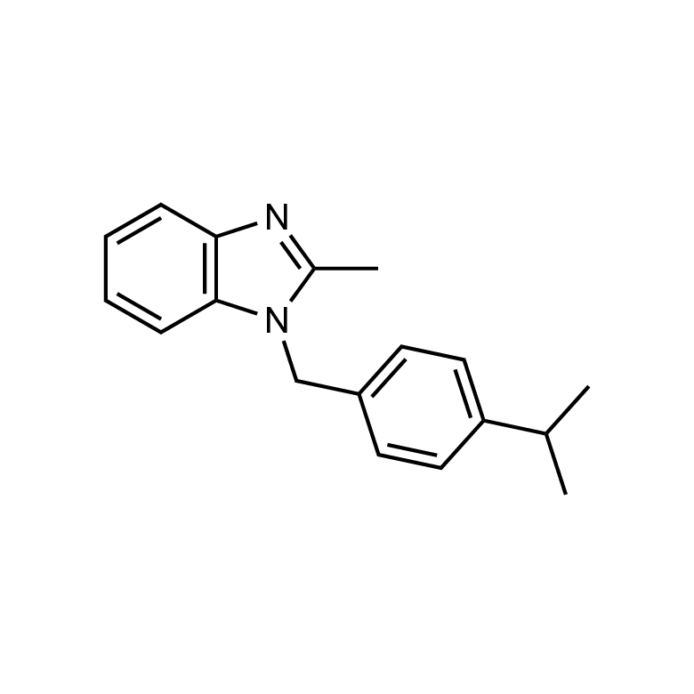 |  | CH3 | 4´-CH(CH3)2 | — | — | — | 7 | 116.34 | 91.54 | 46.18 | 0.43 | 1.57 | 3.65
5521938 | 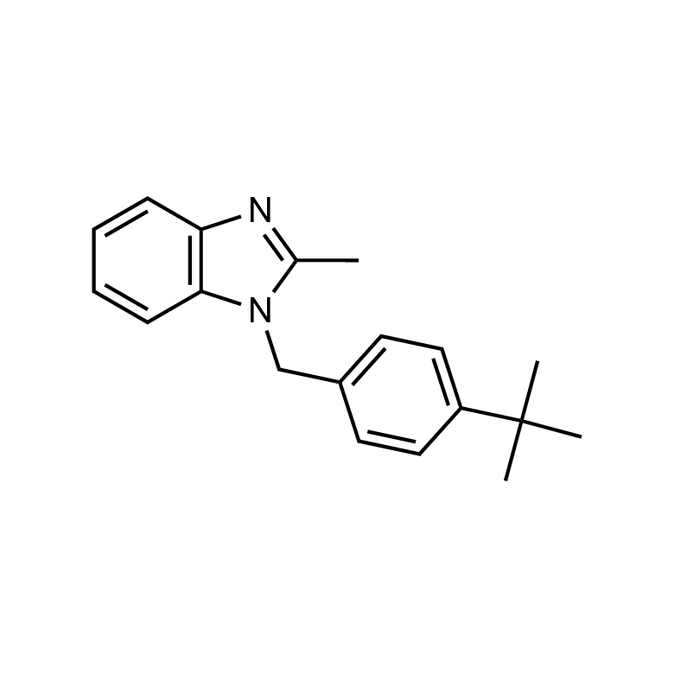 |  | CH3 | 4´-C(CH3)3 | — | — | — | 10.97 | 753.65 | 272.23 | 35.29 | 2.57 | 1.18 | 0.46
STK697993 |  |  | — | 4´-Cl | — | — | — | 8.18 | 46.1 | 40.09 | >100 | 0.11 | 0.3 | 2.72
7925333 | 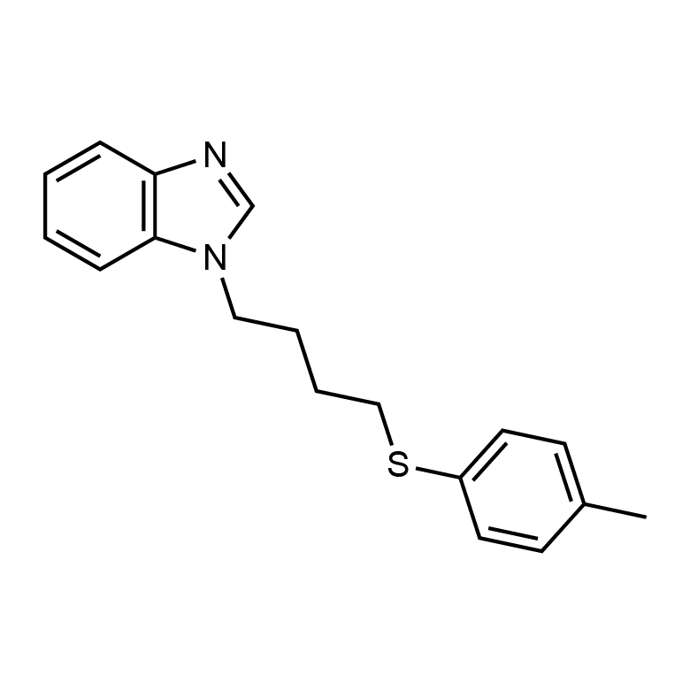 | 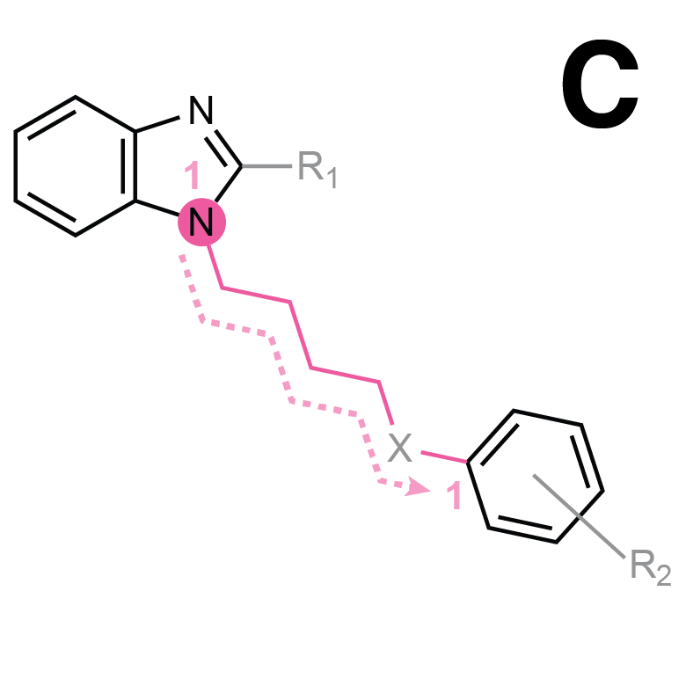 | — | 4´-CH3 | — | — | S | 7.76 | 226.55 | 227.01 | 75.11 | 1.04 | 7.31 | 7.02
7925515 | 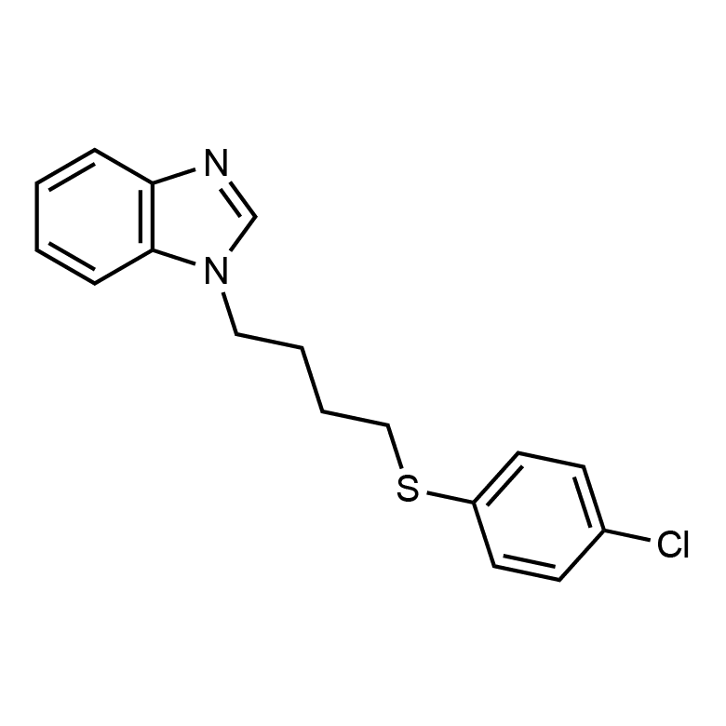 |  | — | 4´-Cl | — | — | S | 6.74 | 51.3 | 40.79 | 57.26 | 0.95 | 8.02 | 8.44
7925004 | 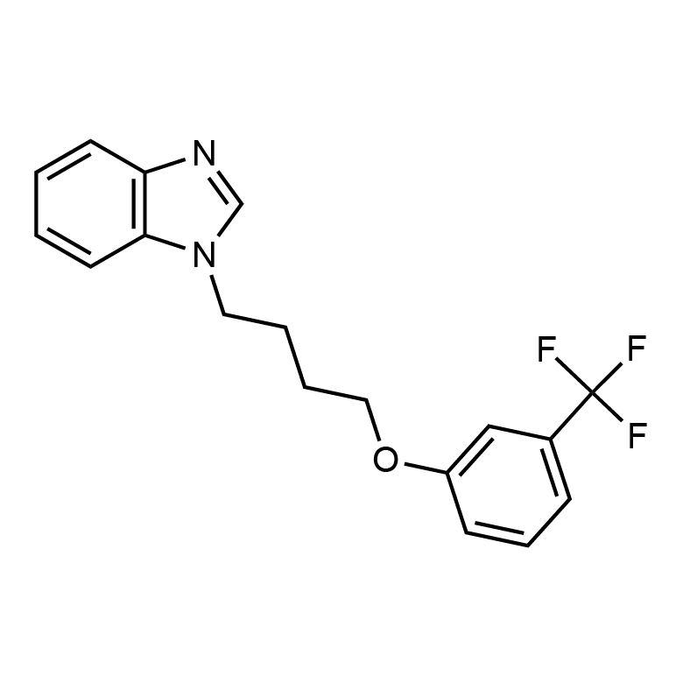 |  | — | 3´-CF3 | — | — | O | 13.89 | 53.77 | 47.30 +/- 4.11 | 29.23 | 2.06 | 12.95 | 6.29
7732524 | 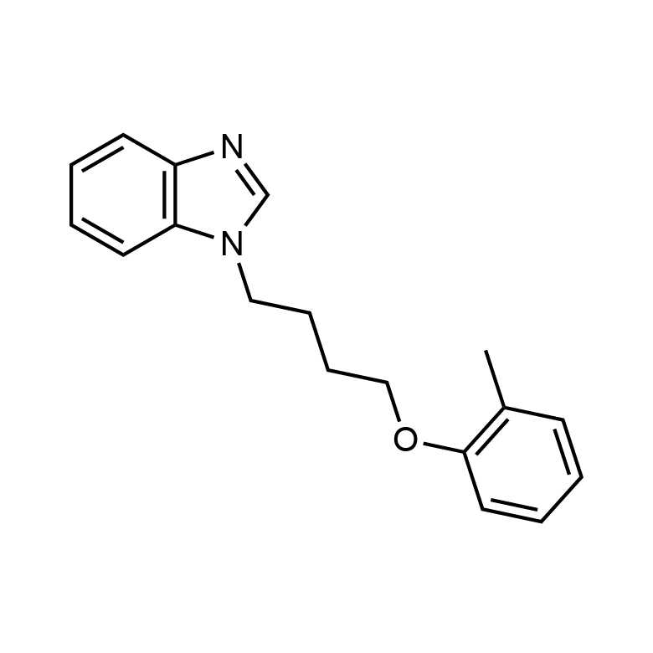 |  | — | 2´-CH3 | — | — | O | 6.37 | 64.88 | 58.50 +/- 0.58 | 49.86 | 0.14 | 0.31 | 2.21
7924576 | 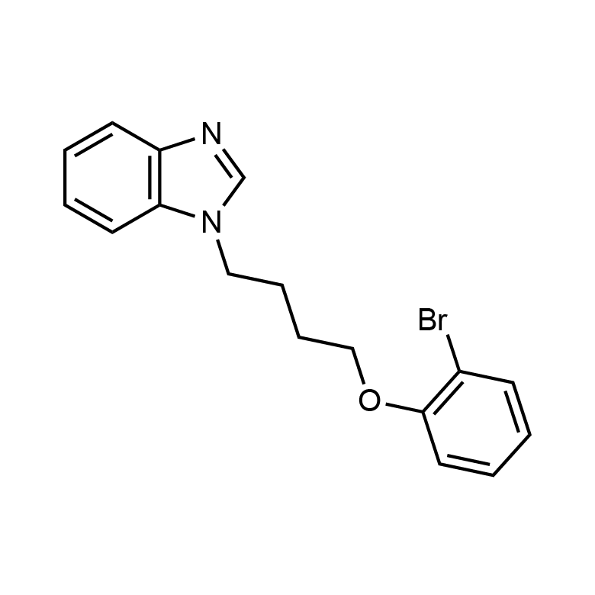 |  | — | 2´-Br | — | — | O | 6.73 | 68.08 | 58.60 +/- 9.61 | 44.29 | 0.43 | 1.14 | 2.65
7925804 |  |  | — | 2´-Cl | — | — | O | 6.97 | 85.88 | 49.21 +/- 4.49 | 40.23 | 0.27 | 1.35 | 5

