Figure 1g
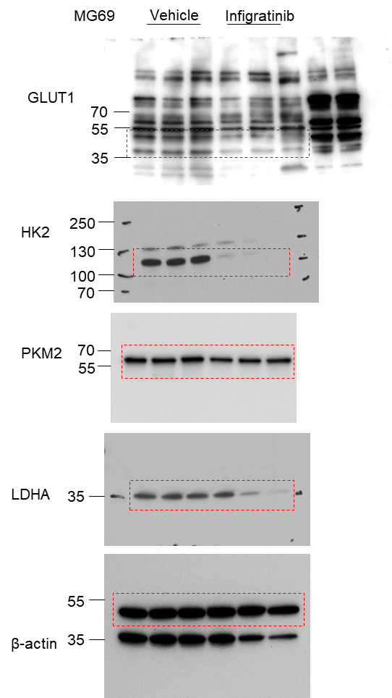
Fig 1g

Figure 1h
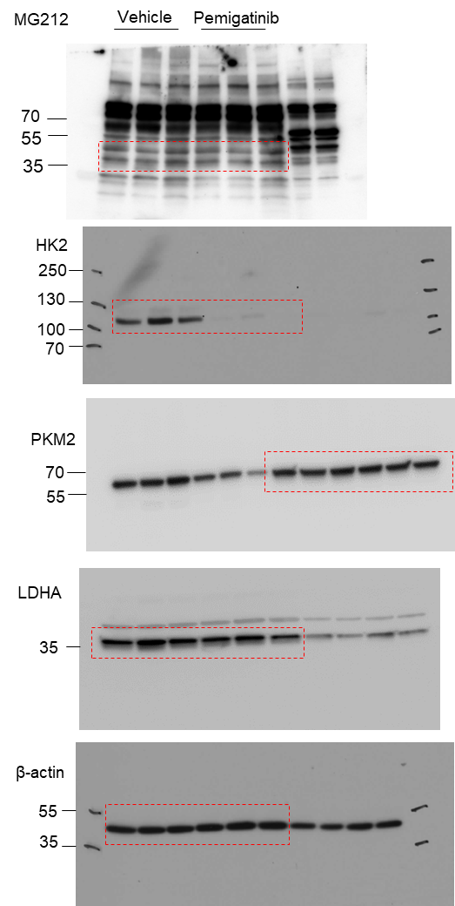
Fig 1h

Figure 1i
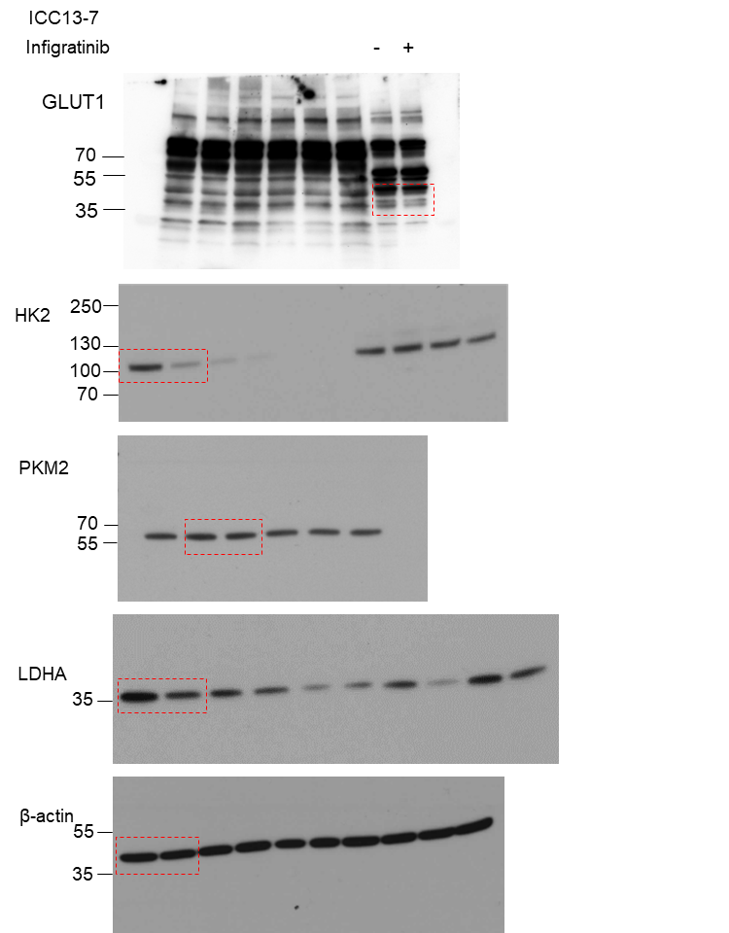
Fig 1i

Figure 3d
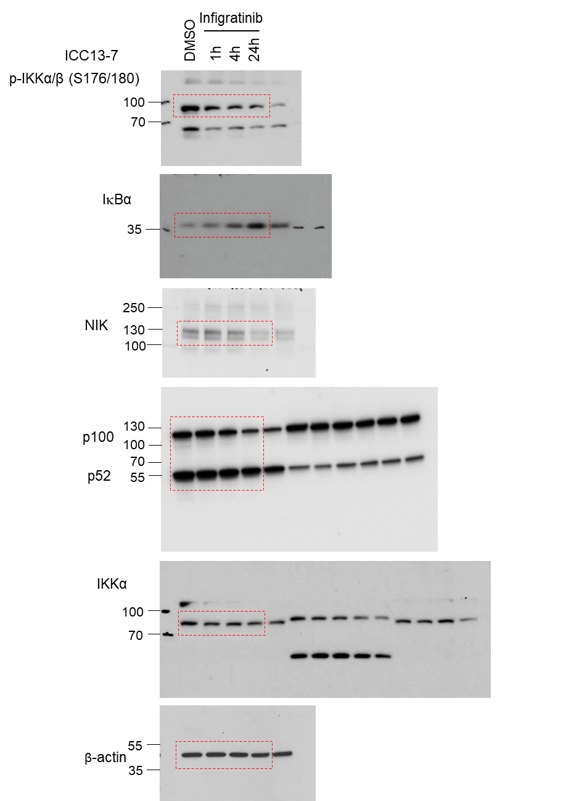
Fig 3d

Figure 3e
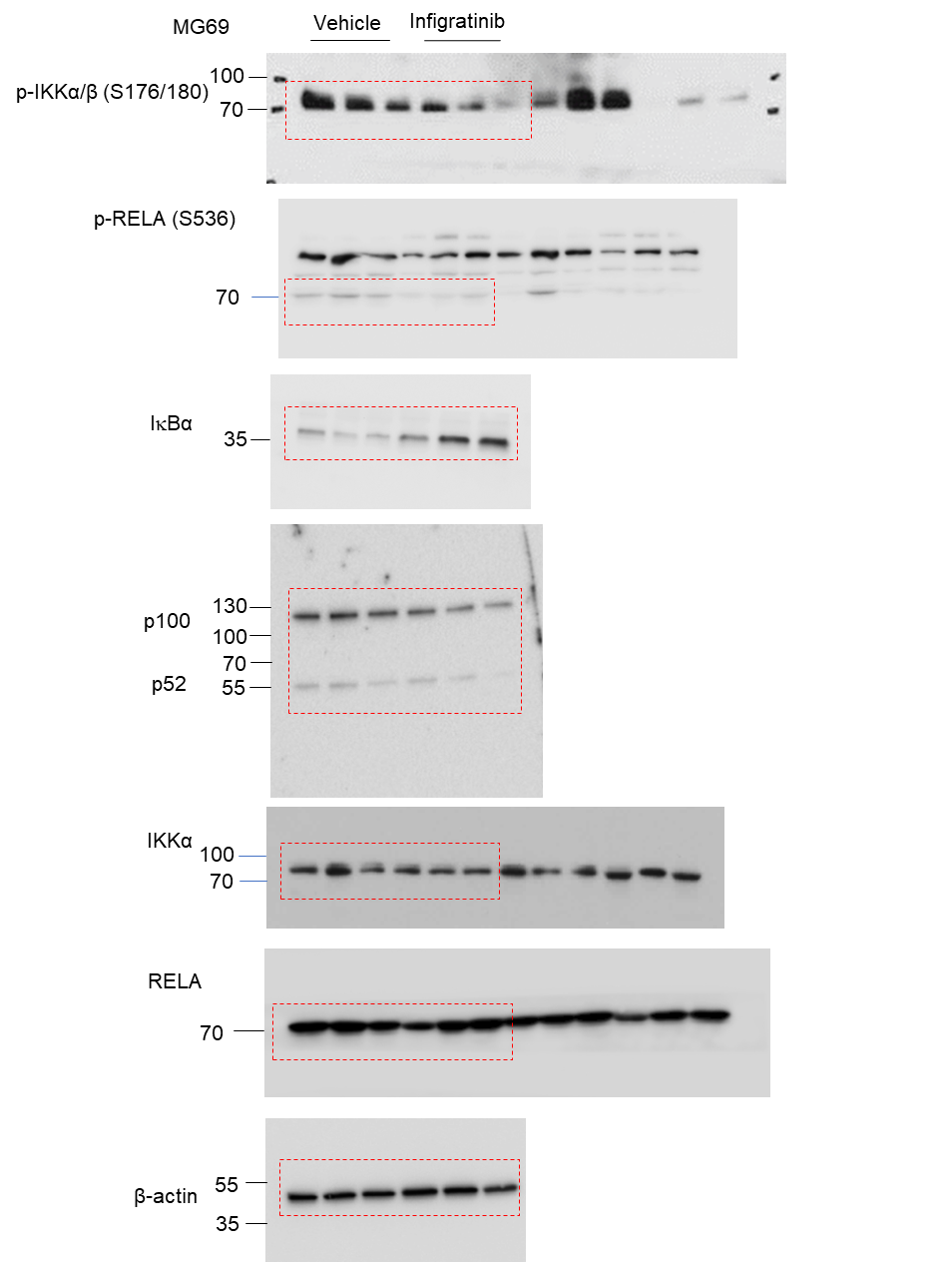
Fig 3e

Figure 3k
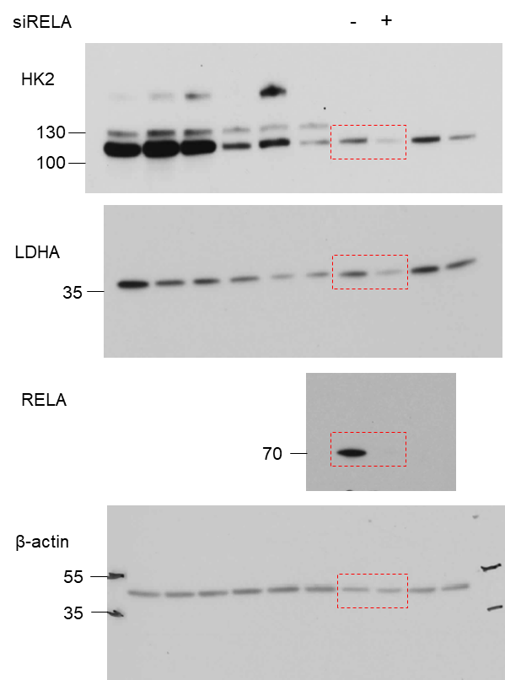
Fig 3k

Figure 3l
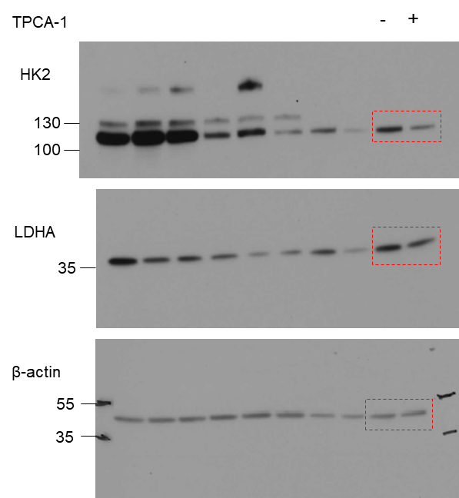
Fig 3l

Figure 4l
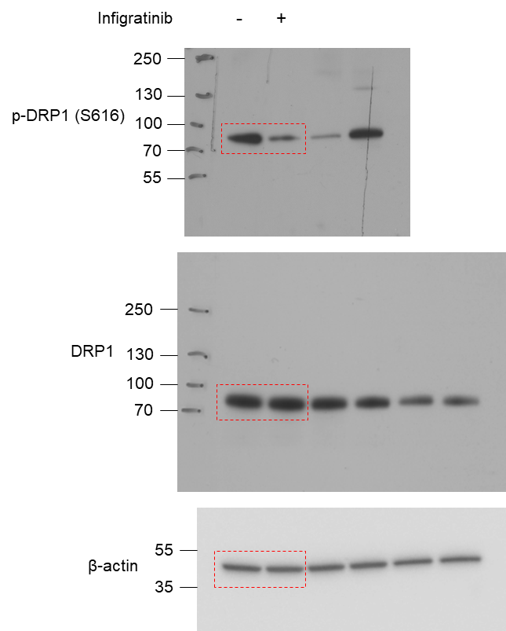
Fig 4l

Figure 4n
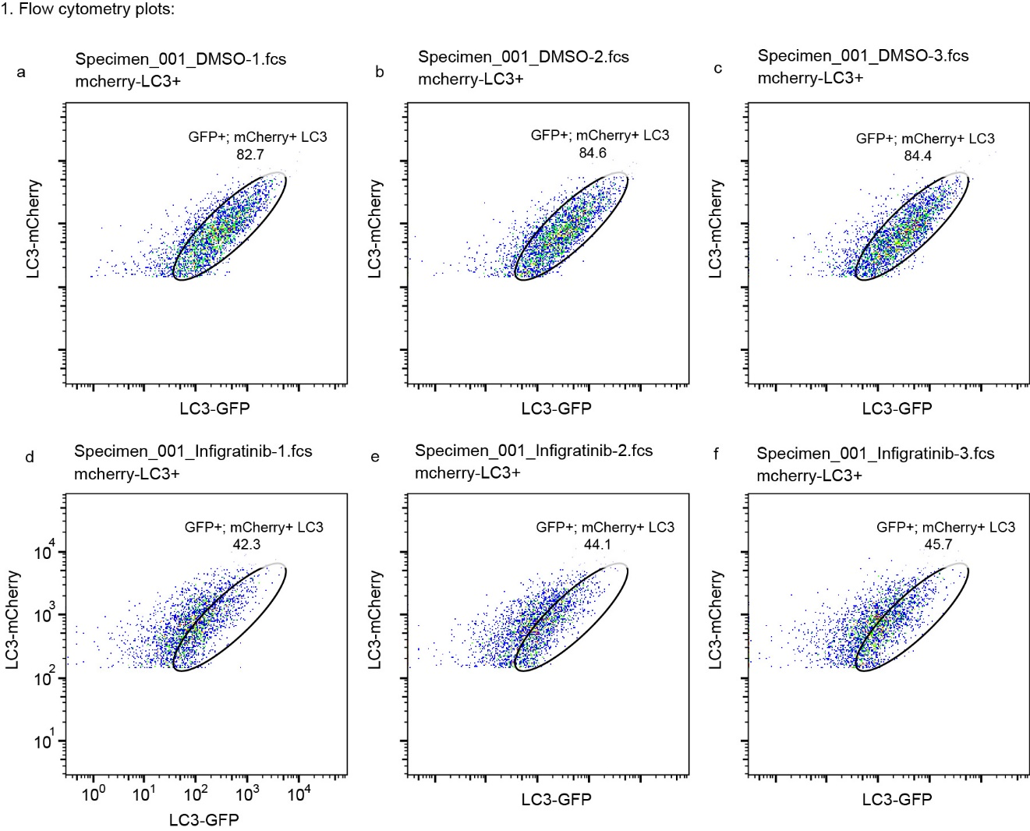
Fig 4n | DMSO | Infigratinib
 | 0.958788 | 2.567961
 | 1.025453 | 2.566235
 | 1.015759 | 2.46189

flow cytometry plot

Figure S1d
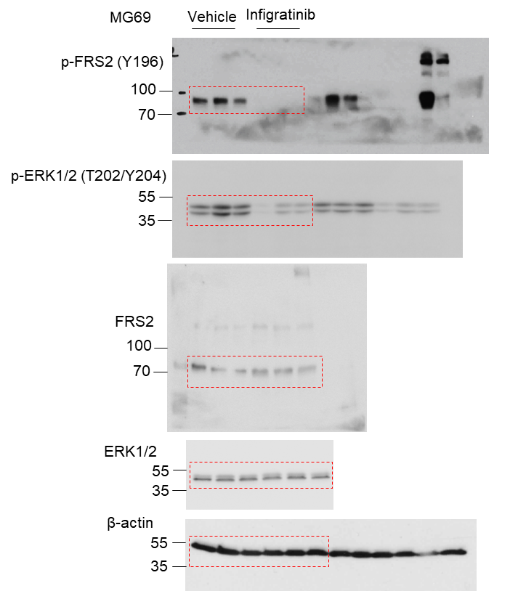
Fig S1d

Figure S1g
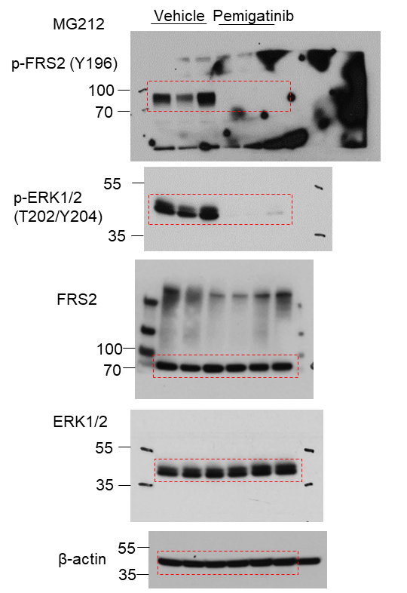
Fig S1g

Figure S1h
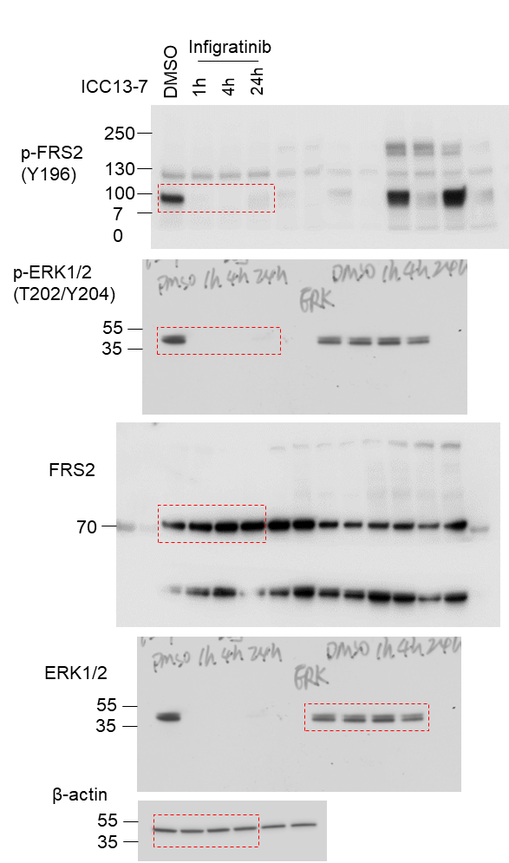
Fig S1h

Figure S1i
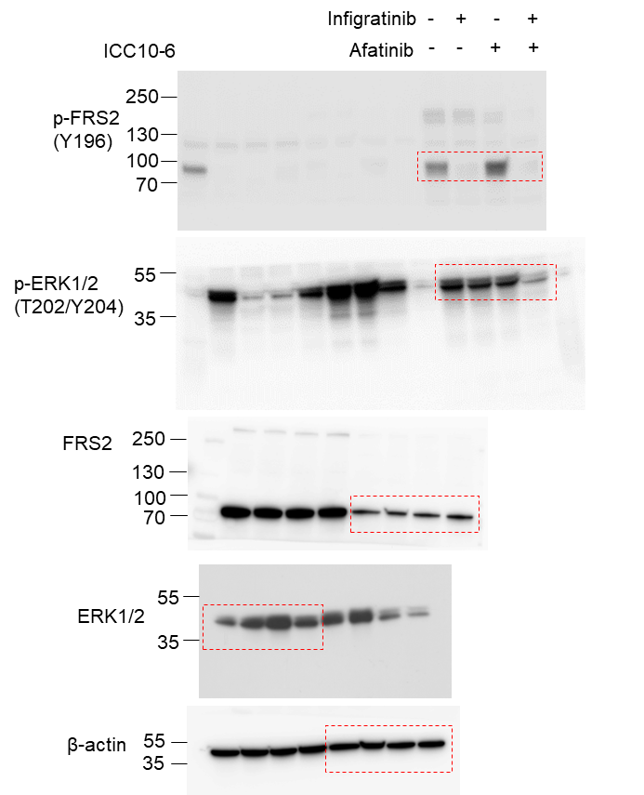
Fig S1i

Figure S1j
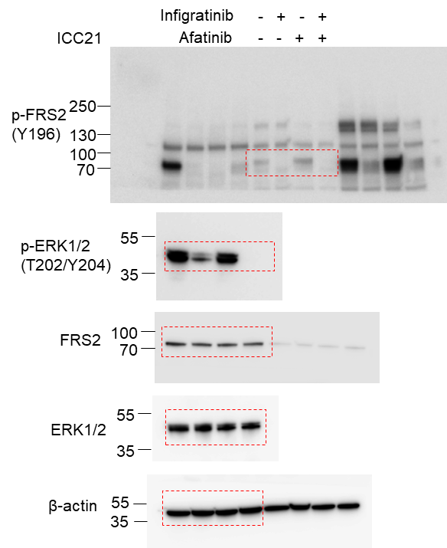
Fig S1j

Figure S2c
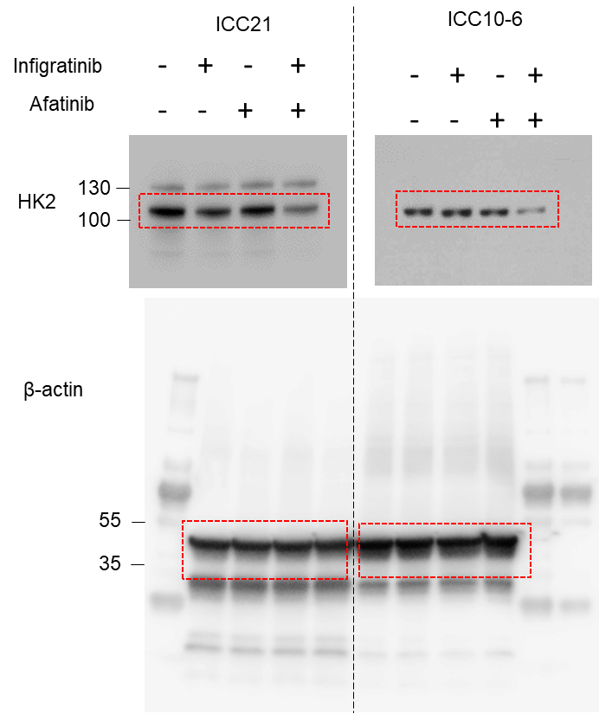
Fig S2c

Figure S4a
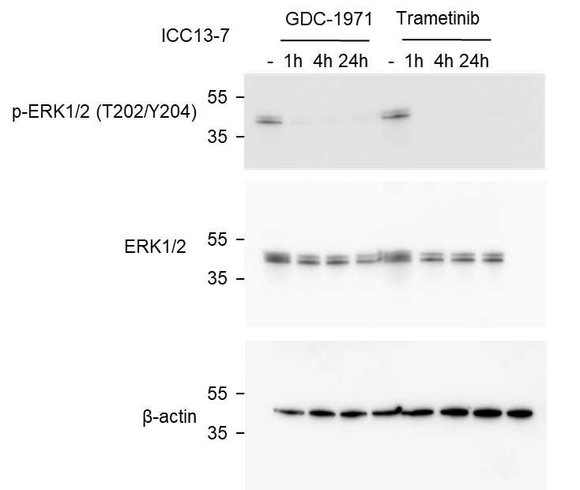
Fig S4a

Figure S4c
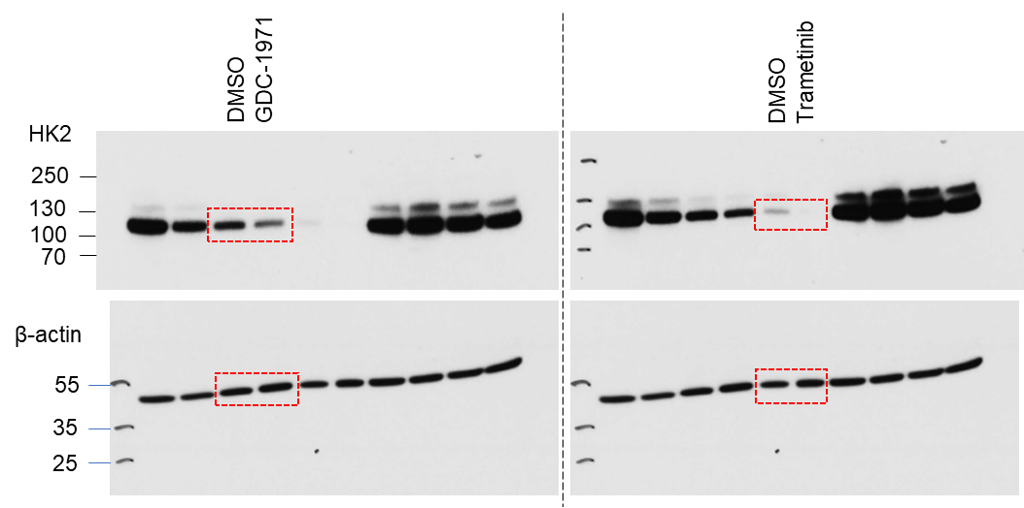
Fig S4c

Figure S5a
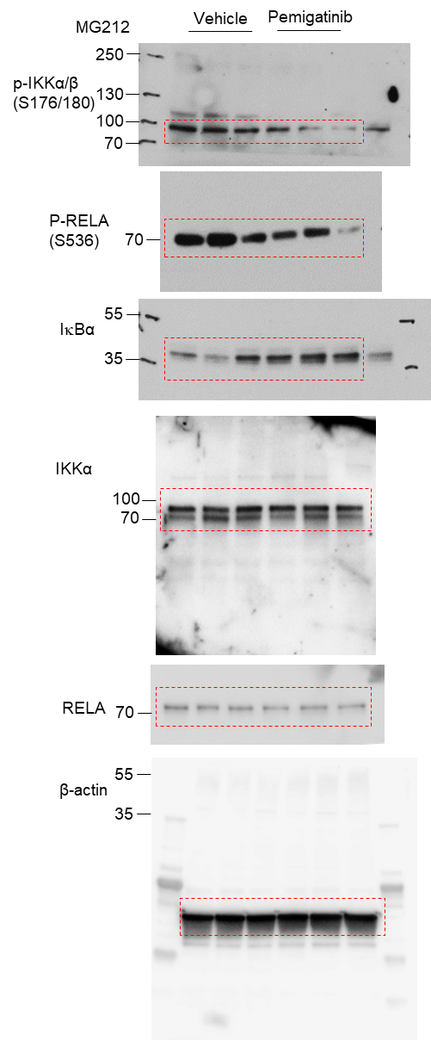
Fig S5a

Figure S5c
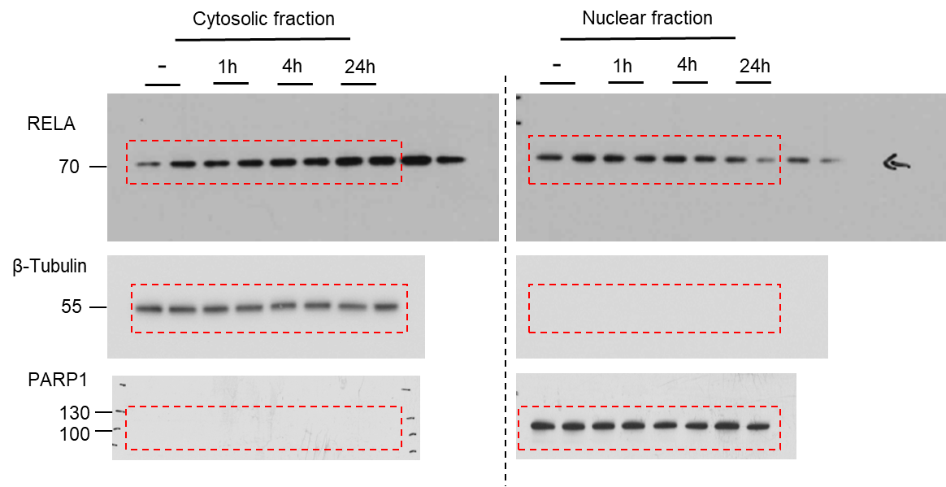
Fig S5c

Figure S5d
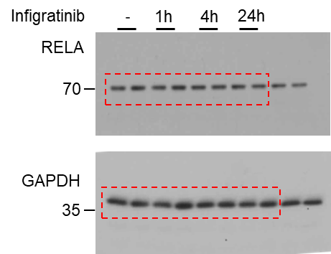
Fig S5d

Figure S5e
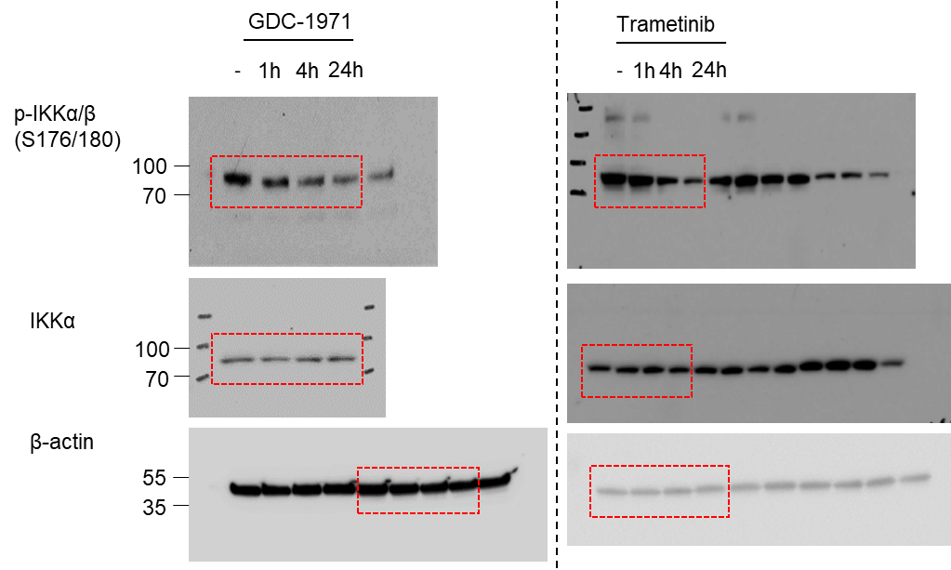
Fig S5e

Figure S6a
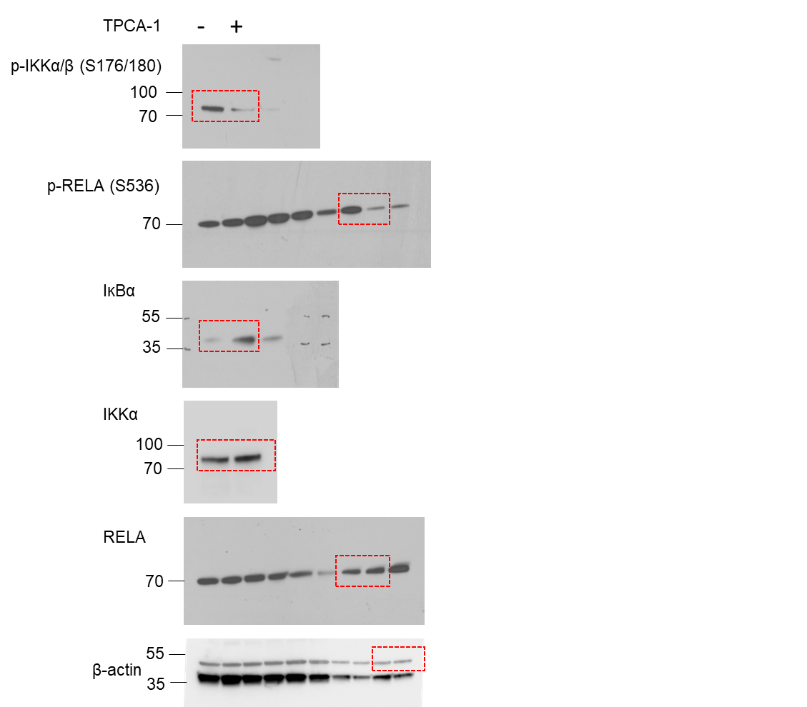
Fig S6a

Figure S6b
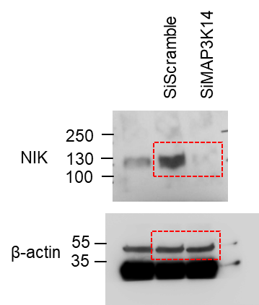
Fig S6b | siScramble | siMAP3K14
 | 10.22 | 7.66
 | 12.71 | 5.73
 | 12.28 | 6.92
 | 10.57 | 6.76
 | 10.22 | 6.98
 | 10.89 | 7.93
 | 11.43 | 10.66

Figure S6e

Fig S6e |  | siScramble |  |  | siRELA
 | ICC13-7 | 0.950836 | 1.023399 | 1.025766 | 0.5516 | 0.628712 | 0.646677
 | ICC21 | 0.938508 | 1.040027 | 1.021464 | 0.46091 | 0.462761 | 0.425887
 | HUCCT1 | 0.863434 | 1.029331 | 1.107235 | 0.759774 | 0.883635 | 0.875613

Figure S7i
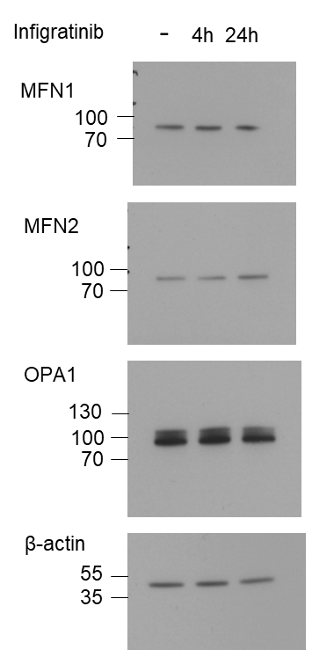
Fig S7i

Figure S7l
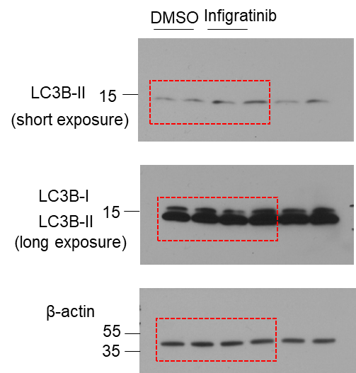
Fig S7l

Figure S7m
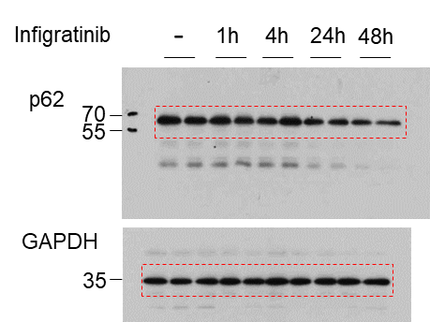
Fig S7m

Figure S8b
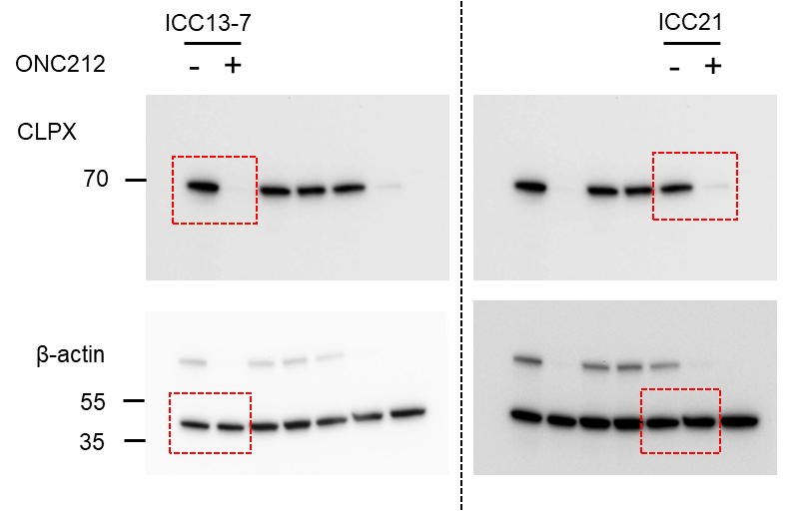
Fig S8b

