2A
Figure 2a
Infectivity of the Delta, Beta and Omicron BA.2 VOCs as a function of ambient concentrations of CO2 at 90% RH, 120s.

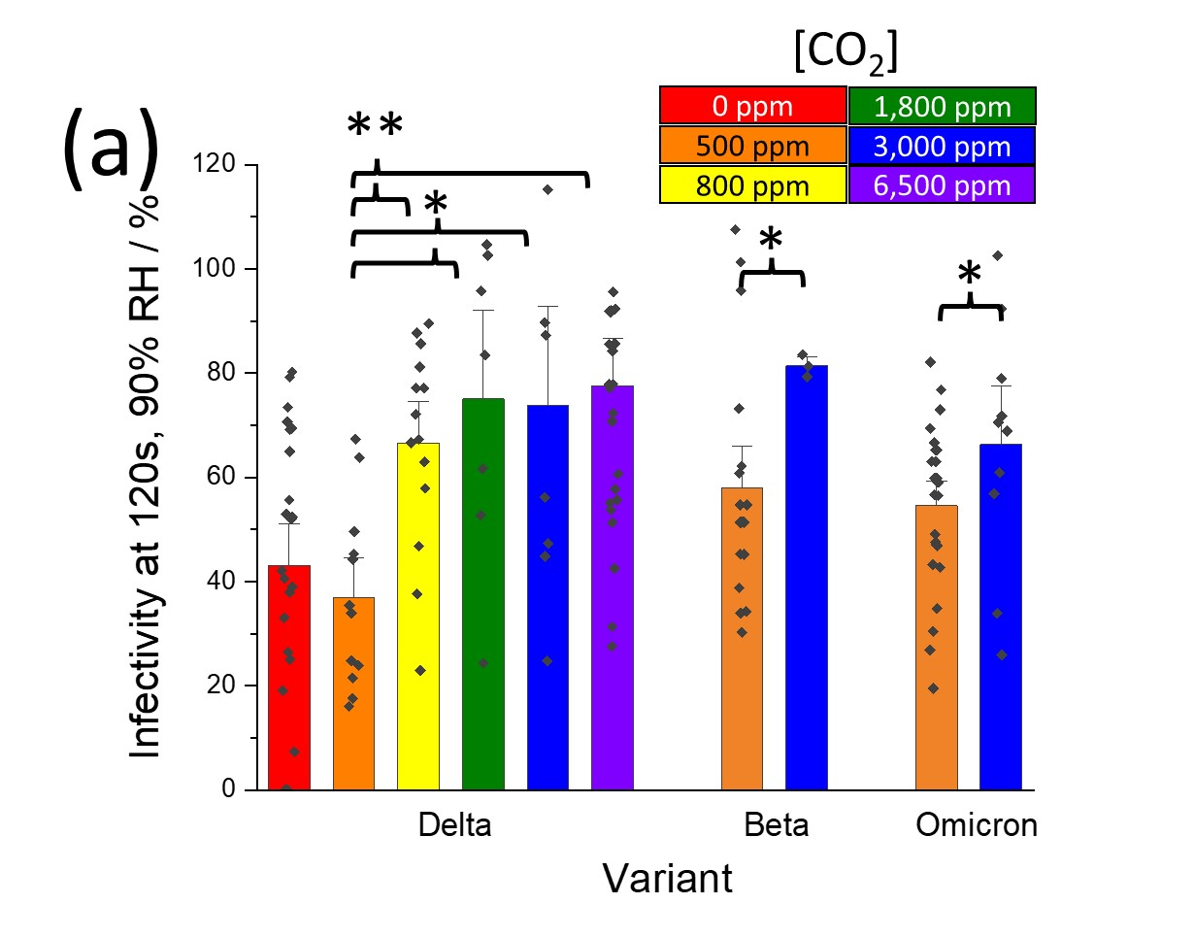
Omicron
[CO2] | Infectivity | SE
500 | 55% | 3%
3000 | 66% | 7%

Beta
[CO2] | Infectivity | SE
500 | 58% | 5%
3000 | 81% | 1%

Delta
[CO2] | Infectivity | SE
50 | 51% | 5%
550 | 48% | 3%
800 | 67% | 5%
1800 | 75% | 11%
3050 | 74% | 13%
6372 | 78% | 6%

2B
Figure 2B
The effect that an elevated concentration of CO2 has on the decay profile of the Delta VOC and original strain of SARS-CoV-2 at 90% RH. Inset is simply a zoom in of the first 5 minutes of the x-axis.
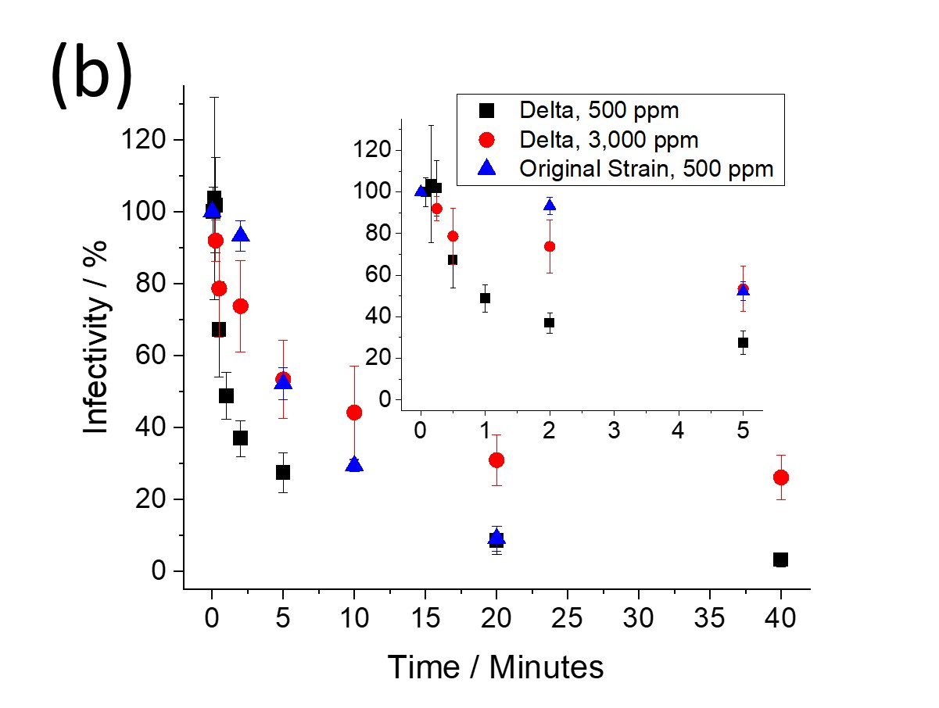
Delta (90%, 500 ppm CO2)
Time (min) | Infectivity | SE
0.08333 | 100% | 7%
0.16667 | 104% | 28%
0.25 | 102% | 13%
0.5 | 67% | 13%
1 | 49% | 7%
2 | 37% | 5%
5 | 27% | 6%
20 | 9% | 4%
40 | 3% | 2%

Delta (90%, 3,000 ppm CO2)
Time (min) | Infectivity | SE
0.25 | 92% | 6%
0.5 | 79% | 13%
2 | 74% | 13%
5 | 53% | 11%
10 | 44% | 13%
20 | 31% | 7%
40 | 26% | 6%

Original (90%, 500 ppm CO2)
Time (min) | Infectivity | SE
0 | 100% | 0%
2 | 93% | 4%
5 | 52% | 4%
10 | 29% | 2%
20 | 9% | 4%

2D
Figure 2D
Infectivity of the Delta VOC (ln([A]/[Ao])) as a function of time in aerosol and in MEM at pH=11 (bulk data offset by -0.5).

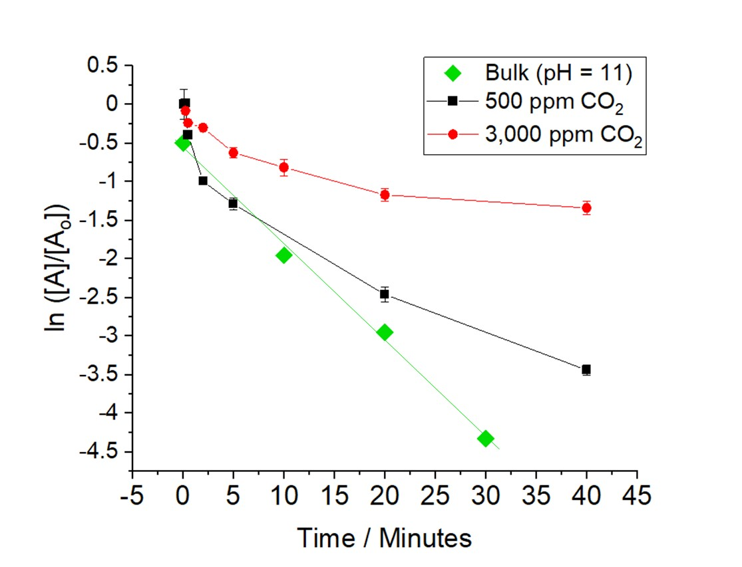
Bulk
Time (Min) | ln([A]/[Ao]) | SE
0 | 4.60517 | 2.56E-10
10 | 3.14759 | 0.04787
20 | 2.15083 | 0.02729
30 | 0.77334 | 0.00686

500 ppm
Time (Min) | ln([A]/[Ao]) | SE
0
0.25 | 4.62334 | 0.61206
0.5 | 4.20869 | 0.55781
2 | 3.60986 | 0.18066
5 | 3.3133 | 0.1848
20 | 2.14187 | 0.08374
40 | 1.1625 | 0.02344

3000 ppm
Time (Min) | ln([A]/[Ao]) | SE
15 | 4.52185 | 0.26553
30 | 4.36541 | 0.5872
120 | 4.3008 | 0.54547
300 | 3.9783 | 0.43177
600 | 3.788 | 0.49214
1200 | 3.43145 | 0.23989
2400 | 3.26291 | 0.20476

3A
Figure 3A
Infectivity of the Delta and Omicron BA.2 variants at 15 seconds in ambient air as a function of relative humidity.

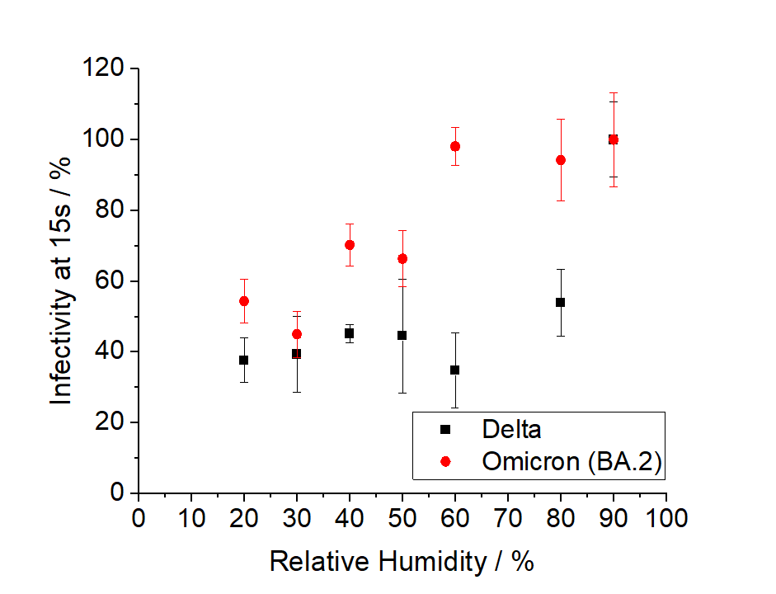
Omicron
RH | Infectivity | SE
20 | 54.37 | 6.14
30 | 44.967 | 6.511
40 | 70.248 | 5.981
50 | 66.328 | 7.943
60 | 98.108 | 5.433
80 | 94.259 | 11.473
90 | 100 | 13.238

Delta
RH | Infectivity | SE
20 | 37.62866 | 6.33053
40 | 45.17823 | 2.60766
60 | 34.7452 | 7.05262
80 | 53.98153 | 7.70619
90 | 92.0054 | 5.87207

3B
Figure 3B
Infectivity of the Delta variant at 15 seconds as a function of relative humidity and [CO2(g)]. Values are means?±?SE.

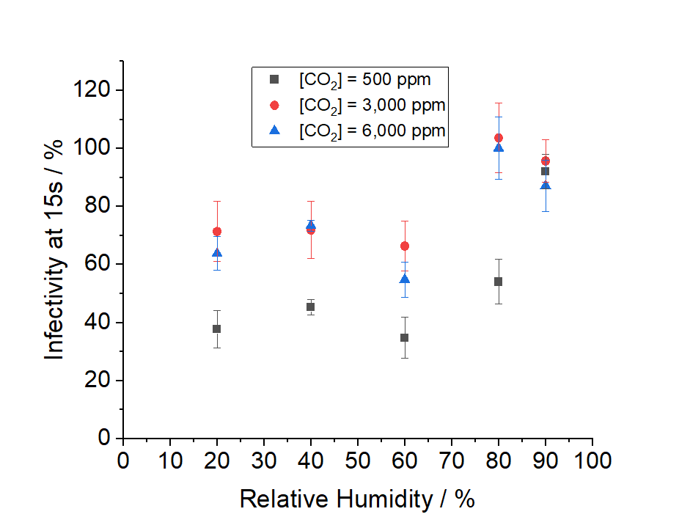
 | 500 ppm |  | 3,000 ppm |  | 6,000 ppm
RH | Infectivity | SE | Infectivity | SE | Infectivity | SE
20 | 38% | 6% | 71% | 10% | 64% | 6%
40 | 45% | 3% | 72% | 10% | 73% | 2%
60 | 35% | 7% | 66% | 9% | 55% | 6%
80 | 54% | 8% | 104% | 12% | 100% | 11%
90 | 92% | 6% | 96% | 7% | 87% | 9%

Supp 1A
Supplemental Figure 1A
Infectivity of the Delta variant at 15 seconds as a function of relative humidity and the [NaCl] in the droplet. Error bars indicate the standard error. A two-way ANOVA of the data in indicated that [NaCl] had a significant effect (P <0.0001), with no significant interaction between the RH and [NaCl].

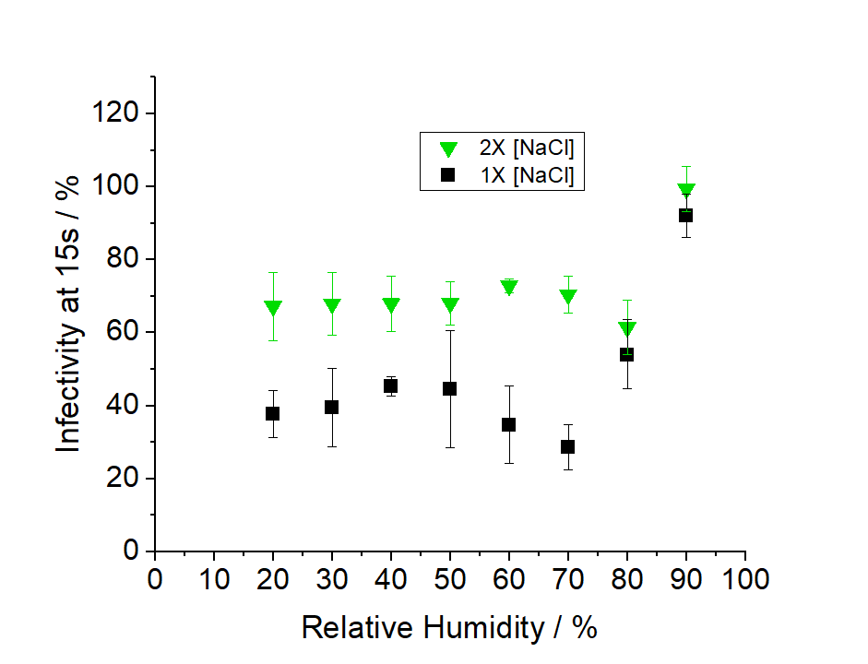
 | 2X NaCl |  | 1X NaCl
RH | Infectivity | SE | Infectivity | SE
20 | 67% | 9% | 38% | 6%
30 | 68% | 9% | 39% | 11%
40 | 68% | 8% | 45% | 3%
50 | 68% | 6% | 45% | 16%
60 | 73% | 2% | 35% | 11%
70 | 70% | 5% | 28% | 6%
80 | 61% | 7% | 54% | 9%
90 | 99% | 6% | 92% | 6%

Supp 1B
Supplemental Figure 1B
The evaporation profile of MEM droplets containing 2X the amount of NaCl when injected into an airflow where the RH was 69% measured with a comparative kinetic electrodynamic balance (CK-EDB)

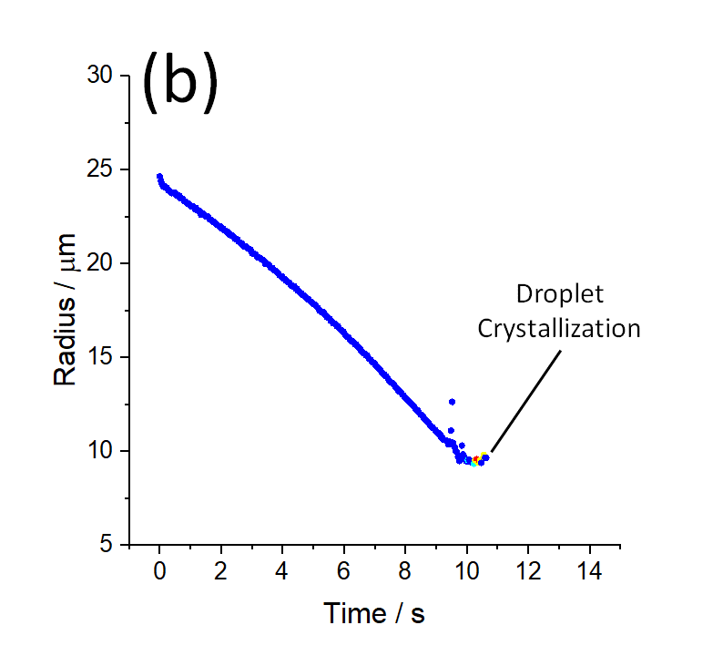
Time (s) | Radius (micron)
0.016626616743 | 24.17392966
0.01527376138 | 24.732280933
0.021598360202 | 24.585056596
0.060731815412 | 24.024675143
0.068170406072 | 24.418076917
0.11359252488 | 24.206412534
0.078519749598 | 24.644792989
0.15560079774 | 23.989397746
0.11732978782 | 24.417136186
0.19926209074 | 24.193926474
0.22195801953 | 23.808879592
0.25046978007 | 24.041431907
0.30686240836 | 23.790542419
0.32862888483 | 24.01889357
0.3580957657 | 23.681602457
0.41295686912 | 23.836235047
0.44879626244 | 23.633507605
0.5011179436 | 23.871940049
0.54366524477 | 23.731343587
0.53016873245 | 23.507722023
0.61005840178 | 23.387778873
0.63048473769 | 23.737244533
0.63048473769 | 23.582023986
0.69873040877 | 23.383661831
0.72535372002 | 23.614094347
0.7450667553 | 23.23282357
0.80105725137 | 23.433288778
0.82645147391 | 23.17968349
0.87902579056 | 23.125342045
0.88921832585 | 23.371642418
0.96366097227 | 23.206564454
0.95887736882 | 22.978361114
1.0308030949 | 22.927842072
1.0530829317 | 23.181785881
1.0530829317 | 23.03073448
1.1194248774 | 22.839151078
1.147951914 | 23.107382643
1.2049691307 | 22.698343006
1.2150309924 | 22.948812525
1.294567614 | 22.673791363
1.3031920669 | 22.90982922
1.306785589 | 22.486874609
1.3914900375 | 22.726508928
1.3940363045 | 22.488168113
1.4677200922 | 22.417179136
1.4843055786 | 22.681488249
1.4977213943 | 22.529403471
1.5605457426 | 22.325892087
1.5877990139 | 22.603236569
1.6415991727 | 22.196676021
1.6493201115 | 22.44348341
1.736468155 | 22.297804559
1.7344147139 | 22.076641241
1.8292836962 | 22.274836072
1.8292836962 | 22.119615525
1.8272934378 | 21.955859328
1.9241526785 | 22.136292113
1.9241526785 | 21.981071565
1.9241526785 | 21.830982276
1.9827989585 | 21.72382451
2.0190216608 | 22.049060731
2.0190216608 | 21.893840183
2.0711790667 | 21.70077661
2.1138906432 | 21.918213658
2.1732471722 | 21.743524515
2.1620438388 | 21.54438015
2.2400800072 | 21.411501954
2.2605063431 | 21.755296224
2.2605063431 | 21.600075677
2.3287520142 | 21.389721996
2.3553753255 | 21.620600708
2.4089377174 | 21.207264392
2.4298179719 | 21.453092149
2.5001942644 | 21.170733719
2.5192399313 | 21.417916026
2.5613475545 | 21.008509571
2.5953380455 | 21.25794152
2.6447257216 | 20.976178874
2.6917289901 | 21.175464097
2.7268902213 | 20.847334965
2.7530584332 | 21.041481256
2.8231492253 | 20.777516732
2.83834469 | 20.995870076
2.9198457703 | 20.80614182
2.9145273577 | 20.582483123
2.9585120677 | 20.460893694
3.0065215224 | 20.808964012
3.0108337488 | 20.657207064
3.0457627832 | 20.489703568
3.0920851739 | 20.329414216
3.1402005429 | 20.596914785
3.1651660646 | 20.228038117
3.1780154519 | 20.442187628
3.257838081 | 20.302662809
3.3034901852 | 20.116586298
3.3558118664 | 20.317261237
3.3769417761 | 19.923501345
3.3983591675 | 20.160330271
3.4639768803 | 19.916328274
3.480866434 | 20.155626618
3.5557143649 | 19.770851008
3.566392259 | 20.022748422
3.636311931 | 19.626465662
3.6576677192 | 19.909326246
3.6552035898 | 19.770599027
3.7300381287 | 19.536891749
3.7482244751 | 19.787330592
3.7676294942 | 19.633521141
3.8048224475 | 19.414801279
3.8474056839 | 19.643783657
3.8771992486 | 19.252204549
3.8880638192 | 19.480316445
3.9656325596 | 19.207546571
3.976772478 | 19.450078676
4.00480195 | 19.04262474
4.0630170074 | 19.272986143
4.0873684039 | 19.016789234
4.1310543583 | 18.952275406
4.1578859897 | 19.188384531
4.2172425187 | 19.009318727
4.2050668205 | 18.781883273
4.275394161 | 18.702197858
4.3045016897 | 18.979285777
4.3035434171 | 18.826060719
4.372713272 | 18.631963767
4.399370672 | 18.890771581
4.448242572 | 18.486501773
4.4645930973 | 18.724246231
4.5352920503 | 18.422800873
4.5502985984 | 18.671153749
4.5945556595 | 18.269585567
4.6398407128 | 18.455671107
4.6829629774 | 18.186732832
4.7270998837 | 18.403302094
4.7347096951 | 18.023211721
4.778307573 | 18.228598802
4.8211064207 | 17.975836252
4.8650911307 | 18.19420334
4.9121662696 | 17.857598176
4.9237374107 | 18.062971423
4.9875583624 | 17.752530328
5.0117068306 | 17.978690514
5.0188938748 | 17.813207451
5.077252673 | 17.642817623
5.106575813 | 17.87349973
5.1314345303 | 17.467903988
5.1698218012 | 17.689031014
5.2135974335 | 17.345300885
5.2422672059 | 17.567676768
5.3065063129 | 17.292064085
5.3394360423 | 17.510463244
5.3642947596 | 17.111809792
5.4025023544 | 17.352837419
5.4519851532 | 17.113303893
5.4846143335 | 16.9424437
5.4979103651 | 17.238185879
5.5432454828 | 16.813928761
5.5691188416 | 17.066811997
5.6314353775 | 16.802258043
5.6437560246 | 17.006866947
5.6737994486 | 16.657194285
5.7361608775 | 16.869056024
5.7442780097 | 16.508358787
5.7593805585 | 16.713638121
5.8292330988 | 16.494714735
5.8482787657 | 16.74077458
5.8757692095 | 16.321414522
5.9241739516 | 16.527228736
5.9596467015 | 16.25363974
6.0029439551 | 16.078970611
6.0207678245 | 16.449575702
6.0567030451 | 16.278640678
6.0911252037 | 16.08684304
6.1134806936 | 15.915724456
6.1598371281 | 16.186919446
6.1814550003 | 15.791626928
6.2094911476 | 16.021115679
6.2692342068 | 15.757375139
6.295025428 | 15.959027461
6.3109552999 | 15.606502507
6.3916193009 | 15.823562256
6.3916193009 | 15.668341709
6.3835338762 | 15.495482463
6.4428269902 | 15.387886402
6.4735516038 | 15.724785544
6.4864882832 | 15.581110327
6.5286522753 | 15.361820325
6.5480093808 | 15.196094953
6.5727328126 | 15.544478848
6.6319540561 | 15.340026733
6.627133208 | 15.14732169
6.6602094067 | 15.029820821
6.7279729655 | 15.257841088
6.7511926465 | 15.099561522
6.7371364467 | 14.909436704
6.7964295607 | 14.793903228
6.8271541743 | 15.139180752
6.8400908537 | 14.992298499
6.8821984769 | 14.785576725
6.9019839865 | 14.614585106
6.9311267458 | 14.933003965
6.9934144615 | 14.728395062
6.9807357785 | 14.522640397
7.0099262346 | 14.408667268
7.0686388566 | 14.728199076
7.081575536 | 14.581797878
7.1016992595 | 14.421873678
7.1123771536 | 14.257749788
7.1850689712 | 14.128231344
7.1936934242 | 14.472758651
7.1994430595 | 14.327800619
7.2683136909 | 14.090981919
7.2756257271 | 14.323096966
7.3139284446 | 13.925223264
7.366182483 | 14.155903484
7.3883596477 | 13.784192729
7.40642993 | 13.99384126
7.4681078359 | 13.633477304
7.4826125976 | 13.962679559
7.4945910045 | 13.827645523
7.5505815006 | 13.563457016
7.5904182594 | 13.747968493
7.620172622 | 13.34532511
7.6574973378 | 13.575216148
7.7116145191 | 13.315524993
7.738112016 | 13.129251053
7.7240972799 | 13.542290577
7.8060295828 | 13.357992903
7.8256306123 | 13.009708783
7.8223202162 | 13.217738524
7.9070075527 | 12.961683417
7.9138352446 | 13.21021268
7.9440208299 | 12.794880125
7.9957675475 | 13.048407018
8.0183554004 | 12.652292245
8.0309840637 | 12.887306905
8.105815567 | 12.506075834
8.1044356545 | 12.775595147
8.1980109689 | 12.597091518
8.1914348236 | 12.353589285
8.202754418 | 12.669762956
8.262694366 | 12.256664636
8.2925501928 | 12.468474279
8.3374601592 | 12.104988628
8.3752434768 | 12.382056184
8.3867427474 | 12.233107174
8.4222859474 | 11.932786061
8.4655732734 | 12.159169051
8.5136886424 | 11.903315087
8.5450373941 | 11.741085478
8.5595911584 | 12.048880767
8.5984646117 | 11.599405226
8.633977065 | 11.840352154
8.68529256 | 11.560288818
8.7097490444 | 11.410863843
8.7288460473 | 11.728562002
8.7805927649 | 11.273449982
8.7978416708 | 11.526304925
8.8625250679 | 11.236324721
8.8711495208 | 11.451516843
8.9139843037 | 11.079928261
8.9617062767 | 11.304206985
8.9776615146 | 10.919651287
9.0035964766 | 11.128644666
9.0644497595 | 10.859265586
9.0910730707 | 11.092542603
9.1077470131 | 10.701754564
9.1686931472 | 10.908798299
9.181198604 | 10.588749302
9.2420009972 | 10.838866047
9.2549376766 | 10.701284199
9.2772597901 | 10.535272918
9.3477367902 | 10.390843104
9.3670555648 | 10.649971621
9.4010143482 | 10.235622557
9.4313077392 | 11.088630019
9.4485566451 | 10.510080707
9.4726024412 | 12.61970265
9.4945058138 | 10.972920156
9.492541355 | 10.286696389
9.5299055291 | 12.498356309
9.5222957177 | 11.177208356
9.5395446236 | 10.546063652
9.5654179824 | 12.702474724
9.5692989862 | 10.146723517
9.5682928 | 11.042299037
9.5886376634 | 10.396270396
9.5993408306 | 9.9388220564
9.5989575216 | 12.552171633
9.6322574927 | 10.489178849
9.662102639 | 10.206657958
9.6657339876 | 9.808951723
9.6830801618 | 9.6038211742
9.6982345576 | 10.005815513
9.7161189495 | 9.4350113139
9.7609055823 | 9.8235302965
9.7810293059 | 9.3612470723
9.7887913135 | 10.034541394
9.7917072 | 10.289266599
9.8063636364 | 9.6535455053
9.8166051742 | 9.487741739
9.862674127 | 9.8452193628
9.8727621235 | 9.4165455376
9.8725443343 | 10.184274346
9.8845227411 | 10.369035259
9.9091640352 | 9.629859253
9.9405816852 | 9.8786152987
9.9487270019 | 9.716652849
9.9644124105 | 9.4143435336
9.9362694588 | 10.251497386
10.039762894 | 9.6579712151
10.036445797 | 9.3232224318
10.062982575 | 9.5040236146
10.129051348 | 9.2919670076
10.143256329 | 9.5990615254
10.141531439 | 9.4693974925
10.423119827 | 9.3720318766
10.482305135 | 9.2522651134
10.521717617 | 9.4769694515
10.547373553 | 9.6827753486
10.552917844 | 9.2960678815
10.608976788 | 9.475127397
10.634850147 | 9.7378905547
10.642242535 | 9.5608163472
10.712470223 | 9.6802555345
10.708157997 | 9.5606483596

Supp 6A
Supplemental Figure 6A
Effect of initial droplet size on the interplay between viral decay and elevated [CO2(g)]. Based upon the viral tire per droplet, the initial volume of the "Small" droplets (0.6 infectious viral units per droplet) were approximately a quarter of the "Large" droplets (2.8 infectious viral units per droplet). At 120s, increasing the [CO2(g)] was found to have a similar effect on both droplet sizes.

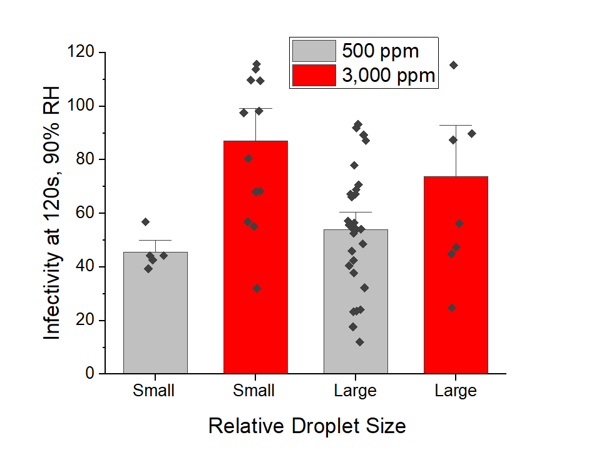
CO2 Concentration | Relative Droplet Size | Infectivity | SE
0 | Small | 45% | 3%
3000 | Small | 87% | 8%
0 | Large | 54% | 4%
3000 | Large | 74% | 13%

Supp 6B
Supplemental Figure 6B
Effect of initial droplet size on the interplay between viral decay and elevated [CO2(g)]. Based upon the viral tire per droplet, the initial volume of the "Small" droplets (0.6 infectious viral units per droplet) were approximately a quarter of the "Large" droplets (2.8 infectious viral units per droplet). Over time, the effect of the increased [CO2(g)] was found to be similar for both particle sizes.

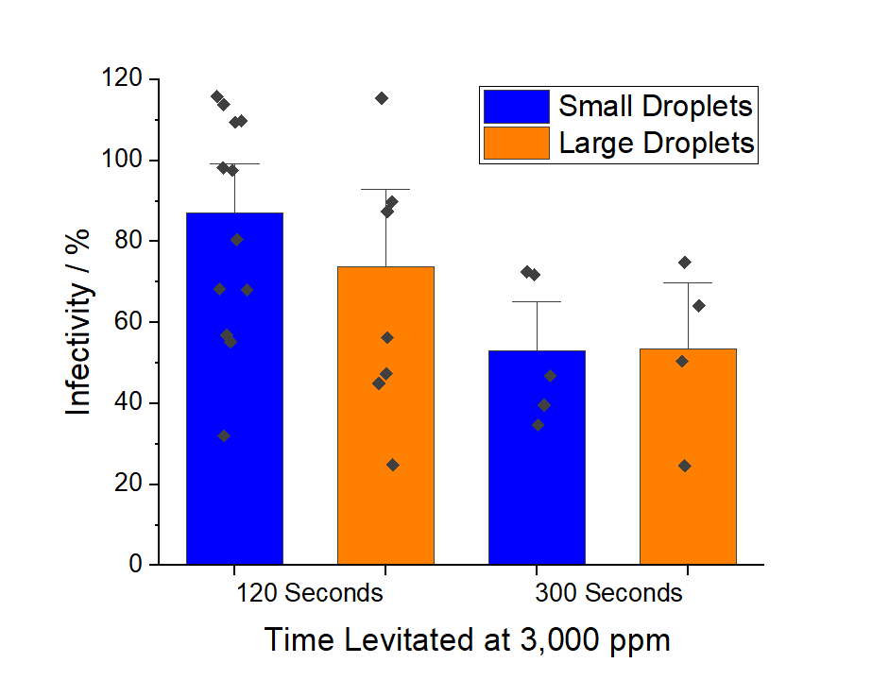
Relative Droplet Size (Time) | Infectivity | SE
Small (120s) | 87% | 8%
Large (120s) | 74% | 13%
Small (300s) | 67% | 16%
Large (300s) | 53% | 11%

