Fig. 6d
kDa

180
130
IB: Rabbit-anti HA tag (Cell Signaling Technology, Cat# 3724, 1:1,000)
95
70
53

kDa
43
33
IB: Rabbit-anti GAPDH (Cell Signaling Technology, Cat# 2118, 1:1,000)
25

17

Supplementary Fig. 1
c
a
b
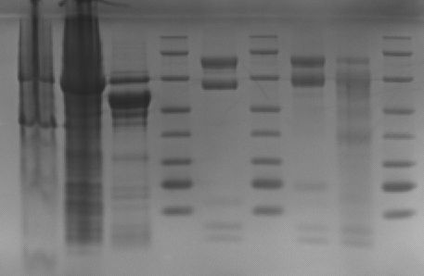

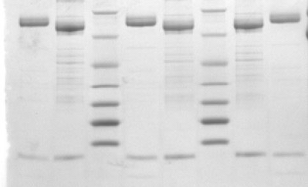
116.0
66.2
45.0
35.0
25.0
18.4
14.4
116.0
66.2
45.0
35.0
25.0
18.4
14.4
116.0
66.2
45.0
35.0
25.0
18.4
14.4

d
f

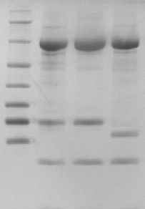
116.0
66.2
45.0
35.0
25.0
18.4
14.4
116.0
66.2
45.0
35.0
25.0
18.4
14.4

Supplementary Fig. 9a
kDa
245
130
180
95
70
HA-FEM1B WT
53
43

33
25
IB: Rabbit-anti HA tag (Cell Signaling Technology, Cat# 3724, 1:1,000)
17
10

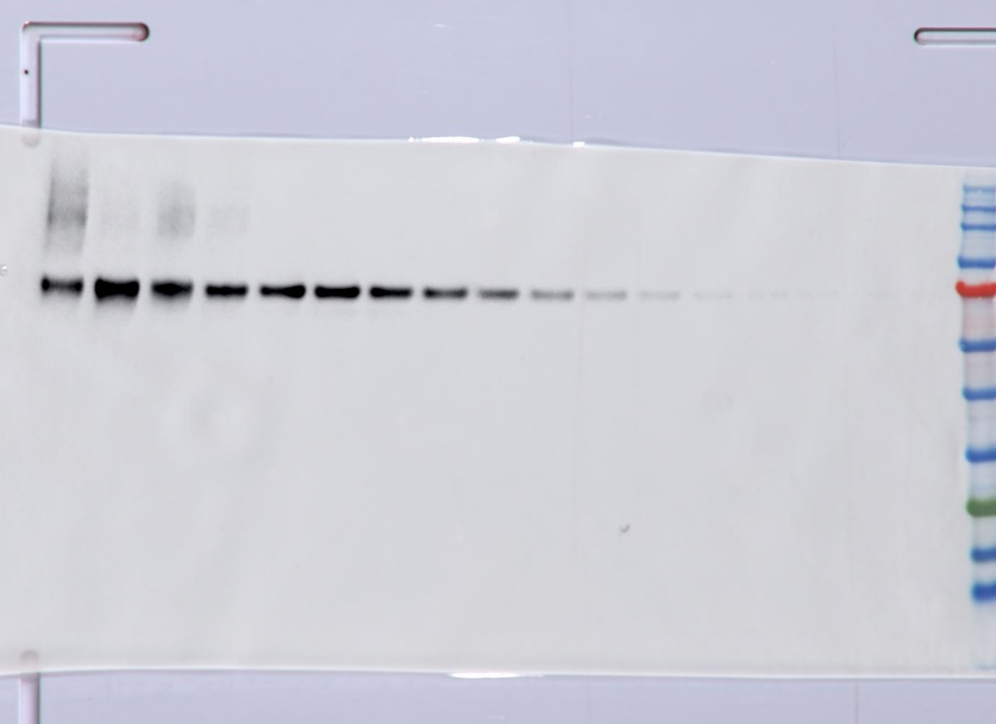

kDa
180
53
43
70
33
25
17
10
130
245

95
HA-FEM1B 4D

IB: Rabbit-anti HA tag (Cell Signaling Technology, Cat# 3724, 1:1,000)

Supplementary Fig. 9c
IP: HA
TCE
kDa

180
130
95
70
53
43
180
130
95
70
53
43
33
25
17
kDa
180
130
95
70
53
43
33
25
17
kDa

IB: rabbit-anti MYC tag (Cell Signaling Technology, Cat#2278, 1:1,000 )

kDa

180
130
95
70
53
43

IB: Rabbit-anti HA tag (Cell Signaling Technology, Cat# 3724, 1:1,000)

IB: Rabbit-anti HA tag (Cell Signaling Technology, Cat# 3724, 1:1,000)
IB: rabbit-anti MYC tag (Cell Signaling Technology, Cat#2278, 1:1,000 )

Supplementary Fig. 9d
IP: HA
TCE
180
130
95
70
kDa
53
43
180
130
95
70
kDa
53
43

IB: Rabbit-anti CUL2 (Bethyl, Cat# A302-476A, 1:5000)
IB: Rabbit-anti CUL2 (Bethyl, Cat# A302-476A, 1:5000)

180
130
95
70
53
43
33
25
17
kDa
130
95
70
kDa
53
43

IB: Rabbit-anti HA tag (Cell Signaling Technology, Cat# 3724, 1:1,000)
IB: Rabbit-anti HA tag (Cell Signaling Technology, Cat# 3724, 1:1,000)

Supplementary Fig. 14a
WT 4D

FLAG-CCDC89

IB: FLAG

Supplementary Fig. 14c
WT P-1A L-3E

FLAG-CCDC89

IB: FLAG

Supplementary Fig. 14e
WT H-21A 5A

FLAG-CCDC89

IB: FLAG

Supplementary Fig. 14g
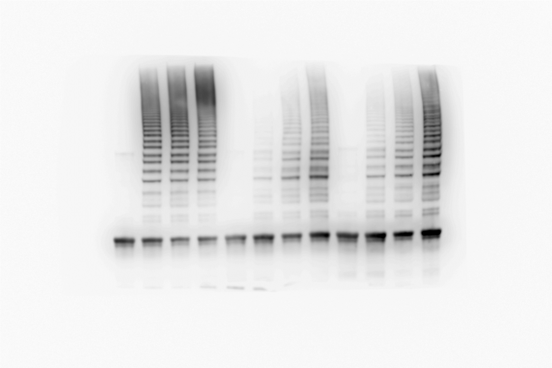
WT R126A Y84A/F130A

FLAG-CCDC89

IB: FLAG

FLAG-CCDC89

IB: FLAG

Supplementary Fig. 14i
WT 4D

FLAG-CCDC89

IB: FLAG

