GELS-Figures
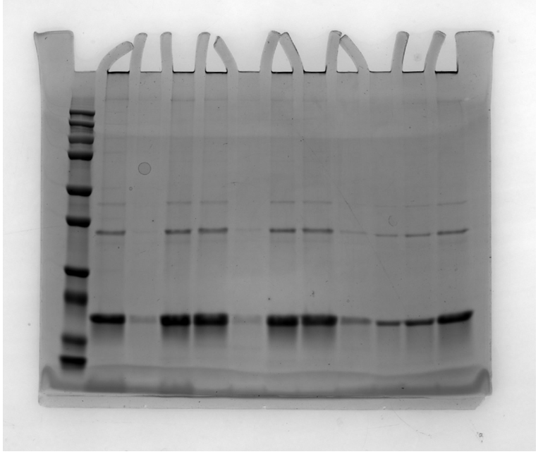
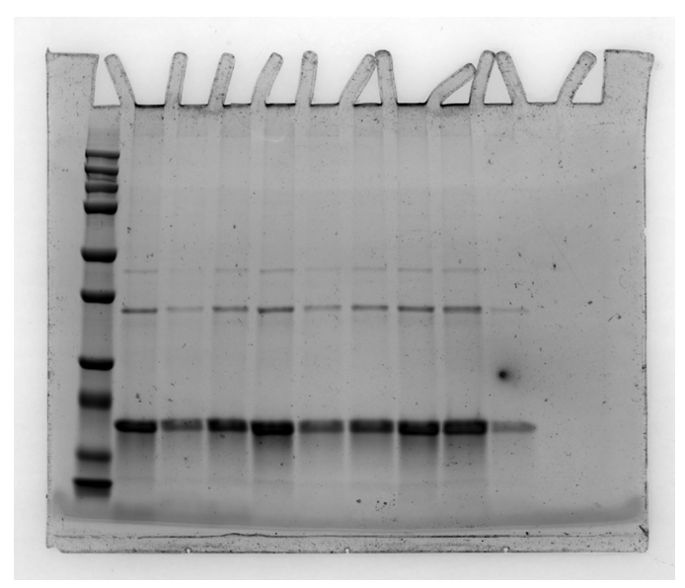
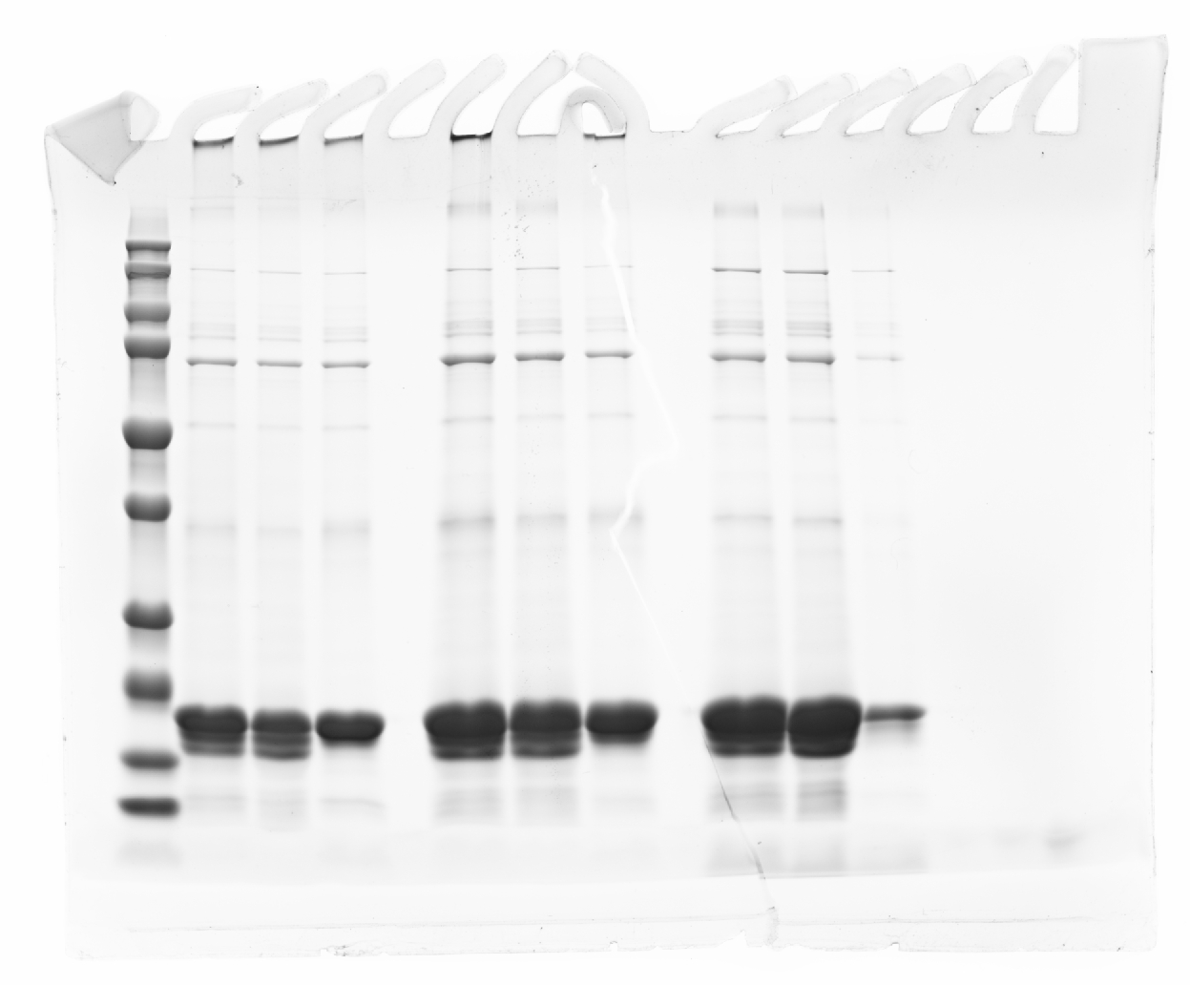

Figure 1d | Figure 1d | Figure 1q

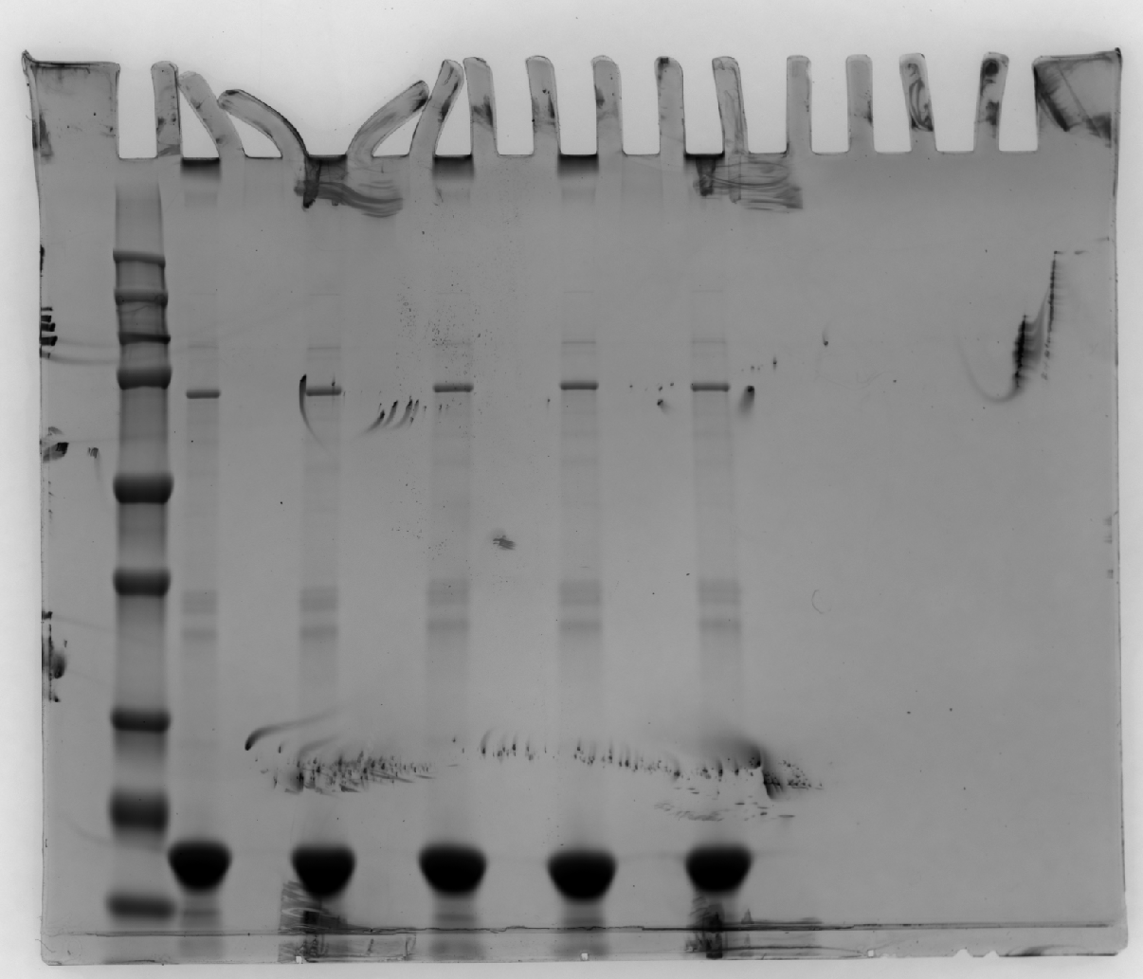
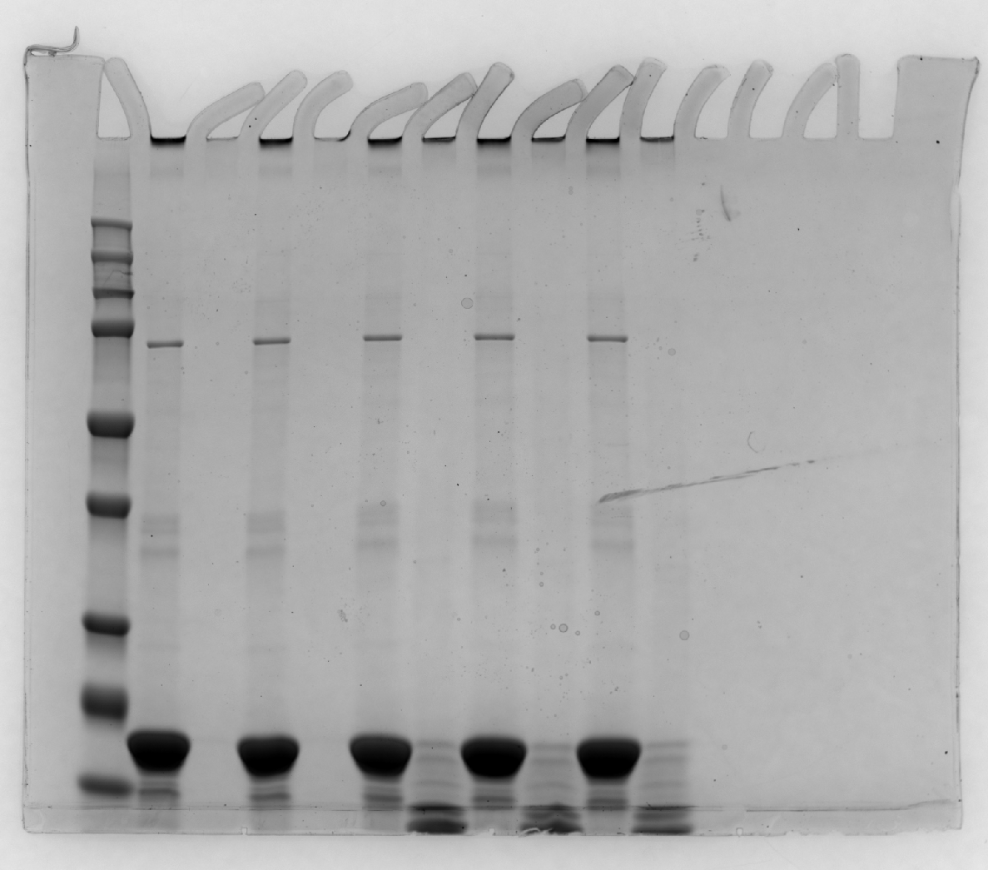

Figure 3g | Figure 3h

GELS-Supp Figures
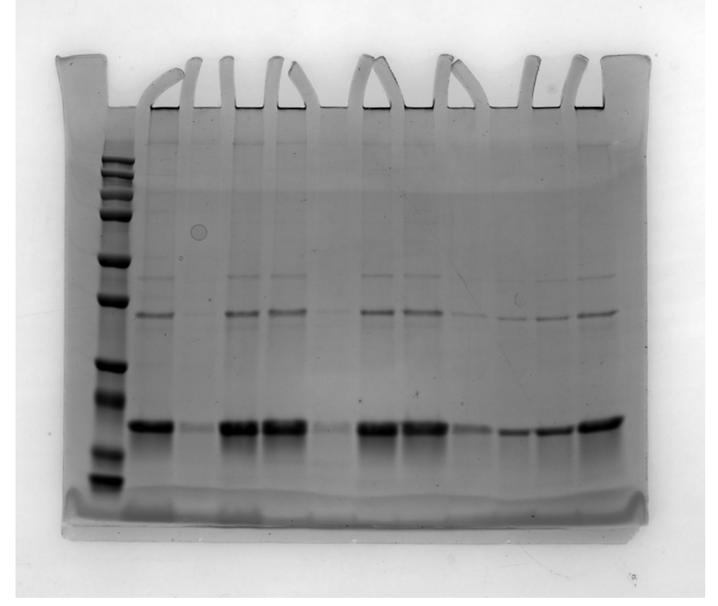
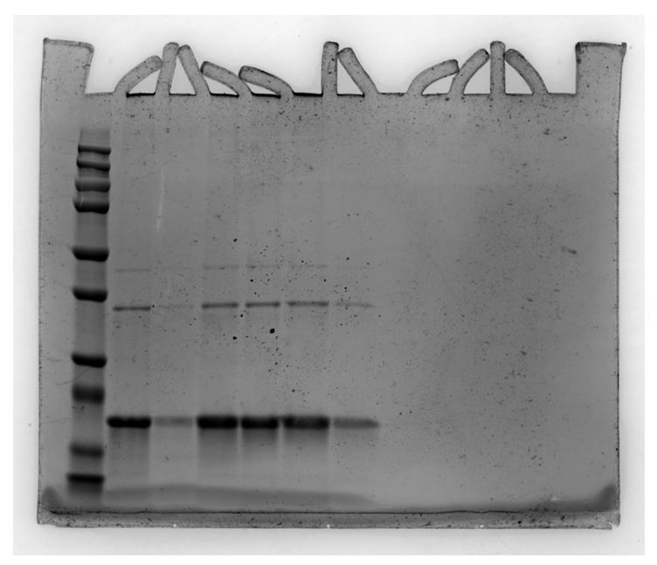
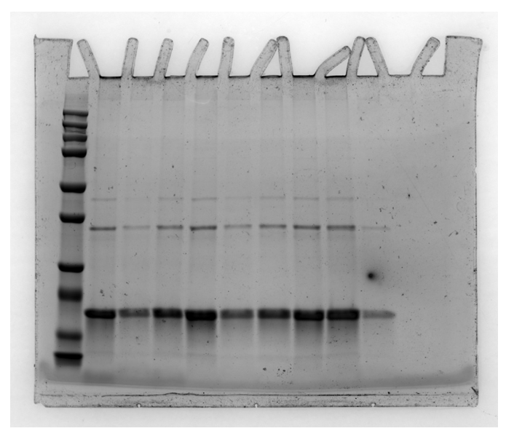

 | Supp Fig. 4a | Supp Fig. 4a |  | Supp Fig. 4a

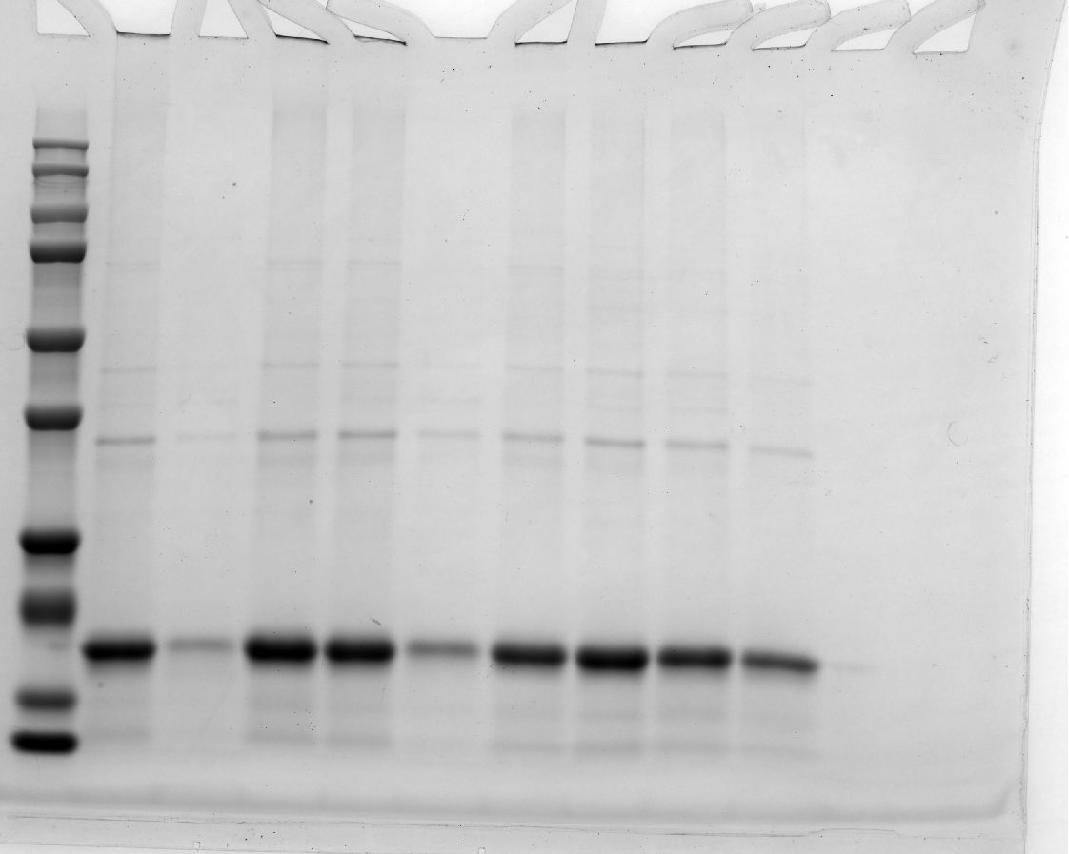
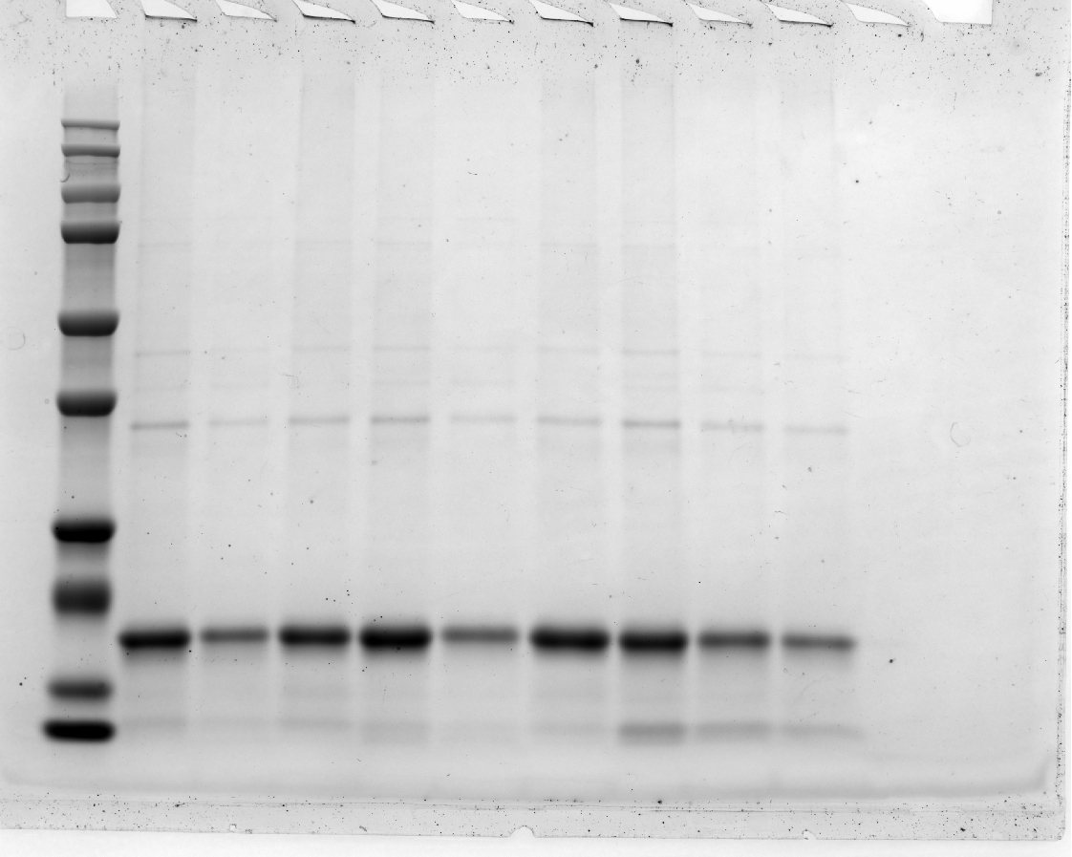

Supp Fig. 5c |  | Supp Fig. 5d | Supp Fig. 5e

Supp Fig. 7c |  | Supp Fig. 7d

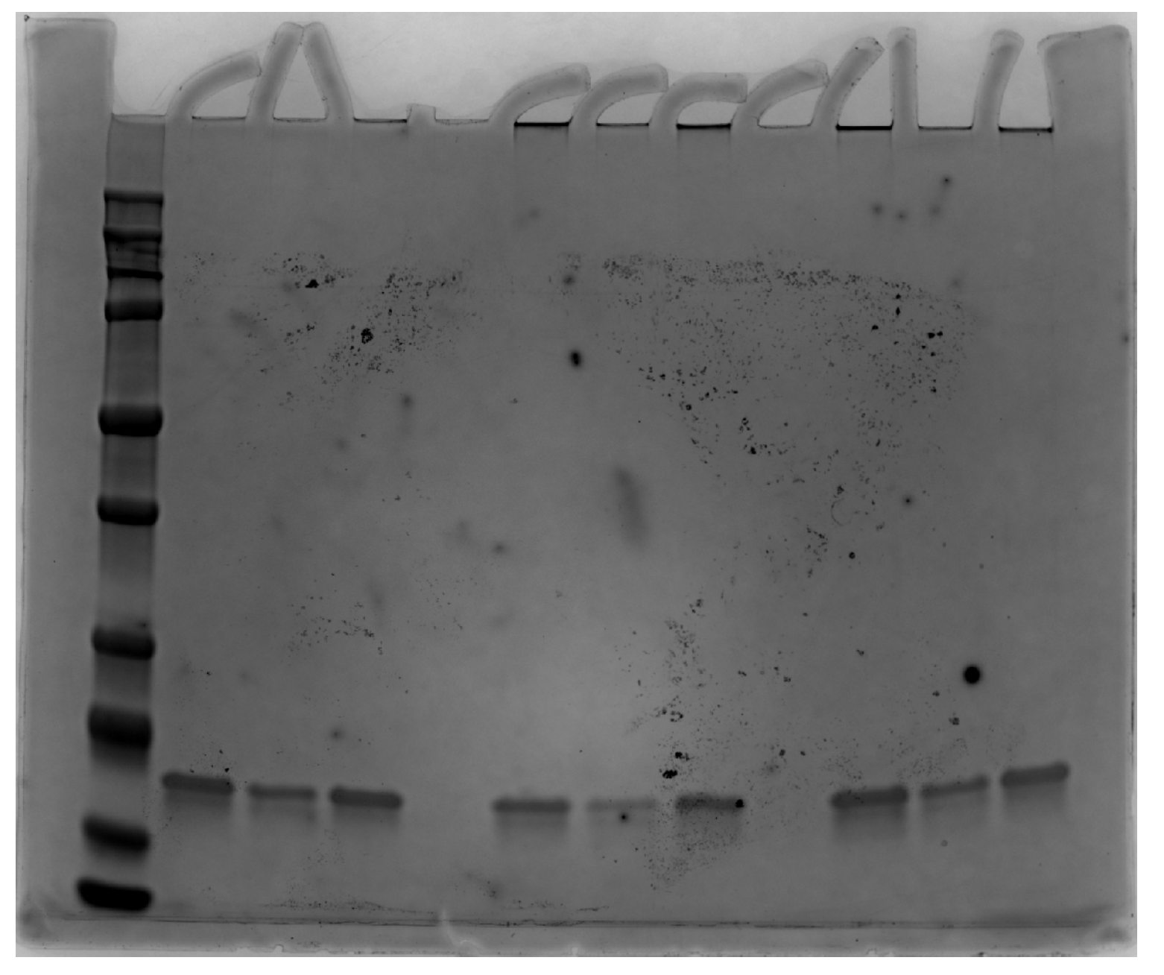
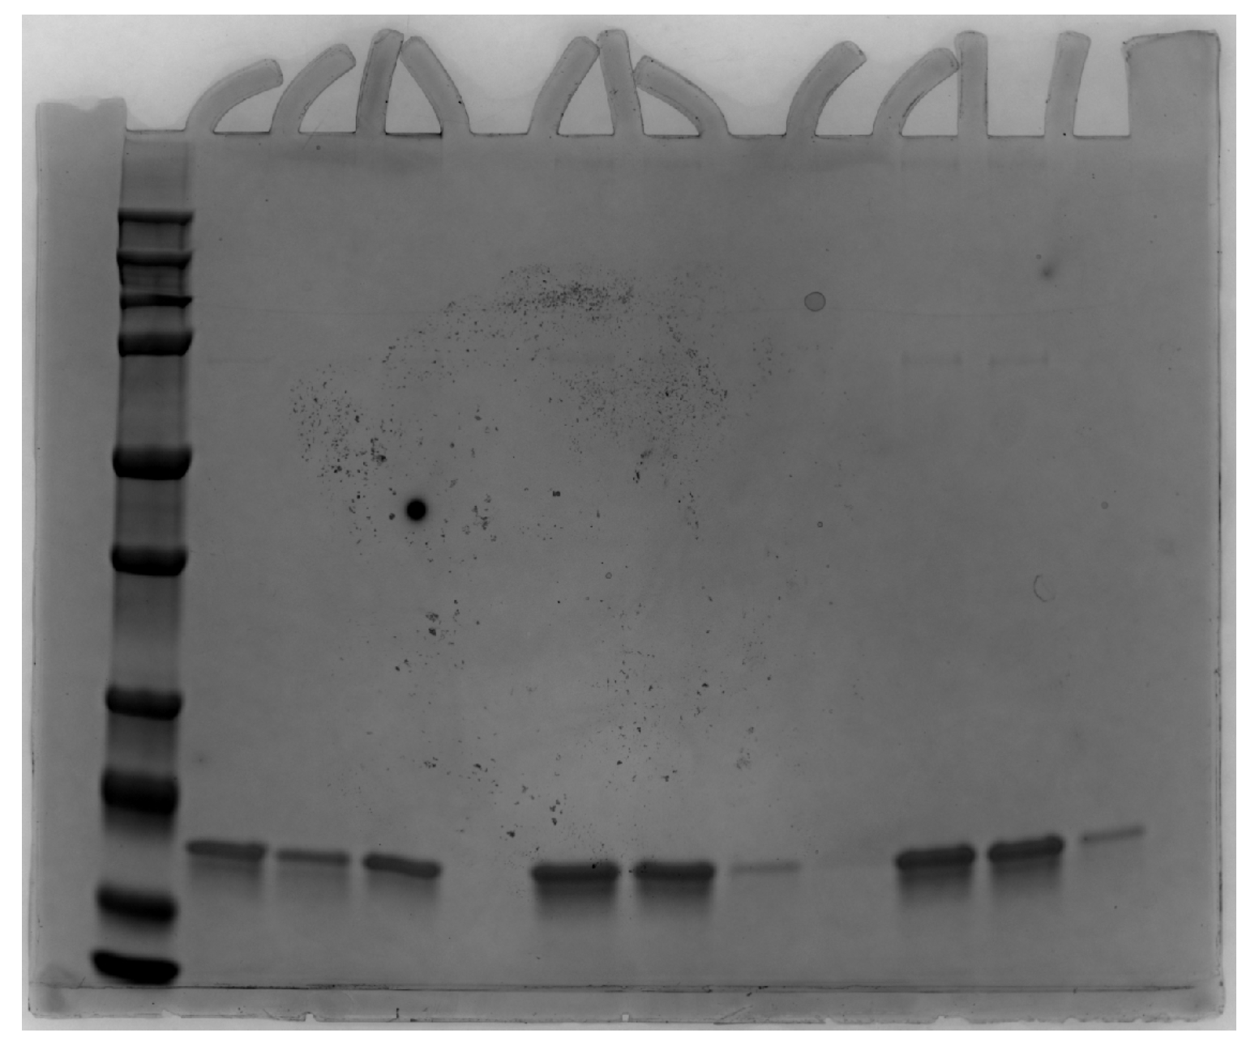

Supp Fig. 9a |  | Supp Fig. 9b

