Fig.4e
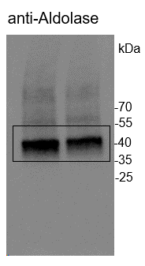
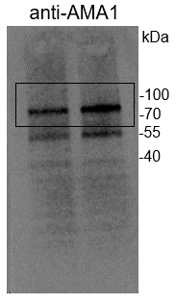
Western blot analysis showing expression levels of PfAMA1 and PfMSP5 proteins in the 3D7 and Δpfdozi schizonts
 |  | gray density
 |  | 3D7 | Δpfdozi
Rep1 | AMA1 | 54641.425 | 68598.111
 | Aldolase | 79829.283 | 65062.262
 | normalized against Aldolase | 0.68447846387 | 1.0543456205
 | Δpfdozi/3D7 ratio |  | 1.5403634682
Rep2 | AMA1 | 52553.208 | 83102.22
 | Aldolase | 78479.128 | 79266.681
 | normalized against Aldolase | 0.66964566681 | 1.0483877835
 | Δpfdozi/3D7 ratio |  | 1.5655858545
Rep3 | AMA1 | 26701.794 | 86882.12
 | Aldolase | 71356.279 | 72592.744
 | normalized against Aldolase | 0.37420384547 | 1.1968430343
 | Δpfdozi/3D7 ratio |  | 3.1983718202

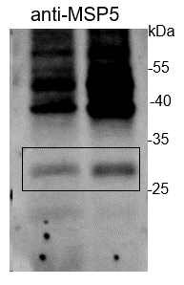
 |  | 3D7 | Δpfdozi
Rep1 | MSP5 | 54374.848 | 66419.191
 | Aldolase | 79829.283 | 65062.262
 | normalized against Aldolase | 0.68113912535 | 1.0208558534
 | Δpfdozi/3D7 ratio |  | 1.4987479289
Rep2 | MSP5 | 36440.401 | 75178.576
 | Aldolase | 76636.614 | 78057.945
 | normalized against Aldolase | 0.47549596855 | 0.96311241604
 | Δpfdozi/3D7 ratio |  | 2.0254901824
Rep3 | MSP5 | 41493.472 | 86993.312
 | Aldolase | 71356.279 | 72592.744
 | normalized against Aldolase | 0.58149713776 | 1.1983747577
 | Δpfdozi/3D7 ratio |  | 2.060843777

