Fig. 3a
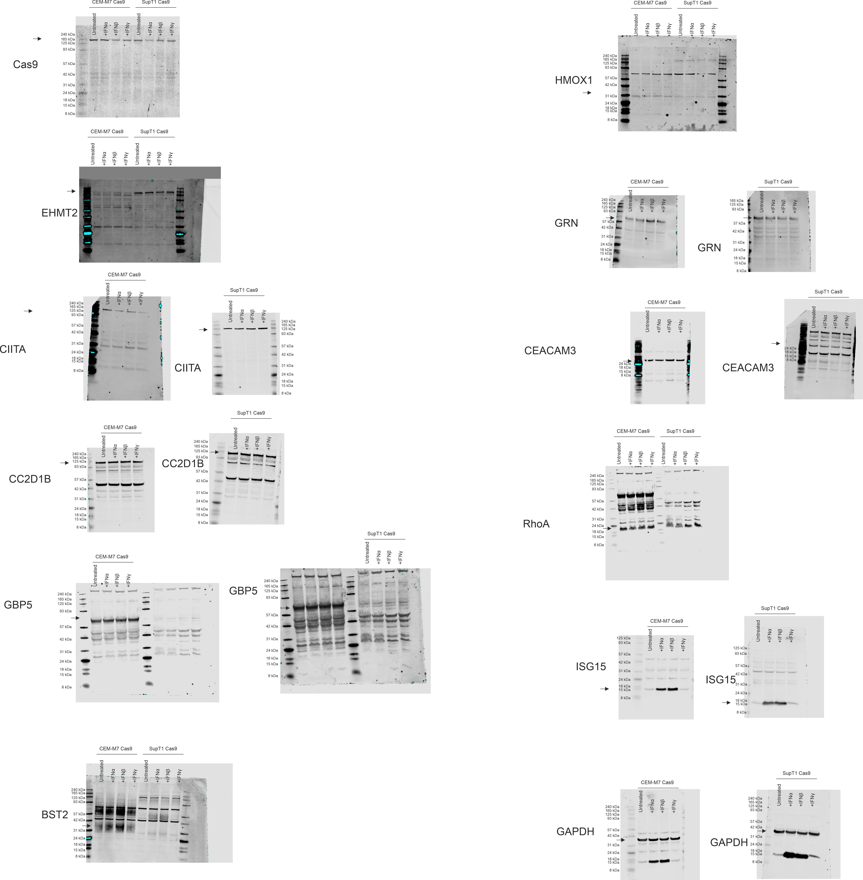

Fig. 3b
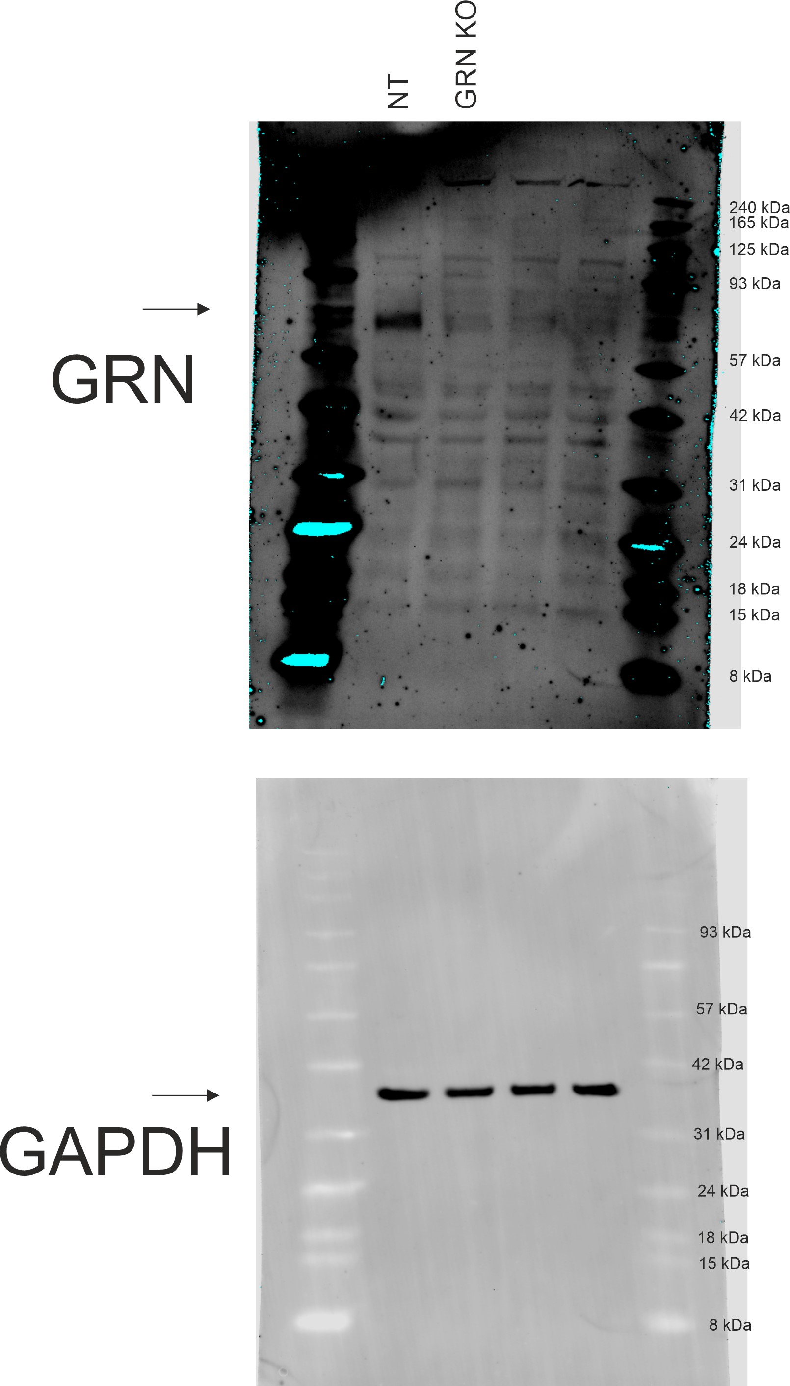
NT | 1 | 1 | 1
GRN KO | 1.899761 | 2.40942 | 2.521739

Fig. 3c
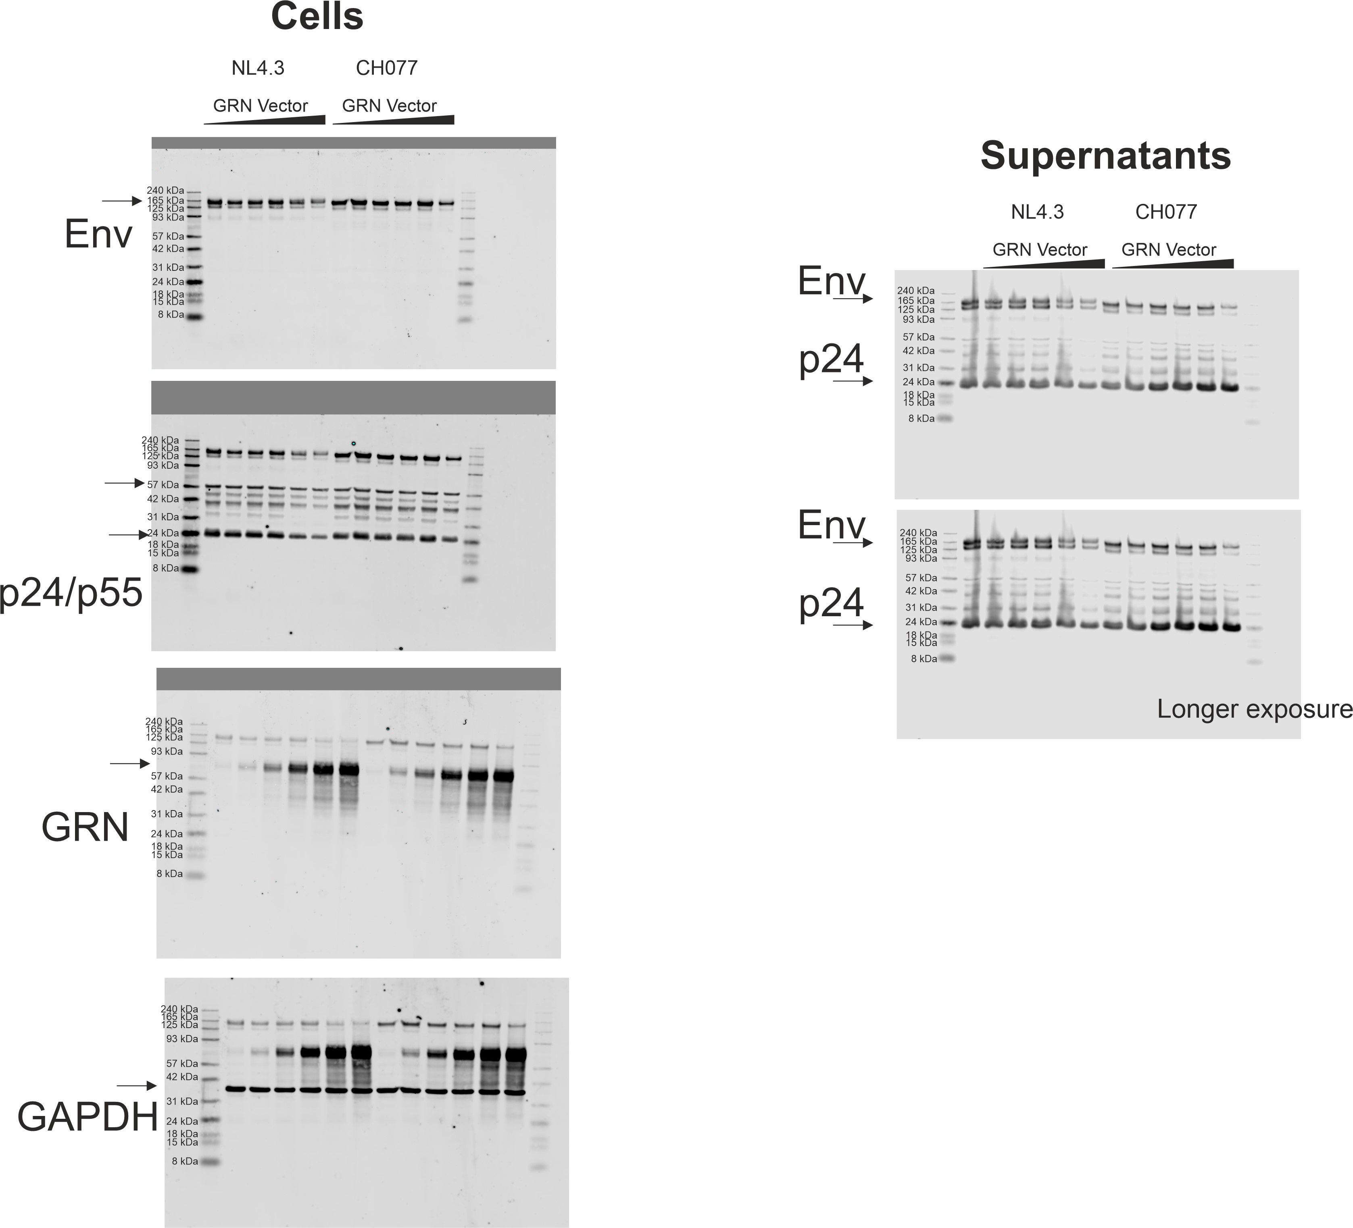
 | NL4-3 |  |  | NL4-3 nef stop |  |  | NL4-3 vpu stop |  |  | NL4-3 vpr stop |  |  | NL4-3 nef vpu vpr stop |  |  | CHO77 |  |  | CHO77 vpu stop |  |  | CHO77 nef stop |  |  | CHO77 nef stop vpu stop |  |  | CHO77vpr stop |  |  | CHO77 vif stop
 | n=1 | n=2 | n=3 | n=1 | n=2 | n=3 | n=1 | n=2 | n=3 | n=1 | n=2 | n=3 | n=1 | n=2 | n=3 | n=1 | n=2 | n=3 | n=1 | n=2 | n=3 | n=1 | n=2 | n=3 | n=1 | n=2 | n=3 | n=1 | n=2 | n=3 | n=1 | n=2 | n=3
0 | 100 | 100 | 100 | 100 | 100 | 100 | 100 | 100 | 100 | 100 | 100 | 100 | 100 | 100 | 100 | 100 | 100 | 100 | 100 | 100 | 100 | 100 | 100 | 100 | 100 | 100 | 100 | 100 | 100 | 100 | 100 | 100 | 100
0,0016 | 80 | 99 | 55 | 21 | 83 | 76 | 66 | 94 | 62 | 87 | 83 | 113 | 84 | 80 | 72 | 58 | 76 | 71 | 88 | 98 | 87 | 84 | 93 | 74 | 89 | 76 | 90 | 84 | 129 | 58 | 60 | 87 | 42
0,008 | 85 | 92 | 96 | 20 | 76 | 85 | 75 | 92 | 71 | 66 | 85 | 123 | 65 | 81 | 79 | 54 | 88 | 66 | 106 | 96 | 87 | 89 | 81 | 56 | 78 | 105 | 57 | 86 | 95 | 73 | 61 | 71 | 50
0,04 | 90 | 95 | 79 | 16 | 72 | 77 | 88 | 88 | 68 | 78 | 82 | 126 | 60 | 79 | 53 | 82 | 91 | 55 | 87 | 95 | 83 | 67 | 66 | 66 | 75 | 92 | 81 | 76 | 89 | 52 | 48 | 60 | 43
0,2 | 91 | 84 | 92 | 9 | 64 | 84 | 76 | 84 | 77 | 79 | 65 | 95 | 44 | 55 | 75 | 50 | 75 | 67 | 67 | 94 | 73 | 46 | 64 | 48 | 50 | 74 | 56 | 52 | 102 | 56 | 51 | 71 | 58
1 | 30 | 65 | 92 | 7 | 44 | 83 | 15 | 62 | 85 | 46 | 54 | 76 | 13 | 25 | 48 | 42 | 47 | 53 | 31 | 48 | 56 | 24 | 32 | 55 | 16 | 31 | 36 | 34 | 49 | 42 | 44 | 44 | 48

Fig. 3f
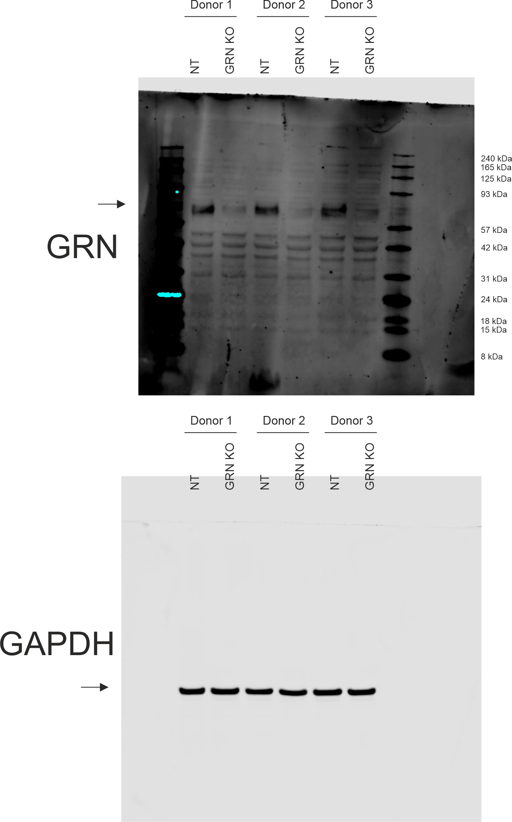
Intensity band
GRN | Image Name | Channel | Name | Signal | Total | Area | Bkgnd. | Type | GRN relative to GAPDH
 | 0015789_03 | 700 | 1 | 5040000 | 34200000 | 4408 | 6620 | Signal | 0.30361445783 | 1 | NT | Donor 1
 | 0015789_03 | 700 | 2 | 1540000 | 30400000 | 4408 | 6540 | Signal | 0.08901734104 | 0.29319203597 | GRN KO
 | 0015789_03 | 700 | 3 | 5250000 | 34000000 | 4408 | 6530 | Signal | 0.34768211921 | 1 | NT | Donor 2
 | 0015789_03 | 700 | 4 | 1370000 | 29000000 | 4408 | 6260 | Signal | 0.087820512821 | 0.25258852259 | GRN KO
 | 0015789_03 | 700 | 5 | 4980000 | 38700000 | 4408 | 7660 | Signal | 0.27513812155 | 1 | NT | Donor 3
 | 0015789_03 | 700 | 6 | 1680000 | 37500000 | 4408 | 8120 | Signal | 0.096551724138 | 0.35092092508 | GRN KO

GAPDH | Image Name | Channel | Name | Signal | Total | Area | Bkgnd. | Type
 | 0015836_01 | 800 | 1 | 16600000 | 17300000 | 2625 | 271 | Signal
 | 0015836_01 | 800 | 2 | 17300000 | 18100000 | 2625 | 325 | Signal
 | 0015836_01 | 800 | 3 | 15100000 | 15800000 | 2625 | 279 | Signal
 | 0015836_01 | 800 | 4 | 15600000 | 16300000 | 2625 | 260 | Signal
 | 0015836_01 | 800 | 5 | 18100000 | 18900000 | 2625 | 310 | Signal
 | 0015836_01 | 800 | 6 | 17400000 | 18200000 | 2625 | 302 | Signal

Fig. 4a
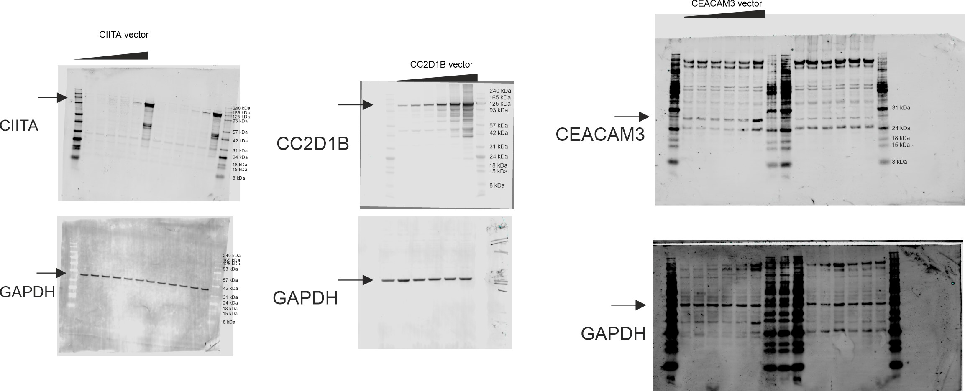
 | NL4-3 |  |  |  | CH077 |  |  |  |  | CH042 |  |  |  |  | CH058
ng vector | n=1 | n=2 | n=3 | n=4 | n=1 | n=2 | n=3 | n=4 | n=5 | n=1 | n=2 | n=3 | n=4 | n=5 | n=1 | n=2 | n=3 | n=4 | n=5
0 | 100 | 100 | 100 | 100 | 100 | 100 | 100 | 100 | 100 | 100 | 100 | 100 | 100 | 100 | 100 | 100 | 100 | 100 | 100
1.6 | 73 | 78 | 102 | 40 | 57 | 81 | 94 | 89 | 80 | 79 | 85 | 100 | 85 | 102 | 38 | 55 | 105 | 102 | 78
8 | 77 | 79 | 83 | 96 | 47 | 74 | 76 | 90 | 91 | 66 | 40 | 103 | 91 | 71 | 33 | 75 | 103 | 119 | 79
40 | 78 | 112 | 76 | 91 | 47 | 59 | 40 | 84 | 97 | 63 | 113 | 116 | 81 | 100 | 30 | 70 | 95 | 100 | 83
200 | 83 | 77 | 101 | 109 | 47 | 108 | 83 | 102 | 139 | 68 | 116 | 119 | 90 | 96 | 39 | 80 | 109 | 107 | 91
1000 | 77 | 131 | 102 | 136 | 53 | 109 | 64 |  |  | 83 | 143 | 133 | 134 |  | 38 | 47 | 60

 | CC2D1B
 | NL4-3 |  |  | CH077 |  |  | CH042 |  |  | CH058
ng vector | n=1 | n=2 | n=3 | n=1 | n=2 | n=3 | n=1 | n=2 | n=3 | n=1 | n=2 | n=3
0 | 100.0 | 100.0 | 100.0 | 100.0 | 100.0 | 100.0 | 100.0 | 100.0 | 100.0 | 100.0 | 100.0 | 100.0
1.6 | 90.6 | 96.1 | 89.8 | 64.8 | 72.8 | 82.9 | 99.8 | 100.0 | 85.3 | 75.4 | 103.5 | 95.6
8 | 68.5 | 96.6 | 98.4 | 59.5 | 71.8 | 73.6 | 80.7 | 97.0 | 86.0 | 56.9 | 98.2 | 84.1
40 | 72.5 | 89.3 | 96.3 | 46.8 | 60.3 | 63.4 | 80.7 | 81.7 | 75.2 | 96.2 | 79.1 | 84.6
200 | 67.9 | 90.2 | 70.7 | 15.9 | 44.1 | 36.1 | 56.3 | 67.9 | 52.4 | 5.8 | 59.2 | 59.7
1000 | 46.4 | 68.2 | 50.2 | 1.5 | 23.1 | 16.4 | 34.0 | 36.4 | 31.3 | 8.3 | 17.2 | 21.3

 | CEACAM3
 | NL4-3 |  |  | CH077 |  |  | CH042 |  |  | CH058
ng vector | n=1 | n=2 | n=3 | n=1 | n=2 | n=3 | n=1 | n=2 | n=3 | n=1 | n=2 | n=3
0 | 100 | 100 | 100 | 100 | 100 | 100 | 100 | 100 | 100 | 100 | 100 | 100
1.6 | 91 | 69 | 83 | 90 | 70 | 89 | 114 | 56 | 76 | 55 | 118 | 75
8 | 88 | 77 | 84 | 82 | 73 | 98 | 114 | 61 | 75 | 48 | 92 | 66
40 | 91 | 75 | 79 | 93 | 69 | 112 | 109 | 60 | 85 | 64 | 96 | 106
200 | 118 | 77 | 92 | 131 | 84 | 125 | 131 | 66 | 98 | 74 | 114 | 87
1000 | 200 | 77 | 141 | 232 | 172 | 199 | 223 | 133 | 128 | 165 | 226 | 108

Fig. 4e
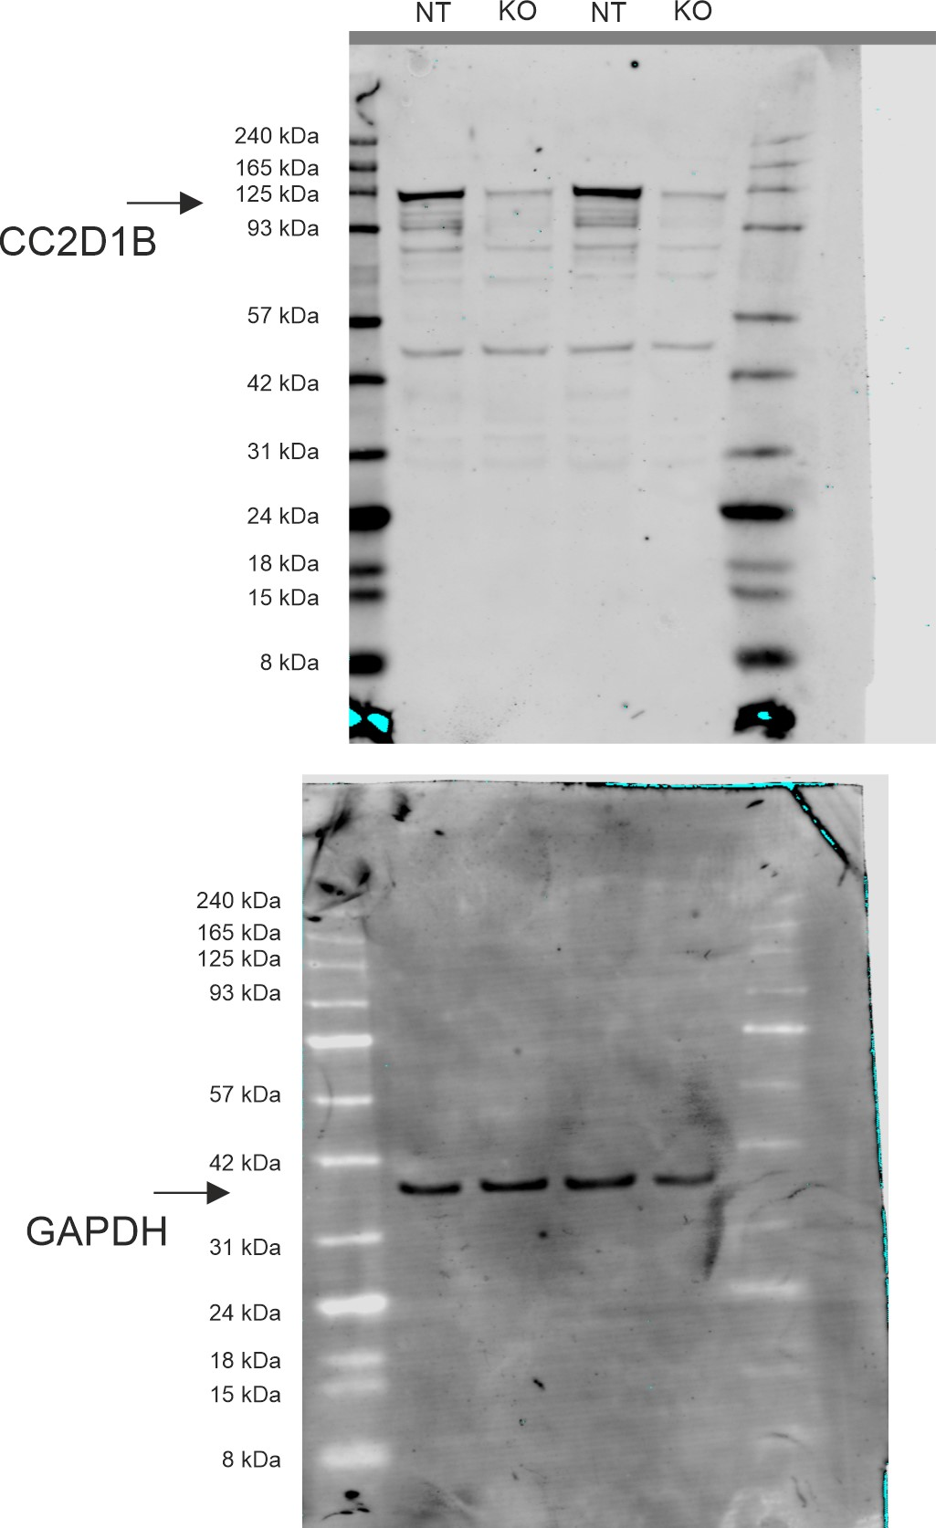
 | CC2D1B |  |  |  | NT
NL4-3 | 160 | 114 | 149.1961 | 129.4956 | 100 | 100 | 100 | 100
CH077 | 94.6988 | 130.3761 | 176.7432 |  | 100 | 100 | 100

Fig. S1b
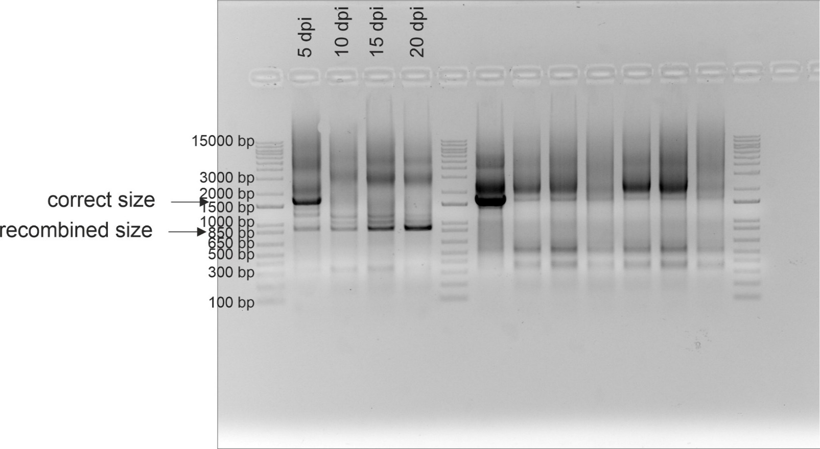

Fig. S1d
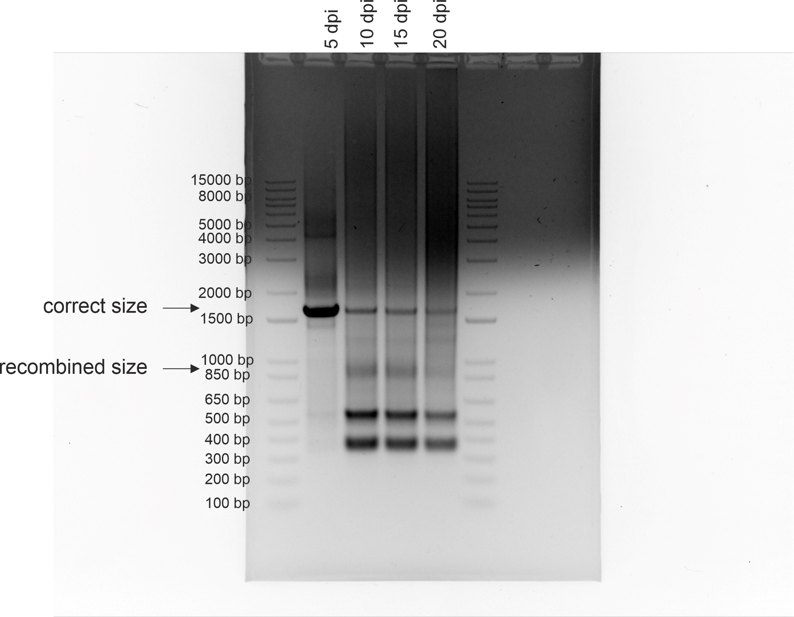

Fig. S1f
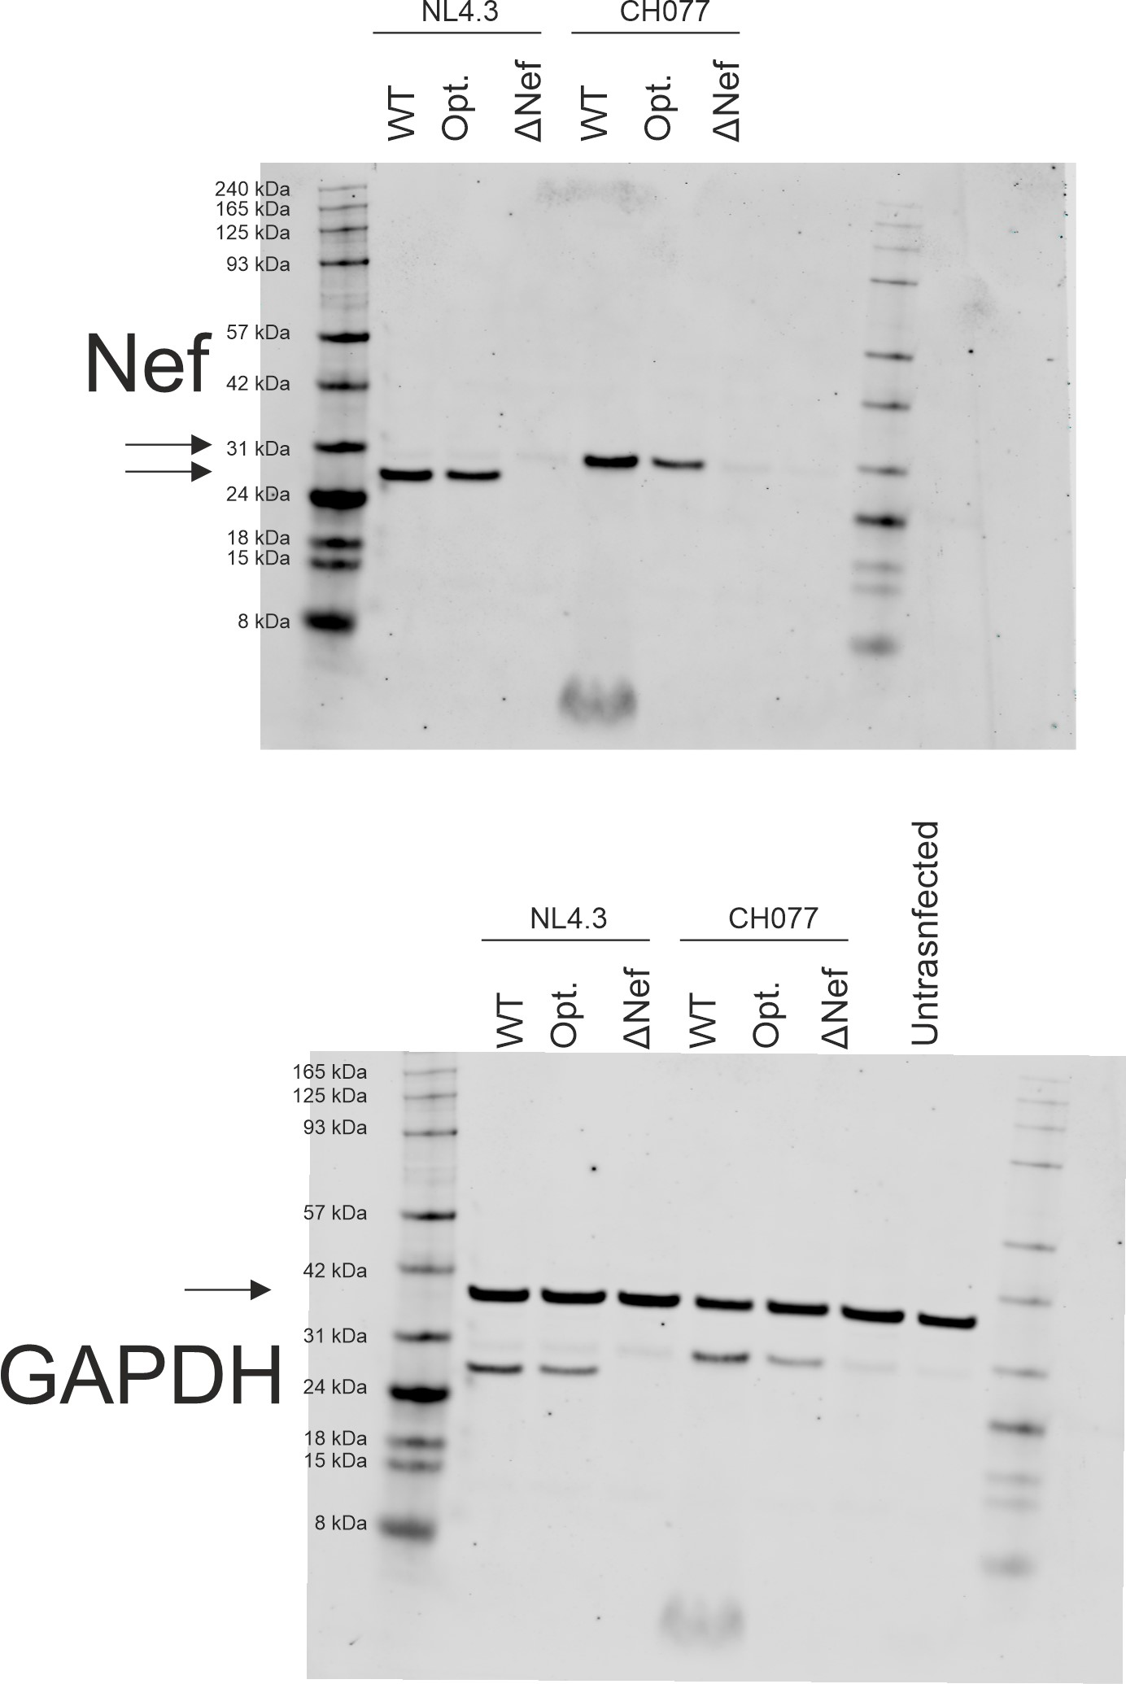
NL4.3 from the same blot as fig S6b (only CH077)

Fig. S4b
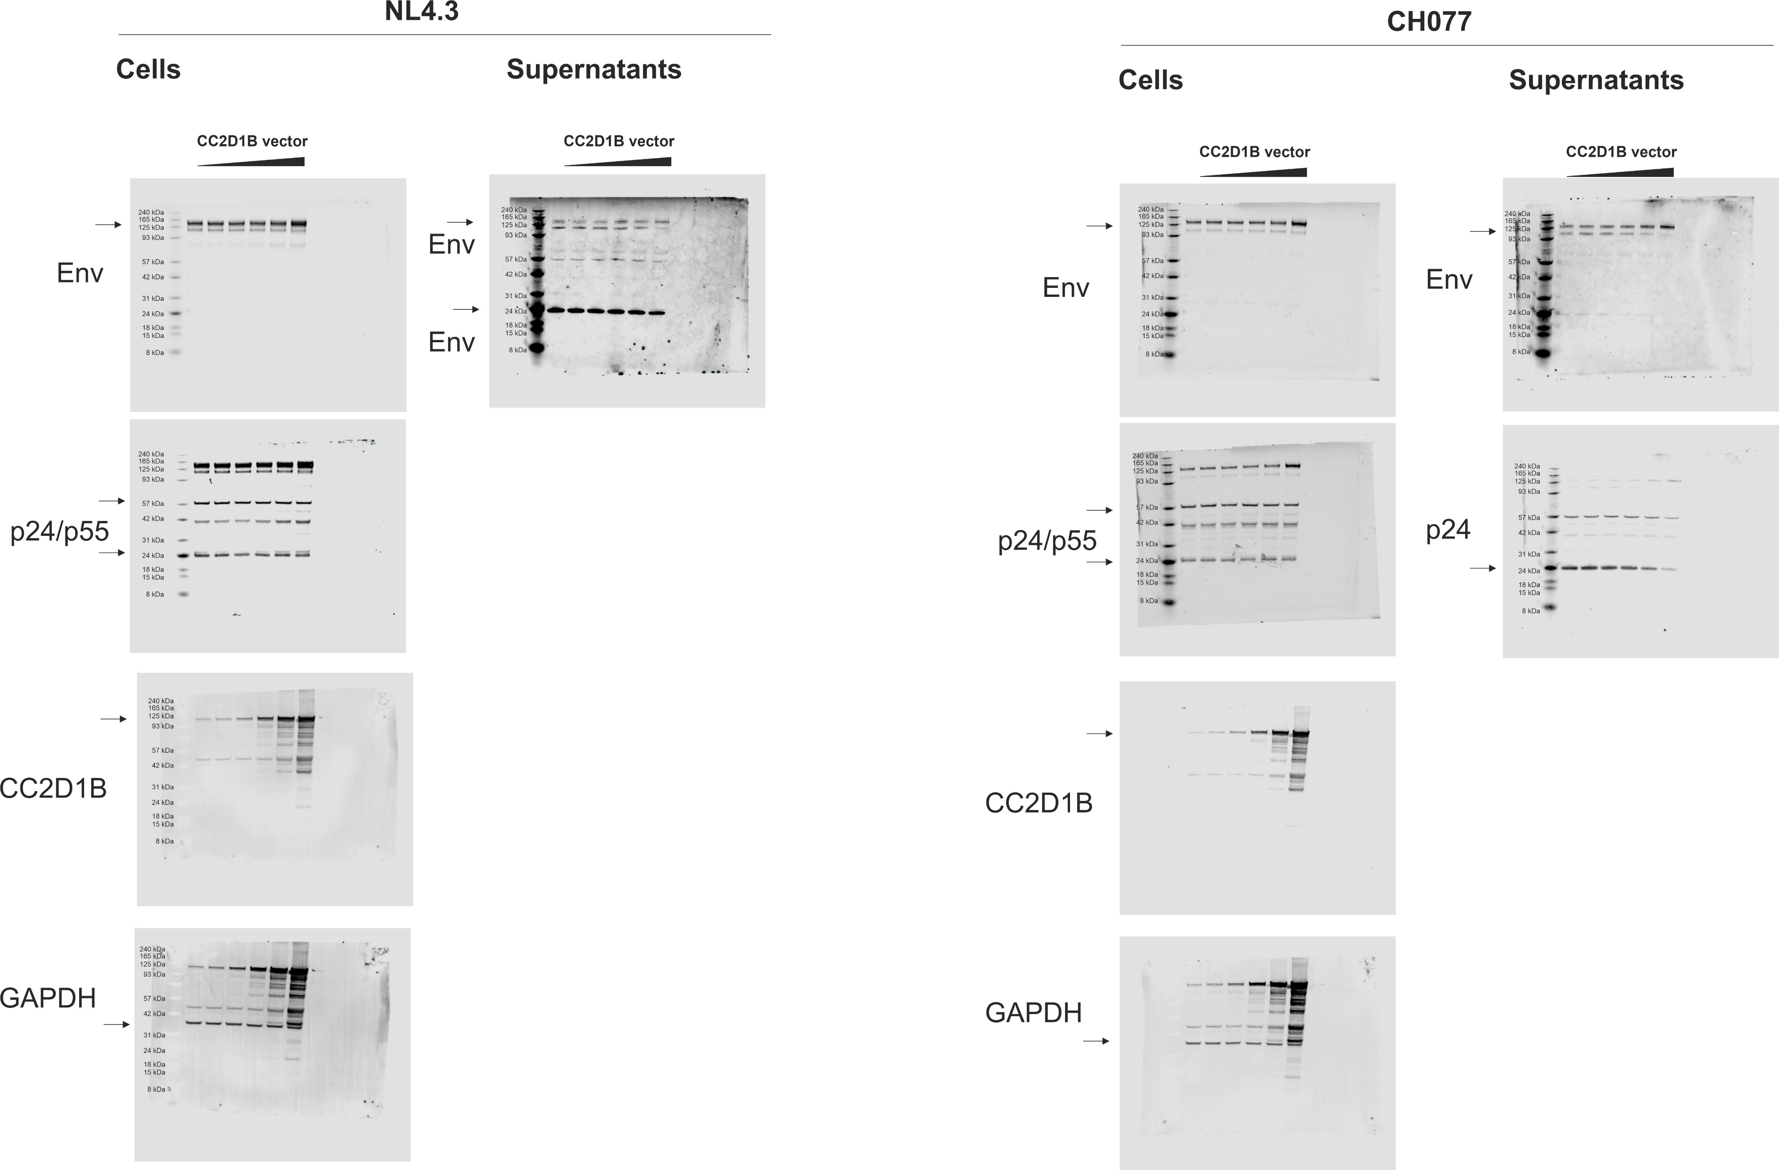

Fig. S4e
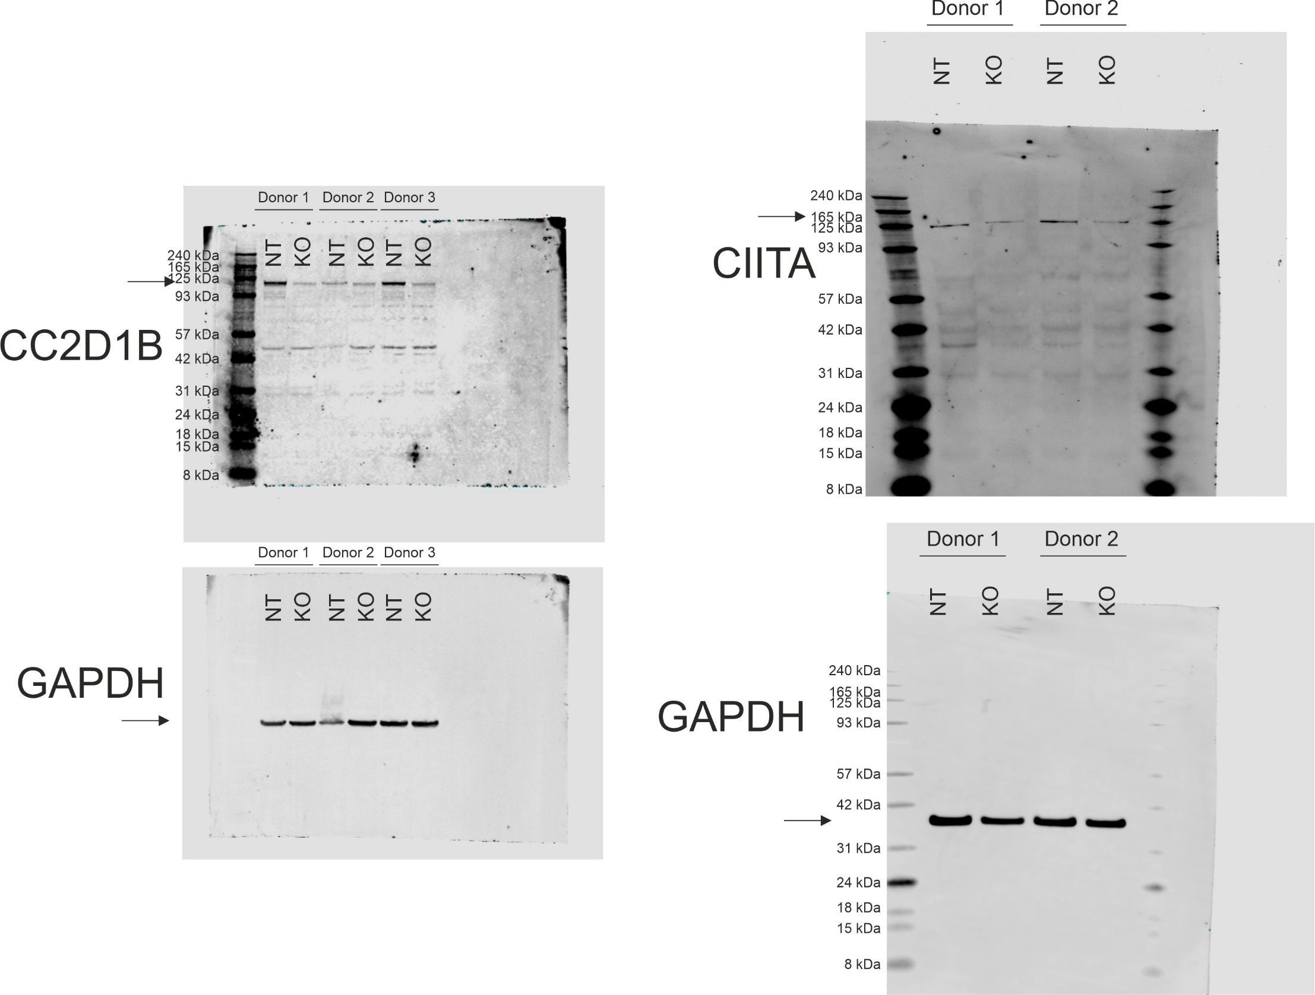

CEACAM3

NT | KO
100 | 2
100 | 10
100 | 15

Fig. S6b
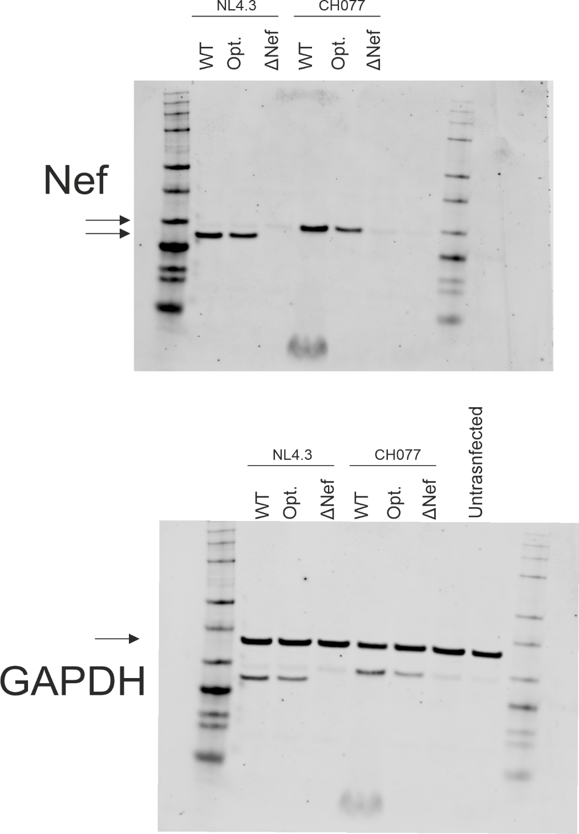
CH077 from the same blot as FigS1e (only NL4.3)

Fig. S7a
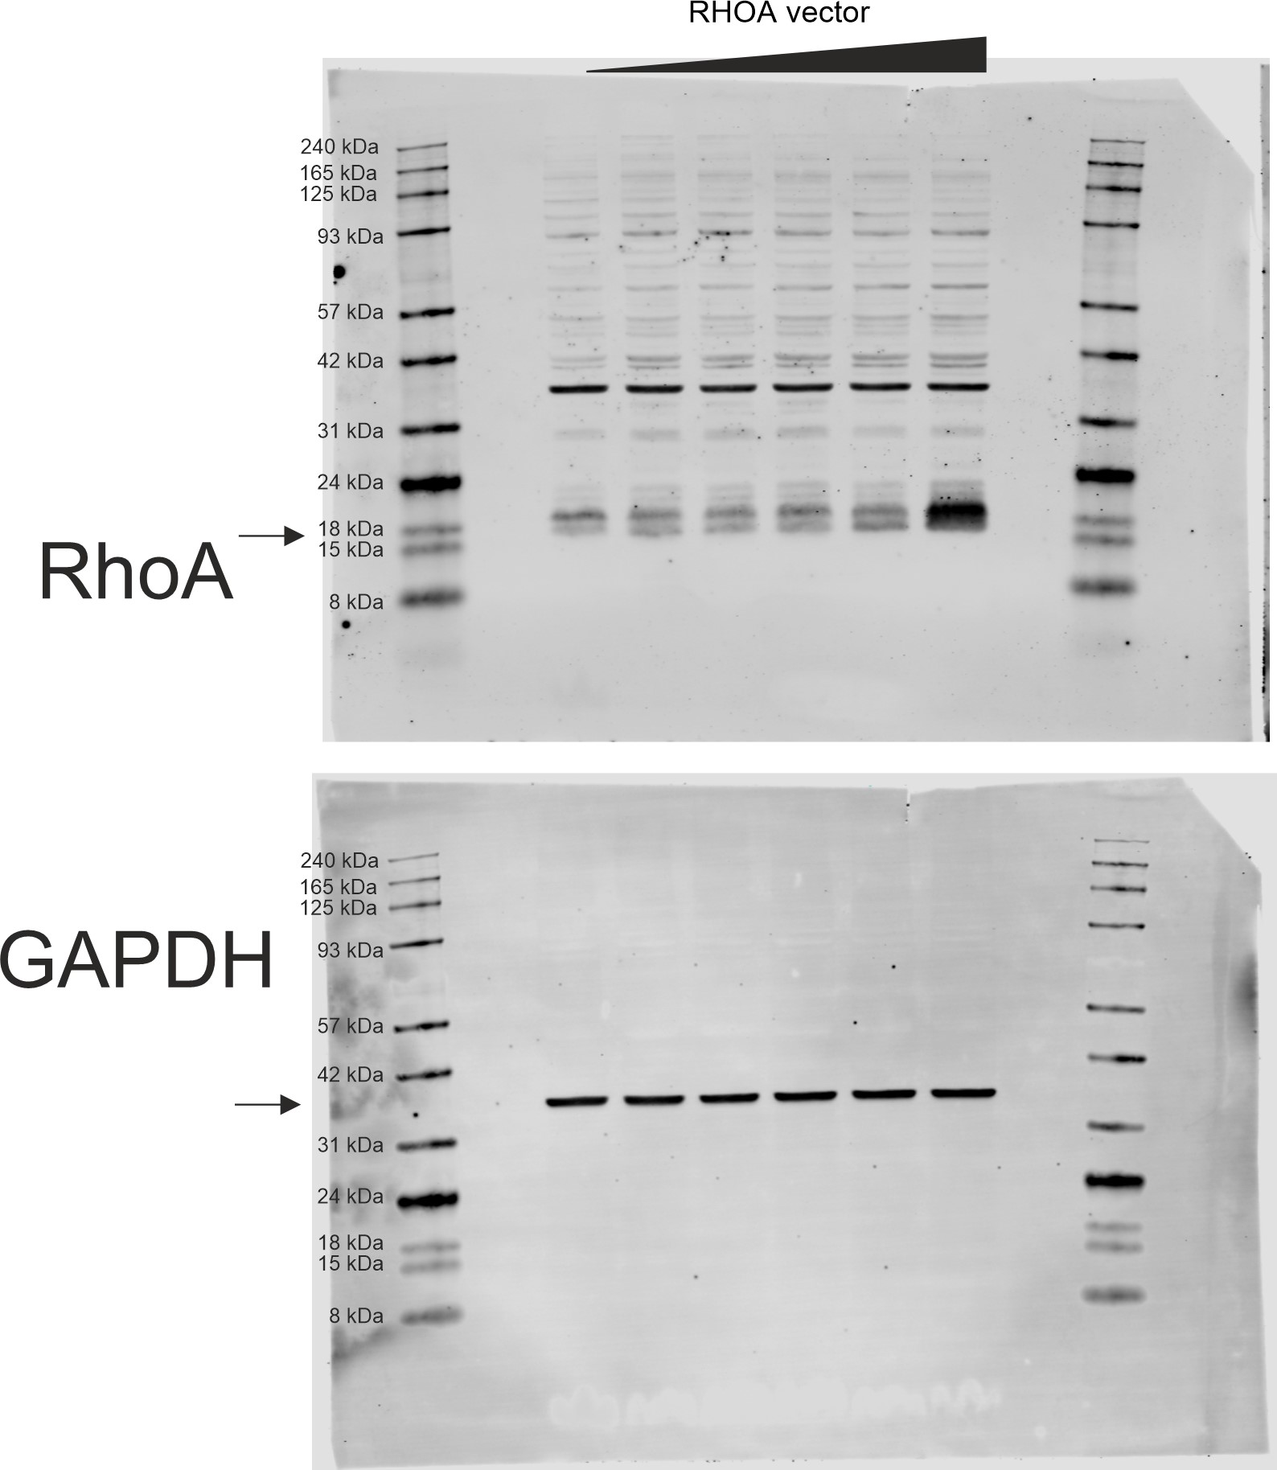
 | NL4-3 |  |  | CH077 |  |  | CH042 |  |  | CH058
0 | 100 | 100 | 100 | 100 | 100 | 100 | 100 | 100 | 100 | 100 | 100 | 100
0,0016 | 82.54159 | 96.17164 | 108.028 | 90.48432 | 65.87894 | 102.516 | 99.07237 | 89.36665 | 99.40408 | 105.88 | 107.3941 | 83.06361
0,008 | 79.86529 | 98.3006 | 111.8595 | 52.50247 | 62.20748 | 109.9738 | 77.10147 | 79.99154 | 102.1722 | 69.30251 | 94.85995 | 95.05344
0,04 | 81.50937 | 98.14007 | 111.8439 | 31.78183 | 80.49567 | 105.663 | 78.35949 | 91.0725 | 91.07074 | 80.41363 | 87.28662 | 81.40458
0,2 | 82.46855 | 94.76563 | 127.7163 | 91.05939 | 92.23328 | 77.9495 | 89.0209 | 88.29521 | 94.6674 | 49.75669 | 89.97454 | 80.743
1 | 98.08001 | 105.3894 | 111.581 | 42.33983 | 75.58964 | 106.2039 | 78.41032 | 82.94505 | 98.85621 | 17.80211 | 47.64689 | 38.0458

Fig. S7b
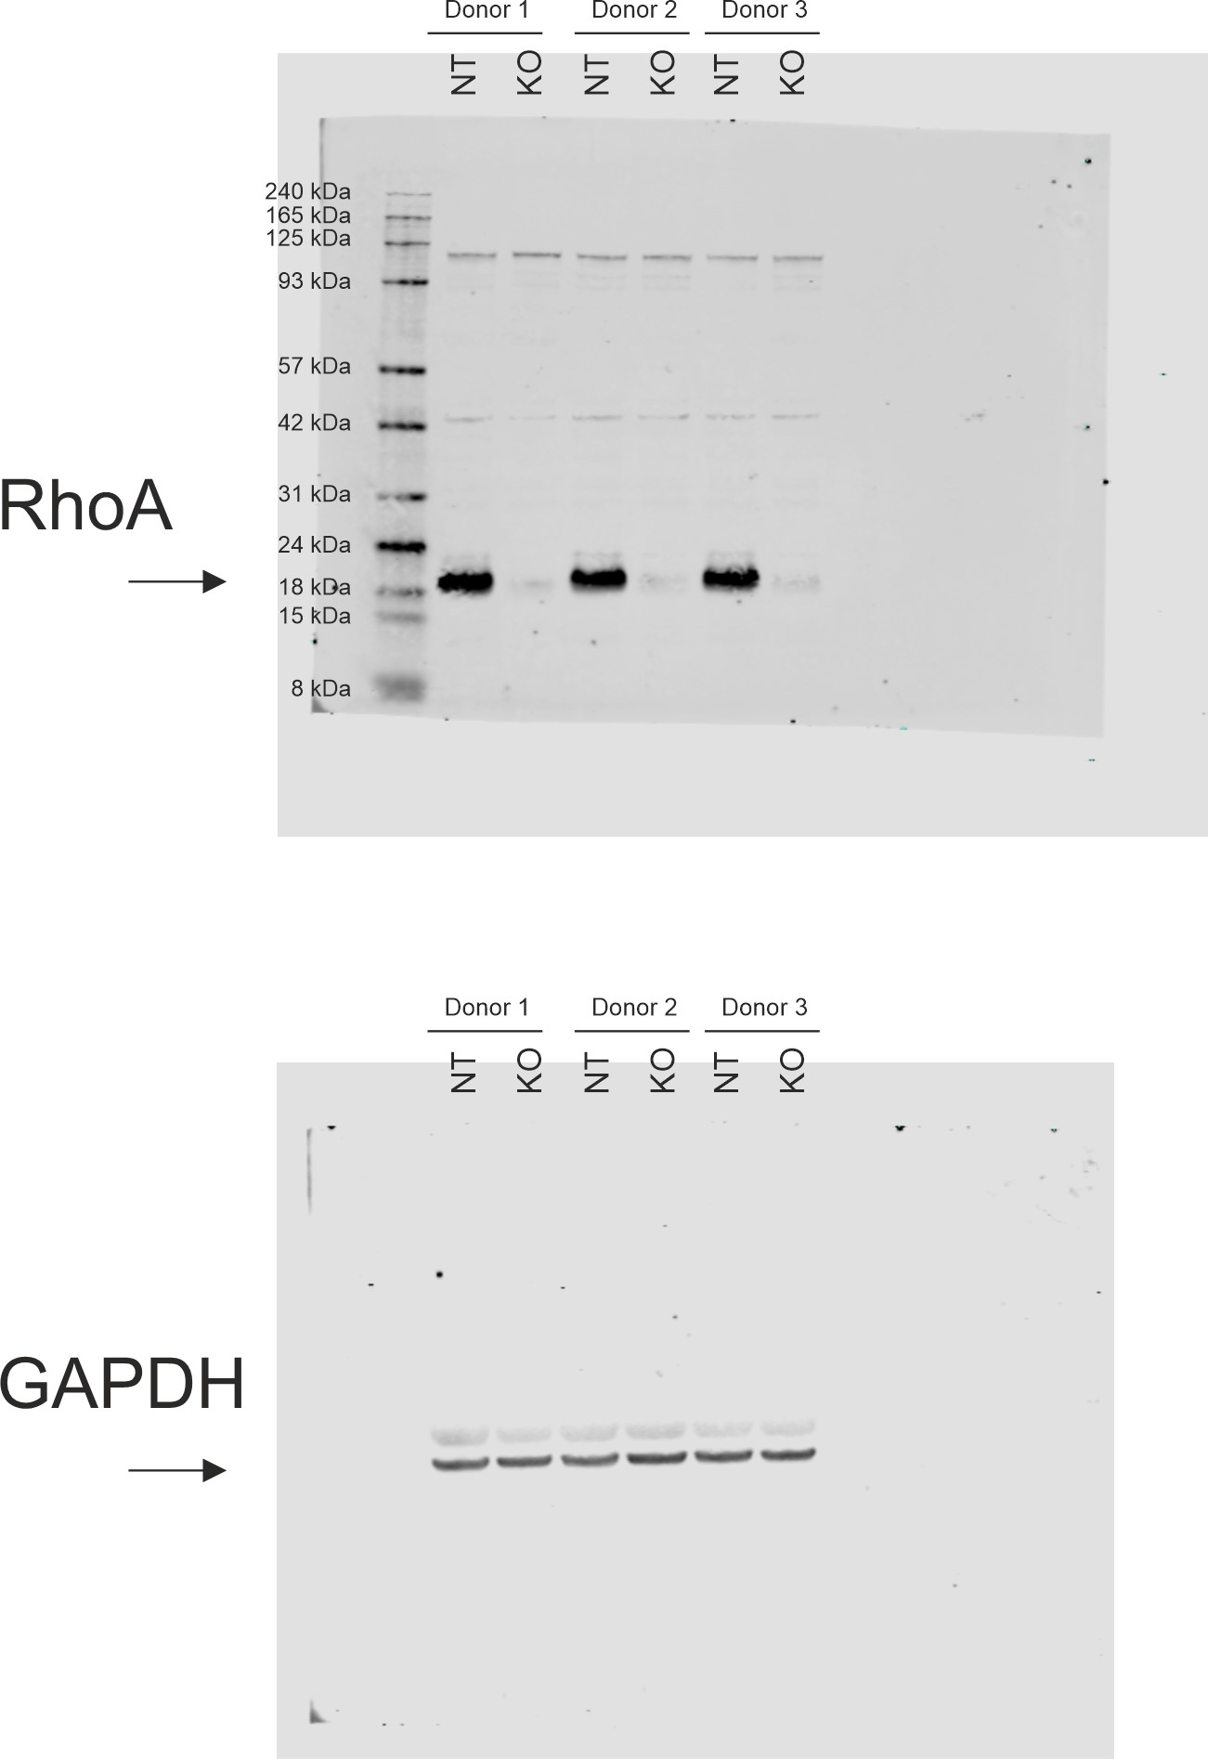
NT | RhoA KO
100 | 4.420431
100 | 3.338906
100 | 4.361536

