1h
Figure 1h

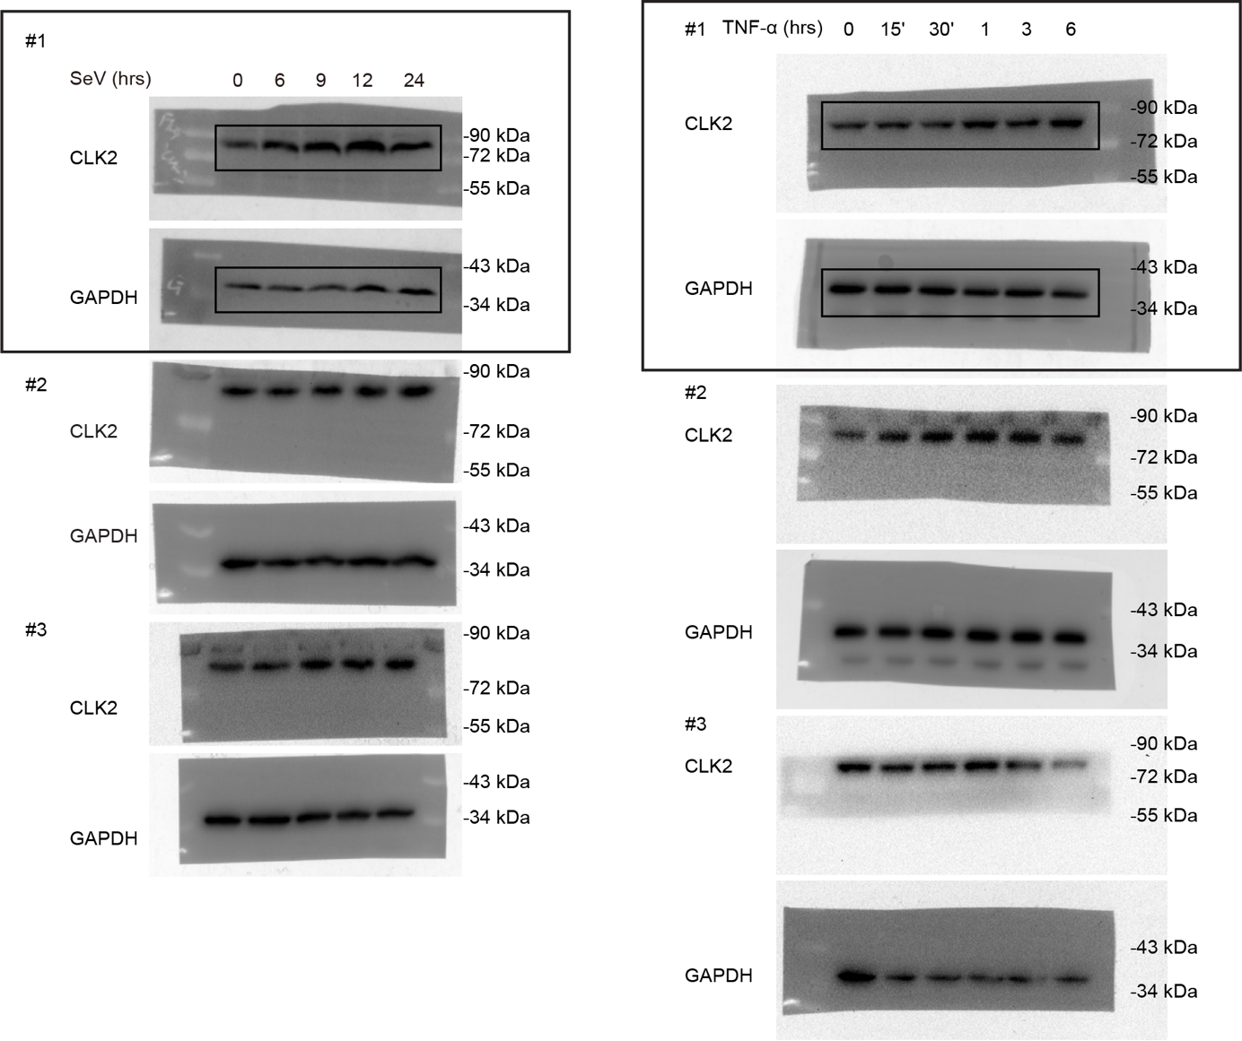
 | SeV |  |  |  |  |  |  |  |  |  |  |  |  |  |  |  |  |  |  |  | 1 | 1 | 1 | 1.8708339875 | 1.0820498145 | 1.0433903831 | 2.0799678845 | 1.2369321097 | 1.3926398675 | 1.739725162 | 1.3033507791 | 1.776974246 | 1.2541521677 | 1.7075908286 | 1.4898333962
 | #1 | GAPDH | CLK2 |  | #2 | GAPDH | CLK2 |  | #3 | GAPDH | CLK2 |  | relative expression |  |  |  | Average | SD | SEM | P-value
 | 0 | 1 | 1 | 1 |  | 1 | 1 | 1 |  | 1 | 1 | 1 | 0 | 1 | 1 | 1 | 1 | 0 | 0
 | 6 | 0.80430247136 | 1.5047163996 | 1.8708339875 |  | 0.89008441542 | 0.96311567657 | 1.0820498145 |  | 1.0906303032 | 1.1379531699 | 1.0433903831 | 6 | 1.8708339875 | 1.0820498145 | 1.0433903831 | 1.332091395 | 0.46696501325 | 0.2696023761
 | 9 | 0.79924804644 | 1.6624102683 | 2.0799678845 |  | 0.80835745243 | 0.99988328902 | 1.2369321097 |  | 0.85520702814 | 1.1909954024 | 1.3926398675 | 9 | 2.0799678845 | 1.2369321097 | 1.3926398675 | 1.5698466206 | 0.4485855597 | 0.25899099365
 | 12 | 1.2150394834 | 2.1138347621 | 1.739725162 |  | 0.87771835923 | 1.1439749074 | 1.3033507791 |  | 0.72056987786 | 1.2804341154 | 1.776974246 | 12 | 1.739725162 | 1.3033507791 | 1.776974246 | 1.6066833957 | 0.2633531484 | 0.15204701112
 | 24 | 1.4065768801 | 1.7640614432 | 1.2541521677 |  | 0.76569452836 | 1.3074929542 | 1.7075908286 |  | 0.82421742173 | 1.2279466406 | 1.4898333962 | 24 | 1.2541521677 | 1.7075908286 | 1.4898333962 | 1.4838587975 | 0.22677836468 | 0.1309305499 | 0.0209

 | TNF-α
 | #1 |  |  |  | #2 |  |  |  | #3
 |  | GAPDH | CLK2 |  |  | GAPDH | CLK2 |  |  | GAPDH | CLK2 |  | relative expression |  |  |  | Average | SD | SEM | P-value
 | 0 | 1 | 1 | 1 |  | 1 | 1 | 1 |  | 1 | 1 | 1 | 0 | 1 | 1 | 1 | 1 | 0 | 0 |  | 1 | 1 | 1 | 1.3425214859 | 1.5163885879 | 1.6834305474 | 1.2647915745 | 1.6871379006 | 1.1441289496 | 2.4805156732 | 1.7745036783 | 1.4183375269 | 1.8664143756 | 1.937280893 | 2.348015272 | 2.5587317662 | 1.5358179765 | 2.9864603592
 | 15' | 0.89 | 1.1948441224 | 1.3425214859 |  | 0.96974822848 | 1.4705151468 | 1.5163885879 |  | 0.46679808837 | 0.78582216143 | 1.6834305474 | 15' | 1.3425214859 | 1.5163885879 | 1.6834305474 | 1.5141135404 | 0.17046591723 | 0.098418543198
 | 30' | 0.88 | 1.1130165856 | 1.2647915745 |  | 1.0881841275 | 1.8359166843 | 1.6871379006 |  | 0.45029054974 | 0.51519045366 | 1.1441289496 | 30' | 1.2647915745 | 1.6871379006 | 1.1441289496 | 1.3653528082 | 0.28512997304 | 0.16461986669
 | 1 | 0.71 | 1.761166128 | 2.4805156732 |  | 1.0919542708 | 1.9376768701 | 1.7745036783 |  | 0.43384132273 | 0.61533342877 | 1.4183375269 | 1 | 2.4805156732 | 1.7745036783 | 1.4183375269 | 1.8911189595 | 0.54060609174 | 0.31211907259
 | 3 | 0.83 | 1.5491239318 | 1.8664143756 |  | 1.0230456704 | 1.9819268299 | 1.937280893 |  | 0.38815145719 | 0.91138554932 | 2.348015272 | 3 | 1.8664143756 | 1.937280893 | 2.348015272 | 2.0505701802 | 0.26002058146 | 0.1501229527 | 0.0022
 | 6 | 0.69 | 1.7655249187 | 2.5587317662 |  | 1.0561554535 | 1.6220625314 | 1.5358179765 |  | 0.33680860262 | 1.0058655403 | 2.9864603592 | 6 | 2.5587317662 | 1.5358179765 | 2.9864603592 | 2.3603367006 | 0.74539337408 | 0.43035306518

2b
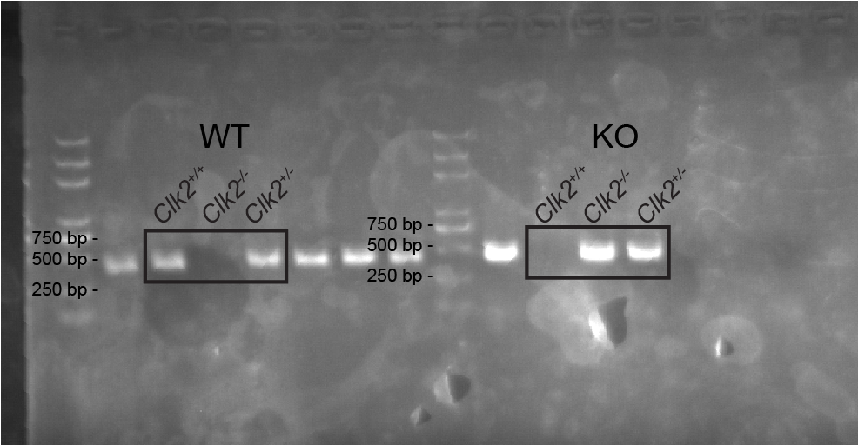
Figure 2b
 | BMDCs |  |  |  |  |  |  |  |  |  |  |  |  | 1.1277178057 | 1.0507402724 | 0.82154192183 | 0.067626825044 | 0.04696531298 | 0.040239032662
 |  | GAPDH | WT | 19.402 |  | CLK2 | WT | 25.675 | 6.439 | 0.011525714508 |  | 1.1277178057
 |  | GAPDH | WT | 19.182 |  | CLK2 | WT | 25.777 | 6.541 | 0.010738974184 | 0.010220388869 | 1.0507402724
 |  | GAPDH | WT | 19.124 | 19.236 | CLK2 | WT | 26.132 | 6.896 | 0.0083964779129 | 0.010220388869 | 0.82154192183 |  |  |  |  | Average | SD | SEM | P-value
 |  | GAPDH | -/- | 20.366 |  | CLK2 | -/- | 30.812 | 10.498666667 | 0.00069117244989 |  | 0.067626825044 | wt | 1.1277178057 | 1.0507402724 | 0.82154192183 | 1 | 0.15926973788 | 0.091954426039 | 0.0005
 |  | GAPDH | -/- | 20.262 |  | CLK2 | -/- | 31.338 | 11.024666667 | 0.00048000376199 |  | 0.04696531298 | ko | 0.067626825044 | 0.04696531298 | 0.040239032662 | 0.051610390229 | 0.014272538312 | 0.0082402538367
 |  | GAPDH | -/- | 20.312 | 20.313333333 | CLK2 | -/- | 31.561 | 11.247666667 | 0.00041125856149 | 0.00052747825779 | 0.040239032662

 | MLFs
 |  | wt x | gapdh | 15.267 |  | wt x | clk2 | 22.369 | 6.802 | 0.008962 | 1.0248141795 |  |  | 1.0248141795 | 0.94042309891 | 1.0347627216 | 0.060949113779 | 0.061292166953 | 0.050085763293
 |  | wt x | gapdh | 15.73 |  | wt x | clk2 | 22.493 | 6.926 | 0.008224 | 0.94042309891
 |  | wt x | gapdh | 15.704 | 15.567 | wt x | clk2 | 22.355 | 6.788 | 0.009049 | 1.0347627216
 |  | ko x | gapdh | 15.813 |  | ko x | clk2 | 26.543 | 10.874 | 0.000533 | 0.060949113779 |  |  |  |  |  | Average | SD | SEM | P-value
 |  | ko x | gapdh | 15.516 |  | ko x | clk2 | 26.535 | 10.866 | 0.000536 | 0.061292166953 |  | wt | 1.0248141795 | 0.94042309891 | 1.0347627216 | 1 | 0.051834339288 | 0.029926569741 | <0.0001
 |  | ko x | gapdh | 15.678 | 15.669 | ko x | clk2 | 26.825 | 11.156 | 0.000438 | 0.050085763293 |  | ko | 0.060949113779 | 0.061292166953 | 0.050085763293 | 0.057442348008 | 0.0063732978412 | 0.0036796252242

2d
Figure 2d |  | Il-1b

 | OD450 | BMDCs | LPS |  |  |  | OD450 | MLFs | LPS |  |  |  | standard curve |  |  |  |  | 31.25 | 62.5 | 125 | 250 | 500 | 1000 | 2000 | BMDCs | LPS | wt |  |  | ko |  |  | Average | SD | SEM | Average | SD | SEM | P-value
 |  |  | 0+ | 0.096 | 0.102 | 0.11 |  |  | 0+ | 0.049 | 0.048 | 0.048 | OD450 | 2.81 | 1.479 | 0.749 | od | 0.065 | 0.108 | 0.199 | 0.366 | 0.729 | 1.455 | 2.783 |  | 0 | 104.28571429 | 108.57142857 | 115.71428571 | 145.71428571 | 142.85714286 | 151.42857143 | 109.52380952 | 5.7735026919 | 3.3333333333 | 146.66666667 | 4.3643578047 | 2.5197631534 | 0.7782
 |  |  | 0- | 0.13 | 0.128 | 0.132 |  |  | 0- | 0.052 | 0.049 | 0.044 |  | 0.763 | 0.389 | 0.391 |  |  |  |  |  |  |  |  |  | 3 | 1061.4285714 | 1044.2857143 | 1020 | 1471.4285714 | 1458.5714286 | 1438.5714286 | 1041.9047619 | 20.816659995 | 12.018504252 | 1456.1904762 | 16.557465382 | 9.5594570952 | <0.0001
 |  |  | 3+ | 0.77 | 0.76 | 0.74 |  |  | 3+ | 0.255 | 0.22 | 0.205 |  | 0.225 | 0.22 | 0.131 |  |  |  |  |  |  |  |  |  | 6 | 1341.4285714 | 1297.1428571 | 1311.4285714 | 2090 | 2074.2857143 | 1872.8571429 | 1316.6666667 | 22.602751022 | 13.049704387 | 2012.3809524 | 121.0863525 | 69.909238211 | <0.0001
 |  |  | 3- | 1.056 | 1.044 | 1.032 |  |  | 3- | 0.33 | 0.342 | 0.33 |  | 0.09
 |  |  | 6+ | 0.96 | 0.93 | 0.94 |  |  | 6+ | 0.25 | 0.215 | 0.205 | OD630 | 0.027 | 0.024 | 0.025
 |  |  | 6- | 1.488 | 1.476 | 1.332 |  |  | 6- | 0.414 | 0.402 | 0.498 |  | 0.028 | 0.024 | 0.024
 | OD630 | BMDCs | LPS |  |  |  | OD630 | MLFs | LPS |  |  |  |  | 0.024 | 0.023 | 0.023
 |  |  | 0+ | 0.023 | 0.026 | 0.029 |  |  | 0+ | 0.031 | 0.028 | 0.029 |  | 0.025 | 0.027 | 0.023
 |  |  | 0- | 0.028 | 0.028 | 0.026 |  |  | 0- | 0.039 | 0.031 | 0.027 | OD450-OD630 | 2.783 | 1.455 | 0.724
 |  |  | 3+ | 0.027 | 0.029 | 0.026 |  |  | 3+ | 0.036 | 0.027 | 0.025 |  | 0.735 | 0.365 | 0.367
 |  |  | 3- | 0.026 | 0.023 | 0.025 |  |  | 3- | 0.03 | 0.04 | 0.025 |  | 0.201 | 0.197 | 0.108 |  |  |  |  |  |  |  |  | MLFs | LPS | wt |  |  | ko |  |  | Average | SD | SEM | Average | SD | SEM | P-value
 |  |  | 6+ | 0.021 | 0.022 | 0.022 |  |  | 6+ | 0.048 | 0.028 | 0.026 |  | 0.065 |  |  |  |  |  |  |  |  |  |  |  | 0 | 25.714285714 | 28.571428571 | 27.142857143 | 18.571428571 | 25.714285714 | 24.285714286 | 27.142857143 | 1.4285714286 | 0.82478609884 | 22.857142857 | 3.7796447301 | 2.1821789024 | 0.9982
 | od
31.25 | 0.065
62.5 | 0.108
125 | 0.199
250 | 0.366
500 | 0.729
1000 | 1.455
2000 | 2.783
 |  |  | 6- | 0.025 | 0.024 | 0.021 |  |  | 6- | 0.029 | 0.025 | 0.027 |  |  |  |  |  |  |  |  |  |  |  |  |  | 3 | 312.85714286 | 275.71428571 | 257.14285714 | 428.57142857 | 431.42857143 | 435.71428571 | 281.9047619 | 28.368325731 | 16.378460497 | 431.9047619 | 3.5951592549 | 2.0756661636 | 0.0004
 | OD450-OD630 | BMDCs | LPS |  |  |  | OD450-OD630 | MLFs | LPS |  |  |  |  |  |  |  |  |  |  |  |  |  |  |  |  | 6 | 288.57142857 | 267.14285714 | 255.71428571 | 550 | 538.57142857 | 672.85714286 | 270.47619048 | 16.68026656 | 9.6303563886 | 587.14285714 | 74.450366976 | 42.983939415 | <0.0001
 |  |  | 0+ | 0.073 | 0.076 | 0.081 |  |  | 0+ | 0.018 | 0.02 | 0.019
 |  |  | 0- | 0.102 | 0.1 | 0.106 |  |  | 0- | 0.013 | 0.018 | 0.017
 |  |  | 3+ | 0.743 | 0.731 | 0.714 |  |  | 3+ | 0.219 | 0.193 | 0.18
 |  |  | 3- | 1.03 | 1.021 | 1.007 |  |  | 3- | 0.3 | 0.302 | 0.305
 |  |  | 6+ | 0.939 | 0.908 | 0.918 |  |  | 6+ | 0.202 | 0.187 | 0.179
 |  |  | 6- | 1.463 | 1.452 | 1.311 |  |  | 6- | 0.385 | 0.377 | 0.471
 | standard curve | BMDCs | LPS |  |  |  | standard curve | MLFs | LPS
 | y=0.0014x |  | 0+ | 52.142857143 | 54.285714286 | 57.857142857 | y=0.0014x |  | 0+ | 12.857142857 | 14.285714286 | 13.571428571
 |  |  | 0- | 72.857142857 | 71.428571429 | 75.714285714 |  |  | 0- | 9.2857142857 | 12.857142857 | 12.142857143
 |  |  | 3+ | 530.71428571 | 522.14285714 | 510 |  |  | 3+ | 156.42857143 | 137.85714286 | 128.57142857
 |  |  | 3- | 735.71428571 | 729.28571429 | 719.28571429 |  |  | 3- | 214.28571429 | 215.71428571 | 217.85714286
 |  |  | 6+ | 670.71428571 | 648.57142857 | 655.71428571 |  |  | 6+ | 144.28571429 | 133.57142857 | 127.85714286
 |  |  | 6- | 1045 | 1037.1428571 | 936.42857143 |  |  | 6- | 275 | 269.28571429 | 336.42857143
 | dilute * 2 | BMDCs | LPS |  |  |  | dilute * 2 | MLFs | LPS
 |  |  | 0+ | 104.28571429 | 108.57142857 | 115.71428571 |  |  | 0+ | 25.714285714 | 28.571428571 | 27.142857143
 |  |  | 0- | 145.71428571 | 142.85714286 | 151.42857143 |  |  | 0- | 18.571428571 | 25.714285714 | 24.285714286
 |  |  | 3+ | 1061.4285714 | 1044.2857143 | 1020 |  |  | 3+ | 312.85714286 | 275.71428571 | 257.14285714
 |  |  | 3- | 1471.4285714 | 1458.5714286 | 1438.5714286 |  |  | 3- | 428.57142857 | 431.42857143 | 435.71428571
 |  |  | 6+ | 1341.4285714 | 1297.1428571 | 1311.4285714 |  |  | 6+ | 288.57142857 | 267.14285714 | 255.71428571
 |  |  | 6- | 2090 | 2074.2857143 | 1872.8571429 |  |  | 6- | 550 | 538.57142857 | 672.85714286

 |  | Tnfa
 | OD450 | BMDCs | LPS |  |  |  | OD450 | MLFs | LPS |  |  |  | standard curve |  |  |  | pg/ml | 31.25 | 62.5 | 125 | 250 | 500 | 1000 |  | BMDCs | LPS | wt |  |  | ko |  |  | Average | SD | SEM | Average | SD | SEM | P-value
 |  |  | 0+ | 0.127 | 0.129 | 0.128 |  |  | 0+ | 0.043 | 0.049 | 0.048 | OD450 | 3.219 | 1.328 | 0.534 | od | 0.084 | 0.12 | 0.245 | 0.501 | 1.293 | 3.189 |  |  | 0 | 157.8125 | 157.8125 | 157.8125 | 207.8125 | 204.6875 | 165.3125 | 157.8125 | 0 | 0 | 192.60416667 | 23.686867846 | 13.675619527 | 0.9443
 |  |  | 0- | 0.204 | 0.202 | 0.137 |  |  | 0- | 0.05 | 0.047 | 0.045 |  | 0.526 | 0.292 | 0.257 |  |  |  |  |  |  |  |  |  | 3 | 1305.625 | 1304.6875 | 1271.5625 | 1951.5625 | 1949.0625 | 1907.8125 | 1293.9583333 | 19.401024189 | 11.201186538 | 1936.1458333 | 24.56920498 | 14.185037109 | <0.0001
 |  |  | 3+ | 1.9655 | 1.968 | 1.913 |  |  | 3+ | 0.256 | 0.252 | 0.251 |  | 0.145 | 0.148 | 0.11 |  |  |  |  |  |  |  |  |  | 6 | 876.5625 | 615.3125 | 851.5625 | 1801.25 | 1542.8125 | 1760.3125 | 781.14583333 | 144.1588389 | 83.230144446 | 1701.4583333 | 138.90768536 | 80.198389535 | <0.0001
 |  |  | 3- | 3 | 3 | 2.937 |  |  | 3- | 0.322 | 0.447 | 0.448 | OD630 | 0.03 | 0.035 | 0.033
 |  |  | 6+ | 1.275 | 0.859 | 1.235 |  |  | 6+ | 1.062 | 1.141 | 1.148 |  | 0.025 | 0.031 | 0.029
 |  |  | 6- | 2.7635 | 2.346 | 2.697 |  |  | 6- | 1.395 | 1.492 | 1.469 |  | 0.028 | 0.026 | 0.026
 | OD630 | BMDCs | LPS |  |  |  | OD630 | MLFs | LPS |  |  |  | OD450-OD630 | 3.189 | 1.293 | 0.501
 |  |  | 0+ | 0.029 | 0.031 | 0.03 |  |  | 0+ | 0.038 | 0.028 | 0.028 |  | 0.501 | 0.261 | 0.228
 |  |  | 0- | 0.026 | 0.029 | 0.027 |  |  | 0- | 0.028 | 0.025 | 0.024 |  | 0.117 | 0.122 | 0.084
 |  |  | 3+ | 0.031 | 0.035 | 0.033 |  |  | 3+ | 0.026 | 0.025 | 0.023
 | od
31.25 | 0.084
62.5 | 0.12
125 | 0.245
250 | 0.501
500 | 1.293
1000 | 3.189
 |  |  | 3- | 0.032 | 0.036 | 0.039 |  |  | 3- | 0.021 | 0.027 | 0.026
 |  |  | 6+ | 0.027 | 0.029 | 0.027 |  |  | 6+ | 0.026 | 0.026 | 0.026
 |  |  | 6- | 0.036 | 0.032 | 0.035 |  |  | 6- | 0.028 | 0.027 | 0.026
 | OD450-OD630 | BMDCs | LPS |  |  |  | OD450-OD630 | MLFs | LPS |  |  |  |  |  |  |  |  |  |  |  |  |  |  |  | MLFs | LPS | wt |  |  | ko |  |  | Average | SD | SEM | Average | SD | SEM | P-value
 |  |  | 0+ | 0.098 | 0.098 | 0.098 |  |  | 0+ | 0.005 | 0.021 | 0.02 |  |  |  |  |  |  |  |  |  |  |  |  |  | 0 | 99.6875 | 109.6875 | 109.0625 | 110.3125 | 110.3125 | 109.6875 | 106.14583333 | 5.6018040249 | 3.2342030617 | 110.10416667 | 0.36084391824 | 0.20833333333 | 0.9967
 |  |  | 0- | 0.178 | 0.173 | 0.11 |  |  | 0- | 0.022 | 0.022 | 0.021 |  |  |  |  |  |  |  |  |  |  |  |  |  | 3 | 240.3125 | 238.4375 | 239.0625 | 284.6875 | 359.0625 | 360.3125 | 239.27083333 | 0.95470326978 | 0.55119818981 | 334.6875 | 43.305780503 | 25.002604031 | 0.0018
 |  |  | 3+ | 1.9345 | 1.933 | 1.88 |  |  | 3+ | 0.23 | 0.227 | 0.228 |  |  |  |  |  |  |  |  |  |  |  |  |  | 6 | 744.0625 | 793.4375 | 797.8125 | 950.9375 | 1012.1875 | 998.4375 | 778.4375 | 29.849884841 | 17.233839048 | 987.1875 | 32.13740033 | 18.554536732 | <0.0001
 |  |  | 3- | 2.968 | 2.964 | 2.898 |  |  | 3- | 0.301 | 0.42 | 0.422
 |  |  | 6+ | 1.248 | 0.83 | 1.208 |  |  | 6+ | 1.036 | 1.115 | 1.122
 |  |  | 6- | 2.7275 | 2.314 | 2.662 |  |  | 6- | 1.367 | 1.465 | 1.443
 | standard curve | BMDCs | LPS |  |  |  | standard curve | MLFs | LPS
 | y=0.0032x-0.1545 |  | 0+ | 78.90625 | 78.90625 | 78.90625 | y=0.0032x-0.1545 |  | 0+ | 49.84375 | 54.84375 | 54.53125
 |  |  | 0- | 103.90625 | 102.34375 | 82.65625 |  |  | 0- | 55.15625 | 55.15625 | 54.84375
 |  |  | 3+ | 652.8125 | 652.34375 | 635.78125 |  |  | 3+ | 120.15625 | 119.21875 | 119.53125
 |  |  | 3- | 975.78125 | 974.53125 | 953.90625 |  |  | 3- | 142.34375 | 179.53125 | 180.15625
 |  |  | 6+ | 438.28125 | 307.65625 | 425.78125 |  |  | 6+ | 372.03125 | 396.71875 | 398.90625
 |  |  | 6- | 900.625 | 771.40625 | 880.15625 |  |  | 6- | 475.46875 | 506.09375 | 499.21875
 | dilute * 2 | BMDCs | LPS |  |  |  | dilute * 2 | MLFs | LPS
 |  |  | 0+ | 157.8125 | 157.8125 | 157.8125 |  |  | 0+ | 99.6875 | 109.6875 | 109.0625
 |  |  | 0- | 207.8125 | 204.6875 | 165.3125 |  |  | 0- | 110.3125 | 110.3125 | 109.6875
 |  |  | 3+ | 1305.625 | 1304.6875 | 1271.5625 |  |  | 3+ | 240.3125 | 238.4375 | 239.0625
 |  |  | 3- | 1951.5625 | 1949.0625 | 1907.8125 |  |  | 3- | 284.6875 | 359.0625 | 360.3125
 |  |  | 6+ | 876.5625 | 615.3125 | 851.5625 |  |  | 6+ | 744.0625 | 793.4375 | 797.8125
 |  |  | 6- | 1801.25 | 1542.8125 | 1760.3125 |  |  | 6- | 950.9375 | 1012.1875 | 998.4375

2e
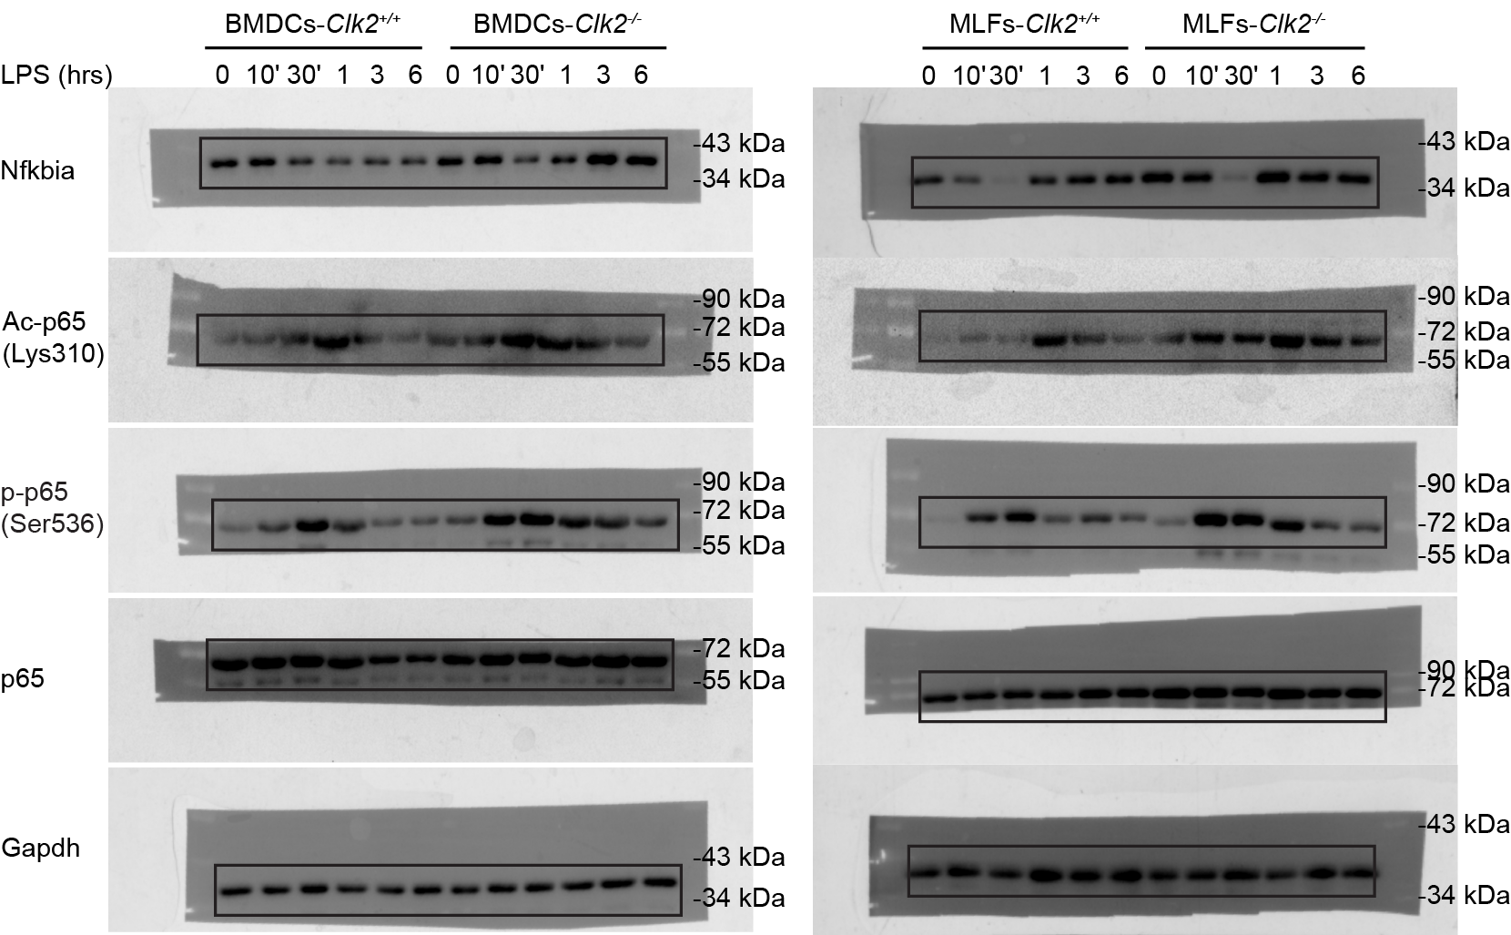
Figure 2e

3b
Figure 3b

 |  |  |  |  |  |  |  |  |  |  |  |  |  |  |  |  |  |  |  |  |  |  | BMDMs
 | bmdms |  |  |  |  |  |  |  |  |  |  |  |  |  |  |  |  |  |  |  |  |  |  | dilution x5 |  |  |  |  |  |  |  |  |  |  |  |  | 0 | 0.14 | 0.297 | 0.547 | 1.1076666667 | 1.999
 | IFNB |  | wt |  |  | ko |  | 0.6 |  | -0.151 |  |  |  |  |  |  | 222.98x-16.155 |  |  |  |  |  | Ifnb1 | WT |  |  | KO |  |  | Average | SD | SEM | Average | SD | SEM | P-value | 0 | 25 | 50 | 100 | 200 | 400
 |  | wt x | 0.244 | 0.234 | 0.232 | 0.358 | 0.357 | 0.337 |  | 0.093 | 0.083 | 0.081 | 0.207 | 0.206 | 0.186 | wt x | 4.58214 | 2.35234 | 1.90638 | 30.00186 | 29.77888 | 25.31928 | x | 22.9107 | 11.7617 | 9.5319 | 150.0093 | 148.8944 | 126.5964 | 14.734766667 | 7.1678041556 | 4.1383336587 | 141.83336667 | 13.207369738 | 7.6252784737 | 0.1415
 |  | wt sev | 2.025 | 1.921 | 1.947 | 4.005 | 3.912 | 3.72 |  | 1.874 | 1.77 | 1.796 | 3.854 | 3.761 | 3.569 | wt sev | 401.70952 | 378.5196 | 384.31708 | 843.20992 | 822.47278 | 779.66062 | sev | 2008.5476 | 1892.598 | 1921.5854 | 4216.0496 | 4112.3639 | 3898.3031 | 1940.9103333 | 60.342084993 | 34.838519014 | 4075.5722 | 162.0368213 | 93.552002397 | <0.0001
 |  | wt hsv | 0.959 | 0.982 | 0.956 | 1.642 | 1.627 | 1.623 |  | 0.808 | 0.831 | 0.805 | 1.491 | 1.476 | 1.472 | wt hsv | 164.01284 | 169.14138 | 163.3439 | 316.30818 | 312.96348 | 312.07156 | hsv | 820.0642 | 845.7069 | 816.7195 | 1581.5409 | 1564.8174 | 1560.3578 | 827.49686667 | 15.858774859 | 9.1560679338 | 1568.9053667 | 11.167566208 | 6.4475973562 | <0.0001

Ifnb1
0 | 0
0.14 | 25
0.297 | 50
0.547 | 100
1.1076666667 | 200
1.999 | 400

 |  |  |  |  |  |  |  |  |  |  |  |  |  |  |  |  |  |  |  |  |  |  |  | dilution x5
 | RANTES |  |  |  |  | 0.6 |  |  | bmdm | -0.168 |  |  |  |  |  |  |  |  |  | 57.409xx+57.732x+9.3818 |  |  | Rantes | WT |  |  | KO |  |  | Average | SD | SEM | Average | SD | SEM | P-value
 |  |  | 0.568 | 0.572 | 0.557 | 0.32 | 0.308 | 0.3 | Ctrl | 0.4 | 0.404 | 0.389 | 0.152 | 0.14 | 0.132 |  | 55.2169008 | 55.671034992 | 53.977504257 | 30.64841376 | 29.63873208 | 28.9747964 | Ctrl | 276.084504 | 278.35517496 | 269.88752129 | 153.2420688 | 148.1936604 | 144.873982 | 274.77573341 | 4.3829156988 | 2.5304775586 | 148.76990373 | 4.2136992604 | 2.4327804023 | 0.1369
 |  |  | 2.14 | 2.1 | 2.058 | 4.438 | 4.34 | 4.338 | SeV | 1.972 | 1.932 | 1.89 | 4.27 | 4.172 | 4.17 |  | 375.19885272 | 363.5387948 | 351.49345058 | 1353.5118923 | 1299.4135903 | 1298.3210251 | SeV | 1875.9942636 | 1817.693974 | 1757.4672529 | 6767.5594617 | 6497.0679516 | 6491.6051257 | 1817.0518302 | 59.2661145 | 34.21730716 | 6585.4108463 | 157.76897406 | 91.087959645 | <0.0001
 |  |  | 1.115 | 1.114 | 1.117 | 1.447 | 1.505 | 1.482 | HSV | 0.947 | 0.946 | 0.949 | 1.279 | 1.337 | 1.314 |  | 134.37143014 | 134.1953782 | 134.7238785 | 199.16758662 | 211.78598866 | 206.73592533 | HSV | 671.85715072 | 670.97689098 | 673.61939248 | 995.83793309 | 1058.9299433 | 1033.6796267 | 672.15114473 | 1.3455585856 | 0.77685861159 | 1029.482501 | 31.754721487 | 18.333596999 | 0.0001

 |  | MLF
 |  | IFNB |  |  |  |  |  |  |  |  |  |  |  |  |  |  |  |  |  |  |  |  | MLFs

 |  |  |  |  |  |  |  |  |  |  |  |  |  |  |  |  |  |  |  |  |  |  |  | dilution x5
 |  |  |  |  |  |  |  |  |  | -0.151 |  |  |  |  |  |  |  |  |  | 199.16x-6.6134 |  |  | Ifnb1 | WT |  |  | KO |  |  | Average | SD | SEM | Average | SD | SEM | P-value
 |  |  | 0.194 | 0.196 | 0.202 | 0.276 | 0.262 | 0.265 |  | 0.043 | 0.045 | 0.051 | 0.125 | 0.111 | 0.114 |  | 1.95048 | 2.3488 | 3.54376 | 18.2816 | 15.49336 | 16.09084 | Ctrl | 9.7524 | 11.744 | 17.7188 | 91.408 | 77.4668 | 80.4542 | 13.071733333 | 4.1458460045 | 2.3936053067 | 83.109666667 | 7.3401561137 | 4.2378411081 | 0.201 |  | od | 0 | 0.21166666667 | 0.35166666667 | 0.65466666667 | 1.2303333333 | 1.8393333333 | 2.5076666667
 |  |  | 2.217 | 2.156 | 2.072 | 4.408 | 4.343 | 4.255 |  | 2.066 | 2.005 | 1.921 | 4.257 | 4.192 | 4.104 |  | 404.85116 | 392.7024 | 375.97296 | 841.21072 | 828.26532 | 810.73924 | SeV | 2024.2558 | 1963.512 | 1879.8648 | 4206.0536 | 4141.3266 | 4053.6962 | 1955.8775333 | 72.497613969 | 41.856516941 | 4133.6921333 | 76.465077942 | 44.147133333 | <0.0001 |  |  | 0 | 15.625 | 31.25 | 62.5 | 125 | 250 | 500
 |  |  | 0.504 | 0.5 | 0.507 | 0.817 | 0.792 | 0.81 |  | 0.353 | 0.349 | 0.356 | 0.666 | 0.641 | 0.659 |  | 63.69008 | 62.89344 | 64.28756 | 126.02716 | 121.04816 | 124.63304 | HSV | 318.4504 | 314.4672 | 321.4378 | 630.1358 | 605.2408 | 623.1652 | 318.11846667 | 3.497134669 | 2.0190716426 | 619.51393333 | 12.842860563 | 7.4148290035 | <0.0001

Rantes
0 | 0
0.21166666667 | 15.625
0.35166666667 | 31.25
0.65466666667 | 62.5
1.2303333333 | 125
1.8393333333 | 250
2.5076666667 | 500

 |  | RANTES |  |  |  |  |  |  |  |  |  |  |  |  |  |  |  |  |  |  |  |  |  | dilution x5
 |  |  |  |  |  |  |  |  |  | -0.168 |  |  |  |  |  |  |  |  |  | 76.4*x*x-1.429x+13.366 |  |  | Rantes | WT |  |  | KO |  |  | Average | SD | SEM | Average | SD | SEM | P-value
 |  | Ctrl | 0.432 | 0.413 | 0.427 | 0.7333 | 0.793 | 0.795 |  | 0.264 | 0.245 | 0.259 | 0.5653 | 0.625 | 0.627 |  | 18.3135184 | 17.601805 | 18.1208774 | 36.972882776 | 42.316625 | 42.5050726 | Ctrl | 91.567592 | 88.009025 | 90.604387 | 184.86441388 | 211.583125 | 212.525363 | 90.060334667 | 1.8406098118 | 1.0626765703 | 202.99096729 | 15.705123594 | 9.0673573345 | 0.1688
 |  | SeV | 1.59 | 1.592 | 1.526 | 3.748 | 3.75 | 3.655 |  | 1.422 | 1.424 | 1.358 | 3.58 | 3.582 | 3.487 |  | 165.8211796 | 166.2531904 | 152.3195476 | 987.42314 | 988.5146356 | 937.3435886 | SeV | 829.105898 | 831.265952 | 761.597738 | 4937.1157 | 4942.573178 | 4686.717943 | 807.323196 | 39.614133719 | 22.871230766 | 4855.4689403 | 146.16812355 | 84.390205479 | <0.0001
 |  | HSV | 0.959 | 0.917 | 0.898 | 2.936 | 2.911 | 2.883 |  | 0.791 | 0.749 | 0.73 | 2.768 | 2.743 | 2.715 |  | 60.0376894 | 55.1561554 | 53.03639 | 594.7738816 | 584.2835966 | 572.647855 | HSV | 300.188447 | 275.780777 | 265.18195 | 2973.869408 | 2921.417983 | 2863.239275 | 280.38372467 | 17.951435972 | 10.364266391 | 2919.5088887 | 55.339769269 | 31.950430685 | <0.0001

3f
Figure 3f

 |  | Ifnb1 | 0 | 0.18033333333 | 0.33133333333 | 0.55 | 1.0336666667 | 1.815 |  |  |  |  |  |  |  |  |  |  |  |  |  | 88.1876 | 68.1194 | 72.579 | 175.1498 | 161.771 | 155.0816
 |  |  | 0 | 25 | 50 | 100 | 200 | 400
 | od
0 | 0
0.18033333333 | 25
0.33133333333 | 50
0.55 | 100
1.0336666667 | 200
1.815 | 400
 |  |  |  |  |  |  |  |  |  |  |  |  |  |  |  |  |  |  |  | dilution x5

 |  |  |  |  |  |  |  |  |  |  |  |  |  |  |  |  |  |  |  | dilution x10 |  |  | Average | SD | SEM | P-value
 |  |  |  |  |  |  |  |  | WT小鼠 | 0.263 | 0.254 | 0.256 | WT小鼠 | 0.112 | 0.103 | 0.105 | 8.81876 | 6.81194 | 7.2579 | 88.1876 | 68.1194 | 72.579 | 70.3492 | 3.1534134014 | 2.2298
 |  |  |  |  |  |  |  |  | ko小鼠 | 0.302 | 0.296 | 0.293 | ko小鼠 | 0.151 | 0.145 | 0.142 | 17.51498 | 16.1771 | 15.50816 | 175.1498 | 161.771 | 155.0816 | 158.4263 | 4.7301201021 | 3.3447 | 0.0005

 |  |  |  |  |  |  |  |  |  |  |  |  |  |  |  |  |  | Ifnb1 |  |  |  |  | Average | SD | SEM | P-value
 |  |  |  |  |  |  |  |  |  |  |  |  |  |  |  |  |  |  | wt | 88.1876 | 68.1194 | 72.579 | 70.3492 | 3.1534134014 | 2.2298
 |  |  |  |  |  |  |  |  |  |  |  |  |  |  |  |  |  |  | ko | 175.1498 | 161.771 | 155.0816 | 158.4263 | 4.7301201021 | 3.3447 | 0.0005

 |  | Rantes

 |  | od | 0 | 0.078333333333 | 0.23866666667 | 0.53566666667 | 0.97066666667 | 1.6566666667 | 2.45
 |  |  | 0 | 15.625 | 31.25 | 62.5 | 125 | 250 | 500

0 | 0
0.078333333333 | 15.625
0.23866666667 | 31.25
0.53566666667 | 62.5
0.97066666667 | 125
1.6566666667 | 250
2.45 | 500
 |  |  |  |  |  |  |  |  |  |  |  |  |  |  |  |  |  |  |  |  |  |  |  |  |  | dilution x10
 |  |  |  |  |  |  |  |  |  | WT小鼠 | 0.72 | 0.754 | 0.744 |  | 0.72 | 0.754 | 0.744 | WT小鼠 | 0.552 | 0.586 | 0.576 | 73.76547296 | 78.277550196 | 76.936690496 |  | 737.6547296 | 782.77550196 | 769.36690496
 |  |  |  |  |  |  |  |  |  | ko小鼠 | 1.422 | 1.421 | 1.377 |  | 1.422 | 1.421 | 1.377 | ko小鼠 | 1.254 | 1.253 | 1.209 | 193.84774389 | 193.63644282 | 184.45286534 |  | 1938.4774389 | 1936.3644282 | 1844.5286534

 |  |  |  |  |  |  |  |  |  |  |  |  |  |  |  |  |  |  |  | 737.6547296 | 782.77550196 | 769.36690496 | 1938.4774389 | 1936.3644282 | 1844.5286534

 |  |  |  |  |  |  |  |  |  |  |  |  |  |  |  |  |  | Rantes |  |  |  |  | Average | SD | SEM | P-value
 |  |  |  |  |  |  |  |  |  |  |  |  |  |  |  |  |  |  | wt | 737.6547296 | 782.77550196 | 769.36690496 | 776.07120346 | 9.4813098649 | 6.7042985
 |  |  |  |  |  |  |  |  |  |  |  |  |  |  |  |  |  |  | ko | 1938.4774389 | 1936.3644282 | 1844.5286534 | 1890.4465408 | 64.937699117 | 45.9178874 | <0.0001

4b
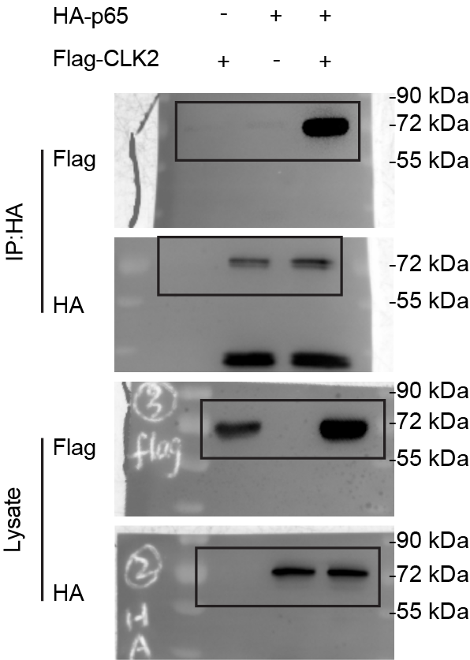
Figure 4b

4c
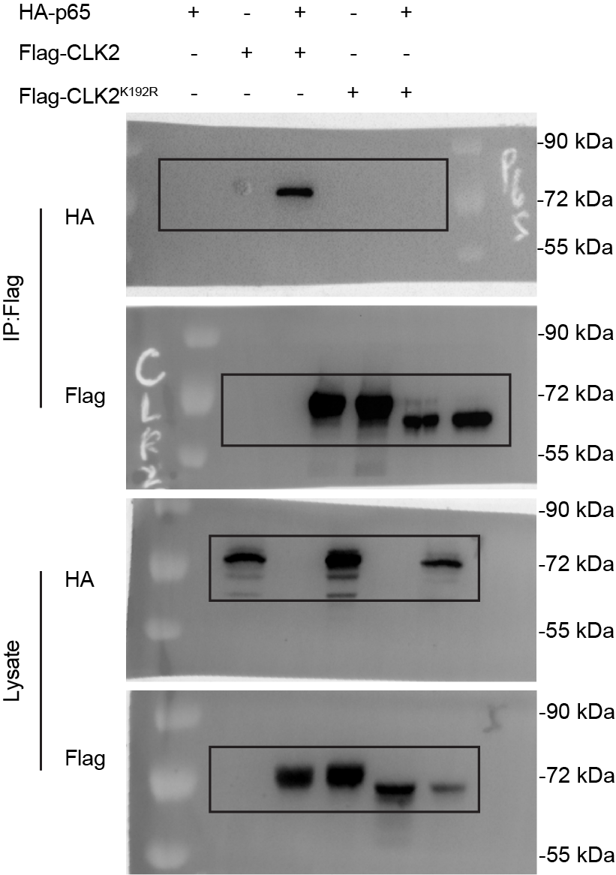
Figure 4c

4d
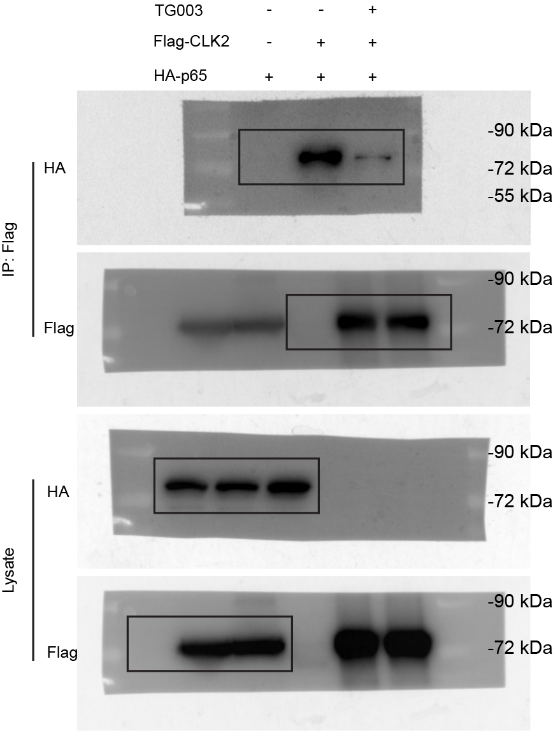
Figure 4d

4e
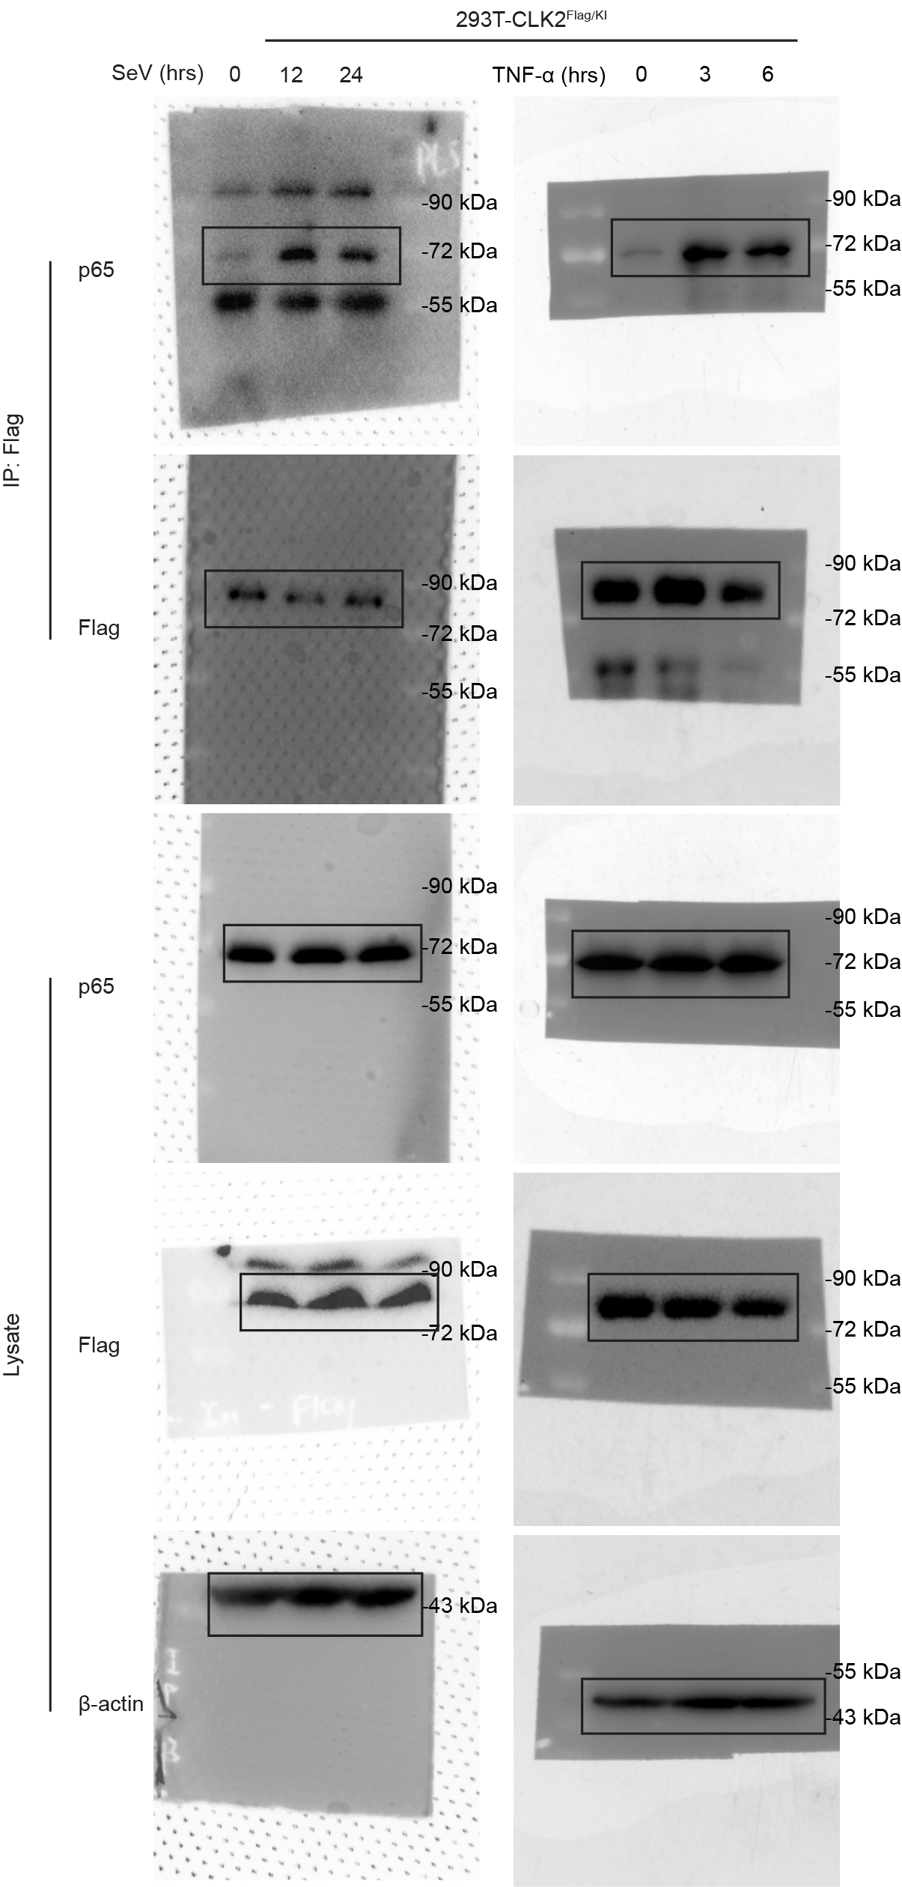
Figure 4e

4f
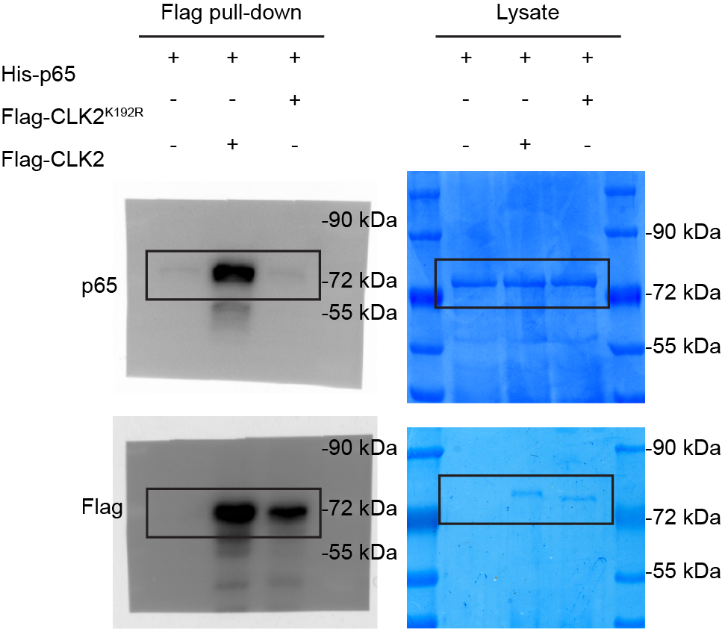
Figure 4f

4i
Figure 4i

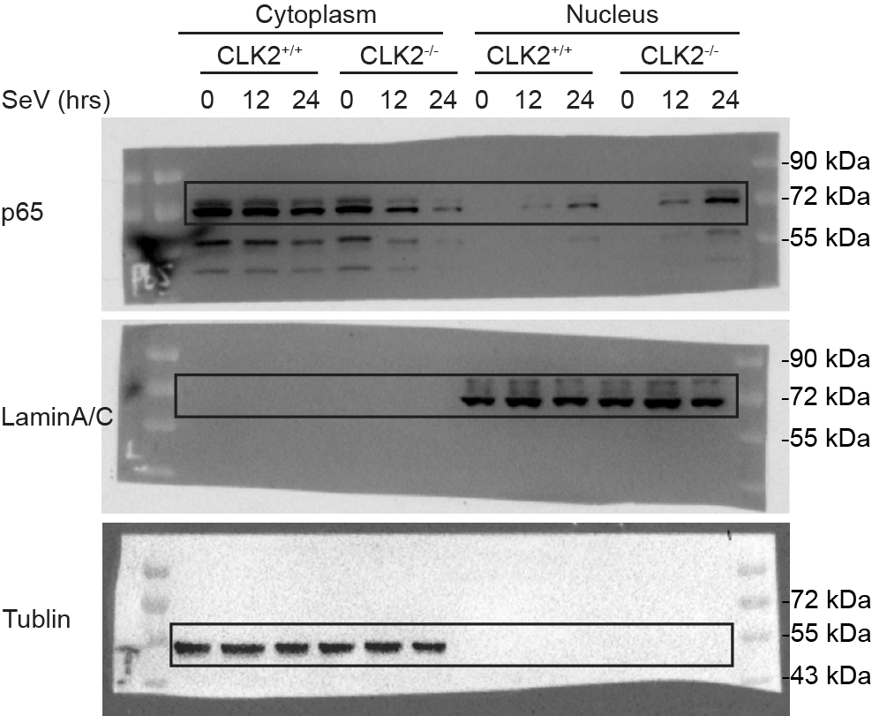

 |  |  | tubulin | p65 | relative p65
 | wt | 0 | 1 | 1 | 1 | cytoplasm
 |  | 12 | 1.0778186041 | 0.98351136566 | 0.91250175297 |  | wt | ko
 |  | 24 | 0.80609768266 | 0.7096208926 | 0.88031625431 | 0 | 1 | 1.2515530131
 | ko | 0 | 0.81010747705 | 1.0138924538 | 1.2515530131 | 12 | 0.91250175297 | 0.65446032608
 |  | 12 | 0.8763354688 | 0.57352679667 | 0.65446032608 | 24 | 0.88031625431 | 0.2401631485
 |  | 24 | 0.80295446819 | 0.19284007318 | 0.2401631485

 |  |  | laminAC | p65 | relative p65 | nucleus
 | wt | 0 | 0.86454548064 | 0 | 0 |  | wt | ko
 |  | 12 | 1 | 1 | 1 | 0 | 0 | 0
 |  | 24 | 0.95199753328 | 3.5615142436 | 3.7410960839 | 12 | 1 | 2.2317076818
 | ko | 0 | 0.96340088127 | 0 | 0 | 24 | 3.7410960839 | 9.7924567921
 |  | 12 | 1.0285904355 | 2.2955131764 | 2.2317076818
 |  | 24 | 0.93767384832 | 9.1821306447 | 9.7924567921

5a
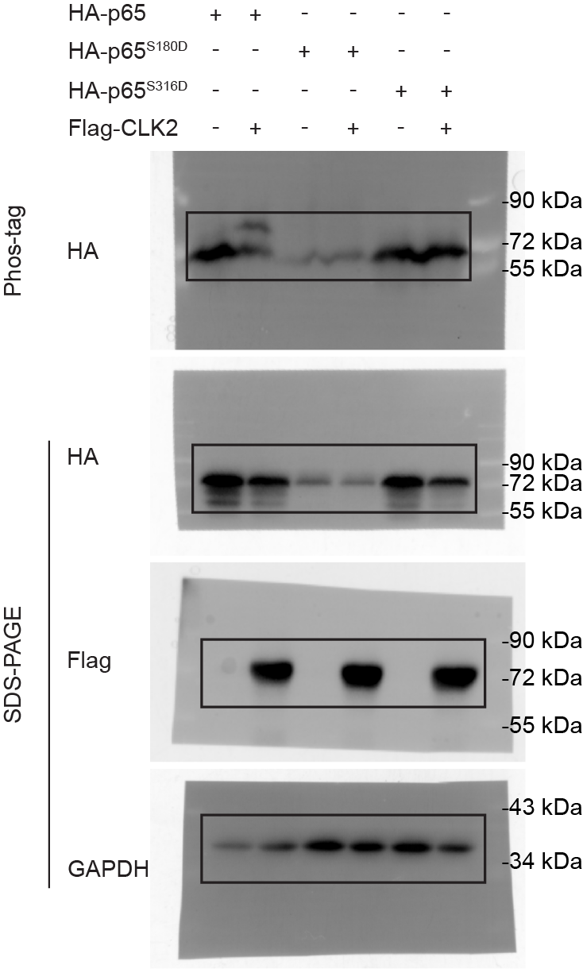
Figure 5a

6c
Figure 6c
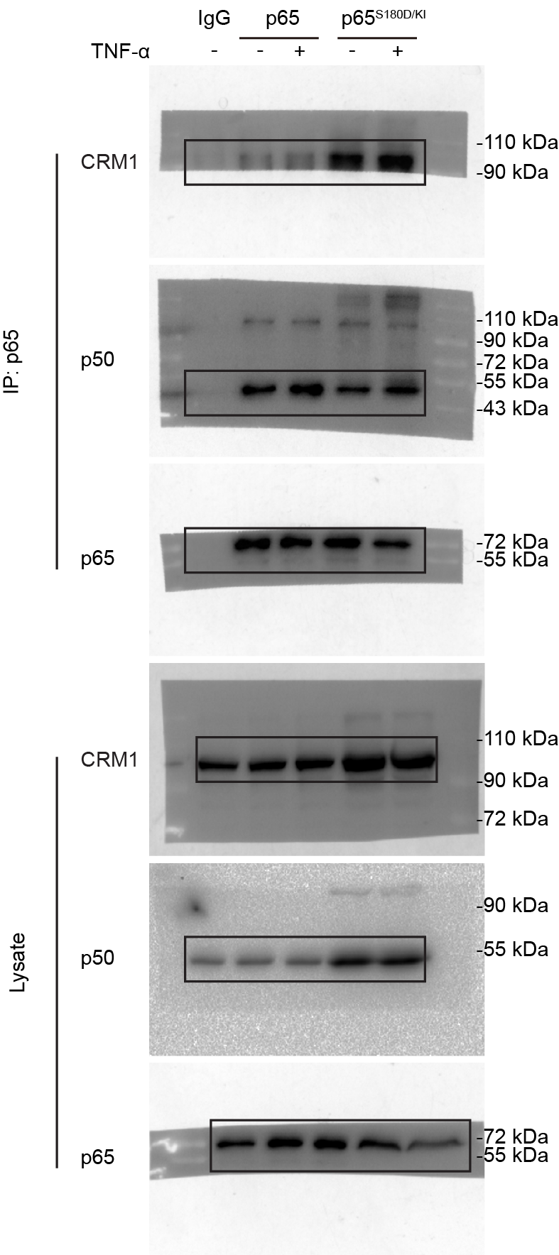

 | wt&SD
 |  | p65 | CRM1 | relative CRM1
 |  | 1 | 1 | 1
 |  | 0.86904658496 | 1.3331568018 | 1.5340452685
 |  | 1.0497308169 | 4.7692676583 | 4.543324423
 |  | 0.78274577932 | 5.2232374654 | 6.6729679078

 | relative CRM1
 |  | wt | sd
 | - | 1 | 4.543324423
 | TNFa | 1.5340452685 | 6.6729679078

6d
Figure 6d

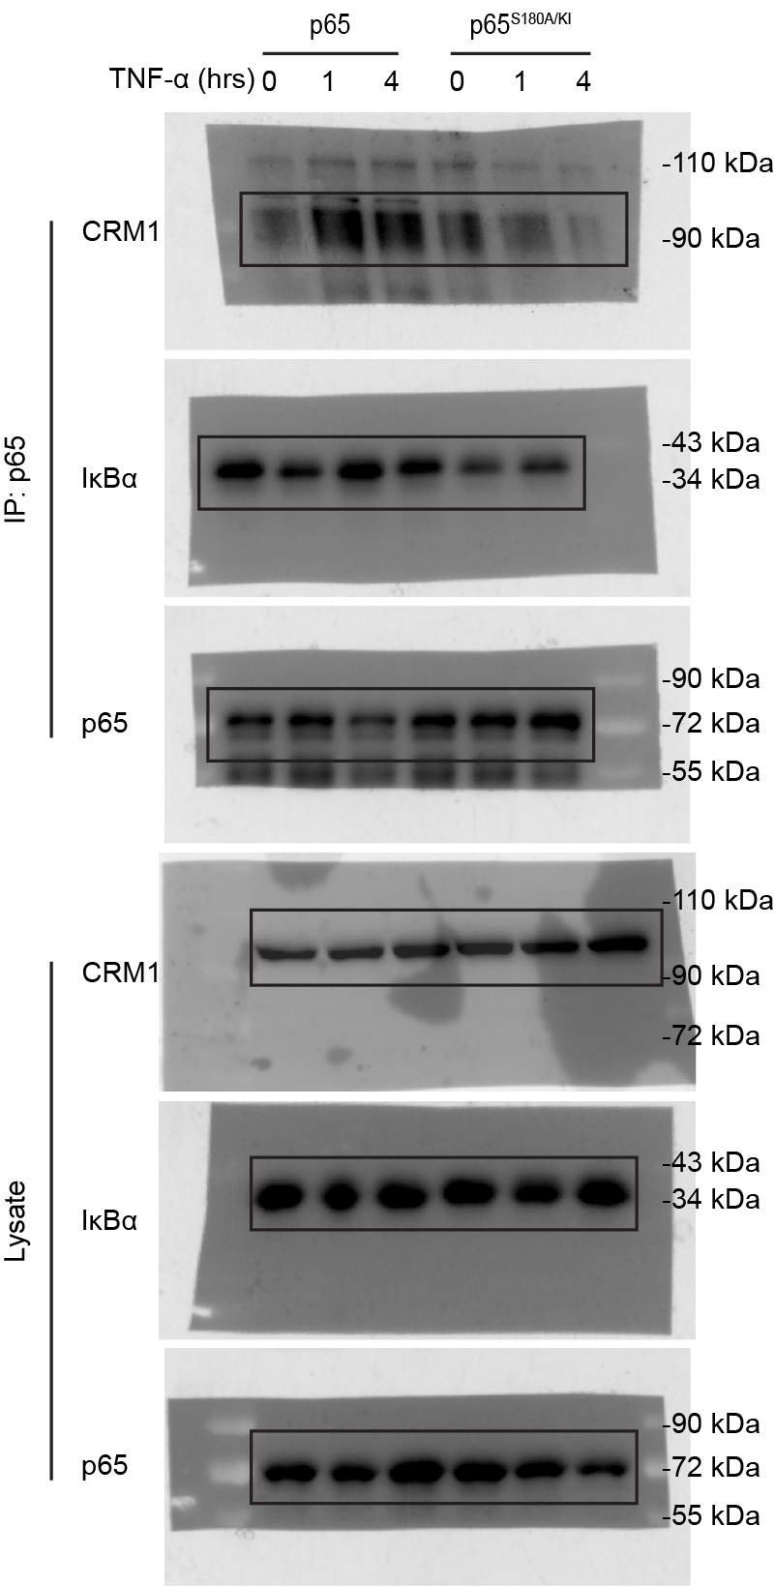

 | WT&SA
 |  | p65 | IkBa | relative IkBa | CRM1 | relative CRM1
 |  | 1 | 1 | 1 | 1 | 1
 |  | 1.1626090705 | 0.7466342568 | 0.642205773 | 1.9382745315 | 1.667176509
 |  | 0.81271109444 | 0.98424294249 | 1.2110612852 | 1.7480156247 | 2.1508450379
 |  | 1.188292226 | 0.85887927504 | 0.72278456109 | 1.1099096187 | 0.93403759986
 |  | 1.2101263219 | 0.56143207466 | 0.46394501508 | 0.98411933068 | 0.81323686039
 |  | 1.3585328326 | 0.64467323811 | 0.4745363694 | 0.33476003938 | 0.24641291792

 |  | relative IkBa |  |  |  | relative CRM1
 |  |  | wt | sa |  |  | wt | sa
 |  | 0 | 1 | 0.72278456109 |  | 0 | 1 | 0.93403759986
 |  | 1 | 0.642205773 | 0.46394501508 |  | 1 | 1.667176509 | 0.81323686039
 |  | 4 | 1.2110612852 | 0.4745363694 |  | 4 | 2.1508450379 | 0.24641291792

6f
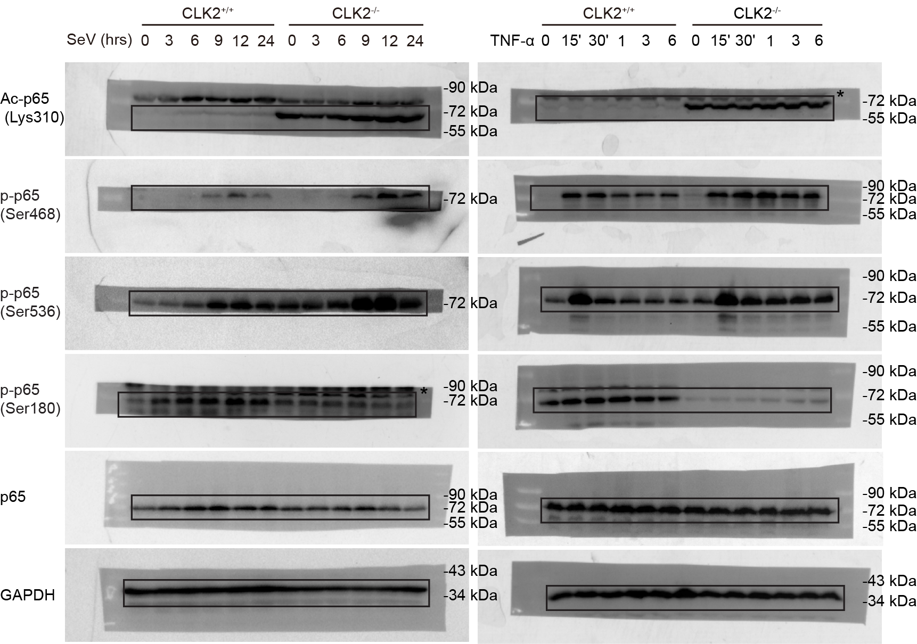
Figure 6f

6g
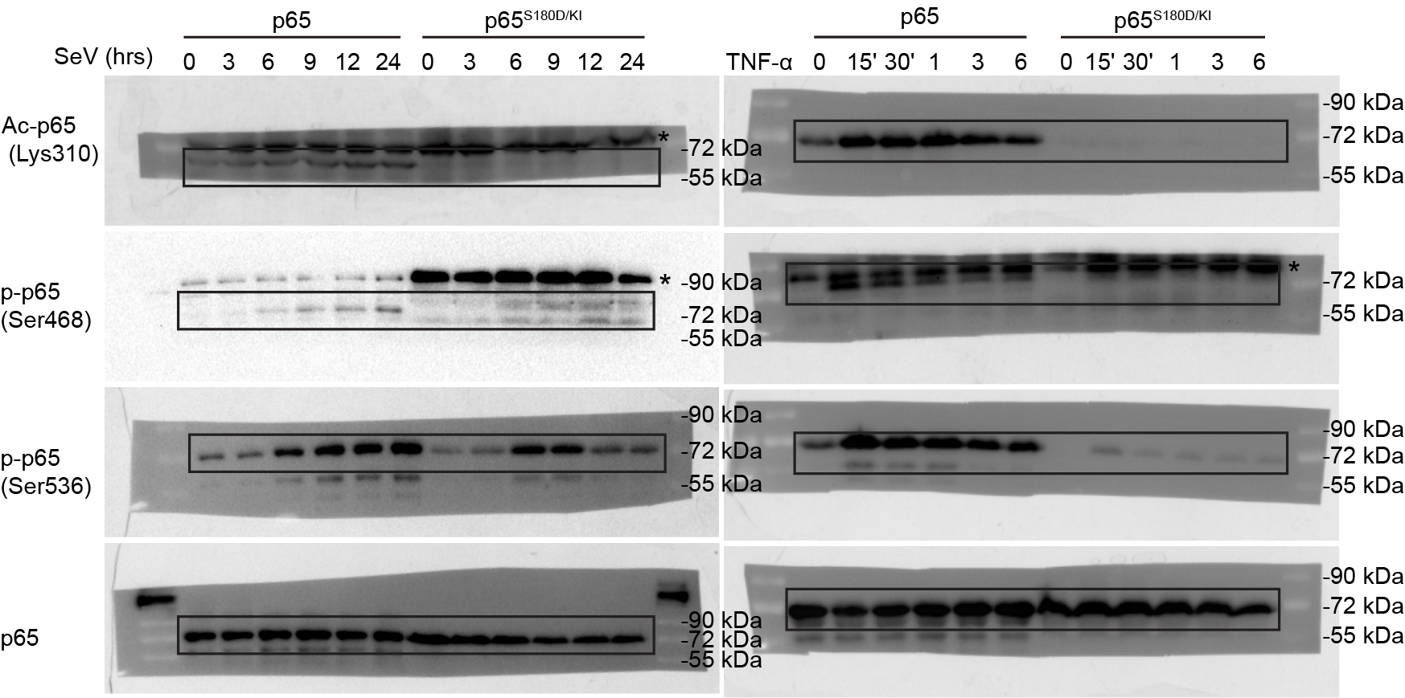
Figure 6g

S2f
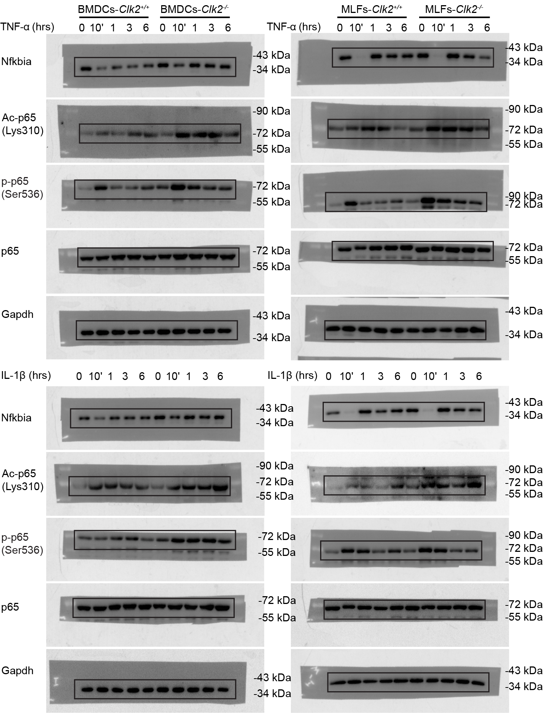
Supplementary Figure 2f

S3g
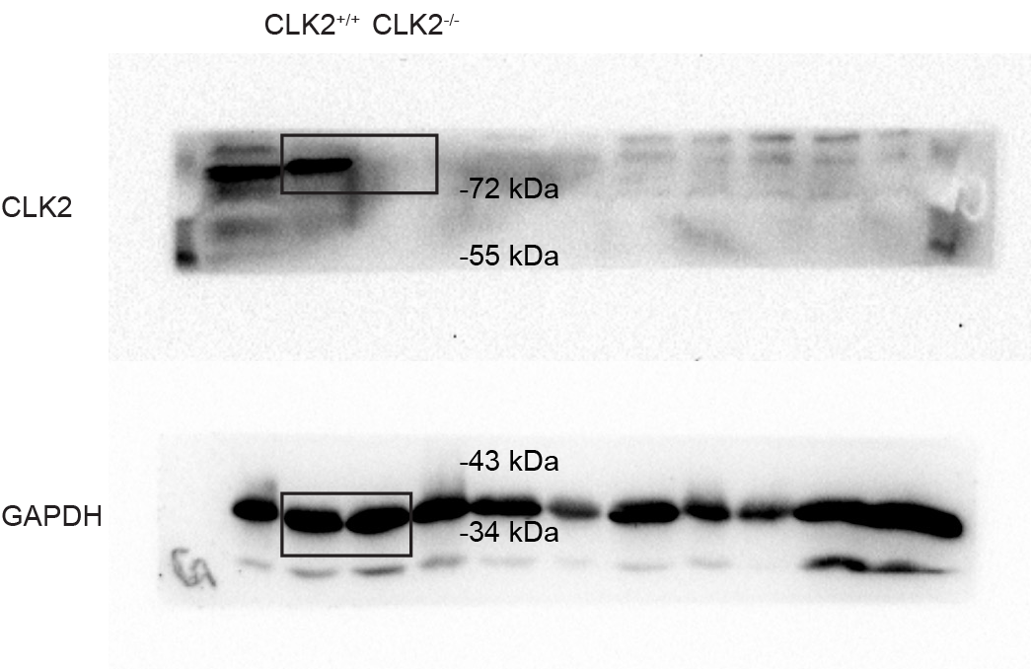
Supplementary Figure 3g

S3h
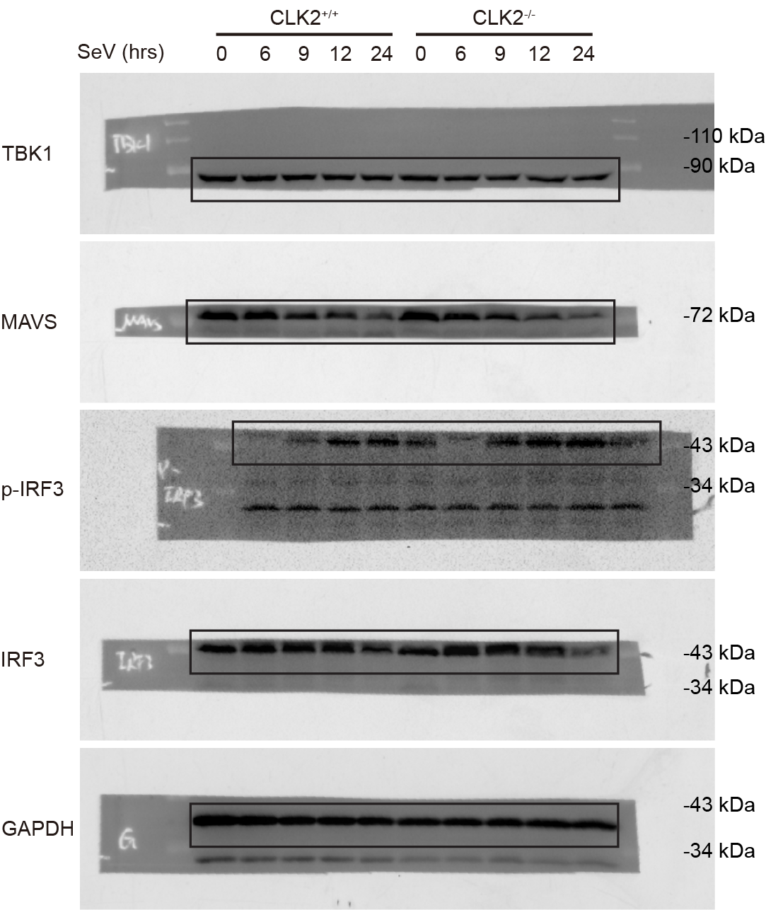
Supplementary Figure 3h

S4c
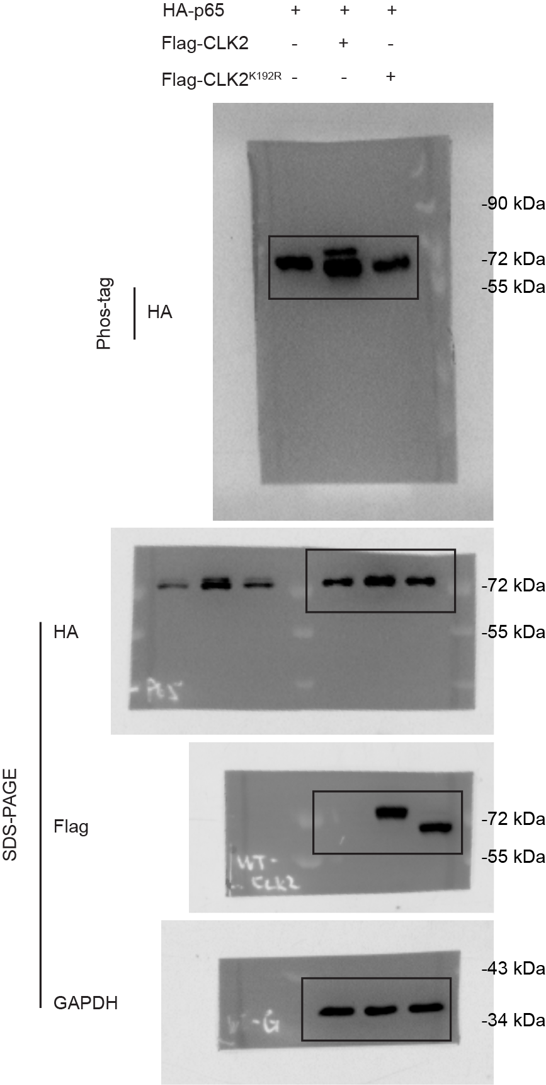
Supplementary Figure 4c

S4d
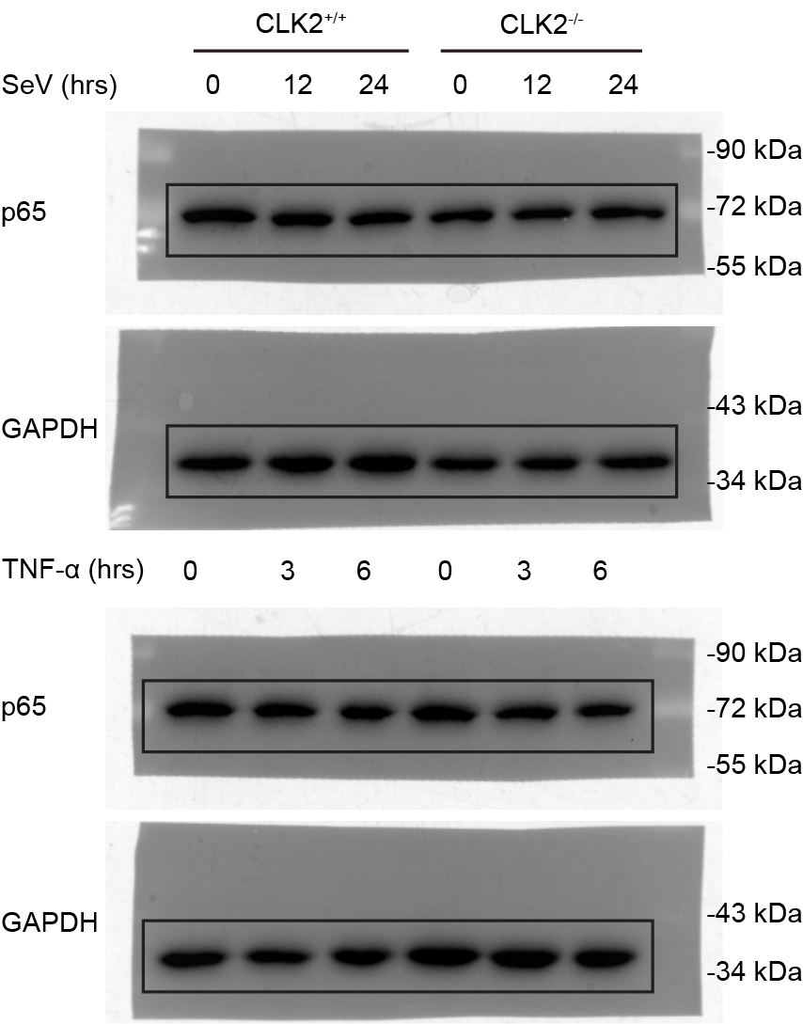
Supplementary Figure 4d

S5a
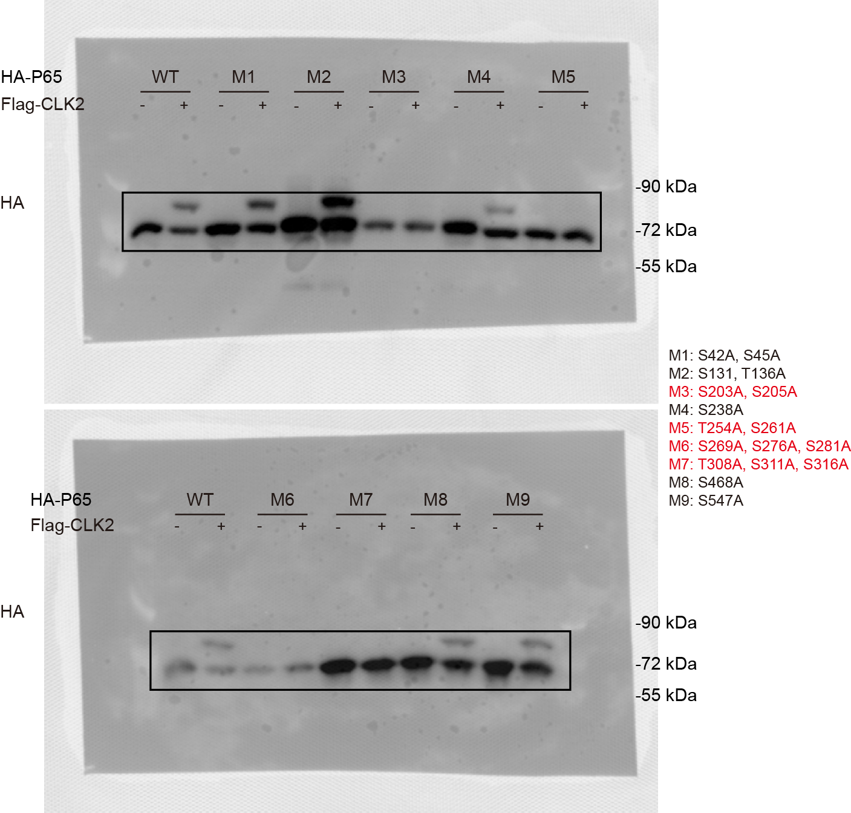
Supplementary Figure 5a

S5b
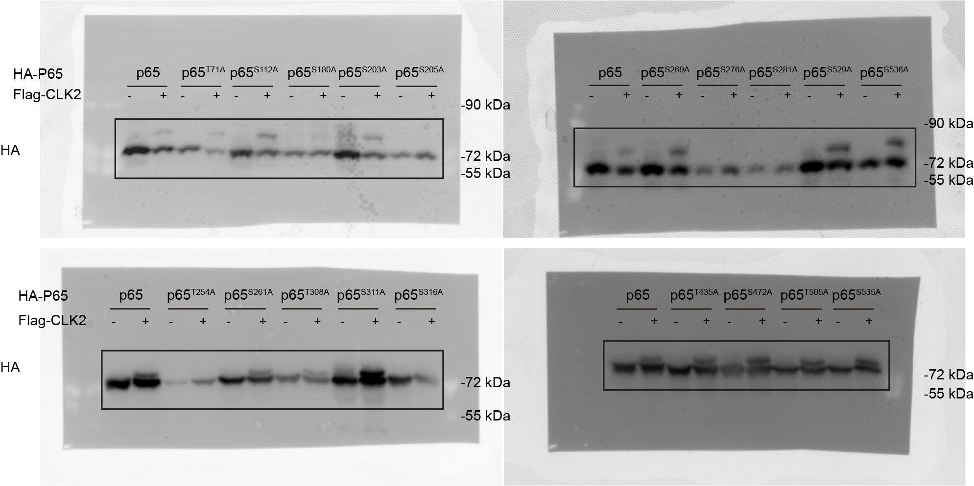
Supplementary Figure 5b

S5c
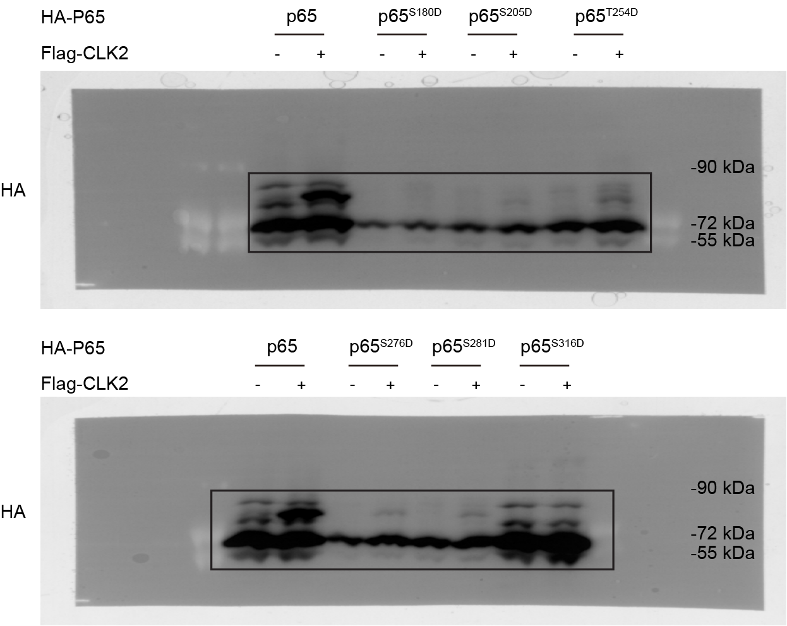
Supplementary Figure 5c

S6a
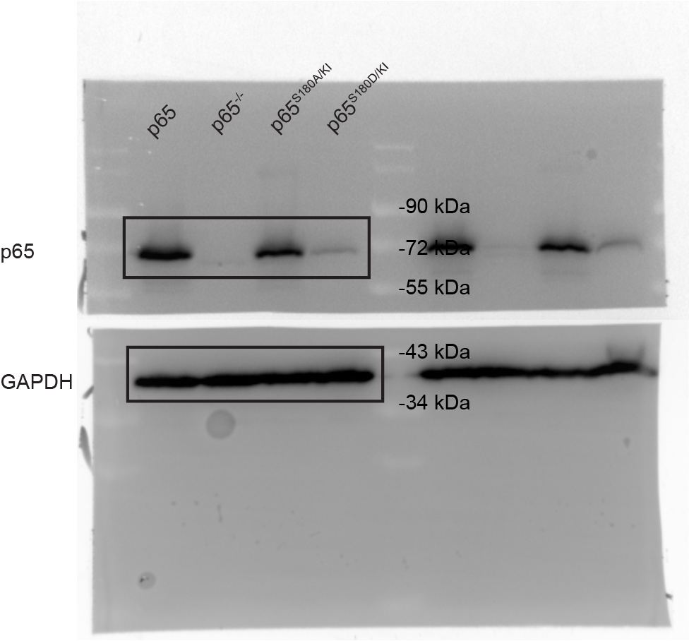
Supplementary Figure 6a

S6c
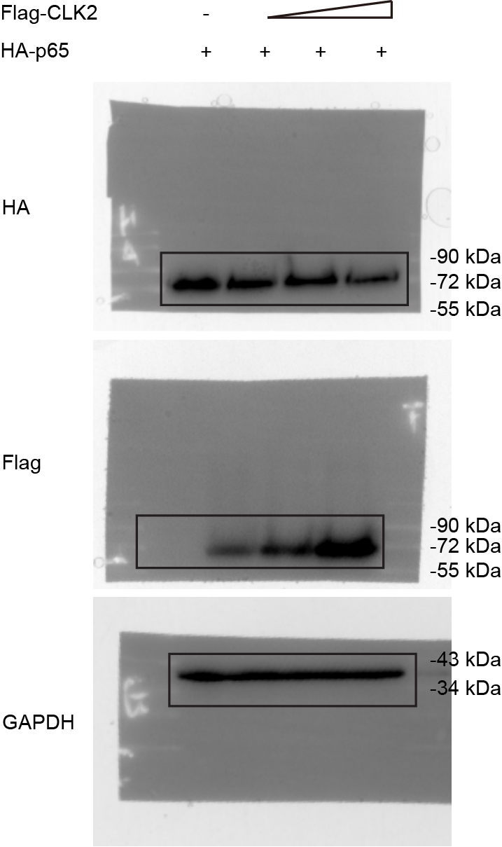
Supplementary Figure 6c

S6d
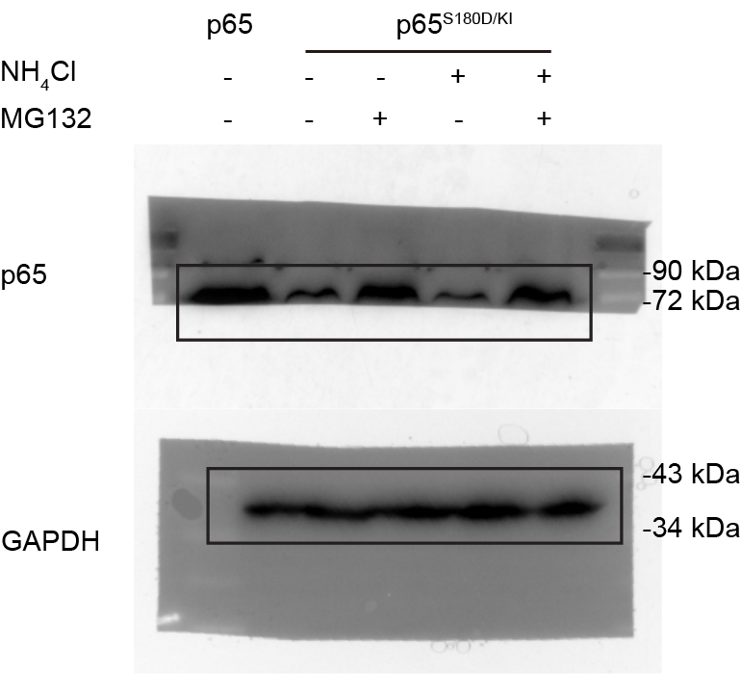
Supplementary Figure 6d

S6e
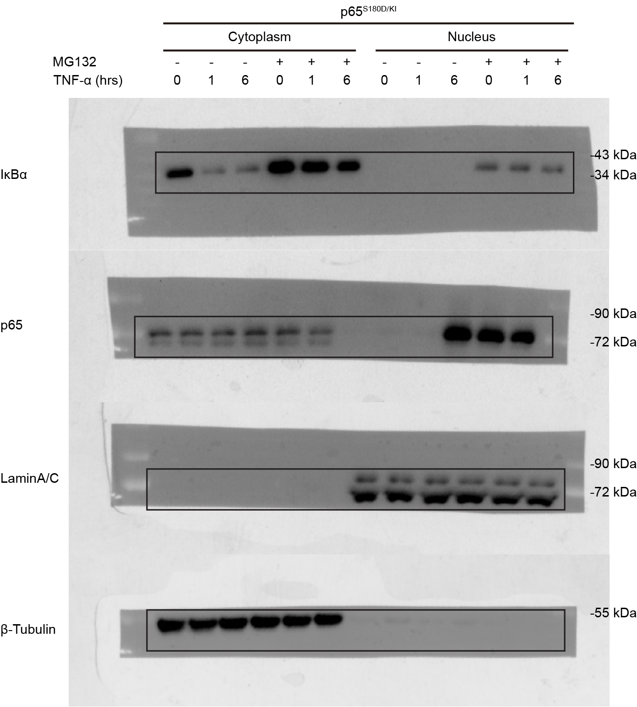
Supplementary Figure 6e

S6f
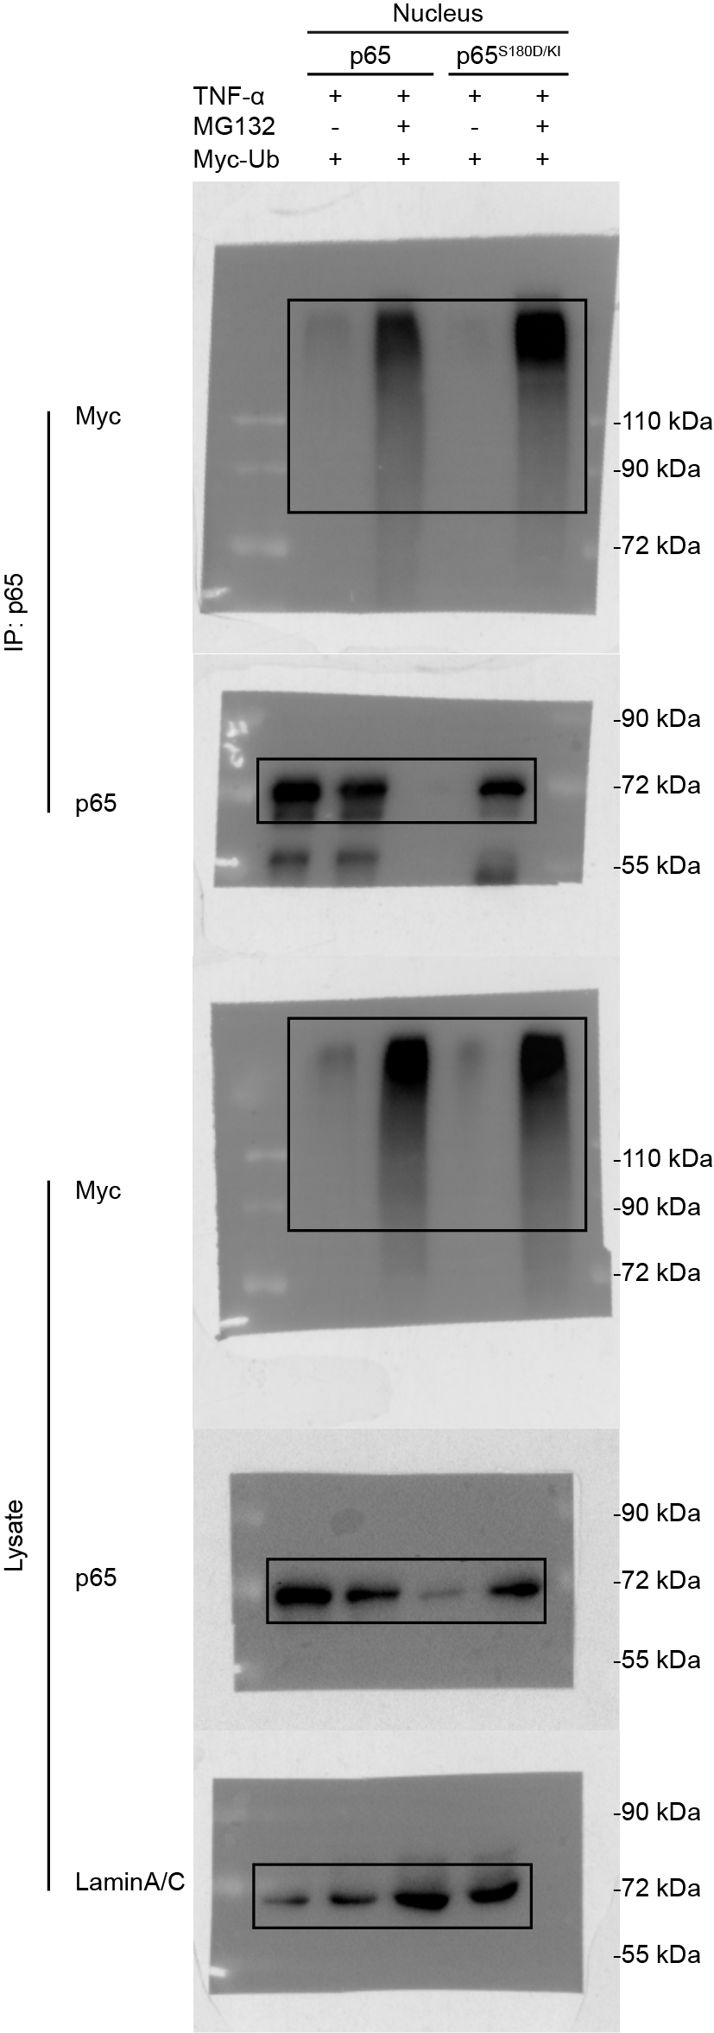
Supplementary Figure 6f

S6g
Supplementary Figure 6g
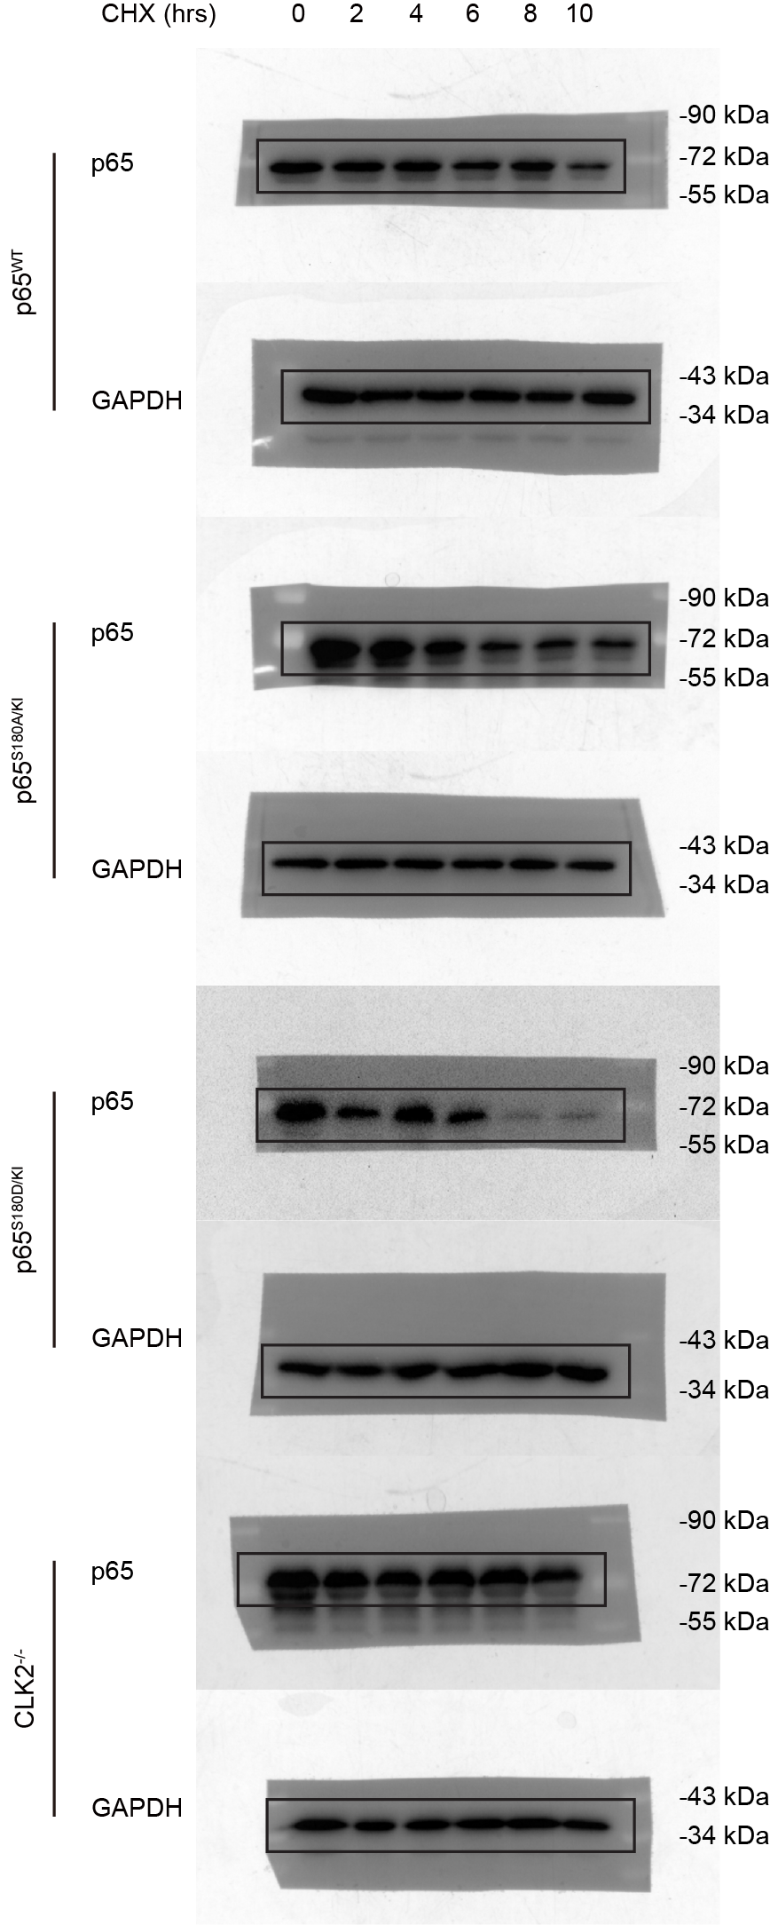

 | SA | gapdh | p65 | p65 | p65 |  | p65 |  |  | averrage
 | 0 | 1 | 1 | 1 | 1 | 0 | 1 | 1 | 1 | 1 |  | 0 | 2 | 4 | 6 | 8 | 10
 | 2 | 0.98641928522 | 0.87432037656 | 0.89699642034 | 0.93506585658 | 2 | 0.88635774833 | 0.90934598885 | 0.94793955328 | 0.91454776349 | sa | 1 | 0.91454776349 | 0.84886696845 | 0.84319464574 | 0.8270098607 | 0.7222417719
 | 4 | 0.93136857853 | 0.80740853717 | 0.83481422411 | 0.72960130402 | 4 | 0.86690549347 | 0.89633067225 | 0.78336473963 | 0.84886696845
 | 6 | 0.9313286062 | 0.79973573381 | 0.82604138426 | 0.73009676442 | 6 | 0.85870414426 | 0.88694943844 | 0.78393035451 | 0.84319464574
 | 8 | 0.89385546764 | 0.78486919076 | 0.81353417719 | 0.61927848939 | 8 | 0.87807170082 | 0.9101406286 | 0.69281725268 | 0.8270098607
 | 10 | 0.84415104411 | 0.6029549728 | 0.63694294936 | 0.58914551539 | 10 | 0.71427379852 | 0.75453670738 | 0.69791480979 | 0.7222417719

 |  |  |  |  |  |  |  |  |  |  |  |  |  |  |  |  |  |  | wt | sa | sd | clk2ko
 |  |  |  |  |  |  |  |  |  |  |  |  |  |  |  |  |  | 0 | 1 | 1 | 1 | 1
 |  |  |  |  |  |  |  |  |  |  |  |  |  |  |  |  |  | 2 | 1.0526350379 | 0.91454776349 | 0.66812636242 | 0.98971352929
 | WT | gapdh | p65 | p65 | p65 |  | p65 |  |  |  |  |  |  |  |  |  |  | 4 | 0.94909415439 | 0.84886696845 | 0.72889847569 | 0.84569470819
 | 0 | 1 | 1 | 1 | 1 | 0 | 1 | 1 | 1 | 1 |  | 0 | 2 | 4 | 6 | 8 | 10 | 6 | 0.63736456036 | 0.84319464574 | 0.46504815126 | 0.80345271548
 | 2 | 0.83759145268 | 0.92080215626 | 0.85138499615 | 0.87284717916 | 2 | 1.0993452158 | 1.0164681044 | 1.0420917935 | 1.0526350379 | wt | 1 | 1.0526350379 | 0.94909415439 | 0.63736456036 | 0.68423547073 | 0.53777287651 | 8 | 0.68423547073 | 0.8270098607 | 0.17542886057 | 0.73351965241
 | 4 | 0.75372891737 | 0.78783567876 | 0.6600213219 | 0.69822212774 | 4 | 1.0452507004 | 0.87567467121 | 0.9263570916 | 0.94909415439 |  |  |  |  |  |  |  | 10 | 0.53777287651 | 0.7222417719 | 0.14084602499 | 0.69801524348
 | 6 | 0.82427455949 | 0.55568893694 | 0.49342369569 | 0.52697754404 | 6 | 0.67415514714 | 0.59861570397 | 0.63932282997 | 0.63736456036
 | 8 | 0.76459359466 | 0.5880521958 | 0.46942273464 | 0.51201124404 | 8 | 0.76910426651 | 0.61395065027 | 0.6696514954 | 0.68423547073 |  |  |  |  |  |  |  | P-value |  | 0.0107 | <0.0001 | 0.0915
 | 10 | 0.91194406206 | 0.58937725464 | 0.41322293176 | 0.46865615802 | 10 | 0.64628663002 | 0.45312311242 | 0.51390888708 | 0.53777287651

 | SD | gapdh | p65 | p65 | p65 |  | p65
 | 0 | 1 | 1 | 1 | 1 | 0 | 1 | 1 | 1 | 1 |  | 0 | 2 | 4 | 6 | 8 | 10
 | 2 | 0.83441129601 | 0.552975544 | 0.57572670724 | 0.54377430066 | 2 | 0.66271339644 | 0.68997952208 | 0.65168616876 | 0.66812636242 | SD | 1 | 0.66812636242 | 0.72889847569 | 0.46504815126 | 0.17542886057 | 0.14084602499
 | 4 | 1.002740639 | 0.71819760861 | 0.75996531685 | 0.71452544434 | 4 | 0.71623466796 | 0.75788821885 | 0.71257254025 | 0.72889847569
 | 6 | 1.1197611418 | 0.50772288767 | 0.5520873913 | 0.50241826757 | 6 | 0.45342070618 | 0.49304031967 | 0.44868342793 | 0.46504815126
 | 8 | 1.0403434589 | 0.15167866274 | 0.25368161772 | 0.14215852234 | 8 | 0.14579671881 | 0.24384410316 | 0.13664575974 | 0.17542886057
 | 10 | 1.1759681897 | 0.14064978193 | 0.22983228268 | 0.12640927046 | 10 | 0.11960338993 | 0.19544090112 | 0.10749378391 | 0.14084602499

 | CLK2 ko | gapdh | p65 | p65 | p65 |  | p65 |  |  | averrage
 | 0 | 1 | 1 | 1 | 1 | 0 | 1 | 1 | 1 | 1
 | 2 | 0.73486139228 | 0.73289133183 | 0.72803006213 | 0.72098539231 | 2 | 0.99731914009 | 0.9907039202 | 0.98111752759 | 0.98971352929
 | 4 | 0.79148275506 | 0.66112842522 | 0.66513619294 | 0.68179371456 | 4 | 0.83530363864 | 0.84036725841 | 0.86141322752 | 0.84569470819 |  | 0 | 2 | 4 | 6 | 8 | 10
 | 6 | 0.894260446 | 0.71290544583 | 0.71858736736 | 0.72399513786 | 6 | 0.79720113868 | 0.80355490459 | 0.80960210317 | 0.80345271548 | CLK2 ko | 1 | 0.98971352929 | 0.84569470819 | 0.80345271548 | 0.73351965241 | 0.69801524348
 | 8 | 1.0049175938 | 0.73586506032 | 0.74729647187 | 0.72821888004 | 8 | 0.73226408304 | 0.74363955464 | 0.72465531957 | 0.73351965241
 | 10 | 0.77665947735 | 0.54201918396 | 0.55155365199 | 0.53278762661 | 10 | 0.69788523769 | 0.71016149043 | 0.68599900233 | 0.69801524348

S6h
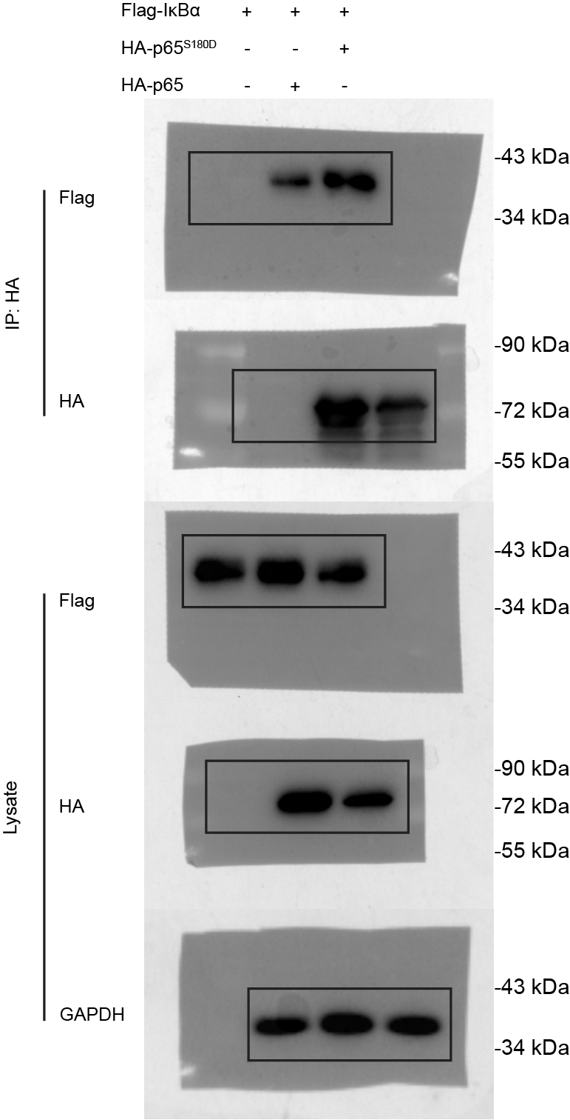
Supplementary Figure 6h

S6i
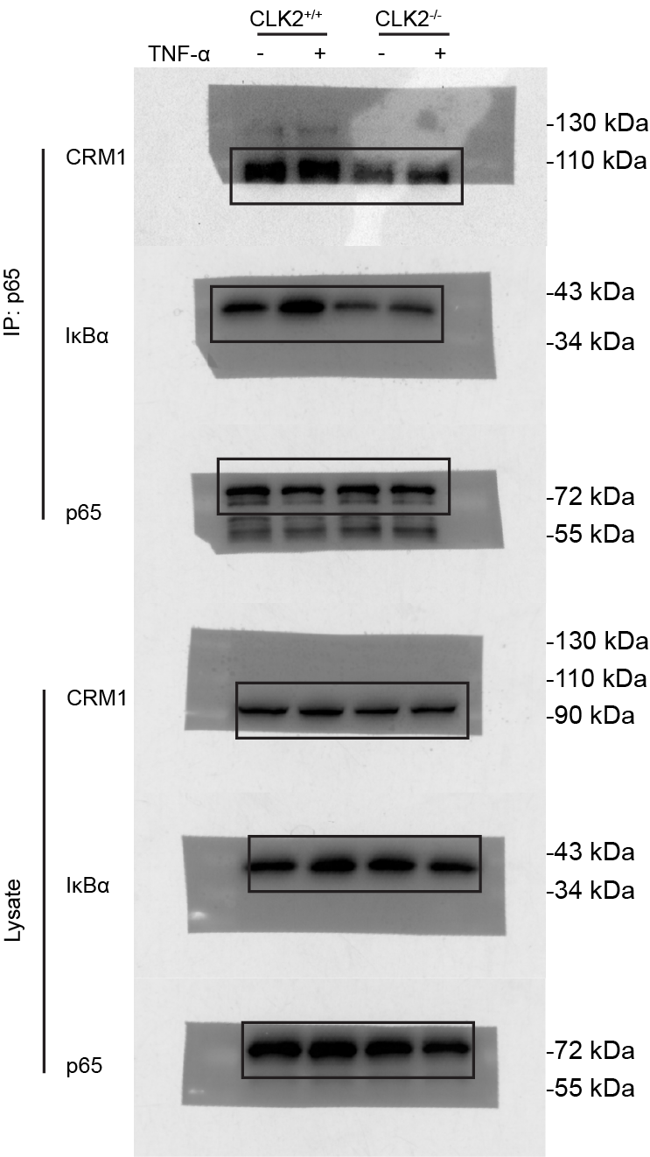
Supplementary Figure 6i

S6k
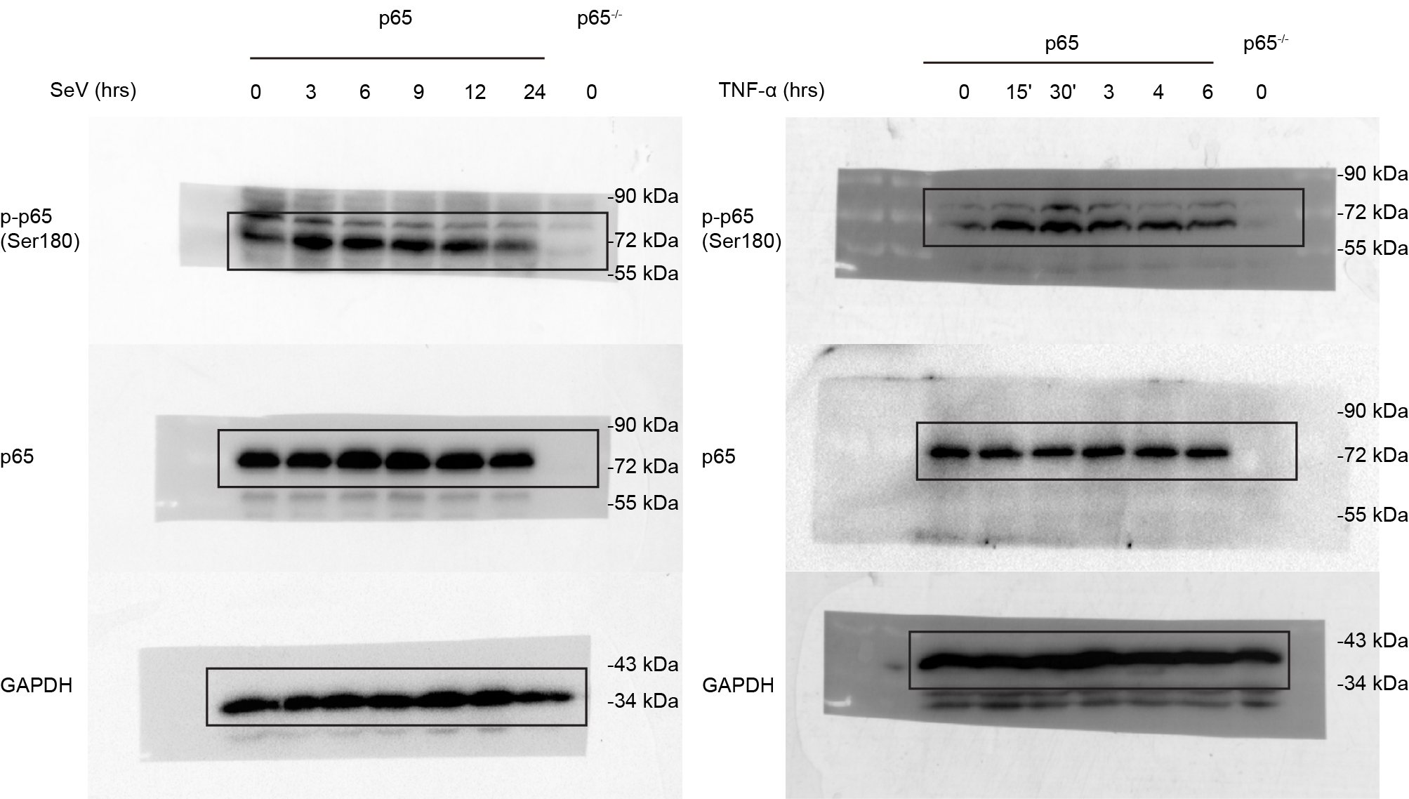
Supplementary Figure 6k

S6l
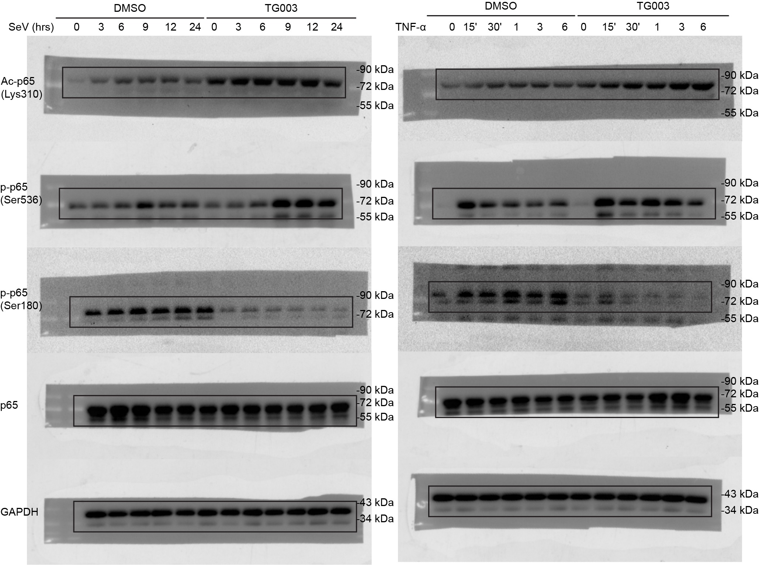
Supplementary Figure 6l

S6m
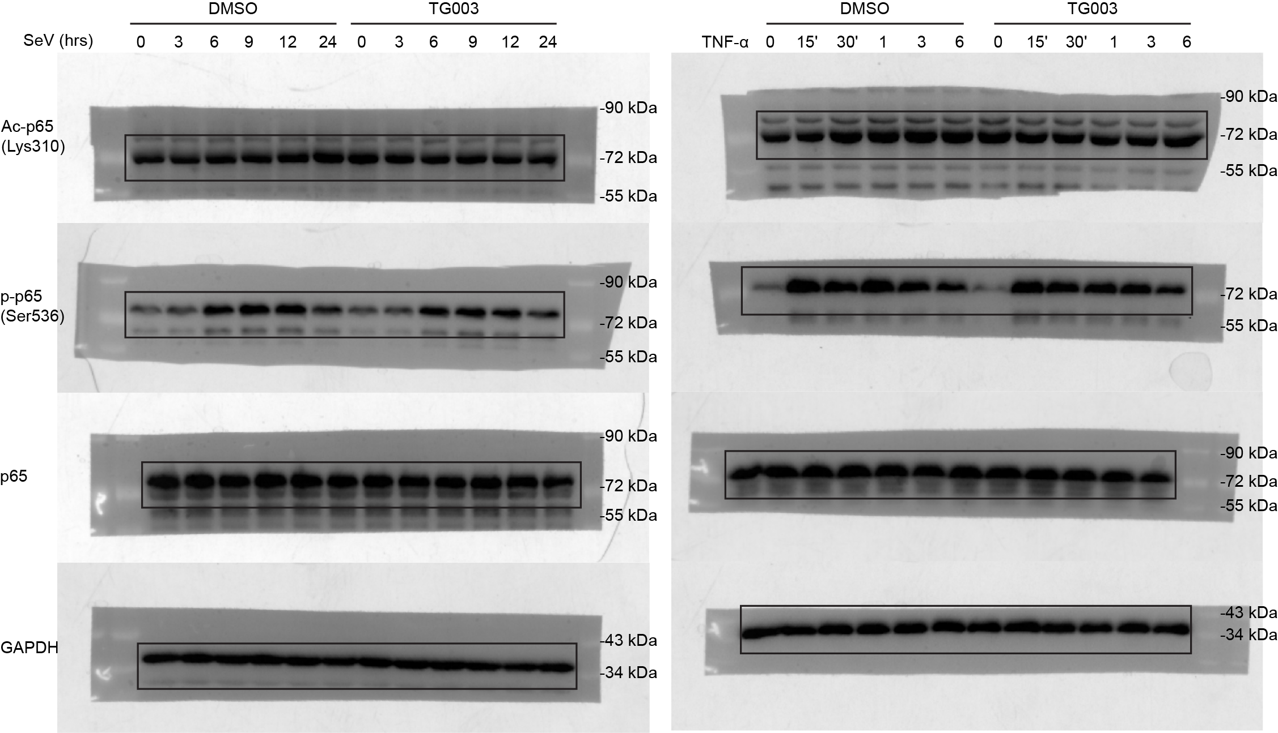
Supplementary Figure 6m

S7a
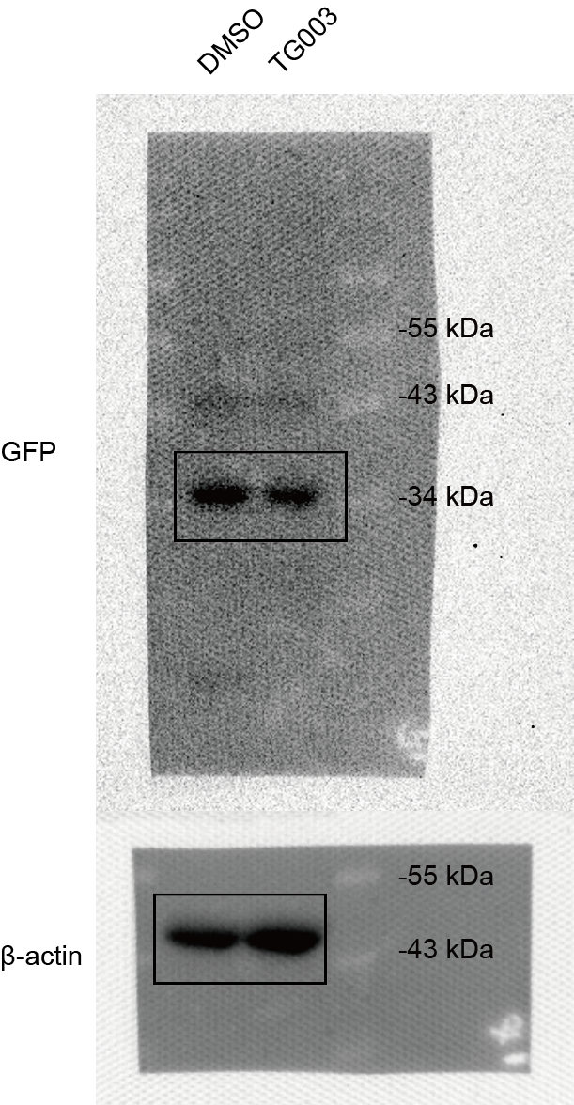
Supplementary Figure 7a

S7d
Supplementary Figure 7d

 |  |  |  |  |  |  |  |  |  | 本底值0.072

 | 0 | 23.44 | 46.88 | 93.75 | 187.5 | 375 | 750
od | 0 | 0.06 | 0.121 | 0.2315 | 0.515 | 1.165 | 2.254 |  |  |  |  |  | 减去本底值-0.072 |  |  |  |  |  | 返回函数=（y+0.0277)/0.0031 |  |  |  |  |  | 稀释倍数*6 |  |  |  |  |  | 每只平均
 |  |  |  |  |  |  |  | wt | 1 | 0.097 | 0.094 | 0.109 |  | wt | 1 | 0.025 | 0.022 | 0.037 |  | wt | 1 | 17 | 16.032258065 | 20.870967742 |  | wt | 1 | 102 | 96.193548387 | 125.22580645 |  | wt | 1 | 107.80645161 |  | wt |  |  |  |  |  | ko |  |  |  |  |  | Average | SD | SEM | Average | SD | SEM | p-value
 | od
0 | 0
23.44 | 0.06
46.88 | 0.121
93.75 | 0.2315
187.5 | 0.515
375 | 1.165
 |  |  |  |  |  |  |  |  | 2 | 0.087 | 0.086 |  |  |  | 2 | 0.015 | 0.014 |  |  |  | 2 | 13.774193548 | 13.451612903 |  |  |  | 2 | 82.64516129 | 80.709677419 |  |  |  | 2 | 81.677419355 | Ctrl | 107.80645161 | 81.677419355 | 70.064516129 | 96.193548387 | 92.322580645 | 76.838709677 | 105.87096774 | 97.161290323 | 153.29032258 | 113.61290323 | 90.387096774 | 131.03225806 | 87.483870968 | 13.876218061 | 5.6649423016 | 115.22580645 | 23.375859369 | 9.5431546256 | 0.7051
 |  |  |  |  |  |  |  |  | 3 | 0.08 | 0.081 |  |  |  | 3 | 0.008 | 0.009 |  |  |  | 3 | 11.516129032 | 11.838709677 |  |  |  | 3 | 69.096774194 | 71.032258065 |  |  |  | 3 | 70.064516129 | IMQ | 412.32258065 | 345.22580645 | 318.77419355 | 276.83870968 | 227.80645161 | 198.12903226 | 609.09677419 | 655.5483871 | 591.67741935 | 597.48387097 | 419.41935484 | 698.77419355 | 296.51612903 | 78.825668105 | 32.180444248 | 595.33333333 | 95.371919258 | 38.935422995 | <0.0001
 |  |  |  |  |  |  |  |  | 4 | 0.098 | 0.09 |  |  |  | 4 | 0.026 | 0.018 |  |  |  | 4 | 17.322580645 | 14.741935484 |  |  |  | 4 | 103.93548387 | 88.451612903 |  |  |  | 4 | 96.193548387
 |  |  |  |  |  |  |  |  | 5 | 0.092 | 0.092 |  |  |  | 5 | 0.02 | 0.02 |  |  |  | 5 | 15.387096774 | 15.387096774 |  |  |  | 5 | 92.322580645 | 92.322580645 |  |  |  | 5 | 92.322580645
 |  |  |  |  |  |  |  |  | 6 | 0.086 | 0.082 |  |  |  | 6 | 0.014 | 0.01 |  |  |  | 6 | 13.451612903 | 12.161290323 |  |  |  | 6 | 80.709677419 | 72.967741935 |  |  |  | 6 | 76.838709677
 |  |  |  |  |  |  |  | ko | 1 | 0.096 | 0.102 | 0.099 |  | ko | 1 | 0.024 | 0.03 | 0.027 |  | ko | 1 | 16.677419355 | 18.612903226 | 17.64516129 |  | ko | 1 | 100.06451613 | 111.67741935 | 105.87096774 |  | ko | 1 | 105.87096774
 |  |  |  |  |  |  |  |  | 2 | 0.096 | 0.093 |  |  |  | 2 | 0.024 | 0.021 |  |  |  | 2 | 16.677419355 | 15.709677419 |  |  |  | 2 | 100.06451613 | 94.258064516 |  |  |  | 2 | 97.161290323
 |  |  |  |  |  |  |  |  | 3 | 0.122 | 0.125 |  |  |  | 3 | 0.05 | 0.053 |  |  |  | 3 | 25.064516129 | 26.032258065 |  |  |  | 3 | 150.38709677 | 156.19354839 |  |  |  | 3 | 153.29032258
 |  |  |  |  |  |  |  |  | 4 | 0.101 | 0.105 |  |  |  | 4 | 0.029 | 0.033 |  |  |  | 4 | 18.290322581 | 19.580645161 |  |  |  | 4 | 109.74193548 | 117.48387097 |  |  |  | 4 | 113.61290323
 |  |  |  |  |  |  |  |  | 5 | 0.092 | 0.09 |  |  |  | 5 | 0.02 | 0.018 |  |  |  | 5 | 15.387096774 | 14.741935484 |  |  |  | 5 | 92.322580645 | 88.451612903 |  |  |  | 5 | 90.387096774
 |  |  |  |  |  |  |  |  | 6 | 0.113 | 0.111 |  |  |  | 6 | 0.041 | 0.039 |  |  |  | 6 | 22.161290323 | 21.516129032 |  |  |  | 6 | 132.96774194 | 129.09677419 |  |  |  | 6 | 131.03225806
 |  |  |  |  |  |  |  | TG | 1 | 0.102 | 0.106 |  |  | TG | 1 | 0.03 | 0.034 |  |  | TG | 1 | 18.612903226 | 19.903225806 |  |  | TG | 1 | 111.67741935 | 119.41935484 |  |  | TG | 1 | 115.5483871
 |  |  |  |  |  |  |  |  | 2 | 0.091 | 0.093 |  |  |  | 2 | 0.019 | 0.021 |  |  |  | 2 | 15.064516129 | 15.709677419 |  |  |  | 2 | 90.387096774 | 94.258064516 |  |  |  | 2 | 92.322580645 |  | WT |  |  |  |  |  | TG |  |  |  |  |  | Average | SD | SEM | Average | SD | SEM | p-value
 |  |  |  |  |  |  |  |  | 3 | 0.094 | 0.096 |  |  |  | 3 | 0.022 | 0.024 |  |  |  | 3 | 16.032258065 | 16.677419355 |  |  |  | 3 | 96.193548387 | 100.06451613 |  |  |  | 3 | 98.129032258 | Ctrl | 107.80645161 | 81.677419355 | 70.064516129 | 96.193548387 | 92.322580645 | 76.838709677 | 115.5483871 | 92.322580645 | 98.129032258 | 128.12903226 | 133.93548387 | 154.25806452 | 87.483870968 | 13.876218061 | 5.6649423016 | 120.38709677 | 23.225806452 | 9.4818957785 | 0.8531
 |  |  |  |  |  |  |  |  | 4 | 0.105 | 0.116 |  |  |  | 4 | 0.033 | 0.044 |  |  |  | 4 | 19.580645161 | 23.129032258 |  |  |  | 4 | 117.48387097 | 138.77419355 |  |  |  | 4 | 128.12903226 | IMQ | 224.58064516 | 394.90322581 | 363.29032258 | 297.48387097 | 371.67741935 | 234.90322581 | 874.90322581 | 732.32258065 | 508.4516129 | 375.5483871 | 349.74193548 | 451.67741935 | 314.47311828 | 73.246314214 | 29.902682561 | 548.77419355 | 210.10705363 | 85.775845459 | 0.0034
 |  |  |  |  |  |  |  |  | 5 | 0.114 | 0.113 |  |  |  | 5 | 0.042 | 0.041 |  |  |  | 5 | 22.483870968 | 22.161290323 |  |  |  | 5 | 134.90322581 | 132.96774194 |  |  |  | 5 | 133.93548387
 |  |  |  |  |  |  |  |  | 6 | 0.125 | 0.123 |  |  |  | 6 | 0.053 | 0.051 |  |  |  | 6 | 26.032258065 | 25.387096774 |  |  |  | 6 | 156.19354839 | 152.32258065 |  |  |  | 6 | 154.25806452
 |  |  |  |  |  |  |  | wt+IMQ | 1 | 0.258 | 0.262 | 0.252 |  | wt+IMQ | 1 | 0.186 | 0.19 | 0.18 |  | wt+IMQ | 1 | 68.935483871 | 70.225806452 | 67 |  | wt+IMQ | 1 | 413.61290323 | 421.35483871 | 402 |  | wt+IMQ | 1 | 412.32258065
 |  |  |  |  |  |  |  |  | 2 | 0.208 | 0.224 | 0.236 |  |  | 2 | 0.136 | 0.152 | 0.164 |  |  | 2 | 52.806451613 | 57.967741935 | 61.838709677 |  |  | 2 | 316.83870968 | 347.80645161 | 371.03225806 |  |  | 2 | 345.22580645
 |  |  |  |  |  |  |  |  | 3 | 0.194 | 0.225 | 0.208 |  |  | 3 | 0.122 | 0.153 | 0.136 |  |  | 3 | 48.290322581 | 58.290322581 | 52.806451613 |  |  | 3 | 289.74193548 | 349.74193548 | 316.83870968 |  |  | 3 | 318.77419355
 |  |  |  |  |  |  |  |  | 4 | 0.2 | 0.193 | 0.169 |  |  | 4 | 0.128 | 0.121 | 0.097 |  |  | 4 | 50.225806452 | 47.967741935 | 40.225806452 |  |  | 4 | 301.35483871 | 287.80645161 | 241.35483871 |  |  | 4 | 276.83870968
 |  |  |  |  |  |  |  |  | 5 | 0.181 | 0.152 | 0.153 |  |  | 5 | 0.109 | 0.08 | 0.081 |  |  | 5 | 44.096774194 | 34.741935484 | 35.064516129 |  |  | 5 | 264.58064516 | 208.4516129 | 210.38709677 |  |  | 5 | 227.80645161
 |  |  |  |  |  |  |  |  | 6 | 0.144 | 0.148 | 0.148 |  |  | 6 | 0.072 | 0.076 | 0.076 |  |  | 6 | 32.161290323 | 33.451612903 | 33.451612903 |  |  | 6 | 192.96774194 | 200.70967742 | 200.70967742 |  |  | 6 | 198.12903226

 |  |  |  |  |  |  |  | ko+IMQ | 1 | 0.37 | 0.312 | 0.395 |  | ko+IMQ | 1 | 0.298 | 0.24 | 0.323 |  | ko+IMQ | 1 | 105.06451613 | 86.35483871 | 113.12903226 |  | ko+IMQ | 1 | 630.38709677 | 518.12903226 | 678.77419355 |  | ko+IMQ | 1 | 609.09677419
 |  |  |  |  |  |  |  |  | 2 | 0.331 | 0.413 | 0.405 |  |  | 2 | 0.259 | 0.341 | 0.333 |  |  | 2 | 92.483870968 | 118.93548387 | 116.35483871 |  |  | 2 | 554.90322581 | 713.61290323 | 698.12903226 |  |  | 2 | 655.5483871
 |  |  |  |  |  |  |  |  | 3 | 0.33 | 0.399 | 0.321 |  |  | 3 | 0.258 | 0.327 | 0.249 |  |  | 3 | 92.161290323 | 114.41935484 | 89.258064516 |  |  | 3 | 552.96774194 | 686.51612903 | 535.5483871 |  |  | 3 | 591.67741935
 |  |  |  |  |  |  |  |  | 4 | 0.351 | 0.36 | 0.348 |  |  | 4 | 0.279 | 0.288 | 0.276 |  |  | 4 | 98.935483871 | 101.83870968 | 97.967741935 |  |  | 4 | 593.61290323 | 611.03225806 | 587.80645161 |  |  | 4 | 597.48387097
 |  |  |  |  |  |  |  |  | 5 | 0.259 | 0.263 | 0.261 |  |  | 5 | 0.187 | 0.191 | 0.189 |  |  | 5 | 69.258064516 | 70.548387097 | 69.903225806 |  |  | 5 | 415.5483871 | 423.29032258 | 419.41935484 |  |  | 5 | 419.41935484
 |  |  |  |  |  |  |  |  | 6 | 0.409 | 0.397 | 0.41 |  |  | 6 | 0.337 | 0.325 | 0.338 |  |  | 6 | 117.64516129 | 113.77419355 | 117.96774194 |  |  | 6 | 705.87096774 | 682.64516129 | 707.80645161 |  |  | 6 | 698.77419355

 |  |  |  |  |  |  |  | dmso+IMQ | 1 | 0.17 | 0.158 | 0.153 |  | dmso+IMQ | 1 | 0.098 | 0.086 | 0.081 |  | dmso+IMQ | 1 | 40.548387097 | 36.677419355 | 35.064516129 |  | dmso+IMQ | 1 | 243.29032258 | 220.06451613 | 210.38709677 |  | dmso+IMQ | 1 | 224.58064516
 |  |  |  |  |  |  |  |  | 2 | 0.234 | 0.227 | 0.284 |  |  | 2 | 0.162 | 0.155 | 0.212 |  |  | 2 | 61.193548387 | 58.935483871 | 77.322580645 |  |  | 2 | 367.16129032 | 353.61290323 | 463.93548387 |  |  | 2 | 394.90322581
 |  |  |  |  |  |  |  |  | 3 | 0.237 | 0.221 | 0.238 |  |  | 3 | 0.165 | 0.149 | 0.166 |  |  | 3 | 62.161290323 | 57 | 62.483870968 |  |  | 3 | 372.96774194 | 342 | 374.90322581 |  |  | 3 | 363.29032258
 |  |  |  |  |  |  |  |  | 4 | 0.203 | 0.193 | 0.198 |  |  | 4 | 0.131 | 0.121 | 0.126 |  |  | 4 | 51.193548387 | 47.967741935 | 49.580645161 |  |  | 4 | 307.16129032 | 287.80645161 | 297.48387097 |  |  | 4 | 297.48387097
 |  |  |  |  |  |  |  |  | 5 | 0.234 | 0.242 | 0.233 |  |  | 5 | 0.162 | 0.17 | 0.161 |  |  | 5 | 61.193548387 | 63.774193548 | 60.870967742 |  |  | 5 | 367.16129032 | 382.64516129 | 365.22580645 |  |  | 5 | 371.67741935
 |  |  |  |  |  |  |  |  | 6 | 0.163 | 0.169 | 0.165 |  |  | 6 | 0.091 | 0.097 | 0.093 |  |  | 6 | 38.290322581 | 40.225806452 | 38.935483871 |  |  | 6 | 229.74193548 | 241.35483871 | 233.61290323 |  |  | 6 | 234.90322581
 |  |  |  |  |  |  |  | TG+IMQ | 1 | 0.592 | 0.434 | 0.463 |  | TG+IMQ | 1 | 0.52 | 0.362 | 0.391 |  | TG+IMQ | 1 | 176.67741935 | 125.70967742 | 135.06451613 |  | TG+IMQ | 1 | 1060.0645161 | 754.25806452 | 810.38709677 |  | TG+IMQ | 1 | 874.90322581
 |  |  |  |  |  |  |  |  | 2 | 0.419 | 0.426 | 0.423 |  |  | 2 | 0.347 | 0.354 | 0.351 |  |  | 2 | 120.87096774 | 123.12903226 | 122.16129032 |  |  | 2 | 725.22580645 | 738.77419355 | 732.96774194 |  |  | 2 | 732.32258065
 |  |  |  |  |  |  |  |  | 3 | 0.285 | 0.338 | 0.298 |  |  | 3 | 0.213 | 0.266 | 0.226 |  |  | 3 | 77.64516129 | 94.741935484 | 81.838709677 |  |  | 3 | 465.87096774 | 568.4516129 | 491.03225806 |  |  | 3 | 508.4516129
 |  |  |  |  |  |  |  |  | 4 | 0.25 | 0.224 | 0.241 |  |  | 4 | 0.178 | 0.152 | 0.169 |  |  | 4 | 66.35483871 | 57.967741935 | 63.451612903 |  |  | 4 | 398.12903226 | 347.80645161 | 380.70967742 |  |  | 4 | 375.5483871
 |  |  |  |  |  |  |  |  | 5 | 0.201 | 0.254 | 0.22 |  |  | 5 | 0.129 | 0.182 | 0.148 |  |  | 5 | 50.548387097 | 67.64516129 | 56.677419355 |  |  | 5 | 303.29032258 | 405.87096774 | 340.06451613 |  |  | 5 | 349.74193548
 |  |  |  |  |  |  |  |  |  |  |  |  |  |  | 6 | 0.198 | 0.206 | 0.213 |  |  | 6 | 72.806451613 | 75.387096774 | 77.64516129 |  |  | 6 | 436.83870968 | 452.32258065 | 465.87096774 |  |  | 6 | 451.67741935
 |  |  |  |  |  |  |  |  | 7 | 0.27 | 0.278 | 0.285

