Figure 1
 | Figure 1 Number of accidents related to the studies of vehicles with driving automation (ADS / ADAS).
Literature | Number of data sample | Literature source
This paper | 2100
Ding et al., 2023 (21) | 1280 | Exploratory Analysis of the Crash Severity between Vehicular Automation (SAE L2-5) with Multi-Source Data
Novat et al., 2023 (22) | 127 | A comparative study of collision types between automated and conventional vehicles using Bayesian probabilistic inferences
Number of data sample
ADAS (SAE LEVEL 2)
ADS (SAE LEVEL 4)
Wen et al., 2023 (23) | 214 | Analysis of discretionary lane-changing behaviours of autonomous vehicles based on real-world data
Yan et al., 2023 (20) | 202 | A comparison of patterns and contributing factors of ADAS and ADS involved crashes
Lee et al., 2023 (70) | 260 | Advancing investigation of automated vehicle crashes using text analytics of crash narratives and Bayesian analysis
Kutela et al., 2022 (73) | 252 | Mining patterns of autonomous vehicle crashes involving vulnerable road users to understand the associated factors
Zhu and Meng., 2022 (75) | 245 | What can we learn from autonomous vehicle collision data on crash severity? A cost-sensitive CART approach
Kutela et al., 2022 (58) | 333 | Modeling automated vehicle crashes with a focus on vehicle at-fault, collision type, and injury outcome
Ashraf et al., 2021 (62) | 251 | Extracting rules from autonomous-vehicle-involved crashes by applying decision tree and association rule methods
Seacrist et al., 2021 (28) | 369 | In-depth analysis of crash contributing factors and potential ADAS interventions among at-risk drivers using the SHRP 2 naturalistic driving study
Sinha et al., 2021 (29) | 259 | A crash injury model involving autonomous vehicle: Investigating of crash and disengagement report
Petrović et al., 2020 (77) | 300 | Traffic accidents with autonomous vehicles: type of collisions, manoeuvres and errors of conventional vehicles' drivers
Boggs et al., 2020 (7) | 124 | Exploratory analysis of automated vehicle crashes in California: A text analytics & hierarchical Bayesian heterogeneity-based approach
Wang and Li, 2019 (30) | 107 | Exploring the mechanism of crashes with automated vehicles using statistical modeling approaches
Xu et al., 2019 (74) | 72 | Statistical analysis of the patterns and characteristics of connected and autonomous vehicle involved crashes
Bareiss et al., 2019 (10) | 501 | Crash and injury prevention estimates for intersection driver assistance systems in left turn across path/opposite direction crashes in the United States
Teoh et al., 2017 (25) | 19 | Rage against the machine? Google's self-driving cars versus human drivers
Dixit et al., 2016 (24) | 69 | Autonomous vehicles: disengagements, accidents and reaction times
Niebuhr et al., 2015 (17) | 444 | Expanding Pedestrian Injury Risk to the Body Region Level: How to Model Passive Safety Systems in Pedestrian Injury Risk Functions

Figure 2 (a)
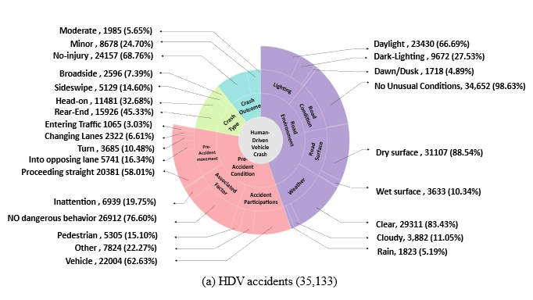
Figure 2. Distribution of the factors influencing accidents of various vehicle types.
Variable category | Variable type | Variable description | HDV
 |  |  | percentage | Num
Road environment | Weather | Clear sky | 0.8343 | 29311
 |  | Cloudy sky | 0.1105 | 3882
 |  | Rain | 0.0519 | 1823
 |  | Fog | 0.0033 | 116
 | Road Condition | Normal road conditions | 0.9863 | 34652
 |  | Traffic event/work zone | 0.0126 | 443
 |  | Reduced Roadway Width | 0.0011 | 39
 | Road Surface | Dry surface indicator | 0.8854 | 31107
 |  | Wet surface indicator | 0.1034 | 3633
 |  | Snow/slush/ice indicator | 0.0112 | 393
 | Lighting | Daylight | 0.6669 | 23430
 |  | Dawn/dusk indicator | 0.0489 | 1718
 |  | Dark– lighting | 0.2753 | 9672
 |  | Dark– not lighting | 0.0089 | 313
Pre-crash condition | Associated Factor | Inattention | 0.1975 | 6939
 |  | Entering/Leaving Ramp | 0.021 | 738
 |  | Defective Vehicle Equipment | 0.0012 | 42
 |  | Uninvolved Vehicle | 0.0143 | 502
 |  | No dangerous driver behavior | 0.766 | 26912
 | Pre-accident movement | Stopped | 0.0016 | 56
 |  | Proceeding straight | 0.5801 | 20381
 |  | Run-off Road | 0.0171 | 601
 |  | Turn | 0.1049 | 3685
 |  | Backing | 0.0282 | 991
 |  | Slowing | 0.0005 | 18
 |  | Changing lanes | 0.0661 | 2322
 |  | Entering traffic lane | 0.0303 | 1065
 |  | Into opposing lane | 0.1634 | 5741
 |  | Parked | 0.0015 | 53
 |  | Travelling wrong way | 0.0062 | 218
 | Accident Participation | Pedestrian or bicycle | 0.151 | 5305
 |  | Other participants | 0.2227 | 7824
 |  | Vehicle | 0.6263 | 22004
Crash Type |  | Head-on | 0.3268 | 11481
 |  | Sideswipe | 0.146 | 5129
 |  | Rear-end | 0.4533 | 15926
 |  | Broadside | 0.0739 | 2596
 |  | Hit-object | 0.0565 | 1985
Severity |  | No-injury | 0.6876 | 24157
 |  | Minor | 0.247 | 8678
 |  | Moderate | 0.0565 | 1985
 |  | Fatal | 0.0089 | 313

The Human Driven-Vehicle (HDV) accidents dataset that we used to is publicly available at https://www.chp.ca.gov/programs-services/services-information/switrs-internet-statewide-integrated-traffic-records-system.

Figure 2 (b)
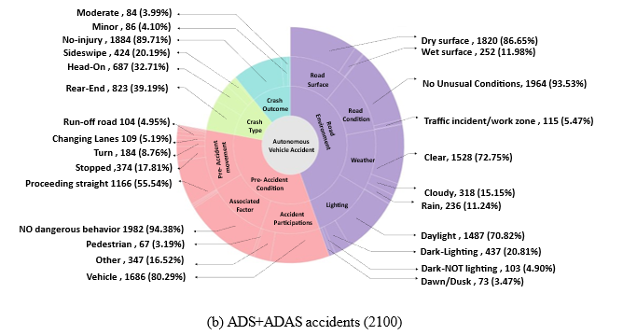
Figure 2. Distribution of the factors influencing accidents of various vehicle types.
Variable category | Variable type | Variable description | AV (ADS+ADAS)
 |  |  | percentage | Num
Road environment | Weather | Clear sky | 0.7275 | 1528
 |  | Cloudy sky | 0.1515 | 318
 |  | Rain | 0.1124 | 236
 |  | Fog | 0.0086 | 18
 | Road Condition | Normal road conditions | 0.9353 | 1964
 |  | Traffic event/work zone | 0.0547 | 115
 |  | Reduced Roadway Width | 0.0100 | 21
 | Road Surface | Dry surface indicator | 0.8667 | 1820
 |  | Wet surface indicator | 0.1198 | 252
 |  | Snow/slush/ice indicator | 0.0137 | 29
 | Lighting | Daylight | 0.7081 | 1487
 |  | Dawn/dusk indicator | 0.0347 | 73
 |  | Dark– lighting | 0.2081 | 437
 |  | Dark– not lighting | 0.0490 | 103
Pre-crash condition | Associated Factor | Inattention | 0.0176 | 37
 |  | Entering/Leaving Ramp | 0.0157 | 33
 |  | Defective Vehicle Equipment | 0.0229 | 48
 |  | No dangerous driver behavior | 0.9438 | 1982
 | Pre-accident movement | Stopped | 0.1781 | 374
 |  | Proceeding straight | 0.5552 | 1166
 |  | Run-off Road | 0.0495 | 104
 |  | Turn | 0.0876 | 184
 |  | Backing | 0.0152 | 32
 |  | Changing lanes | 0.0519 | 109
 |  | Entering traffic lane | 0.0283 | 59
 |  | Into opposing lane | 0.0114 | 24
 |  | Parked | 0.0138 | 29
 |  | Travelling wrong way | 0.0088 | 19
 | Accident Participation | Pedestrian or bicycle | 0.0343 | 72
 |  | Other participants | 0.2119 | 445
 |  | Vehicle | 0.7538 | 1583
Crash Type |  | Head-on | 0.3024 | 635
 |  | Sideswipe | 0.1576 | 331
 |  | Rear-end | 0.5019 | 1054
 |  | Broadside | 0.0381 | 80
Severity |  | No-injury | 0.8376 | 1759
 |  | Minor | 0.1071 | 225
 |  | Moderate | 0.0443 | 93
 |  | Fatal | 0.0109 | 23

The Autonomous Vehicle (AV) accidents dataset is available at https://github.com/UCF-SST-Lab/AVOID-Autonomous-Vehicle-Operation-Incident-Dataset/tree/main/asset.

Figure 2 (c)
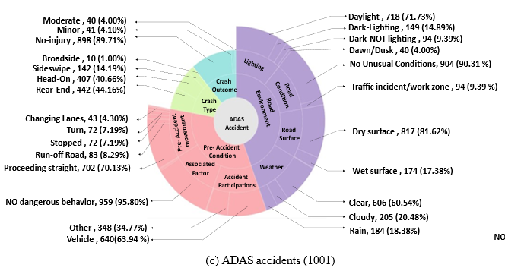
Figure 2. Distribution of the factors influencing accidents of various vehicle types.
Variable category | Variable type | Variable description | ADAS
 |  |  | percentage | Num
Road environment | Weather | Clear sky | 60.54% | 606
 |  | Cloudy sky | 20.48% | 205
 |  | Rain | 18.38% | 184
 |  | Fog | 0.60% | 6
 | Road Condition | Normal road conditions | 90.31% | 904
 |  | Traffic event/work zone | 9.39% | 94
 |  | Reduced Roadway Width | 0.30% | 3
 | Road Surface | Dry surface indicator | 81.62% | 817
 |  | Wet surface indicator | 17.38% | 174
 |  | Snow/slush/ice indicator | 1.00% | 10
 | Lighting | Daylight | 71.73% | 718
 |  | Dawn/dusk indicator | 4.00% | 40
 |  | Dark– lighting | 14.89% | 149
 |  | Dark– not lighting | 9.39% | 94
Pre-crash condition | Associated Factor | Inattention | 1.60% | 16
 |  | Entering/Leaving Ramp | 0.40% | 4
 |  | Defective Vehicle Equipment | 2.20% | 22
 |  | No dangerous driver behavior | 95.80% | 959
 | Pre-accident movement | Stopped | 7.19% | 72
 |  | Proceeding straight | 70.13% | 702
 |  | Run-off Road | 8.29% | 83
 |  | Turn | 7.19% | 72
 |  | Backing | 0.30% | 3
 |  | Changing lanes | 4.30% | 43
 |  | Entering traffic lane | 0.50% | 5
 |  | Into opposing lane | 0.40% | 4
 |  | Parked | 1.20% | 12
 |  | Travelling wrong way | 0.50% | 5
 | Accident Participation | Pedestrian or bicycle | 1.30% | 13
 |  | Other participants | 34.77% | 348
 |  | Vehicle | 63.94% | 640
Crash Type |  | Head-on | 40.66% | 407
 |  | Sideswipe | 14.19% | 142
 |  | Rear-end | 44.16% | 442
 |  | Broadside | 1.00% | 10
Severity |  | No-injury | 89.71% | 898
 |  | Minor | 4.10% | 41
 |  | Moderate | 4.00% | 40
 |  | Fatal | 2.20% | 22

The Autonomous Vehicle (AV) accidents dataset is available at https://github.com/UCF-SST-Lab/AVOID-Autonomous-Vehicle-Operation-Incident-Dataset/tree/main/asset.

Figure 2 (d)
Figure 2. Distribution of the factors influencing accidents of various vehicle types.
Variable category | Variable type | Variable description | ADS
 |  |  | Num | percentage
Road environment | Weather | Clear sky | 922 | 83.88%
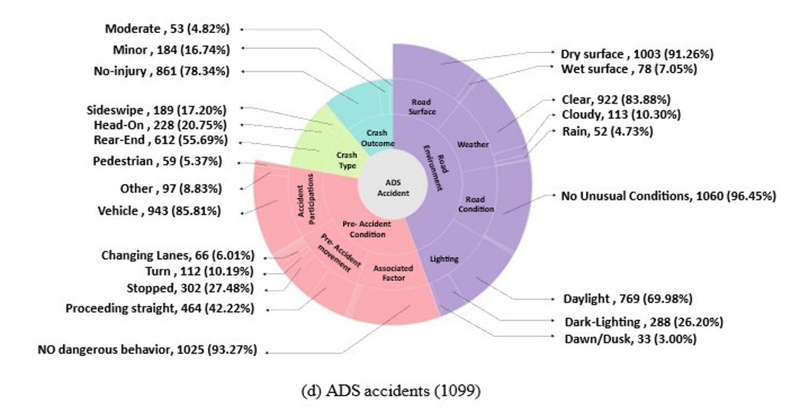
 |  | Cloudy sky | 113 | 10.30%
 |  | Rain | 52 | 4.73%
 |  | Fog | 12 | 1.09%
 | Road Condition | Normal road conditions | 1060 | 96.45%
 |  | Traffic event/work zone | 21 | 1.91%
 |  | Reduced Roadway Width | 18 | 1.64%
 | Road Surface | Dry surface indicator | 1003 | 91.26%
 |  | Wet surface indicator | 78 | 7.05%
 |  | Snow/slush/ice indicator | 19 | 1.70%
 | Lighting | Daylight | 769 | 69.98%
 |  | Dawn/dusk indicator | 33 | 3.00%
 |  | Dark– lighting | 288 | 26.20%
 |  | Dark– not lighting | 9 | 0.82%
Pre-crash condition | Associated Factor | Inattention | 21 | 1.91%
 |  | Entering/Leaving Ramp | 29 | 2.64%
 |  | Defective Vehicle Equipment | 26 | 2.37%
 |  | No dangerous driver behavior | 1025 | 93.27%
 | Pre-accident movement | Stopped | 302 | 27.48%
 |  | Proceeding straight | 464 | 42.22%
 |  | Run-off Road | 21 | 1.91%
 |  | Turn | 112 | 10.19%
 |  | Backing | 29 | 2.64%
 |  | Changing lanes | 66 | 6.01%
 |  | Entering traffic lane | 54 | 4.96%
 |  | Into opposing lane | 20 | 1.82%
 |  | Parked | 17 | 1.55%
 |  | Travelling wrong way | 14 | 1.24%
 | Accident Participation | Pedestrian or bicycle | 59 | 5.37%
 |  | Other participants | 97 | 8.83%
 |  | Vehicle | 943 | 85.81%
Crash Type |  | Head-on | 228 | 20.75%
 |  | Sideswipe | 189 | 17.20%
 |  | Rear-end | 612 | 55.69%
 |  | Broadside | 70 | 6.37%
Severity |  | No-injury | 861 | 78.34%
 |  | Minor | 184 | 16.74%
 |  | Moderate | 53 | 4.82%
 |  | Fatal | 1 | 0.09%

The Autonomous Vehicle (AV) accidents dataset is available at https://github.com/UCF-SST-Lab/AVOID-Autonomous-Vehicle-Operation-Incident-Dataset/tree/main/asset.

Figure 3
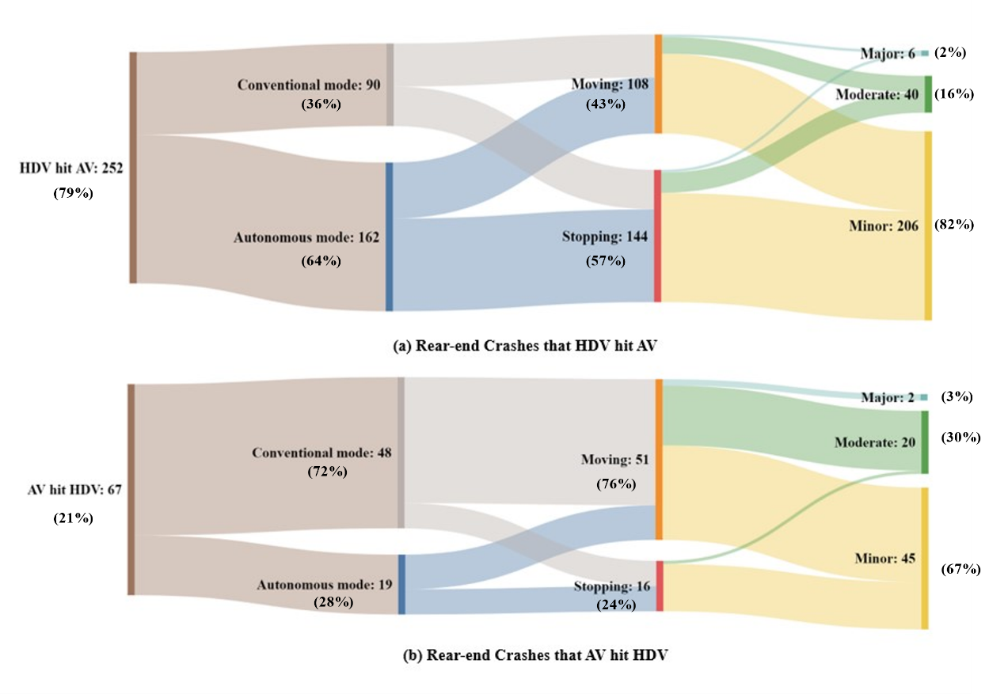
Figure 3. Rear-end accident conditions between AV and HDV.
 | Conventional mode | autonomous model | Moving | Stopping | Major | Moderate | Minor
HDV hit AV | 90 | 162 | 108 | 144 | 6 | 40 | 206
AV hit HDV | 48 | 19 | 51 | 16 | 2 | 20 | 45

The Autonomous Vehicle (AV) accidents dataset is available at https://github.com/UCF-SST-Lab/AVOID-Autonomous-Vehicle-Operation-Incident-Dataset/tree/main/asset.
The Human Driven-Vehicle (HDV) accidents dataset that we used to is publicly available at https://www.chp.ca.gov/programs-services/services-information/switrs-internet-statewide-integrated-traffic-records-system.

Figure 4 (a)
Figure 4. Distribution of the pre-accidents Speed.
 | Incident Time (24:00) | Day of the Week | Posted Speed Limit (MPH)
 | 0 | Friday | 51.8
 | 0 | Monday | 45
 | 0 | Saturday | 32.333333333
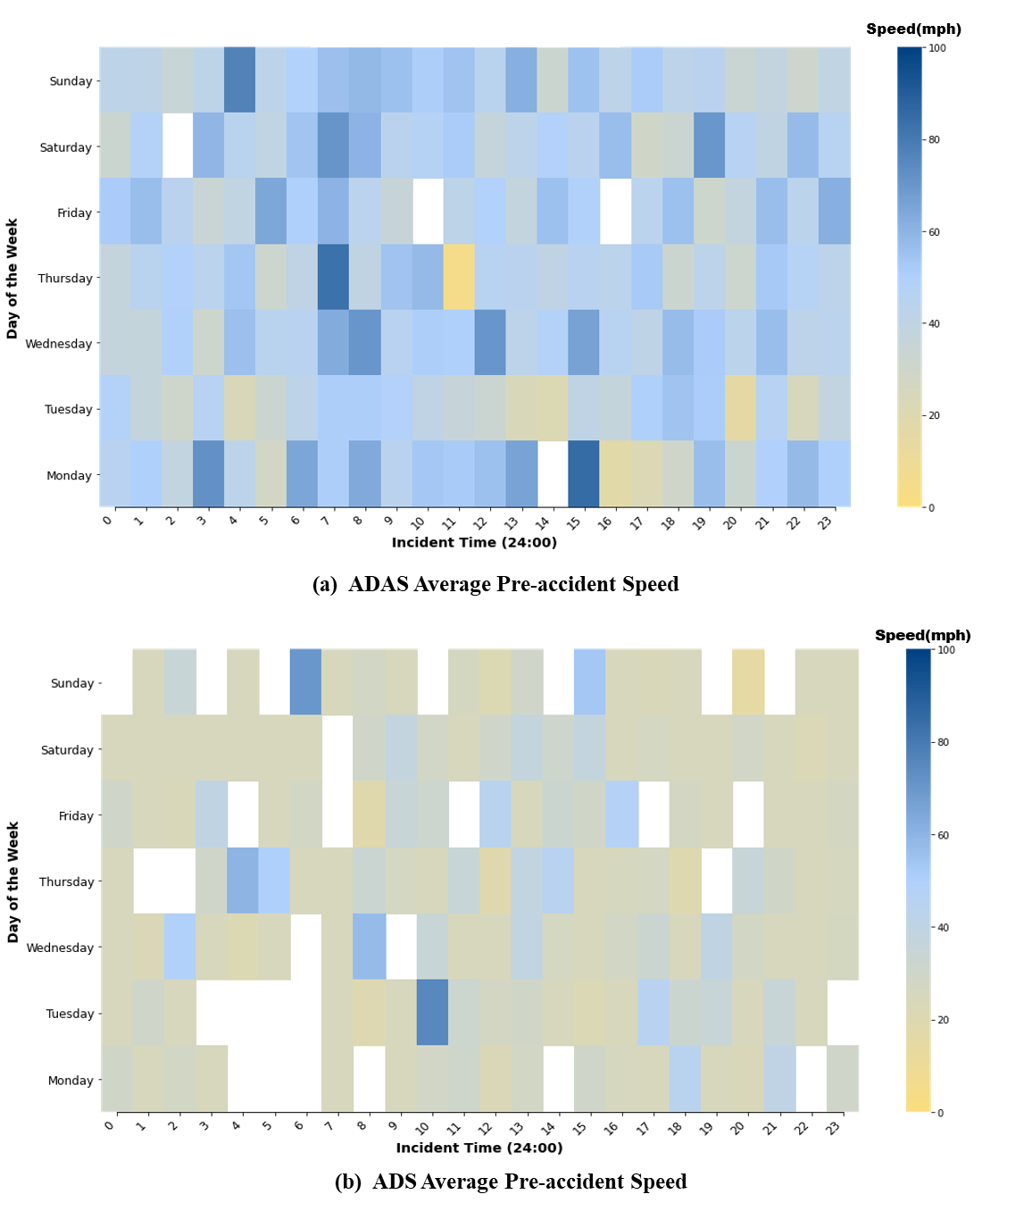
 | 0 | Sunday | 41.5
 | 0 | Thursday | 37.8
 | 0 | Tuesday | 48.4
 | 0 | Wednesday | 37.6
 | 1 | Friday | 56.5
 | 1 | Monday | 50
 | 1 | Saturday | 48.166666667
 | 1 | Sunday | 41.2
 | 1 | Thursday | 44.166666667
 | 1 | Tuesday | 37
 | 1 | Wednesday | 36.8
 | 2 | Friday | 43.75
 | 2 | Monday | 38.666666667
 | 2 | Sunday | 35.4
 | 2 | Thursday | 48.666666667
 | 2 | Tuesday | 30.5
 | 2 | Wednesday | 49
 | 3 | Friday | 34
 | 3 | Monday | 72
 | 3 | Saturday | 59.2
 | 3 | Sunday | 41.5
 | 3 | Thursday | 43.5
 | 3 | Tuesday | 45.8
 | 3 | Wednesday | 31
 | 4 | Friday | 39.166666667
 | 4 | Monday | 42.5
 | 4 | Saturday | 44.333333333
 | 4 | Sunday | 77
 | 4 | Thursday | 53.666666667
 | 4 | Tuesday | 23.5
 | 4 | Wednesday | 56.2
 | 5 | Friday | 64.5
 | 5 | Monday | 28
 | 5 | Saturday | 39.25
 | 5 | Sunday | 42.5
 | 5 | Thursday | 31.8
 | 5 | Tuesday | 32.666666667
 | 5 | Wednesday | 44.2
 | 6 | Friday | 50.25
 | 6 | Monday | 65
 | 6 | Saturday | 54.5
 | 6 | Sunday | 49.333333333
 | 6 | Thursday | 40.5
 | 6 | Tuesday | 41.75
 | 6 | Wednesday | 44.857142857
 | 7 | Friday | 60.4
 | 7 | Monday | 51
 | 7 | Saturday | 71
 | 7 | Sunday | 56
 | 7 | Thursday | 83
 | 7 | Tuesday | 51
 | 7 | Wednesday | 63.125
 | 8 | Friday | 43.666666667
 | 8 | Monday | 63.5
 | 8 | Saturday | 60.333333333
 | 8 | Sunday | 58.25
 | 8 | Thursday | 39.8
 | 8 | Tuesday | 51
 | 8 | Wednesday | 70.666666667
 | 9 | Friday | 35.8
 | 9 | Monday | 44
 | 9 | Saturday | 43.75
 | 9 | Sunday | 55.666666667
 | 9 | Thursday | 54.75
 | 9 | Tuesday | 48.5
 | 9 | Wednesday | 44.6
 | 10 | Monday | 53.4
 | 10 | Saturday | 47
 | 10 | Sunday | 50.8
 | 10 | Thursday | 58
 | 10 | Tuesday | 41
 | 10 | Wednesday | 51
 | 11 | Friday | 41.8
 | 11 | Monday | 52
 | 11 | Saturday | 51.666666667
 | 11 | Sunday | 55
 | 11 | Thursday | 5
 | 11 | Tuesday | 36
 | 11 | Wednesday | 50.125
 | 12 | Friday | 49.5
 | 12 | Monday | 55.5
 | 12 | Saturday | 36.714285714
 | 12 | Sunday | 44.333333333
 | 12 | Thursday | 45.666666667
 | 12 | Tuesday | 33.5
 | 12 | Wednesday | 70.5
 | 13 | Friday | 37.166666667
 | 13 | Monday | 66
 | 13 | Saturday | 42.75
 | 13 | Sunday | 62
 | 13 | Thursday | 43.8
 | 13 | Tuesday | 23.5
 | 13 | Wednesday | 42.4
 | 14 | Friday | 55.833333333
 | 14 | Saturday | 48.6
 | 14 | Sunday | 32.5
 | 14 | Thursday | 40.777777778
 | 14 | Tuesday | 21.5
 | 14 | Wednesday | 47.75
 | 15 | Friday | 48.857142857
 | 15 | Monday | 85
 | 15 | Saturday | 43.75
 | 15 | Sunday | 55.25
 | 15 | Thursday | 45.285714286
 | 15 | Tuesday | 40.5
 | 15 | Wednesday | 66.25
 | 16 | Monday | 17
 | 16 | Saturday | 56.333333333
 | 16 | Sunday | 41.666666667
 | 16 | Thursday | 43.285714286
 | 16 | Tuesday | 36.777777778
 | 16 | Wednesday | 45.636363636
 | 17 | Friday | 43.666666667
 | 17 | Monday | 22
 | 17 | Saturday | 29.25
 | 17 | Sunday | 51.8
 | 17 | Thursday | 52.5
 | 17 | Tuesday | 50.333333333
 | 17 | Wednesday | 41.3
 | 18 | Friday | 55.666666667
 | 18 | Monday | 30
 | 18 | Saturday | 33.375
 | 18 | Sunday | 42.555555556
 | 18 | Thursday | 32.75
 | 18 | Tuesday | 55
 | 18 | Wednesday | 57.4
 | 19 | Friday | 31
 | 19 | Monday | 56.333333333
 | 19 | Saturday | 70
 | 19 | Sunday | 43.8
 | 19 | Thursday | 42.5
 | 19 | Tuesday | 51.25
 | 19 | Wednesday | 51.777777778
 | 20 | Friday | 38
 | 20 | Monday | 32.4
 | 20 | Saturday | 46.25
 | 20 | Sunday | 33.875
 | 20 | Thursday | 32
 | 20 | Tuesday | 15.333333333
 | 20 | Wednesday | 43.166666667
 | 21 | Friday | 56.25
 | 21 | Monday | 49.666666667
 | 21 | Saturday | 40
 | 21 | Sunday | 38.166666667
 | 21 | Thursday | 53
 | 21 | Tuesday | 46
 | 21 | Wednesday | 56.444444444
 | 22 | Friday | 43.25
 | 22 | Monday | 58
 | 22 | Saturday | 57.666666667
 | 22 | Sunday | 31.571428571
 | 22 | Thursday | 46.666666667
 | 22 | Tuesday | 25.333333333
 | 22 | Wednesday | 42.214285714
 | 23 | Friday | 62
 | 23 | Monday | 50
 | 23 | Saturday | 45.5
 | 23 | Sunday | 39.333333333
 | 23 | Thursday | 42.75
 | 23 | Tuesday | 38.444444444
 | 23 | Wednesday | 43.444444444

The Autonomous Vehicle (AV) accidents dataset is available at https://github.com/UCF-SST-Lab/AVOID-Autonomous-Vehicle-Operation-Incident-Dataset/tree/main/asset.

Figure 5 (a)
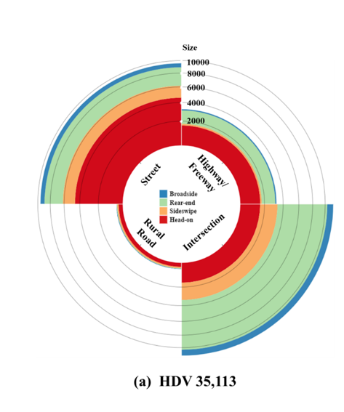
Figure 5. Distribution of the accident’s types and scenarios.
State | Head-on | Sideswipe | Rear-end | Broadside
Highway | 365 | 26 | 1595 | 47
Intersection | 1770 | 1035 | 7004 | 1580
Rural road | 102 | 12 | 282 | 45
Street | 4586 | 646 | 2744 | 1575

The Human Driven-Vehicle (HDV) accidents dataset that we used to is publicly available at https://www.chp.ca.gov/programs-services/services-information/switrs-internet-statewide-integrated-traffic-records-system.

Figure 5 (b)
Figure 5. Distribution of the accident’s types and scenarios.
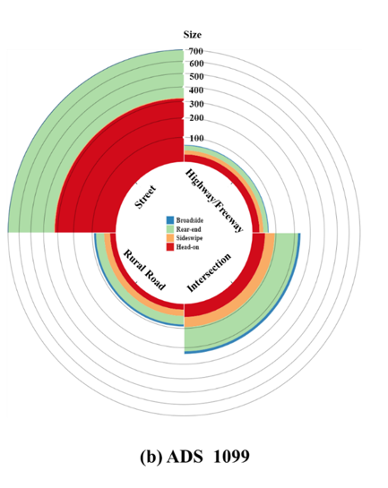

State | Head-on | Sideswipe | Rear-end | Broadside
Highway | 27 | 16 | 20 | 3
Intersection | 50 | 44 | 127 | 15
Rural road | 21 | 25 | 36 | 9
Street | 320 | 5 | 373 | 5

The Autonomous Vehicle (AV) accidents dataset is available at https://github.com/UCF-SST-Lab/AVOID-Autonomous-Vehicle-Operation-Incident-Dataset/tree/main/asset.

Figure 6
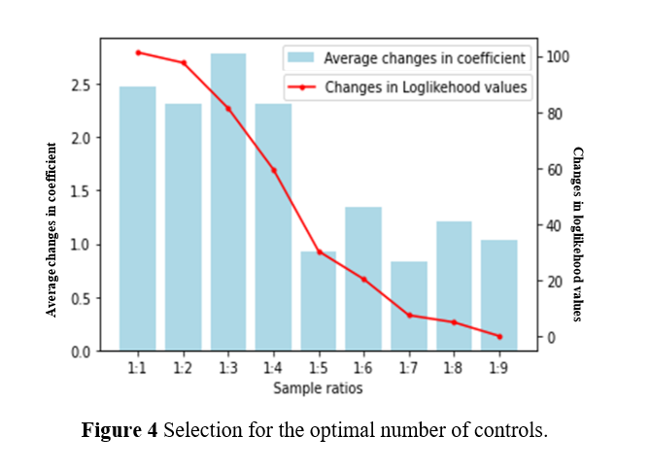
Figure 6 Selection for the optimal number of controls.
Smple ratios | Changes in coefficient | Changes in loglikehood values
1:1 | 2.48 | 101.49
1:2 | 2.37 | 97.31
1:3 | 2.72 | 81.04
1:4 | 2.36 | 59.76
1:5 | 0.94 | 32.58
1:6 | 1.41 | 20.12
1:7 | 0.87 | 7.01
1:8 | 1.23 | 3.14
1:9 | 1.07 | 0.37

The Autonomous Vehicle (AV) accidents dataset is available at https://github.com/UCF-SST-Lab/AVOID-Autonomous-Vehicle-Operation-Incident-Dataset/tree/main/asset.

Figure 7
Figure 7. Sample size applied in this research.

General Trends in the Full Accident Data
Autonomous Vehicles (AV) (2100)
Human-driven Vehicles (HDV)
(35,133)
The Human Driven-Vehicle (HDV) accidents dataset that we used to is publicly available at https://www.chp.ca.gov/programs-services/services-information/switrs-internet-statewide-integrated-traffic-records-system. The Autonomous Vehicle (AV) accidents dataset is available at https://github.com/UCF-SST-Lab/AVOID-Autonomous-Vehicle-Operation-Incident-Dataset/tree/main/asset. The Annual Average Daily Traffic (AADT) data of various road types from the California Traffic Census Program is available at https://dot.ca.gov/programs/traffic-operations/census.

Advanced driver assistance systems
(ADAS) SAE level 2 (1001 NHTSA)
Advanced Driving Systems (ADS) SAE level 4 (598 CADMV, 501 NHTSA)

Matched Case Control Model for ADS Accidents in California

ADS (548 CADMV)
HDV
(2740 SWITRS)

California Department of Motor Vehicles (CADMV)
National Highway Traffic Safety Administration (NHTSA)
Statewide Integrated Traffic Records System (SWITRS)

Figure 7. Sample size applied in this research.

