Figure #3
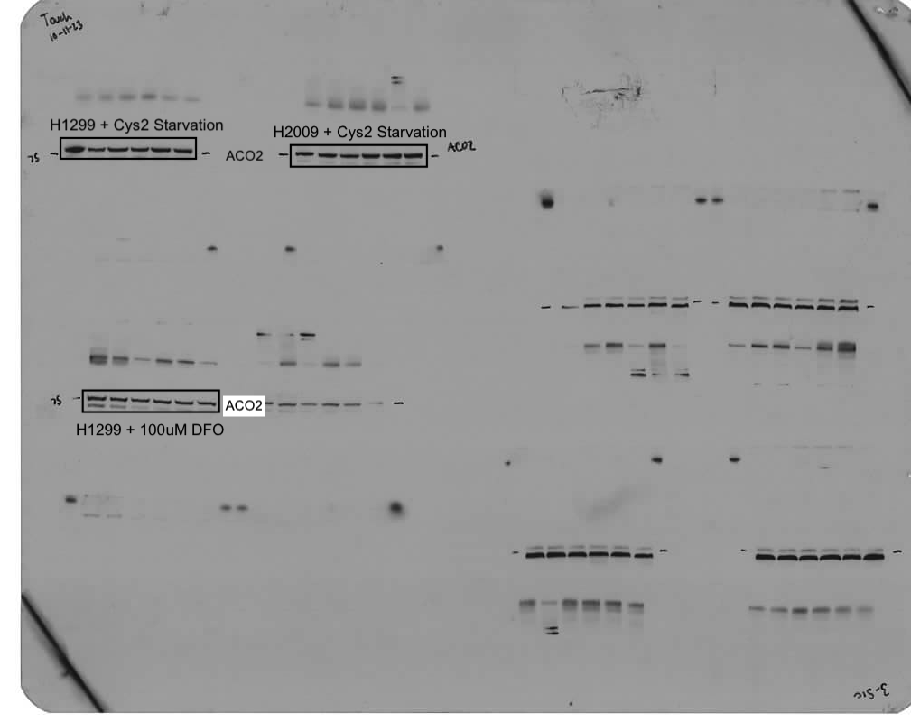
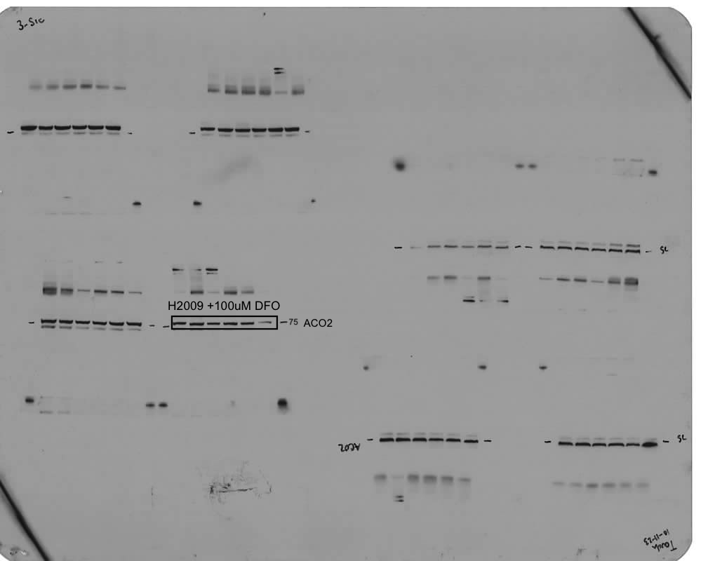
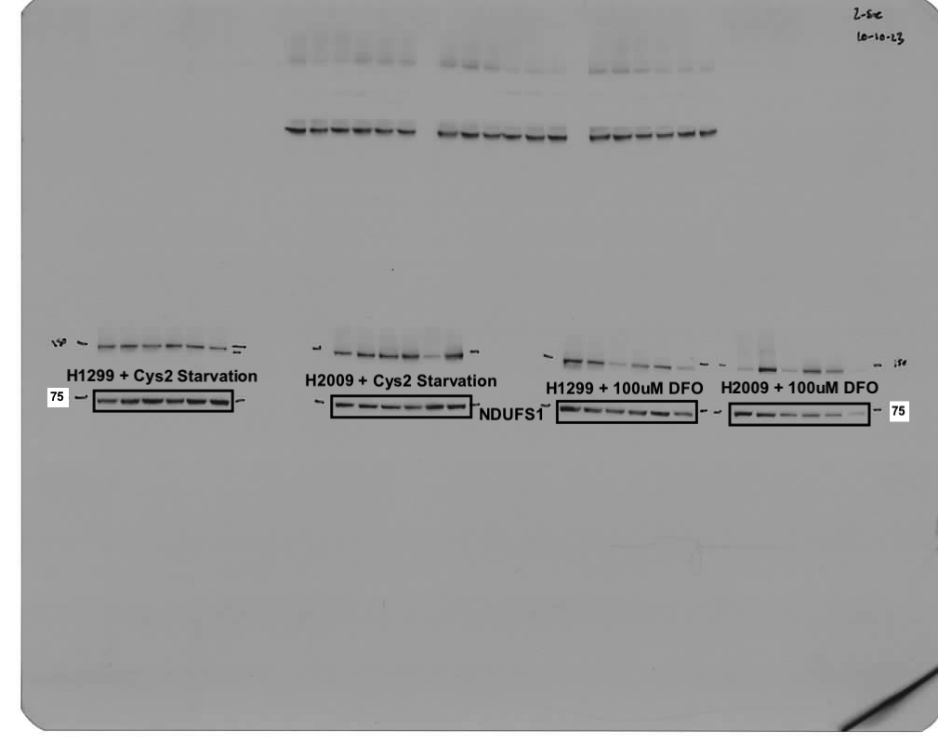
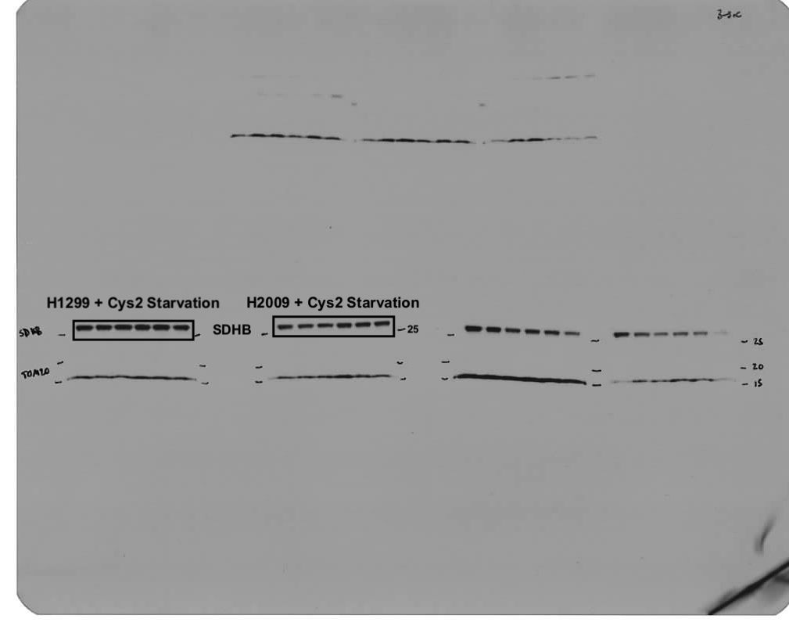
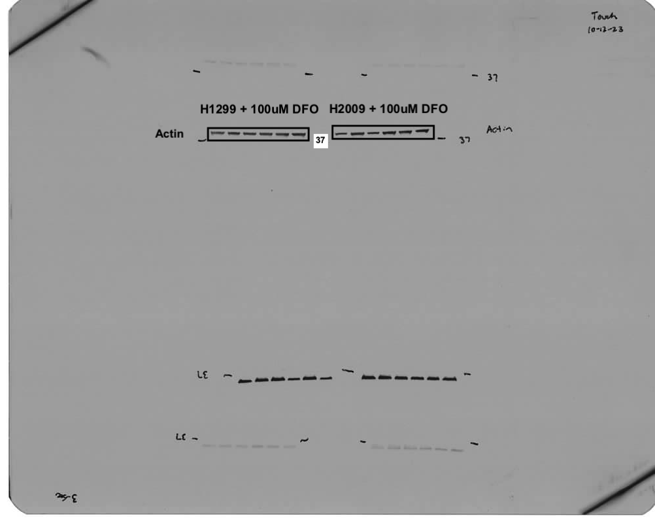
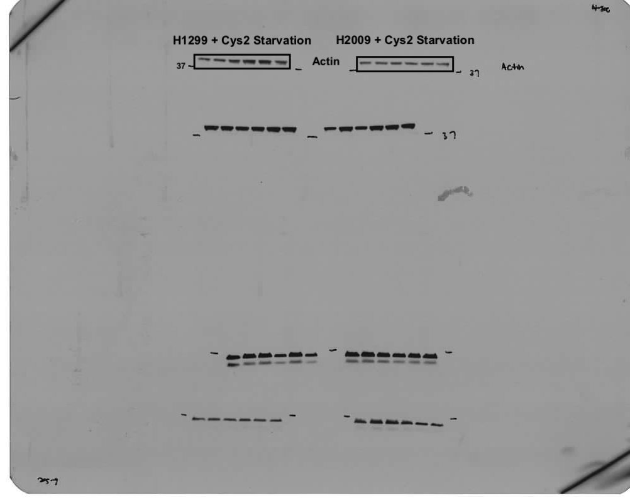
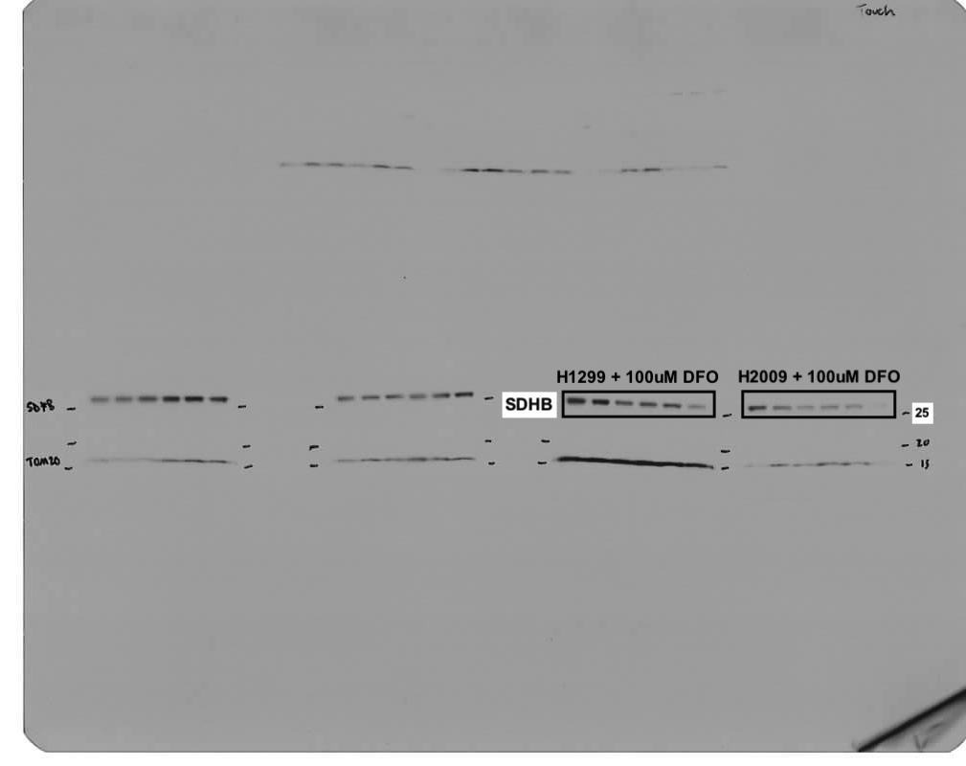
Panel b
 | Cell Line | 200uM Cys2 |  |  | 0uM Cys2
 | A549 | 0.717 | 0.731 | 0.984 | 1.237 | 1.357 | 1.384
 | H322 | 1.200 | 1.620 | 0.930 | 1.310 | 1.240 | 1.500
 | H1299 | 1.102 | 1.384 | 0.886 | 1.070 | 1.098 | 1.130
 | H1792 | 0.860 | 1.470 | 1.640 | 1.680 | 1.020 | 1.240
 | H1975 | 0.517 | 0.891 | 0.597 | 0.611 | 0.517 | 1.037
 | H2009 | 0.896 | 0.896 | 0.952 | 0.849 | 0.815 | 0.933
 | PC9 | 0.411 | 0.624 | 0.784 | 0.984 | 0.877 | 0.797

Panel c
 | Cell Line | 200uM Cys2 |  |  |  | 0uM Cys2
 | A549 | 114.47 | 98.61 | 101.65 | 102.45 | 77.05 | 69.34 | 78.60 | 79.89
 | H322 | 27.82 | 46.45 |  |  | 58.76 | 63.29 | 47.56 | 48.25
 | H1299 | 92.51 | 102.25 | 87.80 |  | 134.05 | 152.28 | 126.15 | 132.76
 | H1792 | 68.20 | 69.98 | 113.21 |  | 95.19 | 107.52 | 80.91 | 69.62
 | H1975 | 109.77 | 107.04 | 129.31 | 124.10 | 134.69 | 133.90 | 68.30 | 101.04
 | H2009 | 49.00 | 51.67 | 53.67 | 57.33 | 80.67 | 79.00 | 90.67 | 83.00
 | PC9 | 105.02 | 82.05 | 103.92 | 97.32 | 92.37 | 85.14 | 88.48 | 101.73

Panel d
 | Cell Line | 200uM Cys2 |  |  |  | 0uM Cys2
 | A549 | 253.4 | 218.75 | 225.89 | 220.18 | 223.38 | 194.42 | 184.72 | 202.49
 | H322 | 70.3 | 88.56 |  |  | 95.22 | 96.17 | 76.58 | 70.66
 | H1299 | 176.53 | 169.64 | 208.93 |  | 242.2 | 264.89 | 209.11 | 220.36
 | H1792 | 106.49 | 131.69 | 196.44 |  | 165.08 | 181.72 | 150.58 | 118.26
 | H1975 | 124.55 | 124.93 | 153.96 | 147.48 | 197.27 | 214.7 | 179.71 | 166.83
 | H2009 | 65.67 | 74.67 | 73.67 | 90.33 | 113 | 114.67 | 128.33 | 118.33
 | PC9 | 140.41 | 116.05 | 147.46 | 132.93 | 129.8 | 138.89 | 131.1 | 160.38

Panel e

Panel g
 | Time (Hours) | 0μM Cys2 |  |  | 100μM DFO |  |  | shNFS1 |  |  | shISCU
 | 0 | 103.6 | 96.2 | 100.1 | 102.6 | 100.9 | 95.7 | 98.5 | 100.8 | 100.7 | 93.9 | 100.2 | 105.8
 | 8 | 139.9 | 139.7 | 137.3 | 53.9 | 53.4 | 51.8 | 79.7 | 90.6 | 98.5 | 72.3 | 78.2 | 81.4
 | 16 | 142.9 | 141.7 | 142.3 | 23.2 | 23.4 | 24.4 | 64.5 | 67.7 | 78 | 70.8 | 78.2 | 80.3
 | 24 | 138.7 | 131.6 | 136.4 | 25.9 | 28.8 | 28.6 | 45.6 | 47.5 | 51 | 43.6 | 48.8 | 50.9

Panel h
 | Time (Hours) | 0μM Cys2 |  |  | 100μM DFO |  |  | shNFS1 |  |  | shISCU
 | 0 | 103.2 | 94.8 | 102.1 | 104.7 | 100.1 | 95.2 | 96.2 | 99.4 | 104.4 | 96.5 | 95.1 | 108.4
 | 8 | 107.8 | 97.5 | 92.0 | 96.9 | 102.4 | 120.8 | 66.2 | 66.1 | 73.5 | 69.9 | 62.5 | 66.9
 | 16 | 106.9 | 126.5 | 116.9 | 51.2 | 52.9 | 48.5 | 68.6 | 70.4 | 73.0 | 80.3 | 87.2 | 85.1
 | 24 | 117.0 | 130.2 | 113.0 | 33.5 | 57.2 | 39.3 | 70.9 | 76.6 | 75.6 | 65.9 | 63.5 | 57.8

Panel i
 | Time (Hours) | 0μM Cys2 |  |  | 100μM DFO |  |  | shNFS1 |  |  | shISCU
 | 0 | 99.2 | 99.1 | 101.7 | 112.5 | 108.2 | 79.3 | 85.4 | 91.4 | 123.2 | 90.3 | 91.2 | 118.5
 | 8 | 98.3 | 91.6 | 78.4 | 112.5 | 121.3 | 129.3 | 55.4 | 67.8 | 78.5 | 60.1 | 58.6 | 61.1
 | 16 | 108.6 | 108.3 | 115.4 | 74.6 | 75.4 | 75.1 | 64.2 | 70.3 | 76.1 | 80.7 | 91.0 | 92.7
 | 24 | 133.3 | 131.5 | 124.1 | 60.4 | 58.6 | 71.6 | 68.7 | 76.4 | 75.1 | 73.2 | 69.7 | 53.4

Panels j, k

Figure #4
Panel b

Panel c
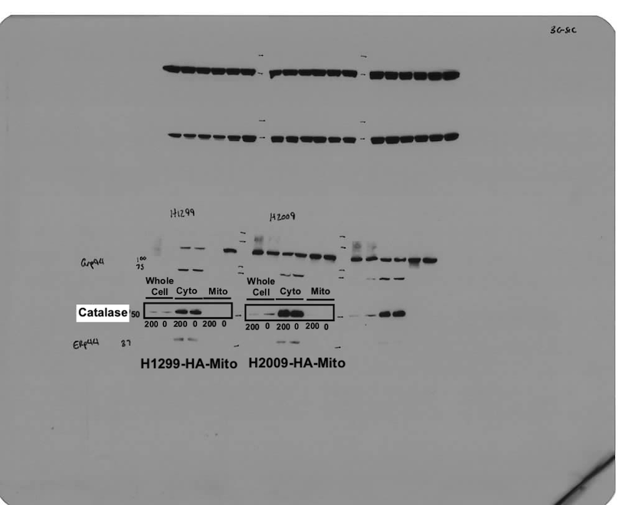
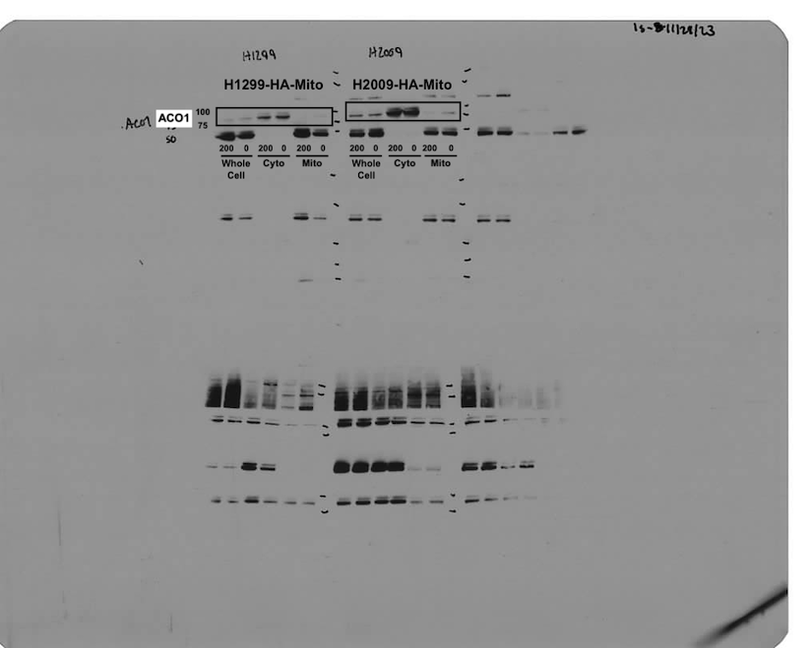
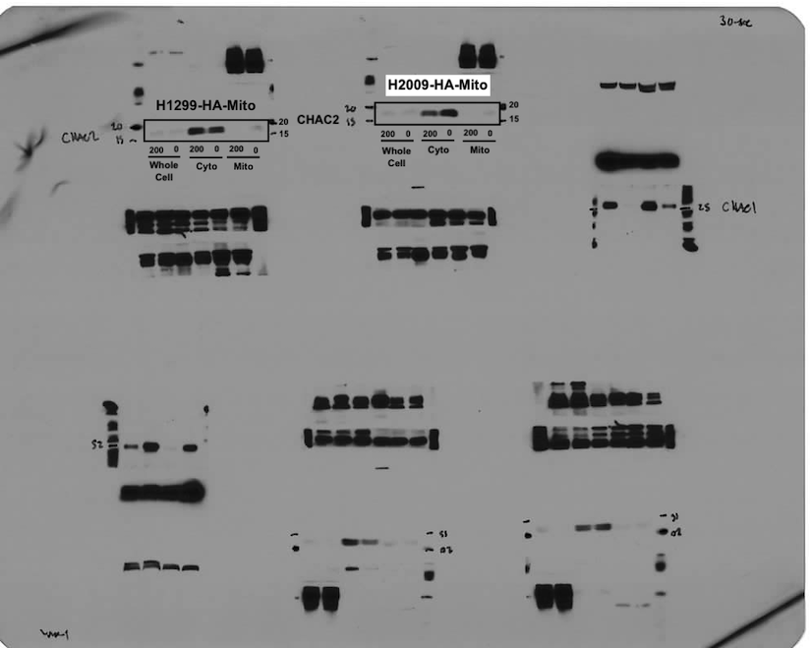
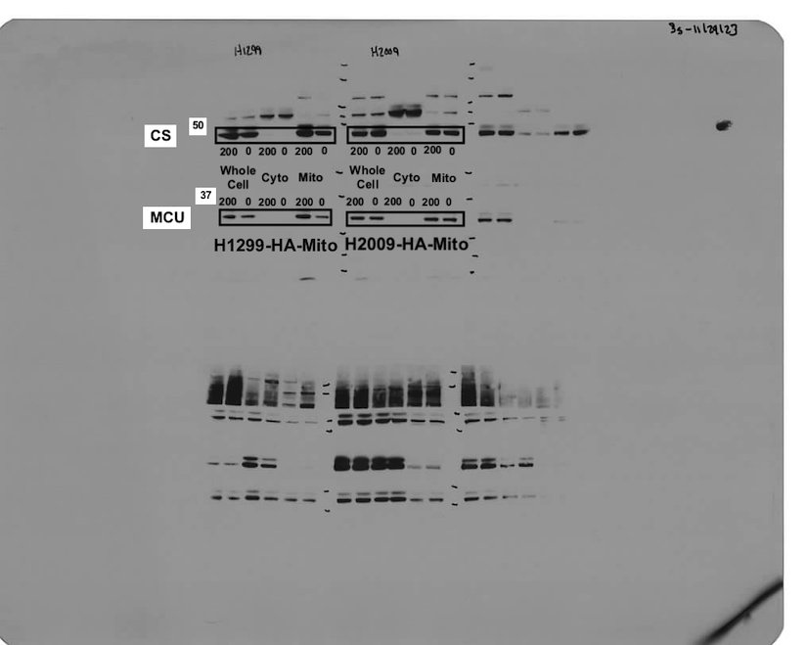
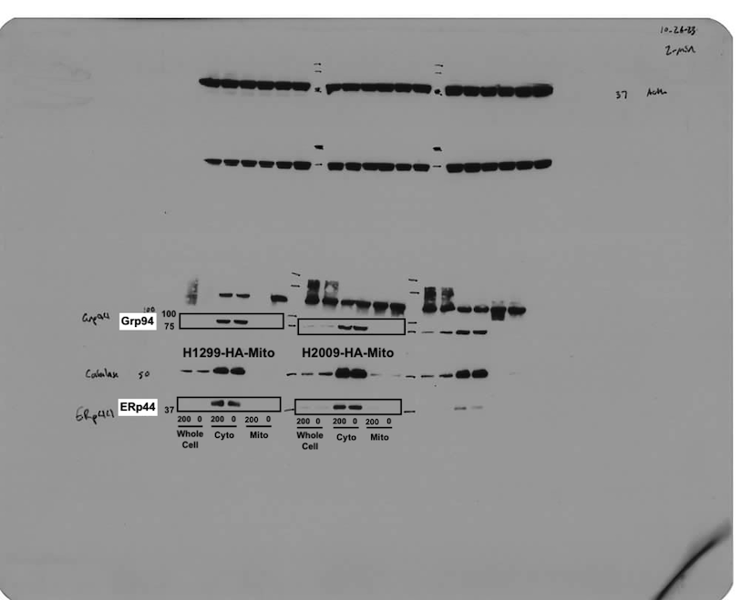
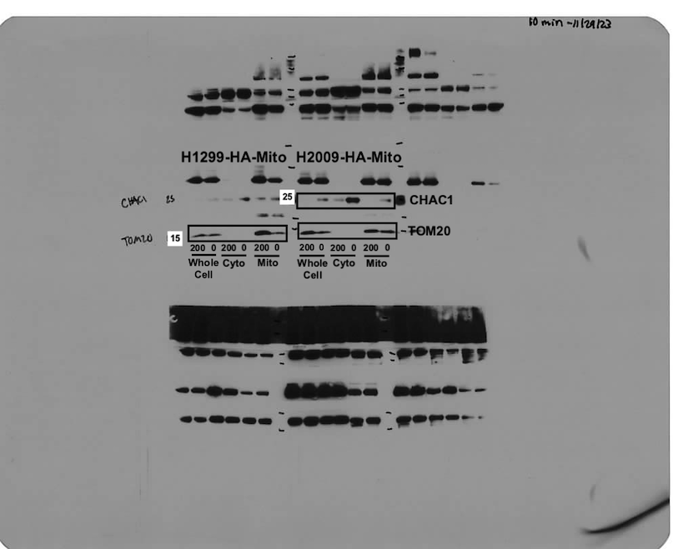
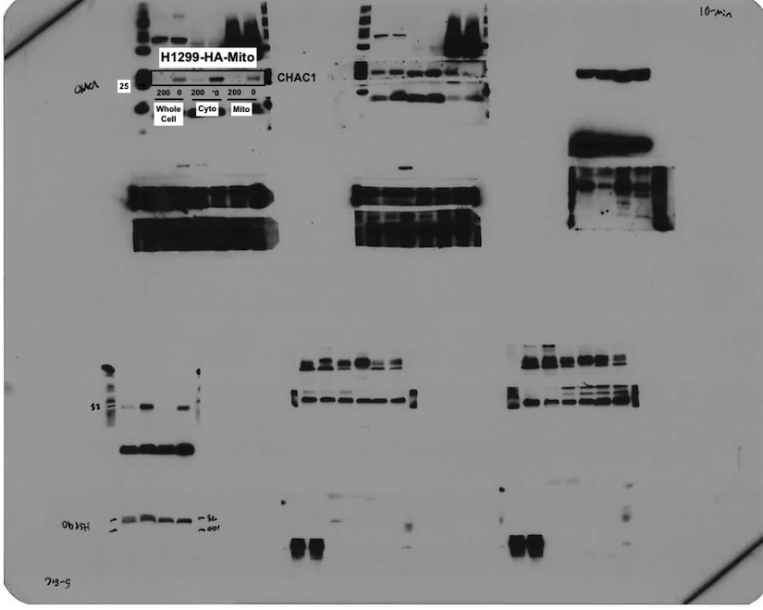

Panel d


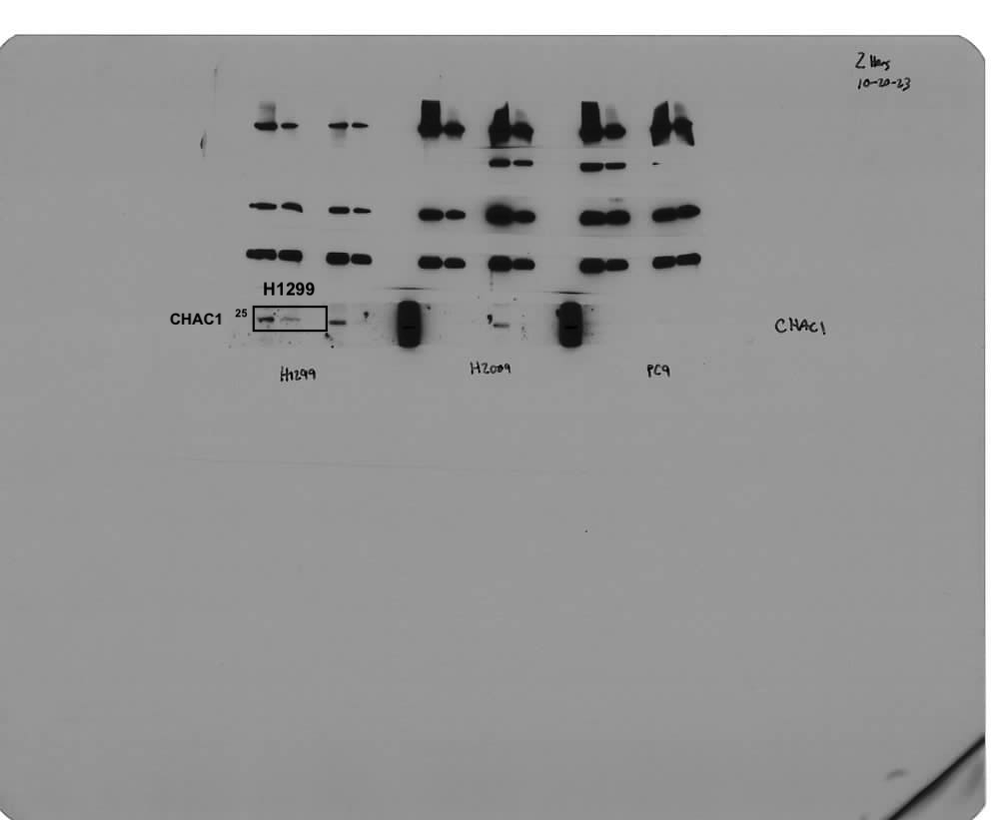
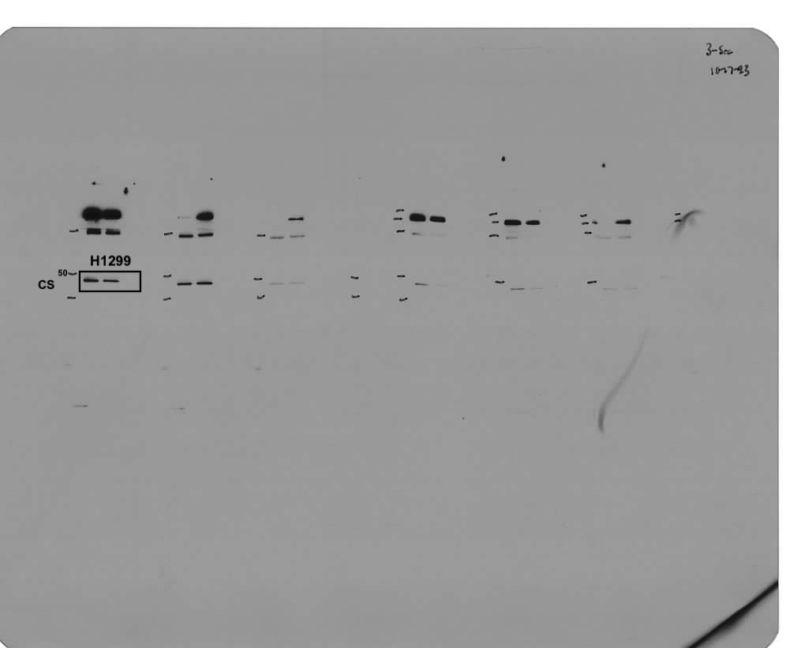
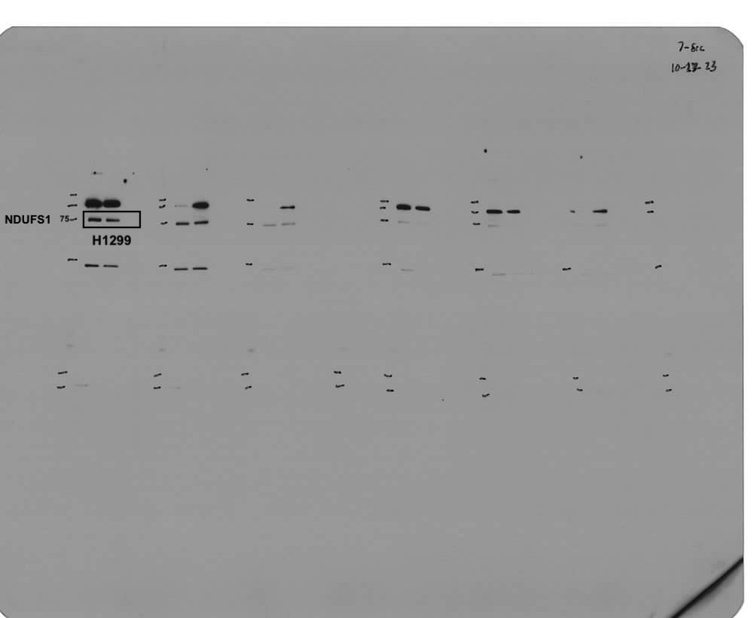
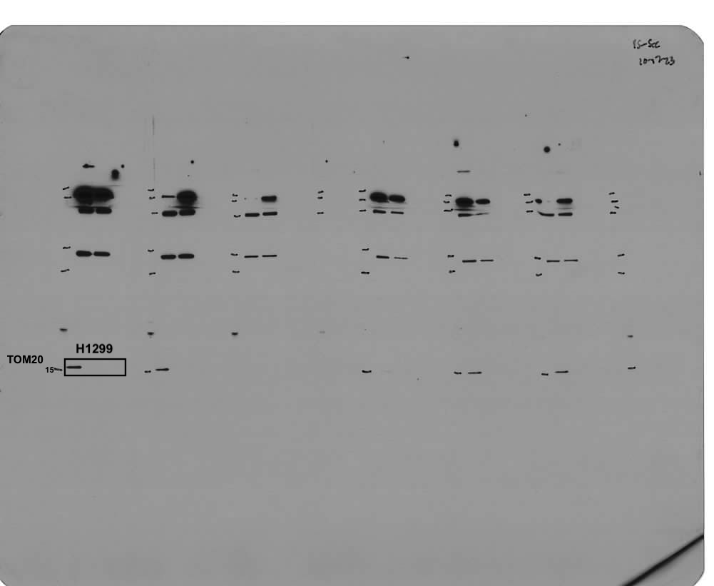
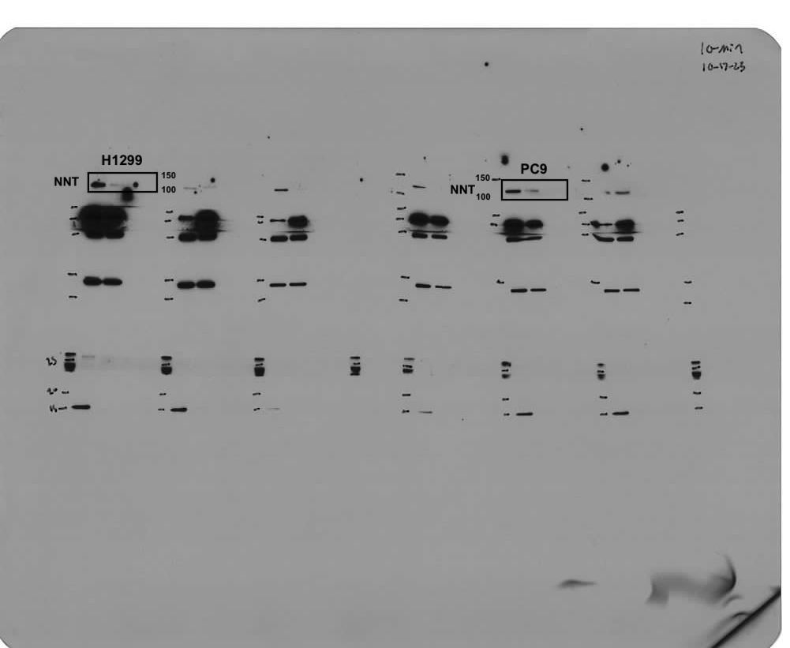
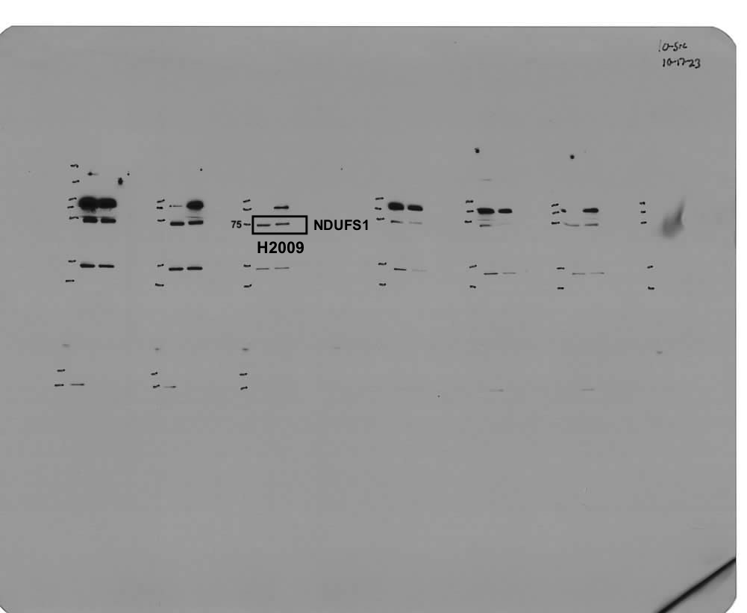
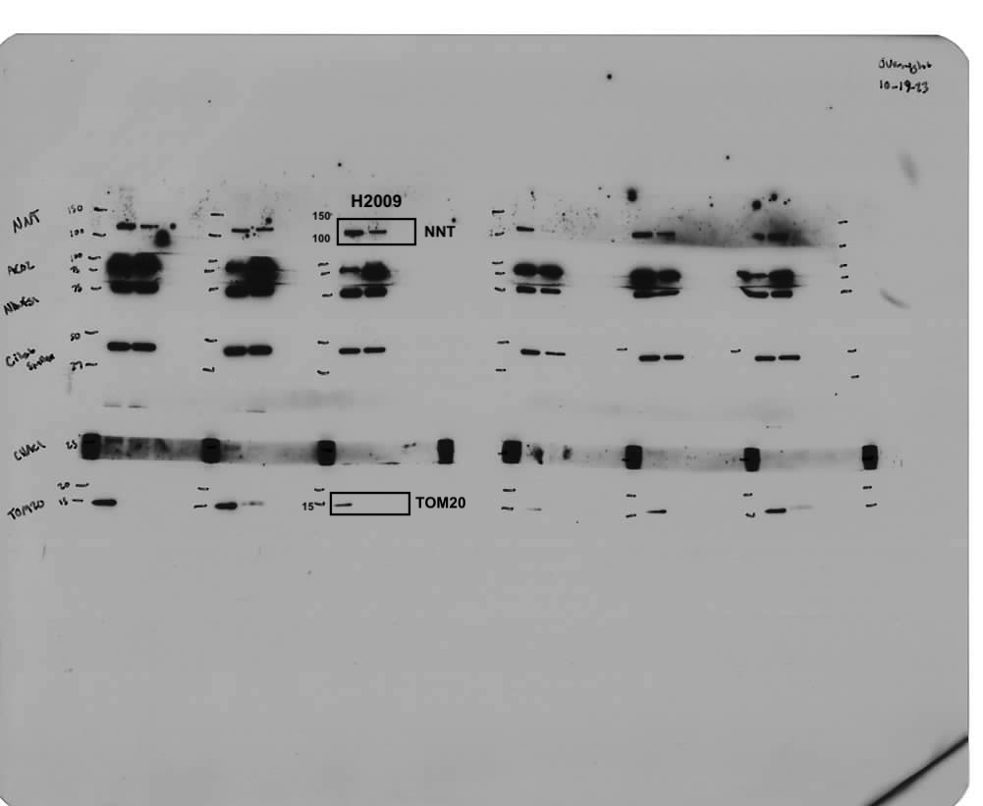
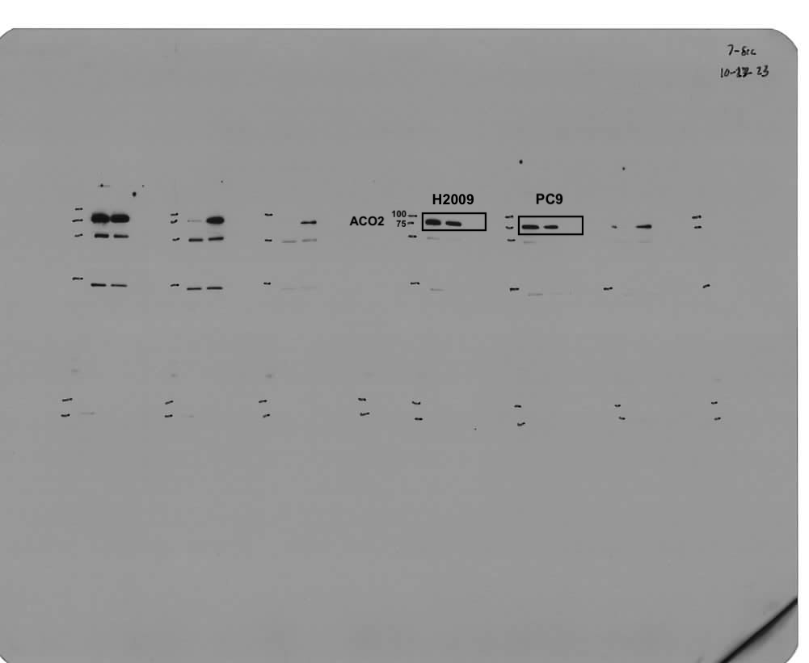
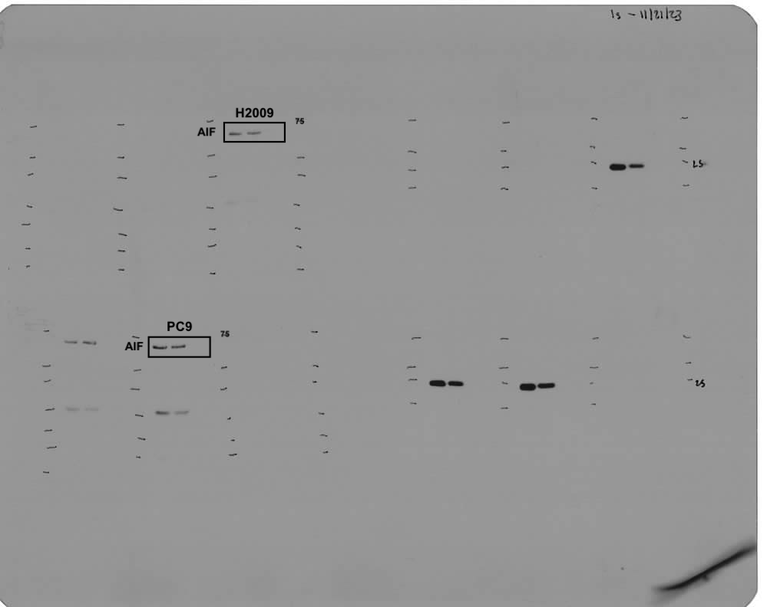
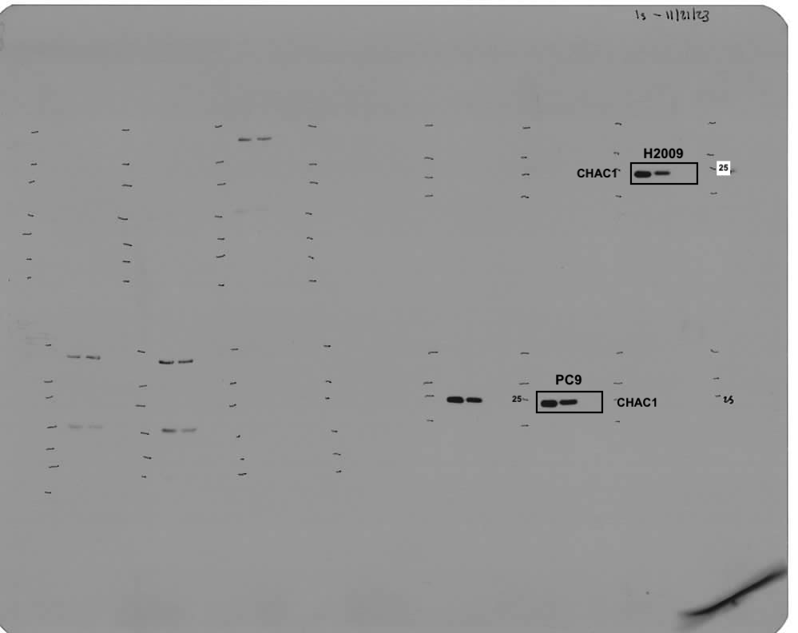
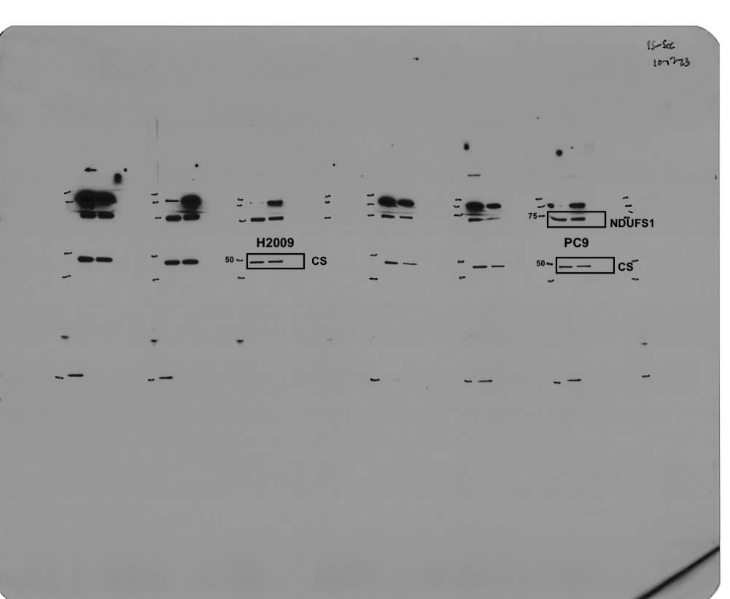
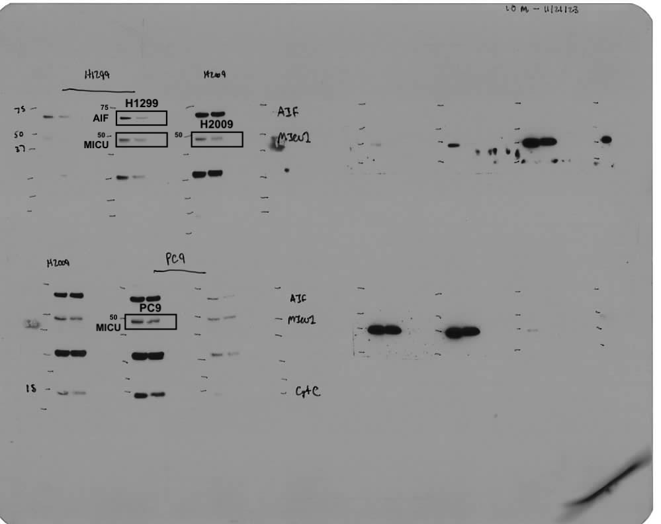
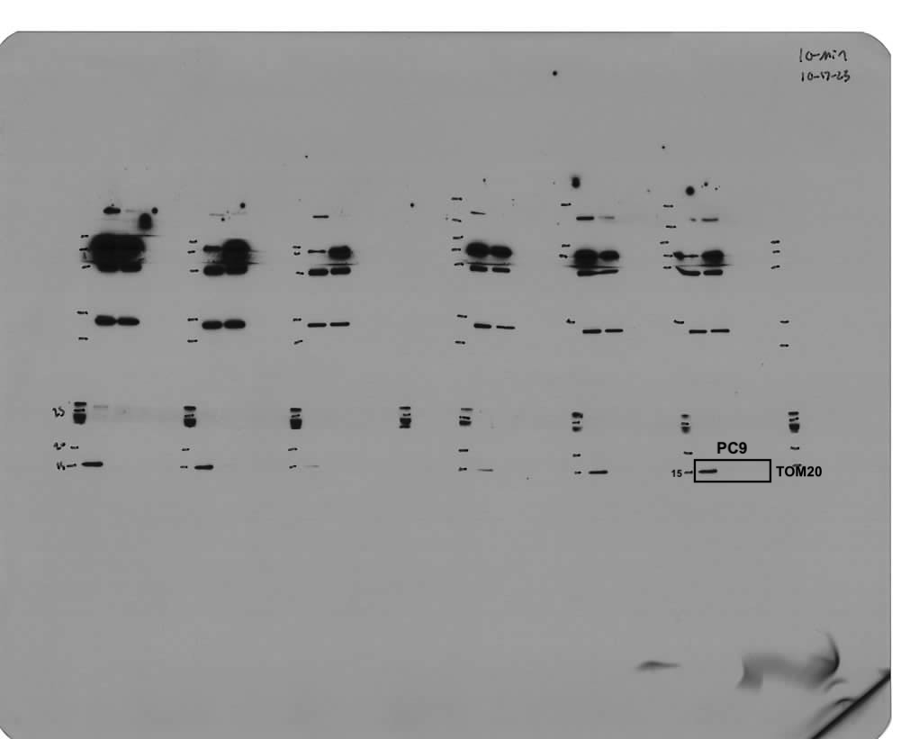

Panel e
 | Time (Hours) | sgControl |  |  | sgCHAC1 #1 |  |  | sgCHAC1 #2
 | 0 | 101.2 | 99.5 | 98.1 | 100.0 | 98.0 | 102.4 | 96.6 | 99.8 | 102.6
 | 24 | 102.6 | 99.2 | 99.9 | 82.8 | 83.5 | 80.5 | 86.6 | 87.8 | 85.5
 | 48 | 94.7 | 88.6 | 92.6 | 49.8 | 46.2 | 49.6 | 68.9 | 71.0 | 71.4
 | 72 | 89.5 | 83.2 | 82.0 | 49.5 | 46.5 | 50.3 | 65.0 | 65.2 | 62.9
 | 96 | 84.2 | 85.8 |  | 65.0 | 63.5 | 63.4 | 67.2 | 70.6 | 71.4

Panel f
 | Time (Hours) | sgControl |  |  | sgCHAC1 #1 |  |  | sgCHAC1 #2
 | 0 | 112.1 | 109.0 | 78.9 | 85.3 | 95.5 | 119.2 | 97.3 | 103.4 | 99.2
 | 24 | 111.0 | 114.7 | 105.6 | 79.1 | 78.4 | 43.1 | 60.6 | 48.3 | 56.1
 | 48 | 67.7 | 71.8 | 63.9 | 55.6 | 65.4 | 51.5 | 40.1 | 45.4 | 44.0
 | 72 | 84.9 | 72.8 | 65.9 | 56.4 | 58.6 | 60.5 | 31.9 | 31.2 | 34.2
 | 96 | 59.9 | 55.7 | 53.6 | 50.1 | 56.1 | 58.9 | 47.8 | 54.2 | 49.3

Panel g
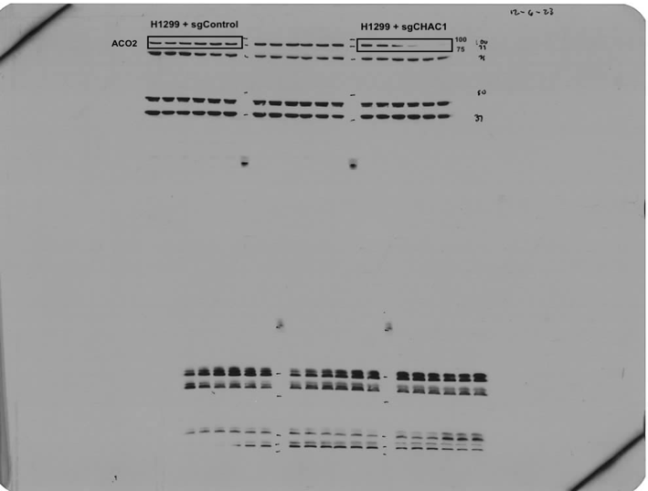
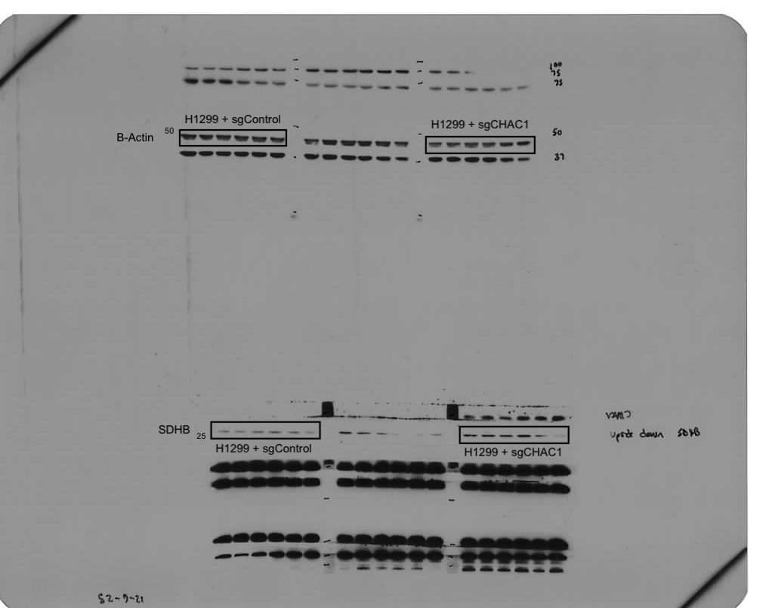
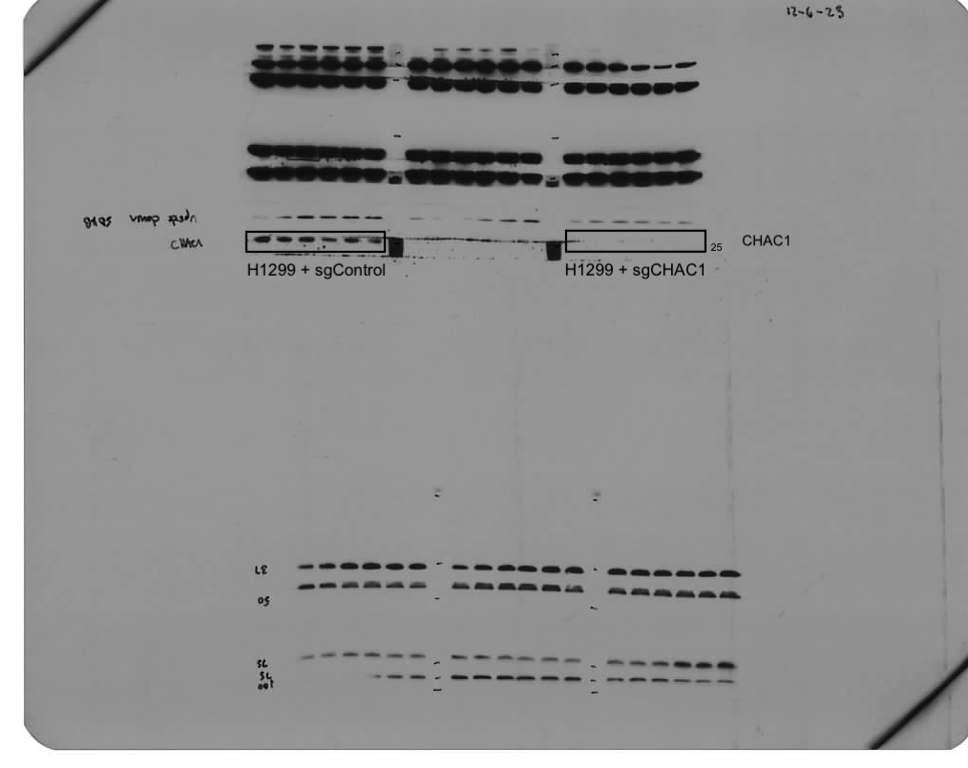
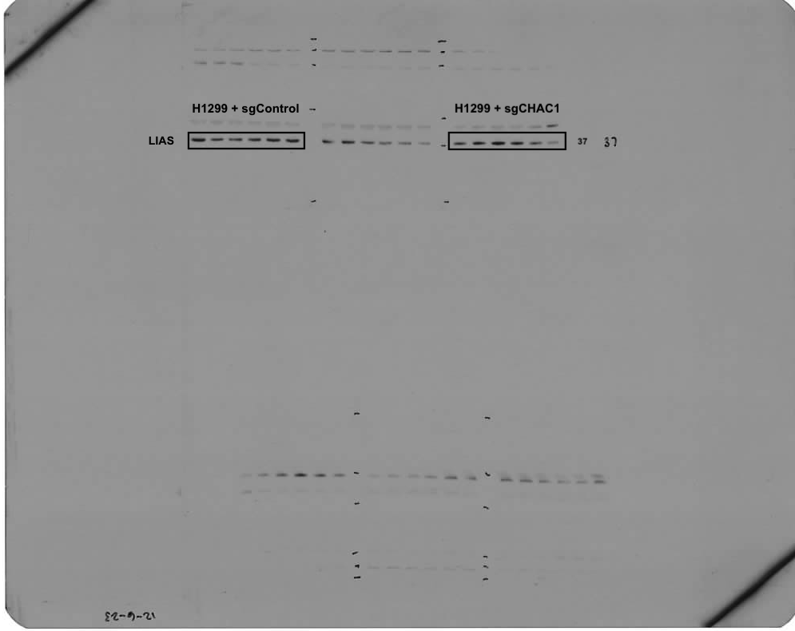
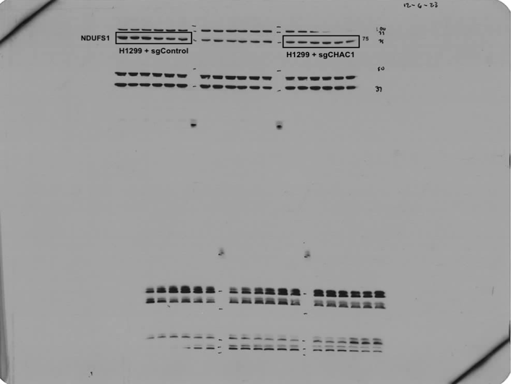

Panel h
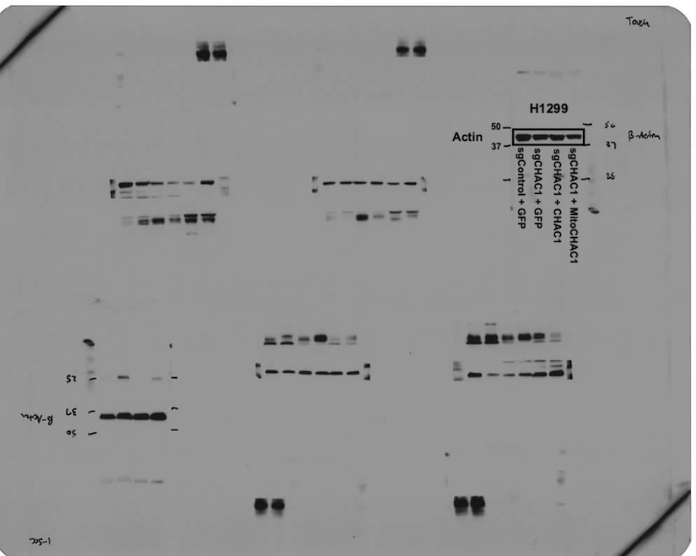
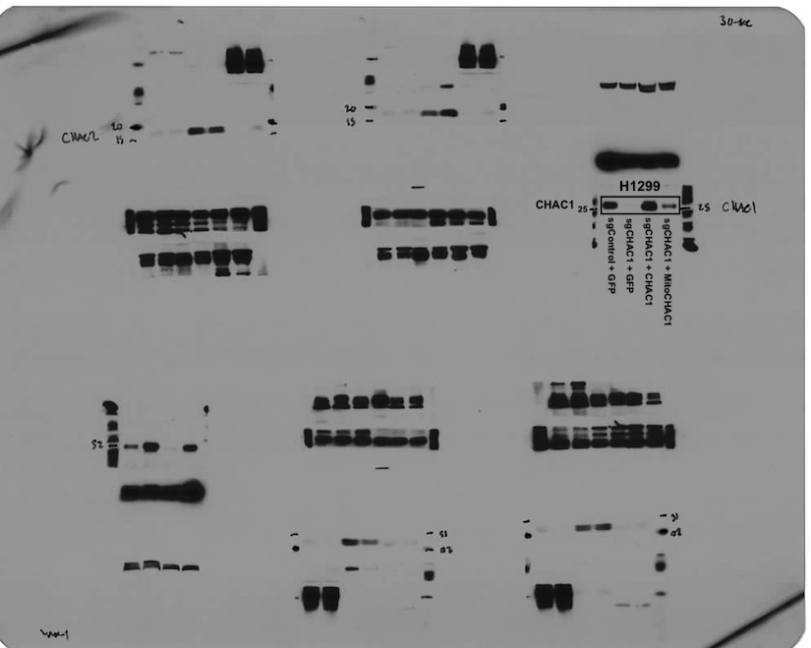

Panel i
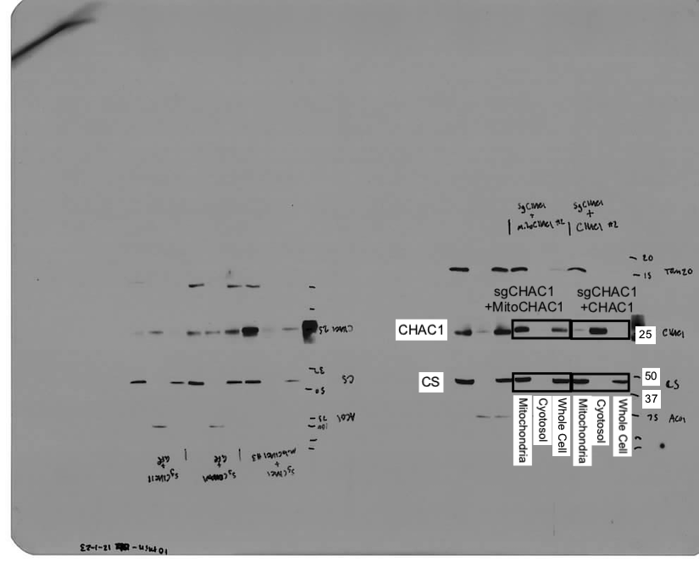
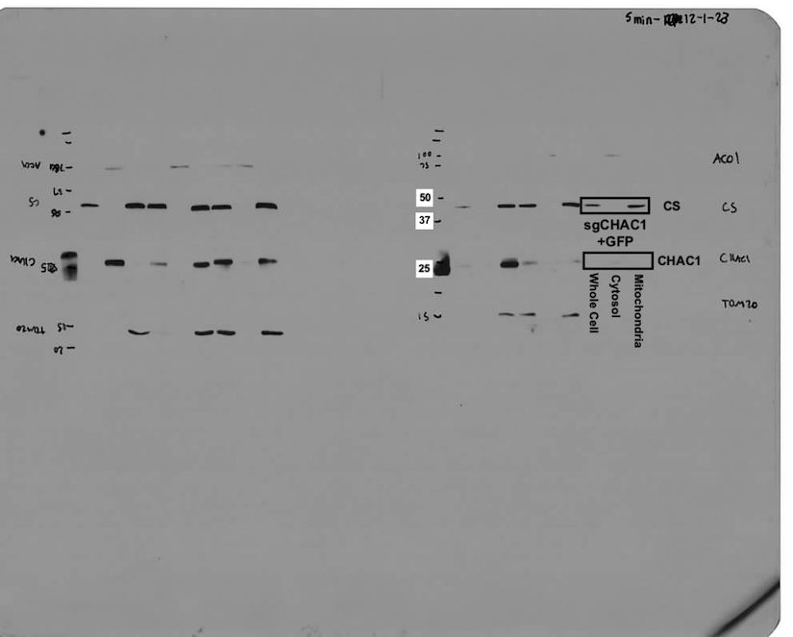

Panel j
 |  | sgControl |  |  | sgCHAC1 |  |  | sgCHAC1 + CHAC1 |  |  | sgCHAC1 + MitoCHAC1
 | 200μM Cys2 | 1.034 | 0.934 | 0.884 | 1.03 | 0.951 | 1.023 | 0.863 | 0.898 | 0.869 | 0.884 | 0.721 | 0.902
 | 0μM Cys2 | 1.189 | 1.128 | 1.189 | 0.712 | 0.795 | 0.778 | 0.969 | 1.09 | 1.078 | 1.23 | 1.163 | 1.248

Panel k
 |  | sgControl |  |  |  |  |  | sgCHAC1 |  |  |  |  |  | sgCHAC1 + CHAC1 |  |  |  |  |  | sgCHAC1 + MitoCHAC1
 | 200μM Cys2 | 199.05 | 183.85 | 205.86 | 231.48 | 239.12 | 232.74 | 180.5 | 156.43 | 207.33 | 184.99 | 183.99 | 174.72 | 138.1 | 150.8 | 184.24 | 177.11 | 144.44 | 154.51 | 143.67 | 115.38 | 159.71 | 146.79 | 159.82 | 143.82
 | 0μM Cys2 | 248.5 | 279.32 | 254.9 | 278.51 | 250.86 | 240.04 | 156.85 | 152.48 | 144.78 | 154.05 | 154.4 | 146.5 | 183.35 | 187.56 | 194.29 | 201.43 | 192.49 | 208.9 | 165.39 | 151.6 | 209.2 | 179.73 | 208.73 | 175.1

Panel l
 |  | sgControl |  |  |  |  |  | sgCHAC1 |  |  |  |  |  | sgCHAC1 + CHAC1 |  |  |  |  |  | sgCHAC1 + MitoCHAC1
 | 200μM Cys2 | 157.15 | 154.30 | 168.07 | 184.13 | 197.20 | 210.06 | 190.29 | 172.23 | 224.99 | 215.03 | 206.22 | 193.57 | 162.25 | 173.88 | 207.64 | 201.69 | 167.70 | 181.95 | 161.05 | 134.87 | 181.80 | 159.95 | 178.80 | 136.76
 | 0μM Cys2 | 203.36 | 235.78 | 186.93 | 226.61 | 199.90 | 187.01 | 149.74 | 150.23 | 145.62 | 151.96 | 150.75 | 139.00 | 202.76 | 205.84 | 208.07 | 214.21 | 205.52 | 226.05 | 187.66 | 150.90 | 222.64 | 193.23 | 229.77 | 183.81

Figure #5
Panel b
 | H1299
 | Time (Hours) | Cytosol |  |  | Matrix
 | 0 | 103.2 | 97.0 | 99.8 | 89.9 | 113.5 | 96.6
 | 1 | 14.9 | 18.8 | 15.8 | 15.6 | 32.9 | 11.0
 | 4 | 9.2 | 11.7 | 8.4 | 5.5 | 21.5 | 12.4
 | 8 | 9.1 | 7.3 | 6.8 | 10.0 | 7.3 | 8.0
 | 12 | 4.7 | 4.2 | 4.6 | 1.3 | 2.0 | 0.0
 | 20 | 3.7 | 4.0 | 3.7 | 2.5 | 2.8 | 0.0

 | H2009
 | Time (Hours) | Cytosol |  |  | Matrix
 | 0 | 69 | 106.7 | 124.4 | 60.6 | 116.8 | 122.6
 | 1 | 12.1 | 11.3 | 15.5 | 16.6 | 9.9 | 18.5
 | 4 | 7.3 | 4.9 | 7.1 | 3.4 | 6.3 | 5.3
 | 8 | 9.2 | 7.4 | 6.9 | 8.8 | 1.2 | 5.8
 | 12 | 1.2 | 5.2 | 3.2 | 2.5 | 4.5 | 3.3
 | 20 | 2.5 | 1.1 | 2.8 | 2.1 | 0.0 | 3.3

Panel c
 | H1299
 | Time (Hours) | Cytosol |  |  | Matrix
 | 0 | 95.2 | 88.2 | 116.6 | 88.9 | 89.4 | 122.1
 | 1 | 92.0 | 84.4 | 90.5 | 29.6 | 111.1 | 45.6
 | 4 | 60.3 | 53.9 | 62.4 | 42.4 | 78.6 | 64.1
 | 8 | 32.8 | 36.0 | 26.5 | 67.5 | 47.4 | 36.7
 | 12 | 10.7 | 11.2 | 6.8 | 8.5 | 15.5 | 3.4
 | 20 | 1.5 | 1.9 | 1.6 | 1.0 | 5.0 | 2.4

 | H2009
 | Time (Hours) | Cytosol |  |  | Matrix
 | 0 | 75.3 | 108.3 | 116.4 | 58.9 | 122.3 | 119.0
 | 1 | 77.3 | 70.6 | 95.9 | 75.0 | 30.8 | 85.9
 | 4 | 68.0 | 66.0 | 73.1 | 32.4 | 66.4 | 65.8
 | 8 | 67.2 | 58.0 | 64.4 | 90.4 | 24.8 | 64.1
 | 12 | 4.2 | 24.4 | 20.4 | 9.4 | 25.3 | 31.5
 | 20 | 2.8 | 0.9 | 3.2 | 5.9 | 0.4 | 8.9

Panel d
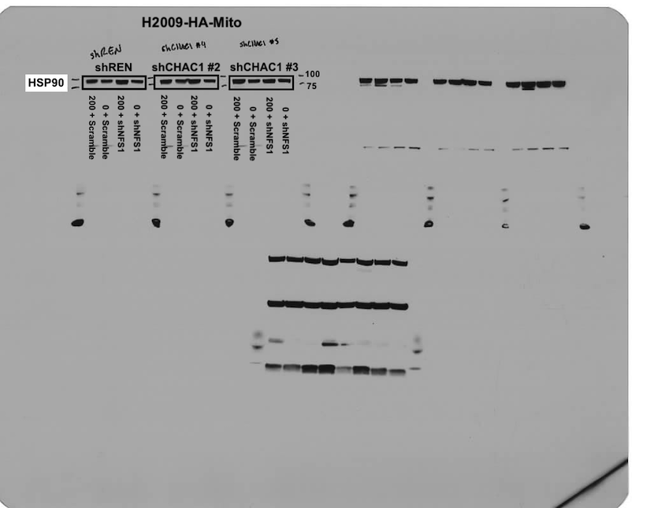
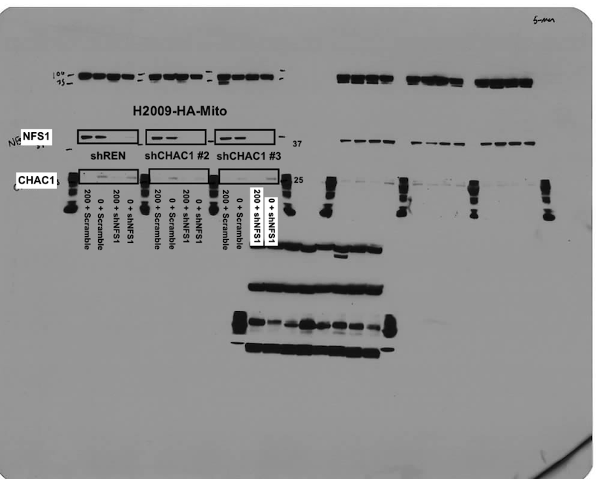

Panel e
 |  | shREN |  |  |  | shCHAC1 #2 |  |  |  | shCHAC1 #3
 | Scramble | 0.296 | 0.246 | 0.424 |  | 0.124 | 0.073 | 0.011 | 0.107 | 0.155 | 0.153 | 0.134 | 0.202
 | shNFS1 | 0.480 | 0.572 | 0.549 | 0.543 | 0.064 | 0.054 | 0.094 | 0.074 | 0.162 | 0.285 | 0.301

Panel f
 |  | shREN |  |  |  | shCHAC1 #2 |  |  |  | shCHAC1 #3
 | Scramble | 0.122 | 0.065 | 0.106 | 0.113 | 0.217 | 0.246 | 0.283 | 0.214 | 0.171 | 0.231 | 0.398 | 0.309
 | shNFS1 | 0.154 | 0.216 | 0.222 | 0.265 | 0.226 | 0.211 | 0.188 | 0.247 | 0.274 | 0.210 | 0.151 | 0.234

Supplementary Figure #2
Panel a

Panel b

Panel c
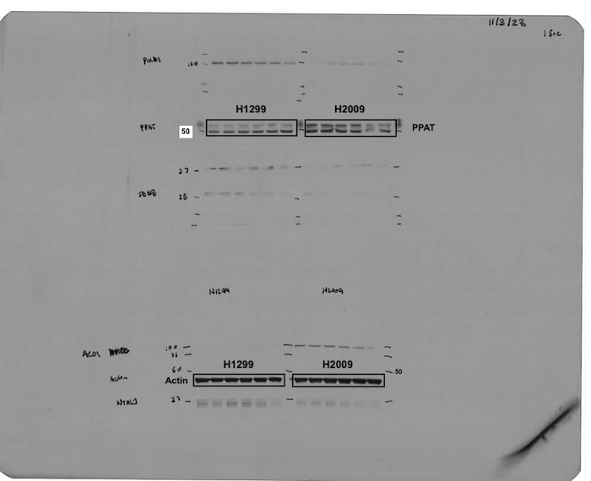
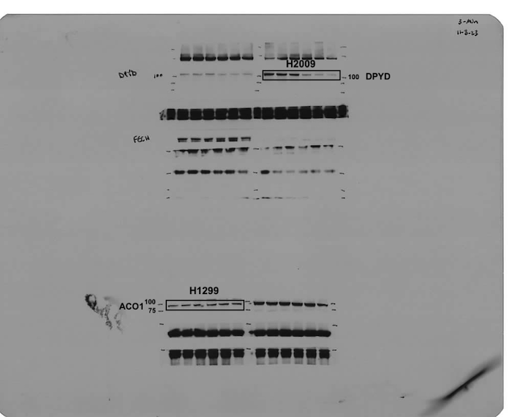
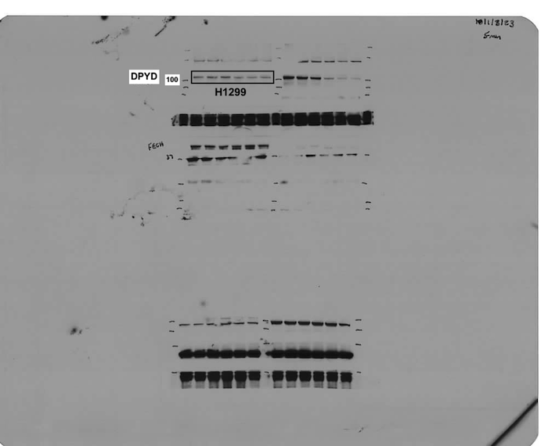
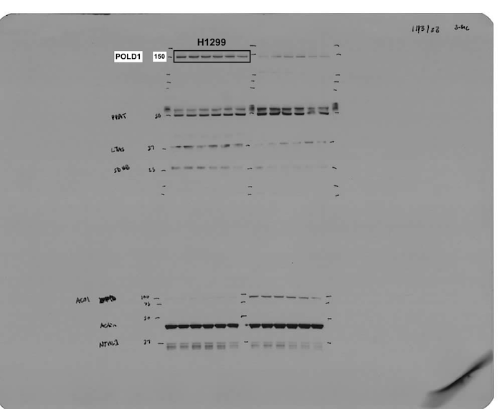
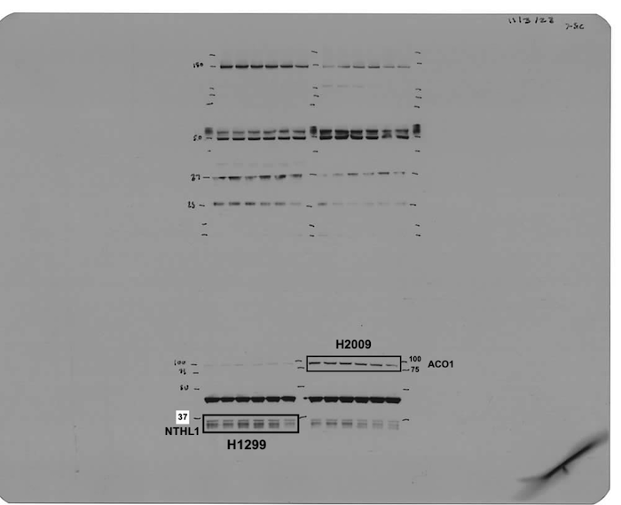
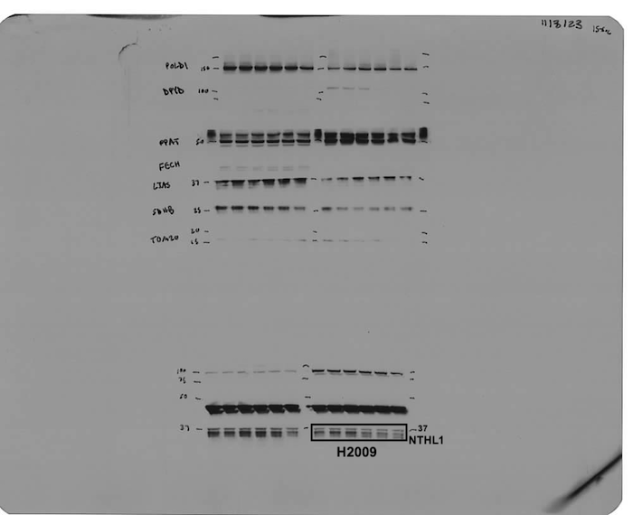
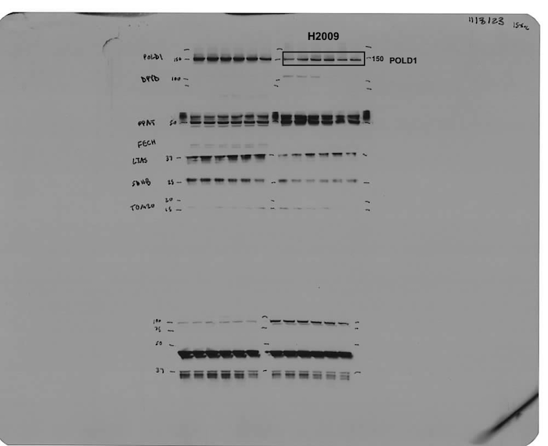

Panel d
 | Time (Hours) | 0μM Cys2 |  |  | 100μM DFO |  |  | shNFS1 |  |  | shISCU
 | 0 | 99.6 | 101.7 | 99.6 | 103.9 | 98.7 | 98.0 | 104.2 | 97.8 | 98.5 | 98.3 | 99.2 | 102.6
 | 8 | 124.7 | 111.3 | 118.7 | 88.6 | 84.4 | 84.7 | 88.2 | 85.4 | 89.8 | 77.3 | 77.7 | 81.1
 | 16 | 89.4 | 97.5 | 89.0 | 55.4 | 52.1 | 52.4 | 39.3 | 37.3 | 37.6 | 29.9 | 30.2 | 31.6
 | 24 | 82.3 | 84.8 | 82.7 | 45.5 | 43.1 | 43.2 | 42.9 | 40.4 | 40.6 | 31.2 | 30.3 | 31.7

Panel e
 | Time (Hours) | Complex I-III |  |  | Complex II-III
 | 0 | 112.8 | 89.9 | 97.3 | 130.6 | 84.2 | 85.2
 | 24 | 95.3 | 94.8 | 91.8 | 107.3 | 94.5 | 87.6
 | 48 | 75.9 | 60.3 | 57.6 | 75.5 | 62.0 | 46.9
 | 72 | 57.7 | 53.8 | 49.1 | 67.4 | 57.2 | 48.4
 | 96 | 52.2 | 40.6 | 41.2 | 67.4 | 34.6 | 33.3

