Figure 1a
Figure 1a | Crystal structure of the NaLaCl4 (The white ball: vacancy)
 |  | Lattice type P
 |  | Space group name P 63/m
 |  | Space group number 176
 |  | Setting number 1

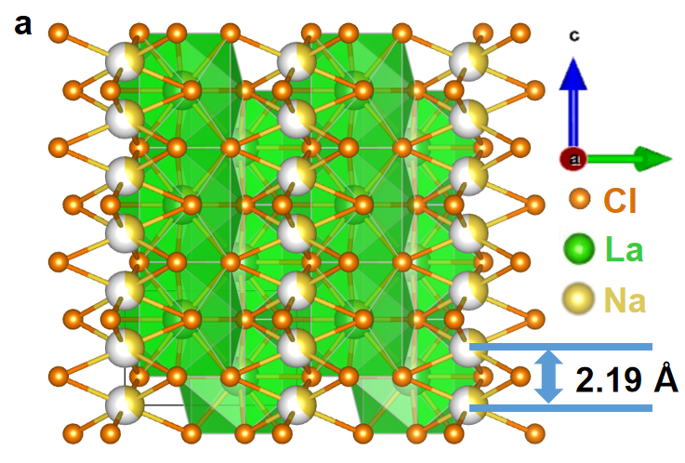
 |  | Lattice parameters

 |  | a b c alpha beta gamma
 |  | 7.59170 7.59170 4.37910 90.0000 90.0000 120.0000

 |  | Unit-cell volume = 218.571516 Å^3

 |  | Structure parameters

 |  | x y z Occ. B Site Sym.
 |  | 1 Na Na1 0.00000 0.00000 0.00000 0.363 4.967 2b -3..
 |  | 2 Na Na2 0.33333 0.66667 0.25000 0.182 1.140 2c -6..
 |  | 3 La La1 0.33333 0.66667 0.25000 0.818 1.140 2c -6..
 |  | 4 Cl Cl1 0.38642 0.30207 0.25000 1.000 1.560 6h m..

Figure 1b
Figure 1b | Rietveld refinements of NaLaCl4-HM

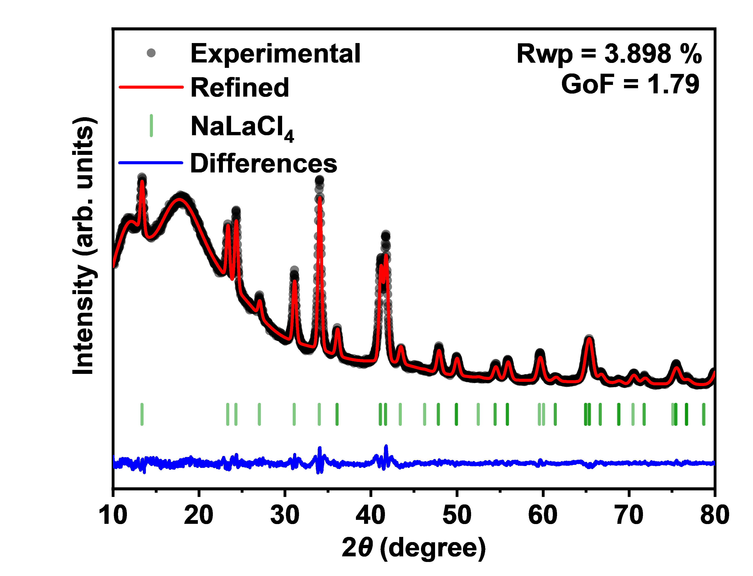
 |  |  | 2 theta | Test value | Calculated value | Background | Error | NaLaCl4
 |  | NaLaCl4 Rietveld refinements | 10 | 4530 | 4248.75 | 4227.83 | 281.25 | 13.374
 |  |  | 10.02 | 4429 | 4279.19 | 4224.31 | 149.81 | 23.352
 |  |  | 10.04 | 4403 | 4308.5 | 4223 | 94.5 | 24.308
 |  |  | 10.06 | 4348 | 4336.75 | 4223.74 | 11.25 | 27.046
 |  |  | 10.08 | 4361 | 4364.03 | 4226.39 | -3.03 | 31.083
 |  |  | 10.1 | 4340 | 4390.4 | 4230.79 | -50.4 | 34.01
 |  |  | 10.12 | 4474 | 4415.95 | 4236.81 | 58.05 | 36.08
 |  |  | 10.14 | 4439 | 4440.72 | 4244.34 | -1.72 | 36.08
 |  |  | 10.16 | 4305 | 4464.8 | 4253.23 | -159.8 | 41.092
 |  |  | 10.18 | 4457 | 4488.24 | 4263.39 | -31.24 | 41.134
 |  |  | 10.2 | 4548 | 4511.06 | 4274.7 | 36.94 | 41.72
 |  |  | 10.22 | 4519 | 4533.35 | 4287.05 | -14.35 | 41.72
 |  |  | 10.24 | 4464 | 4555.14 | 4300.36 | -91.14 | 43.437
 |  |  | 10.26 | 4533 | 4576.48 | 4314.52 | -43.48 | 46.263
 |  |  | 10.28 | 4495 | 4597.39 | 4329.45 | -102.39 | 47.851
 |  |  | 10.3 | 4633 | 4617.93 | 4345.07 | 15.07 | 47.889
 |  |  | 10.32 | 4634 | 4638.13 | 4361.31 | -4.13 | 49.946
 |  |  | 10.34 | 4642 | 4658.02 | 4378.08 | -16.02 | 49.982
 |  |  | 10.36 | 4505 | 4677.62 | 4395.31 | -172.62 | 49.982
 |  |  | 10.38 | 4652 | 4696.97 | 4412.96 | -44.97 | 52.504
 |  |  | 10.4 | 4611 | 4716.09 | 4430.94 | -105.09 | 54.469
 |  |  | 10.42 | 4693 | 4735 | 4449.21 | -42 | 54.469
 |  |  | 10.44 | 4703 | 4753.72 | 4467.71 | -50.72 | 55.887
 |  |  | 10.46 | 4777 | 4772.27 | 4486.39 | 4.73 | 55.887
 |  |  | 10.48 | 4733 | 4790.67 | 4505.21 | -57.67 | 55.921
 |  |  | 10.5 | 4843 | 4808.92 | 4524.11 | 34.08 | 59.624
 |  |  | 10.52 | 4861 | 4827.05 | 4543.06 | 33.95 | 60.105
 |  |  | 10.54 | 4897 | 4845.06 | 4562.02 | 51.94 | 61.471
 |  |  | 10.56 | 4844 | 4862.97 | 4580.96 | -18.97 | 61.471
 |  |  | 10.58 | 4748 | 4880.77 | 4599.83 | -132.77 | 64.982
 |  |  | 10.6 | 4833 | 4898.48 | 4618.61 | -65.48 | 65.013
 |  |  | 10.62 | 4836 | 4916.1 | 4637.27 | -80.1 | 65.013
 |  |  | 10.64 | 4841 | 4933.65 | 4655.78 | -92.65 | 65.379
 |  |  | 10.66 | 4828 | 4951.11 | 4674.12 | -123.11 | 65.441
 |  |  | 10.68 | 4923 | 4968.49 | 4692.27 | -45.49 | 65.441
 |  |  | 10.7 | 5024 | 4985.8 | 4710.19 | 38.2 | 66.716
 |  |  | 10.72 | 4940 | 5003.03 | 4727.89 | -63.03 | 66.716
 |  |  | 10.74 | 4888 | 5020.19 | 4745.32 | -132.19 | 68.814
 |  |  | 10.76 | 4879 | 5037.27 | 4762.49 | -158.27 | 68.874
 |  |  | 10.78 | 5104 | 5054.27 | 4779.38 | 49.73 | 68.874
 |  |  | 10.8 | 5081 | 5071.18 | 4795.97 | 9.82 | 70.502
 |  |  | 10.82 | 5044 | 5088.01 | 4812.25 | -44.01 | 71.793
 |  |  | 10.84 | 5270 | 5104.75 | 4828.2 | 165.25 | 71.822
 |  |  | 10.86 | 5178 | 5121.4 | 4843.83 | 56.6 | 75.125
 |  |  | 10.88 | 5179 | 5137.95 | 4859.12 | 41.05 | 75.469
 |  |  | 10.9 | 5175 | 5154.39 | 4874.07 | 20.61 | 75.469
 |  |  | 10.92 | 5091 | 5170.72 | 4888.66 | -79.72 | 75.527
 |  |  | 10.94 | 5037 | 5186.94 | 4902.89 | -149.94 | 76.728
 |  |  | 10.96 | 5257 | 5203.03 | 4916.76 | 53.97 | 76.728
 |  |  | 10.98 | 5187 | 5219 | 4930.27 | -32 | 76.757
 |  |  | 11 | 5275 | 5234.83 | 4943.4 | 40.17 | 76.757
 |  |  | 11.02 | 5378 | 5250.52 | 4956.16 | 127.48 | 78.718
 |  |  | 11.04 | 5419 | 5266.06 | 4968.55 | 152.94 | 78.775
 |  |  | 11.06 | 5243 | 5281.45 | 4980.56 | -38.45 | 80.23
 |  |  | 11.08 | 5342 | 5296.67 | 4992.19 | 45.33 | 80.23
 |  |  | 11.1 | 5435 | 5311.72 | 5003.45 | 123.28 | 80.694
 |  |  | 11.12 | 5524 | 5326.59 | 5014.33 | 197.41 | 80.694
 |  |  | 11.14 | 5528 | 5341.28 | 5024.84 | 186.72 | 81.923
 |  |  | 11.16 | 5394 | 5355.78 | 5034.97 | 38.22 | 81.923
 |  |  | 11.18 | 5351 | 5370.07 | 5044.73 | -19.07 | 83.747
 |  |  | 11.2 | 5378 | 5384.16 | 5054.12 | -6.16 | 85.347
 |  |  | 11.22 | 5528 | 5398.04 | 5063.15 | 129.96 | 85.347
 |  |  | 11.24 | 5559 | 5411.69 | 5071.8 | 147.31 | 85.508
 |  |  | 11.26 | 5464 | 5425.12 | 5080.1 | 38.88 | 85.508
 |  |  | 11.28 | 5434 | 5438.31 | 5088.03 | -4.31 | 86.645
 |  |  | 11.3 | 5459 | 5451.26 | 5095.61 | 7.74 | 89.591
 |  |  | 11.32 | 5516 | 5463.96 | 5102.84 | 52.04 | 89.832
 |  |  | 11.34 | 5503 | 5476.41 | 5109.72 | 26.59
 |  |  | 11.36 | 5517 | 5488.6 | 5116.25 | 28.4
 |  |  | 11.38 | 5469 | 5500.52 | 5122.45 | -31.52
 |  |  | 11.4 | 5700 | 5512.17 | 5128.31 | 187.83
 |  |  | 11.42 | 5558 | 5523.55 | 5133.84 | 34.45
 |  |  | 11.44 | 5634 | 5534.64 | 5139.04 | 99.36
 |  |  | 11.46 | 5734 | 5545.44 | 5143.92 | 188.56
 |  |  | 11.48 | 5617 | 5555.95 | 5148.48 | 61.05
 |  |  | 11.5 | 5603 | 5566.17 | 5152.73 | 36.83
 |  |  | 11.52 | 5640 | 5576.08 | 5156.67 | 63.92
 |  |  | 11.54 | 5660 | 5585.69 | 5160.31 | 74.31
 |  |  | 11.56 | 5669 | 5594.99 | 5163.66 | 74.01
 |  |  | 11.58 | 5765 | 5603.98 | 5166.71 | 161.02
 |  |  | 11.6 | 5752 | 5612.65 | 5169.47 | 139.35
 |  |  | 11.62 | 5685 | 5621 | 5171.95 | 64
 |  |  | 11.64 | 5590 | 5629.04 | 5174.16 | -39.04
 |  |  | 11.66 | 5640 | 5636.75 | 5176.09 | 3.25
 |  |  | 11.68 | 5582 | 5644.14 | 5177.76 | -62.14
 |  |  | 11.7 | 5841 | 5651.19 | 5179.16 | 189.81
 |  |  | 11.72 | 5737 | 5657.92 | 5180.31 | 79.08
 |  |  | 11.74 | 5656 | 5664.32 | 5181.21 | -8.32
 |  |  | 11.76 | 5695 | 5670.39 | 5181.86 | 24.61
 |  |  | 11.78 | 5766 | 5676.13 | 5182.27 | 89.87
 |  |  | 11.8 | 5724 | 5681.53 | 5182.44 | 42.47
 |  |  | 11.82 | 5836 | 5686.61 | 5182.39 | 149.39
 |  |  | 11.84 | 5589 | 5691.35 | 5182.1 | -102.35
 |  |  | 11.86 | 5726 | 5695.75 | 5181.6 | 30.25
 |  |  | 11.88 | 5715 | 5699.83 | 5180.88 | 15.17
 |  |  | 11.9 | 5724 | 5703.58 | 5179.95 | 20.42
 |  |  | 11.92 | 5788 | 5707 | 5178.81 | 81
 |  |  | 11.94 | 5740 | 5710.09 | 5177.47 | 29.91
 |  |  | 11.96 | 5631 | 5712.85 | 5175.93 | -81.85
 |  |  | 11.98 | 5698 | 5715.29 | 5174.2 | -17.29
 |  |  | 12 | 5694 | 5717.41 | 5172.29 | -23.41
 |  |  | 12.02 | 5764 | 5719.21 | 5170.19 | 44.79
 |  |  | 12.04 | 5812 | 5720.7 | 5167.91 | 91.3
 |  |  | 12.06 | 5749 | 5721.87 | 5165.46 | 27.13
 |  |  | 12.08 | 5752 | 5722.73 | 5162.84 | 29.27
 |  |  | 12.1 | 5839 | 5723.28 | 5160.06 | 115.72
 |  |  | 12.12 | 5706 | 5723.53 | 5157.11 | -17.53
 |  |  | 12.14 | 5574 | 5723.47 | 5154.01 | -149.47
 |  |  | 12.16 | 5683 | 5723.13 | 5150.76 | -40.13
 |  |  | 12.18 | 5651 | 5722.49 | 5147.36 | -71.49
 |  |  | 12.2 | 5751 | 5721.56 | 5143.82 | 29.44
 |  |  | 12.22 | 5649 | 5720.35 | 5140.14 | -71.35
 |  |  | 12.24 | 5473 | 5718.87 | 5136.32 | -245.87
 |  |  | 12.26 | 5636 | 5717.11 | 5132.38 | -81.11
 |  |  | 12.28 | 5731 | 5715.08 | 5128.31 | 15.92
 |  |  | 12.3 | 5656 | 5712.79 | 5124.11 | -56.79
 |  |  | 12.32 | 5672 | 5710.25 | 5119.8 | -38.25
 |  |  | 12.34 | 5620 | 5707.45 | 5115.38 | -87.45
 |  |  | 12.36 | 5456 | 5704.41 | 5110.84 | -248.41
 |  |  | 12.38 | 5595 | 5701.12 | 5106.2 | -106.12
 |  |  | 12.4 | 5538 | 5697.61 | 5101.45 | -159.61
 |  |  | 12.42 | 5580 | 5693.87 | 5096.61 | -113.87
 |  |  | 12.44 | 5589 | 5689.91 | 5091.67 | -100.91
 |  |  | 12.46 | 5614 | 5685.74 | 5086.65 | -71.74
 |  |  | 12.48 | 5501 | 5681.36 | 5081.53 | -180.36
 |  |  | 12.5 | 5667 | 5676.79 | 5076.33 | -9.79
 |  |  | 12.52 | 5690 | 5672.04 | 5071.06 | 17.96
 |  |  | 12.54 | 5693 | 5667.11 | 5065.7 | 25.89
 |  |  | 12.56 | 5476 | 5662.01 | 5060.28 | -186.01
 |  |  | 12.58 | 5545 | 5656.78 | 5054.78 | -111.78
 |  |  | 12.6 | 5571 | 5651.42 | 5049.22 | -80.42
 |  |  | 12.62 | 5728 | 5645.96 | 5043.6 | 82.04
 |  |  | 12.64 | 5640 | 5640.43 | 5037.92 | -0.43
 |  |  | 12.66 | 5563 | 5634.89 | 5032.19 | -71.89
 |  |  | 12.68 | 5469 | 5629.38 | 5026.41 | -160.38
 |  |  | 12.7 | 5633 | 5623.98 | 5020.58 | 9.02
 |  |  | 12.72 | 5688 | 5618.8 | 5014.7 | 69.2
 |  |  | 12.74 | 5519 | 5613.95 | 5008.79 | -94.95
 |  |  | 12.76 | 5636 | 5609.6 | 5002.83 | 26.4
 |  |  | 12.78 | 5485 | 5605.95 | 4996.85 | -120.95
 |  |  | 12.8 | 5704 | 5603.26 | 4990.83 | 100.74
 |  |  | 12.82 | 5549 | 5601.83 | 4984.79 | -52.83
 |  |  | 12.84 | 5619 | 5602.04 | 4978.72 | 16.96
 |  |  | 12.86 | 5641 | 5604.33 | 4972.64 | 36.67
 |  |  | 12.88 | 5630 | 5609.19 | 4966.53 | 20.81
 |  |  | 12.9 | 5560 | 5617.22 | 4960.42 | -57.22
 |  |  | 12.92 | 5716 | 5629.05 | 4954.29 | 86.95
 |  |  | 12.94 | 5849 | 5645.36 | 4948.16 | 203.64
 |  |  | 12.96 | 5601 | 5666.88 | 4942.02 | -65.88
 |  |  | 12.98 | 5691 | 5694.31 | 4935.88 | -3.31
 |  |  | 13 | 5719 | 5728.35 | 4929.74 | -9.35
 |  |  | 13.02 | 5701 | 5769.62 | 4923.61 | -68.62
 |  |  | 13.04 | 5727 | 5818.6 | 4917.49 | -91.6
 |  |  | 13.06 | 5715 | 5875.61 | 4911.38 | -160.61
 |  |  | 13.08 | 5885 | 5940.75 | 4905.28 | -55.75
 |  |  | 13.1 | 5902 | 6013.84 | 4899.21 | -111.84
 |  |  | 13.12 | 5895 | 6094.39 | 4893.15 | -199.39
 |  |  | 13.14 | 6105 | 6181.55 | 4887.12 | -76.55
 |  |  | 13.16 | 6135 | 6274.1 | 4881.11 | -139.1
 |  |  | 13.18 | 6214 | 6370.45 | 4875.14 | -156.45
 |  |  | 13.2 | 6194 | 6468.68 | 4869.19 | -274.68
 |  |  | 13.22 | 6430 | 6566.55 | 4863.29 | -136.55
 |  |  | 13.24 | 6527 | 6661.58 | 4857.42 | -134.58
 |  |  | 13.26 | 6525 | 6751.13 | 4851.6 | -226.13
 |  |  | 13.28 | 6772 | 6832.52 | 4845.81 | -60.52
 |  |  | 13.3 | 6739 | 6903.12 | 4840.08 | -164.12
 |  |  | 13.32 | 6962 | 6960.5 | 4834.4 | 1.5
 |  |  | 13.34 | 6918 | 7002.53 | 4828.77 | -84.53
 |  |  | 13.36 | 7163 | 7027.54 | 4823.19 | 135.46
 |  |  | 13.38 | 6999 | 7034.41 | 4817.67 | -35.41
 |  |  | 13.4 | 7016 | 7022.65 | 4812.22 | -6.65
 |  |  | 13.42 | 7034 | 6992.44 | 4806.83 | 41.56
 |  |  | 13.44 | 7115 | 6944.6 | 4801.5 | 170.4
 |  |  | 13.46 | 6949 | 6880.56 | 4796.25 | 68.44
 |  |  | 13.48 | 6701 | 6802.24 | 4791.06 | -101.24
 |  |  | 13.5 | 6663 | 6711.96 | 4785.95 | -48.96
 |  |  | 13.52 | 6586 | 6612.26 | 4780.92 | -26.26
 |  |  | 13.54 | 6334 | 6505.83 | 4775.96 | -171.83
 |  |  | 13.56 | 6148 | 6395.36 | 4771.09 | -247.36
 |  |  | 13.58 | 6131 | 6283.42 | 4766.3 | -152.42
 |  |  | 13.6 | 6165 | 6172.38 | 4761.6 | -7.38
 |  |  | 13.62 | 5934 | 6064.35 | 4756.98 | -130.35
 |  |  | 13.64 | 5590 | 5961.09 | 4752.46 | -371.09
 |  |  | 13.66 | 5829 | 5864.02 | 4748.03 | -35.02
 |  |  | 13.68 | 5748 | 5774.17 | 4743.7 | -26.17
 |  |  | 13.7 | 5571 | 5692.22 | 4739.46 | -121.22
 |  |  | 13.72 | 5605 | 5618.51 | 4735.32 | -13.51
 |  |  | 13.74 | 5517 | 5553.08 | 4731.29 | -36.08
 |  |  | 13.76 | 5570 | 5495.74 | 4727.36 | 74.26
 |  |  | 13.78 | 5444 | 5446.07 | 4723.53 | -2.07
 |  |  | 13.8 | 5352 | 5403.53 | 4719.81 | -51.53
 |  |  | 13.82 | 5506 | 5367.47 | 4716.21 | 138.53
 |  |  | 13.84 | 5562 | 5337.2 | 4712.71 | 224.8
 |  |  | 13.86 | 5320 | 5312.01 | 4709.33 | 7.99
 |  |  | 13.88 | 5350 | 5291.2 | 4706.06 | 58.8
 |  |  | 13.9 | 5402 | 5274.11 | 4702.91 | 127.89
 |  |  | 13.92 | 5322 | 5260.15 | 4699.88 | 61.85
 |  |  | 13.94 | 5309 | 5248.79 | 4696.97 | 60.21
 |  |  | 13.96 | 5312 | 5239.57 | 4694.18 | 72.43
 |  |  | 13.98 | 5408 | 5232.07 | 4691.52 | 175.93
 |  |  | 14 | 5439 | 5225.99 | 4688.98 | 213.01
 |  |  | 14.02 | 5388 | 5221.03 | 4686.56 | 166.97
 |  |  | 14.04 | 5368 | 5217 | 4684.28 | 151
 |  |  | 14.06 | 5302 | 5213.7 | 4682.12 | 88.3
 |  |  | 14.08 | 5286 | 5211.02 | 4680.1 | 74.98
 |  |  | 14.1 | 5385 | 5208.84 | 4678.21 | 176.16
 |  |  | 14.12 | 5249 | 5207.09 | 4676.45 | 41.91
 |  |  | 14.14 | 5328 | 5205.7 | 4674.82 | 122.3
 |  |  | 14.16 | 5287 | 5204.65 | 4673.33 | 82.35
 |  |  | 14.18 | 5329 | 5203.88 | 4671.98 | 125.12
 |  |  | 14.2 | 5344 | 5203.39 | 4670.76 | 140.61
 |  |  | 14.22 | 5372 | 5203.16 | 4669.68 | 168.84
 |  |  | 14.24 | 5311 | 5203.18 | 4668.75 | 107.82
 |  |  | 14.26 | 5375 | 5203.43 | 4667.95 | 171.57
 |  |  | 14.28 | 5311 | 5203.92 | 4667.29 | 107.08
 |  |  | 14.3 | 5285 | 5204.63 | 4666.78 | 80.37
 |  |  | 14.32 | 5195 | 5205.58 | 4666.4 | -10.58
 |  |  | 14.34 | 5270 | 5206.74 | 4666.17 | 63.26
 |  |  | 14.36 | 5430 | 5208.13 | 4666.08 | 221.87
 |  |  | 14.38 | 5356 | 5209.75 | 4666.14 | 146.25
 |  |  | 14.4 | 5271 | 5211.58 | 4666.34 | 59.42
 |  |  | 14.42 | 5312 | 5213.63 | 4666.69 | 98.37
 |  |  | 14.44 | 5329 | 5215.9 | 4667.18 | 113.1
 |  |  | 14.46 | 5309 | 5218.39 | 4667.82 | 90.61
 |  |  | 14.48 | 5169 | 5221.09 | 4668.6 | -52.09
 |  |  | 14.5 | 5246 | 5224 | 4669.53 | 22
 |  |  | 14.52 | 5238 | 5227.13 | 4670.6 | 10.87
 |  |  | 14.54 | 5365 | 5230.48 | 4671.82 | 134.52
 |  |  | 14.56 | 5266 | 5234.03 | 4673.18 | 31.97
 |  |  | 14.58 | 5378 | 5237.79 | 4674.7 | 140.21
 |  |  | 14.6 | 5398 | 5241.75 | 4676.35 | 156.25
 |  |  | 14.62 | 5354 | 5245.93 | 4678.16 | 108.07
 |  |  | 14.64 | 5227 | 5250.3 | 4680.1 | -23.3
 |  |  | 14.66 | 5330 | 5254.88 | 4682.2 | 75.12
 |  |  | 14.68 | 5487 | 5259.66 | 4684.43 | 227.34
 |  |  | 14.7 | 5283 | 5264.63 | 4686.81 | 18.37
 |  |  | 14.72 | 5419 | 5269.8 | 4689.34 | 149.2
 |  |  | 14.74 | 5356 | 5275.17 | 4692.01 | 80.83
 |  |  | 14.76 | 5327 | 5280.72 | 4694.82 | 46.28
 |  |  | 14.78 | 5276 | 5286.47 | 4697.77 | -10.47
 |  |  | 14.8 | 5264 | 5292.4 | 4700.87 | -28.4
 |  |  | 14.82 | 5345 | 5298.52 | 4704.1 | 46.48
 |  |  | 14.84 | 5341 | 5304.81 | 4707.48 | 36.19
 |  |  | 14.86 | 5358 | 5311.29 | 4710.99 | 46.71
 |  |  | 14.88 | 5249 | 5317.94 | 4714.64 | -68.94
 |  |  | 14.9 | 5374 | 5324.77 | 4718.43 | 49.23
 |  |  | 14.92 | 5396 | 5331.77 | 4722.36 | 64.23
 |  |  | 14.94 | 5410 | 5338.93 | 4726.42 | 71.07
 |  |  | 14.96 | 5403 | 5346.26 | 4730.61 | 56.74
 |  |  | 14.98 | 5405 | 5353.76 | 4734.94 | 51.24
 |  |  | 15 | 5412 | 5361.41 | 4739.4 | 50.59
 |  |  | 15.02 | 5465 | 5369.23 | 4743.99 | 95.77
 |  |  | 15.04 | 5499 | 5377.19 | 4748.7 | 121.81
 |  |  | 15.06 | 5604 | 5385.31 | 4753.55 | 218.69
 |  |  | 15.08 | 5463 | 5393.57 | 4758.52 | 69.43
 |  |  | 15.1 | 5505 | 5401.97 | 4763.62 | 103.03
 |  |  | 15.12 | 5424 | 5410.52 | 4768.84 | 13.48
 |  |  | 15.14 | 5339 | 5419.2 | 4774.18 | -80.2
 |  |  | 15.16 | 5602 | 5428.02 | 4779.65 | 173.98
 |  |  | 15.18 | 5411 | 5436.97 | 4785.23 | -25.97
 |  |  | 15.2 | 5428 | 5446.04 | 4790.93 | -18.04
 |  |  | 15.22 | 5512 | 5455.24 | 4796.74 | 56.76
 |  |  | 15.24 | 5486 | 5464.55 | 4802.67 | 21.45
 |  |  | 15.26 | 5495 | 5473.99 | 4808.71 | 21.01
 |  |  | 15.28 | 5604 | 5483.53 | 4814.86 | 120.47
 |  |  | 15.3 | 5534 | 5493.19 | 4821.12 | 40.81
 |  |  | 15.32 | 5428 | 5502.95 | 4827.48 | -74.95
 |  |  | 15.34 | 5459 | 5512.82 | 4833.95 | -53.82
 |  |  | 15.36 | 5419 | 5522.78 | 4840.52 | -103.78
 |  |  | 15.38 | 5531 | 5532.85 | 4847.19 | -1.85
 |  |  | 15.4 | 5553 | 5543 | 4853.96 | 10
 |  |  | 15.42 | 5593 | 5553.23 | 4860.82 | 39.77
 |  |  | 15.44 | 5466 | 5563.55 | 4867.78 | -97.55
 |  |  | 15.46 | 5528 | 5573.95 | 4874.83 | -45.95
 |  |  | 15.48 | 5400 | 5584.43 | 4881.97 | -184.43
 |  |  | 15.5 | 5583 | 5594.98 | 4889.2 | -11.98
 |  |  | 15.52 | 5510 | 5605.6 | 4896.51 | -95.6
 |  |  | 15.54 | 5738 | 5616.28 | 4903.91 | 121.72
 |  |  | 15.56 | 5602 | 5627.02 | 4911.38 | -25.02
 |  |  | 15.58 | 5426 | 5637.82 | 4918.94 | -211.82
 |  |  | 15.6 | 5606 | 5648.67 | 4926.57 | -42.67
 |  |  | 15.62 | 5649 | 5659.57 | 4934.27 | -10.57
 |  |  | 15.64 | 5619 | 5670.52 | 4942.05 | -51.52
 |  |  | 15.66 | 5521 | 5681.51 | 4949.89 | -160.51
 |  |  | 15.68 | 5760 | 5692.53 | 4957.8 | 67.47
 |  |  | 15.7 | 5603 | 5703.59 | 4965.78 | -100.59
 |  |  | 15.72 | 5724 | 5714.68 | 4973.81 | 9.32
 |  |  | 15.74 | 5710 | 5725.8 | 4981.9 | -15.8
 |  |  | 15.76 | 5781 | 5736.94 | 4990.05 | 44.06
 |  |  | 15.78 | 5599 | 5748.1 | 4998.26 | -149.1
 |  |  | 15.8 | 5780 | 5759.27 | 5006.51 | 20.73
 |  |  | 15.82 | 5733 | 5770.45 | 5014.82 | -37.45
 |  |  | 15.84 | 5749 | 5781.65 | 5023.16 | -32.65
 |  |  | 15.86 | 5870 | 5792.84 | 5031.56 | 77.16
 |  |  | 15.88 | 5698 | 5804.04 | 5039.99 | -106.04
 |  |  | 15.9 | 5746 | 5815.23 | 5048.46 | -69.23
 |  |  | 15.92 | 5860 | 5826.41 | 5056.97 | 33.59
 |  |  | 15.94 | 5910 | 5837.59 | 5065.5 | 72.41
 |  |  | 15.96 | 5815 | 5848.74 | 5074.07 | -33.74
 |  |  | 15.98 | 5789 | 5859.88 | 5082.67 | -70.88
 |  |  | 16 | 5933 | 5871 | 5091.29 | 62
 |  |  | 16.02 | 5839 | 5882.09 | 5099.93 | -43.09
 |  |  | 16.04 | 5818 | 5893.16 | 5108.59 | -75.16
 |  |  | 16.06 | 5778 | 5904.19 | 5117.27 | -126.19
 |  |  | 16.08 | 6030 | 5915.18 | 5125.96 | 114.82
 |  |  | 16.1 | 5852 | 5926.13 | 5134.67 | -74.13
 |  |  | 16.12 | 5881 | 5937.04 | 5143.38 | -56.04
 |  |  | 16.14 | 5904 | 5947.91 | 5152.1 | -43.91
 |  |  | 16.16 | 5838 | 5958.72 | 5160.82 | -120.72
 |  |  | 16.18 | 5952 | 5969.48 | 5169.54 | -17.48
 |  |  | 16.2 | 5895 | 5980.18 | 5178.26 | -85.18
 |  |  | 16.22 | 5971 | 5990.82 | 5186.97 | -19.82
 |  |  | 16.24 | 6014 | 6001.4 | 5195.68 | 12.6
 |  |  | 16.26 | 5850 | 6011.92 | 5204.37 | -161.92
 |  |  | 16.28 | 5975 | 6022.36 | 5213.05 | -47.36
 |  |  | 16.3 | 5900 | 6032.73 | 5221.72 | -132.73
 |  |  | 16.32 | 5984 | 6043.02 | 5230.37 | -59.02
 |  |  | 16.34 | 6078 | 6053.24 | 5239 | 24.76
 |  |  | 16.36 | 5916 | 6063.37 | 5247.6 | -147.37
 |  |  | 16.38 | 5951 | 6073.41 | 5256.18 | -122.41
 |  |  | 16.4 | 6030 | 6083.37 | 5264.72 | -53.37
 |  |  | 16.42 | 5964 | 6093.24 | 5273.24 | -129.24
 |  |  | 16.44 | 6002 | 6103.01 | 5281.72 | -101.01
 |  |  | 16.46 | 6056 | 6112.69 | 5290.17 | -56.69
 |  |  | 16.48 | 6022 | 6122.26 | 5298.57 | -100.26
 |  |  | 16.5 | 6040 | 6131.74 | 5306.94 | -91.74
 |  |  | 16.52 | 6105 | 6141.1 | 5315.26 | -36.1
 |  |  | 16.54 | 6266 | 6150.36 | 5323.53 | 115.64
 |  |  | 16.56 | 6096 | 6159.51 | 5331.75 | -63.51
 |  |  | 16.58 | 6006 | 6168.55 | 5339.92 | -162.55
 |  |  | 16.6 | 6042 | 6177.47 | 5348.04 | -135.47
 |  |  | 16.62 | 6168 | 6186.27 | 5356.1 | -18.27
 |  |  | 16.64 | 5993 | 6194.95 | 5364.1 | -201.95
 |  |  | 16.66 | 6121 | 6203.51 | 5372.04 | -82.51
 |  |  | 16.68 | 6150 | 6211.94 | 5379.91 | -61.94
 |  |  | 16.7 | 6127 | 6220.25 | 5387.72 | -93.25
 |  |  | 16.72 | 6229 | 6228.42 | 5395.46 | 0.58
 |  |  | 16.74 | 6140 | 6236.47 | 5403.13 | -96.47
 |  |  | 16.76 | 6161 | 6244.37 | 5410.72 | -83.37
 |  |  | 16.78 | 6200 | 6252.15 | 5418.24 | -52.15
 |  |  | 16.8 | 6236 | 6259.78 | 5425.68 | -23.78
 |  |  | 16.82 | 6231 | 6267.27 | 5433.04 | -36.27
 |  |  | 16.84 | 6150 | 6274.63 | 5440.32 | -124.63
 |  |  | 16.86 | 6113 | 6281.83 | 5447.52 | -168.83
 |  |  | 16.88 | 6223 | 6288.89 | 5454.62 | -65.89
 |  |  | 16.9 | 6301 | 6295.8 | 5461.64 | 5.2
 |  |  | 16.92 | 6184 | 6302.57 | 5468.57 | -118.57
 |  |  | 16.94 | 6240 | 6309.18 | 5475.41 | -69.18
 |  |  | 16.96 | 6131 | 6315.64 | 5482.15 | -184.64
 |  |  | 16.98 | 6231 | 6321.94 | 5488.79 | -90.94
 |  |  | 17 | 6257 | 6328.09 | 5495.34 | -71.09
 |  |  | 17.02 | 6237 | 6334.08 | 5501.78 | -97.08
 |  |  | 17.04 | 6292 | 6339.91 | 5508.13 | -47.91
 |  |  | 17.06 | 6203 | 6345.58 | 5514.36 | -142.58
 |  |  | 17.08 | 6375 | 6351.08 | 5520.5 | 23.92
 |  |  | 17.1 | 6407 | 6356.43 | 5526.52 | 50.57
 |  |  | 17.12 | 6166 | 6361.61 | 5532.44 | -195.61
 |  |  | 17.14 | 6280 | 6366.62 | 5538.24 | -86.62
 |  |  | 17.16 | 6199 | 6371.47 | 5543.93 | -172.47
 |  |  | 17.18 | 6264 | 6376.15 | 5549.51 | -112.15
 |  |  | 17.2 | 6275 | 6380.66 | 5554.96 | -105.66
 |  |  | 17.22 | 6275 | 6385 | 5560.31 | -110
 |  |  | 17.24 | 6414 | 6389.17 | 5565.53 | 24.83
 |  |  | 17.26 | 6293 | 6393.16 | 5570.63 | -100.16
 |  |  | 17.28 | 6373 | 6396.99 | 5575.61 | -23.99
 |  |  | 17.3 | 6263 | 6400.64 | 5580.46 | -137.64
 |  |  | 17.32 | 6405 | 6404.12 | 5585.19 | 0.88
 |  |  | 17.34 | 6306 | 6407.42 | 5589.8 | -101.42
 |  |  | 17.36 | 6369 | 6410.55 | 5594.27 | -41.55
 |  |  | 17.38 | 6476 | 6413.5 | 5598.62 | 62.5
 |  |  | 17.4 | 6403 | 6416.27 | 5602.84 | -13.27
 |  |  | 17.42 | 6318 | 6418.87 | 5606.92 | -100.87
 |  |  | 17.44 | 6475 | 6421.28 | 5610.87 | 53.72
 |  |  | 17.46 | 6383 | 6423.52 | 5614.69 | -40.52
 |  |  | 17.48 | 6311 | 6425.59 | 5618.38 | -114.59
 |  |  | 17.5 | 6370 | 6427.47 | 5621.92 | -57.47
 |  |  | 17.52 | 6287 | 6429.17 | 5625.33 | -142.17
 |  |  | 17.54 | 6381 | 6430.7 | 5628.61 | -49.7
 |  |  | 17.56 | 6486 | 6432.04 | 5631.74 | 53.96
 |  |  | 17.58 | 6387 | 6433.21 | 5634.73 | -46.21
 |  |  | 17.6 | 6452 | 6434.2 | 5637.59 | 17.8
 |  |  | 17.62 | 6451 | 6435 | 5640.3 | 16
 |  |  | 17.64 | 6508 | 6435.63 | 5642.87 | 72.37
 |  |  | 17.66 | 6381 | 6436.08 | 5645.29 | -55.08
 |  |  | 17.68 | 6376 | 6436.34 | 5647.58 | -60.34
 |  |  | 17.7 | 6423 | 6436.43 | 5649.72 | -13.43
 |  |  | 17.72 | 6308 | 6436.34 | 5651.71 | -128.34
 |  |  | 17.74 | 6482 | 6436.07 | 5653.56 | 45.93
 |  |  | 17.76 | 6513 | 6435.62 | 5655.26 | 77.38
 |  |  | 17.78 | 6380 | 6434.99 | 5656.81 | -54.99
 |  |  | 17.8 | 6454 | 6434.19 | 5658.22 | 19.81
 |  |  | 17.82 | 6448 | 6433.21 | 5659.48 | 14.79
 |  |  | 17.84 | 6575 | 6432.05 | 5660.6 | 142.95
 |  |  | 17.86 | 6386 | 6430.71 | 5661.56 | -44.71
 |  |  | 17.88 | 6408 | 6429.19 | 5662.38 | -21.19
 |  |  | 17.9 | 6533 | 6427.5 | 5663.04 | 105.5
 |  |  | 17.92 | 6304 | 6425.64 | 5663.56 | -121.64
 |  |  | 17.94 | 6422 | 6423.6 | 5663.93 | -1.6
 |  |  | 17.96 | 6485 | 6421.39 | 5664.15 | 63.61
 |  |  | 17.98 | 6465 | 6419 | 5664.22 | 46
 |  |  | 18 | 6556 | 6416.44 | 5664.14 | 139.56
 |  |  | 18.02 | 6475 | 6413.71 | 5663.91 | 61.29
 |  |  | 18.04 | 6500 | 6410.81 | 5663.53 | 89.19
 |  |  | 18.06 | 6385 | 6407.73 | 5663 | -22.73
 |  |  | 18.08 | 6464 | 6404.49 | 5662.32 | 59.51
 |  |  | 18.1 | 6391 | 6401.08 | 5661.5 | -10.08
 |  |  | 18.12 | 6485 | 6397.51 | 5660.52 | 87.49
 |  |  | 18.14 | 6306 | 6393.76 | 5659.39 | -87.76
 |  |  | 18.16 | 6253 | 6389.85 | 5658.11 | -136.85
 |  |  | 18.18 | 6370 | 6385.78 | 5656.69 | -15.78
 |  |  | 18.2 | 6466 | 6381.54 | 5655.12 | 84.46
 |  |  | 18.22 | 6541 | 6377.14 | 5653.39 | 163.86
 |  |  | 18.24 | 6472 | 6372.58 | 5651.52 | 99.42
 |  |  | 18.26 | 6370 | 6367.86 | 5649.51 | 2.14
 |  |  | 18.28 | 6509 | 6362.97 | 5647.34 | 146.03
 |  |  | 18.3 | 6390 | 6357.94 | 5645.03 | 32.06
 |  |  | 18.32 | 6432 | 6352.74 | 5642.57 | 79.26
 |  |  | 18.34 | 6388 | 6347.39 | 5639.97 | 40.61
 |  |  | 18.36 | 6351 | 6341.89 | 5637.22 | 9.11
 |  |  | 18.38 | 6445 | 6336.23 | 5634.32 | 108.77
 |  |  | 18.4 | 6498 | 6330.42 | 5631.28 | 167.58
 |  |  | 18.42 | 6348 | 6324.46 | 5628.1 | 23.54
 |  |  | 18.44 | 6482 | 6318.35 | 5624.78 | 163.65
 |  |  | 18.46 | 6296 | 6312.1 | 5621.31 | -16.1
 |  |  | 18.48 | 6349 | 6305.7 | 5617.7 | 43.3
 |  |  | 18.5 | 6495 | 6299.15 | 5613.95 | 195.85
 |  |  | 18.52 | 6374 | 6292.46 | 5610.06 | 81.54
 |  |  | 18.54 | 6396 | 6285.63 | 5606.03 | 110.37
 |  |  | 18.56 | 6371 | 6278.66 | 5601.86 | 92.34
 |  |  | 18.58 | 6410 | 6271.55 | 5597.56 | 138.45
 |  |  | 18.6 | 6318 | 6264.3 | 5593.12 | 53.7
 |  |  | 18.62 | 6352 | 6256.92 | 5588.54 | 95.08
 |  |  | 18.64 | 6343 | 6249.41 | 5583.83 | 93.59
 |  |  | 18.66 | 6388 | 6241.76 | 5578.98 | 146.24
 |  |  | 18.68 | 6362 | 6233.98 | 5574 | 128.02
 |  |  | 18.7 | 6263 | 6226.07 | 5568.89 | 36.93
 |  |  | 18.72 | 6235 | 6218.03 | 5563.65 | 16.97
 |  |  | 18.74 | 6311 | 6209.87 | 5558.28 | 101.13
 |  |  | 18.76 | 6401 | 6201.58 | 5552.78 | 199.42
 |  |  | 18.78 | 6282 | 6193.18 | 5547.15 | 88.82
 |  |  | 18.8 | 6239 | 6184.65 | 5541.39 | 54.35
 |  |  | 18.82 | 6238 | 6176 | 5535.51 | 62
 |  |  | 18.84 | 6160 | 6167.23 | 5529.5 | -7.23
 |  |  | 18.86 | 6226 | 6158.35 | 5523.38 | 67.65
 |  |  | 18.88 | 6210 | 6149.35 | 5517.13 | 60.65
 |  |  | 18.9 | 6288 | 6140.24 | 5510.75 | 147.76
 |  |  | 18.92 | 6030 | 6131.02 | 5504.26 | -101.02
 |  |  | 18.94 | 6224 | 6121.69 | 5497.66 | 102.31
 |  |  | 18.96 | 6179 | 6112.26 | 5490.93 | 66.74
 |  |  | 18.98 | 6221 | 6102.72 | 5484.09 | 118.28
 |  |  | 19 | 6079 | 6093.07 | 5477.13 | -14.07
 |  |  | 19.02 | 6169 | 6083.32 | 5470.06 | 85.68
 |  |  | 19.04 | 6337 | 6073.48 | 5462.88 | 263.52
 |  |  | 19.06 | 6078 | 6063.53 | 5455.59 | 14.47
 |  |  | 19.08 | 6200 | 6053.49 | 5448.19 | 146.51
 |  |  | 19.1 | 6005 | 6043.35 | 5440.69 | -38.35
 |  |  | 19.12 | 6144 | 6033.12 | 5433.07 | 110.88
 |  |  | 19.14 | 6023 | 6022.8 | 5425.35 | 0.2
 |  |  | 19.16 | 6078 | 6012.39 | 5417.53 | 65.61
 |  |  | 19.18 | 6078 | 6001.89 | 5409.61 | 76.11
 |  |  | 19.2 | 6193 | 5991.31 | 5401.59 | 201.69
 |  |  | 19.22 | 6040 | 5980.64 | 5393.46 | 59.36
 |  |  | 19.24 | 6039 | 5969.89 | 5385.24 | 69.11
 |  |  | 19.26 | 5999 | 5959.06 | 5376.93 | 39.94
 |  |  | 19.28 | 6035 | 5948.15 | 5368.52 | 86.85
 |  |  | 19.3 | 6016 | 5937.17 | 5360.01 | 78.83
 |  |  | 19.32 | 6049 | 5926.11 | 5351.42 | 122.89
 |  |  | 19.34 | 5952 | 5914.98 | 5342.73 | 37.02
 |  |  | 19.36 | 5987 | 5903.77 | 5333.96 | 83.23
 |  |  | 19.38 | 6032 | 5892.5 | 5325.1 | 139.5
 |  |  | 19.4 | 6005 | 5881.16 | 5316.16 | 123.84
 |  |  | 19.42 | 5904 | 5869.75 | 5307.13 | 34.25
 |  |  | 19.44 | 5950 | 5858.28 | 5298.02 | 91.72
 |  |  | 19.46 | 5898 | 5846.74 | 5288.83 | 51.26
 |  |  | 19.48 | 5989 | 5835.15 | 5279.55 | 153.85
 |  |  | 19.5 | 5851 | 5823.5 | 5270.21 | 27.5
 |  |  | 19.52 | 5793 | 5811.79 | 5260.78 | -18.79
 |  |  | 19.54 | 5706 | 5800.02 | 5251.29 | -94.02
 |  |  | 19.56 | 5815 | 5788.2 | 5241.72 | 26.8
 |  |  | 19.58 | 5758 | 5776.33 | 5232.07 | -18.33
 |  |  | 19.6 | 5816 | 5764.41 | 5222.36 | 51.59
 |  |  | 19.62 | 5785 | 5752.44 | 5212.59 | 32.56
 |  |  | 19.64 | 5844 | 5740.43 | 5202.74 | 103.57
 |  |  | 19.66 | 5662 | 5728.37 | 5192.83 | -66.37
 |  |  | 19.68 | 5632 | 5716.27 | 5182.86 | -84.27
 |  |  | 19.7 | 5637 | 5704.12 | 5172.83 | -67.12
 |  |  | 19.72 | 5805 | 5691.94 | 5162.73 | 113.06
 |  |  | 19.74 | 5733 | 5679.72 | 5152.58 | 53.28
 |  |  | 19.76 | 5672 | 5667.46 | 5142.37 | 4.54
 |  |  | 19.78 | 5734 | 5655.17 | 5132.11 | 78.83
 |  |  | 19.8 | 5714 | 5642.84 | 5121.8 | 71.16
 |  |  | 19.82 | 5502 | 5630.49 | 5111.43 | -128.49
 |  |  | 19.84 | 5751 | 5618.1 | 5101.01 | 132.9
 |  |  | 19.86 | 5730 | 5605.68 | 5090.54 | 124.32
 |  |  | 19.88 | 5682 | 5593.24 | 5080.03 | 88.76
 |  |  | 19.9 | 5695 | 5580.78 | 5069.47 | 114.22
 |  |  | 19.92 | 5649 | 5568.29 | 5058.87 | 80.71
 |  |  | 19.94 | 5588 | 5555.78 | 5048.22 | 32.22
 |  |  | 19.96 | 5596 | 5543.25 | 5037.54 | 52.75
 |  |  | 19.98 | 5568 | 5530.69 | 5026.82 | 37.31
 |  |  | 20 | 5531 | 5518.13 | 5016.05 | 12.87
 |  |  | 20.02 | 5526 | 5505.54 | 5005.26 | 20.46
 |  |  | 20.04 | 5594 | 5492.95 | 4994.42 | 101.05
 |  |  | 20.06 | 5644 | 5480.34 | 4983.56 | 163.66
 |  |  | 20.08 | 5429 | 5467.72 | 4972.66 | -38.72
 |  |  | 20.1 | 5497 | 5455.09 | 4961.74 | 41.91
 |  |  | 20.12 | 5432 | 5442.45 | 4950.79 | -10.45
 |  |  | 20.14 | 5440 | 5429.8 | 4939.81 | 10.2
 |  |  | 20.16 | 5425 | 5417.15 | 4928.8 | 7.85
 |  |  | 20.18 | 5303 | 5404.49 | 4917.77 | -101.49
 |  |  | 20.2 | 5289 | 5391.84 | 4906.72 | -102.84
 |  |  | 20.22 | 5347 | 5379.18 | 4895.65 | -32.18
 |  |  | 20.24 | 5242 | 5366.52 | 4884.56 | -124.52
 |  |  | 20.26 | 5431 | 5353.86 | 4873.45 | 77.14
 |  |  | 20.28 | 5366 | 5341.2 | 4862.33 | 24.8
 |  |  | 20.3 | 5299 | 5328.55 | 4851.19 | -29.55
 |  |  | 20.32 | 5372 | 5315.91 | 4840.03 | 56.09
 |  |  | 20.34 | 5183 | 5303.27 | 4828.87 | -120.27
 |  |  | 20.36 | 5207 | 5290.64 | 4817.69 | -83.64
 |  |  | 20.38 | 5237 | 5278.01 | 4806.51 | -41.01
 |  |  | 20.4 | 5259 | 5265.4 | 4795.32 | -6.4
 |  |  | 20.42 | 5208 | 5252.8 | 4784.12 | -44.8
 |  |  | 20.44 | 5298 | 5240.21 | 4772.91 | 57.79
 |  |  | 20.46 | 5315 | 5227.64 | 4761.71 | 87.36
 |  |  | 20.48 | 5196 | 5215.08 | 4750.5 | -19.08
 |  |  | 20.5 | 5114 | 5202.53 | 4739.29 | -88.53
 |  |  | 20.52 | 5064 | 5190.01 | 4728.08 | -126.01
 |  |  | 20.54 | 5166 | 5177.5 | 4716.87 | -11.5
 |  |  | 20.56 | 5195 | 5165.01 | 4705.66 | 29.99
 |  |  | 20.58 | 5190 | 5152.54 | 4694.46 | 37.46
 |  |  | 20.6 | 5165 | 5140.1 | 4683.26 | 24.9
 |  |  | 20.62 | 5010 | 5127.67 | 4672.07 | -117.67
 |  |  | 20.64 | 5145 | 5115.27 | 4660.89 | 29.73
 |  |  | 20.66 | 5029 | 5102.89 | 4649.72 | -73.89
 |  |  | 20.68 | 5098 | 5090.54 | 4638.56 | 7.46
 |  |  | 20.7 | 4995 | 5078.22 | 4627.41 | -83.22
 |  |  | 20.72 | 5100 | 5065.92 | 4616.27 | 34.08
 |  |  | 20.74 | 5027 | 5053.65 | 4605.14 | -26.65
 |  |  | 20.76 | 5053 | 5041.41 | 4594.03 | 11.59
 |  |  | 20.78 | 4968 | 5029.2 | 4582.94 | -61.2
 |  |  | 20.8 | 5013 | 5017.02 | 4571.86 | -4.02
 |  |  | 20.82 | 5092 | 5004.87 | 4560.8 | 87.13
 |  |  | 20.84 | 4904 | 4992.76 | 4549.76 | -88.76
 |  |  | 20.86 | 4972 | 4980.68 | 4538.75 | -8.68
 |  |  | 20.88 | 5066 | 4968.63 | 4527.75 | 97.37
 |  |  | 20.9 | 4984 | 4956.61 | 4516.77 | 27.39
 |  |  | 20.92 | 4907 | 4944.64 | 4505.82 | -37.64
 |  |  | 20.94 | 4924 | 4932.69 | 4494.89 | -8.69
 |  |  | 20.96 | 4922 | 4920.79 | 4483.99 | 1.21
 |  |  | 20.98 | 4807 | 4908.92 | 4473.12 | -101.92
 |  |  | 21 | 4891 | 4897.09 | 4462.27 | -6.09
 |  |  | 21.02 | 4858 | 4885.31 | 4451.45 | -27.31
 |  |  | 21.04 | 4889 | 4873.56 | 4440.66 | 15.44
 |  |  | 21.06 | 4941 | 4861.85 | 4429.9 | 79.15
 |  |  | 21.08 | 4772 | 4850.18 | 4419.17 | -78.18
 |  |  | 21.1 | 4715 | 4838.55 | 4408.47 | -123.55
 |  |  | 21.12 | 4790 | 4826.97 | 4397.8 | -36.97
 |  |  | 21.14 | 4780 | 4815.42 | 4387.17 | -35.42
 |  |  | 21.16 | 4732 | 4803.92 | 4376.57 | -71.92
 |  |  | 21.18 | 4828 | 4792.47 | 4366.01 | 35.53
 |  |  | 21.2 | 4711 | 4781.06 | 4355.48 | -70.06
 |  |  | 21.22 | 4713 | 4769.69 | 4344.99 | -56.69
 |  |  | 21.24 | 4760 | 4758.37 | 4334.53 | 1.63
 |  |  | 21.26 | 4781 | 4747.09 | 4324.11 | 33.91
 |  |  | 21.28 | 4753 | 4735.86 | 4313.74 | 17.14
 |  |  | 21.3 | 4689 | 4724.68 | 4303.4 | -35.68
 |  |  | 21.32 | 4702 | 4713.54 | 4293.1 | -11.54
 |  |  | 21.34 | 4677 | 4702.45 | 4282.84 | -25.45
 |  |  | 21.36 | 4673 | 4691.41 | 4272.62 | -18.41
 |  |  | 21.38 | 4624 | 4680.41 | 4262.45 | -56.41
 |  |  | 21.4 | 4646 | 4669.46 | 4252.31 | -23.46
 |  |  | 21.42 | 4560 | 4658.57 | 4242.22 | -98.57
 |  |  | 21.44 | 4700 | 4647.72 | 4232.18 | 52.28
 |  |  | 21.46 | 4573 | 4636.92 | 4222.17 | -63.92
 |  |  | 21.48 | 4553 | 4626.16 | 4212.21 | -73.16
 |  |  | 21.5 | 4597 | 4615.46 | 4202.3 | -18.46
 |  |  | 21.52 | 4546 | 4604.81 | 4192.43 | -58.81
 |  |  | 21.54 | 4559 | 4594.21 | 4182.61 | -35.21
 |  |  | 21.56 | 4520 | 4583.66 | 4172.84 | -63.66
 |  |  | 21.58 | 4529 | 4573.16 | 4163.11 | -44.16
 |  |  | 21.6 | 4461 | 4562.71 | 4153.43 | -101.71
 |  |  | 21.62 | 4521 | 4552.31 | 4143.79 | -31.31
 |  |  | 21.64 | 4534 | 4541.96 | 4134.21 | -7.96
 |  |  | 21.66 | 4449 | 4531.67 | 4124.67 | -82.67
 |  |  | 21.68 | 4470 | 4521.42 | 4115.18 | -51.42
 |  |  | 21.7 | 4394 | 4511.23 | 4105.74 | -117.23
 |  |  | 21.72 | 4459 | 4501.09 | 4096.35 | -42.09
 |  |  | 21.74 | 4479 | 4491 | 4087.01 | -12
 |  |  | 21.76 | 4348 | 4480.96 | 4077.72 | -132.96
 |  |  | 21.78 | 4341 | 4470.97 | 4068.48 | -129.97
 |  |  | 21.8 | 4484 | 4461.04 | 4059.29 | 22.96
 |  |  | 21.82 | 4415 | 4451.16 | 4050.15 | -36.16
 |  |  | 21.84 | 4319 | 4441.33 | 4041.06 | -122.33
 |  |  | 21.86 | 4428 | 4431.55 | 4032.02 | -3.55
 |  |  | 21.88 | 4313 | 4421.82 | 4023.04 | -108.82
 |  |  | 21.9 | 4364 | 4412.15 | 4014.1 | -48.15
 |  |  | 21.92 | 4357 | 4402.53 | 4005.22 | -45.53
 |  |  | 21.94 | 4382 | 4392.96 | 3996.39 | -10.96
 |  |  | 21.96 | 4370 | 4383.44 | 3987.61 | -13.44
 |  |  | 21.98 | 4419 | 4373.98 | 3978.88 | 45.02
 |  |  | 22 | 4386 | 4364.57 | 3970.21 | 21.43
 |  |  | 22.02 | 4344 | 4355.2 | 3961.58 | -11.2
 |  |  | 22.04 | 4336 | 4345.9 | 3953.01 | -9.9
 |  |  | 22.06 | 4275 | 4336.64 | 3944.49 | -61.64
 |  |  | 22.08 | 4220 | 4327.44 | 3936.03 | -107.44
 |  |  | 22.1 | 4258 | 4318.29 | 3927.61 | -60.29
 |  |  | 22.12 | 4138 | 4309.19 | 3919.25 | -171.19
 |  |  | 22.14 | 4347 | 4300.14 | 3910.94 | 46.86
 |  |  | 22.16 | 4342 | 4291.15 | 3902.68 | 50.85
 |  |  | 22.18 | 4209 | 4282.21 | 3894.48 | -73.21
 |  |  | 22.2 | 4164 | 4273.32 | 3886.33 | -109.32
 |  |  | 22.22 | 4162 | 4264.48 | 3878.23 | -102.48
 |  |  | 22.24 | 4196 | 4255.7 | 3870.18 | -59.7
 |  |  | 22.26 | 4282 | 4246.97 | 3862.18 | 35.03
 |  |  | 22.28 | 4335 | 4238.29 | 3854.24 | 96.71
 |  |  | 22.3 | 4182 | 4229.66 | 3846.34 | -47.66
 |  |  | 22.32 | 4033 | 4221.09 | 3838.5 | -188.09
 |  |  | 22.34 | 4169 | 4212.57 | 3830.71 | -43.57
 |  |  | 22.36 | 4235 | 4204.11 | 3822.97 | 30.89
 |  |  | 22.38 | 4153 | 4195.7 | 3815.28 | -42.7
 |  |  | 22.4 | 4175 | 4187.34 | 3807.65 | -12.34
 |  |  | 22.42 | 4100 | 4179.03 | 3800.06 | -79.03
 |  |  | 22.44 | 4213 | 4170.79 | 3792.53 | 42.21
 |  |  | 22.46 | 4106 | 4162.6 | 3785.04 | -56.6
 |  |  | 22.48 | 4194 | 4154.46 | 3777.61 | 39.54
 |  |  | 22.5 | 4144 | 4146.39 | 3770.22 | -2.39
 |  |  | 22.52 | 4082 | 4138.38 | 3762.89 | -56.38
 |  |  | 22.54 | 4187 | 4130.44 | 3755.6 | 56.56
 |  |  | 22.56 | 4093 | 4122.58 | 3748.36 | -29.58
 |  |  | 22.58 | 4140 | 4114.8 | 3741.18 | 25.2
 |  |  | 22.6 | 4141 | 4107.12 | 3734.04 | 33.88
 |  |  | 22.62 | 4037 | 4099.57 | 3726.94 | -62.57
 |  |  | 22.64 | 4118 | 4092.16 | 3719.9 | 25.84
 |  |  | 22.66 | 4101 | 4084.94 | 3712.91 | 16.06
 |  |  | 22.68 | 4128 | 4077.97 | 3705.96 | 50.03
 |  |  | 22.7 | 4137 | 4071.32 | 3699.06 | 65.68
 |  |  | 22.72 | 4143 | 4065.1 | 3692.2 | 77.9
 |  |  | 22.74 | 4212 | 4059.44 | 3685.4 | 152.56
 |  |  | 22.76 | 4083 | 4054.5 | 3678.63 | 28.5
 |  |  | 22.78 | 4060 | 4050.52 | 3671.92 | 9.48
 |  |  | 22.8 | 4145 | 4047.78 | 3665.25 | 97.22
 |  |  | 22.82 | 4080 | 4046.62 | 3658.62 | 33.38
 |  |  | 22.84 | 4278 | 4047.45 | 3652.04 | 230.55
 |  |  | 22.86 | 4141 | 4050.78 | 3645.5 | 90.22
 |  |  | 22.88 | 4291 | 4057.17 | 3639.01 | 233.83
 |  |  | 22.9 | 4142 | 4067.28 | 3632.55 | 74.72
 |  |  | 22.92 | 4265 | 4081.84 | 3626.15 | 183.16
 |  |  | 22.94 | 4182 | 4101.61 | 3619.78 | 80.39
 |  |  | 22.96 | 4199 | 4127.4 | 3613.46 | 71.6
 |  |  | 22.98 | 4205 | 4160 | 3607.18 | 45
 |  |  | 23 | 4247 | 4200.16 | 3600.93 | 46.84
 |  |  | 23.02 | 4309 | 4248.53 | 3594.73 | 60.47
 |  |  | 23.04 | 4103 | 4305.61 | 3588.57 | -202.61
 |  |  | 23.06 | 4462 | 4371.68 | 3582.45 | 90.32
 |  |  | 23.08 | 4322 | 4446.73 | 3576.37 | -124.73
 |  |  | 23.1 | 4402 | 4530.43 | 3570.33 | -128.43
 |  |  | 23.12 | 4521 | 4622.08 | 3564.33 | -101.08
 |  |  | 23.14 | 4661 | 4720.56 | 3558.36 | -59.56
 |  |  | 23.16 | 4671 | 4824.3 | 3552.43 | -153.3
 |  |  | 23.18 | 4706 | 4931.35 | 3546.54 | -225.35
 |  |  | 23.2 | 4811 | 5039.36 | 3540.69 | -228.36
 |  |  | 23.22 | 5022 | 5145.66 | 3534.87 | -123.66
 |  |  | 23.24 | 5006 | 5247.32 | 3529.08 | -241.32
 |  |  | 23.26 | 5131 | 5341.31 | 3523.33 | -210.31
 |  |  | 23.28 | 5371 | 5424.6 | 3517.62 | -53.6
 |  |  | 23.3 | 5434 | 5494.27 | 3511.94 | -60.27
 |  |  | 23.32 | 5494 | 5547.75 | 3506.29 | -53.75
 |  |  | 23.34 | 5536 | 5582.9 | 3500.68 | -46.9
 |  |  | 23.36 | 5633 | 5598.2 | 3495.1 | 34.8
 |  |  | 23.38 | 5452 | 5592.85 | 3489.55 | -140.85
 |  |  | 23.4 | 5499 | 5566.81 | 3484.03 | -67.81
 |  |  | 23.42 | 5373 | 5520.82 | 3478.54 | -147.82
 |  |  | 23.44 | 5295 | 5456.33 | 3473.08 | -161.33
 |  |  | 23.46 | 5151 | 5375.4 | 3467.65 | -224.4
 |  |  | 23.48 | 5021 | 5280.58 | 3462.26 | -259.58
 |  |  | 23.5 | 4958 | 5174.72 | 3456.89 | -216.72
 |  |  | 23.52 | 4830 | 5060.86 | 3451.54 | -230.86
 |  |  | 23.54 | 4693 | 4942.04 | 3446.23 | -249.04
 |  |  | 23.56 | 4688 | 4821.22 | 3440.94 | -133.22
 |  |  | 23.58 | 4546 | 4701.12 | 3435.68 | -155.12
 |  |  | 23.6 | 4371 | 4584.16 | 3430.45 | -213.16
 |  |  | 23.62 | 4392 | 4472.41 | 3425.24 | -80.41
 |  |  | 23.64 | 4278 | 4367.54 | 3420.06 | -89.54
 |  |  | 23.66 | 4324 | 4270.84 | 3414.9 | 53.16
 |  |  | 23.68 | 4189 | 4183.17 | 3409.76 | 5.83
 |  |  | 23.7 | 4044 | 4105.12 | 3404.65 | -61.12
 |  |  | 23.72 | 4065 | 4036.94 | 3399.56 | 28.06
 |  |  | 23.74 | 4134 | 3978.7 | 3394.5 | 155.3
 |  |  | 23.76 | 4069 | 3930.28 | 3389.45 | 138.72
 |  |  | 23.78 | 4018 | 3891.52 | 3384.43 | 126.48
 |  |  | 23.8 | 3988 | 3862.23 | 3379.43 | 125.77
 |  |  | 23.82 | 4048 | 3842.27 | 3374.44 | 205.73
 |  |  | 23.84 | 4076 | 3831.57 | 3369.48 | 244.43
 |  |  | 23.86 | 3982 | 3830.21 | 3364.54 | 151.79
 |  |  | 23.88 | 4055 | 3838.36 | 3359.61 | 216.64
 |  |  | 23.9 | 4117 | 3856.35 | 3354.71 | 260.65
 |  |  | 23.92 | 4076 | 3884.59 | 3349.82 | 191.41
 |  |  | 23.94 | 4154 | 3923.56 | 3344.95 | 230.44
 |  |  | 23.96 | 4063 | 3973.75 | 3340.09 | 89.25
 |  |  | 23.98 | 4190 | 4035.57 | 3335.25 | 154.43
 |  |  | 24 | 4135 | 4109.3 | 3330.43 | 25.7
 |  |  | 24.02 | 4249 | 4194.98 | 3325.62 | 54.02
 |  |  | 24.04 | 4327 | 4292.35 | 3320.83 | 34.65
 |  |  | 24.06 | 4459 | 4400.76 | 3316.05 | 58.24
 |  |  | 24.08 | 4542 | 4519.1 | 3311.28 | 22.9
 |  |  | 24.1 | 4588 | 4645.8 | 3306.53 | -57.8
 |  |  | 24.12 | 4719 | 4778.74 | 3301.79 | -59.74
 |  |  | 24.14 | 4870 | 4915.32 | 3297.06 | -45.32
 |  |  | 24.16 | 5004 | 5052.51 | 3292.34 | -48.51
 |  |  | 24.18 | 5159 | 5186.88 | 3287.64 | -27.88
 |  |  | 24.2 | 5331 | 5314.74 | 3282.94 | 16.26
 |  |  | 24.22 | 5513 | 5432.26 | 3278.26 | 80.74
 |  |  | 24.24 | 5637 | 5535.67 | 3273.58 | 101.33
 |  |  | 24.26 | 5717 | 5621.41 | 3268.92 | 95.59
 |  |  | 24.28 | 5855 | 5686.33 | 3264.26 | 168.67
 |  |  | 24.3 | 6036 | 5727.92 | 3259.61 | 308.08
 |  |  | 24.32 | 6056 | 5744.41 | 3254.97 | 311.59
 |  |  | 24.34 | 6085 | 5734.98 | 3250.34 | 350.02
 |  |  | 24.36 | 5880 | 5699.75 | 3245.72 | 180.25
 |  |  | 24.38 | 5984 | 5639.81 | 3241.1 | 344.19
 |  |  | 24.4 | 5779 | 5557.11 | 3236.48 | 221.89
 |  |  | 24.42 | 5534 | 5454.32 | 3231.88 | 79.68
 |  |  | 24.44 | 5348 | 5334.68 | 3227.28 | 13.32
 |  |  | 24.46 | 5209 | 5201.8 | 3222.68 | 7.2
 |  |  | 24.48 | 4964 | 5059.46 | 3218.09 | -95.46
 |  |  | 24.5 | 4752 | 4911.44 | 3213.5 | -159.44
 |  |  | 24.52 | 4597 | 4761.34 | 3208.91 | -164.34
 |  |  | 24.54 | 4443 | 4612.47 | 3204.33 | -169.47
 |  |  | 24.56 | 4395 | 4467.73 | 3199.76 | -72.73
 |  |  | 24.58 | 4204 | 4329.55 | 3195.18 | -125.55
 |  |  | 24.6 | 4077 | 4199.84 | 3190.61 | -122.84
 |  |  | 24.62 | 4053 | 4079.99 | 3186.04 | -26.99
 |  |  | 24.64 | 3945 | 3970.87 | 3181.47 | -25.87
 |  |  | 24.66 | 3749 | 3872.88 | 3176.9 | -123.88
 |  |  | 24.68 | 3728 | 3786.03 | 3172.33 | -58.03
 |  |  | 24.7 | 3658 | 3709.96 | 3167.76 | -51.96
 |  |  | 24.72 | 3550 | 3644.08 | 3163.19 | -94.08
 |  |  | 24.74 | 3672 | 3587.58 | 3158.63 | 84.42
 |  |  | 24.76 | 3601 | 3539.53 | 3154.06 | 61.47
 |  |  | 24.78 | 3540 | 3498.95 | 3149.49 | 41.05
 |  |  | 24.8 | 3542 | 3464.84 | 3144.92 | 77.16
 |  |  | 24.82 | 3473 | 3436.26 | 3140.34 | 36.74
 |  |  | 24.84 | 3482 | 3412.3 | 3135.77 | 69.7
 |  |  | 24.86 | 3412 | 3392.16 | 3131.19 | 19.84
 |  |  | 24.88 | 3310 | 3375.11 | 3126.61 | -65.11
 |  |  | 24.9 | 3353 | 3360.54 | 3122.03 | -7.54
 |  |  | 24.92 | 3433 | 3347.93 | 3117.45 | 85.07
 |  |  | 24.94 | 3391 | 3336.83 | 3112.86 | 54.17
 |  |  | 24.96 | 3466 | 3326.9 | 3108.26 | 139.1
 |  |  | 24.98 | 3376 | 3317.86 | 3103.67 | 58.14
 |  |  | 25 | 3384 | 3309.48 | 3099.07 | 74.52
 |  |  | 25.02 | 3375 | 3301.59 | 3094.46 | 73.41
 |  |  | 25.04 | 3302 | 3294.07 | 3089.85 | 7.93
 |  |  | 25.06 | 3208 | 3286.81 | 3085.24 | -78.81
 |  |  | 25.08 | 3186 | 3279.74 | 3080.62 | -93.74
 |  |  | 25.1 | 3220 | 3272.81 | 3076 | -52.81
 |  |  | 25.12 | 3245 | 3265.98 | 3071.37 | -20.98
 |  |  | 25.14 | 3354 | 3259.22 | 3066.73 | 94.78
 |  |  | 25.16 | 3185 | 3252.52 | 3062.09 | -67.52
 |  |  | 25.18 | 3263 | 3245.86 | 3057.44 | 17.14
 |  |  | 25.2 | 3175 | 3239.22 | 3052.78 | -64.22
 |  |  | 25.22 | 3203 | 3232.61 | 3048.12 | -29.61
 |  |  | 25.24 | 3132 | 3226.02 | 3043.46 | -94.02
 |  |  | 25.26 | 3234 | 3219.44 | 3038.78 | 14.56
 |  |  | 25.28 | 3241 | 3212.87 | 3034.1 | 28.13
 |  |  | 25.3 | 3236 | 3206.32 | 3029.41 | 29.68
 |  |  | 25.32 | 3227 | 3199.77 | 3024.71 | 27.23
 |  |  | 25.34 | 3157 | 3193.23 | 3020.01 | -36.23
 |  |  | 25.36 | 3236 | 3186.69 | 3015.3 | 49.31
 |  |  | 25.38 | 3065 | 3180.16 | 3010.58 | -115.16
 |  |  | 25.4 | 3193 | 3173.64 | 3005.85 | 19.36
 |  |  | 25.42 | 3091 | 3167.12 | 3001.11 | -76.12
 |  |  | 25.44 | 3189 | 3160.6 | 2996.37 | 28.4
 |  |  | 25.46 | 3060 | 3154.09 | 2991.62 | -94.09
 |  |  | 25.48 | 3079 | 3147.58 | 2986.86 | -68.58
 |  |  | 25.5 | 3066 | 3141.07 | 2982.09 | -75.07
 |  |  | 25.52 | 3130 | 3134.56 | 2977.31 | -4.56
 |  |  | 25.54 | 3100 | 3128.06 | 2972.52 | -28.06
 |  |  | 25.56 | 3076 | 3121.56 | 2967.73 | -45.56
 |  |  | 25.58 | 3078 | 3115.05 | 2962.92 | -37.05
 |  |  | 25.6 | 3104 | 3108.55 | 2958.11 | -4.55
 |  |  | 25.62 | 3119 | 3102.05 | 2953.29 | 16.95
 |  |  | 25.64 | 3008 | 3095.55 | 2948.46 | -87.55
 |  |  | 25.66 | 2952 | 3089.06 | 2943.62 | -137.06
 |  |  | 25.68 | 3133 | 3082.56 | 2938.77 | 50.44
 |  |  | 25.7 | 3044 | 3076.06 | 2933.91 | -32.06
 |  |  | 25.72 | 2986 | 3069.56 | 2929.04 | -83.56
 |  |  | 25.74 | 3118 | 3063.07 | 2924.16 | 54.93
 |  |  | 25.76 | 3029 | 3056.57 | 2919.28 | -27.57
 |  |  | 25.78 | 2975 | 3050.08 | 2914.38 | -75.08
 |  |  | 25.8 | 3047 | 3043.58 | 2909.48 | 3.42
 |  |  | 25.82 | 3038 | 3037.09 | 2904.56 | 0.91
 |  |  | 25.84 | 3089 | 3030.59 | 2899.64 | 58.41
 |  |  | 25.86 | 2995 | 3024.1 | 2894.71 | -29.1
 |  |  | 25.88 | 3086 | 3017.61 | 2889.77 | 68.39
 |  |  | 25.9 | 2917 | 3011.11 | 2884.82 | -94.11
 |  |  | 25.92 | 2827 | 3004.62 | 2879.86 | -177.62
 |  |  | 25.94 | 2873 | 2998.13 | 2874.89 | -125.13
 |  |  | 25.96 | 2992 | 2991.64 | 2869.91 | 0.36
 |  |  | 25.98 | 3035 | 2985.16 | 2864.92 | 49.84
 |  |  | 26 | 2998 | 2978.67 | 2859.93 | 19.33
 |  |  | 26.02 | 3001 | 2972.19 | 2854.92 | 28.81
 |  |  | 26.04 | 2991 | 2965.71 | 2849.91 | 25.29
 |  |  | 26.06 | 2986 | 2959.23 | 2844.88 | 26.77
 |  |  | 26.08 | 2985 | 2952.75 | 2839.85 | 32.25
 |  |  | 26.1 | 2897 | 2946.28 | 2834.81 | -49.28
 |  |  | 26.12 | 2922 | 2939.81 | 2829.76 | -17.81
 |  |  | 26.14 | 2875 | 2933.34 | 2824.71 | -58.34
 |  |  | 26.16 | 2915 | 2926.88 | 2819.64 | -11.88
 |  |  | 26.18 | 2957 | 2920.42 | 2814.57 | 36.58
 |  |  | 26.2 | 2882 | 2913.97 | 2809.48 | -31.97
 |  |  | 26.22 | 2839 | 2907.53 | 2804.39 | -68.53
 |  |  | 26.24 | 2856 | 2901.1 | 2799.29 | -45.1
 |  |  | 26.26 | 2892 | 2894.68 | 2794.19 | -2.68
 |  |  | 26.28 | 2902 | 2888.28 | 2789.07 | 13.72
 |  |  | 26.3 | 2914 | 2881.9 | 2783.95 | 32.1
 |  |  | 26.32 | 2894 | 2875.55 | 2778.82 | 18.45
 |  |  | 26.34 | 2900 | 2869.23 | 2773.68 | 30.77
 |  |  | 26.36 | 2907 | 2862.98 | 2768.54 | 44.02
 |  |  | 26.38 | 2838 | 2856.79 | 2763.39 | -18.79
 |  |  | 26.4 | 2883 | 2850.7 | 2758.23 | 32.3
 |  |  | 26.42 | 2845 | 2844.73 | 2753.06 | 0.27
 |  |  | 26.44 | 2877 | 2838.94 | 2747.89 | 38.06
 |  |  | 26.46 | 2869 | 2833.38 | 2742.71 | 35.62
 |  |  | 26.48 | 2915 | 2828.11 | 2737.53 | 86.89
 |  |  | 26.5 | 2923 | 2823.22 | 2732.33 | 99.78
 |  |  | 26.52 | 2896 | 2818.82 | 2727.14 | 77.18
 |  |  | 26.54 | 2819 | 2815.02 | 2721.93 | 3.98
 |  |  | 26.56 | 2896 | 2811.98 | 2716.72 | 84.02
 |  |  | 26.58 | 2939 | 2809.85 | 2711.51 | 129.15
 |  |  | 26.6 | 2910 | 2808.83 | 2706.29 | 101.17
 |  |  | 26.62 | 2938 | 2809.11 | 2701.06 | 128.89
 |  |  | 26.64 | 2864 | 2810.9 | 2695.83 | 53.1
 |  |  | 26.66 | 2938 | 2814.43 | 2690.59 | 123.57
 |  |  | 26.68 | 2881 | 2819.9 | 2685.35 | 61.1
 |  |  | 26.7 | 2900 | 2827.51 | 2680.11 | 72.49
 |  |  | 26.72 | 2773 | 2837.41 | 2674.86 | -64.41
 |  |  | 26.74 | 2925 | 2849.72 | 2669.61 | 75.28
 |  |  | 26.76 | 2878 | 2864.49 | 2664.35 | 13.51
 |  |  | 26.78 | 2918 | 2881.68 | 2659.09 | 36.32
 |  |  | 26.8 | 2939 | 2901.18 | 2653.82 | 37.82
 |  |  | 26.82 | 2904 | 2922.75 | 2648.55 | -18.75
 |  |  | 26.84 | 2993 | 2946.07 | 2643.28 | 46.93
 |  |  | 26.86 | 2966 | 2970.68 | 2638.01 | -4.68
 |  |  | 26.88 | 2992 | 2996.02 | 2632.73 | -4.02
 |  |  | 26.9 | 3074 | 3021.43 | 2627.45 | 52.57
 |  |  | 26.92 | 2964 | 3046.19 | 2622.17 | -82.19
 |  |  | 26.94 | 3143 | 3069.49 | 2616.89 | 73.51
 |  |  | 26.96 | 3150 | 3090.51 | 2611.6 | 59.49
 |  |  | 26.98 | 3270 | 3108.43 | 2606.32 | 161.57
 |  |  | 27 | 3211 | 3122.51 | 2601.03 | 88.49
 |  |  | 27.02 | 3126 | 3132.04 | 2595.74 | -6.04
 |  |  | 27.04 | 3225 | 3136.5 | 2590.45 | 88.5
 |  |  | 27.06 | 3315 | 3135.49 | 2585.16 | 179.51
 |  |  | 27.08 | 3176 | 3128.84 | 2579.87 | 47.16
 |  |  | 27.1 | 3094 | 3116.56 | 2574.58 | -22.56
 |  |  | 27.12 | 3054 | 3098.87 | 2569.28 | -44.87
 |  |  | 27.14 | 3038 | 3076.19 | 2563.99 | -38.19
 |  |  | 27.16 | 3127 | 3049.08 | 2558.7 | 77.92
 |  |  | 27.18 | 2983 | 3018.23 | 2553.41 | -35.23
 |  |  | 27.2 | 2942 | 2984.4 | 2548.12 | -42.4
 |  |  | 27.22 | 3050 | 2948.42 | 2542.83 | 101.58
 |  |  | 27.24 | 2900 | 2911.1 | 2537.55 | -11.1
 |  |  | 27.26 | 3020 | 2873.22 | 2532.26 | 146.78
 |  |  | 27.28 | 2807 | 2835.5 | 2526.98 | -28.5
 |  |  | 27.3 | 2803 | 2798.6 | 2521.7 | 4.4
 |  |  | 27.32 | 2683 | 2763.04 | 2516.42 | -80.04
 |  |  | 27.34 | 2683 | 2729.27 | 2511.15 | -46.27
 |  |  | 27.36 | 2836 | 2697.61 | 2505.87 | 138.39
 |  |  | 27.38 | 2668 | 2668.26 | 2500.6 | -0.26
 |  |  | 27.4 | 2758 | 2641.33 | 2495.34 | 116.67
 |  |  | 27.42 | 2592 | 2616.86 | 2490.07 | -24.86
 |  |  | 27.44 | 2812 | 2594.78 | 2484.82 | 217.22
 |  |  | 27.46 | 2575 | 2574.97 | 2479.56 | 0.03
 |  |  | 27.48 | 2599 | 2557.27 | 2474.31 | 41.73
 |  |  | 27.5 | 2568 | 2541.5 | 2469.06 | 26.5
 |  |  | 27.52 | 2645 | 2527.44 | 2463.82 | 117.56
 |  |  | 27.54 | 2557 | 2514.87 | 2458.59 | 42.13
 |  |  | 27.56 | 2626 | 2503.6 | 2453.36 | 122.4
 |  |  | 27.58 | 2610 | 2493.42 | 2448.13 | 116.58
 |  |  | 27.6 | 2530 | 2484.15 | 2442.91 | 45.85
 |  |  | 27.62 | 2472 | 2475.63 | 2437.7 | -3.63
 |  |  | 27.64 | 2564 | 2467.72 | 2432.49 | 96.28
 |  |  | 27.66 | 2538 | 2460.3 | 2427.29 | 77.7
 |  |  | 27.68 | 2551 | 2453.26 | 2422.1 | 97.74
 |  |  | 27.7 | 2421 | 2446.53 | 2416.91 | -25.53
 |  |  | 27.72 | 2436 | 2440.04 | 2411.73 | -4.04
 |  |  | 27.74 | 2516 | 2433.74 | 2406.56 | 82.26
 |  |  | 27.76 | 2428 | 2427.57 | 2401.4 | 0.43
 |  |  | 27.78 | 2455 | 2421.52 | 2396.24 | 33.48
 |  |  | 27.8 | 2445 | 2415.56 | 2391.09 | 29.44
 |  |  | 27.82 | 2458 | 2409.66 | 2385.95 | 48.34
 |  |  | 27.84 | 2469 | 2403.83 | 2380.82 | 65.17
 |  |  | 27.86 | 2400 | 2398.04 | 2375.7 | 1.96
 |  |  | 27.88 | 2400 | 2392.29 | 2370.59 | 7.71
 |  |  | 27.9 | 2424 | 2386.57 | 2365.48 | 37.43
 |  |  | 27.92 | 2446 | 2380.89 | 2360.39 | 65.11
 |  |  | 27.94 | 2381 | 2375.23 | 2355.31 | 5.77
 |  |  | 27.96 | 2388 | 2369.61 | 2350.23 | 18.39
 |  |  | 27.98 | 2426 | 2364 | 2345.17 | 62
 |  |  | 28 | 2438 | 2358.43 | 2340.11 | 79.57
 |  |  | 28.02 | 2361 | 2352.88 | 2335.07 | 8.12
 |  |  | 28.04 | 2432 | 2347.36 | 2330.04 | 84.64
 |  |  | 28.06 | 2351 | 2341.86 | 2325.02 | 9.14
 |  |  | 28.08 | 2404 | 2336.38 | 2320.01 | 67.62
 |  |  | 28.1 | 2326 | 2330.93 | 2315.01 | -4.93
 |  |  | 28.12 | 2305 | 2325.51 | 2310.02 | -20.51
 |  |  | 28.14 | 2313 | 2320.11 | 2305.05 | -7.11
 |  |  | 28.16 | 2328 | 2314.73 | 2300.09 | 13.27
 |  |  | 28.18 | 2359 | 2309.38 | 2295.14 | 49.62
 |  |  | 28.2 | 2341 | 2304.05 | 2290.2 | 36.95
 |  |  | 28.22 | 2313 | 2298.75 | 2285.28 | 14.25
 |  |  | 28.24 | 2149 | 2293.47 | 2280.37 | -144.47
 |  |  | 28.26 | 2229 | 2288.22 | 2275.47 | -59.22
 |  |  | 28.28 | 2293 | 2282.99 | 2270.58 | 10.01
 |  |  | 28.3 | 2301 | 2277.78 | 2265.71 | 23.22
 |  |  | 28.32 | 2221 | 2272.6 | 2260.85 | -51.6
 |  |  | 28.34 | 2227 | 2267.45 | 2256.01 | -40.45
 |  |  | 28.36 | 2261 | 2262.32 | 2251.18 | -1.32
 |  |  | 28.38 | 2259 | 2257.22 | 2246.37 | 1.78
 |  |  | 28.4 | 2200 | 2252.14 | 2241.57 | -52.14
 |  |  | 28.42 | 2301 | 2247.09 | 2236.78 | 53.91
 |  |  | 28.44 | 2209 | 2242.06 | 2232.01 | -33.06
 |  |  | 28.46 | 2199 | 2237.06 | 2227.25 | -38.06
 |  |  | 28.48 | 2228 | 2232.09 | 2222.51 | -4.09
 |  |  | 28.5 | 2205 | 2227.14 | 2217.79 | -22.14
 |  |  | 28.52 | 2199 | 2222.21 | 2213.08 | -23.21
 |  |  | 28.54 | 2248 | 2217.31 | 2208.38 | 30.69
 |  |  | 28.56 | 2182 | 2212.44 | 2203.7 | -30.44
 |  |  | 28.58 | 2217 | 2207.59 | 2199.04 | 9.41
 |  |  | 28.6 | 2123 | 2202.77 | 2194.39 | -79.77
 |  |  | 28.62 | 2150 | 2197.98 | 2189.76 | -47.98
 |  |  | 28.64 | 2113 | 2193.21 | 2185.15 | -80.21
 |  |  | 28.66 | 2208 | 2188.47 | 2180.55 | 19.53
 |  |  | 28.68 | 2070 | 2183.75 | 2175.97 | -113.75
 |  |  | 28.7 | 2213 | 2179.06 | 2171.41 | 33.94
 |  |  | 28.72 | 2149 | 2174.4 | 2166.86 | -25.4
 |  |  | 28.74 | 2171 | 2169.77 | 2162.34 | 1.23
 |  |  | 28.76 | 2174 | 2165.16 | 2157.82 | 8.84
 |  |  | 28.78 | 2151 | 2160.57 | 2153.33 | -9.57
 |  |  | 28.8 | 2120 | 2156.02 | 2148.85 | -36.02
 |  |  | 28.82 | 2115 | 2151.49 | 2144.39 | -36.49
 |  |  | 28.84 | 2070 | 2146.98 | 2139.95 | -76.98
 |  |  | 28.86 | 2095 | 2142.51 | 2135.53 | -47.51
 |  |  | 28.88 | 2144 | 2138.06 | 2131.13 | 5.94
 |  |  | 28.9 | 2069 | 2133.64 | 2126.74 | -64.64
 |  |  | 28.92 | 2127 | 2129.24 | 2122.37 | -2.24
 |  |  | 28.94 | 2058 | 2124.88 | 2118.02 | -66.88
 |  |  | 28.96 | 2126 | 2120.53 | 2113.69 | 5.47
 |  |  | 28.98 | 2083 | 2116.22 | 2109.37 | -33.22
 |  |  | 29 | 2080 | 2111.93 | 2105.08 | -31.93
 |  |  | 29.02 | 1975 | 2107.67 | 2100.8 | -132.67
 |  |  | 29.04 | 2081 | 2103.44 | 2096.55 | -22.44
 |  |  | 29.06 | 2035 | 2099.24 | 2092.31 | -64.24
 |  |  | 29.08 | 2019 | 2095.06 | 2088.09 | -76.06
 |  |  | 29.1 | 2022 | 2090.91 | 2083.89 | -68.91
 |  |  | 29.12 | 1996 | 2086.79 | 2079.71 | -90.79
 |  |  | 29.14 | 2140 | 2082.69 | 2075.55 | 57.31
 |  |  | 29.16 | 2077 | 2078.62 | 2071.41 | -1.62
 |  |  | 29.18 | 2034 | 2074.58 | 2067.29 | -40.58
 |  |  | 29.2 | 2035 | 2070.57 | 2063.18 | -35.57
 |  |  | 29.22 | 1962 | 2066.58 | 2059.1 | -104.58
 |  |  | 29.24 | 2020 | 2062.62 | 2055.04 | -42.62
 |  |  | 29.26 | 1961 | 2058.69 | 2050.99 | -97.69
 |  |  | 29.28 | 1955 | 2054.78 | 2046.97 | -99.78
 |  |  | 29.3 | 2013 | 2050.91 | 2042.97 | -37.91
 |  |  | 29.32 | 2049 | 2047.06 | 2038.98 | 1.94
 |  |  | 29.34 | 2045 | 2043.24 | 2035.02 | 1.76
 |  |  | 29.36 | 1978 | 2039.44 | 2031.07 | -61.44
 |  |  | 29.38 | 1954 | 2035.67 | 2027.15 | -81.67
 |  |  | 29.4 | 1945 | 2031.93 | 2023.25 | -86.93
 |  |  | 29.42 | 2091 | 2028.22 | 2019.36 | 62.78
 |  |  | 29.44 | 1999 | 2024.54 | 2015.5 | -25.54
 |  |  | 29.46 | 1994 | 2020.88 | 2011.65 | -26.88
 |  |  | 29.48 | 1940 | 2017.25 | 2007.83 | -77.25
 |  |  | 29.5 | 1940 | 2013.65 | 2004.03 | -73.65
 |  |  | 29.52 | 1961 | 2010.07 | 2000.24 | -49.07
 |  |  | 29.54 | 2004 | 2006.53 | 1996.48 | -2.53
 |  |  | 29.56 | 2072 | 2003.01 | 1992.74 | 68.99
 |  |  | 29.58 | 2012 | 1999.51 | 1989.02 | 12.49
 |  |  | 29.6 | 1977 | 1996.05 | 1985.31 | -19.05
 |  |  | 29.62 | 2046 | 1992.61 | 1981.63 | 53.39
 |  |  | 29.64 | 1909 | 1989.2 | 1977.97 | -80.2
 |  |  | 29.66 | 1960 | 1985.82 | 1974.33 | -25.82
 |  |  | 29.68 | 1914 | 1982.47 | 1970.71 | -68.47
 |  |  | 29.7 | 1923 | 1979.14 | 1967.11 | -56.14
 |  |  | 29.72 | 1946 | 1975.85 | 1963.53 | -29.85
 |  |  | 29.74 | 1873 | 1972.58 | 1959.97 | -99.58
 |  |  | 29.76 | 1966 | 1969.33 | 1956.43 | -3.33
 |  |  | 29.78 | 1919 | 1966.12 | 1952.91 | -47.12
 |  |  | 29.8 | 1895 | 1962.94 | 1949.41 | -67.94
 |  |  | 29.82 | 1856 | 1959.78 | 1945.93 | -103.78
 |  |  | 29.84 | 1862 | 1956.65 | 1942.47 | -94.65
 |  |  | 29.86 | 1943 | 1953.55 | 1939.04 | -10.55
 |  |  | 29.88 | 1918 | 1950.48 | 1935.62 | -32.48
 |  |  | 29.9 | 1877 | 1947.44 | 1932.22 | -70.44
 |  |  | 29.92 | 1851 | 1944.42 | 1928.84 | -93.42
 |  |  | 29.94 | 1836 | 1941.44 | 1925.48 | -105.44
 |  |  | 29.96 | 1925 | 1938.48 | 1922.15 | -13.48
 |  |  | 29.98 | 1937 | 1935.56 | 1918.83 | 1.44
 |  |  | 30 | 1904 | 1932.67 | 1915.53 | -28.67
 |  |  | 30.02 | 1876 | 1929.8 | 1912.25 | -53.8
 |  |  | 30.04 | 1817 | 1926.97 | 1908.99 | -109.97
 |  |  | 30.06 | 1812 | 1924.17 | 1905.76 | -112.17
 |  |  | 30.08 | 1859 | 1921.4 | 1902.54 | -62.4
 |  |  | 30.1 | 1871 | 1918.66 | 1899.34 | -47.66
 |  |  | 30.12 | 1847 | 1915.96 | 1896.16 | -68.96
 |  |  | 30.14 | 1856 | 1913.29 | 1893 | -57.29
 |  |  | 30.16 | 1935 | 1910.66 | 1889.86 | 24.34
 |  |  | 30.18 | 1894 | 1908.07 | 1886.74 | -14.07
 |  |  | 30.2 | 1846 | 1905.52 | 1883.64 | -59.52
 |  |  | 30.22 | 1877 | 1903.01 | 1880.56 | -26.01
 |  |  | 30.24 | 1916 | 1900.55 | 1877.5 | 15.45
 |  |  | 30.26 | 1874 | 1898.15 | 1874.45 | -24.15
 |  |  | 30.28 | 1852 | 1895.82 | 1871.43 | -43.82
 |  |  | 30.3 | 1838 | 1893.56 | 1868.42 | -55.56
 |  |  | 30.32 | 1917 | 1891.41 | 1865.44 | 25.59
 |  |  | 30.34 | 1861 | 1889.39 | 1862.47 | -28.39
 |  |  | 30.36 | 1924 | 1887.53 | 1859.52 | 36.47
 |  |  | 30.38 | 1907 | 1885.89 | 1856.59 | 21.11
 |  |  | 30.4 | 1947 | 1884.54 | 1853.68 | 62.46
 |  |  | 30.42 | 1956 | 1883.56 | 1850.79 | 72.44
 |  |  | 30.44 | 1858 | 1883.08 | 1847.91 | -25.08
 |  |  | 30.46 | 1914 | 1883.26 | 1845.06 | 30.74
 |  |  | 30.48 | 1929 | 1884.28 | 1842.22 | 44.72
 |  |  | 30.5 | 1987 | 1886.39 | 1839.4 | 100.61
 |  |  | 30.52 | 2041 | 1889.91 | 1836.6 | 151.09
 |  |  | 30.54 | 2056 | 1895.19 | 1833.82 | 160.81
 |  |  | 30.56 | 1942 | 1902.67 | 1831.05 | 39.33
 |  |  | 30.58 | 1999 | 1912.88 | 1828.31 | 86.12
 |  |  | 30.6 | 2037 | 1926.38 | 1825.58 | 110.62
 |  |  | 30.62 | 2103 | 1943.85 | 1822.87 | 159.15
 |  |  | 30.64 | 2146 | 1966 | 1820.17 | 180
 |  |  | 30.66 | 2157 | 1993.6 | 1817.5 | 163.4
 |  |  | 30.68 | 2154 | 2027.42 | 1814.84 | 126.58
 |  |  | 30.7 | 2216 | 2068.25 | 1812.19 | 147.75
 |  |  | 30.72 | 2232 | 2116.81 | 1809.57 | 115.19
 |  |  | 30.74 | 2275 | 2173.74 | 1806.96 | 101.26
 |  |  | 30.76 | 2236 | 2239.53 | 1804.37 | -3.53
 |  |  | 30.78 | 2334 | 2314.46 | 1801.79 | 19.54
 |  |  | 30.8 | 2384 | 2398.58 | 1799.24 | -14.58
 |  |  | 30.82 | 2415 | 2491.61 | 1796.69 | -76.61
 |  |  | 30.84 | 2482 | 2592.95 | 1794.17 | -110.95
 |  |  | 30.86 | 2627 | 2701.6 | 1791.66 | -74.6
 |  |  | 30.88 | 2602 | 2816.17 | 1789.17 | -214.17
 |  |  | 30.9 | 2796 | 2934.88 | 1786.69 | -138.88
 |  |  | 30.92 | 2887 | 3055.57 | 1784.23 | -168.57
 |  |  | 30.94 | 2978 | 3175.74 | 1781.79 | -197.74
 |  |  | 30.96 | 3180 | 3292.65 | 1779.36 | -112.65
 |  |  | 30.98 | 3337 | 3403.37 | 1776.94 | -66.37
 |  |  | 31 | 3472 | 3504.88 | 1774.54 | -32.88
 |  |  | 31.02 | 3573 | 3594.26 | 1772.16 | -21.26
 |  |  | 31.04 | 3705 | 3668.73 | 1769.79 | 36.27
 |  |  | 31.06 | 3863 | 3725.9 | 1767.44 | 137.1
 |  |  | 31.08 | 3990 | 3763.84 | 1765.1 | 226.16
 |  |  | 31.1 | 3965 | 3781.22 | 1762.78 | 183.78
 |  |  | 31.12 | 4127 | 3777.42 | 1760.47 | 349.58
 |  |  | 31.14 | 3956 | 3752.51 | 1758.18 | 203.49
 |  |  | 31.16 | 3839 | 3707.3 | 1755.9 | 131.7
 |  |  | 31.18 | 3846 | 3643.25 | 1753.63 | 202.75
 |  |  | 31.2 | 3604 | 3562.38 | 1751.38 | 41.62
 |  |  | 31.22 | 3488 | 3467.14 | 1749.14 | 20.86
 |  |  | 31.24 | 3313 | 3360.3 | 1746.92 | -47.3
 |  |  | 31.26 | 3155 | 3244.8 | 1744.71 | -89.8
 |  |  | 31.28 | 2965 | 3123.61 | 1742.52 | -158.61
 |  |  | 31.3 | 2961 | 2999.62 | 1740.33 | -38.62
 |  |  | 31.32 | 2771 | 2875.52 | 1738.16 | -104.52
 |  |  | 31.34 | 2661 | 2753.73 | 1736.01 | -92.73
 |  |  | 31.36 | 2495 | 2636.33 | 1733.86 | -141.33
 |  |  | 31.38 | 2486 | 2525.03 | 1731.73 | -39.03
 |  |  | 31.4 | 2358 | 2421.14 | 1729.62 | -63.14
 |  |  | 31.42 | 2321 | 2325.59 | 1727.51 | -4.59
 |  |  | 31.44 | 2311 | 2238.93 | 1725.42 | 72.07
 |  |  | 31.46 | 2241 | 2161.38 | 1723.34 | 79.62
 |  |  | 31.48 | 2181 | 2092.86 | 1721.27 | 88.14
 |  |  | 31.5 | 2141 | 2033.05 | 1719.22 | 107.95
 |  |  | 31.52 | 2074 | 1981.46 | 1717.17 | 92.54
 |  |  | 31.54 | 2138 | 1937.43 | 1715.14 | 200.57
 |  |  | 31.56 | 2052 | 1900.26 | 1713.12 | 151.74
 |  |  | 31.58 | 2058 | 1869.17 | 1711.11 | 188.83
 |  |  | 31.6 | 2002 | 1843.39 | 1709.12 | 158.61
...

Figure 1c
Figure 1c | Rietveld refinements of Na0.9La0.9Zr0.1Cl4-HM

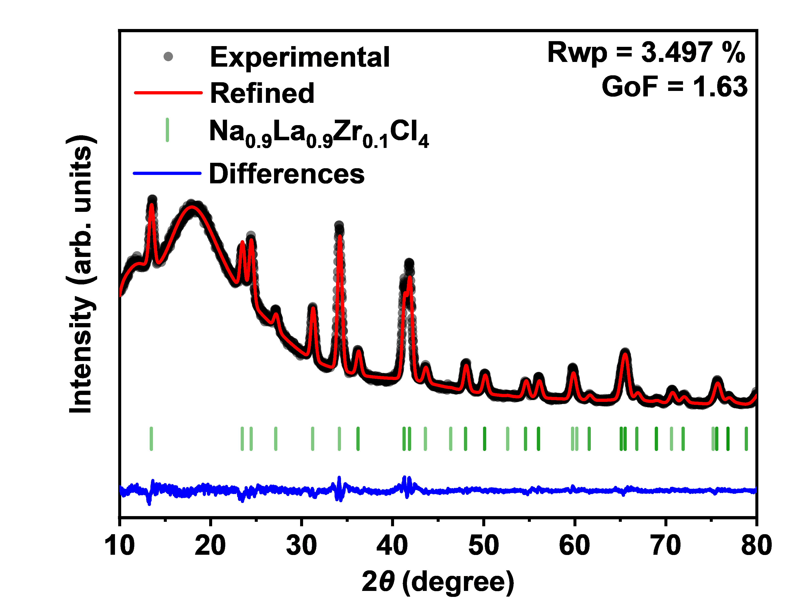
 |  |  | 2 theta | Test value | Calculated value | Background | Error | Na0.9La0.9Zr0.1Cl4
 |  | Na0.9La0.9Zr0.1Cl4 Rietveld refinements | 10 | 3924 | 3836.92 | 3836.47 | 87.08 | 13.499
 |  |  | 10.02 | 4023 | 3870.56 | 3870.1 | 152.44 | 23.488
 |  |  | 10.04 | 3965 | 3902.54 | 3902.08 | 62.46 | 24.457
 |  |  | 10.06 | 4006 | 3932.95 | 3932.49 | 73.05 | 27.186
 |  |  | 10.08 | 4035 | 3961.9 | 3961.43 | 73.1 | 31.235
 |  |  | 10.1 | 4065 | 3989.45 | 3988.98 | 75.55 | 34.164
 |  |  | 10.12 | 3988 | 4015.7 | 4015.22 | -27.7 | 36.226
 |  |  | 10.14 | 4075 | 4040.72 | 4040.24 | 34.28 | 36.226
 |  |  | 10.16 | 4106 | 4064.59 | 4064.1 | 41.41 | 41.271
 |  |  | 10.18 | 4192 | 4087.37 | 4086.88 | 104.63 | 41.283
 |  |  | 10.2 | 3987 | 4109.13 | 4108.63 | -122.13 | 41.876
 |  |  | 10.22 | 4133 | 4129.94 | 4129.43 | 3.06 | 41.876
 |  |  | 10.24 | 4181 | 4149.84 | 4149.34 | 31.16 | 43.615
 |  |  | 10.26 | 4264 | 4168.91 | 4168.4 | 95.09 | 46.42
 |  |  | 10.28 | 4142 | 4187.19 | 4186.68 | -45.19 | 48.028
 |  |  | 10.3 | 4145 | 4204.74 | 4204.21 | -59.74 | 48.039
 |  |  | 10.32 | 4163 | 4221.59 | 4221.06 | -58.59 | 50.122
 |  |  | 10.34 | 4200 | 4237.8 | 4237.27 | -37.8 | 50.132
 |  |  | 10.36 | 4177 | 4253.41 | 4252.87 | -76.41 | 50.132
 |  |  | 10.38 | 4200 | 4268.45 | 4267.91 | -68.45 | 52.66
 |  |  | 10.4 | 4147 | 4282.97 | 4282.42 | -135.97 | 54.625
 |  |  | 10.42 | 4095 | 4297 | 4296.44 | -202 | 54.625
 |  |  | 10.44 | 4219 | 4310.57 | 4310 | -91.57 | 56.06
 |  |  | 10.46 | 4354 | 4323.71 | 4323.14 | 30.29 | 56.06
 |  |  | 10.48 | 4239 | 4336.46 | 4335.88 | -97.46 | 56.07
 |  |  | 10.5 | 4300 | 4348.83 | 4348.25 | -48.83 | 59.795
 |  |  | 10.52 | 4311 | 4360.86 | 4360.27 | -49.86 | 60.258
 |  |  | 10.54 | 4197 | 4372.56 | 4371.97 | -175.56 | 61.618
 |  |  | 10.56 | 4292 | 4383.97 | 4383.37 | -91.97 | 61.618
 |  |  | 10.58 | 4272 | 4395.09 | 4394.48 | -123.09 | 65.148
 |  |  | 10.6 | 4402 | 4405.95 | 4405.34 | -3.95 | 65.157
 |  |  | 10.62 | 4425 | 4416.57 | 4415.95 | 8.43 | 65.157
 |  |  | 10.64 | 4420 | 4426.96 | 4426.33 | -6.96 | 65.573
 |  |  | 10.66 | 4315 | 4437.13 | 4436.49 | -122.13 | 65.59
 |  |  | 10.68 | 4434 | 4447.11 | 4446.46 | -13.11 | 65.59
 |  |  | 10.7 | 4405 | 4456.89 | 4456.24 | -51.89 | 66.88
 |  |  | 10.72 | 4451 | 4466.5 | 4465.84 | -15.5 | 66.88
 |  |  | 10.74 | 4357 | 4475.94 | 4475.27 | -118.94 | 69.003
 |  |  | 10.76 | 4461 | 4485.22 | 4484.54 | -24.22 | 69.02
 |  |  | 10.78 | 4447 | 4494.36 | 4493.67 | -47.36 | 69.02
 |  |  | 10.8 | 4528 | 4503.35 | 4502.65 | 24.65 | 70.688
 |  |  | 10.82 | 4469 | 4512.21 | 4511.5 | -43.21 | 71.951
 |  |  | 10.84 | 4521 | 4520.93 | 4520.22 | 0.07 | 71.959
 |  |  | 10.86 | 4472 | 4529.53 | 4528.81 | -57.53 | 75.258
 |  |  | 10.88 | 4396 | 4538.02 | 4537.28 | -142.02 | 75.648
 |  |  | 10.9 | 4532 | 4546.38 | 4545.64 | -14.38 | 75.648
 |  |  | 10.92 | 4466 | 4554.64 | 4553.89 | -88.64 | 75.664
 |  |  | 10.94 | 4653 | 4562.78 | 4562.02 | 90.22 | 76.88
 |  |  | 10.96 | 4439 | 4570.82 | 4570.04 | -131.82 | 76.88
 |  |  | 10.98 | 4638 | 4578.75 | 4577.96 | 59.25 | 76.888
 |  |  | 11 | 4642 | 4586.57 | 4585.78 | 55.43 | 76.888
 |  |  | 11.02 | 4638 | 4594.29 | 4593.49 | 43.71 | 78.892
 |  |  | 11.04 | 4623 | 4601.91 | 4601.09 | 21.09 | 78.908
 |  |  | 11.06 | 4652 | 4609.42 | 4608.59 | 42.58 | 80.23
 |  |  | 11.08 | 4660 | 4616.83 | 4615.99 | 43.17 | 80.23
 |  |  | 11.1 | 4773 | 4624.14 | 4623.29 | 148.86 | 80.694
 |  |  | 11.12 | 4660 | 4631.34 | 4630.48 | 28.66 | 80.694
 |  |  | 11.14 | 4670 | 4638.44 | 4637.56 | 31.56 | 81.923
 |  |  | 11.16 | 4755 | 4645.43 | 4644.54 | 109.57 | 81.923
 |  |  | 11.18 | 4610 | 4652.31 | 4651.41 | -42.31 | 83.747
 |  |  | 11.2 | 4660 | 4659.08 | 4658.17 | 0.92 | 85.347
 |  |  | 11.22 | 4674 | 4665.75 | 4664.81 | 8.25 | 85.347
 |  |  | 11.24 | 4785 | 4672.3 | 4671.35 | 112.7 | 85.508
 |  |  | 11.26 | 4702 | 4678.73 | 4677.77 | 23.27 | 85.508
 |  |  | 11.28 | 4719 | 4685.05 | 4684.07 | 33.95 | 86.645
 |  |  | 11.3 | 4853 | 4691.25 | 4690.26 | 161.75 | 89.591
 |  |  | 11.32 | 4915 | 4697.33 | 4696.32 | 217.67 | 89.832
 |  |  | 11.34 | 4784 | 4703.29 | 4702.26 | 80.71
 |  |  | 11.36 | 4852 | 4709.12 | 4708.08 | 142.88
 |  |  | 11.38 | 4828 | 4714.83 | 4713.77 | 113.17
 |  |  | 11.4 | 4715 | 4720.41 | 4719.33 | -5.41
 |  |  | 11.42 | 4765 | 4725.86 | 4724.76 | 39.14
 |  |  | 11.44 | 4799 | 4731.17 | 4730.06 | 67.83
 |  |  | 11.46 | 4709 | 4736.36 | 4735.22 | -27.36
 |  |  | 11.48 | 4837 | 4741.4 | 4740.25 | 95.6
 |  |  | 11.5 | 4763 | 4746.31 | 4745.13 | 16.69
 |  |  | 11.52 | 4821 | 4751.08 | 4749.88 | 69.92
 |  |  | 11.54 | 4896 | 4755.71 | 4754.49 | 140.29
 |  |  | 11.56 | 4821 | 4760.19 | 4758.95 | 60.81
 |  |  | 11.58 | 4857 | 4764.53 | 4763.27 | 92.47
 |  |  | 11.6 | 4880 | 4768.72 | 4767.44 | 111.28
 |  |  | 11.62 | 4767 | 4772.77 | 4771.46 | -5.77
 |  |  | 11.64 | 4854 | 4776.67 | 4775.33 | 77.33
 |  |  | 11.66 | 4839 | 4780.42 | 4779.06 | 58.58
 |  |  | 11.68 | 4963 | 4784.02 | 4782.63 | 178.98
 |  |  | 11.7 | 4894 | 4787.47 | 4786.05 | 106.53
 |  |  | 11.72 | 4839 | 4790.76 | 4789.32 | 48.24
 |  |  | 11.74 | 4847 | 4793.91 | 4792.43 | 53.09
 |  |  | 11.76 | 4892 | 4796.9 | 4795.39 | 95.1
 |  |  | 11.78 | 4838 | 4799.74 | 4798.2 | 38.26
 |  |  | 11.8 | 4897 | 4802.43 | 4800.85 | 94.57
 |  |  | 11.82 | 4758 | 4804.96 | 4803.35 | -46.96
 |  |  | 11.84 | 4868 | 4807.34 | 4805.7 | 60.66
 |  |  | 11.86 | 4873 | 4809.57 | 4807.89 | 63.43
 |  |  | 11.88 | 4885 | 4811.64 | 4809.93 | 73.36
 |  |  | 11.9 | 4897 | 4813.57 | 4811.82 | 83.43
 |  |  | 11.92 | 5054 | 4815.34 | 4813.55 | 238.66
 |  |  | 11.94 | 4896 | 4816.97 | 4815.14 | 79.03
 |  |  | 11.96 | 4756 | 4818.44 | 4816.57 | -62.44
 |  |  | 11.98 | 4779 | 4819.77 | 4817.85 | -40.77
 |  |  | 12 | 4856 | 4820.96 | 4818.99 | 35.04
 |  |  | 12.02 | 4795 | 4822 | 4819.98 | -27
 |  |  | 12.04 | 4904 | 4822.89 | 4820.82 | 81.11
 |  |  | 12.06 | 4911 | 4823.65 | 4821.52 | 87.35
 |  |  | 12.08 | 4904 | 4824.26 | 4822.08 | 79.74
 |  |  | 12.1 | 4877 | 4824.73 | 4822.5 | 52.27
 |  |  | 12.12 | 4832 | 4825.08 | 4822.78 | 6.92
 |  |  | 12.14 | 4872 | 4825.29 | 4822.93 | 46.71
 |  |  | 12.16 | 4704 | 4825.36 | 4822.94 | -121.36
 |  |  | 12.18 | 4850 | 4825.31 | 4822.82 | 24.69
 |  |  | 12.2 | 4850 | 4825.14 | 4822.57 | 24.86
 |  |  | 12.22 | 4930 | 4824.84 | 4822.2 | 105.16
 |  |  | 12.24 | 4877 | 4824.42 | 4821.71 | 52.58
 |  |  | 12.26 | 4860 | 4823.89 | 4821.09 | 36.11
 |  |  | 12.28 | 4861 | 4823.25 | 4820.36 | 37.75
 |  |  | 12.3 | 4849 | 4822.51 | 4819.51 | 26.49
 |  |  | 12.32 | 4775 | 4821.66 | 4818.55 | -46.66
 |  |  | 12.34 | 4798 | 4820.72 | 4817.48 | -22.72
 |  |  | 12.36 | 4845 | 4819.68 | 4816.31 | 25.32
 |  |  | 12.38 | 4705 | 4818.57 | 4815.04 | -113.57
 |  |  | 12.4 | 4852 | 4817.38 | 4813.67 | 34.62
 |  |  | 12.42 | 4767 | 4816.13 | 4812.21 | -49.13
 |  |  | 12.44 | 4824 | 4814.84 | 4810.65 | 9.16
 |  |  | 12.46 | 4787 | 4813.5 | 4809.01 | -26.5
 |  |  | 12.48 | 4843 | 4812.15 | 4807.29 | 30.85
 |  |  | 12.5 | 4761 | 4810.81 | 4805.49 | -49.81
 |  |  | 12.52 | 4695 | 4809.5 | 4803.61 | -114.5
 |  |  | 12.54 | 4866 | 4808.25 | 4801.66 | 57.75
 |  |  | 12.56 | 4759 | 4807.1 | 4799.64 | -48.1
 |  |  | 12.58 | 4772 | 4806.1 | 4797.57 | -34.1
 |  |  | 12.6 | 4767 | 4805.3 | 4795.43 | -38.3
 |  |  | 12.62 | 4839 | 4804.77 | 4793.24 | 34.23
 |  |  | 12.64 | 4771 | 4804.59 | 4791 | -33.59
 |  |  | 12.66 | 4723 | 4804.84 | 4788.71 | -81.84
 |  |  | 12.68 | 4806 | 4805.63 | 4786.38 | 0.37
 |  |  | 12.7 | 4821 | 4807.09 | 4784.01 | 13.91
 |  |  | 12.72 | 4724 | 4809.36 | 4781.61 | -85.36
 |  |  | 12.74 | 4756 | 4812.6 | 4779.18 | -56.6
 |  |  | 12.76 | 4763 | 4816.99 | 4776.73 | -53.99
 |  |  | 12.78 | 4708 | 4822.73 | 4774.26 | -114.73
 |  |  | 12.8 | 4756 | 4830.06 | 4771.77 | -74.06
 |  |  | 12.82 | 4785 | 4839.22 | 4769.27 | -54.22
 |  |  | 12.84 | 4781 | 4850.47 | 4766.77 | -69.47
 |  |  | 12.86 | 4904 | 4864.1 | 4764.26 | 39.9
 |  |  | 12.88 | 4912 | 4880.41 | 4761.75 | 31.59
 |  |  | 12.9 | 4788 | 4899.7 | 4759.26 | -111.7
 |  |  | 12.92 | 4832 | 4922.3 | 4756.77 | -90.3
 |  |  | 12.94 | 4945 | 4948.51 | 4754.3 | -3.51
 |  |  | 12.96 | 4922 | 4978.63 | 4751.85 | -56.63
 |  |  | 12.98 | 4900 | 5012.94 | 4749.42 | -112.94
 |  |  | 13 | 4977 | 5051.7 | 4747.02 | -74.7
 |  |  | 13.02 | 4930 | 5095.11 | 4744.66 | -165.11
 |  |  | 13.04 | 4929 | 5143.34 | 4742.33 | -214.34
 |  |  | 13.06 | 5067 | 5196.48 | 4740.04 | -129.48
 |  |  | 13.08 | 5070 | 5254.55 | 4737.8 | -184.55
 |  |  | 13.1 | 5046 | 5317.48 | 4735.61 | -271.48
 |  |  | 13.12 | 5002 | 5385.11 | 4733.48 | -383.11
 |  |  | 13.14 | 5157 | 5457.16 | 4731.4 | -300.16
 |  |  | 13.16 | 5116 | 5533.26 | 4729.39 | -417.26
 |  |  | 13.18 | 5226 | 5612.92 | 4727.44 | -386.92
 |  |  | 13.2 | 5345 | 5695.52 | 4725.56 | -350.52
 |  |  | 13.22 | 5554 | 5780.34 | 4723.76 | -226.34
 |  |  | 13.24 | 5563 | 5866.56 | 4722.04 | -303.56
 |  |  | 13.26 | 5442 | 5953.24 | 4720.4 | -511.24
 |  |  | 13.28 | 5717 | 6039.37 | 4718.84 | -322.37
 |  |  | 13.3 | 5764 | 6123.88 | 4717.37 | -359.88
 |  |  | 13.32 | 5850 | 6205.65 | 4716 | -355.65
 |  |  | 13.34 | 5920 | 6283.51 | 4714.73 | -363.51
 |  |  | 13.36 | 6241 | 6356.33 | 4713.56 | -115.33
 |  |  | 13.38 | 6219 | 6422.97 | 4712.49 | -203.97
 |  |  | 13.4 | 6386 | 6482.37 | 4711.52 | -96.37
 |  |  | 13.42 | 6451 | 6533.54 | 4710.67 | -82.54
 |  |  | 13.44 | 6469 | 6575.62 | 4709.94 | -106.62
 |  |  | 13.46 | 6582 | 6607.85 | 4709.32 | -25.85
 |  |  | 13.48 | 6511 | 6629.66 | 4708.82 | -118.66
 |  |  | 13.5 | 6564 | 6640.65 | 4708.45 | -76.65
 |  |  | 13.52 | 6548 | 6640.63 | 4708.2 | -92.63
 |  |  | 13.54 | 6635 | 6629.59 | 4708.08 | 5.41
 |  |  | 13.56 | 6717 | 6607.74 | 4708.09 | 109.26
 |  |  | 13.58 | 6801 | 6575.46 | 4708.24 | 225.54
 |  |  | 13.6 | 6641 | 6533.33 | 4708.53 | 107.67
 |  |  | 13.62 | 6784 | 6482.09 | 4708.96 | 301.91
 |  |  | 13.64 | 6799 | 6422.63 | 4709.53 | 376.37
 |  |  | 13.66 | 6648 | 6355.91 | 4710.24 | 292.09
 |  |  | 13.68 | 6544 | 6283.03 | 4711.11 | 260.97
 |  |  | 13.7 | 6487 | 6205.1 | 4712.12 | 281.9
 |  |  | 13.72 | 6331 | 6123.28 | 4713.29 | 207.72
 |  |  | 13.74 | 6117 | 6038.72 | 4714.6 | 78.28
 |  |  | 13.76 | 5997 | 5952.57 | 4716.08 | 44.43
 |  |  | 13.78 | 5863 | 5865.9 | 4717.71 | -2.9
 |  |  | 13.8 | 5729 | 5779.73 | 4719.51 | -50.73
 |  |  | 13.82 | 5671 | 5695 | 4721.46 | -24
 |  |  | 13.84 | 5567 | 5612.55 | 4723.58 | -45.55
 |  |  | 13.86 | 5441 | 5533.1 | 4725.86 | -92.1
 |  |  | 13.88 | 5385 | 5457.29 | 4728.31 | -72.29
 |  |  | 13.9 | 5403 | 5385.61 | 4730.93 | 17.39
 |  |  | 13.92 | 5165 | 5318.46 | 4733.72 | -153.46
 |  |  | 13.94 | 5338 | 5256.11 | 4736.67 | 81.89
 |  |  | 13.96 | 5206 | 5198.73 | 4739.8 | 7.27
 |  |  | 13.98 | 5166 | 5146.41 | 4743.1 | 19.59
 |  |  | 14 | 5044 | 5099.13 | 4746.57 | -55.13
 |  |  | 14.02 | 5132 | 5056.8 | 4750.22 | 75.2
 |  |  | 14.04 | 5050 | 5019.28 | 4754.04 | 30.72
 |  |  | 14.06 | 5242 | 4986.36 | 4758.04 | 255.64
 |  |  | 14.08 | 4989 | 4957.79 | 4762.21 | 31.21
 |  |  | 14.1 | 4810 | 4933.3 | 4766.56 | -123.3
 |  |  | 14.12 | 5003 | 4912.6 | 4771.09 | 90.4
 |  |  | 14.14 | 4974 | 4895.38 | 4775.79 | 78.62
 |  |  | 14.16 | 4846 | 4881.32 | 4780.67 | -35.32
 |  |  | 14.18 | 5096 | 4870.14 | 4785.73 | 225.86
 |  |  | 14.2 | 4966 | 4861.52 | 4790.96 | 104.48
 |  |  | 14.22 | 4897 | 4855.19 | 4796.38 | 41.81
 |  |  | 14.24 | 4987 | 4850.9 | 4801.97 | 136.1
 |  |  | 14.26 | 5071 | 4848.38 | 4807.74 | 222.62
 |  |  | 14.28 | 4971 | 4847.43 | 4813.68 | 123.57
 |  |  | 14.3 | 4989 | 4847.84 | 4819.8 | 141.16
 |  |  | 14.32 | 4930 | 4849.43 | 4826.1 | 80.57
 |  |  | 14.34 | 5023 | 4852.04 | 4832.58 | 170.96
 |  |  | 14.36 | 5065 | 4855.54 | 4839.23 | 209.46
 |  |  | 14.38 | 5112 | 4859.8 | 4846.05 | 252.2
 |  |  | 14.4 | 4937 | 4864.72 | 4853.04 | 72.28
 |  |  | 14.42 | 4981 | 4870.22 | 4860.21 | 110.78
 |  |  | 14.44 | 5092 | 4876.21 | 4867.56 | 215.79
 |  |  | 14.46 | 4923 | 4882.63 | 4875.07 | 40.37
 |  |  | 14.48 | 4997 | 4889.44 | 4882.75 | 107.56
 |  |  | 14.5 | 5082 | 4896.59 | 4890.6 | 185.41
 |  |  | 14.52 | 4965 | 4904.04 | 4898.62 | 60.96
 |  |  | 14.54 | 5031 | 4911.76 | 4906.8 | 119.24
 |  |  | 14.56 | 5004 | 4919.73 | 4915.15 | 84.27
 |  |  | 14.58 | 4867 | 4927.93 | 4923.66 | -60.93
 |  |  | 14.6 | 5019 | 4936.35 | 4932.33 | 82.65
 |  |  | 14.62 | 5047 | 4944.97 | 4941.17 | 102.03
 |  |  | 14.64 | 5096 | 4953.78 | 4950.16 | 142.22
 |  |  | 14.66 | 5072 | 4962.77 | 4959.31 | 109.23
 |  |  | 14.68 | 5015 | 4971.93 | 4968.61 | 43.07
 |  |  | 14.7 | 5091 | 4981.27 | 4978.07 | 109.73
 |  |  | 14.72 | 5144 | 4990.77 | 4987.68 | 153.23
 |  |  | 14.74 | 5095 | 5000.43 | 4997.44 | 94.57
 |  |  | 14.76 | 5196 | 5010.24 | 5007.35 | 185.76
 |  |  | 14.78 | 5002 | 5020.21 | 5017.4 | -18.21
 |  |  | 14.8 | 5159 | 5030.32 | 5027.59 | 128.68
 |  |  | 14.82 | 5003 | 5040.58 | 5037.93 | -37.58
 |  |  | 14.84 | 5166 | 5050.99 | 5048.41 | 115.01
 |  |  | 14.86 | 5048 | 5061.53 | 5059.02 | -13.53
 |  |  | 14.88 | 5216 | 5072.22 | 5069.76 | 143.78
 |  |  | 14.9 | 5164 | 5083.04 | 5080.64 | 80.96
 |  |  | 14.92 | 5138 | 5093.98 | 5091.65 | 44.02
 |  |  | 14.94 | 5119 | 5105.06 | 5102.78 | 13.94
 |  |  | 14.96 | 5224 | 5116.27 | 5114.04 | 107.73
 |  |  | 14.98 | 5314 | 5127.6 | 5125.42 | 186.4
 |  |  | 15 | 5366 | 5139.05 | 5136.92 | 226.95
 |  |  | 15.02 | 5363 | 5150.62 | 5148.54 | 212.38
 |  |  | 15.04 | 5302 | 5162.31 | 5160.27 | 139.69
 |  |  | 15.06 | 5223 | 5174.11 | 5172.12 | 48.89
 |  |  | 15.08 | 5255 | 5186.02 | 5184.07 | 68.98
 |  |  | 15.1 | 5284 | 5198.03 | 5196.12 | 85.97
 |  |  | 15.12 | 5350 | 5210.15 | 5208.28 | 139.85
 |  |  | 15.14 | 5285 | 5222.38 | 5220.54 | 62.62
 |  |  | 15.16 | 5278 | 5234.7 | 5232.9 | 43.3
 |  |  | 15.18 | 5393 | 5247.11 | 5245.35 | 145.89
 |  |  | 15.2 | 5228 | 5259.62 | 5257.89 | -31.62
 |  |  | 15.22 | 5392 | 5272.22 | 5270.52 | 119.78
 |  |  | 15.24 | 5369 | 5284.9 | 5283.24 | 84.1
 |  |  | 15.26 | 5340 | 5297.67 | 5296.04 | 42.33
 |  |  | 15.28 | 5300 | 5310.52 | 5308.91 | -10.52
 |  |  | 15.3 | 5367 | 5323.44 | 5321.87 | 43.56
 |  |  | 15.32 | 5267 | 5336.44 | 5334.89 | -69.44
 |  |  | 15.34 | 5392 | 5349.51 | 5347.99 | 42.49
 |  |  | 15.36 | 5384 | 5362.64 | 5361.15 | 21.36
 |  |  | 15.38 | 5438 | 5375.84 | 5374.37 | 62.16
 |  |  | 15.4 | 5419 | 5389.11 | 5387.66 | 29.89
 |  |  | 15.42 | 5570 | 5402.42 | 5401 | 167.58
 |  |  | 15.44 | 5413 | 5415.8 | 5414.4 | -2.8
 |  |  | 15.46 | 5634 | 5429.22 | 5427.84 | 204.78
 |  |  | 15.48 | 5493 | 5442.69 | 5441.34 | 50.31
 |  |  | 15.5 | 5547 | 5456.21 | 5454.87 | 90.79
 |  |  | 15.52 | 5470 | 5469.77 | 5468.45 | 0.23
 |  |  | 15.54 | 5527 | 5483.37 | 5482.07 | 43.63
 |  |  | 15.56 | 5338 | 5497 | 5495.72 | -159
 |  |  | 15.58 | 5418 | 5510.66 | 5509.4 | -92.66
 |  |  | 15.6 | 5618 | 5524.35 | 5523.11 | 93.65
 |  |  | 15.62 | 5647 | 5538.07 | 5536.84 | 108.93
 |  |  | 15.64 | 5551 | 5551.81 | 5550.6 | -0.81
 |  |  | 15.66 | 5531 | 5565.56 | 5564.37 | -34.56
 |  |  | 15.68 | 5744 | 5579.33 | 5578.16 | 164.67
 |  |  | 15.7 | 5512 | 5593.12 | 5591.95 | -81.12
 |  |  | 15.72 | 5583 | 5606.91 | 5605.76 | -23.91
 |  |  | 15.74 | 5629 | 5620.7 | 5619.57 | 8.3
 |  |  | 15.76 | 5577 | 5634.5 | 5633.38 | -57.5
 |  |  | 15.78 | 5657 | 5648.3 | 5647.19 | 8.7
 |  |  | 15.8 | 5844 | 5662.09 | 5661 | 181.91
 |  |  | 15.82 | 5774 | 5675.87 | 5674.79 | 98.13
 |  |  | 15.84 | 5678 | 5689.64 | 5688.58 | -11.64
 |  |  | 15.86 | 5688 | 5703.4 | 5702.35 | -15.4
 |  |  | 15.88 | 5673 | 5717.14 | 5716.1 | -44.14
 |  |  | 15.9 | 5765 | 5730.86 | 5729.83 | 34.14
 |  |  | 15.92 | 5731 | 5744.56 | 5743.53 | -13.56
 |  |  | 15.94 | 5780 | 5758.22 | 5757.21 | 21.78
 |  |  | 15.96 | 5704 | 5771.86 | 5770.86 | -67.86
 |  |  | 15.98 | 5810 | 5785.46 | 5784.47 | 24.54
 |  |  | 16 | 5645 | 5799.03 | 5798.05 | -154.03
 |  |  | 16.02 | 5838 | 5812.55 | 5811.58 | 25.45
 |  |  | 16.04 | 5800 | 5826.04 | 5825.08 | -26.04
 |  |  | 16.06 | 5896 | 5839.47 | 5838.52 | 56.53
 |  |  | 16.08 | 6000 | 5852.86 | 5851.92 | 147.14
 |  |  | 16.1 | 5715 | 5866.19 | 5865.26 | -151.19
 |  |  | 16.12 | 5818 | 5879.47 | 5878.55 | -61.47
 |  |  | 16.14 | 5690 | 5892.7 | 5891.78 | -202.7
 |  |  | 16.16 | 5865 | 5905.86 | 5904.95 | -40.86
 |  |  | 16.18 | 5836 | 5918.95 | 5918.05 | -82.95
 |  |  | 16.2 | 5773 | 5931.98 | 5931.09 | -158.98
 |  |  | 16.22 | 5838 | 5944.94 | 5944.05 | -106.94
 |  |  | 16.24 | 6097 | 5957.82 | 5956.95 | 139.18
 |  |  | 16.26 | 5743 | 5970.63 | 5969.76 | -227.63
 |  |  | 16.28 | 6066 | 5983.36 | 5982.5 | 82.64
 |  |  | 16.3 | 5839 | 5996.01 | 5995.16 | -157.01
 |  |  | 16.32 | 5862 | 6008.58 | 6007.73 | -146.58
 |  |  | 16.34 | 5989 | 6021.06 | 6020.22 | -32.06
 |  |  | 16.36 | 6034 | 6033.45 | 6032.61 | 0.55
 |  |  | 16.38 | 5893 | 6045.75 | 6044.91 | -152.75
 |  |  | 16.4 | 5920 | 6057.95 | 6057.12 | -137.95
 |  |  | 16.42 | 6060 | 6070.05 | 6069.23 | -10.05
 |  |  | 16.44 | 6081 | 6082.06 | 6081.24 | -1.06
 |  |  | 16.46 | 5929 | 6093.96 | 6093.15 | -164.96
 |  |  | 16.48 | 6033 | 6105.76 | 6104.96 | -72.76
 |  |  | 16.5 | 5942 | 6117.45 | 6116.65 | -175.45
 |  |  | 16.52 | 5981 | 6129.03 | 6128.24 | -148.03
 |  |  | 16.54 | 6188 | 6140.5 | 6139.71 | 47.5
 |  |  | 16.56 | 5998 | 6151.85 | 6151.07 | -153.85
 |  |  | 16.58 | 6067 | 6163.09 | 6162.31 | -96.09
 |  |  | 16.6 | 5974 | 6174.2 | 6173.43 | -200.2
 |  |  | 16.62 | 6090 | 6185.2 | 6184.43 | -95.2
 |  |  | 16.64 | 6091 | 6196.07 | 6195.31 | -105.07
 |  |  | 16.66 | 6229 | 6206.82 | 6206.06 | 22.18
 |  |  | 16.68 | 6157 | 6217.44 | 6216.68 | -60.44
 |  |  | 16.7 | 6168 | 6227.93 | 6227.17 | -59.93
 |  |  | 16.72 | 6044 | 6238.28 | 6237.53 | -194.28
 |  |  | 16.74 | 6140 | 6248.51 | 6247.76 | -108.51
 |  |  | 16.76 | 6141 | 6258.59 | 6257.85 | -117.59
 |  |  | 16.78 | 6143 | 6268.54 | 6267.8 | -125.54
 |  |  | 16.8 | 6162 | 6278.35 | 6277.62 | -116.35
 |  |  | 16.82 | 6244 | 6288.02 | 6287.29 | -44.02
 |  |  | 16.84 | 6075 | 6297.54 | 6296.81 | -222.54
 |  |  | 16.86 | 6257 | 6306.92 | 6306.2 | -49.92
 |  |  | 16.88 | 6248 | 6316.15 | 6315.43 | -68.15
 |  |  | 16.9 | 6295 | 6325.24 | 6324.52 | -30.24
 |  |  | 16.92 | 6268 | 6334.17 | 6333.45 | -66.17
 |  |  | 16.94 | 6239 | 6342.95 | 6342.24 | -103.95
 |  |  | 16.96 | 6149 | 6351.58 | 6350.87 | -202.58
 |  |  | 16.98 | 6157 | 6360.05 | 6359.34 | -203.05
 |  |  | 17 | 6253 | 6368.37 | 6367.66 | -115.37
 |  |  | 17.02 | 6333 | 6376.52 | 6375.82 | -43.52
 |  |  | 17.04 | 6398 | 6384.52 | 6383.82 | 13.48
 |  |  | 17.06 | 6468 | 6392.36 | 6391.67 | 75.64
 |  |  | 17.08 | 6184 | 6400.04 | 6399.34 | -216.04
 |  |  | 17.1 | 6286 | 6407.55 | 6406.86 | -121.55
 |  |  | 17.12 | 6358 | 6414.9 | 6414.21 | -56.9
 |  |  | 17.14 | 6329 | 6422.09 | 6421.4 | -93.09
 |  |  | 17.16 | 6361 | 6429.1 | 6428.42 | -68.1
 |  |  | 17.18 | 6384 | 6435.95 | 6435.27 | -51.95
 |  |  | 17.2 | 6340 | 6442.64 | 6441.95 | -102.64
 |  |  | 17.22 | 6393 | 6449.15 | 6448.47 | -56.15
 |  |  | 17.24 | 6248 | 6455.49 | 6454.81 | -207.49
 |  |  | 17.26 | 6429 | 6461.66 | 6460.98 | -32.66
 |  |  | 17.28 | 6292 | 6467.65 | 6466.98 | -175.65
 |  |  | 17.3 | 6462 | 6473.47 | 6472.8 | -11.47
 |  |  | 17.32 | 6302 | 6479.12 | 6478.45 | -177.12
 |  |  | 17.34 | 6481 | 6484.6 | 6483.93 | -3.6
 |  |  | 17.36 | 6297 | 6489.9 | 6489.22 | -192.9
 |  |  | 17.38 | 6327 | 6495.02 | 6494.35 | -168.02
 |  |  | 17.4 | 6374 | 6499.96 | 6499.29 | -125.96
 |  |  | 17.42 | 6474 | 6504.73 | 6504.06 | -30.73
 |  |  | 17.44 | 6423 | 6509.32 | 6508.65 | -86.32
 |  |  | 17.46 | 6594 | 6513.73 | 6513.06 | 80.27
 |  |  | 17.48 | 6315 | 6517.96 | 6517.3 | -202.96
 |  |  | 17.5 | 6425 | 6522.01 | 6521.35 | -97.01
 |  |  | 17.52 | 6480 | 6525.89 | 6525.22 | -45.89
 |  |  | 17.54 | 6486 | 6529.58 | 6528.92 | -43.58
 |  |  | 17.56 | 6504 | 6533.09 | 6532.43 | -29.09
 |  |  | 17.58 | 6480 | 6536.42 | 6535.76 | -56.42
 |  |  | 17.6 | 6303 | 6539.57 | 6538.91 | -236.57
 |  |  | 17.62 | 6338 | 6542.54 | 6541.88 | -204.54
 |  |  | 17.64 | 6491 | 6545.32 | 6544.67 | -54.32
 |  |  | 17.66 | 6527 | 6547.93 | 6547.27 | -20.93
...

Figure 1d
Figure 1d | Rietveld refinements of Na0.8La0.8Zr0.2Cl4-HM

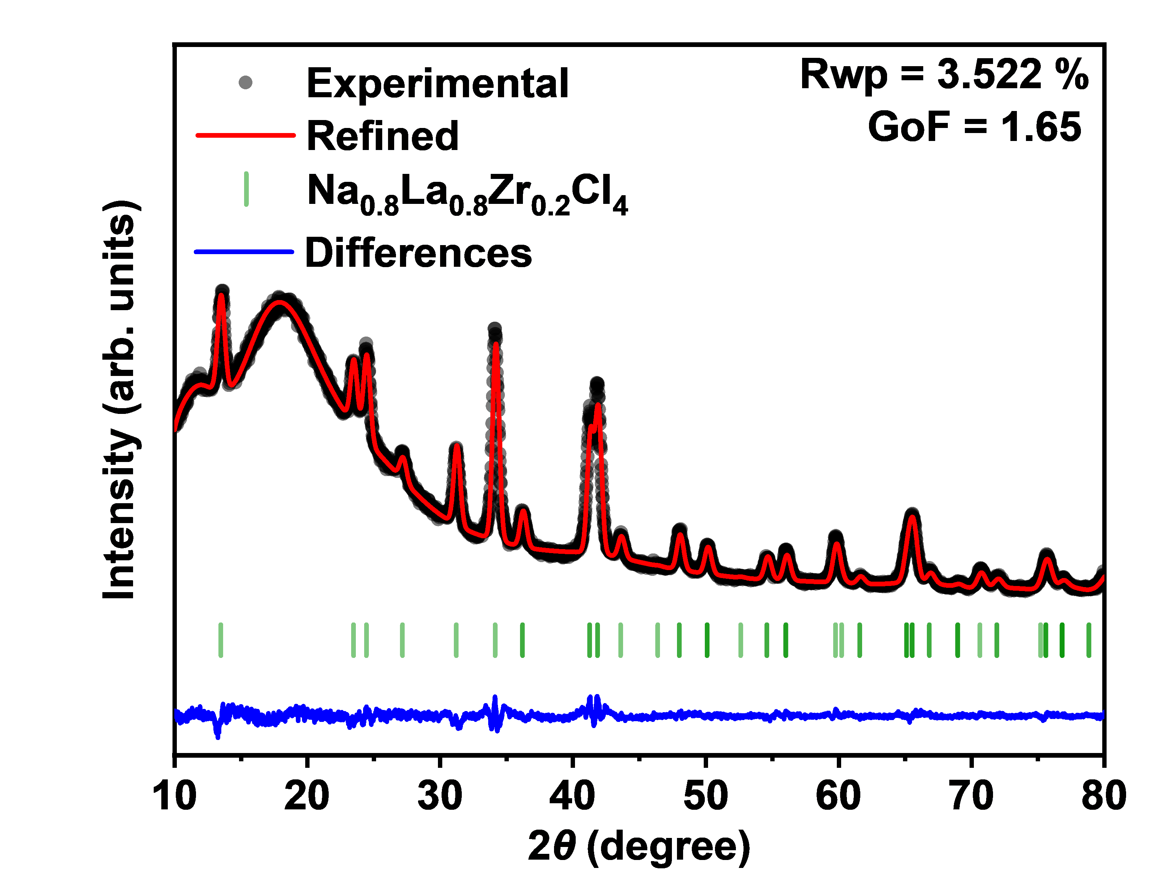
 |  |  | 2 theta | Test value | Calculated value | Background | Error
 |  | Na0.8La0.8Zr0.2Cl4 Rietveld refinements | 10 | 3924 | 3867.17 | 3866.69 | 56.83
 |  |  | 10.02 | 4023 | 3895.19 | 3894.7 | 127.81
 |  |  | 10.04 | 3965 | 3922.03 | 3921.54 | 42.97
 |  |  | 10.06 | 4006 | 3947.77 | 3947.27 | 58.23
 |  |  | 10.08 | 4035 | 3972.46 | 3971.96 | 62.54
 |  |  | 10.1 | 4065 | 3996.18 | 3995.68 | 68.82
 |  |  | 10.12 | 3988 | 4018.98 | 4018.47 | -30.98
 |  |  | 10.14 | 4075 | 4040.91 | 4040.4 | 34.09
 |  |  | 10.16 | 4106 | 4062.04 | 4061.52 | 43.96
 |  |  | 10.18 | 4192 | 4082.4 | 4081.87 | 109.6
 |  |  | 10.2 | 3987 | 4102.04 | 4101.52 | -115.04
 |  |  | 10.22 | 4133 | 4121.02 | 4120.49 | 11.98
 |  |  | 10.24 | 4181 | 4139.37 | 4138.83 | 41.63
 |  |  | 10.26 | 4264 | 4157.12 | 4156.58 | 106.88
 |  |  | 10.28 | 4142 | 4174.32 | 4173.77 | -32.32
 |  |  | 10.3 | 4145 | 4191.01 | 4190.45 | -46.01
 |  |  | 10.32 | 4163 | 4207.2 | 4206.64 | -44.2
 |  |  | 10.34 | 4200 | 4222.94 | 4222.37 | -22.94
 |  |  | 10.36 | 4177 | 4238.25 | 4237.68 | -61.25
 |  |  | 10.38 | 4200 | 4253.16 | 4252.58 | -53.16
 |  |  | 10.4 | 4147 | 4267.69 | 4267.11 | -120.69
 |  |  | 10.42 | 4095 | 4281.87 | 4281.28 | -186.87
 |  |  | 10.44 | 4219 | 4295.71 | 4295.11 | -76.71
 |  |  | 10.46 | 4354 | 4309.25 | 4308.64 | 44.75
 |  |  | 10.48 | 4239 | 4322.48 | 4321.87 | -83.48
 |  |  | 10.5 | 4300 | 4335.44 | 4334.81 | -35.44
 |  |  | 10.52 | 4311 | 4348.13 | 4347.5 | -37.13
 |  |  | 10.54 | 4197 | 4360.57 | 4359.94 | -163.57
 |  |  | 10.56 | 4292 | 4372.78 | 4372.14 | -80.78
 |  |  | 10.58 | 4272 | 4384.77 | 4384.12 | -112.77
 |  |  | 10.6 | 4402 | 4396.54 | 4395.88 | 5.46
 |  |  | 10.62 | 4425 | 4408.11 | 4407.45 | 16.89
 |  |  | 10.64 | 4420 | 4419.49 | 4418.81 | 0.51
 |  |  | 10.66 | 4315 | 4430.68 | 4429.99 | -115.68
 |  |  | 10.68 | 4434 | 4441.69 | 4441 | -7.69
 |  |  | 10.7 | 4405 | 4452.53 | 4451.83 | -47.53
 |  |  | 10.72 | 4451 | 4463.2 | 4462.49 | -12.2
 |  |  | 10.74 | 4357 | 4473.71 | 4472.99 | -116.71
 |  |  | 10.76 | 4461 | 4484.06 | 4483.34 | -23.06
 |  |  | 10.78 | 4447 | 4494.26 | 4493.53 | -47.26
 |  |  | 10.8 | 4528 | 4504.31 | 4503.56 | 23.69
 |  |  | 10.82 | 4469 | 4514.21 | 4513.45 | -45.21
 |  |  | 10.84 | 4521 | 4523.96 | 4523.2 | -2.96
 |  |  | 10.86 | 4472 | 4533.57 | 4532.8 | -61.57
...

Figure 1e
Figure 1e | Rietveld refinements of Na0.7La0.7Zr0.3Cl4-HM

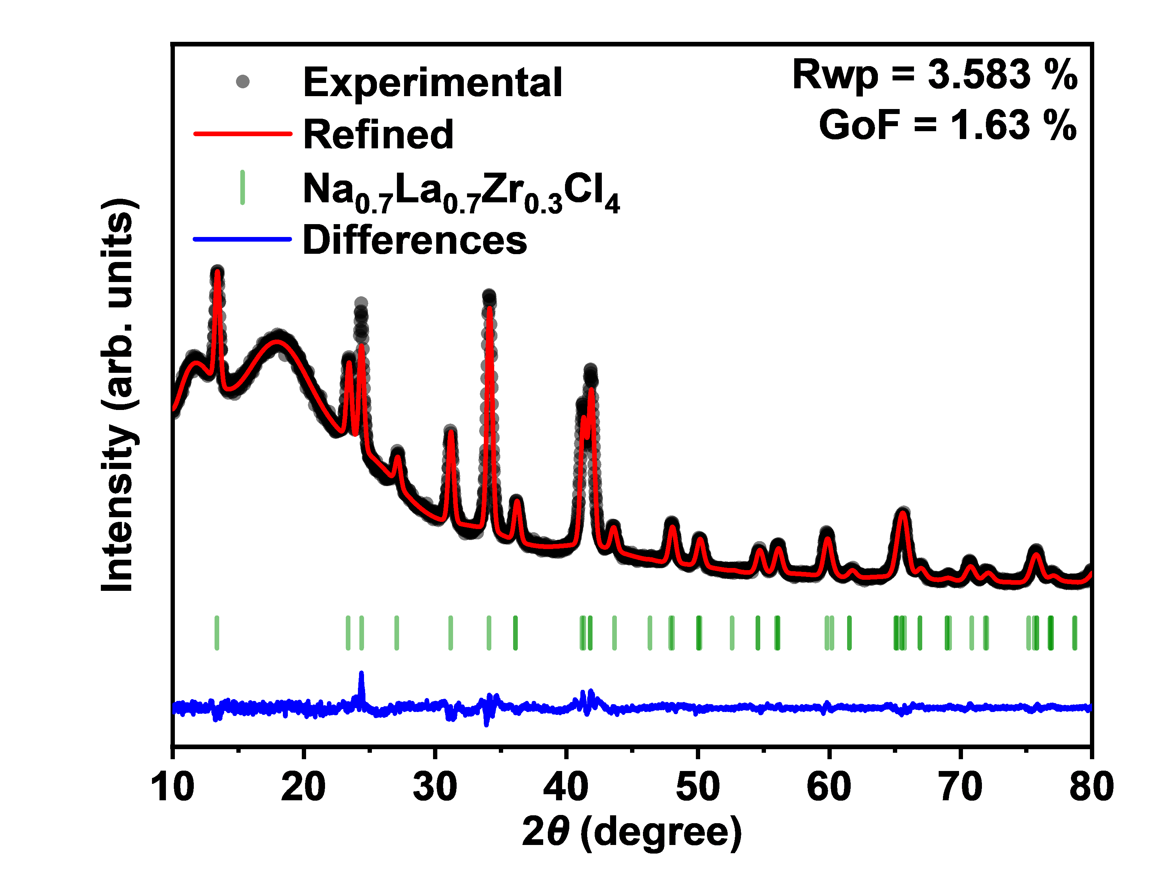
 |  |  | 2 theta | Test value | Calculated value | Background | Error
 |  | Na0.7La0.7Zr0.3Cl4 Rietveld refinements | 10 | 4246 | 4206.03 | 4205.62 | 39.97
 |  |  | 10.02 | 4161 | 4209 | 4208.58 | -48
 |  |  | 10.04 | 4169 | 4213.17 | 4212.75 | -44.17
 |  |  | 10.06 | 4159 | 4218.49 | 4218.06 | -59.49
 |  |  | 10.08 | 4234 | 4224.88 | 4224.45 | 9.12
 |  |  | 10.1 | 4118 | 4232.29 | 4231.86 | -114.29
 |  |  | 10.12 | 4230 | 4240.66 | 4240.22 | -10.66
 |  |  | 10.14 | 4327 | 4249.94 | 4249.5 | 77.06
 |  |  | 10.16 | 4285 | 4260.06 | 4259.61 | 24.94
 |  |  | 10.18 | 4335 | 4270.98 | 4270.53 | 64.02
 |  |  | 10.2 | 4377 | 4282.64 | 4282.18 | 94.36
 |  |  | 10.22 | 4257 | 4294.99 | 4294.53 | -37.99
 |  |  | 10.24 | 4394 | 4307.98 | 4307.51 | 86.02
 |  |  | 10.26 | 4409 | 4321.57 | 4321.1 | 87.43
 |  |  | 10.28 | 4306 | 4335.7 | 4335.23 | -29.7
 |  |  | 10.3 | 4377 | 4350.34 | 4349.86 | 26.66
 |  |  | 10.32 | 4382 | 4365.45 | 4364.96 | 16.55
 |  |  | 10.34 | 4394 | 4380.97 | 4380.47 | 13.03
 |  |  | 10.36 | 4388 | 4396.87 | 4396.37 | -8.87
 |  |  | 10.38 | 4531 | 4413.11 | 4412.6 | 117.89
 |  |  | 10.4 | 4466 | 4429.65 | 4429.14 | 36.35
 |  |  | 10.42 | 4396 | 4446.46 | 4445.94 | -50.46
 |  |  | 10.44 | 4359 | 4463.5 | 4462.98 | -104.5
 |  |  | 10.46 | 4488 | 4480.74 | 4480.21 | 7.26
 |  |  | 10.48 | 4439 | 4498.14 | 4497.61 | -59.14
 |  |  | 10.5 | 4531 | 4515.68 | 4515.14 | 15.32
 |  |  | 10.52 | 4658 | 4533.33 | 4532.78 | 124.67
 |  |  | 10.54 | 4612 | 4551.05 | 4550.49 | 60.95
 |  |  | 10.56 | 4492 | 4568.82 | 4568.26 | -76.82
 |  |  | 10.58 | 4500 | 4586.61 | 4586.04 | -86.61
 |  |  | 10.6 | 4498 | 4604.39 | 4603.82 | -106.39
 |  |  | 10.62 | 4574 | 4622.15 | 4621.57 | -48.15
 |  |  | 10.64 | 4673 | 4639.86 | 4639.27 | 33.14
 |  |  | 10.66 | 4670 | 4657.5 | 4656.9 | 12.5
 |  |  | 10.68 | 4660 | 4675.04 | 4674.44 | -15.04
 |  |  | 10.7 | 4601 | 4692.47 | 4691.86 | -91.47
 |  |  | 10.72 | 4751 | 4709.76 | 4709.14 | 41.24
 |  |  | 10.74 | 4747 | 4726.9 | 4726.28 | 20.1
 |  |  | 10.76 | 4565 | 4743.88 | 4743.24 | -178.88
 |  |  | 10.78 | 4898 | 4760.67 | 4760.02 | 137.33
 |  |  | 10.8 | 4792 | 4777.26 | 4776.6 | 14.74
...

Figure 1f
Figure 1f | lattice parameters of Na1-xLa1-xZrxCl4-HM obtained from XRD refinement

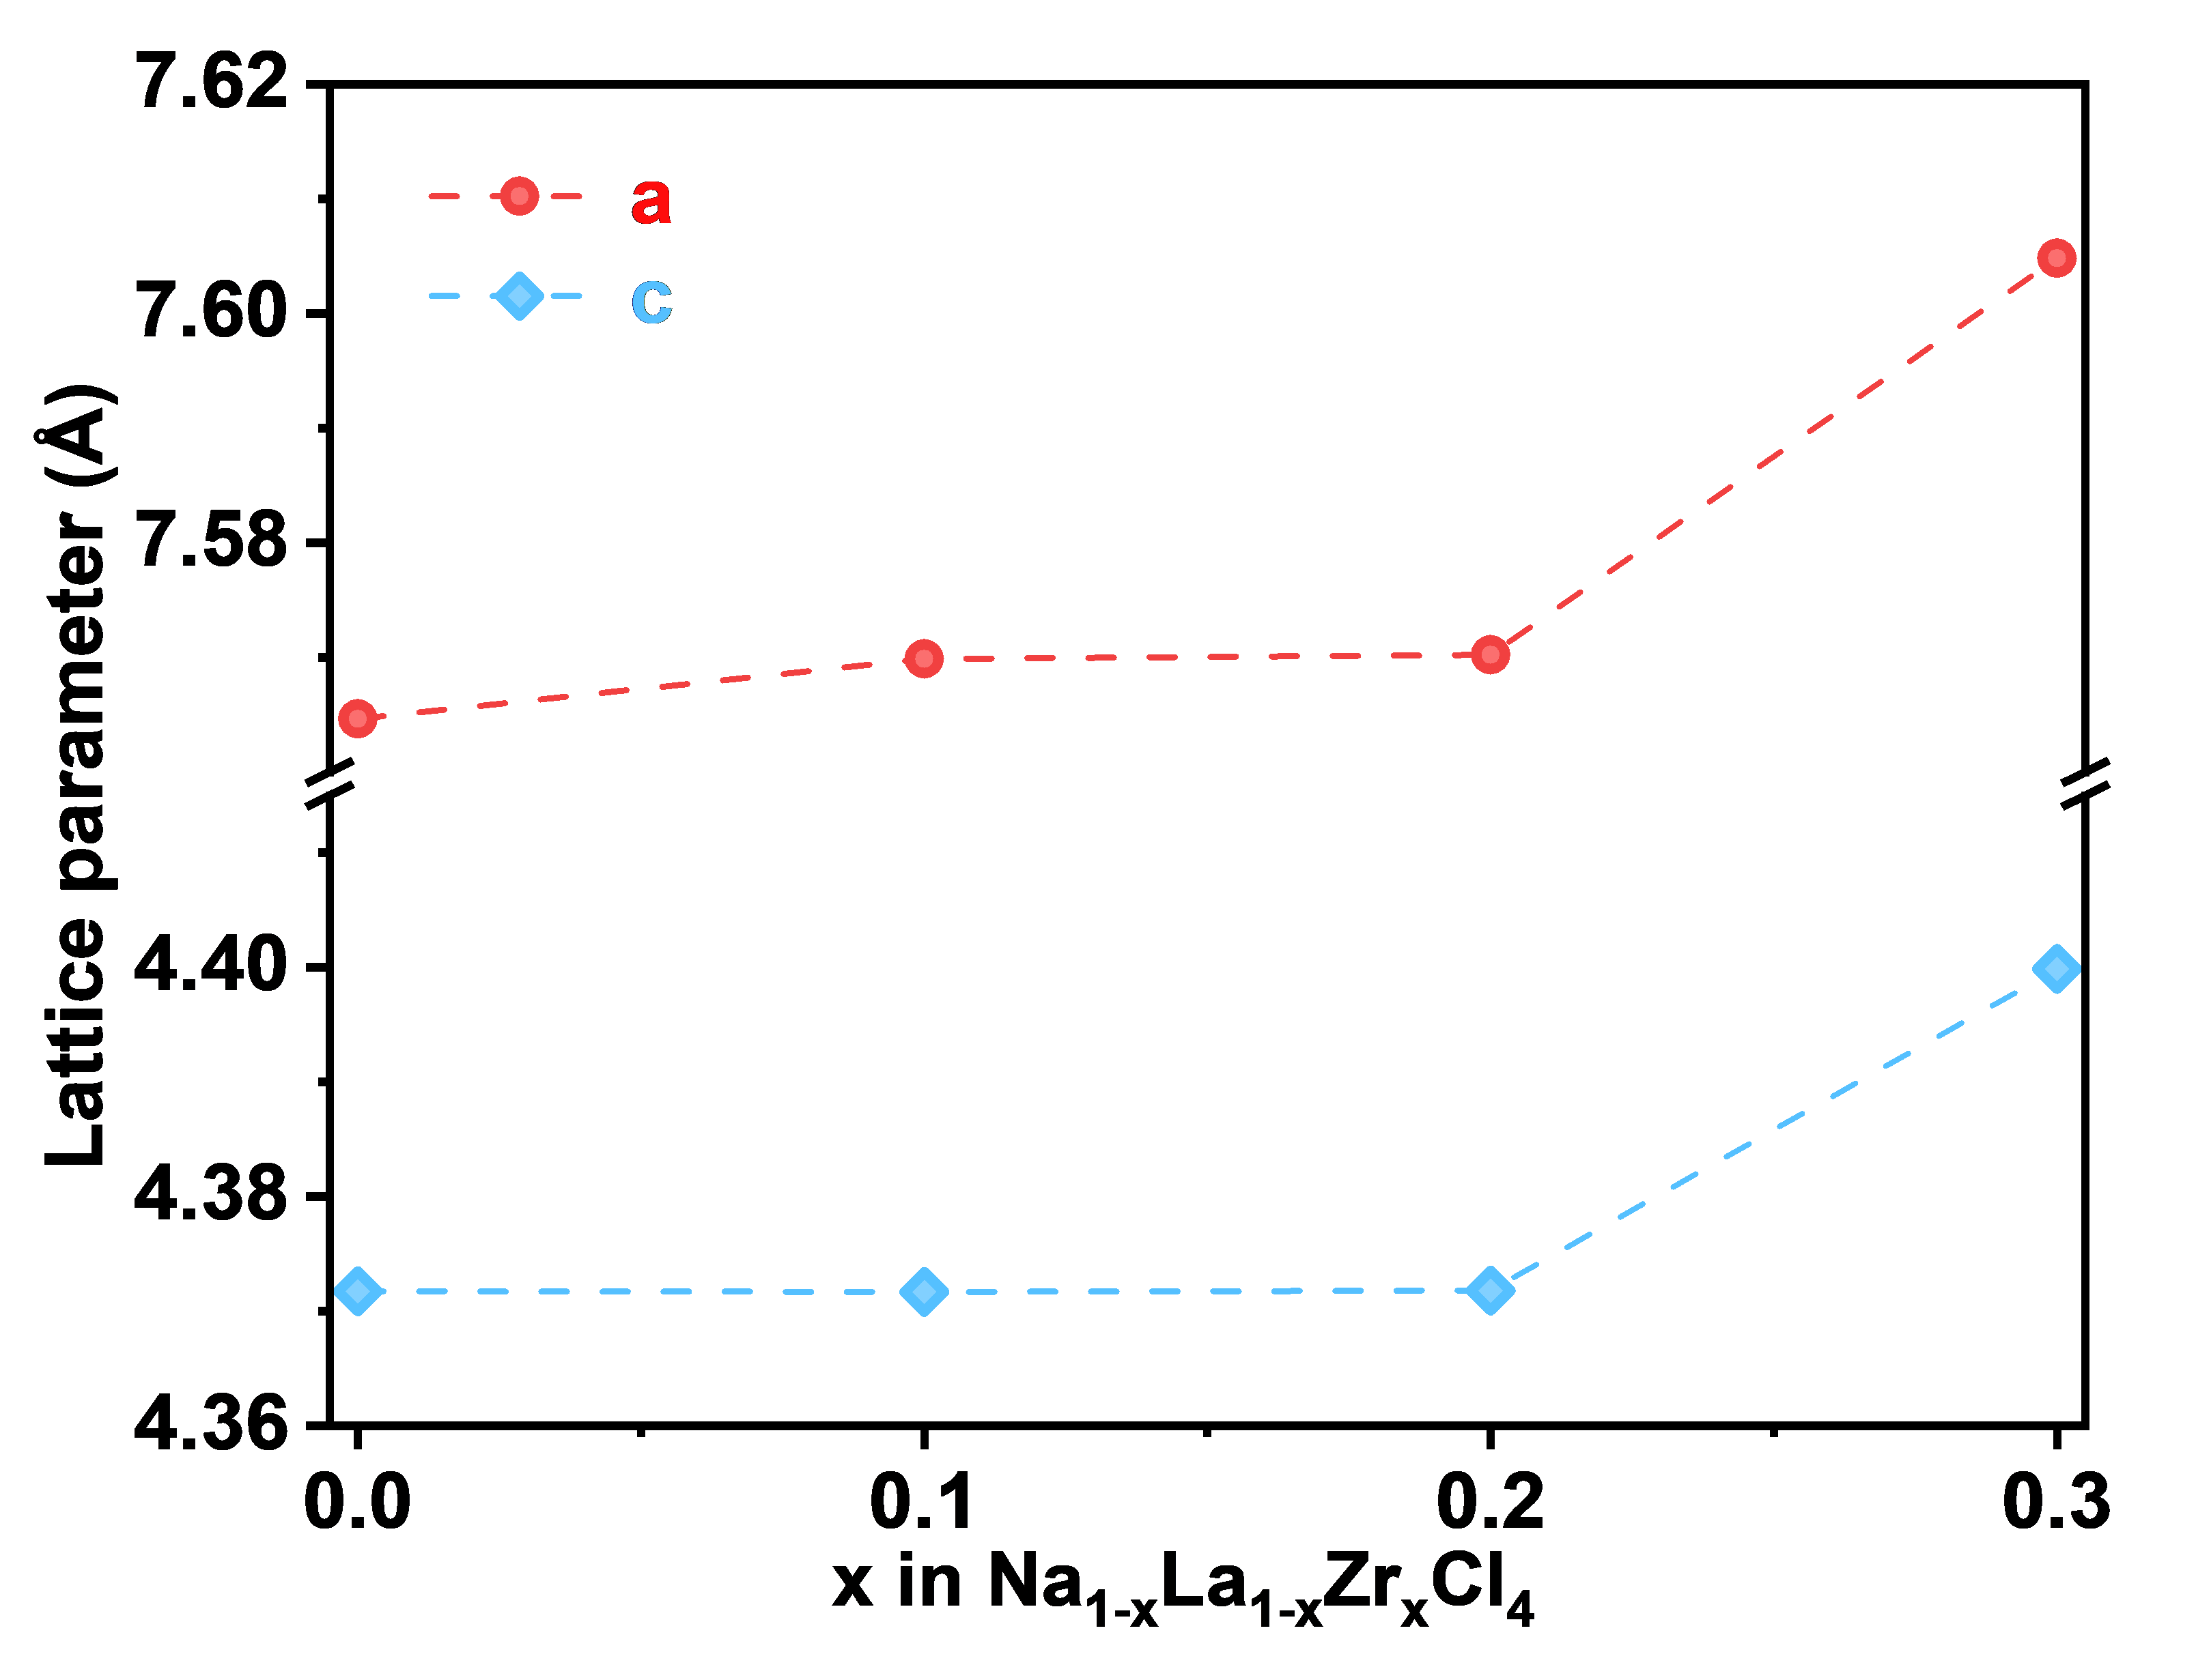
 |  |  | x in Na1-xLa1-xZrxCl4 | a | c
 |  | Lattice parameter (Å) | 0 | 7.56463 | 4.37173
 |  |  | 0.1 | 7.56986 | 4.37167
 |  |  | 0.2 | 7.57023 | 4.3718
 |  |  | 0.3 | 7.60482 | 4.39986

Figure 2a
Figure 2a | Arrhenius conductivity plots of NLZCx-HM (0≤x≤0.4)

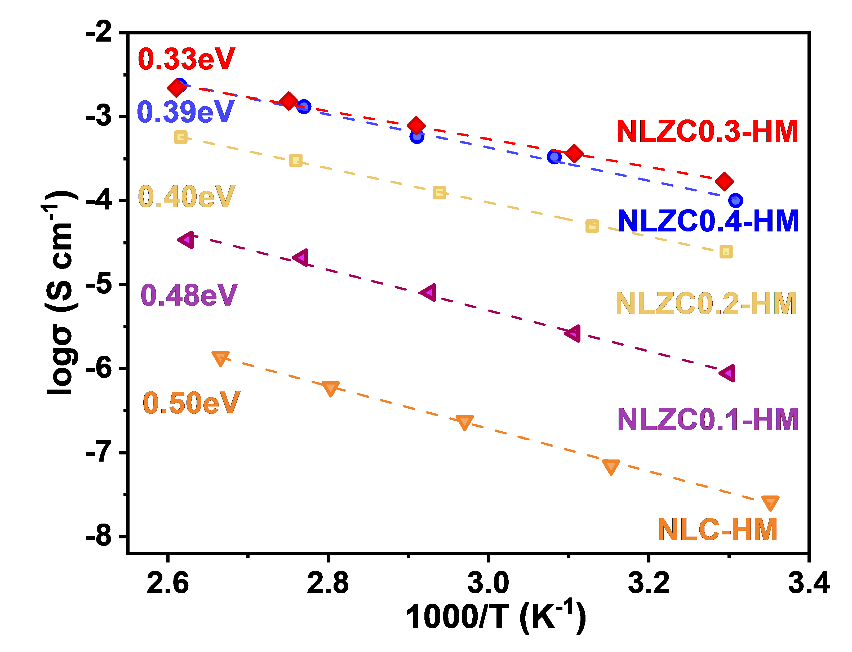
 |  |  | 1000/T (K-1) | logσ (S cm-1)
 |  | NLC-HM | 3.35177 | -7.58244
 |  |  | 3.15308 | -7.15243
 |  |  | 2.97044 | -6.62311
 |  |  | 2.80308 | -6.22126
 |  |  | 2.6656 | -5.85856

 |  | NLZC0.1-HM | 3.29979 | -6.05494
 |  |  | 3.10704 | -5.58284
 |  |  | 2.92697 | -5.09456
 |  |  | 2.7674 | -4.67994
 |  |  | 2.62433 | -4.46764

 |  | NLZC0.2-HM | 3.29652 | -4.60844
 |  |  | 3.1294 | -4.30334
 |  |  | 2.93902 | -3.90679
 |  |  | 2.75976 | -3.52192
 |  |  | 2.61609 | -3.24302

 |  | NLZC0.3-HM | 3.29435 | -3.7737
 |  |  | 3.10704 | -3.4394
 |  |  | 2.90994 | -3.1085
 |  |  | 2.75065 | -2.81403
 |  |  | 2.61063 | -2.65929

 |  | NLZC0.4-HM | 3.30852 | -3.99965
 |  |  | 3.08214 | -3.4785
 |  |  | 2.91078 | -3.23521
 |  |  | 2.7697 | -2.88217
 |  |  | 2.61472 | -2.62852

Figure 2b
Figure 2b | ionic conductivities and activation energies of NLZCx-HM (0≤x≤0.4)

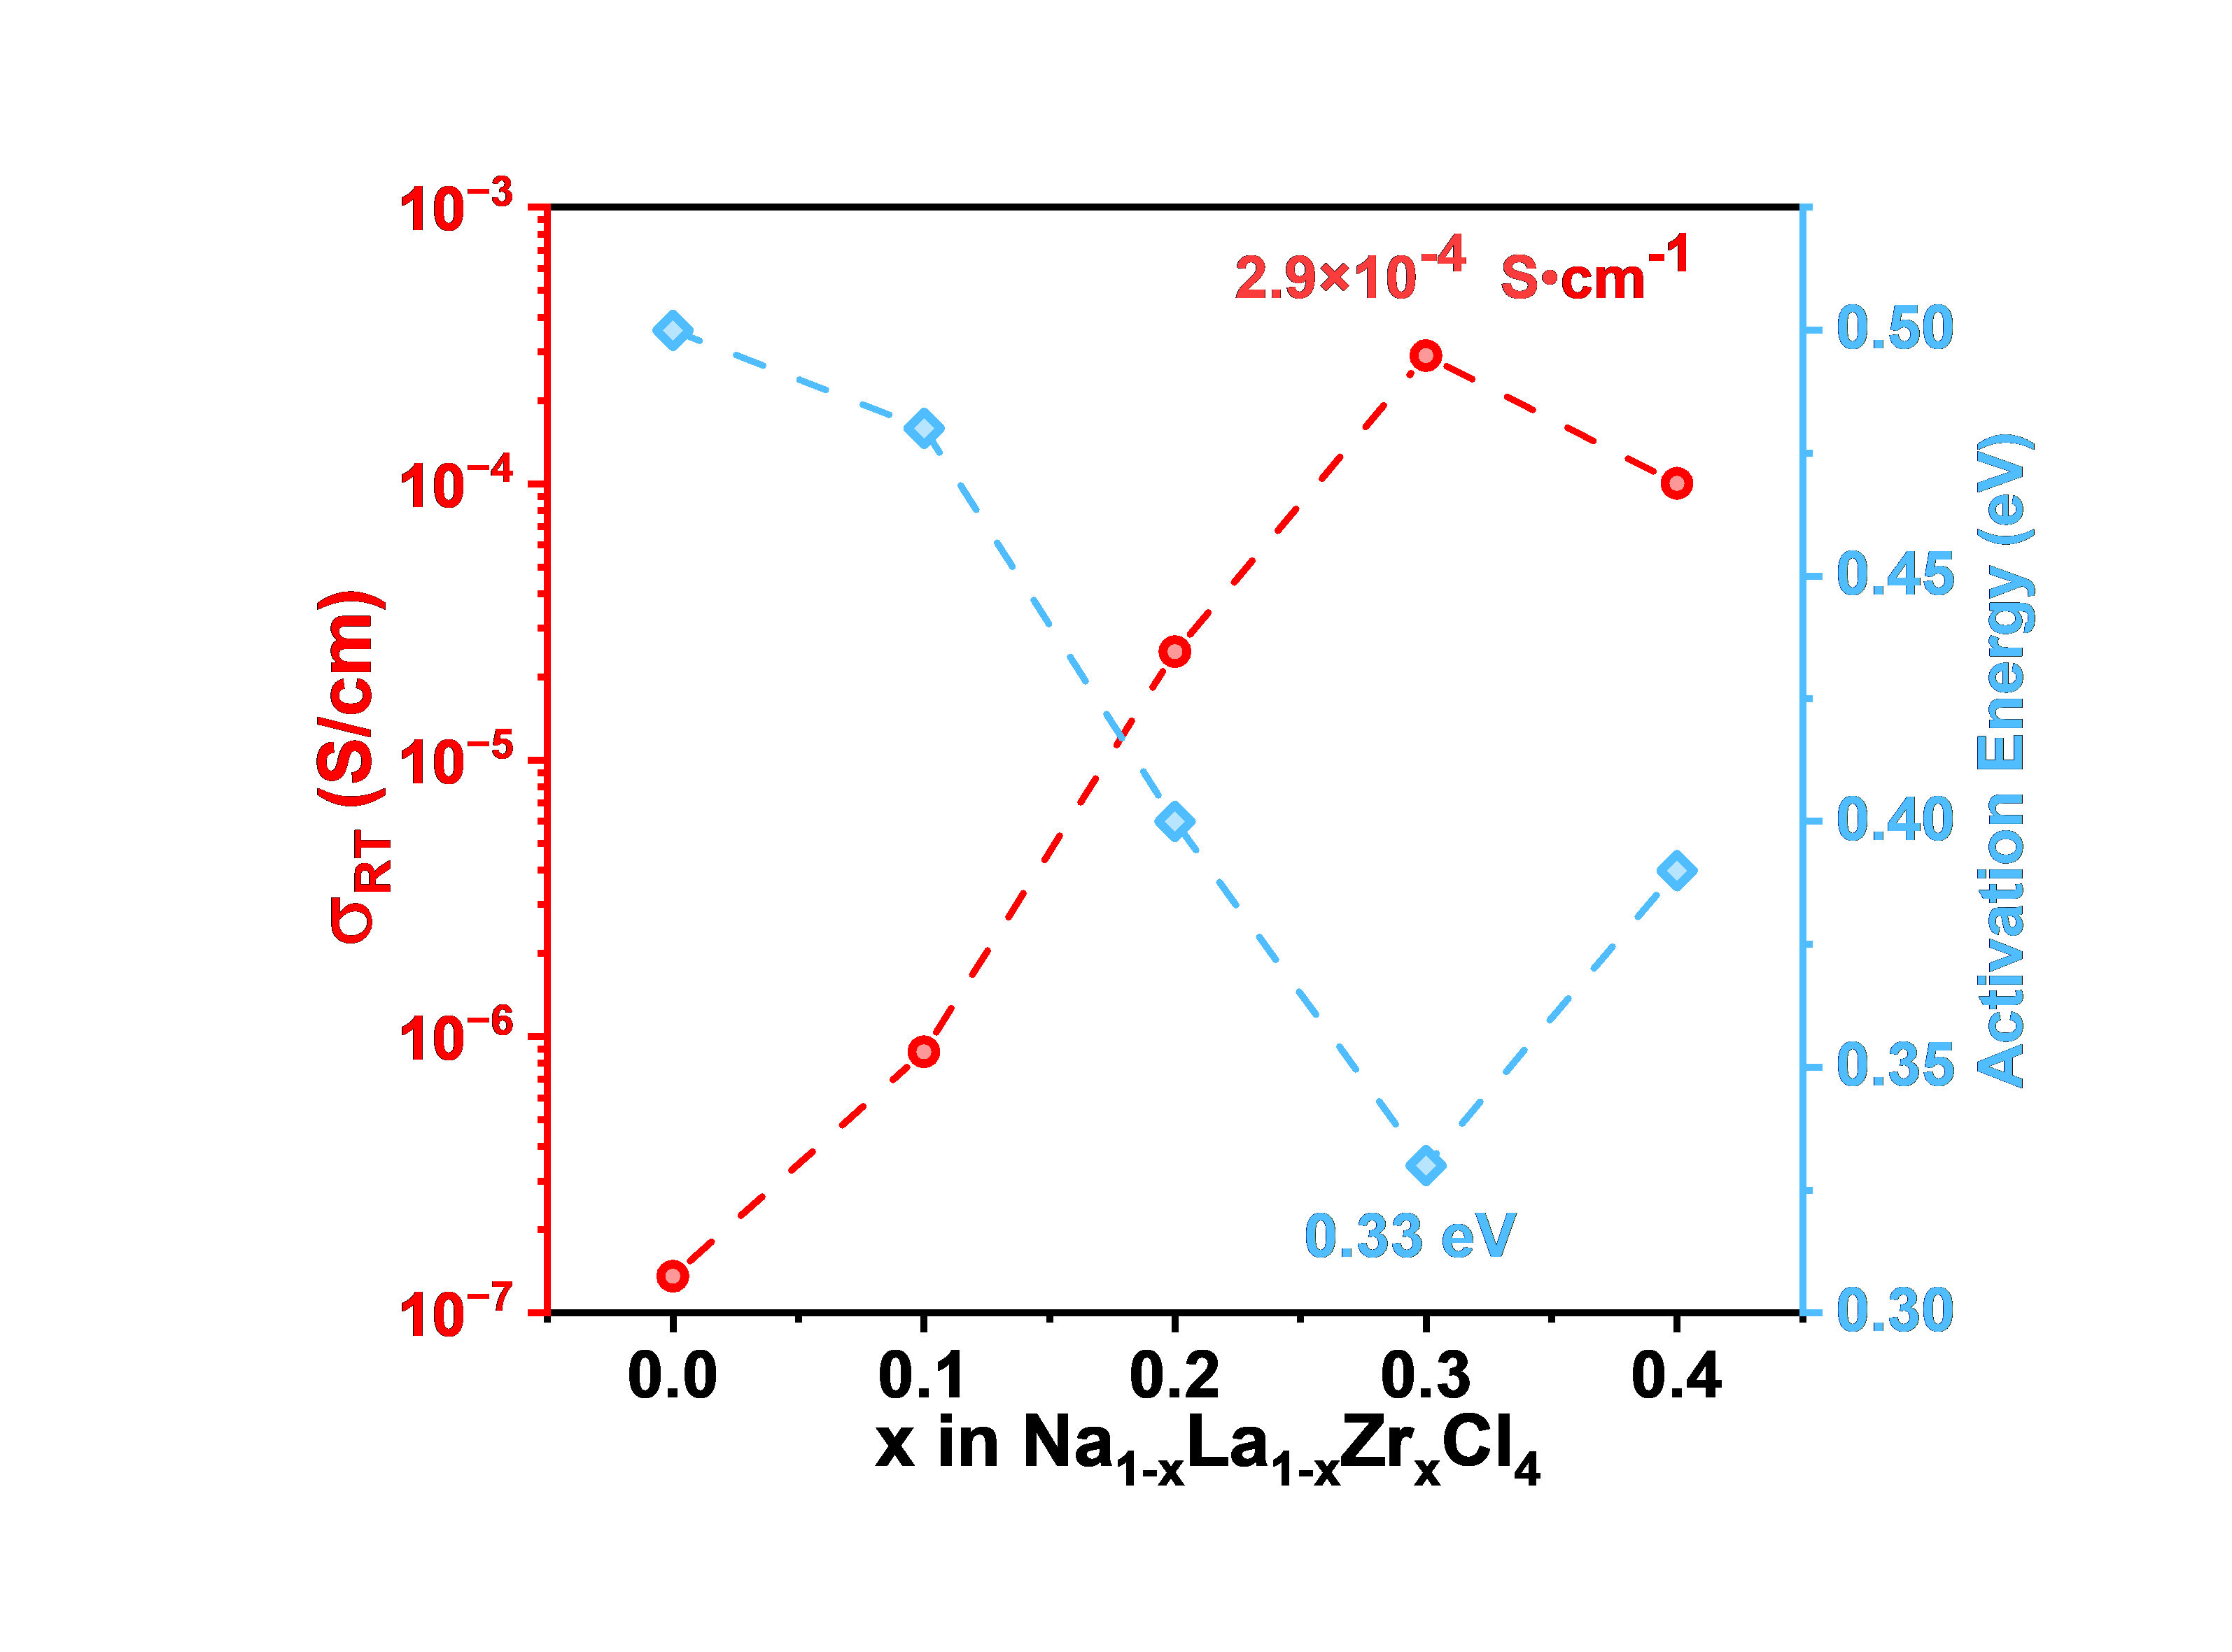
 |  |  | x in Na1-xLa1-xZrxCl4 | σRT (S/cm)
 |  | ionic conductivities of NLZCx-HM | 0 | 1.36E-07
 |  |  | 0.1 | 8.81E-07
 |  |  | 0.2 | 2.46E-05
 |  |  | 0.3 | 2.91E-04
 |  |  | 0.4 | 1.00E-04
 |  |  | x in Na1-xLa1-xZrxCl4 | Activation Energy (eV)
 |  | activation energies of NLZCx-HM | 0 | 0.5
 |  |  | 0.1 | 0.48
 |  |  | 0.2 | 0.4
 |  |  | 0.3 | 0.33
 |  |  | 0.4 | 0.39

Figure 2c
Figure 2c | ionic conductivity and activation energy comparing with Na2ZrCl6

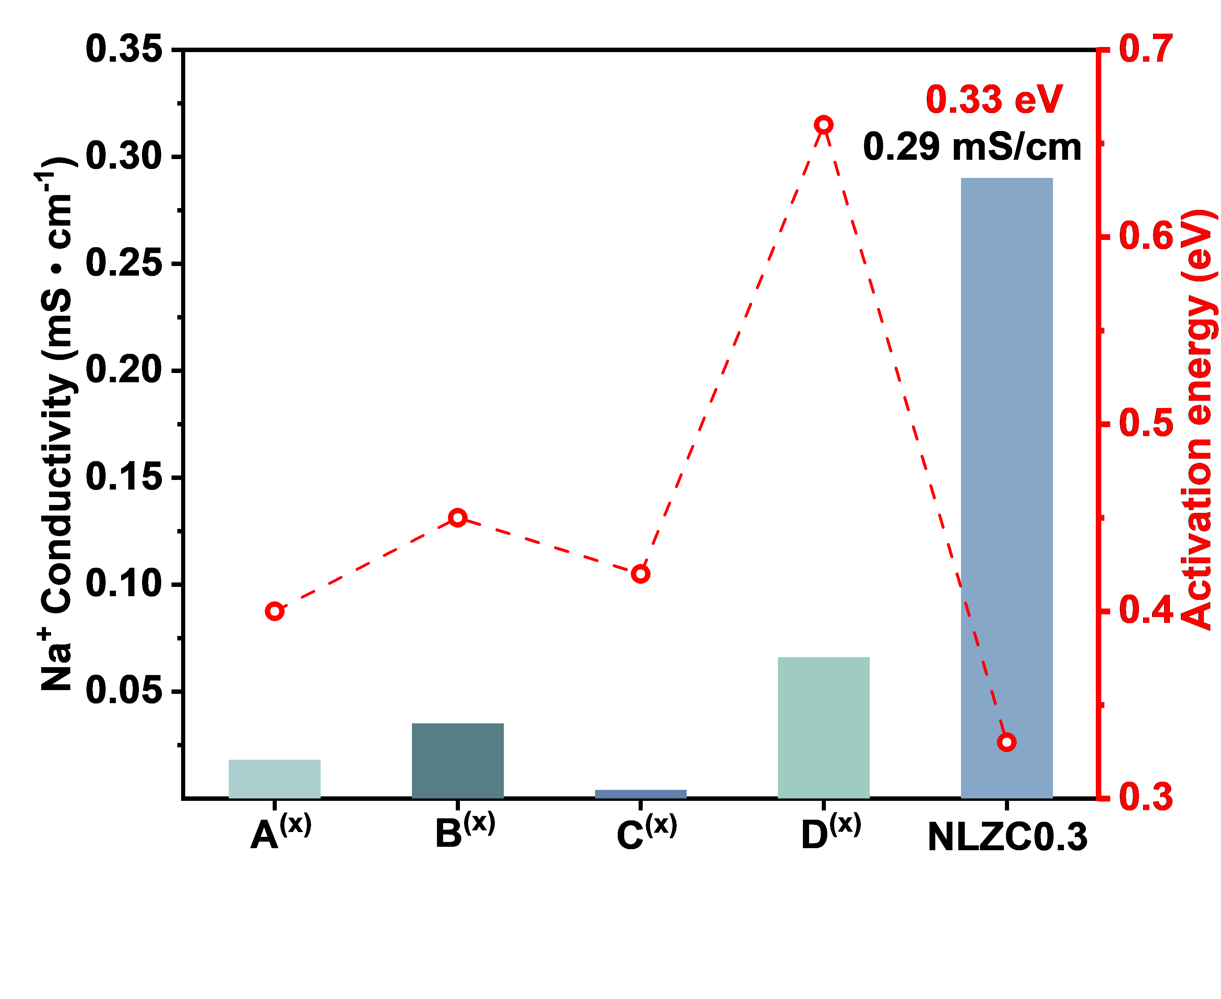
 |  | nunmber | Na+ Conductivity (mS • cm-1) | Activation energy (eV)
 |  | 1 | 0.018 | 0.4
 |  | 2 | 3.50E-02 | 0.45
 |  | 3 | 3.90E-03 | 0.42
 |  | 4 | 6.60E-02 | 0.66
 |  | 5 | 2.90E-01 | 0.33

Figure 2d
Figure 2d | DC polarization curve of Na0.7La0.7Zr0.3Cl4-HM under 0.5 V.

 |  |  | time | I (μA)
 |  | DC polarization curve | 0.1 | 0.04581
 |  |  | 0.2 | 3.21E-02
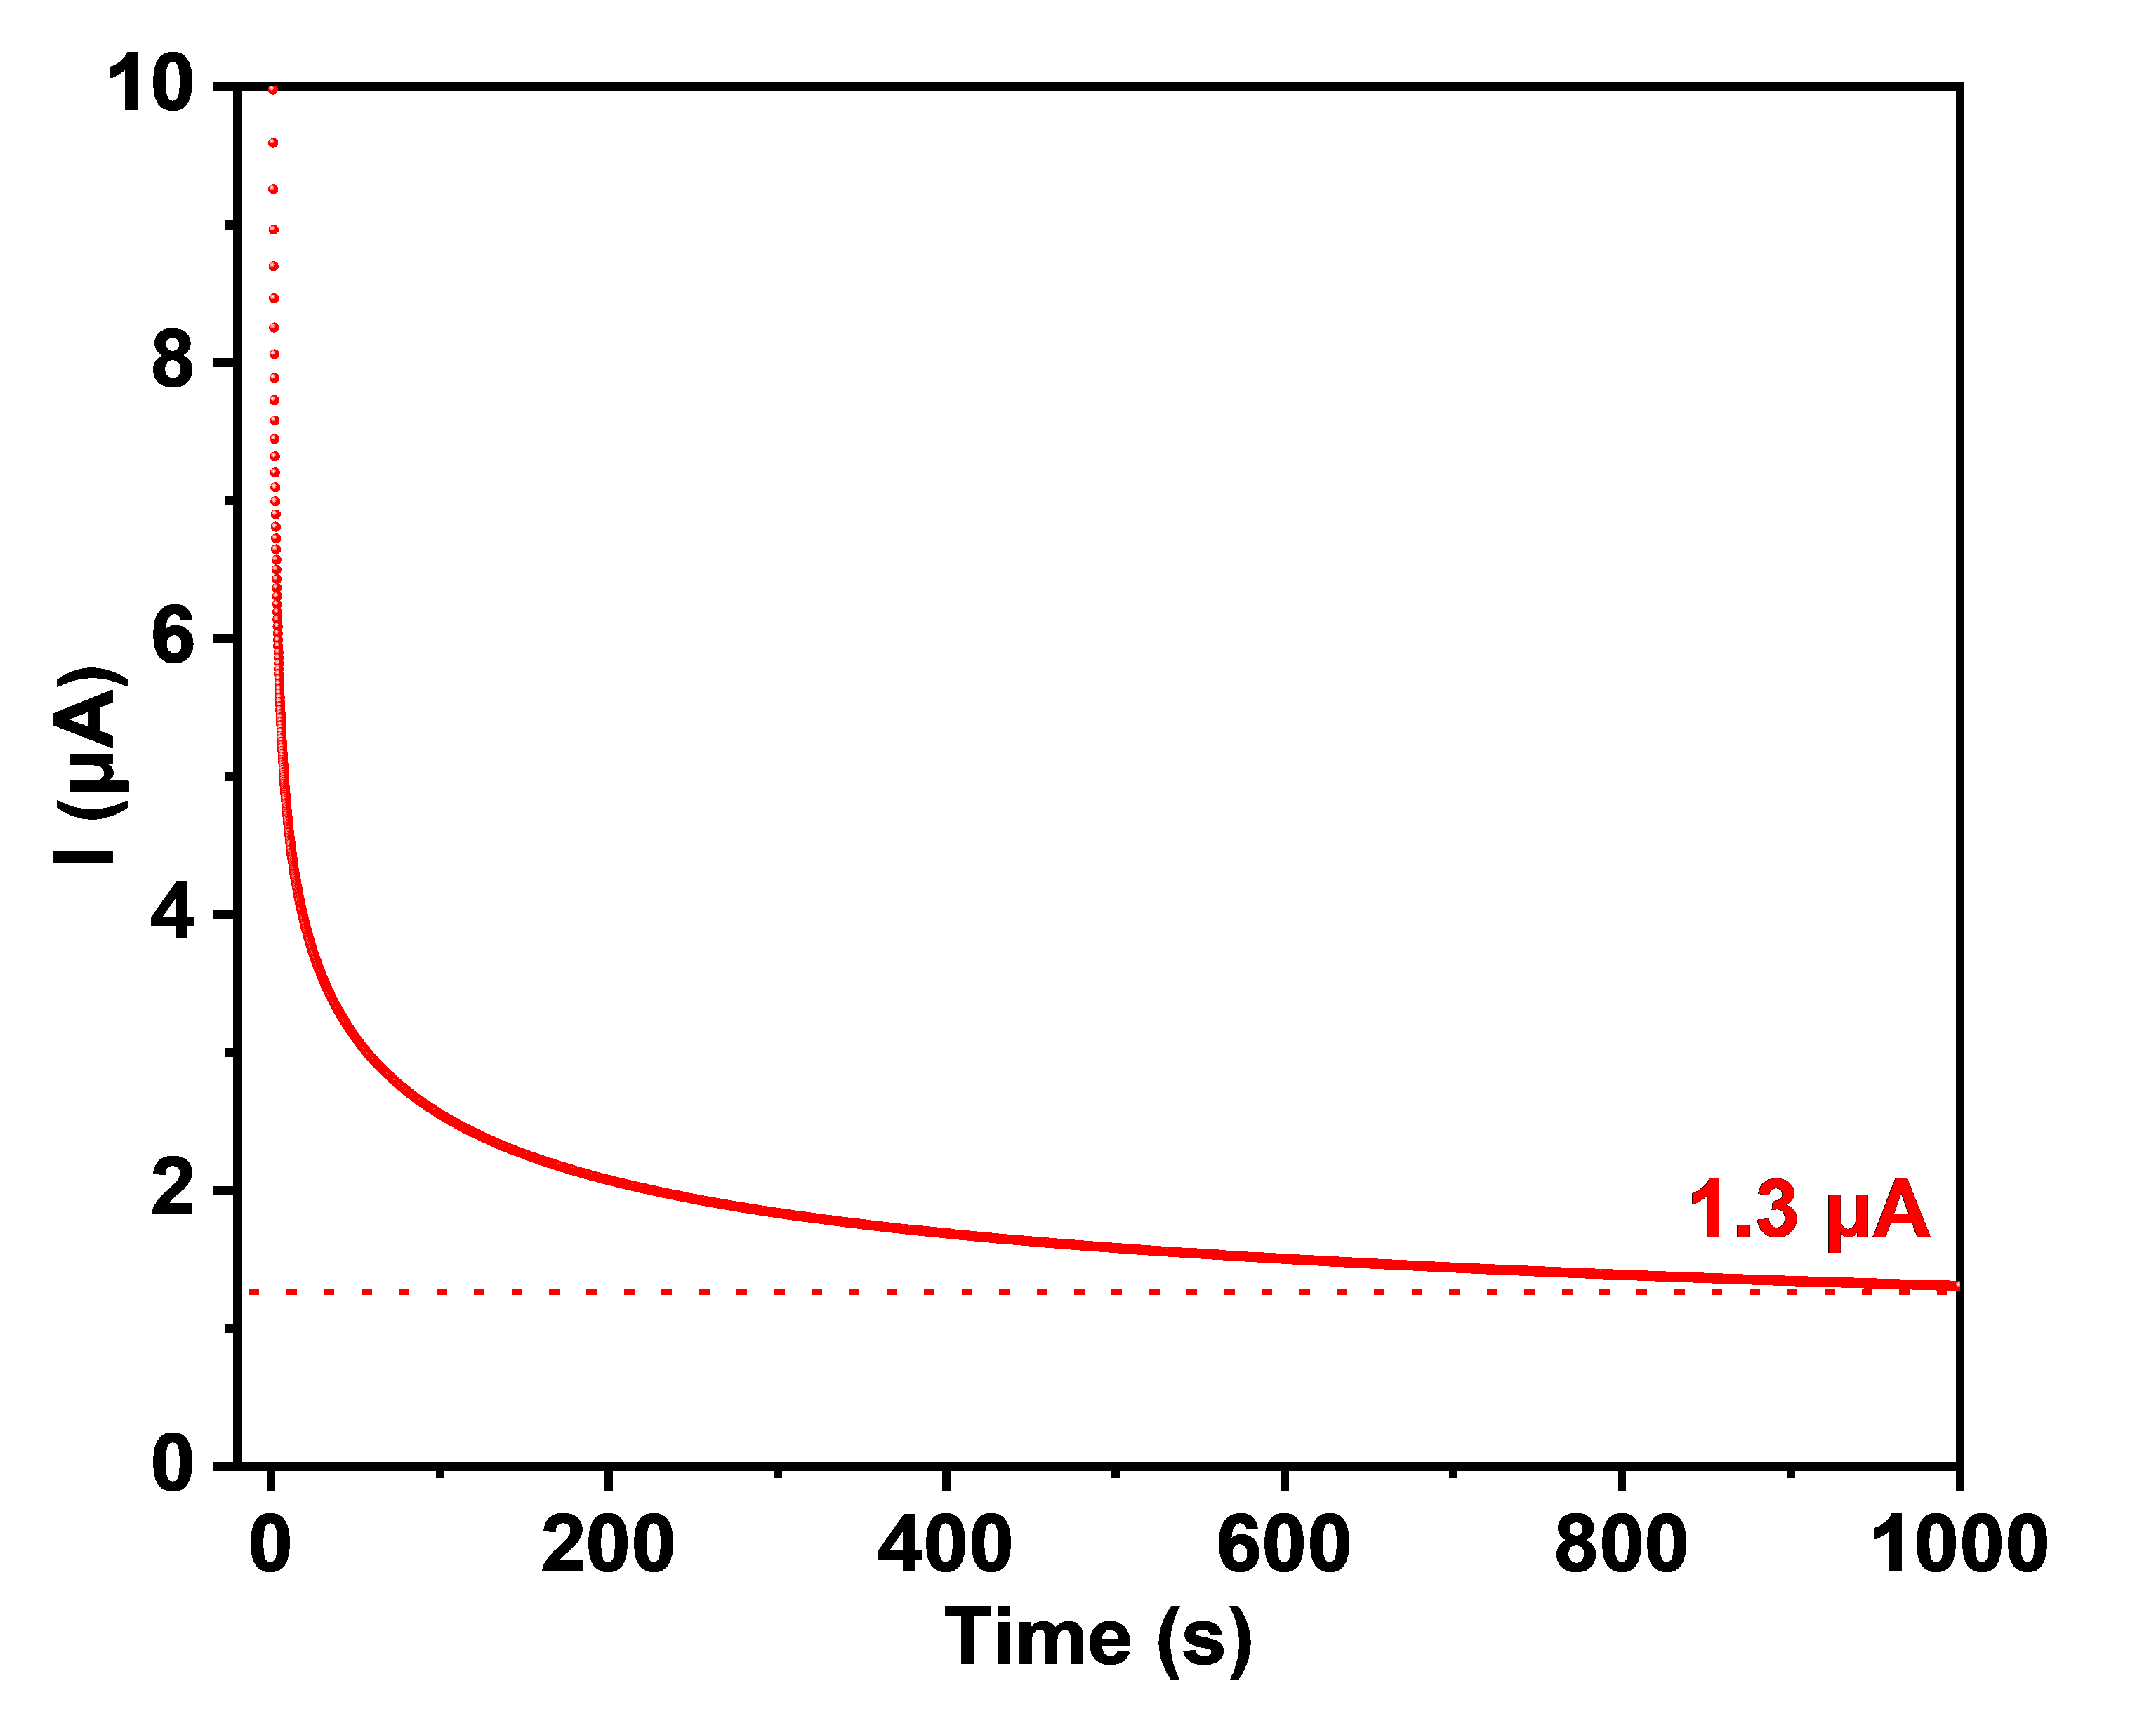
 |  |  | 0.3 | 2.32E-02
 |  |  | 0.4 | 1.89E-02
 |  |  | 0.5 | 1.64E-02
 |  |  | 0.6 | 1.46E-02
 |  |  | 0.7 | 0.01334
 |  |  | 0.8 | 0.01236
 |  |  | 0.9 | 0.01159
 |  |  | 1 | 0.01095
 |  |  | 1.1 | 0.01043
 |  |  | 1.2 | 0.00998
 |  |  | 1.3 | 0.00959
 |  |  | 1.4 | 0.00926
 |  |  | 1.5 | 0.00896
 |  |  | 1.6 | 0.0087
 |  |  | 1.7 | 0.00846
 |  |  | 1.8 | 0.00825
 |  |  | 1.9 | 0.00806
 |  |  | 2 | 0.00789
 |  |  | 2.1 | 0.00773
 |  |  | 2.2 | 0.00758
 |  |  | 2.3 | 0.00744
 |  |  | 2.4 | 0.00732
 |  |  | 2.5 | 0.0072
 |  |  | 2.6 | 0.00709
 |  |  | 2.7 | 0.00699
 |  |  | 2.8 | 0.0069
 |  |  | 2.9 | 0.00681
 |  |  | 3 | 0.00672
 |  |  | 3.1 | 0.00664
 |  |  | 3.2 | 0.00657
 |  |  | 3.3 | 0.0065
 |  |  | 3.4 | 0.00643
 |  |  | 3.5 | 0.00637
 |  |  | 3.6 | 0.00631
 |  |  | 3.7 | 0.00625
 |  |  | 3.8 | 0.00619
...

Figure 4a
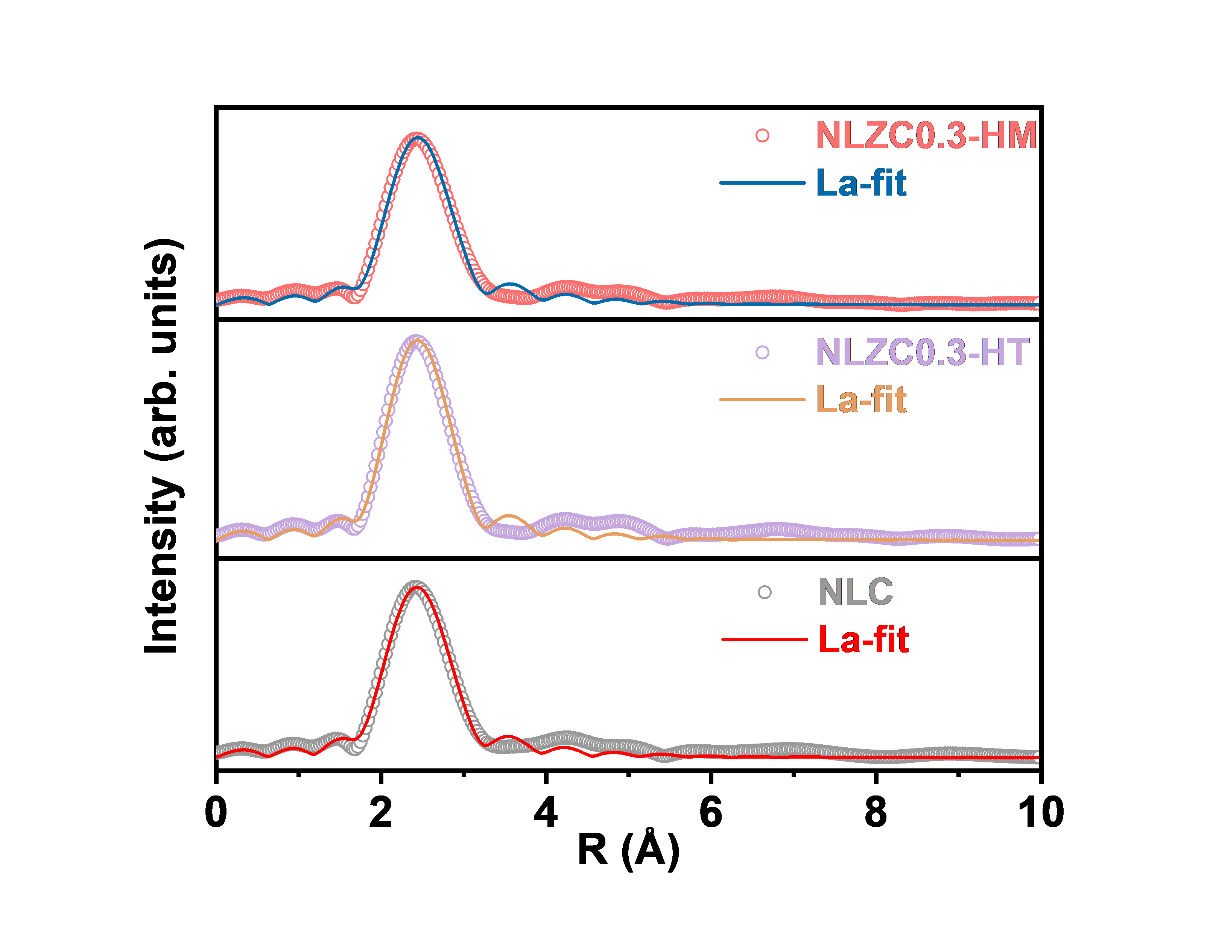
Figure 4a | R-space fitting curves of Na0.7La0.7Zr0.3Cl4. (a) La-Cl coordination structures.
 |  |  | test values | Fit value |  | test values | Fit value
 |  | NLZC0.3-HM La-fit | 0.04563 | 9.39E-04 | NLZC0.3-HT La-fit | 0.03671 | 0.00181 | NLC La-fit
 |  |  | 0.04666 | 0.00883 |  | 0.03824 | 0.01005
 |  |  | 0.04952 | 1.74E-02 |  | 0.04238 | 0.01966
 |  |  | 0.0537 | 2.57E-02 |  | 0.04814 | 0.02892
 |  |  | 0.05859 | 3.35E-02 |  | 0.05459 | 0.0376
 |  |  | 0.06362 | 4.07E-02 |  | 0.06101 | 0.04551
 |  |  | 0.06835 | 4.71E-02 |  | 0.06689 | 0.05248
 |  |  | 0.07245 | 0.05253 |  | 0.07187 | 0.05836
 |  |  | 0.07565 | 0.05695 |  | 0.0757 | 0.06299
 |  |  | 0.07778 | 0.06022 |  | 0.07819 | 0.06626
 |  |  | 0.07872 | 0.06223 |  | 0.07922 | 0.06809
 |  |  | 0.07843 | 0.06292 |  | 0.07873 | 0.0684
 |  |  | 0.07693 | 0.06223 |  | 0.07673 | 0.06715
 |  |  | 0.07431 | 0.06014 |  | 0.0733 | 0.06435
 |  |  | 0.07078 | 0.05664 |  | 0.06862 | 0.06001
 |  |  | 0.06664 | 0.05177 |  | 0.06295 | 0.0542
 |  |  | 0.06236 | 0.0456 |  | 0.05677 | 0.04702
 |  |  | 0.05857 | 0.03822 |  | 0.05079 | 0.0386
 |  |  | 0.05606 | 0.02978 |  | 0.04608 | 0.02914
 |  |  | 0.05563 | 0.0205 |  | 0.04396 | 0.01895
 |  |  | 0.05777 | 0.01085 |  | 0.04547 | 0.00893
 |  |  | 0.06245 | 0.00498 |  | 0.05061 | 0.00737
 |  |  | 0.06919 | 0.01304 |  | 0.05846 | 0.01745
 |  |  | 0.07726 | 0.02368 |  | 0.06785 | 0.02874
 |  |  | 0.08598 | 0.03434 |  | 0.0778 | 0.03982
 |  |  | 0.09473 | 0.04454 |  | 0.08758 | 0.05026
 |  |  | 0.10301 | 0.05395 |  | 0.09663 | 0.0597
 |  |  | 0.1104 | 0.06226 |  | 0.10451 | 0.06784
 |  |  | 0.11658 | 0.0692 |  | 0.11086 | 0.07441
 |  |  | 0.12129 | 0.07451 |  | 0.11543 | 0.07916
 |  |  | 0.12436 | 0.07796 |  | 0.11802 | 0.08188
 |  |  | 0.1257 | 0.0794 |  | 0.11852 | 0.08242
 |  |  | 0.12531 | 0.07869 |  | 0.11692 | 0.08069
 |  |  | 0.1233 | 0.07579 |  | 0.11333 | 0.07667
 |  |  | 0.11991 | 0.07074 |  | 0.10798 | 0.07047
 |  |  | 0.11552 | 0.06371 |  | 0.10131 | 0.06232
 |  |  | 0.11068 | 0.05509 |  | 0.09396 | 0.05278
 |  |  | 0.1061 | 0.04569 |  | 0.0869 | 0.04298
 |  |  | 0.10261 | 0.03723 |  | 0.08142 | 0.0354
 |  |  | 0.10104 | 0.03316 |  | 0.07891 | 0.03431
 |  |  | 0.10196 | 0.03703 |  | 0.08041 | 0.04195
 |  |  | 0.10549 | 0.04799 |  | 0.08604 | 0.05557
 |  |  | 0.11126 | 0.06271 |  | 0.0949 | 0.07193
 |  |  | 0.11848 | 0.0789 |  | 0.10563 | 0.08916
...

Figure 4b
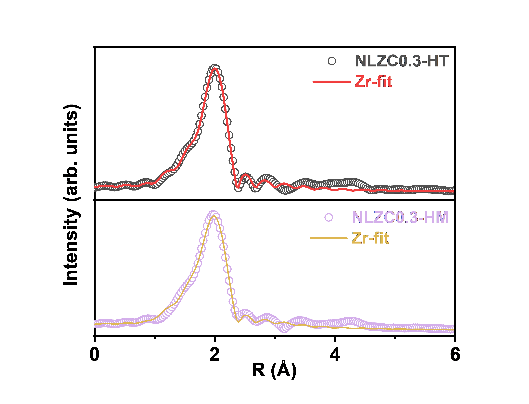
Figure 4b | Zr-Cl coordination structures. |  | test values | Fit value |  | test values | Fit value
 |  | NLZC0.3-HM Zr-fit | 0.09263 | 9.06E-02 | NLZC0.3-HT Zr-fit | 0.08612 | 0.09586
 |  |  | 0.09384 | 0.09133 |  | 0.08926 | 0.09772
 |  |  | 0.09706 | 9.33E-02 |  | 0.09727 | 0.10267
 |  |  | 0.10126 | 9.59E-02 |  | 0.10706 | 0.10921
 |  |  | 0.10521 | 9.87E-02 |  | 0.11565 | 0.11562
 |  |  | 0.10789 | 1.01E-01 |  | 0.12095 | 0.12042
 |  |  | 0.10866 | 1.02E-01 |  | 0.12184 | 0.12255
 |  |  | 0.10738 | 0.10178 |  | 0.11811 | 0.12154
 |  |  | 0.10446 | 0.1004 |  | 0.11053 | 0.1175
 |  |  | 0.10083 | 0.09821 |  | 0.10103 | 0.1113
 |  |  | 0.09784 | 0.09594 |  | 0.09278 | 0.10459
 |  |  | 0.09691 | 0.09447 |  | 0.0896 | 0.09971
 |  |  | 0.0989 | 0.09457 |  | 0.09386 | 0.09895
 |  |  | 0.10367 | 0.09656 |  | 0.10436 | 0.10326
 |  |  | 0.11009 | 0.10011 |  | 0.11745 | 0.11149
 |  |  | 0.1166 | 0.10437 |  | 0.12942 | 0.1211
 |  |  | 0.12173 | 0.10828 |  | 0.13749 | 0.12941
 |  |  | 0.12445 | 0.11091 |  | 0.14002 | 0.13433
 |  |  | 0.12439 | 0.11169 |  | 0.13653 | 0.13462
 |  |  | 0.12194 | 0.11064 |  | 0.12786 | 0.13016
 |  |  | 0.11834 | 0.10836 |  | 0.11654 | 0.12208
 |  |  | 0.11561 | 0.10608 |  | 0.10719 | 0.11308
 |  |  | 0.11603 | 0.10535 |  | 0.10564 | 0.10731
 |  |  | 0.12116 | 0.10747 |  | 0.11514 | 0.10888
 |  |  | 0.13087 | 0.1128 |  | 0.13316 | 0.11878
 |  |  | 0.14343 | 0.12054 |  | 0.1541 | 0.134
 |  |  | 0.15645 | 0.12917 |  | 0.17277 | 0.14996
 |  |  | 0.16766 | 0.1372 |  | 0.18542 | 0.16274
 |  |  | 0.17538 | 0.14368 |  | 0.18976 | 0.16992
 |  |  | 0.17867 | 0.14861 |  | 0.18507 | 0.17093
 |  |  | 0.17752 | 0.15309 |  | 0.17255 | 0.16758
 |  |  | 0.17289 | 0.15925 |  | 0.15614 | 0.16468
 |  |  | 0.1668 | 0.16958 |  | 0.14355 | 0.16954
 |  |  | 0.16223 | 0.18588 |  | 0.14513 | 0.1884
 |  |  | 0.16242 | 0.20828 |  | 0.16626 | 0.22175
 |  |  | 0.16972 | 0.23525 |  | 0.20224 | 0.26476
 |  |  | 0.18451 | 0.26432 |  | 0.24454 | 0.31089
 |  |  | 0.20549 | 0.29291 |  | 0.28634 | 0.35424
 |  |  | 0.23086 | 0.31888 |  | 0.32342 | 0.39023
 |  |  | 0.25936 | 0.34099 |  | 0.35403 | 0.41603
 |  |  | 0.29059 | 0.35914 |  | 0.37895 | 0.43098
 |  |  | 0.32485 | 0.37461 |  | 0.40145 | 0.43723
 |  |  | 0.3627 | 0.38996 |  | 0.42682 | 0.44017
 |  |  | 0.40444 | 0.40861 |  | 0.4608 | 0.4481
 |  |  | 0.44971 | 0.43386 |  | 0.50725 | 0.4701
 |  |  | 0.49739 | 0.46774 |  | 0.56639 | 0.51197
 |  |  | 0.54566 | 0.51025 |  | 0.63481 | 0.57319
 |  |  | 0.59247 | 0.55955 |  | 0.70687 | 0.64778
...

Figure 5f
 |  |  |  | 0.1C charge |  | 0.1C discharge |  | 0.2C charge
Figure 5f | charge-discharge profiles at different currents (30 ℃) |  | Capacity (mAh/g) | Voltage V vs. Na+/Na2Sn | Capacity (mAh/g) | Voltage V vs. Na+/Na2Sn | Capacity (mAh/g) | Voltage V vs. Na+/Na2Sn
 |  | charge-discharge profiles at different currents (30 ℃) | 0 | 2608.1 | 0 | 3363.7 | 0 | 2419
 |  |  | 0.0151 | 2.63E+03 | 0.0146 | 3360.3 | 0.0297 | 2477
 |  |  | 0.0302 | 2643.2 | 0.0292 | 3356.8 | 0.0592 | 2532.2
 |  |  | 0.0452 | 2.65E+03 | 0.0437 | 3353.4 | 0.0888 | 2561.3
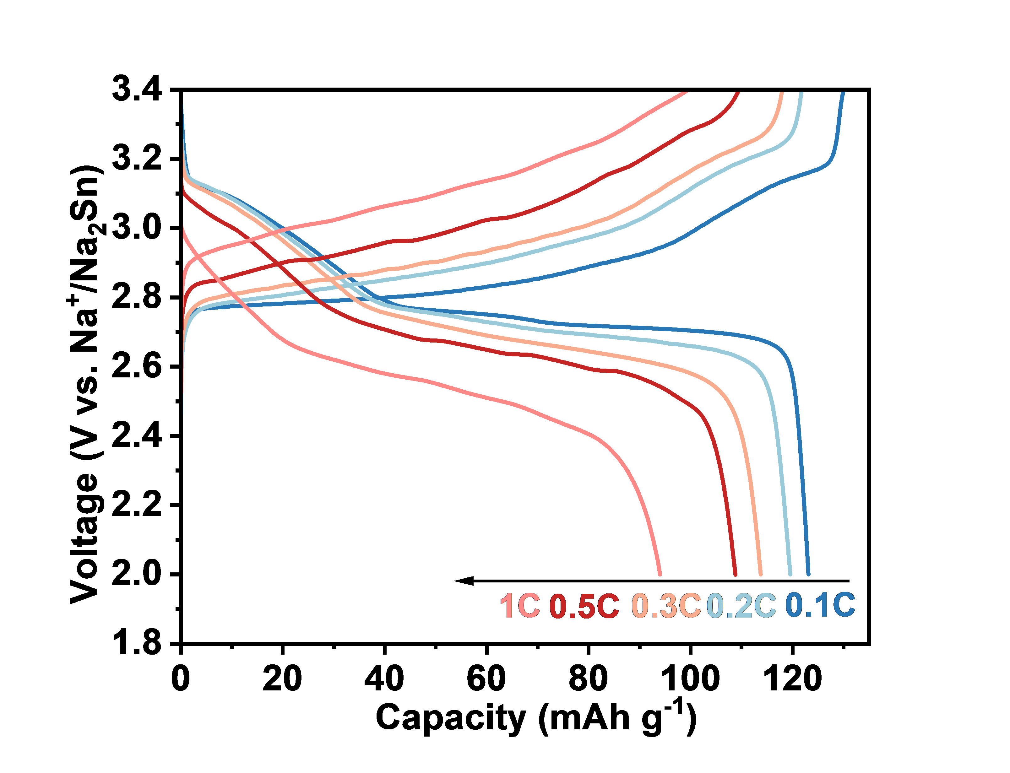
 |  |  | 0.0602 | 2.66E+03 | 0.0584 | 3349.7 | 0.1184 | 2584
 |  |  | 0.0751 | 2.66E+03 | 0.073 | 3346.6 | 0.1479 | 2597.3
 |  |  | 0.0901 | 2.67E+03 | 0.0876 | 3343.2 | 0.1775 | 2610.3
 |  |  | 0.1051 | 2.67E+03 | 0.1022 | 3339.5 | 0.2071 | 2619.9
 |  |  | 0.1202 | 2672 | 0.1168 | 3336.4 | 0.2366 | 2627.4
 |  |  | 0.1353 | 2673.9 | 0.1314 | 3332.7 | 0.2662 | 2634.8
 |  |  | 0.1504 | 2676.7 | 0.1459 | 3329.3 | 0.2958 | 2640.7
 |  |  | 0.1656 | 2679.1 | 0.1606 | 3325.8 | 0.3254 | 2645
 |  |  | 0.1807 | 2681 | 0.1751 | 3322.7 | 0.3549 | 2650.3
 |  |  | 0.1959 | 2682.9 | 0.1896 | 3318.7 | 0.3845 | 2654.6
 |  |  | 0.2111 | 2684.7 | 0.204 | 3315.6 | 0.4141 | 2659
 |  |  | 0.2263 | 2686.6 | 0.2185 | 3312.2 | 0.4436 | 2662.4
 |  |  | 0.2414 | 2688.4 | 0.2332 | 3308.5 | 0.4732 | 2665.8
 |  |  | 0.2566 | 2690 | 0.248 | 3304.8 | 0.5028 | 2668.6
 |  |  | 0.2717 | 2691.5 | 0.2628 | 3301 | 0.5323 | 2672
 |  |  | 0.2867 | 2692.8 | 0.2775 | 3297.6 | 0.5619 | 2674.8
 |  |  | 0.3019 | 2694.3 | 0.2921 | 3294.2 | 0.5915 | 2678.2
 |  |  | 0.317 | 2695.9 | 0.3065 | 3290.5 | 0.6211 | 2680.4
 |  |  | 0.3322 | 2697.1 | 0.3211 | 3286.8 | 0.6506 | 2682.9
 |  |  | 0.347 | 2698.4 | 0.3358 | 3284 | 0.6802 | 2685.3
 |  |  | 0.3623 | 2699.6 | 0.3503 | 3279.6 | 0.7098 | 2687.5
 |  |  | 0.3773 | 2700.8 | 0.3648 | 3276.5 | 0.7393 | 2689.7
 |  |  | 0.3924 | 2702.1 | 0.3794 | 3273.1 | 0.7689 | 2691.9
 |  |  | 0.4075 | 2703.3 | 0.3939 | 3269.7 | 0.7985 | 2693.7
 |  |  | 0.4228 | 2704.3 | 0.4085 | 3266.9 | 0.828 | 2695.6
 |  |  | 0.438 | 2705.2 | 0.4232 | 3263.2 | 0.8576 | 2697.4
 |  |  | 0.4532 | 2706.7 | 0.4378 | 3260.1 | 0.8872 | 2699.3
 |  |  | 0.4684 | 2707.7 | 0.4525 | 3256.7 | 0.9168 | 2700.8
 |  |  | 0.4832 | 2708.9 | 0.4671 | 3254.2 | 0.9463 | 2702.4
 |  |  | 0.4983 | 2709.8 | 0.4819 | 3251.1 | 0.9759 | 2703.9
 |  |  | 0.5134 | 2710.8 | 0.4965 | 3247.7 | 1.0055 | 2705.5
 |  |  | 0.5286 | 2711.7 | 0.5109 | 3245.2 | 1.035 | 2707.4
 |  |  | 0.5436 | 2712.6 | 0.5254 | 3242.4 | 1.0646 | 2708.9
 |  |  | 0.5589 | 2713.6 | 0.5401 | 3239.7 | 1.0942 | 2710.1
 |  |  | 0.574 | 2714.5 | 0.5547 | 3237.2 | 1.1237 | 2711.7
 |  |  | 0.5892 | 2715.4 | 0.5691 | 3234.7 | 1.1533 | 2712.9
 |  |  | 0.6042 | 2716 | 0.5835 | 3232.2 | 1.1829 | 2714.2
 |  |  | 0.6194 | 2716.7 | 0.5982 | 3229.7 | 1.2125 | 2715.4
 |  |  | 0.6347 | 2717.6 | 0.6129 | 3227.3 | 1.242 | 2716.7
 |  |  | 0.6498 | 2718.5 | 0.6273 | 3225.1 | 1.2716 | 2717.6
 |  |  | 0.6649 | 2719.1 | 0.6419 | 3222.3 | 1.3012 | 2718.8
 |  |  | 0.6797 | 2720.1 | 0.6567 | 3220.1 | 1.3307 | 2719.8
 |  |  | 0.6949 | 2720.7 | 0.6713 | 3218 | 1.3603 | 2721
 |  |  | 0.71 | 2721.3 | 0.6858 | 3215.8 | 1.3899 | 2721.9
...

Figure 5g
 |  |  | Cycle number | Specific Capacity (mAhg-1) | Cycle number | Coulombic Efficiency %
 |  | rate performance | 1 | 123.1069 | 1 | 96.6975
Figure 5g | rate performance |  | 2 | 121.7192 | 2 | 95.8366
 |  |  | 3 | 1.22E+02 | 3 | 96.634
 |  |  | 4 | 121.6322 | 4 | 96.6616
 |  |  | 5 | 1.20E+02 | 5 | 96.3311
 |  |  | 6 | 1.20E+02 | 6 | 98.1587
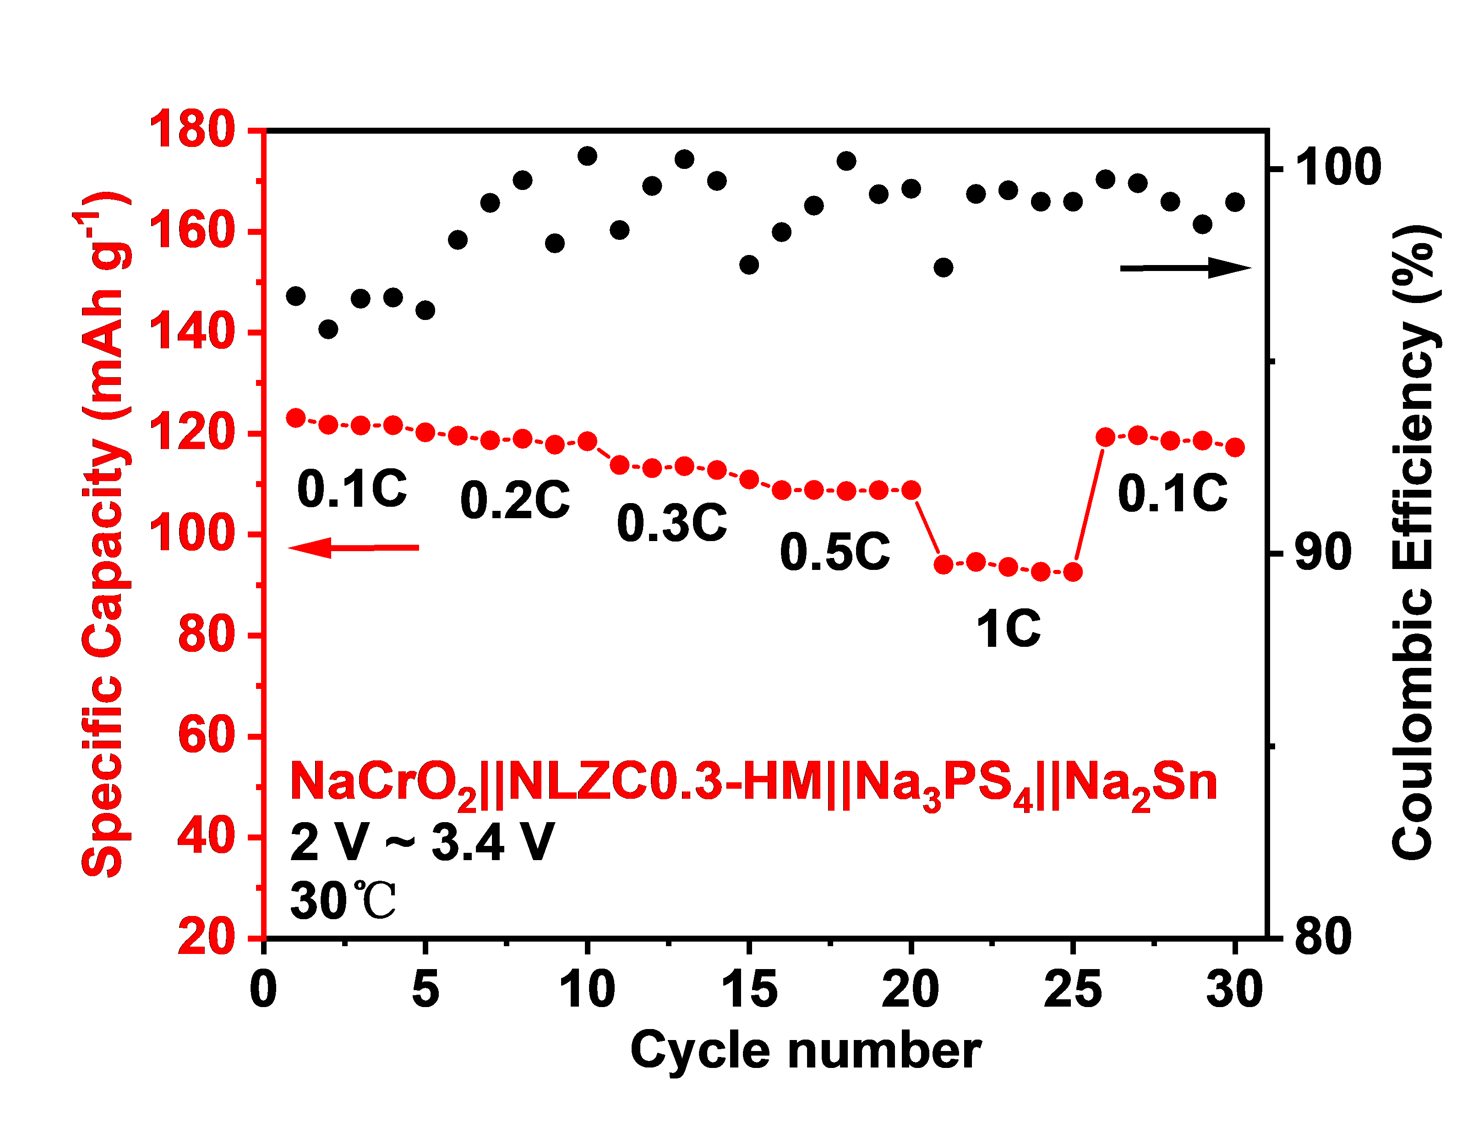
 |  |  | 7 | 1.19E+02 | 7 | 99.1247
 |  |  | 8 | 1.19E+02 | 8 | 99.7131
 |  |  | 9 | 1.18E+02 | 9 | 98.0695
 |  |  | 10 | 118.463 | 10 | 100.3422
 |  |  | 11 | 113.7523 | 11 | 98.4151
 |  |  | 12 | 113.1083 | 12 | 99.5607
 |  |  | 13 | 113.5253 | 13 | 100.2551
 |  |  | 14 | 112.748 | 14 | 99.6918
 |  |  | 15 | 110.9113 | 15 | 97.5103
 |  |  | 16 | 108.7806 | 16 | 98.3613
 |  |  | 17 | 108.8258 | 17 | 99.0496
 |  |  | 18 | 108.6017 | 18 | 100.2115
 |  |  | 19 | 108.7745 | 19 | 99.3503
 |  |  | 20 | 108.7937 | 20 | 99.4912
 |  |  | 21 | 94.0111 | 21 | 97.4424
 |  |  | 22 | 94.5863 | 22 | 99.3559
 |  |  | 23 | 93.5559 | 23 | 99.4477
 |  |  | 24 | 92.6169 | 24 | 99.1539
 |  |  | 25 | 92.5866 | 25 | 99.1536
 |  |  | 26 | 119.2741 | 26 | 99.7343
 |  |  | 27 | 119.6413 | 27 | 99.6323
 |  |  | 28 | 118.5672 | 28 | 99.1539
 |  |  | 29 | 118.6175 | 29 | 98.5653
 |  |  | 30 | 117.2597 | 30 | 99.1423

Figure 5h
Figure 5h | charge-discharge profiles at different cycles (30 ℃, 0.3C) | Capacity (mAh/g) | 1st charge | Capacity (mAh/g) | 1st discharge | Capacity (mAh/g) | 70th charge
 |  | 0 | 2.8491 | 0 | 3.1944 | 0 | 2.6966
 |  | 0.1 | 2.8491 | 0.1 | 3.1944 | 0.1 | 2.7173
 |  | 0.2 | 2.8615 | 0.2 | 3.1774 | 0.2 | 2.74E+00
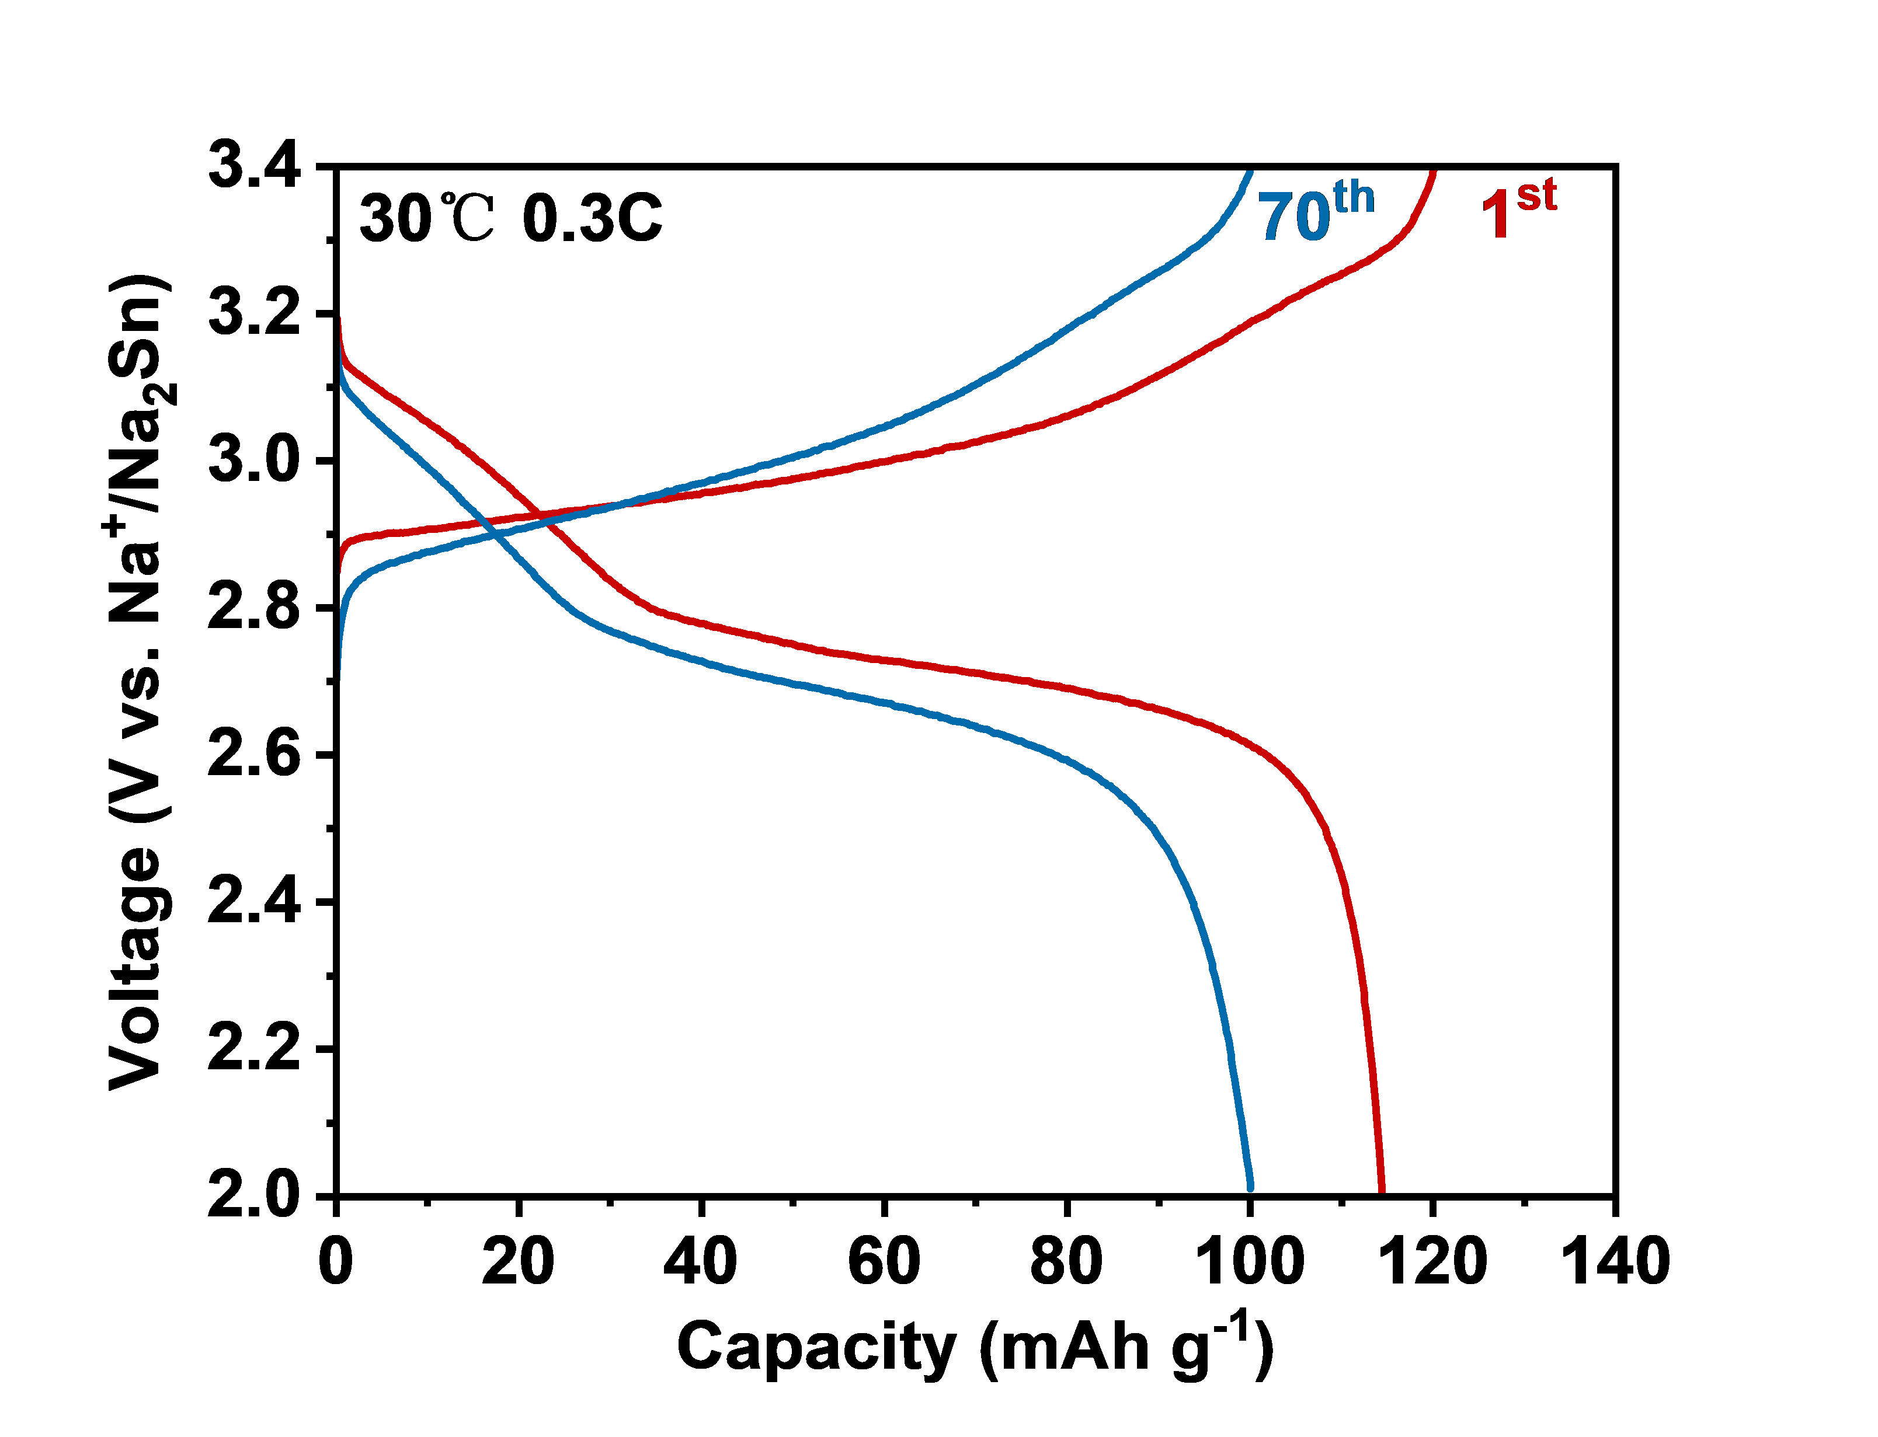
 |  | 0.3 | 2.8655 | 0.3 | 3.1631 | 0.3 | 2.7573
 |  | 0.4 | 2.8699 | 0.4 | 3.1563 | 0.4 | 2.77E+00
 |  | 0.5 | 2.8748 | 0.5 | 3.1483 | 0.5 | 2.78E+00
 |  | 0.6 | 2.8767 | 0.6 | 3.1452 | 0.6 | 2.78E+00
 |  | 0.7 | 2.8792 | 0.7 | 3.1417 | 0.7 | 2.79E+00
 |  | 0.8 | 2.8804 | 0.8 | 3.1393 | 0.8 | 2.80E+00
 |  | 0.9 | 2.8823 | 0.9 | 3.1377 | 0.9 | 2.8001
 |  | 1 | 2.8838 | 1 | 3.1343 | 1 | 2.8054
 |  | 1 | 2.8854 | 1.1 | 3.1328 | 1 | 2.8082
 |  | 1.1 | 2.8869 | 1.1 | 3.1328 | 1.1 | 2.8116
 |  | 1.2 | 2.8872 | 1.2 | 3.1297 | 1.2 | 2.8153
 |  | 1.3 | 2.8885 | 1.3 | 3.1287 | 1.3 | 2.8168
 |  | 1.4 | 2.89 | 1.4 | 3.1284 | 1.4 | 2.8199
 |  | 1.5 | 2.8906 | 1.5 | 3.1269 | 1.5 | 2.8227
 |  | 1.6 | 2.8912 | 1.6 | 3.1259 | 1.6 | 2.8246
 |  | 1.7 | 2.8919 | 1.7 | 3.1241 | 1.7 | 2.8258
 |  | 1.8 | 2.8919 | 1.8 | 3.1241 | 1.8 | 2.8271
 |  | 1.9 | 2.8919 | 1.9 | 3.1228 | 1.9 | 2.8296
 |  | 2 | 2.8922 | 2 | 3.1219 | 2 | 2.8308
 |  | 2.1 | 2.8931 | 2.1 | 3.1203 | 2.1 | 2.832
 |  | 2.2 | 2.8937 | 2.2 | 3.1194 | 2.2 | 2.8348
 |  | 2.3 | 2.8937 | 2.3 | 3.1185 | 2.3 | 2.8358
 |  | 2.4 | 2.894 | 2.4 | 3.1185 | 2.4 | 2.8364
 |  | 2.5 | 2.894 | 2.5 | 3.1163 | 2.5 | 2.8373
 |  | 2.6 | 2.895 | 2.6 | 3.1163 | 2.6 | 2.8389
 |  | 2.7 | 2.8956 | 2.7 | 3.1157 | 2.7 | 2.8398
 |  | 2.8 | 2.8953 | 2.8 | 3.1141 | 2.8 | 2.8407
 |  | 2.9 | 2.8959 | 2.9 | 3.1132 | 2.9 | 2.8413
 |  | 3 | 2.8962 | 3 | 3.1123 | 3 | 2.8416
 |  | 3 | 2.8962 | 3.1 | 3.1123 | 3.1 | 2.8432
 |  | 3.1 | 2.8962 | 3.1 | 3.1117 | 3.1 | 2.8444
 |  | 3.2 | 2.8968 | 3.2 | 3.1098 | 3.2 | 2.8454
 |  | 3.3 | 2.8971 | 3.3 | 3.1095 | 3.3 | 2.846
 |  | 3.4 | 2.8971 | 3.4 | 3.1089 | 3.4 | 2.846
 |  | 3.5 | 2.8974 | 3.5 | 3.1073 | 3.5 | 2.8466
 |  | 3.6 | 2.8974 | 3.6 | 3.1064 | 3.6 | 2.8472
...

Figure 5i
Figure 5i | cycle performance | Cycle number | Discharge Capacity mAh/g | Cycle number | Coulombic Efficiency %
 |  | 1 | 114.4 | 1 | 95.17
 |  | 2 | 114.1 | 2 | 98.92
 |  | 3 | 113.3 | 3 | 99.31
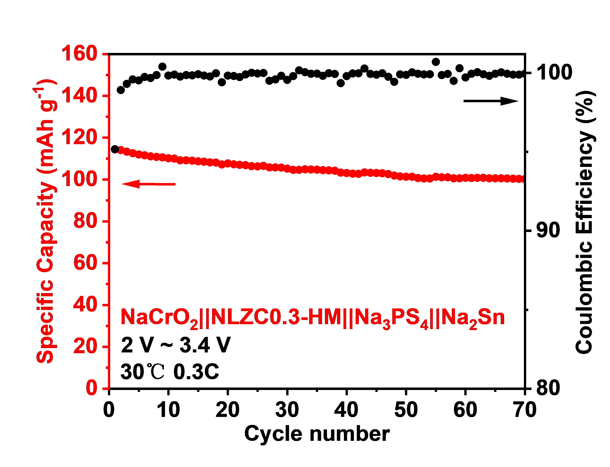
 |  | 4 | 112.6 | 4 | 99.59
 |  | 5 | 112 | 5 | 99.53
 |  | 6 | 111.6 | 6 | 99.75
 |  | 7 | 111.1 | 7 | 99.68
 |  | 8 | 110.8 | 8 | 99.87
 |  | 9 | 110.6 | 9 | 100.4
 |  | 10 | 110.2 | 10 | 99.84
 |  | 11 | 110 | 11 | 99.9
 |  | 12 | 109.2 | 12 | 99.77
 |  | 13 | 109.2 | 13 | 99.87
 |  | 14 | 109 | 14 | 99.85
 |  | 15 | 108.7 | 15 | 99.92
 |  | 16 | 108.5 | 16 | 99.84
 |  | 17 | 108.2 | 17 | 99.78
 |  | 18 | 108.1 | 18 | 99.98
 |  | 19 | 107.2 | 19 | 99.41
 |  | 20 | 107.7 | 20 | 99.83
 |  | 21 | 107.3 | 21 | 99.81
 |  | 22 | 107 | 22 | 99.74
 |  | 23 | 106.9 | 23 | 99.91
 |  | 24 | 106.4 | 24 | 100.01
 |  | 25 | 106.3 | 25 | 99.97
 |  | 26 | 106.5 | 26 | 100
 |  | 27 | 105.8 | 27 | 99.51
 |  | 28 | 105.8 | 28 | 99.59
 |  | 29 | 105.7 | 29 | 99.82
 |  | 30 | 105.2 | 30 | 99.56
 |  | 31 | 104.6 | 31 | 99.8
 |  | 32 | 104.6 | 32 | 100.17
 |  | 33 | 104.9 | 33 | 100.05
 |  | 34 | 104.8 | 34 | 99.95
 |  | 35 | 104.7 | 35 | 99.96
 |  | 36 | 104.5 | 36 | 99.82
 |  | 37 | 104.4 | 37 | 99.99
 |  | 38 | 104.2 | 38 | 99.94
 |  | 39 | 103.3 | 39 | 99.36
...

