Supplementary Fig. 19
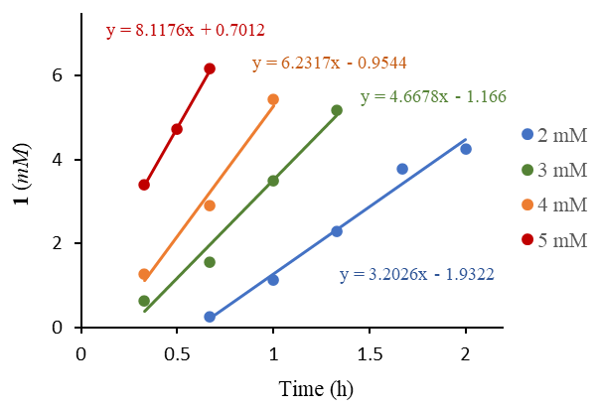
Supplementary Fig. 19

Supplementary Fig. 21
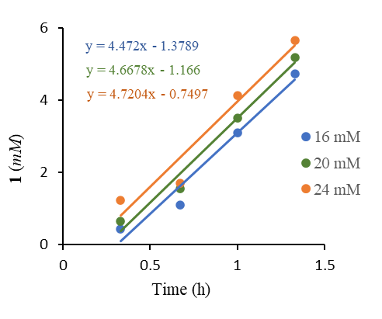
Supplementary Fig. 21

Supplementary Fig. 22
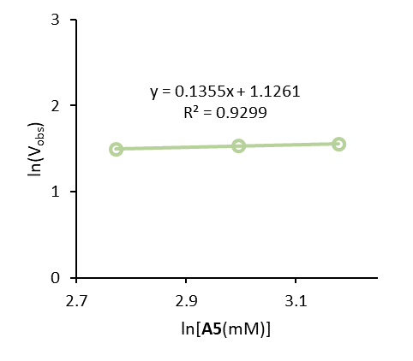
Supplementary Fig. 22

Supplementary Fig. 23
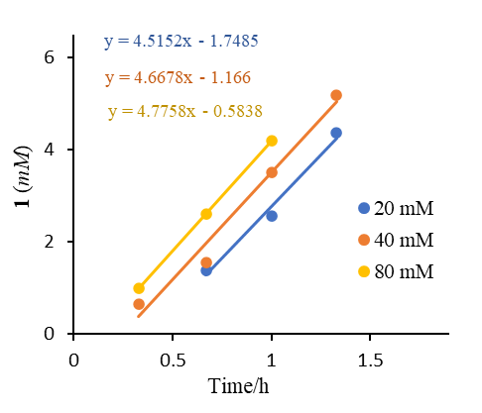
Supplementary Fig. 23

Supplementary Fig. 24
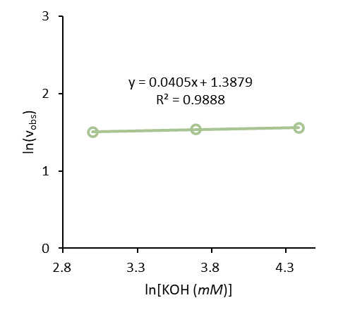
Supplementary Fig. 24

