Figure 6
Figure 6a
the schematic diagram of experiment for fig 6b and fig 6c

Figure 6b
tumor volume (mm3)
days after tumor inoculation | PBS |  |  |  |  |  | PBS+FTY720 |  |  |  |  | αPD1-mIL12mut2 |  |  |  |  |  | αPD1-mIL12mut2+FTY720
0 | 0.000 | 0.000 | 0.000 | 0.000 | 0.000 | 0.000 | 0.000 | 0.000 | 0.000 | 0.000 | 0.000 | 0.000 | 0.000 | 0.000 | 0.000 | 0.000 | 0.000 | 0.000 | 0.000 | 0.000 | 0.000 | 0.000 | 0.000
16 | 54.070 | 60.417 | 74.429 | 89.901 | 101.023 | 124.509 | 59.072 | 59.923 | 88.304 | 102.913 | 124.415 | 53.550 | 62.485 | 65.287 | 90.862 | 112.131 | 115.342 | 52.608 | 64.746 | 89.480 | 91.314 | 110.270 | 122.465
20 | 62.519 | 91.291 | 104.082 | 144.010 | 114.805 | 192.647 | 62.690 | 111.256 | 125.078 | 162.951 | 190.906 | 45.717 | 70.561 | 68.931 | 98.060 | 115.866 | 118.831 | 41.723 | 92.095 | 137.587 | 78.828 | 170.061 | 154.126
23 | 79.632 | 98.292 | 151.375 | 226.208 | 179.877 | 264.187 | 93.459 | 145.795 | 192.678 | 204.867 | 262.650 | 34.758 | 42.718 | 75.034 | 124.660 | 131.507 | 108.799 | 48.143 | 55.276 | 167.757 | 54.243 | 197.353 | 209.234
26 | 123.168 | 144.534 | 190.735 | 326.321 | 228.532 | 328.305 | 168.996 | 213.332 | 249.507 | 265.267 | 351.795 | 17.150 | 34.786 | 74.190 | 79.693 | 112.549 | 105.061 | 55.211 | 73.460 | 181.254 | 22.678 | 221.067 | 174.703
29 | 220.440 | 221.319 | 379.049 | 474.532 | 307.402 | 460.624 | 255.025 | 297.231 | 378.092 | 316.443 | 428.324 | 9.255 | 34.366 | 95.159 | 80.353 | 242.071 | 90.804 | 39.478 | 103.150 | 197.439 | 21.957 | 328.418 | 273.232
32 | 298.555 | 274.253 | 528.238 | 622.374 | 405.561 | 617.280 | 339.751 | 329.721 | 476.513 | 424.813 | 656.719 | 0.000 | 24.603 | 144.774 | 76.763 | 270.996 | 102.851 | 44.010 | 118.152 | 240.125 | 4.500 | 397.218 | 283.188
35 | 366.268 | 425.552 | 681.899 | 737.981 | 493.851 | 833.575 | 411.392 | 453.610 | 583.202 | 457.871 | 816.120 | 0.000 | 21.319 | 195.236 | 72.999 | 366.659 | 121.050 | 66.782 | 165.141 | 245.707 | 5.748 | 459.886 | 353.063

Figure 6c
tumor volume (mm3)
days after tumor inoculation | PBS |  |  |  |  |  | PBS+FTY720 |  |  |  |  | αPD1-mIL12mut2 |  |  |  |  |  | αPD1-mIL12mut2+FTY720
0 | 0.000 | 0.000 | 0.000 | 0.000 | 0.000 | 0.000 | 0.000 | 0.000 | 0.000 | 0.000 | 0.000 | 0.000 | 0.000 | 0.000 | 0.000 | 0.000 | 0.000 | 0.000 | 0.000 | 0.000 | 0.000 | 0.000 | 0.000
14 | 10.000 | 27.416 | 47.446 | 30.215 | 53.402 | 25.545 | 10.000 | 10.000 | 10.000 | 36.703 | 69.692 | 19.217 | 25.000 | 28.822 | 16.649 | 50.275 | 54.000 | 11.588 | 47.718 | 64.279 | 10.000 | 20.206 | 28.750
18 | 15.000 | 43.325 | 61.636 | 23.844 | 94.577 | 66.401 | 15.000 | 32.562 | 15.000 | 88.104 | 107.547 | 18.837 | 10.000 | 24.636 | 26.247 | 105.474 | 15.000 | 21.210 | 72.942 | 147.101 | 10.000 | 67.087 | 50.716
21 | 10.000 | 99.514 | 128.801 | 63.324 | 116.989 | 91.894 | 15.000 | 45.007 | 15.000 | 90.340 | 172.314 | 18.602 | 5.000 | 42.190 | 54.236 | 115.521 | 20.000 | 42.410 | 80.272 | 135.160 | 5.000 | 120.405 | 70.379
24 | 40.478 | 147.565 | 181.517 | 111.587 | 178.300 | 142.934 | 40.923 | 87.074 | 68.069 | 139.654 | 264.133 | 14.359 | 4.500 | 56.525 | 44.190 | 151.695 | 25.000 | 56.923 | 145.892 | 165.665 | 4.500 | 223.202 | 97.806
27 | 53.459 | 144.608 | 282.394 | 156.076 | 235.928 | 206.113 | 68.963 | 126.370 | 83.662 | 219.080 | 431.888 | 25.000 | 4.500 | 51.199 | 50.830 | 158.310 | 4.500 | 89.874 | 195.931 | 262.360 | 25.000 | 233.570 | 169.423
30 | 98.112 | 277.302 | 398.727 | 287.376 | 308.184 | 275.261 | 76.873 | 143.410 | 83.569 | 332.437 | 507.458 | 4.500 | 4.500 | 87.937 | 45.660 | 212.186 | 4.500 | 156.900 | 264.240 | 325.673 | 37.208 | 335.732 | 195.220
33 | 141.085 | 313.874 | 443.813 | 405.978 | 451.772 | 493.829 | 100.995 | 283.332 | 136.935 | 348.900 | 567.204 | 4.500 | 14.369 | 155.891 | 86.075 | 291.733 | 25.000 | 197.007 | 307.615 | 435.660 | 52.327 | 557.428 | 275.152

Figure 6d
the schematic diagram of experiment for fig 6e and fig 6f

Figure 6e
tumor volume (mm3)
days after tumor inoculation | PBS |  |  |  |  |  | αPD1-mIL12mut2
0 | 0.000 | 0.000 | 0.000 | 0.000 | 0.000 | 0.000 | 0.000 | 0.000 | 0.000 | 0.000 | 0.000 | 0.000
10 | 49.508 | 81.915 | 93.607 | 106.943 | 110.188 | 125.580 | 58.431 | 66.682 | 85.447 | 103.593 | 105.135 | 118.005
14 | 189.176 | 336.046 | 285.634 | 499.788 | 384.723 | 539.995 | 149.651 | 261.895 | 311.199 | 357.711 | 317.720 | 483.937
17 | 647.222 | 1016.496 | 584.319 | 1951.520 | 1179.747 | 1354.139 | 243.881 | 414.534 | 647.987 | 494.045 | 755.225 | 821.579
20 | 1469.123 | 2180.427 | 968.796 | 2495.286 | 2442.919 | 2610.564 | 396.102 | 634.898 | 1012.387 | 1086.818 | 1293.866 | 1317.801

Figure 6f
lungs in PBS treatment group
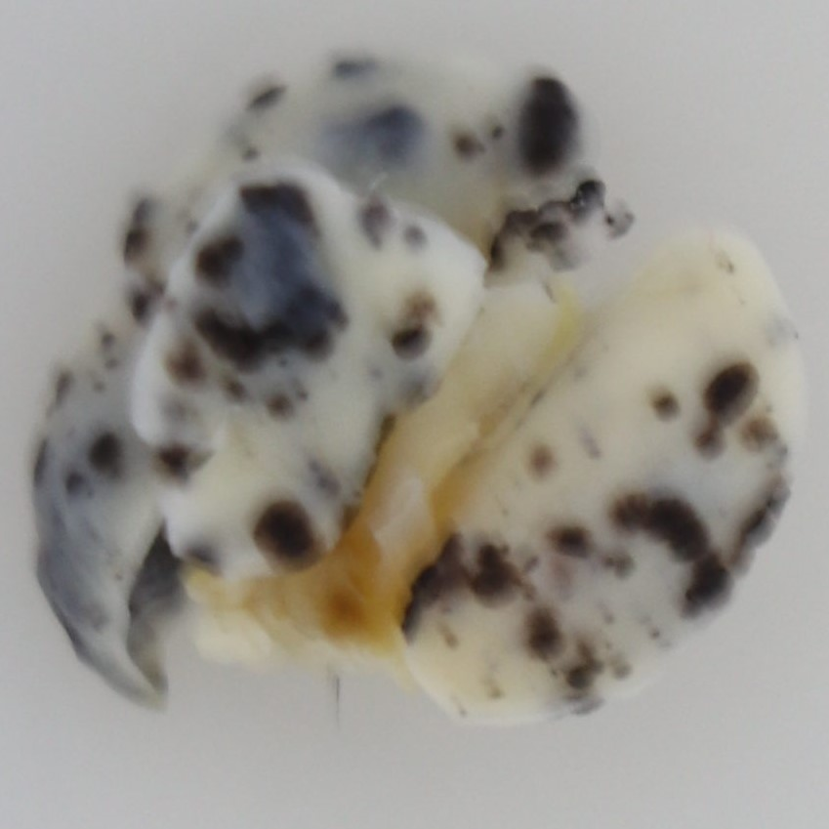
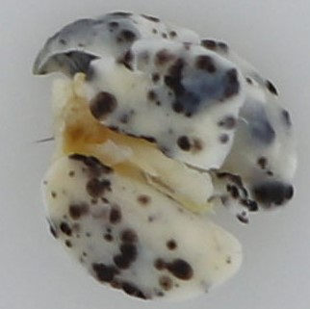
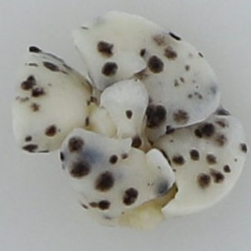
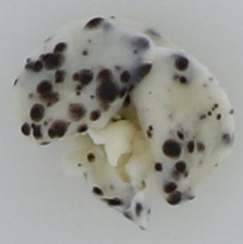
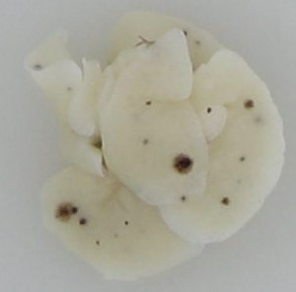
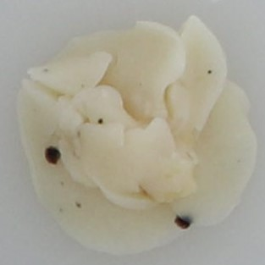
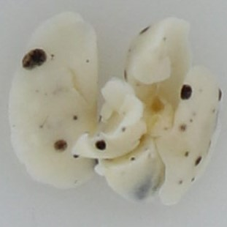

lungs in αPD1-mIL12mut2 treatment group
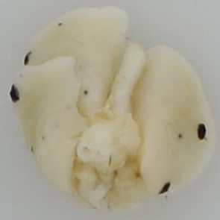
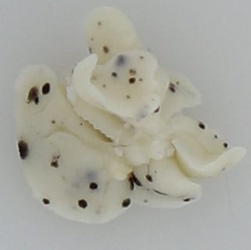
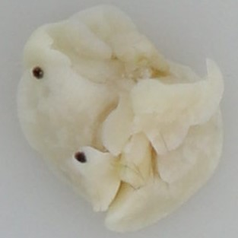
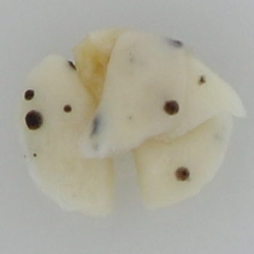
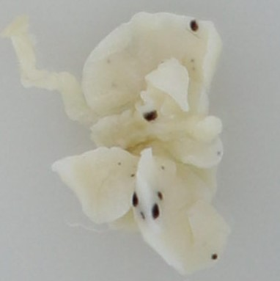
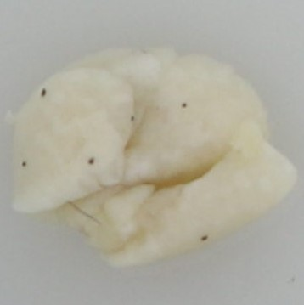
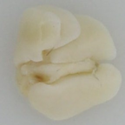

number of metastasis node | PBS | αPD1-mIL12mut2
 | 26 | 16
 | 72 | 0
 | 96 | 40
 | 347 | 30
 | 37 | 25
 | 292 | 25
 | 239 | 120

Figure 6g
tumor volume (mm3)
days after tumor inoculation | Ctrl |  |  |  |  | αPD1-mIL-12mut2
0 | 0.000 | 0.000 | 0.000 | 0.000 | 0.000 | 0.000 | 0.000 | 0.000 | 0.000
8 | 106.281 | 104.503 | 73.001 | 151.649 | 140.492 | 35.144 | 66.184 | 26.363 | 26.633
11 | 152.406 | 227.374 | 122.831 | 249.061 | 182.208 | 25.000 | 59.943 | 25.000 | 4.500
14 | 221.256 | 251.539 | 203.511 | 291.748 | 302.518 | 0.000 | 53.815 | 0.000 | 0.000
17 | 215.166 | 328.456 | 301.146 | 316.464 | 294.018 | 0.000 | 38.871 | 0.000 | 0.000
21 | 316.377 | 522.115 | 383.029 | 629.614 | 320.590 | 0.000 | 33.513 | 0.000 | 0.000
26 | 431.991 | 676.969 | 661.910 | 724.975 | 522.354 | 0.000 | 29.392 | 0.000 | 0.000
33 | 826.150 | 1359.440 | 1000.216 | 1250.428 | 813.456 | 0.000 | 58.370 | 0.000 | 0.000

