Figure1
Figure1c | DMSO | 2-BP | Figure1k | AN |  |  | T
 | 1.2 | 0.86 |  | 1.0604 | 0.9381 | 0.9614 | 1.6032 | 1.3585 | 1.4397
 | 1.16 | 0.95 |  | 0.9497 | 1.0786 | 0.9423 | 2.3046 | 2.1246 | 1.9769
 | 1.07 | 0.73 |  | 1.0519 | 1.045 | 0.9936 | 2.5767 | 2.4742 | 2.542
 | 0.92 | 0.85 |  | 1.0404 | 1.0118 | 1.0539 | 2.3419 | 2.3771 | 2.8745
 | 1.26 | 1.08 |  | 1.0731 | 0.9304 | 0.9807 | 1.8928 | 1.8779 | 1.9534
 | 0.97 | 0.81 |  | 1.0394 | 1.071 | 0.9382 | 1.9821 | 1.5748 | 1.5918
 |  |  |  | 1.0552 | 1.0064 | 1.0818 | 2.33 | 2.1246 | 2.3706
Figure1j | AN | T |  | 0.979 | 1.0965 | 1.0079 | 2.9888 | 3.1243 | 2.7886
 | 1.61 | 2.23 |  | 1.0555 | 0.9555 | 0.9238 | 0.8734 | 0.9238 | 1.1724
 | 0.71 | 1.64 |  | 1.0741 | 0.969 | 0.9617 | 2.1493 | 2.2826 | 1.9528
 | 0.74 | 1.57
 | 0.41 | 0.58
 | 0.83 | 1
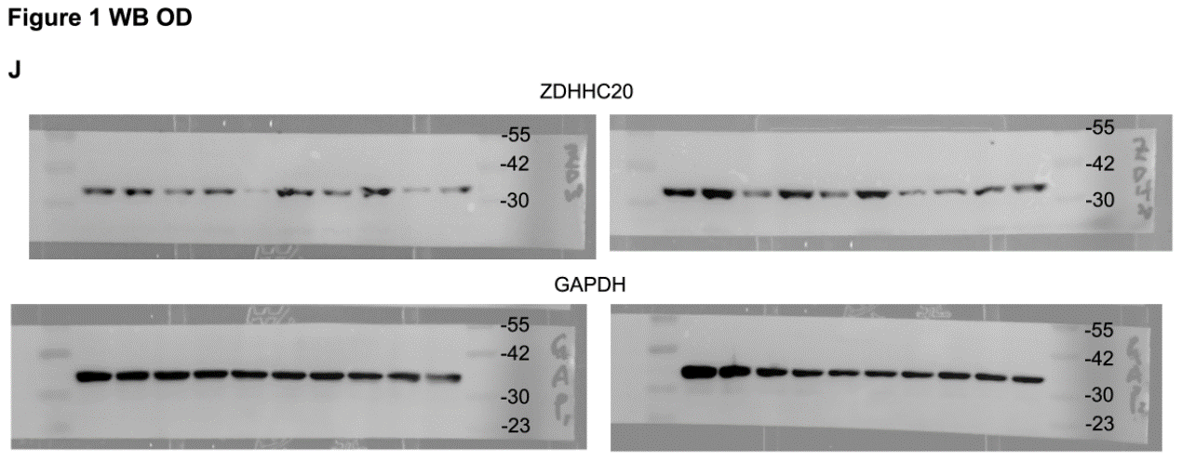
 | 1.31 | 1.37
 | 0.82 | 1.21
 | 0.21 | 1.45
 | 0.97 | 1.78
 | 0.32 | 0.78

Figure2
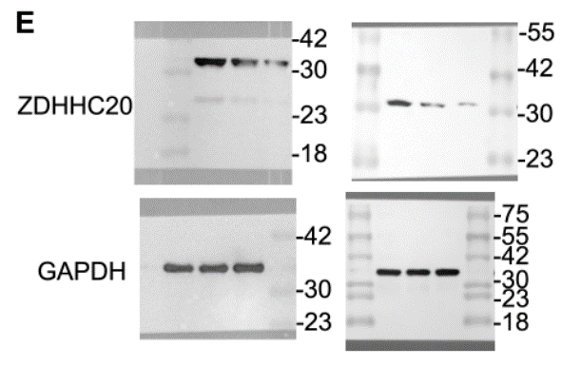
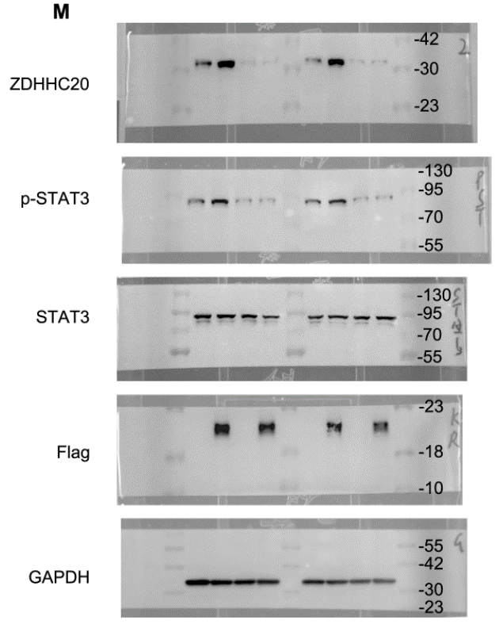
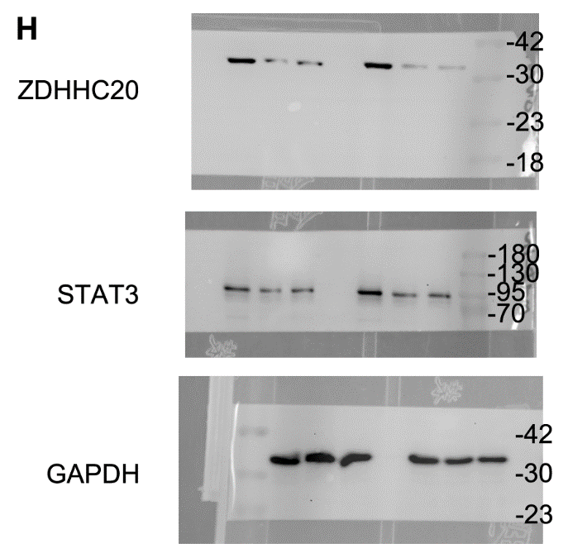
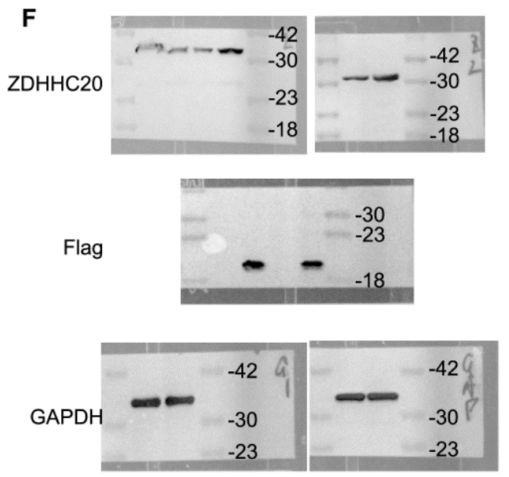
Figure2a | HPDE-6 | BxPC-3 | PANC-1 | MIAPaca-2 | CFPAC-1 | SW1990 | AsPC-1 | CAPAN-1 |  | Figure2d | Normal | PanIN | PDAC
 | 1 | 1.875 | 7.656 | 5.213 | 4.873 | 4.751 | 5.019 | 3.427 |  |  | 0.1 | 1.5 | 3
 | 0.986 | 2.697 | 9.123 | 5.426 | 4.672 | 4.369 | 6.213 | 3.134 |  |  | 0.2 | 1.7 | 2.6
 | 1.017 | 3.012 | 6.498 | 4.976 | 5.388 | 4.872 | 6.431 | 4.212 |  |  | 0.3 | 1.8 | 3
 |  |  |  |  |  |  |  |  |  |  | 0.6 | 2 | 2
Figure2e | PANC-1 |  |  | Aspc-1 |  |  |  |  |  |  | 0.5 | 1.7 | 2.4
0 | 1 | 1 | 1 | 1 | 1 | 1 |  |  |  |  | 0.9 | 1.5 | 2.7
10 | 0.45 | 0.32 | 0.28 | 0.39 | 0.23 | 0.61 |  |  |  |  | 0.5 | 1.9 | 2.1
20 | 0.31 | 0.22 | 0.25 | 0.21 | 0.33 | 0.46 |  |  |  |  | 1.1 | 2.3 | 2.6
 |  |  |  |  |  |  |  |  |  |  | 0.4 | 1.6 | 2.8

Figure2g | STAT3 |  |  | ZDHHC20
PANC-1 | 1.0274 | 0.3124 | 0.2133 | 1.0163 | 0.346 | 0.3272 |  |  | Figure2l | Ctrl | Z20-pro
 | 1.0006 | 0.3528 | 0.2541 | 1.0451 | 0.4129 | 0.3114 |  |  | DSO | 1.0058 | 6.8766
 | 0.9893 | 0.2842 | 0.2661 | 0.9613 | 0.3216 | 0.2687 |  |  |  | 1.0527 | 6.9195
AsPC-1 | 1.0473 | 0.2348 | 0.1736 | 1.0311 | 0.3234 | 0.268 |  |  |  | 0.9406 | 6.3184
 | 0.9841 | 0.261 | 0.1861 | 0.9777 | 0.2975 | 0.2368 |  |  | KR | 1.0133 | 3.5199
 | 0.974 | 0.1856 | 0.2145 | 0.9552 | 0.2537 | 0.2826 |  |  |  | 1.0258 | 3.2096
 |  |  |  |  |  |  |  |  |  | 0.9864 | 2.9556
Figure2j | IgG | STAT3 |  |  |  |  |  |  | BP-1-102 | 0.9656 | 1.5403
PANC-1 | 0.042 | 3.174 |  |  |  |  |  |  |  | 0.9833 | 1.5375
 | 0.0841 | 3.651 |  |  |  |  |  |  |  | 1.0678 | 1.4288
 | 0.0357 | 3.5403
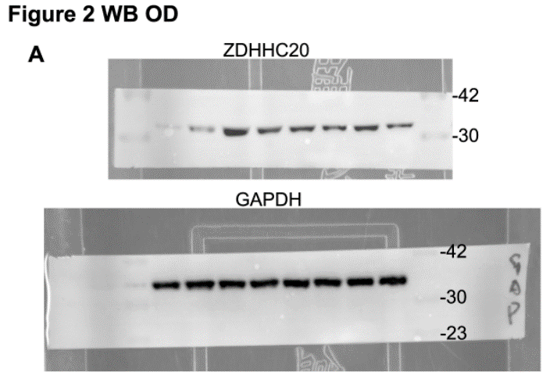
AsPC-1 | 0.0525 | 5.7144
 | 0.0319 | 5.7914
 | 0.0245 | 5.4181

Figure2k | IgG | STAT3 | KRAS+IgG | KRAS+ISTAT3
PANC-1 | 0.0073 | 3.6006 | 0.0037 | 6.8012
 | 0.0998 | 3.9051 | 0.0033 | 7.8071
 | 0.008 | 4.1033 | 0.0077 | 8.2033
AsPC-1 | 0.0001 | 5.3026 | 0.0001 | 10.2049
 | 0.0042 | 5.2068 | 0.0021 | 10.5
 | 0.0016 | 5.807 | 0.0039 | 9.6049

Figure4
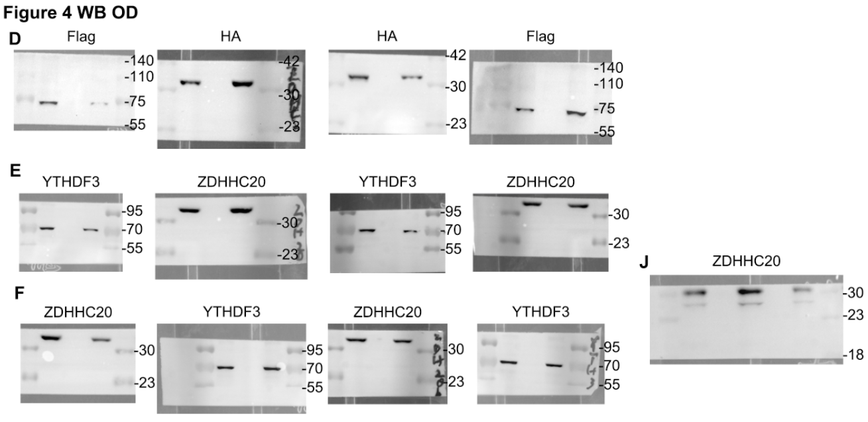
Figure4l | vector | ZDHHC20 | shYTHDF3 | ZDHHC20+shYTHDF3
 | 0.48 | 1.19 | 0.14 | 0.21
 | 0.79 | 1.35 | 0.22 | 0.11
 | 0.45 | 1.26 | 0.14 | 0.12
 | 0.58 | 0.93 | 0.16 | 0.29
 | 0.62 | 1.31 | 0.11 | 0.26

Figure4m | vector |  |  |  |  | ZDHHC20 |  |  |  |  | shYTHDF3 |  |  |  |  | ZDHHC20+shYTHDF3
3 | 0 | 0 | 0 | 0 | 0 | 0 | 0 | 0 | 0 | 0 | 0 | 0 | 0 | 0 | 0 | 0 | 0 | 0 | 0 | 0
6 | 50 | 46 | 52 | 50 | 50 | 102 | 136 | 150 | 150 | 122 | 17 | 26 | 30 | 19 | 25 | 17 | 28 | 37 | 32 | 25
9 | 130 | 148 | 186 | 190 | 190 | 218 | 292 | 338 | 336 | 220 | 60 | 80 | 80 | 62 | 77 | 63 | 78 | 85 | 79 | 80
12 | 270 | 277 | 302 | 280 | 325 | 378 | 495 | 548 | 545 | 435 | 98 | 115 | 138 | 99 | 111 | 99 | 117 | 150 | 142 | 112
15 | 400 | 421 | 443 | 455 | 395 | 636 | 715 | 808 | 799 | 654 | 126 | 162 | 193 | 154 | 159 | 158 | 171 | 218 | 209 | 187
18 | 519 | 533 | 566 | 583 | 580 | 878 | 1036 | 1178 | 1159 | 1022 | 165 | 230 | 263 | 220 | 232 | 222 | 248 | 292 | 284 | 261
21 | 738 | 742 | 854 | 873 | 879 | 1246 | 1378 | 1648 | 1628 | 1312 | 222 | 338 | 342 | 315 | 336 | 317 | 348 | 383 | 373 | 333

Figure5
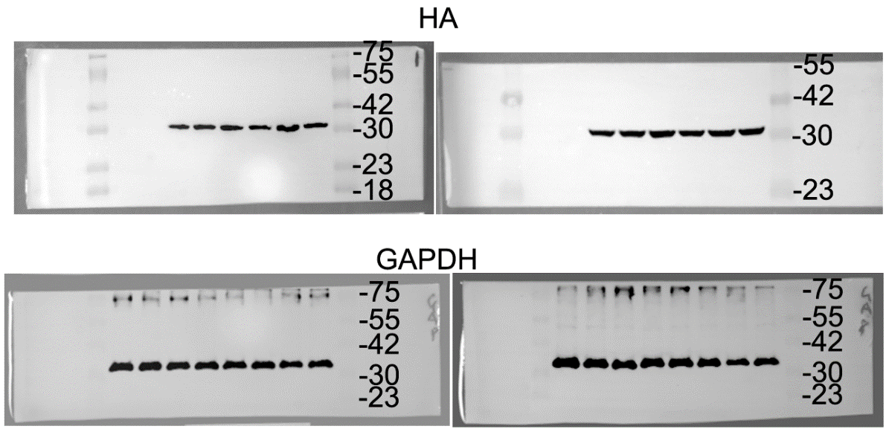
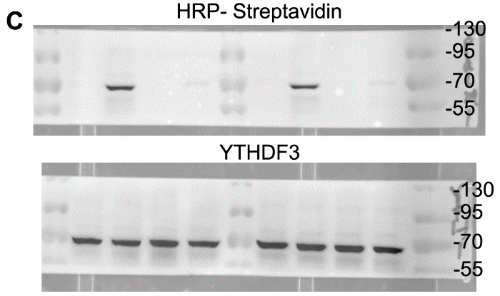
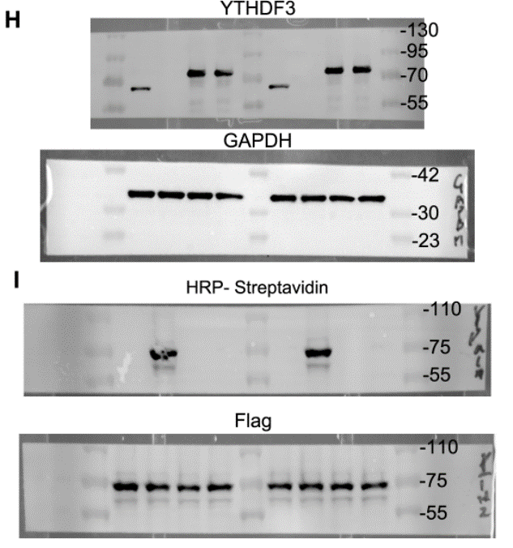
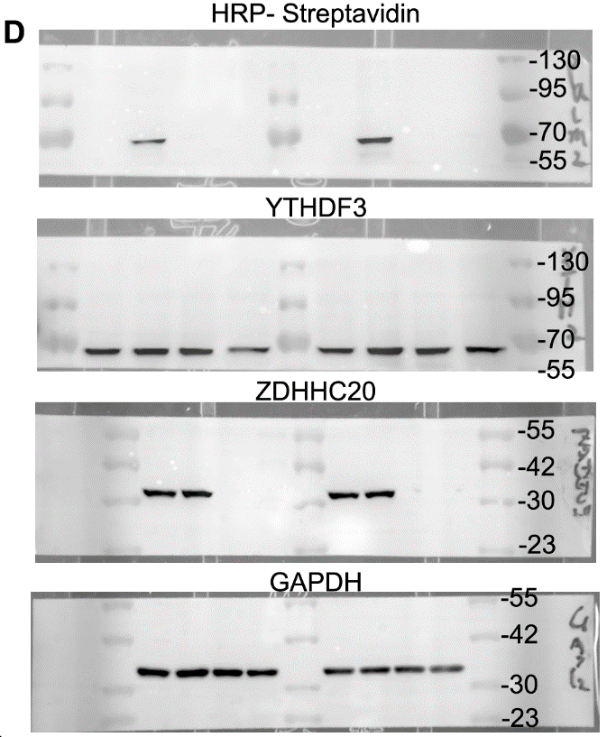
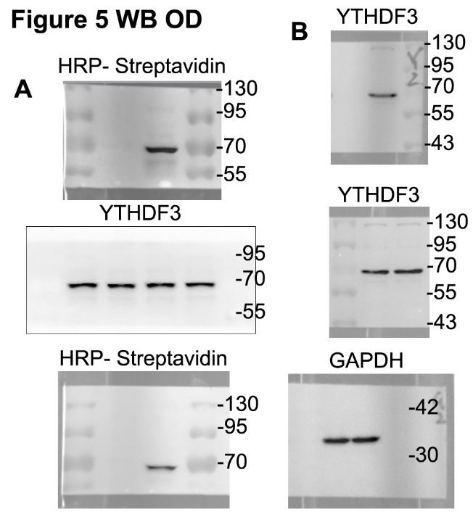
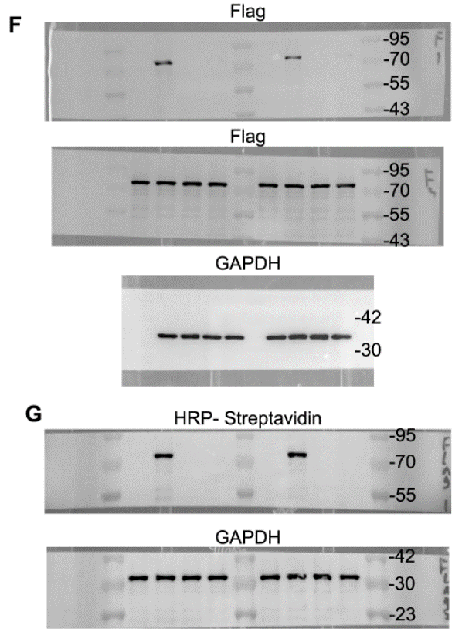
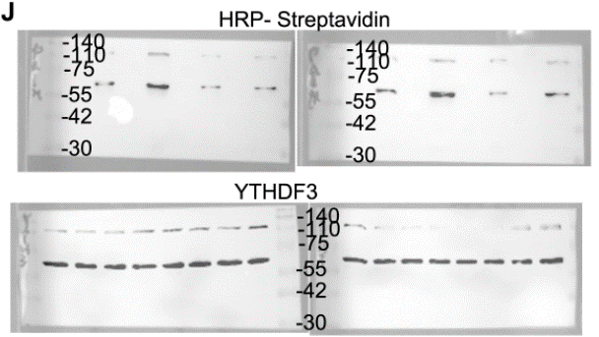
Figure5j | EV | WT | C156S | F171A
BxPC-3 | 1 | 3.33 | 1.11 | 1.12
 | 1 | 3.54 | 0.95 | 1.05
 | 1 | 3.21 | 1.06 | 1.11
CAPAN-1 | 1 | 1.89 | 0.71 | 0.89
 | 1 | 2.42 | 1.15 | 1.17
 | 1 | 2.33 | 0.81 | 0.93

Figure5k | WT | C474S
PANC-1 | 243 | 124
 | 267 | 153
 | 274 | 167
AsPC-1 | 298 | 135
 | 287 | 146
 | 263 | 148

Figure5l | WT |  |  | C474S
5 | 2556300 | 1034550 | 867000 | 792000 | 700000 | 810000
10 | 9843200 | 9430000 | 9000000 | 3632200 | 3112000 | 2532000
15 | 17842000 | 15854000 | 21674000 | 5630000 | 5210000 | 7120000
20 | 52741000 | 24000000 | 32000000 | 9420000 | 11880000 | 10400000

Figure6
Figure6a
PANC-1 |  |  |  |  |  | Figure6e | sgctrl | sgZDHHC20
ZDHHC20 | 0.977 | 0.16 | 0.312 |  |  |  | 0.31 | 0.89
 | 1.051 | 0.242 | 0.226 |  |  |  | 0.45 | 0.72
 | 0.982 | 0.197 | 0.255 |  |  |  | 0.33 | 0.65
YTHDF3 | 0.987 | 0.886 | 1.212 |  |  |  | 0.18 | 0.71
 | 1.134 | 1.213 | 1.157 |  |  |  | 0.42 | 0.69
 | 1.061 | 0.987 | 0.976 |  |  |  | 0.48 | 0.75
AsPC-1
ZDHHC20 | 0.964 | 0.342 | 0.158 |  |  | Figure6g | WT | C474S
 | 1.07 | 0.216 | 0.194 |  |  |  | 0.33 | 0.75
 | 0.94 | 0.413 | 0.307 |  |  |  | 0.42 | 0.77
YTHDF3 | 0.923 | 1.091 | 0.753 |  |  |  | 0.33 | 0.64
 | 1.028 | 1.428 | 1.068 |  |  |  | 0.47 | 0.63
 | 1.049 | 1.225 | 0.87 |  |  |  | 0.49 | 0.75
 |  |  |  |  |  |  | 0.48 | 0.72

Figure6c | DMSO | 2-BP | 2-BP+Baf A1 | 2-BP+NH4Cl | 2-BP+Carfilzomib | 2-BP+Chloroquine | 2-BP+Leupeptin
0 | 1 | 1 | 1 | 1 | 1 | 1 | 1
1 | 1.03 | 0.71 | 0.89 | 0.98 | 0.56 | 1.05 | 0.98
2 | 0.9 | 0.44 | 0.83 | 0.86 | 0.28 | 0.98 | 0.96
4 | 0.86 | 0.42 | 0.93 | 0.81 | 0.33 | 0.86 | 0.83

Figure6d | sgCtrl | sgZDHHC20 | sgZDHHC20+Baf A1 | sgZDHHC20+NH4Cl | sgZDHHC20+Carfilzomib | sgZDHHC20+Chloroquine | sgZDHHC20+Leupeptin
0 | 1 | 1 | 1 | 1 | 1 | 1 | 1
1 | 1.05 | 0.63 | 0.94 | 0.83 | 0.48 | 1.15 | 1.09
2 | 0.98 | 0.34 | 0.91 | 0.68 | 0.3 | 1.1 | 0.97
4 | 0.99 | 0.27 | 0.95 | 0.86 | 0.28 | 0.97 | 0.92

Figure6e | sgCtrl | sgZDHHC20
 | 0.31 | 0.89
 | 0.45 | 0.72
 | 0.33 | 0.65
 | 0.18 | 0.71
 | 0.42 | 0.69
 | 0.48 | 0.75

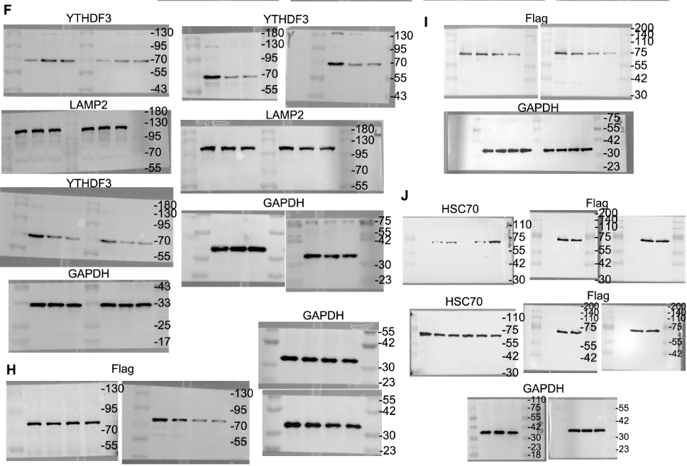
Figure6g | WT | C474S
 | 0.33 | 0.75
 | 0.42 | 0.77
 | 0.33 | 0.64
 | 0.47 | 0.63
 | 0.49 | 0.75
 | 0.48 | 0.72

Figure7
Figure7d | IgG | YTHDF3
PANC-1 | 0.0215 | 4.9157
 | 0.0632 | 5.4392
 | 0.0033 | 4.4406
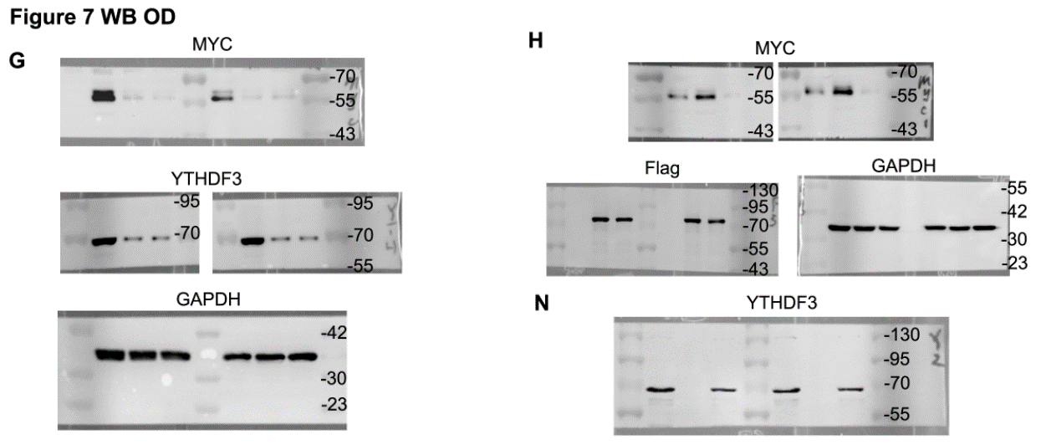
AsPC-1 | 0.0049 | 3.3239
 | 0.0638 | 3.2434
 | 0.0608 | 2.4423

Figure7e |  | shCtrl | shYTHDF3#1 | shYTHDF3#2 |  | Figure7f |  | vector+DMSO | YTHDF3 OE | YTHDF3 OE+2-BP
YTHDF3 | PANC-1 | 0.9675 | 0.2103 | 0.2514 |  | YTHDF3 | PANC-1 | 0.9618 | 8.2069 | 6.5698
 |  | 1.0293 | 0.274 | 0.2812 |  |  |  | 1.0423 | 8.3527 | 8.4183
 |  | 0.9746 | 0.2266 | 0.1694 |  |  |  | 1.0134 | 8.8978 | 6.9067
 | AsPC-1 | 1.0667 | 0.3097 | 0.3078 |  |  | AsPC-1 | 1.0882 | 4.5653 | 6.794
 |  | 1.0095 | 0.2686 | 0.2779 |  |  |  | 0.9229 | 6.2429 | 5.4214
 |  | 0.978 | 0.2308 | 0.2946 |  |  |  | 1.0069 | 5.9704 | 6.5317
MYC | PANC-1 | 1.0289 | 0.511 | 0.4661 |  | MYC | PANC-1 | 0.9416 | 2.5583 | 0.2146
 |  | 1.0561 | 0.5363 | 0.4051 |  |  |  | 1.1668 | 2.9086 | 0.4065
 |  | 0.9125 | 0.3881 | 0.3545 |  |  |  | 0.9155 | 3.2729 | 0.3557
 | AsPC-1 | 0.9906 | 0.5231 | 0.4226 |  |  | AsPC-1 | 0.988 | 2.3992 | 0.213
 |  | 1.1364 | 0.6158 | 0.4736 |  |  |  | 1.0039 | 2.1546 | 0.3663
 |  | 1.0636 | 0.5427 | 0.3508 |  |  |  | 1.0173 | 2.3716 | 0.3525

Figure7i | shCtrl |  |  | shYTHDF3#1 |  |  | shYTHDF3#2
0 | 1 | 1 | 1 | 1 | 1 | 1 | 1 | 1 | 1
30 | 0.73 | 0.75 | 0.79 | 0.59 | 0.61 | 0.57 | 0.51 | 0.55 | 0.55
60 | 0.56 | 0.54 | 0.6 | 0.37 | 0.32 | 0.39 | 0.34 | 0.33 | 0.35
90 | 0.5 | 0.49 | 0.53 | 0.23 | 0.18 | 0.24 | 0.16 | 0.2 | 0.19

Figure7j | shCtrl |  |  | shYTHDF3#1 |  |  | shYTHDF3#2
0 | 1 | 1 | 1 | 1 | 1 | 1 | 1 | 1 | 1
30 | 0.81 | 0.8 | 0.76 | 0.55 | 0.67 | 0.68 | 0.55 | 0.61 | 0.57
60 | 0.69 | 0.64 | 0.67 | 0.31 | 0.35 | 0.32 | 0.37 | 0.31 | 0.39
90 | 0.54 | 0.57 | 0.52 | 0.18 | 0.23 | 0.27 | 0.21 | 0.22 | 0.27

Figure7m | IgG | M6a
PANC-1 | 0.0007 | 10.3
 | 0.0004 | 10.5972
 | 0.0034 | 11.8963
AsPC-1 | 0.0025 | 7.4968
 | 0.0013 | 8.2996
 | 0.001 | 8.596

Figure7o | vector | YTHDF3 OE
CRD-wt | 1.02 | 4.02
 | 1.01 | 4.15
 | 0.98 | 4.17
CRD-mut | 0.98 | 1.08
 | 1.07 | 1.22
 | 0.96 | 1.32

Figure7p | CRD-wt+IgG | CRD-wt+YTHDF3 | CRD-mut+IgG | CRD-mut+YTHDF3
PANC-1 | 0.0953 | 8.6005 | 0.0993 | 0.5764
 | 0.1301 | 9.1997 | 0.1023 | 0.6393
 | 0.0957 | 9.3975 | 0.1016 | 0.5686
AsPC-1 | 0.1028 | 5.1968 | 0.0959 | 0.226
 | 0.1009 | 4.3018 | 0.0976 | 0.5434
 | 0.0979 | 4.1957 | 0.0971 | 0.1798

Figure7q | DMSO | 2-BP
PANC-1 | 1.02 | 0.49
 | 1 | 0.53
 | 0.98 | 0.58
AsPC-1 | 1.02 | 0.55
 | 1 | 0.63
 | 0.99 | 0.66

Figure8
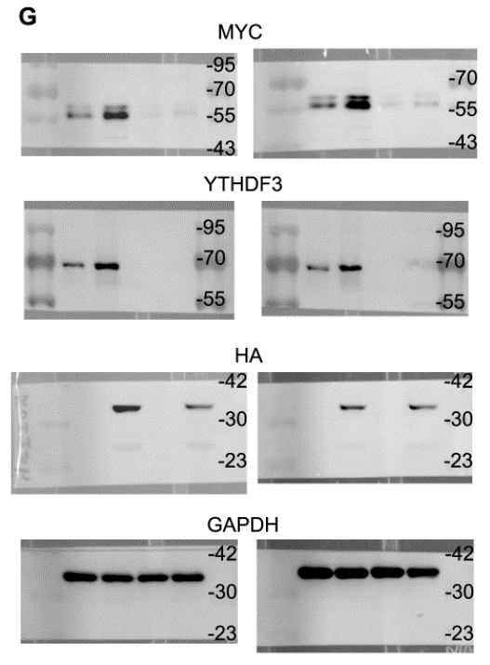
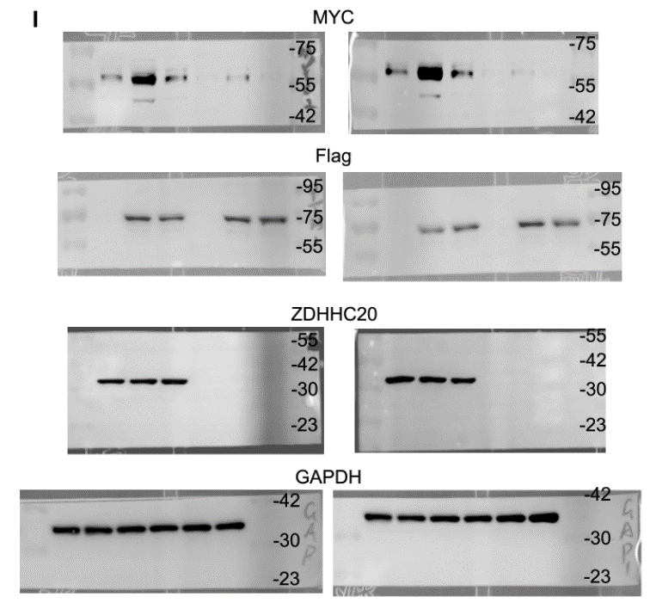
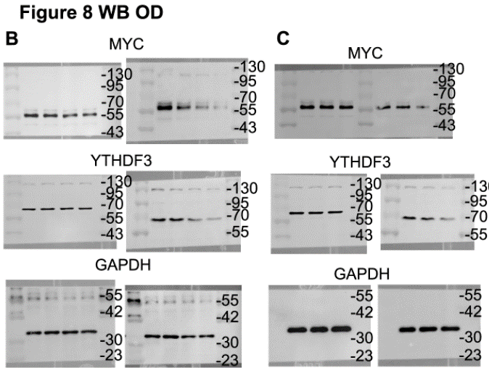
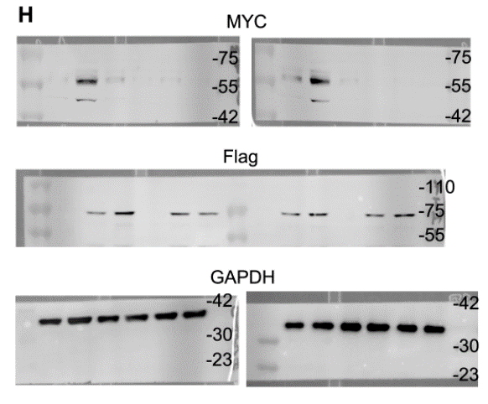
Figure8d | sgctrl |  |  | sgZDHHC20#1 |  |  | sgZDHHC20#2
0 | 1 | 1 | 1 | 1 | 1 | 1 | 1 | 1 | 1
30 | 0.74 | 0.71 | 0.73 | 0.61 | 0.59 | 0.55 | 0.6 | 0.52 | 0.62
60 | 0.54 | 0.56 | 0.57 | 0.37 | 0.38 | 0.32 | 0.36 | 0.31 | 0.39
90 | 0.43 | 0.47 | 0.41 | 0.27 | 0.23 | 0.2 | 0.25 | 0.28 | 0.27

Figure8e | sgctrl |  |  | sgZDHHC20#1 |  |  | sgZDHHC20#2
0 | 1 | 1 | 1 | 1 | 1 | 1 | 1 | 1 | 1
30 | 0.74 | 0.8 | 0.76 | 0.59 | 0.62 | 0.69 | 0.72 | 0.61 | 0.62
60 | 0.62 | 0.64 | 0.67 | 0.43 | 0.45 | 0.49 | 0.43 | 0.31 | 0.39
90 | 0.53 | 0.49 | 0.55 | 0.35 | 0.41 | 0.37 | 0.29 | 0.28 | 0.27

Figure8f | EV+sgctrl | ZDHHC20+sgctrl | EV+sgYTHDF3 | ZDHHC20+sgYTHDF3
BxPC-3 | 1.0476 | 2.5709 | 0.3856 | 0.3292
 | 1.013 | 3.3101 | 0.3341 | 0.3492
 | 0.9748 | 2.6916 | 0.4227 | 0.314
CAPAN-1 | 1.0012 | 1.838 | 0.2479 | 0.3278
 | 1.0523 | 1.9696 | 0.292 | 0.36
 | 0.9814 | 2.3291 | 0.2616 | 0.2906

Figure9
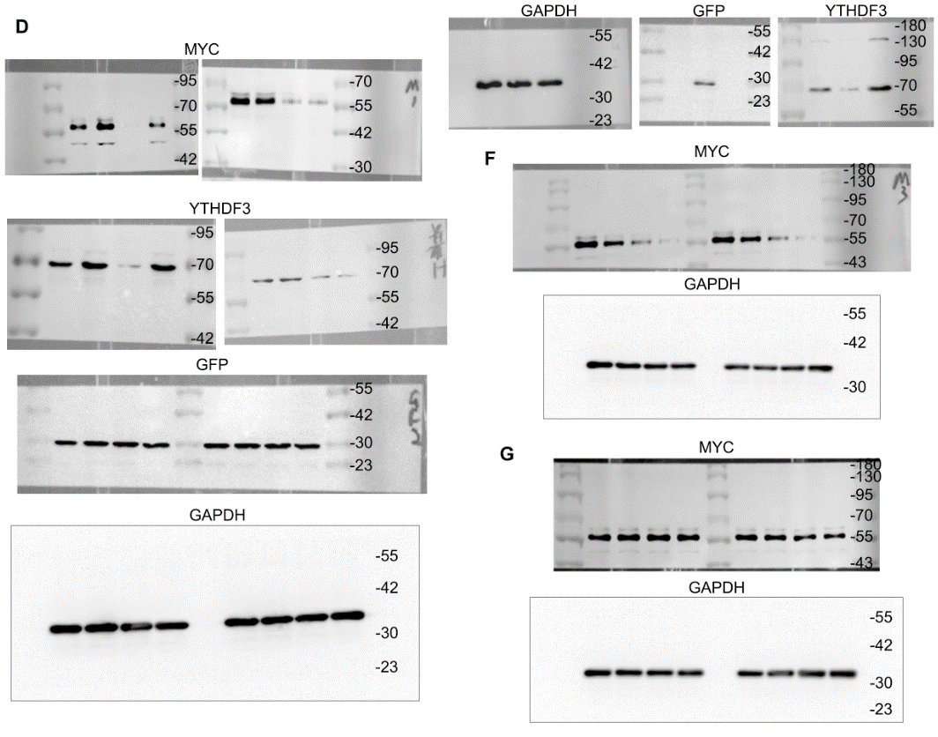
Figure9k | CPPtat | CPPtat-Y1
 | 91.7 | 48.1
 | 95.4 | 21.4
 | 100 | 23.6
 | 72.3 | 36.8
 | 83.5 | 41.5
 | 82 | 37.6

FigureS4
FigureS4b | DMSO | KR 10 | KR 20
PANC-1 | 1.0165 | 0.7309 | 0.3621
 | 0.9488 | 0.6787 | 0.3511
 | 1.0417 | 0.6908 | 0.3112
AsPC-1 | 1.0532 | 0.8166 | 0.5384
 | 0.9766 | 0.7598 | 0.4324
 | 0.9591 | 0.7275 | 0.53

FigureS4c | empty | vector | KRAS
BxPC-3 | 0.8544 | 1.0206 | 5.2238
 | 0.8369 | 0.9921 | 5.627
 | 0.9193 | 0.9824 | 5.32
CAPAN-1 | 1.0805 | 0.9825 | 3.8179
 | 1.0127 | 0.9819 | 4.2095
 | 1.0396 | 1.0587 | 3.4157

FigureS4e | DMSO | STAT3in 10 | STAT3in 20
PANC-1 | 1.1097 | 0.4563 | 0.2673
 | 1.0045 | 0.4632 | 0.2914
 | 0.9727 | 0.4926 | 0.2578
AsPC-1 | 1.034 | 0.5626 | 0.3631
 | 1.0241 | 0.539 | 0.3918
 | 0.9746 | 0.5183 | 0.4035

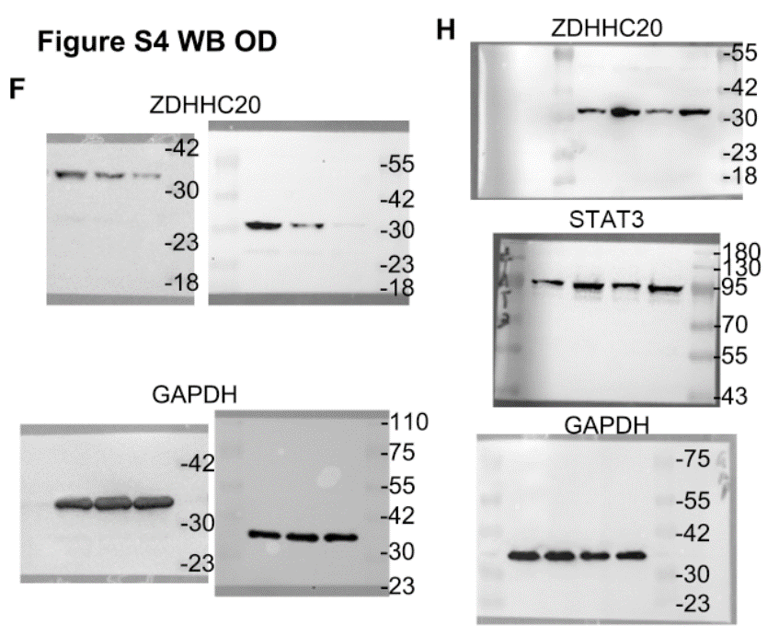
FigureS4f | PANC-1 |  |  | Aspc-1
0 | 1 | 1 | 1 | 1 | 1 | 1
10 | 0.42 | 0.46 | 0.33 | 0.35 | 0.42 | 0.69
20 | 0.31 | 0.33 | 0.21 | 0.15 | 0.25 | 0.48

FigureS4g | STAT3 |  | ZDHHC20
 | BxPC-3 | CAPAN-1 | BxPC-3 | CAPAN-1
Vector | 0.9882 | 1.0006 | 0.9896 | 0.9511
 | 0.9677 | 1.0192 | 0.9892 | 1.0184
 | 1.0518 | 1.0098 | 1.0357 | 1.0436
STAT3 OE | 74.3567 | 40.1515 | 6.1285 | 5.8848
 | 80.2063 | 39.5096 | 6.5428 | 5.4369
 | 76.1072 | 36.2392 | 6.6846 | 5.3567

FigureS4k | DMSO | KR | BP-1-102
PGL3-basic | 0.9928 | 1.0195 | 0.9963
 | 0.9596 | 1.0292 | 0.9712
 | 1.0388 | 0.9598 | 1.0307
PGL3-ZDHHC20 pro | 5.6625 | 2.5376 | 1.8757
 | 4.8578 | 2.2129 | 1.6314
 | 4.932 | 2.1346 | 1.6725

FigureS5
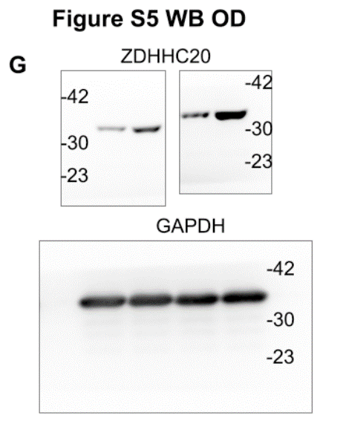
FigureS5a | shCtrl |  |  | sh#1 |  |  | sh#2
1 | 0.1 | 0.13 | 0.12 | 0.1 | 0.1 | 0.1 | 0.1 | 0.12 | 0.12
2 | 0.21 | 0.22 | 0.2 | 0.14 | 0.15 | 0.16 | 0.14 | 0.17 | 0.16
3 | 0.42 | 0.37 | 0.32 | 0.23 | 0.25 | 0.21 | 0.3 | 0.24 | 0.25
4 | 0.6 | 0.54 | 0.69 | 0.32 | 0.38 | 0.34 | 0.45 | 0.35 | 0.37

FigureS5b | shCtrl |  |  |  |  | shZDHHC20
3 | 0 | 0 | 0 | 0 | 0 | 0 | 0 | 0 | 0 | 0
6 | 100 | 80 | 90 | 98 | 102 | 26 | 30 | 40 | 26 | 36
9 | 230 | 200 | 180 | 192 | 222 | 75 | 75 | 80 | 72 | 82
12 | 382 | 310 | 310 | 311 | 378 | 100 | 110 | 130 | 100 | 122
15 | 540 | 468 | 380 | 406 | 514 | 130 | 150 | 200 | 128 | 188
18 | 730 | 598 | 570 | 568 | 702 | 170 | 200 | 260 | 172 | 212
21 | 1022 | 778 | 848 | 798 | 972 | 220 | 300 | 330 | 212 | 332

FigureS5c | shCtrl | shZDHHC20
 | 0.48 | 0.09
 | 0.63 | 0.18
 | 0.52 | 0.17
 | 0.59 | 0.11
 | 0.62 | 0.13

FigureS5e | shCtrl | shZDHHC20
 | 38 | 18
 | 27 | 10
 | 33 | 13
 | 36 | 14
 | 24 | 21

FigureS5h | Control |  |  | OE |  |  | OE+2-BP
1 | 0.1 | 0.1 | 0.12 | 0.1 | 0.12 | 0.12 | 0.1 | 0.1 | 0.1
2 | 0.21 | 0.25 | 0.22 | 0.31 | 0.36 | 0.29 | 0.19 | 0.21 | 0.2
3 | 0.42 | 0.43 | 0.37 | 0.69 | 0.61 | 0.6 | 0.31 | 0.29 | 0.28
4 | 0.58 | 0.63 | 0.72 | 1.09 | 1.17 | 1.01 | 0.49 | 0.38 | 0.46

FigureS5i | Control |  |  | OE |  |  | OE+2-BP
1 | 0.1 | 0.1 | 0.12 | 0.1 | 0.12 | 0.12 | 0.1 | 0.1 | 0.1
2 | 0.21 | 0.25 | 0.22 | 0.31 | 0.36 | 0.38 | 0.17 | 0.21 | 0.2
3 | 0.42 | 0.51 | 0.41 | 0.69 | 0.75 | 0.6 | 0.31 | 0.29 | 0.26
4 | 0.84 | 0.77 | 0.72 | 1.24 | 1.29 | 1.01 | 0.43 | 0.38 | 0.46

FigureS5j | WT |  |  | C156S |  |  | F171A
1 | 0.1 | 0.12 | 0.1 | 0.1 | 0.1 | 0.12 | 0.1 | 0.1 | 0.12
2 | 0.33 | 0.35 | 0.38 | 0.18 | 0.18 | 0.19 | 0.15 | 0.21 | 0.25
3 | 0.66 | 0.74 | 0.78 | 0.37 | 0.39 | 0.42 | 0.32 | 0.48 | 0.52
4 | 1.03 | 1.09 | 1.27 | 0.51 | 0.59 | 0.52 | 0.55 | 0.69 | 0.71
 |  |  |  |  |  | 0.0007 | 0.0019
FigureS5k | WT |  |  | C156S |  |  | F171A
1 | 0.1 | 0.12 | 0.1 | 0.1 | 0.1 | 0.12 | 0.1 | 0.1 | 0.12
2 | 0.33 | 0.41 | 0.35 | 0.18 | 0.16 | 0.19 | 0.18 | 0.25 | 0.21
3 | 0.69 | 0.85 | 0.79 | 0.43 | 0.39 | 0.42 | 0.45 | 0.51 | 0.52
4 | 1.15 | 1.36 | 1.29 | 0.71 | 0.64 | 0.7 | 0.84 | 0.88 | 0.83
 |  |  |  |  |  | 0.0002 | 0.0008
FigureS5m | shControl | shZDHHC20 | shSTAT3 | shSTAT3+shZDHHC20
 | 0.69 | 0.35 | 0.21 | 0.16
 | 0.78 | 0.32 | 0.18 | 0.13
 | 0.86 | 0.31 | 0.25 | 0.22
 | 0.83 | 0.26 | 0.19 | 0.23
 | 0.73 | 0.28 | 0.25 | 0.18
 | 0.77 | 0.21 | 0.22 | 0.17
 |  | <0.0001 | <0.0001 | 0.5712
FigureS5n | shControl |  |  |  |  |  | shZDHHC20 |  |  |  |  |  | shSTAT3 |  |  |  |  |  | shSTAT3+shZDHHC20
3 | 0 | 0 | 0 | 0 | 0 | 0 | 0 | 0 | 0 | 0 | 0 | 0 | 0 | 0 | 0 | 0 | 0 | 0 | 0 | 0 | 0 | 0 | 0 | 0
6 | 50 | 50 | 52 | 55 | 59 | 62 | 18 | 18 | 22 | 18 | 20 | 24 | 12 | 11 | 18 | 16 | 11 | 23 | 10 | 15 | 11 | 23 | 22 | 16
9 | 132 | 138 | 160 | 204 | 226 | 282 | 53 | 55 | 58 | 66 | 62 | 68 | 50 | 51 | 51 | 58 | 58 | 62 | 48 | 54 | 55 | 55 | 55 | 61
12 | 282 | 286 | 317 | 339 | 360 | 381 | 85 | 88 | 92 | 101 | 101 | 104 | 78 | 86 | 93 | 102 | 108 | 114 | 72 | 78 | 83 | 89 | 98 | 100
15 | 412 | 414 | 451 | 484 | 503 | 535 | 122 | 122 | 138 | 153 | 160 | 185 | 116 | 118 | 132 | 143 | 152 | 162 | 103 | 106 | 118 | 128 | 142 | 152
18 | 528 | 533 | 551 | 652 | 703 | 736 | 164 | 175 | 196 | 227 | 248 | 265 | 148 | 155 | 173 | 204 | 217 | 242 | 132 | 132 | 142 | 153 | 182 | 204
21 | 847 | 889 | 977 | 996 | 1008 | 1051 | 213 | 226 | 244 | 324 | 333 | 393 | 198 | 218 | 265 | 306 | 336 | 346 | 169 | 173 | 193 | 233 | 257 | 264
 |  | <0.0001 | <0.0001 |  | 0.7274
FigureS5p | DMSO+shControl | DMSO+shZDHHC20 | BP-1-102+shControl | BP-1-102+shZDHHC20
 | 0.66 | 0.35 | 0.17 | 0.09
 | 0.85 | 0.39 | 0.18 | 0.13
 | 0.81 | 0.31 | 0.13 | 0.16
 | 0.83 | 0.28 | 0.19 | 0.11
 | 0.72 | 0.23 | 0.17 | 0.14
 | 0.73 | 0.27 | 0.12 | 0.14
 |  | <0.0001 | <0.0001 | 0.7052
FigureS5q | DMSO+shControl |  |  |  |  |  | DMSO+shZDHHC20 |  |  |  |  |  | BP-1-102+shControl |  |  |  |  |  | BP-1-102+shZDHHC20
3 | 0 | 0 | 0 | 0 | 0 | 0 | 0 | 0 | 0 | 0 | 0 | 0 | 0 | 0 | 0 | 0 | 0 | 0 | 0 | 0 | 0 | 0 | 0 | 0
6 | 50 | 50 | 62 | 74 | 80 | 83 | 22 | 22 | 26 | 26 | 30 | 34 | 12 | 12 | 14 | 18 | 18 | 26 | 10 | 10 | 10 | 16 | 12 | 16
9 | 132 | 138 | 139 | 164 | 176 | 202 | 55 | 55 | 55 | 62 | 66 | 68 | 30 | 32 | 38 | 39 | 42 | 51 | 25 | 28 | 28 | 36 | 28 | 38
12 | 253 | 262 | 289 | 318 | 348 | 365 | 96 | 96 | 98 | 103 | 100 | 106 | 56 | 52 | 62 | 65 | 68 | 86 | 48 | 46 | 51 | 56 | 50 | 70
15 | 404 | 410 | 432 | 474 | 502 | 518 | 142 | 146 | 151 | 162 | 163 | 178 | 85 | 80 | 88 | 96 | 102 | 112 | 63 | 70 | 72 | 88 | 86 | 106
18 | 516 | 512 | 545 | 573 | 618 | 694 | 190 | 196 | 208 | 219 | 239 | 262 | 120 | 120 | 128 | 132 | 139 | 154 | 92 | 99 | 106 | 121 | 138 | 152
21 | 801 | 807 | 842 | 933 | 960 | 994 | 256 | 266 | 288 | 306 | 352 | 416 | 158 | 158 | 176 | 196 | 216 | 236 | 118 | 138 | 142 | 171 | 192 | 218
 |  | <0.0001 | <0.0001 |  | 0.846

FigureS6
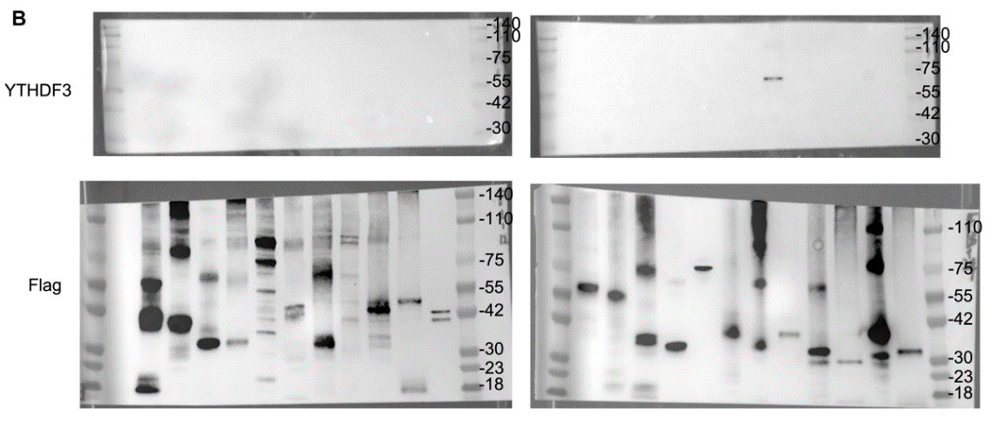
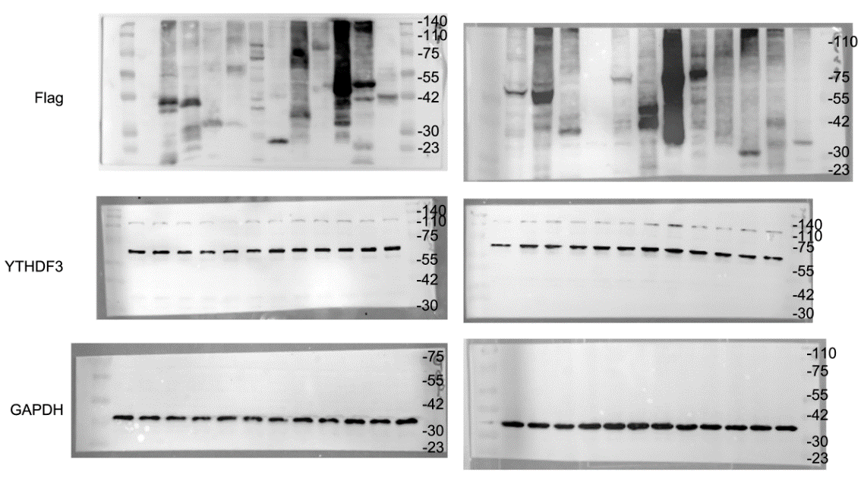
FigureS6e | vector | ZDHHC20 | shYTHDF3 | ZDHHC20+shYTHDF3
 | 134 | 310 | 67 | 69
 | 138 | 321 | 71 | 59
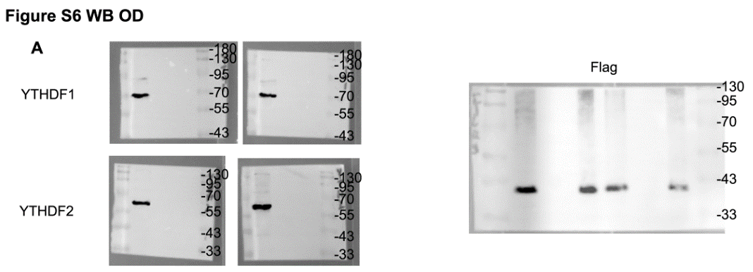
 | 158 | 288 | 51 | 88
 |  | <0.0001 | 0.0005 | 0.8566
FigureS6g | vector | ZDHHC20 | shYTHDF3 | ZDHHC20+shYTHDF3
 | 531 | 987 | 224 | 231
 | 587 | 923 | 257 | 269
 | 498 | 857 | 189 | 332
 | 492 | 886 | 192 | 316
 | 568 | 976 | 232 | 248
 |  | <0.0001 | <0.0001 | 0.1682

FigureS7
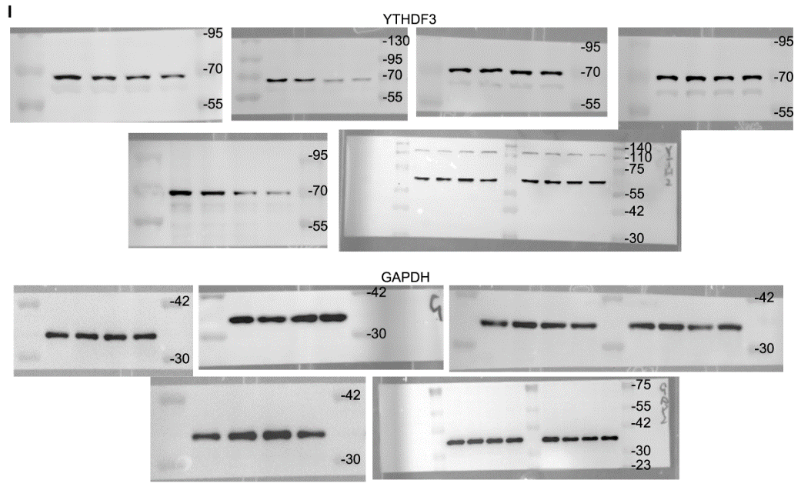
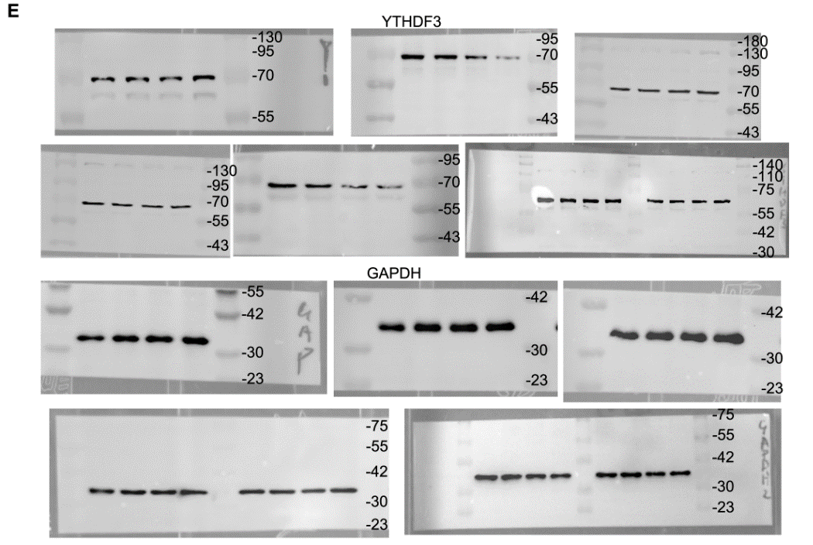
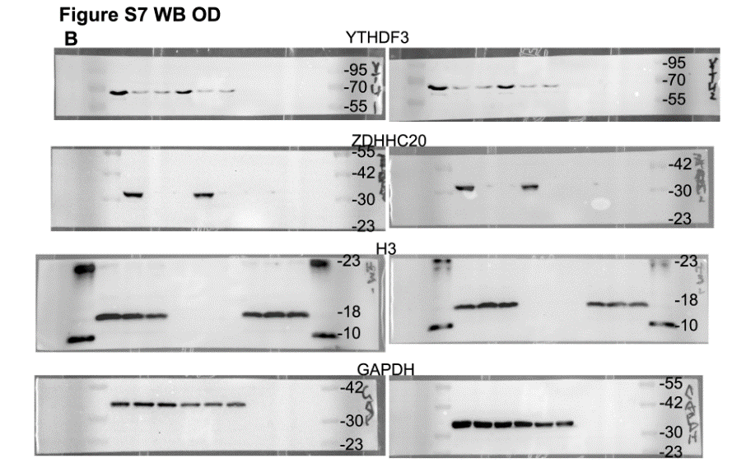
FigureS7d | DMSO | 2-BP | 2-BP+Baf A1 | 2-BP+NH4Cl | 2-BP+Carfilzomib | 2-BP+Chloroquine | 2-BP+Leupeptin
0 | 1 | 1 | 1 | 1 | 1 | 1 | 1
1 | 1 | 0.88 | 0.97 | 0.95 | 0.73 | 0.89 | 0.81
2 | 0.96 | 0.59 | 1.02 | 0.92 | 0.53 | 0.91 | 0.83
4 | 1.03 | 0.39 | 1.08 | 0.84 | 0.51 | 0.82 | 0.87

FigureS7h | sgCtrl | sgZDHHC20 | sgZDHHC20+Baf A1 | sgZDHHC20+NH4Cl | sgZDHHC20+Carfilzomib | sgZDHHC20+Chloroquine | sgZDHHC20+Leupeptin
0 | 1 | 1 | 1 | 1 | 1 | 1 | 1
1 | 0.91 | 0.86 | 0.99 | 1.05 | 0.68 | 1.02 | 0.94
2 | 0.86 | 0.32 | 1.01 | 0.89 | 0.45 | 1.12 | 0.91
4 | 0.82 | 0.28 | 0.96 | 0.93 | 0.39 | 0.98 | 0.82

FigureS8
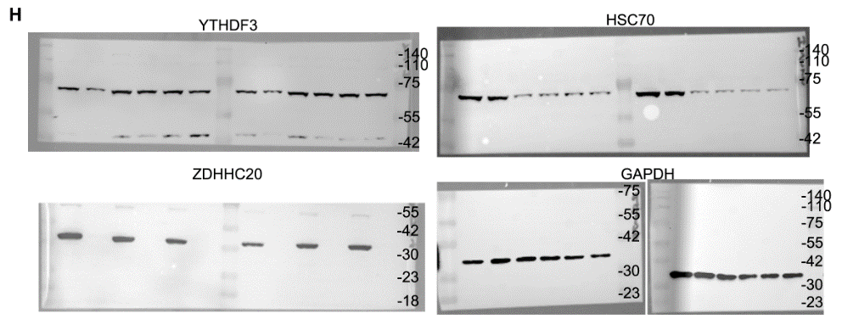
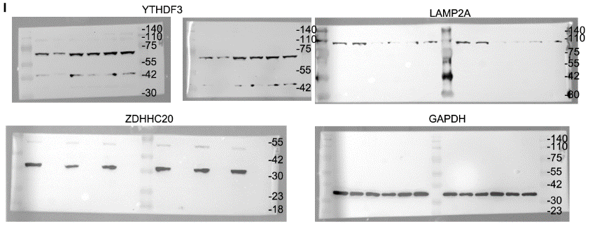
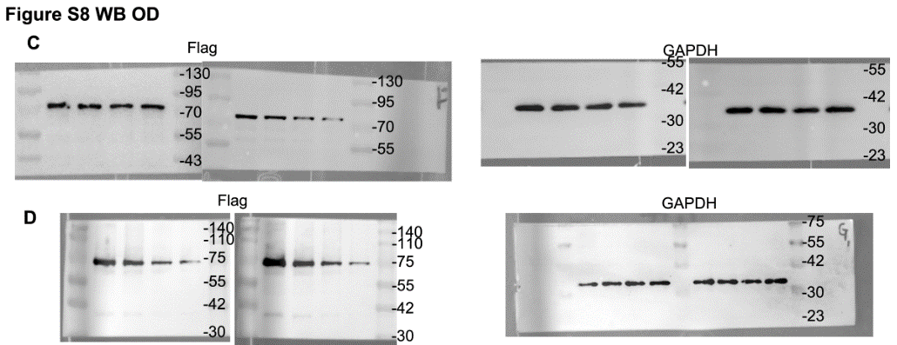
FigureS8A | sgCtrl | sgZDHHC20
 | 0.38 | 0.66
 | 0.27 | 0.87
 | 0.35 | 0.65
 | 0.42 | 0.85
 | 0.47 | 0.62
 | 0.29 | 0.71

FigureS8B | WT | C474S
 | 0.41 | 0.61
 | 0.5 | 0.68
 | 0.36 | 0.69
 | 0.28 | 0.65
 | 0.47 | 0.7
 | 0.35 | 0.68

FigureS9
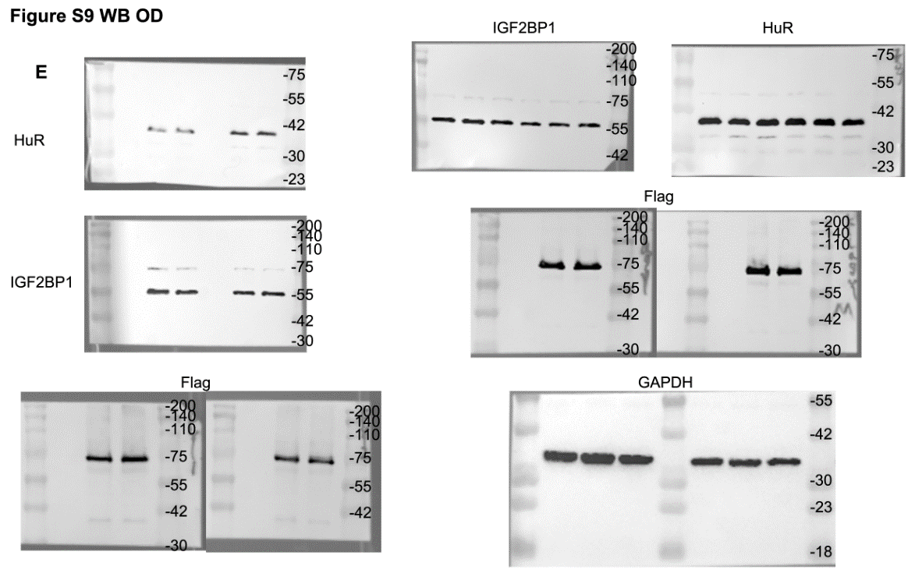
FigureS9h | Vector+sgControl |  |  | YTHDF3+sgControl |  |  | Vector+sgHuR |  |  | Vector+sgIGF2BP1 |  |  | YTHDF3+sgHuR |  |  | YTHDF3+sgIGF2BP1 |  |  | YTHDF3+sgIGF2BP1/HuR
0 | 1 | 1 | 1 | 1 | 1 | 1 | 1 | 1 | 1 | 1 | 1 | 1 | 1 | 1 | 1 | 1 | 1 | 1 | 1 | 1 | 1
30 | 0.74 | 0.76 | 0.83 | 0.93 | 0.96 | 0.96 | 0.68 | 0.66 | 0.72 | 0.71 | 0.72 | 0.68 | 0.85 | 0.8 | 0.83 | 0.85 | 0.86 | 0.81 | 0.82 | 0.8 | 0.83
60 | 0.58 | 0.61 | 0.67 | 0.86 | 0.88 | 0.85 | 0.41 | 0.41 | 0.35 | 0.52 | 0.48 | 0.44 | 0.77 | 0.71 | 0.75 | 0.71 | 0.76 | 0.77 | 0.69 | 0.69 | 0.73
90 | 0.46 | 0.45 | 0.53 | 0.82 | 0.81 | 0.78 | 0.26 | 0.24 | 0.28 | 0.33 | 0.33 | 0.31 | 0.66 | 0.62 | 0.64 | 0.63 | 0.66 | 0.68 | 0.56 | 0.58 | 0.64

FigureS9i | Vector+sgControl |  |  | YTHDF3+sgControl |  |  | Vector+sgHuR |  |  | Vector+sgIGF2BP1 |  |  | YTHDF3+sgHuR |  |  | YTHDF3+sgIGF2BP1 |  |  | YTHDF3+sgIGF2BP1/HuR
0 | 1 | 1 | 1 | 1 | 1 | 1 | 1 | 1 | 1 | 1 | 1 | 1 | 1 | 1 | 1 | 1 | 1 | 1 | 1 | 1 | 1
30 | 0.75 | 0.81 | 0.83 | 0.92 | 0.94 | 0.96 | 0.66 | 0.63 | 0.61 | 0.65 | 0.71 | 0.68 | 0.86 | 0.88 | 0.9 | 0.86 | 0.81 | 0.81 | 0.78 | 0.82 | 0.81
60 | 0.59 | 0.67 | 0.67 | 0.85 | 0.85 | 0.85 | 0.44 | 0.41 | 0.41 | 0.41 | 0.48 | 0.45 | 0.75 | 0.79 | 0.81 | 0.75 | 0.69 | 0.71 | 0.687 | 0.71 | 0.69
90 | 0.49 | 0.55 | 0.53 | 0.81 | 0.78 | 0.79 | 0.25 | 0.24 | 0.22 | 0.28 | 0.33 | 0.31 | 0.69 | 0.75 | 0.72 | 0.66 | 0.61 | 0.62 | 0.56 | 0.62 | 0.62

FigureS13
FigureS13d | CPPtat |  |  | CPPtat-Y1
1 | 0.1 | 0.1 | 0.1 | 0.1 | 0.1 | 0.1
2 | 0.23 | 0.25 | 0.31 | 0.15 | 0.18 | 0.17
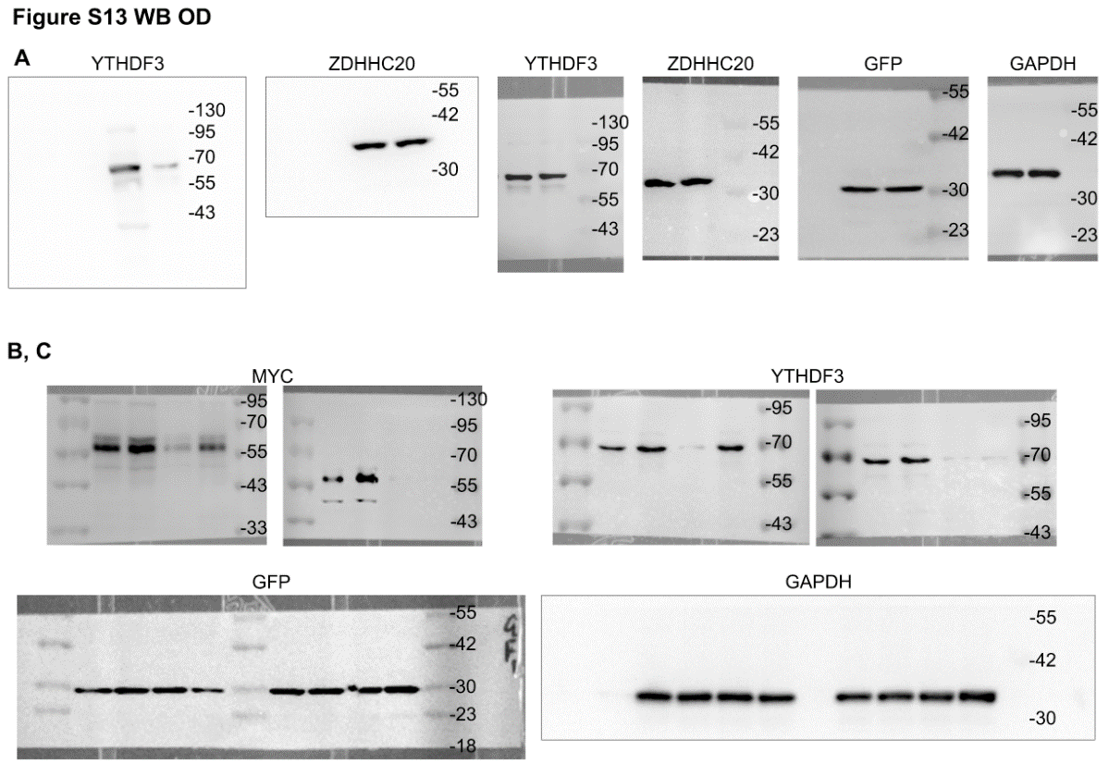
3 | 0.41 | 0.42 | 0.49 | 0.23 | 0.31 | 0.3
4 | 0.72 | 0.79 | 0.88 | 0.37 | 0.45 | 0.46

FigureS13e | CPPtat | CPPtat-Y1
 | 125 | 67
 | 135 | 84
 | 147 | 81

FigureS13f | CPPtat | CPPtat-Y1
 | 517 | 208
 | 548 | 182
 | 477 | 214
 | 446 | 182
 | 502 | 198

FigureS13g | CPPtat | CPPtat-Y1
 | 1.09 | 0.35
 | 1.24 | 0.21
 | 0.89 | 0.39
 | 0.99 | 0.54
 | 1.18 | 0.48
 | 1.16 | 0.41

FigureS13h | CPPtat | CPPtat-Y1
 | 1.0573 | 0.4537
 | 0.979 | 0.4836
 | 1.0056 | 0.339

