Figure 1
Figure 1
 |  |  |  |  |  | Negative error value | Positive error value
 |  | Packaging | Other life cycle stages | Apparel end-of-life in primary market | Apparel end-of-life in secondary market
Synthetic apparel value chain | Waste | 1.7 |  | 14.9 | 1.8 | 0.8 | 0.8
 | Leakage | 0.71 | 0.14 | 5.2 | 1.4 | 3.2 | 3.3
Cotton apparel value chain | Waste | 1.7 | 0.21 | 0.0 | 0.0 | 0.0 | 0.0
 | Leakage | 0.71 | 0.05 | 0.0 | 0.0 | 0.3 | 0.6
Other apparel value chain | Waste | 0.3 | 0.00 | 0.0 | 0.0 | 0.00 | 0.00
 | Leakage | 0.12 | 0.00 | 0.0 | 0.0 | 0.0 | 0.1

 | Packaging | Other life cycle stages | Apparel end-of-life in primary market | Apparel end-of-life in secondary market
Waste | 1.72 |  | 14.9 | 1.8
Leakage | 0.71 | 0.14 | 5.2 | 1.4
Waste | 1.74 | 0.21 | 0.0 | 0.0
Leakage | 0.71 | 0.05 | 0.0 | 0.0
Waste | 0.31 | 0.00 | 0.0 | 0.0
Leakage | 0.12 | 0.00 | 0.0 | 0.0

Figure 2.a
Figure 2.a Plastic waste generated by synthetic apparel consumption per market as a function of key drivers: population and consumption per capita

 | Population in primary market in million inhab. | Synthetic apparel consumption in kg / pers | Total waste from synthetic in Mt / y
EU - high income | 277 | 7 | 2.4
EU - low income | 161 | 4 | 0.80
US | 329 | 7 | 2.8
Japan | 127 | 4 | 0.69
China | 1434 | 2 | 3.2
India | 1366 | 1 | 2.4
Brazil | 211 | 2 | 0.65
Rest of the world | 4156 | 1 | 5.5
China - higher end | 1434 | 2 | 3.8
Rest of the world - higher end | 4156 | 1 | 5.8

 | Waste from production country and primary market in Mt | Waste from secondary market in Mt | Total waste in Mt | Negative error bar value | Positive error bar value
China | 3.0 | 0.164 | 3.2 | 0.57 | 0.57
US | 2.5 | 0.325 | 2.8
EU - high income | 1.7 | 0.687 | 2.4
EU - low income | 0.6 | 0.187 | 0.80
India | 2.3 | 0.036 | 2.4
Japan | 0.6 | 0.130 | 0.69
Brazil | 0.6 | 0.000 | 0.65
Rest of the world | 5.1 | 0.442 | 5.5 | 0.24 | 0.24

Figure 2.b
Figure 2.b Plastic leakage generated by synthetic apparel consumption per market as a function of key drivers: plastic waste weight and MWI

 | Plastic waste per market in Mt | MWI for textile | Total leakage in Mt
EU - high income | 2.4 | 0% | 0.47
EU - low income | 0.8 | 8% | 0.20
US | 2.8 | 2% | 0.25
Japan | 0.7 | 0% | 0.061
China | 3.2 | 43% | 1.3
India | 2.4 | 68% | 1.5
Brazil | 0.6 | 40% | 0.23
Rest of the world | 5.5 | 68% | 3.5

 | Leakage from production country and primary market in Mt | Leakage from secondary market in Mt | Total leakage in Mt | Negative error bar value | Positive error bar value | Share of leakage occuring in secondary market
India | 1.5 | 0.035 | 1.5 | 0.13 | 0.09 | 2%
China | 1.1 | 0.152 | 1.3 | 0.57 | 0.95 | 12%
EU - high income | 0.03 | 0.432 | 0.47 | 0.04 | 0.35 | 93%
EU - low income | 0.05 | 0.157 | 0.20 | 0.00 | 0.11 | 77%
US | 0.05 | 0.196 | 0.25 | 0.06 | 0.13 | 80%
Brazil | 0.2 | 0.000 | 0.23 | 0.15 | 0.15 | 0%
Japan | 0.0 | 0.049 | 0.061 | 0.00 | 0.08 | 80%
Rest of the world | 3.1 | 0.403 | 3.5 | 2.24 | 1.44 | 12%

Figure 3
Figure 3
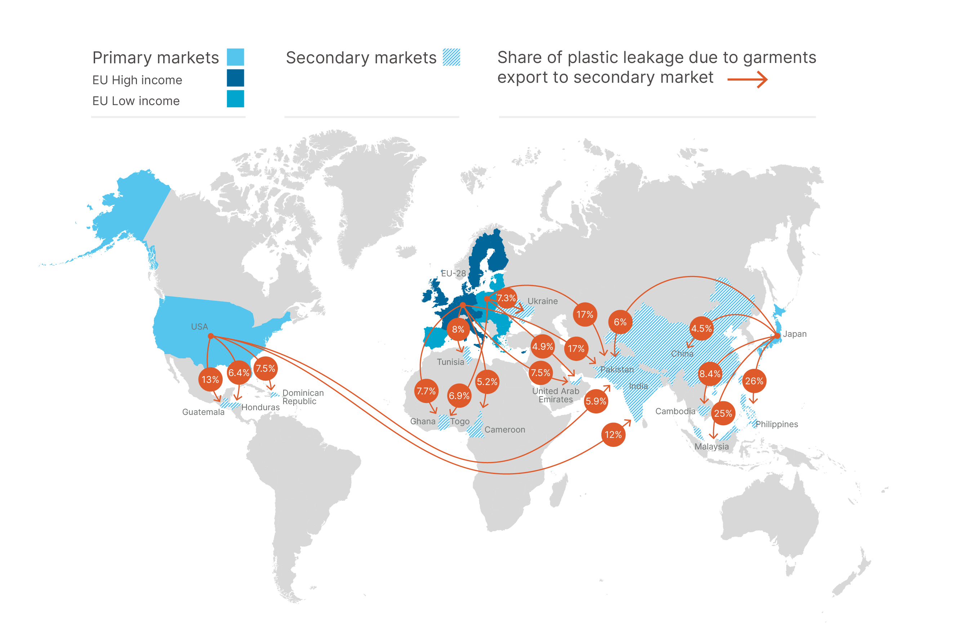
Table 1
Primary market | Total leakage associated with the primary market (Fig. 2B) | Sum of leakage in all secondary markets | Key secondary markets | MWI of the secondary market, % | Leakage generated in the secondary market
 | in Mt | in Mt |  |  | in Mt | in % of total leakage associated with the primary market
E.U. High income | 0.47 | 0.44 | Pakistan | 98 | 0.077 | 17
 |  |  | Tunisia | 73 | 0.037 | 8
 |  |  | Ghana | 89 | 0.036 | 7.7
 |  |  | United Arab Emirates | 70 | 0.035 | 7.5
 |  |  | Cameroon | 88 | 0.024 | 5.2
 |  |  | Other markets | - | 0.23 | 53
E.U. Low income | 0.20 | 0.16 | Pakistan | 98 | 0.034 | 17
 |  |  | Ukraine | 60 | 0.015 | 7.3
 |  |  | Togo | 99 | 0.014 | 6.9
 |  |  | United Arab Emirates | 70 | 0.0099 | 4.9
 |  |  | Other markets | - | 0.088 | 55
US | 0.25 | 0.21 | Guatemala | 82 | 0.031 | 13
 |  |  | India | 68 | 0.029 | 12
 |  |  | Dominican Republic | 94 | 0.018 | 7.5
 |  |  | Honduras | 73 | 0.016 | 6.4
 |  |  | Pakistan | 98 | 0.015 | 5.9
 |  |  | Other markets | - | 0.098 | 47
Japan | 0.061 | 0.052 | Philippines | 85 | 0.016 | 26
 |  |  | Malaysia | 22 | 0.015 | 25
 |  |  | Cambodia | 100 | 0.0052 | 8.4
 |  |  | Pakistan | 98 | 0.0037 | 6
 |  |  | China | 43 | 0.0028 | 4.5
 |  |  | Other markets | - | 0.0089 | 17

