Supplementary Figure 8
Supplementary Figure 8
The uncropped image of the gel electrophoresis.

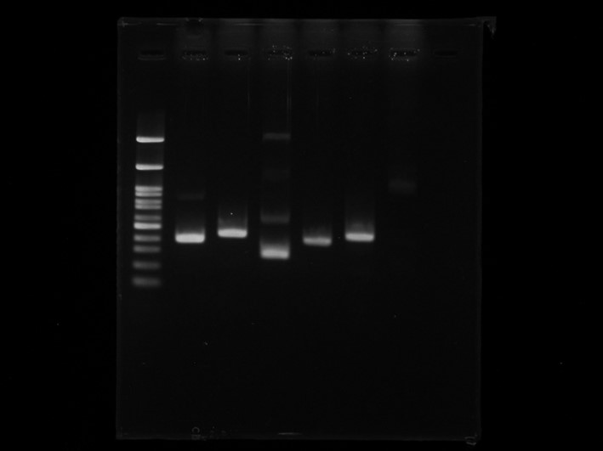
Intestine
Brain

M
ccka
cckb
gastrin
ccka
cckb
gastrin

1000

500
400
200

