Figure 4a
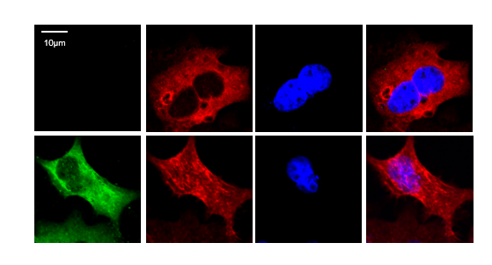
Figure 4a

 |  | Repeat1 | Repeat2 | Repeat3 | T.TEST P value
 | uninfected | 268.945 | 239.92 | 229.882 | 3.219792696E-05
 | HIV-1 infected | 1225.645 | 1352.648 | 1394.428

Figure 4c
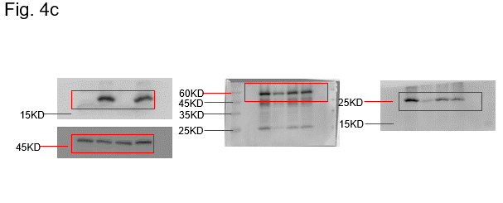

Figure 5c
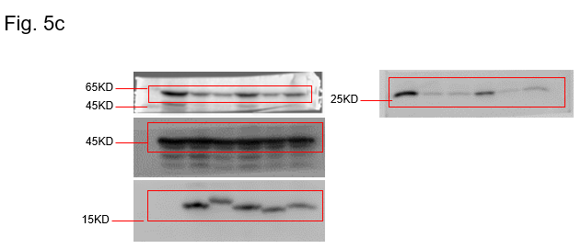

Figure 5e
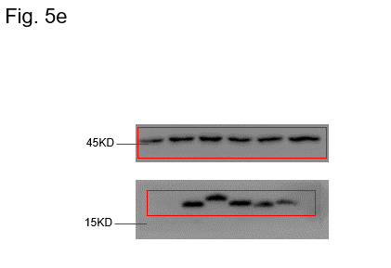

Figure 6a
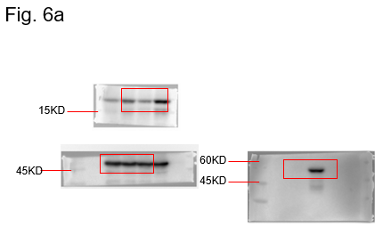

Figure 6b
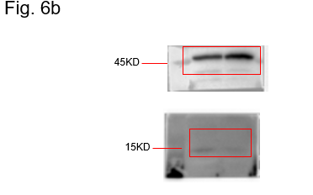

Figure 6g
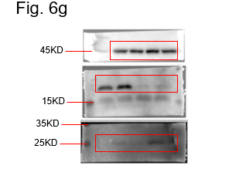

Figure 6h
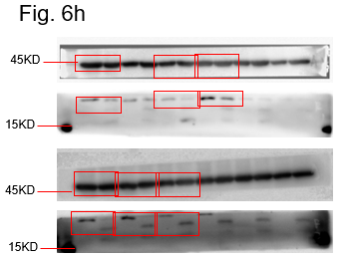

Figure S1c
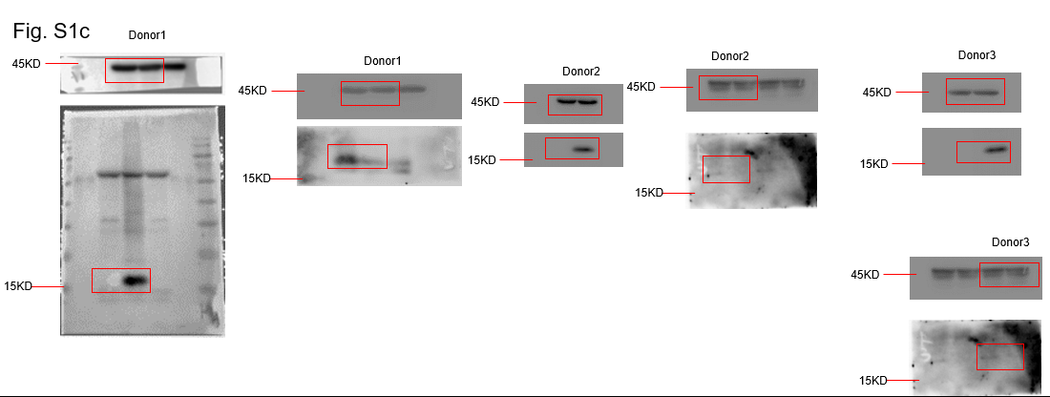

Figure S1e
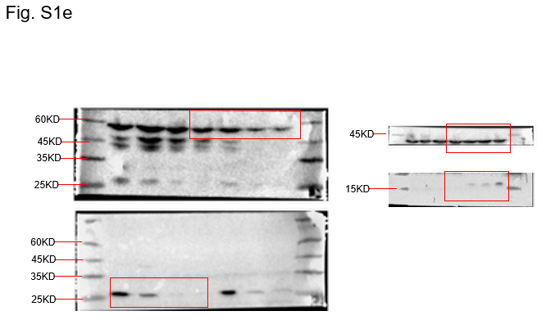

Figure S2c
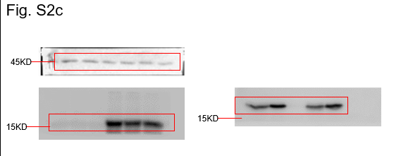

Figure S2d
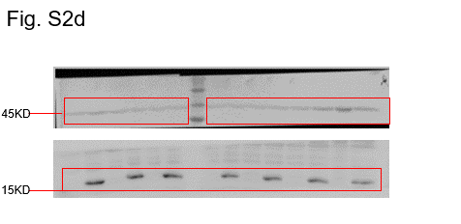

Figure S3f
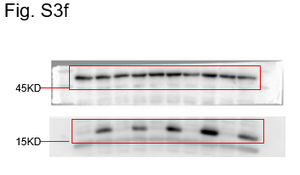

Figure S4a
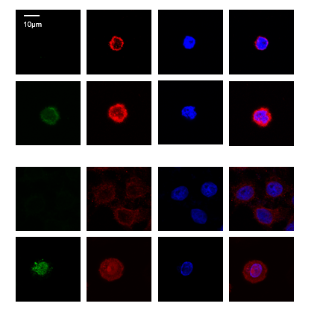

CD4 cell | Repeat1 | Repeat2 | Repeat3 | P value
unifected | 121476 | 106992 | 144784
HIV-1 infected | 189891.9 | 222744.5 | 233532.9 | 0.0060425733415

THP-1 cell | Repeat1 | Repeat2 | Repeat3 | P value
unifected | 529106.3 | 477903.3 | 448968.1 | 4.2461405646E-06
HIV-1 infected | 2181503 | 2039496 | 2116862

Figure S4b
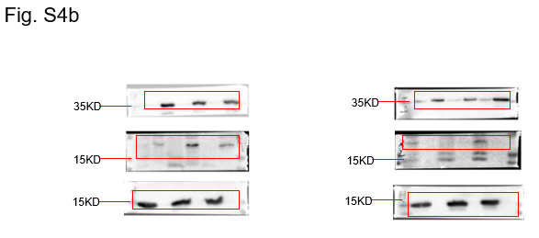

Figure S4c
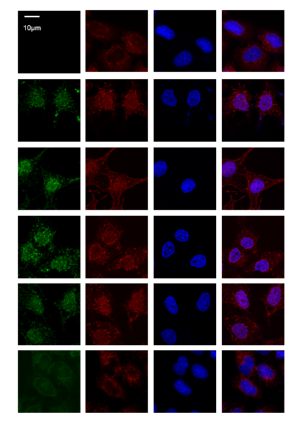

Figure S4d
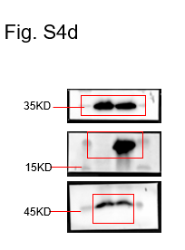

Figure S5a
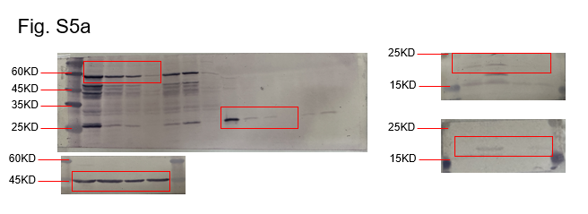

Figure S5b
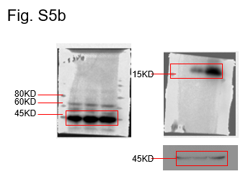

FigureS5e
