SI Figure 15
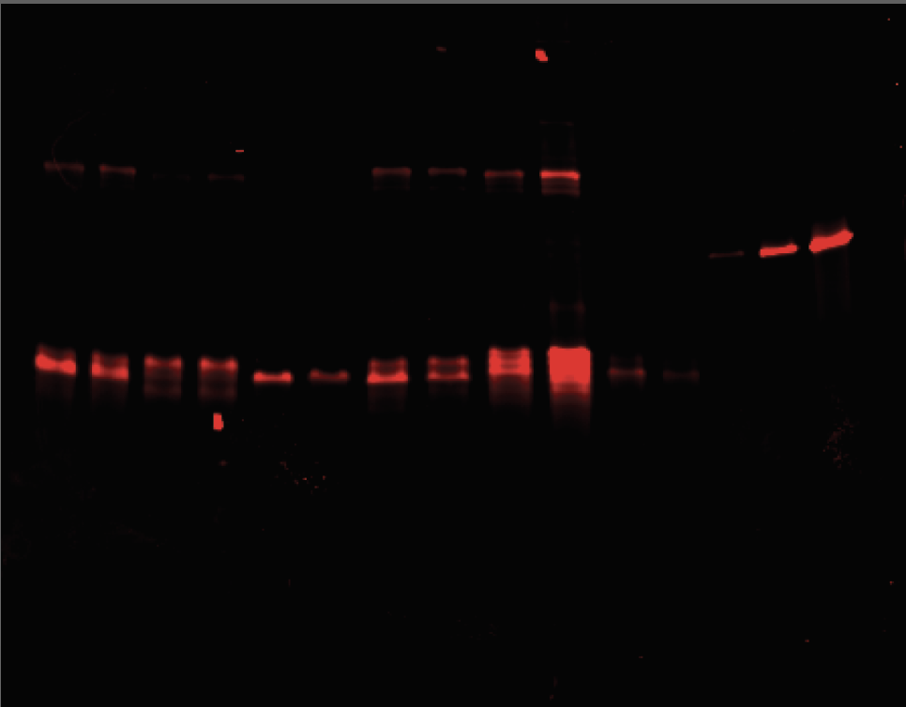
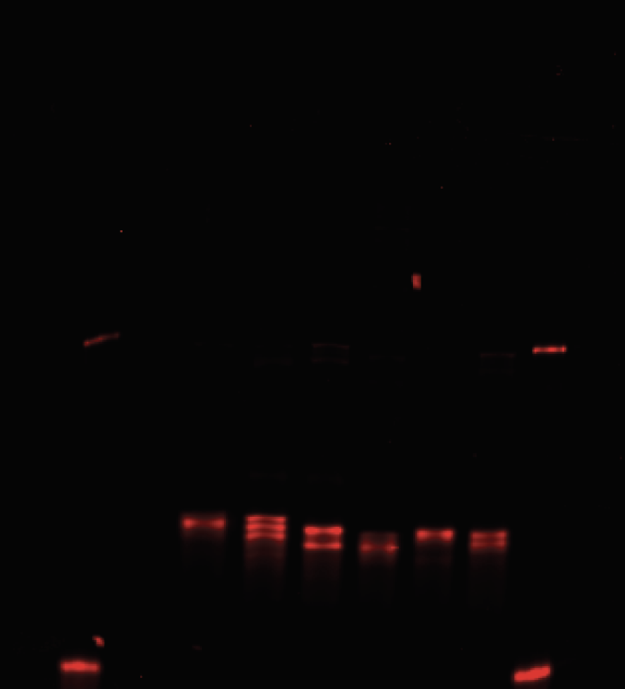
Experiment 1 | Vesicles | Cell Lysates
 |  |  | Protien Standard |  |  |  |  |  |  | Fig. 3f (Proteins/Vesicle) |  |  |  |  |  | Fig. 3g (EV partitioning)
 |  |  | Proteins/vesicle | Experiment 1 | Experiment 2 |  |  |  |  |  | HS-EV (Rep 1) | HS-EV (Rep 2) | UC-EV (Rep 1) | UC-EV (Rep 2) |  |  | HS-EV (Rep 1) | HS-EV (Rep 2) | UC-EV (Rep 1) | UC-EV (Rep 2)
 |  |  | 100 | 106.021 | 135.728 |  |  |  |  | WT LAT | 1373.95614 | 1081.254 | 1226.017508 | 869.385 |  | WT LAT | 1.1102731797 | 0.88972682033 | 0.99072620881 | 0.71538719001
 |  |  | 1000 | 1496.042 | 872.971 |  |  |  |  | C26A | 798.3446017 | 452.8017 | 870.1235067 | 352.5918 |  | C26A | 0.69453144427 | 0.34731966242 | 0.75697654185 | 0.27045406601
 |  |  | 3000 | 5217.062 | 3053.042 |  |  |  |  | dCore | 546.925808 | 647.5837 | 331.6705887 | 264.818 |  | dCore | 0.49729925344 | 0.68624306217 | 0.30157570503 | 0.28062704928
 |  |  | 0 | 0 | 0 |  |  |  |  | High ASA | 1182.331254 | 956.1049 | 976.1249067 | 1362.895 |  | High ASA | 0.53336323981 | 0.65683801212 | 0.44034118275 | 0.93630052462

 |  |  | Experiment 1 |  |  |  |  |  |  |  |  |  |  |  |  |  |  |  | EV/Lysate
 |  |  |  |  | Gel Intensity | Protein Number |  |  |  |  |  | HS-EV | UC-EV |  | Lysate | Intensity |  |  | HS-EV | UC-EV
 |  |  | 1 | LAT HS-EV | 2317.105 | 1373.9561395 |  | Standard |  |  | 18 (Lat-WT) | 1373.9561395 | 1226.0175082 |  | 18 (Lat-WT) | 5071.175 |  | 18 (Lat-WT) | 0.27093447564 | 0.2417620193
 |  |  | 2 | LAT UC-EV | 2057.518 | 1226.0175082 |  | Slope | 0.5699 |  | 19 (Lat-C26A) | 798.3446017 | 870.1235067 |  | 19 (Lat-C26A) | 4710.468 |  | 19 (Lat-C26A) | 0.16948307508 | 0.18472124356
 |  |  | 3 | C26A HS-EV | 1307.083 | 798.3446017 |  | Intercept: | 53.438 |  | 20 (Lat-d6CORE) | 546.925808 | 331.6705887 |  | 20 (Lat-d6CORE) | 4506.882 |  | 20 (Lat-d6CORE) | 0.12135347852 | 0.073592028524
 |  |  | 4 | C26A UC-EV | 1433.033 | 870.1235067 |  | R^2: | 0.998 |  | 21 (Lat-hASA) | 1182.3312538 | 976.1249067 |  | 21 (Lat-hASA) | 9084.095 |  | 21 (Lat-hASA) | 0.13015399484 | 0.10745428209
 |  |  | 5 | dCore HS-EV | 865.92 | 546.925808
 |  |  | 6 | dCore UC-EV | 488.213 | 331.6705887 |  | Protein Quantity = Gel Intensity * Slope + Intercept
 |  |  | 7 | HASA HS-EV | 1980.862 | 1182.3312538
 |  |  | 8 | HASA UC-EV | 1619.033 | 976.1249067

 |  |  | Experiment 2 |  |  |  |  |  |  |  |  |  |  |  |  |  |  |  | EV/Lysate
 |  |  |  |  | Gel Intensity | Protein Number |  |  |  |  |  | HS-EV | UC-EV |  | Lysate | Intensity |  |  | HS-EV | UC-EV
 |  |  | 1 | LAT HS-EV | 1072.648 | 1081.2538968 |  | Standard |  |  | 18 (Lat-WT) | 1081.2538968 | 869.3850396 |  | 18 (Lat-WT) | 4980.083 |  | 18 (Lat-WT) | 0.21711563779 | 0.17457239962
 |  |  | 2 | LAT UC-EV | 857.356 | 869.3850396 |  | Slope | 0.9841 |  | 19 (Lat-C26A) | 452.8017322 | 352.5918133 |  | 19 (Lat-C26A) | 5342.497 |  | 19 (Lat-C26A) | 0.084754700321 | 0.065997568796
Experiment 2 |  |  | 3 | C26A HS-EV | 434.042 | 452.8017322 |  | Intercept: | 25.661 |  | 20 (Lat-d6CORE) | 647.5836611 | 264.8179661 |  | 20 (Lat-d6CORE) | 3867.083 |  | 20 (Lat-d6CORE) | 0.16746050217 | 0.068480031616
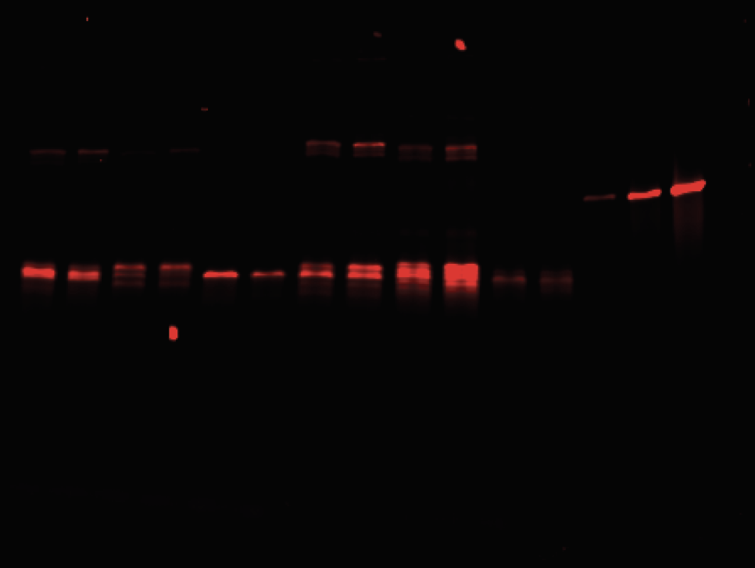
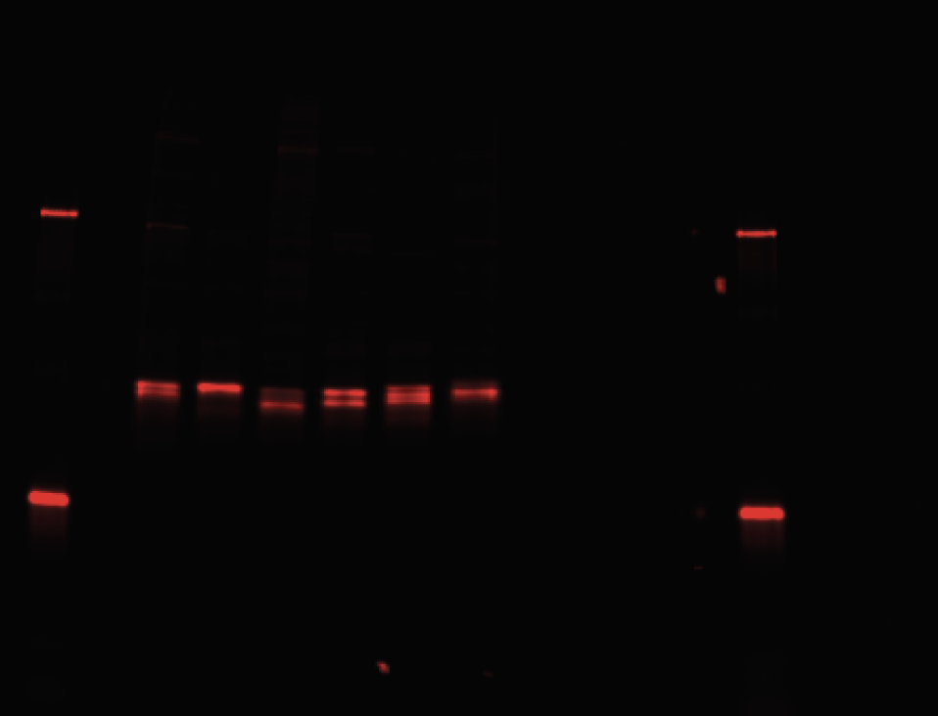
 |  |  | 4 | C26A UC-EV | 332.213 | 352.5918133 |  | R^2: | 0.997 |  | 21 (Lat-hASA) | 956.1049157 | 1362.895444 |  | 21 (Lat-hASA) | 5965.033 |  | 21 (Lat-hASA) | 0.16028493316 | 0.22848078862
 |  |  | 5 | dCore HS-EV | 631.971 | 647.5836611
 |  |  | 6 | dCore UC-EV | 243.021 | 264.8179661 |  | Protein Quantity = Gel Intensity * Slope + Intercept
 |  |  | 7 | HASA HS-EV | 945.477 | 956.1049157
 |  |  | 8 | HASA UC-EV | 1358.84 | 1362.895444

 |  |  |  |  | Gel Intensity | Lysate | Gel Intensity |  |  | Proteins/Vesicle |  |  |  | HS-EV | UC-EV |  | HS-EV | UC-EV
 |  |  | 1 | LAT HS-EV | 1072.648 | LAT | 4980.083 |  | LAT HS-EV | 1081.2538968 |  |  | LAT | 1081.2538968 | 869.3850396 |  | 0.21711563779 | 0.17457239962
 |  |  | 2 | LAT UC-EV | 857.356 | C26A | 5342.497 |  | LAT UC-EV | 869.3850396 |  |  | C26A | 452.8017322 | 352.5918133 |  | 0.084754700321 | 0.065997568796
 |  |  | 3 | C26A HS-EV | 434.042 | dCore | 3867.083 |  | C26A HS-EV | 452.8017322 |  |  | dCore | 647.5836611 | 264.8179661 |  | 0.16746050217 | 0.068480031616
 |  |  | 4 | C26A UC-EV | 332.213 | HASA | 5965.033 |  | C26A UC-EV | 352.5918133 |  |  | HASA | 956.1049157 | 1362.895444 |  | 0.16028493316 | 0.22848078862
 |  |  | 5 | dCore HS-EV | 631.971 | LDLR | 6679.569 |  | dCore HS-EV | 647.5836611
 |  |  | 6 | dCore UC-EV | 243.021 | LASA | 4472.669 |  | dCore UC-EV | 264.8179661
 |  |  | 7 | HASA HS-EV | 945.477 |  |  |  | HASA HS-EV | 956.1049157
 |  |  | 8 | HASA UC-EV | 1358.84 |  |  |  | HASA UC-EV | 1362.895444
 |  |  | 9
 |  |  | 10
 |  |  | 11
 |  |  | 12

SI Figure 16
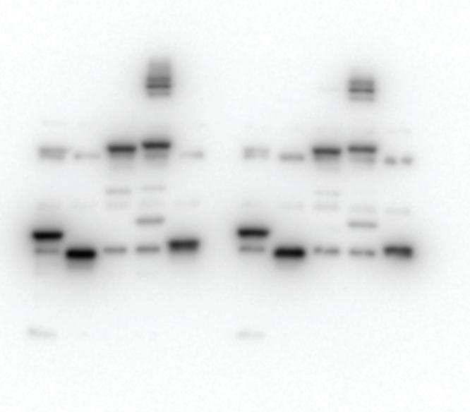
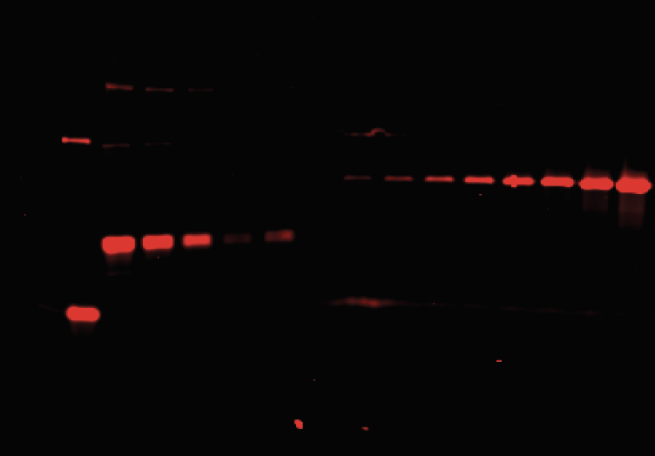
Anti Flag Blot | Halo Standard
 |  | Figure S16E
 |  | µg Lysate | Proteins / vesicle equivalent HaloTag |  |  | Figure 4D |  |  |  |  |  | Figure 4E
 |  | 20 | 1254.76 |  |  |  | HS-EV | HS-EV | UC-EV | UC-EV |  |  | HS-EV | HS-EV | UC-EV | UC-EV
 |  | 10 | 627.38 |  | 4TMD | 24A | 34.5076297 | 37.919635 | 239.727483 | 15.132385 | 4TMD | 24A | 0.98943366 | 1.01056634 | 6.87368104 | 0.0301783
 |  | 5 | 313.69 |  |  | 32A | 197.244755 | 246.029835 | 200.844541 | 76.67436 |  | 32A | 5.12202498 | 7.00897277 | 5.21550372 | 2.18432249
 |  | 2.5 | 156.845 |  |  | 40A | 965.625675 | 1207.64892 | 437.049896 | 431.696945 |  | 40A | 24.0201197 | 38.080484 | 10.8716981 | 13.6125892
 |  | 1 | 62.738 |  | 12TMD | 24A | 53.0806647 | 50.837815 | 275.201892 | 133.91595 | 12TMD | 24A | 0.98056424 | 1.20958326 | 5.08383109 | 3.18625989
 |  | 0 | 0 |  |  | 40A | 174.46452 | 57.36702 | 72.4576255 | 39.584635 |  | 40A | 3.67356195 | 1.41570048 | 1.52568313 | 0.97686766

 |  | Slope | 62.738 |  |  | Gel 1 |  |  |  |  |  | Gel 2 |  |  |  |  |  | Lysate 1 | Lysate 2
 |  | Intercept: | 0 |  |  | Lane | Sample | Intensity |  | Proteins / vesicle |  | Sample | Intensity |  |  | Proteins/Vesicle | 4TMD-24A | 6297.974 | 6775.974
 |  | R^2: | 0.997 |  |  | 2 | 24-4TMD HS-EV | 196.849 |  | 34.5076297 | 2 | 24-4TMD HS-EV | 204.971 |  | 24-4TMD HS-EV | 37.919635 | 12TMD-24A | 9775.359 | 7589.681
 |  |  |  |  |  | 3 | 24-4TMD UC-EV | 1367.527 |  | 239.7274831 | 3 | 24-4TMD UC-EV | 6.121 |  | 24-4TMD UC-EV | 1.132385 | 4TMD-32A | 6954.024 | 6338.782
 |  | Equivalent HaloTag protein/vesicle = Lysate (ug) * Slope + Intercept |  |  |  | 4 | 24-12TMD-HS-EV | 302.799 |  | 53.0806647 | 4 | 24-12TMD-HS-EV | 274.799 |  | 24-12TMD-HS-EV | 50.837815 | 4TMD-40A | 7259.489 | 5726.782
 |  |  |  |  |  | 5 | 24-12TMD-UC-EV | 1569.891 |  | 275.2018923 | 5 | 24-12TMD-UC-EV | 723.87 |  | 24-12TMD-UC-EV | 133.91595 | 12TMD-40A | 8576.146 | 7317.51
 |  | Figure S16F | Gel intensity |  |  | 6 | 32-4TMD-HS-EV | 1125.184 |  | 197.2447552 | 6 | 32-4TMD-HS-EV | 1329.891 |  | 32-4TMD-HS-EV | 246.029835
 |  | Protein / vesicle standard | Gel 1 | Gel 2 |  | 7 | 32-4TMD-UC-EV | 1145.719 |  | 200.8445407 | 7 | 32-4TMD-UC-EV | 414.456 |  | 32-4TMD-UC-EV | 76.67436 | Standard Curve Intensities
 |  | 62.738 | 263.092 | 321.213 |  | 8 | 40-4TMD-HS-EV | 5508.418 |  | 965.6256754 | 8 | 40-4TMD-HS-EV | 6527.832 |  | 40-4TMD-HS-EV | 1207.64892 |  | Lane | Sample | Intensity
 |  | 156.845 | 902.527 | 1171.82 |  | 9 | 40-4TMD-UC-EV | 2493.154 |  | 437.0498962 | 9 | 40-4TMD-UC-EV | 2333.497 |  | 40-4TMD-UC-EV | 431.696945 | LAT Lysate | 2 | 20 | 1260.698
 |  | 313.69 | 2278.719 | 2609.548 |  | 10 | 40-12TMD-HS-EV | 995.234 |  | 174.4645202 | 10 | 40-12TMD-HS-EV | 310.092 |  | 40-12TMD-HS-EV | 57.36702 |  | 3 | 10 | 615.92
 |  | 1254.76 | 7000.225 | 6346.569 |  | 11 | 40-12TMD-UC-EV | 413.335 |  | 72.4576255 | 11 | 40-12TMD-UC-EV | 213.971 |  | 40-12TMD-UC-EV | 39.584635 |  | 4 | 5 | 281.971
 |  |  |  |  |  | 12 | 62.738 prot/ves standard | 263.092 |  |  | 12 | 62.738 prot/ves standard | 321.213 |  |  |  |  | 5 | 2.5 | 190.314
 |  |  |  |  |  | 13 | 156.845 prot/ves standard | 902.527 |  |  | 13 | 156.845 prot/ves standard | 1171.82 |  |  |  |  | 6 | 1 | 133.364
 |  | Gel 1 equation |  |  |  | 14 | 313.69 prot/ves standard | 2278.719 |  |  | 14 | 313.69 prot/ves standard | 2609.548 |  |  |  |  |  | 0 | 0
EV Blot 1 | EV Blot 2 | Slope | 0.1753 |  |  | 15 | 1254.76 prot/ves standard | 7000.225 |  |  | 15 | 1254.76 prot/ves standard | 6346.569 |  |  |  | HALOTAG | 7 | 46.875 | 58.778


 |  | Intercept: | 0 |  |  |  |  |  |  |  |  |  |  |  |  |  |  | 8 | 93.75 | 94.021
 |  | R^2: | 0.995 |  |  |  |  |  |  |  |  |  |  |  |  |  |  | 9 | 187.5 | 144.142
 |  |  |  |  |  |  |  |  |  |  |  |  |  |  |  |  |  | 10 | 375 | 194.435
 |  | Protein Quantity = Gel Intensity * Slope + Intercept |  |  |  |  |  |  |  |  |  |  |  |  |  |  |  | 11 | 750 | 563.556
 |  |  |  |  |  |  |  |  |  |  |  |  |  |  |  |  |  | 12 | 1500 | 758.971
 |  | Gel 2 equation |  |  |  |  |  |  |  |  |  |  |  |  |  |  |  | 13 | 3000 | 1488.092
 |  | Slope | 0.185 |  |  |  |  |  |  |  |  |  |  |  |  |  |  | 14 | 6000 | 3279.335
 |  | Intercept: | 0
 |  | R^2: | 0.977 |  |  |  |  |  |  |  |  |  |  |  |  |  | Slope | 0.5378
 |  |  |  |  |  |  |  |  |  |  |  |  |  |  |  |  | Intercept: | 0
 |  | Protein Quantity = Gel Intensity * Slope + Intercept |  |  |  |  |  |  |  |  |  |  |  |  |  |  | R^2: | 0.996

 |  |  |  |  |  |  |  |  |  |  |  |  |  |  |  |  | Gel intensity = HaloTag Protein/Vesicle * Slope + Intercept

SI Figure 17
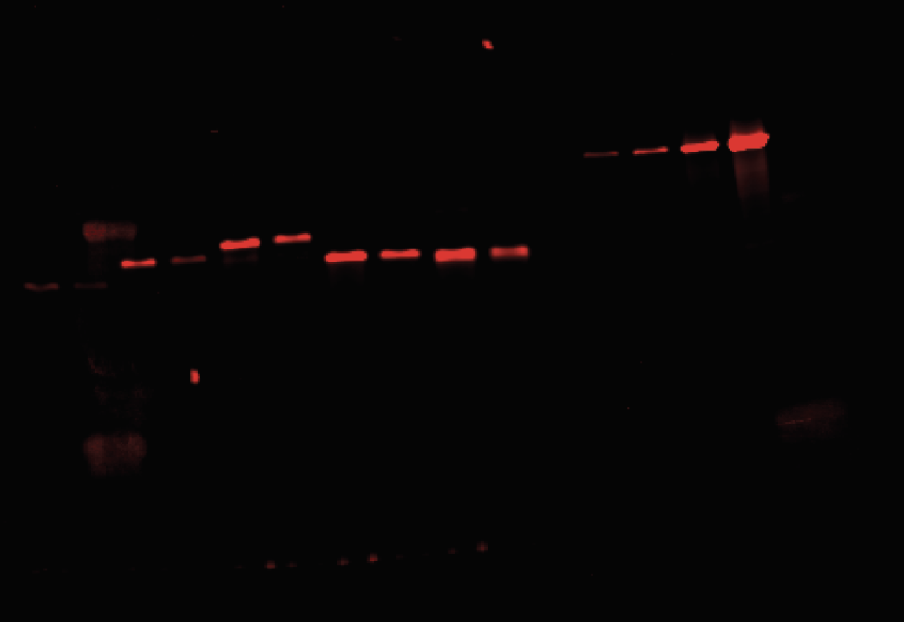
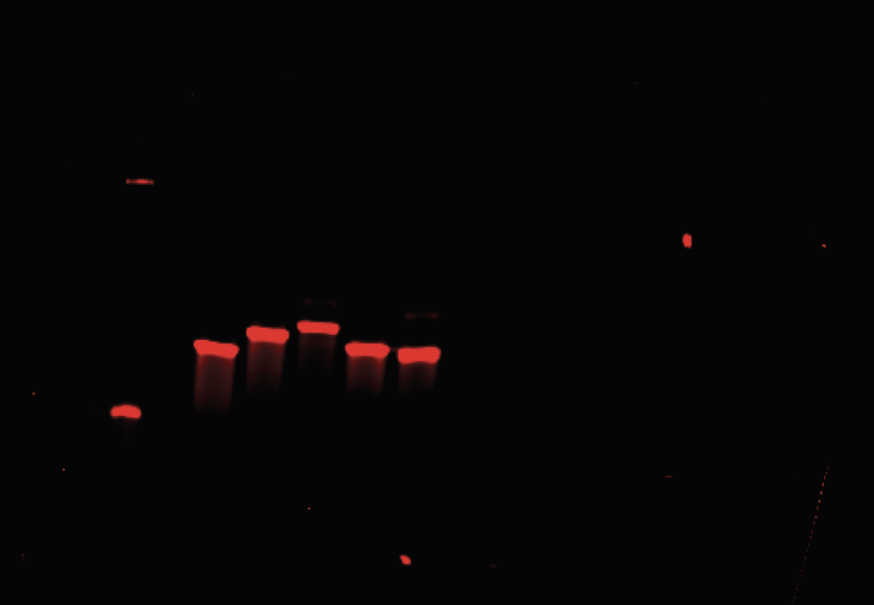
 |  |  |  |  | Gel 1
Experiment 1 - Vesicles | Experiment 1 - Lysate | Standard Curve |  |  |  |  | Gel Intensity
 |  | proteins / vesicle | Gel 1 | Gel 2 | 1 | Sol HS-EV | 41.364 | Standard | Intensity | Intensity | HS-EV | UC-EV | Protein / Vesicle | HS-EV | UC-EV |  |  | Lysate Intensity |  | Norm. Lysate | HS-EV | UC-EV |  | Figure 5D |  |  |  |  | Figure 5E
 |  | 0 | 0 | 0 | 2 | Sol UC-EV | 29.536 | 0 | 0 | Sol | 41.364 | 29.536 | Sol | 87.815119871 | 79.11678188 | 1 | Soluble | 2277.799 |  | Sol | 0.038552620258 | 0.034733873305 |  |  | HS-EV | HS-EV | UC-EV | UC-EV |  | HS-EV | HS-EV | UC-EV | UC-EV
 |  | 50 | 66.899 | 64.485 | 3 | M HS-EV | 141.728 | 50 | 64.485 | M | 141.728 | 61.778 | M | 161.6230328 | 102.82762171 | 2 | M | 3179.506 |  | M | 0.050832749741 | 0.032340754101 |  | Sol | 103.1558 | 87.81511987 | 92.43803 | 79.11678188 | Sol | 1.167793984 | 0.832206016 | 1.05212066 | 0.745740929
 |  | 100 | 155.435 | 83.485 | 4 | M UC-EV | 61.778 | 100 | 83.485 | PM | 362.263 | 226.849 | PM | 323.80497132 | 224.221209 | 3 | PM | 1005.556 |  | PM | 0.32201585125 | 0.22298231924 |  | M | 161.5447 | 161.6230328 | 116.8854 | 102.8276217 | M | 1.539770291 | 1.325033061 | 0.9796309 | 0.958725328
 |  | 750 | 1001.385 | 661.849 | 5 | PM HS-EV | 362.263 | 750 | 661.849 | GG | 473.142 | 229.728 | GG | 405.34563906 | 226.33843212 | 4 | GG | 1628.799 |  | GG | 0.2488616699 | 0.13896032115 |  | PM | 372.7154 | 323.8049713 | 210.0173 | 224.221209 | PM | 9.754153447 | 6.307909531 | 6.754337556 | 3.554373439
 |  | 2000 | 4213.284 | 2743.506 | 6 | PM UC-EV | 226.849 | 2000 | 2743.506 | PPF | 269.263 | 250.556 | PPF | 255.41256067 | 241.6553905 | 5 | PPF | 582.971 |  | PPF | 0.43812224051 | 0.41452386225 |  | GG | 402.8442 | 405.3456391 | 222.0299 | 226.3384321 | GG | 7.53824666 | 4.868199769 | 4.209234702 | 2.683136182
 |  |  |  |  | 7 | GG HS-EV | 473.142 |  |  |  |  |  |  |  |  |  |  |  |  |  |  |  |  | PPF | 304.7755 | 255.4125607 | 181.0458 | 241.6553905 | PPF | 13.27112173 | 6.30347712 | 12.55630536 | 3.744455106
 |  |  |  |  | 8 | GG UC-EV | 229.728 | Slope | 1.3598
 |  |  |  |  | 9 | PPF HS-EV | 269.263 | Intercept: | -78.047
 |  |  |  |  | 10 | PPF UC-EV | 250.556 | R^2: | 0.98
 |  |  |  |  | 11 | O standard | 0
 |  |  |  |  | 12 | 50 Standard | 64.485 | Gel Intensity = Protein Quantity * Slope + Intercept
 |  |  |  |  | 13 | 100 Standard | 83.485
 |  |  |  |  | 14 | 750 Standard | 661.849
 |  |  |  |  | 14 | 2000 Standard | 2743.506

 |  |  |  |  | Gel 2
Experiment 2 - Vesicles | Experiment 2 - lysate
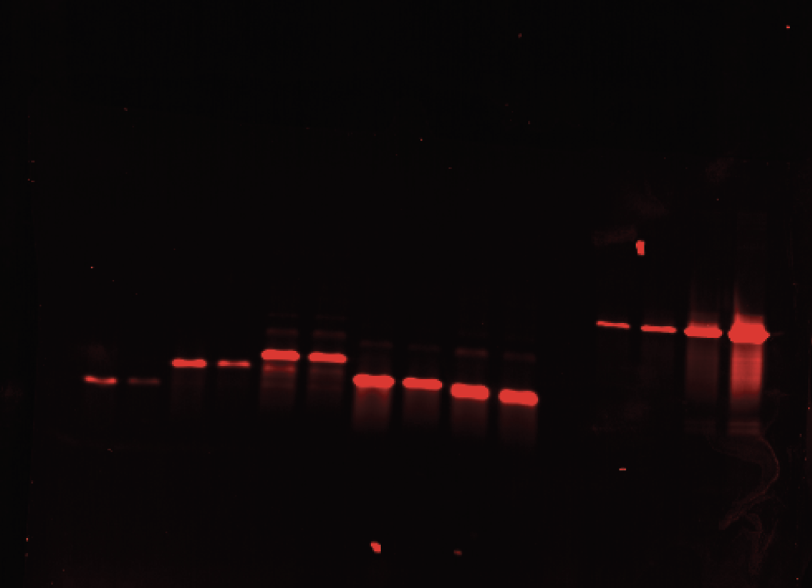
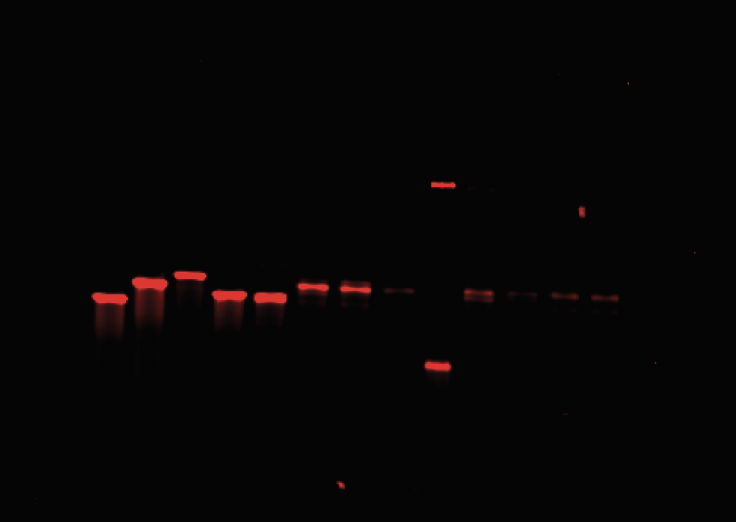
 |  |  |  |  | 1 | Sol HS-EV | 71.778 | Intensity | Protein | Intensity | HS-EV | UC-EV | Protein / Vesicle | HS-EV | UC-EV |  | Lysate |  |  |  | Intensity | Protein | Norm. Lysate
 |  |  |  |  | 2 | Sol UC-EV | 48.95 | 0 | 0 | Sol | 71.778 | 48.95 | Sol | 103.155771 | 92.438025 | 1 | Soluble | 3754.698 | 1 | Sol HS-EV | 71.778 | 103.155771 | 0.01911685041
 |  |  |  |  | 3 | M HS-EV | 196.142 | 66.899 | 50 | M | 196.142 | 101.021 | M | 161.544669 | 116.8853595 | 2 | M | 3692.991 | 2 | Sol UC-EV | 48.95 | 92.438025 | 0.013037000579
 |  |  |  |  | 4 | M UC-EV | 101.021 | 155.435 | 100 | PM | 645.92 | 299.385 | PM | 372.71544 | 210.0172575 | 3 | PM | 1789.799 | 3 | M HS-EV | 196.142 | 161.544669 | 0.053111962634
 |  |  |  |  | 5 | PM HS-EV | 645.92 | 1001.385 | 750 | GG | 710.092 | 324.971 | GG | 402.844194 | 222.0298845 | 4 | GG | 2506.577 | 4 | M UC-EV | 101.021 | 116.8853595 | 0.027354791821
 |  |  |  |  | 6 | PM UC-EV | 299.385 | 4213.284 | 2000 | PPF | 501.213 | 237.678 | PPF | 304.7755035 | 181.045821 | 5 | PPF | 1464.577 | 5 | PM HS-EV | 645.92 | 372.71544 | 0.3608896865
 |  |  |  |  | 7 | GG HS-EV | 710.092 |  |  |  |  |  |  |  |  |  |  |  | 6 | PM UC-EV | 299.385 | 210.0172575 | 0.16727297311
 |  |  |  |  | 8 | GG UC-EV | 324.971 | Slope | 0.4695 |  |  |  |  |  |  |  |  |  | 7 | GG HS-EV | 710.092 | 402.844194 | 0.28329151668
 |  |  |  |  | 9 | PPF HS-EV | 501.213 | Intercept: | 69.456 |  |  |  |  |  |  |  |  |  | 8 | GG UC-EV | 324.971 | 222.0298845 | 0.12964732382
 |  |  |  |  | 10 | PPF UC-EV | 237.678 | R^2: | 0.98 |  |  |  |  |  |  |  |  |  | 9 | PPF HS-EV | 501.213 | 304.7755035 | 0.3422237274
 |  |  |  |  | 11 | O standard | 0 |  |  |  |  |  |  |  |  |  |  |  | 10 | PPF UC-EV | 237.678 | 181.045821 | 0.16228440021
 |  |  |  |  | 12 | 50 Standard | 66.899 | Protein Quantity = Gel Intensity * Slope + Intercept
 |  |  |  |  | 13 | 100 Standard | 155.435
 |  |  |  |  | 14 | 750 Standard | 1001.385
 |  |  |  |  |  | 2000 Standard | 4213.284

