Figure 1G
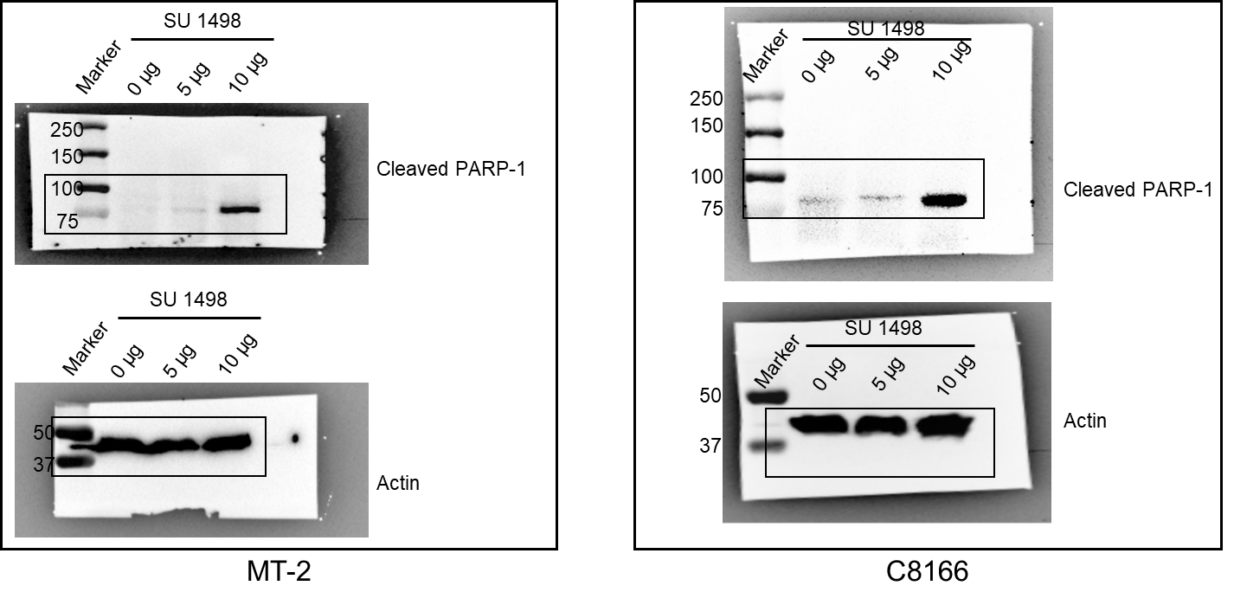

Figure 1G

Figure 1I
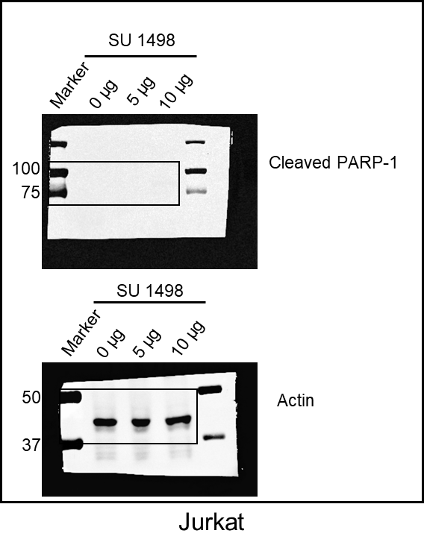

Figure 2A
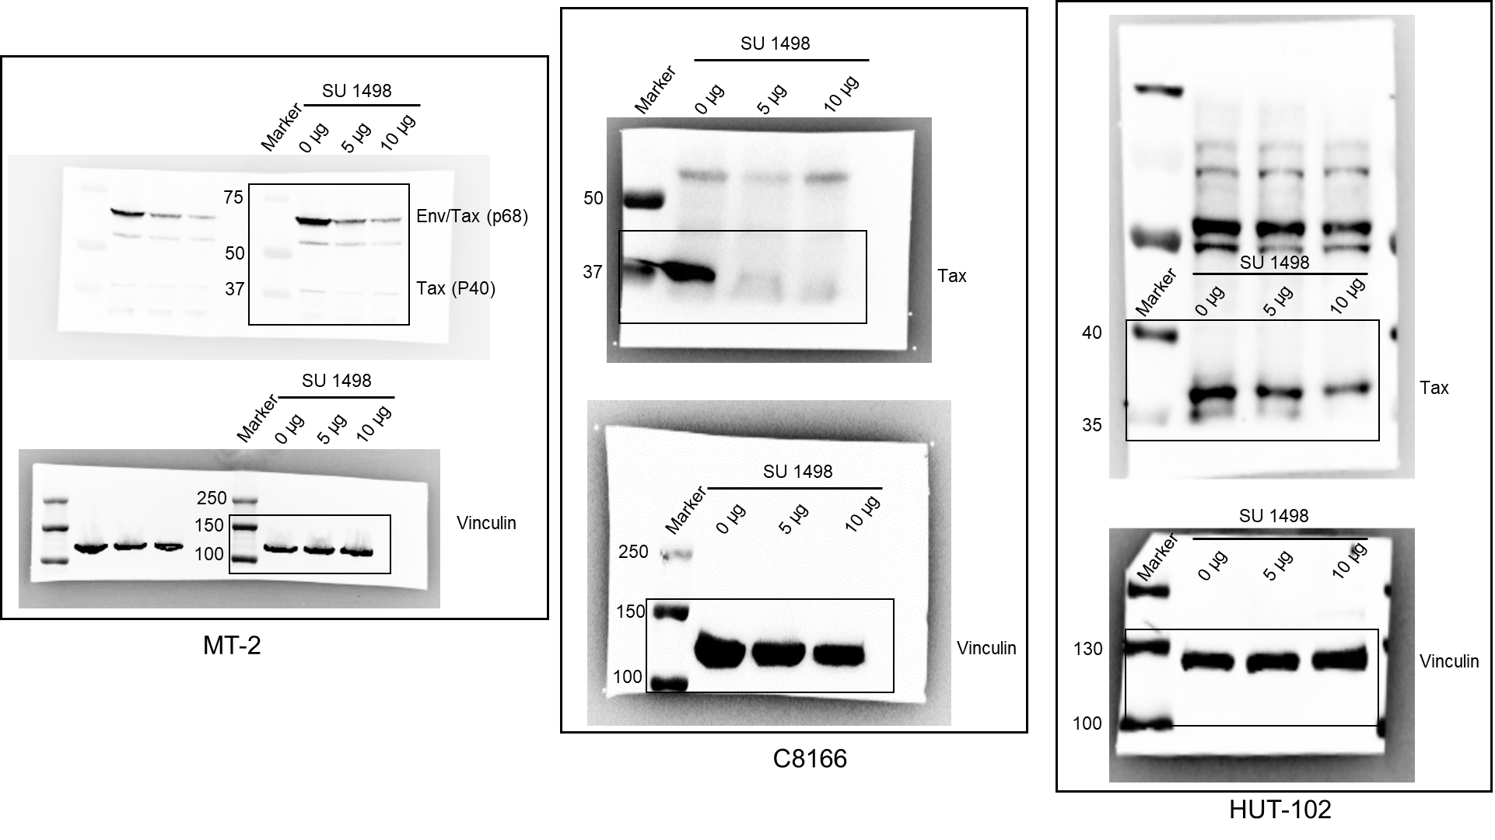

Figure 2A

Figure 2C
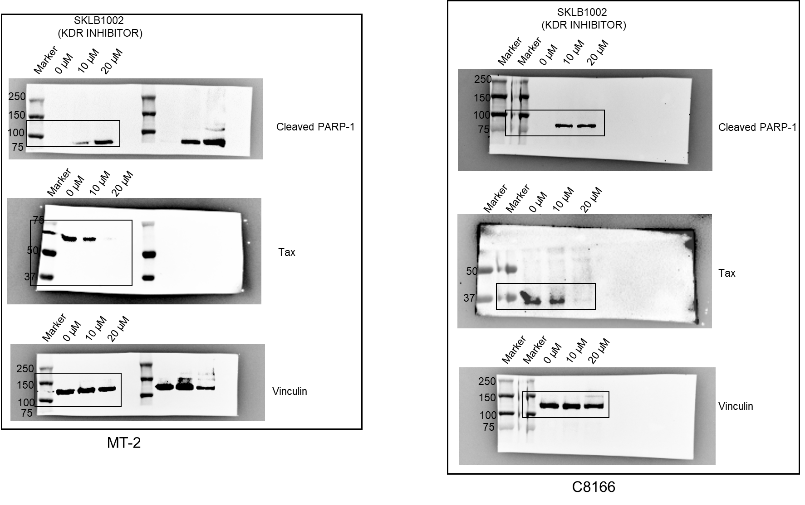

Figure 2C

Figure 2D
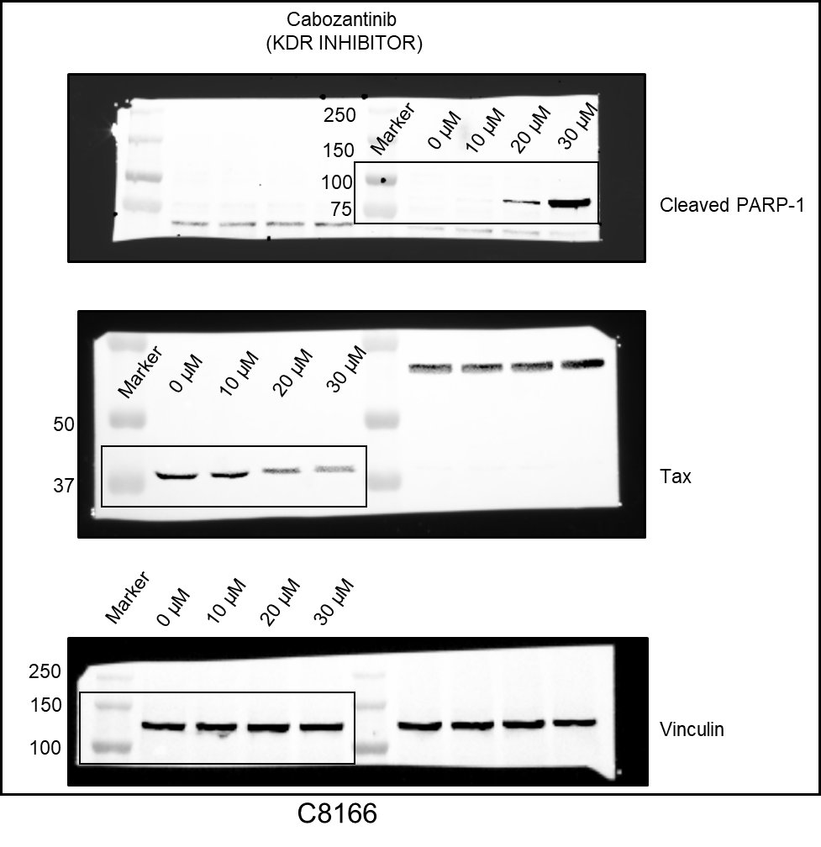

Figure 2D

Figure 2E
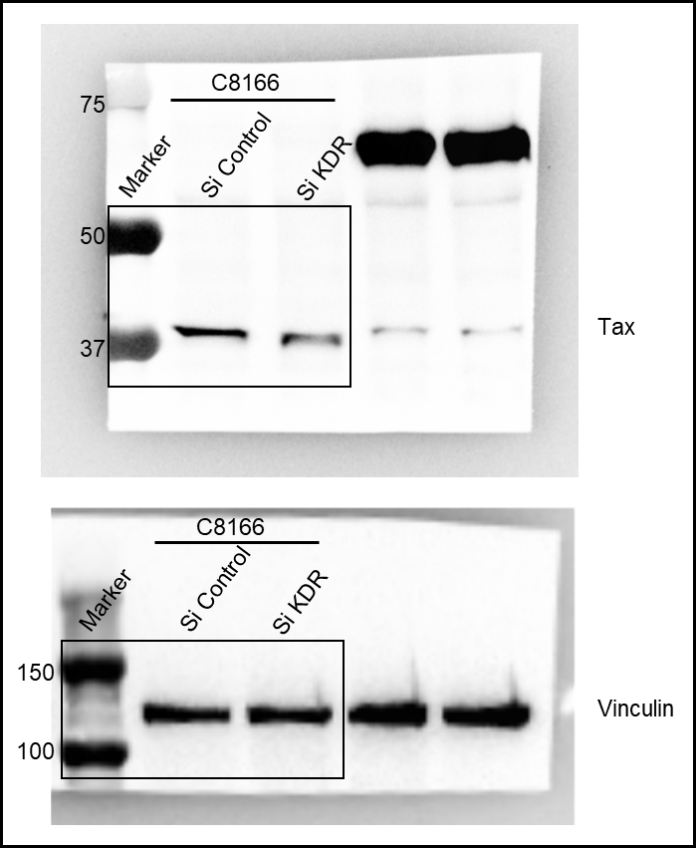

Figure 2E

Figure 2G
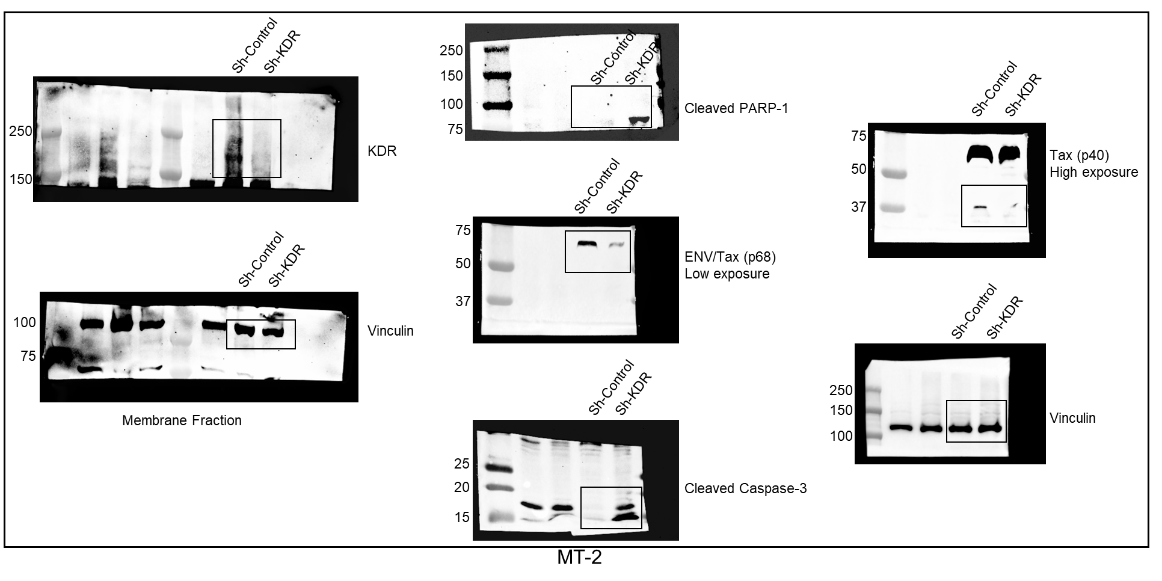

Figure 2G

Figure 2H
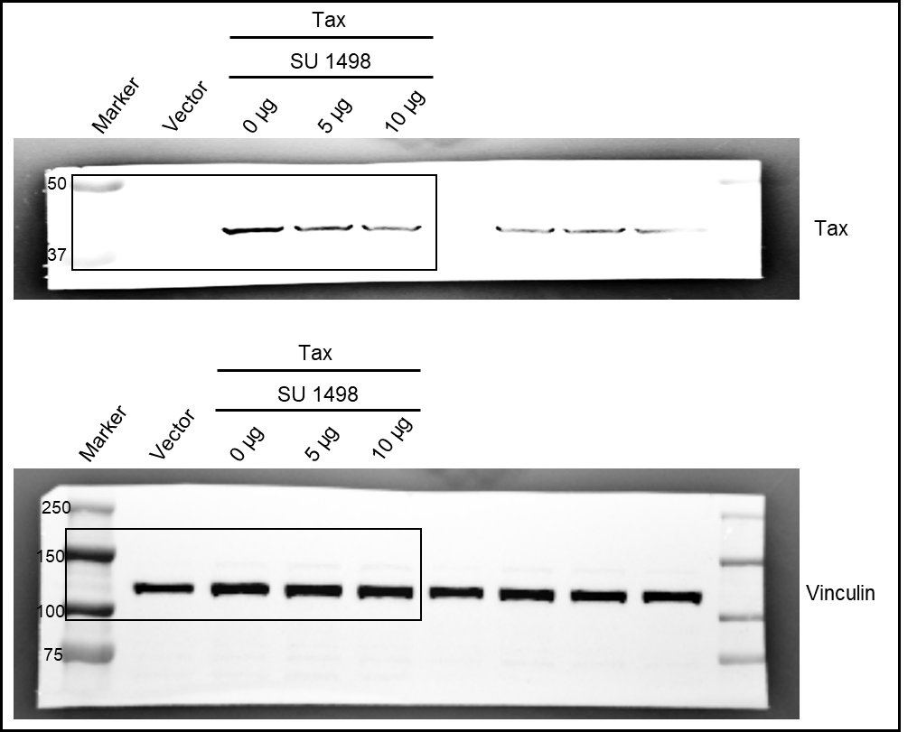

Figure 2H

Figure 2I
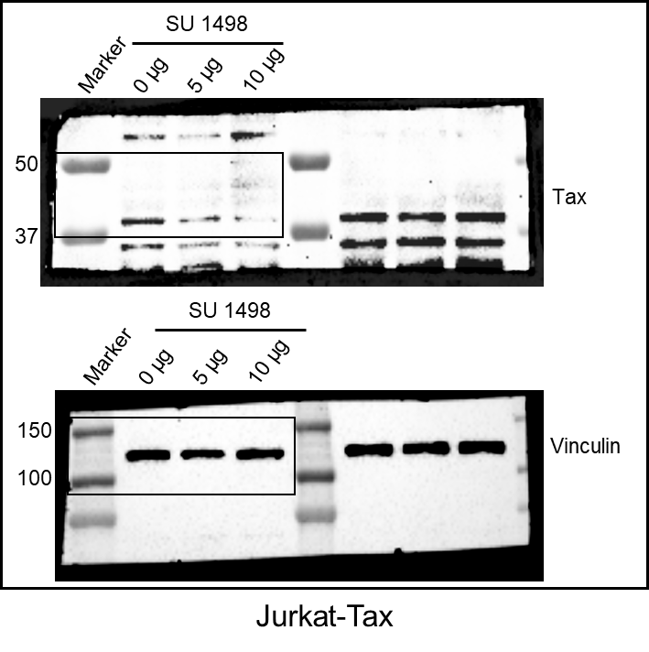

Figure 2I

Figure 3A
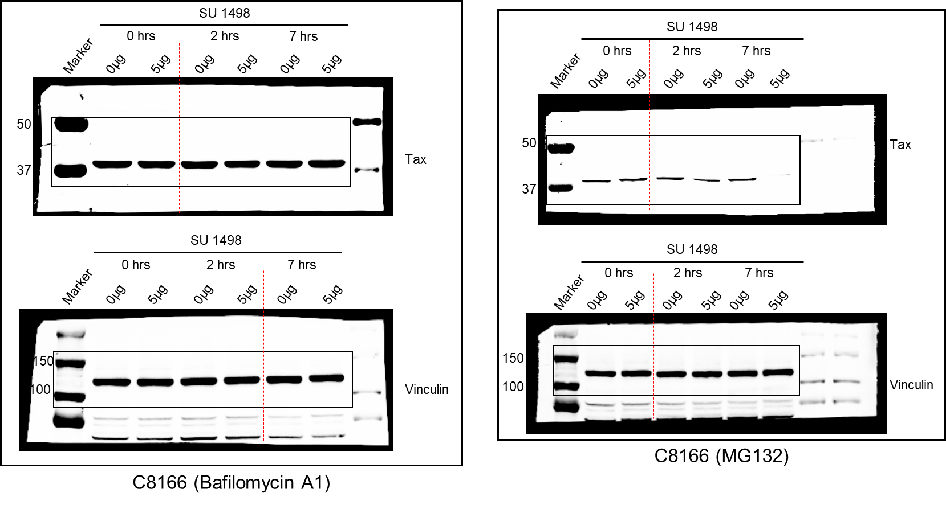

Figure 3A

Figure 3B
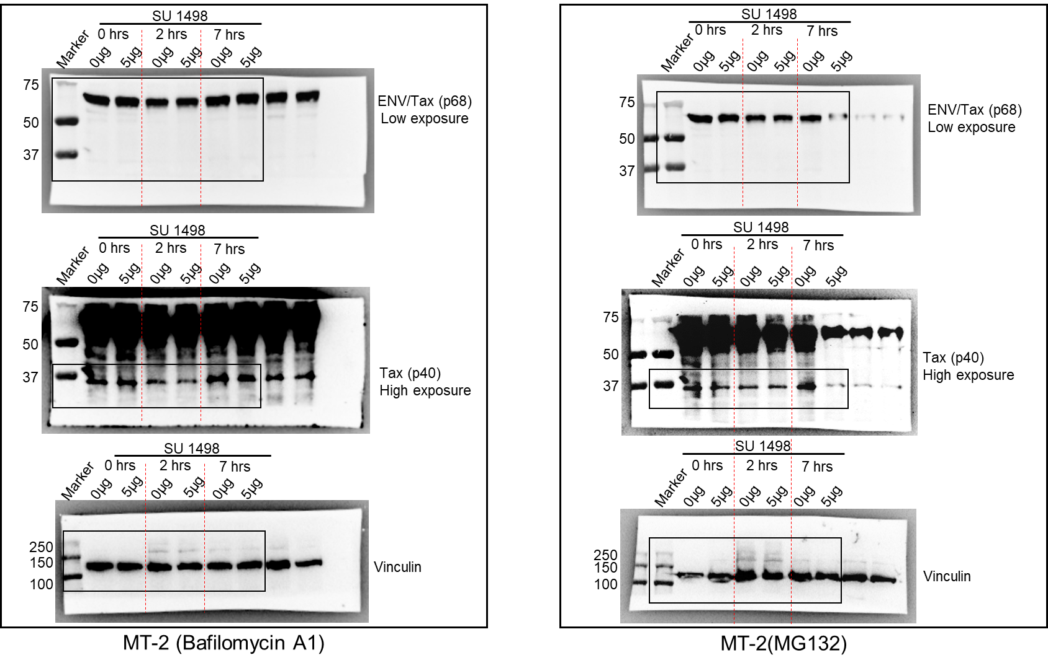

Figure 3B

Figure 4A
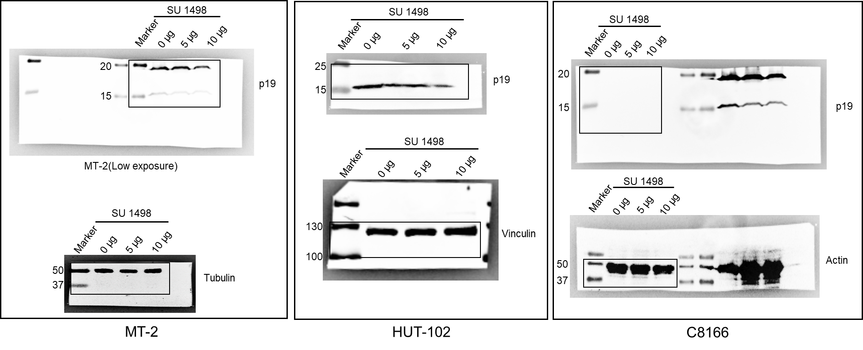

Figure 4A

Figure 4B
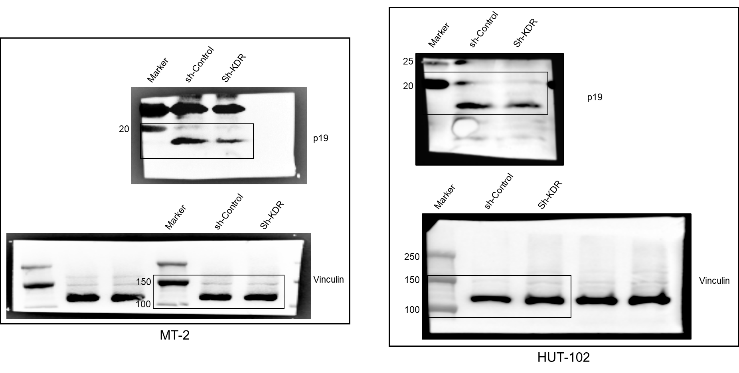

Figure 4B

Figure 5A
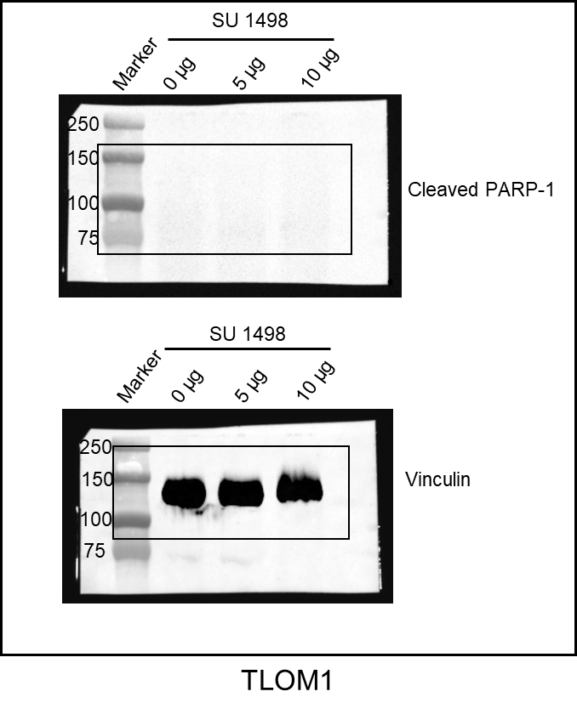

Figure 5A

Figure 5K
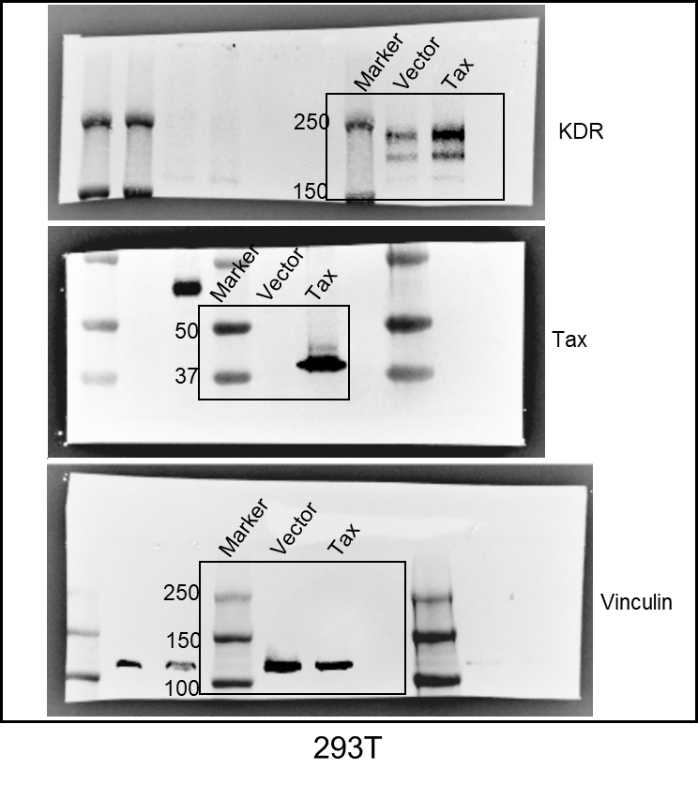

Figure 5K

Figure 6A
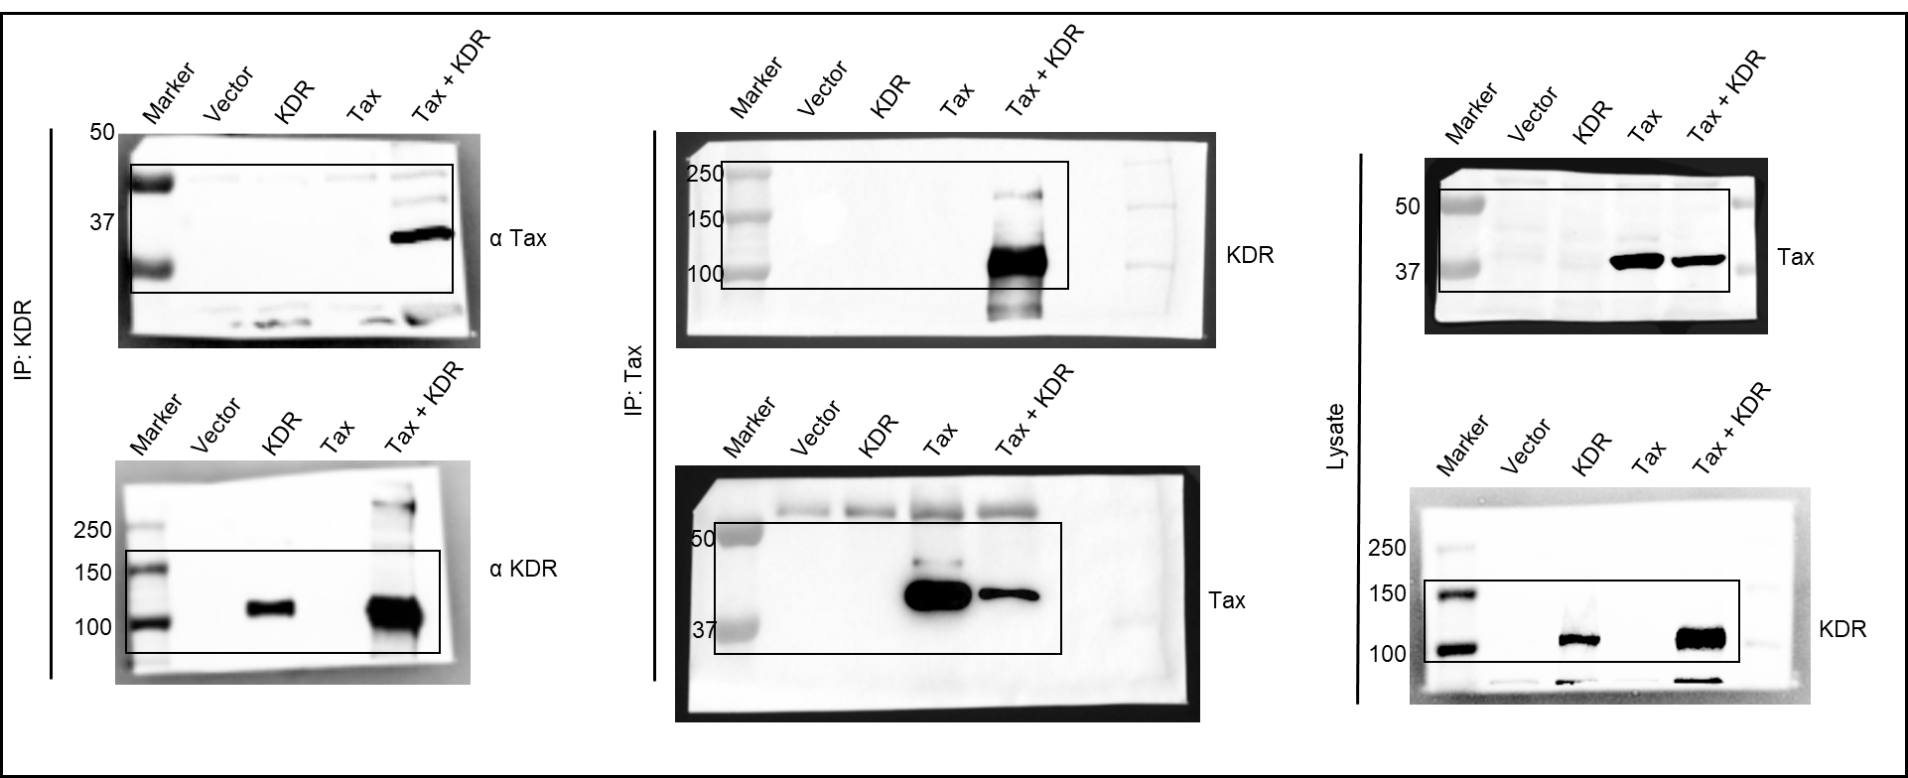

Figure 6A

Figure 6G
40
55
75
Marker
IP IgG
IP Tax
40
55
75
Lysate (10%)
Marker
Tax
Lysate (10%)
Marker
KDR
Tax
IP IgG
IP Tax
180
130
100
Marker
KDR
MT-2
180
130
100

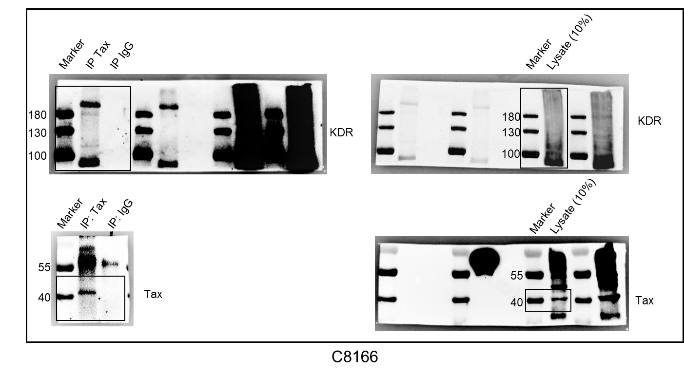

Figure 6G

Figure 6H
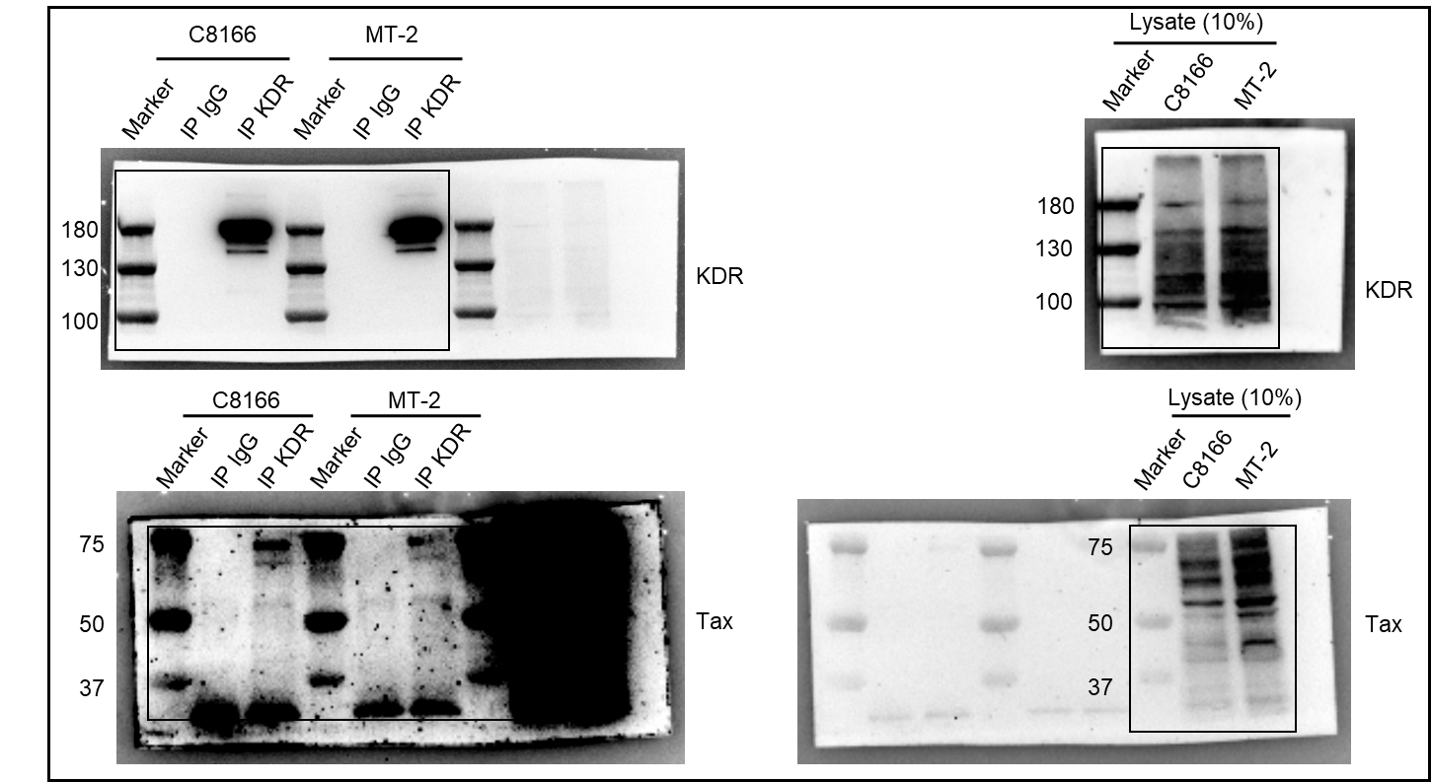

Figure 6H

Figure 7A
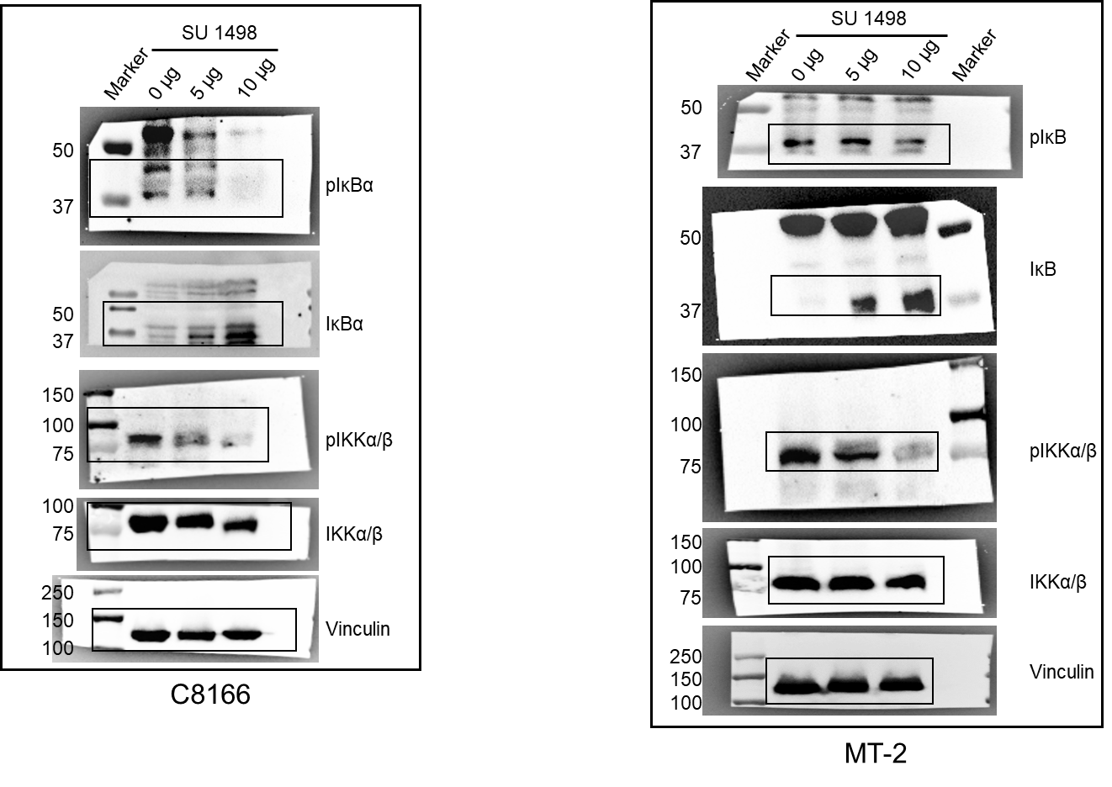

Figure 7A

Figure 7B
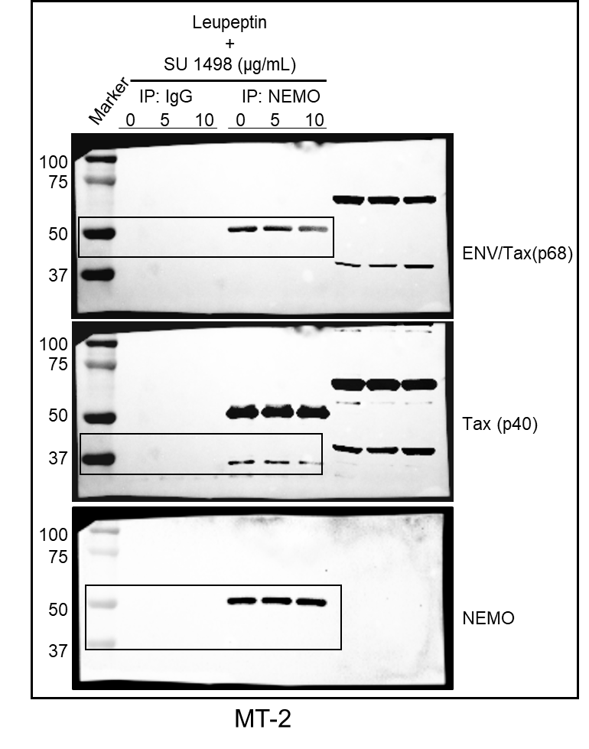

Figure 7B

Figure 7D
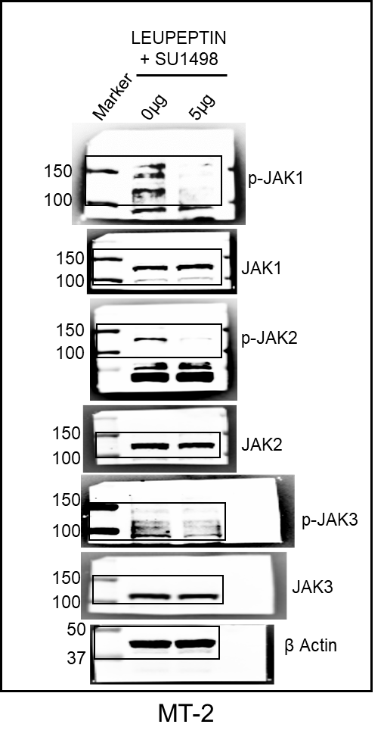

Figure 7D

Figure 7E
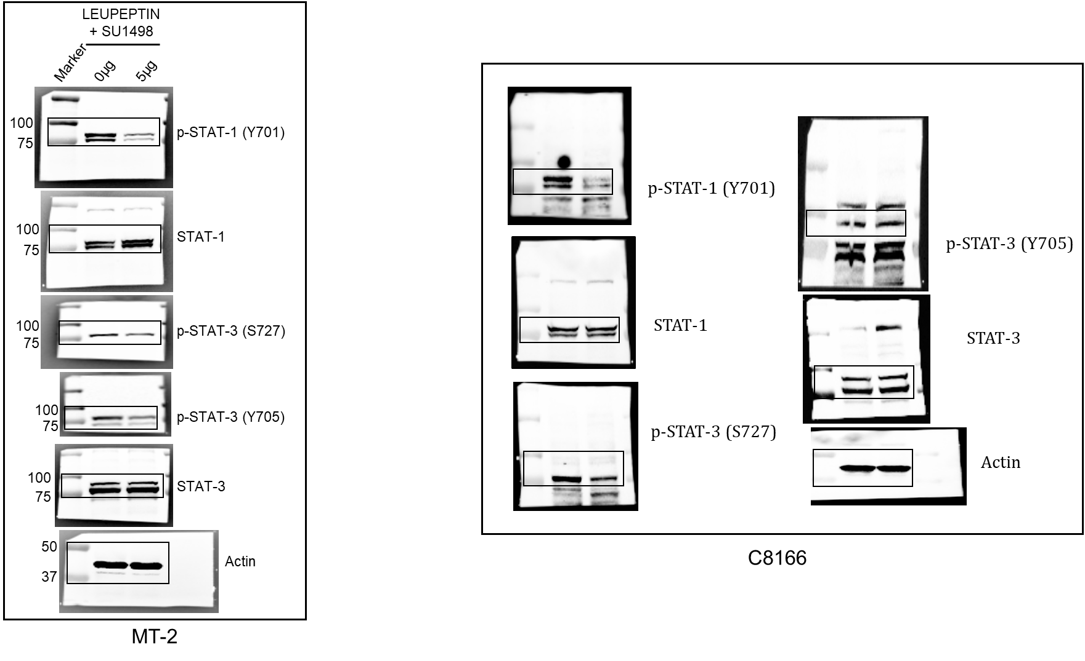

Figure 7E

Figure 8A
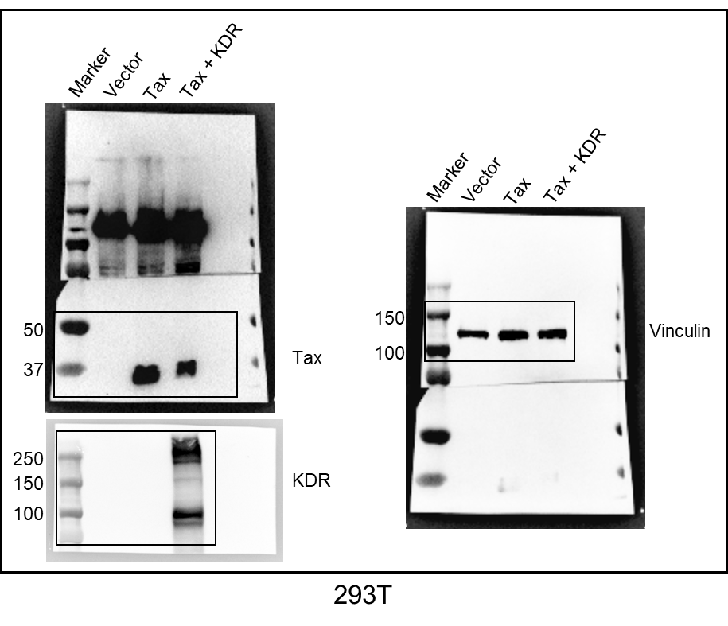

Figure 8A

Figure 8C
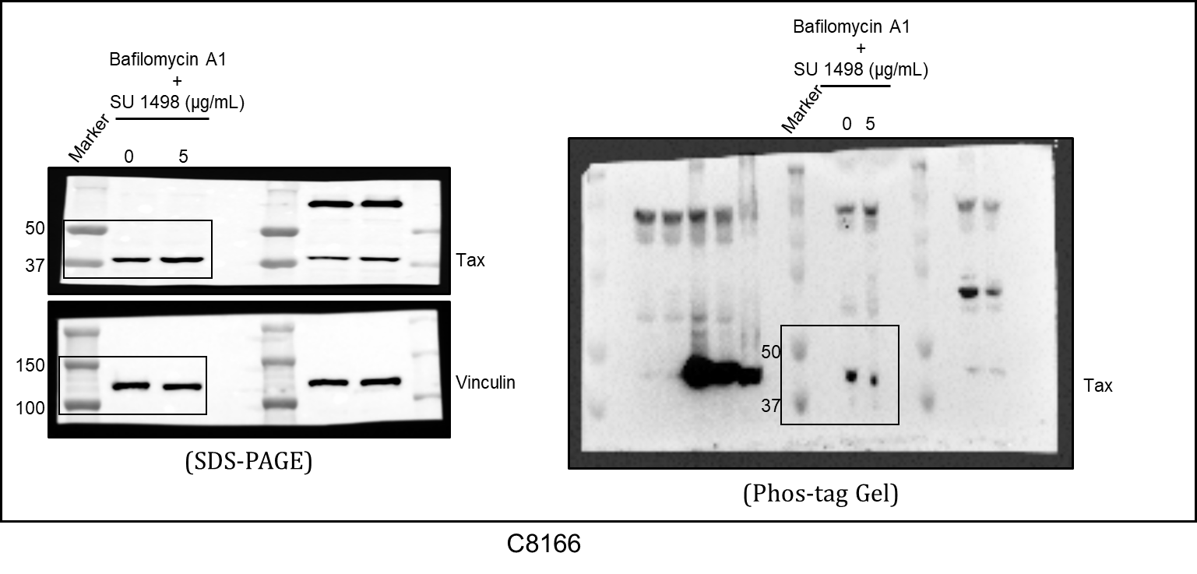

Figure 8C

Figure 8D
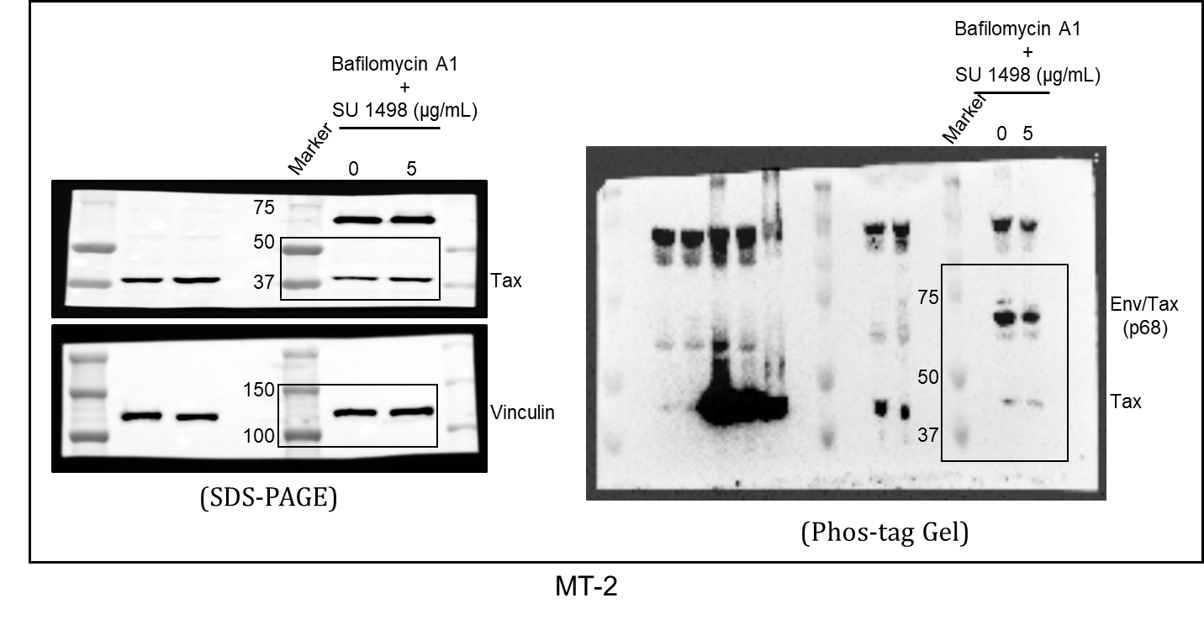

Figure 8D

Figure 8E
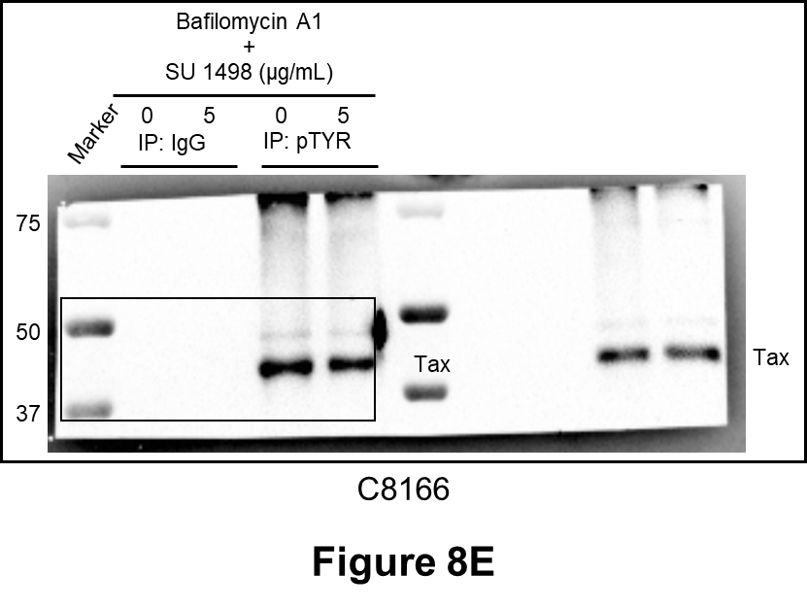

Figure 8F
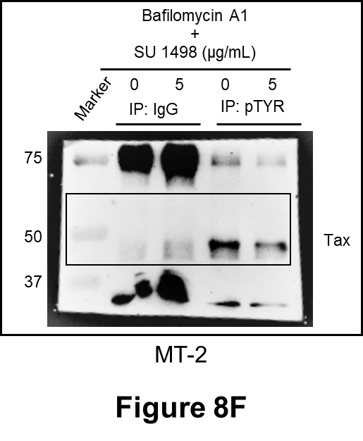

Figure 8G
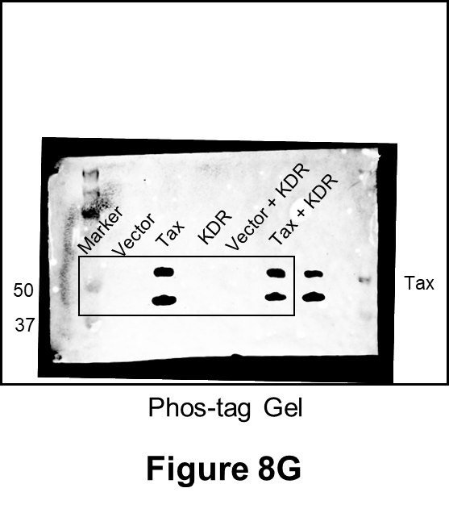

Figure 9F
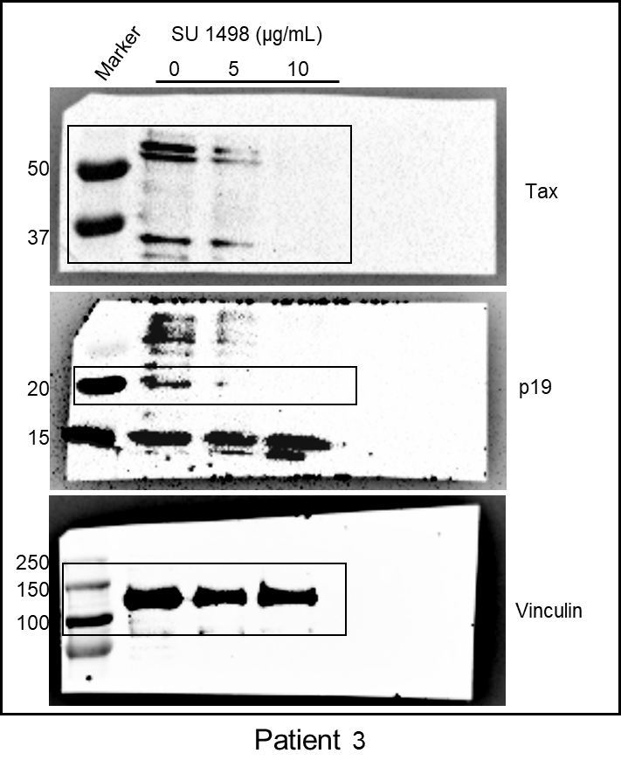

Figure 9F

Supplementary Figure 2C
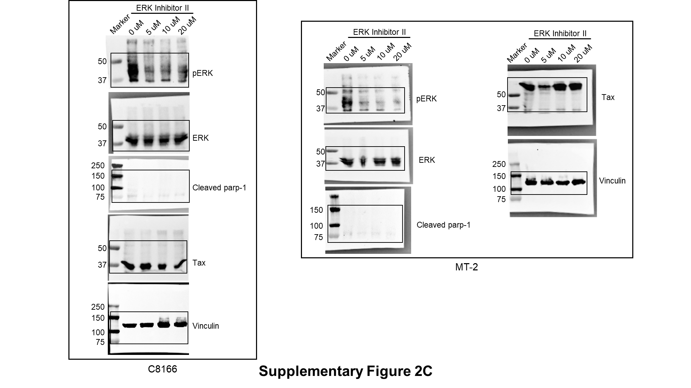

Supplementary Figure 4A
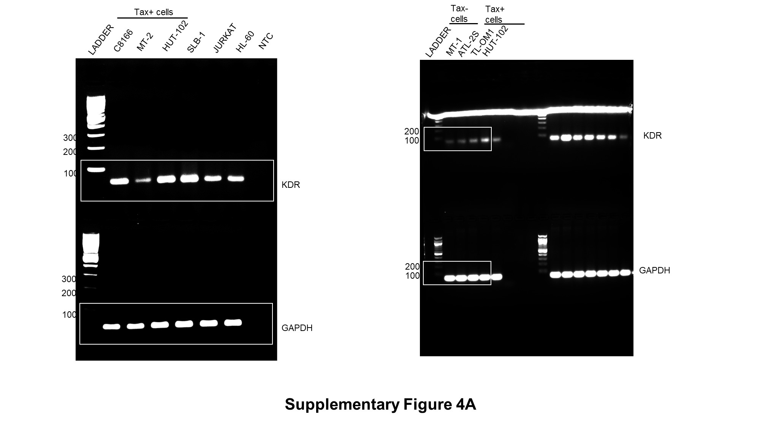

Supplementary Figure 4B
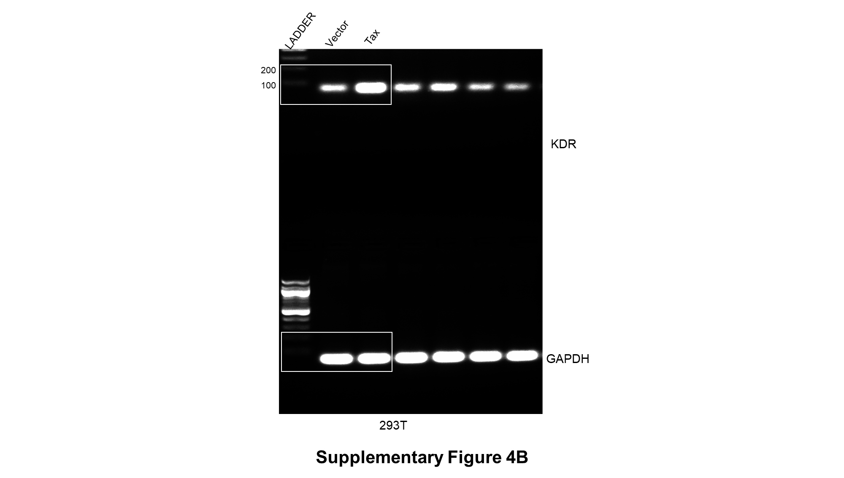

Supplementary Figure 6A
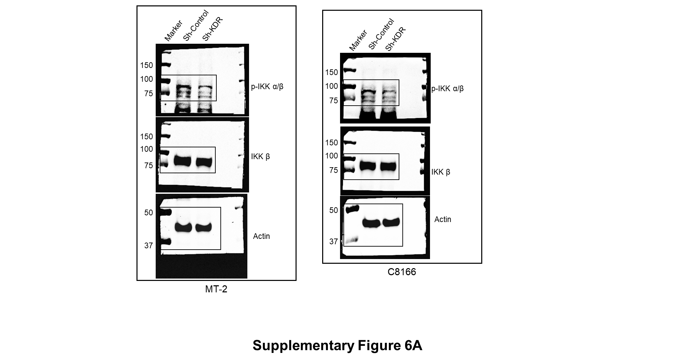

Supplementary Figure 6B
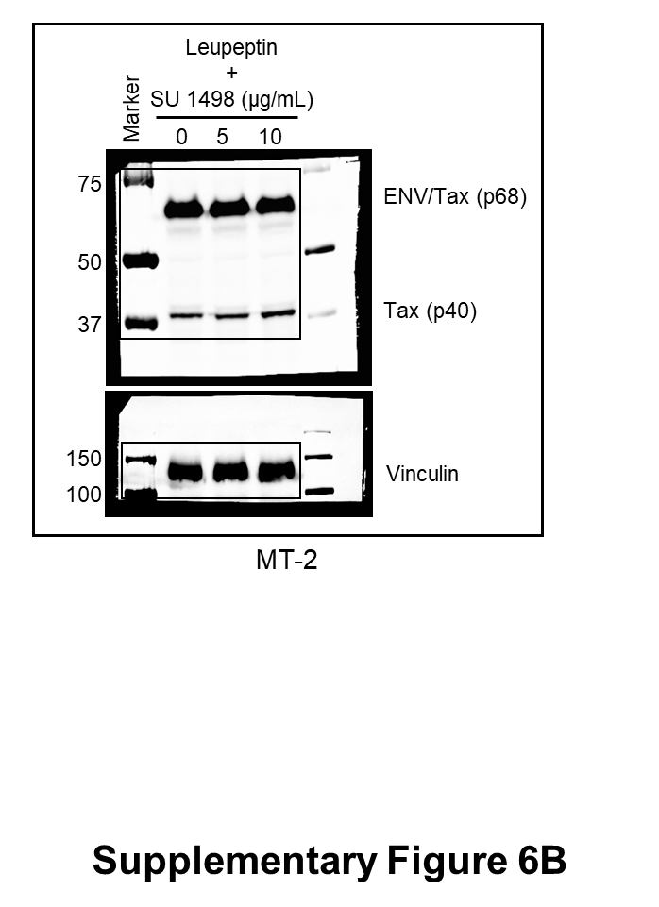

Supplementary Figure 6C
