Supplementary Fig. 14
Supplementary Fig.14b. The relative fluorescence intensity of MCF-7 cells before (labeled as "control") and after isolation by A-f-M13-MBs and re-cultured for 12 days (labeled as "Capture-release"). |  |  |  |  |  | c. Western blotting analysis of ER in MCF-7 cells before (labeled as “control”) and after isolation by A-f-M13-MBs and being re-cultured for 12 days (labeled as “Capture-release”).
p=0.951. ns indicates non-signiﬁcance (p>0.05).
 | Relative fluorescence intensity of ER protein
 | Control | Capture-release
Sample 1 | 1.3394995208 | 1.4246082975
Sample 2 | 0.78309489714 | 0.92349506772
Sample 3 | 0.87740558299 | 0.59402053571
 |  |  |  |  |  |  | Supplementary Fig.14c Western blotting analysis of ER in MCF-7 cells before (labeled as “control”) and after isolation by A-f-M13-MBs and being re-cultured for 12 days (labeled as “Capture-release”). GAPDH was used as an internal reference.

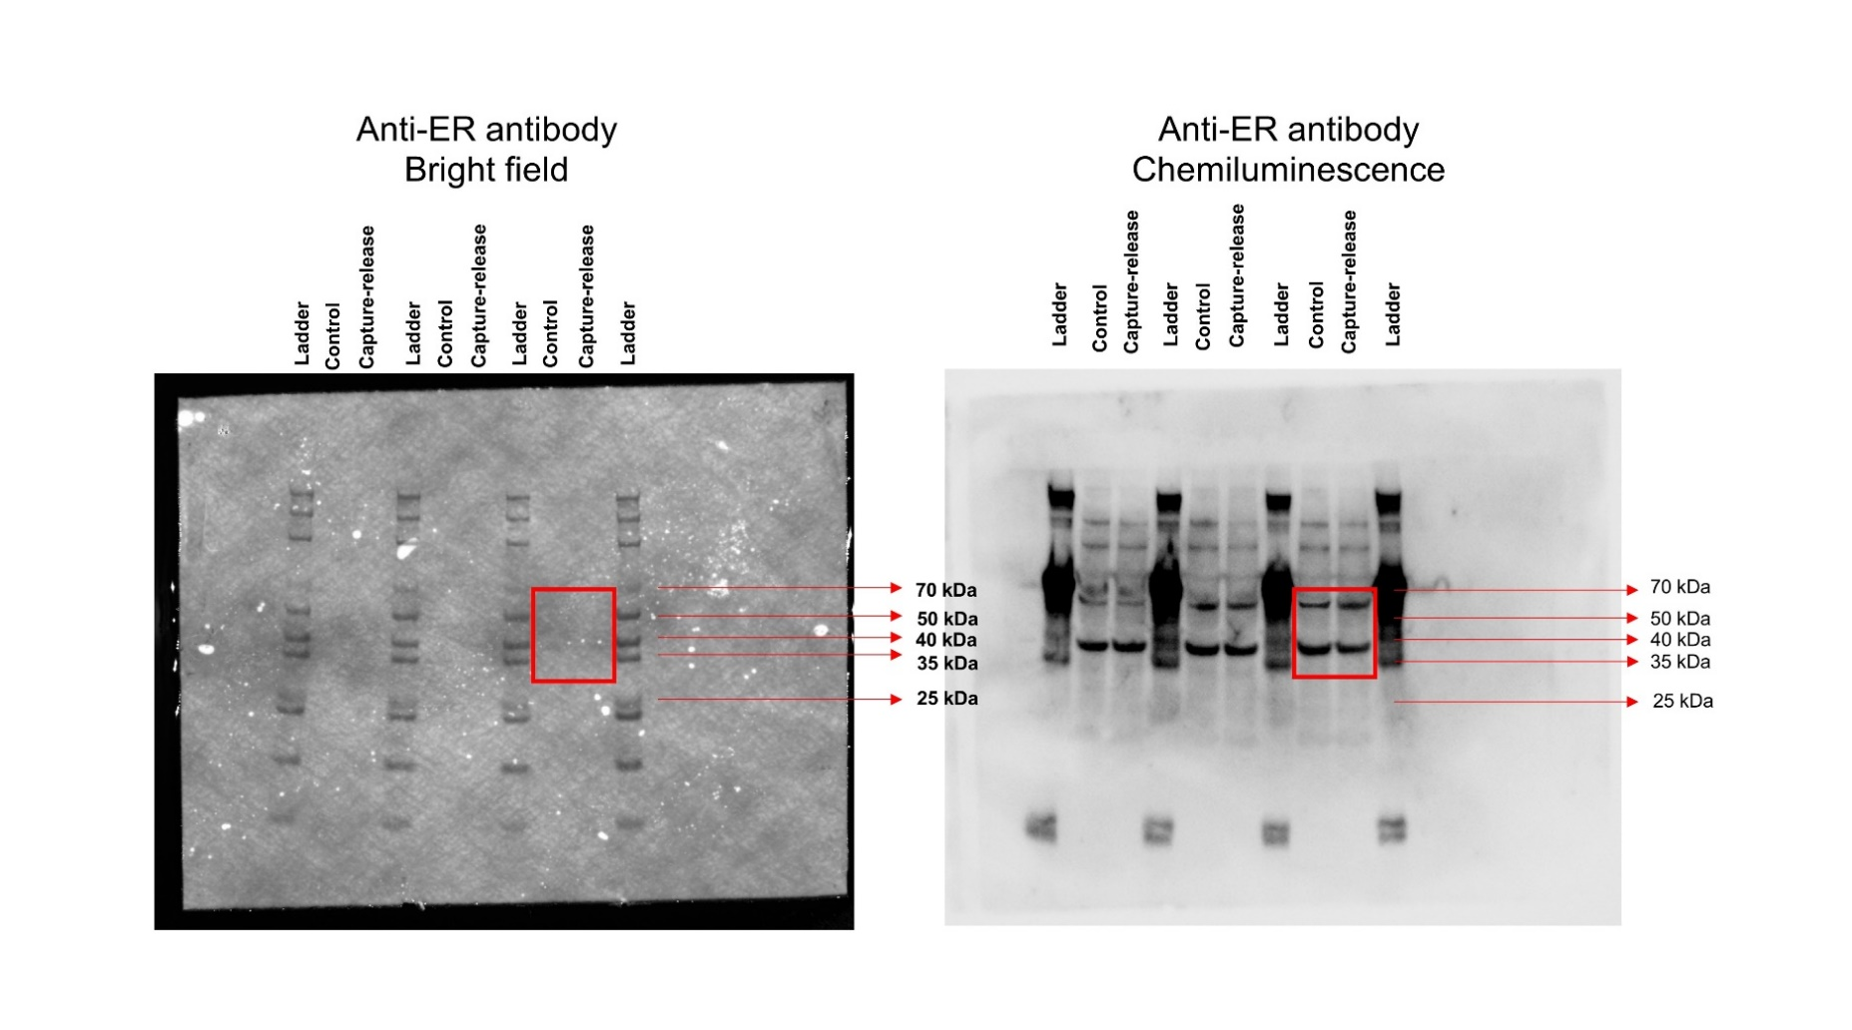
Supplementary Fig.14d. Quantitative analysis of the expression level of ER based on relative the gray level of ER band with respect to that of GAPDH in western blotting results.
p=0.860. ns indicates non-signiﬁcance (p>0.05).
 | Relative the gray level of ER protein
 | Control | Capture-release
Sample 1 | 1.0693826374 | 1.0509860194
Sample 2 | 0.79705631921 | 0.71316682075
Sample 3 | 0.40918195255 | 0.35543832005

Supplementary Fig.14f. Quantitative analysis of the mean distance of cells. |  |  | Supplementary Fig.14g. Quantitative analysis of the mean speed of cells.
p=0.222. ns indicates non-signiﬁcance (p>0.05). |  |  | p= 1.0048◊10-12. **** p<0.0001.

sample | Control | Capture-release | sample | Control | Capture-release
1 | 14.31782 | 6 | 1 | 0.21052 | 0.41827
2 | 9.43398 | 10.29563 | 2 | 0.1434 | 0.38181
3 | 17 | 5.83095 | 3 | 0.2896 | 0.53829
4 | 12.16553 | 1.41421 | 4 | 0.32833 | 0.44581
5 | 18.38478 | 6.40312 | 5 | 0.33804 | 0.2785
6 | 8 | 20.02498 | 6 | 0.34408 | 0.2441
7 | 23.34524 | 30.41381 | 7 | 0.10723 | 0.56688
8 | 27.29469 | 6 | 8 | 0.12821 | 0.64313
9 | 17.02939 | 19.41649 | 9 | 0.08204 | 0.29869
10 | 10.44031 | 9 | 10 | 0.20594 | 0.17473
11 | 11 | 6.08276 | 11 | 0.09938 | 0.25173
12 | 10.81665 | 14.86607 | 12 | 0.49229 | 0.359
13 | 13 | 13.0384 | 13 | 0.18192 | 0.27523
14 | 3 | 33.24154 | 14 | 0.04406 | 0.53963
15 | 2 | 5.38516 | 15 | 0.17577 | 0.40021
16 | 7.81025 | 3.16228 | 16 | 0.0086 | 0.35502
17 | 12.80625 | 45.61798 | 17 | 0.10021 | 0.39265
18 | 4.12311 | 9.21954 | 18 | 0.06596 | 0.34158
19 | 4 | 8.60233 | 19 | 0.26833 | 0.61719
20 | 10.77033 | 10.44031 | 20 | 0.3766 | 0.26519
21 | 15.81139 | 15.0333 | 21 | 0.19352 | 0.32823
22 | 21 | 6.32456 | 22 | 0.1274 | 0.33233
23 | 4.47214 | 3 | 23 | 0.29194 | 0.25777
24 | 2 | 11.40175 | 24 | 0.22433 | 0.3731
25 | 7.28011 | 7.28011 | 25 | 0 | 0.27742
26 | 11.31371 | 16.40122 | 26 | 0.045 | 0.34479
27 | 8.94427 | 17.20465 | 27 | 0.25388 | 0.22192
28 | 8.544 | 21.63331 | 28 | 0.2541 | 0.35706
29 | 12.52996 | 13.45362 | 29 | 0.29883 | 0.42075
30 | 34.17601 | 23.60085 | 30 | 0.27346 | 0.22988
31 | 5.65685 | 69.89278 | 31 | 0.18988 | 0.23265
32 | 5 | 5 | 32 | 0.12815 | 0.19252
33 | 32.75668 | 10 | 33 | 0.27342 | 0.16825
34 | 7.28011 | 6.32456 | 34 | 0.09165 | 0.38142
35 | 11.40175 | 20.61553 | 35 | 0.14188 | 0.40344
36 | 20.22375 | 4.12311 | 36 | 0.17492 | 0.43115
37 | 3 | 8.24621 | 37 | 0.292 | 0.25583
38 | 29.06888 | 4.24264 | 38 | 0.35577 | 0.29069
39 | 6.08276 | 8.544 | 39 | 0.36333 | 0.21163
40 | 11.7047 | 21.0238 | 40 | 0.33996 | 0.39998
41 | 21.93171 | 4.12311 | 41 | 0.14917 | 0.55342
42 | 16.97056 | 2 | 42 | 0.13894 | 0.29479
43 | 6.32456 | 7.28011 | 43 | 0.29058 | 0.42619
44 | 11.6619 | 9.43398 | 44 | 0.03548 | 0.29663
45 | 2 | 10.77033 | 45 | 0.26158 | 0.46029
46 | 5 | 4.12311 | 46 | 0.16015 | 0.28473
47 | 31.01612 | 7.07107 | 47 | 0.15613 | 0.41752
48 | 5 | 17 | 48 | 0.22419 | 0.39177
49 | 48.70318 | 10.04988 | 49 | 0.31 | 0.23317
50 | 20.39608 | 10.77033 | 50 | 0.18271 | 0.19654
51 | 10.63015 | 3.16228 | 51 | 0.22873 | 0.1919
52 | 7.07107 | 4.24264 | 52 | 0.26073 | 0.37506
53 | 2 | 7.2111 | 53 | 0.06692 | 0.28067
54 | 2 | 3.60555 | 54 | 0.34002 | 0.20465
55 | 9.21954 | 8 | 55 | 0.16504 | 0.22375
56 | 8.94427 | 4.47214 | 56 | 0.67048 | 0.1951
57 | 30.26549 | 8.06226 | 57 | 0.36444 | 0.3484
58 | 34.17601 | 10.44031 | 58 | 0.14179 | 0.24648
59 | 33.6006 | 7.2111 | 59 | 0.17263 | 0.32223
60 | 10 | 3.60555 | 60 | 0.05979 | 0.3176
61 | 5 | 2 | 61 | 0.14296 | 0.26735
62 | 4 | 19.23538 | 62 | 0.10231 | 0.27677
63 | 21.40093 | 28.63564 | 63 | 0.25079 | 0.20515
64 | 4.12311 | 10.29563 | 64 | 0.29952 | 0.35948
65 | 8.06226 | 8.24621 | 65 | 0.0451 | 0.53965
66 | 17.46425 | 8.06226 | 66 | 0.13963 | 0.19667
67 | 3.60555 | 1.41421 | 67 | 0.01825 | 0.34892
68 | 12.64911 | 3.16228 | 68 | 0.06483 | 0.23552
69 | 18.78829 | 5.09902 | 69 | 0.07663 | 0.15756
70 | 20.22375 | 1.41421 | 70 | 0.06063 | 0.27448
71 | 8.544 | 5.09902 | 71 | 0.01217 | 0.42406
72 | 7 | 16.64332 | 72 | 0.06329 | 0.26277
73 | 79.39773 | 16.12452 | 73 | 0.08769 | 0.60702
74 | 5.38516 | 2.23607 | 74 | 0.11583 | 0.22163
75 | 5 | 1 | 75 | 0.42221 | 0.50006
76 | 8.06226 | 11.40175 | 76 | 0.23342 | 0.26281
77 | 11.6619 | 7.07107 | 77 | 0.33627 | 0.19694
78 | 6 | 2 | 78 | 0 | 0.55613
79 | 13.41641 | 26.92582 | 79 | 0.227 | 0.4631
80 | 26.07681 | 6.32456 | 80 | 0.36658 | 0.31781
81 | 7.2111 | 31.06445 | 81 | 0.16806 | 0.23921
82 | 20.61553 | 14.21267 | 82 | 0.13888 | 0.22131
83 | 17.26268 | 25 | 83 | 0.45608 | 0.17769
84 | 5.65685 | 18 | 84 | 0.60183 | 0.38231
85 | 4.47214 | 14.76482 | 85 | 0.37431 | 0.23844
86 | 9.21954 | 11.18034 | 86 | 0.19971 | 0.29373
87 | 29.20616 | 2 | 87 | 0.30288 | 0.34025
88 | 2 | 20.12461 | 88 | 0.25846 | 0.38627
89 | 7.81025 | 17.69181 | 89 | 0.14619 | 0.30427
90 | 29.27456 | 18.24829 | 90 | 0.25256 | 0.18892
91 | 14.14214 | 1.41421 | 91 | 0.14435 | 0.25806
92 | 13.60147 | 12.52996 | 92 | 0.19171 | 0.18646
93 | 4.24264 | 5 | 93 | 0.0774 | 0.28563
94 | 8 | 12.04159 | 94 | 0.03902 | 0.16004
95 | 19.64688 | 12.64911 | 95 | 0.07054 | 0.10342
96 | 3 | 3.16228 | 96 | 0.60158 | 0.31254
97 | 6.7082 | 4.12311 | 97 | 0.34371 | 0.17221
98 | 7.81025 | 13.41641 | 98 | 0.2439 | 0.3366
99 | 6.40312 |  | 99 | 0.44204 | 0.22663
100 | 1.41421 |  | 100 | 0.0365 | 0.29469
101 | 8.06226 |  | 101 | 0.11908
102 | 5 |  | 102 | 0.51088
103 | 14.42221 |  | 103 | 0.56665
104 | 4.24264 |  | 104 | 0.13215
105 | 8.06226 |  | 105 | 0.259
106 | 28 |  | 106 | 0.2116
107 | 16.15549 |  | 107 | 0.19
108 | 5 |  | 108 | 0.11708
109 | 5.83095 |  | 109 | 0.12535
110 | 5.83095 |  | 110 | 0
111 | 6.32456 |  | 111 | 0.27708
112 | 38.07887 |  | 112 | 0.01217
113 | 11.31371 |  | 113 | 0.11246
114 | 3.16228 |  | 114 | 0.11454
115 | 30.46309 |  | 115 | 0.01217
116 | 4.24264 |  | 116 | 0.15208
117 | 3 |  | 117 | 0.05979
118 | 1 |  | 118 | 0.02938
119 | 3 |  | 119 | 0.02938
120 | 41.76123 |  | 120 | 0.01217
121 | 10.63015 |  | 121 | 0.0365
122 | 5 |  | 122 | 0.04763
123 | 5 |  | 123 | 0
124 | 54.3783 |  | 124 | 0.06692
125 | 8.544 |  | 125 | 0.05844
126 | 12.52996 |  | 126 | 0.19721
127 | 11.31371 |  | 127 | 0.06371
128 | 11 |  | 128 | 0.14896
129 | 6 |  | 129 | 0.11885
130 | 9.21954 |  | 130 | 0.17538
131 | 16.12452 |  | 131 | 0.27133
132 | 13.60147 |  | 132 | 0.11094
133 | 13.45362 |  | 133 | 0.30229
134 | 37.57659 |  | 134 | 0.09021
 |  |  | 135 | 0.10629
 |  |  | 136 | 0.09021
 |  |  | 137 | 0.29208
 |  |  | 138 | 0.40333

