Fig. 7D
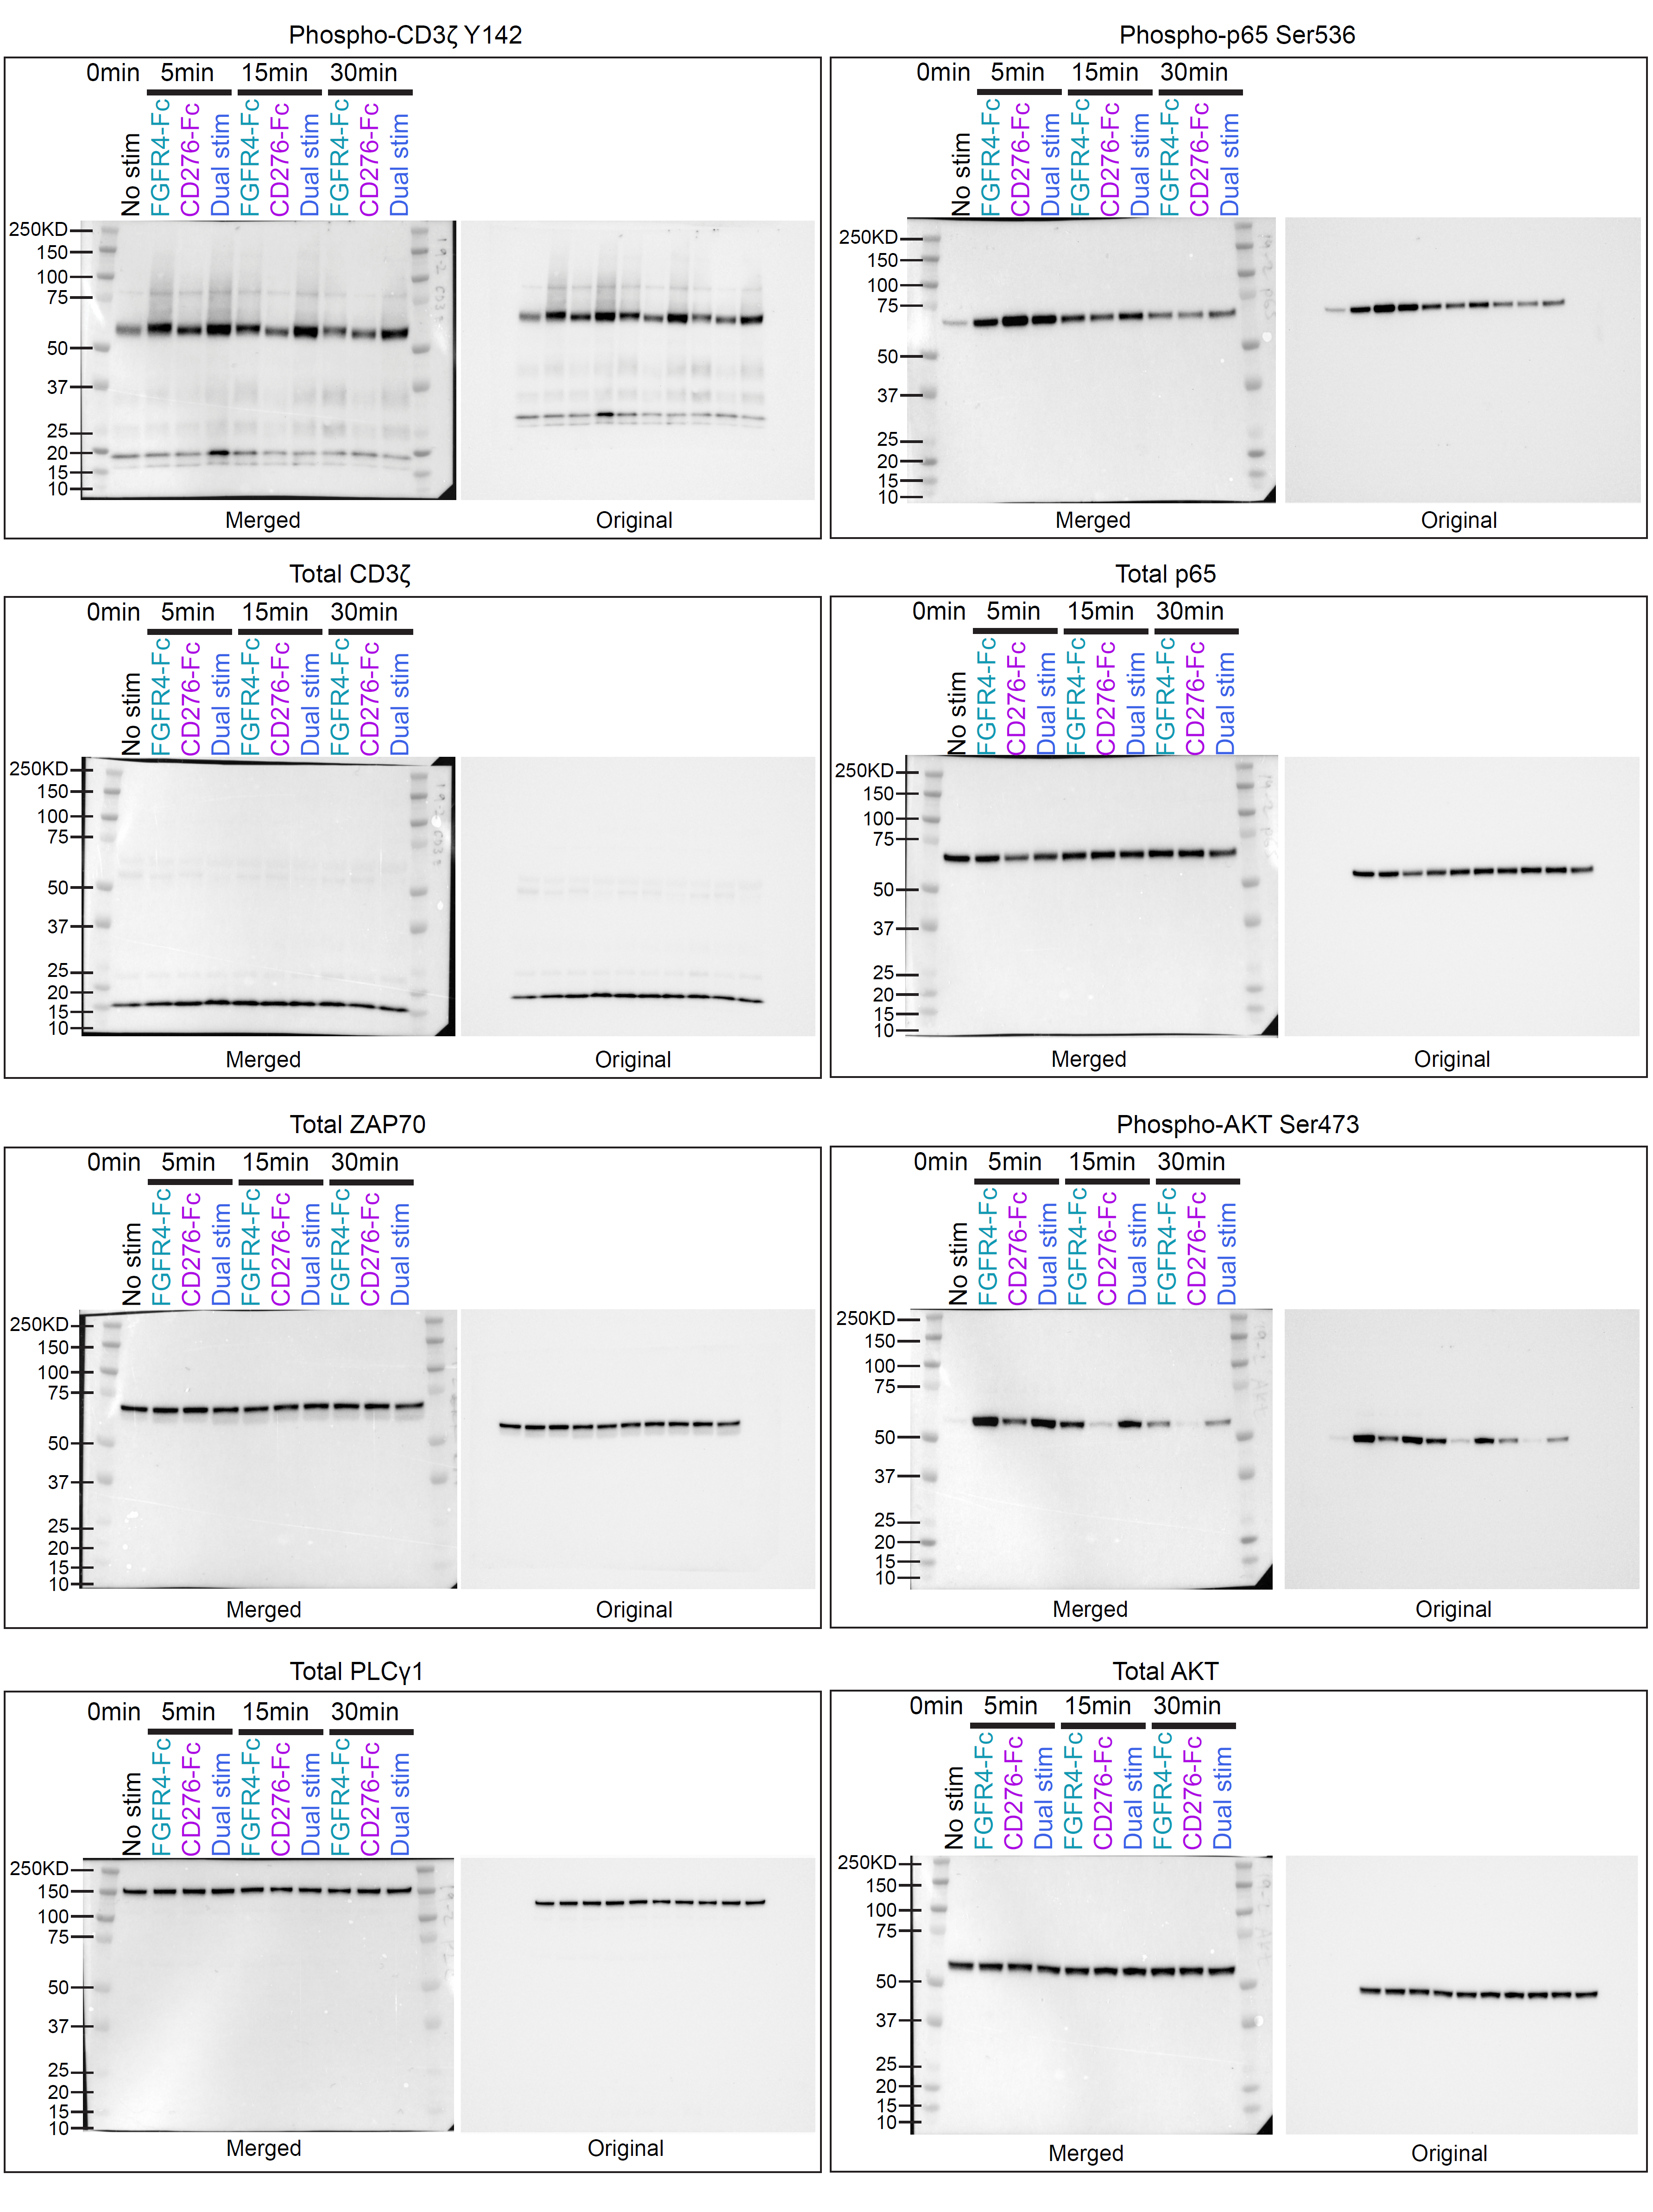
Fig. 7D
 | Blot image obtained using BioRad ChemiDoc MP 2.3.0.07.
 | Merged image with ladder to show size of band.
 | Image used in figure with brightness and contrast at default setting for Biorad chemidoc….

