Supplementary Figure 2
Supplementary Figure 2a-d
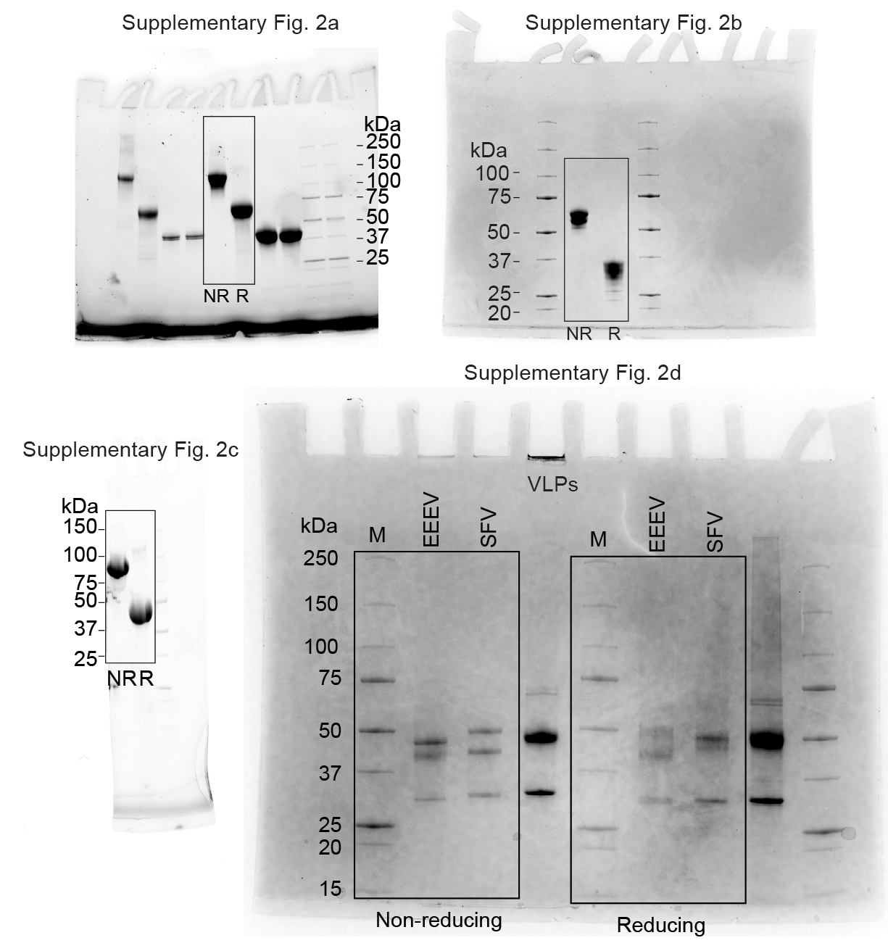

 |  |  |  |  |  |  |  |  |  |  |  |  |  |  |  |  |  |  |  |  |  | Supplementary Figure 2f
Supplementary Figure 2e |  |  |  |  |  |  |  |  | EEEV VLP : MXRA8ect-Fc |  |  |  |  |  |  |  |  |  |  |  |  | concentration μM | Response (nm)
EEEV VLP : VLDLRLBD-Fc | Response (nm) |  |  |  |  |  |  |  |  | Response (nm) |  |  |  |  |  |  |  |  |  |  |  | 10 | 0.843
 | Fitted data |  |  |  | Raw data |  |  |  |  | Fitted data |  |  |  |  |  | Raw data |  |  |  |  |  | 5 | 0.520
 | 6.25 nM | 3.13 nM | 1.06 nM | 0.53 nM | 6.25 nM | 3.13 nM | 1.06 nM | 0.53 nM | Time1 | 10 uM | 5 uM | 2.5 uM | 1.25 uM | 0.625 uM | 0.3125 uM | 10 uM | 5 uM | 2.5 uM | 1.25 uM | 0.625 uM | 0.3125 uM | 2.5 | 0.283
Time (s) | 0.000 | 0.000 | 0.000 | 0.000 | -0.001 | 0.000 | -0.002 | 0.000 | 0.000 | 0.000 | 0.000 | 0.000 | 0.000 | 0.000 | 0.000 | -0.037 | -0.016 | -0.010 | 0.016 | -0.002 | -0.008 | 1.25 | 0.174
0.000 | 0.001 | 0.001 | 0.000 | 0.000 | 0.000 | 0.001 | -0.002 | 0.001 | 0.200 | 0.000 | 0.000 | 0.000 | 0.000 | 0.000 | 0.000 | -0.051 | -0.028 | -0.016 | -0.004 | -0.019 | -0.015 | 0.625 | 0.094
0.200 | 0.002 | 0.001 | 0.000 | 0.000 | 0.001 | 0.002 | -0.002 | 0.001 | 0.400 | 0.000 | 0.000 | 0.000 | 0.000 | 0.000 | 0.000 | -0.056 | -0.031 | -0.016 | 0.002 | -0.018 | -0.017 | 0.3125 | 0.061
0.400 | 0.003 | 0.002 | 0.001 | 0.000 | 0.003 | 0.003 | -0.001 | 0.003 | 0.600 | 0.000 | 0.000 | 0.000 | 0.000 | 0.000 | 0.000 | -0.053 | -0.037 | -0.016 | -0.004 | -0.009 | -0.009
0.600 | 0.004 | 0.002 | 0.001 | 0.001 | 0.004 | 0.003 | 0.000 | 0.003 | 0.800 | 0.000 | 0.000 | 0.000 | 0.000 | 0.000 | 0.000 | -0.055 | -0.029 | -0.015 | -0.007 | -0.019 | -0.018
0.800 | 0.006 | 0.003 | 0.001 | 0.001 | 0.006 | 0.004 | 0.002 | 0.004 | 1.000 | 0.000 | 0.000 | 0.000 | 0.000 | 0.000 | 0.000 | -0.056 | -0.035 | -0.018 | -0.007 | -0.014 | -0.013
1.000 | 0.007 | 0.003 | 0.001 | 0.001 | 0.007 | 0.005 | 0.002 | 0.004 | 1.200 | 0.000 | 0.000 | 0.000 | 0.000 | 0.000 | 0.000 | -0.054 | -0.031 | -0.018 | -0.008 | -0.013 | -0.013
1.200 | 0.008 | 0.004 | 0.002 | 0.001 | 0.009 | 0.006 | 0.002 | 0.004 | 1.400 | 0.000 | 0.000 | 0.000 | 0.000 | 0.000 | 0.000 | -0.059 | -0.023 | -0.019 | -0.015 | -0.014 | -0.020
1.400 | 0.009 | 0.004 | 0.002 | 0.001 | 0.011 | 0.008 | 0.003 | 0.004 | 1.600 | 0.000 | 0.000 | 0.000 | 0.000 | 0.000 | 0.000 | -0.060 | -0.033 | -0.022 | -0.012 | -0.013 | -0.012
1.600 | 0.010 | 0.005 | 0.002 | 0.001 | 0.014 | 0.009 | 0.004 | 0.004 | 1.800 | 0.000 | 0.000 | 0.000 | 0.000 | 0.000 | 0.000 | -0.064 | -0.026 | -0.016 | -0.015 | -0.016 | -0.001
1.800 | 0.011 | 0.006 | 0.002 | 0.002 | 0.016 | 0.010 | 0.005 | 0.004 | 2.000 | 0.000 | 0.001 | 0.000 | 0.000 | 0.000 | 0.000 | -0.046 | -0.028 | -0.021 | -0.023 | -0.009 | -0.007
2.000 | 0.012 | 0.006 | 0.003 | 0.002 | 0.018 | 0.012 | 0.006 | 0.004 | 2.200 | 0.001 | 0.001 | 0.000 | 0.000 | 0.000 | 0.000 | -0.058 | -0.024 | -0.015 | -0.015 | -0.011 | -0.009
2.200 | 0.013 | 0.007 | 0.003 | 0.002 | 0.019 | 0.012 | 0.007 | 0.004 | 2.400 | 0.001 | 0.001 | 0.000 | 0.000 | 0.001 | 0.000 | -0.058 | -0.032 | -0.018 | -0.012 | -0.014 | -0.007
2.400 | 0.015 | 0.007 | 0.003 | 0.002 | 0.021 | 0.014 | 0.008 | 0.004 | 2.600 | 0.001 | 0.001 | 0.000 | 0.000 | 0.001 | 0.000 | -0.062 | -0.029 | -0.013 | -0.018 | -0.015 | -0.001
2.600 | 0.016 | 0.008 | 0.003 | 0.002 | 0.022 | 0.015 | 0.008 | 0.006 | 2.800 | 0.001 | 0.001 | 0.001 | 0.000 | 0.001 | 0.001 | -0.056 | -0.025 | -0.016 | -0.018 | -0.015 | -0.005
2.800 | 0.017 | 0.008 | 0.004 | 0.002 | 0.023 | 0.015 | 0.008 | 0.007 | 3.000 | 0.001 | 0.001 | 0.001 | 0.001 | 0.001 | 0.001 | -0.052 | -0.028 | -0.015 | -0.017 | -0.016 | -0.014
3.000 | 0.018 | 0.009 | 0.004 | 0.002 | 0.024 | 0.016 | 0.008 | 0.006 | 3.200 | 0.001 | 0.001 | 0.001 | 0.001 | 0.001 | 0.001 | -0.052 | -0.023 | -0.015 | -0.023 | -0.016 | -0.007
3.200 | 0.019 | 0.009 | 0.004 | 0.003 | 0.025 | 0.015 | 0.006 | 0.006 | 3.400 | 0.001 | 0.001 | 0.001 | 0.001 | 0.001 | 0.001 | -0.061 | -0.031 | -0.020 | -0.014 | -0.002 | -0.011
3.400 | 0.020 | 0.010 | 0.004 | 0.003 | 0.025 | 0.015 | 0.006 | 0.006 | 3.600 | 0.001 | 0.001 | 0.001 | 0.001 | 0.001 | 0.001 | -0.054 | -0.029 | -0.016 | -0.008 | -0.013 | -0.008
3.600 | 0.021 | 0.011 | 0.005 | 0.003 | 0.026 | 0.015 | 0.006 | 0.006 | 3.800 | 0.001 | 0.001 | 0.001 | 0.001 | 0.001 | 0.001 | -0.054 | -0.027 | -0.017 | -0.016 | -0.006 | -0.011
3.800 | 0.022 | 0.011 | 0.005 | 0.003 | 0.027 | 0.016 | 0.006 | 0.006 | 4.000 | 0.001 | 0.001 | 0.001 | 0.001 | 0.001 | 0.001 | -0.052 | -0.031 | -0.018 | -0.006 | -0.013 | -0.006
4.000 | 0.024 | 0.012 | 0.005 | 0.003 | 0.028 | 0.017 | 0.007 | 0.006 | 4.200 | 0.001 | 0.001 | 0.001 | 0.001 | 0.001 | 0.001 | -0.057 | -0.035 | -0.021 | -0.017 | -0.014 | -0.006
4.200 | 0.025 | 0.012 | 0.005 | 0.003 | 0.029 | 0.017 | 0.007 | 0.006 | 4.400 | 0.001 | 0.001 | 0.001 | 0.001 | 0.001 | 0.001 | -0.054 | -0.026 | -0.014 | -0.018 | -0.010 | -0.013
4.400 | 0.026 | 0.013 | 0.006 | 0.003 | 0.029 | 0.017 | 0.007 | 0.006 | 4.600 | 0.001 | 0.001 | 0.001 | 0.001 | 0.001 | 0.001 | -0.050 | -0.032 | -0.020 | -0.002 | -0.009 | -0.006
4.600 | 0.027 | 0.013 | 0.006 | 0.004 | 0.030 | 0.018 | 0.007 | 0.006 | 4.800 | 0.001 | 0.001 | 0.001 | 0.001 | 0.001 | 0.001 | -0.056 | -0.029 | -0.016 | -0.011 | -0.006 | -0.023
4.800 | 0.028 | 0.014 | 0.006 | 0.004 | 0.032 | 0.019 | 0.008 | 0.007 | 5.000 | 0.001 | 0.001 | 0.001 | 0.001 | 0.001 | 0.001 | -0.060 | -0.027 | -0.015 | -0.019 | -0.011 | -0.019
5.000 | 0.029 | 0.014 | 0.006 | 0.004 | 0.033 | 0.019 | 0.008 | 0.006 | 5.200 | 0.001 | 0.001 | 0.001 | 0.001 | 0.001 | 0.001 | -0.060 | -0.029 | -0.015 | -0.007 | -0.013 | -0.010
5.200 | 0.030 | 0.015 | 0.007 | 0.004 | 0.036 | 0.020 | 0.009 | 0.006 | 5.400 | 0.001 | 0.001 | 0.001 | 0.001 | 0.001 | 0.001 | -0.058 | -0.027 | -0.023 | -0.019 | -0.009 | -0.015
5.400 | 0.031 | 0.016 | 0.007 | 0.004 | 0.038 | 0.022 | 0.010 | 0.007 | 5.600 | 0.001 | 0.001 | 0.001 | 0.001 | 0.001 | 0.001 | -0.051 | -0.037 | -0.013 | -0.015 | -0.016 | -0.010
5.600 | 0.032 | 0.016 | 0.007 | 0.004 | 0.040 | 0.022 | 0.012 | 0.009 | 5.800 | 0.001 | 0.001 | 0.001 | 0.001 | 0.001 | 0.001 | -0.053 | -0.026 | -0.011 | -0.013 | -0.015 | -0.016
5.800 | 0.034 | 0.017 | 0.007 | 0.005 | 0.042 | 0.023 | 0.014 | 0.010 | 6.000 | 0.001 | 0.002 | 0.001 | 0.001 | 0.001 | 0.001 | -0.059 | -0.030 | -0.016 | -0.006 | -0.023 | -0.007
6.000 | 0.035 | 0.017 | 0.007 | 0.005 | 0.045 | 0.024 | 0.016 | 0.011 | 6.200 | 0.001 | 0.002 | 0.001 | 0.001 | 0.001 | 0.001 | -0.054 | -0.029 | -0.026 | -0.012 | -0.011 | -0.017
6.200 | 0.036 | 0.018 | 0.008 | 0.005 | 0.046 | 0.024 | 0.017 | 0.012 | 6.400 | 0.001 | 0.002 | 0.001 | 0.001 | 0.001 | 0.001 | -0.054 | -0.037 | -0.013 | -0.018 | -0.011 | -0.002
6.400 | 0.037 | 0.018 | 0.008 | 0.005 | 0.046 | 0.025 | 0.016 | 0.012 | 6.600 | 0.002 | 0.002 | 0.001 | 0.001 | 0.001 | 0.001 | -0.053 | -0.027 | -0.021 | -0.006 | -0.015 | -0.013
6.600 | 0.038 | 0.019 | 0.008 | 0.005 | 0.048 | 0.025 | 0.016 | 0.012 | 6.800 | 0.002 | 0.002 | 0.001 | 0.001 | 0.001 | 0.001 | -0.059 | -0.020 | -0.014 | -0.011 | -0.002 | -0.010
6.800 | 0.039 | 0.019 | 0.008 | 0.005 | 0.048 | 0.026 | 0.016 | 0.012 | 7.000 | 0.002 | 0.002 | 0.001 | 0.001 | 0.002 | 0.001 | -0.052 | -0.036 | -0.014 | -0.016 | -0.023 | -0.013
7.000 | 0.040 | 0.020 | 0.009 | 0.005 | 0.049 | 0.027 | 0.015 | 0.012 | 7.200 | 0.002 | 0.002 | 0.001 | 0.001 | 0.002 | 0.001 | -0.057 | -0.027 | -0.008 | -0.005 | -0.007 | -0.011
7.200 | 0.041 | 0.020 | 0.009 | 0.006 | 0.051 | 0.027 | 0.016 | 0.013 | 7.400 | 0.002 | 0.002 | 0.001 | 0.001 | 0.002 | 0.001 | -0.063 | -0.030 | -0.013 | -0.020 | -0.017 | -0.008
7.400 | 0.042 | 0.021 | 0.009 | 0.006 | 0.052 | 0.028 | 0.017 | 0.013 | 7.600 | 0.002 | 0.002 | 0.001 | 0.001 | 0.002 | 0.001 | -0.054 | -0.024 | -0.022 | -0.020 | -0.007 | -0.022
7.600 | 0.043 | 0.022 | 0.009 | 0.006 | 0.053 | 0.029 | 0.016 | 0.013 | 7.800 | 0.002 | 0.002 | 0.001 | 0.001 | 0.002 | 0.001 | -0.060 | -0.023 | -0.017 | -0.013 | -0.009 | -0.012
7.800 | 0.045 | 0.022 | 0.010 | 0.006 | 0.054 | 0.031 | 0.016 | 0.013 | 8.000 | 0.002 | 0.002 | 0.001 | 0.001 | 0.002 | 0.002 | -0.062 | -0.021 | -0.020 | -0.013 | -0.007 | -0.012
8.000 | 0.046 | 0.023 | 0.010 | 0.006 | 0.054 | 0.032 | 0.017 | 0.013 | 8.200 | 0.002 | 0.002 | 0.001 | 0.001 | 0.002 | 0.002 | -0.053 | -0.031 | -0.015 | -0.013 | -0.014 | -0.014
8.200 | 0.047 | 0.023 | 0.010 | 0.006 | 0.055 | 0.033 | 0.016 | 0.013 | 8.400 | 0.002 | 0.002 | 0.002 | 0.001 | 0.002 | 0.002 | -0.058 | -0.031 | -0.019 | -0.006 | -0.001 | -0.007
8.400 | 0.048 | 0.024 | 0.010 | 0.006 | 0.057 | 0.034 | 0.016 | 0.013 | 8.600 | 0.002 | 0.002 | 0.002 | 0.001 | 0.002 | 0.002 | -0.063 | -0.025 | -0.014 | -0.013 | -0.009 | -0.009
8.600 | 0.049 | 0.024 | 0.011 | 0.007 | 0.058 | 0.036 | 0.017 | 0.014 | 8.800 | 0.002 | 0.002 | 0.002 | 0.002 | 0.002 | 0.002 | -0.051 | -0.023 | -0.013 | -0.013 | -0.001 | -0.006
8.800 | 0.050 | 0.025 | 0.011 | 0.007 | 0.059 | 0.036 | 0.017 | 0.014 | 9.000 | 0.002 | 0.002 | 0.002 | 0.002 | 0.002 | 0.002 | -0.056 | -0.028 | -0.018 | -0.025 | -0.016 | -0.010
9.000 | 0.051 | 0.025 | 0.011 | 0.007 | 0.061 | 0.037 | 0.016 | 0.014 | 9.200 | 0.002 | 0.002 | 0.002 | 0.002 | 0.002 | 0.002 | -0.049 | -0.027 | -0.016 | -0.013 | -0.016 | -0.016
9.200 | 0.052 | 0.026 | 0.011 | 0.007 | 0.062 | 0.038 | 0.017 | 0.014 | 9.400 | 0.002 | 0.002 | 0.002 | 0.002 | 0.002 | 0.002 | -0.054 | -0.022 | -0.018 | -0.015 | -0.013 | -0.005
9.400 | 0.053 | 0.027 | 0.012 | 0.007 | 0.063 | 0.038 | 0.017 | 0.015 | 9.600 | 0.002 | 0.002 | 0.002 | 0.002 | 0.002 | 0.002 | -0.055 | -0.029 | -0.009 | -0.010 | -0.016 | -0.012
9.600 | 0.055 | 0.027 | 0.012 | 0.007 | 0.064 | 0.038 | 0.018 | 0.015 | 9.800 | 0.002 | 0.002 | 0.002 | 0.002 | 0.002 | 0.002 | -0.053 | -0.027 | -0.010 | -0.016 | -0.011 | -0.013
9.800 | 0.056 | 0.028 | 0.012 | 0.007 | 0.066 | 0.039 | 0.018 | 0.013 | 10.000 | 0.002 | 0.003 | 0.002 | 0.002 | 0.002 | 0.002 | -0.050 | -0.030 | -0.025 | -0.017 | -0.015 | -0.009
10.000 | 0.057 | 0.028 | 0.012 | 0.008 | 0.068 | 0.039 | 0.018 | 0.012 | 10.200 | 0.002 | 0.003 | 0.002 | 0.002 | 0.002 | 0.002 | -0.051 | -0.029 | -0.010 | -0.011 | -0.011 | -0.007
10.200 | 0.058 | 0.029 | 0.013 | 0.008 | 0.069 | 0.039 | 0.017 | 0.012 | 10.400 | 0.002 | 0.003 | 0.002 | 0.002 | 0.002 | 0.002 | -0.058 | -0.024 | -0.015 | -0.018 | -0.012 | -0.003
10.400 | 0.059 | 0.029 | 0.013 | 0.008 | 0.069 | 0.039 | 0.018 | 0.011 | 10.600 | 0.002 | 0.003 | 0.002 | 0.002 | 0.002 | 0.002 | -0.049 | -0.029 | -0.025 | -0.015 | -0.010 | -0.011
...

