Figure 5
Fig. 5: Relationship between HMGB1 expression, cross-presentation of TSAs, and specific T cell responses in mice treated with SAM-FC
Fig. 5b | Tumor volume (mm3) | Days after SAM injection | PBS |  |  |  |  |  |  |  |  |  | SAM-FC (-) + IgG |  |  |  |  |  |  |  |  |  | SAM-FC (+) + IgG |  |  |  |  |  |  |  |  |  | SAM-FC (+) + αHMGB1
 |  | 0 | 134 | 94 | 131 | 175 | 150 | 126.1391 | 134.3848 | 138.0862 | 159.664 | 92.5536 | 127 | 190 | 145 | 123 | 103 | 136.5075 | 176.8265 | 143.6629 | 189.6851 | 187.2783 | 115 | 150 | 121 | 145 | 133 | 39 | 59 | 35 | 36 | 39 | 116 | 105 | 108 | 175 | 150 | 153.2 | 168.2 | 129.2 | 129.9 | 128.1
 |  | 3 | 202 | 165 | 162 | 306 | 228 | 299.1389 | 397.1007 | 324.0372 | 415.9943 | 267.9839 | 146 | 131 | 123 | 109 | 68 | 113.224 | 118.8612 | 122.2884 | 260.3347 | 165.0355 | 72 | 69 | 61 | 70 | 92 | 26 | 45 | 18 | 35 | 32 | 58 | 55 | 80 | 83 | 98 | 100 | 82.6 | 94.1 | 60.3 | 134.5
 |  | 6 | 275 | 238 | 225 | 437 | 299 | 546.5807 | 604.9323 | 654.7023 | 755.4883 | 421.0059 | 173 | 52 | 75 | 139 | 77 | 227.8882 | 123.9497 | 128.0691 | 357.7197 | 168.9809 | 42 | 22 | 40 | 54 | 15 | 17 | 39 | 0 | 0 | 0 | 27 | 87 | 104 | 52 | 61 | 202.2 | 69.9 | 153.1 | 54.9 | 241.3
 |  | 9 | 442 | 300 | 316 | 680 | 459 | 897.2394 | 1317.188 | 1150.069 | 1165.283 | 790.0346 | 269 | 164 | 223 | 177 | 209 | 426.9237 | 280.4059 | 147.5206 | 659.4213 | 231.8288 | 15 | 20 | 20 | 98 | 23 | 0 | 47 | 0 | 0 | 0 | 23 | 78 | 159 | 164 | 140 | 300.7 | 181.4 | 267.4 | 97.5 | 454.2
 |  | 12 | 714 | 462 | 417 | 1052 | 717 | 1345 | 1786 | 1604 | 1865 | 1250 | 305 | 324 | 307 | 285 | 295 | 733 | 469 | 277 | 763 | 337 | 0 | 0 | 20 | 142 | 0 | 0 | 79 | 0 | 0 | 0 | 29 | 174 | 210 | 229 | 216 | 451.7 | 498.8 | 469.9 | 222.9 | 548.4
 | Mean |  | 1121.2 |  |  |  |  |  |  |  |  |  | 409.5 |  |  |  |  |  |  |  |  |  | 24.1 |  |  |  |  |  |  |  |  |  | 304.97
 | SEM |  | 168.63470053 |  |  |  |  |  |  |  |  |  | 59.002306923 |  |  |  |  |  |  |  |  |  | 15.274124816 |  |  |  |  |  |  |  |  |  | 54.601007418
 |  |  | PBS |  |  |  |  |  |  | SAM-FC(-) + IgG |  |  |  |  |  |  | SAM-FC(+) + IgG |  |  |  |  |  |  | SAM-FC(+) + αHMGB1
Fg. 5c | (%) MHCIIHi in CD11c+CD86+ |  | 2.69 | 2.44 | 3.78 | 6.22 | 2.14 | 4.92 | 1.79 | 3.65 | 21.3 | 11.9 | 9.59 | 10.5 | 14.4 | 3.93 | 17.8 | 18.6 | 18.7 | 20.5 | 14.9 | 18.4 | 17.5 | 15.3 | 10.8 | 2.72 | 3.52 | 2.41 | 3.42 | 9.58
 | Mean |  | 3.4257142857 |  |  |  |  |  |  | 10.752857143 |  |  |  |  |  |  | 18.057142857 |  |  |  |  |  |  | 6.8214285714
 | SEM |  | 0.61736713297 |  |  |  |  |  |  | 2.3108334039 |  |  |  |  |  |  | 0.6387700767 |  |  |  |  |  |  | 1.9153296727

Fg. 5d | (%) Treg |  | 5.41 | 5.9 | 9.26 | 6.22 | 10.5 | 6.11 | 11.7 | 7.08 | 8.01 | 8.64 | 11 | 8.87 | 12.4 | 8.37 | 4.07 | 6.43 | 2.23 | 2.46 | 4.77 | 3.55 | 2.41 | 8.84 | 6.77 | 5.26 | 4.58 | 3.42 | 5.78 | 9.64
 | Mean |  | 7.8714285714 |  |  |  |  |  |  | 9.1957142857 |  |  |  |  |  |  | 3.7028571429 |  |  |  |  |  |  | 6.3271428571
 | SEM |  | 0.9669599602 |  |  |  |  |  |  | 0.69866831542 |  |  |  |  |  |  | 0.57981406825 |  |  |  |  |  |  | 0.85115807464

Fg. 5e | (%) GzmB+ in CD8+ |  | 5.02 | 16.6 | 17.8 | 5.89 | 12.3 | 5.08 | 15.7 | 26 | 19.3 | 7.69 | 9.22 | 17.7 | 11.8 | 17.1 | 29.9 | 28.4 | 34 | 26.3 | 33.1 | 26.2 | 28.1 | 19.5 | 19.9 | 7.41 | 16.8 | 22.9 | 24.3 | 22.7
 | Mean |  | 11.198571429 |  |  |  |  |  |  | 15.544285714 |  |  |  |  |  |  | 29.428571429 |  |  |  |  |  |  | 19.072857143
 | SEM |  | 2.1713660705 |  |  |  |  |  |  | 2.4211408735 |  |  |  |  |  |  | 1.1714285714 |  |  |  |  |  |  | 2.1667451059

Fg. 5f | (%) Effector memory CD4+ T cells in TdLNs |  | 5.69 | 8.94 | 8.44 | 6.88 | 4.32 | 9.43 | 8.98 | 2.77 | 4.29 | 7.11 | 2.07 | 7.05 | 6.71 | 7.88 | 10.7 | 6.95 | 11.6 | 9.41 | 8.6 | 10.8 | 9.35 | 6.9 | 5.86 | 3.57 | 2.81 | 2.3 | 2.53 | 2.24
 | Mean |  | 7.5257142857 |  |  |  |  |  |  | 5.4114285714 |  |  |  |  |  |  | 9.63 |  |  |  |  |  |  | 3.7442857143
 | SEM |  | 0.73421113203 |  |  |  |  |  |  | 0.88304243702 |  |  |  |  |  |  | 0.59291049674 |  |  |  |  |  |  | 0.70981841119

Fg. 5g | (%) Effector memory CD8+ T cells in TdLNs |  | 2.63 | 2.31 | 1.74 | 3.58 | 2.32 | 1.96 | 2.15 | 2.18 | 3.22 | 2.13 | 2.23 | 2.03 | 3.12 | 3 | 4.08 | 1.81 | 3.67 | 3.19 | 4.22 | 3.81 | 4.04 | 3.38 | 2.02 | 1.02 | 1.58 | 0.88 | 1.26 | 0.99
 | Mean |  | 2.3842857143 |  |  |  |  |  |  | 2.5585714286 |  |  |  |  |  |  | 3.5457142857 |  |  |  |  |  |  | 1.59
 | SEM |  | 0.22624109709 |  |  |  |  |  |  | 0.19891884648 |  |  |  |  |  |  | 0.31656532571 |  |  |  |  |  |  | 0.3340587345

Fg. 5h | (%) Tet+ in CD8+ (TdLNs) |  | 0.44 | 0.65 | 0.46 | 0.67 | 0.43 | 0.78 | 0.72 | 0.75 | 0.94 | 0.57 | 0.59 | 0.64 | 0.43 | 0.71 | 1.68 | 0.77 | 0.86 | 0.79 | 0.81 | 0.98 | 1.03 | 0.46 | 0.59 | 0.43 | 0.7 | 0.77 | 0.81
 | Mean |  | 0.59285714286 |  |  |  |  |  |  | 0.66142857143 |  |  |  |  |  |  | 0.98857142857 |  |  |  |  |  |  | 0.62666666667
 | SEM |  | 0.055192920773 |  |  |  |  |  |  | 0.06080525398 |  |  |  |  |  |  | 0.12105544915 |  |  |  |  |  |  | 0.065149400952

 |  |  | DMSO |  |  | SAM-FC(-) + TSAs |  |  |  |  | Sam-FC(+) + TSAs + IgG |  |  |  |  | Sam-FC(+) + TSAs + HMGB1α |  |  |  |  | PMA/Iono
Fig. 5j | (%) CD11c+CD86+MHCIIHi |  | 3.03 | 3.44 | 2.19 | 4.07 | 4.67 | 2.94 | 5.03 | 4.06 | 7.59 | 8.41 | 8.32 | 13.8 | 7.78 | 6.79 | 6.82 | 6.16 | 6.01 | 2.74 | 8.64 | 8.04 | 10.8
 | Mean |  | 2.8866666667 |  |  | 4.154 |  |  |  |  | 9.18 |  |  |  |  | 5.704 |  |  |  |  | 9.16
 | SEM |  | 0.36789189233 |  |  | 0.35519853603 |  |  |  |  | 1.1654398311 |  |  |  |  | 0.75867384297 |  |  |  |  | 0.83809307359

Fig. 5k | (%) IFN-γ in CD4+ |  | 1.51 | 1.09 | 0.86 | 10.8 | 14.2 | 9.37 | 8.5 | 11.8 | 15.1 | 12.3 | 16 | 16.1 | 18.5 | 13.4 | 13.1 | 12.1 | 11.7 | 11.7 | 17 | 17.5 | 15.8
 | Mean |  | 1.1533333333 |  |  | 10.934 |  |  |  |  | 15.6 |  |  |  |  | 12.4 |  |  |  |  | 16.766666667
 | SEM |  | 0.19029217302 |  |  | 0.99511607363 |  |  |  |  | 0.9989994995 |  |  |  |  | 0.3577708764 |  |  |  |  | 0.50442486501

Fig. 5l | (%) IFN-γ+ in CD8+ |  | 0.13 | 0.029 | 0.01 | 3.62 | 4.76 | 3.49 | 2.58 | 3.98 | 5.65 | 5.86 | 4.24 | 5.15 | 5.82 | 3.48 | 3.99 | 3.74 | 4 | 3.63 | 5.61 | 5.66 | 4.83
 | Mean |  | 0.056333333333 |  |  | 3.686 |  |  |  |  | 5.344 |  |  |  |  | 3.768 |  |  |  |  | 5.3666666667
 | SEM |  | 0.037239465326 |  |  | 0.35397175029 |  |  |  |  | 0.30355559623 |  |  |  |  | 0.10145935147 |  |  |  |  | 0.26872125169

Fig. 5m | IFN-γ+/IL-4 ratio |  | 0.06 | 0 | 0.16 | 1.1 | 0.72 | 0.32 | 1.13 | 0.6 | 4.65 | 1.3 | 4.16 | 2.65 | 4.89 | 2 | 1 | 1.62 | 2.3 | 1.75
 | Mean |  | 0.073333333333 |  |  | 0.774 |  |  |  |  | 3.53 |  |  |  |  | 1.734
 | SEM |  | 0.046666666667 |  |  | 0.1536749817 |  |  |  |  | 0.6800073529 |  |  |  |  | 0.21715432301

Figure 5l-m
PBS
SAM-FC (-)
SAM-FC (+)
1 2 3 4 5
1 2 3 4 5
Pre-treatment
After treatment (9 days)
347 567 346 550 420
98 234 140 207 78
0 77 0 0 24
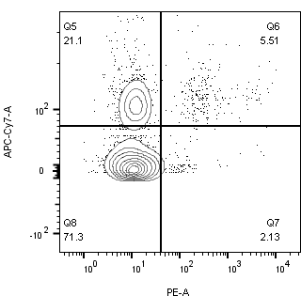

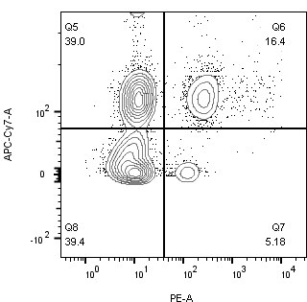
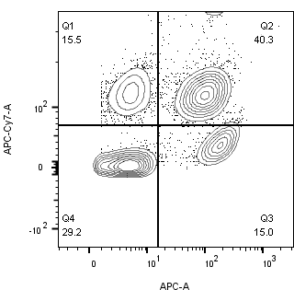

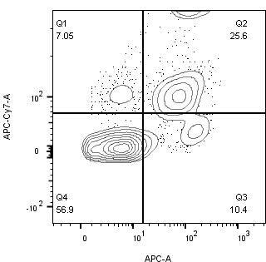
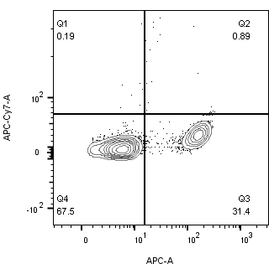

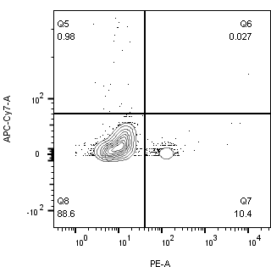
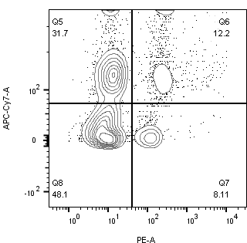
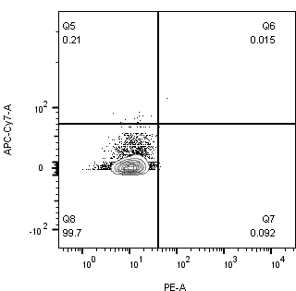

CD8⁺
IFNγ⁺
CD4⁺
MFO (isotype) Negative control Positive control PBS + TSAs SAM-FC (-) + TSAs SAM-FC(+) + TSAs
MFO (isotype) Negative control Positive control PBS + TSAs SAM-FC (-) + TSAs SAM-FC(+) + TSAs

Figure 6
Dual s.c CT26 tumor-bearing mice BALB/c
SAM-FC 2x10⁸ cfu/mouse i.t injection in left flank
Fig. 6: Targeting of multiple tumors and induction of antitumor immune responses by unilateral intratumoral injection of SAM-FC

Fig. 6c: Biodistribution of SAM-FC
 |  | Days after bacterial i.t injection in single primary tumor (left tumors) | Blood |  |  | Lungs |  |  | Livers |  |  | Spleens |  |  | Injected tumors |  |  | Uninjected tumors
 |  | 1 | 164000 | 121000 | 122410 | 264000 | 151000 | 1210 | 2630000 | 15000000 | 19100 | 4020000 | 1220000 | 55300 | 581000000 | 604000000 | 224000000 | 592000000 | 423000000 | 69400000
 |  | 3 | 0 | 0 | 0 | 7790 | 5890 | 1130 | 2140 | 2040 | 2610 | 2050 | 1360 | 2000 | 1060000000 | 1250000000 | 236000000 | 1080000000 | 874000000 | 73200000
 |  | 5 | 0 | 0 | 0 | 1580 | 706 | 0 | 1990 | 698 | 1290 | 1620 | 1320 | 1820 | 809000000 | 2300000000 | 264000000 | 825000000 | 1610000000 | 81900000
 | Mean |  | 0 |  |  | 762 |  |  | 1326 |  |  | 1586.6666667 |  |  | 1124333333.3 |  |  | 838966666.67
 | SEM |  | 0 |  |  | 456.96535244 |  |  | 373.40237457 |  |  | 145.29663145 |  |  | 608522892.84 |  |  | 441179745.43
0
Fig. 6d: Average growth curves of injected and uninjected distal tumors
 |  |  | PBS |  |  |  |  | SAM-FC(-) |  |  |  |  | SAM-FC(+) |  |  |  |  |  |  |  | dpi: day-post bacterial injection
 | Injected tumors | 0 | 111 | 128 | 213 | 104 | 145 | 171 | 156 | 52 | 105 | 176 | 140 | 158 | 121 | 122 | 145
 |  | 3 | 160 | 150 | 162 | 150 | 165 | 149 | 122 | 49 | 63 | 122 | 86 | 105 | 64 | 61 | 127
 |  | 6 | 234 | 188 | 324 | 214 | 165 | 150 | 64 | 88 | 117 | 93 | 25 | 44 | 33 | 39 | 56.1
 |  | 9 | 402 | 399 | 729 | 274 | 416 | 169 | 96 | 75 | 123 | 104 | 0 | 0 | 36 | 28.1 | 45
 |  | 12 | 757 | 565 | 1160 | 434 | 894 | 262 | 126 | 106 | 153 | 179 | 0 | 0 | 26 | 60 | 0
 |  | 15 | 865 | 1186 | 1564 | 673 | 1231 | 535 | 162 | 135 | 371 | 314 | 0 | 0 | 60 | 108 | 0
 | Mean |  | 1103.8 |  |  |  |  | 303.4 |  |  |  |  | 33.6
 | SEM |  | 154.48864036 |  |  |  |  | 73.031910834 |  |  |  |  | 21.930800259
 | Distal tumors | 0 | 190 | 102 | 118 | 126 | 118 | 130 | 132 | 74 | 94 | 119 | 124 | 145 | 78 | 133 | 125
 |  | 3 | 250 | 110 | 150 | 170 | 125 | 100 | 97 | 88 | 75 | 101 | 108 | 107 | 52 | 65 | 63
 |  | 6 | 340 | 145 | 250 | 213 | 214 | 154 | 73 | 215 | 163 | 105 | 30 | 35 | 43 | 38 | 39
 |  | 9 | 483 | 256 | 348 | 485 | 385 | 171 | 116 | 233 | 127 | 150 | 27 | 0 | 55 | 66 | 8
 |  | 12 | 584 | 442 | 854 | 958 | 784 | 242 | 150 | 195 | 194 | 211 | 20 | 0 | 69 | 70 | 0
 |  | 15 | 1201 | 855 | 1200 | 1352 | 1250 | 361 | 264 | 611 | 421 | 324 | 41 | 0 | 126 | 276 | 0
 | Mean |  | 1171.6 |  |  |  |  |  | 396.2 |  |  |  | 88.6
 | SEM |  | 83.844260388 |  |  |  |  |  | 59.44863329 |  |  |  | 52.193486184

Fig. 6e: Frequency of different immune cells within uninjected distal tumors
 |  |  | PBS |  |  |  |  | SAM-FC(-) |  |  |  |  | SAM-FC(+)
 | (%)Ki67+ in CD4+FOXP3- |  | 12.1 | 13 | 14.5 | 12.2 | 14.9 | 24.4 | 26.3 | 30.2 | 26.5 | 26.1 | 35.2 | 30.4 | 38.1 | 25.6 | 37.4
 | Mean |  | 13.34 |  |  |  |  | 26.7 |  |  |  |  | 33.34
 | SEM |  | 0.58017238817 |  |  |  |  | 0.95131487952 |  |  |  |  | 2.3574562562
 | (%) Ki67+ in CD8+ |  | 5.71 | 8.7 | 10 | 22 | 14.1 | 34.6 | 37.9 | 52.7 | 43.9 | 53 | 65.4 | 41.9 | 70.7 | 63.3 | 61
 | Mean |  | 12.102 |  |  |  |  | 44.42 |  |  |  |  | 60.46
 | SEM |  | 2.8179077345 |  |  |  |  | 3.7509198872 |  |  |  |  | 4.9096435716
 | (%) FOXP3+CD25+ in total CD45+CD3+CD4+ |  | 28.9 | 27.9 | 27.1 | 28.4 | 27.3 | 24.4 | 18.3 | 17.3 | 17.2 | 18 | 12 | 15.4 | 6.33 | 16.5 | 17
 | Mean |  | 27.92 |  |  |  |  | 19.04 |  |  |  |  | 13.446
 | SEM |  | 0.33526109228 |  |  |  |  | 1.3559498516 |  |  |  |  | 1.9812157883

Fig. 6a: Representative bioluminescence images of a mouse treated with SAM-lux

72 h
48 h
24 h
21h
18h
9h
3h
M01 M02 M03
Pre-treatment
SAM-lux
4x10⁸ cfu/mouse
i.t injection in left tumor
SAM-lux
M01 M02 M03
 |  |  |  |  |  |  |  |  |  | Days after SAM i.t injection |  | Injectied tumor (n=3) |  |  | Untreated tumor (n=3)
 |  |  |  |  |  |  |  |  |  |  | 0 | 8747000 | 29420 | 77130 | 2868000 | 135300 | 275600
 |  |  |  |  |  |  |  |  |  |  | 5 | 874000 | 2942 | 7713 | 286000 | 15300 | 25600
 |  |  |  |  |  |  |  |  |  |  | 7 | 524000 | 99420 | 87130 | 865000 | 256200 | 265400
 |  |  |  |  |  |  |  |  |  |  | 9 | 5329000 | 24390000 | 3297000 | 1022000 | 10590000 | 692300
 |  |  |  |  |  |  |  |  |  |  | 12 | 16610000 | 62870000 | 10690000 | 5254000 | 34530000 | 4182000
 |  |  |  |  |  |  |  |  |  |  | 18 | 78200000 | 196400000 | 19220000 | 41890000 | 114800000 | 9669000
 |  |  |  |  |  |  |  |  |  |  | 21 | 81470000 | 272300000 | 18610000 | 54320000 | 152600000 | 10240000
M01 M02 M03
M01 M02 M03
M01 M02 M03
 |  |  |  |  |  |  |  |  |  |  | 24 | 75210000 | 292600000 | 24660000 | 60280000 | 156300000 | 17120000
 |  |  |  |  |  |  |  |  |  |  | 48 | 73920000 | 275800000 | 42940000 | 22990000 | 154700000 | 21260000
 |  |  |  |  |  |  |  |  |  |  | 72 | 12410000 | 64180000 | 11270000 | 9170000 | 42500000 | 6014000
 |  |  |  |  |  |  |  |  |  |  | Mean | 29286666.667 |  |  | 19228000
 |  |  |  |  |  |  |  |  |  |  | SEM | 17449770.135 |  |  | 11671611.885

M01 M02 M03
M01 M02 M03
M01 M02 M03

Supplementary Figure 1
Colony PCR for cloning confirmation of SAM-E, SAM-FR, SAM-CR and SAM-FC construct

SAM-pJH18
(SAM-E)
Kb
10
M
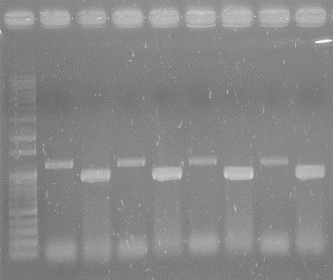
0.5
1
1.5
2
2.5
10
M
Kb
FlaB
Rluc8
SAM-pJH18-FR
(SAM-FR)
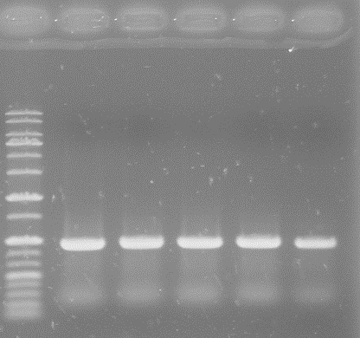
SAM-pJH18-CR
(SAM-CR)
Rluc8
M
10
2.5
2
1.5
1
0.5
ClyA
Kb
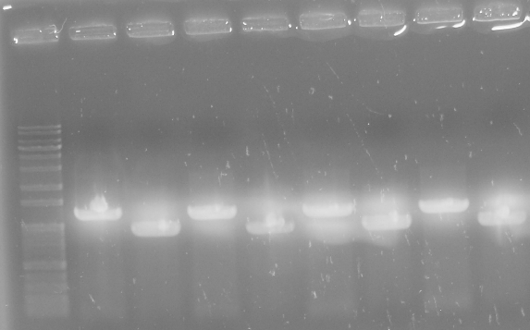
M
FlaB
ClyA
SAM-pJH18-FC
(SAM-FC)
10
2.5
2
1.5
1
0.5
Kb
FlaB
ClyA
FlaB
2
2.5
Rluc8
Rluc8
ClyA
1
1.5
0.5

Supplementary Figure 2
kDa
TetR
25
20
M
SAM-E SAM-FR SAM-CR SAM-FC SAM
Supplementary Fig. 2a: TetR expression in the absence of Doxy |  |  |  |  |  |  |  |  |  |  |  |  |  | Supplementary Fig. 2c: Growth of SAM-FC. Various concentrations of Doxy were added to bacterial subcultures at 0.5–0.7 OD600 (0 h) |  |  |  |  |  |  |  |  |  |  |  | Supplementary Fig. 2f: Functional assay of FlaB secreted from SAM-FC
 |  |  |  |  |  |  |  |  |  |  |  |  |  |  | Time (h) | SAM-E | SAM-FC (Dox -, 0 ng/ml) | SAM-FC (Doxy 10ng/ml) | SAM-FC (Doxy 50ng/ml) | SAM-FC (Doxy 100ng/ml) | SAM-FC (Doxy 300ng/ml) | SAM-FC (Doxy 500ng/ml) |  |  |  | FlaB | SAM-E | SAM-FR(-) | SAM-FR(+) | SAM-CR(-) | SAM-CR(+) | SAM-FC(-) | SAM-FC(+)
 |  |  |  |  |  |  |  |  |  |  |  |  |  |  | 0 | 0.05 | 0.05 | 0.04 | 0.04 | 0.04 | 0.04 | 0.04 | 0.04 |  |  | 2.99787 | 1.990393 | 1.866667 | 3.166667 | 1.666667 | 1.833333 | 2.1 | 2.86935
 |  |  |  |  |  |  |  |  |  |  |  |  |  |  | 1 | 0.18 | 0.22 | 0.19 | 0.19 | 0.19 | 0.19 | 0.19 | 0.19 |  |  | 2.808874 | 2.51992 | 2 | 3.2 | 1.2 | 1.8 | 2 | 3.181994
 |  |  |  |  |  |  |  |  |  |  |  |  |  |  | 1.5 | 0.5 | 0.5 | 0.5 | 0.5 | 0.5 | 0.5 | 0.5 | 0.5 |  |  | 3.080395 | 2.187492 | 2 | 3 | 2 | 1.666667 | 1.71548 | 3.0688
 |  |  |  |  |  |  |  |  |  |  |  |  |  |  | 2 | 1 | 1 | 0.95 | 0.97 | 0.92 | 0.93 | 0.92 | 0.91
 |  |  |  |  |  |  |  |  |  |  |  |  |  |  | 3 | 2.17 | 2.39 | 2.4 | 2.02 | 1.8 | 1.7 | 1.67 | 1.7
 |  |  |  |  |  |  |  |  |  |  |  |  |  |  | 4 | 3.55 | 3.25 | 3.21 | 3 | 2 | 2.2 | 2.1 | 2.3
 |  |  |  |  |  |  |  |  |  |  |  |  |  |  | 6 | 4.01 | 4.04 | 3.96 | 3.96 | 2.2 | 2.3 | 2.43 | 2.44
 |  |  |  |  |  |  |  |  |  |  |  |  |  |  | 8 | 4.38 | 4.14 | 4.13 | 4.22 | 2.79 | 2.49 | 2.36 | 2.63
 |  |  |  |  |  |  |  |  |  |  |  |  |  |  | 10 | 4.3 | 4.21 | 3.98 | 3.97 | 2.94 | 2.57 | 2.4 | 2.59
 |  |  |  |  |  |  |  |  |  |  |  |  |  |  | 12 | 4.1 | 4.15 | 4.08 | 4.04 | 2.84 | 2.55 | 2.45 | 2.6

Supplementary Fig. 2b: Expression of ClyA and FlaB from pellet and supernantant of SAM-FC following indicated Doxy concentration

43
34
26
55
0 10 50 100 300 500
34
43
34
26
ClyA
Supernatant
0 10 50 100 300 500
Doxy (ng/ml)
55
43
FlaB
Supernatant
KDa
0 10 50 100 300 500
purified FlaB
Doxy (ng/ml)

43
34
26
ClyA
Pellet

55
43
34
FlaB
Pellet

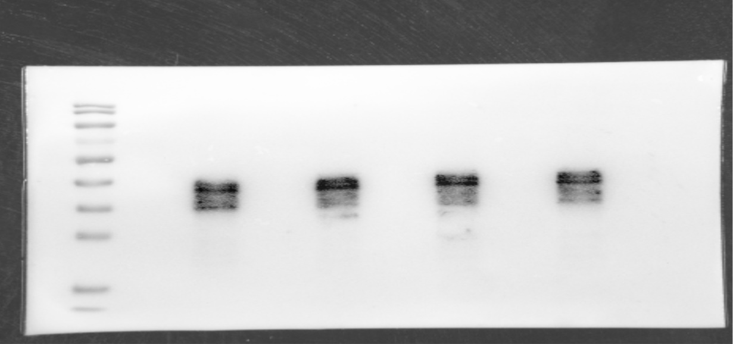
- + - +
SAM-FR
SAM-FC
70
55
40
M
kDa
SAM-FR
SAM-FC
- + - +
FlaB
 |  |  |  |  |  |  |  |  |  |  |  |  |  |  |  |  |  |  | Supplementary Fig. 2h: Quantification of ClyA
Supplementary Fig. 2g: Western blot images of SAM-FC, SAM-CR and SAM-FR expression |  |  |  |  |  |  |  |  |  |  |  |  |  |  |  |  |  |  | SAM-CR(-) |  |  | SAM-CR(+) |  |  | SAM-FC(-) |  |  | SAM-FC(+)
 |  |  |  |  |  |  |  |  |  |  |  |  |  |  |  |  |  |  | 0 | 0 | 0 | 12362363 | 14294205 | 14417280 | 0 | 0 | 0 | 14058326 | 17445162 | 14222868
ClyA
SAM-CR
SAM-FC
- + - +
40
34
25
 |  |  |  |  |  |  |  |  |  |  |  |  |  |  |  |  |  | Mean | 0 |  |  | 13691282.667 | 665409.01563 |  | 0 |  |  | 15242118.667
 |  |  |  |  |  |  |  |  |  |  |  |  |  |  |  |  |  | SEM | 0 |  |  |  |  |  | 0 |  |  | 1102545.3073
 |  |  |  |  |  |  |  |  |  |  |  |  |  |  |  |  |  |  | Supplementary Fig. 2i: Quantification of FlaB
 |  |  |  |  |  |  |  |  |  |  |  |  |  |  |  |  |  |  | SAM-FR(-) |  |  | SAM-FR(+) |  |  | SAM-FC(-) |  |  | SAM-FC(+)
 |  |  |  |  |  |  |  |  |  |  |  |  |  |  |  |  |  |  | 0 | 0 | 0 | 5458373 | 4197898 | 2004925 | 0 | 0 | 0 | 6005723 | 4195568 | 2076107
 |  |  |  |  |  |  |  |  |  |  |  |  |  |  |  |  |  | Mean | 0 |  |  | 3887065.3333 |  |  | 0 |  |  | 4092466
 |  |  |  |  |  |  |  |  |  |  |  |  |  |  |  |  |  | SEM | 0 |  |  | 1008966.2172 |  |  | 0 |  |  | 1135553.1682

ClyA
SAM-CR
SAM-FC
- + - +
SAM-CR
SAM-FC
- + - +
ClyA

Supplementary Fig. 2l: ATP release from CT26, MC38, or 4T1 cells after a 1 h treatment with SAM-E, SAM-FR, SAM-CR, or SAM-FC supernatants
ATP level/well(pmolx10^4) |  |  | CT26 only |  |  | SAM-E |  |  | SAM-FR(+) |  |  | SAM-CR(+) |  |  | SAM-FC(+)
 |  |  | 119.4163 | 113.0934 | 109.6887 | 144.7082 | 140.8171 | 161.2451 | 154.4358 | 166.1089 | 159.786 | 188.4825 | 214.2607 | 218.1517 | 217.6654 | 229.8249 | 218.6381
 |  | Mean | 114.06613333 |  |  | 148.92346667 |  |  | 160.11023333 |  |  | 206.96496667 |  |  | 222.0428
 |  | SEM | 2.849924446 |  |  | 6.26237843 |  |  | 3.3736311468 |  |  | 9.309245419 |  |  | 3.9011684844
 |  |  | MC38 only |  |  | SAM-E |  |  | SAM-FR(+) |  |  | SAM-CR(+) |  |  | SAM-FC(+)
 |  |  | 545.5704 | 508.7937 | 472.017 | 597.0579 | 692.6774 | 631.3828 | 901.0788 | 910.8859 | 935.4037 | 4105.557 | 3544.099 | 3799.085 | 3816.247 | 4434.096 | 3367.571
 |  | Mean | 508.7937 |  |  | 640.3727 |  |  | 915.78946667 |  |  | 3816.247 |  |  | 3872.638
 |  | SEM | 21.233037645 |  |  | 27.966562901 |  |  | 10.207569324 |  |  | 162.30595812 |  |  | 309.16762043
 |  |  | 4T1 only |  |  | SAM-E |  |  | SAM-FR(+) |  |  | SAM-CR(+) |  |  | SAM-FC(+)
 |  |  | 189.023 | 181.783 | 178.163 | 204.71 | 208.33 | 198.677 | 210.743 | 211.95 | 222.81 | 385.709 | 412.256 | 424.322 | 377.262 | 391.742 | 400.189
 |  | Mean | 182.98966667 |  |  | 203.90566667 |  |  | 215.16766667 |  |  | 407.429 |  |  | 389.731
 |  | SEM | 3.1925399154 |  |  | 2.8154523813 |  |  | 3.8370195175 |  |  | 11.404909601 |  |  | 6.6943987283
Supplementary Fig. 2m: Maturation of BM-derived DCs induced by tumor cells treated with SAM-FC supernatant
 |  |  | Cells only |  |  | Cells+SAM-FC(-) |  |  | Cells+SAM-FC(+) + IgG |  |  | Cells+SAM-FC(+) + Anti-HMGB1 |  |  | Cells+SAM-FC(+) + Anti-TLR4
MFI ratio (Sample/Isotype) | CD86 |  | 7.53 | 6.01 | 8.31 | 19.05 | 10.7 | 18.5 | 35.28 | 35 | 26.39 | 20.8 | 19.13 | 20.09 | 21.75 | 16.95 | 23.4
 |  | Mean | 7.2833333333 |  |  | 16.083333333 |  |  | 32.223333333 |  |  | 20.006666667 |  |  | 20.7
 |  | SEM | 0.67531062811 |  |  | 2.6963452631 |  |  | 2.9177864517 |  |  | 0.48388474293 |  |  | 1.9345542122
 |  |  | Cells only |  |  | Cells+SAM-FC(-) |  |  | Cells+SAM-FC(+) + IgG |  |  | Cells+SAM-FC(+) + Anti-HMGB1 |  |  | Cells+SAM-FC(+) + Anti-TLR4
 | CCR7 |  | 8.3 | 10.5 | 8.19 | 8.09 | 3.3 | 7.96 | 19.15 | 13.79 | 21.6 | 12.03 | 6.5 | 11.64 | 11.66 | 8.6 | 11.23
 |  | Mean | 8.9966666667 |  |  | 6.45 |  |  | 18.18 |  |  | 10.056666667 |  |  | 10.496666667
 |  | SEM | 0.75233709939 |  |  | 1.5754470265 |  |  | 2.3061295136 |  |  | 1.7818934997 |  |  | 0.95642273313
 |  |  | Cells only |  |  | Cells+SAM-FC(-) |  |  | Cells+SAM-FC(+) + IgG |  |  | Cells+SAM-FC(+) + Anti-HMGB1 |  |  | Cells+SAM-FC(+) + Anti-TLR4
 | IL-12p70 |  | 134.2857 | 154.6429 | 136.7347 | 199.949 | 210.051 | 190 | 271.2755 | 272.8061 | 250.7653 | 192.7551 | 192.7551 | 199.4898 | 174.2347 | 186.7857 | 213.5714
 |  | Mean | 141.88776667 |  |  | 200 |  |  | 264.94896667 |  |  | 195 |  |  | 191.5306
 |  | SEM | 6.4166312557 |  |  | 5.7882812936 |  |  | 7.1055842869 |  |  | 2.2449 |  |  | 11.600711885
 |  |  | Cells only |  |  | Cells+SAM-FC(-) |  |  | Cells+SAM-FC(+) + IgG |  |  | Cells+SAM-FC(+) + Anti-HMGB1 |  |  | Cells+SAM-FC(+) + Anti-TLR4
 | IL-1β |  | 55.43478 | 78.47826 | 55.43478 | 53.26087 | 72.82609 | 94.56522 | 154.5652 | 128.6957 | 154.5652 | 85.43478 | 85.43478 | 75.21739 | 52.6087 | 68.26087 | 79.13043
 |  | Mean | 63.11594 |  |  | 73.550726667 |  |  | 145.94203333 |  |  | 82.028983333 |  |  | 66.666666667
 |  | SEM | 7.68116 |  |  | 11.929042375 |  |  | 8.6231666667 |  |  | 3.4057966667 |  |  | 7.697546227
MTCH1
40 kDa
35
75
No treatment
SAM-CR
SAM-FC
- +
- +
SAM-FR
- +
Supplementary Fig. 2n: Expression of tumor associated antigens (TAAs) in CT26 cells after treatment with SAM-FC supernatants
ALDH18A1
90 kDa
SAM-CR
SAM-FC
- +
- +
No treatment
75
100
SAM-FR
- +

E2f8
105 kDa
100
SAM-CR
SAM-FC
- +
- +
140
No treatment
SAM-FR
- +
SAM-CR
SAM-FC
- +
- +
GluD1
53 kDa
No treatment
45
60
SAM-FR
- +

Supplementary Figure 3
Doxy
-
-
-
-
+
+
+
+
Supplementary Fig. 3a: Bioluminescence imaging of SAM-FR |  |  |  |  |  |  |  |  |  |  |  | Supplementary Fig. 3b: Biodistribution of SAM-FC

 |  |  |  |  |  |  |  |  |  |  |  | Days after SAM i.v. injection | Blood |  |  | Lung |  |  | Liver |  |  | Spleen |  |  | Tumor
 |  |  |  |  |  |  |  |  |  |  |  | 1 | 45300 | 532000 | 430000 | 405000 | 587000 | 346000 | 4690000 | 6170000 | 4640000 | 3890000 | 3550000 | 4410000 | 681000000 | 1580000000 | 780000000
 |  |  |  |  |  |  |  |  |  |  |  | 3 | 0 | 0 | 0 | 0 | 745 | 737 | 50800 | 14800 | 21600 | 20700 | 32800 | 14100 | 2790000000 | 1420000000 | 501000000
 |  |  |  |  |  |  |  |  |  |  |  | 5 | 0 | 0 | 0 | 0 | 50 | 110 | 7000 | 1000 | 6000 | 1100 | 3500 | 1000 | 2790000000 | 1420000000 | 501000000
 |  |  |  |  |  |  |  |  |  |  | Mean |  | 0 |  |  | 53.333333333 |  |  | 4666.6666667 |  |  | 1866.6666667 |  |  | 1570333333.3
 |  |  |  |  |  |  |  |  |  |  | SEM |  | 0 |  |  | 31.797973381 |  |  | 1855.9214543 |  |  | 817.17671148 |  |  | 665038929.52
 |  |  |  |  |  |  |  |  |  |  |  | Supplementary Fig. 3c: Expression of flaB gene in tumors colonized by SAM-FC
 |  |  |  |  |  |  |  |  |  |  |  |  | SAM-E | SAM-FC(-) | SAM-FC(+) | SAM-FC(+) in vitro
 |  |  |  |  |  |  |  |  |  |  |  |  | 0 | 26.72281 | 202.2506 | 451.9439
 |  |  |  |  |  |  |  |  |  |  |  |  | 0 | 3.837056 | 182.2784 | 439.5855
 |  |  |  |  |  |  |  |  |  |  |  |  | 0 | 4.198867 | 240.52 | 515.5612
 |  |  |  |  |  |  |  |  |  |  |  |  | 0 | 0.02256139 | 254.23 | 537.455
 |  |  |  |  |  |  |  |  |  |  |  |  | 0 | 0.4730288 | 43.71 | 413.0006

- - - + + + + +
-: No Doxy induction
+: Doxy induction
25
35
43
ClyA
Supplementary Fig. 3d: Expression of the clyA gene in tumor tissues colonized by SAM-FC |  |  |  |  |  |  |  |  |  |  |  | Supplementary Fig. 3f: The weight of spleens
 |  |  |  |  |  |  |  |  |  |  |  | Days after SAM i.v injection | PBS |  |  | SAM-FC(+)
 |  |  |  |  |  |  |  |  |  |  |  | 7 | 0.102 | 0.109 | 0.112 | 0.36 | 0.31 | 0.43
 |  |  |  |  |  |  |  |  |  |  | Mean |  | 0.10766666667 |  |  | 0.36666666667
 |  |  |  |  |  |  |  |  |  |  | SEM |  | 0.0029627314724 |  |  | 0.034801021696
 |  |  |  |  |  |  |  |  |  |  |  | 14 | 0.14 | 0.11 | 0.14 | 0.35 | 0.27 | 0.34
 |  |  |  |  |  |  |  |  |  |  | Mean |  | 0.13 |  |  | 0.32
 |  |  |  |  |  |  |  |  |  |  | SEM |  | 0.01 |  |  | 0.025166114784
 |  |  |  |  |  |  |  |  |  |  |  | 21 | 0.181 | 0.184 | 0.218 | 0.148 | 0.134 | 0.182
 |  |  |  |  |  |  |  |  |  |  | Mean |  | 0.19433333333 |  |  | 0.15466666667
 |  |  |  |  |  |  |  |  |  |  | SEM |  | 0.011864981154 |  |  | 0.014251705551
 |  |  |  |  |  |  |  |  |  |  |  | Supplementary Fig. 3g: The weight of livers
35
43
 |  |  |  |  |  |  |  |  |  |  |  | Days after SAM i.v injection | PBS |  |  | SAM-FC(+)
 |  |  |  |  |  |  |  |  |  |  |  | 7 | 0.889 | 1.178 | 0.983 | 1.34 | 1.39 | 1.58
 |  |  |  |  |  |  |  |  |  |  | Mean |  | 1.0166666667 |  |  | 1.4366666667
 |  |  |  |  |  |  |  |  |  |  | SEM |  | 0.085108427576 |  |  | 0.073105707332
 |  |  |  |  |  |  |  |  |  |  |  | 14 | 1.271 | 1.015 | 1.124 | 1.085 | 1.31 | 1.142
 |  |  |  |  |  |  |  |  |  |  | Mean |  | 1.1366666667 |  |  | 1.179
 |  |  |  |  |  |  |  |  |  |  | SEM |  | 0.074171722674 |  |  | 0.06753517602
β-actin
 |  |  |  |  |  |  |  |  |  |  |  | 21 | 1.065 | 1.01 | 1.024 | 1.078 | 1.288 | 0.964
 |  |  |  |  |  |  |  |  |  |  | Mean |  | 1.033 |  |  | 1.11
 |  |  |  |  |  |  |  |  |  |  | SEM |  | 0.016502525059 |  |  | 0.094889409314
 |  |  |  |  |  |  |  |  |  |  |  | Supplementary Fig. 3h: Viable bacteria in the spleens and livers
 |  |  |  |  |  |  |  |  |  |  |  | Days after SAM i.v injection | Spleen |  |  | Liver
 |  |  |  |  |  |  |  |  |  |  |  | 7 | 12663 | 36937 | 16425 | 71 | 0 | 48
 |  |  |  |  |  |  |  |  |  |  | Mean |  | 22008.333333 |  |  | 39.666666667
 |  |  |  |  |  |  |  |  |  |  | SEM |  | 7542.9211259 |  |  | 20.915172589
 |  |  |  |  |  |  |  |  |  |  |  | 14 | 0 | 0 | 0 | 0 | 0 | 0
 |  |  |  |  |  |  |  |  |  |  | Mean |  | 0 |  |  | 0
 |  |  |  |  |  |  |  |  |  |  | SEM |  | 0 |  |  | 0
 |  |  |  |  |  |  |  |  |  |  |  | 21 | 0 | 0 | 0 | 0 | 0 | 0
 |  |  |  |  |  |  |  |  |  |  | Mean |  | 0 |  |  | 0
 |  |  |  |  |  |  |  |  |  |  | SEM |  | 0 |  |  | 0
 |  |  |  |  |  |  |  |  |  |  |  | Supplementary Fig. 3i: Plasmid loss in tumors colonized by SAM-FC
 |  |  |  |  |  |  |  |  |  |  |  | After Doxy induction (hours) | (-) |  |  | (+)
 |  |  |  |  |  |  |  |  |  |  |  | 12 h | 12900000000 | 3240000000 | 10300000000 | 10400000000 | 2940000000 | 10300000000
 |  |  |  |  |  |  |  |  |  |  | Mean |  | 8813333333.3 |  |  | 7880000000
 |  |  |  |  |  |  |  |  |  |  | SEM |  | 2885973742.9 |  |  | 2470168685.2
 |  |  |  |  |  |  |  |  |  |  |  | 24 h | 3120000000 | 5160000000 | 3240000000 | 2340000000 | 4680000000 | 1980000000
 |  |  |  |  |  |  |  |  |  |  | Mean |  | 3840000000 |  |  | 3000000000
 |  |  |  |  |  |  |  |  |  |  | SEM |  | 660908465.67 |  |  | 846404158.78
 |  |  |  |  |  |  |  |  |  |  |  | 48 h | 2340000000 | 1620000000 | 2340000000 | 2340000000 | 1560000000 | 12000000000
 |  |  |  |  |  |  |  |  |  |  | Mean |  | 2100000000 |  |  | 5300000000
 |  |  |  |  |  |  |  |  |  |  | SEM |  | 240000000 |  |  | 3357558636.9
Supplementary Fig. 3j: Change in average body weight
Days after SAM i.v injection | SAM-FC(-) |  |  |  |  |  |  |  |  |  | SAM-FC(+)
0 | 0 | 0 | 0 | 0 | 0 | 0 | 0 | 0 | 0 | 0 | 0 | 0 | 0 | 0 | 0 | 0 | 0 | 0 | 0 | 0
3 | -4.0404 | -1.90476 | -4.28571 | -2.52525 | -2.10526 | -1.53846 | -2.91262 | -3.92157 | -3 | -2.06186 | -2.5641 | -2 | -2.91262 | -3.46535 | -3.0303 | -3.06122 | -3.80952 | -3.90244 | -3 | -3.06122
6 | -2.52525 | -2.85714 | -7.14286 | -4.0404 | -3.68421 | -4.10256 | -4.85437 | -5.88235 | -5 | -3.60825 | -5.12821 | -4 | -3.8835 | -4.9505 | -4.0404 | -5.61224 | -5.71429 | -7.31707 | -5.5 | -5.10204
9 | -5.55556 | -3.80952 | -5.71429 | -2.52525 | -1.05263 | -5.12821 | -4.85437 | -4.90196 | -2 | -1.03093 | -5.66667 | -4 | -5.33981 | -5.94059 | -4.54545 | -5.14286 | -5.57143 | -5.36585 | -5.5 | -7.14286
12 | -4.0404 | -2.85714 | -4.7619 | 0 | 1.052632 | -2.5641 | -3.8835 | -3.92157 | 0 | 2.061856 | -4.61538 | -2.5 | -5.33981 | -3.9604 | -4.0404 | -3.57143 | -4.7619 | -3.41463 | -5 | -3.57143
15 | 1.734104 | 3.19659 | 5.104782 | 2.734104 | 4.19659 | 6.104782 | 3.734104 | 2.19659 | 4.104782 | 4.734104 | 1.19659 | 2.104782 | 4.734104 | 2.19659 | 1.104782 | 3.734104 | 2.19659 | 4.104782 | 3.734104 | 4.19659
18
21 | 4.046243 | 4.450719 | 6.394412 | 3.046243 | 6.450719 | 7.394412 | 5.046243 | 3.450719 | 5.394412 | 6.046243 | 4.450719 | 3.394412 | 4.046243 | 3.450719 | 5.394412 | 3.046243 | 3.450719 | 6.394412 | 5.046243 | 3.450719
24
27 | 5.515152 | 4.952381 | 8.904762 | 5.11111 | 4.63158 | 6.30769 | 7.708738 | 5.901961 | 4.5 | 5.37113 | 5.538462 | 5 | 5.941748 | 5.920792 | 7.080808 | 5.20408 | 5.714286 | 6.268293 | 3 | 5.142857
30 | 6.62626 | 7.619048 | 9.52381 | 7.16162 | 5.26316 | 7.05128 | 8.53398 | 6.76471 | 6 | 6.13402 | 6.666667 | 7 | 6.737864 | 7.84158 | 9.19192 | 7.38776 | 8.38095 | 9.09756 | 5 | 8.34694
Mean | 7.0677888 |  |  |  |  |  |  |  |  |  | 7.5651241
SEM | 0.3951133023 |  |  |  |  |  |  |  |  |  | 0.40511082033
Supplementary Fig. 3k-p: CT26 tumor-bearing mice were orally administered Doxy on day 0 or 3 after intravenous injection of SAM-FC (2 × 107 cfu)
 | Supplementary Fig. 3k |  |  |  |  | Supplementary Fig. 3l |  |  |  |  | Supplementary Fig. 3m |  |  |  |  | Supplementary Fig. 3n |  |  |  |  | Supplementary Fig. 3o |  |  |  |  | Supplementary Fig. 3p
 | PBS | SAM-FC(-) | Day 0 | Day 3 |  | PBS | SAM-FC(-) | Day 0 | Day 3 |  | PBS | SAM-FC(-) | Day 0 | Day 3 |  | PBS | SAM-FC(-) | Day 0 | Day 3 |  | PBS | SAM-FC(-) | Day 0 | Day 3 |  | PBS | SAM-FC(-) | Day 0 | Day 3
 | 162 | 264 | 458 | 325 |  | 30 | 62 | 492 | 62 |  | 13.5 | 15.5 | 17 | 14.5 |  | 0.3 | 0.35 | 0.28 | 0.39 |  | 0.01 | 0.04 | 0.03 | 0.01 |  | 0.02 | 0.03 | 0.03 | 0.02
 | 158 | 295 | 398 | 268 |  | 21 | 65 | 298 | 88 |  | 16.6 | 15.5 | 12.6 | 8 |  | 0.5 | 0.58 | 0.3 | 0.4 |  | 0.02 | 0.05 | 0.04 | 0.03 |  | 0.02 | 0.035 | 0.035 | 0.036
 | 258 | 250 | 356 | 198 |  | 25 | 52 | 368 | 32 |  | 13.2 | 16 | 16.6 | 17.3 |  | 0.35 | 0.45 | 0.3 | 0.15 |  | 0.05 | 0.035 | 0.034 | 0.02 |  | 0.02 | 0.02 | 0.036 | 0.02
 | 198 | 158 | 474 | 330 |  | 26 | 50 | 298 | 70 |  | 15.8 | 12.7 | 14.3 | 14.9 |  | 0.48 | 0.59 | 0.38 | 0.35 |  | 0.03 | 0.04 | 0.04 | 0.03 |  | 0.02 | 0.025 | 0.035 | 0.02
 | 214 | 268 | 498 | 215 |  | 28 | 40 | 269 | 52 |  | 15.7 | 14.9 | 14.7 | 13 |  | 0.36 | 0.6 | 0.4 | 0.25 |  | 0.03 | 0.036 | 0.03 | 0.025 |  | 0.02 | 0.035 | 0.03 | 0.03
 | 185 | 235 | 354 | 268 |  | 25 | 36 | 398 | 68 |  | 17.1 | 16.4 | 15.3 | 18.9 |  | 0.56 | 0.64 | 0.4 | 0.36 |  | 0.04 | 0.05 | 0.02 | 0.05 |  | 0.02 | 0.03 | 0.02 | 0.025
 | 185 | 198 | 398 | 210 |  | 25 | 58 | 486 | 62 |  | 14.7 | 16 | 15.4 | 9 |  | 0.68 | 0.58 | 0.48 | 0.4 |  | 0.045 | 0.04 | 0.05 | 0.02 |  | 0.02 | 0.02 | 0.02 | 0.036

Supplementary Figure 10
Supplementary Fig. 10c: Liver weights of SC and SC + liver MC38 mice
 | Days after bacterial injection | SC |  |  | SC + Liver
 | 1 | 0.88 | 0.9 | 0.9 | 1.1 | 1.15 | 1.2
Mean |  | 0.89333333333 |  |  | 1.15
SEM |  | 0.0066666666667 |  |  | 0.028867513459
 | 3 | 1.25 | 1.35 | 1.4 | 1.3 | 1.4 | 1.42
Mean |  | 1.3333333333 |  |  | 1.3733333333
SEM |  | 0.044095855184 |  |  | 0.037118429086
 | 5 | 1.76 | 1.7 | 1.6 | 1.85 | 1.8 | 1.9
Mean |  | 1.6866666667 |  |  | 1.85
SEM |  | 0.046666666667 |  |  | 0.028867513459
Supplementary Fig. 10d: SAM-FC counts in the livers of SC or SC + liver MC38 mice
 | 1 | 927241 | 894211 | 957854 | 2386802 | 2192982 | 2159244
Mean |  | 926435.33333 |  |  | 2246342.6667
SEM |  | 18376.567383 |  |  | 70901.766319
 | 3 | 61920 | 38314 | 54430 | 3466276 | 2656250 | 3165501
Mean |  | 51554.666667 |  |  | 3096009
SEM |  | 6964.4685208 |  |  | 236401.76516
 | 5 | 16622 | 23847 | 44440 | 6538336 | 6293706 | 6541567
Mean |  | 28303 |  |  | 6457869.6667
SEM |  | 8333.7113181 |  |  | 82087.132427
Supplementary Fig. 10e (right): Quantification of bioluminescent signals in the lung
 | Days after SAM i.v injection | PBS |  |  | SAM-FC(+)
 | 0 | 33190000 | 80770000 | 29230000 | 28490000 | 71330000 | 125800000
Mean |  | 47730000 |  |  | 75206666.667
SEM |  | 16559504.824 |  |  | 28157772.363
 | 3 | 864200000 | 2056000000 | 1472000000 | 526500 | 531500 | 208600
Mean |  | 1464066666.7 |  |  | 422200
SEM |  | 344065891.62 |  |  | 106809.75299
 | 6 | 2430000000 | 3860000000 | 1520000000 | 1590000 | 4850000 | 472000
Mean |  | 2603333333.3 |  |  | 2304000
SEM |  | 681036791.31 |  |  | 1313274.2796
 | 9 | 11700000000 | 9030000000 | 3930000000 | 2370000 | 14700000 | 926000
Mean |  | 8220000000 |  |  | 5998666.6667
SEM |  | 2279276200.9 |  |  | 4370590.5525
Supplementary Fig. 10f : Changes in average body weights in SC + liver MC38 mice
 | Days after SAM i.v injection | SAM-FC (-) |  |  |  | SAM-FC (+)
 | 0 | 4.210526 | 2.083333 | 9.72973 | 0 | 4.444444 | 5.820106 | 4.210526 | 0
 | 3 | -0.52632 | -5.20833 | 2.702703 | 0 | 0 | 5.820106 | 3.684211 | 3.684211
 | 6 | -2.10526 | -6.25 | -2.7027 | -5.26316 | -2.22222 | -11.1111 | -4.73684 | -4.73684
 | 9 | -4.21053 | -6.25 | 0 | -2.63158 | -1.11111 | -7.40741 | -7.36842 | -7.36842
 | 12 | -2.63158 | -5.20833 | 2.702703 | 0 | 2.777778 | -4.2328 | -4.73684 | -4.73684
 | 16 | 5.263158 | 0 | 2.702703 | 0 | 11.11111 | 3.174603 | 4.210526 | 4.210526
Mean |  | 1.99146525 |  |  |  | 5.67669125
SEM |  | 1.2629891881 |  |  |  | 1.8278547043
Supplementary Fig. 10i : Individual growth curves of tumors in mice bearing SC + liver tumors treated with PBS, SAM-FC(-), or SAM-FC(+)
 |  | PBS |  |  |  |  |  |  | SAM-FC(-) |  |  |  |  |  |  | SAM-FC(+)
 | Day after SAM i.v injection | Mouse 1 | 2 | 3 | 4 | 5 | 6 | 7 | Mouse 1 | 2 | 3 | 4 | 5 | 6 | 7 | Mouse 1 | 2 | 3 | 4 | 5 | 6 | 7
 | 0 | 118 | 61 | 34 | 56 | 36 | 80 | 60 | 10.8 | 150 | 136 | 26 | 102 | 31 | 120 | 56 | 69 | 48 | 24 | 62 | 66 | 44
 | 3 | 152 | 105 | 77 | 50 | 49 | 103 | 83 | 42 | 261 | 153 | 44.5 | 68 | 22 | 143 | 24 | 34 | 70 | 44 | 73 | 30 | 64
 | 6 | 150.7 | 114.7 | 87.1 | 144 | 200 | 186 | 145 | 76.7 | 289 | 170 | 57.7 | 38 | 81 | 198 | 0 | 24.1 | 15 | 21 | 64 | 13.2 | 84
 | 9 | 272 | 229 | 182 | 256 | 206 | 258 | 201 | 215 | 902 | 334 | 148 | 60 | 88 | 350 | 0 | 0 | 24 | 25 | 87 | 0 | 100
 | 12 | 503 | 362 | 312 | 420 | 558 | 1251 | 985 | 379 | 1361 | 498 | 263 | 140 | 240 | 684 | 0 | 0 | 88.8 | 58 | 145 | 0 | 130
 | 15 | 1184 | 992 | 857 | 689 | 1452 | 1561 | 1458 | 883 | 2251 | 1328 | 516 | 575 | 434 | 1587 | 0 | 0 | 313 | 134 | 394 | 0 | 156
Supplementary Fig. 10j-l : Frequencies of (j) hepatic PD-L1+CD11b+Gr-1+ neutrophils expressing PD-L1, (k) CD3+CD4+FOXP3+CD25+ Tregs, and (l) proliferating Ki-67+CD4+FOXP3− T cells in mice treated as described in Fig. 4
 |  | PBS |  |  | SAM-FC(-) |  |  | SAM-FC(+)
j | (%)PD-L1+CD11b+Gr-1+ | 25.7 | 25.9 | 17.5 | 16.7 | 10.3 | 12.4 | 3.19 | 3.22 | 3.49
Mean |  | 23.033333333 |  |  | 13.133333333 |  |  | 3.3
SEM |  | 2.7672690107 |  |  | 1.8835545593 |  |  | 0.095393920142
k | (%)CD3+CD4+FOXP3+CD25+ | 29.5 | 24.8 | 25.2 | 6.05 | 5.85 | 5.94 | 2.19 | 3.14 | 3.71
Mean |  | 26.5 |  |  | 5.9466666667 |  |  | 3.0133333333
SEM |  | 1.5044378795 |  |  | 0.05783117191 |  |  | 0.44333333333
l | (%)Ki67+ in CD4+FOXP3- | 15 | 17.2 | 25 | 25.1 | 34.8 | 44.4 | 51.1 | 58.6 | 57.3
Mean |  | 19.066666667 |  |  | 34.766666667 |  |  | 55.666666667
SEM |  | 3.0338827341 |  |  | 5.5714550264 |  |  | 2.3139672522
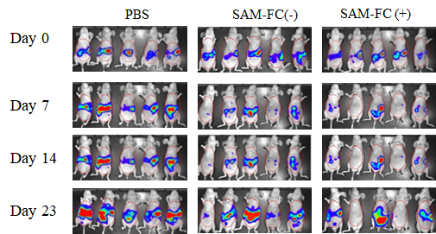
Supplementary Fig. 10n (right) :In vivo bioluminescent imaging of BALB/c athymic nu−/nu− mice bearing intraperitoneal HepG2-FLuc tumors
 | Days after SAM i.v injection | PBS |  |  |  |  | SAM-FC(-) |  |  |  |  | SAM-FC(+)
 | 0 | 1640000000 | 2680000000 | 1770000000 | 1240000000 | 2010000000 | 1160000000 | 805000000 | 1980000000 | 1320000000 | 1350000000 | 629000000 | 1400000000 | 1970000000 | 2230000000 | 535000000
 | 7 | 1930000000 | 2290000000 | 920000000 | 612000000 | 1420000000 | 47300000 | 511000000 | 251000000 | 246000000 | 416000000 | 353000000 | 56000000 | 155000000 | 8350000 | 53300000
 | 14 | 2100000000 | 5530000000 | 1080000000 | 2240000000 | 3740000000 | 80700000 | 941000000 | 2770000000 | 206000000 | 1220000000 | 438000000 | 13700000 | 2760000000 | 207000000 | 918000000
 | 23 | 9160000000 | 7690000000 | 3050000000 | 3870000000 | 7420000000 | 2110000000 | 5430000000 | 7250000000 | 604000000 | 6070000000 | 2180000000 | 96700000 | 4950000000 | 248000000 | 2130000000
Mean |  | 6238000000 |  |  |  |  | 4292800000 |  |  |  |  | 1920940000
SEM |  | 1179285376.8 |  |  |  |  | 1256354981.7 |  |  |  |  | 877855411.56

Supplementary Fig. 10o: Kaplan-Meier survival curves from (n)

 | Days after SAM i.v injection | PBS | SAM-FC (-) | SAM-FC (+)
 | 9 | 0 | 0 | 0
 | 9 | 0 | 0 | 0
 | 9 | 0 | 0 | 0
 | 9 | 0 | 0 | 0
 | 9 | 0 | 0 | 0
 | 27 | 1
 | 32 | 1
 | 32 | 1
 | 32 | 1
 | 40 | 1
 | 30 |  | 1
 | 40 |  | 1
 | 31 |  |  | 1
 | 40 |  | 0 | 0
 | 40 |  | 0 | 0
 | 40 |  | 0 | 0
 | 40 |  |  | 0
 | 45 |  |  | 0
 | 47 |  | 1 | 1
 | 41 |  | 1
 | 66 |  |  | 0
 | 66 |  |  | 0
 | 66 |  | 0 | 0

