Sheet1
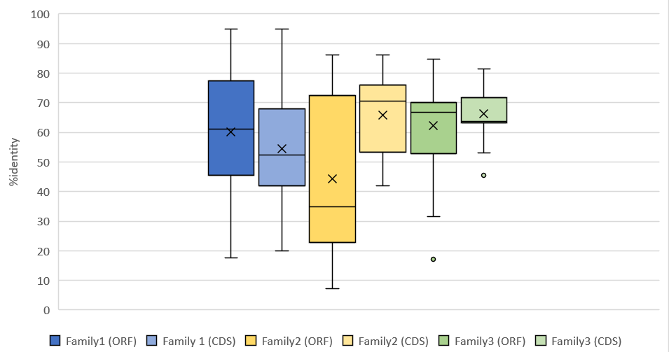
FAMILY 1 |  |  | FAMILY 2 |  |  | FAMILY 3
GENE NAME | AVERAGE%ID ORF | AVERAGE%ID CDS | GENE NAME | AVERAGE%ID ORF | AVERAGE%ID CDS | GENE NAME | AVERAGE%ID ORF | AVERAGE%ID CDS
Phvul.001G065800.1 | 71.208226221 | 64.741035857 | Phvul.001G047800.1 | 84.728186386 | 84.402610442 | Phvul.011G151300.1 | 67.499199231 | 63.081183134
Phvul.001G118500.1 | 57.202394148 | 47.688979964 | Phvul.001G047900.1 | 22.108999144 | 51.048805815 | Phvul.011G166100.1 | 76.53695316 | 72.519794396
Phvul.001G122500.1 | 34.05356556 | 28.196347032 | Phvul.001G048050.1 | 7.155268629 | 52.643678161 | Phvul.011G191400.1 | 47.217281496 | 62.962962963
Phvul.001G122700.1 | 58.173029978 | 68.147502904 | Phvul.001G048200.1 | 36.470146451 | 54.497461929 | Phvul.011G191466.1 | 84.817146283 | 81.398622342
Phvul.001G152700.1 | 74.534725374 | 74.556213018 | Phvul.001G048300.1 | 86.142857143 | 86.096866097 | Phvul.011G191532.1 | 79.672877498 | 77.646956218
Phvul.002G067600.1 | 83.929931455 | 80.952380952 | Phvul.001G048400.1 | 81.733326885 | 84.116402116 | Phvul.011G191600.1 | 67.647720878 | 63.643158529
Phvul.002G096200.1 | 54.065441506 | 49.863163656 | Phvul.001G048500.1 | 31.623502688 | 63.121980676 | Phvul.011G191700.1 | 71.761923883 | 64.623622907
Phvul.002G198900.1 | 84.155542658 | 81.206293706 | Phvul.001G048600.1 | 34.746408894 | 53.482428115 | Phvul.011G191800.1 | 52.869188147 | 63.459915612
Phvul.002G217700.1 | 60.732165207 | 50.761469744 | Phvul.001G048701.1 | 12.908547086 | 71.006493506 | Phvul.011G192100.1 | 55.456246658 | 53.142111629
Phvul.003G023200.1 | 63.045414069 | 28.749443703 | Phvul.001G048800.1 | 34.87394958 | 53.219721329 | Phvul.011G192200.1 | 67.310269596 | 63.719521938
Phvul.003G099400.1 | 61.385442514 | 50.126742712 | Phvul.001G048900.1 | 12.438698172 | 53.05996291 | Phvul.011G192400.1 | 63.39942554 | 62.863047788
Phvul.003G124300.1 | 79.445606695 | 28.100113766 | Phvul.001G049000.1 | 32.97428209 | 53.483870968 | Phvul.011G192500.1 | 52.377193972 | 65.675519933
Phvul.004G125000.1 | 54.99917979 | 38.570829401 | Phvul.001G049101.1 | 24.631860776 | 71.89171123 | Phvul.011G192600.1 | 63.655741295 | 63.487090223
Phvul.005G063650.1 | 32.624113475 | 19.963369963 | Phvul.001G049200.1 | 81.014784946 | 83.516192293 | Phvul.011G192900.1 | 57.980549802 | 62.691082088
Phvul.005G103000.1 | 74.286660046 | 71.37866394 | Phvul.001G049300.1 | 25.757048381 | 72.650694672 | Phvul.011G193001.1 | 65.38004523 | 67.390795371
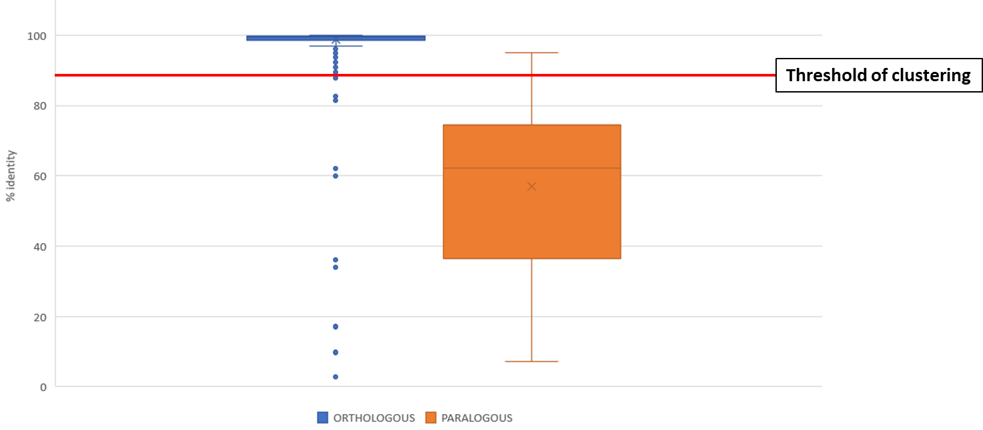
Phvul.006G002800.1 | 71.340610132 | 50.978354978 | Phvul.001G068800.1 | 71.000578369 | 70 | Phvul.011G193100.1 | 31.637121116 | 63.132187315
Phvul.006G011500.1 | 70.541566057 | 58.882125069 | Phvul.001G069200.1 | 61.247285138 | 74.520717378 | Phvul.011G193500.1 | 47.853632891 | 63.378151261
Phvul.006G015211.1 | 35.887256848 | 32.700421941 | Phvul.001G069216.1 | 70.751308708 | 74.841485507 | Phvul.011G193600.1 | 17.189520706 | 63.348896435
Phvul.006G023800.1 | 68.130002425 | 61.056585484 | Phvul.001G069248.1 | 72.779948202 | 71.625 | Phvul.011G193800.1 | 67.474438605 | 63.752209008
Phvul.007G098300.1 | 82.29988726 | 61.816939891 | Phvul.001G069500.1 | 36.158479202 | 78.985294118 | Phvul.011G193966.1 | 82.591645354 | 79.737525873
Phvul.007G108700.1 | 86.666666667 | 81.359649123 | Phvul.001G069800.1 | 77.28804903 | 77.270055048 | Phvul.011G194032.1 | 81.665004275 | 79.367809502
Phvul.007G156800.1 | 79.414893617 | 75.14619883 | Phvul.001G069900.1 | 76.342093925 | 76.334776335 | Phvul.011G194800.1 | 67.409786217 | 63.50748621
Phvul.008G120900.1 | 54.600701525 | 45.613470613 | Phvul.001G070200.1 | 21.949514103 | 68.658242342 | Phvul.011G194900.1 | 42.554051513 | 64.65709334
Phvul.008G129600.1 | 33.92188336 | 63.417569194 | Phvul.001G075600.1 | 26.455730767 | 42.004450803 | Phvul.011G195000.1 | 62.112186647 | 62.782985632
Phvul.008G166100.1 | 17.666051661 | / | Phvul.008G174900.2 | 8.7165830175 | 42.648227627 | Phvul.011G195100.2 | 68.433196874 | 63.984435582
Phvul.008G173400.1 | 52.486610559 | / | Phvul.008G175100.1 | 18.262402111 | 43.361344538 | Phvul.011G195200.1 | 66.689564069 | 63.490725126
Phvul.008G195328.1 | 56.989843029 | 40.982439487 |  |  |  | Phvul.011G195300.1 | 62.507374631 | 65.190194421
Phvul.008G195442.1 | 81.07977826 | 67.869167869 | AVERAGE | 44.24076307 | 65.711095152 | Phvul.011G195400.1 | 67.984256396 | 63.956476351
Phvul.009G005600.1 | 59.648779725 | 50.111749681 |  |  |  | Phvul.011G195500.1 | 68.066110474 | 62.616039812
Phvul.010G029050.1 | 94.959128065 | 94.965986395 |  |  |  | Phvul.011G195600.1 | 44.962732981 | 73.086491417
Phvul.010G036700.1 | 31.148282098 | 21.807359307 |  |  |  | Phvul.011G195701.1 | 70.160216396 | 71.626581667
Phvul.010G047300.1 | 47.624253024 | 37.653478854 |  |  |  | Phvul.011G195751.1 | 79.155800736 | 74.32748538
Phvul.010G051400.1 | 85.224586288 | 82.838283828 |  |  |  | Phvul.011G196000.1 | 45.652811838 | 62.707125432
Phvul.010G071200.1 | 44.667379559 | 42.859014675 |  |  |  | Phvul.011G196066.1 | 77.696802794 | 75.784432456
Phvul.010G072600.1 | 28.197310819 | 53.703703704 |  |  |  | Phvul.011G196132.1 | 79.497337728 | 76.544667454
Phvul.010G074100.1 | 44.03814262 | 47.888239116 |  |  |  | Phvul.011G198000.1 | 41.254372814 | 45.450980392
Phvul.010G085400.1 | 78.506079907 | 72.926208651 |  |  |  | Phvul.011G198400.1 | 56.023577133 | 63.597883598
Phvul.010G135050.1 | 36.374067699 | 52.437810945
Phvul.011G095350.1 | 82.012847966 | / |  |  |  | AVERAGE | 62.220359591 | 66.333331047 | Comparison between orthologous and paralogous thresholds. The red line indicates the clustering threshold of 90% which allows to retain only one orthologous and all the paralogous.
Phvul.011G125000.1 | 30.774111675 | 26.931567329
Phvul.011G132400.1 | 64.883842534 | 61.417721519
Phvul.L005801.1 | 65.815485997 | 58.781893004

AVERAGE | 60.208130668 | 54.542268969

