Fig.S1-uncroppedblot
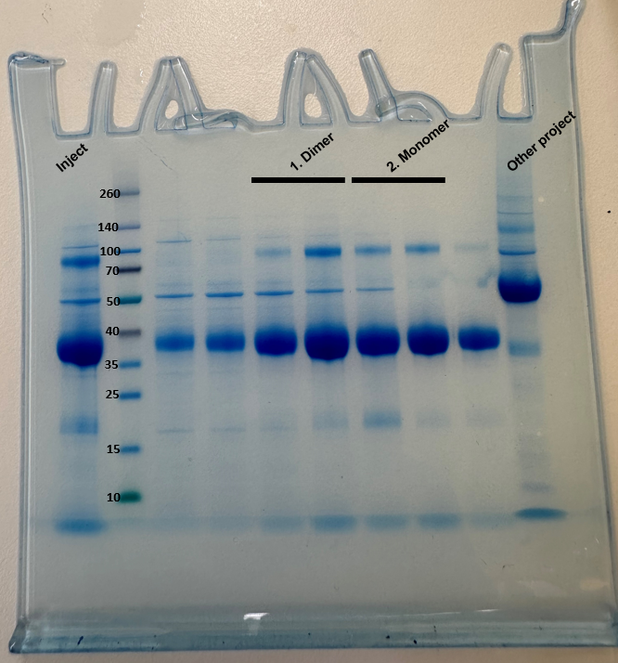
Fig. S1: Uncropped gel corresponding to Supplementary Figure 1a. Last column corresponds to samples from another irrelevant project

