Fig.1
1d | nDSN | mtDSN-2
 | 0.135 | 0.500
 | -0.057 | 0.560
 | -0.318 | 0.667
 | -0.400 | 0.750
 | 0.043 | 0.529
 | 0.015 | 0.544
 | -0.136 | 0.463

1e | Untreated | nDSN | mtDSN-2
 | 0.112 | 1.929 | 19.584
 | 0.275 | 1.668 | 21.360
 | 0.086 | 2.000 | 22.178

1h | Untreated | TPP + LA | mtDSN-2
 | 96.895 | 98.687 | 38.841
 | 102.800 | 91.274 | 38.281
 | 96.144 | 94.088 | 36.422

1i | Untreated | TPP + LA | mtDSN-2
 | 317.070 | 239.010 | 92.760
 | 345.490 | 304.180 | 112.740
 | 332.410 | 368.850 | 111.350

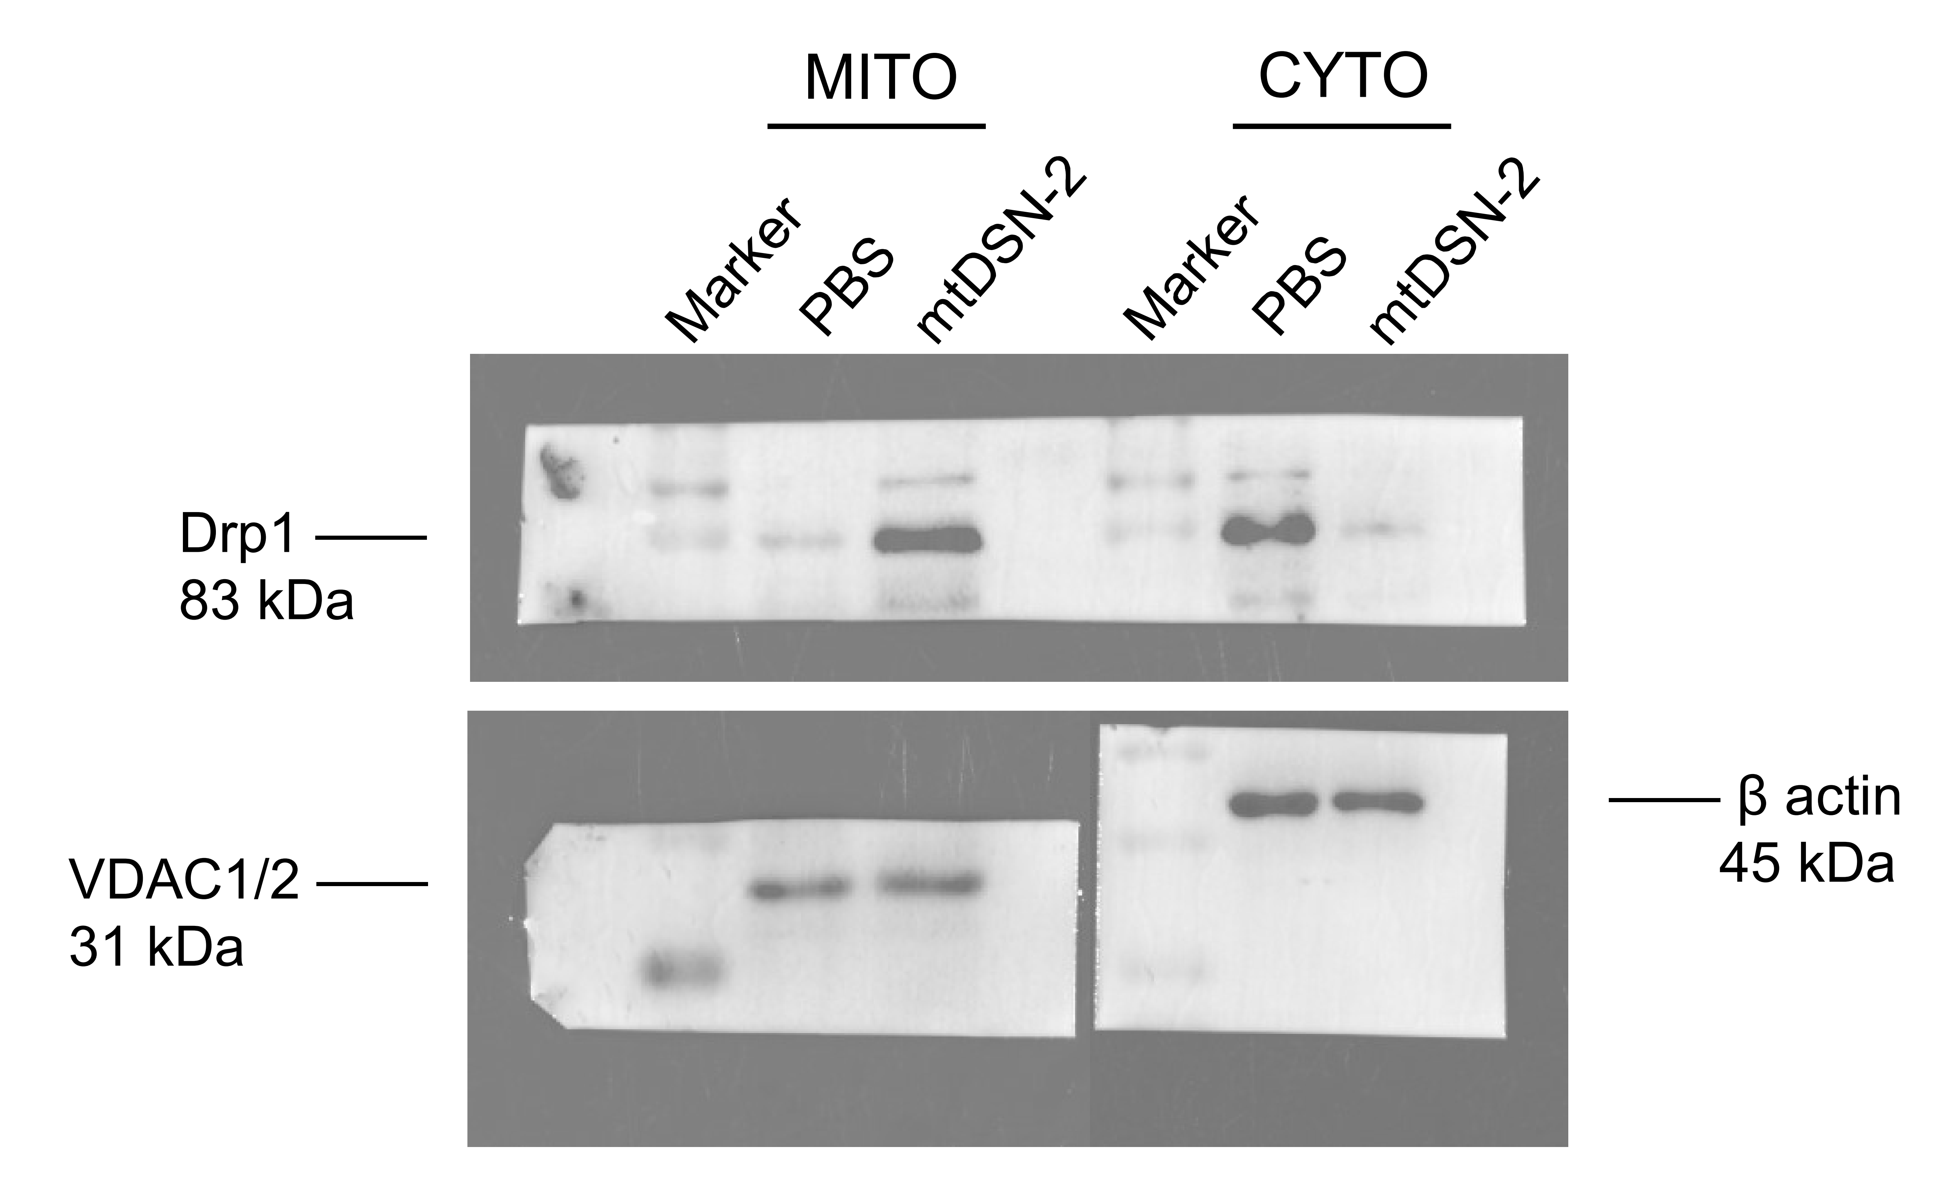
1k

 |  |  |  | MITO
 |  |  |  | Drp1/VDAC | PBS | mtDSN-2
 |  |  |  |  | 0.082 | 1.071

 |  |  |  | CYTO
 |  |  |  | Drp1/β | PBS | mtDSN-2
 |  |  |  |  | 1.107 | 0.076

 | The blots originated from the same gel but were probed with different antibodies.

Fig.2
2a |  | Untreated | TPP + LA | mtDSN-2
 |  | 0.576 | 1.214 | 2.625
 |  | 1.524 | 0.858 | 2.706
 |  | 0.879 | 0.904 | 2.629

2b |  | Untreated | TPP + LA | mtDSN-2
 |  | 5.575 | 5.422 | 12.914
 |  | 5.546 | 5.584 | 12.740
 |  | 5.526 | 5.420 | 13.307

2c |  | HeLa/R |  |  |  |  |  |  |  |  | 4T1
 | mtDSN-2 | DMSO |  |  |  | Ferrostatin-1 |  |  |  |  | DMSO |  |  |  | Ferrostatin-1
 | － | 97.345 | 96.826 | 97.409 | 96.244 | 89.767 | 90.803 | 95.466 | 97.215 |  | 99.052 | 88.669 | 96.745 | 94.932 | 86.362 | 94.273 | 86.032 | 88.010
 | ＋ | 44.301 | 43.199 | 44.560 | 43.653 | 42.811 | 48.251 | 40.415 | 39.767 |  | 29.831 | 28.348 | 27.853 | 26.535 | 28.348 | 28.677 | 31.150 | 25.876

 |  | HeLa/R
2d | mtDSN-2 | DMSO |  |  |  | Necrostatin-1 |  |  |  | Dapansutrile |  |  |  | Cycloheximide |  |  |  | Z-VAD-FMK |  |  |  | Cycloheximide+Z-VAD-FMK
 | － | 93.859 | 95.734 | 90.692 | 98.966 | 88.018 | 92.293 | 86.205 | 95.531 | 95.752 | 89.496 | 93.777 | 93.118 | 87.219 | 82.252 | 84.967 | 90.927 | 90.821 | 89.463 | 93.407 | 91.791 | 80.000 | 90.265 | 81.126 | 83.179
 | ＋ | 43.633 | 45.314 | 42.211 | 42.146 | 41.321 | 40.415 | 38.990 | 41.127 | 48.140 | 43.069 | 41.554 | 41.752 | 60.795 | 54.040 | 55.033 | 57.682 | 55.656 | 61.021 | 60.181 | 56.367 | 65.430 | 63.444 | 65.828 | 71.987

 |  | 4T1
 | mtDSN-2 | DMSO |  |  |  | Necrostatin-1 |  |  |  | Dapansutrile |  |  |  | Cycloheximide |  |  |  | Z-VAD-FMK |  |  |  | Cycloheximide+Z-VAD-FMK
 | － | 91.554 | 88.682 | 101.182 | 88.851 | 99.547 | 94.108 | 83.066 | 90.812 | 98.814 | 88.344 | 99.305 | 92.270 | 89.410 | 88.829 | 91.350 | 95.811 | 82.601 | 96.959 | 89.020 | 88.007 | 90.962 | 93.871 | 93.871 | 98.720
 | ＋ | 30.405 | 27.872 | 29.392 | 27.872 | 29.666 | 31.314 | 28.677 | 25.381 | 27.975 | 27.975 | 29.448 | 27.812 | 54.694 | 52.560 | 55.081 | 56.827 | 54.223 | 62.669 | 59.628 | 58.615 | 86.889 | 76.028 | 70.791 | 65.555

2h |  | TPP + LA | mtDSN-2
 |  | 3.430 | 56.140
 |  | 5.990 | 62.500
 |  | 5.580 | 60.440

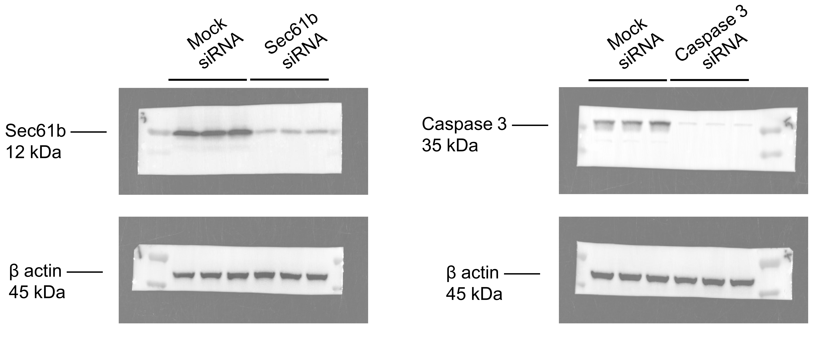
2j

 |  |  |  |  |  |  |  |  |  |  |  | Sec61b/β | Mock siRNA |  |  | Sec61b siRNA
 |  |  |  |  |  |  |  |  |  |  |  |  | 1.454 | 1.299 | 1.130 | 0.231 | 0.302 | 0.318

 |  |  |  |  |  |  |  |  |  |  |  | Caspase 3/β | Mock siRNA |  |  | Caspase 3 siRNA
 |  |  |  |  |  |  |  |  |  |  |  |  | 1.019 | 0.948 | 1.018 | 0.252 | 0.209 | 0.198

 |  | The blots originated from the same gel but were probed with different antibodies.

 |  | Sec61b |  |  |  |  | Caspase 3
 |  | Mock siRNA |  | Sec61b siRNA |  |  | Mock siRNA |  | Caspase 3 siRNA
 |  | 1.120 |  | 0.178 |  |  | 1.001 |  | 0.247
 |  | 1.000 |  | 0.233 |  |  | 0.931 |  | 0.205
 |  | 0.870 |  | 0.245 |  |  | 1.000 |  | 0.195

2k |  | Untreated |  |  |  | Mock siRNA |  |  |  | Sec61b siRNA |  |  |  | Caspase 3 siRNA
 |  | 37.879 | 40.442 | 39.561 |  | 42.258 | 42.762 | 40.158 |  | 74.086 | 65.202 | 67.661 |  | 72.293 | 64.791 | 61.552

Fig.3
3b | 4T1
 | Untreated |  |  | TPP+LA |  |  | mtDSN-2
 | 4.566 | 4.768 | 4.818 | 4.190 | 4.598 | 4.565 | 10.664 | 12.621 | 8.905

 | HeLa/R
 | Untreated |  |  | TPP+LA |  |  | mtDSN-2
 | 3.174 | 3.343 | 3.084 | 3.241 | 3.147 | 3.221 | 6.464 | 6.603 | 7.967

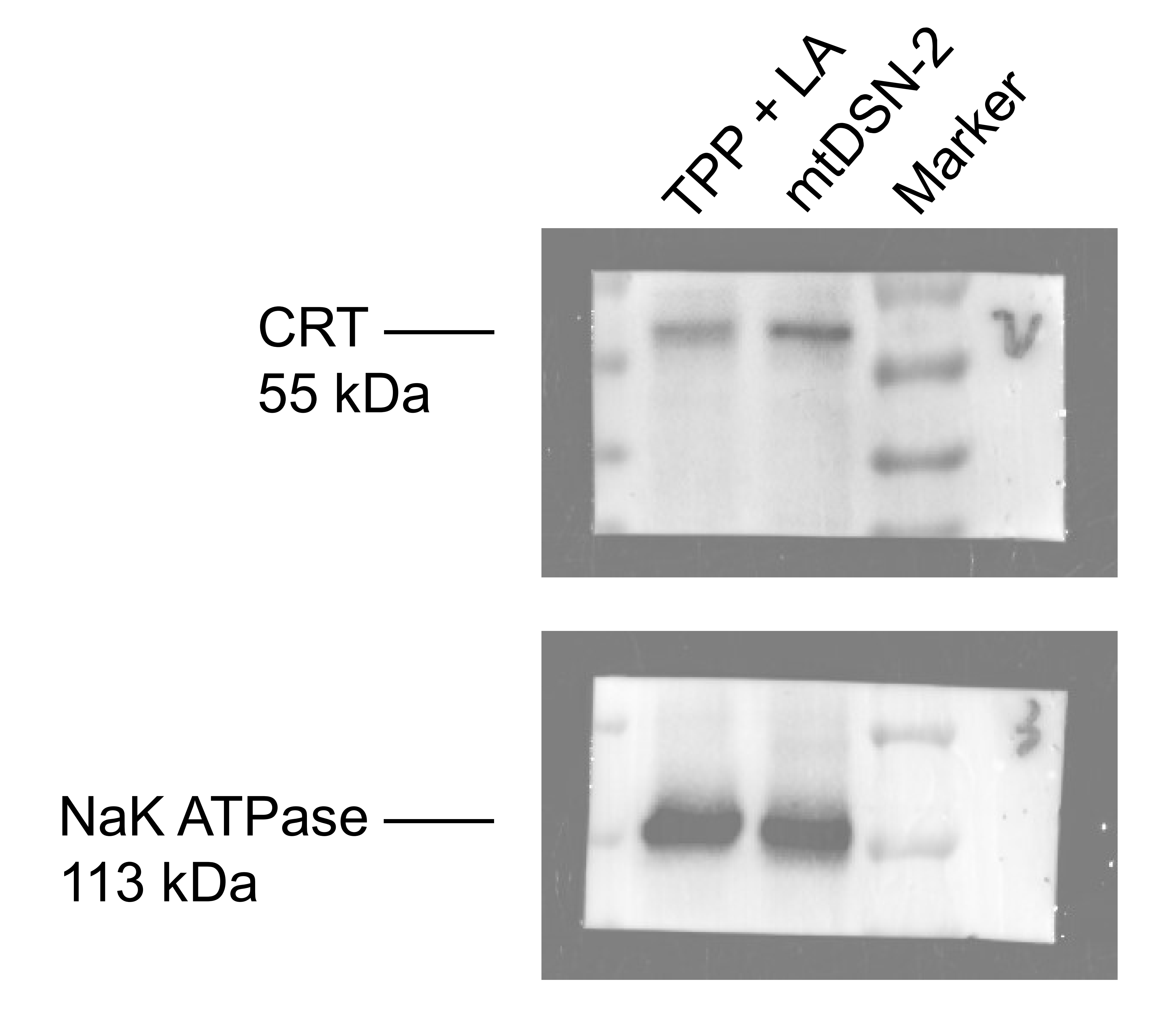
3c

 |  |  |  |  |  | CRT/NaK | TPP + LA | mtDSN-2
 |  |  |  |  |  |  | 0.469 | 1.083

 | The blots originated from the same gel but were probed with different antibodies.

3e | 4T1
 | Untreated |  |  |  | TPP + LA |  |  |  | mtDSN-2
 | 1.266 | 1.185 | 0.822 | 0.742 | 1.105 | 1.064 | 1.468 | 1.911 | 7.071 | 7.192 | 6.709 | 7.192

 | HeLa/R
 | Untreated |  |  |  | TPP + LA |  |  |  | mtDSN-2
 | 1.026 | 1.026 | 0.974 | 0.974 | 1.026 | 1.026 | 0.974 | 0.974 | 8.136 | 7.090 | 6.230 | 5.209

3f | 4T1
 | Untreated |  |  | TPP + LA |  |  | mtDSN-2
 | 3.671 | 3.877 | 3.160 | 3.408 | 3.638 | 4.117 | 1.963 | 1.685 | 1.605

 | HeLa/R
 | Untreated |  |  | TPP + LA |  |  | mtDSN-2
 | 6.810 | 7.463 | 6.087 | 7.020 | 8.573 | 5.742 | 4.783 | 4.067 | 3.545

3g | 4T1
 | Untreated |  |  | TPP + LA |  |  | mtDSN-2
 | 2.790 | 1.310 | 3.240 | 4.460 | 2.390 | 2.270 | 13.530 | 11.220 | 19.650

 | HeLa/R
 | Untreated |  |  | TPP + LA |  |  | mtDSN-2
 | 3.150 | 3.130 | 3.240 | 2.870 | 2.710 | 2.790 | 27.960 | 20.130 | 33.960

3h | 4T1
 | Untreated |  |  | TPP + LA |  |  | mtDSN-2
 | 32.800 | 34.500 | 21.900 | 33.600 | 37.700 | 27.800 | 51.600 | 54.300 | 65.800

 | HeLa/R
 | Untreated |  |  | TPP + LA |  |  | mtDSN-2
 | 36.300 | 28.000 | 29.200 | 26.100 | 30.700 | 27.900 | 53.200 | 50.600 | 58.000

3i | 4T1
 | Untreated |  |  | TPP + LA |  |  | mtDSN-2
 | 30.700 | 31.000 | 17.700 | 30.400 | 30.600 | 24.700 | 48.900 | 51.800 | 65.400

 | HeLa/R
 | Untreated |  |  | TPP + LA |  |  | mtDSN-2
 | 44.400 | 35.000 | 36.800 | 31.700 | 35.500 | 33.200 | 80.100 | 75.800 | 84.800

3k | 4T1
 | Untreated |  |  | TPP + LA |  |  | mtDSN-2
 | 0.981 | 0.959 | 0.959 | 0.996 | 0.936 | 0.926 | 2.151 | 2.115 | 2.099

 | HeLa/R
 | Untreated |  |  | TPP + LA |  |  | mtDSN-2
 | 0.378 | 0.372 | 0.367 | 0.380 | 0.393 | 0.389 | 0.846 | 0.815 | 0.910

3m | Untreated |  |  | TPP + LA |  |  | mtDSN-2
 | 22.705 | 24.749 | 31.460 | 17.285 | 32.419 | 21.680 | 139.497 | 119.902 | 121.912

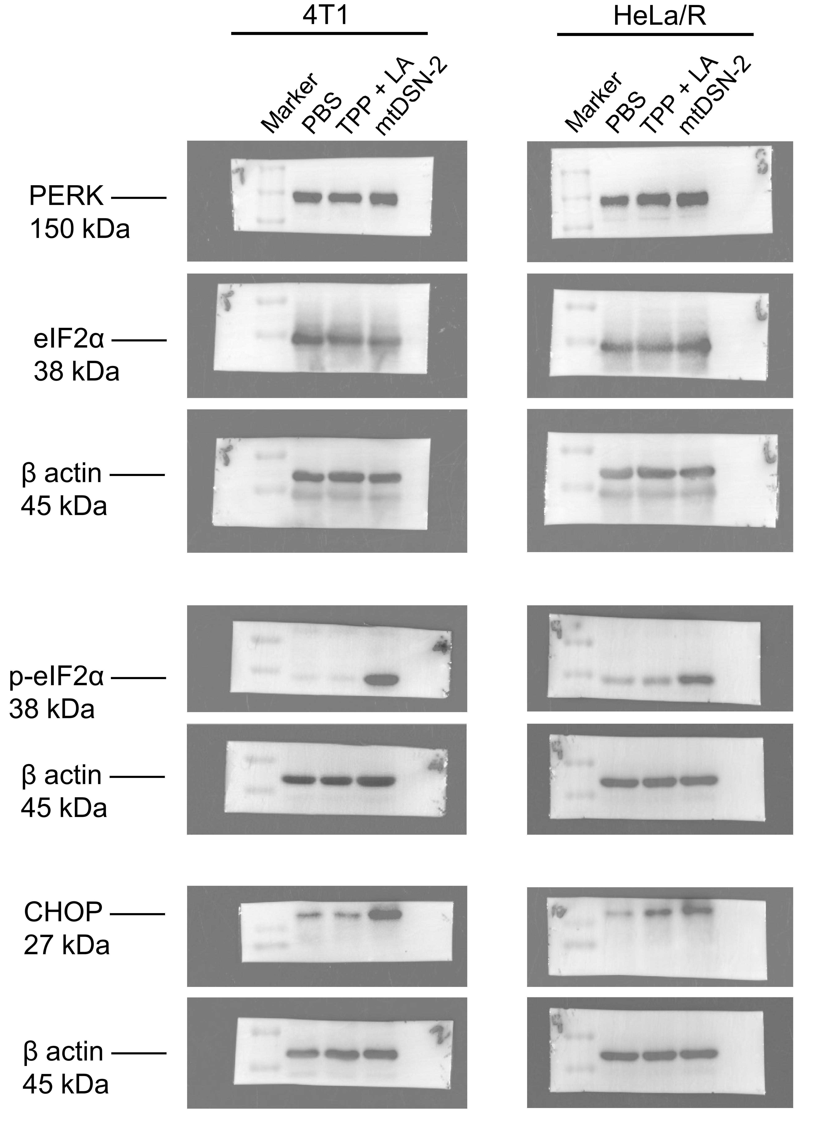
3o

 |  |  |  |  |  |  |  |  | 4T1 |  |  |  |  | HeLa/R
 |  |  |  |  |  |  |  | PERK/β | PBS | TPP + LA | mtDSN-2 |  | PERK/β | PBS | TPP + LA | mtDSN-2
 |  |  |  |  |  |  |  |  | 0.921 | 0.873 | 0.990 |  |  | 0.954 | 0.870 | 0.983

 |  |  |  |  |  |  |  | eIF2α/β | PBS | TPP + LA | mtDSN-2 |  | eIF2α/β | PBS | TPP + LA | mtDSN-2
 |  |  |  |  |  |  |  |  | 1.034 | 0.999 | 0.886 |  |  | 0.922 | 0.703 | 0.859

 | The blots originated from the same gel but were probed with different antibodies.

 |  |  |  |  |  |  |  |  |  | 4T1 |  |  |  |  | HeLa/R
 |  |  |  |  |  |  |  |  | p-eIF2α/β | PBS | TPP + LA | mtDSN-2 |  | p-eIF2α/β | PBS | TPP + LA | mtDSN-2
 |  |  |  |  |  |  |  |  |  | 0.043 | 0.047 | 0.790 |  |  | 0.123 | 0.175 | 0.847

 | The blots originated from the same gel but were probed with different antibodies.

 |  |  |  |  |  |  |  |  |  | 4T1 |  |  |  |  | HeLa/R
 |  |  |  |  |  |  |  |  | CHOP/β | PBS | TPP + LA | mtDSN-2 |  | CHOP/β | PBS | TPP + LA | mtDSN-2
 |  |  |  |  |  |  |  |  |  | 0.138 | 0.093 | 0.870 |  |  | 0.080 | 0.336 | 0.979

 | The blots originated from the same gel but were probed with different antibodies.

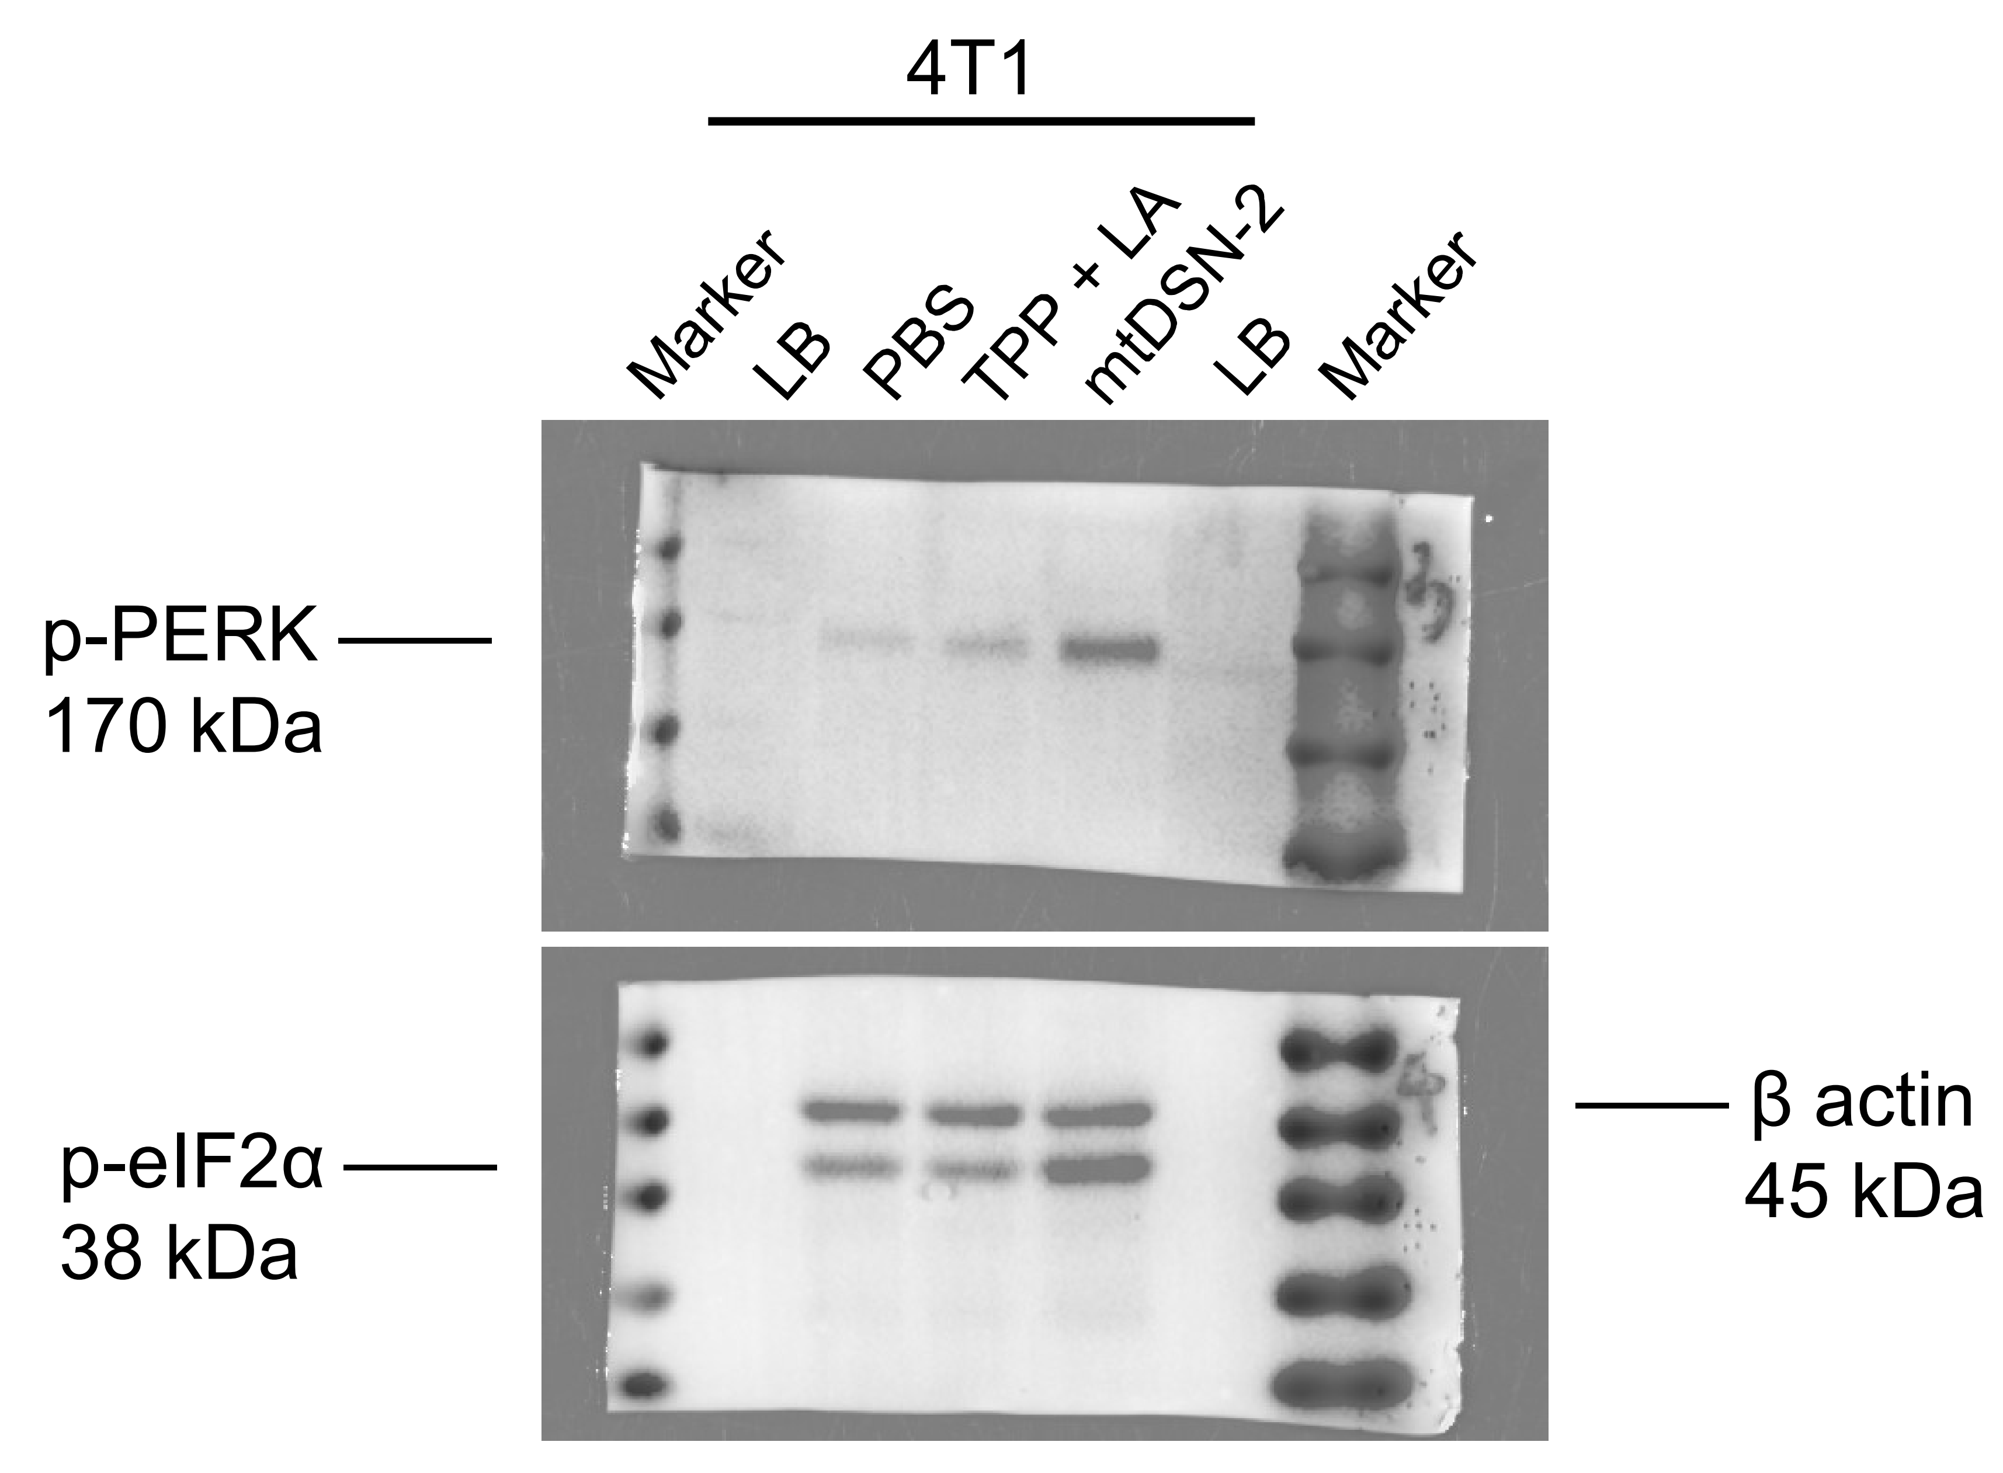

 |  |  |  |  |  |  |  |  | 4T1
 |  |  |  |  |  |  |  | p-PERK/β | PBS | TPP + LA | mtDSN-2
 |  |  |  |  |  |  |  |  | 0.052 | 0.159 | 0.928

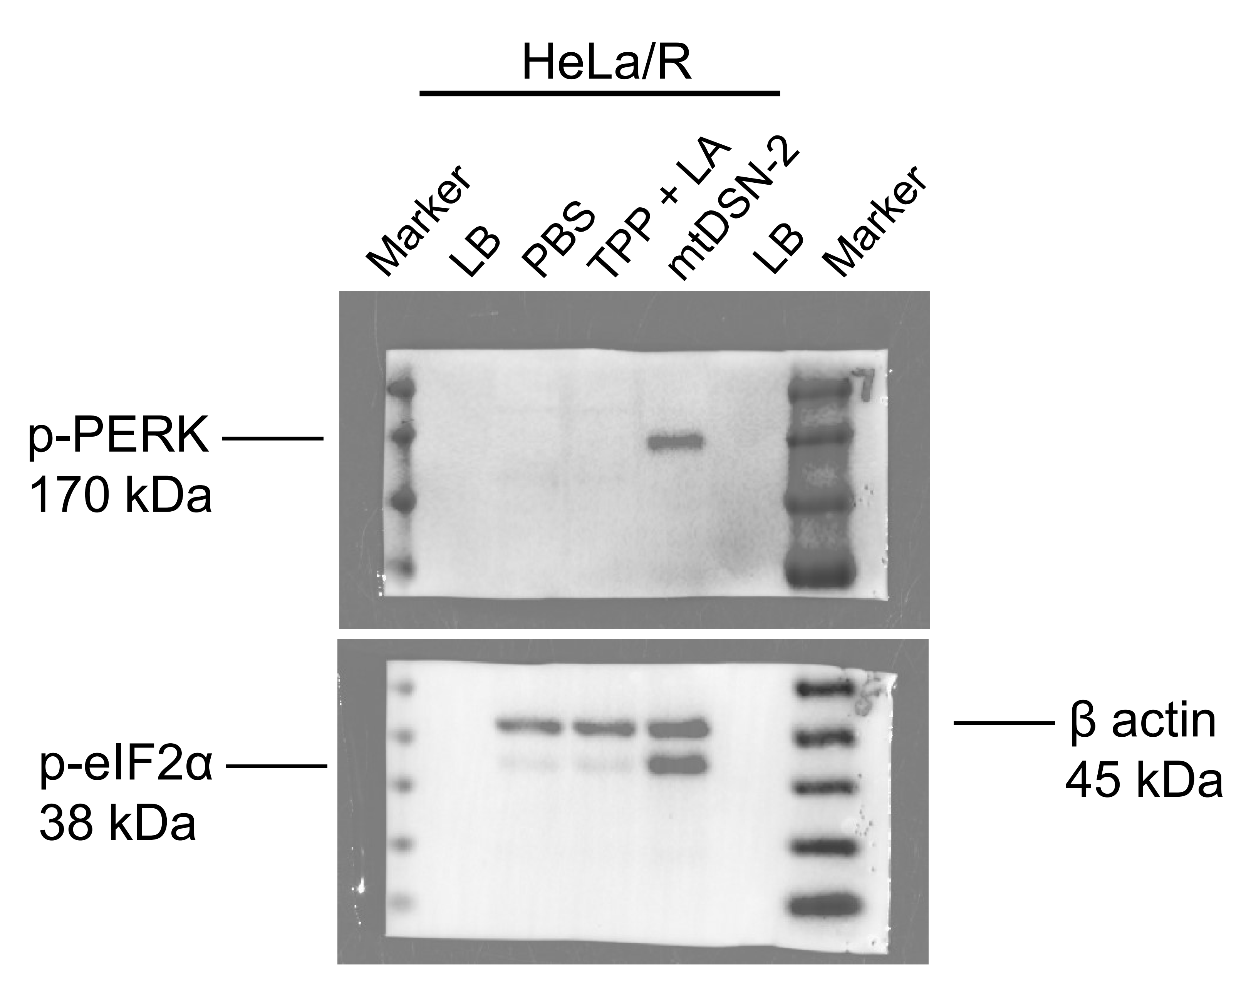

 |  |  |  |  |  |  |  |  | HeLa/R
 |  |  |  |  |  |  |  | p-PERK/β | PBS | TPP + LA | mtDSN-2
 |  |  |  |  |  |  |  |  | 0.000 | 0.000 | 0.874

 | The blots originated from the same gel but were probed with different antibodies.
 | LB: Loading buffer

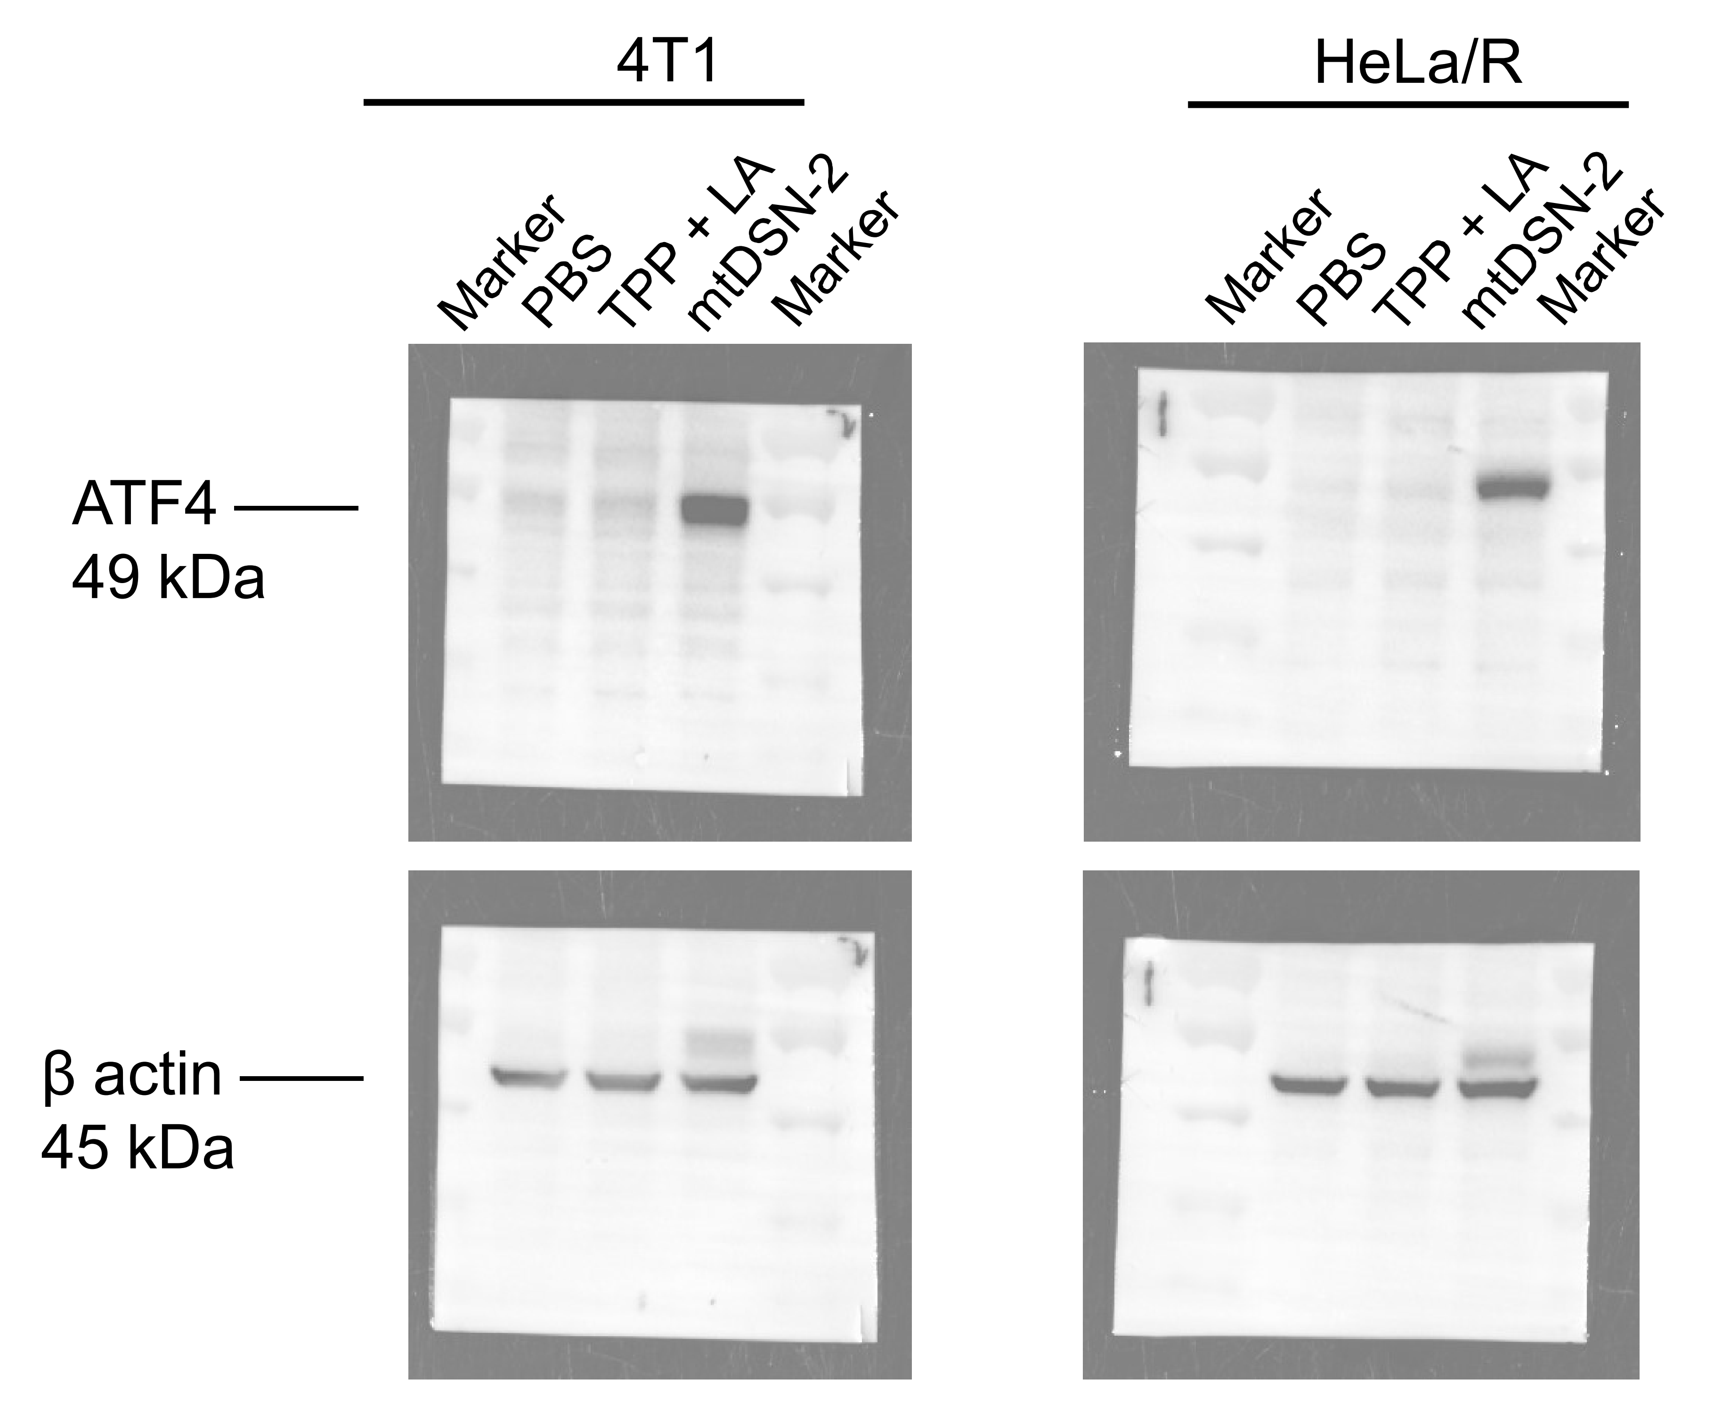

 |  |  |  |  |  |  |  |  | 4T1 |  |  |  |  | HeLa/R
 |  |  |  |  |  |  |  | ATF4/β | PBS | TPP + LA | mtDSN-2 |  | ATF4/β | PBS | TPP + LA | mtDSN-2
 |  |  |  |  |  |  |  |  | 0.095 | 0.139 | 0.966 |  |  | 0.058 | 0.113 | 1.027

 | The blots originated from the same gel but were probed with different antibodies.

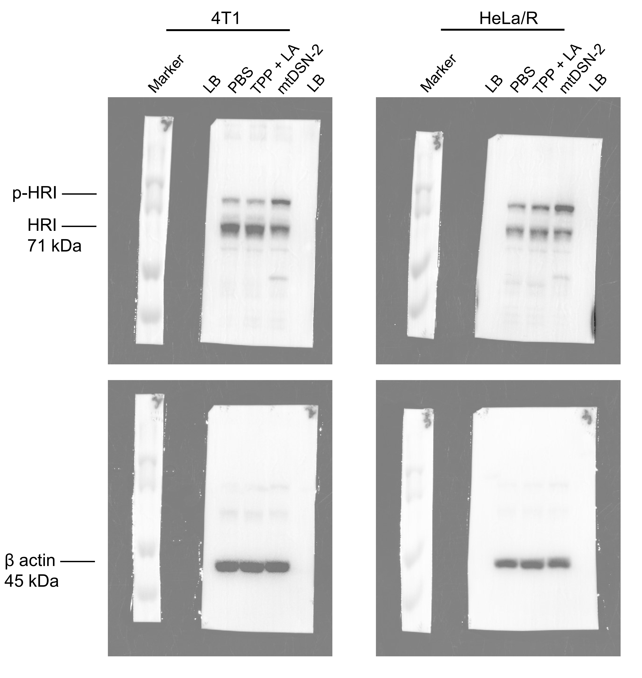

 |  |  |  |  |  |  |  |  | 4T1 |  |  |  |  | HeLa/R
 |  |  |  |  |  |  |  | p-HRI/β | PBS | TPP + LA | mtDSN-2 |  | p-HRI/β | PBS | TPP + LA | mtDSN-2
 |  |  |  |  |  |  |  |  | 0.233 | 0.218 | 0.822 |  |  | 0.165 | 0.272 | 1.051

 | The blots originated from the same gel but were probed with different antibodies.
 | LB: Loading buffer

Fig.S12
12b | PBS | TPP 20 μM | LA 20 μM | mtDSN-2 1 μM | mtDSN-2 3 μM | mtDSN-2 5 μM
 | 4.07 | 5.18 | 3.17 | 6.86 | 13.02 | 34.11
 | 3.69 | 5.48 | 3.48 | 6.67 | 13.13 | 39.11
 | 4.07 | 4.47 | 3.53 | 7.27 | 13.8 | 32.22

12c
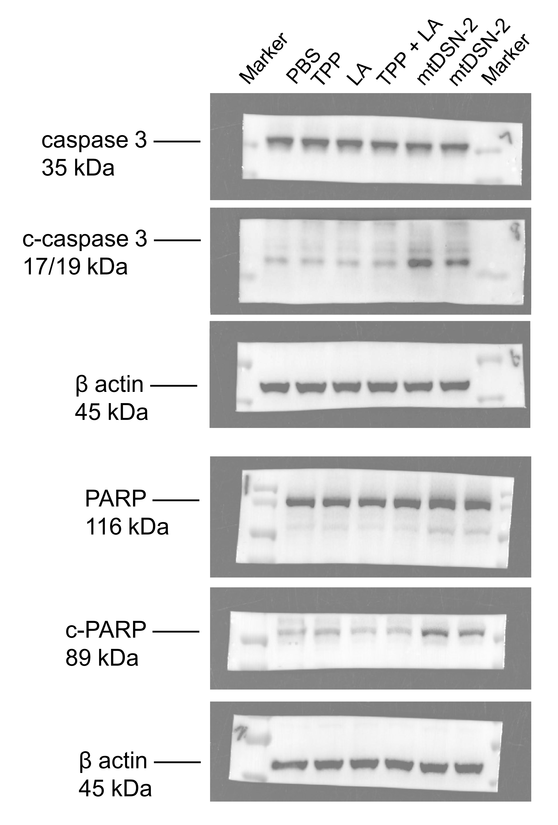

 |  |  |  |  | caspase 3/β | PBS | TPP | LA | TPP + LA | mtDSN-2
 |  |  |  |  |  | 0.906 | 0.940 | 0.970 | 0.870 | 0.954

 |  |  |  |  | c-caspase 3/β | PBS | TPP | LA | TPP + LA | mtDSN-2
 |  |  |  |  |  | 0.089 | 0.076 | 0.084 | 0.125 | 0.921

 | The blots originated from the same gel but were probed with different antibodies.

 |  |  |  |  | PARP/β | PBS | TPP | LA | TPP + LA | mtDSN-2
 |  |  |  |  |  | 0.834 | 0.869 | 0.846 | 0.915 | 0.997

 |  |  |  |  | p-PARP/β | PBS | TPP | LA | TPP + LA | mtDSN-2
 |  |  |  |  |  | 0.302 | 0.350 | 0.171 | 0.195 | 1.415

 | The blots originated from the same gel but were probed with different antibodies.

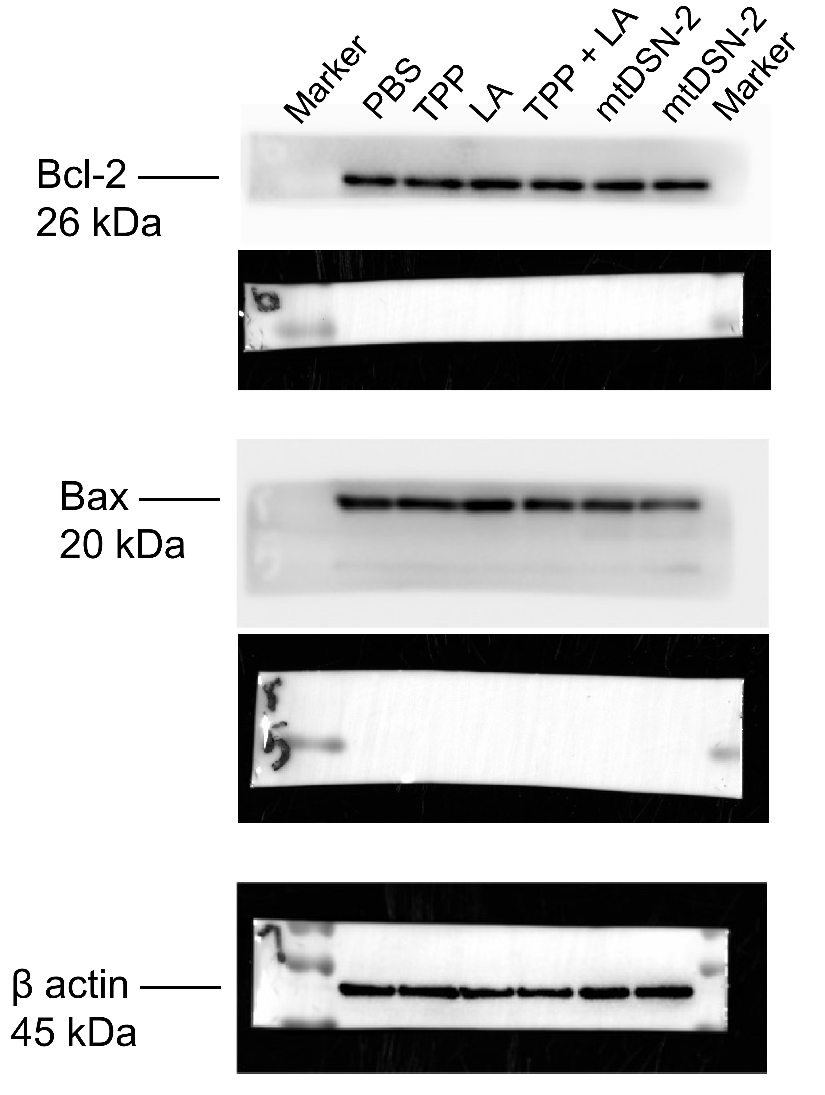

 |  |  |  |  | Bcl-2/β | PBS | TPP | LA | TPP + LA | mtDSN-2
 |  |  |  |  |  | 0.815 | 0.851 | 0.883 | 0.915 | 0.810

 |  |  |  |  | Bax/β | PBS | TPP | LA | TPP + LA | mtDSN-2
 |  |  |  |  |  | 1.020 | 0.999 | 1.107 | 1.049 | 0.906

 | The blots originated from the same gel but were probed with different antibodies.

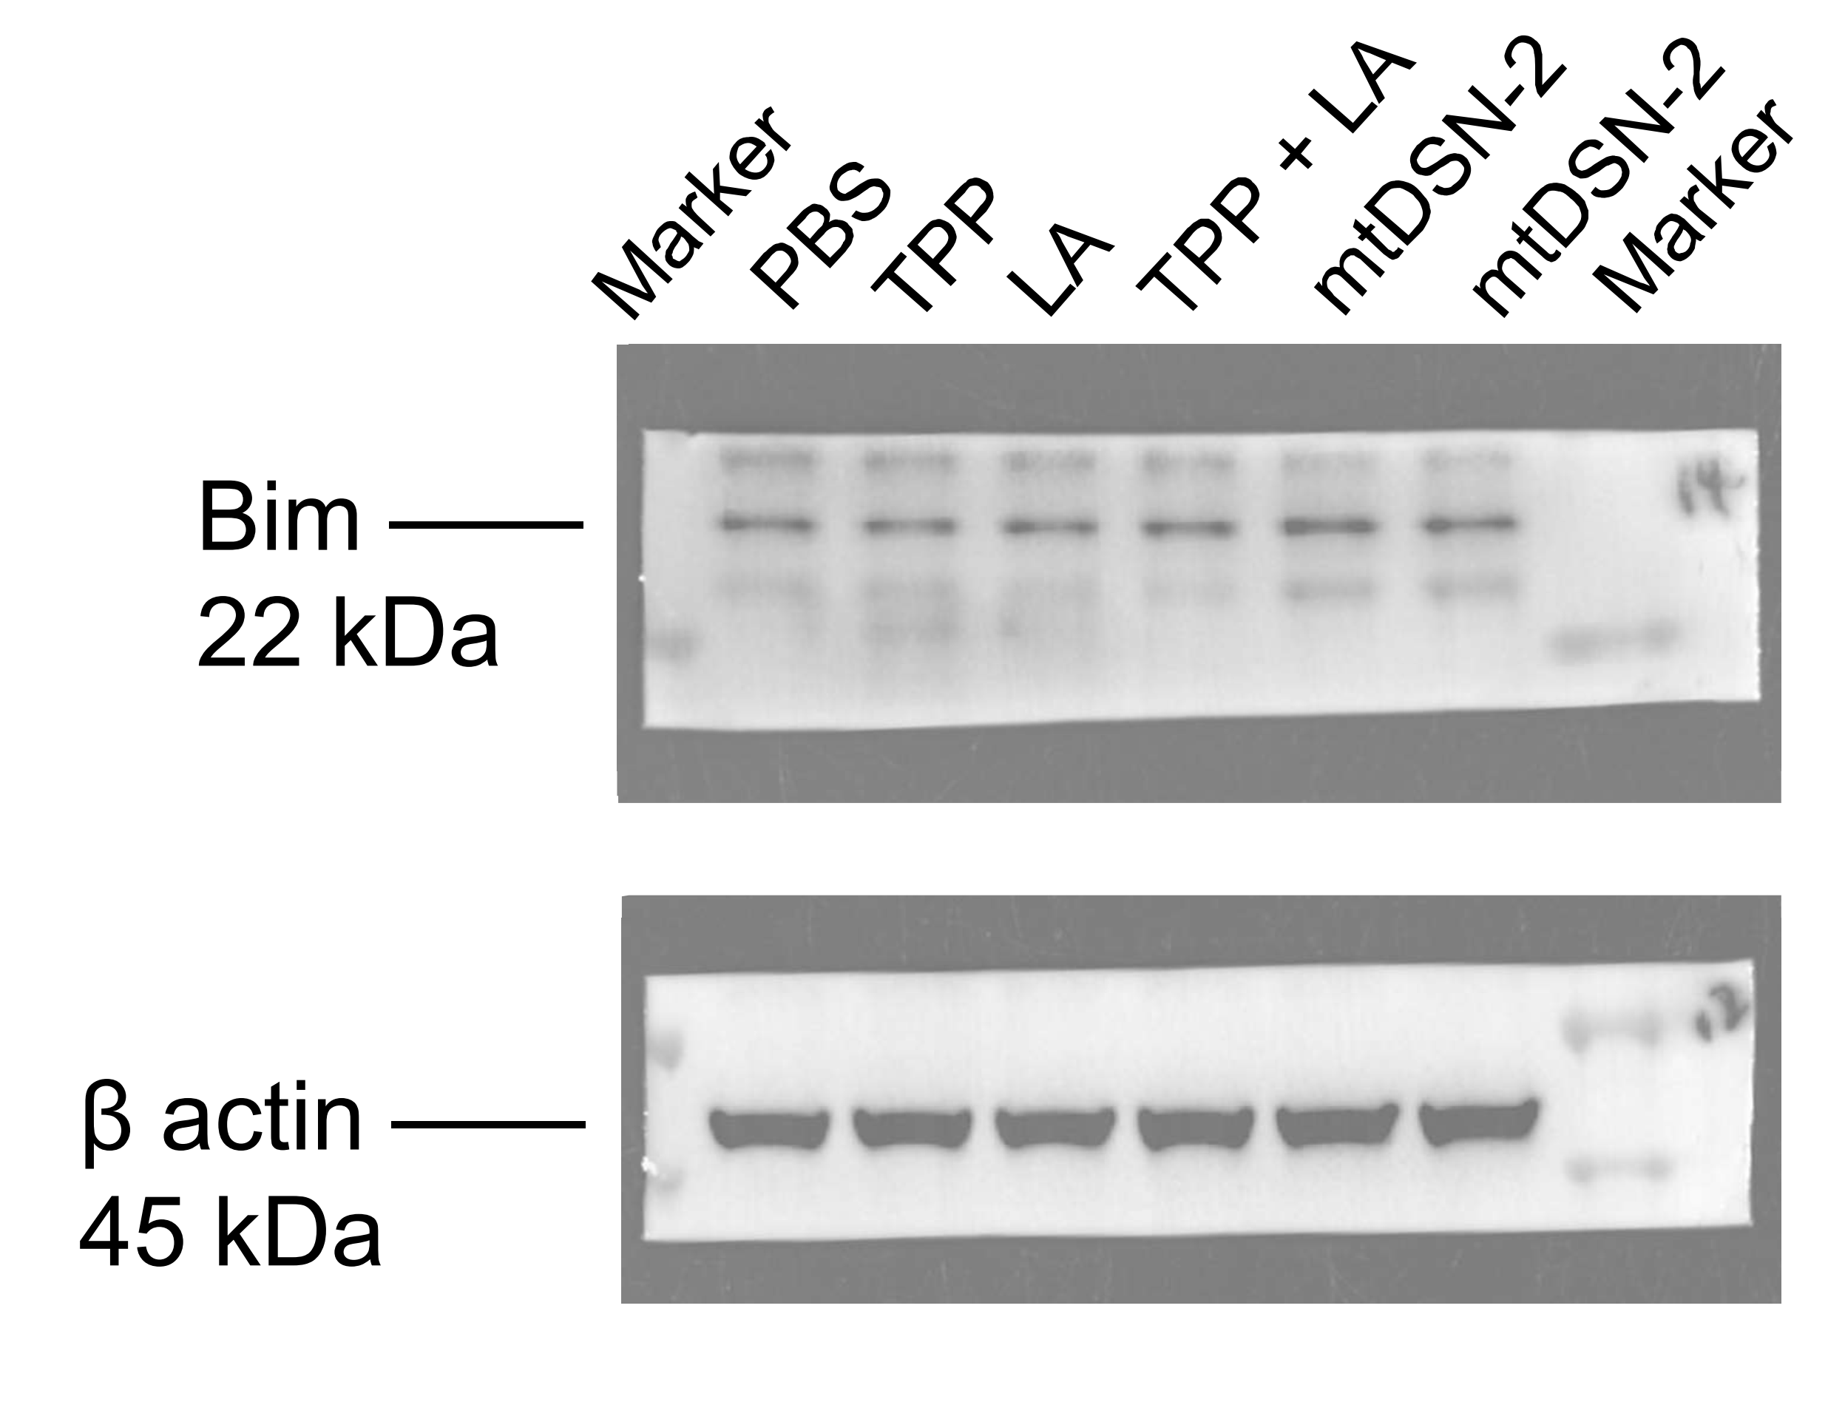

 |  |  |  |  | Bim/β | PBS | TPP | LA | TPP + LA | mtDSN-2
 |  |  |  |  |  | 1.135 | 0.926 | 0.951 | 0.919 | 1.038

 | The blots originated from the same gel but were probed with different antibodies.

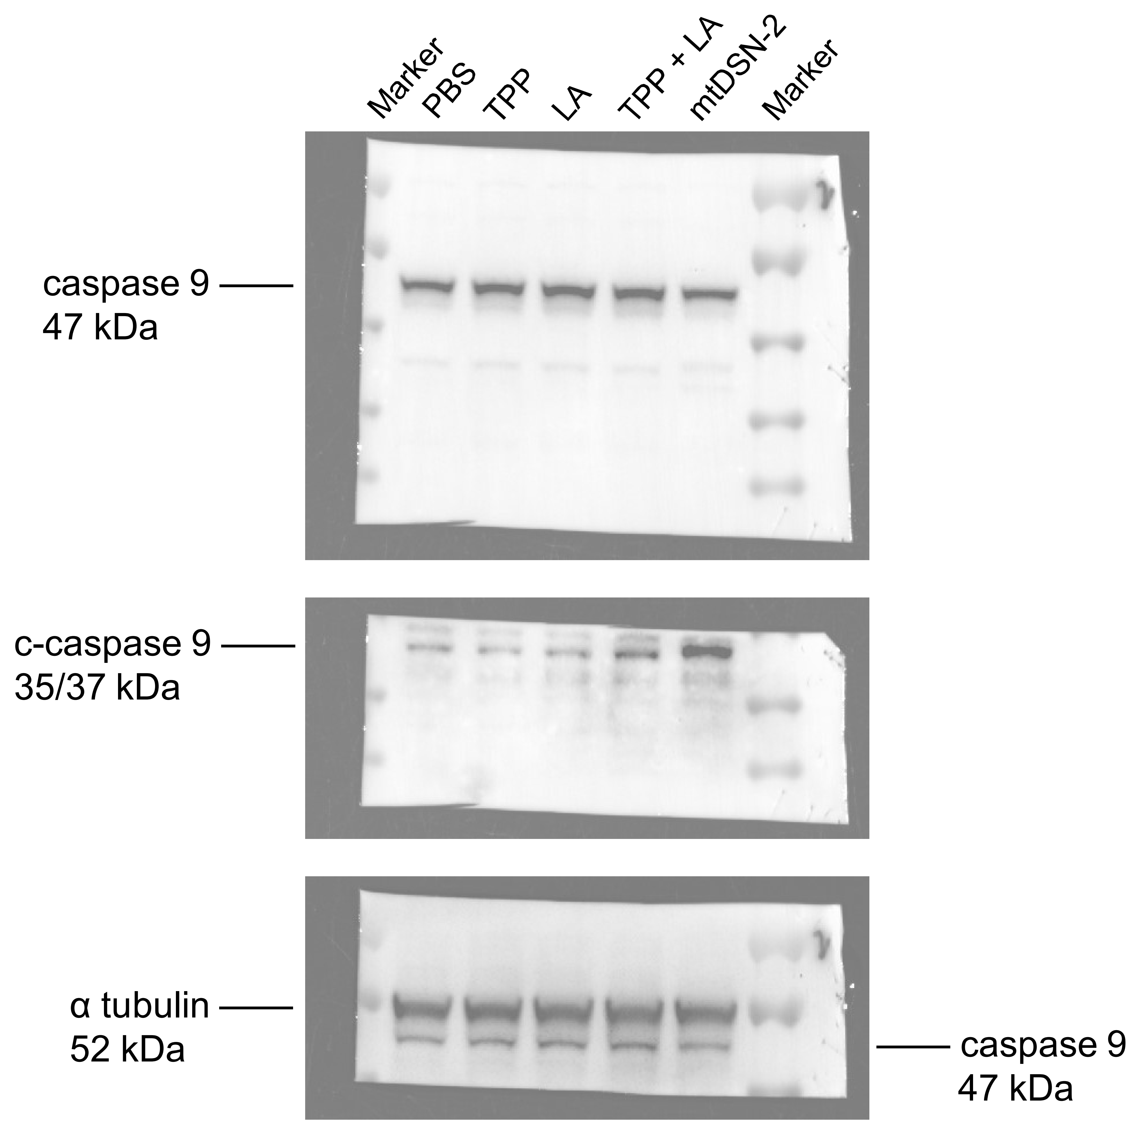

 |  |  |  |  | caspase 9/α | PBS | TPP | LA | TPP + LA | mtDSN-2
 |  |  |  |  |  | 1.090 | 1.129 | 1.208 | 1.086 | 0.895

 |  |  |  |  | c-caspase 9/α | PBS | TPP | LA | TPP + LA | mtDSN-2
 |  |  |  |  |  | 0.151 | 0.068 | 0.132 | 0.283 | 0.965

 | The blots originated from the same gel but were probed with different antibodies.

Fig.S17
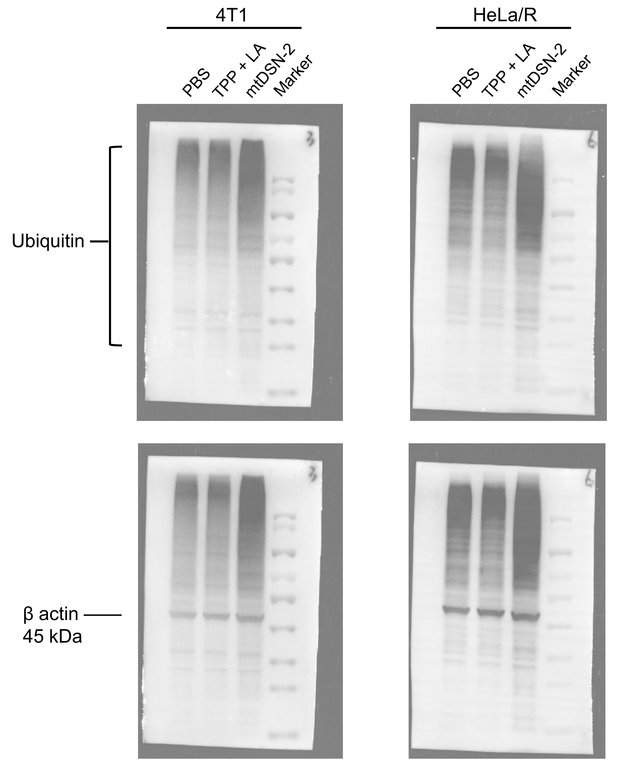

 |  | 4T1 |  |  |  | HeLa/R
 | Ub/β | PBS | TPP + LA | mtDSN-2 | Ub/β | PBS | TPP + LA | mtDSN-2
 |  | 0.641 | 0.594 | 1.000 |  | 0.694 | 0.614 | 1.000

The blots originated from the same gel but were probed with different antibodies.

