Figure8a,b
Figure 8a

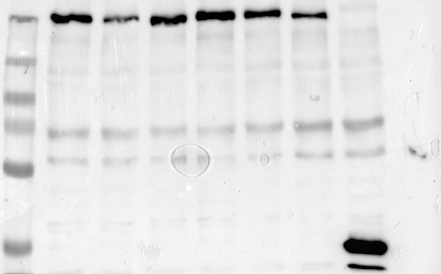
 |  | MACF1, coIP efficiency, Fig. 8b
 | Input | WT | L65S | N94S | A193P | L221M | L296P
 | antiGFP (Densin) | 0.90269275295 | 0.28763800169 | 0.29823409781 | 1.6812826728 | 0.28367544688 | 0.089774696459
 |  | 1.3617512268 | 0.154075 | 0.21077426644 | 1.2707453626 | 0.34991944351 | 0.034945193929
 |  | 1.1136620278 | 0.30839067454 | 0.46209443929 | 1.4065052614 | 0.45527834317 | 0.083026129848
 |  | 0.6217858516 | 0.33383897555 | 0.33834323356 | 1.0303270784 | 1.7822047892 | 0.17596658938

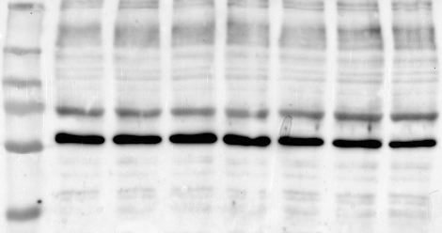

 | Input
 | antimRFP (Macf1)

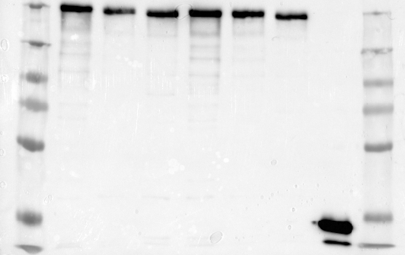

 | IP
 | antiGFP (Densin)

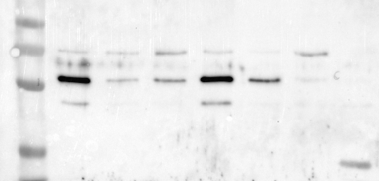

 | IP
 | antimRFP (Macf1)

Figure S1
Figure S1

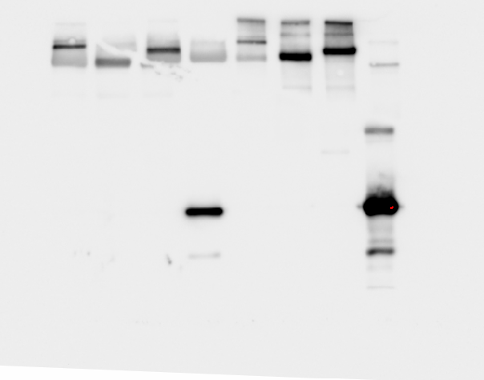
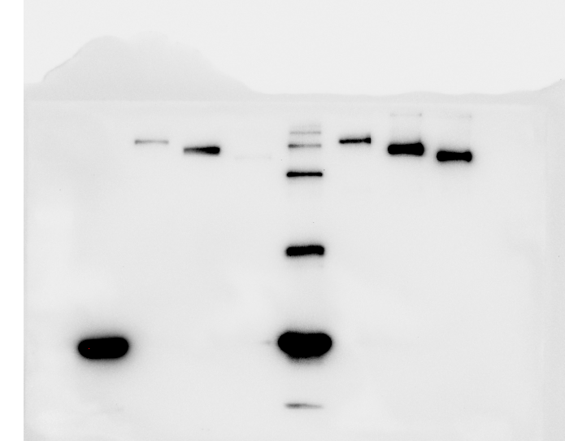
 | antiGFP (Densin)
 |  |  |  |  | antiGFP (Densin)

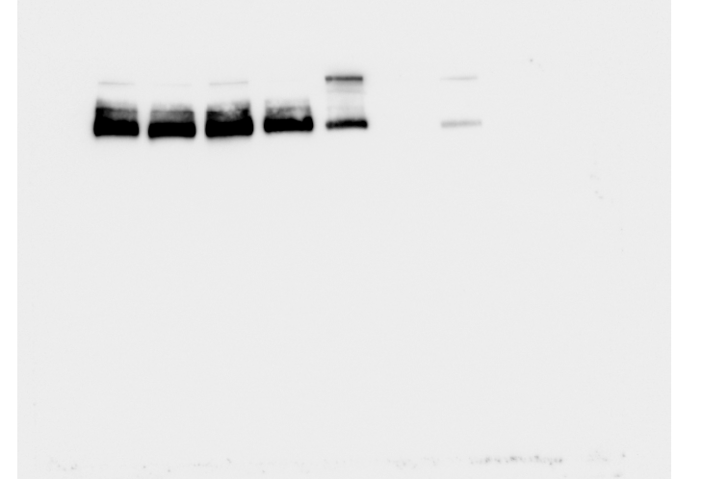
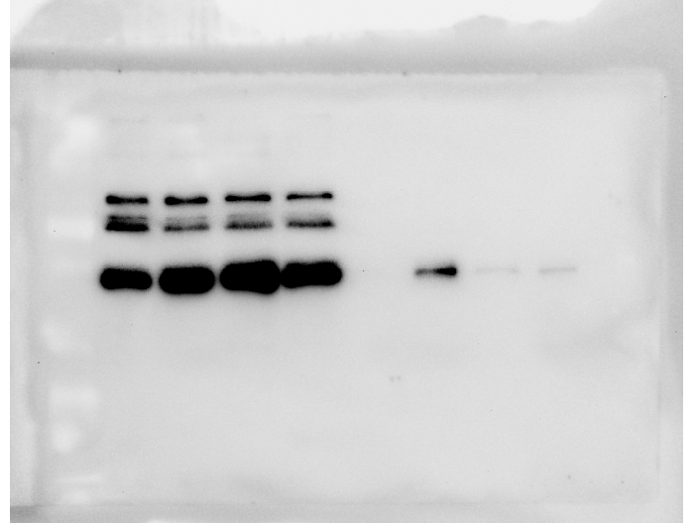
 |  |  |  |  | antiT7 (CaMKII)

 | antiHA (catenin)

 |  | T7-CamKII coprecipitation efficiency with Densin-deletions
 |  | Densin WT | Densin 1210* | Densin 1018*
 |  | 6.60663815 | 0.17113735 | 0.31719483
 |  | 3.95334665 | 0.2381101 | 0.2368134
 |  | 2.55702574 | 0.55095172 | 0.3671685
 |  | 4.67616427 | 0.36806805 | 0.45776682

Figure S7
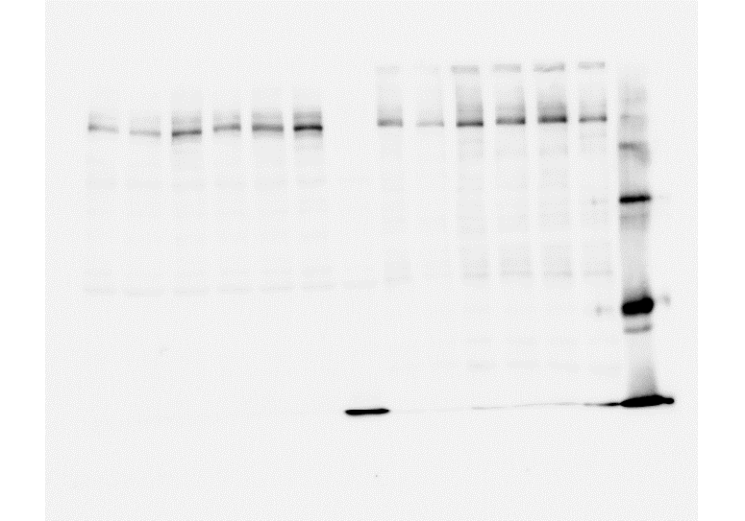

 |  |  |  |  |  | antiGFP (Densin) |  |  |  |  |  |  | antiGFP (Densin)

 |  |  |  |  |  |  |  |  |  |  |  |  |  |  |  |  |  |  | antiGFP (Densin)

 |  |  |  |  |  |  |  |  |  |  |  |  | antiHA (catenin)



 |  |  |  |  |  | antimRFP (Shank3)
 |  |  |  |  |  |  |  |  |  |  |  |  |  |  |  |  |  |  | antiT7 (CamKII)

 |  |  |  |  |  |  |  |  |  |  |  |  |  | WT | L65S | N94S | A193P | L221M | L296P | control
 |  |  |  |  |  |  |  |  |  |  |  |  |  | 1.2151877978 | 1.2290279179 | 2.112926972 | 2.3028823423 | 1.0678905305 | 0.63284108108 | 0.014644794795
 |  |  |  |  |  |  |  |  |  |  |  |  |  | 1.1784896647 | 0.95836480981 | 1.3088701301 | 0.63049904905 | 0.55273966466 | 1.6245244044 | 0.065533118118
 |  |  |  |  |  |  |  |  |  |  |  |  |  | 0.60600062062 | 1.1780265465 | 0.41972947948 | 0.3614782983 | 0.89276840841 | 2.468581011 | 0.018319004004
coIP efficiency of Shank3 with Densin-wt and mutants |  |  |  |  |  |  | WT | L65S | N94S | A193P | L221P | L296P
WT | L65S | N94S | A193P | L221P | L296P |  | 0.61 | 1.42 | 0.95 | 0.76 | 1.13 | 1.17
4.77 | 2.76 | 2.44 | 3.38 | 2.57 | 1.63 |  | 2.25 | 4.21 | 2.8 | 5.3 | 2.28 | 1.51
5.95 | 3.92 | 2.11 | 2.35 | 3.22 | 1.88 |  | 1.7 | 2.08 | 2.18 | 1.51 | 1.53 | 1.21
2.82 | 1.13 | 0.7 | 0.59 | 0.54 | 0.48
5.66064304 | 14.4543864 | 2.97993703 | 4.13553105 | 2.64811129 | 7.44374161

