Figure 3b
Figure 3b | anti-Mcm6

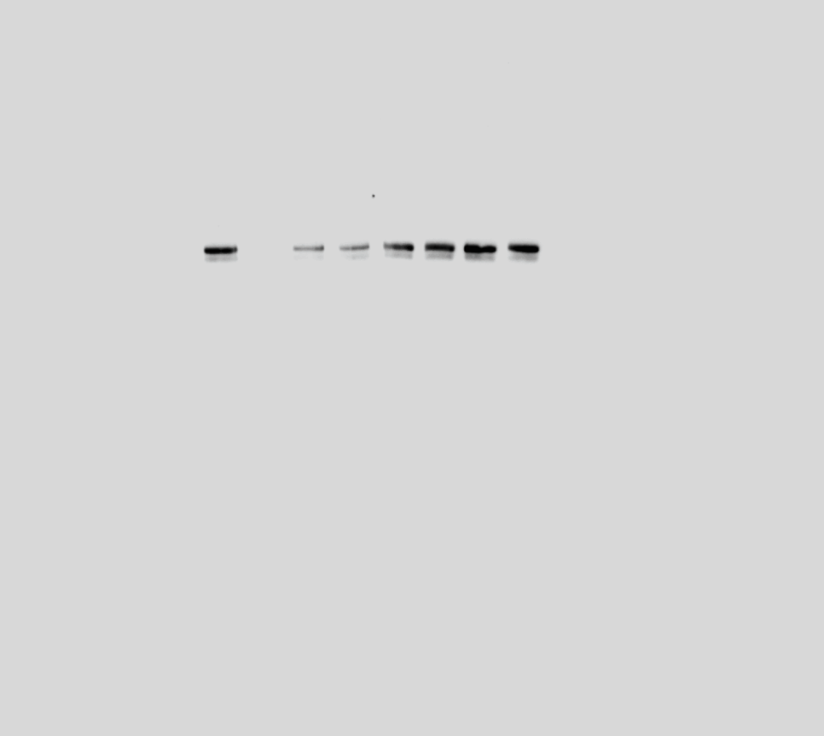

Chromatin
WCE

WT
NC
∆N200
I194E
WT
NC
∆N200
I194E
140 kDa

100 kDa

Mcm6

 | anti-Orc3



Chromatin
WCE

75 kDa
WT
NC
∆N200
I194E
WT
NC
∆N200
I194E

50 kDa

Orc3

25 kDa

H2B

10 kDa

 | anti-H2B

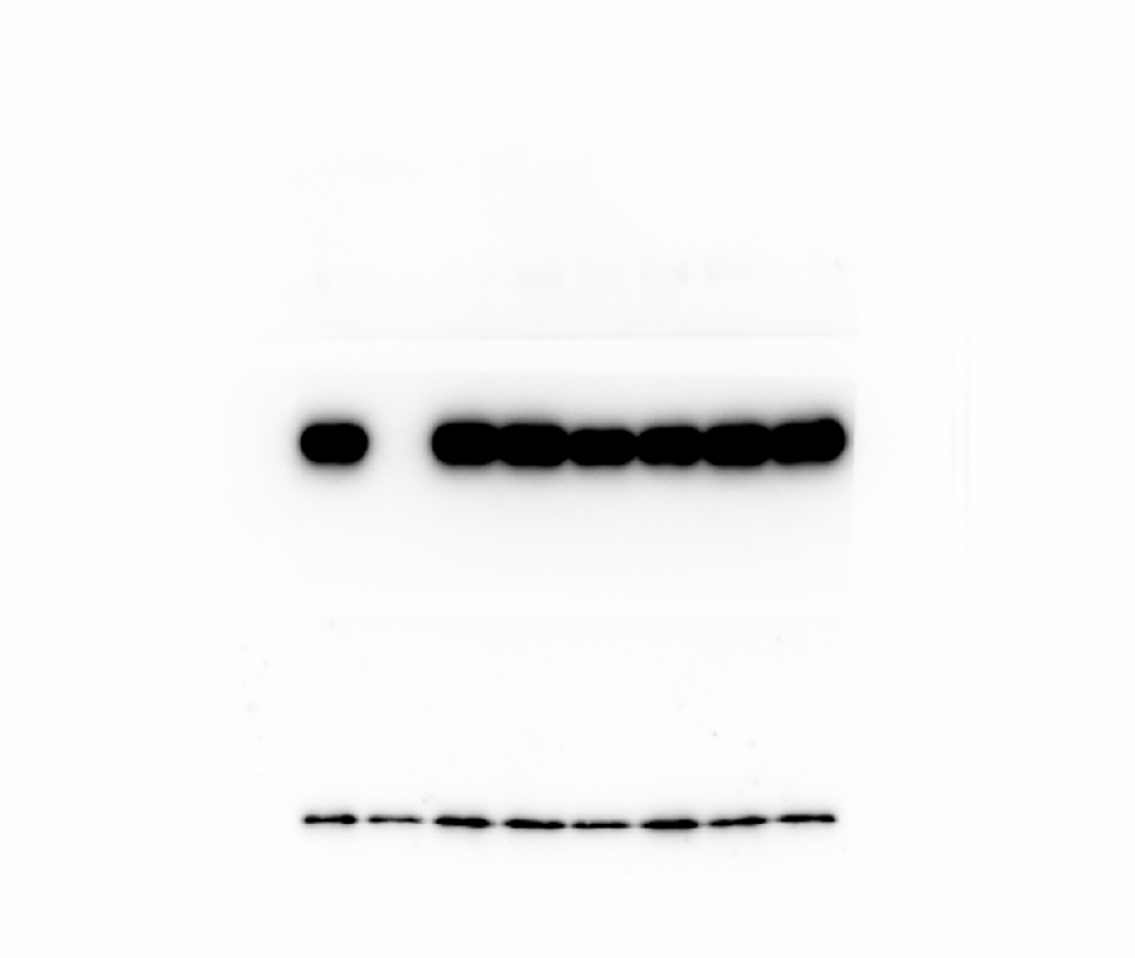

120 kDa
Mcm6

100 kDa

75 kDa

50 kDa

Orc3

Chromatin
WCE

25 kDa
WT
NC
∆N200
I194E
WT
NC
∆N200
I194E

10 kDa
H2B

Figure 3e
Figure 3e | anti-Mcm6



Mcm6
ATP/LSW

WT
-ve
175
200
mut4
140 kDa

100 kDa

 | anti-Cdc6



ATP/LSW
mut4
WT
-ve
175
200

75 kDa

Cdc6

 | anti-Cdt1


ATP/LSW
mut4
WT
-ve
175
200
75 kDa
Cdt1

50 kDa

 | anti-Orc3



ATP/LSW
mut4
WT
-ve
175
200

Orc3
50 kDa

Figure 3f
Figure 3f | anti-Mcm6

ATP/HSW
mut4
WT
-ve
175
200
140 kDa

Mcm6
100 kDa

 | anti-Cdc6



Cdc6
ATP/HSW
WT
-ve
175
200
mut4
75 kDa

 | anti-Cdt1

Cdt1

ATP/HSW

WT
-ve
175
200
mut4
75 kDa

50 kDa

 | anti-Orc3

Orc3
ATP/HSW
mut4
WT
-ve
175
200

50 kDa

Figure 3g
Figure 3g | anti-Mcm6


ATPγS/LSW
mut4
120 kDa
WT
-ve
175
200

100 kDa

Mcm6

 | anti-Cdc6

ATPγS/LSW
mut4
WT
-ve
175
200
75 kDa

Cdc6

 | anti-Cdt1
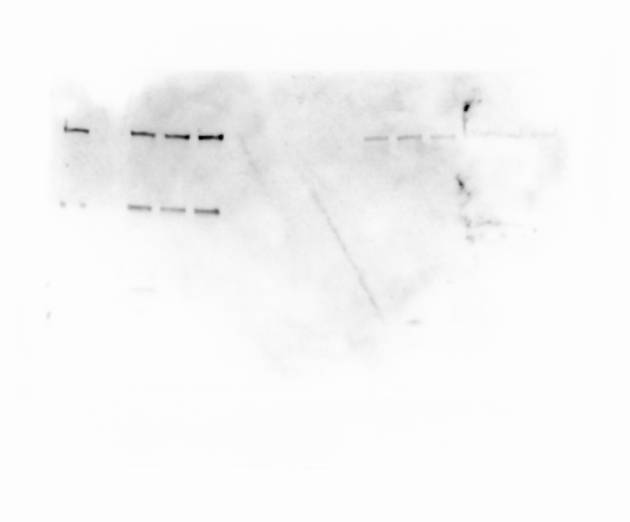

ATPγS/LSW
mut4
WT
-ve
175
200
75 kDa

Cdt1
50 kDa

 | anti-Orc3

ATPγS/LSW
mut4
WT
-ve
175
200

Orc3
50 kDa

Suppl. Figure 3a
GST pull down
Supplementary Figure 3a
 |  |  | anti-Mcm6
 | anti-Mcm2
Input
GST pull down
Input


GST-O2N200
GST-O2N200
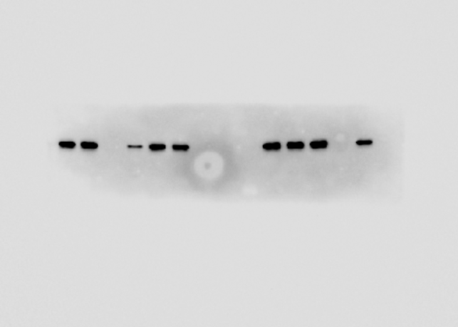
GST-O2N200
GST-O2N200

GST
GST
GST
GST

140 kDa

100 kDa
140 kDa

Mcm2

100 kDa
Mcm6

 |  | anti-GST
Input
GST pull down

GST-O2N200
GST-O2N200
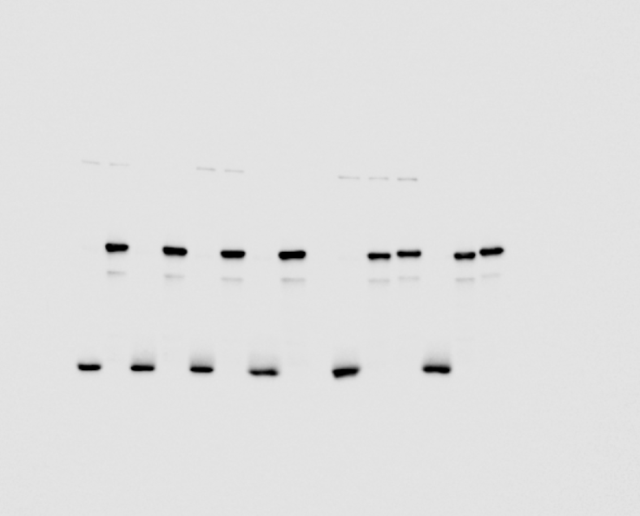

GST
GST

50 kDa

40 kDa

30 kDa

25 kDa

GST

Suppl. Figure 3b
Supplementary Figure 3b

 | anti-Mcm2


Input
GST pull down
GST
+
-
-
+
-
-

GST-O2N200
-
+
+
-
+
+
S-CDK
-
-
+
-
-
+

Cdt1-Mcm2-7 heptamer
+
+
+
+
+
+
140 kDa

100 kDa

Mcm2

 | anti-GST

Input
GST pull down

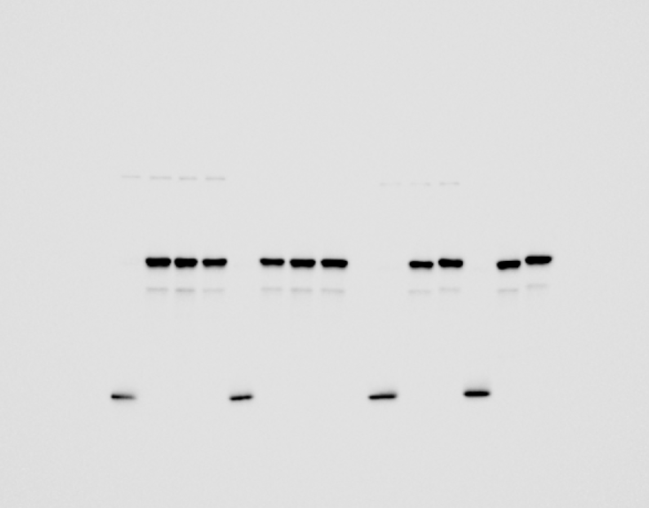
GST
+
-
+
-
-
-
GST-O2N200
-
+
-
+
+
+

S-CDK
-
-
-
+
-
+
+
+
+
+
+
+
Cdt1-Mcm2-7 heptamer

50 kDa

40 kDa

30 kDa

25 kDa

GST

 | anti-Mcm6



Input
GST pull down
+
-
-
GST
-
+
-
GST-O2N200
+
-
+
+
-
+

S-CDK
-
-
+
-
-
+
Cdt1-Mcm2-7 heptamer
+
+
+
+
+
+

140 kDa
Mcm6

100 kDa

Mcm6

