Supplementary Fig. 2
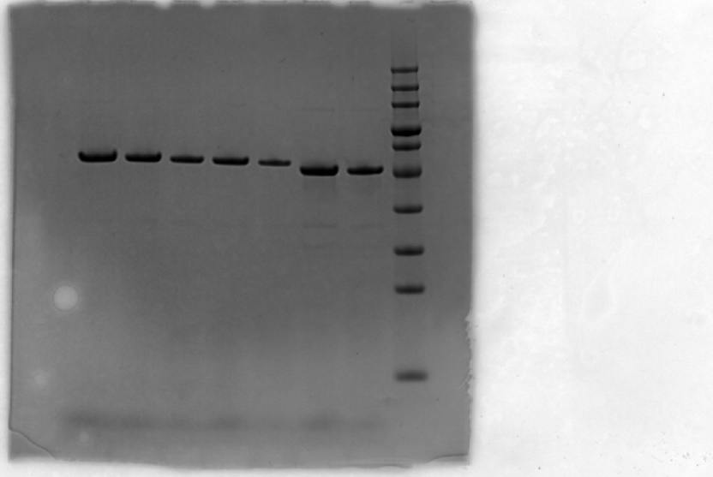
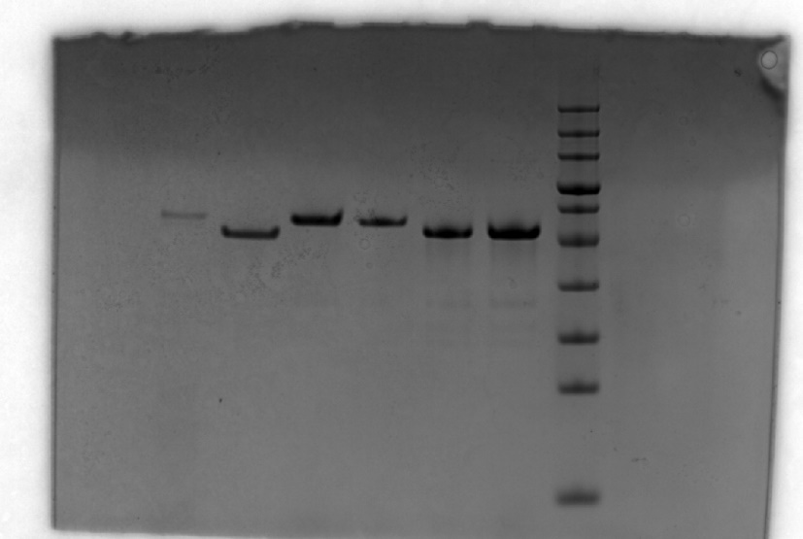
SIDP1
-GFP
SIDP3
-GFP
SIDP5
-GFP
SIDP7
-GFP
100
SIDP8
-GFP
SIDP10
-GFP
72
SIDP12
-GFP
100
55
43
72
SIDP2
-GFP
SIDP4
-GFP
SIDP6
-GFP
33
55
43
SIDP9
-GFP
SIDP11
-GFP
SIDP13
-GFP
33
25
17
25
17

Supplementary Fig. 3
 | OD600
Temperature(oC) | experiment 1 | experiment 2 | experiment 3
0 | 0.053 | 0.0512 | 0.0501
5 | 0.059 | 0.0579 | 0.0563
10 | 0.0503 | 0.0589 | 0.0537
15 | 0.07 | 0.06 | 0.0641
20 | 0.16 | 0.15 | 0.154
22.5 | 0.47 | 0.53 | 0.501
25 | 1.38 | 1.57 | 1.3
30 | 1.7211 | 1.74 | 1.705
33 | 1.838 | 1.7956 | 1.8064
37 | 1.9665 | 2.08 | 2.147
42 | 2.16 | 2.145 | 2.154
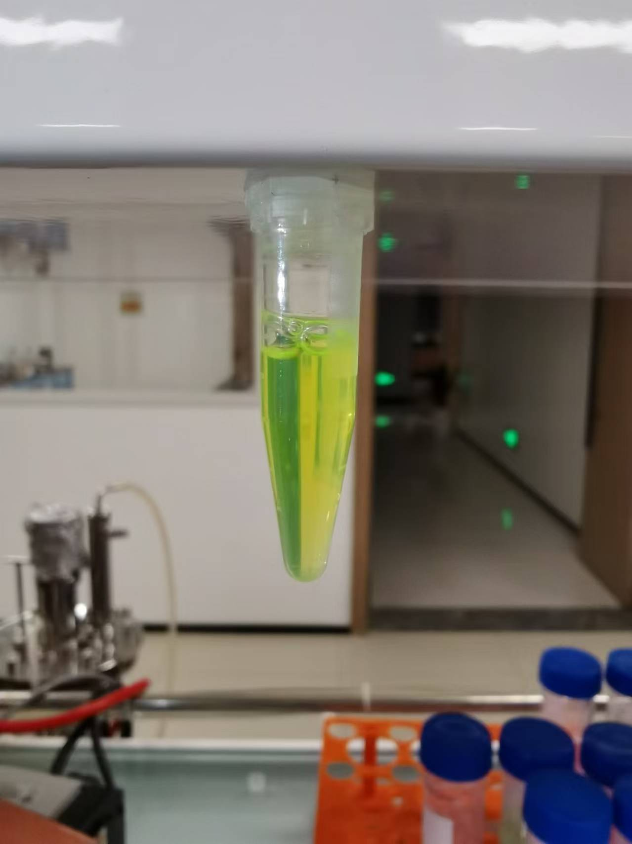
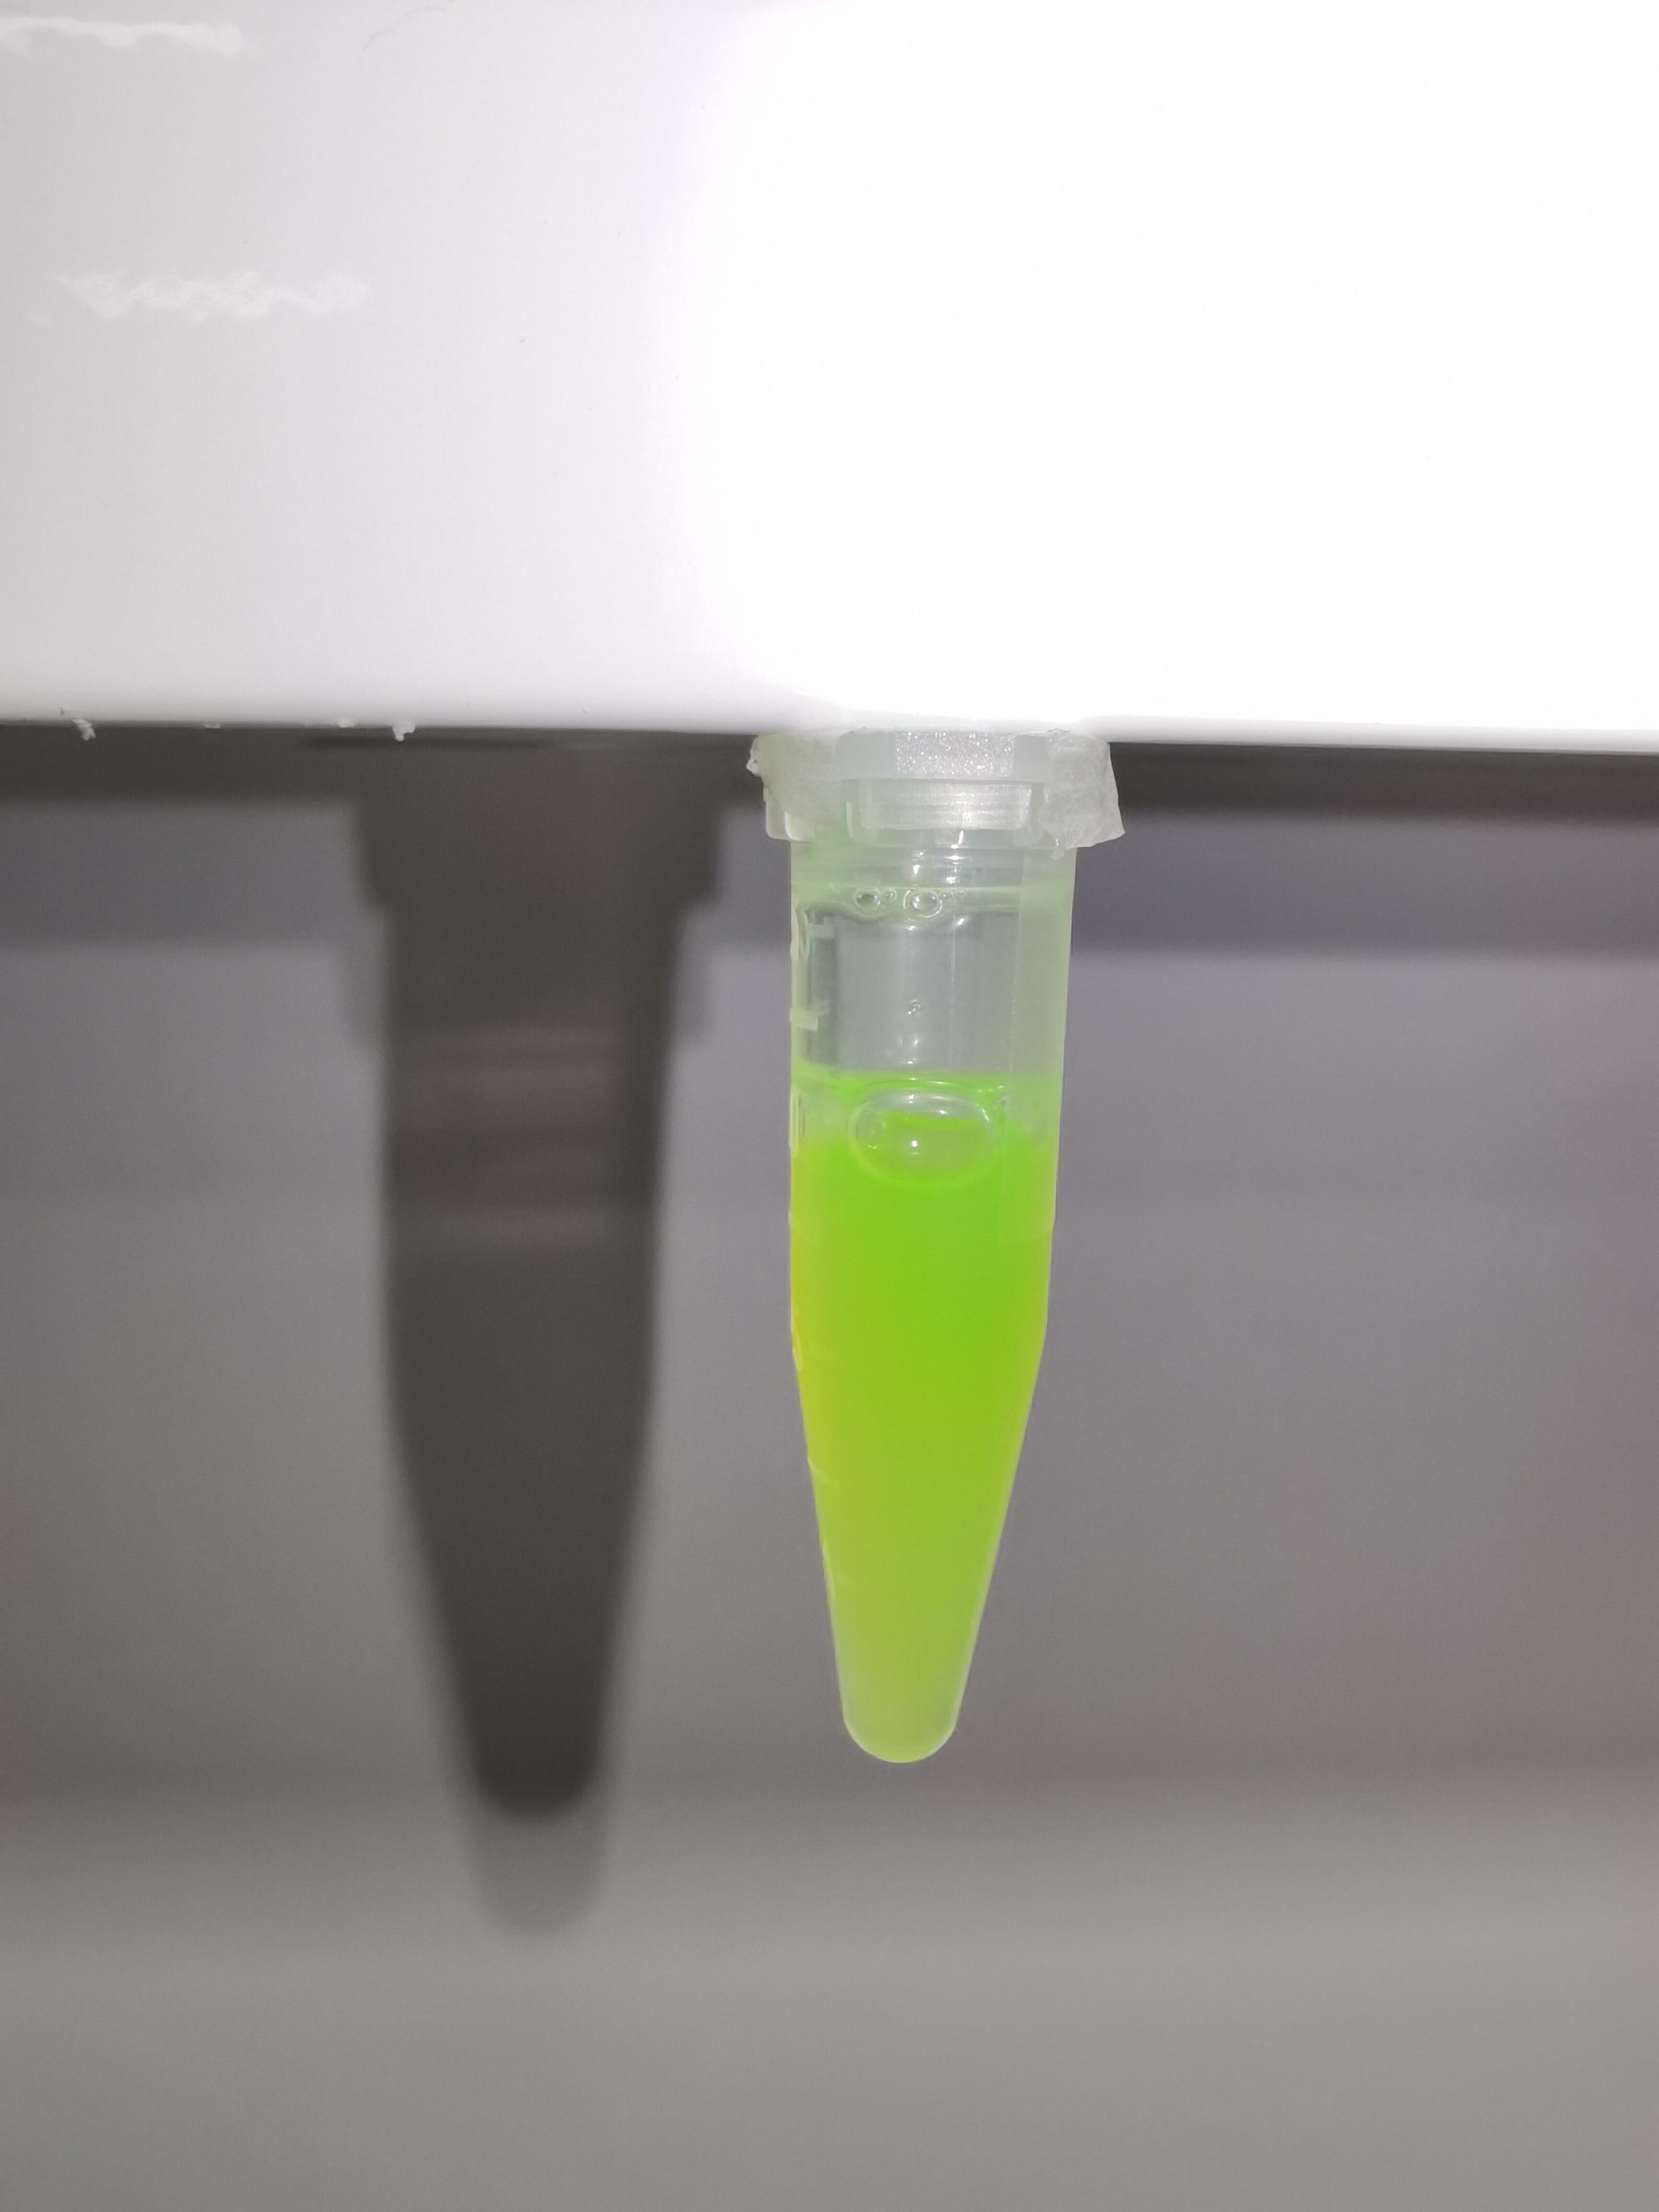
46 | 2.2 | 2.17 | 2.189
50 | 2.19 | 2.193 | 2.106

Supplementary Fig. 10
Supernatant fluid of B. subtilis after sonication
Supernatant fluid of B. subtilis expressing SIDP1-GFP
Supernatant fluid of B. subtilis expressing SIDP2-GFP
Supernatant fluid of B. subtilis expressing SIDP4-GFP

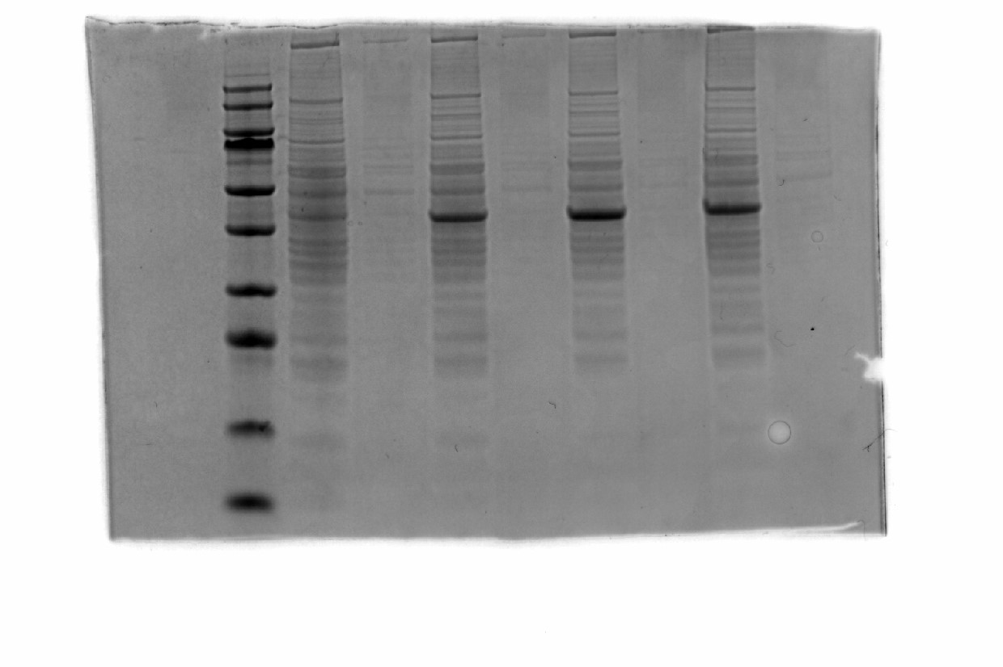

55
43

33
25

17

8
Sediment of B. subtilis
Sediment of B. subtilis expressing SIDP1-GFP
Sediment of B. subtilis expressing SIDP2-GFP
Sediment of B. subtilis expressing SIDP4-GFP

Supplementary Fig. 31&Table 1
AGE OMeY |  |  |  | AGE wild type
 | μM/min |  |  |  | μM/min
S (μM) | experiment 1 | experiment 2 | experiment 3 | S (μM) | experiment 1 | experiment 2 | experiment 3
9.041183 | 0.149656 | 0.154 | 0.137 | 9.041183 | 0.069101 | 0.06785 | 0.06841
18.08237 | 0.313623 | 0.304 | 0.311 | 18.08237 | 0.123814 | 0.1453 | 0.1426
27.12355 | 0.45787 | 0.456 | 0.449 | 27.12355 | 0.153126 | 0.1536 | 0.1758
36.16473 | 0.588465 | 0.574 | 0.569 | 36.16473 | 0.183007 | 0.1658 | 0.1976
45.20591 | 0.740148 | 0.7214 | 0.736 | 45.20591 | 0.20076 | 0.2156 | 0.2047
54.2471 | 0.874168 | 0.88 | 0.84 | 54.2471 | 0.225224 | 0.2432 | 0.2214
63.28828 | 1.007722 | 0.997 | 1.047 | 63.28828 | 0.259155 | 0.2364 | 0.2478
72.32946 | 1.146669 | 1.1354 | 1.1432 | 72.32946 | 0.267712 | 0.2635 | 0.25789
81.37064 | 1.283324 | 1.2535 | 1.2678 | 81.37064 | 0.285584 | 0.27465 | 0.2736
90.41183 | 1.423344 | 1.4368 | 1.42636 | 90.41183 | 0.313238 | 0.307 | 0.2963
180.8237 | 2.728017 | 2.7367 | 2.7146
271.2355 | 3.820116 | 3.8147 | 3.7934
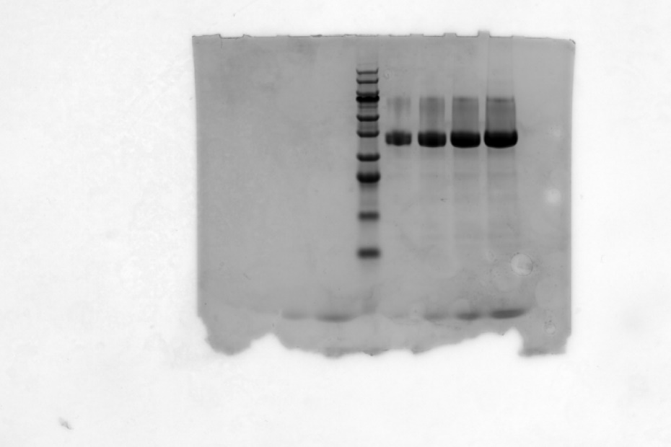
361.6473 | 4.948306 | 4.876 | 4.931
452.0591 | 5.973861 | 5.954 | 5.947
723.2946 | 6.439165 | 6.357 | 6.4354
AGE OMeY
813.7064 | 7.086698 | 6.789 | 6.9542

60
45
35
25
AGE
wild tpye

15

10

Supplementary Fig. 33
 | Area
1 | 24417.539
2 | 22097.761
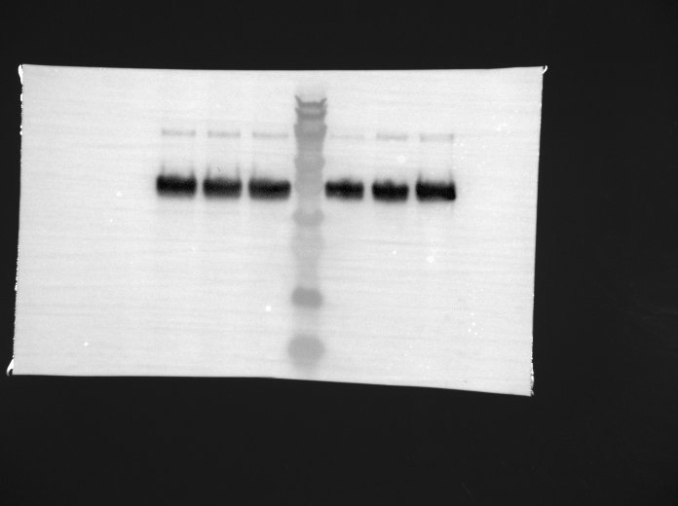
3 | 23437.589
4 | 20886.347
5 | 21054.518
6 | 23913.761

60
5
4
6

1
2
3
35
25

15

10

