Fig S1
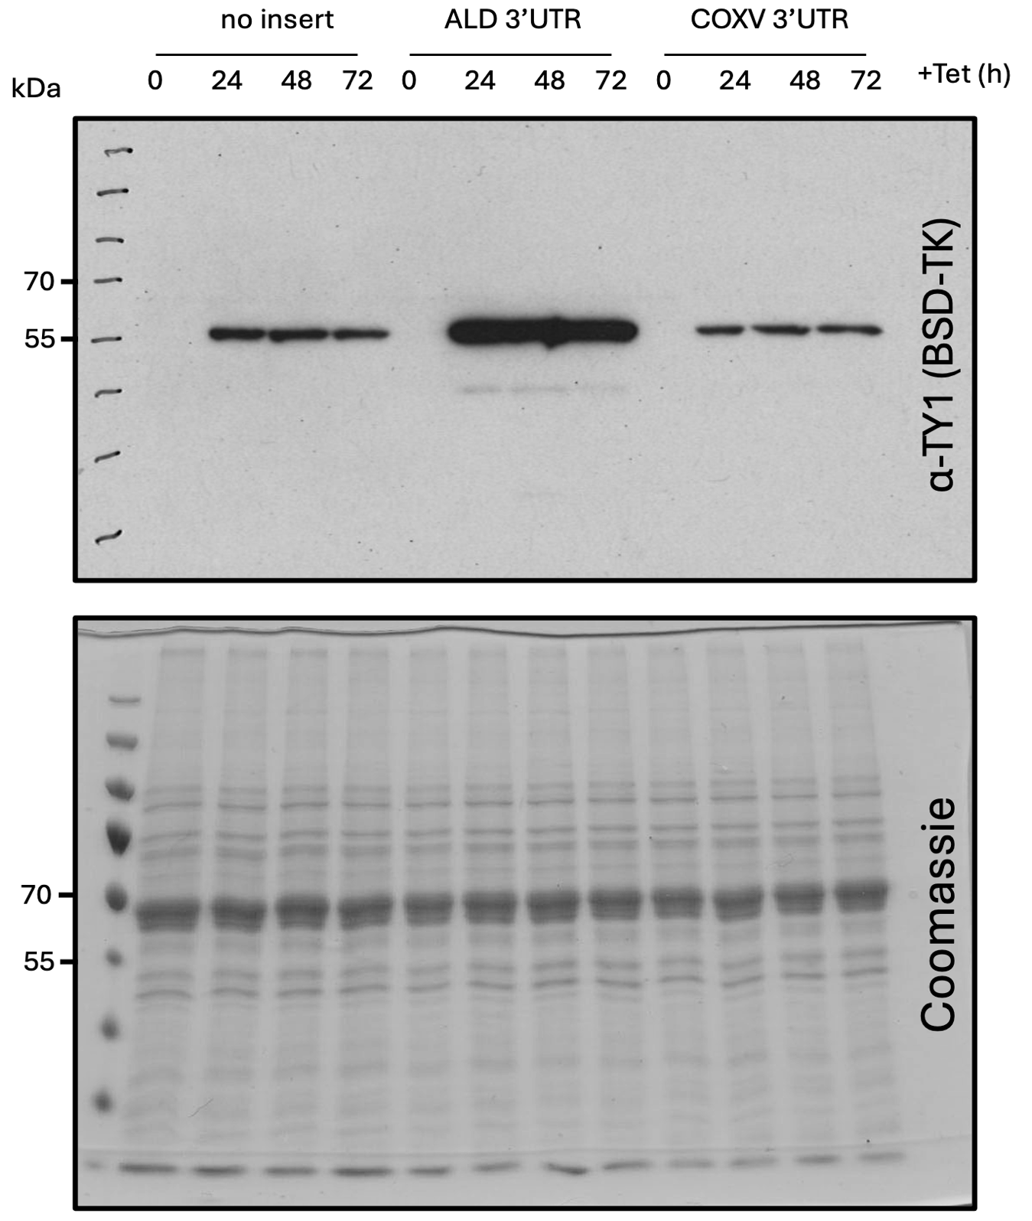

Uncropped blot and gel for Supplementary Figure 1.

Protein blotting to detect the BLA-TK reporter.

A Coomassie stained gel as a loading control.

